Fig. 3a
Effect of nanobodies on the activity of recombinant 1918 RNP in the presence of a source of capped primer
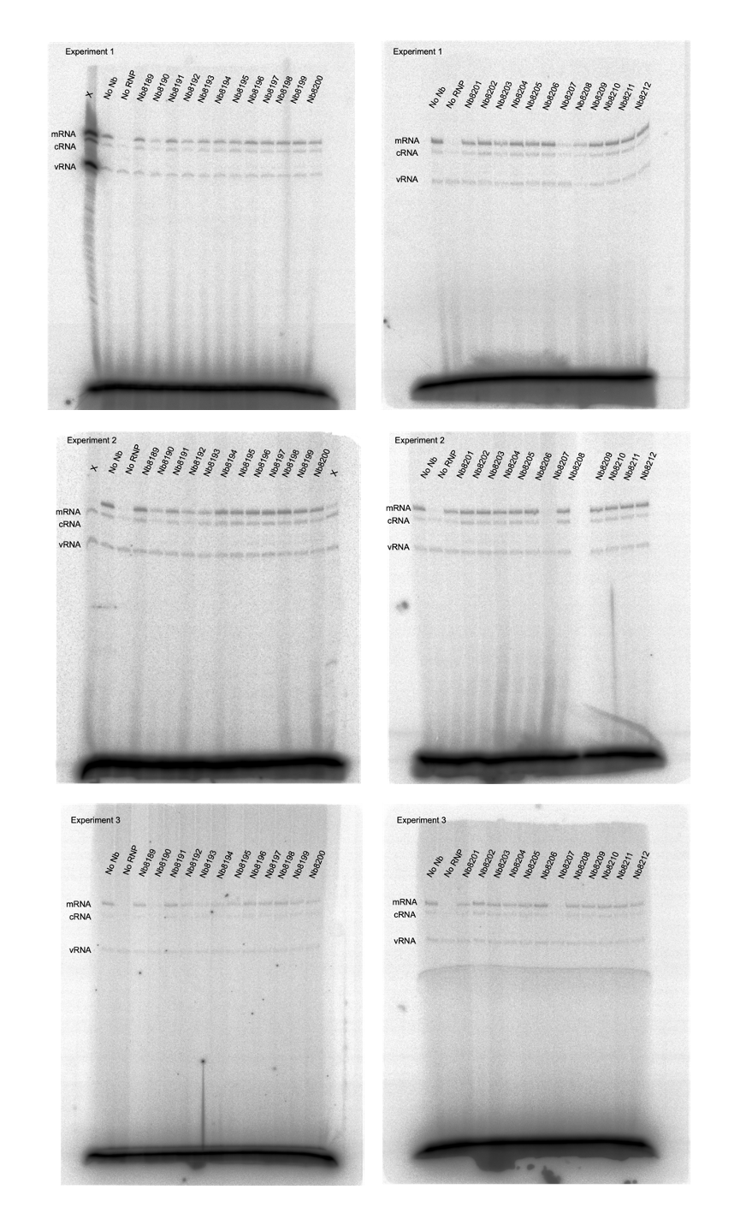

 | mRNA |  |  |  |  |  | cRNA
 | Exp. 1 | Exp. 2 | Exp. 3 | AVE | SEM | P-value | Exp. 1 | Exp. 2 | Exp. 3 | AVE | SEM | P-value
Nb8189 | 0.877888 | 0.971714 | 0.796763 | 0.88212166667 | 0.050548346661 | 0.9549 | 0.470606 | 0.889417 | 1.028327 | 0.79611666667 | 0.16762248518 | 0.9886
Nb8190 | 0.197514 | 0.337387 | 0.338515 | 0.29113866667 | 0.046813465842 | <0.0001 | 0.104995 | -0.01822 | 0.142053 | 0.076276 | 0.048443934443 | 0.0008
Nb8191 | 0.788392 | 0.714006 | 0.846098 | 0.782832 | 0.038232879899 | 0.2976 | 0.356641 | 0.341712 | 0.674782 | 0.45771166667 | 0.10862069473 | 0.1392
Nb8192 | 0.493489 | 0.380572 | 0.441435 | 0.43849866667 | 0.032629377164 | <0.0001 | 0.004008 | -0.12918 | 0.329133 | 0.067987 | 0.13611598709 | 0.0007
Nb8193 | 0.334036 | 0.504693 | 0.650758 | 0.49649566667 | 0.091521588576 | <0.0001 | 0.793152 | 0.491663 | 0.736153 | 0.673656 | 0.092472176963 | 0.7595
Nb8194 | 0.386051 | 0.829564 | 0.666684 | 0.627433 | 0.12952660736 | 0.0058 | 0.051413 | 0.525008 | 0.695828 | 0.424083 | 0.19274946154 | 0.097
Nb8195 | 0.552034 | 0.826063 | 0.675011 | 0.68436933333 | 0.079243626478 | 0.0303 | 0.407041 | 0.9994 | 1.009811 | 0.80541733333 | 0.19921083844 | 0.994
Nb8196 | 0.666101 | 0.974982 | 0.964501 | 0.868528 | 0.10125871253 | 0.8985 | 0.71599 | 0.671773 | 0.916999 | 0.768254 | 0.075459905559 | 0.9781
Nb8197 | 0.869362 | 1.057693 | 0.884473 | 0.937176 | 0.060416184496 | 0.9991 | 0.546995 | 0.954859 | 0.823373 | 0.77507566667 | 0.12019114628 | 0.9841
Nb8198 | 0.828007 | 0.865237 | 0.733957 | 0.809067 | 0.03906256648 | 0.4663 | 0.961449 | 0.347119 | 0.219369 | 0.50931233333 | 0.22905653569 | 0.232
Nb8199 | 0.712905 | 0.780164 | 0.877953 | 0.79034066667 | 0.047916190668 | 0.3413 | 0.688458 | 0.677293 | 1.120052 | 0.828601 | 0.14576113835 | 0.9952
Nb8200 | 0.381893 | 0.604447 | 0.668892 | 0.551744 | 0.08693927221 | 0.0005 | 0.471427 | 0.215993 | 0.864578 | 0.51733266667 | 0.18863202559 | 0.2498
Nb8201 | 0.723832 | 0.626423 | 0.647048 | 0.66576766667 | 0.029636395194 | 0.018 | 0.565352 | 0.294674 | 0.541912 | 0.46731266667 | 0.086584140814 | 0.1538
Nb8202 | 1.160101 | 0.807423 | 0.774519 | 0.91401433333 | 0.12340941879 | 0.9946 | 1.477765 | 1.516268 | 1.384035 | 1.459356 | 0.039266440434 | 0.3074
Nb8203 | 0.744032 | 0.844201 | 0.600396 | 0.729543 | 0.070752309378 | 0.0962 | 0.654352 | 0.868478 | 1.058141 | 0.86032366667 | 0.11663512763 | 0.999
Nb8204 | 0.662078 | 0.644327 | 0.810374 | 0.705593 | 0.052640503958 | 0.0532 | 0.716891 | 0.764837 | 1.006333 | 0.82935366667 | 0.089565558949 | 0.9952
Nb8205 | 0.692828 | 0.749415 | 0.732224 | 0.72482233333 | 0.01674923525 | 0.0859 | 0.796851 | 0.983714 | 0.979155 | 0.91990666667 | 0.06154190698 | 0.9995
Nb8206 | 1.10847 | 0.939672 | 0.844202 | 0.96411466667 | 0.077260332473 | 0.9995 | 0.415454 | 0.532909 | 0.9093 | 0.619221 | 0.14894997923 | 0.5593
Nb8207 | 0.044624 | 0.060172 | 0.173292 | 0.092696 | 0.040547180288 | <0.0001 | -0.05183 | -0.84638 | 0.086845 | -0.270455 | 0.29073177393 | <0.0001
Nb8208 | 0.751668 | 0.953169 | 0.712836 | 0.805891 | 0.074487332299 | 0.4434 | 0.484001 | 1.073325 | 0.595335 | 0.71755366667 | 0.18076572878 | 0.8934
Nb8209 | 0.670278 | 0.851265 | 0.832263 | 0.784602 | 0.057424593259 | 0.3077 | 0.601139 | 0.834123 | 0.65475 | 0.69667066667 | 0.070447126235 | 0.8351
Nb8210 | 0.788668 | 0.825601 | 0.918194 | 0.84415433333 | 0.038524519475 | 0.7382 | 0.645656 | 1.192525 | 1.207567 | 1.0152493333 | 0.18484767556 | >0.9999
Nb8211 | 0.633282 | 0.917695 | 0.856317 | 0.80243133333 | 0.086410719718 | 0.4194 | 0.550442 | 0.939278 | 1.093658 | 0.861126 | 0.16160827845 | 0.999
Nb8212 | 0.594978 | 0.803987 | 0.872435 | 0.75713333333 | 0.083450676595 | 0.1785 | 0.344548 | 0.428081 | 0.929004 | 0.567211 | 0.18249664075 | 0.3833
No polymerase | 0 | 0 | 0 | 0 | 0 | <0.0001 | 0 | 0 | 0 | 0 | 0 | 0.0003
No Nb | 1 | 1 | 1 | 1 | 0 | NA | 1 | 1 | 1 | 1 | 0 | NA

X indicates samples that were not used in this study

Data were normalised to the no nanobody (No Nb) control.

Prism 9.2.0 was used for statistical calculations and plotting data.

Fig. 4a
Effect of nanobodies on primary transcription by a reassortant A/WSN/1933 virus polymerase and NP of A/Brevig Mission/1/1918 virus in HEK293T cells transfected to express the indicated nanobodies
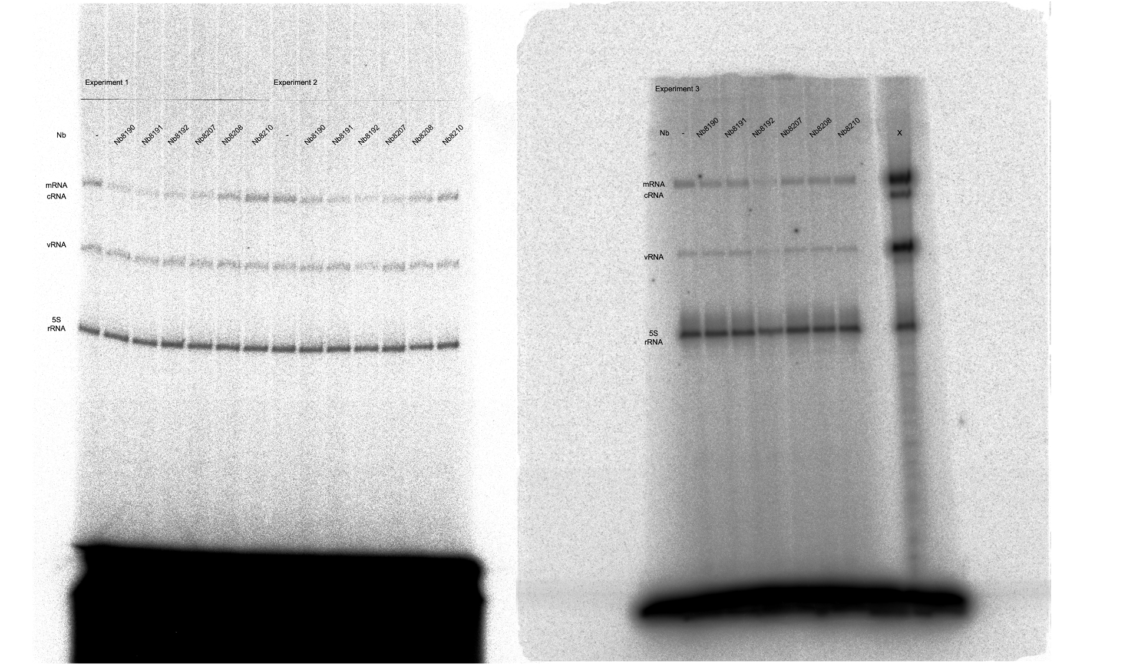

 | mRNA
 | Exp. 1 | Exp. 2 | Exp. 3 | AVE | SEM | P-value
No Nb | 1 | 1 | 1 | 1 | 0 | NA
Nb8190 | 0.809542 | 0.680973 | 0.70816 | 0.73289166667 | 0.039120490975 | 0.0188
Nb8191 | 0.41 | 0.469868 | 0.665565 | 0.51514433333 | 0.077170432758 | 0.0001
Nb8192 | 0.482742 | 0.410162 | 0.418202 | 0.43703533333 | 0.022970886889 | <0.0001
Nb8207 | 0.572318 | 0.649573 | 0.762978 | 0.661623 | 0.055367592131 | 0.0033
Nb8208 | 0.955157 | 1.047148 | 0.815515 | 0.93927333333 | 0.067336666144 | 0.9247
Nb8210 | 1.313495 | 1.2785 | 1.074149 | 1.222048 | 0.074636336452 | 0.0557

X indicates samples that were not used in this study

Data were normalised to the 5S rRNA and the no nanobody (No Nb) control.

Prism 9.2.0 was used for statistical calculations and plotting data.

Fig. 4b
Effect of nanobodies on binding of purified recombinant 1918 pandemic influenza virus polymerase to serine-5-phosphorylated Pol II CTD mimic peptide

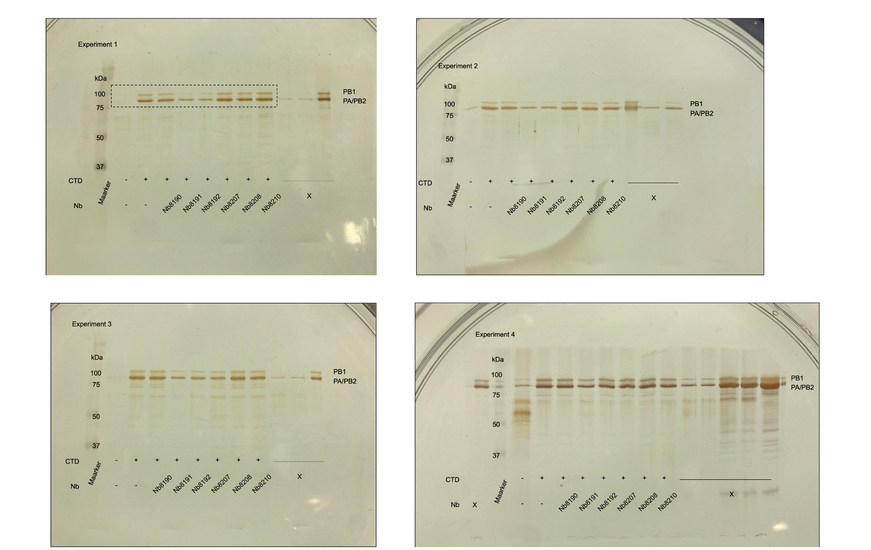

Boxed region was shown in Fig. 4b

 | Exp. 1 | Exp. 2 | Exp. 3 | Exp. 4 | AVE | SEM | P-value
No CTD | 0 | 0 | 0 | 0 | 0 | 0 | <0.0001
No Nb | 1 | 1 | 1 | 1 | 1 | 0 | NA
Nb8190 | 0.92338 | 0.817889 | 0.970375 | 0.797504 | 0.877287 | 0.04151645245 | 0.7331
Nb8191 | 0.579978 | 0.579423 | 0.692696 | 0.356091 | 0.552047 | 0.07053987128 | 0.0013
Nb8192 | 0.829893 | 0.575726 | 0.634402 | 0.466922 | 0.6215395 | 0.07609171826 | 0.0068
Nb8207 | 0.996272 | 0.532899 | 1.180232 | 1.009887 | 0.9298225 | 0.1387681048 | 0.973
Nb8208 | 1.008955 | 0.873677 | 1.050819 | 0.946798 | 0.97006225 | 0.03858501481 | 0.9996
Nb8210 | 0.867906 | 0.76099 | 1.201309 | 1.001614 | 0.95795475 | 0.09488208086 | 0.9977

Boxed region is shown in Fig. 4b.

X indicates samples that were not used in this study.

Data were normalised to the No CTD and the no nanobody (No Nb) control.

Prism 9.2.0 was used for statistical calculations and plotting data.

Fig. 4c
Effect of nanobodies on cRNA levels produced by a reassortant A/WSN/1933 virus encoding polymerase and NP of A/Brevig Mission/1/1918 virus in HEK293T cells transfected to express the indicated nanobodies and influenza virus NP and polymerase subunits including a polymerase active site mutant PB1 (PB1a)
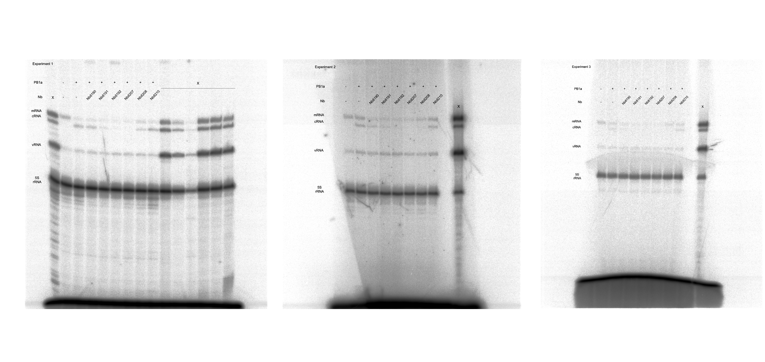

 | cRNA
 | Exp. 1 | Exp. 2 | Exp. 3 | AVE | SEM | P-value
No PB1a | 0 | 0 | 0 | 0 | 0 | <0.0001
No Nb | 1 | 1 | 1 | 1 | 0 | NA
Nb8190 | 0.803798 | 0.722978 | 0.518143 | 0.6816396667 | 0.08501242676 | 0.0156
Nb8191 | 0.317749 | 0.385626 | 0.234842 | 0.312739 | 0.04359961291 | <0.0001
Nb8192 | 0.102996 | 0.278149 | 0.083706 | 0.1549503333 | 0.06185051772 | <0.0001
Nb8207 | -0.00213 | -0.03052 | 0.007305 | -0.008448333333 | 0.01136696468 | <0.0001
Nb8208 | 0.441842 | 0.146429 | 0.413758 | 0.3340096667 | 0.09414006877 | <0.0001
Nb8210 | 1.051433 | 1.082901 | 0.754959 | 0.9630976667 | 0.1044650455 | 0.9977

X indicates samples that were not used in this study.

Data were normalised to the No PB1a control and the no nanobody (No Nb) control.

Prism 9.2.0 was used for statistical calculations and plotting data.

Fig. 4d
Effect of nanobodies on cRNA levels produced by a reassortant A/WSN/1933 virus encoding polymerase and NP of A/Brevig Mission/1/1918 virus in HEK293T cells transfected to express the indicated nanobodies and influenza virus NP and polymerase subunits including a wild-type PB1
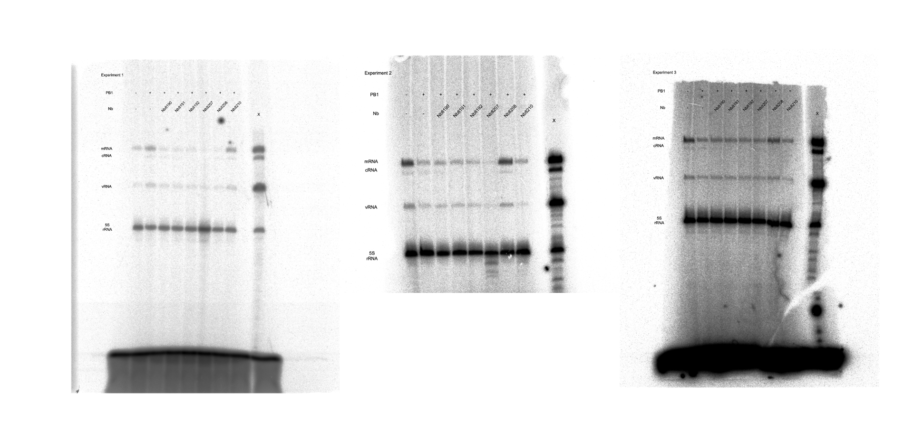

 | mRNA |  |  |  |  | cRNA |  |  |  |  | vRNA
 | Exp. 1 | Exp. 2 | Exp. 3 | AVE | SEM | Exp. 1 | Exp. 2 | Exp. 3 | AVE | SEM | Exp. 1 | Exp. 2 | Exp. 3 | AVE | SEM | P-value
No PB1 | 0.408506 | 0.401664 | 0.453511 | 0.421227 | 0.01626238741 | 0.408506 | 0 | 0 | 0.1361686667 | 0.1361686667 | 0 | 0 | 0 | 0 | 0 | <0.0001
No Nb | 1 | 1 | 1 | 1 | 0 | 1 | 1 | 1 | 1 | 0 | 1 | 1 | 1 | 1 | 0 | NA
Nb8190 | 0.240123 | 0.403756 | 0.454539 | 0.3661393333 | 0.06469110055 | 0.240123 | 0.952876 | 0.5328 | 0.5752663333 | 0.2068467644 | 0.307218 | 0.455861 | 0.294482 | 0.3525203333 | 0.05180096995 | 0.0007
Nb8191 | 0.222903 | 0.433343 | 0.475627 | 0.377291 | 0.07815310843 | 0.222903 | 0.524781 | 0.037741 | 0.2618083333 | 0.1419356769 | 0.33799 | 0.325143 | 0.287468 | 0.316867 | 0.01516011492 | 0.0001
Nb8192 | 0.188762 | 0.385363 | 0.443042 | 0.3390556667 | 0.07696938015 | 0.188762 | 0.033071 | -0.01678 | 0.068351 | 0.06190150036 | 0.145881 | 0.325563 | 0.38133 | 0.284258 | 0.07103669279 | <0.0001
Nb8207 | 0.068169 | 0.435999 | 0.425176 | 0.3097813333 | 0.1208465612 | 0.068169 | 0.291668 | -0.12687 | 0.07765566667 | 0.1209145869 | -0.02928 | 0.28245 | 0.283391 | 0.1788536667 | 0.1040671879 | <0.0001
Nb8208 | 0.158445 | 0.146871 | 0.392417 | 0.2325776667 | 0.07998947583 | 0.158445 | 0.199384 | 0.337443 | 0.2317573333 | 0.05414823954 | 0.203435 | 0.039425 | 0.167922 | 0.1369273333 | 0.04981740675 | <0.0001
Nb8210 | 1.084048 | 1.005329 | 0.745927 | 0.9451013333 | 0.1021469228 | 1.084048 | 0.950962 | 0.923699 | 0.9862363333 | 0.04953503607 | 1.011012 | 0.518229 | 0.7002 | 0.743147 | 0.1438657996 | 0.8148

X indicates samples that were not used in this study.

Data were normalised to the No PB1 control and the no nanobody (No Nb) control.

Prism 9.2.0 was used for statistical calculations and plotting data.

Sup Fig. 1
Functional analysis of the 1918 polymerase

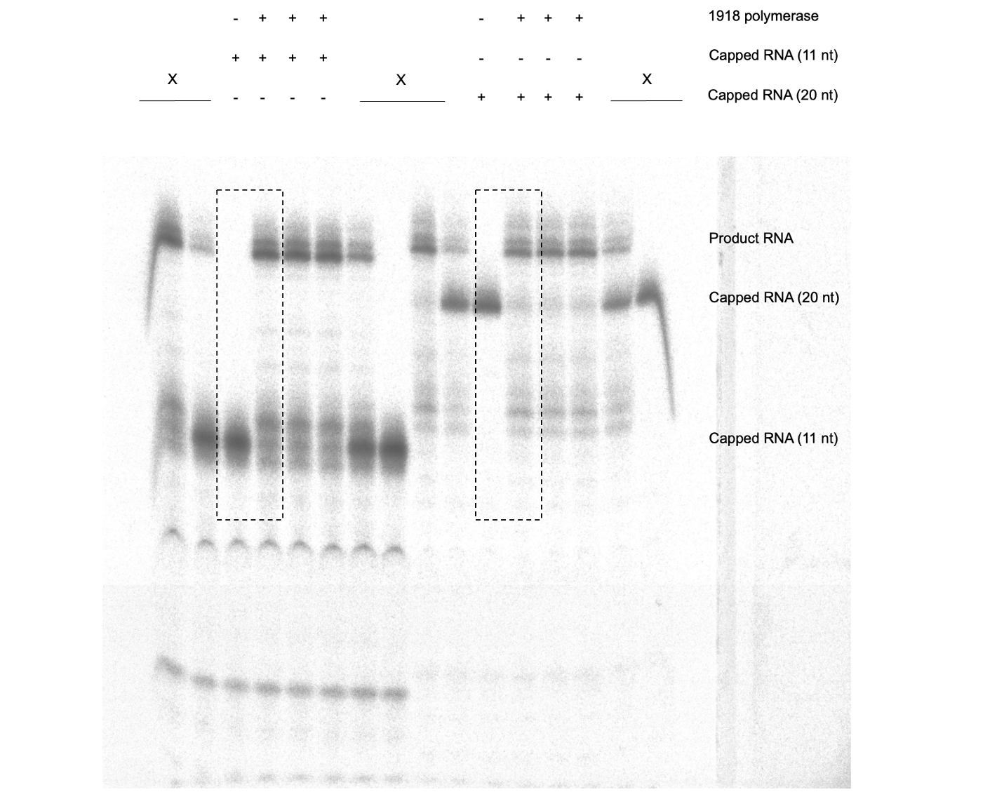

Boxed region is shown in Sup Fig. 1.

X indicates samples that were not used in this study.

Sup Fig. 8a
Expression of nanobodies in transfected HEK293T cells was analysed by SDS-PAGE and Western blotting and Commassie Brillian Blue staining

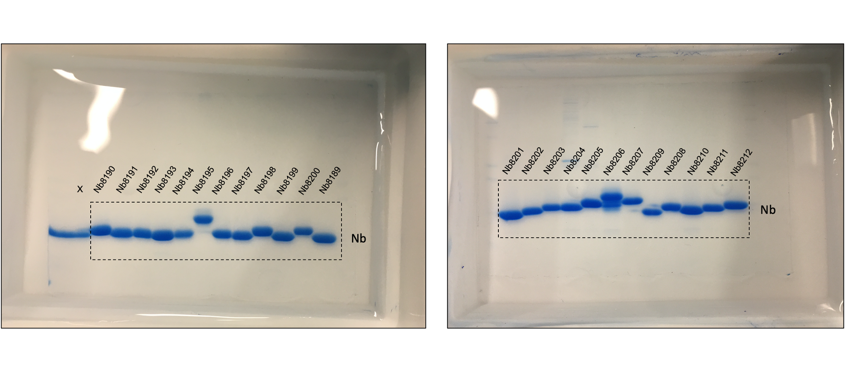

Boxed region is shown in Sup Fig. 7a.

X indicates bands that were not used in this study.

Sup Fig. 8b
Effect of nanobodies on mRNA, cRNA and vRNA in HEK293T cells during a course of infection with WSN-1918RNP virus

Set 1 |  |  |  |  |  |  |  |  |  | Set 2
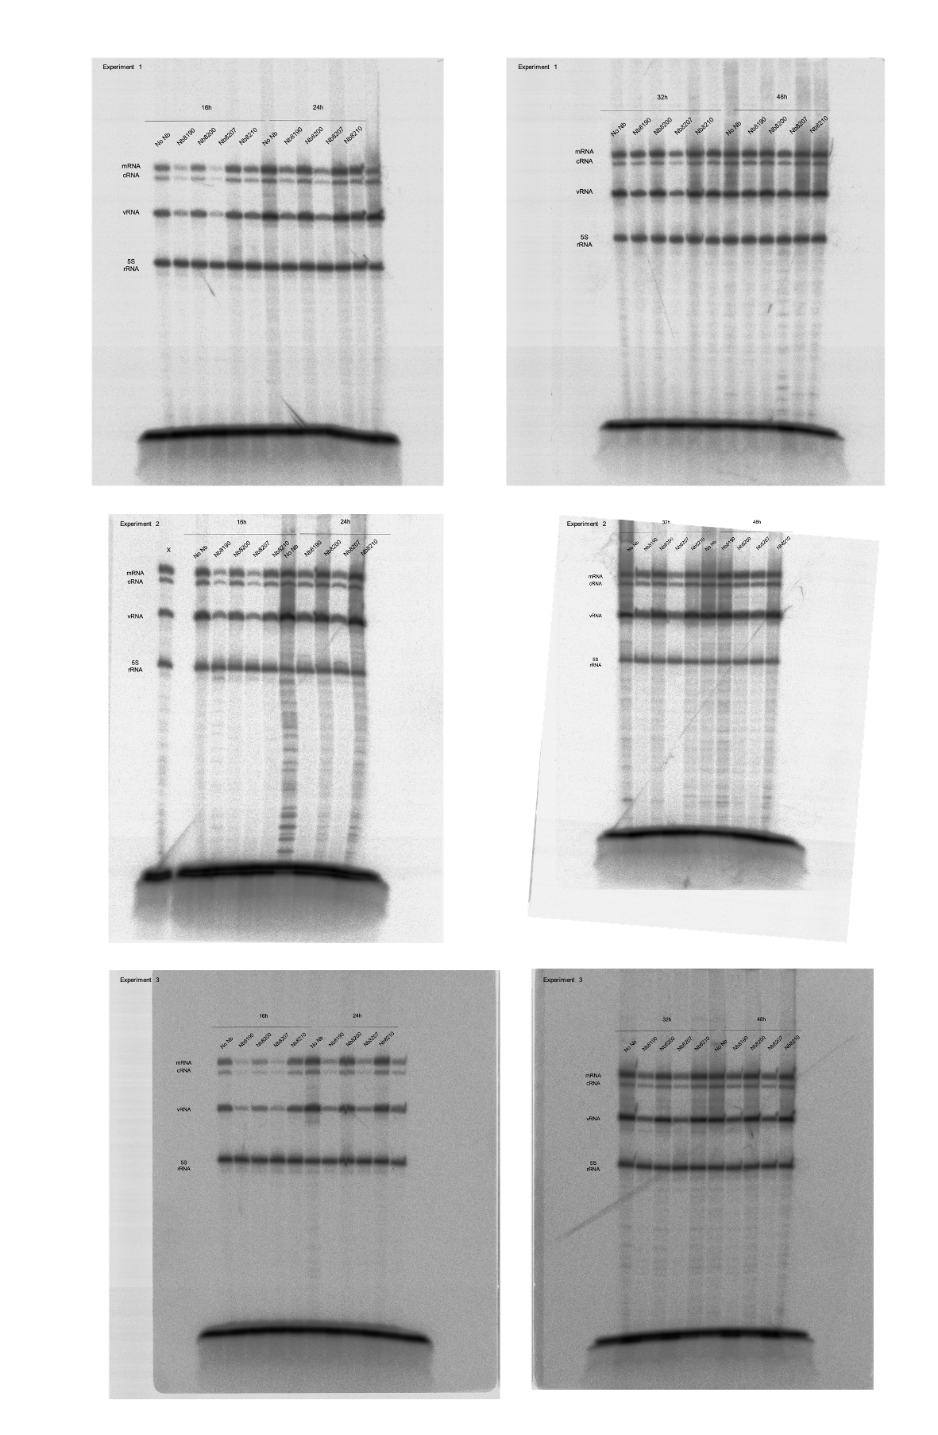
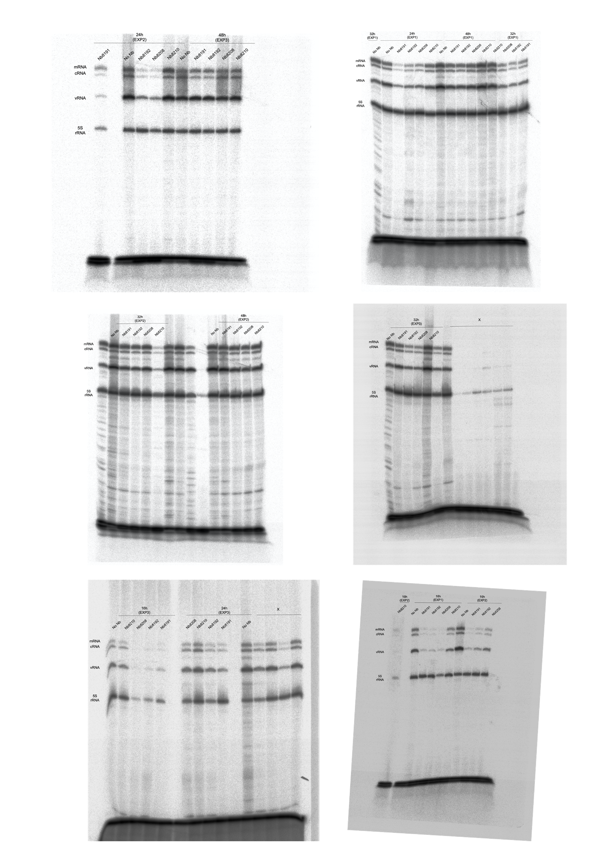

Set 1

 | mRNA |  |  |  |  |  | cRNA |  |  |  |  |  | vRNA
 | Exp. 1 | Exp. 2 | Exp. 3 | AVE | SEM | P-value | Exp. 1 | Exp. 2 | Exp. 3 | AVE | SEM | P-value | Exp. 1 | Exp. 2 | Exp. 3 | AVE | SEM | P-value
No Nb 16h | 1.000000 | 1.000000 | 1.000000 | 1.000000 | 0.000000 | NA | 1.000000 | 1.000000 | 1.000000 | 1.000000 | 0.000000 | NA | 1.000000 | 1.000000 | 1.000000 | 1.000000 | 0.000000 | NA
Nb8190 16h | 0.506655 | 0.183420 | 0.324118 | 0.338064 | 0.093570 | 0.0004 | 0.506655 | 0.156284 | 0.240924 | 0.301288 | 0.105551 | 0.0006 | 0.581622 | 0.276515 | 0.429768 | 0.429302 | 0.088077 | 0.0006
Nb8207 16h | 0.449114 | 0.168866 | 0.199399 | 0.272460 | 0.088766 | 0.0002 | 0.449114 | 0.158610 | 0.163802 | 0.257175 | 0.095981 | 0.0004 | 0.458214 | 0.269586 | 0.301117 | 0.342972 | 0.058335 | 0.0003
Nb8210 16h | 0.865178 | 0.897676 | 1.037285 | 0.933380 | 0.052793 | 0.8394 | 0.865178 | 0.765202 | 0.988047 | 0.872809 | 0.064443 | 0.5519 | 0.953062 | 0.734412 | 0.951341 | 0.879605 | 0.072598 | 0.4492
No Nb 24h | 1.000000 | 1.000000 | 1.000000 | 1.000000 | 0.000000 | NA | 1.000000 | 1.000000 | 1.000000 | 1.000000 | 0.000000 | NA | 1.000000 | 1.000000 | 1.000000 | 1.000000 | 0.000000 | NA
Nb8190 24h | 0.414669 | 0.342136 | 0.515576 | 0.424127 | 0.050291 | <0.0001 | 0.414669 | 0.184661 | 0.414723 | 0.338018 | 0.076678 | 0.0002 | 0.458140 | 0.355882 | 0.503480 | 0.439167 | 0.043651 | <0.0001
Nb8207 24h | 0.464410 | 0.335773 | 0.421415 | 0.407199 | 0.037808 | <0.0001 | 0.464410 | 0.223896 | 0.324543 | 0.337616 | 0.069737 | 0.0002 | 0.466955 | 0.352255 | 0.458414 | 0.425875 | 0.036892 | <0.0001
Nb8210 24h | 0.879849 | 0.974929 | 1.037254 | 0.964011 | 0.045766 | 0.8511 | 0.879849 | 0.714167 | 0.948245 | 0.847420 | 0.069491 | 0.2675 | 0.864824 | 0.799048 | 0.988350 | 0.884074 | 0.055488 | 0.1682
No Nb 32h | 1.000000 | 1.000000 | 1.000000 | 1.000000 | 0.000000 | NA | 1.000000 | 1.000000 | 1.000000 | 1.000000 | 0.000000 | NA | 1.000000 | 1.000000 | 1.000000 | 1.000000 | 0.000000 | NA
Nb8190 32h | 0.714499 | 0.579134 | 0.700985 | 0.664873 | 0.043046 | 0.0005 | 0.714499 | 0.463028 | 0.553406 | 0.576978 | 0.073544 | 0.0004 | 0.935832 | 0.501319 | 0.552649 | 0.663267 | 0.137086 | 0.2914
Nb8207 32h | 0.511333 | 0.572105 | 0.531808 | 0.538415 | 0.017852 | <0.0001 | 0.511333 | 0.416195 | 0.413935 | 0.447154 | 0.032096 | <0.0001 | 0.724797 | 0.545489 | 0.479875 | 0.583387 | 0.073198 | 0.1674
Nb8210 32h | 1.038311 | 1.072282 | 0.891044 | 1.000546 | 0.055622 | >0.9999 | 1.038311 | 0.941751 | 0.905492 | 0.961851 | 0.039637 | 0.8772 | 1.568983 | 1.074589 | 0.743387 | 1.128986 | 0.239876 | 0.8594
No Nb 48h | 1.000000 | 1.000000 | 1.000000 | 1.000000 | 0.000000 | NA | 1.000000 | 1.000000 | 1.000000 | 1.000000 | 0.000000 | NA | 1.000000 | 1.000000 | 1.000000 | 1.000000 | 0.000000 | NA
Nb8190 48h | 0.657675 | 0.862541 | 1.033194 | 0.851137 | 0.108553 | 0.3684 | 0.657675 | 0.561312 | 0.720897 | 0.646628 | 0.046398 | 0.0268 | 0.715262 | 0.755809 | 0.891129 | 0.787400 | 0.053169 | 0.0634
Nb8207 48h | 0.615761 | 0.689756 | 0.834329 | 0.713282 | 0.064182 | 0.051 | 0.615761 | 0.429861 | 0.494204 | 0.513275 | 0.054505 | 0.0048 | 0.692671 | 0.744538 | 0.786318 | 0.741176 | 0.027086 | 0.0266
Nb8210 48h | 1.250894 | 1.033202 | 1.103894 | 1.129330 | 0.064116 | 0.4686 | 1.250894 | 0.815628 | 0.901249 | 0.989257 | 0.133133 | 0.9992 | 1.200092 | 1.107168 | 0.886285 | 1.064515 | 0.093065 | 0.7528

Set 2

 | mRNA |  |  |  |  |  | cRNA |  |  |  |  |  | vRNA
 | Exp. 1 | Exp. 2 | Exp. 3 | AVE | SEM | P-value | Exp. 1 | Exp. 2 | Exp. 3 | AVE | SEM | P-value | Exp. 1 | Exp. 2 | Exp. 3 | AVE | SEM | P-value
No Nb 16h | 1.000000 | 1.000000 | 1.000000 | 1.000000 | 0.000000 | NA | 1.000000 | 1.000000 | 1.000000 | 1.000000 | 0.000000 | NA | 1.000000 | 1.000000 | 1.000000 | 1.000000 | 0.000000 | NA
Nb8191 16h | 0.114554 | 0.275539 | 0.491306 | 0.293800 | 0.109142 | 0.0026 | 0.105731 | 0.316478 | 0.497976 | 0.306728 | 0.113336 | 0.0046 | 0.152590 | 0.497840 | 0.561253 | 0.403894 | 0.126979 | 0.0059
Nb8192 16h | 0.096812 | 0.545058 | 0.350362 | 0.330744 | 0.129769 | 0.0037 | 0.145024 | 0.641232 | 0.338782 | 0.375013 | 0.144384 | 0.0091 | 0.186625 | 0.601990 | 0.430105 | 0.406240 | 0.120498 | 0.006
Nb8208 16h | 0.093793 | 0.601675 | 0.429613 | 0.375027 | 0.149132 | 0.0059 | 0.136735 | 0.593683 | 0.383763 | 0.371394 | 0.132054 | 0.0088 | 0.234198 | 0.647265 | 0.430462 | 0.437308 | 0.119291 | 0.0085
Nb8210 16h | 0.867093 | 1.068648 | 0.915898 | 0.950546 | 0.060708 | 0.9907 | 0.604699 | 0.976282 | 0.764254 | 0.781745 | 0.107623 | 0.4827 | 0.752673 | 0.994078 | 0.841785 | 0.862845 | 0.070479 | 0.7368
No Nb 24h | 1.000000 | 1.000000 | 1.000000 | 1.000000 | 0.000000 | NA | 1.000000 | 1.000000 | 1.000000 | 1.000000 | 0.000000 | NA | 1.000000 | 1.000000 | 1.000000 | 1.000000 | 0.000000 | NA
Nb8191 24h | 0.050235 | 0.566443 | 0.843924 | 0.486867 | 0.232547 | 0.0833 | 0.087067 | 0.515898 | 0.811166 | 0.471377 | 0.210211 | 0.0395 | 0.146311 | 0.611545 | 0.745722 | 0.501193 | 0.181619 | 0.0238
Nb8192 24h | 0.133264 | 0.527940 | 0.750694 | 0.470633 | 0.180525 | 0.0731 | 0.199890 | 0.429300 | 0.758304 | 0.462498 | 0.162053 | 0.0363 | 0.247099 | 0.632207 | 0.550391 | 0.476566 | 0.117139 | 0.0182
Nb8208 24h | 0.276989 | 0.625914 | 0.461545 | 0.454816 | 0.100782 | 0.0642 | 0.356488 | 0.559230 | 0.466443 | 0.460720 | 0.058596 | 0.0357 | 0.428268 | 0.664573 | 0.565714 | 0.552852 | 0.068518 | 0.042
Nb8210 24h | 0.811545 | 0.965714 | 0.829300 | 0.868853 | 0.048701 | 0.9071 | 0.665714 | 0.819376 | 0.748204 | 0.744431 | 0.044398 | 0.4324 | 0.802493 | 1.024930 | 0.940852 | 0.922758 | 0.064846 | 0.9566
No Nb 32h | 1.000000 | 1.000000 | 1.000000 | 1.000000 | 0.000000 | NA | 1.000000 | 1.000000 | 1.000000 | 1.000000 | 0.000000 | NA | 1.000000 | 1.000000 | 1.000000 | 1.000000 | 0.000000 | NA
Nb8191 32h | 0.327647 | 0.743287 | 0.973575 | 0.681503 | 0.189005 | 0.4464 | 0.289135 | 1.320832 | 0.535013 | 0.714993 | 0.311124 | 0.6973 | 0.608528 | 0.543838 | 0.574410 | 0.575592 | 0.018684 | <0.0001
Nb8192 32h | 0.397265 | 0.624966 | 1.081674 | 0.701302 | 0.201225 | 0.4979 | 0.267213 | 1.100380 | 0.563305 | 0.643633 | 0.243845 | 0.5337 | 0.749141 | 0.642618 | 0.725035 | 0.705598 | 0.032250 | <0.0001
Nb8208 32h | 1.032207 | 0.721577 | 1.357922 | 1.037235 | 0.183714 | 0.9991 | 0.625914 | 1.214953 | 0.770186 | 0.870351 | 0.177263 | 0.9687 | 0.766443 | 0.756975 | 0.778686 | 0.767368 | 0.006284 | 0.0003
Nb8210 32h | 1.274188 | 0.932207 | 0.959230 | 1.055208 | 0.109767 | 0.9969 | 0.701854 | 0.864573 | 0.743924 | 0.770117 | 0.048764 | 0.8192 | 0.772423 | 0.923875 | 0.811166 | 0.835821 | 0.045425 | 0.0045
No Nb 48h | 1.000000 | 1.000000 | 1.000000 | 1.000000 | 0.000000 | NA | 1.000000 | 1.000000 | 1.000000 | 1.000000 | 0.000000 | NA | 1.000000 | 1.000000 | 1.000000 | 1.000000 | 0.000000 | NA
Nb8191 48h | 0.569789 | 1.005603 | 0.564254 | 0.713215 | 0.146203 | 0.1661 | 0.332748 | 0.674074 | 0.641785 | 0.549536 | 0.108794 | 0.0224 | 0.728732 | 0.784119 | 0.745245 | 0.752699 | 0.016417 | 0.0292
Nb8192 48h | 0.649624 | 0.805646 | 0.648204 | 0.701158 | 0.052246 | 0.1445 | 0.332106 | 0.775342 | 0.640852 | 0.582767 | 0.131206 | 0.0337 | 0.808343 | 1.120001 | 0.760603 | 0.896316 | 0.112689 | 0.4993
Nb8208 48h | 0.734716 | 0.964573 | 0.824930 | 0.841406 | 0.066863 | 0.6015 | 0.656007 | 0.327940 | 0.425914 | 0.469954 | 0.097231 | 0.0086 | 0.955003 | 0.827940 | 0.925914 | 0.902952 | 0.038435 | 0.5516
Nb8210 48h | 0.714849 | 1.139362 | 0.819376 | 0.891196 | 0.127699 | 0.8314 | 0.675784 | 0.933265 | 0.750694 | 0.786581 | 0.076464 | 0.3626 | 0.909709 | 0.965849 | 0.958304 | 0.944621 | 0.017591 | 0.8786

X indicates samples that were not used in this study.

Data were normalised to the no nanobody (No Nb) control.

Prism 9.2.0 was used for statistical calculations and plotting data.

Sup Fig. 9a
Purified nanobodies analysed by SDS-PAGE and Western blotting using an anti-alpaca antibody

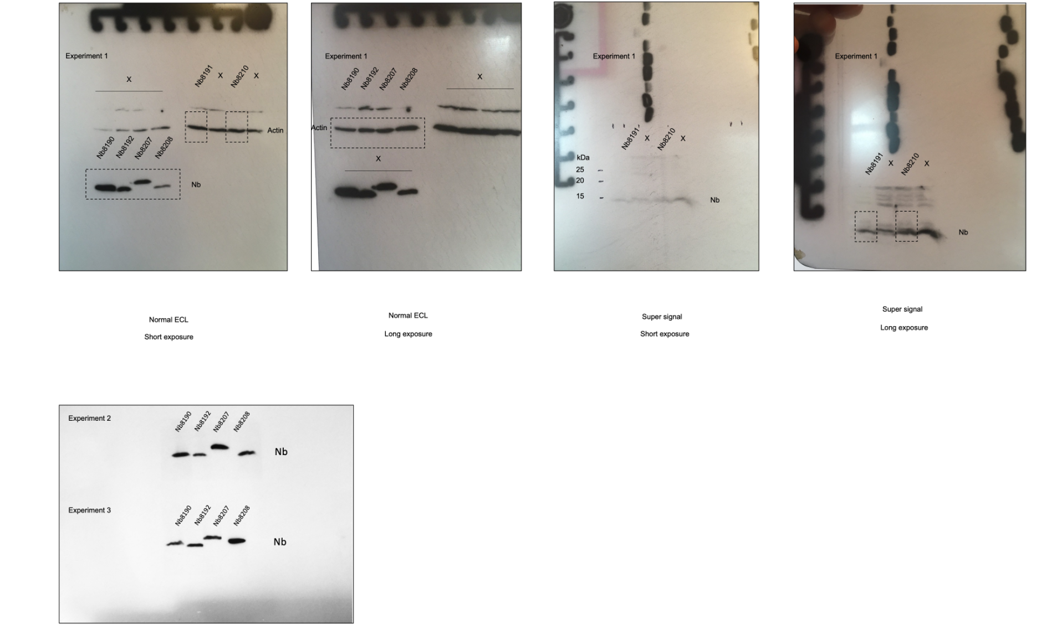

Boxed region is shown in Sup Fig. 8a.

X indicates samples that were not used in this study.

