2D
134Q
134Q
17Q
HTT
-
-
17Q
DNAJB12-FLAG
FL
Short
FL
Short
FL
Short
2d
 | empty plasmid
 |  |  | hc=heavy chain
 |  |  | lc-light chain

WB:HSP70
70
hc

DNAJB14-FL

WB:FLAG
25
 |  | \
DNAJB14-Short

4D
IP
Input
DNAJB14-FLAG
4D
IP
FL
short
FL
IgG
Δshort
short
FL
FL
Δshort
IgG
YFP
YFP
YFP
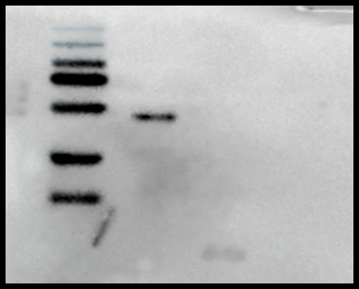
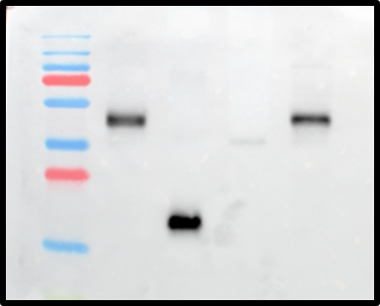

70
70

25
25

S6F
IP
Input
DNAJB14-FLAG
short
FL
Δshort
FL
short
FL
Δshort
IP
YFP
YFP
YFP
IgG
IgG

70
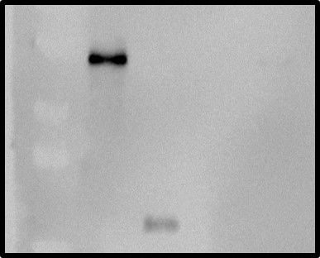
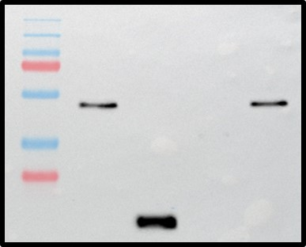

70

25
25

S6P
FUS WT WT WT WT R521H R521H R521H R521H
DNAJB14-FLAG FL HPDmut1 short Δ DUF FL HPDmut1 short Δ DUF
DNAJB12-FL-mOrange + + + + + + + +
S6P

input
WB:mOrange
70

WB:ACTIN
25

DNAJB14-FLAG FL HPDmut1 short ΔDUF - -
DNAJB12-FL-mOrange + + + + - -

WB:mOrange
WB:mOrange
70
70

WB:ACTIN

25
25

S6Q
 |  |  | hc=heavy chain
IP | input |  | lc-light chain

DNAJB12-FLAG - short short FL FL
DNAJB14-FL-mORANGE - + + + +
 |  | HSP70 RUN ON A DIFFERENT GEL.
DNAJB12-FLAG - - short short FL FL
DNAJB14-FL-mORANGE - - + + + +

IP:FLAG, WB:FLAG

70
hc
DNAJB14-FL
Input, WB:mORANGE
70

LC
25
DNAJB14-Short

DNAJB12-FLAG - short short FL FL
DNAJB14-FL-mORANGE - + + + +
 |  | ACTIN OF THE SAME SAMPLE

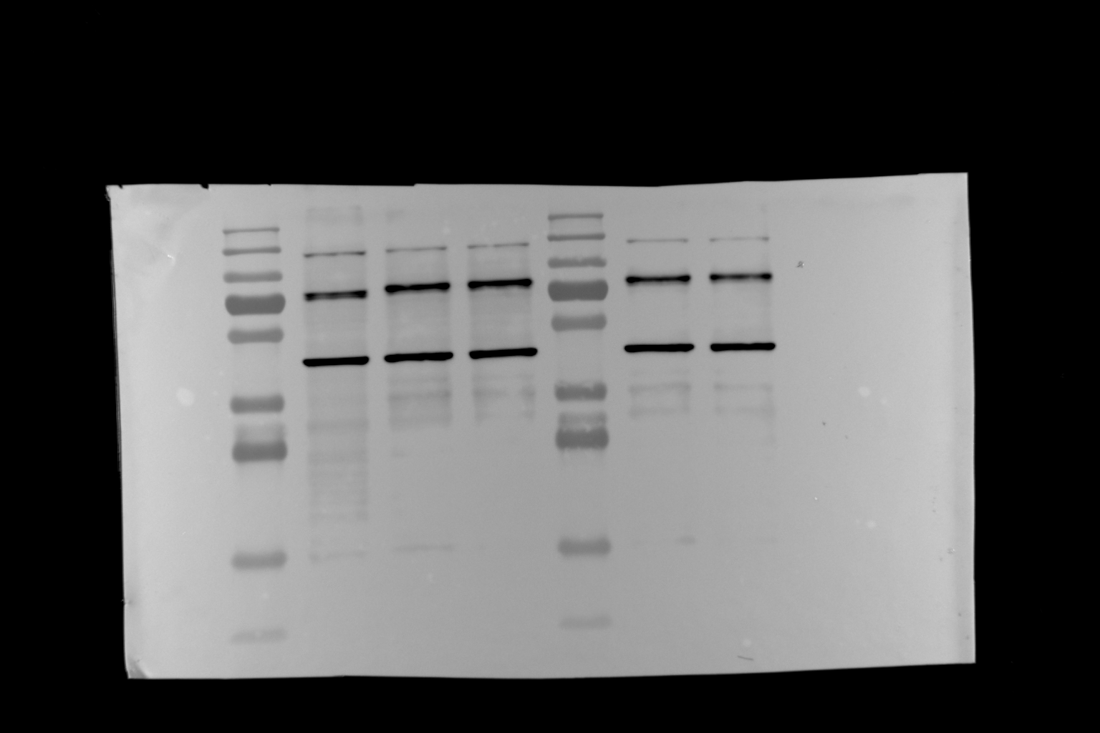

70

IP:FLAG, WB:mORANGE
Input, WB:Actin

hc
25

LC

S7A
FIG S7A

 | hc=heavy chain
 | lc-light chain

FUS R521H R521H R521H WT WT WT
DNAJB14-FLAG FL short HPDmut1 FL short HPDmut1
DNAJB14-FLAG FL short HPDmut1

WB:HSP70
70
WB:HSP70
70
HC
DNAJB14-FL
HC
DNAJB14-FL

25
WB:FLAG
25
WB:FLAG
DNAJB14-Short

DNAJB14-Short

S8A
FIG S8A
FUS - R521H WT R521H WT R521H WT
DNAJB14-FLAG - ΔDUF ΔDUF short short FL FL

 | hc=heavy chain
 | lc-light chain

WB:HSP70

DNAJB14-FL

WB:FLAG

DNAJB14-ΔDUF

LC

DNAJB14-Short

