Fig. 1A
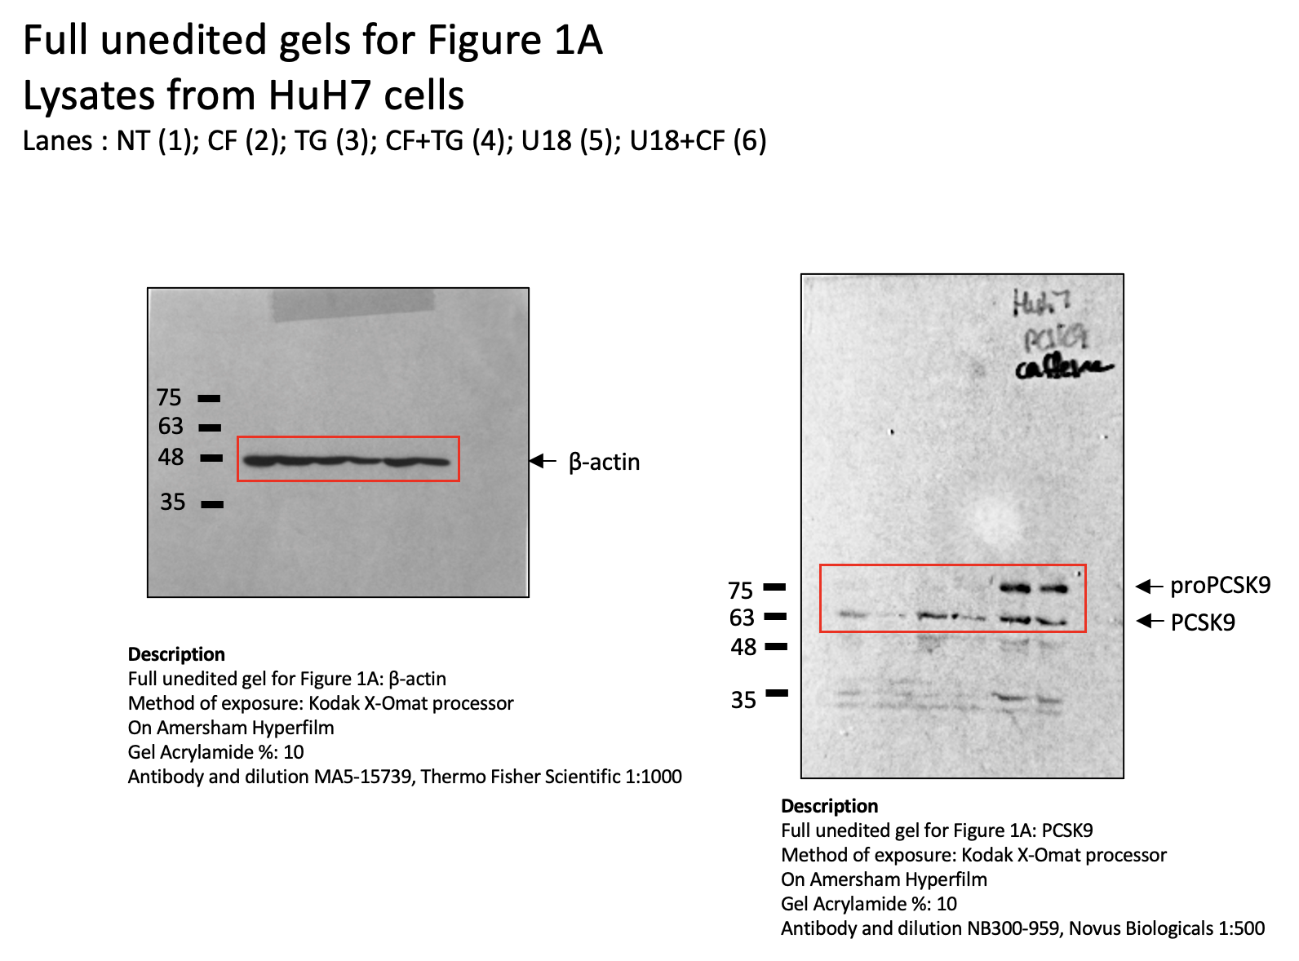

Fig. 2E
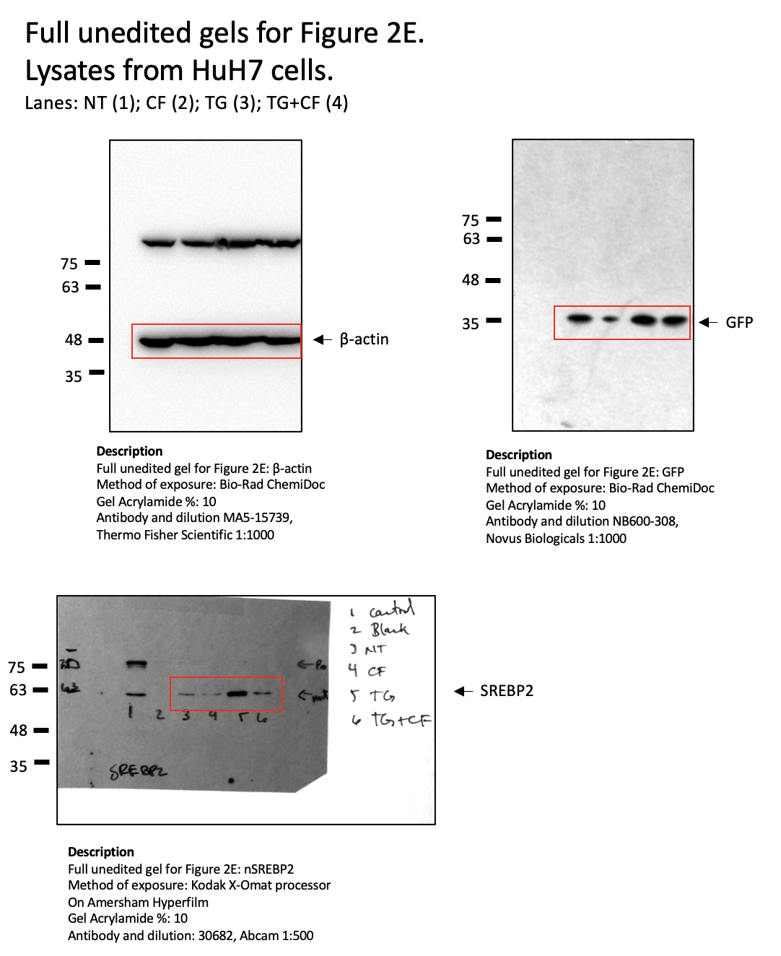

Fig. 3C
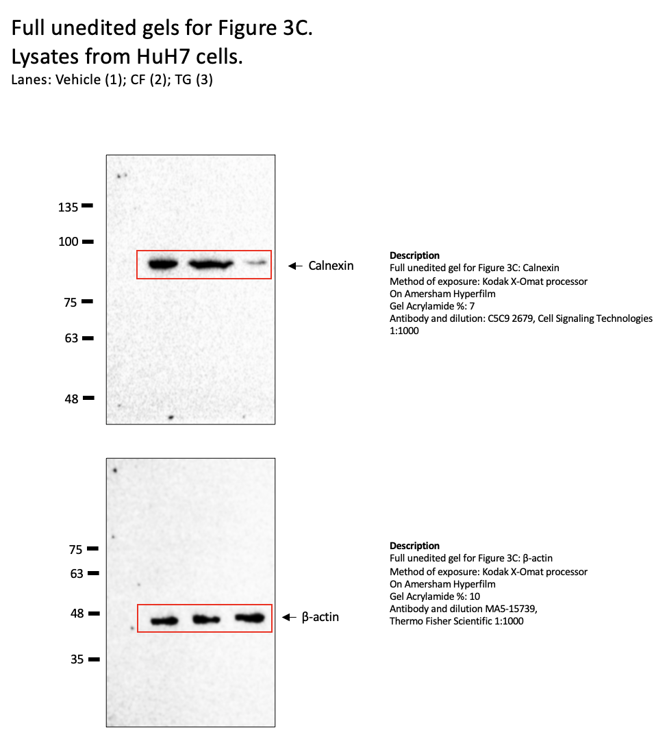

Fig. 4A
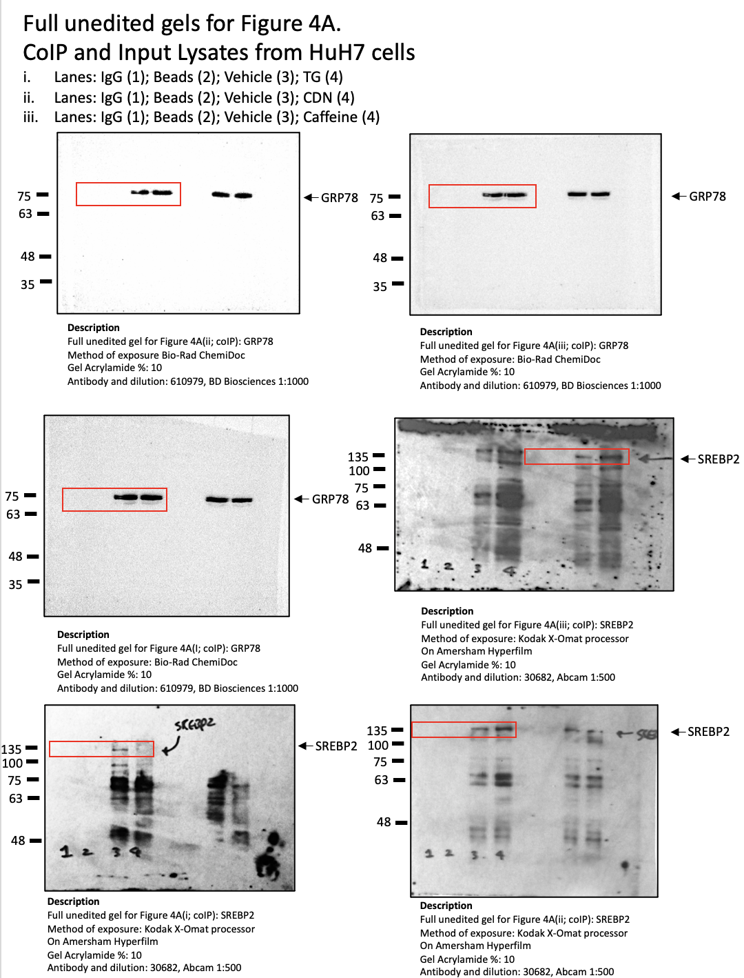
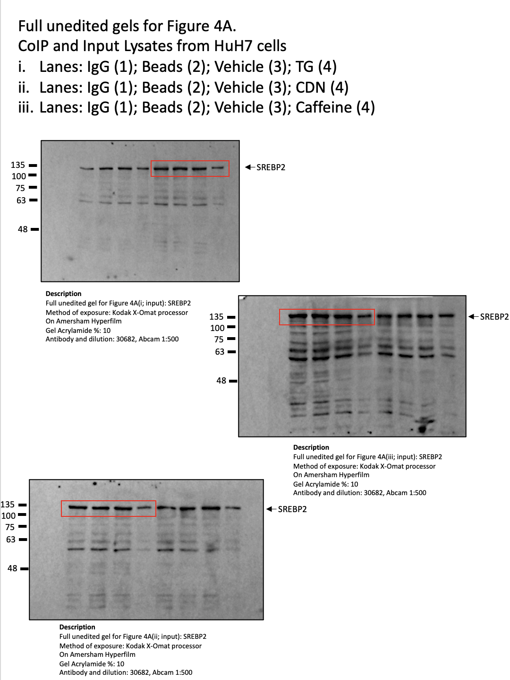

Fig. 4B
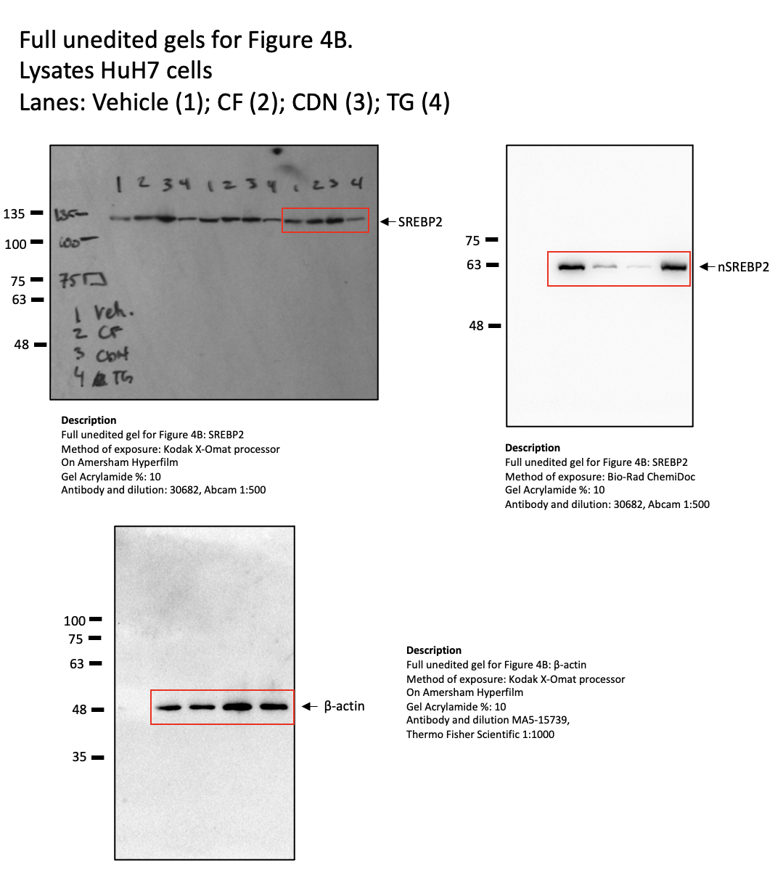

Fig. 4F
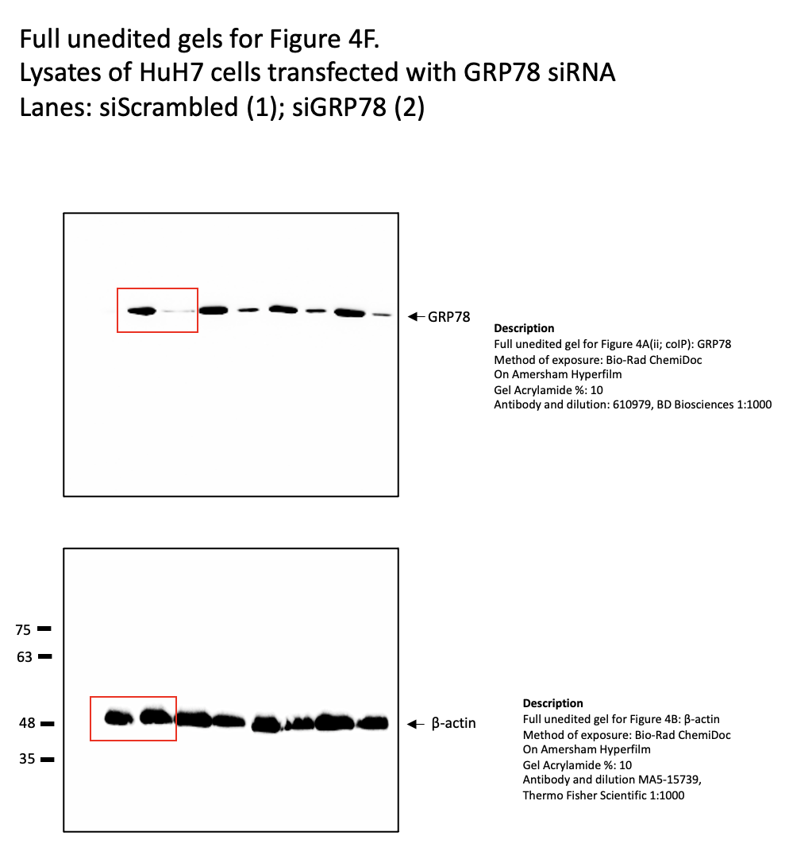

Fig. 5F
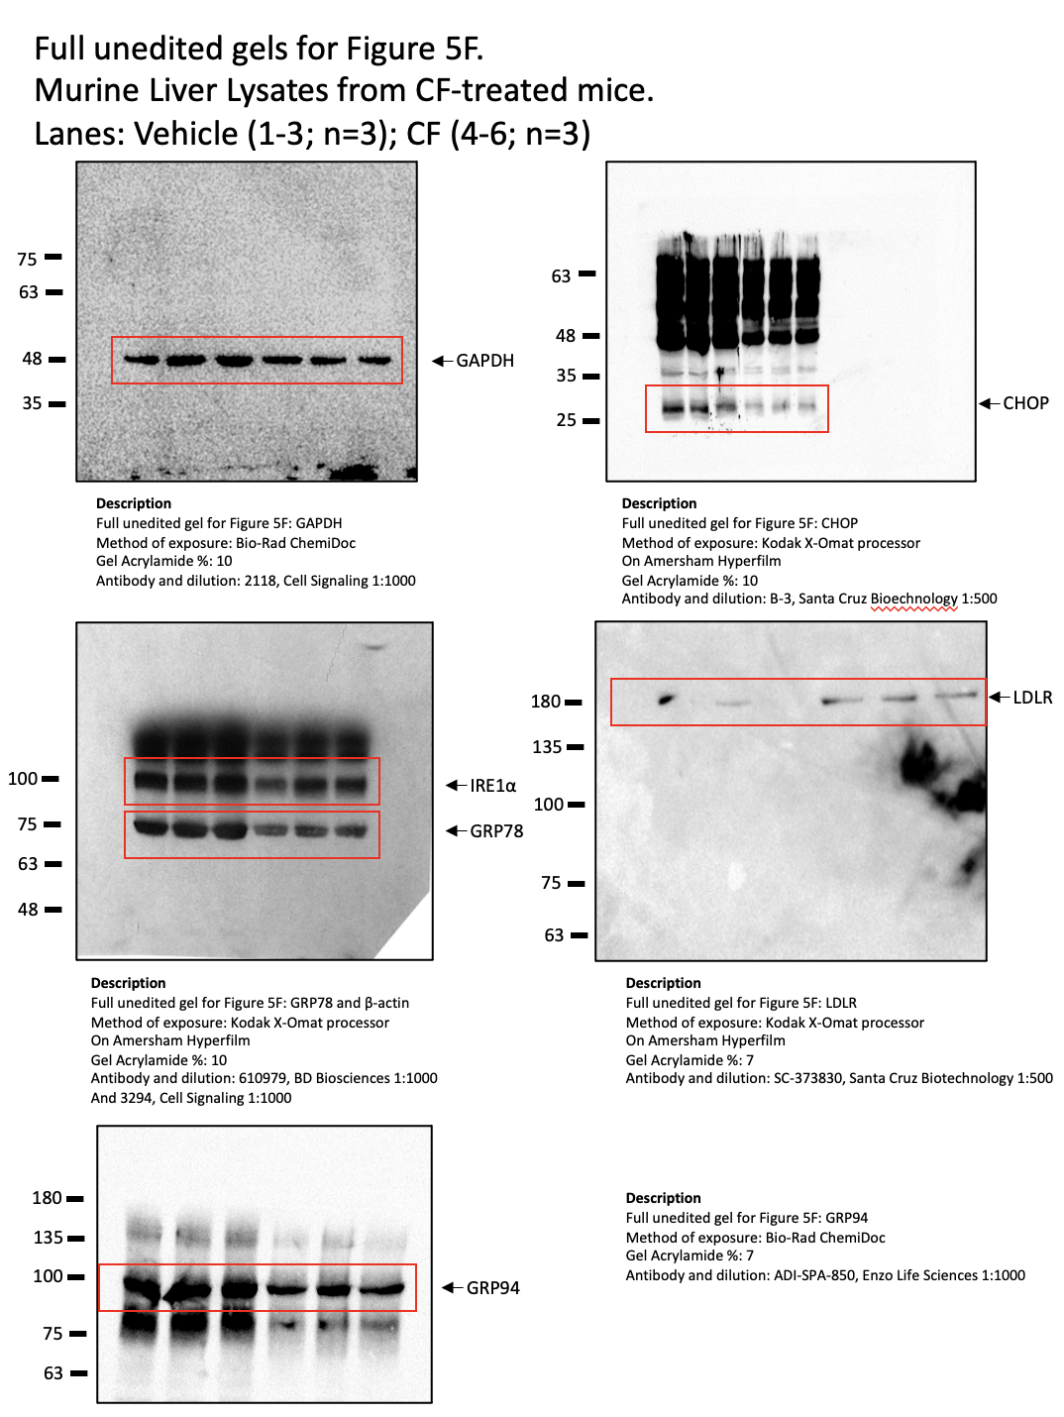

Fig. 5I
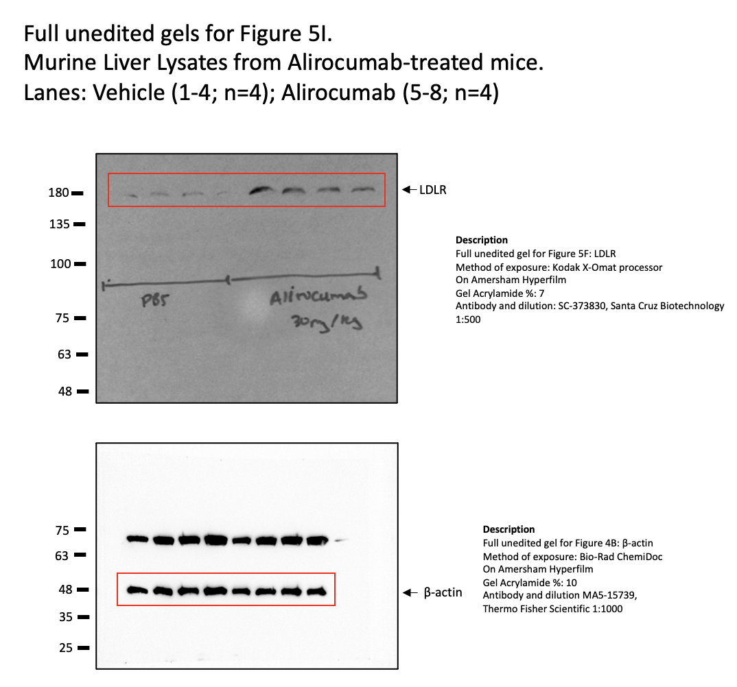

Fig. 6A
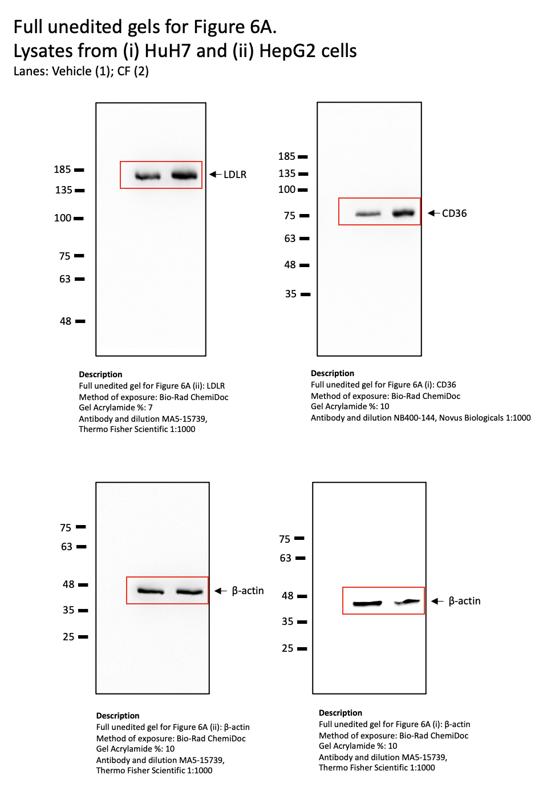

Fig. 6H
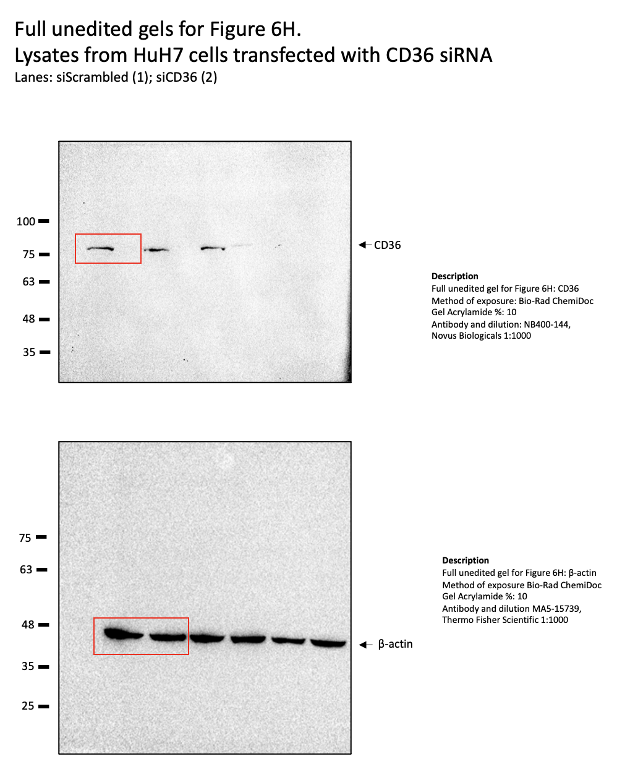

S3
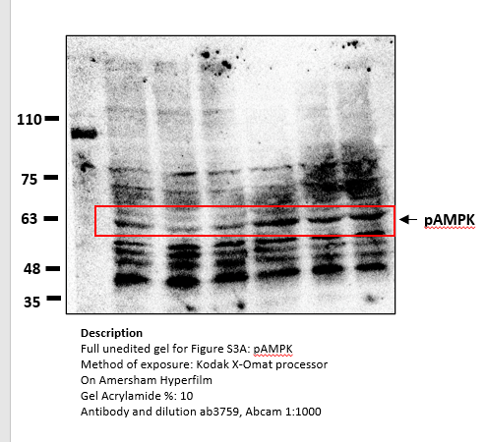
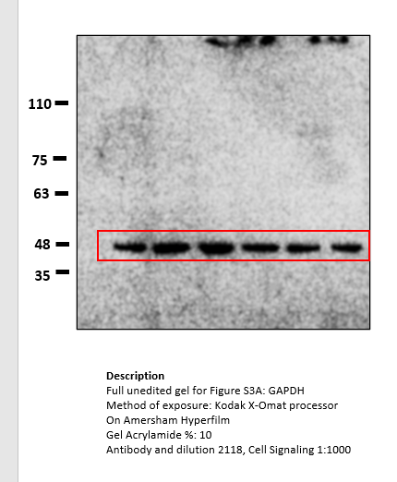
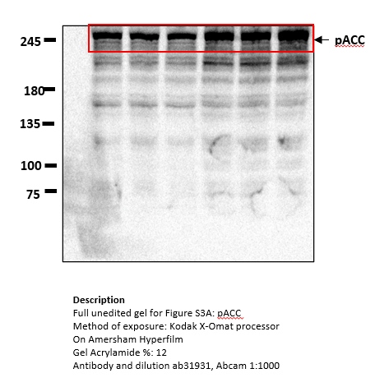
B |  | Replicates |  |  |  |  | t-test vs. control
AMPK +/+ | Vehicle | 0.91827045815 | 1.0484062986 | 1.0114069164 | 1.0397000982 | 1.0191080672 | 0.0010875202861
 | CF 200 uM | 0.60335462278 | 0.88117442258 | 0.80363723249 | 0.74499027906 | 0.71761681947 | 6.4657702854E-09
 | CF 200 mM | 0.40579140626 | 0.37326421972 | 0.41257572761 | 0.39535216242 | 0.39276669999
 | Vehicle | 1.0477365054 | 0.95092762164 | 1.0043128766 | 1.1202390449 | 1.0738522967 | 0.0077619108537
 | CF 200 uM | 0.93458481187 | 0.77833854958 | 0.86453513919 | 0.70170258287 | 0.94691377979 | 4.9931902781E-07
 | CF 200 mM | 0.37924824674 | 0.45431170225 | 0.29828629602 | 0.48349934655 | 0.35172280833

C
AMPK +/+ | Vehicle | 0.98534244225 | 0.94960761956 | 0.99869087387 | 1.0175058569 | 1.0488532074 | 6.4820941313E-11
 | CF 200 uM | 0.2522963023 | 0.25353986958 | 0.25625480016 | 0.25758839328 | 0.25422544608
AMPK -/- | Vehicle | 0.93108287395 | 1.0072935678 | 1.0876400598 | 0.97210329809 | 1.1423153801 | 4.3948285294E-08
 | CF 200 uM | 0.24506756818 | 0.26627320248 | 0.27494261977 | 0.25086308227 | 0.24026719731

D
AMPK +/+ | Vehicle | 0.9897926973 | 0.98014695668 | 1.0044303039 | 1.0142870099 | 1.0113430322 | 4.6891149005E-12
 | CDN 100uM | 0.43946768563 | 0.44827360094 | 0.44079203934 | 0.47127712387 | 0.44215468667
AMPK -/- | Vehicle | 1.0034094708 | 0.99836050652 | 1.0022557091 | 1.0344611804 | 0.99335344613 | 1.1426729771E-12
 | CDN 100uM | 0.40341204342 | 0.38342793513 | 0.39906227564 | 0.40363687726 | 0.39406803305

E
AMPK +/+ | Vehicle | 1.0031033712 | 0.995105529 | 0.99657805804 | 1.0100646948 | 0.99514834694 | 1.1891008315E-15
 | CDN 100uM | 0.26200453703 | 0.25680575776 | 0.24970670775 | 0.26660257935 | 0.25308601816
AMPK -/- | Vehicle | 0.99215942852 | 1.0076347937 | 1.002293642 | 0.99633769163 | 0.9931189174 | 1.8567147902E-15
 | CDN 100uM | 0.25373038735 | 0.25491560405 | 0.24850990801 | 0.25249812841 | 0.2362848105

S5
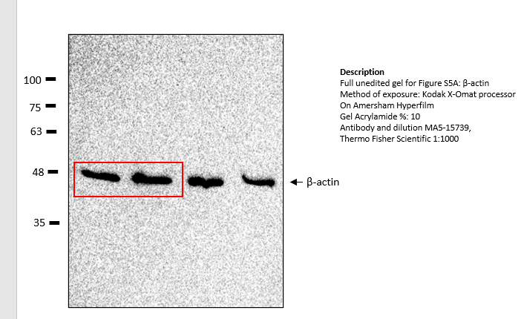
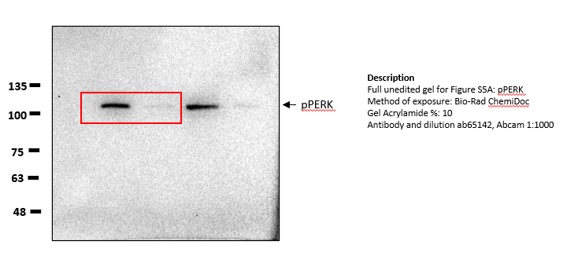
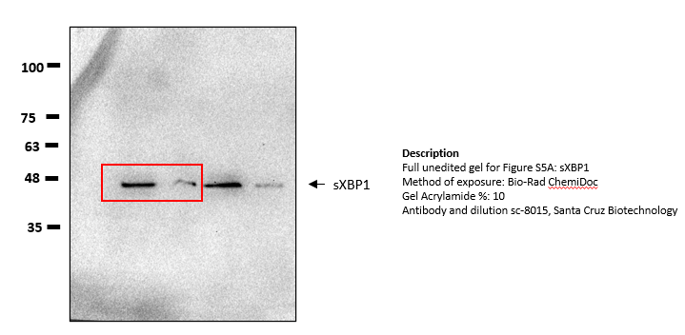
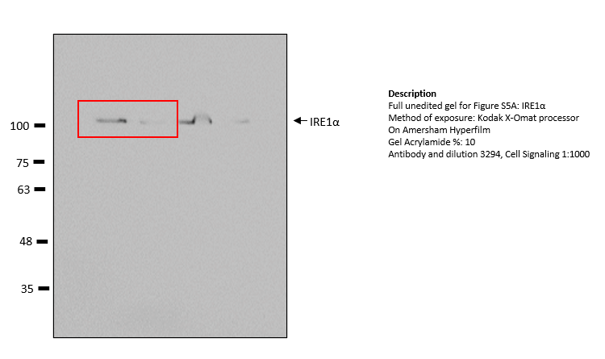
 |  | Replicates |  |  |  |  | t-test vs. control
GRP78 | Vehicle | 0.99698756323 | 1.0075526092 | 1.0057167869 | 1.0116980872 | 0.97804495344 | 1.5220211435E-13
 | Caffeine | 0.16060389347 | 0.13902804963 | 0.12172269006 | 0.14948375783 | 0.15020567268
sXBP1 | Vehicle | 1.0023699454 | 0.9948178145 | 1.0036905281 | 0.9976929649 | 0.99808331426 | 2.2848562711E-16
 | Caffeine | 0.073606354436 | 0.076186604385 | 0.079967520129 | 0.059554849846 | 0.081876344574
ATF4 | Vehicle | 1.0032356134 | 1.0068014513 | 1.0128309879 | 0.99937221805 | 1.0095774739 | 1.7930873348E-13
 | Caffeine | 0.51376684523 | 0.50869880886 | 0.48545717428 | 0.5032321055 | 0.50473734305
ATF6 | Vehicle | 1.0067672625 | 0.99651242426 | 1.0018882889 | 0.99878580341 | 0.98294744388 | 8.1254994172E-16
 | Caffeine | 0.1251711546 | 0.13438928846 | 0.11998381944 | 0.12190329354 | 0.12362582129

