Fig 2
Fig 2b
 | No Ade |  |  | Ade1 |  |  | Ade2 |  |  | Ade3 |  |  | Ade4 |  |  | Untreated
 | Repeat1 | Repeat2 | Repeat3 | Repeat1 | Repeat2 | Repeat3 | Repeat1 | Repeat2 | Repeat3 | Repeat1 | Repeat2 | Repeat3 | Repeat1 | Repeat2 | Repeat3 | Repeat1 | Repeat2 | Repeat3
A3B-CBE | 63 | 56 | 59 | 8 | 6 | 12 | 21 | 22 | 24 | 57 | 55 | 58 | 59 | 56 | 56 | 2 | 1 | 2
A3Bctd-CBE | 63 | 61 | 58 | 14 | 10 | 9 | 21 | 25 | 20 | 58 | 52 | 57 | 57 | 53 | 54 | 2 | 1 | 2
A3G-CBE | 21 | 30 | 38 | 28 | 30 | 31 | 27 | 30 | 28 | 8 | 7 | 5 | 6 | 5 | 7 | 2 | 1 | 2
A3Gctd-CBE | 28 | 37 | 34 | 38 | 32 | 28 | 34 | 30 | 28 | 30 | 28 | 26 | 34 | 30 | 29 | 2 | 1 | 2

Fig 2c
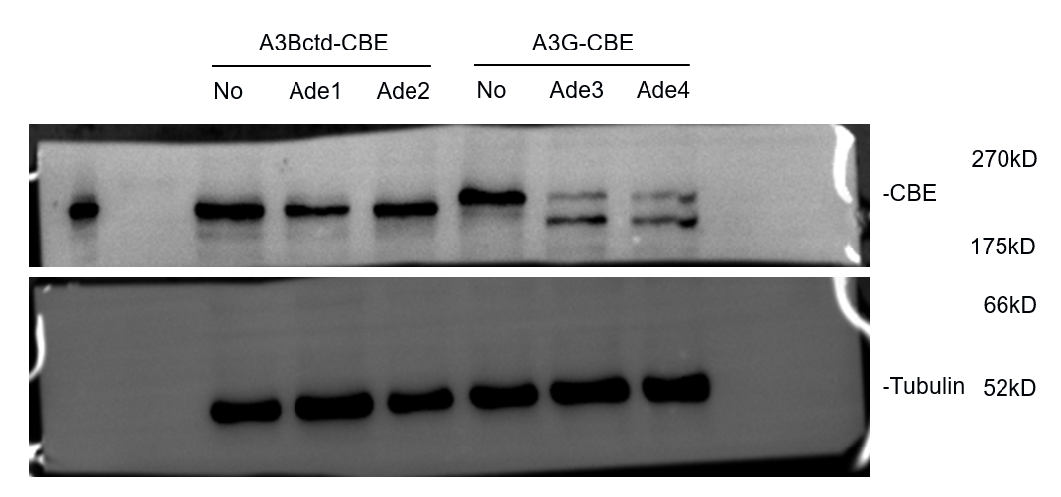

Fig 2d
 | A3Bctd-CBE |  |  | A3G-CBE
 | No | Ade1 | Ade2 | No | Ade3 | Ade4
Repeat1 | 1.38 | 0.83 | 1.33 | 1.24 | 0.301 | 0.35
Repeat2 | 1.223 | 0.91 | 0.81 | 1.3 | 0.28 | 0.26
Repeat3 | 1.12 | 1.1 | 0.78 | 1.35 | 0.28 | 0.27

Fig 2e
 | Repeat1 | Repeat2 | Repeat3
A3A | 1.14 | 1.03 | 1.02
A3A-L1B | 3.37 | 3.1 | 3.28
A3A-L7G | 0.85 | 0.95 | 0.95
A3Bctd | 4.51 | 6.1 | 5.12
A3Bctd-L1A | 1.5 | 1.6 | 1.31
A3Bctd-L7G | 1.24 | 0.97 | 0.96
A3Gctd | 0.73 | 1.15 | 1.01
A3Gctd-L1B | 5.21 | 4.23 | 8.01
A3Gctd-L7B | 1.46 | 1.37 | 1.14
A3Gctd-L1L7B | 8.25 | 4.14 | 4.6

Fig 2f
 | Repeat1 | Repeat2 | Repeat3
A3A | 2.18 | 2.40 | 2.41
A3A-L1B | 2.45 | 2.08 | 2.30
A3A-L7G | 2.25 | 3.14 | 3.16
A3Bctd | 3.00 | 2.44 | 3.12
A3Bctd-L1A | 2.15 | 2.00 | 2.10
A3Bctd-L7G | 3.41 | 2.26 | 2.38
A3Gctd | 0.82 | 1.23 | 1.12
A3Gctd-L1B | 1.66 | 1.22 | 1.11
A3Gctd-L7B | 0.97 | 1.60 | 1.28
A3Gctd-L1L7B | 1.13 | 1.03 | 0.85

