Figure 3B
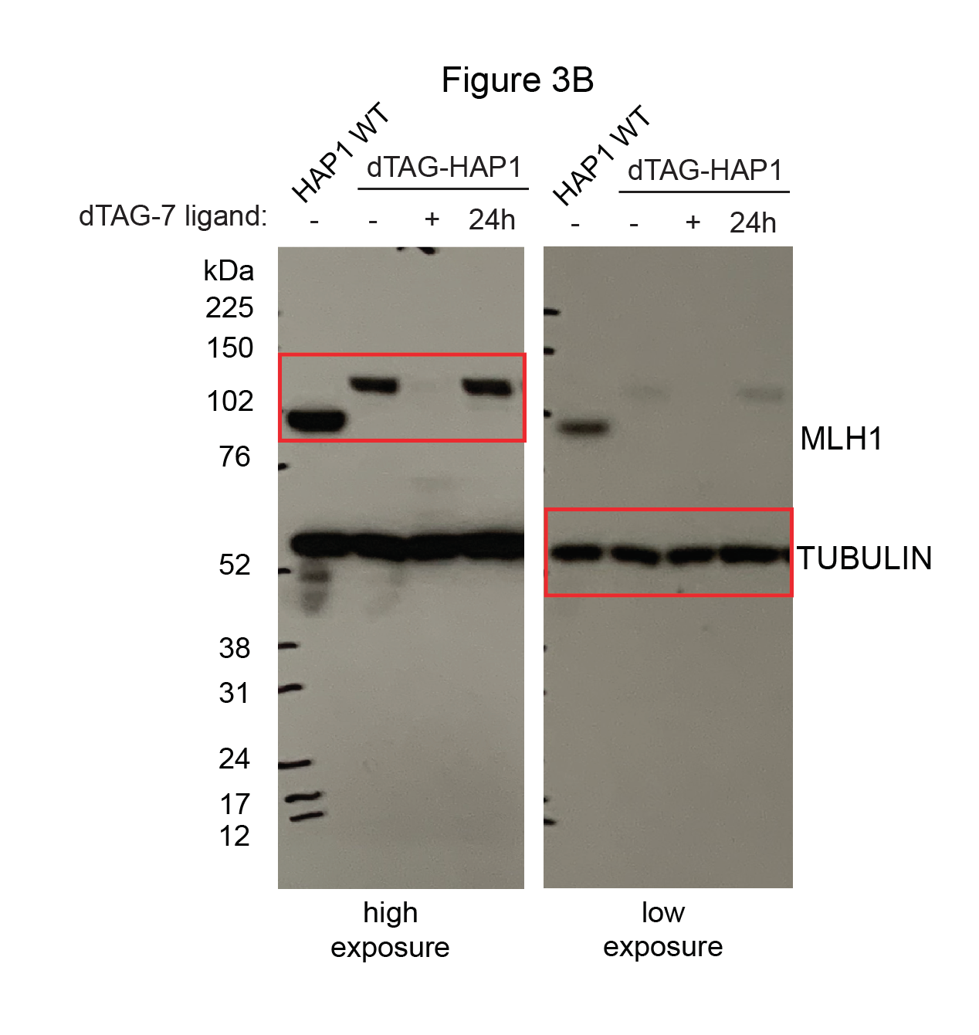
Figure 3B | anti-MLH1
 | anti-TUBULIN

