Supplementary Fig. 1c
Supplementary Fig. 1c
 | BLT1R receptor-Gi size column

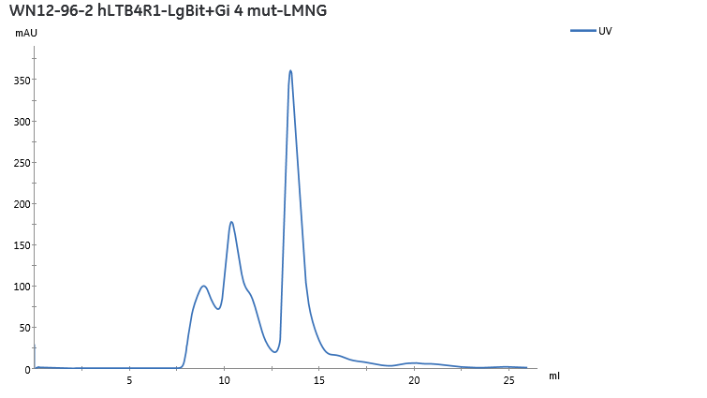
BLT1/G_{i}

peak

BLT1/G_{i}
180
130
95
70
53
33
25
17
10
BLT1
G_{α}
G_{β}
scFv16
kDa

