Fig. 3e-f
Fig. 3e

HEK293T
 | EC: NMDG+ |  |  |  |  |  | EC: Phys
V (mV) | Cell 1 | Cell 2 | Cell 3 | Cell 4 | Cell 5 | Cell 6 | Cell 1 | Cell 2 | Cell 3 | Cell 4 | Cell 5 | Cell 6
-100 | 0.0080149080604 | -0.00883205235 | 0.016036072746 | 0.011895248666 | 0.01338967029 | -0.0080262320116 | -0.10754153132 | -0.30417981744 | -0.17603011429 | -0.19639332592 | -0.20045869052 | -0.11413349956
-80 | 0.015750592574 | 0.014423472807 | 0.03621070832 | 0.03019779548 | 0.024702088907 | 0.012627483346 | -0.076892979443 | -0.22985069454 | -0.12808588147 | -0.14064136147 | -0.14351145923 | -0.092738941312
-60 | 0.030188230798 | 0.027138123289 | 0.071709662676 | 0.070502869785 | 0.052119769156 | 0.026109453291 | -0.060643594712 | -0.17926447093 | -0.093524441123 | -0.10257983208 | -0.10805931687 | -0.063337758183
-40 | 0.061202265322 | 0.058203175664 | 0.14772878587 | 0.14250393212 | 0.1045024246 | 0.056423708797 | -0.045077640563 | -0.1257494837 | -0.072119452059 | -0.07832352072 | -0.082958377898 | -0.056743726134
-20 | 0.12690429389 | 0.1213375628 | 0.27898237109 | 0.26858347654 | 0.20728877187 | 0.11600557715 | -0.033780157566 | -0.066357575357 | -0.047290552408 | -0.05267258361 | -0.059454929084 | -0.036275528371
0 | 0.25699928403 | 0.25750315189 | 0.49851158261 | 0.49357619882 | 0.40059074759 | 0.21641252935 | -0.014601834118 | -0.010902176611 | -0.012557569891 | -0.015839194879 | -0.028044069186 | -0.0084289591759
20 | 0.46401542425 | 0.48301282525 | 0.83282011747 | 0.84984147549 | 0.73028856516 | 0.36901581287 | 0.042963832617 | 0.05245988071 | 0.076944686472 | 0.068530194461 | 0.05242593959 | 0.060396689922
40 | 0.7365296483 | 0.76280486584 | 1.2454134226 | 1.3007042408 | 1.1591465473 | 0.56296122074 | 0.13055019081 | 0.18140262365 | 0.22326698899 | 0.2066205442 | 0.19623346627 | 0.17170210183
60 | 1.0522181988 | 1.0555127859 | 1.7503621578 | 1.8119682074 | 1.6610027552 | 0.80171126127 | 0.29380437732 | 0.37806198001 | 0.47936409712 | 0.43146833777 | 0.48653271794 | 0.36232733727
80 | 1.4128725529 | 1.4068690538 | 2.3522677422 | 2.462505579 | 2.2463710308 | 1.0937099457 | 0.55164647102 | 0.72675400972 | 0.87172305584 | 0.77692347765 | 0.91911435127 | 0.64892369509

Fig. 3f

F | 96485.3 |  |  | IC: Na+ | EC: Na+
R | 8.31 |  |  |  | 21401001 | 21401014 | 21401016 | 21401021 | 21401028 | 21401033 | 21401035 | 21401041 | 21403001 | 21403012 | 21405001 | 21405007 | 21405012 | 21405017 | 21411001 | 21411018 | 21411025 | 21411032
T | 274 |  |  | Erev | 0.00115 | 0.00177 | -0.00211 | 0.00097 | 0.00064 | 0.00211 | 0.00076 | 0.0007 | 0.00269 | 0.00043 | 0.0004 | 0.00186 | 0.00034 | 0.00021 | 0.00455 | 0.00049 | 0.00272 | 0.00034
$$\frac{P_{X}}{P_{Na}}=\frac{{\left[Na\right]}_{i}e^{(\frac{E_{rev}F}{RT})}}{{[X]}_{e}}$$
X = Na, K, Li, Cs
 |  |  |  | Corrected for LJP (-0.7 mV) | 0.00185 | 0.00247 | -0.00141 | 0.00167 | 0.00134 | 0.00281 | 0.00146 | 0.0014 | 0.00339 | 0.00113 | 0.0011 | 0.00256 | 0.00104 | 0.00091 | 0.00525 | 0.00119 | 0.00342 | 0.00104

 |  |  |  | PNa/PNa | 1.081548406 | 1.110339933 | 0.9420012 | 1.07333028 | 1.058425558 | 1.126452946 | 1.063821357 | 1.061120028 | 1.154481357 | 1.049048679 | 1.047715924 | 1.114582576 | 1.045055491 | 1.039314371 | 1.2491566889 | 1.051719278 | 1.155949924 | 1.045055491

 |  |  |  | IC: Na+ | EC: K+
 |  |  |  |  | 21401006 | 21401018 | 21401023 | 21401026 | 21401031
 |  |  |  | Erev | 0.00574 | 0.00653 | 0.00656 | 0.00482 | 0.00616
 |  |  |  | Corrected for LJP (2.8 mV) | 0.00294 | 0.00373 | 0.00376 | 0.00202 | 0.00336
 |  |  |  | PK/Pna | 1.132675415 | 1.17123494 | 1.172724819 | 1.089367738 | 1.153014656

 |  |  |  | IC: Na+ | EC: Li+
 |  |  |  |  | 21403005 | 21405019 | 21411003 | 21411020 | 21411027 | 21411030
 |  |  |  | Erev | 0.00629 | 0.0051 | 0.0082 | 0.00687 | 0.00851 | 0.00735
 |  |  |  | Corrected for LJP (-3.3 mV) | 0.00959 | 0.0084 | 0.0115 | 0.01017 | 0.01181 | 0.01065
 |  |  |  | PLi/PNa | 1.50136713 | 1.427535999 | 1.627934992 | 1.538724159 | 1.649461022 | 1.570342264

 |  |  |  | IC: Na+ | EC: Cs+
 |  |  |  |  | 21403003 | 21403014 | 21405003 | 21405014
 |  |  |  | Erev | 0.01164 | 0.00931 | 0.01227 | 0.01083
 |  |  |  | Corrected for LJP (3.5 mV) | 0.00814 | 0.00581 | 0.00877 | 0.00733

 |  |  |  | PCs/PNa | 1.41189445 | 1.279153674 | 1.450094352 | 1.364255209

Supplementary Fig. 1
Supplementary Fig. 1a/c/e |  |  |  |  |  |  |  |  |  |  | Supplementary Fig. 1b

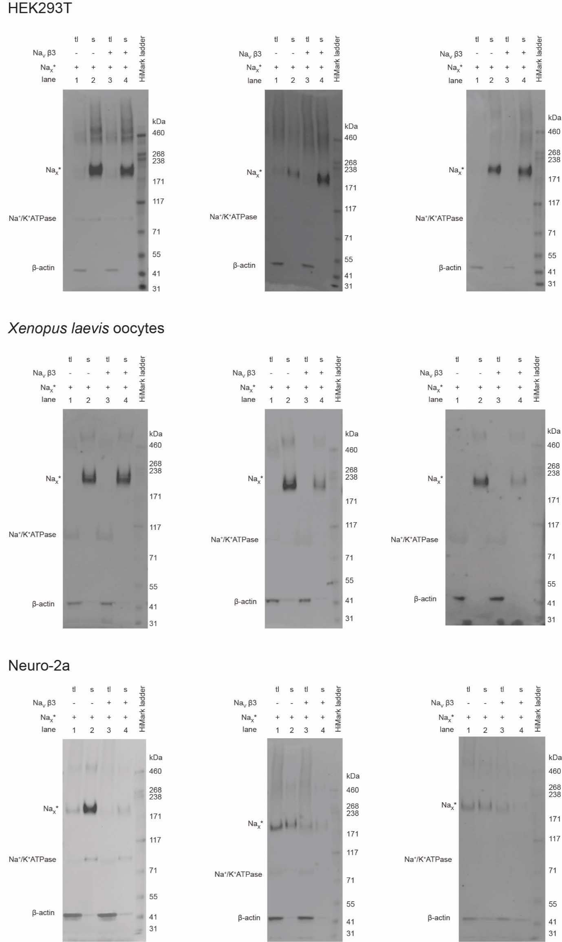
 |  |  |  |  |  |  |  |  |  |  | HEK293T
 |  |  |  |  |  |  |  |  |  |  |  | I (nA)
 |  |  |  |  |  |  |  |  |  |  |  | NaX* |  |  |  |  | NaV1.7*
 |  |  |  |  |  |  |  |  |  |  | V (mV) | 20626000 | 20626001 | 20629000 | 20629002 | 20629003 | 20626002 | 20n06000 | 20n06001
 |  |  |  |  |  |  |  |  |  |  | -60 | -0.073610238731 | -0.045699689537 | -0.019936105236 | -0.016869012266 | -0.0088945701718 | 0.036498408765 | 0.0082811517641 | 0.0061341864057
 |  |  |  |  |  |  |  |  |  |  | -50 | -0.061955284327 | -0.04692652449 | -0.012268372811 | -0.016562303528 | -0.0098146982491 | 0.032817896456 | 0.018402559683 | 0.010428116657
 |  |  |  |  |  |  |  |  |  |  | -40 | -0.049380201846 | -0.040485631675 | -0.0082811517641 | -0.013188500889 | -0.011654954404 | -0.038338664919 | 0.019936105236 | -0.0055207675323
 |  |  |  |  |  |  |  |  |  |  | -30 | -0.035884991288 | 0.02238978073 | -0.0085878614336 | 0.011961663142 | -0.016869012266 | -0.22819173336 | -0.076677329838 | -0.091706089675
 |  |  |  |  |  |  |  |  |  |  | -20 | -0.029444094747 | 0.033431317657 | 0.0082811517641 | 0.017175722867 | -0.0058274772018 | -0.93239635229 | -0.40209591389 | -0.4487157464
 |  |  |  |  |  |  |  |  |  |  | -10 | -0.015028757043 | 0.055514387786 | 0.015335465781 | 0.021776361391 | 0.0076677328907 | -2.0402305126 | -1.0010992289 | -1.1351312399
 |  |  |  |  |  |  |  |  |  |  | 0 | 0.018709268421 | 0.06532908231 | 0.017482431605 | 0.028830675408 | 0.011654954404 | -2.6695978642 | -1.5482686758 | -1.6832207441
 |  |  |  |  |  |  |  |  |  |  | 10 | 0.034964863211 | 0.075450494885 | 0.021776361391 | 0.030977642164 | 0.017175722867 | -2.306147337 | -1.6847542524 | -1.7421089411
 |  |  |  |  |  |  |  |  |  |  | 20 | 0.050300329924 | 0.100907363 | 0.028217257932 | 0.042632594705 | 0.022696489468 | -1.8635658026 | -1.5372271538 | -1.5448948145
 |  |  |  |  |  |  |  |  |  |  | 30 | 0.072076693177 | 0.10581471771 | 0.037111826241 | 0.055821094662 | 0.026377001777 | -1.4166903496 | -1.3219171762 | -1.3498277664
 |  |  |  |  |  |  |  |  |  |  | 40 | 0.10704155266 | 0.12360385805 | 0.047846652567 | 0.07330352813 | 0.031897768378 | -1.0060065985 | -0.98637717962 | -0.99833881855
 |  |  |  |  |  |  |  |  |  |  | 50 | 0.12391056865 | 0.14691376686 | 0.066862635314 | 0.1015207842 | 0.045699689537 | -0.59562951326 | -0.63304805756 | -0.63948893547
 |  |  |  |  |  |  |  |  |  |  | 60 | 0.13985945284 | 0.15182110667 | 0.091092668474 | 0.13985945284 | 0.056127805263 | -0.26254317164 | -0.30118855834 | -0.30241540074

 |  |  |  |  |  |  |  |  |  |  | Supplementary Fig. 1d

 |  |  |  |  |  |  |  |  |  |  | Xenopus laevis oocytes
 |  |  |  |  |  |  |  |  |  |  |  | I (µA)
 |  |  |  |  |  |  |  |  |  |  |  | NaX* |  |  |  |  |  |  |  |  | NaV1.7*
 |  |  |  |  |  |  |  |  |  |  | V (mV) | 20620012 | 20620013 | 20620014 | 20620015 | 20620016 | 20626001 | 20626002 | 20626003 | 20626004 | 20620002 | 20620004 | 20620005 | 20620007 | 20625036 | 20625037
 |  |  |  |  |  |  |  |  |  |  | -80 | -0.042724609375 | -0.058366727084 | -0.060927387327 | -0.052477180958 | -0.095253065228 | -0.061598554254 | -0.049151908606 | -0.054423071444 | -0.067813552916 | -0.12677395344 | -0.066124878824 | -0.10140185058 | -0.094589062035 | -0.087418533862 | -0.084043361247
 |  |  |  |  |  |  |  |  |  |  | -75 | -0.048828125 | -0.05620168522 | -0.058830343187 | -0.053101323545 | -0.11149657518 | -0.054842408746 | -0.048102583736 | -0.05008232221 | -0.050533145666 | -0.12362446636 | -0.061235889792 | -0.096903845668 | -0.08054215461 | -0.087465807796 | -0.076026730239
 |  |  |  |  |  |  |  |  |  |  | -70 | -0.027465820312 | -0.051618937403 | -0.050958253443 | -0.050968084484 | -0.09642522037 | -0.052614677697 | -0.041047655046 | -0.049332205206 | -0.059674590826 | -0.10792922974 | -0.060994997621 | -0.094721153378 | -0.079986132681 | -0.081114582717 | -0.070379771292
 |  |  |  |  |  |  |  |  |  |  | -65 | -0.0244140625 | -0.048437330872 | -0.043064687401 | -0.037859778851 | -0.097518026829 | -0.04968887195 | 0.034634094685 | -0.048715516925 | -0.04683708027 | -0.10579666495 | 0.051986690611 | -0.091608956456 | -0.074848376215 | -0.066910482943 | -0.074867136776
 |  |  |  |  |  |  |  |  |  |  | -60 | -0.021362304688 | -0.040669113398 | -0.041955947876 | -0.043784223497 | -0.088384471834 | -0.043006502092 | 0.060832947493 | -0.046417400241 | -0.047564368695 | -0.096111021936 | 0.062392231077 | -0.088099651039 | -0.074290841818 | -0.066805720329 | -0.074716426432
 |  |  |  |  |  |  |  |  |  |  | -55 | -0.027465820312 | -0.034781344235 | -0.035958200693 | -0.034650113434 | -0.08771584928 | -0.042912133038 | 0.080488570035 | -0.043678600341 | -0.044057380408 | -0.080491542816 | 0.078269042075 | -0.087447278202 | -0.056438528001 | -0.067633472383 | -0.071323275566
 |  |  |  |  |  |  |  |  |  |  | -50 | -0.015258789062 | -0.030820572749 | -0.039260484278 | -0.032091937959 | -0.068337649107 | -0.038117565215 | 0.092508994043 | -0.047787781805 | -0.030036639422 | -0.088634319603 | 0.095803283155 | -0.083055846393 | -0.051932331175 | -0.058285370469 | -0.059098873287
 |  |  |  |  |  |  |  |  |  |  | -45 | -0.006103515625 | -0.027833433822 | -0.031861461699 | -0.034673847258 | -0.05749136582 | -0.03649590537 | 0.10984604061 | -0.042494930327 | 0.044129479676 | -0.08414080739 | 0.10056880116 | -0.081705696881 | -0.06249011308 | -0.060858182609 | -0.05701154843
 |  |  |  |  |  |  |  |  |  |  | -40 | -0.0091552734375 | -0.027036253363 | -0.038140911609 | -0.024261381477 | -0.061509218067 | -0.034271515906 | 0.12093383074 | -0.043097760528 | 0.039799183607 | -0.10555640608 | -0.11387442052 | -0.082993432879 | -0.073508985341 | -0.080455131829 | -0.061082947999
 |  |  |  |  |  |  |  |  |  |  | -35 | -0.006103515625 | -0.027745643631 | -0.032454870641 | -0.022946923971 | -0.046570111066 | -0.035433270037 | 0.13248918951 | -0.035212293267 | 0.066322602332 | -0.17433734238 | -0.23064959049 | -0.102816239 | -0.15239974856 | -0.11316659302 | -0.0823261
 |  |  |  |  |  |  |  |  |  |  | -30 | 0.0030517578125 | -0.015040110797 | -0.028925668448 | -0.021400500089 | -0.058334648609 | -0.031955242157 | 0.14507359266 | -0.02937701717 | 0.066428497434 | -0.40298268199 | -0.75473695993 | -0.18117791414 | -0.34004977345 | -0.20737531781 | -0.18261370063
 |  |  |  |  |  |  |  |  |  |  | -25 | 0.0030517578125 | -0.0092929629609 | -0.028883222491 | -0.022120755166 | -0.055947165936 | 0.027955295518 | 0.16963393986 | 0.035563394427 | 0.086644127965 | -1.1966996193 | -1.8656671047 | -0.47043511271 | -0.90197706223 | -0.58261185884 | -0.52634441853
 |  |  |  |  |  |  |  |  |  |  | -20 | 0.006103515625 | -0.0071367039345 | -0.025342542678 | -0.020988294855 | -0.04961637035 | 0.034724593163 | 0.18545329571 | 0.035326190293 | 0.092236436903 | -2.3182332516 | -2.5935847759 | -1.4023469687 | -2.6869149208 | -1.7513440847 | -2.1667566299
 |  |  |  |  |  |  |  |  |  |  | -15 | 0.0091552734375 | -0.0063322572969 | -0.031825706363 | -0.02079166472 | -0.048698950559 | 0.034916099161 | 0.19139093161 | 0.043962873518 | 0.10891263932 | -2.7063524723 | -2.9469020367 | -1.9542784691 | -3.2404441833 | -2.1617705822 | -2.9023053646
 |  |  |  |  |  |  |  |  |  |  | -10 | 0.01220703125 | 0.0074099334888 | -0.021344892681 | -0.018549989909 | -0.055575586855 | 0.04359683767 | 0.20636737347 | 0.053422130644 | 0.11543942988 | -2.7239787579 | -2.9799950123 | -2.1135408878 | -3.3421452045 | -2.1643183231 | -2.9417536259
 |  |  |  |  |  |  |  |  |  |  | -5 | 0.021362304688 | 0.0053592585027 | -0.015441908501 | -0.0116496142 | -0.053007163107 | 0.050319109112 | 0.21516788006 | 0.065053835511 | 0.11974772066 | -2.5495512486 | -2.8103117943 | -2.0915014744 | -3.2143244743 | -2.0314319134 | -2.7770886421
 |  |  |  |  |  |  |  |  |  |  | 0 | 0.033569335938 | 0.022258695215 | -0.011921595782 | 0.0063018584624 | -0.044809509069 | 0.041795764118 | 0.22828820348 | 0.062246318907 | 0.13395309448 | -2.3217308521 | -2.541369915 | -1.9398202896 | -2.9158029556 | -1.8375412226 | -2.5547554493
 |  |  |  |  |  |  |  |  |  |  | 5 | 0.039672851562 | 0.028534280136 | -0.0057331877761 | 0.016716945916 | -0.021715110168 | 0.05357157439 | 0.23665624857 | 0.061897207052 | 0.1483759135 | -2.005903244 | -2.1813604832 | -1.7363183498 | -2.5727112293 | -1.5944458246 | -2.2519783974
 |  |  |  |  |  |  |  |  |  |  | 10 | 0.064086914062 | 0.037304155529 | 0.013170630671 | 0.0267775096 | -0.0073799109086 | 0.064544677734 | 0.25266808271 | 0.082411289215 | 0.16037680209 | -1.6354823112 | -1.772808671 | -1.4863160849 | -2.1935846806 | -1.3191058636 | -1.9218651056
 |  |  |  |  |  |  |  |  |  |  | 15 | 0.0732421875 | 0.057890299708 | 0.022846067324 | 0.034412443638 | -0.0070337052457 | 0.072492532432 | 0.2669352591 | 0.084457293153 | 0.1725962311 | -1.3079013824 | -1.3727089167 | -1.2258257866 | -1.8009819984 | -1.0541148186 | -1.6020518541
 |  |  |  |  |  |  |  |  |  |  | 20 | 0.088500976562 | 0.059944868088 | 0.036361247301 | 0.046754982322 | 0.014436096884 | 0.078204408288 | 0.27764207125 | 0.099198237062 | 0.1902731359 | -0.98855894804 | -1.0078091621 | -0.95937246084 | -1.4043455124 | -0.79083061218 | -1.3035138845
 |  |  |  |  |  |  |  |  |  |  | 25 | 0.091552734375 | 0.07643096894 | 0.039051286876 | 0.063303902745 | 0.01469484251 | 0.087418481708 | 0.28952750564 | 0.11116734892 | 0.20562237501 | -0.66648364067 | -0.63974404335 | -0.69588536024 | -1.0618035793 | -0.54329836369 | -1.0018759966
 |  |  |  |  |  |  |  |  |  |  | 30 | 0.10681152344 | 0.11665216833 | 0.060958631337 | 0.078450381756 | 0.015770414844 | 0.099031418562 | 0.28180786967 | 0.11788552254 | 0.21377502382 | -0.38492524624 | -0.34775874019 | -0.45594885945 | -0.68219614029 | -0.32779383659 | -0.68402147293
 |  |  |  |  |  |  |  |  |  |  | 35 | 0.11596679688 | 0.11188759655 | 0.073309101164 | 0.097167432308 | 0.039177123457 | 0.10879483074 | 0.28414642811 | 0.11933207512 | 0.22994238138 | -0.13082906604 | -0.11209764332 | -0.24823491275 | -0.40715649724 | -0.14650927484 | -0.41165488958
 |  |  |  |  |  |  |  |  |  |  | 40 | 0.13732910156 | 0.12416741997 | 0.082081116736 | 0.10890255123 | 0.030474670231 | 0.11952069402 | 0.30703255534 | 0.130149737 | 0.25086501241 | 0.13999399543 | 0.15226785839 | -0.065141782165 | -0.14696596563 | 0.097410358489 | -0.18918374181
 |  |  |  |  |  |  |  |  |  |  | 45 | 0.14953613281 | 0.13255006075 | 0.043645013124 | 0.11973338574 | 0.045244894922 | 0.14218403399 | 0.31793093681 | 0.14793162048 | 0.25141349435 | 0.44067025185 | 0.35455152392 | 0.14138422906 | 0.23511610925 | 0.25890442729 | 0.14697019756
 |  |  |  |  |  |  |  |  |  |  | 50 | 0.15258789062 | 0.1503777504 | 0.047569051385 | 0.13249981403 | 0.066405244172 | 0.1574639976 | 0.33010989428 | 0.14755599201 | 0.27829867601 | 0.57773923874 | 0.54378730059 | 0.29352614284 | 0.4707467258 | 0.3946814537 | 0.37603935599
 |  |  |  |  |  |  |  |  |  |  | 55 | 0.16784667969 | 0.17660370469 | 0.033676248044 | 0.15366964042 | 0.077020891011 | 0.17582006752 | 0.34849753976 | 0.16376753151 | 0.28210413456 | 0.8037289381 | 0.7722107172 | 0.42462980747 | 0.66419947147 | 0.50878673792 | 0.54987496138
 |  |  |  |  |  |  |  |  |  |  | 60 | 0.15869140625 | 0.1910752207 | 0.04115505144 | 0.16978801787 | 0.081648752093 | 0.21024823189 | 0.36429056525 | 0.17528180778 | 0.30349320173 | 0.94876968861 | 0.88847666979 | 0.53812301159 | 0.86255592108 | 0.60796248913 | 0.70281463861
 |  |  |  |  |  |  |  |  |  |  | 65 | 0.19226074219 | 0.22050978243 | 0.054754842073 | 0.19499965012 | 0.083816513419 | 0.25849625468 | 0.37618753314 | 0.18401530385 | 0.30639621615 | 1.0639055967 | 0.88870483637 | 0.63355511427 | 1.0069200993 | 0.69472116232 | 0.83254635334

Supplementary Fig. 1f

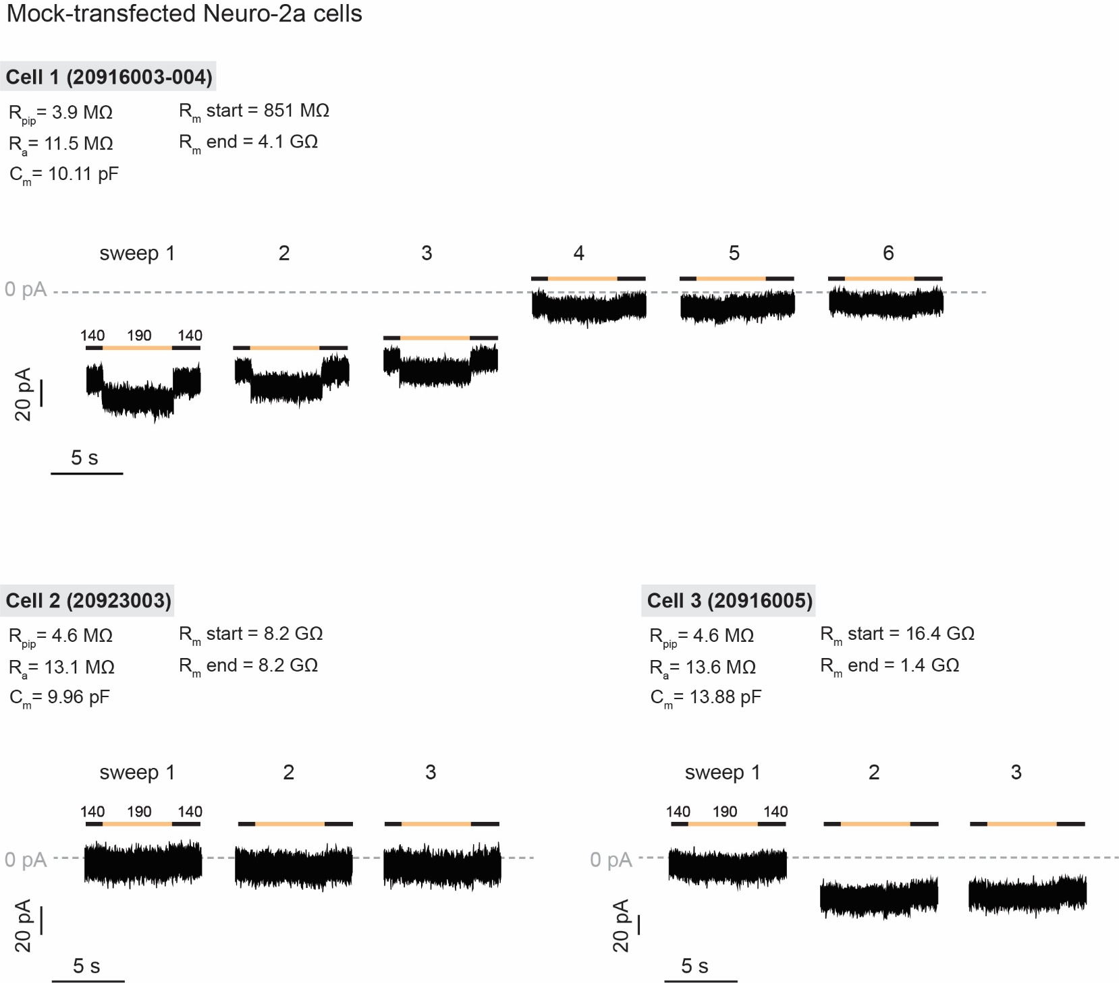
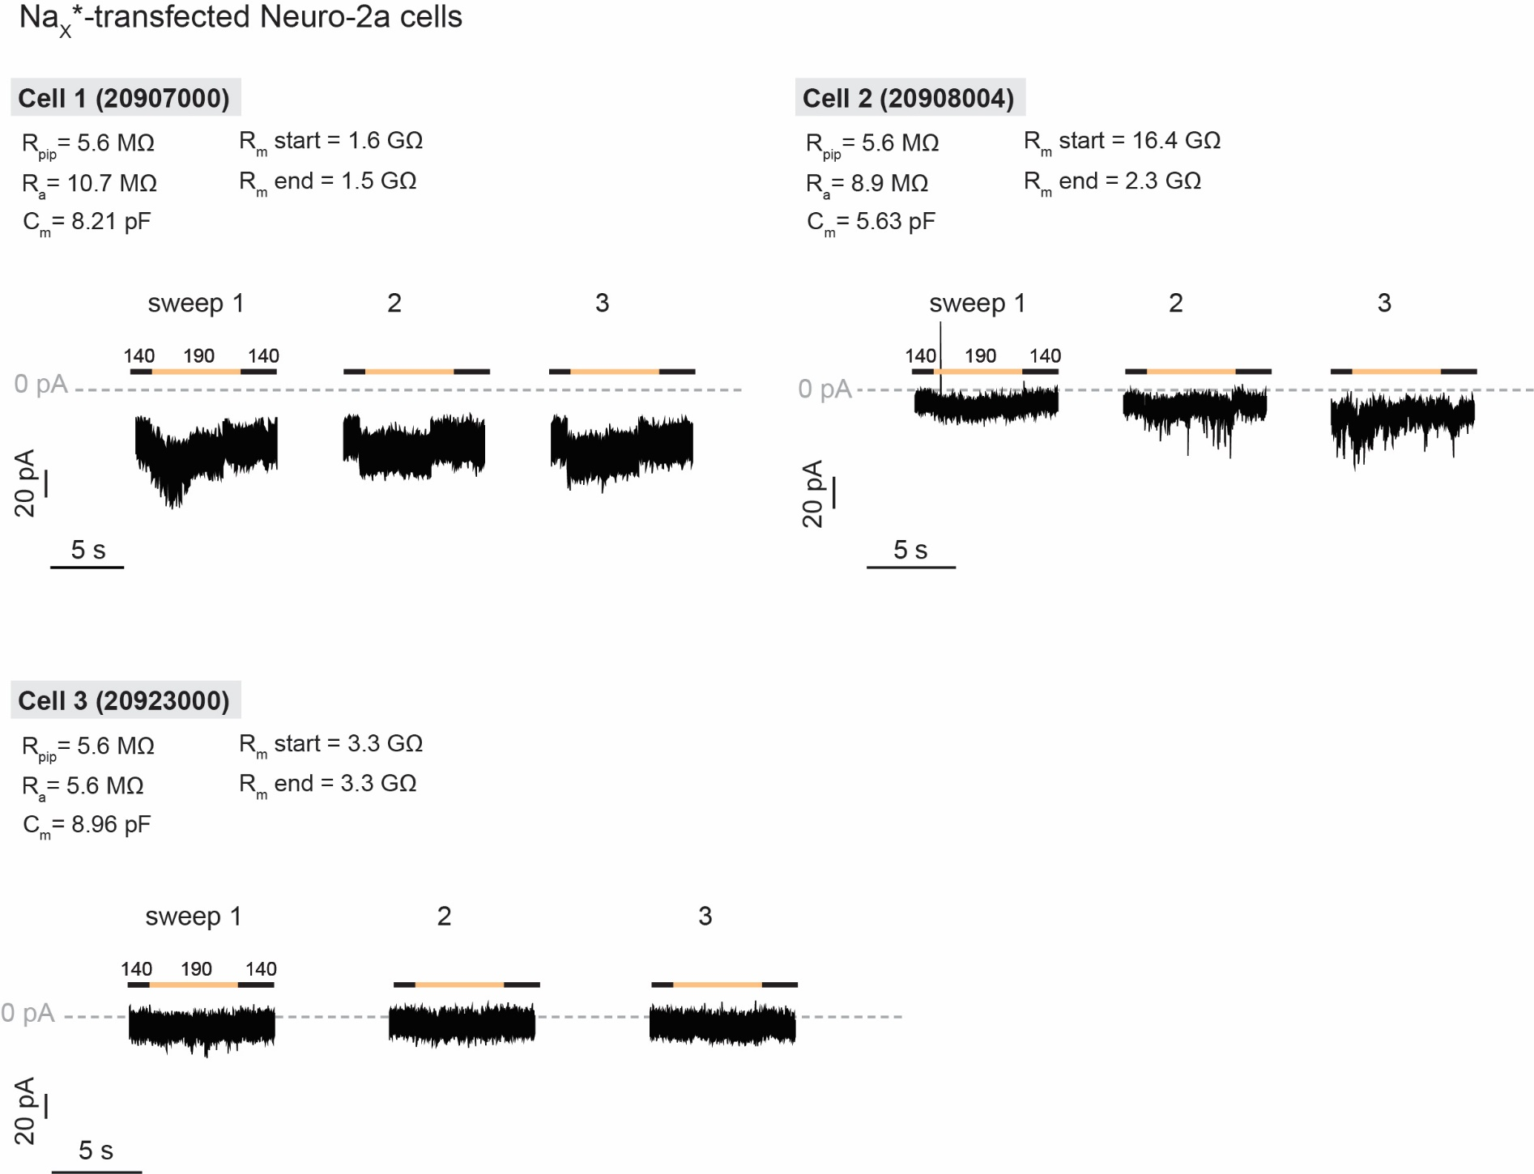

Supplementary Fig. 1g |  |  |  |  |  |  |  |  |  |  |  |  |  |  |  | Supplementary Fig. 1h

Xenopus laevis oocytes |  |  | HP = 0 mV |  |  |  |  |  |  |  |  |  |  |  |  | Xenopus laevis oocytes |  |  | HP = -100 mV

 | control |  |  |  | + 300 µM aconitine |  |  |  |  |  |  |  |  |  |  |  | control |  |  |  | + 300 µM aconitine
V (mV) | Cell 1 | Cell 2 | Cell 3 | Cell 4 | Cell 1 | Cell 2 | Cell 3 | Cell 4 |  |  |  |  |  |  |  | V (mV) | Cell 1 | Cell 2 | Cell 3 | Cell 4 | Cell 1 | Cell 2 | Cell 3 | Cell 4
-100 | -0.1312256 | -0.177002 | -0.1708984 | -0.2105713 | -0.140380859 | -0.161743164 | -0.155639648 | -0.180053711 |  |  |  |  |  |  |  | -100 | -0.226169288 | -0.108857945 | -0.158691406 | -0.112721696 | -0.273326367 | -0.201416016 | -0.13429296 | -0.136950865
-80 | -0.1098633 | -0.1312256 | -0.1434326 | -0.1953125 | -0.119018555 | -0.137329102 | -0.134277344 | -0.143432617 |  |  |  |  |  |  |  | -80 | -0.182697967 | -0.091863289 | -0.152587891 | -0.101961918 | -0.216374069 | -0.170898438 | -0.103685617 | -0.112164333
-60 | -0.088501 | -0.1159668 | -0.1251221 | -0.1525879 | -0.088500977 | -0.12512207 | -0.131225586 | -0.149536133 |  |  |  |  |  |  |  | -60 | -0.147659808 | -0.079948045 | -0.134277344 | -0.088440046 | -0.162185803 | -0.137329102 | -0.089437596 | -0.087218814
-40 | -0.0671387 | -0.0915527 | -0.112915 | -0.1190186 | -0.07019043 | -0.088500977 | -0.09765625 | -0.112915039 |  |  |  |  |  |  |  | -40 | -0.104478702 | -0.066971831 | -0.12512207 | -0.070224218 | -0.116248369 | -0.119018555 | -0.070465609 | -0.073220059
-20 | 0.06408691 | 0.08850098 | -0.0946045 | -0.0915527 | -0.057983398 | -0.076293945 | -0.094604492 | -0.094604492 |  |  |  |  |  |  |  | -20 | -0.057206601 | -0.051533662 | -0.103759766 | -0.05678406 | -0.071803309 | -0.112915039 | -0.052606832 | -0.056912478
0 | 0.07629395 | 0.10986328 | 0.08239746 | 0.10070801 | 0.051879883 | 0.100708008 | -0.085449219 | 0.100708008 |  |  |  |  |  |  |  | 0 | 0.299875557 | 0.064612046 | -0.100708008 | 0.063739575 | 0.206126258 | -0.094604492 | -0.038391456 | 0.038653128
20 | 0.10375977 | 0.12207031 | 0.10070801 | 0.1373291 | 0.076293945 | 0.122070313 | 0.094604492 | 0.106811523 |  |  |  |  |  |  |  | 20 | 0.421738416 | 0.112070978 | 0.134277344 | 0.127664521 | 0.247615635 | 0.094604492 | 0.041408662 | 0.064379476
40 | 0.11901855 | 0.13427734 | 0.11291504 | 0.1739502 | 0.09765625 | 0.115966797 | 0.094604492 | 0.140380859 |  |  |  |  |  |  |  | 40 | 0.313186049 | 0.067359306 | 0.106811523 | 0.086892605 | 0.272547364 | 0.109863281 | 0.049908396 | 0.059695885
60 | 0.13427734 | 0.14953613 | 0.14343262 | 0.20751953 | 0.103759766 | 0.140380859 | 0.119018555 | 0.180053711 |  |  |  |  |  |  |  | 60 | 0.32586512 | 0.081216849 | 0.100708008 | 0.075452313 | 0.337196648 | 0.140380859 | 0.071607031 | 0.075734258
80 | 0.18920898 | 0.22888184 | 0.18310547 | 0.25939941 | 0.146484375 | 0.189208984 | 0.149536133 | 0.225830078 |  |  |  |  |  |  |  | 80 | 0.473968536 | 0.12382552 | 0.149536133 | 0.120674759 | 0.496764034 | 0.177001953 | 0.11619547 | 0.117988281
 |  |  |  |  |  |  |  |  |  |  |  |  |  |  |  | 100 | 0.87483561 | 0.328096628 | 0.375366211 | 0.267354459 | 0.854797781 | 0.32043457 | 0.257005125 | 0.242831394

 | control |  |  |  | + 100 µM veratridine |  |  |  |  |  |  |  |  |  |  |  | control |  |  |  | + 100 µM veratridine
V (mV) | Cell 1 | Cell 2 | Cell 3 | Cell 4 | Cell 1 | Cell 2 | Cell 3 | Cell 4 |  |  |  |  |  |  |  | V (mV) | Cell 1 | Cell 2 | Cell 3 | Cell 4 | Cell 1 | Cell 2 | Cell 3 | Cell 4
-100 | -0.100802138 | -0.124862522 | -0.109013036 | -0.080995806 | -0.096666344 | -0.113525085 | -0.15051654 | -0.078045070171 |  |  |  |  |  |  |  | -100 | -0.108409807 | -0.183105469 | -0.164657757 | -0.080392115 | -0.303618163 | -0.434330553 | -0.719177306 | -0.092571117
-80 | -0.073839866 | -0.10383565 | -0.07929489 | -0.068480559 | -0.071964398 | -0.08925911 | -0.089130141 | -0.060993492603 |  |  |  |  |  |  |  | -80 | -0.086859442 | -0.152587891 | -0.136599213 | -0.072765693 | -0.25721392 | -0.348673701 | -0.572021484 | -0.077540301
-60 | -0.05500482 | -0.073528871 | -0.061169937 | -0.051597815 | -0.053358436 | -0.07301867 | -0.065375023 | -0.037951149046 |  |  |  |  |  |  |  | -60 | -0.074488796 | -0.149536133 | -0.110747837 | -0.086466096 | -0.201146066 | -0.262871176 | -0.407748818 | -0.069502659
-40 | -0.028581856 | -0.052074593 | -0.034847729 | 0.028778495 | -0.029193774 | -0.055600043 | -0.040637266 | -0.026486797258 |  |  |  |  |  |  |  | -40 | -0.065478764 | -0.119018555 | -0.079589576 | -0.055307001 | -0.139369994 | -0.174707621 | -0.266213119 | -0.062937684
-20 | 0.029991046 | -0.040129717 | 0.037856519 | 0.045078568 | 0.028103635 | -0.035108242 | 0.031504989 | 0.030598314479 |  |  |  |  |  |  |  | -20 | -0.046645895 | -0.103759766 | -0.048871566 | -0.053558581 | -0.064238243 | -0.08936929 | -0.127776936 | -0.051377755
0 | 0.051816121 | 0.037748262 | 0.054276507 | 0.057611056 | 0.042191166 | 0.038597062 | 0.04868212 | 0.049341257662 |  |  |  |  |  |  |  | 0 | 0.062564 | 0.106811523 | 0.0814621 | 0.082113042 | 0.08876501 | 0.066639334 | 0.068743855 | 0.043616541
20 | 0.063579075 | 0.050120808 | 0.071647562 | 0.064656042 | 0.053764369 | 0.045233689 | 0.059251182 | 0.04868221283 |  |  |  |  |  |  |  | 20 | 0.119974956 | 0.158691406 | 0.157079026 | 0.079909466 | 0.20952794 | 0.176765129 | 0.207738161 | 0.05305852
40 | 0.08567486 | 0.060388207 | 0.081618167 | 0.083108179 | 0.067417301 | 0.061322 | 0.073685072 | 0.066329874098 |  |  |  |  |  |  |  | 40 | 0.089607358 | 0.241088867 | 0.213523135 | 0.044725593 | 0.309731841 | 0.245537966 | 0.314756811 | 0.050034106
60 | 0.11069724 | 0.090317748 | 0.112907559 | 0.111187249 | 0.089413621 | 0.075891688 | 0.095503435 | 0.078990258276 |  |  |  |  |  |  |  | 60 | 0.103519812 | 0.384521484 | 0.345757753 | 0.056648798 | 0.448950738 | 0.379087895 | 0.502004325 | 0.05993145
80 | 0.158913225 | 0.141498223 | 0.161322147 | 0.161394626 | 0.130467877 | 0.126125544 | 0.132657096 | 0.12544547021 |  |  |  |  |  |  |  | 80 | 0.175209984 | 0.686645508 | 0.673416734 | 0.111766808 | 0.605552912 | 0.657950699 | 0.775583386 | 0.095570765
 |  |  |  |  |  |  |  |  |  |  |  |  |  |  |  | 100 | 0.540907919 | 1.431274414 | 1.339458346 | 0.466509104 | 0.97196418 | 1.230815887 | 1.335969567 | 0.263430119

 | control |  |  |  | + 300 nM BDS-I |  |  |  |  |  |  |  |  |  |  |  | control |  |  |  | + 300 nM BDS-I
V (mV) | Cell 1 | Cell 2 | Cell 3 | Cell 4 | Cell 1 | Cell 2 | Cell 3 | Cell 4 |  |  |  |  |  |  |  | V (mV) | Cell 1 | Cell 2 | Cell 3 | Cell 4 | Cell 1 | Cell 2 | Cell 3 | Cell 4
-100 | -0.1229347 | -0.1269994 | -0.1317496 | -0.1112234 | -0.13761346 | -0.123087905 | -0.104591347 | -0.104820885 |  |  |  |  |  |  |  | -100 | -0.154493451 | -0.109576218 | -0.121011183 | -0.09961991 | -0.161099568 | -0.1067627 | -0.135043725 | -0.127153933
-80 | -0.0996894 | -0.0886091 | -0.0900767 | -0.0911269 | -0.100794747 | -0.089154102 | -0.080701008 | -0.084061988 |  |  |  |  |  |  |  | -80 | -0.122347355 | -0.092048042 | -0.099751659 | -0.083326273 | -0.127096325 | -0.087984234 | -0.10928037 | -0.103270151
-60 | -0.0658347 | -0.063972 | -0.0683265 | -0.0719801 | -0.070628412 | -0.065874241 | -0.061301552 | -0.064248726 |  |  |  |  |  |  |  | -60 | -0.090024009 | -0.073839128 | -0.080438964 | -0.065888293 | -0.100491554 | -0.072677583 | -0.085610121 | -0.078461058
-40 | -0.0366716 | -0.0365913 | -0.0433077 | -0.0430944 | -0.040485907 | -0.037044413 | -0.03771726 | -0.040245384 |  |  |  |  |  |  |  | -40 | -0.064559922 | -0.058210403 | -0.061447401 | -0.049640886 | -0.070017949 | -0.05615009 | -0.06393937 | -0.060715664
-20 | 0.0263595 | 0.01817016 | -0.0142644 | -0.0181787 | 0.024431169 | 0.014787309 | -0.013871057 | -0.019914713 |  |  |  |  |  |  |  | -20 | -0.032812934 | -0.036611672 | -0.037268151 | -0.029222012 | -0.037156109 | -0.034948725 | -0.038379446 | -0.040492587
0 | 0.05081253 | 0.04418034 | 0.03516738 | 0.03049085 | 0.047332857 | 0.0353898 | 0.028944304 | 0.030346302 |  |  |  |  |  |  |  | 0 | 0.108365558 | 0.082427531 | 0.052573748 | 0.014908618 | 0.094989382 | 0.068137094 | 0.044671211 | 0.034758262
20 | 0.07298157 | 0.0612605 | 0.05886981 | 0.04892514 | 0.064776637 | 0.051578991 | 0.046428107 | 0.038847428 |  |  |  |  |  |  |  | 20 | 0.14127484 | 0.102563396 | 0.083105966 | 0.042940002 | 0.128155485 | 0.084713355 | 0.078899346 | 0.069842309
40 | 0.09967568 | 0.09450643 | 0.08766199 | 0.0717085 | 0.096240282 | 0.080210865 | 0.072430007 | 0.05711937 |  |  |  |  |  |  |  | 40 | 0.095059507 | 0.054538209 | 0.074253164 | 0.038755979 | 0.106617749 | 0.056981932 | 0.073975451 | 0.068723299
60 | 0.13700925 | 0.12833707 | 0.12323857 | 0.10116773 | 0.133411065 | 0.112465657 | 0.108539268 | 0.084543757 |  |  |  |  |  |  |  | 60 | 0.128389239 | 0.084470339 | 0.116498746 | 0.021129198 | 0.136408225 | 0.08778958 | 0.109846264 | 0.101909384
80 | 0.18240765 | 0.18172731 | 0.17187898 | 0.15883285 | 0.187305629 | 0.176151007 | 0.156380147 | 0.125891194 |  |  |  |  |  |  |  | 80 | 0.191047698 | 0.145301729 | 0.181552365 | 0.109986156 | 0.191294849 | 0.138446376 | 0.189844266 | 0.169466153
 |  |  |  |  |  |  |  |  |  |  |  |  |  |  |  | 100 | 0.504586935 | 0.437266707 | 0.425537467 | 0.389467806 | 0.459141403 | 0.396110386 | 0.424619466 | 0.392341912

 | control |  |  |  | + 100 nM ATX-II |  |  |  |  |  |  |  |  |  |  |  | control |  |  |  | + 100 nM ATX-II
V (mV) | Cell 1 | Cell 2 | Cell 3 | Cell 4 | Cell 1 | Cell 2 | Cell 3 | Cell 4 |  |  |  |  |  |  |  | V (mV) | Cell 1 | Cell 2 | Cell 3 | Cell 4 | Cell 1 | Cell 2 | Cell 3 | Cell 4
-100 | -0.1185586 | -0.1016113 | -0.0805584 | -0.1036364 | -0.109836794 | -0.100278832 | -0.070958294 | -0.089045212 |  |  |  |  |  |  |  | -100 | -0.095489 | -0.0565814 | -0.0856708 | -0.0885503 | -0.099690467 | -0.063135087 | -0.078626074 | -0.08042226
-80 | -0.0646987 | -0.0803051 | -0.0559152 | -0.0849771 | -0.065224312 | -0.07032945 | -0.05329407 | -0.07406573 |  |  |  |  |  |  |  | -80 | -0.0789099 | -0.0526123 | -0.0757891 | -0.0784996 | -0.085345194 | -0.058411535 | -0.068566211 | -0.072912961
-60 | -0.0518939 | -0.0582614 | -0.0432532 | -0.0633522 | -0.037555378 | -0.054835048 | -0.037347224 | -0.048323233 |  |  |  |  |  |  |  | -60 | -0.0670763 | -0.046227 | -0.0624325 | -0.069909 | -0.071502768 | -0.050484028 | -0.059751481 | -0.063145474
-40 | -0.0350736 | -0.0302483 | -0.024964 | -0.0439122 | -0.027811049 | -0.034098484 | -0.027045794 | -0.025658304 |  |  |  |  |  |  |  | -40 | -0.0530038 | -0.0397409 | -0.0501239 | -0.0581734 | -0.05493411 | -0.044981312 | -0.053196605 | -0.058628816
-20 | -0.0229361 | -0.0181133 | -0.0125043 | 0.01634135 | -0.019857341 | 0.01276031 | -0.01593454 | -0.013970164 |  |  |  |  |  |  |  | -20 | -0.029237 | -0.0305062 | -0.038205 | -0.0436174 | -0.043020461 | -0.042967789 | -0.043833684 | -0.042637501
0 | 0.02980189 | 0.02638519 | 0.01531242 | 0.0307901 | 0.01410672 | 0.025977232 | 0.011165379 | 0.021840027 |  |  |  |  |  |  |  | 0 | 0.17561571 | 0.10760246 | 0.08960442 | 0.10716768 | 0.069214001 | 0.045865957 | 0.046041843 | 0.056536522
20 | 0.02719482 | 0.03738407 | 0.03056962 | 0.04628791 | 0.02011109 | 0.035496019 | 0.0222599 | 0.03553186 |  |  |  |  |  |  |  | 20 | 0.2250465 | 0.11399037 | 0.09848246 | 0.12498973 | 0.060549494 | 0.035139799 | 0.047721472 | 0.05428087
40 | 0.05010717 | 0.06382887 | 0.04870026 | 0.06709505 | 0.031443875 | 0.0647467 | 0.036752339 | 0.051836699 |  |  |  |  |  |  |  | 40 | 0.10611858 | 0.05215606 | 0.05939567 | 0.05576418 | 0.062946543 | 0.027245037 | 0.060781401 | 0.047294263
60 | 0.06642386 | 0.10964542 | 0.07545002 | 0.11336006 | 0.054530717 | 0.101814844 | 0.059583951 | 0.087280124 |  |  |  |  |  |  |  | 60 | 0.15992278 | 0.0903056 | 0.07641286 | 0.0731881 | 0.093201838 | 0.046595257 | 0.091983825 | 0.087010309
80 | 0.1147022 | 0.16392678 | 0.11975767 | 0.17276886 | 0.090006173 | 0.155929029 | 0.103848673 | 0.139646932 |  |  |  |  |  |  |  | 80 | 0.22215484 | 0.15835029 | 0.14161929 | 0.11679499 | 0.150712624 | 0.083939828 | 0.138072714 | 0.124485023
 |  |  |  |  |  |  |  |  |  |  |  |  |  |  |  | 100 | 0.42564848 | 0.33178675 | 0.57482916 | 0.34621182 | 0.384081244 | 0.327863038 | 0.518422961 | 0.396444112

 | control |  |  |  |  | + 10 µM α-PMTX |  |  |  |  |  |  |  |  |  |  | control |  |  | + 10 µM α-PMTX
V (mV) | Cell 1 | Cell 2 | Cell 3 | Cell 4 | Cell 5 | Cell 1 | Cell 2 | Cell 3 | Cell 4 | Cell 5 |  |  |  |  |  | V (mV) | Cell 1 | Cell 2 | Cell 3 | Cell 1 | Cell 2 | Cell 3
-100 | -0.126464 | -0.1483172 | -0.1164986 | -0.0946525 | -0.105705 | -0.149536133 | -0.175386548 | -0.106192231 | -0.095652066 | -0.094813578 |  |  |  |  |  | -100 | -0.1084493 | -0.098647 | -0.1014295 | -0.10429845 | -0.137649059 | -0.119895399
-80 | -0.097894 | -0.1171198 | -0.0872876 | -0.0767916 | -0.0819326 | -0.115966797 | -0.130946219 | -0.085229553 | -0.073328584 | -0.069161065 |  |  |  |  |  | -80 | -0.0915735 | -0.0891714 | -0.0839645 | -0.089237183 | -0.112032354 | -0.101807363
-60 | -0.0757104 | -0.0894902 | -0.0621889 | -0.0563197 | -0.052299 | -0.100708008 | -0.09833236 | -0.055862606 | -0.047410958 | -0.045113683 |  |  |  |  |  | -60 | -0.0751293 | -0.0763854 | -0.06965 | -0.071868241 | -0.089999117 | -0.079786263
-40 | -0.0602092 | -0.0656012 | -0.0367436 | -0.0294589 | -0.0272319 | -0.073242188 | -0.073143743 | -0.031383045 | -0.026141018 | -0.025263615 |  |  |  |  |  | -40 | -0.0594821 | -0.0602643 | -0.0524805 | -0.058158439 | -0.074022934 | -0.057766773
-20 | -0.0362368 | -0.0344912 | 0.01449218 | 0.02056105 | 0.02172874 | -0.054931641 | -0.043106362 | 0.018842136 | 0.016340196 | 0.017653346 |  |  |  |  |  | -20 | -0.04433 | -0.0490874 | -0.0348729 | -0.042189796 | -0.049765922 | -0.036414597
0 | 0.03578448 | 0.05656398 | 0.0440698 | 0.03533534 | 0.04313228 | 0.042724609 | 0.036321785 | 0.03537111 | 0.031307202 | 0.041554883 |  |  |  |  |  | 0 | 0.07057283 | 0.07351271 | 0.08690765 | 0.040514819 | 0.056124687 | 0.077445753
20 | 0.05250204 | 0.10026335 | 0.07075725 | 0.04907269 | 0.06664456 | 0.064086914 | 0.068068638 | 0.056977578 | 0.043113887 | 0.054243863 |  |  |  |  |  | 20 | 0.11987913 | 0.16506192 | 0.14086722 | 0.089148045 | 0.118576571 | 0.134374827
40 | 0.06511774 | 0.12169473 | 0.08680023 | 0.07355475 | 0.10120637 | 0.085449219 | 0.101484776 | 0.079516195 | 0.062603556 | 0.066561766 |  |  |  |  |  | 40 | 0.09383025 | 0.09610266 | 0.13254395 | 0.092243262 | 0.08872284 | 0.162480608
60 | 0.09731121 | 0.19041577 | 0.12326204 | 0.09177908 | 0.14783137 | 0.109863281 | 0.188508064 | 0.121261857 | 0.081336722 | 0.102832645 |  |  |  |  |  | 60 | 0.11645576 | 0.07026883 | 0.17800869 | 0.117792934 | 0.088838585 | 0.216299772
80 | 0.15820068 | 0.28463292 | 0.19351006 | 0.13835238 | 0.24932575 | 0.170898438 | 0.333302677 | 0.181024164 | 0.119308032 | 0.160251737 |  |  |  |  |  | 80 | 0.18902089 | 0.10844747 | 0.27340886 | 0.187011421 | 0.144289926 | 0.317709267
 |  |  |  |  |  |  |  |  |  |  |  |  |  |  |  | 100 | 0.53225034 | 0.27815568 | 0.66211778 | 0.583558917 | 0.404467344 | 0.717246354

 | control |  |  |  |  |  |  | + 10 µM 1Kα-PMTX |  |  |  |  |  |  |  |  | control |  |  |  | + 10 µM 1Kα-PMTX
V (mV) | Cell 1 | Cell 2 | Cell 3 | Cell 4 | Cell 5 | Cell 6 | Cell 7 | Cell 1 | Cell 2 | Cell 3 | Cell 4 | Cell 5 | Cell 6 | Cell 7 |  | V (mV) | Cell 1 | Cell 2 | Cell 3 | Cell 4 | Cell 1 | Cell 2 | Cell 3 | Cell 4
-100 | -0.0995428 | -0.1225425 | -0.1635477 | -0.1507607 | -0.1063159 | -0.1798287 | -0.1114844 | -0.092131034 | -0.114357047 | -0.127640322 | -0.153867275 | -0.098662108 | -0.161627501 | -0.102143422 |  | -100 | -0.1066788 | -0.1121111 | -0.1471526 | -0.1719589 | -0.111562781 | -0.141201958 | -0.207198352 | -0.210907653
-80 | -0.081628 | -0.1010068 | -0.125322 | -0.1083686 | -0.0809874 | -0.0999228 | -0.0890836 | -0.066742972 | -0.088306382 | -0.098846227 | -0.113211438 | -0.07321237 | -0.085382111 | -0.078749985 |  | -80 | -0.0960611 | -0.0957833 | -0.1459163 | -0.1590512 | -0.092368543 | -0.113307081 | -0.164973468 | -0.170608789
-60 | -0.0728083 | -0.0778309 | -0.0903752 | -0.0955119 | -0.0587969 | -0.0688392 | -0.0677766 | -0.051498767 | -0.07202971 | -0.070399426 | -0.096880019 | -0.056257661 | -0.059891883 | -0.060019348 |  | -60 | -0.0839284 | -0.0799239 | -0.1272173 | -0.1229592 | -0.086876556 | -0.093132958 | -0.131743938 | -0.133358806
-40 | -0.0489513 | -0.0513679 | -0.0622801 | -0.0654406 | -0.0416943 | -0.0532462 | -0.0428277 | -0.034143064 | -0.055874441 | -0.061625402 | -0.061827112 | -0.03696857 | -0.039965231 | -0.040624022 |  | -40 | -0.0657986 | -0.0659456 | -0.1027728 | -0.089234 | -0.069638506 | -0.081398889 | -0.09953329 | -0.105091631
-20 | 0.04211657 | 0.0291094 | -0.0447068 | -0.0419061 | -0.0184125 | -0.0211923 | -0.0221278 | 0.033055294 | 0.033444848 | -0.041434448 | -0.047083221 | -0.022700798 | -0.017513022 | -0.028380472 |  | -20 | -0.0488811 | -0.0586653 | -0.076277 | -0.0680195 | -0.058153141 | -0.056827877 | -0.079548337 | -0.078936629
0 | 0.05483383 | 0.05052686 | 0.04160909 | 0.03419148 | 0.02858597 | 0.02618725 | 0.01647838 | 0.046763308 | 0.051433057 | 0.035940509 | -0.033640329 | 0.021709105 | 0.030437425 | 0.015023037 |  | 0 | 0.06999839 | 0.05275023 | -0.0446173 | 0.08322042 | 0.060200043 | 0.049644135 | -0.053766917 | 0.045263458
20 | 0.07600156 | 0.07386517 | 0.07204327 | 0.05732202 | 0.03901206 | 0.0549716 | 0.0338368 | 0.059675347 | 0.067560866 | 0.058909316 | 0.043221507 | 0.040222917 | 0.04755272 | 0.03533081 |  | 20 | 0.11999705 | 0.14295891 | 0.06694248 | 0.11993508 | 0.107207291 | 0.131716251 | 0.068276979 | 0.081652895
40 | 0.09055463 | 0.08946308 | 0.08483911 | 0.06327828 | 0.06268246 | 0.07986257 | 0.04828734 | 0.074303553 | 0.078830019 | 0.06492316 | 0.070619442 | 0.048763804 | 0.071940511 | 0.048332442 |  | 40 | 0.09350856 | 0.17608805 | 0.07921942 | 0.08467504 | 0.098137453 | 0.175326958 | 0.096591137 | 0.110389352
60 | 0.10532081 | 0.11261059 | 0.1222059 | 0.09136715 | 0.09587692 | 0.1163625 | 0.0767729 | 0.106998444 | 0.105966404 | 0.10199628 | 0.092777915 | 0.077201337 | 0.101249427 | 0.068112522 |  | 60 | 0.09224386 | 0.20870104 | 0.1166847 | 0.09795368 | 0.096045211 | 0.223721191 | 0.116259001 | 0.148896396
80 | 0.15989125 | 0.15224804 | 0.18883225 | 0.14345202 | 0.14868507 | 0.19846195 | 0.12564611 | 0.125889048 | 0.144380823 | 0.155669659 | 0.150267795 | 0.116980992 | 0.159132317 | 0.107639886 |  | 80 | 0.13557884 | 0.28661597 | 0.17609765 | 0.12908047 | 0.143880457 | 0.301949024 | 0.187115252 | 0.247571647
 |  |  |  |  |  |  |  |  |  |  |  |  |  |  |  | 100 | 0.37965712 | 0.565965 | 0.50920212 | 0.35554323 | 0.416488588 | 0.580313206 | 0.402599007 | 0.451869667

 | control |  |  |  |  |  | + 10 µM 1Kβ-PMTX |  |  |  |  |  |  |  |  |  | control |  |  |  | + 10 µM 1Kβ-PMTX
V (mV) | Cell 1 | Cell 2 | Cell 3 | Cell 4 | Cell 5 | Cell 6 | Cell 1 | Cell 2 | Cell 3 | Cell 4 | Cell 5 | Cell 6 |  |  |  | V (mV) | Cell 1 | Cell 2 | Cell 3 | Cell 4 | Cell 1 | Cell 2 | Cell 3 | Cell 4
-100 | -0.1191315 | -0.2068151 | -0.1260696 | -0.1509908 | -0.1468176 | -0.1514998 | -0.095072515 | -0.149495989 | -0.097246654 | -0.121316314 | -0.169940606 | -0.154543519 |  |  |  | -100 | -0.1043703 | -0.1175808 | -0.127823 | -0.1464622 | -0.106659524 | -0.168709174 | -0.205226794 | -0.217316478
-80 | -0.0962255 | -0.1657811 | -0.1058668 | -0.136253 | -0.1204874 | -0.1235962 | -0.078202337 | -0.124046825 | -0.079257235 | -0.09395428 | -0.114545912 | -0.122555025 |  |  |  | -80 | -0.089022 | -0.0956909 | -0.1060813 | -0.1400782 | -0.093449898 | -0.133542627 | -0.172115788 | -0.188210607
-60 | -0.0796657 | -0.1178164 | -0.0816386 | -0.0988294 | -0.0901423 | -0.1045639 | -0.059728451 | -0.09322685 | -0.065078326 | -0.064156257 | -0.089076526 | -0.096322171 |  |  |  | -60 | -0.0751368 | -0.0850422 | -0.0931624 | -0.1354212 | -0.076934092 | -0.108409211 | -0.146634951 | -0.147498339
-40 | -0.0515282 | -0.0816172 | -0.0691143 | -0.0697996 | -0.0644889 | -0.0737988 | -0.039409798 | -0.061616458 | -0.046624303 | -0.059104279 | -0.066986308 | -0.06677404 |  |  |  | -40 | -0.0614032 | -0.0691286 | -0.0921482 | -0.1028842 | -0.062004887 | -0.089897938 | -0.118521988 | -0.113354154
-20 | 0.03073988 | 0.04470601 | -0.0455607 | -0.0437723 | -0.0393749 | -0.0408253 | 0.040598013 | 0.046429705 | -0.039141942 | -0.037861861 | -0.054958593 | -0.041672707 |  |  |  | -20 | -0.0472831 | -0.0526568 | -0.0740508 | -0.0905145 | -0.048506368 | -0.05559494 | -0.091154478 | -0.090327784
0 | 0.04444083 | 0.08252387 | 0.05636143 | 0.0520217 | 0.05009725 | 0.04582131 | 0.06958852 | 0.076842137 | 0.030177591 | 0.032293193 | 0.045399163 | 0.04507206 |  |  |  | 0 | 0.10222466 | 0.07645745 | -0.0482747 | -0.0500629 | 0.095897861 | 0.088658914 | 0.056150679 | -0.054943424
20 | 0.06822683 | 0.13206974 | 0.06822935 | 0.06539094 | 0.06172812 | 0.07125247 | 0.064080641 | 0.107303798 | 0.045116495 | 0.043330077 | 0.062456373 | 0.056771927 |  |  |  | 20 | 0.35615546 | 0.14718711 | 0.06925827 | 0.05663833 | 0.349924058 | 0.157788068 | 0.100031316 | 0.070122451
40 | 0.08601294 | 0.17692389 | 0.0734803 | 0.08162766 | 0.09376497 | 0.0956482 | 0.077333719 | 0.143824294 | 0.053660035 | 0.049663175 | 0.082109168 | 0.071415998 |  |  |  | 40 | 0.56495327 | 0.16259381 | 0.05270279 | 0.06269388 | 0.567586422 | 0.181551829 | 0.111251764 | 0.078001037
60 | 0.11223803 | 0.23476629 | 0.10475544 | 0.12488095 | 0.15529124 | 0.14434062 | 0.08988677 | 0.195780367 | 0.081274122 | 0.079195246 | 0.132319152 | 0.124010555 |  |  |  | 60 | 0.72370446 | 0.18631752 | -0.0880262 | 0.10275619 | 0.733959436 | 0.228352606 | 0.142988428 | 0.121557727
80 | 0.17396986 | 0.33603263 | 0.16728121 | 0.17818354 | 0.25787649 | 0.24376395 | 0.133908063 | 0.273477614 | 0.12965475 | 0.138669327 | 0.236661583 | 0.195163831 |  |  |  | 80 | 0.84547299 | 0.26555985 | 0.12292407 | 0.17099947 | 0.875207782 | 0.339576513 | 0.221754029 | 0.175871
 |  |  |  |  |  |  |  |  |  |  |  |  |  |  |  | 100 | 1.05998552 | 0.65856832 | 0.43090433 | 0.56710637 | 1.131266952 | 0.863092005 | 0.760582387 | 0.914618075

 | control |  | + 10 nM APE-2-1 |  |  |  |  |  |  |  |  |  |  |  |  |  | control |  | + 10 nM APE-2-1
V (mV) | Cell 1 | Cell 2 | Cell 1 | Cell 2 |  |  |  |  |  |  |  |  |  |  |  | V (mV) | Cell 1 | Cell 2 | Cell 1 | Cell 2
-100 | -0.1039544 | -0.0983948 | -0.08998213 | -0.07229612 |  |  |  |  |  |  |  |  |  |  |  | -100 | -0.1076106 | -0.0822382 | -0.117322139 | -0.079428323
-80 | -0.077217 | -0.069906 | -0.062229302 | -0.046214569 |  |  |  |  |  |  |  |  |  |  |  | -80 | -0.0860828 | -0.0693437 | -0.095060498 | -0.071305223
-60 | -0.0455472 | -0.0446691 | -0.033179447 | -0.028329756 |  |  |  |  |  |  |  |  |  |  |  | -60 | -0.072285 | -0.0604227 | -0.07733418 | -0.058322199
-40 | 0.0304122 | -0.0192166 | 0.040461376 | 0.032093365 |  |  |  |  |  |  |  |  |  |  |  | -40 | -0.0541374 | -0.0467616 | -0.062476348 | -0.050374366
-20 | 0.05041048 | 0.04479828 | 0.058675759 | 0.055602506 |  |  |  |  |  |  |  |  |  |  |  | -20 | -0.0460258 | -0.0367812 | -0.048259087 | -0.041008055
0 | 0.07901923 | 0.07344067 | 0.079460673 | 0.069630116 |  |  |  |  |  |  |  |  |  |  |  | 0 | 0.08033864 | 0.11842448 | 0.062460445 | 0.096661925
20 | 0.09465418 | 0.09392021 | 0.102590144 | 0.090172648 |  |  |  |  |  |  |  |  |  |  |  | 20 | 0.12957776 | 0.21933557 | 0.117779098 | 0.195786729
40 | 0.1283059 | 0.13410504 | 0.115374066 | 0.10694579 |  |  |  |  |  |  |  |  |  |  |  | 40 | 0.11780909 | 0.19416775 | 0.113631569 | 0.187187269
60 | 0.14338022 | 0.17317444 | 0.147620603 | 0.144699469 |  |  |  |  |  |  |  |  |  |  |  | 60 | 0.12266878 | 0.19256893 | 0.124160364 | 0.18992278
80 | 0.19139026 | 0.23651989 | 0.184490666 | 0.180874676 |  |  |  |  |  |  |  |  |  |  |  | 80 | 0.27973369 | 0.25974846 | 0.225274071 | 0.247199044
 |  |  |  |  |  |  |  |  |  |  |  |  |  |  |  | 100 | 0.67414635 | 0.61769909 | 0.640478849 | 0.577131808

Supplementary Fig. 1i |  |  |  |  |  |  |  |  |  |  |  |  |  |  |  |  |  |  |  | Supplementary Fig. 1j

Xenopus laevis oocytes |  |  | HP = 0 mV |  |  |  |  |  |  |  |  |  |  |  |  |  |  |  |  | Xenopus laevis oocytes |  |  | HP = -100 mV

 | uninjected |  |  |  |  |  | NaX+H2O |  |  |  |  |  |  |  |  |  |  |  |  |  | uninjected |  |  |  |  |  | NaX+H2O
V (mV) | Cell 1 | Cell 2 | Cell 3 | Cell 4 | Cell 5 | Cell 6 | Cell 1 | Cell 2 | Cell 3 | Cell 4 | Cell 5 | Cell 6 | Cell 7 | Cell 8 | Cell 9 |  |  |  |  | V (mV) | Cell 1 | Cell 2 | Cell 3 | Cell 4 | Cell 5 | Cell 6 | Cell 1 | Cell 2 | Cell 3 | Cell 4 | Cell 5 | Cell 6 | Cell 7 | Cell 8 | Cell 9
-100 | -0.080374352634 | -0.10172119737 | -0.086288891733 | -0.13064274192 | -0.09860149771 | -0.10351788253 | -0.074497185647 | -0.095143854618 | -0.09901303798 | -0.080049976707 | -0.060907065868 | -0.078387342393 | -0.078204534948 | -0.081151381135 | -0.08891646564 |  |  |  |  | -100 | -0.11901855469 | -0.10147593915 | -0.10648237169 | -0.11679219455 | -0.092794291675 | -0.091395609081 | -0.082991413772 | -0.10438413918 | -0.11192660779 | -0.083169810474 | -0.07186511904 | -0.079919330776 | -0.080074518919 | -0.08221168071 | -0.096068449318
-80 | -0.056996766478 | -0.086368724704 | -0.064773626626 | -0.092344127595 | -0.068099141121 | -0.07253510505 | -0.061619795859 | -0.080589294434 | -0.088931418955 | -0.067777723074 | -0.044532701373 | -0.064577072859 | -0.055866621435 | -0.069127559662 | -0.081742025912 |  |  |  |  | -80 | -0.10681152344 | -0.089064925909 | -0.082797020674 | -0.096664711833 | -0.078175716102 | -0.078779779375 | -0.073365353048 | -0.08906942606 | -0.10194025934 | -0.073155663908 | -0.069068036973 | -0.071345493197 | -0.066974245012 | -0.0755591169 | -0.087464623153
-60 | -0.033452376723 | -0.066249065101 | -0.038643203676 | -0.067922882736 | -0.042057149112 | -0.045126695186 | -0.037776406854 | -0.057054247707 | -0.069177560508 | -0.049678511918 | -0.03076954931 | -0.046861294657 | -0.040040273219 | -0.059022866189 | -0.063124760985 |  |  |  |  | -60 | -0.094604492188 | -0.068946897984 | -0.069400131702 | -0.082285732031 | -0.065911382437 | -0.066570594907 | -0.065129056573 | -0.080353289843 | -0.089162915945 | -0.062628135085 | -0.060687214136 | -0.060729023069 | -0.056933574378 | -0.066713966429 | -0.077711828053
-40 | 0.024649428204 | -0.033614143729 | -0.024397626519 | -0.057554688305 | -0.026745544747 | -0.02851407975 | 0.0243227873 | -0.029046071693 | -0.051509592682 | -0.037813596427 | -0.015359756537 | -0.02758038044 | -0.023213310167 | -0.038213953376 | -0.054660547525 |  |  |  |  | -40 | -0.0732421875 | -0.053400214761 | -0.053567763418 | -0.066121086478 | -0.051362831146 | -0.054591011256 | -0.056083787233 | -0.068418651819 | -0.080659925938 | -0.054952725768 | -0.051662307233 | -0.048303090036 | -0.052091360092 | -0.062765307724 | -0.070525065064
-20 | 0.049855235964 | 0.043719466776 | 0.033568248153 | 0.033442549407 | 0.025877377018 | 0.029672726989 | 0.043476097286 | 0.039581619203 | 0.041686724871 | 0.023301674053 | 0.020103823394 | 0.027068728581 | 0.026409560815 | 0.028512751684 | 0.038163147867 |  |  |  |  | -20 | -0.064086914062 | -0.033883854747 | -0.050206128508 | -0.045711364597 | -0.043641414493 | -0.045447234064 | -0.042251054198 | -0.050901420414 | -0.065512098372 | -0.044942107052 | -0.042262446135 | -0.036449700594 | -0.049901265651 | -0.053561680019 | -0.067814953625
0 | 0.060863956809 | 0.073918111622 | 0.045946508646 | 0.060853037983 | 0.040964048356 | 0.055971205235 | 0.058463919908 | 0.054883435369 | 0.063863344491 | 0.036231901497 | 0.031549558043 | 0.04433933273 | 0.042680114508 | 0.039035428315 | 0.043213903904 |  |  |  |  | 0 | 0.14343261719 | 0.14408160746 | 0.06043080613 | 0.061864383519 | 0.052610073239 | 0.075347207487 | 0.15993057191 | 0.12552374601 | 0.10033008456 | 0.11013668776 | 0.15911905468 | 0.27901515365 | 0.18782947958 | 0.13334028423 | 0.16749866307
20 | 0.076658904552 | 0.082908712327 | 0.065899275243 | 0.074552021921 | 0.055631324649 | 0.072007670999 | 0.074595019221 | 0.061788041145 | 0.077032357454 | 0.05122705549 | 0.03619980067 | 0.060090374202 | 0.051661506295 | 0.046738374978 | 0.055602677166 |  |  |  |  | 20 | 0.1953125 | 0.23399832845 | 0.084142260253 | 0.066049903631 | 0.091809257865 | 0.13071922958 | 0.23166884482 | 0.16746012866 | 0.16737802327 | 0.17188471556 | 0.20198582113 | 0.34929791093 | 0.26547011733 | 0.19497226179 | 0.24343124032
40 | 0.086050838232 | 0.11287031323 | 0.080836892128 | 0.088569812477 | 0.081110164523 | 0.089818008244 | 0.082300893962 | 0.075134731829 | 0.090011507273 | 0.063174113631 | 0.041580114514 | 0.085175350308 | 0.065959200263 | 0.062704153359 | 0.060948122293 |  |  |  |  | 40 | 0.11901855469 | 0.14231109619 | 0.055947072804 | 0.053762223572 | 0.05034121871 | 0.080983929336 | 0.10965961963 | 0.089616052806 | 0.10230237246 | 0.07937079668 | 0.082191415131 | 0.13241052628 | 0.092141911387 | 0.085488311946 | 0.090548984706
60 | 0.11359874159 | 0.15055280924 | 0.10510367155 | 0.12454085052 | 0.10467577726 | 0.12242425978 | 0.1023561731 | 0.10008572042 | 0.096194386482 | 0.085672698915 | 0.046975463629 | 0.1065300554 | 0.084437452257 | 0.070431724191 | 0.068537391722 |  |  |  |  | 60 | 0.08544921875 | 0.096568822861 | 0.08518307656 | -0.080307118595 | 0.049450781196 | 0.063708007336 | 0.089284524322 | 0.10265984386 | 0.089401036501 | 0.069497026503 | -0.063985459507 | 0.06614138931 | 0.047339826822 | 0.062286507338 | 0.053868420422
80 | 0.17870807648 | 0.24430450797 | 0.16230276227 | 0.18329575658 | 0.14644214511 | 0.1775777638 | 0.1430965513 | 0.13922092319 | 0.15277461708 | 0.13098838925 | 0.078015804291 | 0.15690353513 | 0.13129259646 | 0.096351869404 | 0.10630996525 |  |  |  |  | 80 | 0.1220703125 | 0.16177664697 | 0.11671982706 | 0.060835391283 | 0.090374432504 | 0.11162485182 | 0.14951173961 | 0.16277430952 | 0.1556661278 | 0.12468831986 | 0.081089518964 | 0.095543161035 | 0.076946206391 | 0.084227561951 | 0.077352032065
 |  |  |  |  |  |  |  |  |  |  |  |  |  |  |  |  |  |  |  | 100 | 0.48828125 | 0.62275767326 | 0.3083383739 | 0.3939217329 | 0.38840478659 | 0.39802181721 | 0.39158806205 | 0.41753560305 | 0.47617021203 | 0.42092189193 | 0.2615275681 | 0.24009904265 | 0.21969656646 | 0.20185999572 | 0.27671310306

 | NaX+H2O |  |  |  |  |  |  |  |  | +CaV β1+γ2+α2δ1 |  |  |  |  |  |  |  |  |  |  | NaX+H2O |  |  |  |  |  |  |  |  | +CaV β1+γ2+α2δ1
V (mV) | Cell 1 | Cell 2 | Cell 3 | Cell 4 | Cell 5 | Cell 6 | Cell 7 | Cell 8 | Cell 9 | Cell 1 | Cell 2 | Cell 3 | Cell 4 | Cell 5 | Cell 6 |  |  |  |  | V (mV) | Cell 1 | Cell 2 | Cell 3 | Cell 4 | Cell 5 | Cell 6 | Cell 7 | Cell 8 | Cell 9 | Cell 1 | Cell 2 | Cell 3 | Cell 4 | Cell 5 | Cell 6
-100 | -0.074497185647 | -0.095143854618 | -0.09901303798 | -0.080049976707 | -0.060907065868 | -0.078387342393 | -0.078204534948 | -0.081151381135 | -0.08891646564 | -0.10986328125 | -0.10611405969 | -0.081781357527 | -0.094099715352 | -0.21281303465 | -0.15886045992 |  |  |  |  | -100 | -0.082991413772 | -0.10438413918 | -0.11192660779 | -0.083169810474 | -0.07186511904 | -0.079919330776 | -0.080074518919 | -0.08221168071 | -0.096068449318 | -0.10681152344 | -0.12817382812 | -0.11596679688 | -0.097853310406 | -0.2782613039 | -0.090714216232
-80 | -0.061619795859 | -0.080589294434 | -0.088931418955 | -0.067777723074 | -0.044532701373 | -0.064577072859 | -0.055866621435 | -0.069127559662 | -0.081742025912 | -0.088500976562 | -0.085709922016 | -0.06231315434 | -0.070587337017 | -0.17134252191 | -0.1376440376 |  |  |  |  | -80 | -0.073365353048 | -0.08906942606 | -0.10194025934 | -0.073155663908 | -0.069068036973 | -0.071345493197 | -0.066974245012 | -0.0755591169 | -0.087464623153 | -0.09765625 | -0.1220703125 | -0.10375976562 | -0.088352143764 | -0.25228723884 | -0.083201624453
-60 | -0.037776406854 | -0.057054247707 | -0.069177560508 | -0.049678511918 | -0.03076954931 | -0.046861294657 | -0.040040273219 | -0.059022866189 | -0.063124760985 | -0.076293945312 | -0.064072236419 | -0.04838899523 | -0.054984424263 | -0.14021143317 | -0.10944075882 |  |  |  |  | -60 | -0.065129056573 | -0.080353289843 | -0.089162915945 | -0.062628135085 | -0.060687214136 | -0.060729023069 | -0.056933574378 | -0.066713966429 | -0.077711828053 | -0.082397460938 | -0.10070800781 | -0.088500976562 | -0.077118769288 | -0.2008202672 | -0.076548606157
-40 | 0.0243227873 | -0.029046071693 | -0.051509592682 | -0.037813596427 | -0.015359756537 | -0.02758038044 | -0.023213310167 | -0.038213953376 | -0.054660547525 | -0.057983398438 | -0.040934953839 | -0.035972267389 | -0.03165377304 | -0.10372094065 | -0.090355589986 |  |  |  |  | -40 | -0.056083787233 | -0.068418651819 | -0.080659925938 | -0.054952725768 | -0.051662307233 | -0.048303090036 | -0.052091360092 | -0.062765307724 | -0.070525065064 | -0.070190429688 | -0.088500976562 | -0.091552734375 | -0.061650432646 | -0.14720144868 | -0.070915460587
-20 | 0.043476097286 | 0.039581619203 | 0.041686724871 | 0.023301674053 | 0.020103823394 | 0.027068728581 | 0.026409560815 | 0.028512751684 | 0.038163147867 | -0.030517578125 | -0.018456412479 | -0.021074933931 | 0.049065053463 | -0.061474084854 | -0.053911540657 |  |  |  |  | -20 | -0.042251054198 | -0.050901420414 | -0.065512098372 | -0.044942107052 | -0.042262446135 | -0.036449700594 | -0.049901265651 | -0.053561680019 | -0.067814953625 | -0.064086914062 | 0.067138671875 | 0.0732421875 | 0.16799393296 | -0.062273766845 | 0.080490574241
0 | 0.058463919908 | 0.054883435369 | 0.063863344491 | 0.036231901497 | 0.031549558043 | 0.04433933273 | 0.042680114508 | 0.039035428315 | 0.043213903904 | 0.039672851562 | 0.039163466543 | 0.03231420368 | 0.065309494734 | 0.044755171984 | 0.062895208597 |  |  |  |  | 0 | 0.15993057191 | 0.12552374601 | 0.10033008456 | 0.11013668776 | 0.15911905468 | 0.27901515365 | 0.18782947958 | 0.13334028423 | 0.16749866307 | 0.52795410156 | 0.49133300781 | 0.61340332031 | 1.2518100739 | 0.46369978786 | 0.77452218533
20 | 0.074595019221 | 0.061788041145 | 0.077032357454 | 0.05122705549 | 0.03619980067 | 0.060090374202 | 0.051661506295 | 0.046738374978 | 0.055602677166 | 0.051879882812 | 0.058168690652 | 0.044111154974 | 0.099577724934 | 0.081142634153 | 0.11079403013 |  |  |  |  | 20 | 0.23166884482 | 0.16746012866 | 0.16737802327 | 0.17188471556 | 0.20198582113 | 0.34929791093 | 0.26547011733 | 0.19497226179 | 0.24343124032 | 0.78430175781 | 0.5859375 | 0.75378417969 | 1.4837898016 | 0.93940156698 | 0.97689300776
40 | 0.082300893962 | 0.075134731829 | 0.090011507273 | 0.063174113631 | 0.041580114514 | 0.085175350308 | 0.065959200263 | 0.062704153359 | 0.060948122293 | 0.051879882812 | 0.090011902153 | 0.063084468246 | 0.15042638779 | 0.11183103919 | 0.18058826029 |  |  |  |  | 40 | 0.10965961963 | 0.089616052806 | 0.10230237246 | 0.07937079668 | 0.082191415131 | 0.13241052628 | 0.092141911387 | 0.085488311946 | 0.090548984706 | 0.29602050781 | 0.25634765625 | 0.28991699219 | 0.47310826182 | 0.57286369801 | 0.35185700655
60 | 0.1023561731 | 0.10008572042 | 0.096194386482 | 0.085672698915 | 0.046975463629 | 0.1065300554 | 0.084437452257 | 0.070431724191 | 0.068537391722 | 0.09765625 | 0.14668777585 | 0.11424729228 | 0.21363309026 | 0.15931032598 | 0.26180952787 |  |  |  |  | 60 | 0.089284524322 | 0.10265984386 | 0.089401036501 | 0.069497026503 | -0.063985459507 | 0.06614138931 | 0.047339826822 | 0.062286507338 | 0.053868420422 | 0.08544921875 | 0.17700195312 | 0.13732910156 | 0.20612795651 | 0.26446589828 | 0.1644436419
80 | 0.1430965513 | 0.13922092319 | 0.15277461708 | 0.13098838925 | 0.078015804291 | 0.15690353513 | 0.13129259646 | 0.096351869404 | 0.10630996525 | 0.17700195312 | 0.25203880668 | 0.19425058365 | 0.32853445411 | 0.24160271883 | 0.40038606524 |  |  |  |  | 80 | 0.14951173961 | 0.16277430952 | 0.1556661278 | 0.12468831986 | 0.081089518964 | 0.095543161035 | 0.076946206391 | 0.084227561951 | 0.077352032065 | 0.15563964844 | 0.32348632812 | 0.25939941406 | 0.25688886642 | 0.33117491007 | 0.27541682124
 |  |  |  |  |  |  |  |  |  |  |  |  |  |  |  |  |  |  |  | 100 | 0.39158806205 | 0.41753560305 | 0.47617021203 | 0.42092189193 | 0.2615275681 | 0.24009904265 | 0.21969656646 | 0.20185999572 | 0.27671310306 | 0.79956054688 | 1.2451171875 | 0.81481933594 | 0.57133561373 | 0.79594683647 | 1.5981150866

 | NaX+H2O |  |  |  |  |  |  |  |  | NaX+NaVβ1 |  |  |  |  |  |  |  |  |  |  | NaX+H2O |  |  |  |  |  |  |  |  | NaX+NaVβ1
V (mV) | Cell 1 | Cell 2 | Cell 3 | Cell 4 | Cell 5 | Cell 6 | Cell 7 | Cell 8 | Cell 9 | Cell 1 | Cell 2 | Cell 3 | Cell 4 | Cell 5 |  |  |  |  |  | V (mV) | Cell 1 | Cell 2 | Cell 3 | Cell 4 | Cell 5 | Cell 6 | Cell 7 | Cell 8 | Cell 9 | Cell 1 | Cell 2 | Cell 3 | Cell 4 | Cell 5
-100 | -0.074497185647 | -0.095143854618 | -0.09901303798 | -0.080049976707 | -0.060907065868 | -0.078387342393 | -0.078204534948 | -0.081151381135 | -0.08891646564 | -0.069807142019 | -0.079092428088 | -0.090147890151 | -0.11329746991 | -0.11872813106 |  |  |  |  |  | -100 | -0.082991413772 | -0.10438413918 | -0.11192660779 | -0.083169810474 | -0.07186511904 | -0.079919330776 | -0.080074518919 | -0.08221168071 | -0.096068449318 | -0.079537563026 | -0.099453113973 | -0.087237238884 | -0.12610031664 | -0.12394432724
-80 | -0.061619795859 | -0.080589294434 | -0.088931418955 | -0.067777723074 | -0.044532701373 | -0.064577072859 | -0.055866621435 | -0.069127559662 | -0.081742025912 | -0.037639819086 | -0.063455320895 | -0.072957336903 | -0.093730054796 | -0.10356236249 |  |  |  |  |  | -80 | -0.073365353048 | -0.08906942606 | -0.10194025934 | -0.073155663908 | -0.069068036973 | -0.071345493197 | -0.066974245012 | -0.0755591169 | -0.087464623153 | -0.065619364381 | -0.084368169308 | -0.081479862332 | -0.10346267372 | -0.1054263413
-60 | -0.037776406854 | -0.057054247707 | -0.069177560508 | -0.049678511918 | -0.03076954931 | -0.046861294657 | -0.040040273219 | -0.059022866189 | -0.063124760985 | 0.018960768357 | -0.051405016333 | -0.050579734147 | -0.070817537606 | -0.08198350668 |  |  |  |  |  | -60 | -0.065129056573 | -0.080353289843 | -0.089162915945 | -0.062628135085 | -0.060687214136 | -0.060729023069 | -0.056933574378 | -0.066713966429 | -0.077711828053 | -0.054117418826 | -0.071752563119 | -0.068639107049 | -0.086653374135 | -0.099963821471
-40 | 0.0243227873 | -0.029046071693 | -0.051509592682 | -0.037813596427 | -0.015359756537 | -0.02758038044 | -0.023213310167 | -0.038213953376 | -0.054660547525 | 0.034720968455 | -0.025446580723 | -0.025427890942 | -0.048820521683 | -0.04583561793 |  |  |  |  |  | -40 | -0.056083787233 | -0.068418651819 | -0.080659925938 | -0.054952725768 | -0.051662307233 | -0.048303090036 | -0.052091360092 | -0.062765307724 | -0.070525065064 | -0.042873244733 | -0.053214449435 | -0.055313982069 | -0.07135809958 | -0.071470566094
-20 | 0.043476097286 | 0.039581619203 | 0.041686724871 | 0.023301674053 | 0.020103823394 | 0.027068728581 | 0.026409560815 | 0.028512751684 | 0.038163147867 | 0.058539252728 | 0.031125605106 | 0.032996483147 | 0.02523765713 | 0.032426081598 |  |  |  |  |  | -20 | -0.042251054198 | -0.050901420414 | -0.065512098372 | -0.044942107052 | -0.042262446135 | -0.036449700594 | -0.049901265651 | -0.053561680019 | -0.067814953625 | -0.034677766263 | -0.042304255068 | -0.040032628924 | -0.053876370192 | -0.05523352325
0 | 0.058463919908 | 0.054883435369 | 0.063863344491 | 0.036231901497 | 0.031549558043 | 0.04433933273 | 0.042680114508 | 0.039035428315 | 0.043213903904 | 0.071928411722 | 0.046333782375 | 0.051492724568 | 0.045088231564 | 0.049730766565 |  |  |  |  |  | 0 | 0.15993057191 | 0.12552374601 | 0.10033008456 | 0.11013668776 | 0.15911905468 | 0.27901515365 | 0.18782947958 | 0.13334028423 | 0.16749866307 | 0.13107125461 | 0.070683017373 | 0.086306944489 | 0.075192548335 | 0.10323531181
20 | 0.074595019221 | 0.061788041145 | 0.077032357454 | 0.05122705549 | 0.03619980067 | 0.060090374202 | 0.051661506295 | 0.046738374978 | 0.055602677166 | 0.076057448983 | 0.052365485579 | 0.060781978071 | 0.054314382374 | 0.063689790666 |  |  |  |  |  | 20 | 0.23166884482 | 0.16746012866 | 0.16737802327 | 0.17188471556 | 0.20198582113 | 0.34929791093 | 0.26547011733 | 0.19497226179 | 0.24343124032 | 0.1540094465 | 0.095603846014 | 0.1173511222 | 0.11856877059 | 0.13981668651
40 | 0.082300893962 | 0.075134731829 | 0.090011507273 | 0.063174113631 | 0.041580114514 | 0.085175350308 | 0.065959200263 | 0.062704153359 | 0.060948122293 | 0.074219636619 | 0.072903394699 | 0.080957151949 | 0.074031829834 | 0.086749523878 |  |  |  |  |  | 40 | 0.10965961963 | 0.089616052806 | 0.10230237246 | 0.07937079668 | 0.082191415131 | 0.13241052628 | 0.092141911387 | 0.085488311946 | 0.090548984706 | 0.064422234893 | 0.056793902069 | 0.060532633215 | 0.073188558221 | 0.055464442819
60 | 0.1023561731 | 0.10008572042 | 0.096194386482 | 0.085672698915 | 0.046975463629 | 0.1065300554 | 0.084437452257 | 0.070431724191 | 0.068537391722 | 0.11753951013 | 0.10170206428 | 0.1200190261 | 0.11120539904 | 0.11812731624 |  |  |  |  |  | 60 | 0.089284524322 | 0.10265984386 | 0.089401036501 | 0.069497026503 | -0.063985459507 | 0.06614138931 | 0.047339826822 | 0.062286507338 | 0.053868420422 | -0.088501244783 | 0.074821971357 | 0.078906804323 | -0.085380494595 | -0.18623752892
80 | 0.1430965513 | 0.13922092319 | 0.15277461708 | 0.13098838925 | 0.078015804291 | 0.15690353513 | 0.13129259646 | 0.096351869404 | 0.10630996525 | 0.1951841265 | 0.15249806643 | 0.19342179596 | 0.16863027215 | 0.18946234882 |  |  |  |  |  | 80 | 0.14951173961 | 0.16277430952 | 0.1556661278 | 0.12468831986 | 0.081089518964 | 0.095543161035 | 0.076946206391 | 0.084227561951 | 0.077352032065 | 0.12730234861 | 0.13233841956 | 0.13247962296 | 0.1341035068 | 0.12961438298
 |  |  |  |  |  |  |  |  |  |  |  |  |  |  |  |  |  |  |  | 100 | 0.39158806205 | 0.41753560305 | 0.47617021203 | 0.42092189193 | 0.2615275681 | 0.24009904265 | 0.21969656646 | 0.20185999572 | 0.27671310306 | 0.58152902126 | 0.61475729942 | 0.60533773899 | 0.44677096605 | 0.51945257187

 | NaX+H2O |  |  |  |  |  |  |  |  | NaX+NaVβ3 |  |  |  |  |  |  |  |  |  |  | NaX+H2O |  |  |  |  |  |  |  |  | NaX+NaVβ3
V (mV) | Cell 1 | Cell 2 | Cell 3 | Cell 4 | Cell 5 | Cell 6 | Cell 7 | Cell 8 | Cell 9 | Cell 1 | Cell 2 | Cell 3 | Cell 4 | Cell 5 | Cell 6 | Cell 7 | Cell 8 | Cell 9 |  | V (mV) | Cell 1 | Cell 2 | Cell 3 | Cell 4 | Cell 5 | Cell 6 | Cell 7 | Cell 8 | Cell 9 | Cell 1 | Cell 2 | Cell 3 | Cell 4 | Cell 5 | Cell 6 | Cell 7 | Cell 8
-100 | -0.074497185647 | -0.095143854618 | -0.09901303798 | -0.080049976707 | -0.060907065868 | -0.078387342393 | -0.078204534948 | -0.081151381135 | -0.08891646564 | -0.092277631164 | -0.089568004012 | -0.091485127807 | -0.07118602097 | -0.07900930196 | -0.067058287561 | -0.073348872364 | -0.07650835067 | -0.10351941735 |  | -100 | -0.082991413772 | -0.10438413918 | -0.11192660779 | -0.083169810474 | -0.07186511904 | -0.079919330776 | -0.080074518919 | -0.08221168071 | -0.096068449318 | -0.093032963574 | -0.094591327012 | -0.070870891213 | -0.079802691936 | -0.074294246733 | -0.076007857919 | -0.073356464505 | -0.11235210299
-80 | -0.061619795859 | -0.080589294434 | -0.088931418955 | -0.067777723074 | -0.044532701373 | -0.064577072859 | -0.055866621435 | -0.069127559662 | -0.081742025912 | -0.066776648164 | -0.066182211041 | -0.067740574479 | -0.049875352532 | -0.062359478325 | -0.046952046454 | -0.057576343417 | -0.062617532909 | -0.077669240534 |  | -80 | -0.073365353048 | -0.08906942606 | -0.10194025934 | -0.073155663908 | -0.069068036973 | -0.071345493197 | -0.066974245012 | -0.0755591169 | -0.087464623153 | -0.074746370316 | -0.078324533999 | -0.061219640076 | -0.068438924849 | -0.065225169063 | -0.066728509963 | -0.065261729062 | -0.093325167894
-60 | -0.037776406854 | -0.057054247707 | -0.069177560508 | -0.049678511918 | -0.03076954931 | -0.046861294657 | -0.040040273219 | -0.059022866189 | -0.063124760985 | -0.038333985955 | -0.039948493242 | -0.037845805287 | -0.026498373598 | -0.037418454885 | -0.035061471164 | -0.038872558624 | -0.048356819898 | -0.052985809743 |  | -60 | -0.065129056573 | -0.080353289843 | -0.089162915945 | -0.062628135085 | -0.060687214136 | -0.060729023069 | -0.056933574378 | -0.066713966429 | -0.077711828053 | -0.061901900917 | -0.059462219477 | -0.046993527561 | -0.057026226074 | -0.05498521775 | -0.055242553353 | -0.055396217853 | -0.074268199503
-40 | 0.0243227873 | -0.029046071693 | -0.051509592682 | -0.037813596427 | -0.015359756537 | -0.02758038044 | -0.023213310167 | -0.038213953376 | -0.054660547525 | 0.030538944528 | 0.019821088761 | 0.025767967105 | 0.035001192242 | -0.015865717083 | -0.020072268322 | -0.026355896145 | -0.029913634062 | -0.026522796601 |  | -40 | -0.056083787233 | -0.068418651819 | -0.080659925938 | -0.054952725768 | -0.051662307233 | -0.048303090036 | -0.052091360092 | -0.062765307724 | -0.070525065064 | -0.049076676369 | -0.047115892172 | -0.043218411505 | -0.045981667936 | -0.051162663847 | -0.049834668636 | -0.046700395644 | -0.057140592486
-20 | 0.043476097286 | 0.039581619203 | 0.041686724871 | 0.023301674053 | 0.020103823394 | 0.027068728581 | 0.026409560815 | 0.028512751684 | 0.038163147867 | 0.053647942841 | 0.04025568068 | 0.050568379462 | 0.054003383964 | 0.034340769053 | 0.016720760614 | 0.018158566207 | 0.035430729389 | 0.027395704761 |  | -20 | -0.042251054198 | -0.050901420414 | -0.065512098372 | -0.044942107052 | -0.042262446135 | -0.036449700594 | -0.049901265651 | -0.053561680019 | -0.067814953625 | -0.038176007569 | -0.036772757769 | -0.040668223053 | -0.03800458461 | -0.0401449278 | -0.04725458473 | -0.043973337859 | -0.044567797333
0 | 0.058463919908 | 0.054883435369 | 0.063863344491 | 0.036231901497 | 0.031549558043 | 0.04433933273 | 0.042680114508 | 0.039035428315 | 0.043213903904 | 0.069873921573 | 0.055545475334 | 0.070635154843 | 0.073326826096 | 0.051297821105 | 0.02743939124 | 0.027904298157 | 0.03749069199 | 0.042237155139 |  | 0 | 0.15993057191 | 0.12552374601 | 0.10033008456 | 0.11013668776 | 0.15911905468 | 0.27901515365 | 0.18782947958 | 0.13334028423 | 0.16749866307 | 0.19260922074 | 0.15796503425 | 0.20803654194 | 0.13551710546 | 0.11434021592 | 0.10648676008 | 0.11634890735 | 0.14569045603
20 | 0.074595019221 | 0.061788041145 | 0.077032357454 | 0.05122705549 | 0.03619980067 | 0.060090374202 | 0.051661506295 | 0.046738374978 | 0.055602677166 | 0.084071926773 | 0.071657121181 | 0.091143123806 | 0.089075058699 | 0.06386705488 | 0.032789010555 | 0.035375084728 | 0.048817854375 | 0.056927852333 |  | 20 | 0.23166884482 | 0.16746012866 | 0.16737802327 | 0.17188471556 | 0.20198582113 | 0.34929791093 | 0.26547011733 | 0.19497226179 | 0.24343124032 | 0.27958878875 | 0.24815110862 | 0.31120654941 | 0.20805823803 | 0.13191139698 | 0.12509855628 | 0.14912080765 | 0.27146539092
40 | 0.082300893962 | 0.075134731829 | 0.090011507273 | 0.063174113631 | 0.041580114514 | 0.085175350308 | 0.065959200263 | 0.062704153359 | 0.060948122293 | 0.099910989404 | 0.087037533522 | 0.11236380041 | 0.10469651222 | 0.08535861969 | 0.038016073406 | 0.039268523455 | 0.054991971701 | 0.071962229908 |  | 40 | 0.10965961963 | 0.089616052806 | 0.10230237246 | 0.07937079668 | 0.082191415131 | 0.13241052628 | 0.092141911387 | 0.085488311946 | 0.090548984706 | 0.13589601219 | 0.13959001005 | 0.14422948658 | 0.099590279162 | 0.042185500264 | 0.042628705502 | 0.061528675258 | 0.13971802592
60 | 0.1023561731 | 0.10008572042 | 0.096194386482 | 0.085672698915 | 0.046975463629 | 0.1065300554 | 0.084437452257 | 0.070431724191 | 0.068537391722 | 0.13462610543 | 0.11507470906 | 0.13231942058 | 0.12859855592 | 0.1050709784 | 0.051580283791 | 0.057959757745 | 0.076981425285 | 0.091868519783 |  | 60 | 0.089284524322 | 0.10265984386 | 0.089401036501 | 0.069497026503 | -0.063985459507 | 0.06614138931 | 0.047339826822 | 0.062286507338 | 0.053868420422 | 0.1123348698 | 0.11736241728 | 0.078997276723 | 0.080764897168 | -0.061544276774 | -0.11088249832 | 0.069667480886 | 0.10879601538
80 | 0.1430965513 | 0.13922092319 | 0.15277461708 | 0.13098838925 | 0.078015804291 | 0.15690353513 | 0.13129259646 | 0.096351869404 | 0.10630996525 | 0.18921549618 | 0.16434912384 | 0.17158924043 | 0.16612106562 | 0.14613252878 | 0.095649898052 | 0.10145530105 | 0.10835380107 | 0.12870618701 |  | 80 | 0.14951173961 | 0.16277430952 | 0.1556661278 | 0.12468831986 | 0.081089518964 | 0.095543161035 | 0.076946206391 | 0.084227561951 | 0.077352032065 | 0.20153078437 | 0.19669446349 | 0.12258825451 | 0.14668899775 | 0.086201272905 | 0.096832469106 | 0.090883813798 | 0.17734128237
 |  |  |  |  |  |  |  |  |  |  |  |  |  |  |  |  |  |  |  | 100 | 0.39158806205 | 0.41753560305 | 0.47617021203 | 0.42092189193 | 0.2615275681 | 0.24009904265 | 0.21969656646 | 0.20185999572 | 0.27671310306 | 0.56565201283 | 0.45889425278 | 0.34141111374 | 0.46240836382 | 0.34870383143 | 0.41523811221 | 0.36149954796 | 0.54532706738

 | NaX+H2O |  |  |  |  |  |  |  |  | NaX+ATP1A1/B1/G1+SAP97; [Na+]e=96 mM |  |  |  |  |  |  |  |  |  |  | NaX+H2O |  |  |  |  |  |  |  |  | NaX+ATP1A1/B1/G1+SAP97; [Na+]e=96 mM
V (mV) | Cell 1 | Cell 2 | Cell 3 | Cell 4 | Cell 5 | Cell 6 | Cell 7 | Cell 8 | Cell 9 | Cell 1 | Cell 2 | Cell 3 | Cell 4 | Cell 5 | Cell 6 | Cell 7 | Cell 8 |  |  | V (mV) | Cell 1 | Cell 2 | Cell 3 | Cell 4 | Cell 5 | Cell 6 | Cell 7 | Cell 8 | Cell 9 | Cell 1 | Cell 2 | Cell 3 | Cell 4 | Cell 5 | Cell 6 | Cell 7 | Cell 8
-100 | -0.074497185647 | -0.095143854618 | -0.09901303798 | -0.080049976707 | -0.060907065868 | -0.078387342393 | -0.078204534948 | -0.081151381135 | -0.08891646564 | -0.08511 | -0.1711 | -0.15305 | -0.06886 | -0.06794 | -0.1654 | -0.07146 | -0.07979 |  |  | -100 | -0.082991413772 | -0.10438413918 | -0.11192660779 | -0.083169810474 | -0.07186511904 | -0.079919330776 | -0.080074518919 | -0.08221168071 | -0.096068449318 | -0.1056 | -0.17893 | -0.1736471504 | -0.1062604785 | -0.044414687902 | -0.092551611364 | -0.065547712147 | -0.063048861921
-80 | -0.061619795859 | -0.080589294434 | -0.088931418955 | -0.067777723074 | -0.044532701373 | -0.064577072859 | -0.055866621435 | -0.069127559662 | -0.081742025912 | -0.04851 | -0.12053 | -0.09965 | -0.02706 | 0.092894 | -0.13789 | -0.05647 | -0.05272 |  |  | -80 | -0.073365353048 | -0.08906942606 | -0.10194025934 | -0.073155663908 | -0.069068036973 | -0.071345493197 | -0.066974245012 | -0.0755591169 | -0.087464623153 | -0.09679 | -0.15237 | -0.12720136344 | -0.08212967217 | 0.0259682592 | -0.064398162067 | -0.058532945812 | -0.047136705369
-60 | -0.037776406854 | -0.057054247707 | -0.069177560508 | -0.049678511918 | -0.03076954931 | -0.046861294657 | -0.040040273219 | -0.059022866189 | -0.063124760985 | -0.02516 | -0.0932 | -0.05212 | 0.03607 | 0.088949 | -0.09293 | -0.04069 | -0.0284 |  |  | -60 | -0.065129056573 | -0.080353289843 | -0.089162915945 | -0.062628135085 | -0.060687214136 | -0.060729023069 | -0.056933574378 | -0.066713966429 | -0.077711828053 | -0.08487 | -0.13176 | -0.096661761403 | -0.056688796729 | 0.039546620101 | -0.043573401868 | -0.047007836401 | -0.032299403101
-40 | 0.0243227873 | -0.029046071693 | -0.051509592682 | -0.037813596427 | -0.015359756537 | -0.02758038044 | -0.023213310167 | -0.038213953376 | -0.054660547525 | 0.025523 | -0.05726 | 0.043132 | 0.066191 | 0.201522 | -0.03384 | 0.026894 | 0.051149 |  |  | -40 | -0.056083787233 | -0.068418651819 | -0.080659925938 | -0.054952725768 | -0.051662307233 | -0.048303090036 | -0.052091360092 | -0.062765307724 | -0.070525065064 | -0.07386 | -0.09812 | -0.067919790745 | -0.028379064053 | 0.053733315319 | 0.032116226852 | -0.037944637239 | 0.030881293118
-20 | 0.043476097286 | 0.039581619203 | 0.041686724871 | 0.023301674053 | 0.020103823394 | 0.027068728581 | 0.026409560815 | 0.028512751684 | 0.038163147867 | 0.037011 | -0.04145 | 0.072486 | 0.086379 | 0.175478 | 0.077624 | 0.044271 | 0.079212 |  |  | -20 | -0.042251054198 | -0.050901420414 | -0.065512098372 | -0.044942107052 | -0.042262446135 | -0.036449700594 | -0.049901265651 | -0.053561680019 | -0.067814953625 | -0.06028 | -0.08931 | 0.061835683882 | 0.063176512718 | 0.076887942851 | 0.094495601952 | 0.038615807891 | 0.092189967632
0 | 0.058463919908 | 0.054883435369 | 0.063863344491 | 0.036231901497 | 0.031549558043 | 0.04433933273 | 0.042680114508 | 0.039035428315 | 0.043213903904 | 0.045928 | 0.090142 | 0.117664 | 0.113787 | 0.145046 | 0.162792 | 0.05637 | 0.104282 |  |  | 0 | 0.15993057191 | 0.12552374601 | 0.10033008456 | 0.11013668776 | 0.15911905468 | 0.27901515365 | 0.18782947958 | 0.13334028423 | 0.16749866307 | 0.319993 | 0.223267 | 0.17399121821 | 0.17819221318 | 0.28560572863 | 0.36539041996 | 0.22895902395 | 0.41679409146
20 | 0.074595019221 | 0.061788041145 | 0.077032357454 | 0.05122705549 | 0.03619980067 | 0.060090374202 | 0.051661506295 | 0.046738374978 | 0.055602677166 | 0.056573 | 0.068724 | 0.182332 | 0.142903 | 0.207342 | 0.25843 | 0.067127 | 0.129837 |  |  | 20 | 0.23166884482 | 0.16746012866 | 0.16737802327 | 0.17188471556 | 0.20198582113 | 0.34929791093 | 0.26547011733 | 0.19497226179 | 0.24343124032 | 0.393216 | 0.392073 | 0.25336360931 | 0.2640876472 | 0.39613842964 | 0.42945873737 | 0.24169012904 | 0.40696200728
40 | 0.082300893962 | 0.075134731829 | 0.090011507273 | 0.063174113631 | 0.041580114514 | 0.085175350308 | 0.065959200263 | 0.062704153359 | 0.060948122293 | 0.06962 | 0.095076 | 0.238796 | 0.171916 | 0.172903 | 0.357999 | 0.084907 | 0.153494 |  |  | 40 | 0.10965961963 | 0.089616052806 | 0.10230237246 | 0.07937079668 | 0.082191415131 | 0.13241052628 | 0.092141911387 | 0.085488311946 | 0.090548984706 | 0.146948 | 0.212112 | 0.23017029464 | 0.24361094832 | 0.25195094943 | 0.29379370809 | 0.10884860903 | 0.1742798388
60 | 0.1023561731 | 0.10008572042 | 0.096194386482 | 0.085672698915 | 0.046975463629 | 0.1065300554 | 0.084437452257 | 0.070431724191 | 0.068537391722 | 0.097457 | 0.133082 | 0.329739 | 0.20527 | 0.23102 | 0.464421 | 0.105491 | 0.196108 |  |  | 60 | 0.089284524322 | 0.10265984386 | 0.089401036501 | 0.069497026503 | -0.063985459507 | 0.06614138931 | 0.047339826822 | 0.062286507338 | 0.053868420422 | 0.072605 | 0.157118 | 0.2539319396 | 0.30419063568 | 0.19672115147 | 0.32761636376 | 0.11349303275 | 0.15097200871
80 | 0.1430965513 | 0.13922092319 | 0.15277461708 | 0.13098838925 | 0.078015804291 | 0.15690353513 | 0.13129259646 | 0.096351869404 | 0.10630996525 | 0.159874 | 0.1975 | 0.42213 | 0.262797 | 0.375806 | 0.624465 | 0.147134 | 0.254067 |  |  | 80 | 0.14951173961 | 0.16277430952 | 0.1556661278 | 0.12468831986 | 0.081089518964 | 0.095543161035 | 0.076946206391 | 0.084227561951 | 0.077352032065 | 0.109376 | 0.224646 | 0.3504974544 | 0.40713045001 | 0.26271340251 | 0.41724762321 | 0.14489091933 | 0.1984411478
 |  |  |  |  |  |  |  |  |  |  |  |  |  |  |  |  |  |  |  | 100 | 0.39158806205 | 0.41753560305 | 0.47617021203 | 0.42092189193 | 0.2615275681 | 0.24009904265 | 0.21969656646 | 0.20185999572 | 0.27671310306 | 0.289789 | 0.552468 | 0.64926159382 | 0.69450080395 | 0.43826729059 | 0.63824766874 | 0.2431665957 | 0.37541598082

 | NaX+H2O |  |  |  |  |  |  |  |  | NaX+ATP1A1/B1/G1+SAP97; [Na+]e=200 mM |  |  |  |  |  |  |  |  |  |  | NaX+H2O |  |  |  |  |  |  |  |  | NaX+ATP1A1/B1/G1+SAP97; [Na+]e=200 mM
V (mV) | Cell 1 | Cell 2 | Cell 3 | Cell 4 | Cell 5 | Cell 6 | Cell 7 | Cell 8 | Cell 9 | Cell 1 | Cell 2 | Cell 3 | Cell 4 | Cell 5 | Cell 6 |  |  |  |  | V (mV) | Cell 1 | Cell 2 | Cell 3 | Cell 4 | Cell 5 | Cell 6 | Cell 7 | Cell 8 | Cell 9 | Cell 1 | Cell 2 | Cell 3 | Cell 4 | Cell 5
-100 | -0.074497185647 | -0.095143854618 | -0.09901303798 | -0.080049976707 | -0.060907065868 | -0.078387342393 | -0.078204534948 | -0.081151381135 | -0.08891646564 | -0.13829 | -0.02444 | -0.09712 | -0.07865 | -0.09587 | -0.21667 |  |  |  |  | -100 | -0.082991413772 | -0.10438413918 | -0.11192660779 | -0.083169810474 | -0.07186511904 | -0.079919330776 | -0.080074518919 | -0.08221168071 | -0.096068449318 | -0.082843750715 | 0.033053174615 | -0.07038718462 | -0.08156388998 | -0.16720172763
-80 | -0.061619795859 | -0.080589294434 | -0.088931418955 | -0.067777723074 | -0.044532701373 | -0.064577072859 | -0.055866621435 | -0.069127559662 | -0.081742025912 | -0.1026 | 0.021458 | -0.03811 | -0.05048 | -0.07182 | -0.1709 |  |  |  |  | -80 | -0.073365353048 | -0.08906942606 | -0.10194025934 | -0.073155663908 | -0.069068036973 | -0.071345493197 | -0.066974245012 | -0.0755591169 | -0.087464623153 | -0.06108596921 | 0.04233802855 | -0.049910537899 | -0.073705010116 | -0.12735544145
-60 | -0.037776406854 | -0.057054247707 | -0.069177560508 | -0.049678511918 | -0.03076954931 | -0.046861294657 | -0.040040273219 | -0.059022866189 | -0.063124760985 | -0.06864 | 0.035815 | 0.035922 | -0.02624 | -0.06252 | -0.13733 |  |  |  |  | -60 | -0.065129056573 | -0.080353289843 | -0.089162915945 | -0.062628135085 | -0.060687214136 | -0.060729023069 | -0.056933574378 | -0.066713966429 | -0.077711828053 | -0.045596912503 | 0.051921647042 | -0.040303494781 | -0.063972249627 | -0.10394907743
-40 | 0.0243227873 | -0.029046071693 | -0.051509592682 | -0.037813596427 | -0.015359756537 | -0.02758038044 | -0.023213310167 | -0.038213953376 | -0.054660547525 | -0.03679 | 0.057861 | 0.051874 | 0.047737 | -0.0328 | -0.10376 |  |  |  |  | -40 | -0.056083787233 | -0.068418651819 | -0.080659925938 | -0.054952725768 | -0.051662307233 | -0.048303090036 | -0.052091360092 | -0.062765307724 | -0.070525065064 | -0.025903532282 | 0.057789921761 | 0.036183826625 | -0.046876747161 | -0.064865268767
-20 | 0.043476097286 | 0.039581619203 | 0.041686724871 | 0.023301674053 | 0.020103823394 | 0.027068728581 | 0.026409560815 | 0.028512751684 | 0.038163147867 | 0.044718 | 0.068842 | 0.069358 | 0.066321 | 0.038339 | 0.073242 |  |  |  |  | -20 | -0.042251054198 | -0.050901420414 | -0.065512098372 | -0.044942107052 | -0.042262446135 | -0.036449700594 | -0.049901265651 | -0.053561680019 | -0.067814953625 | 0.043120577931 | 0.065766580403 | 0.05012569204 | -0.030552657321 | 0.032853737473
0 | 0.058463919908 | 0.054883435369 | 0.063863344491 | 0.036231901497 | 0.031549558043 | 0.04433933273 | 0.042680114508 | 0.039035428315 | 0.043213903904 | 0.082331 | 0.085168 | 0.093411 | 0.093718 | 0.053453 | 0.134277 |  |  |  |  | 0 | 0.15993057191 | 0.12552374601 | 0.10033008456 | 0.11013668776 | 0.15911905468 | 0.27901515365 | 0.18782947958 | 0.13334028423 | 0.16749866307 | 0.212469697 | 0.25288078189 | 0.19009965658 | 0.1663517952 | 0.17247508466
20 | 0.074595019221 | 0.061788041145 | 0.077032357454 | 0.05122705549 | 0.03619980067 | 0.060090374202 | 0.051661506295 | 0.046738374978 | 0.055602677166 | 0.128942 | 0.099435 | 0.114754 | 0.120697 | 0.069353 | 0.195313 |  |  |  |  | 20 | 0.23166884482 | 0.16746012866 | 0.16737802327 | 0.17188471556 | 0.20198582113 | 0.34929791093 | 0.26547011733 | 0.19497226179 | 0.24343124032 | 0.48258247972 | 0.61885714531 | 0.46688523889 | 0.31798559427 | 0.3760984838
40 | 0.082300893962 | 0.075134731829 | 0.090011507273 | 0.063174113631 | 0.041580114514 | 0.085175350308 | 0.065959200263 | 0.062704153359 | 0.060948122293 | 0.178556 | 0.116774 | 0.133606 | 0.141954 | 0.086425 | 0.253296 |  |  |  |  | 40 | 0.10965961963 | 0.089616052806 | 0.10230237246 | 0.07937079668 | 0.082191415131 | 0.13241052628 | 0.092141911387 | 0.085488311946 | 0.090548984706 | 0.37075585127 | 0.43386355042 | 0.34835734963 | 0.19097153842 | 0.31924504042
60 | 0.1023561731 | 0.10008572042 | 0.096194386482 | 0.085672698915 | 0.046975463629 | 0.1065300554 | 0.084437452257 | 0.070431724191 | 0.068537391722 | 0.226069 | 0.146377 | 0.16147 | 0.176346 | 0.111157 | 0.32959 |  |  |  |  | 60 | 0.089284524322 | 0.10265984386 | 0.089401036501 | 0.069497026503 | -0.063985459507 | 0.06614138931 | 0.047339826822 | 0.062286507338 | 0.053868420422 | 0.23239284754 | 0.14449185133 | 0.26905339956 | 0.13671289384 | 0.32413485646
80 | 0.1430965513 | 0.13922092319 | 0.15277461708 | 0.13098838925 | 0.078015804291 | 0.15690353513 | 0.13129259646 | 0.096351869404 | 0.10630996525 | 0.311055 | 0.177618 | 0.213313 | 0.224139 | 0.18152 | 0.430298 |  |  |  |  | 80 | 0.14951173961 | 0.16277430952 | 0.1556661278 | 0.12468831986 | 0.081089518964 | 0.095543161035 | 0.076946206391 | 0.084227561951 | 0.077352032065 | 0.24216543138 | 0.1460647732 | 0.41026189923 | 0.19047427177 | 0.4002866745
 |  |  |  |  |  |  |  |  |  |  |  |  |  |  |  |  |  |  |  | 100 | 0.39158806205 | 0.41753560305 | 0.47617021203 | 0.42092189193 | 0.2615275681 | 0.24009904265 | 0.21969656646 | 0.20185999572 | 0.27671310306 | 0.30326253176 | 0.19492819905 | 0.5757240057 | 0.2911157608 | 0.5725300312

Supplementary Fig. 7c-e
Supplementary Fig. 7c

Xenopus laevis oocytes
 | HP=0 mV
 | I (µA)
 | NaX WT (IFI) |  |  |  |  |  |  |  |  |  | QQQ
V (mV) | 20514048-C | 20514050-C | 20514052-C | 20517000-C | 20517036-C | 20517038-C | 20517039-C | 20618022-S | 20618024-S | 20618026-S | 20514040-C | 20514043-C | 20514044-C | 20514046-C | 20517002-C | 20619000-S | 20619002-S | 20619004-S
-100 | -0.11539766937 | -0.17004491389 | -0.097643002868 | -0.10070800781 | -0.12241484225 | -0.11816426367 | -0.11170432717 | -0.26224 | -0.10998 | -0.07156 | -0.1264346242 | -0.097757942975 | -0.13666382432 | -0.12484552711 | -0.10428498685 | -0.18161 | -0.20474 | -0.09865
-80 | -0.10050176829 | -0.14293469489 | -0.090746998787 | -0.0732421875 | -0.10540691763 | -0.090613402426 | -0.097302950919 | -0.19744 | -0.07544 | -0.04587 | -0.1092877835 | -0.082017526031 | -0.098075509071 | -0.12386130542 | -0.08232370764 | -0.10045 | -0.11634 | -0.05819
-60 | -0.09087421 | -0.14204461873 | -0.075705222785 | -0.051879882812 | -0.08050404489 | -0.069010615349 | -0.067225106061 | -0.13629 | 0.032475 | 0.06915 | -0.08855419606 | -0.066938512027 | -0.072629228234 | -0.10389867425 | -0.060705516487 | -0.03821 | -0.0605 | 0.039313
-40 | -0.064201392233 | -0.091135114431 | -0.052042603493 | -0.027465820312 | -0.058110758662 | -0.052376296371 | -0.047211173922 | -0.07345 | 0.081723 | 0.101893 | -0.056790221483 | -0.050723526627 | -0.047253798693 | -0.080002300441 | -0.035727187991 | 0.054201 | 0.053637 | 0.069179
-20 | -0.046147245914 | -0.073591664433 | -0.039260685444 | 0.03662109375 | -0.028673619032 | -0.039692170918 | -0.027780387551 | 0.081321 | 0.111945 | 0.118179 | -0.037582121789 | -0.037891574204 | -0.021921457723 | -0.09213051945 | 0.038222003728 | 0.085853 | 0.09044 | 0.090814
0 | -0.03344623372 | -0.067819416523 | -0.036576282233 | 0.054931640625 | 0.036139793694 | 0.039796166122 | 0.016978563741 | 0.158973 | 0.148942 | 0.145989 | 0.020977945998 | -0.022367516533 | 0.020879290998 | -0.070647075772 | 0.061100631952 | 0.107991 | 0.12517 | 0.113436
...
 |  |  |  |  |  |  |  |  |  |  |  | 0.24820199609 | 0.67510020733 | 0.36863401532 | 0.50581640005 | 2.5146484375 | 4.736328125 | 2.1484375
...
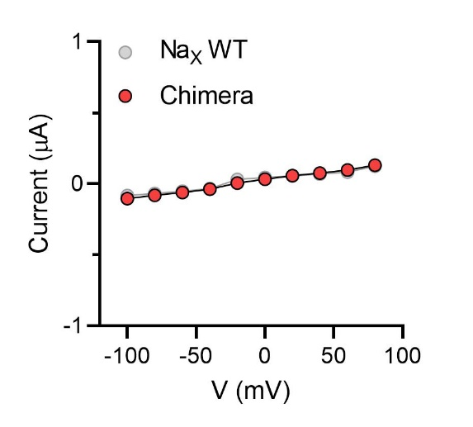
 |  |  |  |  |  |  |  |  |  |  |  | I (µA)
 |  |  |  |  |  |  |  |  |  |  |  | 20226017 | 20226020 | 20226024 | 20303034 | 20303036 | 20303038
 |  |  |  |  |  |  |  |  |  |  |  | -0.13611935079 | -0.079220302403 | -0.10632634163 | -0.10194442421 | -0.09482832998 | -0.10396446288
 |  |  |  |  |  |  |  |  |  |  |  | -0.10082560033 | -0.071833945811 | -0.085997074842 | -0.074533946812 | -0.077965304255 | -0.07843837142
 |  |  |  |  |  |  |  |  |  |  |  | -0.07658765465 | -0.052529286593 | -0.069787196815 | -0.053469933569 | -0.055944539607 | -0.05308130756
 |  |  |  |  |  |  |  |  |  |  |  | -0.049190398306 | -0.038413781673 | -0.044386774302 | -0.025026492774 | -0.040311098099 | -0.029884787276
 |  |  |  |  |  |  |  |  |  |  |  | -0.02630658634 | -0.026693439111 | -0.021871367469 | 0.035833314061 | 0.039818562567 | 0.032561186701
 |  |  |  |  |  |  |  |  |  |  |  | 0.028203962371 | -0.02305190824 | 0.035852108151 | 0.048155773431 | 0.057076282799 | 0.050805430859
 |  |  |  |  |  |  |  |  |  |  |  | 0.045093175024 | 0.023050334305 | 0.062237232924 | 0.064453467727 | 0.075348749757 | 0.069894172251
 |  |  |  |  |  |  |  |  |  |  |  | 0.060805086046 | 0.042822618037 | 0.080863162875 | 0.078487768769 | 0.095653146505 | 0.09046202898
 |  |  |  |  |  |  |  |  |  |  |  | 0.070774614811 | 0.053919091821 | 0.093896828592 | 0.10572713614 | 0.13122820854 | 0.12741416693
 |  |  |  |  |  |  |  |  |  |  |  | 0.098208829761 | 0.071261174977 | 0.1342497766 | 0.14296862483 | 0.17167662084 | 0.17076380551
...
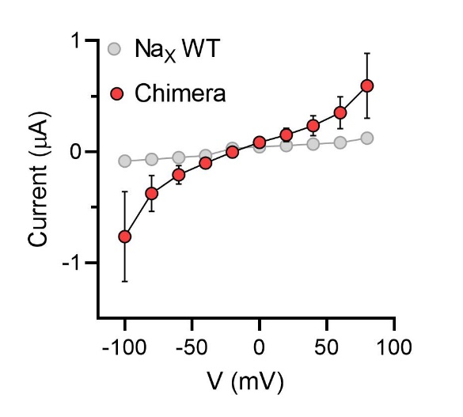
 |  |  |  |  |  |  |  |  |  |  |  | I (µA)
 |  |  |  |  |  |  |  |  |  |  |  | 20226012 | 20227027 | 20227031 | 20303040 | 20303042 | 20303044
 |  |  |  |  |  |  |  |  |  |  |  | -0.45602265 | -1.4892578125 | -0.86273223162 | -0.38882100582 | -0.55562007427 | -0.83312988281
 |  |  |  |  |  |  |  |  |  |  |  | -0.26289182901 | -0.66528320312 | -0.42391335964 | -0.21367573738 | -0.28892305493 | -0.39672851562
 |  |  |  |  |  |  |  |  |  |  |  | -0.16008833051 | -0.35705566406 | -0.24755428731 | -0.12089359015 | -0.16576486826 | -0.19836425781
 |  |  |  |  |  |  |  |  |  |  |  | -0.089017152786 | -0.18310546875 | -0.12746335566 | -0.053868982941 | -0.077788054943 | -0.08544921875
 |  |  |  |  |  |  |  |  |  |  |  | -0.038411092013 | -0.064086914062 | -0.046176988631 | 0.030755119398 | 0.032424774021 | 0.067138671875
 |  |  |  |  |  |  |  |  |  |  |  | 0.031298603863 | 0.12817382812 | 0.065002761781 | 0.080212205648 | 0.080671720207 | 0.12817382812
 |  |  |  |  |  |  |  |  |  |  |  | 0.065659187734 | 0.244140625 | 0.13846535981 | 0.12354022264 | 0.14618632197 | 0.19836425781
 |  |  |  |  |  |  |  |  |  |  |  | 0.11231907457 | 0.37231445312 | 0.23084689677 | 0.17823809385 | 0.2142085284 | 0.29907226562
 |  |  |  |  |  |  |  |  |  |  |  | 0.17125572264 | 0.57983398438 | 0.34410905838 | 0.26055127382 | 0.31555125117 | 0.44555664062
 |  |  |  |  |  |  |  |  |  |  |  | 0.25455716252 | 1.0528564453 | 0.54373002052 | 0.42061933875 | 0.47093081474 | 0.830078125
...
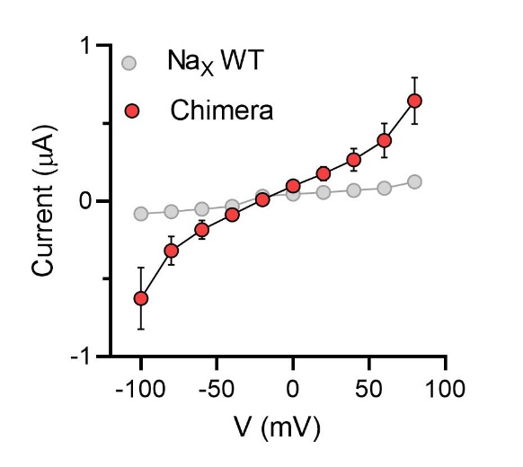
 |  |  |  |  |  |  |  |  |  |  |  | I (µA)
 |  |  |  |  |  |  |  |  |  |  |  | 20303046 | 20303048 | 20303050 | 20303054 | 20303056
 |  |  |  |  |  |  |  |  |  |  |  | -0.56284105778 | -0.89416503906 | -0.7684352994 | -0.4242670238 | -0.48824748397
 |  |  |  |  |  |  |  |  |  |  |  | -0.29195481539 | -0.43640136719 | -0.39177796245 | -0.21167704463 | -0.26555117965
 |  |  |  |  |  |  |  |  |  |  |  | -0.16762147844 | -0.25634765625 | -0.2333778441 | -0.11022219062 | -0.15562540293
 |  |  |  |  |  |  |  |  |  |  |  | -0.078694924712 | -0.12817382812 | -0.10596051067 | -0.044738378376 | -0.079545095563
 |  |  |  |  |  |  |  |  |  |  |  | 0.035146452487 | -0.039672851562 | 0.023881332949 | 0.041684333235 | -0.018777078018
 |  |  |  |  |  |  |  |  |  |  |  | 0.10161595047 | 0.11596679688 | 0.10523740202 | 0.089009575546 | 0.072593897581
 |  |  |  |  |  |  |  |  |  |  |  | 0.16979858279 | 0.21362304688 | 0.22944118083 | 0.14075340331 | 0.12316092849
 |  |  |  |  |  |  |  |  |  |  |  | 0.25616329908 | 0.3173828125 | 0.36083263159 | 0.19545331597 | 0.19947168231
 |  |  |  |  |  |  |  |  |  |  |  | 0.35976710916 | 0.45776367188 | 0.54574435949 | 0.28998163342 | 0.29759183526
 |  |  |  |  |  |  |  |  |  |  |  | 0.584382236 | 0.732421875 | 0.86288303137 | 0.51552909613 | 0.52992719412
...
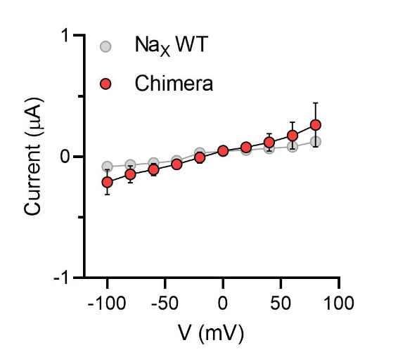
 |  |  |  |  |  |  |  |  |  |  |  | I (µA)
 |  |  |  |  |  |  |  |  |  |  |  | 20226007 | 20226010 | 20227004 | 20227007 | 20227010 | 20303058 | 20303060 | 20303062
 |  |  |  |  |  |  |  |  |  |  |  | -0.10800825059 | -0.1236051172 | -0.14838585258 | -0.32653808594 | -0.39672851562 | -0.2198844105 | -0.16005860269 | -0.19734065235
 |  |  |  |  |  |  |  |  |  |  |  | -0.075724326074 | -0.080787569284 | -0.10984434187 | -0.20446777344 | -0.28381347656 | -0.16575276852 | -0.118253842 | -0.11874944717
 |  |  |  |  |  |  |  |  |  |  |  | -0.059113305062 | -0.069091625512 | -0.071964710951 | -0.146484375 | -0.21057128906 | -0.11651852727 | -0.083436988294 | -0.087784901261
 |  |  |  |  |  |  |  |  |  |  |  | -0.036247756332 | -0.032654032111 | -0.041749384254 | -0.10070800781 | -0.14038085938 | -0.067921474576 | -0.043025791645 | -0.043521016836
 |  |  |  |  |  |  |  |  |  |  |  |  |  |  | -0.051879882812 | -0.079345703125 | 0.034279532731 | 0.038871109486 | 0.027956668288
 |  |  |  |  |  |  |  |  |  |  |  |  |  |  | 0.064086914062 | 0.057983398438 | 0.062801070511 | 0.056807383895 | 0.058004401624
 |  |  |  |  |  |  |  |  |  |  |  |  |  |  | 0.10681152344 | 0.14038085938 | 0.082076586783 | 0.077307671309 | 0.082103066146
 |  |  |  |  |  |  |  |  |  |  |  | 0.039856575429 | 0.050766512752 | 0.086125023663 | 0.18310546875 | 0.26245117188 | 0.11383077502 | 0.10521200299 | 0.10992586613
 |  |  |  |  |  |  |  |  |  |  |  | 0.065094456077 | 0.071486540139 | 0.13183480501 | 0.25024414062 | 0.41198730469 | 0.1618411839 | 0.14991161227 | 0.15883293748
 |  |  |  |  |  |  |  |  |  |  |  | 0.084256492555 | 0.1002426669 | 0.2104383707 | 0.38146972656 | 0.65002441406 | 0.25584334135 | 0.19904822111 | 0.21486362815
...
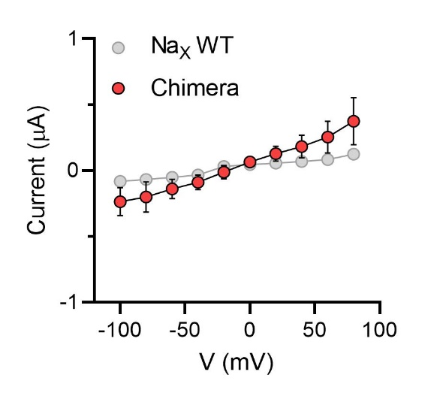
...
 |  |  |  |  |  |  |  |  |  |  |  | I (µA)
 |  |  |  |  |  |  |  |  |  |  |  | 20226048 | 20226050 | 20226052 | 20303064 | 20303066 | 20303068
 |  |  |  |  |  |  |  |  |  |  |  | -0.32256355882 | -0.28455138206 | -0.37781518698 | -0.18566676974 | -0.12685325742 | -0.12165255845
 |  |  |  |  |  |  |  |  |  |  |  | -0.25859546661 | -0.2258373946 | -0.39167121053 | -0.13674947619 | -0.1012693122 | -0.09444180876
 |  |  |  |  |  |  |  |  |  |  |  | -0.1932619065 | -0.15949231386 | -0.25539845228 | -0.093612954021 | -0.071315050125 | -0.071282178164
 |  |  |  |  |  |  |  |  |  |  |  | -0.13214872777 | -0.10381691903 | -0.17448288202 | -0.051065418869 | -0.041339371353 | -0.040327187628
 |  |  |  |  |  |  |  |  |  |  |  | -0.074063383043 | -0.040100324899 | -0.057802855968 | 0.022779211402 | 0.035149492323 | 0.040266256779
 |  |  |  |  |  |  |  |  |  |  |  | 0.057751134038 | 0.065059483051 | 0.091936036944 | 0.059104617685 | 0.057210735977 | 0.058321379125
 |  |  |  |  |  |  |  |  |  |  |  | 0.16997508705 | 0.13566438854 | 0.21470412612 | 0.083634287119 | 0.081662125885 | 0.075491510332
 |  |  |  |  |  |  |  |  |  |  |  | 0.25749590993 | 0.21587783098 | 0.29645594954 | 0.11314430833 | 0.098004259169 | 0.10782432556
 |  |  |  |  |  |  |  |  |  |  |  | 0.34707644582 | 0.30270591378 | 0.42426005006 | 0.16332273185 | 0.14589685202 | 0.13784594834
 |  |  |  |  |  |  |  |  |  |  |  | 0.5003747344 | 0.44844266772 | 0.63310271502 | 0.24089732766 | 0.21054285765 | 0.21024693549
...
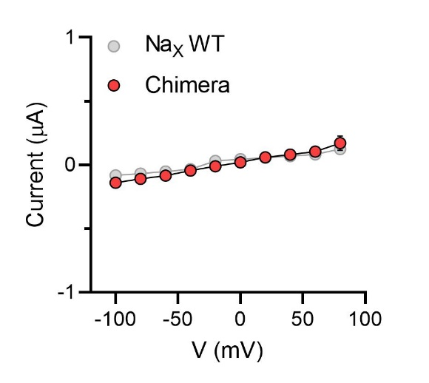
 |  |  |  |  |  |  |  |  |  |  |  | I (µA)
 |  |  |  |  |  |  |  |  |  |  |  | 20226041 | 20226044 | 20226046 | 20227033 | 20227037 | 20227039 | 20303070 | 20303072 | 20303074
 |  |  |  |  |  |  |  |  |  |  |  | -0.12651498616 | -0.15821871161 | -0.094248108566 | -0.14076530933 | -0.21485365927 | -0.14851135015 | -0.12528367341 | -0.14031739533 | -0.10613308102
 |  |  |  |  |  |  |  |  |  |  |  | -0.10438915342 | -0.13374263048 | -0.080561570823 | -0.10666485876 | -0.15886074305 | -0.1118780151 | -0.1035330072 | -0.10355341434 | -0.084899477661
 |  |  |  |  |  |  |  |  |  |  |  |  |  |  | -0.085627108812 | -0.1259418577 | -0.093627117574 | -0.069634228945 | -0.082704491913 | -0.064052283764
 |  |  |  |  |  |  |  |  |  |  |  |  |  |  | -0.0470976457 | -0.086846157908 | -0.065202705562 | -0.041002377868 | -0.045452777296 | 0.035794552416
 |  |  |  |  |  |  |  |  |  |  |  |  |  |  | -0.02405243367 | -0.056610479951 | -0.049076873809 | 0.044844217598 | 0.043549630791 | 0.048832107335
 |  |  |  |  |  |  |  |  |  |  |  |  |  |  | 0.030780347064 | -0.042241882533 | -0.036286052316 | 0.052541784942 | 0.072235010564 | 0.060889191926
 |  |  |  |  |  |  |  |  |  |  |  |  |  |  | 0.053275883198 | 0.066514864564 | 0.040474232286 | 0.066977672279 | 0.083120979369 | 0.071814730763
 |  |  |  |  |  |  |  |  |  |  |  |  |  |  | 0.07813411206 | 0.098056085408 | 0.069305039942 | 0.091989174485 | 0.11480031908 | 0.081914879382
 |  |  |  |  |  |  |  |  |  |  |  |  |  |  | 0.10684473068 | 0.15316389501 | 0.067346774042 | 0.12102460116 | 0.13412472606 | 0.10023006052
 |  |  |  |  |  |  |  |  |  |  |  |  |  |  | 0.15898863971 | 0.2860352695 | 0.13005208969 | 0.18172135949 | 0.20072075725 | 0.14735148847
...
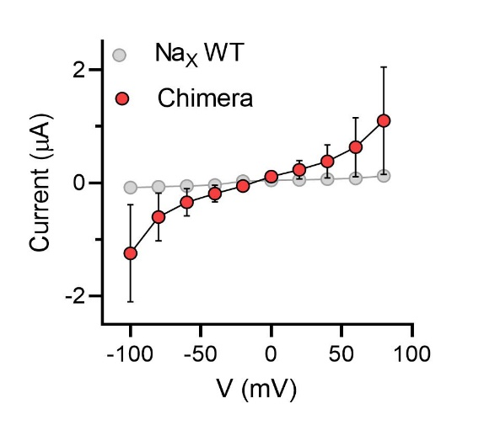
...
 |  |  |  |  |  |  |  |  |  |  |  |  |  |  | 20227025 | 20303076 | 20303078 | 20303080 | 20609023 | 20609025
 |  |  |  |  |  |  |  |  |  |  |  |  |  |  | -0.88524067402 | -0.51091557741 | -0.60437256098 | -0.47263103724 | -1.3153076172 | -1.0560996532
 |  |  |  |  |  |  |  |  |  |  |  |  |  |  | -0.44434773922 | -0.27351471782 | -0.28828883171 | -0.26166906953 | -0.61950683594 | -0.46917849779
 |  |  |  |  |  |  |  |  |  |  |  |  |  |  | -0.25494503975 | -0.16874362528 | -0.15788732469 | -0.15784862638 | -0.341796875 | -0.26054111123
 |  |  |  |  |  |  |  |  |  |  |  |  |  |  | -0.13217180967 | -0.083736792207 | -0.079398624599 | -0.076362811029 | -0.18310546875 | -0.1207389608
 |  |  |  |  |  |  |  |  |  |  |  |  |  | -0.20141601562 | -0.050648838282 | -0.027090299875 | 0.03775696829 | -0.023946709931 | 0.067138671875 | -0.023018591106
 |  |  |  |  |  |  |  |  |  |  |  |  |  | 0.10681152344 | 0.049845103174 | 0.059300035238 | 0.09305151552 | 0.067609421909 | 0.21057128906 | 0.10424862057
 |  |  |  |  |  |  |  |  |  |  |  |  |  | 0.37841796875 | 0.12408895046 | 0.10976728797 | 0.14231073856 | 0.11798797548 | 0.33569335938 | 0.20129708946
 |  |  |  |  |  |  |  |  |  |  |  |  |  | 0.72326660156 | 0.21218118072 | 0.15320543945 | 0.2078666538 | 0.16577136517 | 0.48522949219 | 0.31109446287
 |  |  |  |  |  |  |  |  |  |  |  |  |  | 1.3610839844 | 0.31941926479 | 0.23089897633 | 0.30568945408 | 0.25197654963 | 0.84838867188 | 0.48059263825
 |  |  |  |  |  |  |  |  |  |  |  |  |  | 2.5665283203 | 0.52614396811 | 0.3586217761 | 0.50106906891 | 0.4055839777 | 1.4862060547 | 0.81757605076
...

...
 |  |  |  |  |  |  |  |  |  |  |  |  |  | 20227013 | 20227016 | 20227019 | 20303082 | 20303084 | 20303086
 |  |  |  |  |  |  |  |  |  |  |  |  |  | -0.16913172603 | -0.25341907144 | -0.353877455 | -0.15400010347 | -0.16808308661 | -0.14277523756
 |  |  |  |  |  |  |  |  |  |  |  |  |  | -0.12318983674 | -0.18835519254 | -0.27810850739 | -0.11890888214 | -0.1237796098 | -0.10797715187
 |  |  |  |  |  |  |  |  |  |  |  |  |  | -0.093607284129 | -0.13575606048 | -0.21006929874 | -0.080552950501 | -0.094020582736 | -0.071910269558
 |  |  |  |  |  |  |  |  |  |  |  |  |  | -0.060852464288 | -0.089072987437 | -0.13816827536 | -0.04332197085 | -0.052939392626 | -0.039661955088
 |  |  |  |  |  |  |  |  |  |  |  |  |  | -0.030187815428 | -0.059255901724 | -0.069359526038 | 0.040056671947 | 0.045395370573 | 0.052002865821
 |  |  |  |  |  |  |  |  |  |  |  |  |  | 0.047176450491 | 0.04833817482 | 0.038212239742 | 0.069538719952 | 0.07251521945 | 0.085992477834
 |  |  |  |  |  |  |  |  |  |  |  |  |  | 0.070884555578 | 0.082614019513 | 0.11830995977 | 0.095011465251 | 0.10856807977 | 0.096665106714
 |  |  |  |  |  |  |  |  |  |  |  |  |  | 0.10076963156 | 0.13151556253 | 0.21663157642 | 0.11803182214 | 0.14659951627 | 0.11984250695
 |  |  |  |  |  |  |  |  |  |  |  |  |  | 0.15567855537 | 0.19898304343 | 0.32962024212 | 0.16326163709 | 0.20131331682 | 0.16869357228
 |  |  |  |  |  |  |  |  |  |  |  |  |  | 0.26651576161 | 0.36540678144 | 0.47300672531 | 0.23936980963 | 0.28408300877 | 0.23663945496
...
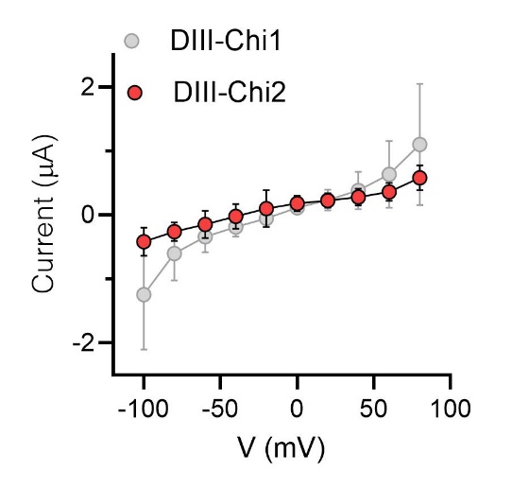
...
 |  |  |  |  |  |  |  |  |  |  |  |  |  |  |  |  |  |  |  |  | 20714048 | 20718042 | 20718044 | 20719000 | 20719002
 |  |  |  |  |  |  |  |  |  |  |  |  |  |  |  |  |  |  |  |  | -0.24108886719 | -0.18615722656 | -0.30212402344 | -0.27160644531 | -0.42114257812
 |  |  |  |  |  |  |  |  |  |  |  |  |  |  |  |  |  |  |  |  | -0.16784667969 | -0.13427734375 | -0.14953613281 | -0.15869140625 | -0.27160644531
 |  |  |  |  |  |  |  |  |  |  |  |  |  |  |  |  |  |  |  |  | -0.12817382812 | 0.10375976562 | 0.082397460938 | -0.13427734375 | -0.21667480469
 |  |  |  |  |  |  |  |  |  |  | -40 | -0.049493286759 | -0.086905047297 | -0.051051206887 | -0.067204780877 | 0.25939941406 | -0.47912597656 | 0.27160644531 | -0.17700195312 | -0.076293945312 | -0.079345703125 | 0.15258789062 | 0.1220703125 | 0.08544921875 | -0.14038085938
 |  |  |  |  |  |  |  |  |  |  | -20 | 0.030272116885 | 0.019970770925 | 0.02636629343 | 0.027059309185 | 0.88806152344 | 0.39672851562 | -0.29907226562 | -0.10986328125 | -0.054931640625 | -0.1953125 | 0.18005371094 | 0.16479492188 | 0.11596679688 | 0.20446777344
 |  |  |  |  |  |  |  |  |  |  | 0 | 0.069461092353 | 0.087355397642 | 0.064035318792 | 0.082593888044 | 0.27160644531 | 0.48828125 | 0.28991699219 | 0.14343261719 | 0.079345703125 | 0.079345703125 | 0.21667480469 | 0.21057128906 | 0.15869140625 | 0.26550292969
 |  |  |  |  |  |  |  |  |  |  | 20 | 0.11408762634 | 0.16457685828 | 0.10333071649 | 0.14695167542 | 0.28076171875 | 0.5126953125 | 0.34484863281 | 0.18615722656 | 0.10986328125 | 0.11901855469 | 0.25634765625 | 0.244140625 | 0.20446777344 | 0.32653808594
 |  |  |  |  |  |  |  |  |  |  | 40 | 0.16892795265 | 0.25248470902 | 0.15564951301 | 0.21384811401 | 0.39367675781 | 0.60729980469 | 0.42419433594 | 0.1953125 | 0.13732910156 | 0.15869140625 | 0.27770996094 | 0.28991699219 | 0.244140625 | 0.36926269531
 |  |  |  |  |  |  |  |  |  |  | 60 | 0.25841620564 | 0.40398082137 | 0.23243887722 | 0.31739267707 | 0.43640136719 | 0.7568359375 | 0.41809082031 | 0.25329589844 | 0.18920898438 | 0.24108886719 | 0.34484863281 | 0.35400390625 | 0.32348632812 | 0.47607421875
 |  |  |  |  |  |  |  |  |  |  | 80 | 0.53564661741 | 0.83836442232 | 0.44908449054 | 0.58633685112 | 0.59814453125 | 1.0406494141 | 0.56762695312 | 0.34790039062 | 0.27770996094 | 0.52490234375 | 0.48828125 | 0.54016113281 | 0.5126953125 | 0.78125
...
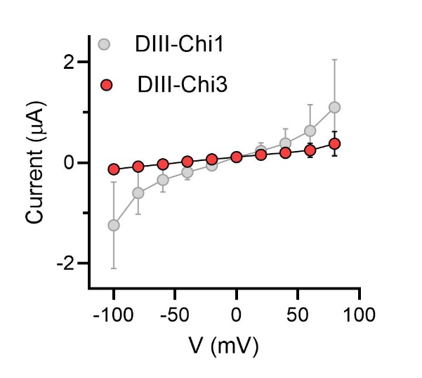
 |  |  |  |  |  |  |  |  |  |  | HP=0 mV
 |  |  |  |  |  |  |  |  |  |  |  | I (µA)
 |  |  |  |  |  |  |  |  |  |  | V (mV) | 20714050 | 20714052 | 20719012 | 20719014 | 20719016
 |  |  |  |  |  |  |  |  |  |  | -100 | -0.10681152344 | -0.095220632553 | -0.1607466507 | -0.16231887817 | -0.11718453407
 |  |  |  |  |  |  |  |  |  |  | -80 | -0.094604492188 | -0.067064599991 | -0.10827729225 | -0.028749032021 | -0.072017617226
 |  |  |  |  |  |  |  |  |  |  | -60 | -0.082397460938 | -0.051790361404 | -0.061595540047 | 0.068308367729 | -0.035166423321
 |  |  |  |  |  |  |  |  |  |  | -40 | -0.039672851562 | -0.041013307571 | 0.049502134323 | 0.091966209412 | 0.056285510063
 |  |  |  |  |  |  |  |  |  |  | -20 | 0.03662109375 | -0.014242494106 | 0.10293598175 | 0.10990057945 | 0.10277080536
 |  |  |  |  |  |  |  |  |  |  | 0 | 0.070190429688 | 0.031007239819 | 0.17605609894 | 0.12955352783 | 0.16001094818
 |  |  |  |  |  |  |  |  |  |  | 20 | 0.08544921875 | 0.060108089447 | 0.24728683472 | 0.15611163139 | 0.22932273865
 |  |  |  |  |  |  |  |  |  |  | 40 | 0.10681152344 | 0.075640106201 | 0.32057937622 | 0.18599939346 | 0.29745500565
 |  |  |  |  |  |  |  |  |  |  | 60 | 0.11291503906 | 0.10029243469 | 0.39073150635 | 0.24439115524 | 0.38141132355
 |  |  |  |  |  |  |  |  |  |  | 80 | 0.13122558594 | 0.095467987061 | 0.52454444885 | 0.59036949158 | 0.54492385864
...
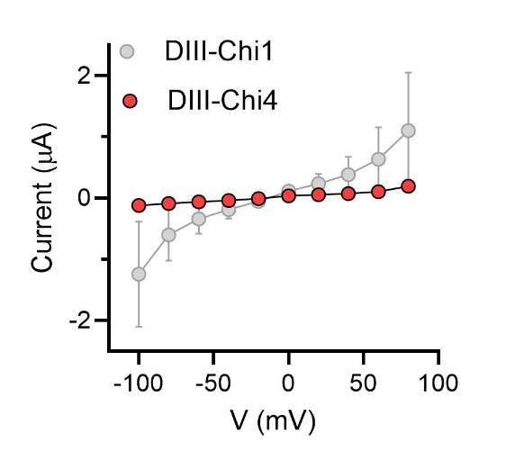
 |  |  |  |  |  |  |  |  |  |  |  | I (µA)
 |  |  |  |  |  |  |  |  |  |  | V (mV) | 20701039 | 20701041 | 20701043 | 20701045 | 20701047
 |  |  |  |  |  |  |  |  |  |  | -100 | -0.13910281658 | -0.14045682549 | -0.097632713616 | -0.11674863845 | -0.10422376543
 |  |  |  |  |  |  |  |  |  |  | -80 | -0.090244889259 | -0.10499306023 | -0.078932709992 | -0.090890325606 | -0.084095597267
 |  |  |  |  |  |  |  |  |  |  | -60 | -0.060481250286 | -0.076736047864 | -0.057183783501 | -0.066394880414 | -0.060728594661
 |  |  |  |  |  |  |  |  |  |  | -40 | -0.03329532221 | -0.047964386642 | -0.037683267146 | -0.040501516312 | -0.034088809043
 |  |  |  |  |  |  |  |  |  |  | -20 | 0.016556786373 | -0.020411707461 | -0.016843384132 | -0.017626879737 | -0.015593018383
 |  |  |  |  |  |  |  |  |  |  | 0 | 0.036560840905 | 0.036570932716 | 0.026279883459 | 0.030959749594 | 0.038357593119
 |  |  |  |  |  |  |  |  |  |  | 20 | 0.05285063386 | 0.060888994485 | 0.040670547634 | 0.052381779999 | 0.052313007414
 |  |  |  |  |  |  |  |  |  |  | 40 | 0.071665808558 | 0.083662539721 | 0.059856045991 | 0.075824655592 | 0.068742774427
 |  |  |  |  |  |  |  |  |  |  | 60 | 0.096275776625 | 0.12817808986 | 0.08545255661 | 0.11081340164 | 0.10466329753
 |  |  |  |  |  |  |  |  |  |  | 80 | 0.15993902087 | 0.25228482485 | 0.1557354629 | 0.2035061568 | 0.18772256374

Supplementary Fig. 9
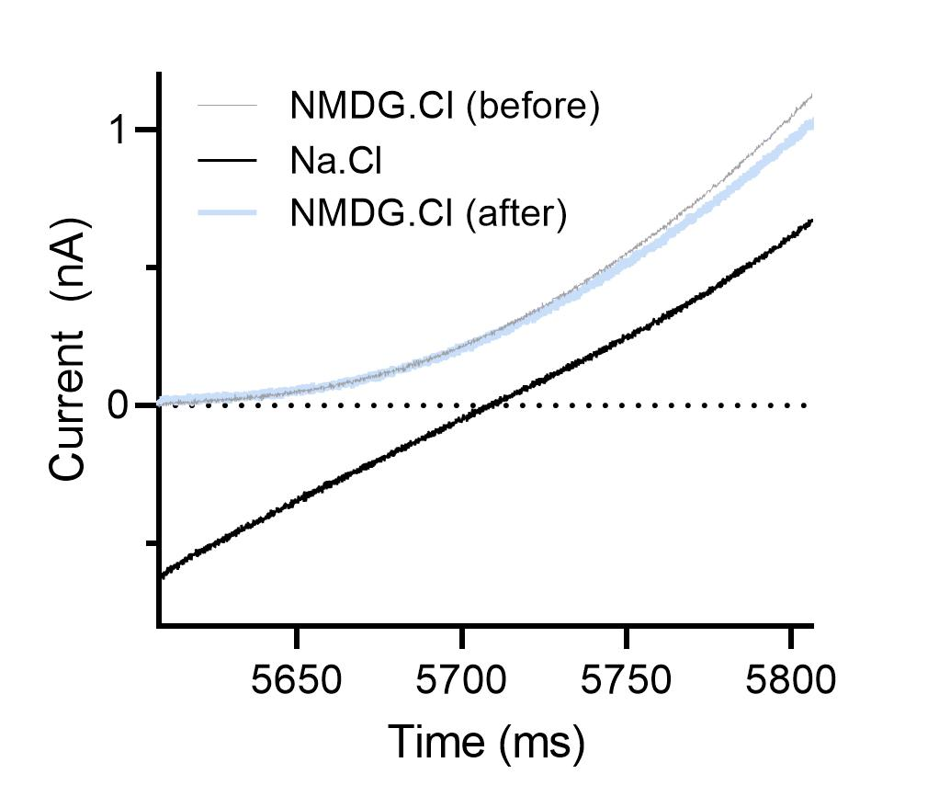
...
HEK293T
NaX-QTT-eGFP-2×FLAG

IC: 136 mM NaCl, 10 mM NaF, 5 mM EGTA, 10 mM HEPES, 2 mM Na2ATP (pH 7.2, 309 mOsm/L) | IC: 136 mM NaMS, 10 mM NaF, 5 mM EGTA, 10 mM HEPES, 2 mM Na2ATP (pH 7.2, 309 mOsm/L)
EC1: 150 mM NaCl, 10 mM HEPES (pH 7.4; 325 mOsm/L) | EC1: 150 mM NaMS, 10 mM HEPES (pH 7.4; 325 mOsm/L)
EC2: 150 mM NMDGCl, 10 mM HEPES (pH 7.4; 325 mOsm/L) | EC2: 150 mM NMDGMS, 10 mM HEPES (pH 7.4; 325 mOsm/L)

Cell 1 | Cell 1
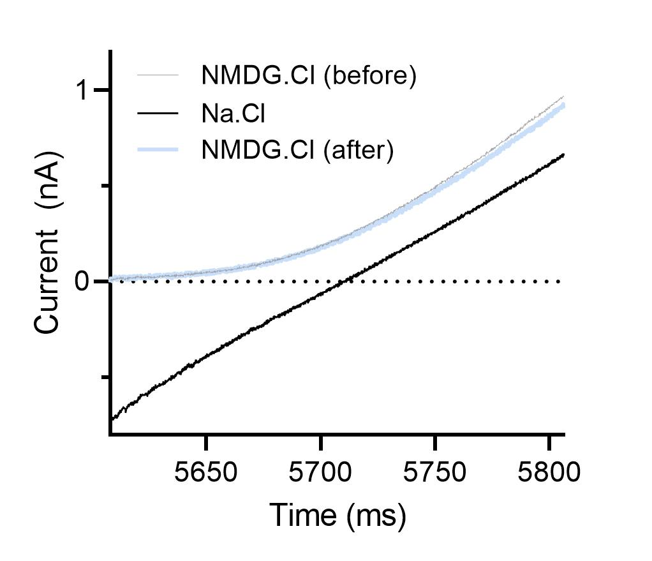
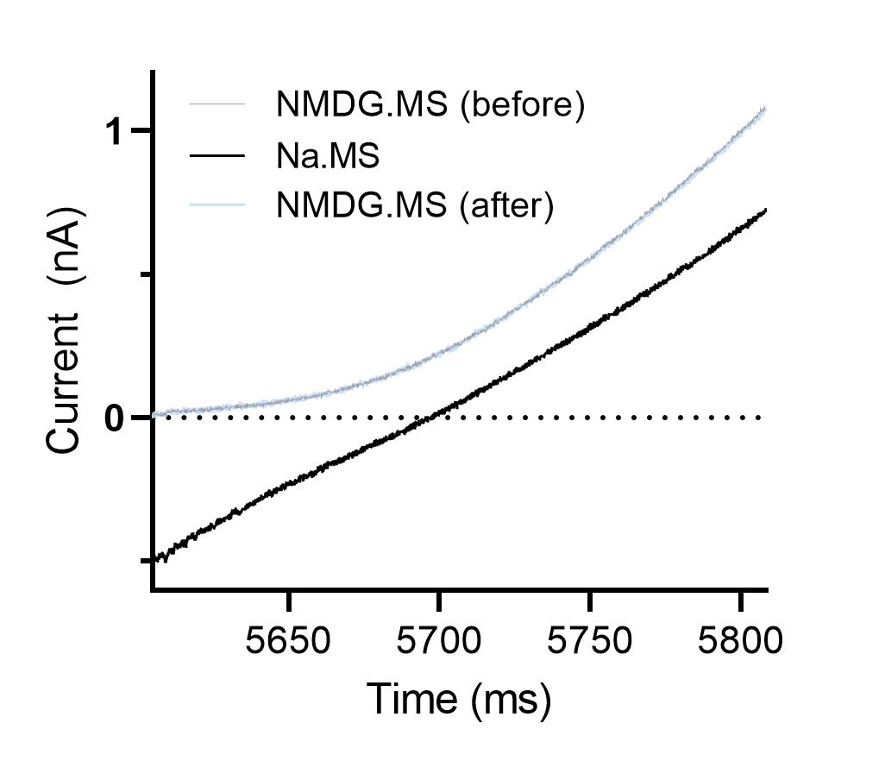

Cell 2 | Cell 2
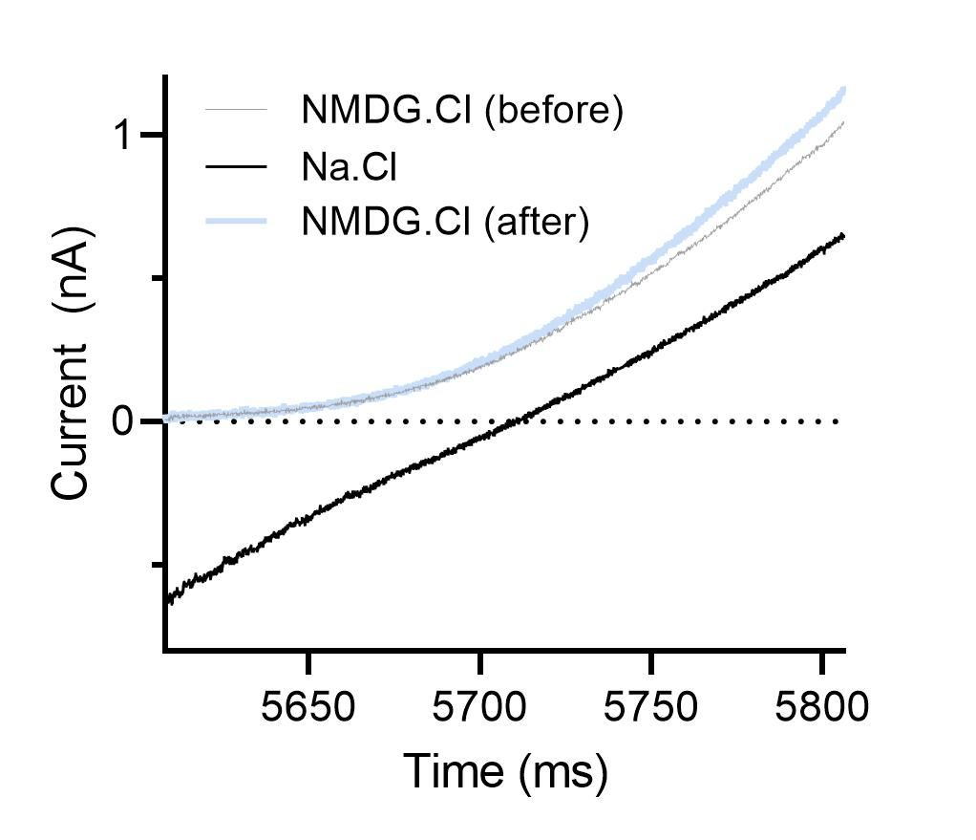
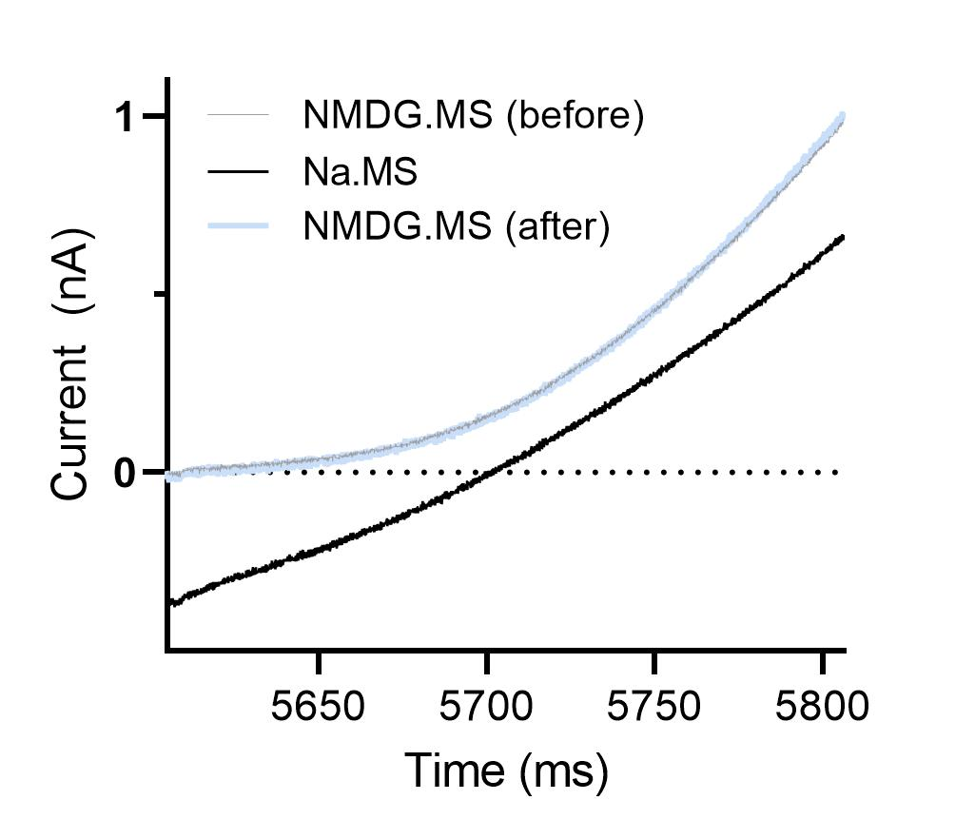

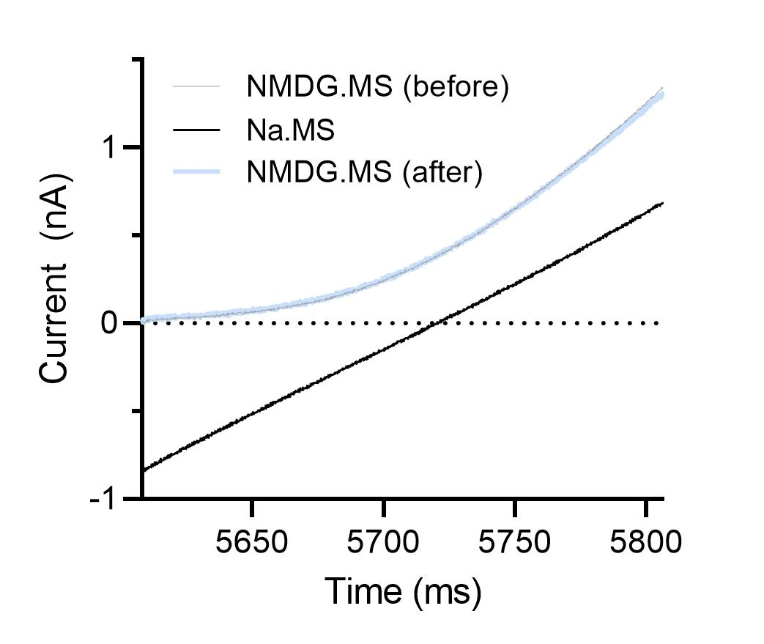
Cell 3 | Cell 3


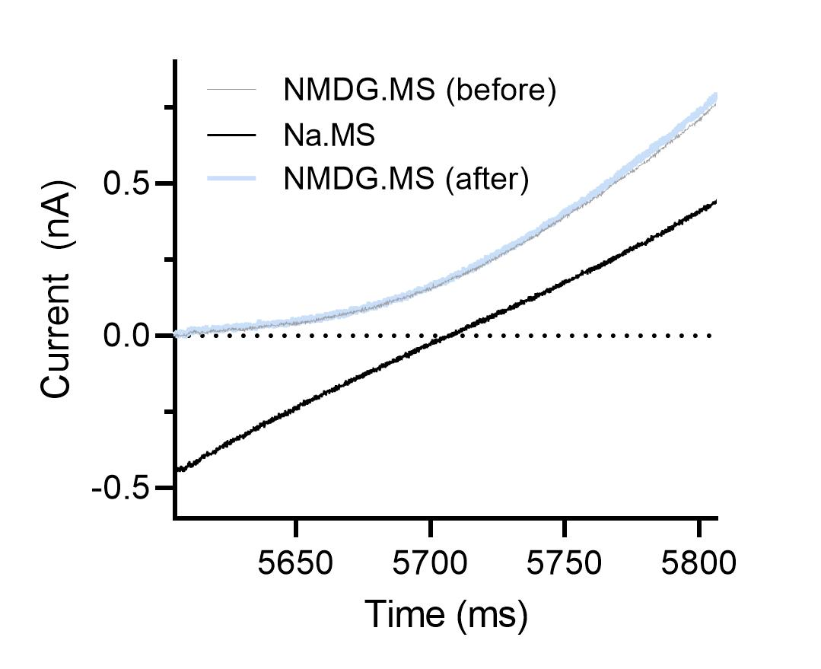
Cell 4 | Cell 4

Supplementary Fig. 10
...
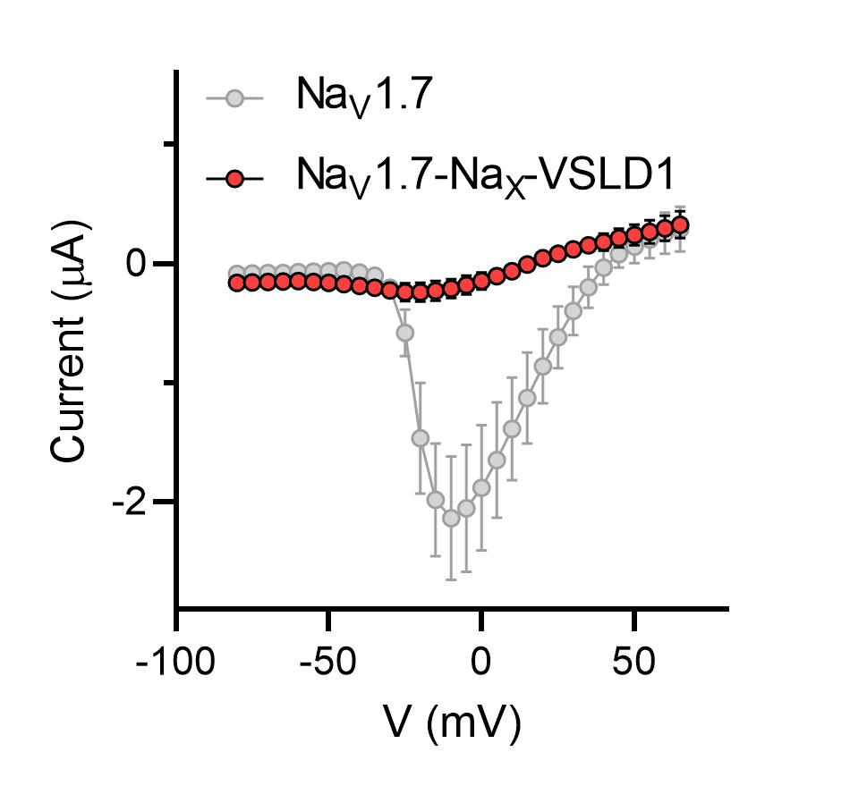
...
 |  |  |  |  |  | 20o17018 | 20o17019 | 20o17021 | 20o20063 | 20o20064 | 20o20065
 |  |  |  |  |  | -0.11325071007 | -0.15575379133 | -0.10794187337 | -0.10128093511 | -0.086949050426 | -0.09421608597
 |  |  |  |  |  | -0.10341699421 | -0.17235404253 | -0.10001295805 | -0.1022856608 | -0.085407435894 | -0.096316695213
 |  |  |  |  |  | -0.093699969351 | -0.17659491301 | -0.11245470494 | -0.11257068068 | -0.087171413004 | -0.096940226853
 |  |  |  |  |  | -0.10366339982 | -0.16763548553 | -0.11277388781 | -0.11407884955 | -0.085065148771 | -0.086549565196
 |  |  |  |  |  | -0.12479909509 | -0.18421474099 | -0.11013047397 | -0.10863848776 | -0.088276095688 | -0.090038515627
 |  |  |  |  |  | -0.12354528159 | -0.19320872426 | -0.11270990968 | -0.12198305875 | -0.092984855175 | -0.10565508902
 |  |  |  |  |  | -0.10956195742 | -0.20649920404 | -0.1332745254 | -0.1317691952 | -0.097824811935 | -0.10847982019
 |  |  |  |  |  | -0.1280887872 | -0.21436423063 | -0.15746435523 | -0.1350709945 | -0.10787309706 | -0.11260095984
 |  |  |  |  |  | -0.14484918118 | -0.22665899992 | -0.16441868246 | -0.15070015192 | -0.11507312208 | -0.13254459202
 |  |  |  |  |  | -0.16034182906 | -0.23650543392 | -0.16125112772 | -0.1664185226 | -0.12559340894 | -0.14281509817
 |  |  |  |  |  | -0.17057414353 | -0.23204113543 | -0.20650520921 | -0.18054543436 | -0.13929884136 | -0.15661092103
 |  |  |  |  |  | -0.17963309586 | -0.26085653901 | -0.23121395707 | -0.19463598728 | -0.14227363467 | -0.17598421872
 |  |  |  |  |  | -0.18977567554 | -0.24433606863 | -0.2476311177 | -0.20121759176 | -0.13983939588 | -0.1838581413
 |  |  |  |  |  | -0.18834760785 | -0.23555241525 | -0.24462138116 | -0.19940958917 | -0.13256160915 | -0.15747748315
 |  |  |  |  |  | -0.17933429778 | -0.22032259405 | -0.22696998715 | -0.18333059549 | -0.11369965225 | -0.14844325185
 |  |  |  |  |  | -0.16933837533 | -0.18496704102 | -0.19445125759 | -0.15717017651 | -0.1018800959 | -0.12657055259
 |  |  |  |  |  | -0.12836174667 | -0.14278656244 | -0.17745152116 | -0.12371896952 | -0.082707934082 | -0.1070541814
 |  |  |  |  |  | -0.1105369404 | -0.097184546292 | -0.14249292016 | -0.0972860232 | -0.058661676943 | -0.069823101163
 |  |  |  |  |  | -0.087988190353 | -0.047108840197 | -0.11091390252 | -0.061148066074 | -0.041940297931 | -0.054121237248
 |  |  |  |  |  | -0.053634814918 | 0.057125128806 | -0.085520066321 | 0.033843517303 | 0.03046666272 | -0.032625686377
 |  |  |  |  |  | 0.0415690355 | 0.093085817993 | -0.044538326561 | 0.057520259172 | 0.056682787836 | -0.014730320312
 |  |  |  |  |  | 0.093342527747 | 0.12334761024 | 0.033121027052 | 0.091538079083 | 0.083231136203 | 0.035461254418
 |  |  |  |  |  | 0.12453719229 | 0.17040890455 | 0.05407679081 | 0.13592123985 | 0.11107299477 | 0.060016769916
 |  |  |  |  |  | 0.16072289646 | 0.22088974714 | 0.084513567388 | 0.17246825993 | 0.1259367615 | 0.082509882748
 |  |  |  |  |  | 0.1877271086 | 0.23816311359 | 0.086978681386 | 0.20881690085 | 0.14617083967 | 0.10785515606
 |  |  |  |  |  | 0.21919973195 | 0.28434884548 | 0.13694562018 | 0.23333463073 | 0.15773522854 | 0.12349200994
 |  |  |  |  |  | 0.23089437187 | 0.32926723361 | 0.13923591375 | 0.27078145742 | 0.1716479212 | 0.14061069489
 |  |  |  |  |  | 0.25683364272 | 0.34875130653 | 0.15574645996 | 0.30848520994 | 0.19614383578 | 0.14977841079
 |  |  |  |  |  | 0.28346556425 | 0.37041902542 | 0.21276667714 | 0.3275539279 | 0.20428486168 | 0.1544393152
 |  |  |  |  |  | 0.30836227536 | 0.40806248784 | 0.21361353993 | 0.35835510492 | 0.22313046455 | 0.18098084629
...
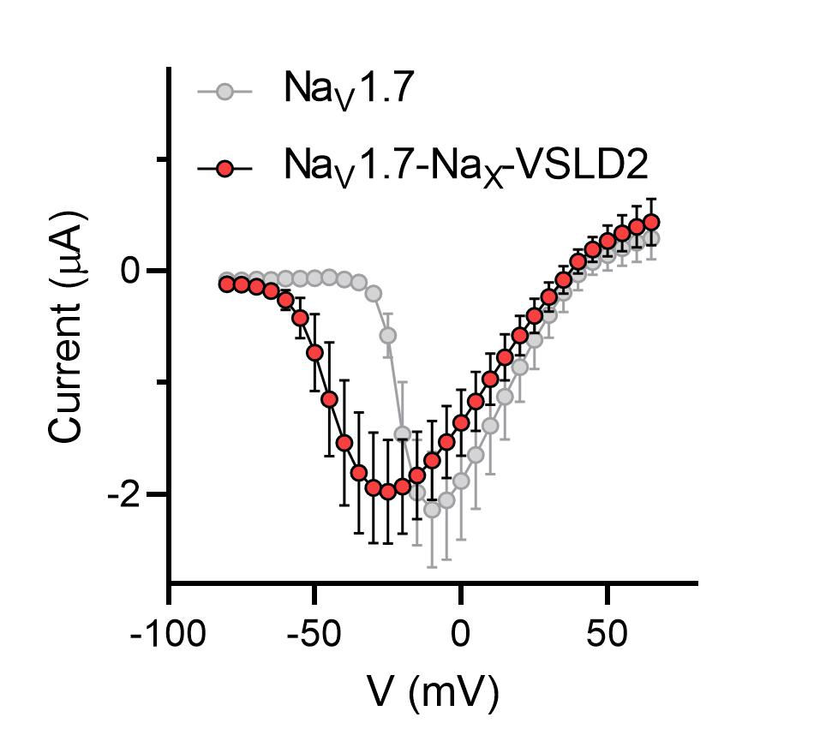
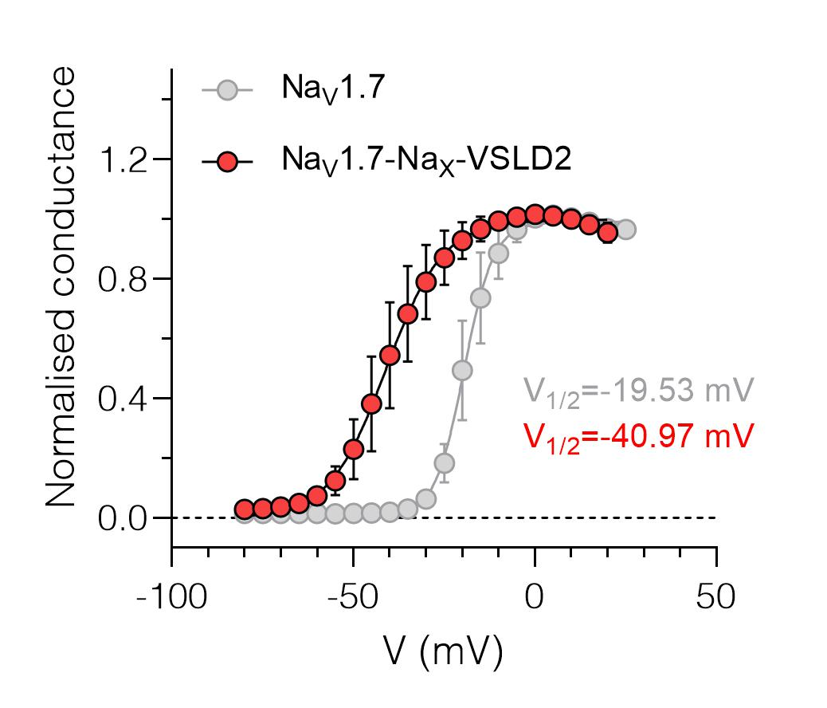
...
 |  |  |  |  |  | 20o17007 | 20o17009 | 20o17011 | 20o20061 | 20o20062
 |  |  |  |  |  | -0.10375976562 | -0.10986328125 | -0.13154236972 | -0.12876708806 | -0.11636463553
 |  |  |  |  |  | -0.10986328125 | -0.11901855469 | -0.13004608452 | -0.12848696113 | -0.11588136852
 |  |  |  |  |  | -0.11596679688 | -0.13732910156 | -0.13737617433 | -0.13934999704 | -0.12213010341
 |  |  |  |  |  | -0.14038085938 | -0.16174316406 | -0.16749379039 | -0.17333717644 | -0.14512661099
 |  |  |  |  |  | -0.18920898438 | -0.244140625 | -0.19751016796 | -0.22968731821 | -0.17867554724
 |  |  |  |  |  | -0.30822753906 | -0.42724609375 | -0.282204777 | -0.34216663241 | -0.24848584831
 |  |  |  |  |  | -0.58288574219 | -0.87585449219 | -0.43501356244 | -0.53974211216 | -0.38064533472
 |  |  |  |  |  | -1.1657714844 | -1.6082763672 | -0.74447280169 | -0.88473600149 | -0.62231242657
 |  |  |  |  |  | -1.9439697266 | -1.9165039062 | -1.2803832293 | -1.3351690769 | -0.98403680325
 |  |  |  |  |  | -2.2186279297 | -1.9714355469 | -1.8925418854 | -1.7383459806 | -1.3948023319
 |  |  |  |  |  | -2.2644042969 | -1.9287109375 | -2.4130177498 | -1.9700651169 | -1.7048952579
 |  |  |  |  |  | -2.2277832031 | -1.8280029297 | -2.6941924095 | -2.033121109 | -1.8684729338
 |  |  |  |  |  | -2.1179199219 | -1.6937255859 | -2.7200381756 | -2.0167562962 | -1.9013166428
 |  |  |  |  |  | -2.001953125 | -1.5380859375 | -2.639103651 | -1.9385540485 | -1.8673244715
 |  |  |  |  |  | -1.8280029297 | -1.3916015625 | -2.4648420811 | -1.8118604422 | -1.7669358253
 |  |  |  |  |  | -1.6296386719 | -1.2390136719 | -2.2695362568 | -1.6398875713 | -1.6404275894
 |  |  |  |  |  | -1.4373779297 | -1.0681152344 | -2.0481493473 | -1.4601913691 | -1.4981678724
 |  |  |  |  |  | -1.2664794922 | -0.88500976562 | -1.8168053627 | -1.2581267357 | -1.2959372997
 |  |  |  |  |  | -1.0925292969 | -0.73547363281 | -1.554168582 | -1.0372112989 | -1.0968968868
 |  |  |  |  |  | -0.87585449219 | -0.5615234375 | -1.3068115711 | -0.81485277414 | -0.91082298756
 |  |  |  |  |  | -0.69885253906 | -0.4150390625 | -1.0210632086 | -0.63406789303 | -0.69353210926
 |  |  |  |  |  | -0.57678222656 | -0.27465820312 | -0.78035587072 | -0.41616633534 | -0.5162923336
 |  |  |  |  |  | -0.38452148438 | -0.15869140625 | -0.55558443069 | -0.23149700463 | -0.32563182712
 |  |  |  |  |  | -0.24108886719 | -0.030517578125 | -0.37161916494 | -0.01510322094 | -0.1416054368
 |  |  |  |  |  | -0.12817382812 | 0.03662109375 | -0.025567045435 | 0.082140088081 | 0.070402748883
 |  |  |  |  |  | 0.016674814746 | 0.070190429688 | 0.052903857082 | 0.1522461921 | 0.11635056138
 |  |  |  |  |  | 0.035429570824 | 0.08544921875 | 0.080372050405 | 0.19397829473 | 0.15677680075
 |  |  |  |  |  | 0.044704925269 | 0.091552734375 | 0.12698306143 | 0.24860592186 | 0.20701725781
 |  |  |  |  |  | 0.058110788465 | 0.10375976562 | 0.17179475725 | 0.29794076085 | 0.22691820562
 |  |  |  |  |  | 0.070531375706 | 0.13122558594 | 0.14984631538 | 0.34399682283 | 0.2662357986
...
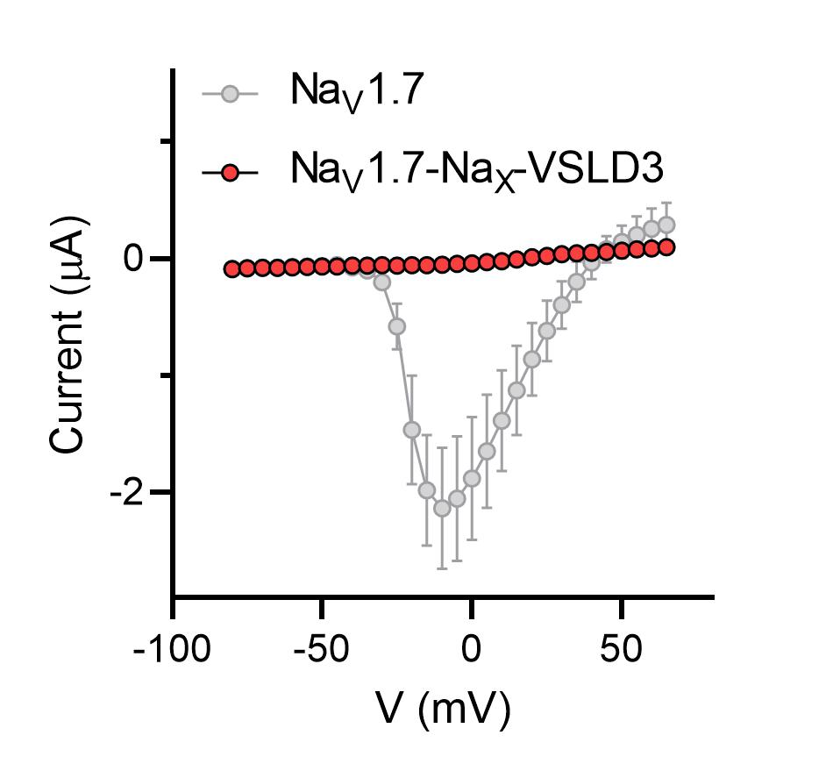
...
 |  |  |  |  |  | 20719024 | 20719025 | 20o17022 | 20o17024 | 20o17026 | 20o17028 | 20o20068
 |  |  |  |  |  | -0.10259727389 | -0.11148778349 | -0.1189815402 | -0.094799458981 | -0.088585697114 | -0.10197234154 | -0.085584968328
 |  |  |  |  |  | -0.096086069942 | -0.10155296326 | -0.11595083028 | -0.097964793444 | -0.092904098332 | -0.072808377445 | -0.081989094615
 |  |  |  |  |  | -0.088310644031 | -0.087952114642 | -0.098853975534 | -0.081427082419 | -0.081913605332 | -0.079834811389 | -0.07336319983
 |  |  |  |  |  | -0.086860179901 | -0.090089321136 | -0.1086403653 | -0.089008718729 | -0.088210970163 | -0.089529357851 | -0.068228460848
 |  |  |  |  |  |  |  | -0.12764893472 | -0.086962588131 | -0.086617894471 | -0.077714957297 | -0.065952762961
 |  |  |  |  |  |  |  | -0.082379505038 | -0.084816284478 | -0.081107459962 | -0.060960095376 | -0.055107966065
 |  |  |  |  |  |  |  | -0.089408904314 | -0.071755252779 | -0.069157168269 | -0.075303547084 | -0.050961993635
 |  |  |  |  |  |  |  | -0.096520602703 | -0.079318895936 | -0.076473936439 | -0.072386600077 | -0.05140517652
 |  |  |  |  |  |  |  | -0.070290341973 | -0.072676107287 | -0.079153373837 | -0.067838929594 | -0.047564271837
 |  |  |  |  |  |  |  | -0.076485015452 | -0.070930153131 | -0.06677158922 | -0.057275708765 | -0.062009204179
 |  |  |  |  |  |  |  | -0.067410506308 | -0.068737469614 | -0.05837764591 | -0.052552886307 | -0.045926120132
 |  |  |  |  |  |  |  | -0.074501387775 | -0.07377653569 | -0.065022088587 | -0.094660483301 | -0.035190869123
 |  |  |  |  |  |  |  | -0.064719744027 | -0.064230158925 | -0.068588472903 | -0.036783132702 | -0.038312353194
 |  |  |  |  |  |  |  | -0.056167062372 | -0.067163102329 | -0.061663895845 | -0.0470777601 | -0.054524887353
 |  |  |  |  |  |  |  | -0.053696937859 | -0.055067587644 | -0.054569166154 | -0.056973919272 | -0.047072235495
 |  |  |  |  |  |  |  | -0.067006312311 | -0.051564976573 | -0.057337846607 | -0.054846074432 | -0.04750527814
 |  |  |  |  |  |  |  | -0.060329452157 | -0.041320949793 | -0.051939241588 | -0.047811340541 | -0.032238502055
 |  |  |  |  |  |  |  | -0.078761763871 | -0.040657192469 | -0.045221056789 | -0.021390004084 | 0.015118076466
 |  |  |  |  |  |  |  | -0.045261316001 | -0.031732145697 | -0.038072936237 | -0.028569426388 | -0.023198319599
 |  |  |  |  |  |  |  | -0.037251450121 | 0.021456655115 | -0.032974224538 | -0.014352432452 | 0.023765154183
 |  |  |  |  |  |  |  | -0.029574517161 | 0.025419279933 | 0.023055175319 | 0.011792959645 | 0.024656618014
 |  |  |  |  |  |  |  | -0.02373187989 | 0.033888809383 | 0.022997258231 | 0.024176042527 | 0.04971383512
 |  |  |  |  |  |  |  | 0.02887798287 | 0.034650001675 | 0.026731211692 | 0.036675043404 | 0.069954484701
 |  |  |  |  |  |  |  | 0.040245458484 | 0.029690951109 | 0.092718496919 | 0.038368869573 | 0.075886651874
 |  |  |  |  |  |  |  | 0.048299282789 | 0.043455604464 | 0.046466898173 | 0.037464182824 | 0.076918363571
0.03495804593 | 0.040835909545 | 0.058828733861 | 0.043422348797 | 0.078073777258 | 0.18151371181 | 0.09300134331 | 0.080473966897 | 0.065739698708 | 0.045696593821 | 0.051911767572 | 0.052600916475 | 0.070444948971
0.039076246321 | 0.039786376059 | 0.079019330442 | 0.057027846575 | 0.09816070646 | 0.1925714612 | 0.10884654522 | 0.10985001177 | 0.052910678089 | 0.054182365537 | 0.055847678334 | 0.071057066321 | 0.077821187675
0.05376778543 | 0.045434862375 | 0.10366146266 | 0.074545301497 | 0.11631143093 | 0.21413074434 | 0.12154590338 | 0.11667133123 | 0.071669749916 | 0.077884353697 | 0.060307960957 | 0.059410903603 | 0.085697226226
0.055260375142 | 0.048705913126 | 0.093767315149 | 0.077252298594 | 0.13138175011 | 0.22095012665 | 0.14255681634 | 0.12945719063 | 0.07207158953 | 0.08943080157 | 0.065018132329 | 0.080083198845 | 0.089481495321
0.064610823989 | 0.062098249793 | 0.10173135996 | 0.092799335718 | 0.14209200442 | 0.2438210845 | 0.16044402122 | 0.15295663476 | 0.083202145994 | 0.10193278641 | 0.082316853106 | 0.095809318125 | 0.10335253924
...
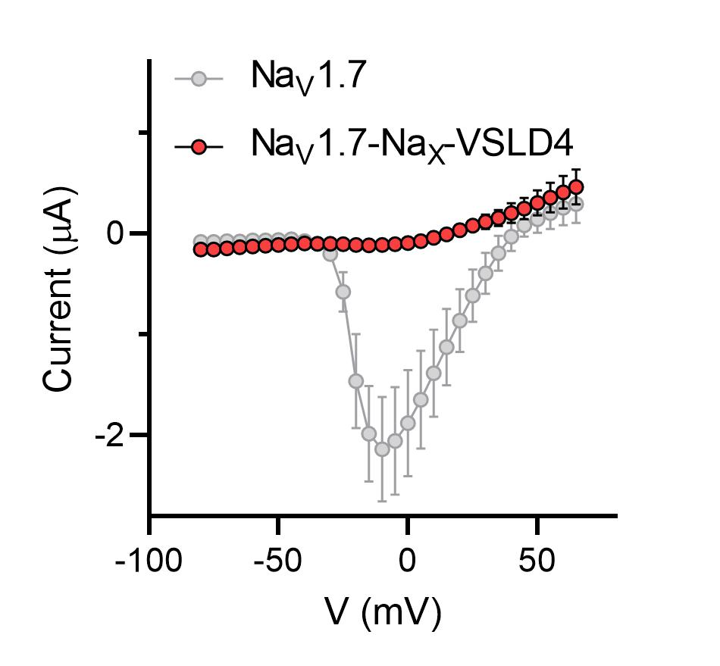
...
20o17032 | 20o17034 | 20o17036 | 20o20071 | 20o20072 | 20o20075
-0.11321557313 | -0.13567988575 | -0.14029248059 | -0.10997439921 | -0.16658142209 | -0.13788864017
-0.11990290135 | -0.12145906687 | -0.14291422069 | -0.12327341735 | -0.1611187607 | -0.16467137635
-0.11916487664 | -0.1151605621 | -0.12947492301 | -0.11452740431 | -0.15575951338 | -0.14330145717
-0.10448603332 | -0.12020293623 | -0.12133658677 | -0.10285006464 | -0.14017918706 | -0.13005922735
-0.093073949218 | -0.1118086949 | -0.11808434129 | -0.10696776956 | -0.12128025293 | -0.13845647871
-0.09416846931 | -0.10751792789 | -0.1184642911 | -0.076442807913 | -0.12850247324 | -0.11834347248
-0.093805365264 | -0.093125887215 | -0.11041247845 | -0.086310945451 | -0.11571723223 | -0.12033546716
-0.088737942278 | -0.088874958456 | -0.10054945946 | -0.091988503933 | -0.091485500336 | -0.10854106396
-0.073828503489 | -0.088308990002 | -0.095949918032 | -0.070051148534 | -0.092275492847 | -0.11401030421
-0.070636481047 | -0.084185808897 | -0.097082965076 | -0.090845324099 | -0.093395650387 | -0.10746810585
-0.078436553478 | -0.085251897573 | -0.098074741662 | -0.099919222295 | -0.097376599908 | -0.10555960238
-0.085695125163 | -0.079124256968 | -0.092600166798 | -0.085569769144 | -0.083068430424 | -0.11723150313
-0.092233270407 | -0.10190866888 | -0.09733312577 | -0.098307266831 | -0.076605841517 | -0.093596890569
-0.092766679823 | -0.086137726903 | -0.099456459284 | -0.12318506092 | -0.083868294954 | -0.1141198948
-0.087654411793 | -0.076529175043 | -0.11725585163 | -0.090436935425 | -0.083471708 | -0.11330392212
-0.070309594274 | -0.067575551569 | -0.10699734837 | -0.13131000102 | -0.065867960453 | -0.10844718665
-0.088498160243 | -0.064903222024 | -0.096131853759 | -0.093169108033 | -0.084150016308 | -0.10159493238
-0.067373864353 | -0.059826459736 | -0.087073996663 | -0.078982703388 | -0.045970462263 | -0.10742980987
-0.051292702556 | -0.042170912027 | -0.085574999452 | -0.081611871719 | -0.041846722364 | -0.066721990705
-0.027694754303 | -0.036319538951 | -0.064586944878 | -0.072032429278 | 0.028753310442 | -0.058558251709
0.030735822394 | 0.040497563779 | -0.037615504116 | -0.025648901239 | 0.051588151604 | -0.031629350036
0.048776026815 | 0.057333372533 | 0.048488136381 | 0.035529844463 | 0.081702105701 | 0.063232325017
0.055311650038 | 0.068077735603 | 0.065288439393 | 0.059473723173 | 0.11645875126 | 0.089475505054
0.10234449059 | 0.086605504155 | 0.084371939301 | 0.082185715437 | 0.15039429069 | 0.13588012755
0.1271392256 | 0.10604611784 | 0.12786075473 | 0.12036988139 | 0.19744677842 | 0.1978059262
0.16035300493 | 0.12856169045 | 0.1459736675 | 0.18106633425 | 0.2422786206 | 0.26515850425
0.18980467319 | 0.14209258556 | 0.18208707869 | 0.22584530711 | 0.29422792792 | 0.42119503021
0.22084572911 | 0.15723475814 | 0.22007653117 | 0.26729589701 | 0.32926949859 | 0.51399409771
0.24502503872 | 0.19221799076 | 0.26444709301 | 0.30851367116 | 0.3769480288 | 0.5956119895
0.28559982777 | 0.22263088822 | 0.31306087971 | 0.35880944133 | 0.43884545565 | 0.66680330038

