Fig. S1
Evolutionary transition from a single RNA replicator to a multiple replicator network
Ryo Mizuuchi, Taro Furubayashi, Norikazu Ichihashi

Fig. S1. Native polyacrylamide gel analysis of parasitic RNAs during the long-term replication experiment.

Unclopped scans for all gels

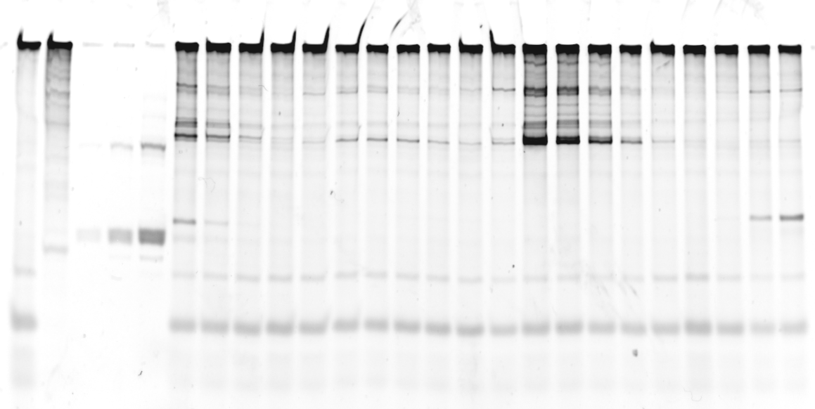
121
122
123
124
125
126
127
129
130
131
132
133
134
135
136
137
A B C D E
 | A: | Reaction mixture without any host or parasitic RNA
 |  | (i.e., only the reconstituted translation system)

 | B: | The pure orignal host RNA

 | C, D, E: | Known amounts of a 222 nt single-stranded RNA
 |  | used to determine parasitic RNA concentrations

 | F: | A pure 510 nt single-stranded RNA
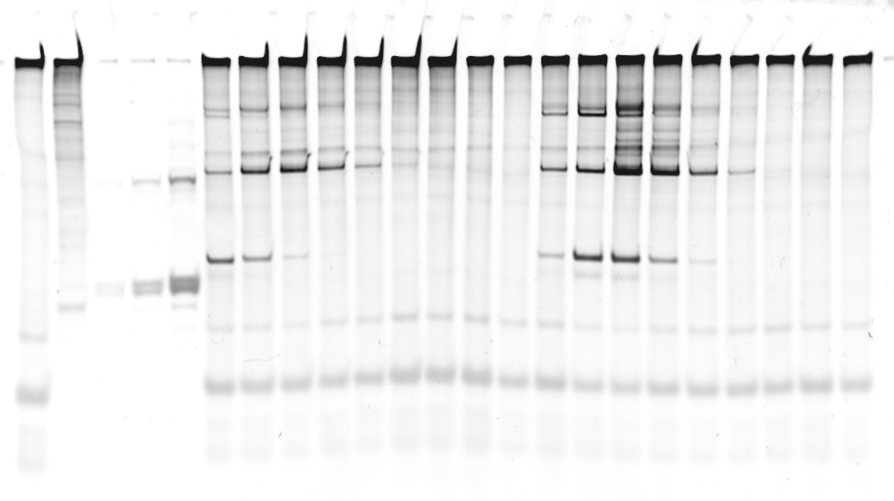
139
140
141
142
143
144
145
146
147
148
149
150
151
152
153
154
138
155
A B C D E
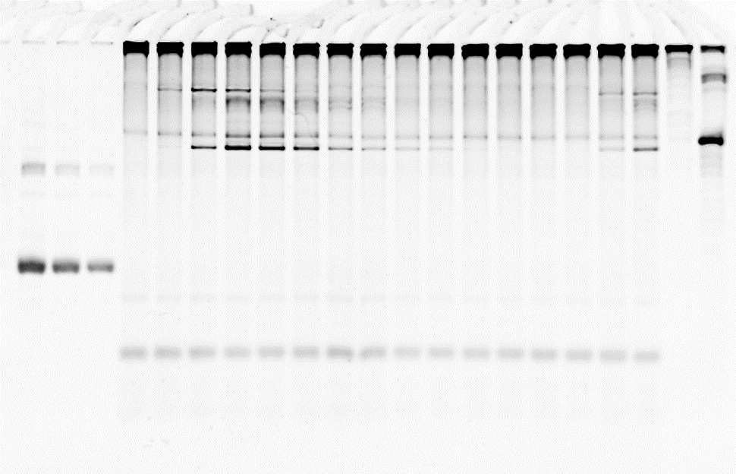
156
157
158
159
160
161
162
163
164
165
166
167
168
169
170
171
C D E
B F

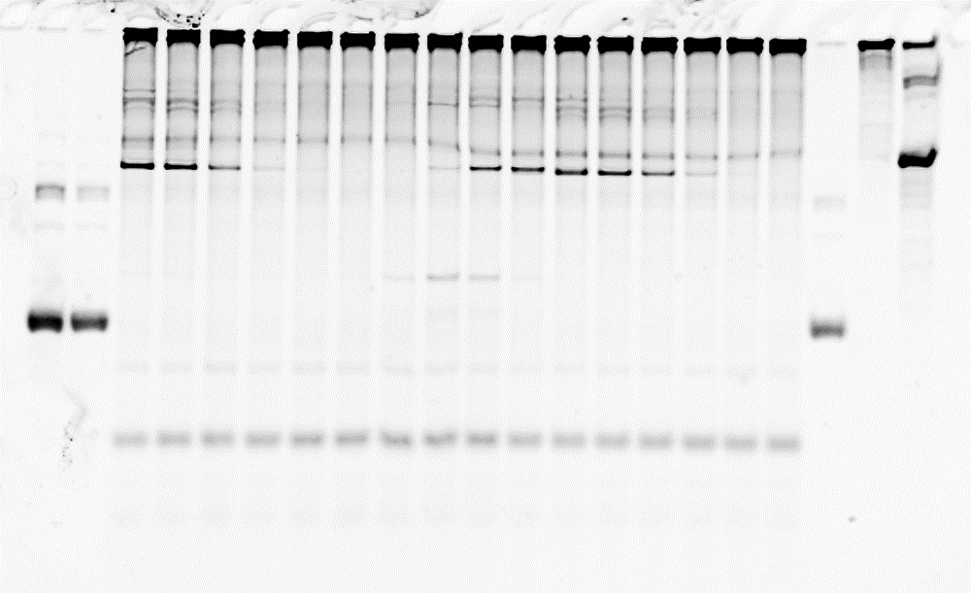
172
173
174
175
176
177
178
179
180
181
182
183
184
185
186
187
C D
E B F

188
189
190
191
192
193
194
195
196
197
198
199
200
201
202
203
204
205
C D E

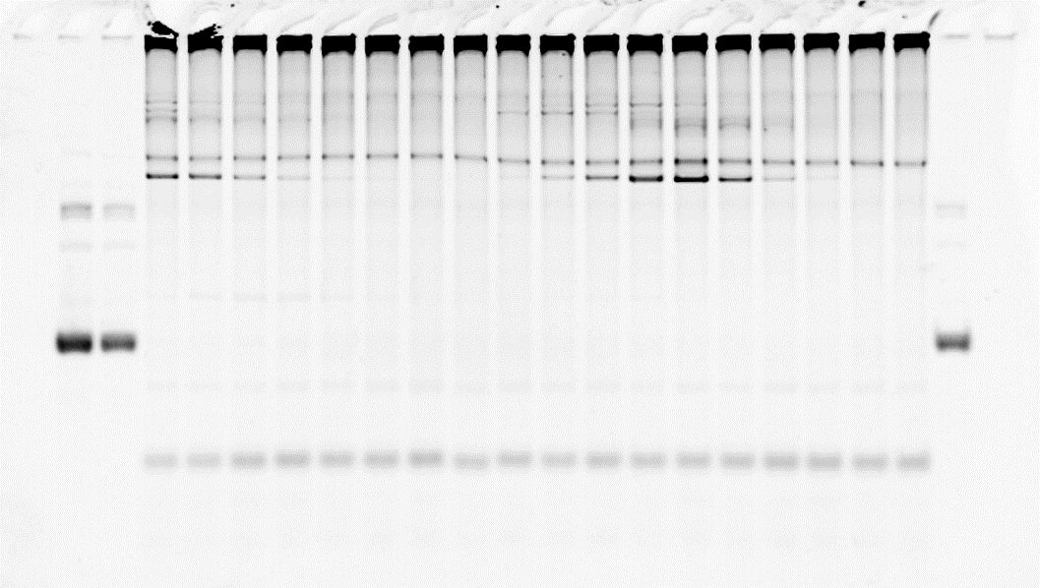
206
207
208
209
210
211
212
213
214
215
216
217
218
219
220
221
222
223
C D
E
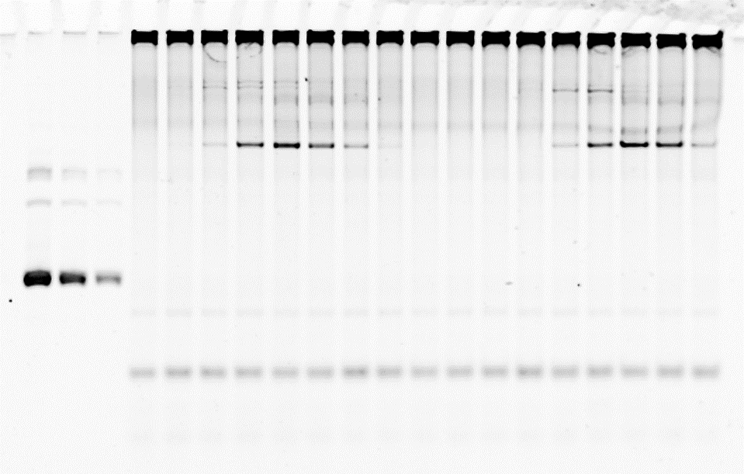
224
225
226
227
228
229
230
231
232
233
234
235
236
237
238
239
240
C D E

Fig. S5
Evolutionary transition from a single RNA replicator to a multiple replicator network
Ryo Mizuuchi, Taro Furubayashi, Norikazu Ichihashi

Fig. S5. Two additional long-term replication experiments.

Unclopped scans for the gels in panel c and d

 | C, D, E: | Known amounts of a 222 nt single-stranded RNA used to determine parasitic RNA concentrations

 | F: | A pure 510 nt single-stranded RNA

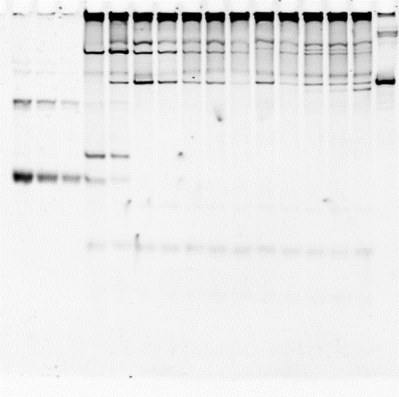
92
114
129
144
160
173
183
189
195
200
220
239
C D E
F
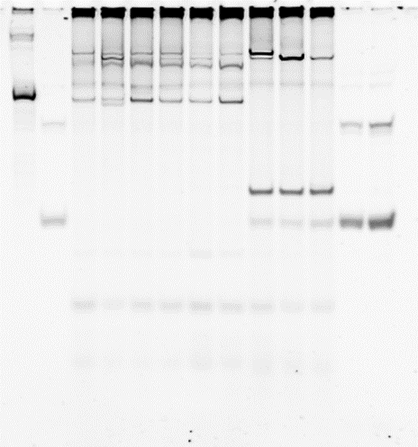
86
94
105
135
155
175
198
219
237
C D
E F
 | (c) |  | (d)

Fig. S13
Evolutionary transition from a single RNA replicator to a multiple replicator network
Ryo Mizuuchi, Taro Furubayashi, Norikazu Ichihashi

Fig. S13. Translation activity of RNA clones at round 228.

Unclopped scans for the gels in panel a

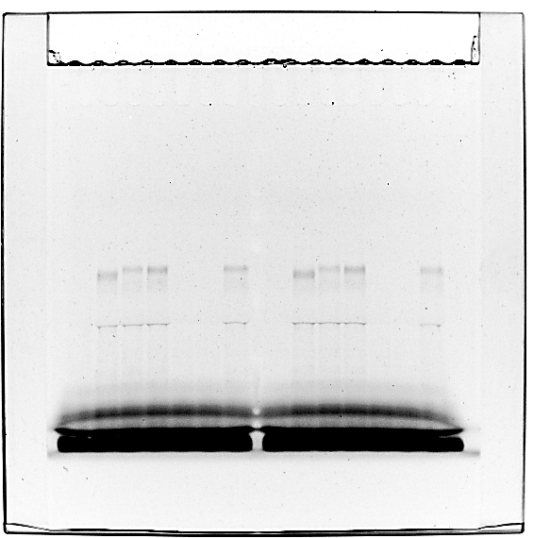
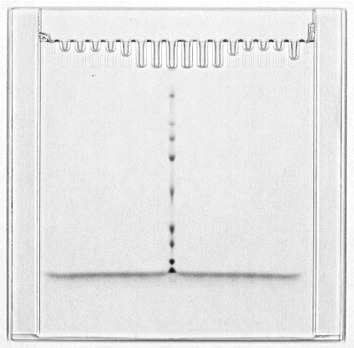
Blue light (fluorescence)
White light

Fig. S14
Evolutionary transition from a single RNA replicator to a multiple replicator network
Ryo Mizuuchi, Taro Furubayashi, Norikazu Ichihashi

Fig. S14. Replication of RNA clones at round 228 by their encoded replicases.

Unclopped scans for the gels in panel a

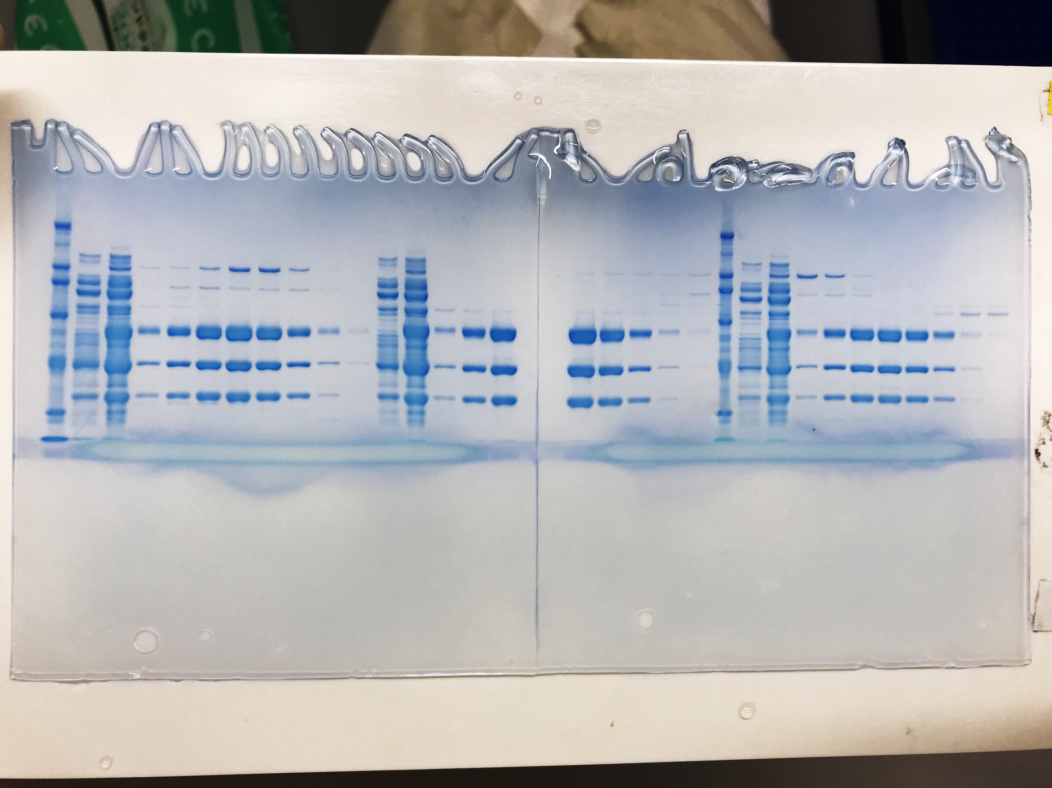
gel 1
gel 2

