Fig. S8
Raw data |  |  |  |  |  |  |  |  | Raw images

A (mgtA)
B (λtR1)
C (trp-t’)
D (rho)
E (ribB)
NusA/G | -[NusA/G] |  |  |  | +[NusA/G]
[ρ] | 0 | 15 | 30 | 60 | 0 | 15 | 30 | 60
mgtA | 42 | 77 | 80 | 82 | 48 | 80 | 86 | 87
- NusA/G
+ NusA/G
- NusA/G
+ NusA/G
- NusA/G
+ NusA/G
- NusA/G
+ NusA/G
- NusA/G
+ NusA/G
λTR1 | 3 | 64 | 65 | 70 | 2 | 37 | 38 | 41
Rho
Rho
Rho
Rho
Rho
trp-t' | 9 | 35 | 52 | 63 | 7 | 54 | 74 | 81
rho | 26 | 37 | 42 | 61 | 35 | 81 | 89 | 90
ribB | 88 | 90 | 93 | 95 | 89 | 91 | 94 | 95
RO
314 nt
286 nt
314 nt
314 nt
314 nt
RO
286 nt
314 nt
RO
Background Subtraction
286 nt
RO
286 nt
RO
286 nt
150 nt
150 nt
150 nt
150 nt
150 nt
NusA/G | -[NusA/G] |  |  |  | +[NusA/G]
[ρ] | 0 | 15 | 30 | 60 | 0 | 15 | 30 | 60
mgtA | - | 35 | 38 | 40 | - | 32 | 38 | 39
100 nt
100 nt
λTR1 | - | 61 | 62 | 67 | - | 35 | 36 | 39
100 nt
100 nt
100 nt
trp-t' | - | 26 | 43 | 54 | - | 47 | 67 | 74
rho | - | 11 | 16 | 35 | - | 46 | 54 | 55
ribB | - | 2 | 5 | 7 | - | 2 | 5 | 6

Fig. S10
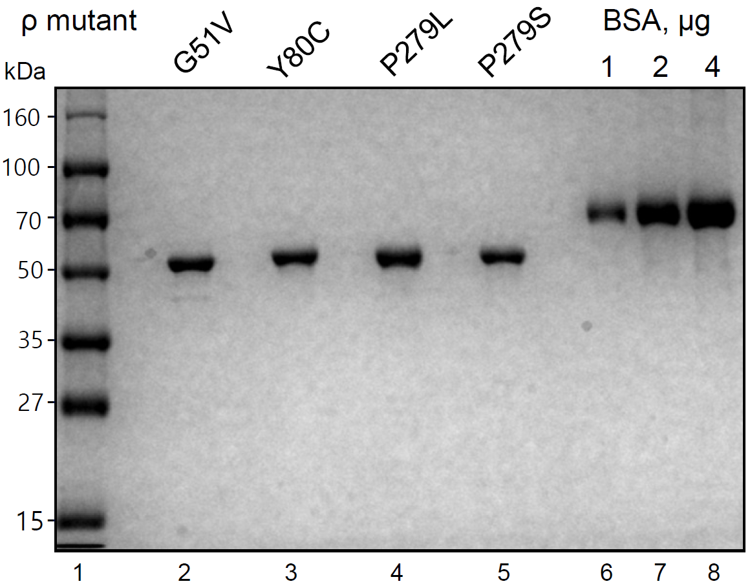
Raw image

