Fig. 1
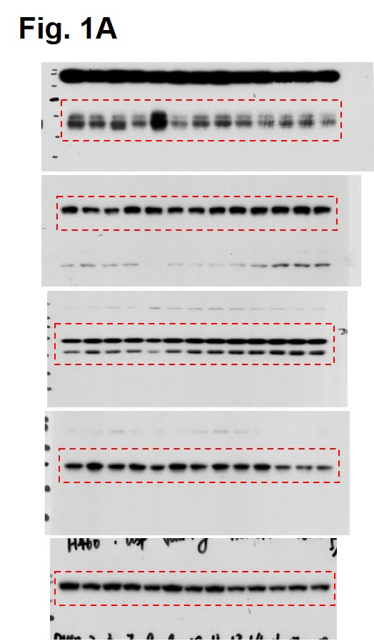
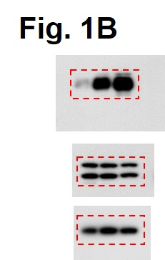
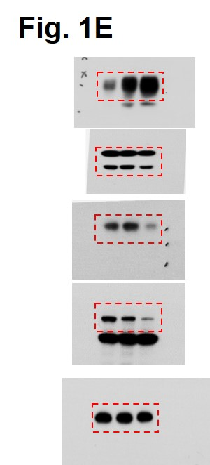

Fig. 1a | Fig. 1b |  |  | Fig. 1d |  | Fig. 1e | Fig. 1g |  |  | Fig. 1h |  | Fig. 1j |  |  | Fig. 1k
 |  |  |  | H460 PD-L1 MFI |  |  | PC9 PD-L1 MFI |  |  |  |  | CT26 PD-L1 MFI |  |  | CT26 Pd-l1 mRNA level
 |  |  |  | DMSO | 2 μM DUBs-IN-2 |  | DMSO | 2 μM DUBs-IN-2 | 4 μM DUBs-IN-2 |  |  | sgControl | sgUsp8 |  | sgControl | sgUsp8_#1 | sgUsp8_#2
 |  |  |  | 8172 | 33946 |  | 18523 | 39360 | 117859 |  |  | 4120 | 10159 |  | 1.03 | 1.154386 | 1.249001
 |  |  |  | 9924 | 36735 |  | 19950 | 49265 | 121140 |  |  | 4107 | 9684 |  | 0.955844 | 1.120684 | 1.087119
 |  |  |  | 10312 | 34391 |  | 19458 | 41224 | 118094 |  |  | 3980 | 9107 |  | 1.106822 | 1.218405 | 1.272993
 |  |  |  |  | p value |  |  |  | p value |  |  |  | p value |  |  |  | p value
 |  |  |  | DMSO vs 2 μM DUBs-IN-2 | 1.9411582655E-05 |  |  | DMSO vs 2 μM DUBs-IN-2 | 0.0014472766393 |  |  | sgControl vs sgUsp8 | 5.4139238546E-05 |  |  | sgControl vs sgUsp8_#1 | 0.062556521737
 |  |  |  |  |  |  |  | DMSO vs 4 μM DUBs-IN-2 | 1.0115091968E-07 |  |  |  |  |  |  | sgControl vs sgUsp8_#2 | 0.077401389514

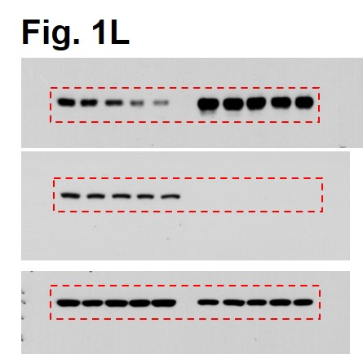
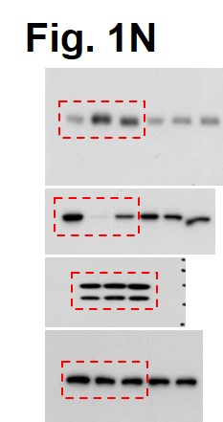
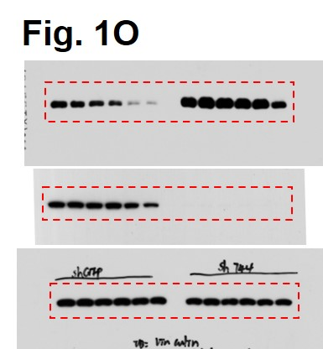
Fig. 1l
 |  |  |  |  |  |  | Fig. 1n |  | Fig. 1o
 |  | Fig. 1m
 |  |  |  | CT26 Relative protien level |  |  |  |  |  |  | Fig. 1p
 |  |  | (h) | First time | Second time | Third time |  |  |  |  |  |  | B16-F10 Relative protien level
 |  | CT26 sgControl | 0 | 0 | 0 | 0 |  |  |  |  | CT26 shGFP | (h) | First time | Second time | Third time
 |  |  | 3 | -0.22810019031 | -0.40520962686 | -0.34905181778 |  |  |  |  |  | 0 | 0 | 0 | 0
 |  |  | 6 | -0.51658656419 | -0.44296716096 | -0.62703592771 |  |  |  |  |  | 3 | -0.3456059901 | -0.049605299647 | -0.30093726948
 |  |  | 9 | -1.3112144204 | -1.1555716789 | -1.5500914397 |  |  |  |  |  | 6 | -0.42225138795 | -0.29076679751 | -0.12641994819
 |  |  | 12 | -1.4661007334 | -1.2614834979 | -1.9546400302 |  |  |  |  |  | 9 | -0.87311382279 | -0.39894239553 | -0.50927022919
 |  | CT26 sgUsp8 | 0 | 0 | 0 | 0 |  |  |  |  |  | 12 | -1.8571257508 | -1.3892365105 | -1.9471033787
 |  |  | 3 | -0.26059875286 | -0.27402695232 | 0.0047153180471 |  |  |  |  |  | 24 | -2.8055356919 | -2.7863688272 | -2.4454562927
 |  |  | 6 | -0.26692963213 | -0.16275317711 | -0.12241895156 |  |  |  |  | CT26 shUsp8 | 0 | 0 | 0 | 0
 |  |  | 9 | -0.23260989255 | -0.2385753947 | -0.15243458679 |  |  |  |  |  | 3 | 0.053548182144 | 0.0019848014627 | 0.12979766161
 |  |  | 12 | -0.44862802681 | -0.15715347815 | -0.12390406167 |  |  |  |  |  | 6 | 0.042847237019 | -0.21256584369 | 0.056844425232
 |  |  |  | p value |  |  |  |  |  |  |  | 9 | 0.016998835296 | -0.18703767209 | -0.013256922278
 |  |  | CT26 sgControl 0 h vs CT26 sgUsp8 0 h | #DIV/0! |  |  |  |  |  |  |  | 12 | 0.073142402898 | -0.1655927911 | -0.094473614605
 |  |  | CT26 sgControl 3 h vs CT26 sgUsp8 3 h | 0.31021777114 |  |  |  |  |  |  |  | 24 | -0.46457879234 | -0.25078635113 | -0.21557937776
 |  |  | CT26 sgControl 6 h vs CT26 sgUsp8 6 h | 0.050272936391 |  |  |  |  |  |  |  |  | p value
 |  |  | CT26 sgControl 9 h vs CT26 sgUsp8 9 h | 0.015231891999 |  |  |  |  |  |  |  | CT26 shGFP 0 h vs CT26 shUsp8 0 h | #DIV/0!
 |  |  | CT26 sgControl 12 h vs CT26 sgUsp8 12 h | 0.036228981987 |  |  |  |  |  |  |  | CT26 shGFP 3 h vs CT26 shUsp8 3 h | 0.13669812585
 |  |  |  |  |  |  |  |  |  |  |  | CT26 shGFP 6 h vs CT26 shUsp8 6 h | 0.17095517806
 |  |  |  |  |  |  |  |  |  |  |  | CT26 shGFP 9 h vs CT26 shUsp8 9 h | 0.11353115815
 |  |  |  |  |  |  |  |  |  |  |  | CT26 shGFP 12 h vs CT26 shUsp8 12 h | 0.01750189086
 |  |  |  |  |  |  |  |  |  |  |  | CT26 shGFP 24 h vs CT26 shUsp8 24 h | 0.0014194520962

Fig. 2
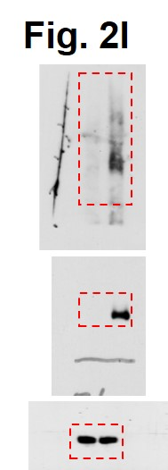
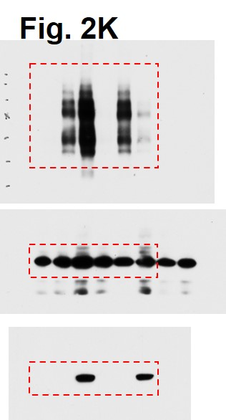
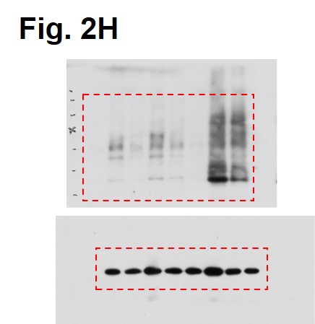
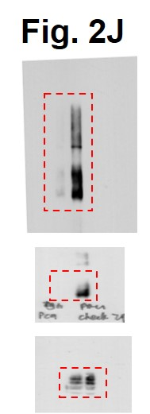
Fig. 2a | Fig. 2b | Fig. 2c | Fig. 2d |  | Fig. 2f |  | Fig. 2g


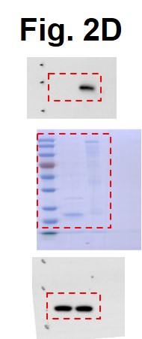
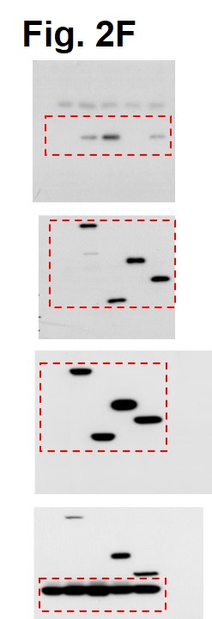
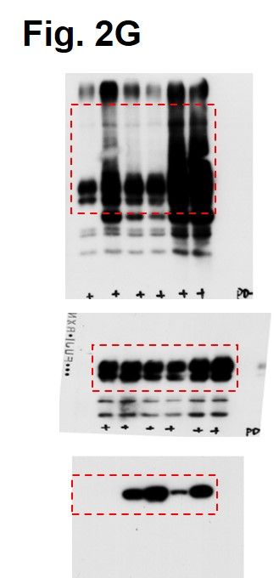

Fig, 2h | Fig. 2i | Fig. 2j |  | Fig. 2k |  | Fig. 2l

Fig. 3
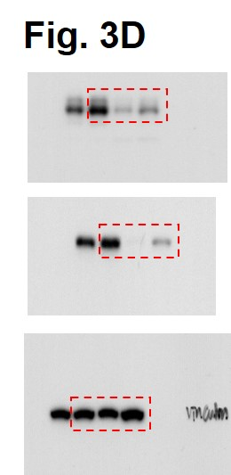
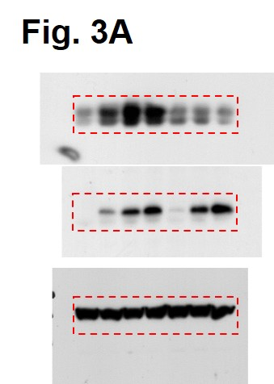
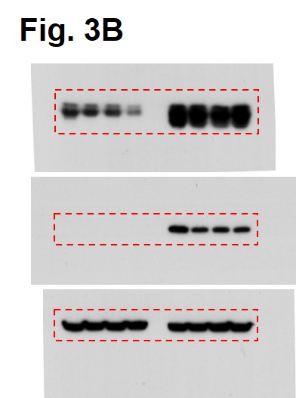
Fig. 3a |  | Fig. 3b |  |  | Fig. 3c |  | 293T Relative protein level |  |  |  | Fig. 3d |  | Fig. 3e
 |  |  |  |  |  | (h) | First time | Second time | Third time |  |  |  | H460 PD-L1 mRNA level
 |  |  |  |  | EV | 0 | 0 | 0 | 0 |  |  |  | sgControl | sgTRAF6_#5 | sgTRAF6_#6
 |  |  |  |  |  | 4 | -0.25208450735 | -0.21763286235 | -0.1707419126 |  |  |  | 0.963821 | 0.941851 | 1.001549
 |  |  |  |  |  | 8 | -0.50849644407 | -0.7629969776 | -0.66304230793 |  |  |  | 1.163665 | 0.911452 | 1.150226
 |  |  |  |  |  | 12 | -1.1709701757 | -1.7252578268 | -1.3188920418 |  |  |  | 1.065382 | 0.879185 | 1.104802
 |  |  |  |  | Flag-TRAF6 | 0 | 0 | 0 | 0 |  |  |  |  |  | p value
 |  |  |  |  |  | 4 | -0.058908292953 | 0.033710291558 | -0.081898935184 |  |  |  |  | sgControl vs sgTRAF6_#5 | 0.064111671866
 |  |  |  |  |  | 8 | -0.14453849444 | -0.38633589766 | -0.14260269718 |  |  |  |  | sgControl vs sgTRAF6_#6 | 0.784295728
 |  |  |  |  |  | 12 | -0.1717666502 | -0.36074806163 | -0.19613830648
 |  |  |  |  |  |  | p value
 |  |  |  |  |  | EV 0 h vs Flag-TRAF6 0 h | #DIV/0!
 |  |  |  |  |  | EV 4 h vs Flag-TRAF6 4 h | 0.064637125964
 |  |  |  |  |  | EV 8 h vs Flag-TRAF6 8 h | 0.013951705514
 |  |  |  |  |  | EV 12 h vs Flag-TRAF6 12 h | 0.0084138559778

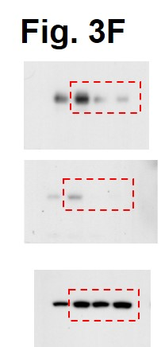
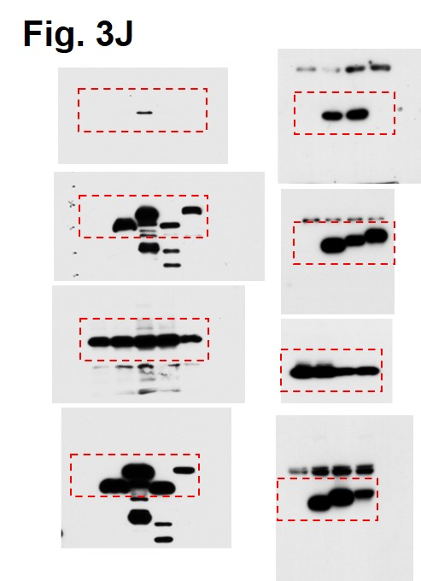
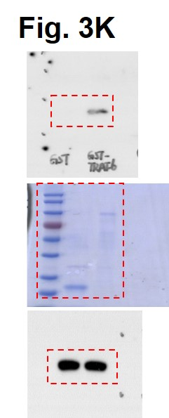

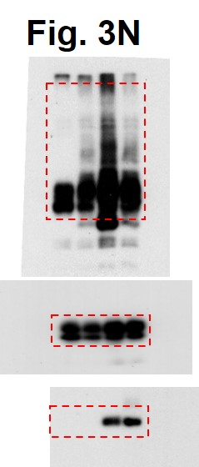
Fig. 3f | Fig. 3g |  |  | Fig. 3i |  |  | Fig. 3j |  |  | Fig. 3k |  | Fig. 3m |  | Fig. 3n
 | CT26 PD-L1 mRNA level |  |  | TRAF6 staining intensities score | PD-L1 staining intensitis score
 | sgControl | sgTraf6_#4 | sgTraf_#5 | 2 | 1.1
 | 0.912609 | 0.999994 | 0.905268 | 2.4 | 0.05
 | 1.02333 | 0.968387 | 0.939304 | 2.65 | 0
 | 1.041923 | 0.91079 | 1.003853 | 1.6 | 0.2
 |  |  | p value | 3.1 | 0
 |  | sgControl vs sgTraf6_#4 | 0.53137853807 | 2.75 | 0
 |  | sgControl vs sgTraf6_#5 | 0.43387705062 | 3.6 | 0.05
 |  |  |  | 3.35 | 2.9
 |  |  |  | 2.9 | 0
 |  |  |  | 4 | 0.45
 |  |  |  | 3.35 | 2.075
 |  |  |  | 4 | 0.08
 |  |  |  | 3.6 | 0
 |  |  |  | 3.85 | 1.502833
 |  |  |  | 3.5 | 0
 |  |  |  | 3.7 | 0
 |  |  |  | 2.9 | 0.3
Fig. 3o |  |  |  | 3.85 | 1.225

 |  |  |  | 4.5 | 3.8
 |  |  |  | 3.9 | 4.25
 |  |  |  | 2.55 | 0.1
 |  |  |  | 4.5 | 0
 |  |  |  | 3.925 | 0.1
 |  |  |  | 3.7 | 0
 |  |  |  | 3.8 | 0
 |  |  |  | 2.3 | 0.3
 |  |  |  | 2.15 | 0.25
 |  |  |  | 2.4 | 0
 |  |  |  | 2.9 | 0.1
 |  |  |  | 1 | 0.3
 |  |  |  | 4.5 | 3.1
 |  |  |  | 5 | 4.625
 |  |  |  | 3.125 | 0
 |  |  |  | 3.9 | 2.775
 |  |  |  | 3.8 | 0
 |  |  |  | 3.9 | 2.25
 |  |  |  | 2.4 | 0
 |  |  |  | 3.9 | 5.85
 |  |  |  | 4.9 | 6
 |  |  |  | 4.5 | 0.1
 |  |  |  | 3.425 | 0
 |  |  |  | 4 | 0
 |  |  |  | 4.5 | 4.875
 |  |  |  | 2.2 | 0
 |  |  |  | 0 | 0
 |  |  |  | 4 | 4.875
 |  |  |  | 3.925 | 2.25
 |  |  |  | 3.35 | 4.5
 |  |  |  | 1 | 0.05
 |  |  |  | 2.74 | 2.675
 |  |  |  | 4.5 | 0.1
 |  |  |  | 3.125 | 5.35
 |  |  |  | 3.925 | 0
 |  |  |  | 4.5 | 1.6
 |  |  |  | 4.8 | 0
 |  |  |  | 3.9 | 0
 |  |  |  | 4.5 | 0.05
 |  |  |  | 3.05 | 1.2
 |  |  |  | 0.1 | 0
 |  |  |  | 2.2 | 0.1
 |  |  |  | 4.3 | 3.8
 |  |  |  | 4.3 | 0.05
 |  |  |  | 4.4 | 3.3
 |  |  |  | 4.9 | 3.3
 |  |  |  | 4.3 | 0.15
 |  |  |  | 4.5 | 0.05
 |  |  |  | 4.9 | 2.525
 |  |  |  | 4.4 | 0
 |  |  |  | 5 | 1.95
 |  |  |  | 3.9 | 0.125
 |  |  |  | 3.425 | 0
 |  |  |  | 4.5 | 0
 |  |  |  | 4.5 | 0.1

 |  |  |  | p value | 0.0034
 |  |  |  | r | 0.33805
 |  |  |  | n | 73

Fig. 5
Fig. 5c |  |  |  |  |  |  |  | Fig. 5e |  |  | Fig. 5f
 | CT26 sgControl |  |  | CT26 sgUsp8 |  |  | p vaule | CT26 sgControl | CT26 sgUsp8 |  |  | PC9 sgControl |  |  | PC9 sgUSP8 |  |  | p vaule
H2-D1 | 0.939703 | 1.066911 | 0.985965 | 2.229685 | 2.076842 | 2.21677 | 4.3809918555E-05 | 314930 | 565000 |  | HLA-A | 1.081097 | 0.9621904 | 1.1326 | 1.813517 | 1.965522 | 1.57611 | 0.0042422330884
H2-K1 | 1.036528 | 1.022811 | 1.281852 | 3.94552 | 2.295564 | 2.75117 | 0.019534393157 | 311183 | 555000 |  | HLA-B | 1.081156 | 1.109294 | 1.070486 | 3.856249 | 3.985598 | 3.920923 | 2.1698053618E-07
Tap1 | 1.035332 | 1.007586 | 1.010636 | 1.56226 | 1.473958 | 1.292136 | 0.0060405784995 | 304923 | 584000 |  | HLA-C | 1.030442 | 1.031372 | 1.04412 | 1.746388 | 1.690385 | 1.639492 | 3.0039513646E-05
Tapbp | 1.029003 | 0.948308 | 0.99816 | 1.844239 | 1.919421 | 1.741423 | 0.00011900905586 |  | p value |  | HLA-H | 1.006607 | 1.001578 | 1.043618 | 1.016152 | 1.026045 | 0.987528 | 0.69699957159
Erap1 | 1.007184 | 1.001848 | 0.991036 | 1.332785 | 1.242695 | 1.19367 | 0.0033402570747 | CT26 sgControl vs CT26 sgUsp8 | 8.8283908054E-06 |  | TAP1 | 1.012647 | 1.018458 | 1.054238 | 1.56572 | 1.325242 | 1.308322 | 0.011570361447
B2m | 1.002918 | 1.04936 | 0.98674 | 2.994364 | 2.940993 | 3.078369 | 1.4469198261E-06 |  |  |  | TAP2 | 1.098366 | 0.9737242 | 0.9350114 | 1.604019 | 1.682194 | 1.430433 | 0.0030865549183
Psmb6 | 1.035018 | 1.034497 | 0.989677 | 2.92247 | 2.974281 | 2.444334 | 0.0004833466042 |  |  |  | ERAP1 | 1.091029 | 1.045743 | 1.064694 | 1.414192 | 1.399426 | 1.397139 | 1.8695393764E-05
Psmb7 | 1.000349 | 1.000396 | 1.008123 | 1.644291 | 1.951855 | 2.27696 | 0.0063993942987 |  |  |  | ERAP2 | 0.9949057 | 1.047987 | 0.9511687 | 1.539492 | 1.469554 | 1.559075 | 0.00017678798311
Psmb8 | 1.000452 | 1.00235 | 1.001187 | 2.020887 | 2.760089 | 2.734698 | 0.0034269856622 |  |  |  | B2M | 1.035513 | 1.040714 | 1.077832 | 1.941986 | 1.714834 | 1.759233 | 0.0004396423666
Psmb10 | 1.080208 | 1.02573 | 0.997314 | 1.774202 | 1.835476 | 1.969349 | 0.00019055162853 |  |  |  | PSMB8 | 1.038381 | 1.019831 | 1.121681 | 1.954099 | 1.46239 | 1.398104 | 0.037848223602
 |  |  |  |  |  |  |  |  |  |  | PSMB9 | 1.018713 | 1.0157 | 1.0157 | 1.752711 | 1.510354 | 1.66086 | 0.00090364834371

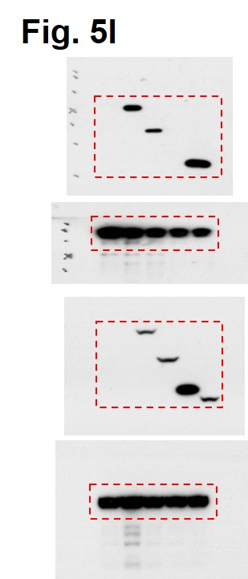
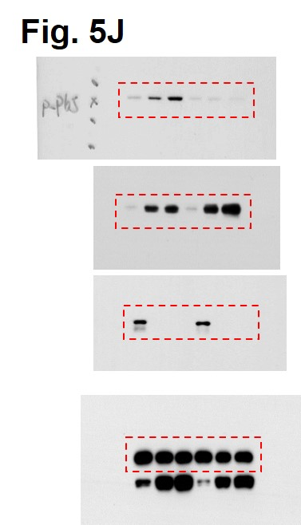
Fig. 5g |  |  |  |  |  |  |  | Fig. 5i |  | Fig. 5j
 | PC9 DMSO |  |  | PC9 DUBs-IN-2 |  |  | p vaule |  |  |  |  |  |  |  | Fig. 5k
HLA-A | 1.018266 | 1.0122 | 0.819136 | 2.207109 | 3.018157 | 1.821032 | 0.017554553655 |  |  |  |  |  |  |  |  | CT26 sgControl with DMSO |  |  | CT26 sgUsp8 with DMSO |  |  | CT26 sgControl with IKK16 |  |  | CT26 sgUsp8 with IKK16
HLA-B | 1.02537 | 1.027801 | 1.019083 | 3.457415 | 2.583454 | 2.354336 | 0.0061730573406 |  |  |  |  |  |  |  | H2-K1 | 1.085951 | 0.937942 | 0.940276 | 1.308225 | 1.81228 | 1.377225 | 0.949891 | 0.915804 | 0.837465 | 0.704692 | 0.884275 | 0.736842
HLA-C | 1.094248 | 1.081222 | 1.002582 | 1.527701 | 1.523968 | 1.504252 | 9.9925738427E-05 |  |  |  |  |  |  |  | H2-D1 | 0.994664 | 0.956673 | 0.9392 | 1.583031 | 1.220408 | 1.390137 | 0.5887 | 0.628173 | 0.597129 | 0.650743 | 0.591817 | 0.60831
HLA-H | 1.02217 | 1.02334 | 1.031033 | 1.1578 | 0.904563 | 0.904563 | 0.68758870247 |  |  |  |  |  |  |  | B2M | 0.976162 | 0.983876 | 1.041209 | 2.113206 | 1.794079 | 1.684053 | 1.003006 | 1.032828 | 1.034929 | 1.167509 | 1.041165 | 1.065397
TAP1 | 0.946442 | 0.94212 | 0.943239 | 3.012615 | 2.928596 | 2.496838 | 0.0003056015812 |  |  |  |  |  |  |  | TAPBP | 0.992528 | 0.988991 | 1.018743 | 2.679985 | 2.181046 | 1.956073 | 0.818621 | 0.966416 | 0.964702 | 0.931298 | 0.923732 | 0.983221
TAP2 | 1.052856 | 0.958627 | 0.942055 | 3.569183 | 3.560119 | 3.647765 | 4.9992778488E-07 |  |  |  |  |  |  |  | PSMB8 | 0.975351 | 0.978049 | 1.152596 | 3.498106 | 3.383117 | 3.242306 | 0.563715 | 0.545005 | 0.630241 | 0.929174 | 0.91509 | 0.901185
ERAP1 | 1.020207 | 1.09109 | 0.933838 | 2.311853 | 2.30129 | 2.631586 | 0.00028463912722 |  |  |  |  |  |  |  | PSMB10 | 1.098494 | 0.999086 | 0.941707 | 2.196383 | 1.946539 | 1.934233 | 0.716219 | 0.667716 | 0.690917 | 1.066143 | 1.096115 | 1.047022
ERAP2 | 1.055997 | 1.053382 | 0.999427 | 1.375306 | 1.647858 | 1.437163 | 0.0059675299592 |  |  |  |  |  |  |  | PD-L1 | 0.734281 | 1.050464 | 1.244194 | 1.536526 | 1.251218 | 0.750832 | 0.793256 | 0.779374 | 0.922803 | 0.733943 | 0.730395 | 1.186171
B2M | 1.053775 | 1.036562 | 1.047231 | 1.621461 | 1.586536 | 1.321188 | 0.0081257990755 |  |  |  |  |  |  |  |  |  |  |  | p vaule |  |  | p vaule |  |  | p vaule
PSMB8 | 1.005821 | 1.007078 | 0.89627 | 1.369355 | 1.358876 | 1.269753 | 0.0016986796484 |  |  |  |  |  |  |  |  |  | H2-K1 | CT26 sgControl with DMSO vs CT26 sgUsp8 with DMSO | 0.036420091022 |  | CT26 sgControl with DMSO vs CT26 sgControl with IKK16 | 0.21556258176 |  | CT26 sgUsp8 with DMSO vs CT26 sgUsp8 with IKK16 | 0.012346515306
PSMB9 | 0.99431 | 0.991128 | 1.014724 | 1.778937 | 1.693608 | 1.655425 | 4.4825600826E-05 |  |  |  |  |  |  |  |  |  | H2-D1 | CT26 sgControl with DMSO vs CT26 sgUsp8 with DMSO | 0.014893046358 |  | CT26 sgControl with DMSO vs CT26 sgControl with IKK16 | 6.0161176178E-05 |  | CT26 sgUsp8 with DMSO vs CT26 sgUsp8 with IKK16 | 0.001822655646
 |  |  |  |  |  |  |  |  |  |  |  |  |  |  |  |  | B2M | CT26 sgControl with DMSO vs CT26 sgUsp8 with DMSO | 0.0026925806585 |  | CT26 sgControl with DMSO vs CT26 sgControl with IKK16 | 0.3699918702 |  | CT26 sgUsp8 with DMSO vs CT26 sgUsp8 with IKK16 | 0.0045423827209
 |  |  |  |  |  |  |  |  |  |  |  |  |  |  |  |  | TAPBP | CT26 sgControl with DMSO vs CT26 sgUsp8 with DMSO | 0.0040227846045 |  | CT26 sgControl with DMSO vs CT26 sgControl with IKK16 | 0.16935991704 |  | CT26 sgUsp8 with DMSO vs CT26 sgUsp8 with IKK16 | 0.0034896907063
 |  |  |  |  |  |  |  |  |  |  |  |  |  |  |  |  | PSMB8 | CT26 sgControl with DMSO vs CT26 sgUsp8 with DMSO | 1.5736902579E-05 |  | CT26 sgControl with DMSO vs CT26 sgControl with IKK16 | 0.002067364074 |  | CT26 sgUsp8 with DMSO vs CT26 sgUsp8 with IKK16 | 4.9969465089E-06
 |  |  |  |  |  |  |  |  |  |  |  |  |  |  |  |  | PSMB10 | CT26 sgControl with DMSO vs CT26 sgUsp8 with DMSO | 0.0004740186107 |  | CT26 sgControl with DMSO vs CT26 sgControl with IKK16 | 0.0025642569469 |  | CT26 sgUsp8 with DMSO vs CT26 sgUsp8 with IKK16 | 0.00038276760934
 |  |  |  |  |  |  |  |  |  |  |  |  |  |  |  |  | PD-L1 | CT26 sgControl with DMSO vs CT26 sgUsp8 with DMSO | 0.56818274559 |  | CT26 sgControl with DMSO vs CT26 sgControl with IKK16 | 0.31647788253 |  | CT26 sgUsp8 with DMSO vs CT26 sgUsp8 with IKK16 | 0.34233866335

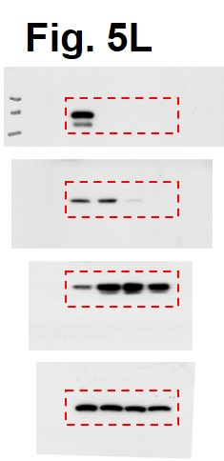
Fig. 5l |  |  |  | Fig. 5n |  |  |  | Fig. 5o
 |  |  |  | Membrane H2Kd/H2Dd |  |  |  |  | CT26 sgControl &shGFP |  |  | CT26 sgUsp8 & shGFP |  |  | CT26 sgUsp8 & shp65 #1 |  |  | CT26 sgUsp8 & shp65 #2
 |  |  |  | CT26 sgControl &shGFP | CT26 sgUsp8 & shGFP | CT26 sgUsp8 & shp65 |  | H2-K1 | 0.772615 | 0.901185 | 1.050618 | 3.130211 | 2.250943 | 2.762105 | 1.274816 | 1.268434 | 1.527603 | 1.061744 | 1.304612 | 1.06079
 |  |  |  | 146655 | 220900 | 99292 |  | H2-D1 | 0.917456 | 0.968653 | 1.11391 | 1.974853 | 1.609333 | 1.686094 | 0.976777 | 0.978493 | 0.976398 | 0.858292 | 0.981485 | 1.213423
 |  |  |  | 137608 | 230425 | 95575 |  | B2m | 0.982994 | 0.983272 | 0.995681 | 1.690299 | 1.34229 | 1.367621 | 0.688784 | 0.7044 | 0.687588 | 0.73252 | 0.769139 | 0.809345
 |  |  |  | 139056 | 249206 | 96636 |  | Pd-l1 | 1.01791 | 1.051163 | 1.028103 | 1.034517 | 1.153611 | 1.514439 | 1.166339 | 1.269566 | 1.335853 | 1.022852 | 1.282204 | 1.299112
 |  |  |  |  |  | p value |  |  |  |  |  | p vaule |  |  | p vaule |  |  | p vaule
 |  |  |  |  | CT26 sgControl &shGFP vs CT26 sgUsp8 & shGFP | 0.00046017867628 |  |  |  | H2-K1 | CT26 sgControl &shGFP vs CT26 sgUsp8 & shGFP | 0.0025008901756 |  | CT26 sgUsp8 & shGFP vs CT26 sgUsp8 & shp65 #1 | 0.0072349750529 |  | CT26 sgUsp8 & shGFP vs CT26 sgUsp8 & shp65 #2 | 0.0041907180408
 |  |  |  |  | CT26 sgUsp8 & shGFP vs CT26 sgUsp8 & shp65 | 8.3855114819E-05 |  |  |  | H2-D1 | CT26 sgControl &shGFP vs CT26 sgUsp8 & shGFP | 0.0038541460458 |  | CT26 sgUsp8 & shGFP vs CT26 sgUsp8 & shp65 #1 | 0.0021858321357 |  | CT26 sgUsp8 & shGFP vs CT26 sgUsp8 & shp65 #2 | 0.0083405835344
 |  |  |  |  |  |  |  |  |  | B2m | CT26 sgControl &shGFP vs CT26 sgUsp8 & shGFP | 0.012880387556 |  | CT26 sgUsp8 & shGFP vs CT26 sgUsp8 & shp65 #1 | 0.002321261648 |  | CT26 sgUsp8 & shGFP vs CT26 sgUsp8 & shp65 #2 | 0.0036577247277
 |  |  |  |  |  |  |  |  |  | Pd-l1 | CT26 sgControl &shGFP vs CT26 sgUsp8 & shGFP | 0.23537674335 |  | CT26 sgUsp8 & shGFP vs CT26 sgUsp8 & shp65 #1 | 0.88709305766 |  | CT26 sgUsp8 & shGFP vs CT26 sgUsp8 & shp65 #2 | 0.85618551084

Supplementary Fig. 1
Supplementary Fig. 1a |  |  |  |  |  | Supplementary Fig. 1b |  |  |  | Supplementary Fig. 1c
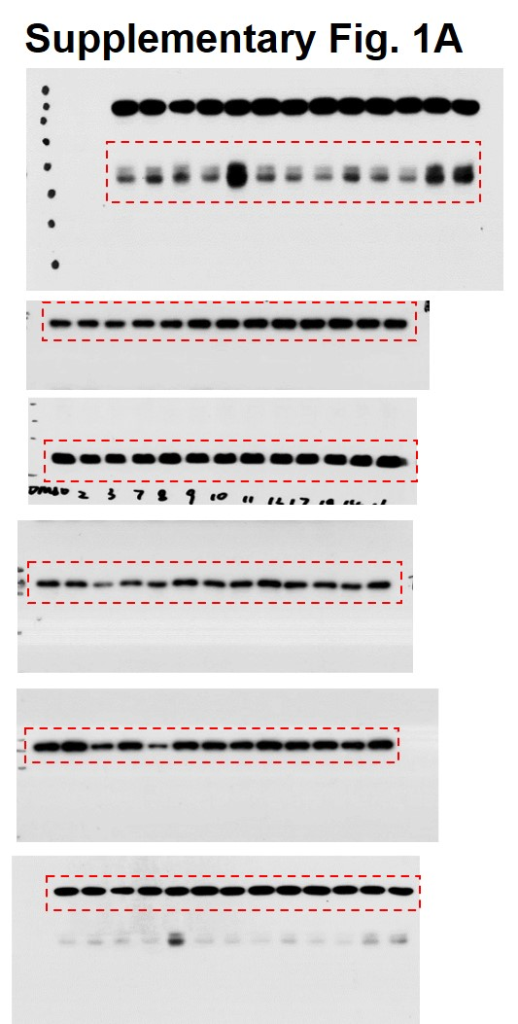
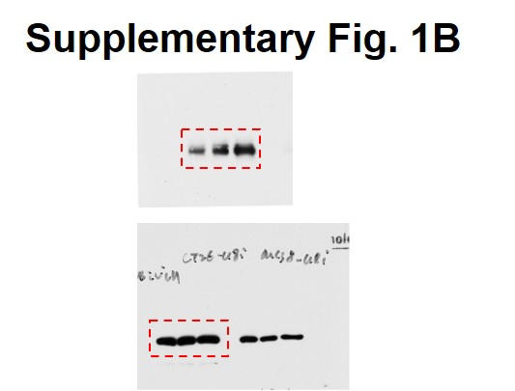
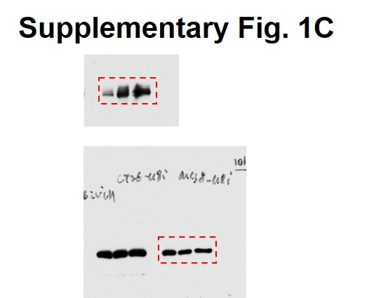

 |  |  |  |  |  | Supplementary Fig. 1d |  |  |  | Supplementary Fig. 1e
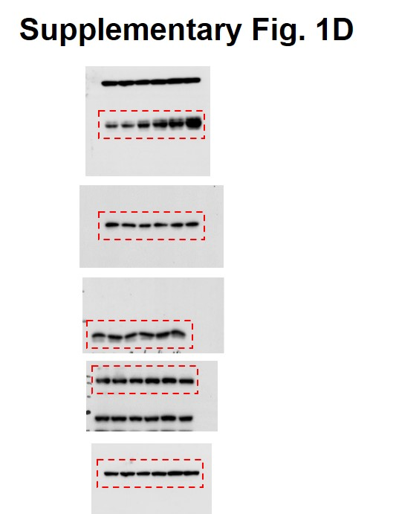
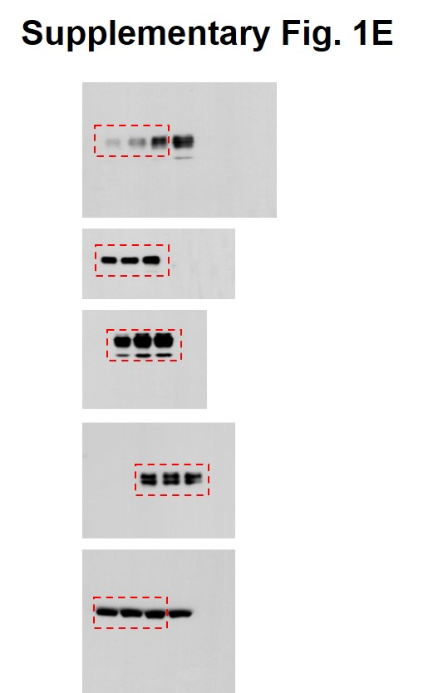

Supplementary Fig. 1f |  |  |  |  |  | Supplementary Fig. 1g

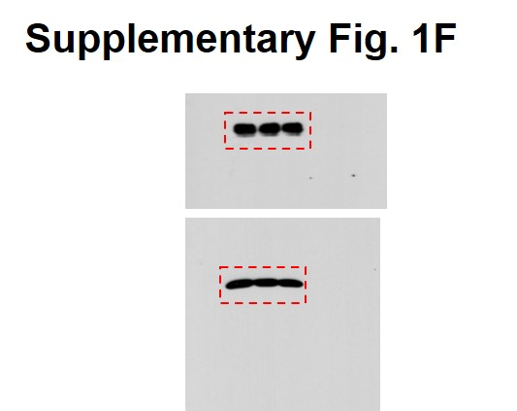
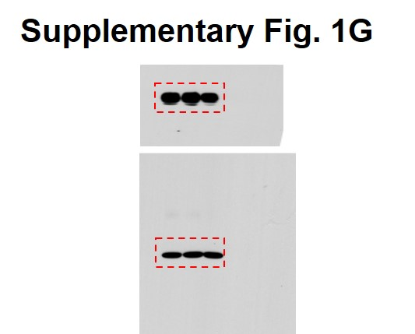

 |  |  |  |  |  |  |  |  |  | Supplementary Fig. 1h
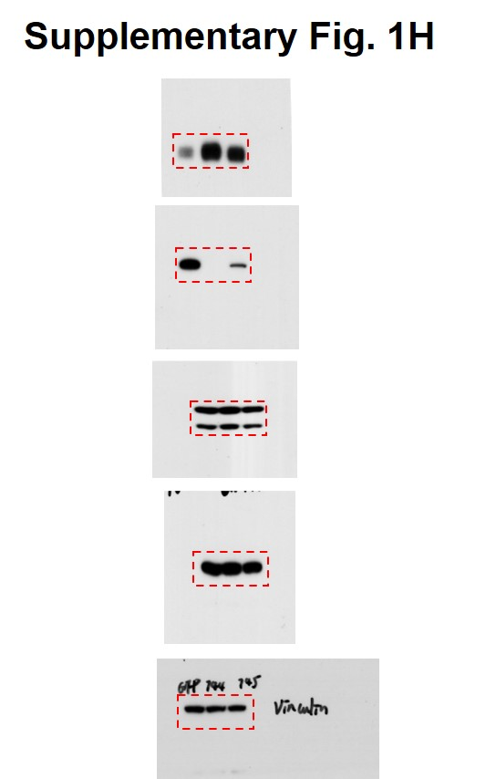

Supplementary Fig. 1i |  |  |  |  |  | Supplementary Fig. 1j
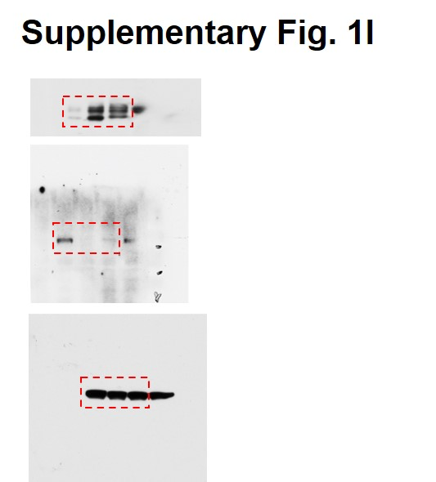
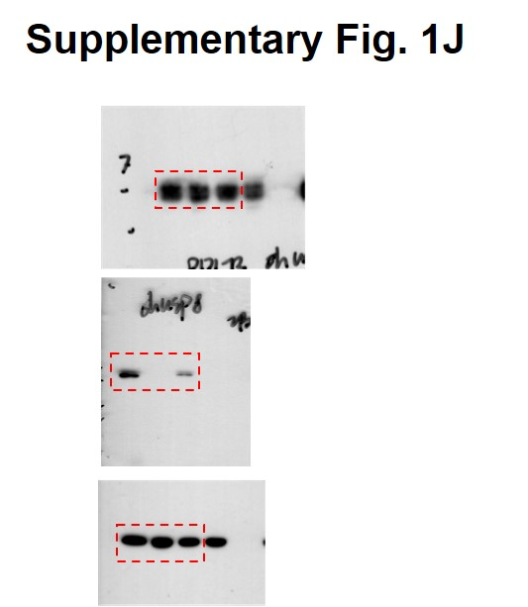

Supplementary Fig. 1k |  |  |  |  |  | Supplementary Fig. 1l |  |  |  | Supplementary Fig. 1m
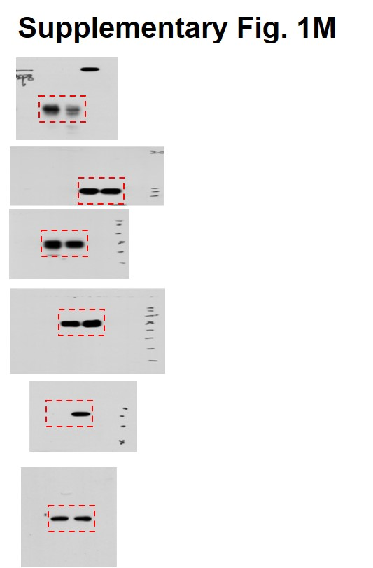
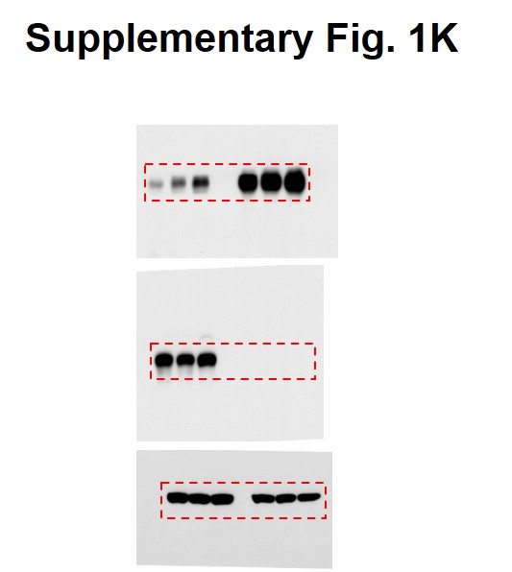
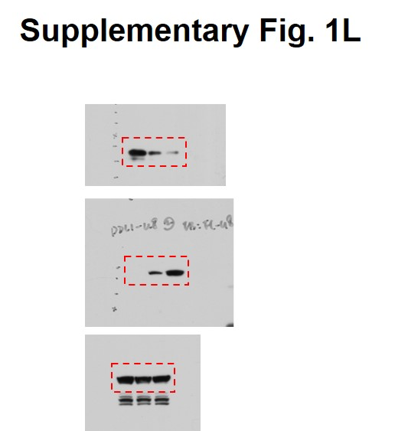

Supplementary Fig. 1n |  |  |  |  | Supplementary Fig. 1o
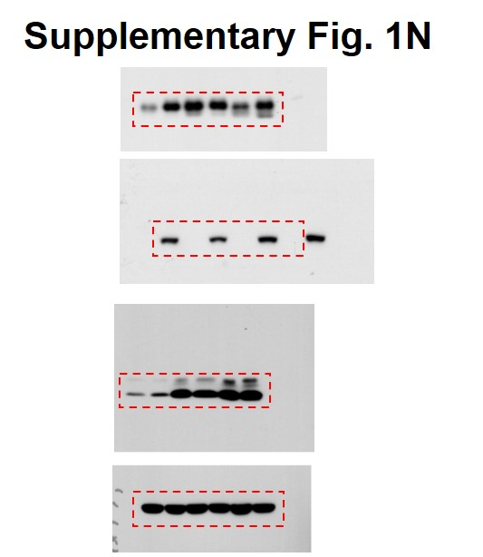
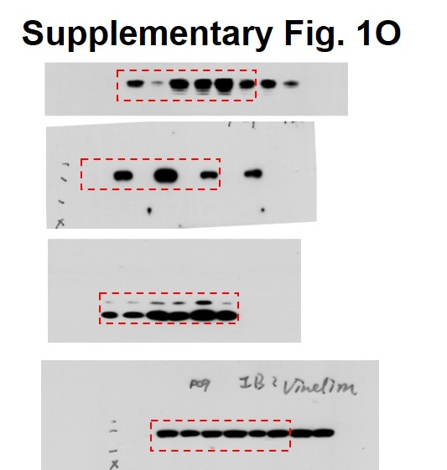

 |  |  |  |  |  |  |  |  |  | Supplementary Fig. 1p
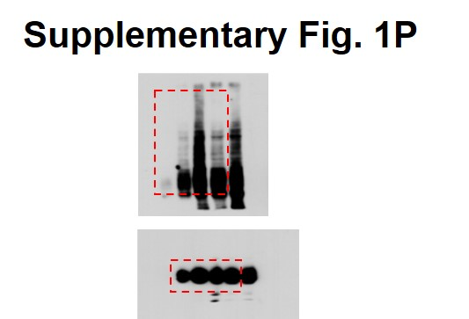

Supplementary Fig. 1q |  |  |  |  | Supplementary Fig. 1r
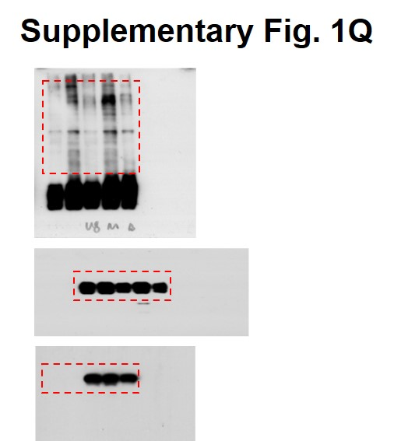
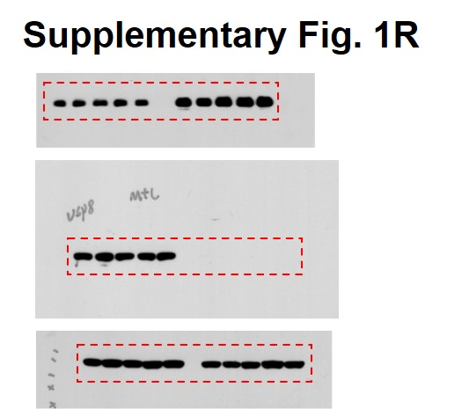

 | Supplementary Fig. 1s |  |  |  |  |  | Supplementary Fig. 1t
 |  |  | CT26 Relative protien level |  |  |  |  | TRAF6 staining intensities score | PD-L1 staining intensitis score
 |  | (h) | First time | Second time | Third time |  |  | 1.2 | 1.1
 | CT26 sgControl | 0 | 0 | 0 | 0 |  |  | 0.45 | 0.05
 |  | 3 | -0.10407738438 | -0.16408114825 | -0.015013279698 |  |  | 1.2 | 0
 |  | 6 | -0.069930932054 | -0.059729705041 | 0.096482494572 |  |  | 0.1 | 0.2
 |  | 9 | 0.17616043695 | -0.12236327801 | 0.12222268133 |  |  | 1.2 | 0
 |  | 12 | 0.086475806351 | -0.13384834977 | 0.10709571558 |  |  | 0.95 | 0
 | CT26 sgUsp8 | 0 | 0 | 0 | 0 |  |  | 0.6 | 0.05
 |  | 3 | 0.017022036751 | 0.10290224579 | -0.11922453133 |  |  | 0.8 | 2.9
 |  | 6 | -0.17597595385 | -0.07743382215 | 0.23655825026 |  |  | 1.86 | 0
 |  | 9 | -0.21415978829 | -0.27757062883 | 0.053072260277 |  |  | 0.8 | 0.45
 |  | 12 | -0.17384652008 | -0.12385310521 | -0.00010253906356 |  |  | 0.2 | 2.075
 |  |  | p value |  |  |  |  | 1.2 | 0.08
 |  | CT26 sgControl 0 h vs CT26 sgUsp8 0 h | #DIV/0! |  |  |  |  | 0.15 | 0
 |  | CT26 sgControl 3 h vs CT26 sgUsp8 3 h | 0.47324102088 |  |  |  |  | 0.8 | 1.502833
 |  | CT26 sgControl 6 h vs CT26 sgUsp8 6 h | 0.94661784214 |  |  |  |  | 0.8 | 0
 |  | CT26 sgControl 9 h vs CT26 sgUsp8 9 h | 0.16635182848 |  |  |  |  | 0.8 | 0.3
 |  | CT26 sgControl 12 h vs CT26 sgUsp8 12 h | 0.2672634209 |  |  |  |  | 0 | 1.225
 |  |  |  |  |  |  |  | 0.9 | 4.25
 |  |  |  |  |  |  |  | 1 | 0.1
 |  |  |  |  |  |  |  | 0.45 | 0
 |  |  |  |  |  |  |  | 0.6 | 0.1
 |  |  |  |  |  |  |  | 1.8 | 0
 |  |  |  |  |  |  |  | 1.0625 | 0
 |  |  |  |  |  |  |  | 1.5 | 0.3
 |  |  |  |  |  |  |  | 0.7 | 0.25
 |  |  |  |  |  |  |  | 0.8 | 0
 |  |  |  |  |  |  |  | 1.9 | 0.1
 |  |  |  |  |  |  |  | 0.8 | 0.3
 |  |  |  |  |  |  |  | 2.4 | 0
 |  |  |  |  |  |  |  | 0.9 | 2.775
 |  |  |  |  |  |  |  | 3 | 0
 |  |  |  |  |  |  |  | 0.95 | 5.85
 |  |  |  |  |  |  |  | 0.95 | 6
 |  |  |  |  |  |  |  | 0.6 | 0.1
 |  |  |  |  |  |  |  | 0.6 | 0
 |  |  |  |  |  |  |  | 0.5 | 0
 |  |  |  |  |  |  |  | 0.2 | 4.875
 |  |  |  |  |  |  |  | 0.3 | 0
 |  |  |  |  |  |  |  | 0.3 | 4.875
 |  |  |  |  |  |  |  | 0.2 | 2.25
 |  |  |  |  |  |  |  | 1.8 | 0.05
 |  |  |  |  |  |  |  | 0 | 2.675
 |  |  |  |  |  |  |  | 1.9 | 0.1
 |  |  |  |  |  |  |  | 0.8 | 5.35
 |  |  |  |  |  |  |  | 0.9 | 0
 |  |  |  |  |  |  |  | 0.5 | 1.6
 |  |  |  |  |  |  |  | 0.6 | 0
 |  |  |  |  |  |  |  | 1.9 | 0
 |  |  |  |  |  |  |  | 0.6 | 0.05
 |  |  |  |  |  |  |  | 0.05 | 1.2
 |  |  |  |  |  |  |  | 0.2 | 0
 |  |  |  |  |  |  |  | 0.8 | 0.1
 |  |  |  |  |  |  |  | 0 | 3.8
 |  |  |  |  |  |  |  | 0.6 | 3.3
 |  |  |  |  |  |  |  | 0.9 | 0.15
 |  |  |  |  |  |  |  | 0.9 | 0.05
 |  |  |  |  |  |  |  | 0.9 | 2.525
 |  |  |  |  |  |  |  | 0.6 | 0
 |  |  |  |  |  |  |  | 0.15 | 1.95
 |  |  |  |  |  |  |  | 0.15 | 0.125
 |  |  |  |  |  |  |  | 1.8 | 0
 |  |  |  |  |  |  |  | 0.4 | 0
 |  |  |  |  |  |  |  | 0.6 | 0.1

 |  |  |  |  |  |  |  | p value | 0.0448
 |  |  |  |  |  |  |  | r | -0.2538
 |  |  |  |  |  |  |  | n | 63

Supplementary Fig. 2
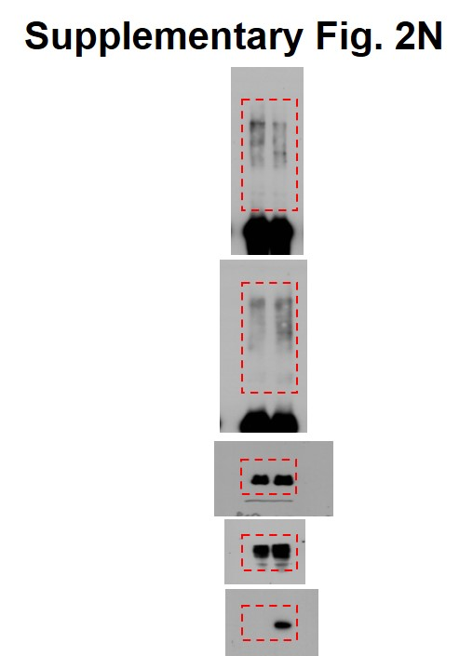
Supplementary Fig. 2a | Supplementary Fig. 2c | Supplementary Fig. 2d
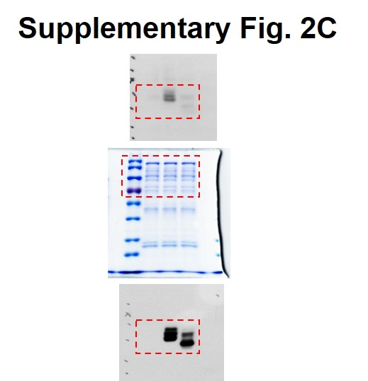
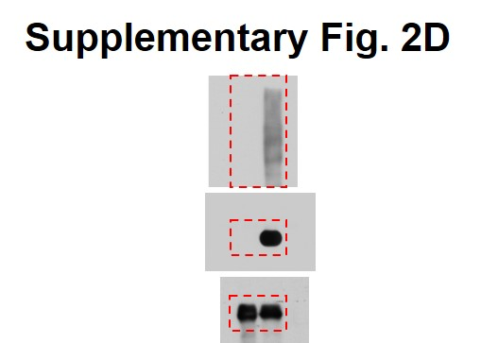
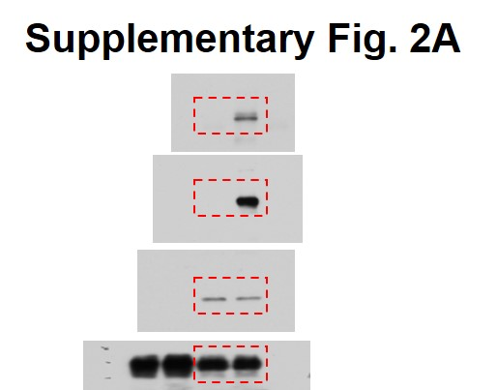

Supplementary Fig. 2e | Supplementary Fig. 2f | Supplementary Fig. 2g

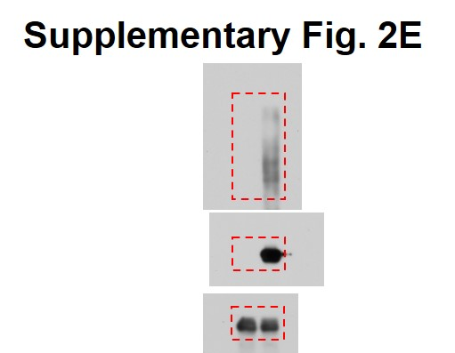
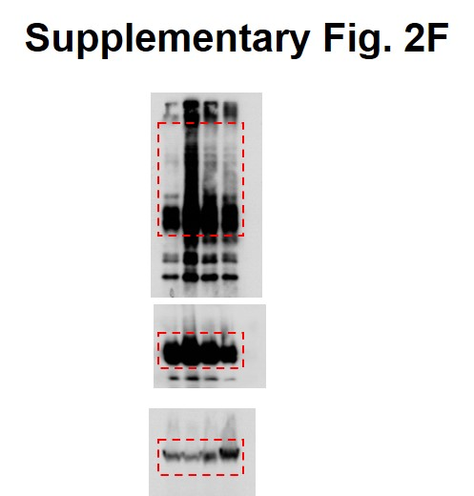
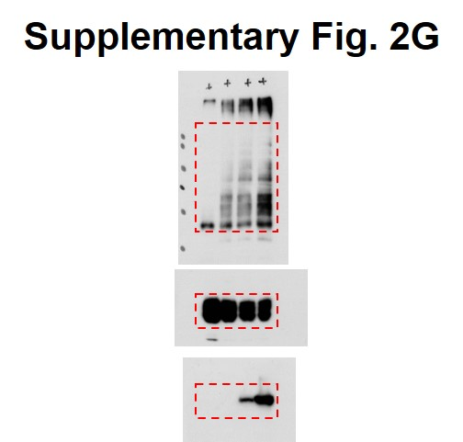

Supplementary Fig. 2h | Supplementary Fig. 2i | Supplementary Fig. 2j

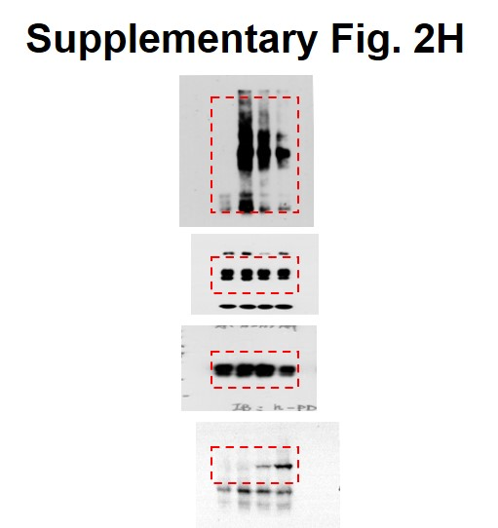
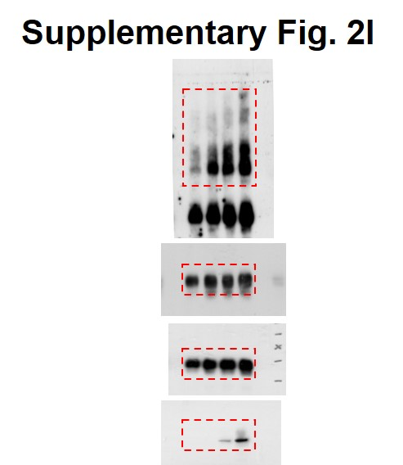


Supplementary Fig. 2k | Supplementary Fig. 2l | Supplementary Fig. 2m




Supplementary Fig. 2n

Supplementary Fig. 3

Supplementary Fig. 3c |  |  |  | Supplementary Fig. 3d |  |  |  |  | Supplementary Fig. 3e





Supplementary Fig. 3b |  |  | Supplementary Fig. 3f |  |  |  | Supplementary Fig. 3g
PCMV6 | 0.13315 | 1 | A375 PD-L1 mRNA level
KBTBD4 | 0.14395 | 1.0811115284 | sgControl | sgTRAF6_#5 | sgTRAF6_#6
DDB1 | 0.08685 | 0.65227187383 | 0.943931815 | 0.861296675 | 0.962934081
ZFAND5 | 0.0964 | 0.7239954938 | 1.003584779 | 1.079394364 | 1.02623817
ASB3 | 0.31515 | 2.3668794593 | 1.05561441 | 1.091311455 | 1.11724357
MKRN1 | 0.1482 | 1.1130304168 |  |  | p value
FBXL4 | 0.1415 | 1.0627112279 |  | sgControl vs sgTRAF6_#5 | 0.91161755596
RNF138 | 0.09495 | 0.71310552009 |  | sgControl vs sgTRAF6_#6 | 0.56660351676
VPS41 | 0.1079 | 0.81036425084
MID1 | 0.1592 | 1.1956440105
KLHL20 | 0.19945 | 1.4979346602 | Supplementary Fig. 3h

RNF114 | 0.1031 | 0.77431468269
FANCL | 0.2008 | 1.5080736012
FBXO44 | 0.19045 | 1.4303417199
RAB40B | 0.0795 | 0.59707097259
BTRC | 0.1128 | 0.84716485167
BTBD1 | 0.2374 | 1.7829515584
RNF7 | 0.19745 | 1.4829140068
RNF219 | 0.13445 | 1.0097634247
UBE3A | 0.23355 | 1.7540368006
MARCH7 | 0.1842 | 1.383402178
LNX1 | 0.17165 | 1.2891475779
RAD18 | 0.1509 | 1.1333082989
RNF208 | 0.1799 | 1.3511077732 |  |  |  | Supplementary Fig. 3i
BTBD10 | 0.17455 | 1.3109275253 |  |  |  | PD-L1 mRNA level
KBTBD7 | 0.0938 | 0.70446864439 |  |  |  | EV | Flag-TRAF3 0.1 μg | Flag-TRAF3 0.2 μg | Flag-TRAF3 0.3 μg
KLHL13 | 0.19985 | 1.5009387908 |  |  |  | 0.9944837 | 0.946055 | 0.923328367 | 0.796473226
RNF141 | 0.3262 | 2.4498685693 |  |  |  | 1.0664143 | 0.981331 | 0.971805468 | 1.157995
PMCV6 | 0.166 | 1.2467142321 |  |  |  | 1.196781 | 0.970623 | 0.871364 | 1.084467
SOCS5 | 0.2169 | 1.6289898611 |  |  |  |  |  |  | p value
FBXL3 | 0.1215 | 0.91250469395 |  |  |  |  |  | EV vs Flag-TRAF3 0.1 μg | 0.11688478694
RNF6 | 0.0952 | 0.71498310176 |  |  |  |  |  | EV vs Flag-TRAF3 0.2 μg | 0.067956212897
FBXL15 | 0.27635 | 2.0754787833 |  |  |  |  |  | EV vs Flag-TRAF3 0.3 μg | 0.59154842732
ZFAND6 | 0.17405 | 1.307172362 | Supplementary Fig. 3k |  |  | Supplementary Fig. 3l

XIAP | 0.2857 | 2.145700338

RBCK1 | 0.0782 | 0.58730754788
ZFAND3 | 0.0987 | 0.74126924521
SOCS2 | 0.0569 | 0.42733758919
RCBTB2 | 0.1267 | 0.95155839279
SPSB1 | 0.4722 | 3.5463762674
RNF125 | 0.26345 | 1.9785955689
BIRC3 | 0.1534 | 1.1520841157
KLHL21 | 0.35215 | 2.6447615471
KLHL25 | 0.34365 | 2.5809237702
RNF41 | 0.2026 | 1.5215921893
CPSF1 | 0.38385 | 2.8828389035
PPIL2 | 0.08585 | 0.64476154713
KLHL1 | 0.22415 | 1.6834397296
FBXL7 | 0.15825 | 1.1885092002
LNX2 | 0.1871 | 1.4051821254
FBXO15 | 0.18145 | 1.3627487796
MSL2 | 0.13915 | 1.0450619602
FBXO32 | 0.13465 | 1.01126549
FBXO8 | 0.1325 | 0.99511828765
RAB40A | 0.1707 | 1.2820127676
TRIM68 | 0.0985 | 0.73976717987
SOCS6 | 0.13445 | 1.0097634247
TRAF2 | 0.18725 | 1.4063086744
TRAF3 | 0.06075 | 0.45625234698
TRAF4 | 0.1421 | 1.067217424
TRAF6 | 0.82675 | 6.2091625986
KLHL12 | 0.11715 | 0.87983477281
WWP2 | 0.0832 | 0.62485918137 |  |  |  | Supplementary Fig. 3n

RCHY1 | 0.1469 | 1.1032669921
RAB40C | 0.1561 | 1.1723619977 | Supplementary Fig. 3m
FBXW5 | 0.17865 | 1.3417198648


 |  |  |  |  |  | Supplementary Fig. 3p


 |  |  | Supplementary Fig. 3o

Supplementary Fig. 4

Supplementary Fig. 4e

Supplementary Fig. 5
Supplementary Fig. 5a
 | LUAD
 | USP8 High |  |  |  |  |  |  |  |  |  |  |  |  |  |  |  |  |  |  |  |  |  |  |  |  |  |  |  |  |  |  |  |  |  |  |  |  |  |  |  |  |  |  |  |  |  |  |  |  |  |  |  |  |  |  |  |  |  |  |  |  |  |  |  |  |  |  |  |  |  |  |  |  |  |  |  |  |  |  |  |  |  |  |  |  |  |  |  |  |  |  |  |  |  |  |  |  |  |  |  |  |  |  |  |  |  |  |  |  |  |  |  |  |  |  |  |  |  |  |  |  |  |  |  |  |  |  |  |  |  |  |  |  |  |  |  |  |  |  |  |  |  |  |  |  |  |  |  |  |  |  |  |  |  |  | USP8 Low
HLA-A | -1.2075 | -2.5582 | -3.3973 | -1.1186 | -0.6275 | -1.3165 | 0.4156 | -1.7835 | -1.9255 | -0.1767 | -1.0937 | 0.837 | 1.1614 | 1.5999 | -0.2858 | -0.604 | -0.2012 | 0.1437 | -1.6848 | 0.5708 | -0.8503 | -0.3788 | 0.8031 | -0.9666 | 1.0311 | 0.164 | -1.4408 | -0.5091 | -0.3322 | -0.4279 | -0.2344 | -0.6171 | -1.809 | -1.2097 | -1.3707 | 0.5533 | -0.2209 | -1.2184 | -0.9251 | -0.1857 | 0.4929 | -0.4413 | 0.4411 | -0.9801 | 0.9465 | -1.2223 | 0.6986 | -0.8746 | -0.5805 | -0.6476 | -0.9067 | 1.4603 | -0.0304 | 0.4016 | -0.1097 | 0.5535 | 0.8875 | 0.1053 | 0.9512 | -1.2702 | -0.1778 | -3.3864 | -0.3887 | -1.3836 | 0.3865 | -0.9152 | -1.0182 | -1.068 | 0.4598 | 1.0534 | 0.9859 | -1.6569 | 2.1016 | 0.3391 | -2.1067 | -1.2795 | -0.2468 | -2.0091 | -0.6693 | -0.9377 | -1.2391 | -0.9453 | -1.3072 | 0.6137 | -0.0807 | -0.9716 | -1.5537 | 1.4655 | -0.9056 | -1.3238 | 0.3824 | 0.0334 | -0.855 | -1.6277 | -0.1546 | -0.3378 | 0.2746 | 0.7623 | -2.2035 | -0.1363 | -0.8017 | -2.8251 | -0.3046 | 0.7015 | -0.9358 | -0.1358 | 0.3129 | 0.1304 | 0.4111 | 0.7453 | 0.9889 | 0.996 | 0.3085 | -2.4404 | -1.3866 | -0.6818 | -0.3945 | 0.077 | 0.2871 | -0.2079 | -1.3901 | -0.1008 | -0.3211 | 0.5912 | -0.0005 | -1.3443 | 0.0375 | 0.1509 | -0.5708 | 0.5413 | -1.5047 | 0.3077 | 0.9974 | 0.2365 | -0.5173 | -0.9125 | 0.3103 | 0.5691 | 0.7063 | -0.7219 | -0.305 | -0.4618 | 1.2436 | -0.6523 | -0.2036 | -0.8975 | -0.1852 | 0.3193 | 1.6501 | 0.0201 | -1.3525 | 1.3679 | 1.3913 | 0.1414 | -0.393 | -0.9956 | -1.3789 | 0.8224 | 0.9583 | 1.3312 | 1.005 | -0.3346 | 0.6112 | -0.9032 | 0.9337 | 0.1289 | 0.0539 | -0.6243 | 0.9433 | -0.2754 | -0.5538 | 0.1985 | 1.1419 | 1.0346 | -0.9333 | -1.759 | -0.1976 | -0.2084 | 0.6512 | 0.1554 | 1.2364 | -0.4613 | 0.8453 | -0.4264 | -0.1765 | 1.3867 | 1.5312 | 1.9913 | 1.0597 | 0.2091 | 1.1949 | 1.8879 | 0.4368 | 0.2186 | 0.6204 | 0.3056 | 0.1158 | 0.0159 | -0.616 | 1.6751 | 1.5319 | 1.017 | -0.1382 | 0.8609 | -0.5455 | 0.1997 | 0.6342 | 1.4264 | 2.1246 | 0.4188 | 1.7141 | 0.7825 | 0.818 | 1.1016 | 0.1374 | -0.2446 | -0.0903 | 0.688 | -3.2508 | 1.5119 | -1.1662 | 0.0512 | 0.3764 | -1.4447 | -0.7729 | -0.4441 | -0.8305 | -0.8383 | 1.8694 | -1.5808 | 1.0034 | -0.3805 | 1.6191 | 0.2518 | 0.5073 | 0.2761 | 1.4226 | -0.0971 | 0.8669 | 1.48 | 0.6956 | 0.1478 | 0.7792 | 0.8259 | -2.0544 | 0.2587 | -0.8308 | 0.8582 | -0.9467 | -1.8256 | 1.7038 | 0.2289 | 0.5007 | 0.6541
HLA-B | -2.1357 | -3.1526 | -2.5678 | -0.3356 | -0.3096 | -1.5295 | 0.3281 | -1.5262 | -1.3692 | 0.1495 | -0.2204 | 0.4967 | -1.0234 | 1.2274 | -1.0489 | -0.2442 | 0.3263 | -0.0727 | -2.403 | 0.5433 | -1.0628 | -1.0293 | 0.6268 | -1.5587 | 1.2146 | -0.4717 | -1.0253 | -0.3237 | -0.5181 | -1.5341 | -0.3286 | -0.8276 | -0.666 | 0.0559 | -1.1942 | 0.8156 | 0.8714 | -0.7093 | -0.9483 | -0.5094 | 1.2847 | -0.1463 | 0.1713 | -2.1578 | 0.9514 | -0.7723 | 0.1243 | -1.0067 | 0.3968 | -0.6477 | -0.9709 | 1.6696 | 0.0718 | 0.3923 | -0.1378 | -0.3422 | 1.2287 | -0.522 | 1.2114 | -2.1999 | 0.5479 | -2.6328 | -0.5462 | -1.3258 | -0.2562 | -0.8859 | -0.7173 | -0.2101 | 0.1456 | 0.6295 | 1.2841 | -1.7133 | 1.7951 | 0.626 | -1.6979 | -0.5788 | 0.2276 | -2.0084 | -0.4905 | -1.8989 | -0.8906 | -0.5579 | -0.9159 | 0.371 | -1.0093 | -1.1415 | -0.1604 | 1.4805 | -0.947 | -1.0506 | 0.7763 | -0.2912 | -0.7174 | -1.0052 | -0.1333 | 0.3549 | 0.1276 | 0.7068 | -1.8336 | -0.0358 | -1.4039 | -2.0505 | -0.0097 | 0.8681 | -0.9313 | -0.1897 | 0.9303 | 0.0414 | 0.4318 | 0.9076 | 0.6331 | 1.1429 | -1.6377 | -1.8535 | -1.4658 | -0.7778 | -0.2195 | 0.3879 | 0.2991 | 0.4087 | -0.9564 | -1.8339 | -0.2141 | 0.4862 | 0.4893 | -1.4263 | 0.2896 | -0.0004 | -0.8491 | -0.1903 | -1.7886 | 0.556 | 0.7243 | -0.7997 | -0.323 | -0.7386 | 0.7075 | 1.0902 | 1.236 | -0.045 | -0.4487 | 0.034 | 1.1466 | -1.3422 | -0.0942 | -0.8029 | -0.114 | 0.5966 | 1.2447 | 0.6371 | -0.5253 | 1.4061 | 1.1705 | 0.4325 | -0.6095 | -1.6129 | -0.826 | 0.6734 | 1.3149 | 1.083 | 0.1423 | -0.2086 | 0.7379 | -1.124 | 0.9321 | 0.7143 | -0.5824 | -0.5124 | 1.2211 | -0.2835 | -0.4724 | 0.4161 | 0.9529 | 0.919 | -1.3116 | -1.4688 | -0.2799 | -0.2727 | 0.9797 | 0.1476 | 0.8997 | -1.7636 | 0.5725 | -0.2769 | -0.3373 | 1.1756 | 1.5426 | 1.8521 | 1.0083 | 0.4328 | 0.9573 | 0.9604 | 0.4366 | 0.2942 | 1.1966 | -0.8996 | 0.5839 | 0.1378 | -0.0306 | 0.3876 | 1.0758 | 1.2198 | 0.8611 | 1.1422 | -0.4038 | -0.3708 | 1.1943 | 0.7703 | 2.3125 | 0.8343 | 1.6542 | 0.9212 | 0.9621 | 0.8076 | -0.9482 | 0.1843 | 0.1692 | 0.8735 | -2.6363 | 1.3621 | -1.1674 | 0.2094 | 0.241 | -0.8212 | -0.2921 | -1.239 | -1.2252 | -0.1081 | 1.4519 | -1.4662 | 0.7323 | -0.5548 | 1.1375 | 0.3194 | -0.3734 | 0.2082 | 1.0796 | -0.4181 | 0.6687 | 0.8109 | -0.2407 | 0.5461 | 0.1756 | 0.9736 | -1.9073 | -0.4001 | -1.0571 | 0.683 | -2.1612 | -1.7089 | 1.6239 | -0.2885 | 0.2619 | 0.9244
HLA-C | -2.4727 | -2.715 | -2.1879 | -0.9962 | -0.2586 | -2.0533 | -0.0993 | -1.5091 | -1.8371 | 0.0634 | -1.5116 | 0.2456 | -0.481 | 1.5553 | 0.1557 | -0.1085 | -0.8654 | -0.4782 | -1.8648 | 0.6058 | -0.8029 | -1.266 | 0.8785 | -1.5436 | 1.4661 | -0.1737 | -1.5808 | -0.193 | 0.1602 | -0.5188 | -0.9928 | -0.2077 | -0.8529 | 0.1302 | -1.0178 | 1.6167 | 0.9328 | -0.2134 | -0.4105 | -0.4954 | 1.3293 | 0.4379 | 0.6508 | -2.7226 | 1.2599 | -1.5145 | 0.123 | -1.1993 | -0.0349 | 0.2318 | -1.2366 | 1.2075 | -0.2075 | 0.3312 | 0.957 | -0.3728 | 1.0495 | -0.0882 | 1.1931 | -2.5862 | 0.1819 | -1.1266 | -0.4937 | -2.029 | 0.2876 | -0.5343 | -1.025 | -0.5072 | 0.1073 | 0.9736 | 1.0541 | -2.204 | 2.5117 | 0.199 | -1.1763 | -0.8964 | -0.0935 | -1.6367 | -0.6175 | -1.3182 | -1.1332 | -0.2393 | -0.8056 | 0.2886 | -0.293 | -0.9109 | 0.3436 | 1.7594 | -1.0805 | -1.3695 | 0.4156 | 0.1468 | -1.3835 | -1.5077 | -0.3492 | -0.275 | -0.2663 | 0.917 | -1.2169 | -0.0524 | -0.651 | -2.4914 | 0.2418 | 0.8916 | -1.0551 | -0.1675 | 0.9967 | -0.2784 | 0.2364 | 1.2267 | 0.6741 | 0.6664 | -0.0418 | -1.4544 | -1.6413 | -1.4053 | -0.969 | 0.2631 | -0.1138 | 0.3668 | -1.0079 | -0.4499 | -1.0393 | 0.4227 | 0.5626 | -1.1474 | -0.1093 | 0.1017 | -1.2683 | -0.2018 | -2.082 | 0.4803 | 0.702 | 0.1668 | -0.8206 | -0.9314 | 0.7024 | 0.8638 | 0.4203 | -0.0384 | -0.6792 | -0.1429 | 1.7905 | -1.4729 | -0.2158 | -0.2208 | -0.0994 | 1.2095 | 1.5324 | 0.4822 | 0.2959 | 1.5817 | 1.1422 | 0.5339 | 0.4532 | -1.6334 | -0.3066 | 1.681 | 1.5146 | 1.0852 | 0.7447 | -0.0815 | 0.3978 | -1.2295 | 0.3982 | 0.5197 | -0.6018 | -0.6007 | 1.3597 | -0.3351 | -0.2765 | -0.1943 | 0.6918 | 1.1077 | -0.9105 | -0.9356 | 0.5058 | -0.5928 | 0.8487 | 0.0396 | 0.6797 | -0.7823 | 0.8983 | -0.1995 | 0.0426 | 1.3041 | 1.1024 | 1.6683 | 1.4915 | 0.5043 | 1.2948 | 1.6036 | 0.6085 | 0.0599 | 0.7365 | -0.9282 | 0.7557 | 0.3634 | -0.8412 | 0.1538 | 1.3148 | 1.0597 | -0.2397 | 0.9143 | -0.8038 | -0.3644 | 0.924 | 0.8595 | 1.9376 | 0.813 | 1.3228 | 1.0807 | 1.2646 | 1.0108 | -0.4044 | 0.5083 | 0.0793 | 0.6397 | -3.4397 | 0.7006 | -1.493 | -0.4837 | -0.1557 | -0.8461 | -0.9902 | -1.0576 | -1.6805 | -1.1402 | 1.1582 | -0.5003 | 0.6472 | -0.9654 | 1.0443 | -0.6814 | -0.2127 | 0.3114 | 0.5502 | -1.1055 | -0.2077 | 0.2657 | -0.3484 | 1.1738 | 0.4133 | 0.0339 | -1.9156 | 0.1491 | -1.1684 | 1.1565 | -2.0908 | -1.6762 | 1.732 | -1.0845 | 0.8836 | 1.3818
TAP1 | -0.3241 | -1.5715 | -0.9922 | -0.9758 | -0.9883 | -1.5561 | -0.0099 | -1.4797 | -0.1109 | -0.3678 | -0.3358 | 1.0663 | -1.3724 | 0.8599 | -1.0612 | 0.3649 | -0.3982 | 0.3219 | -2.2906 | -0.5825 | -0.7899 | 0.4582 | -0.1272 | -0.7316 | 1.5822 | -0.3114 | -1.5488 | 0.8366 | -0.4271 | -1.3757 | -0.532 | -1.0762 | -0.5549 | -0.5787 | -1.4507 | 1.8168 | 2.1563 | 0.1098 | 0.135 | -0.8851 | 2.5614 | 0.5131 | -0.4455 | -0.7179 | 1.0263 | -1.4932 | -0.3755 | 0.4697 | 0.3411 | -0.1062 | -0.6301 | 0.8627 | -0.5805 | -0.0924 | 2.3123 | 0.3323 | 1.8094 | -1.0507 | 1.0633 | -1.5932 | 0.2377 | -1.3463 | 0.3052 | -0.9691 | -0.0132 | -1.4101 | -0.9659 | 0.3385 | -0.2472 | 0.0553 | 1.7046 | -1.6911 | 1.6558 | 0.068 | -1.6921 | -1.1626 | 0.5183 | -1.4712 | -0.5179 | -2.3941 | -0.2265 | -0.0111 | -1.7097 | 0.3645 | 0.0358 | -1.2215 | -0.2043 | 1.6812 | -0.6909 | -0.653 | 0.7472 | -0.0974 | -1.0735 | -0.0517 | -0.2334 | -0.1889 | 0.9842 | 1.1984 | -2.1361 | -0.2244 | -1.8393 | 1.0778 | 0.5814 | 0.395 | -0.4652 | 0.2046 | 1.7648 | 0.3463 | 0.1411 | 2.0343 | 0.0426 | 1.3252 | -1.5645 | -1.5243 | -1.7678 | -0.5922 | -0.1318 | 0.5254 | -0.3125 | 0.4774 | -0.8356 | -1.8161 | -0.0068 | -0.5587 | -0.3844 | -1.2691 | -0.3408 | -0.7259 | -0.2886 | -0.019 | -1.7233 | 0.4738 | 0.1796 | -0.9329 | 0.1456 | -0.337 | 0.6134 | 1.7884 | 0.5105 | -1.1192 | -0.2448 | 0.2554 | 2.5304 | -0.8818 | 0.2296 | -0.3346 | -1.138 | -0.4885 | 1.4184 | -0.0144 | -0.6159 | 1.2118 | 0.8823 | 0.0533 | -0.1946 | -1.2349 | -0.6589 | 1.2385 | 0.4429 | 0.4613 | -0.486 | -0.7006 | -0.1533 | -0.9284 | 1.5486 | -0.4919 | -0.8081 | -1.0692 | 0.4147 | -0.4908 | -0.9487 | 0.0133 | 0.8751 | 0.9431 | -0.8517 | -1.42 | 0.359 | 0.0765 | 0.3552 | 1.003 | 0.4638 | -0.8399 | -0.8752 | -0.8776 | 0.3124 | 1.434 | 2.2463 | 1.9922 | 0.3294 | 0.7934 | 0.2938 | 1.7539 | 1.1606 | 0.1098 | -0.2128 | 0.0733 | 0.5437 | -0.1812 | 0.6599 | 0.5858 | 1.3385 | 0.0666 | 1.2603 | 1.8268 | -1.0526 | 0.4652 | 1.0885 | -0.0761 | 1.721 | 0.2134 | 1.0471 | 1.2937 | 1.3091 | 0.4884 | -1.0186 | 0.3957 | 0.521 | 1.2126 | -2.9379 | 1.9714 | -0.8033 | -0.4509 | -0.613 | 0.0626 | -0.4112 | -0.8313 | -0.2904 | -0.3381 | 0.0575 | -1.0618 | 0.7751 | -0.0068 | 1.2626 | -0.5445 | -0.4914 | -0.3711 | 0.6536 | -0.1911 | -0.0507 | -0.2842 | -0.38 | 1.7403 | 0.7602 | 1.2829 | -0.5985 | -0.6465 | -0.5196 | 0.823 | -1.1485 | -1.3711 | 0.8698 | -0.409 | 1.0538 | 0.9258
TAP2 | -0.5198 | -0.9354 | -0.4012 | -0.3027 | -0.9771 | -1.4073 | -0.9409 | -1.7621 | -0.548 | -0.0917 | -0.7919 | 0.3208 | -1.2863 | -0.0774 | -1.634 | 0.3252 | -0.2541 | -0.1824 | -1.8033 | -1.4936 | -0.2924 | -0.0155 | -0.0474 | -0.793 | 1.9989 | -0.086 | -1.6253 | 1.1097 | 0.0356 | -1.0887 | -0.8068 | -1.196 | -0.7815 | -0.5125 | -0.9719 | 0.7086 | 1.3392 | -0.5046 | 0.7212 | -0.3521 | 2.7504 | 0.5436 | -0.2923 | -0.476 | 0.968 | -1.726 | -0.3969 | 1.1107 | 0.7838 | -0.6327 | -0.5656 | 0.6834 | -0.6745 | 0.4151 | 2.4249 | 0.6941 | 1.9848 | -0.5712 | -0.4681 | -1.7279 | 0.3942 | -3.6153 | 0.2988 | -0.7326 | 0.3317 | -0.9618 | -0.592 | 0.4397 | -0.4153 | -0.6595 | 1.5256 | -0.9916 | 2.2022 | 0.064 | -1.574 | -0.6573 | 0.2065 | -0.5577 | 0.0365 | -2.2447 | -1.2272 | 0.1245 | -1.4176 | -0.0202 | 0.7341 | -1.1187 | 0.2925 | 1.73 | -0.6575 | -0.9818 | 1.1915 | -1.1231 | -0.5782 | -0.2086 | 0.5403 | -0.2935 | 0.8408 | 1.2897 | -2.1352 | -0.0446 | -1.5342 | 0.955 | 1.687 | 0.2776 | -0.8663 | 0.4957 | 1.1461 | 0.6487 | 0.6837 | 2.3158 | 0.0287 | 0.0717 | -1.2338 | -1.2722 | -1.1606 | -0.3256 | -0.2375 | 1.014 | -0.0407 | 1.0288 | -1.4166 | -1.5155 | -0.7263 | -0.4252 | 0.3852 | -1.225 | -0.2347 | -0.5178 | -0.0109 | -0.0122 | -1.8292 | 0.111 | 0.0431 | -1.3613 | 0.59 | -0.4057 | 0.6535 | 2.0199 | 0.703 | -0.7083 | -0.1661 | 0.9338 | 2.3406 | -0.6262 | 0.3647 | -0.0389 | -0.8612 | -0.3928 | 1.4643 | -0.0794 | -0.7914 | 1.334 | 0.2764 | 0.4352 | -0.472 | -2.1086 | -0.7654 | 1.6179 | 0.0694 | 0.3211 | -0.5896 | -0.0117 | -0.157 | 0.025 | 1.7284 | -0.185 | -1.1248 | -0.9705 | -0.2936 | -0.5658 | -1.4074 | 0.5831 | 0.5838 | 0.915 | -0.8374 | -2.2109 | -0.1682 | 0.456 | 0.7036 | 0.8907 | 0.3282 | -1.4653 | -0.257 | -0.0471 | 0.6847 | 0.6774 | 2.43 | 0.8658 | -0.5708 | 1.2455 | 0.6929 | 0.6845 | 1.6617 | 0.6334 | -0.3004 | -0.1364 | 0.85 | -0.0016 | 1.3455 | 0.005 | 1.773 | 0.776 | 0.8705 | 1.4321 | -1.0736 | 0.3429 | 1.047 | -0.7615 | 1.1374 | 0.1442 | 1.0117 | 1.6584 | 1.4403 | 0.4688 | -0.7314 | -1.6105 | 0.7701 | -0.5654 | -3.1914 | 1.8711 | -0.7211 | 0.1488 | -0.4754 | -0.472 | -0.586 | -0.5436 | -0.5185 | 0.0958 | 0.7196 | -1.0746 | 0.4588 | -0.0934 | 0.164 | -1.6538 | -0.195 | -0.1633 | 0.9101 | -0.3254 | 0.1821 | -0.6673 | -0.1445 | 0.4538 | 0.5432 | 1.0575 | 0.0929 | -0.9 | 0.8045 | 0.3608 | -1.2322 | -1.3814 | 0.4349 | -0.4592 | 0.4888 | -0.0163
TAPBP | -1.0824 | -2.0744 | -1.4546 | -0.0577 | 0.1863 | -0.5491 | 0.5356 | -0.0119 | -0.4586 | 0.7169 | -2.0743 | 1.4525 | -0.0306 | -0.1644 | -1.3748 | -0.2244 | -0.945 | -0.1492 | -3.6064 | 0.3247 | -0.32 | -0.3495 | 0.4268 | 0.1285 | 1.4411 | -0.5005 | -1.0974 | -0.0426 | 0.2415 | -0.0798 | 0.3578 | -0.8229 | -1.4165 | -0.2117 | -0.5596 | -0.6797 | -1.1348 | -0.1157 | 0.9109 | -0.147 | 2.9459 | 0.4822 | 0.7359 | -3.0718 | 0.6525 | -0.8765 | -0.2684 | -0.9439 | 0.5782 | 0.1624 | -0.8847 | 0.4845 | -0.214 | 0.0291 | 1.2636 | -0.3255 | 1.3766 | -0.7894 | 0.2299 | -0.6001 | 0.4447 | -4.9579 | -0.663 | -0.8718 | -1.2342 | -1.2476 | -0.5196 | -0.3111 | 0.3707 | -1.1109 | 1.8733 | -1.5695 | 1.2165 | 1.25 | -1.4895 | -0.4509 | -0.8517 | 0.3797 | 0.0616 | -1.2353 | -1.2282 | -0.4614 | -0.5401 | 0.2296 | -0.1289 | -0.6607 | -0.4542 | 1.6382 | 0.8306 | -0.4683 | 2.1492 | -1.6831 | 0.3606 | -0.0197 | 0.6287 | 0.0581 | -0.2495 | 0.7977 | -1.4288 | -0.3992 | -0.7462 | -0.5803 | 0.4909 | 0.1569 | 0.0576 | 0.1801 | 0.7416 | -0.1452 | -0.3612 | 1.3283 | -0.1224 | 0.8818 | -0.81 | -0.6747 | -1.1222 | -1.1997 | -0.8352 | 0.2427 | 0.944 | 0.4208 | -0.7042 | -0.0176 | -1.2664 | 0.0726 | 0.0425 | -1.0116 | -0.0841 | -0.8541 | -0.5586 | 1.2568 | -0.7109 | 0.2682 | -0.2541 | -0.5336 | -0.6078 | -1.3176 | -0.0874 | 1.7917 | 1.0357 | 0.4069 | -1.2659 | 0.4196 | 1.0369 | -0.6482 | 0.1553 | -0.1812 | -0.4624 | -0.2558 | 1.7144 | 0.0996 | -0.5345 | 1.649 | 1.1284 | 0.4426 | -0.93 | -3.0687 | -0.9795 | 1.7365 | 0.0907 | 1.1554 | 0.691 | 0.2169 | 0.7802 | 0.0507 | 2.0157 | 0.2561 | -0.2583 | 0.4153 | 1.1224 | -0.6264 | -0.045 | 0.8377 | 0.2165 | 0.7896 | -0.9543 | -2.0046 | 0.3792 | 0.5692 | 0.1419 | 1.1319 | 0.3935 | -0.6716 | 0.1306 | 0.0253 | 0.2685 | 1.2709 | 1.4003 | 0.6514 | -0.0175 | 0.407 | 1.0903 | 1.4276 | 0.6401 | 0.6198 | 0.0127 | -0.4877 | 0.2716 | 0.3239 | 0.2842 | -0.078 | 0.9908 | 0.8364 | 0.1935 | 0.9939 | 0.2722 | -0.4588 | 0.8812 | -0.0867 | 2.0083 | 0.5495 | 0.8354 | 1.3466 | -0.1644 | 1.2137 | 0.9066 | -2.0971 | 1.0169 | -2.2502 | -1.1386 | 0.9078 | -0.3398 | 0.0303 | -0.3597 | -0.826 | 0.1019 | -0.7701 | -0.6394 | -0.4596 | 0.8908 | -1.6901 | -0.0657 | 0.6272 | 1.5606 | -0.2833 | 0.0487 | 0.5736 | 0.6402 | -0.2846 | 1.1521 | 1.4477 | -0.4796 | -0.49 | 0.9709 | 0.4451 | -0.6781 | -1.1325 | -0.3132 | 0.9574 | 0.0457 | -1.8495 | 1.6356 | -0.0014 | -0.2903 | 0.8254
ERAP2 | -1.5232 | 0.4664 | 0.2399 | 0.7471 | -1.2553 | 0.766 | 1.5388 | 0.6019 | -1.1528 | 1.159 | -0.8728 | 0.9061 | -1.7465 | 0.6622 | -0.3428 | 0.2307 | 0.8935 | -0.0322 | -1.8173 | -0.5346 | -1.4056 | 0.2462 | 0.5607 | 0.2832 | -0.2453 | 0.2224 | 0.4276 | 1.1622 | 0.9511 | 0.1915 | 0.7163 | -0.5393 | -0.2288 | 0.9509 | 0.1333 | 1.4426 | 1.4715 | 0.7432 | 0.5522 | 0.2068 | -0.4625 | 0.7626 | -1.9085 | 0.4192 | 1.1804 | -1.7523 | 0.74 | -0.386 | -0.5496 | -0.057 | -1.2457 | -0.6901 | 0.5574 | 0.769 | -0.3904 | 1.081 | -0.1774 | 0.3721 | 0.706 | -1.5246 | -1.1995 | 0.39 | 0.7271 | 0.5061 | -1.4435 | -1.4376 | -1.387 | 0.05 | -1.7288 | 1.8658 | -0.3339 | -0.0793 | -0.3649 | 0.5857 | 0.2011 | 0.9115 | -1.0688 | 0.3862 | -0.5277 | -0.361 | -0.7749 | 0.3899 | 0.9546 | -1.2588 | -1.367 | 0.7664 | -1.3789 | -0.6421 | 0.3542 | 0.4322 | 1.2347 | 0.3271 | 0.5162 | -1.2123 | 0.9337 | -1.2263 | 1.4686 | -0.4252 | -0.391 | -0.6689 | 0.224 | -1.1283 | 0.7786 | -0.772 | -1.1871 | 0.4576 | 0.6815 | -0.3764 | -0.8516 | 1.5718 | 0.9267 | -0.9555 | -2.318 | -1.7077 | -1.7912 | 1.2283 | 0.3167 | -0.7879 | 0.665 | 0.9042 | 0.1293 | -0.8618 | 1.2091 | -0.6661 | -1.3536 | 0.0287 | 0.7614 | -1.2063 | -1.1844 | -1.6364 | -1.6174 | 0.6525 | 1.0619 | 0.375 | 0.7466 | -2.0265 | 0.5869 | -0.6522 | 1.2524 | 0.4748 | 0.3691 | -1.488 | 1.7524 | -2.3183 | 0.488 | -0.0295 | -1.0065 | 0.7705 | -0.8884 | 0.2632 | -0.7954 | 1.0382 | 0.971 | 1.4479 | -0.049 | -1.5241 | 0.2705 | 0.9299 | 1.1068 | -1.097 | 0.3645 | -0.7627 | -1.1951 | -1.1053 | 0.7862 | -0.8797 | 0.6304 | 0.4085 | 1.1245 | 0.2214 | -0.2277 | 1.0202 | 0.8235 | -0.8077 | 0.2285 | 0.57 | -1.9579 | 0.2609 | -0.9394 | 0.5674 | 0.6642 | 0.685 | 0.5662 | 0.4628 | 0.5786 | 0.9855 | 0.5805 | 1.1016 | 0.9391 | 1.1599 | 1.2222 | 0.9507 | 1.4974 | -0.5682 | 0.9689 | 0.0842 | 0.323 | -0.7545 | 0.1877 | -0.0766 | -0.4841 | 0.5833 | -0.0606 | 0.189 | 0.9468 | -0.3598 | 1.077 | 1.1322 | -0.6114 | -0.9658 | 1.5127 | 1.6729 | 1.2972 | -0.2269 | -1.2803 | -0.2454 | 0.7524 | -0.6423 | -1.2423 | 1.6136 | 0.3972 | 0.3212 | -0.9282 | -1.3699 | -0.6984 | -1.5009 | -0.2826 | 0.2415 | 1.2099 | -1.8086 | 0.6975 | -0.0851 | 0.5119 | -1.0668 | 0.5977 | 0.1044 | 1.0418 | 0.8948 | 0.8123 | -0.8897 | 0.5406 | -0.6856 | 0.2939 | -0.6095 | -1.8351 | 0.2297 | -1.2775 | 0.936 | 0.0384 | -0.6231 | 1.0876 | -0.2603 | 0.3154 | -1.2706
PSMB5 | 0.3963 | -0.2422 | -0.0184 | -0.1168 | -0.8431 | -0.2087 | -0.0971 | -0.2183 | -0.3936 | -0.7567 | 0.1469 | -1.1509 | 0.2276 | -0.547 | 0.5252 | 0.1119 | -0.8993 | -0.6301 | 0.7037 | -1.408 | 0.5535 | 2.2004 | -0.6402 | 0.3276 | -1.6693 | 0.4197 | -1.3346 | 0.8224 | -1.6328 | 0.3413 | -1.8805 | -2.5129 | -2.2758 | -1.5187 | -0.8071 | 1.4267 | 3.6482 | 0.6904 | 1.2279 | -1.2103 | 0.1521 | -0.8438 | 0.4542 | 2.0455 | -1.7487 | -0.0004 | -0.6068 | 1.1997 | -0.973 | 0.089 | -1.0391 | -1.1479 | -0.3711 | -1.4862 | -0.4281 | -0.157 | -1.2959 | -0.2412 | 1.2061 | 1.0654 | -1.0401 | 3.4538 | -1.2968 | -0.3907 | 0.4645 | 0.3908 | -2.0148 | 0.8881 | 0.5609 | 0.7 | -1.1391 | 0.1292 | -0.9628 | -0.0241 | -1.6361 | -1.5325 | -0.2082 | 0.0178 | -1.1838 | -0.3229 | -0.1316 | 0.1508 | -1.4162 | -0.8062 | 2.0302 | -0.7436 | -1.6192 | -1.9962 | -1.3649 | 1.3872 | -0.0426 | 0.0409 | 1.0487 | 1.5969 | -0.6598 | -1.0353 | -0.2003 | -0.2714 | -1.4533 | -0.0044 | 0.3482 | 2.4333 | -1.024 | -1.6203 | -1.0754 | -0.1484 | 1.3974 | -0.723 | -0.7412 | -0.0757 | -0.5522 | -0.2336 | 0.7841 | -0.7809 | -0.0379 | 0.675 | 1.2106 | -0.1146 | -0.0957 | 0.1014 | 0.9126 | -0.1134 | -0.4732 | -0.7972 | -0.4077 | -1.4137 | -0.3211 | -1.2688 | -0.4559 | 1.3785 | -0.9921 | -0.6859 | -1.1632 | -0.0822 | 0.4625 | -0.5259 | -0.3548 | -1.0273 | -0.7145 | -0.4939 | 0.5222 | -0.8726 | 0.6162 | 1.725 | -0.4339 | 0.2134 | -1.2419 | 0.5315 | -0.7304 | -1.1616 | 0.2699 | -1.1938 | -1.5583 | -0.7616 | 1.0352 | 1.3943 | -1.4757 | 0.4098 | -0.0223 | -0.0583 | 0.0011 | -0.0514 | 0.6893 | -0.8115 | 0.1448 | -0.7844 | -0.2465 | -0.3923 | -0.5012 | -0.2898 | -0.1099 | -0.0403 | -0.5883 | -0.4197 | 4.8632 | 1.506 | -0.5644 | 0.6277 | 1.2133 | 0.2756 | 0.4999 | 0.8679 | -0.2562 | -0.4072 | -0.0151 | -1.0834 | 0.557 | 0.83 | 0.9667 | 0.3152 | -1.6557 | 2.0713 | -0.2952 | -0.6763 | -0.3628 | 1.4435 | -0.0695 | 1.8773 | -0.7116 | 1.6669 | 0.0658 | -0.2683 | 3.0658 | 0.1502 | -0.133 | -0.3013 | -0.7128 | 0.8697 | -0.7915 | -0.1236 | -1.7045 | -0.155 | -0.1933 | -1.4906 | 0.2834 | 1.2763 | -0.4834 | 2.0254 | 1.1032 | 1.0442 | -0.4547 | -0.2339 | -0.5942 | 0.344 | -0.8017 | 1.097 | 0.1643 | 0.1217 | -0.3865 | 1.515 | -0.308 | 0.4789 | 2.0863 | 0.1389 | 0.8449 | 0.1525 | 0.238 | 0.679 | -1.4322 | 1.0562 | -1.001 | 0.5181 | 1.3752 | -0.537 | 1.7651 | 1.0886 | 0.9267 | -1.2902 | -0.4003 | 2.2369 | 0.3287 | 0.6697 | 3.4019 | 0.5167
PSMB6 | 1.9183 | -0.0608 | -0.2058 | -0.4272 | -0.7505 | 0.6349 | -0.1623 | -0.0641 | -0.2631 | -1.1894 | -0.7388 | -1.8845 | 0.6743 | 0.1973 | -0.3916 | -0.2799 | -0.9124 | -1.7369 | 0.3627 | -1.6077 | 0.148 | 0.3215 | -0.1087 | 0.6705 | -1.8055 | 0.4838 | -1.1896 | -0.353 | -0.8132 | 1.3203 | -1.3133 | -1.0533 | -2.5485 | -0.9349 | -0.5087 | 1.375 | 1.7991 | 0.7253 | -0.1248 | -1.5857 | -0.0244 | -2.1109 | 0.3705 | 3.0479 | -1.3985 | 0.4459 | -1.7727 | 0.7656 | -0.8543 | -0.6347 | -1.1724 | -1.6828 | -0.053 | -1.1343 | 0.8843 | 0.198 | -0.4571 | 1.0383 | -0.7433 | -0.695 | -1.1732 | 2.5382 | 0.9087 | -0.4389 | -0.4322 | -0.1852 | -2.0616 | 0.7908 | 0.2569 | 0.5851 | -1.2924 | 0.3568 | -0.1218 | -1.5307 | 0.0624 | -0.8839 | -0.3919 | 1.4375 | -0.945 | 0.718 | -0.6742 | -0.5458 | -0.1757 | 0.3399 | 0.9306 | -0.4402 | -0.5177 | -0.8393 | -1.2109 | 2.0288 | 0.2358 | -0.0594 | -1.1948 | 2.3248 | -0.3484 | -1.5524 | -0.9256 | -1.0967 | -1.174 | -1.006 | 1.2774 | 0.3614 | -0.7872 | -1.5048 | -1.8426 | -0.8719 | 2.0391 | -0.3425 | -0.7797 | 0.056 | -1.9648 | 0.3087 | 0.1933 | -0.4165 | 0.4311 | -0.0791 | 0.6047 | -0.3717 | 0.4735 | -0.4013 | -1.105 | 0.0491 | -1.5683 | 0.0042 | 0.1644 | -0.7783 | -1.3369 | 0.2552 | -0.6967 | 1.9091 | -1.5622 | -0.3802 | -1.4565 | -0.5007 | -0.557 | -0.8564 | -0.2312 | -0.7533 | 0.2157 | -0.9054 | -1.3249 | 0.2847 | -0.1942 | -1.074 | -0.8391 | -0.0099 | -0.2314 | 1.4448 | 0.0749 | -1.6744 | 0.4563 | 0.8738 | 0.2927 | -0.7602 | 1.0535 | 0.6797 | -0.3604 | 0.4771 | 1.5377 | 0.2765 | 0.1832 | 0.1326 | -1.2446 | 0.2981 | 1.7198 | 0.0046 | 0.1239 | -0.4347 | 0.4493 | -1.096 | -0.1031 | -0.2175 | -1.1807 | -0.7059 | 1.0432 | -0.7277 | 0.753 | -0.642 | 0.9368 | 1.0556 | -1.5585 | 0.0582 | 1.0232 | 0.1053 | -0.2556 | -0.7567 | 0.4729 | 1.2186 | 0.376 | 0.5152 | -0.6273 | 2.6282 | -0.4525 | -0.3978 | 1.2039 | 0.3896 | 0.5479 | 1.3779 | -0.2736 | 2.7823 | -0.4103 | 0.3997 | 0.0388 | 0.3622 | -0.4925 | 0.4689 | 0.4793 | 0.47 | -0.4337 | 0.6287 | -0.6282 | 0.1011 | 1.8855 | -1.4484 | 0.4316 | 1.4344 | -1.4731 | 2.3056 | 1.9554 | 0.1195 | 0.4453 | 0.7363 | -1.1077 | -0.0829 | 0.0226 | -0.237 | 1.1126 | 0.1352 | -0.9979 | 0.4871 | -0.5064 | -0.2823 | 0.8341 | 1.2199 | 1.7825 | -0.5913 | -0.0842 | 0.2089 | 0.5696 | 3.1554 | -0.3196 | 0.2125 | 0.7724 | -0.1956 | -0.3974 | 2.169 | -1.5561 | -1.3787 | 0.7506 | 1.2022 | 0.109 | 1.4434 | 5.0901 | 0.5181
PSMB7 | 0.5056 | 0.1924 | 0.121 | 0.2628 | 0.3584 | -0.5011 | -0.2136 | -0.5158 | 1.8875 | -1.8923 | 0.2802 | -1.1537 | -0.384 | -0.0303 | -0.6199 | -0.0873 | 0.6927 | 0.5483 | 0.854 | -0.2322 | 0.3248 | 0.2653 | -0.756 | -0.8554 | -2.0837 | -1.6521 | -0.6657 | 0.0416 | -1.0456 | 0.6365 | -1.0794 | -1.6653 | -1.4201 | -1.123 | -1.113 | 1.8948 | 2.5613 | 0.4371 | -0.8049 | -1.3075 | 1.5361 | 1.1584 | 0.0464 | 0.5449 | -1.4784 | -1.013 | -0.0281 | 1.6838 | -0.5987 | 0.1023 | -0.8874 | -0.8575 | -0.2422 | -1.2507 | 1.255 | -0.3499 | 0.0218 | 0.0942 | 0.5259 | -0.1261 | -0.8533 | 2.7386 | -0.2393 | -0.6627 | -0.4273 | 0.0866 | -0.91 | 0.0405 | 0.1774 | 1.6377 | -0.1797 | 0.1877 | 0.4908 | -1.3454 | -0.2727 | -1.4796 | 0.3509 | 0.2503 | -0.5192 | -0.6591 | -0.0261 | -0.8404 | -0.8562 | -0.8556 | 0.3846 | 1.1666 | -1.0035 | -1.0975 | -0.8152 | 0.654 | 1.1955 | 0.7998 | 0.1821 | 0.7477 | -0.4286 | -0.9184 | -0.2683 | -0.2969 | -0.8451 | -1.2995 | 1.4933 | 1.88 | 0.5394 | -0.8955 | -0.8647 | 0.2919 | 0.4955 | -0.1609 | -0.4888 | 0.1719 | -1.1486 | 0.5734 | 0.056 | 0.9811 | -0.0797 | 0.6801 | -0.1177 | 0.1083 | -0.08 | -0.8888 | -0.5525 | -0.9498 | 0.9422 | -0.0742 | -0.3566 | -1.2383 | -1.1434 | -0.1938 | 1.5147 | 1.4132 | -1.463 | -0.3153 | -1.0392 | 0.0097 | 0.7387 | -0.2757 | -0.2313 | 1.0561 | 0.4065 | -1.1845 | -1.7925 | -0.7519 | 1.0432 | 0.5743 | -0.5559 | -0.4456 | -1.0446 | 1.2084 | -0.886 | -0.4733 | 0.4092 | 0.8693 | 0.1164 | -0.8655 | 1.5976 | 0.3869 | 0.6664 | 0.1387 | 0.7083 | -0.1173 | 0.2349 | -0.1263 | -1.5029 | -0.9364 | 0.5323 | 1.0285 | -0.4699 | -0.5338 | 0.0995 | -0.0539 | -0.7131 | -0.0417 | 0.0568 | -0.9512 | 2.5342 | -0.0659 | 0.1605 | -0.1972 | 0.3406 | 0.4214 | -0.6137 | -0.3111 | -0.7773 | -0.0013 | -0.5042 | -0.7882 | 0.3606 | 2.5095 | 0.0927 | -0.1793 | -0.2086 | 2.3068 | 0.2699 | -1.0546 | 0.3285 | 2.0501 | 1.0812 | 1.9002 | -0.5668 | -0.7419 | -0.0833 | -1.2264 | 0.8255 | -0.8629 | -1.5545 | 1.2396 | 0.1249 | 0.0375 | 0.3762 | -0.1029 | -1.0007 | 0.6024 | 0.9371 | -0.2676 | 0.261 | 1.6768 | -0.1632 | 2.0034 | 0.6469 | 1.4655 | 0.1663 | -1.544 | -1.8097 | 0.1216 | -0.3009 | -0.8584 | -0.3985 | 0.0503 | -0.7089 | -1.3029 | -1.1001 | -1.0494 | 1.386 | -0.0164 | 0.1948 | -1.5565 | -0.5403 | 0.8503 | 0.1334 | 2.6091 | 0.0254 | 1.0846 | -0.1985 | 0.57 | 0.7195 | 0.3382 | -0.6132 | 0.2281 | -0.8176 | 0.8651 | -0.0417 | 0.8822 | 2.6796 | 0.5106
PSMB8 | -0.6496 | -2.4178 | -1.8749 | 0.3424 | -0.5988 | -1.1734 | 0.1531 | -1.9106 | -1.3342 | -0.4213 | -0.4641 | 0.3536 | -0.9572 | 1.2151 | -0.9744 | 0.6293 | 0.3568 | -0.6002 | -2.0556 | -0.1993 | -1.1064 | 0.1942 | 0.1087 | -1.2733 | 0.779 | 0.0321 | -0.7743 | 0.3105 | -0.466 | -1.5405 | -1.0903 | -0.8634 | -0.8865 | -0.7385 | -0.9567 | 2.7302 | 2.6883 | -0.1776 | -0.9746 | -0.891 | 1.9997 | -0.1083 | -0.385 | -1.6139 | 0.5274 | -0.6432 | -0.3812 | 0.3484 | 0.625 | 0.109 | -0.7226 | 0.5788 | -0.2693 | 0.2047 | 1.0014 | 0.7276 | 1.2788 | -1.4159 | 2.2373 | -1.5532 | -0.167 | -0.1436 | 0.148 | -0.4204 | -0.2644 | -1.0232 | -0.9954 | -0.2909 | 0.3461 | 1.0698 | 1.0193 | -1.8962 | 1.6409 | -0.0894 | -1.5798 | -1.1578 | -0.2287 | -1.2369 | -0.4766 | -1.969 | -0.085 | -0.2593 | -1.3924 | 0.9815 | 0.8688 | -0.671 | -0.3283 | 0.5097 | -0.4179 | -1.0881 | 0.2344 | 0.9212 | 0.0631 | -0.3638 | 0.0535 | -0.4578 | 0.9632 | 0.4999 | -1.7227 | -0.621 | -1.374 | -0.7084 | 0.1737 | 0.0394 | -1.4091 | -0.0337 | 1.6477 | 0.0051 | -0.2488 | 1.7037 | 0.4626 | 1.1728 | -1.6331 | -2.7922 | -1.8863 | 0.0806 | -0.5048 | 0.3654 | -0.2345 | -0.1426 | -2.3021 | -1.1987 | 0.1689 | -0.0564 | -0.1493 | -1.8553 | -0.089 | 0.6364 | -0.8438 | 1.1171 | -1.5298 | 0.4208 | 0.0671 | -0.5654 | -0.4547 | 0.2079 | 0.6773 | 0.7745 | 0.6375 | -0.7256 | -0.9473 | 1.1103 | 1.2773 | -0.3241 | -0.0781 | -0.7819 | -0.6418 | 0.6499 | 0.3475 | -0.3332 | 0.5761 | 1.1576 | 0.8799 | -0.2807 | 0.5329 | 0.8165 | -1.5855 | 1.1601 | 1.3665 | 0.6571 | -0.2821 | -0.8166 | 0.1209 | -0.2707 | 1.6182 | 0.0458 | -0.5848 | -0.9116 | 0.7472 | -0.9585 | -0.9797 | 0.5213 | 0.6653 | 0.6342 | -0.7859 | -1.6195 | 0.1265 | -0.6546 | 1.023 | 0.9361 | 0.2774 | -0.4372 | 0.1534 | -0.3891 | -0.3104 | 0.8254 | 1.2294 | 2.5502 | 1.2447 | 0.3402 | 0.7049 | 1.6934 | 0.7854 | -0.0861 | 0.9426 | -0.9247 | 0.1988 | -0.2627 | -0.1658 | 0.4714 | 0.7096 | 0.1898 | 0.5709 | 0.5467 | -0.9335 | 0.0726 | 0.1235 | 1.3293 | 1.6498 | -0.4525 | 0.7384 | 0.7419 | 1.2515 | 0.3109 | -0.2635 | 0.8599 | -0.1528 | 2.558 | -4.1516 | 1.1188 | -1.4979 | 0.0693 | -0.9738 | -0.4092 | -0.6208 | -1.1529 | -0.7425 | -1.1374 | 0.3316 | -0.9342 | 0.5664 | -0.2923 | 1.3518 | 0.2723 | -0.4159 | -0.0417 | 0.4411 | 0.3383 | 0.6368 | 1.136 | 0.0248 | 1.632 | 0.7453 | 0.681 | -1.4379 | 0.4961 | -0.2866 | 0.4687 | -1.0568 | -2.1299 | 1.3278 | -0.7868 | 2.2028 | 1.0346
PSMB9 | -0.8327 | -2.4397 | -1.5682 | -1.3708 | -0.7811 | -1.2773 | -0.0804 | -1.7385 | -0.0578 | -0.5377 | -0.5485 | 0.4719 | -1.8653 | 0.8965 | -0.8782 | -0.0467 | 0.3262 | 0.2378 | -1.9642 | -0.766 | -1.3375 | -0.4467 | -0.1958 | -1.6211 | 0.8513 | -1.2106 | -1.1405 | -0.1369 | -0.7614 | -2.3765 | -0.5787 | -1.6731 | -0.8972 | -0.1132 | -1.433 | 1.806 | 1.5577 | -0.5859 | -0.4021 | -1.2391 | 1.7817 | 0.5683 | -1.0395 | -1.3876 | 1.0766 | -1.0723 | -1.1205 | -0.1141 | 0.8578 | -0.6663 | -0.6417 | 0.5068 | -0.4306 | -0.0592 | 1.5816 | -0.2905 | 1.3268 | -1.0662 | 1.3767 | -1.3377 | -0.211 | -0.7352 | 0.4182 | -1.1504 | -0.0895 | -1.5326 | -1.4095 | 0.0313 | -0.6477 | 0.6716 | 1.1976 | -1.4697 | 1.3226 | -0.54 | -1.6492 | -1.0404 | -0.0692 | -2.1518 | -0.3072 | -2.3182 | -0.1712 | -0.095 | -1.2152 | -0.4751 | -0.0478 | -1.187 | -0.0991 | 0.9198 | -0.8168 | -1.0822 | -0.0171 | -0.245 | -1.4135 | -1.046 | -0.1741 | -0.0464 | 1.1648 | 0.4324 | -1.7493 | -0.877 | -1.5372 | 0.7332 | 0.8956 | 0.2885 | -0.6387 | -0.2562 | 1.1727 | 0.3567 | 0.306 | 1.6383 | 0.4211 | 0.6555 | -1.7597 | -2.0659 | -1.9774 | 0.0408 | -0.1454 | 0.3207 | -0.3933 | 0.4768 | -1.3607 | -2.4199 | -0.3464 | 0.1147 | -0.4034 | -1.1645 | -0.0487 | -0.4716 | -0.5268 | 0.0147 | -1.3349 | 0.4522 | 0.6321 | -1.3932 | -0.0438 | -0.7479 | 0.4727 | 1.2904 | 0.5437 | -1.2451 | -0.3702 | 0.0502 | 1.9725 | -0.878 | 0.4805 | -0.8833 | -0.5905 | -0.2167 | 0.7257 | -0.082 | -0.0696 | 1.0823 | 0.4628 | 0.2206 | -0.3531 | -0.2846 | -0.4142 | 1.482 | 0.8287 | 0.9808 | -0.9664 | -0.6269 | -0.116 | -1.0743 | 1.395 | -0.1857 | -0.2028 | -1.5769 | 0.7603 | -0.4848 | -1.2443 | 0.0269 | 0.7312 | 0.6483 | -0.7554 | -2.9487 | -0.3905 | -0.5267 | 0.6954 | 1.2466 | 0.6374 | -0.4598 | -0.4524 | -1.0597 | -0.0413 | 1.111 | 1.6935 | 2.4209 | 0.7879 | 1.1709 | 0.2753 | 1.2787 | 0.7369 | 0.3242 | 0.4297 | -0.418 | 0.6962 | -0.0977 | 1.017 | 0.1136 | 1.3496 | 0.3911 | 0.8634 | 1.0961 | -0.7331 | 0.1719 | 0.8034 | 0.2846 | 1.5608 | 0.2819 | 1.1924 | 1.0705 | 1.4587 | 0.7142 | -0.9543 | 0.1007 | 0.3309 | 2.106 | -2.423 | 1.9333 | -1.2751 | -0.1745 | -0.4868 | 0.0159 | -0.1837 | -1.1684 | -0.5962 | -0.0892 | 0.4104 | -0.7905 | 0.4417 | -0.8065 | 1.152 | -0.0075 | -0.6756 | -0.4283 | 0.7358 | 0.0845 | 0.9878 | 0.3704 | 0.6041 | 2.1513 | 0.5341 | 1.3561 | -1.8896 | -0.1284 | -0.4481 | 0.9905 | -1.5558 | -0.9655 | 1.0572 | -0.7099 | 2.0441 | 1.4416
PSMB10 | -1.1168 | -2.1974 | -2.0173 | -0.845 | -0.4534 | -0.5542 | 0.3799 | -0.9971 | -0.1946 | -0.6568 | -2.5377 | -0.7034 | -1.41 | 1.2692 | -1.2325 | -0.4169 | -1.587 | -1.2624 | -2.6656 | -0.8434 | -0.4907 | -0.6309 | 0.1238 | -0.9317 | 0.7158 | -1.1279 | -0.8115 | -0.484 | -0.5616 | -0.948 | -1.3672 | -0.774 | -1.3093 | 0.9154 | -0.6949 | 2.0265 | 2.2548 | -1.3314 | -1.1964 | -1.0006 | 1.7434 | -0.3907 | -0.4838 | -1.8345 | 0.7757 | -1.1221 | -0.6095 | 1.2296 | 0.1039 | -1.589 | -1.1391 | 0.783 | -0.8063 | 0.2164 | 0.7547 | 0.9816 | 2.0545 | -0.5072 | 0.7389 | -1.3418 | 0.0217 | -0.7279 | -1.1794 | -1.5288 | -1.0708 | -0.8641 | -1.4401 | -0.5611 | -0.2629 | 0.4273 | 0.8545 | -1.2753 | 1.2339 | -0.07 | -0.6129 | -0.376 | -0.0812 | -1.1799 | 0.0738 | -1.9219 | -4.6298 | -0.593 | -0.6604 | 0.352 | -0.4883 | -0.8131 | -0.5356 | 0.4414 | 0.1171 | -0.8834 | -0.2563 | 0.6638 | -1.2468 | -0.9118 | -0.3748 | -0.8905 | 0.1951 | 0.1127 | -0.5725 | -0.8154 | 0.099 | -0.9588 | 0.0407 | 0.6456 | -0.9149 | -0.2978 | 1.137 | 0.0205 | -0.1159 | 0.9263 | -0.1653 | 0.4345 | -2.2072 | -1.5729 | -1.2915 | -0.1124 | -0.4689 | 0.5479 | -0.3553 | 0.0674 | -1.3727 | -0.9885 | -2.2071 | 0.2977 | 0.1743 | -1.2927 | 0.1198 | -0.0024 | -2.5102 | 0.4882 | -1.1138 | 0.4712 | 0.6603 | -1.3098 | -0.5543 | -0.8149 | 0.9569 | 0.8888 | 0.8497 | -1.5559 | -0.3985 | 0.1862 | 0.9358 | -1.1113 | -0.0767 | -1.0743 | 0.5242 | 0.2888 | 0.4254 | -0.759 | -0.7951 | 1.4709 | 0.641 | 0.0296 | 0.1822 | -0.0804 | -0.9579 | 1.6418 | 1.5103 | 1.3542 | -0.1086 | 0.1167 | 0.7065 | 0.4017 | 1.3088 | 0.3396 | -0.0012 | -1.1876 | 0.9978 | -0.9692 | -1.0126 | -0.1888 | -0.2931 | -0.1969 | 0.3978 | -2.8069 | -1.4086 | -0.484 | 1.2608 | 1.3671 | 0.1147 | -1.0462 | 1.1285 | -0.3453 | -0.1179 | 1.5294 | 1.7383 | 1.354 | 1.1737 | 0.8557 | 0.2086 | 0.5249 | 0.6484 | 0.8495 | 1.2781 | -0.9634 | -0.0271 | 0.1012 | 0.173 | -0.3133 | 1.627 | 0.6958 | -0.3582 | 0.2034 | -0.956 | -0.5043 | 0.7659 | 0.5727 | 0.5816 | 0.2413 | 0.6947 | 1.5515 | 1.2988 | 1.8895 | 0.0641 | -0.143 | 0.0571 | 1.5602 | -1.4203 | 1.1893 | -0.8244 | 0.367 | -0.8758 | -0.0727 | -0.5757 | -1.3645 | -0.8332 | 0.2095 | 1.5891 | -1.1603 | -0.2472 | -0.222 | 1.2515 | 1.7899 | -0.3812 | -0.0997 | 1.2031 | -1.0772 | 2.0755 | 1.8638 | 1.3546 | 1.1106 | 0.7044 | 0.8467 | -0.8877 | 0.2106 | -1.0198 | 0.5649 | -0.6579 | -1.5995 | 0.4382 | -1.1998 | 1.2758 | 1.2552
CALR | -0.8642 | -0.806 | -0.2868 | -0.1881 | -1.3327 | -1.1412 | -0.1347 | -0.0843 | 0.43 | -0.2445 | -0.9882 | 0.2891 | 1.0308 | -0.4059 | 1.9087 | -0.8238 | -0.9636 | -1.1026 | 0.8125 | 1.8162 | -0.8558 | -0.0951 | 0.4509 | -0.419 | -0.2828 | -0.0385 | -1.9262 | -0.46 | -1.5411 | -0.3617 | -1.0278 | -1.6785 | -1.2052 | -1.111 | -1.6347 | 0.1241 | 0.3215 | -0.0128 | 0.223 | -0.0021 | 0.6972 | 0.1721 | 0.4794 | -0.8116 | -1.3089 | 1.725 | 2.4399 | -0.2735 | -0.7086 | 0.2534 | -1.3582 | -1.22 | -0.9849 | -1.2823 | -0.8534 | -0.4136 | -0.1985 | 0.3168 | -0.0571 | 0.8085 | -0.6223 | 0.2448 | -0.7747 | -1.3046 | -2.1268 | 0.5567 | -0.3536 | 0.7941 | 0.3498 | 0.1717 | 0.1661 | 0.1783 | 0.9053 | 0.1438 | 0.8353 | -1.4697 | -1.0639 | 0.1172 | -1.8205 | 0.3065 | 0.8282 | -0.0876 | -1.5417 | 0.6307 | 0.9692 | -1.8473 | 0.5613 | -0.0041 | 0.2103 | -0.4962 | 0.1314 | -0.5684 | -0.3012 | -0.0507 | 0.3168 | -0.4506 | -0.4337 | -0.843 | -1.1739 | -2.004 | 0.4033 | -0.5643 | -1.5042 | -0.1556 | -0.5438 | -1.8023 | -0.003 | 1.1119 | -0.8423 | -0.6951 | 0.0052 | -0.8346 | 2.9813 | -1.5425 | -0.0216 | -0.1362 | -0.056 | 0.5543 | -0.0583 | -0.2489 | 1.3852 | -0.0976 | -0.2021 | 0.2871 | 1.1335 | -0.2856 | -1.725 | 0.8137 | -0.312 | -0.657 | 0.1583 | -0.8641 | -0.2622 | 1.6418 | -0.5138 | 0.1166 | 1.8574 | 0.1905 | -0.1117 | 0.1832 | -2.3736 | 0.4571 | -0.0202 | 0.4764 | -0.7872 | -0.6893 | -1.431 | 0.6259 | -1.19 | -0.4336 | 0.009 | 0.888 | 0.474 | 1.564 | -0.2068 | -0.6702 | 0.0793 | 0.2953 | 0.8546 | 1.2432 | 0.2775 | -0.4452 | 0.3807 | -0.3602 | -0.2 | -1.2046 | 0.9602 | -0.8018 | 0.1823 | 0.4717 | -0.8247 | -0.0571 | 0.4022 | -0.095 | 1.0981 | -0.1472 | -0.4988 | 0.298 | -0.1912 | 1.2201 | 0.0277 | 1.0909 | 1.5303 | 0.8037 | 0.1126 | -0.4002 | 0.7869 | 0.4798 | 1.7403 | -0.7152 | -0.4733 | 2.0723 | -0.8878 | -1.2676 | 0.4723 | 0.4135 | 0.0485 | 1.7329 | -0.8014 | 0.3855 | -0.4141 | -0.0984 | 0.4332 | 0.7725 | -0.2404 | 0.3465 | -1.0131 | -0.0578 | -0.4678 | 1.3964 | -0.4877 | -0.2756 | -0.3989 | -1.0532 | 0.9101 | -0.5881 | -0.6609 | -0.9811 | 2.1265 | 1.156 | -1.3231 | 1.4475 | -1.424 | -0.428 | -1.2002 | 0.2421 | 1.2983 | -0.2744 | -0.0138 | 1.3803 | 0.5454 | -0.7623 | 0.0765 | -0.0402 | -0.158 | -0.6943 | -0.1229 | 2.3368 | -0.7334 | 1.49 | 0.6155 | -1.5055 | 1.6391 | -0.9005 | -0.6753 | -0.3064 | -1.3276 | -1.1833 | 1.3875 | 0.3173 | 0.0445 | 2.1889 | 0.3049 | -0.4731

Supplementary Fig. 5b
 | COAD
 | USP8 High |  |  |  |  |  |  |  |  |  |  |  |  |  |  |  |  |  |  |  |  |  |  |  |  |  |  |  |  |  |  |  |  |  |  |  |  |  |  |  |  |  |  |  |  |  |  |  |  |  |  |  |  |  |  |  |  |  |  |  |  |  |  |  |  |  |  |  |  |  |  |  |  |  |  |  |  |  |  |  |  |  |  |  |  |  |  |  |  |  |  |  |  |  |  |  |  |  |  |  |  |  |  |  |  |  |  |  |  |  |  |  |  |  | USP8 Low |  |  |  |  |  |  |  |  |  |  |  |  |  |  |  |  |  |  |  |  |  |  |  |  |  |  |  |  |  |  |  |  |  |  |  |  |  |  |  |  |  |  |  |  |  |  |  |  |  |  |  |  |  |  |  |  |  |  |  |  |  |  |  |  |  |  |  |  |  |  |  |  |  |  |  |  |  |  |  |  |  |  |  |  |  |  |  |  |  |  |  |  |  |  |  |  |  |  |  |  |  |  |  |  |  |  |  |  |  |  |  |  |  |  |  | p vaule
HLA-A | -0.4092 | -1.4016 | 0.1989 | -0.4387 | 0.1746 | -1.0021 | 0.3071 | 0.5389 | -0.8305 | -0.0904 | -0.073 | -1.452 | 1.5864 | -0.7169 | 0.0416 | -0.5383 | 0.2556 | -0.6006 | -1.2183 | -0.8912 | 0.3842 | -2.6469 | 1.2509 | 0.703 | -0.7971 | -0.8876 | 0.4744 | 0.3776 | 0.2496 | 0.8054 | -0.3312 | -0.5102 | 0.0945 | 1.0961 | -0.4415 | -0.3542 | 0.0586 | -0.4199 | -0.1019 | -0.5193 | -2.0858 | 1.055 | 1.5874 | 0.8974 | 0.5378 | 0.8625 | 0.6872 | -2.5026 | 3.0676 | -0.0627 | 0.4197 | 0.8977 | -0.9794 | -1.4436 | -2.225 | 0.821 | 0.7318 | -0.3456 | 0.6142 | 2.2425 | 0.0913 | -1.8855 | -1.9528 | 0.0901 | -0.2742 | 0.7805 | 1.4185 | 0.0822 | 0.7124 | -1.318 | -0.2583 | 1.6887 | -1.1848 | -0.2906 | -0.6613 | -0.2918 | -0.5317 | -1.5694 | 0.4128 | -0.119 | 0.0552 | 0.1916 | -0.1552 | 0.453 | -0.0683 | -0.921 | -0.0446 | -0.5369 | 0.446 | 0.0851 | 0.7964 | 1.3308 | 0.6179 | 0.3747 | 0.1151 | -2.0097 | 1.5408 | 0.2326 | -0.5807 | -0.2928 | -0.3456 | 0.1988 | -0.0962 | -0.1338 | 1.1796 | -0.075 | 0.2736 | 1.2201 | -0.4468 | 0.8101 | -1.7808 | 0.6397 | -0.0181 | -0.6808 | -0.0578 | 0.2072 | 0.2911 | 1.5039 | -0.267 | 1.9404 | -0.0733 | 0.4261 | -1.0409 | -0.3985 | 1.3179 | -0.2244 | 0.6269 | 0.6159 | 0.0134 | 0.1639 | -0.0945 | -1.5778 | 0.9862 | 0.853 | 1.1729 | 1.3199 | -0.2898 | 0.1452 | 1.078 | 0.1763 | -1.2439 | -1.9082 | -0.172 | 0.9387 | 0.0829 | -0.2231 | -0.4827 | 0.5707 | 0.4542 | 0.1652 | 0.2449 | -0.2533 | 0.4822 | -1.2012 | 0.5359 | -0.0457 | 1.1709 | -1.6693 | -1.7444 | 1.286 | 0.8383 | 1.4228 | 2.5636 | 0.297 | 1.5174 | 2.2469 | -0.2597 | 0.6261 | 0.5642 | -0.6562 | 2.2117 | 0.6846 | -0.1194 | -2.0284 | 1.3831 | -0.1044 | 1.0451 | 1.9613 | 0.4091 | -1.4521 | 0.6298 | 0.3505 | 1.2535 | 1.6996 | -0.8086 | -0.2597 | -1.7864 | 0.7117 | -0.1482 | 0.7067 | 1.1107 | 0.3801 | 0.8409 | -0.3589 | 0.4604 | 0.4307 | -0.1503 | -0.7468 | -0.0872 | 1.3557 | -0.5203 | -1.3455 | -1.3658 | 0.177 | 1.5715 | -0.3345 | -0.5289 | 0.8583 | -0.4883 | 0.9519 | -1.115 | 0.2532 | 0.2546 | 0.2534 | 0.7706 | -0.9567 | 0.4322 | -0.2827 | 0.97 | -0.4246 | 1.6933 | 0.7898 | 1.609 | -0.0829 | 0.14 | -0.978 | -0.3972 | 0.1141 | -1.5263 | HLA-A | 0.036036074994
HLA-B | -0.0274 | -0.6526 | 0.0571 | -0.3568 | -0.9737 | -1.5483 | 0.6254 | 0.0966 | -1.9244 | 0.0317 | 0.4138 | -2.0977 | 1.5802 | -0.2736 | -1.1668 | -0.8363 | 0.6277 | -0.8101 | -1.305 | -1.8288 | 0.2784 | -2.6385 | 0.6005 | 0.6597 | -0.6378 | -0.8013 | 0.4266 | 0.3944 | -0.0241 | 1.1076 | -0.4421 | -1.4124 | 0.4043 | 1.3853 | -0.3649 | 0.0241 | 0.249 | -0.9696 | 0.4748 | 0.8265 | -0.109 | 1.3713 | 0.3406 | 0.4766 | -0.0081 | 0.2792 | -0.0709 | -0.3712 | 2.3982 | 0.6506 | -0.3321 | 0.2717 | -0.7809 | 0.2317 | -1.1179 | 0.8473 | 0.247 | 0.2591 | 0.4008 | 1.4181 | 0.1901 | -1.7017 | -1.9541 | 0.8431 | -0.3319 | 0.9833 | 1.716 | 0.3684 | 0.9144 | -1.3982 | -0.5153 | 0.8586 | -0.7346 | -0.2172 | -0.2763 | -0.2988 | 0.6662 | -2.1974 | 0.8827 | 0.0224 | 0.3421 | 0.2868 | 0.0192 | 0.3114 | -0.0302 | -1.1426 | 0.0077 | -0.4327 | 0.0498 | -0.3011 | 0.6284 | 0.5938 | 1.2087 | -0.0544 | -0.0082 | -1.4961 | 1.1898 | 0.1119 | -1.6711 | 0.5009 | 0.2672 | 0.8839 | -0.3007 | 0.2764 | 0.1803 | -0.1439 | 0.0618 | 1.4017 | -0.3249 | 0.3591 | -3.6582 | 0.7026 | 0.4181 | -0.4269 | -0.378 | 0.0237 | 0.5702 | -0.4513 | 0.6068 | 1.3967 | 0.4436 | 0.3366 | -0.5306 | -0.5358 | 1.0925 | -0.6687 | 0.9252 | 0.1132 | 0.1257 | 0.2814 | -0.6447 | -0.6265 | 0.7423 | 0.9606 | 0.3898 | 0.7478 | 0.5119 | -0.5266 | 0.2442 | -0.1239 | -2.1733 | -2.0295 | 0.2223 | 1.1593 | -0.75 | 0.6102 | 0.0693 | 0.9713 | 0.5077 | 0.1883 | 0.5339 | -0.106 | 1.1922 | -1.2706 | 0.7741 | -0.2 | -0.2076 | -0.7922 | -2.8458 | 0.6123 | 0.6594 | 1.6223 | 2.2805 | 0.7819 | 0.6484 | 0.8573 | 0.0929 | 0.906 | 1.1092 | -0.5496 | 2.1555 | -0.0502 | -0.5163 | -1.8326 | 1.5847 | 0.3439 | 0.9127 | 1.1128 | 0.5625 | -1.1534 | 0.0147 | 0.244 | 1.2181 | 1.2455 | -1.142 | 0.6277 | -1.4868 | 1.0231 | -0.1273 | 1.533 | 0.7959 | 0.6329 | 1.0382 | -0.1893 | 0.0046 | 1.1466 | -0.1129 | 0.4647 | -0.877 | 1.1263 | -1.1074 | 0.8648 | -2.7843 | 0.6103 | 1.4304 | -0.0645 | -0.0054 | 0.712 | -0.0258 | 1.3428 | -2.1189 | 0.829 | 0.3031 | 0.6914 | 1.8161 | -0.1807 | 0.7219 | -0.8415 | 0.5405 | -1.123 | 1.2875 | 0.9576 | 1.264 | 0.0896 | 0.4634 | -0.6774 | 0.1003 | 0.135 | -2.1899 | HLA-B | 0.042575509107
HLA-C | -0.2084 | -0.9989 | 0.5904 | 0.1841 | -0.9903 | -0.7113 | -0.0879 | 0.2943 | -1.6482 | -0.2873 | 0.8114 | -1.6948 | 0.861 | -0.237 | -0.5915 | -0.9275 | 0.8856 | -1.2458 | -1.1838 | -0.6586 | 0.3169 | -1.2786 | 0.2974 | -0.0125 | -0.1582 | -1.005 | 1.054 | -0.0885 | -0.1715 | 0.7617 | -0.4952 | -0.1589 | 0.2722 | 1.0922 | 0.2833 | -0.7579 | -0.1146 | -0.6245 | 0.574 | 0.043 | -0.974 | 1.2289 | 1.1762 | 0.8297 | -0.2597 | 0.2964 | 0.4618 | -0.2776 | 3.019 | 0.6359 | 0.0495 | -0.1971 | -0.6844 | -0.1184 | -0.9999 | 0.8323 | 0.4143 | -0.022 | 0.5508 | 1.7846 | -0.0848 | -1.8816 | -2.183 | -0.7227 | -0.0725 | 1.3322 | 2.1961 | 0.0869 | 0.2791 | -1.5665 | -0.0931 | 1.4145 | -1.7345 | -0.6364 | -0.4076 | -0.1328 | -0.0976 | -0.8299 | 1.524 | 0.2757 | 0.2186 | -0.926 | 0.981 | 0.0709 | 0.3306 | -1.3012 | 0.1165 | -0.1339 | 0.3463 | -0.6053 | -0.0435 | 0.5415 | 1.0716 | 0.388 | -0.1468 | -0.7238 | 1.5698 | 0.3195 | -1.1584 | -0.4221 | 0.1359 | 0.9382 | -1.5621 | 0.3583 | 0.3279 | -0.0877 | -0.1847 | 0.1219 | -0.2507 | 0.5148 | -3.1706 | 0.1559 | 0.6844 | 0.5234 | -0.4284 | 0.9382 | 0.0729 | 1.8165 | 0.7643 | 0.8259 | 0.9514 | -0.7969 | -0.8486 | -0.3745 | 1.1392 | -0.6742 | 0.1937 | 0.3995 | 0.3596 | -0.4473 | -0.5635 | -1.0115 | 0.4992 | 0.6326 | 0.3819 | 1.3541 | 0.5919 | -0.1089 | 1.5825 | -0.5385 | -2.2745 | -1.8332 | -0.0839 | 1.5888 | -1.2473 | 0.2242 | -0.7117 | 0.6607 | -0.364 | -0.33 | -0.3135 | -0.2562 | 0.4765 | -0.8289 | 0.2383 | -0.9675 | -0.8606 | -0.8651 | -2.3969 | 0.3194 | 0.3228 | 0.4037 | 1.959 | 0.0684 | 1.1282 | 0.8165 | -0.1428 | 0.776 | -0.3809 | 0.142 | 2.5795 | 0.5275 | -0.9399 | -2.5887 | 1.7478 | 0.5476 | 1.4121 | 1.2763 | 0.3068 | -0.5573 | 0.5022 | -0.4971 | 1.3952 | 1.7726 | -1.4509 | 1.3472 | -2.1632 | 0.919 | -0.4332 | 1.2453 | 0.6364 | -0.0541 | 0.3324 | 0.9305 | -0.0195 | 0.5589 | -0.7418 | 0.5742 | -0.7914 | 3.1555 | -1.1812 | -0.1119 | -0.1254 | -0.8441 | 0.5955 | -0.45 | 0.9194 | 1.7988 | -0.0547 | 2.0114 | -3.3586 | 0.6807 | -0.0581 | 0.2972 | 1.6211 | -0.2001 | 0.7335 | -0.3035 | 0.5181 | -0.9085 | 1.4919 | 0.6036 | 1.4029 | -0.0931 | -0.4391 | -0.7562 | -1.0257 | -0.1548 | -1.7089 | HLA-C | 0.21328880858
TAP1 | -0.6039 | -0.7242 | -0.399 | -0.3838 | -1.1639 | -1.6858 | -0.1544 | 0.5906 | -0.6651 | -0.6124 | 0.8665 | -2.0973 | 0.6986 | 0.221 | -1.3957 | -0.5043 | 0.8284 | -0.4445 | -1.404 | -1.3991 | -0.8768 | -1.9826 | -0.2392 | 0.4212 | 0.8274 | -1.3277 | -0.3156 | -0.1381 | 0.4383 | 0.8604 | -0.6243 | -0.176 | -0.4294 | 0.8807 | -0.2987 | -0.5399 | 0.0852 | 0.042 | 0.5305 | 0.8425 | 0.1489 | 1.4998 | 1.1511 | 0.5504 | -0.7765 | 0.0339 | 0.2049 | 1.1343 | 2.8391 | 1.8315 | -0.2308 | 0.4427 | -0.9112 | 0.0609 | -1.2764 | -0.1673 | 0.5551 | 0.5538 | -0.2532 | 1.5118 | -0.8927 | 0.7764 | -1.6029 | 0.4756 | -0.2855 | -0.0186 | 2.7418 | 0.5665 | -0.2652 | -1.8297 | -0.7597 | 1.4025 | -1.2245 | -1.1279 | 0.1771 | 0.1047 | 0.2709 | -2.2 | 0.8638 | -0.4059 | -0.0035 | 0.0908 | 0.0539 | 0.2561 | 0.0091 | -0.8205 | 0.8563 | -1.0797 | -0.0895 | -0.4259 | -0.9951 | 0.7318 | 1.0602 | -0.3868 | 1.0471 | -1.3516 | 0.6566 | 0.7356 | -2.0876 | 0.4558 | -0.5208 | 0.8535 | -1.1063 | -0.3021 | 0.3529 | 0.1675 | -0.0199 | 1.658 | -1.072 | -0.1976 | -1.7223 | 0.5575 | 0.4166 | -0.5668 | 0.102 | 0.1517 | -0.1347 | 1.3737 | 0.6927 | 1.0743 | 0.7569 | 0.6117 | -0.4155 | -1.4627 | 1.0283 | -0.5612 | 0.1054 | 0.4772 | -1.362 | -0.076 | -0.7129 | -1.0208 | 1.1073 | 1.9462 | -0.0401 | 0.3847 | 0.5481 | -0.1285 | 1.8321 | -0.1815 | -1.9457 | -2.0661 | -0.377 | 0.7914 | -0.528 | -0.053 | 0.1626 | 0.7005 | 0.3294 | 0.2038 | -0.475 | -0.1551 | 0.8151 | -1.202 | 1.0967 | -1.2043 | -0.138 | -0.3089 | -2.1306 | -0.2334 | 0.3996 | 0.9718 | 3.1668 | 0.335 | 1.8802 | 1.5354 | -0.9425 | 1.117 | -0.1676 | -0.5068 | 2.3357 | -0.3854 | -0.523 | -1.5698 | 2.0035 | 0.6319 | 1.2896 | 1.2416 | -0.3332 | 1.3914 | 0.3587 | -0.0812 | 0.7705 | 1.8969 | -0.9141 | 0.5541 | -2.0365 | 1.0418 | -0.4218 | 1.793 | 0.5077 | -0.359 | 0.7073 | 0.2902 | 0.1798 | 0.3521 | -0.8374 | 0.742 | -0.6821 | 3.0053 | -1.0118 | 1.9908 | 1.0263 | -0.1948 | 0.4874 | -0.0163 | 0.5396 | 1.5916 | 0.532 | 0.8866 | -1.0834 | 0.1807 | -0.9954 | -0.4589 | 0.2662 | -0.797 | 0.8901 | -1.1001 | -0.0042 | -1.1005 | 1.1199 | -1.0427 | 0.4993 | -0.6653 | 0.1354 | -1.3016 | -0.4151 | -0.7633 | -1.6507 | TAP1 | 0.075137671085
TAP2 | -0.0258 | -0.3063 | 0.2572 | 0.7479 | -1.2045 | -1.1865 | -0.56 | 1.1495 | 0.43 | -1.5389 | 0.9583 | -1.2948 | 0.3315 | 0.316 | -0.4056 | 0.434 | 1.0425 | -1.0186 | -2.1167 | -2.5378 | -0.4633 | -1.5369 | 0.3597 | 1.0763 | 1.3162 | -0.7935 | -0.119 | -0.1716 | 0.2693 | 1.3511 | -0.6896 | 0.3764 | -0.5368 | 1.0894 | 0.159 | 0.0847 | 0.433 | 0.9038 | 0.9008 | 1.1948 | 0.6736 | 1.1148 | 0.2256 | 1.5664 | -0.9738 | -0.0115 | -0.4234 | -0.303 | 2.965 | 1.3001 | -1.9207 | 0.3013 | -1.781 | 0.9546 | -0.4182 | -0.0564 | 0.4019 | -0.1123 | 0.2059 | 1.2886 | -0.8715 | -0.39 | -1.1013 | 0.1468 | -0.7163 | -0.7213 | 2.8938 | 1.0502 | -0.0285 | -0.9347 | -0.4184 | 1.6413 | -0.9277 | -1.5039 | 0.1626 | 0.4318 | 0.8015 | -0.7506 | 0.5681 | -0.8746 | 0.1902 | 0.3021 | -1.4938 | 0.2285 | 0.2435 | -0.7119 | 0.5365 | -0.8068 | -0.0796 | -0.1652 | 0.0249 | 0.506 | -1.9612 | -0.7553 | 0.9826 | -1.3266 | 0.6465 | 0.1608 | -1.5593 | 0.4433 | -0.8746 | 0.725 | -0.6149 | 0.1263 | -0.2379 | 0.7096 | -0.3359 | 1.3137 | -0.0677 | -0.1892 | -1.2455 | -0.4508 | 0.8155 | -1.4039 | -0.0285 | 0.7304 | 0.0472 | 1.5683 | 1.3071 | 0.764 | 0.6618 | 1.0698 | -0.2841 | -1.3285 | -1.8946 | 0.4169 | 0.3039 | 0.6209 | -1.7027 | -0.2423 | -0.7149 | -0.4135 | 1.2912 | 1.803 | -0.3595 | 0.8017 | 0.5263 | 0.1975 | 1.5537 | 0.5651 | -1.8298 | -1.5008 | -0.4281 | 0.7832 | -0.1606 | -0.4509 | -1.093 | 0.8151 | 0.3137 | -0.5082 | -0.256 | -0.9428 | 0.843 | -0.5223 | 1.0368 | -2.497 | 0.6458 | 0.3603 | -0.9334 | -1.7229 | 0.4143 | -0.4589 | 2.3541 | 1.0539 | 0.8016 | 1.8035 | -1.761 | 1.21 | 0.5321 | -0.1294 | 0.827 | 0.0988 | -1.8416 | -2.0186 | 1.8406 | 0.707 | 1.3152 | 0.5697 | -0.5193 | 1.3355 | 0.7138 | -0.4551 | 1.3541 | 1.7412 | -0.1787 | 0.3368 | -0.79 | 1.9229 | -0.3668 | 1.7874 | 0.8749 | -1.1526 | 0.8069 | -0.0934 | 0.3078 | 0.4661 | -0.1028 | 0.7064 | -0.1223 | -0.1252 | 0.2913 | 1.7455 | 1.3241 | 0.0481 | 0.7254 | 0.5169 | -0.0793 | 2.4242 | 0.638 | 0.8128 | -0.5241 | -3.0908 | -1.8911 | 0.1465 | 0.0606 | -0.0434 | 0.9984 | -0.8402 | 0.0158 | -0.7856 | 0.318 | -1.5773 | 0.8388 | -0.5715 | 0.0864 | -0.8038 | -0.2528 | -1.6145 | -1.0326 | TAP2 | 0.27504157448
TAPBP | -0.4534 | -1.3726 | 1.0257 | -1.118 | -0.5512 | -1.7087 | -0.2992 | 0.2823 | -2.0352 | -0.0036 | 0.0416 | -1.236 | 0.4523 | -0.6064 | -0.2903 | -0.6109 | 1.1455 | -0.3651 | -1.2309 | -4.1695 | -1.1511 | 0.0918 | -0.6958 | 1.2759 | 0.876 | -1.4849 | -1.032 | 0.5454 | -0.3232 | 1.1667 | -0.4946 | -1.7082 | -0.165 | 0.0393 | 0.0548 | -0.4437 | -0.8557 | -0.626 | -0.1378 | -0.0603 | 0.9357 | -0.0756 | 1.289 | -0.4697 | 0.1624 | -1.1553 | -0.0901 | -0.0476 | 2.9202 | 0.674 | -0.2981 | -0.2441 | -2.0399 | -0.2213 | -0.731 | 0.3435 | -0.242 | -0.2604 | 0.8084 | 1.4479 | 0.5151 | -0.6538 | -1.1863 | 0.7979 | -1.4633 | 0.2805 | 1.4057 | -0.1059 | 0.1647 | -0.7809 | -0.6956 | 1.4159 | -0.4784 | -0.5917 | -1.1439 | -0.7173 | -0.3146 | -2.2275 | 0.7162 | -1.514 | -1.0459 | -1.1719 | -0.6746 | -0.6772 | -0.838 | -1.234 | -0.6328 | -1.1168 | -0.716 | -0.4429 | 0.6013 | 1.0778 | -0.0932 | -0.1919 | 0.4109 | -0.9002 | 1.7374 | -0.5687 | -0.5537 | -0.021 | -0.8623 | -0.8173 | -0.393 | 0.547 | 0.2028 | 0.1075 | -1.0187 | 0.0794 | -0.3897 | -0.2284 | -1.1904 | 0.1195 | 0.0213 | 1.2027 | 2 | 0.2709 | -0.2291 | 1.0282 | 0.0851 | 1.1507 | 0.2456 | 0.7501 | -0.9017 | -0.5566 | 1.6975 | -0.6836 | -0.4755 | 0.7934 | -0.8873 | 0.1132 | 0.3705 | -0.0734 | 0.4199 | 1.8934 | -0.4509 | 0.6283 | -0.2711 | 0.2512 | 1.9521 | -0.4134 | -1.1861 | -0.286 | 0.4336 | -0.5621 | 0.2994 | -0.3312 | 0.1868 | 0.2767 | 0.1019 | 0.3833 | -0.4379 | 0.0934 | 1.1336 | 0.3504 | 1.1812 | 0.3878 | 0.2709 | -0.3996 | -0.307 | 0.7211 | -0.3115 | 0.8658 | 3.0735 | 0.4286 | -0.5072 | 1.7142 | -0.3013 | 0.6181 | 0.4724 | -0.4142 | 0.5402 | 1.9011 | -0.108 | -1.7499 | 2.4175 | -0.1555 | 0.7247 | 2.0686 | 0.1667 | 0.9383 | -2.3091 | 0.1765 | 0.0103 | 1.3579 | -1.5472 | -0.1812 | -0.7433 | 1.0116 | 0.7814 | 1.1423 | 0.1117 | 1.4633 | 0.5836 | -0.5359 | -0.4752 | 0.3751 | 0.3966 | 1.2731 | -0.4673 | 2.0808 | -0.5378 | 2.011 | 2.1021 | 0.266 | 2.8351 | 0.5309 | 0.1794 | 1.3541 | 0.7118 | 3.1696 | 0.2484 | 0.9913 | 0.4618 | 0.5852 | -0.7848 | 0.1187 | 1.3311 | 0.8707 | 0.5501 | 0.6957 | -0.0889 | 2.1041 | 2.6341 | 0.849 | -0.2108 | 0.563 | 0.6305 | -0.4087 | 0.3239 | TAPBP | 2.8923868641E-08
ERAP2 | 0.9627 | -0.7657 | -1.2313 | -0.8353 | -1.5478 | -2.1289 | 0.547 | 1.0221 | -0.7475 | 1.1581 | 0.7696 | -2.0547 | -1.0737 | -1.701 | -1.2388 | 0.614 | -0.9851 | -1.0651 | 0.1227 | 1.2525 | 0.1468 | -0.7189 | -1.1471 | 0.9491 | 0.8009 | 0.2467 | 1.0675 | 0.4323 | 0.9368 | -0.9629 | 0.6542 | -1.834 | 0.5979 | 1.3437 | 0.9262 | -1.3165 | 0.8048 | 0.6357 | -1.2561 | 1.4541 | -0.8315 | 1.3293 | -0.5506 | 0.4548 | -2.0125 | 0.9257 | 0.9644 | 0.5659 | -0.7745 | 1.3725 | -1.589 | -1.1471 | -1.0622 | 0.8373 | 0.6359 | -0.8793 | 1.19 | -0.9514 | 1.3155 | 0.579 | 0.4495 | -1.4253 | -1.4008 | 0.4617 | 0.074 | -1.0727 | -0.1484 | -1.2335 | 1.1492 | 1.1617 | -1.4514 | 1.1485 | 0.9915 | 0.0985 | -0.1678 | 0.454 | 0.1662 | 0.7181 | 0.9225 | -1.0324 | -1.1976 | 0.4074 | -1.1838 | 1.0127 | 0.0497 | 0.6035 | -0.9581 | -0.8861 | -1.2135 | 1.1055 | 0.6041 | 0.7152 | 0.7902 | 0.7947 | 1.1045 | 0.174 | 1.5387 | 0.6859 | 0.2859 | -1.8535 | 1.1933 | -0.7799 | -2.4109 | 0.6778 | -1.4786 | -0.6444 | 0.7968 | 1.2467 | 0.4701 | 0.4734 | 1.045 | 0.4716 | -1.1234 | 0.9875 | 0.6965 | 1.4967 | 0.6044 | -1.3114 | -0.8925 | 1.1472 | 0.5442 | -1.3894 | -1.0277 | 1.029 | -1.5019 | 0.7384 | 1.169 | 0.6453 | -1.5299 | 0.4075 | 0.2124 | -0.3725 | -0.9102 | 1.0042 | -1.3734 | -1.2369 | 0.2485 | 0.2185 | 0.9186 | 1.1152 | 0.1199 | -1.1996 | 0.3586 | 0.7179 | 0.3369 | 0.4324 | 1.2572 | -0.2192 | 0.8458 | 0.69 | 0.7244 | -1.4096 | 0.3768 | -1.2788 | 0.8285 | 0.2802 | -0.9642 | 0.9176 | -1.5579 | -1.8937 | -1.2674 | -1.394 | 1.0119 | 1.2277 | 1.0528 | 0.689 | -1.6308 | -0.2475 | -1.5449 | -1.6587 | -1.2952 | 0.6385 | 0.0268 | -1.5285 | 1.2801 | 0.5152 | 1.1538 | -1.4457 | 0.4907 | 0.6416 | -0.7815 | 0.9191 | -0.8846 | -0.7304 | -1.2638 | 1.0165 | 0.4453 | 0.8378 | 1.2238 | -0.5801 | 1.256 | -0.4595 | 0.2697 | -1.5364 | 1.1479 | 0.9112 | 0.2603 | 1.0283 | -0.7667 | 1.2559 | 0.9112 | 1.0786 | 0.988 | -0.9009 | -0.9552 | 1.0001 | 0.373 | -0.9775 | -0.7808 | -0.9584 | -0.6145 | 0.402 | 0.6298 | 0.5196 | 1.2696 | -1.9209 | -1.3138 | 0.6456 | -1.3669 | -0.8557 | 0.2349 | 1.5882 | 0.5277 | 0.305 | 0.2375 | -1.5571 | -1.1999 | 0.4312 | -0.6269 | ERAP2 | 0.94112045516
PSMB5 | -2.1731 | 0.264 | -0.8585 | -0.6849 | -0.914 | 0.5473 | -2.1874 | -1.5337 | 1.4488 | -0.6954 | -1.4242 | 0.3885 | -1.857 | -2.0999 | 0.5427 | -0.5835 | -1.0571 | 0.4016 | -1.2177 | 0.9967 | -0.6934 | -0.0359 | -0.5385 | -0.2094 | -0.6696 | -0.0922 | 0.028 | -1.0331 | 0.0067 | -0.5258 | -0.0588 | -1.1937 | -1.6675 | -0.1185 | 0.2174 | -0.8156 | 0.22 | 0.8756 | 0.0849 | 0.3473 | -0.0358 | 0.5733 | -0.0528 | -1.7087 | 0.7999 | 1.4373 | 0.4363 | 0.2855 | 0.2517 | -0.4103 | -0.0191 | 0.6054 | 1.0526 | 0.5929 | 0.0226 | -1.3223 | -0.1431 | 0.6287 | -0.7509 | -1.0464 | -0.5174 | 2.554 | 0.618 | -0.5662 | 1.072 | -1.0488 | -1.6867 | -1.4111 | -0.6599 | -0.5392 | 1.1552 | 0.0679 | -1.1667 | -0.4638 | -0.4013 | 0.0612 | -0.164 | -0.5804 | -1.5225 | -0.494 | -0.7985 | -1.0832 | -0.6226 | 0.6185 | -0.02 | 1.3765 | 0.7262 | -0.468 | 0.165 | -0.2751 | -2.4578 | -0.201 | 0.5219 | -0.0087 | 1.1382 | 1.0657 | -1.6787 | 0.3119 | 0.4505 | 1.544 | 0.5673 | 0.549 | 0.4187 | -0.3404 | -1.2354 | -1.3269 | 0.9347 | 0.115 | 1.1621 | -1.5537 | 0.8418 | -0.8198 | 0.322 | 0.6027 | 0.4268 | 0.2827 | -2.0331 | 1.488 | 1.0685 | 0.1688 | 0.2439 | 0.9333 | -1.333 | 1.4515 | 0.5381 | -0.2093 | -0.8497 | -0.8413 | -2.2906 | 1.5004 | 0.1713 | -0.3163 | -0.2202 | 1.1275 | -0.1294 | 1.3969 | -1.8233 | 0.2364 | -0.5946 | -0.2011 | -0.2684 | 0.1025 | -0.5626 | -0.1018 | -0.7038 | -0.9315 | 0.0233 | -0.766 | 0.4103 | 1.1337 | -0.3479 | 1.4682 | 0.5247 | -0.1059 | -0.1748 | 0.9904 | 0.711 | -1.9724 | 2.4896 | 1.4911 | 0.0324 | 1.2652 | -1.4555 | -0.837 | 2.2922 | 1.2828 | -1.2183 | -0.5142 | -0.723 | 1.0535 | 2.0189 | -0.6413 | 1.4602 | 0.7826 | -0.912 | -1.0138 | 0.285 | 0.205 | 1.3224 | 1.153 | -0.8184 | -0.9045 | -0.6361 | 1.5489 | 1.0687 | 0.0363 | 0.8228 | 0.6078 | -1.234 | -0.3096 | -0.1757 | 0.0004 | -0.5936 | 0.5071 | 1.275 | -0.3664 | -0.4645 | 2.4045 | 0.341 | 1.8057 | -0.3478 | 0.3278 | 1.3074 | -1.2337 | -1.0783 | -1.5973 | 1.2498 | 0.6999 | -0.9462 | 0.3998 | 0.5489 | 0.9443 | -1.84 | -1.157 | 0.4428 | 0.6126 | 0.4004 | -0.8567 | 1.5148 | -0.8163 | 2.4541 | 0.1457 | 0.349 | -0.9224 | 0.6577 | 0.2397 | 0.6216 | 1.5761 | 2.2877 | PSMB5 | 0.0051016190381
PSMB6 | -1.0385 | -0.8152 | -0.1529 | -0.7113 | -0.799 | -1.2909 | -0.721 | -1.0307 | -0.6589 | -0.6341 | -2.1446 | -1.6684 | -0.8883 | -0.6405 | -1.1938 | -1.2752 | -0.9487 | -2.0082 | -0.4514 | 0.397 | 1.2772 | -1.8306 | -1.6952 | -0.4481 | -0.1924 | 0.6511 | -0.4973 | -1.6404 | -0.3648 | -0.3946 | -0.5903 | -0.8186 | -1.205 | -0.2388 | -0.7112 | -0.8899 | -0.082 | -1.0225 | -1.4584 | -0.4692 | 0.6546 | 0.615 | -0.1715 | 0.4519 | -0.9694 | -1.2338 | 0.3093 | 1.3112 | 1.1705 | -0.3912 | 0.4886 | 0.4633 | -1.4958 | -0.6829 | 0.1188 | -0.3262 | -0.1104 | -0.9106 | -0.3298 | -0.3383 | -0.1645 | 2.5722 | -2.3587 | -1.371 | 0.9791 | -1.281 | 0.1046 | -0.9511 | -0.5242 | -0.8011 | -0.4536 | 0.0436 | -1.0628 | -0.5726 | -1.6747 | -0.5904 | -0.0414 | -1.0669 | -0.2779 | -0.0772 | -1.099 | -0.9643 | 1.8208 | 0.2041 | -1.0556 | -0.4051 | -0.6531 | -0.7525 | -1.0917 | -1.3545 | 0.0279 | 0.3462 | 0.548 | 0.4237 | 2.1016 | 1.172 | -0.1739 | 0.3207 | -0.0418 | 0.0267 | -0.1169 | -0.7216 | -0.0734 | -0.4962 | -1.1804 | -0.2951 | 0.5336 | -0.7303 | 0.6154 | 0.0965 | -0.7507 | 0.1554 | -0.3487 | 1.6331 | 0.4764 | 0.9305 | -0.542 | 1.796 | -0.532 | -0.8512 | -0.9072 | -0.6586 | -0.078 | 1.7388 | 1.1626 | -0.4427 | -0.1041 | -0.3594 | 0.2144 | -0.6498 | 0.1204 | -1.3641 | 0.3126 | 2.0264 | 0.617 | -0.3834 | -1.1329 | -0.5252 | 0.8596 | -0.5361 | -0.3807 | 0.9535 | -0.8087 | -0.7465 | 0.1098 | -0.377 | 1.7487 | 0.3116 | 1.1171 | -0.5774 | -0.3526 | -0.1619 | 0.9173 | -0.4892 | 0.2666 | -1.0481 | -0.0916 | -1.4818 | -0.1187 | 2.1336 | 0.7331 | 0.9652 | -0.0954 | 0.4383 | 1.1875 | 1.6312 | -0.6302 | 0.4808 | 1.7971 | 0.8474 | 2.3242 | 1.7829 | 0.524 | -1.022 | -0.0232 | 0.8143 | -0.2114 | 1.0055 | 0.2618 | 2.2469 | -1.3776 | -0.3083 | 1.0625 | 1.2365 | -0.4774 | 0.7245 | 0.071 | -0.5073 | -0.5747 | 0.6459 | 0.5726 | -0.6881 | 0.2931 | 1.0886 | -0.8627 | -0.112 | 1.0643 | 0.257 | -0.0863 | 2.9271 | -1.2825 | 1.4853 | 2.1517 | -0.3199 | 0.5959 | 0.9959 | 0.0516 | 0.2474 | -0.5828 | 1.7664 | 1.6651 | 2.1863 | 0.4023 | -0.7565 | -0.5196 | -0.1202 | -0.1691 | 0.8753 | 1.909 | -0.4883 | 1.9965 | 5.037 | 1.7342 | -0.1457 | -0.3275 | -0.5602 | -0.8228 | 0.3249 | 1.2533 | PSMB6 | 2.615307678E-08
PSMB7 | -0.5712 | -0.6987 | -0.2457 | -0.4431 | 1.978 | -0.6906 | -0.656 | -0.1104 | -0.9213 | 0.1545 | -1.1865 | -0.7129 | 0.8531 | 0.891 | 0.7512 | -1.2502 | -2.103 | -0.5412 | 0.262 | 1.8753 | 0.3115 | -1.3984 | -0.833 | -1.1147 | -0.9695 | -0.2874 | -0.0297 | -1.5154 | -0.5531 | -1.4332 | -0.6254 | 0.0786 | -1.8302 | -0.8177 | -2.473 | -0.5795 | -0.9116 | -0.443 | -0.7293 | -1.1913 | 0.0364 | 0.1499 | -1.4797 | -0.4297 | -0.5257 | -0.3076 | -0.3088 | 0.2246 | 0.4202 | 1.0915 | -0.3512 | -0.0963 | 0.6595 | 0.0637 | -0.3585 | -1.7409 | -0.9751 | -0.69 | -0.8976 | -2.3992 | -0.436 | 1.3904 | -0.7802 | 0.3649 | 0.9235 | -0.2367 | -0.2308 | -1.8455 | -0.6534 | -0.5029 | -0.7603 | -1.2039 | 0.2556 | -1.2861 | -0.9097 | -0.2133 | -1.0981 | -1.2348 | -0.9311 | 0.4166 | -0.6529 | 0.5204 | 0.4513 | 0.1694 | -0.6541 | -0.3679 | 0.1747 | -1.0485 | -0.9793 | 0.0899 | 0.1563 | -0.7023 | -0.3386 | -0.1181 | 1.3261 | 0.3422 | -1.5623 | -0.1523 | -0.0459 | -1.2876 | 1.2198 | -0.5439 | -1.0517 | -1.3708 | 0.1211 | -1.7494 | -0.1485 | 0.6367 | 0.6766 | -0.2217 | -1.6851 | -1.6984 | 0.268 | 1.2605 | -0.5523 | -1.6363 | 0.4179 | -0.1168 | -0.6745 | -0.1418 | -0.9999 | -0.4285 | -0.4403 | 0.3173 | 0.3287 | 0.4281 | 0.3118 | -0.2219 | -0.3401 | 0.8339 | -0.3187 | -0.8819 | 1.8086 | 0.3322 | 0.878 | -0.5166 | -0.605 | -0.0067 | -0.5164 | -0.4219 | -0.3858 | -0.348 | -1.1024 | -0.2537 | -0.4771 | 0.2879 | -0.0933 | 0.8185 | 1.7777 | 0.7165 | -0.1888 | 1.2619 | -0.7599 | 0.3365 | 0.769 | 1.0653 | 1.3317 | 1.3636 | 0.6921 | 0.7837 | 2.1371 | 0.182 | 0.2527 | 0.4502 | 0.2683 | 1.6897 | -0.158 | 1.0511 | -0.7391 | 0.904 | 1.8743 | -1.265 | 0.2664 | 0.3677 | 0.3943 | 0.71 | 0.4661 | 1.5107 | -1.7685 | 1.5518 | -0.521 | 1.0388 | -0.6163 | 0.6832 | 0.2203 | 0.0722 | 1.2725 | 0.7902 | 0.1072 | 0.4422 | 1.3768 | 1.3321 | 1.4963 | 0.8374 | -0.0397 | 1.0184 | -0.4467 | 0.303 | 0.7156 | 1.7542 | -1.2178 | 0.4207 | 1.5048 | 0.5121 | 1.2418 | 0.3807 | 0.4134 | 1.137 | 2.0356 | 0.1868 | 1.844 | 1.4902 | 1.9973 | 0.6513 | 1.9753 | 0.6846 | 1.886 | 0.753 | 1.4692 | 0.3977 | 1.7083 | 7.3169 | 0.7403 | 0.9928 | 0.0136 | 0.4031 | -0.1448 | 1.5035 | 1.3454 | PSMB7 | 7.122831457E-12
PSMB8 | 0.0558 | -0.7504 | -0.3307 | -0.1582 | -1.225 | -1.8042 | 0.4229 | 0.9507 | -1.4837 | -0.5115 | 0.1435 | -1.9735 | 0.1695 | -0.1191 | -0.0028 | -0.9655 | -0.2255 | -0.3145 | -1.7716 | 0.137 | -0.2253 | -1.7251 | 0.6091 | 0.9825 | -0.5758 | -2.4864 | -0.5305 | -0.4568 | 0.3923 | 0.4673 | -0.4006 | -0.8581 | -0.6366 | 0.3368 | -0.902 | -0.2281 | -0.49 | -0.2645 | 0.3018 | 1.0481 | 0.4918 | 1.0476 | 0.6695 | 0.0562 | -0.0946 | 0.1753 | 0.1885 | 1.8605 | 1.7301 | 0.972 | 0.1203 | -0.7564 | 0.1989 | 0.3934 | -1.2711 | -0.526 | 0.3042 | -0.5558 | -0.2984 | 1.2366 | -0.2034 | 0.2538 | -1.6688 | 0.2107 | -0.0733 | -1.4316 | 1.1891 | -0.2117 | 0.5905 | -1.0995 | -0.0932 | 0.6045 | -1.3674 | -2.3105 | -0.5241 | -0.5113 | -0.3142 | -1.3446 | 0.365 | 0.0103 | -0.4954 | -0.0311 | -0.5254 | 0.5215 | -0.479 | -1.4458 | 1.0642 | -1.3165 | -0.0008 | -0.4123 | 0.5142 | 0.1391 | 1.012 | -0.6895 | 0.516 | -1.846 | 0.2411 | 0.3266 | -1.3171 | 0.0777 | 0.6553 | 1.1432 | -1.7043 | -1.7869 | 0.2751 | 0.156 | 0.62 | 1.5099 | 0.2951 | 0.3313 | -2.5181 | -0.6205 | 0.4748 | -1.9945 | -0.5068 | 0.2242 | -0.2025 | 1.6465 | 0.7757 | 0.953 | 0.6565 | 0.407 | -1.089 | -0.8796 | 1.0369 | -0.6373 | 0.2118 | 0.1976 | -1.1498 | 1.3782 | -1.0439 | -0.7981 | 1.1573 | 1.5399 | 0.1857 | 0.7098 | -0.1508 | 0.1868 | 0.4101 | -0.2527 | -3.0462 | -1.1577 | -0.0826 | 0.464 | 0.6795 | -0.2073 | 0.7874 | 0.285 | 0.5075 | 0.7599 | -0.41 | 0.486 | 0.3812 | -1.2448 | 1.6917 | -0.3014 | 0.1027 | -0.8761 | -1.4908 | 0.4733 | 0.3109 | 1.4209 | 1.5767 | 0.5607 | 2.6095 | 2.1745 | -0.3954 | 1.1767 | 1.3132 | -0.4606 | 3.0853 | -0.4408 | -0.3284 | -0.8675 | 1.1654 | 0.9727 | 0.6486 | 1.8569 | 0.4575 | 1.4899 | -0.455 | 0.3363 | -0.1548 | 2.0888 | -0.8538 | 0.1561 | -1.3075 | 0.8985 | 0.431 | 1.6166 | 1.2365 | 0.2825 | 0.7853 | -0.005 | 0.7518 | 0.2127 | -0.7375 | 0.4542 | 0.3111 | 2.9404 | -1.3144 | 2.4398 | 1.1971 | 0.6685 | 1.9602 | -0.4148 | 0.1325 | 1.6696 | -0.1304 | 0.3789 | -0.5796 | 1.2528 | 0.2081 | 0.1009 | -0.1484 | -0.2331 | 0.2551 | -0.217 | 0.776 | -0.2168 | 1.3032 | 2.7007 | 0.9287 | -0.2213 | -0.1915 | -1.1469 | 0.225 | -0.4425 | -0.6852 | PSMB8 | 1.4824499889E-05
PSMB9 | -0.384 | -0.3661 | -0.9871 | 0.3553 | -1.7175 | -2.2175 | -0.3717 | 0.7039 | -1.9682 | -0.7599 | 0.8557 | -2.124 | 0.2338 | 0.381 | -1.8154 | -1.1269 | 0.0829 | 0.092 | -2.3735 | -0.9903 | -0.3149 | -2.1635 | -0.0827 | 0.441 | 0.3244 | -0.8824 | -0.2651 | -0.7262 | 0.244 | 0.9074 | -1.0747 | -1.535 | -0.1647 | 1.0617 | -0.7002 | -0.0676 | -0.3144 | -0.0527 | 0.7942 | 0.9668 | 0.2137 | 1.0096 | 0.9729 | 0.4523 | -0.6122 | -0.537 | -0.071 | 1.37 | 2.5547 | 1.2524 | -0.3861 | 0.5611 | -0.2979 | 0.0487 | -2.243 | -0.023 | 0.1442 | 0.1345 | -0.4207 | 0.4932 | -0.292 | 0.6356 | -1.2319 | 0.727 | -0.9786 | -0.2488 | 1.7934 | 0.1657 | 0.5741 | -1.1364 | -0.747 | 1.1797 | -0.6913 | -1.0736 | -0.039 | -0.463 | -0.1286 | -1.1604 | 0.0377 | -0.0211 | -0.0055 | -0.0543 | 0.1982 | 0.6524 | 0.0229 | -1.4428 | 0.8334 | -0.5335 | -0.4499 | -0.7847 | 0.2245 | 0.1724 | 1.2974 | -0.529 | -0.1828 | -1.6458 | 0.294 | 0.4061 | -2.5241 | 0.0563 | 0.1859 | 0.7964 | -1.9811 | -0.623 | 0.2061 | 0.1092 | 0.0161 | 1.5905 | -0.376 | 0.0009 | -2.1247 | 0.3057 | 0.2889 | -1.3241 | -0.2716 | 0.7908 | -0.2201 | 2.0559 | 0.8705 | 1.0284 | 0.4832 | 0.1535 | -0.7037 | -1.1099 | 1.3037 | -0.7358 | 0.2316 | 0.6552 | -1.2692 | 0.3839 | -0.7502 | -0.9842 | 1.4016 | 1.7264 | 0.2595 | 0.4318 | 0.9219 | -0.1569 | 1.3877 | -0.2626 | -2.3028 | -1.3642 | 0.0331 | 1.2114 | -0.3148 | 0.3385 | 0.7738 | 1.1086 | -0.2068 | -0.0626 | 0.279 | 0.1622 | 0.4127 | -0.9362 | 1.2288 | -0.9015 | -0.3127 | -0.7463 | -1.6388 | -0.6918 | 0.0022 | 1.4279 | 1.7374 | 0.7486 | 2.2283 | 1.8864 | -0.8033 | 1.0858 | 0.4224 | -0.3433 | 2.3577 | -0.5709 | 0.1329 | -1.3136 | 2.0358 | 1.0279 | 1.0051 | 0.2731 | 0.6088 | 1.0971 | 0.4399 | 0.1217 | 0.5195 | 2.3873 | -1.0147 | 1.0559 | -1.6856 | 0.8272 | 0.3706 | 2.2842 | 1.3226 | 0.0571 | 0.6403 | -0.1197 | 0.0094 | 0.1162 | -0.3853 | 1.0248 | -0.2862 | 3.3474 | -0.7928 | 2.0185 | 0.8095 | 0.1508 | 1.302 | 0.329 | 0.0691 | 1.5029 | 0.3217 | 0.8318 | -0.1106 | -0.2564 | -0.1268 | -0.0978 | 0.336 | 0.0917 | 1.0739 | -0.6986 | 0.5509 | -0.5347 | 1.0713 | 1.331 | 0.7045 | -0.0814 | -1.1095 | -0.5746 | 0.3068 | -0.0731 | -1.6798 | PSMB9 | 6.9018661768E-05
PSMB10 | -0.0868 | -0.0986 | -0.21 | 0.2155 | -1.2713 | -1.4142 | -0.5532 | 0.3851 | -0.6546 | -0.0149 | -0.7754 | -0.7851 | 0.2537 | -0.3675 | -0.5131 | -1.8149 | -0.8359 | -0.5592 | -2.0593 | -0.4817 | -0.4705 | -1.5461 | -0.0059 | 0.5224 | 0.9467 | -1.4277 | -0.5785 | -0.3619 | -0.1871 | 0.2144 | -0.9092 | -2.2863 | -1.3 | 0.4947 | -0.6685 | 0.2812 | -1.0965 | -0.7401 | 0.4296 | 0.2189 | 0.52 | 0.8822 | 0.2255 | -0.0423 | -0.7408 | -0.395 | 0.1156 | 1.6697 | 1.5607 | 1.0062 | 0.2897 | -0.2839 | -0.0185 | 0.1374 | -2.2959 | 0.0884 | -0.3594 | -0.9544 | -0.815 | -0.4876 | -0.0821 | 1.3217 | -1.275 | -2.1153 | -0.6248 | -0.359 | 1.2614 | -0.9634 | -0.0088 | -0.4082 | -0.2957 | 1.3225 | -0.5865 | -2.9681 | -1.2275 | -0.8434 | -2.0173 | -0.5887 | -0.5343 | 0.7792 | 0.0926 | -0.3904 | 0.189 | -0.2635 | -1.1834 | -0.7927 | 0.4152 | -1.0532 | -0.8439 | -1.9933 | -0.4611 | 0.4308 | 0.9426 | -0.6257 | 0.2475 | -0.8283 | 1.2282 | 0.0748 | -0.6283 | 0.0855 | 0.1137 | 0.4065 | -2.3425 | -1.8132 | 0.5892 | -0.077 | 0.0075 | 0.9202 | -0.21 | 0.5754 | -1.3267 | -0.5659 | -0.0966 | -0.0544 | 1.2356 | 0.2092 | 0.1679 | 2.1333 | 0.2477 | 2.1591 | -0.0748 | -0.1185 | -1.3176 | -0.517 | 1.5846 | -0.9842 | -0.4274 | 0.8661 | -1.4897 | 0.5912 | 0.264 | -2.4109 | -0.2957 | 0.5792 | 0.3113 | 0.5367 | -0.1162 | -0.9656 | 1.4837 | 0.0684 | -1.127 | 0.7227 | -0.1885 | -0.2267 | 0.9224 | -0.1585 | 1.1603 | 0.9505 | 0.1989 | 0.2329 | 0.6307 | 0.3751 | 0.0071 | 0.0275 | 0.8304 | 0.1291 | -0.6205 | -1.1227 | -0.5915 | 0.4875 | -0.5902 | 1.7902 | 1.0965 | 0.2528 | 2.4932 | 2.409 | -0.3273 | 1.1157 | -0.0728 | 0.3956 | 3.2974 | -0.5366 | 0.7912 | -1.5044 | 1.2518 | 0.2707 | 0.9992 | -0.218 | 0.2068 | 1.4739 | -0.0053 | 0.4366 | -0.7497 | 2.1452 | -1.1396 | 1.327 | -1.0301 | 0.7773 | 0.5434 | 1.6233 | 0.3158 | 1.1608 | 0.7418 | -0.4758 | 0.778 | 0.4621 | -0.0891 | -0.2042 | -0.3281 | 3.5316 | -0.802 | 2.32 | 2.7046 | 0.589 | 1.1921 | 0.6308 | -0.1942 | 0.7473 | -1.2438 | 0.6965 | 0.2644 | 0.8037 | 0.8698 | 0.0457 | 1.6797 | 0.0584 | 1.365 | 0.3609 | 0.7021 | -0.1653 | 0.7594 | 4.0594 | 1.5448 | 0.0697 | -1.268 | -0.4852 | 0.3964 | 1.4302 | 0.7983 | PSMB10 | 5.760845415E-09
CALR | -1.4279 | -0.0378 | -0.0405 | -0.9229 | -1.5886 | 0.6738 | -0.6097 | 0.2815 | -0.6823 | -1.388 | -1.9617 | -1.2803 | 1.8066 | -0.117 | 1.1445 | -0.4897 | -0.1443 | -0.8046 | -0.2797 | 0.3021 | -1.1761 | -1.225 | 0.0191 | 0.4181 | 0.0078 | 0.6838 | 0.2408 | -0.5767 | -0.4268 | 0.8924 | -0.9505 | 0.128 | -0.2442 | -0.5151 | -0.6339 | -0.6669 | 0.1515 | -0.7559 | -0.2947 | 1.6564 | 1.684 | 0.5234 | -0.1248 | -0.0427 | -0.449 | 0.6617 | 0.9255 | -0.3879 | 2.8341 | -0.5198 | -1.7112 | 0.1143 | -0.2708 | -0.2156 | -0.6756 | -0.3871 | 0.1533 | -0.037 | -0.7022 | 1.0332 | -0.421 | 0.443 | -1.9924 | 0.6486 | 0.5395 | -1.1812 | 0.0173 | -0.1908 | -1.2651 | -1.4376 | -1.8351 | 1.5455 | -1.1293 | -0.0704 | -0.2893 | -0.0829 | 0.3016 | -1.3265 | -2.2151 | -0.8614 | 0.4075 | -0.7263 | -0.7963 | 0.3801 | 0.8128 | 0.5826 | 0.0246 | -1.7258 | -0.0278 | 0.6378 | -0.7088 | 0.6388 | 2.2406 | -1.0529 | 2.0596 | -0.1542 | 0.6111 | 1.0045 | 0.0873 | -0.3258 | -1.794 | -1.7729 | -0.1996 | 0.5501 | -0.0044 | 0.1362 | 0.1982 | -0.2136 | -1.5684 | -0.8556 | 0.0091 | 0.3167 | -0.6055 | -0.4313 | 0.1515 | -0.4703 | -0.2003 | 1.9239 | 0.7143 | 0.0346 | -0.0461 | 0.7806 | -1.7315 | -0.2161 | 0.7723 | -0.5198 | -0.6103 | -0.3629 | -1.6149 | -0.3447 | 0.146 | -1.4171 | -1.8733 | 1.2297 | 0.7104 | 1.7831 | 0.2367 | 0.1398 | 1.0884 | -0.971 | -1.0316 | -1.0469 | 0.0956 | 0.378 | 0.6035 | -0.6013 | 0.5691 | 0.0672 | -0.7438 | -0.4222 | -0.9745 | -0.8712 | 0.8639 | -0.1473 | 0.3677 | 0.6401 | -2.0858 | -1.1725 | -0.3063 | 1.4729 | -1.0364 | 0.3874 | 1.0514 | -0.436 | 1.2779 | 1.3898 | -0.2711 | 0.7476 | 1.2921 | -0.247 | 1.1582 | 0.835 | 1.2834 | 1.2199 | 0.2842 | 0.8268 | 0.6274 | 0.2861 | 0.9914 | -0.0691 | -0.3791 | 0.5938 | -1.1107 | 2.2674 | -0.2434 | 0.045 | 0.3484 | 1.352 | 0.6187 | 0.4297 | 0.4551 | -1.2788 | 1.1355 | -0.7216 | 0.378 | -0.2518 | -0.7017 | 0.8152 | -0.428 | 3.2083 | 0.096 | 1.0844 | 0.7156 | -0.0247 | 0.4327 | -0.6209 | -0.8401 | 0.2927 | -0.718 | 1.6477 | -0.5056 | 3.1971 | -2.5733 | -0.5493 | 0.393 | 0.4447 | 0.4042 | 0.1583 | -0.6722 | -0.0794 | 1.1619 | 5.3417 | 1.1674 | 0.5649 | -1.2377 | -1.49 | -0.9214 | -0.5179 | 0.7997 | CALR | 0.007537267644

Supplementary Fig. 5c |  |  |  |  |  | Supplementary Fig. 5d |  |  |  |  |  |  | Supplementary Fig. 5f



Supplementary Fig. 5e |  |  |  |  |  |  |  |  |  |  | Supplementary Fig. 5g
 | H460 DMSO |  |  | H460 DUBs-IN-2 |  |  | p vaule |  |  |  |  | H460 WT |  |  | H460 TRAF6 |  |  | p vaule
HLA-A | 1.035279 | 0.948207 | 1.164689 | 1.580109 | 1.56709 | 1.463544 | 0.0026005773057 |  |  |  | HLA-A | 1.077891 | 1.16177 | 1.17985 | 2.070801 | 2.294409 | 2.124876 | 0.00016109569389
HLA-B | 0.942018 | 0.958081 | 0.958081 | 1.321871 | 1.416366 | 1.309136 | 0.00031811434719 |  |  |  | HLA-B | 1.084036 | 1.095347 | 0.9670482 | 3.994057 | 4.067417 | 3.394597 | 0.00021710799581
HLA-C | 1.006041 | 1.042297 | 0.98988 | 1.240721 | 1.5211 | 1.26379 | 0.022569700581 |  |  |  | HLA-C | 1.032651 | 1.0391 | 1.014594 | 2.611455 | 2.962542 | 2.843612 | 6.7122816025E-05
HLA-H | 1.047288 | 1.041898 | 0.91645 | 1.026046 | 0.903318 | 1.174307 | 0.73278646533 |  |  |  | HLA-H | 1.023719 | 1.014711 | 0.9511393 | 1.08708 | 1.065982 | 0.9442073 | 0.51279901196
TAP1 | 1.071587 | 0.821988 | 1.123178 | 1.948282 | 1.613335 | 1.358242 | 0.031045730508 |  |  |  | TAP1 | 1.053176 | 0.9815711 | 1.00596 | 2.61794 | 2.490967 | 2.278223 | 0.00013888816434
TAP2 | 1.048349 | 0.98089 | 0.869076 | 1.442796 | 1.031577 | 0.885307 | 0.42884141207 |  |  |  | TAP2 | 1.072208 | 0.9977345 | 0.9431403 | 1.632993 | 1.783152 | 1.59635 | 0.00061791051609
ERAP1 | 1.06935 | 1.054539 | 0.978367 | 1.751473 | 1.472332 | 1.709612 | 0.0026103857622 |  |  |  | ERAP1 | 1.098838 | 1.017531 | 0.9946658 | 2.42782 | 2.296264 | 1.954046 | 0.0011953765729
ERAP2 | 1.011846 | 1.039514 | 0.978104 | 1.471261 | 1.374662 | 1.555544 | 0.0011578500166 |  |  |  | ERAP2 | 1.037865 | 1.011367 | 0.9989619 | 2.256999 | 2.373719 | 2.004326 | 0.0004011892391
B2M | 1.007195 | 1.007195 | 0.997709 | 1.365385 | 1.256445 | 1.264364 | 0.0011639684222 |  |  |  | B2M | 1.008798 | 1.020852 | 0.971031 | 2.449418 | 2.610874 | 2.441004 | 1.2624439493E-05
PSMB8 | 1.049593 | 1.07385 | 1.051812 | 1.768625 | 1.651666 | 1.650703 | 9.2943624963E-05 |  |  |  | PSMB8 | 1.005021 | 1.018689 | 0.9767493 | 2.81587 | 2.734922 | 2.758059 | 3.2739165441E-07
PSMB9 | 1.062447 | 1.048383 | 1.001023 | 1.036952 | 1.038386 | 0.977094 | 0.51037373509 |  |  |  | PSMB9 | 1.000406 | 1.01216 | 1.053847 | 3.354443 | 3.195567 | 3.157126 | 3.8008910796E-06

Supplementary Fig. 5k |  |  |  |  |  | Supplementary Fig. 5l |  |  |  |  |  |  | Supplementary Fig. 5m





Supplementary Fig. 5n |  |  |  |  |  | Supplementary Fig. 5o



Supplementary Fig. 5p
 | CT26 sgControl with DMSO |  |  | CT26 sgUsp8 with DMSO |  |  | CT26 sgControl with IKK16 |  |  | CT26 sgUsp8 with IKK16 |  |  |  | p vaule |  | p vaule |  | p vaule
Stat1 | 1.027631 | 1.022676 | 0.996178 | 2.146908 | 2.043414 | 1.838052 | 0.22431 | 0.232646 | 0.249979 | 0.32798 | 0.37765 | 0.359679 | CT26 sgControl with DMSO vs CT26 sgUsp8 with DMSO | 0.00040386008414 | CT26 sgControl with DMSO vs CT26 sgControl with IKK16 | 3.7658222815E-07 | CT26 sgUsp8 with DMSO vs CT26 sgUsp8 with IKK16 | 5.6014699924E-05
Stat2 | 0.987845 | 0.978761 | 0.955723 | 1.877025 | 1.733526 | 1.720926 | 0.346665 | 0.41723 | 0.36595 | 0.407458 | 0.453165 | 0.401768 | CT26 sgControl with DMSO vs CT26 sgUsp8 with DMSO | 9.4811748462E-05 | CT26 sgControl with DMSO vs CT26 sgControl with IKK16 | 1.3330380483E-05 | CT26 sgUsp8 with DMSO vs CT26 sgUsp8 with IKK16 | 1.3477880577E-05
Bst2 | 1.001044 | 0.99363 | 0.961112 | 2.500228 | 2.36243 | 2.248433 | 0.349092 | 0.336954 | 0.363752 | 0.668341 | 0.713545 | 0.732412 | CT26 sgControl with DMSO vs CT26 sgUsp8 with DMSO | 4.7507347979E-05 | CT26 sgControl with DMSO vs CT26 sgControl with IKK16 | 1.6246865736E-06 | CT26 sgUsp8 with DMSO vs CT26 sgUsp8 with IKK16 | 2.464302588E-05
Ccl20 | 0.990046 | 1.03859 | 1.037194 | 4.543853 | 4.153 | 3.3793 | 0.346064 | 0.631426 | 0.334221 | 0.466546 | 0.587762 | 0.354878 | CT26 sgControl with DMSO vs CT26 sgUsp8 with DMSO | 0.00093287278814 | CT26 sgControl with DMSO vs CT26 sgControl with IKK16 | 0.0040311586167 | CT26 sgUsp8 with DMSO vs CT26 sgUsp8 with IKK16 | 0.00052125973118
Cxcl1 | 0.994981 | 0.994827 | 1.054044 | 2.403324 | 2.426389 | 2.477868 | 0.337549 | 0.326581 | 0.333631 | 0.545689 | 0.50966 | 0.536924 | CT26 sgControl with DMSO vs CT26 sgUsp8 with DMSO | 1.1203650109E-06 | CT26 sgControl with DMSO vs CT26 sgControl with IKK16 | 4.3875063249E-06 | CT26 sgUsp8 with DMSO vs CT26 sgUsp8 with IKK16 | 1.6553190323E-07
Cxcl10 | 0.983458 | 0.988803 | 0.950814 | 2.210602 | 1.772151 | 1.502273 | 0.236621 | 0.255952 | 0.29318 | 0.160918 | 0.172805 | 0.192916 | CT26 sgControl with DMSO vs CT26 sgUsp8 with DMSO | 0.014485335103 | CT26 sgControl with DMSO vs CT26 sgControl with IKK16 | 4.0168609851E-06 | CT26 sgUsp8 with DMSO vs CT26 sgUsp8 with IKK16 | 0.0013241360053

Supplementary Fig. 5r
 | Membrane PD-L1
 | CT26 sgControl &shGFP | CT26 sgUsp8 & shGFP | CT26 sgUsp8 & shp65
 | 1562 | 2725 | 2305
 | 1610 | 3837 | 2369
 | 1634 | 2736 | 3333
 |  |  | p vaule
 |  | CT26 sgControl &shGFP vs CT26 sgUsp8 & shGFP | 0.015439654845
 |  | CT26 sgUsp8 & shGFP vs CT26 sgUsp8 & shp65 | 0.43507206003

Supplementary Fig. 7

Supplementary Fig. 7a | Supplementary Fig. 7c |  |  |  |  |  |  |  |  |  |  | Supplementary Fig. 7f and g
 |  | Membrane PD-L1 |  |  |  |  |  |  |  |  |  |  | Tumor Volume (mm³)
 |  | CT26 sgControl & sg Control | CT26 sgControl & sgUsp8 | CT26 sgUsp8 & sgTraf6 |  |  |  |  |  |  |  |  |  | A1 | A2 | A3 | A4 | A5 | A6 | A7 | A8 | p value
 |  | 1572 | 3152 | 1899 |  | p value |  |  |  |  |  | CT26 sgControl & PD-L1 mAb | Day0 | 0 | 0 | 0 | 0 | 0 | 0 | 0 | 0 | CT26 sgControl & PD-L1 mAb vs. CT26 sgUsp8 & PD-L1 mAb | <0.0001
 |  | 1588 | 3072 | 1919 | CT26 sgControl & sg Control vs CT26 sgControl & sgUsp8 | 1.0818077195E-06 |  |  |  |  |  |  | Day7 | 123.8427 | 125.015 | 153.5156 | 60.82112 | 69.75395 | 51.55106 | 71.69638 | 91.22359 | CT26 sgUsp8 & PD-L1 mAb vs. CT26 sgUsp8 & sgTraf6 & PD-L1 mAb | <0.0001
 |  | 1583 | 3177 | 1855 | CT26 sgControl & sgUsp8 vs CT26 sgUsp8 & sgTraf6 | 4.6273848581E-06 |  |  |  |  |  |  | Day9 | 192.9246 | 181.8184 | 380.5489 | 157.4384 | 234.3177 | 120.3091 | 128.8691 | 222.359
 |  |  |  |  |  |  |  |  |  |  |  |  | Day11 | 333.3469 | 442.368 | 509.1942 | 325.6508 | 566.8341 | 319.5072 | 324.1472 | 330.3485
 |  |  |  |  |  |  |  |  |  |  |  |  | Day13 | 415.6687 | 710.1123 | 1093.202 | 426.4697 | 670.2896 | 497.5912 | 527.3313 | 569.4798
 | Supplementary Fig. 7e |  |  |  |  |  |  |  |  |  |  |  | Day15 | 988.6899 | 702.3107 | 1078.129 | 700.5761 | 875.1497 | 948.7368 | 819.263 | 870.0688
 |  | Membrane PD-L1 |  |  |  |  |  |  |  |  |  |  | Day17 | 1278.798 | 1023.556 | 1726.629 | 1673.98 | 1495.159 | 1300.906 | 1933.907 | 1156.538
 |  | CT26 sgControl | CT26 sgUsp8 | CT26 sgUsp8 & sgTraf6 |  |  |  |  |  |  |  |  | Day19 | 1979.077 | 1797.419 | 2283.809 | 2004.508 | 2107.932 | 1502.789 | 1728.455 | 1958.24
 |  | 201946 | 431000 | 248461 |  | p value
 |  | 198767 | 430000 | 251928 | CT26 sgControl & sg Control vs CT26 sgControl & sgUsp8 | 3.1966385844E-08 |  |  |  |  |  |  |  | B1 | B2 | B3 | B4 | B5 | B6 | B7 | B8
 |  | 205213 | 429000 | 241348 | CT26 sgControl & sgUsp8 vs CT26 sgUsp8 & sgTraf6 | 5.4009171078E-07 |  |  |  |  |  | CT26 sgUsp8 & PD-L1 mAb | Day0 | 0 | 0 | 0 | 0 | 0 | 0 | 0 | 0
 |  |  |  |  |  |  |  |  |  |  |  |  | Day7 | 31.09807 | 61.20235 | 118.7675 | 28.88439 | 58.58892 | 34.27243 | 22.98547 | 22.80346
 |  |  |  |  |  |  |  |  |  |  |  |  | Day9 | 66.71308 | 38.12508 | 28.5526 | 57.80645 | 81.50802 | 90.81072 | 93.45937 | 57.4943
 | Supplementary Fig. 7h |  |  |  |  |  |  |  |  |  |  |  | Day11 | 159.214 | 64.7149 | 61.2255 | 204.0398 | 275.2226 | 146.5132 | 210.0039 | 116.3139
 |  | CT26 sgControl & PD-L1 mAb |  |  |  |  |  |  |  |  |  |  | Day13 | 288.497 | 16.05569 | 46.02039 | 244.9032 | 284.6582 | 199.8911 | 276.5734 | 257.5377
 |  | A1 | A2 | A3 | A4 | A5 | A6 | A7 | A8 |  | p value |  | Day15 | 513.1373 | 6.004495 | 21.99349 | 388.2238 | 338.7775 | 314.3965 | 407.8111 | 222.1133
 | Tumor weight (g) | 2.025 | 2.237 | 2.464 | 2.537 | 1.73 | 2.562 | 1.787 | 2.576 | CT26 sgControl & PD-L1 mAb vs CT26 sgControl & sgUsp8 & PD-L1 mAb | 1.0295532349E-06 |  | Day17 | 625.9227 | 9.548154 | 44.78813 | 444.7069 | 485.995 | 413.6126 | 534.8188 | 702.917
 |  |  |  |  |  |  |  |  |  |  |  |  | Day19 | 865.6875 | 17.00611 | 100.5172 | 924.8782 | 920.748 | 720.3799 | 915.9097 | 905.0898
 |  | CT26 sgUsp8 & PD-L1 mAb
 |  | B1 | B2 | B3 | B4 | B5 | B6 | B7 | B8 |  |  |  |  | C1 | C2 | C3 | C4 | C5 | C6 | C7 | C8
 | Tumor weight (g) | 0.921 | 0.907 | 1.02 | 0.064 | 0.96 | 0.926 | 0.738 | 0.079 | CT26 sgUsp8 & PD-L1 mAb vs CT26 sgUsp8 & sgTraf6 & PD-L1 mAb | 0.00037500269423 | CT26 sgUsp8 & sgTraf6 & PD-L1 mAb | Day0 | 0 | 0 | 0 | 0 | 0 | 0 | 0 | 0
 |  |  |  |  |  |  |  |  |  |  |  |  | Day7 | 109.6708 | 127.6764 | 128.8651 | 68.29646 | 140.6413 | 153.8303 | 46.7046 | 46.90648
 |  | CT26 sgUsp8 & sgTraf6 & PD-L1 mAb |  |  |  |  |  |  |  |  |  |  | Day9 | 91.4837 | 110.124 | 145.0588 | 124.6936 | 57.80645 | 135.9783 | 116.5419 | 120.3091
 |  | C1 | C2 | C3 | C4 | C5 | C6 | C7 | C8 |  |  |  | Day11 | 148.12 | 255.2992 | 196.4997 | 199.8129 | 264.423 | 202.7029 | 240.3917 | 262.9538
 | Tumor weight (g) | 1.338 | 1.924 | 1.23 | 1.266 | 2.044 | 1.213 | 1.782 | 2.074 |  |  |  | Day13 | 290.3734 | 348.7101 | 414.6071 | 321.2208 | 394.988 | 321.3502 | 400.7174 | 310.7886
 |  |  |  |  |  |  |  |  |  |  |  |  | Day15 | 392.339 | 666.3572 | 549.5385 | 505.3519 | 450.2204 | 456.4247 | 576.3182 | 570.1392
 |  |  |  |  |  |  |  |  |  |  |  |  | Day17 | 1161.576 | 1111.672 | 965.927 | 732.2815 | 759.2105 | 816.7398 | 1343.608 | 922.3907
 | Supplementary Fig. 7i |  |  |  |  |  |  |  |  |  |  |  | Day19 | 1558.712 | 2105.185 | 1677.684 | 1447.551 | 1463.091 | 1385.109 | 1303.661 | 990.967
 |  | CT26 sgControl & PD-L1 mAb
 |  | A1 | A2 | A3 | A4 | A5 | A6 | A7 | A8 |  | p value
 | PD-L1 MFI | 1008 | 1371 | 1395 | 1912 | 2039 | 2131 | 2352 | 2398 | CT26 sgControl & PD-L1 mAb vs CT26 sgControl & sgUsp8 & PD-L1 mAb | 2.2748097238E-05 | Supplementary Fig. 7m
 |  |  |  |  |  |  |  |  |  |  |  |  | Tumor Volume (mm³)
 |  | CT26 sgUsp8 & PD-L1 mAb |  |  |  |  |  |  |  |  |  |  |  | A1 | A2 | A3 | A4 | A5 |  |  |  | p value
 |  | B1 | B2 | B3 | B4 | B5 | B6 | B7 | B8 |  |  | CT26 sgPd-l1 & IgG | Day0 | 0 | 0 | 0 | 0 | 0 |  |  |  | CT26 sgPd-l1 & IgG vs. CT26 sgPd-l1 & PD-L1 mAb | 0.3969
 | PD-L1 MFI | 6705 | 6070 | 4509 | 4372 | 4171 | 4258 | 5353 | 8774 | CT26 sgUsp8 & PD-L1 mAb vs CT26 sgUsp8 & sgTraf6 & PD-L1 mAb | 0.00013104230402 |  | Day12 | 0 | 32 | 34.5 | 14.5 | 0 |  |  |  | CT26 sgPd-l1 & IgG vs. CT26 sgPd-l1 & DUBs-IN-2 | 0.0001
 |  |  |  |  |  |  |  |  |  |  |  |  | Day14 | 65 | 83.6 | 81.8 | 52.2 | 13.5 |  |  |  | CT26 sgPd-l1 & IgG vs. CT26 sgPd-l1 & DUBs-IN-2 & PD-L1 mAb | <0.0001
 |  | CT26 sgUsp8 & sgTraf6 & PD-L1 mAb |  |  |  |  |  |  |  |  |  |  | Day16 | 254 | 344 | 225 | 132 | 206
 |  | C1 | C2 | C3 | C4 | C5 | C6 | C7 | C8 |  |  |  | Day19 | 662 | 1040 | 945 | 171 | 668
 | PD-L1 MFI | 1458 | 2460 | 2500 | 2617 | 2655 | 2664 | 2687 | 2688 |  |  |  | Day21 | 1214 | 1514 | 969 | 273 | 839
 |  |  |  |  |  |  |  |  |  |  |  |  | Day23 | 1285 | 2692 | 1389 | 842 | 1570

 | Supplementary Fig. 7j |  |  |  |  |  |  |  |  |  |  |  |  | B1 | B2 | B3 | B4 | B5 | B6
 |  | CT26 sgControl & PD-L1 mAb |  |  |  |  |  |  |  |  |  | CT26 sgPd-l1 & PD-L1 mAb | Day0 | 0 | 0 | 0 | 0 | 0 | 0
 |  | A1 | A2 | A3 | A4 | A5 | A6 | A7 | A8 |  | p value |  | Day12 | 54.6 | 0 | 32.1 | 0 | 27.6 | 28.8
 | H2Kd/H2Dd MFI | 12102 | 24030 | 37213 | 53846 | 54087 | 72630 | 77313 | 85905 | CT26 sgControl & PD-L1 mAb vs CT26 sgControl & sgUsp8 & PD-L1 mAb | 0.00019949824288 |  | Day14 | 89.4 | 0 | 85.9 | 0 | 46.2 | 79.2
 |  |  |  |  |  |  |  |  |  |  |  |  | Day16 | 260 | 36.4 | 496 | 116 | 91.6 | 274
 |  | CT26 sgUsp8 & PD-L1 mAb |  |  |  |  |  |  |  |  |  |  | Day19 | 808 | 35.2 | 1538 | 312 | 151 | 361
 |  | B1 | B2 | B3 | B4 | B5 | B6 | B7 | B8 |  |  |  | Day21 | 1327 | 130 | 1923 | 326 | 136.7 | 280
 | H2Kd/H2Dd MFI | 417000 | 383664 | 295727 | 225499 | 184389 | 184295 | 142015 | 141264 | CT26 sgUsp8 & PD-L1 mAb vs CT26 sgUsp8 & sgTraf6 & PD-L1 mAb | 0.00046126210347 |  | Day23 | 2126 | 591 | 2554 | 620 | 217.7 | 645

 |  | CT26 sgUsp8 & sgTraf6 & PD-L1 mAb |  |  |  |  |  |  |  |  |  |  |  | C1 | C2 | C3 | C4 | C5 | C6
 |  | C1 | C2 | C3 | C4 | C5 | C6 | C7 | C8 |  |  | CT26 sgPd-l1 & DUBs-IN-2 | Day0 | 0 | 0 | 0 | 0 | 0 | 0
 | H2Kd/H2Dd MFI | 37594 | 50353 | 78494 | 82168 | 83758 | 88902 | 85981 | 68810 |  |  |  | Day12 | 32.4 | 0 | 25.6 | 16.8 | 13.5 | 13.5
 |  |  |  |  |  |  |  |  |  |  |  |  | Day14 | 37.7 | 0 | 46 | 52.2 | 13.5 | 20.1
 |  |  |  |  |  |  |  |  |  |  |  |  | Day16 | 38.7 | 0 | 221 | 123 | 29.7 | 74.4
 | Supplementary Fig. 7k |  |  |  |  |  |  |  |  |  |  |  | Day19 | 73 | 0 | 557 | 379 | 31 | 75
 |  | CT26 sgControl & PD-L1 mAb |  |  |  |  |  |  |  |  |  |  | Day21 | 81.9 | 0 | 1166 | 670 | 35.2 | 77.9
 |  | A1 | A2 | A3 | A4 | A5 | A6 | A7 | A8 |  | p value |  | Day23 | 139 | 0 | 1233 | 684 | 39.8 | 79.6
 | %CD8+/TIL | 1.42 | 1.57 | 1.79 | 1.48 | 1.18 | 1.18 | 1.18 | 1.46 | CT26 sgControl & PD-L1 mAb vs CT26 sgControl & sgUsp8 & PD-L1 mAb | 4.8402837326E-07
 |  |  |  |  |  |  |  |  |  |  |  |  |  | C1 | C2 | C3 | C4 | C5 | C6
 |  | CT26 sgUsp8 & PD-L1 mAb |  |  |  |  |  |  |  |  |  | CT26 sgPd-l1 & DUBs-IN-2 & PD-L1 mAb | Day0 | 0 | 0 | 0 | 0 | 0 | 0
 |  | B1 | B2 | B3 | B4 | B5 | B6 | B7 | B8 |  |  |  | Day12 | 0 | 36.9 | 17.2 | 0 | 34.9 | 0
 | %CD8+/TIL | 6.12 | 6.59 | 4.25 | 7.29 | 4.83 | 4.46 | 4.18 | 4.32 | CT26 sgUsp8 & PD-L1 mAb vs CT26 sgUsp8 & sgTraf6 & PD-L1 mAb | 8.9407514526E-06 |  | Day14 | 0 | 39.5 | 22.7 | 0 | 60.6 | 0
 |  |  |  |  |  |  |  |  |  |  |  |  | Day16 | 13.5 | 173 | 25.3 | 0 | 87.8 | 0
 |  | CT26 sgUsp8 & sgTraf6 & PD-L1 mAb |  |  |  |  |  |  |  |  |  |  | Day19 | 193 | 504 | 38 | 0 | 117 | 38
 |  | C1 | C2 | C3 | C4 | C5 | C6 | C7 | C8 |  |  |  | Day21 | 325 | 884 | 101 | 0 | 120 | 80.1
 | %CD8+/TIL | 1.97 | 2.38 | 2.46 | 2.64 | 2.05 | 2.41 | 2.19 | 1.93 |  |  |  | Day23 | 538 | 956 | 102 | 0 | 132 | 84.6

 | Supplementary Fig. 7l |  |  |  |  |  |  |  |  |  |  | Supplementary Fig. 7n
 |  | CT26 sgControl & PD-L1 mAb |  |  |  |  |  |  |  |  |  |  | CT26 sgPd-l1 & IgG
 |  | A1 | A2 | A3 | A4 | A5 | A6 | A7 | A8 |  | p value |  | A1 | A2 | A3 | A4 | A5 |  | p value
 | %GzmB/CD8+ | 7.21 | 25.7 | 25.7 | 11.9 | 20.3 | 25.2 | 19.9 | 19.7 | CT26 sgControl & PD-L1 mAb vs CT26 sgControl & sgUsp8 & PD-L1 mAb | 3.4914083656E-08 | Relative p-p65 expression | 0.40682415 | 1.06299213 | 1.35170604 | 1.2992126 | 0.87926509 | CT26 sgPd-l1 & IgG vs CT26 sgPd-l1 & PD-L1 mAb | 0.66766761959

 |  | CT26 sgUsp8 & PD-L1 mAb |  |  |  |  |  |  |  |  |  |  | CT26 sgPd-l1 & PD-L1 mAb
 |  | B1 | B2 | B3 | B4 | B5 | B6 | B7 | B8 |  |  |  | B1 | B2 | B3 | B4 | B5
 | %GzmB/CD8+ | 51.7 | 50 | 62.9 | 62.9 | 66.1 | 55.3 | 51.7 | 48.6 | CT26 sgUsp8 & PD-L1 mAb vs CT26 sgUsp8 & sgTraf6 & PD-L1 mAb | 5.1809298487E-09 | Relative p-p65 expression | 0.4855643 | 1.12860892 | 0.18372703 | 1.9160105 | 0.49868766 | CT26 sgPd-l1 & IgG vs CT26 sgPd-l1 & DUBs-IN-2 | 0.0084367125115

 |  | CT26 sgUsp8 & sgTraf6 & PD-L1 mAb |  |  |  |  |  |  |  |  |  |  | CT26 sgPd-l1 & DUBs-IN-2
 |  | C1 | C2 | C3 | C4 | C5 | C6 | C7 | C8 |  |  |  | C1 | C2 | C3 | C4 | C5
 | %GzmB/CD8+ | 24 | 18.9 | 21.3 | 25.2 | 25.2 | 26.9 | 24.8 | 24.4 |  |  | Relative p-p65 expression | 1.46981627 | 3.29396325 | 1.66666667 | 2.49343832 | 2.49343832 | CT26 sgPd-l1 & IgG vs CT26 sgPd-l1 & DUBs-IN-2 & PD-L1 mAb | 0.005055463941

 |  |  |  |  |  |  |  |  |  |  |  |  | CT26 sgPd-l1 & DUBs-IN-2 & PD-L1 mAb
 | Supplementary Fig. 7o |  |  |  |  |  |  |  |  |  |  |  | D1 | D2 | D3 | D4 | D5
 |  | CT26 sgPd-l1 & IgG |  |  |  |  |  |  |  |  |  | Relative p-p65 expression | 2.83464567 | 1.94225722 | 3.11023622 | 1.54855643 | 2.03412073
 |  | A1 | A2 | A3 | A4 | A5 |  | p value
 | Relative H2Kb expression | 1.17221761 | 0.95353799 | 1.15443878 | 0.57425625 | 1.14554937 | CT26 sgPd-l1 & IgG vs CT26 sgPd-l1 & PD-L1 mAb | 0.59181628858

 |  | CT26 sgPd-l1 & PD-L1 mAb |  |  |  |  |  |  |  |  |  | Supplementary Fig. 7p
 |  | B1 | B2 | B3 | B4 | B5 |  |  |  |  |  |  | CT26 sgPd-l1 & IgG
 | Relative H2Kb expression | 1.82884912 | 1.77432737 | 0.53751333 | 0.43558137 | 1.31029987 | CT26 sgPd-l1 & IgG vs CT26 sgPd-l1 & DUBs-IN-2 | 0.0030242105521 |  |  |  |  | A1 | A2 | A3 | A4 | A5 |  | p value
 |  |  |  |  |  |  |  |  |  |  |  | %CD8+/TIL | 1.2199234 | 1.14478928 | 0.97029745 | 0.78042613 | 0.88456373 | CT26 sgPd-l1 & IgG vs CT26 sgPd-l1 & PD-L1 mAb | 0.15740609281
 |  | CT26 sgPd-l1 & DUBs-IN-2
 |  | C1 | C2 | C3 | C4 | C5 |  |  |  |  |  |  | CT26 sgPd-l1 & PD-L1 mAb
 | Relative H2Kb expression | 2.30947019 | 1.50112599 | 1.71032357 | 2.48844376 | 1.68839635 | CT26 sgPd-l1 & IgG vs CT26 sgPd-l1 & DUBs-IN-2 & PD-L1 mAb | 0.0086764313086 |  |  |  |  | B1 | B2 | B3 | B4 | B5
...

