Supplementary Figure 6
Supplementary Figure 6a.

Uncropped blot:
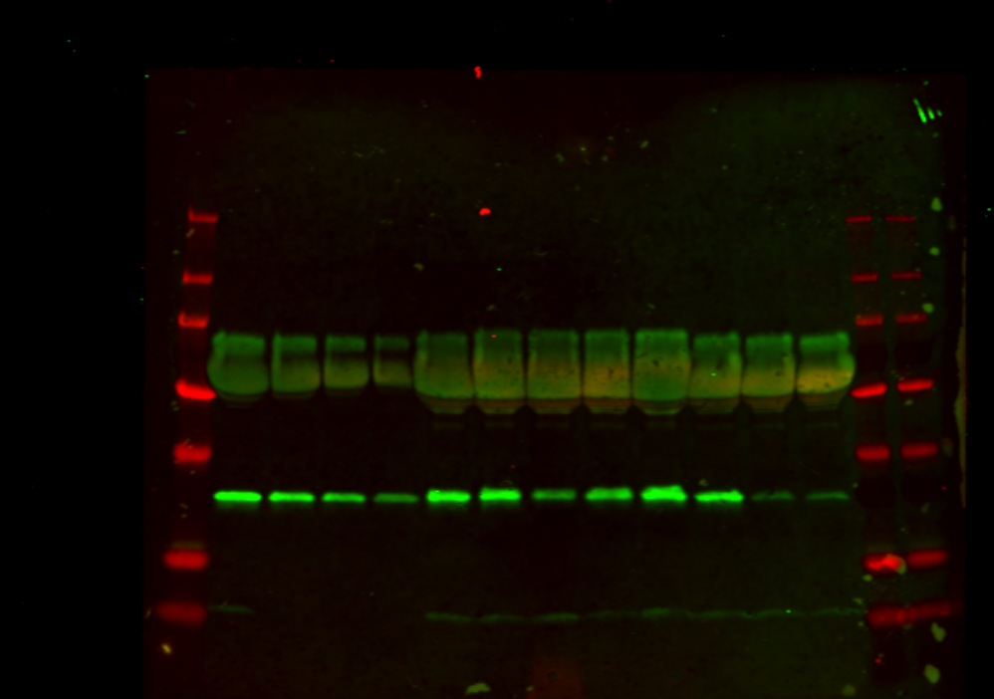
*

Protein ladder bands visible in fluorescent channel: 250, 130, 100, 55, 35, 15, and 10 kDa
Asterisk indicates non-specific band (BSA)

Supplementary Figure 6b.
Relative levels of late reverse transcription products measured in HEK293T cells at 2, 8 and 24 h post-infection with WT and IN mutant MVV vectors.

Time post-infection (h) | WT |  |  |  | WT + ddC |  |  |  | E154Q |  |  |  | F223A |  |  |  | H12N |  |  |  | Y261A |  |  |  | V263E |  |  |  | QQQ211PGG
 | Replicate 1 | Replicate 2 | Replicate 3 | Replicate 4 | Replicate 1 | Replicate 2 | Replicate 3 | Replicate 4 | Replicate 1 | Replicate 2 | Replicate 3 | Replicate 4 | Replicate 1 | Replicate 2 | Replicate 3 | Replicate 4 | Replicate 1 | Replicate 2 | Replicate 3 | Replicate 4 | Replicate 1 | Replicate 2 | Replicate 3 | Replicate 4 | Replicate 1 | Replicate 2 | Replicate 3 | Replicate 4 | Replicate 1 | Replicate 2 | Replicate 3 | Replicate 4
2 | 3 | 9 | 11 | 1 |  | 3 | 7 | 4 | 3 | 9 | 4 | 16 | 1 | 4 | 30 | 31 | 3 | 4 | 49 | 35 | 3 | 5 | 9 | 15 | 5 | 6 | 7 | 14 | 2 | 2 | 5 | 6
8 | 100 | 100 | 100 | 100 | 24 | 29 | 23 | 29 | 82 | 93 | 95 |  | 86 | 110 | 297 |  | 426 | 493 | 615 |  | 47 | 94 | 71 |  | 154 | 162 | 134 |  | 165 | 24 | 112 | 230
24 | 17 | 28 | 50 | 72 | 13 | 22 | 9 | 26 | 43 | 30 | 40 | 55 | 228 | 146 | 297 |  | 346 | 294 | 429 |  | 61 | 90 | 50 |  | 173 | 100 | 98 |  | 45 | 25 | 57 | 133

Supplementary Figure 6c.
Infectivity of GFP-reported MVV vectors produced using Gag-Pol constructs with the IN-coding region derived from EV1 or KV1772 MVV isolate.
HEK293T cells were infected with equal 350 µL (corresponding to 16.8 mU of associated RT activity) or 150 µL of WT or active site mutant (D66A/E154A) EV1, or WT KV1772 IN vector.
Infection was scored 4 or 6 d post-infection and reported as fraction (%) of GFP-positive cells.

Inoculum (ml) | days post-infection | KV1772 | EV1 | EV1 (D66A/E154A)
0.35 | 4 | 64.5 | 73.1 | 5.2
0.15 | 4 | 50.6 | 53.4 | 3.5
0.35 | 6 | 60.9 | 58.5 | 6.4
0.15 | 6 | 33.4 | 49.0 | 3.7

Supplementary Figure 8
Supplementary Figure 8a.
Relative MVV vector infectivity reported by luciferase, measured 7 d post-infection.

 | Replicate 1 | Replicate 2 | Replicate 3 | Replicate 4 | Replicate 5 | Replicate 6
WT-HEK | 100 | 100 | 100 | 100 | 100 | 100
E154Q-HEK | 2 | 1.9 | 2.4 | 2.1 | 2.3 | 2
WT-LKO | 19.1 | 25.4 | 23.6 | 23.6 | 23.5 | 22
WT-LHKO | 13.1 | 11.7 | 20.9 | 16.6 | 17.7 | 20

uncropped immunoblots (left panel):

Anti-Actin: |  |  | Anti-LEDGF/p75:

Supplementary Figure S8b.
Relative MVV vector infectivity reported by luciferase, measured 7 d post-infection.

MVV vector | cells | Replicate 1 | Replicate 2 | Replicate 3 | Replicate 4 | Replicate 5 | Replicate 6
WT | HEK293T | 100 | 100 | 100 | 100 | 100 | 100
E154Q | HEK293T | 2.78 | 2.46 | 2.04 | 0.13 | 1.54 | 1.23
WT | LKO | 34.5 | 75.71 | 17.23 | 65.5
WT | LHKO | 65.23 | 21.82 | 32.78 | 36.71
WT | LHKO-LEDGF/p75 | 26.93 | 26.74 | 97.29 | 42.51

uncropped immunoblots (left panel):

anti-Actin: |  |  | Anti-LEDGF/p75: |  |  | Anti-HRP2:
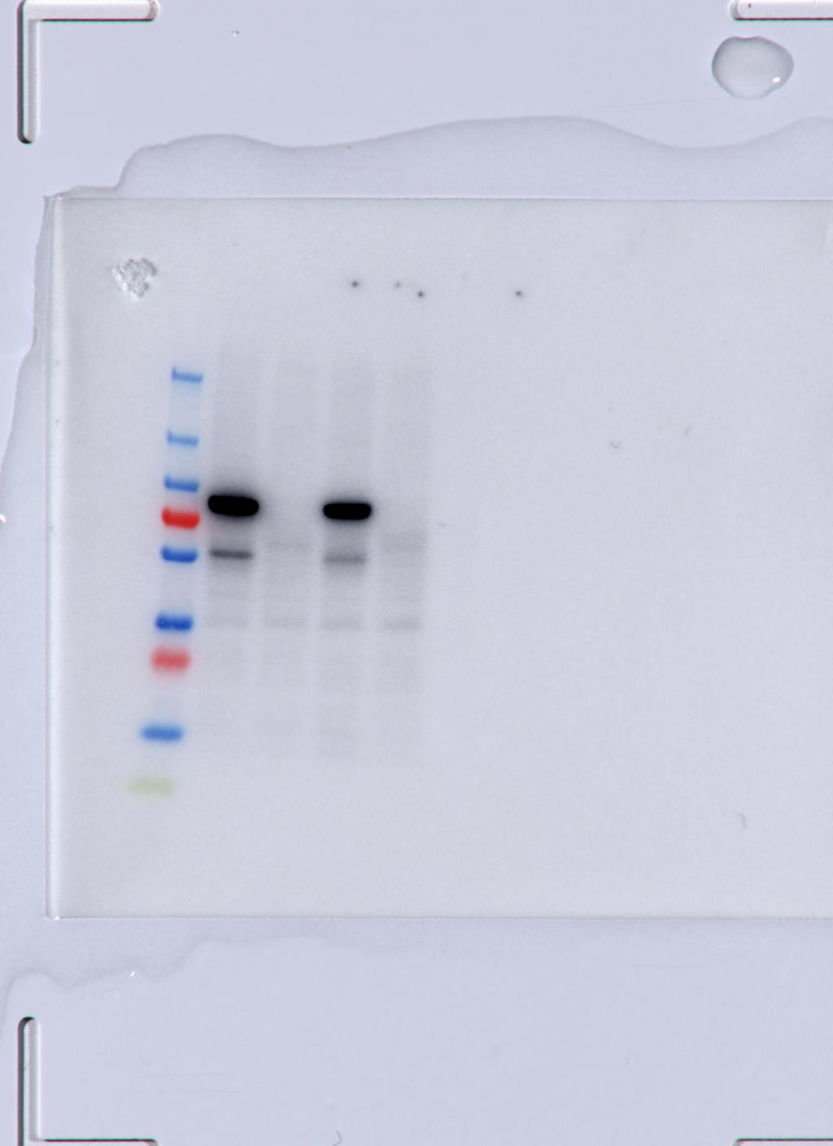
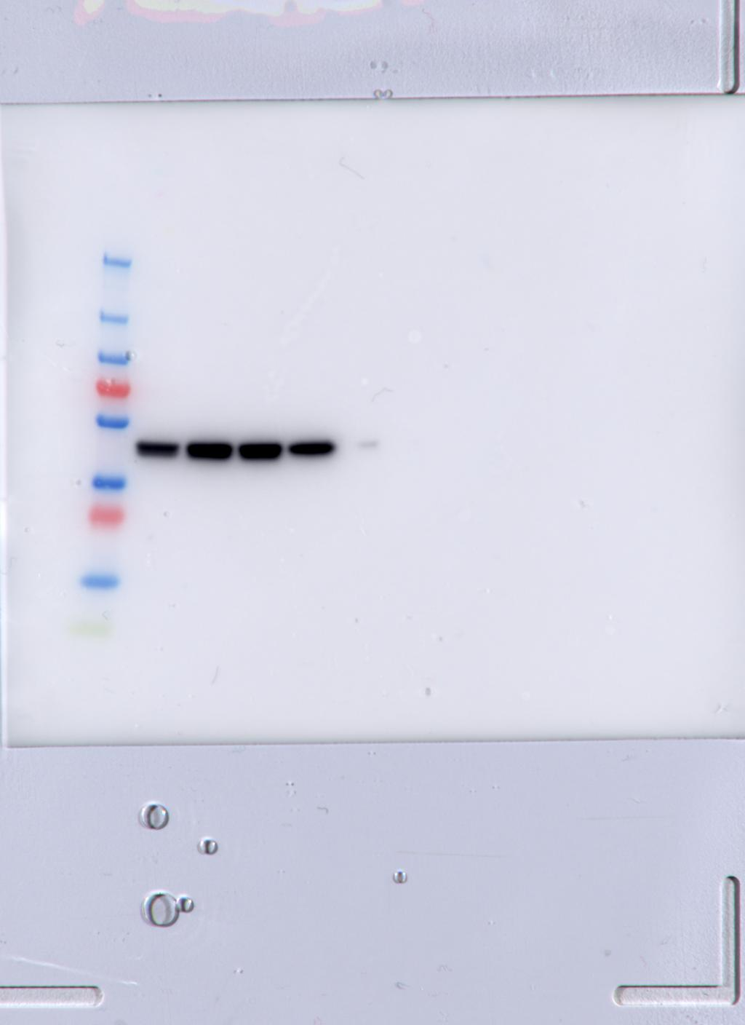

Protein ladder bands: 250, 130, 100, 70 (red), 55, 35, 25 (red), 15, 10 (green) kDa

