Fig 6b
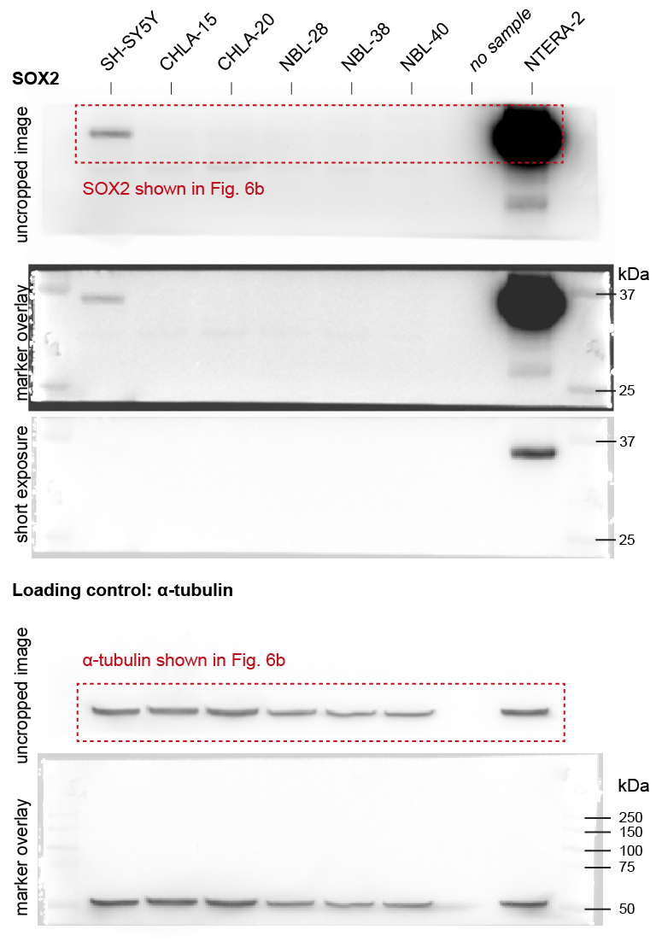
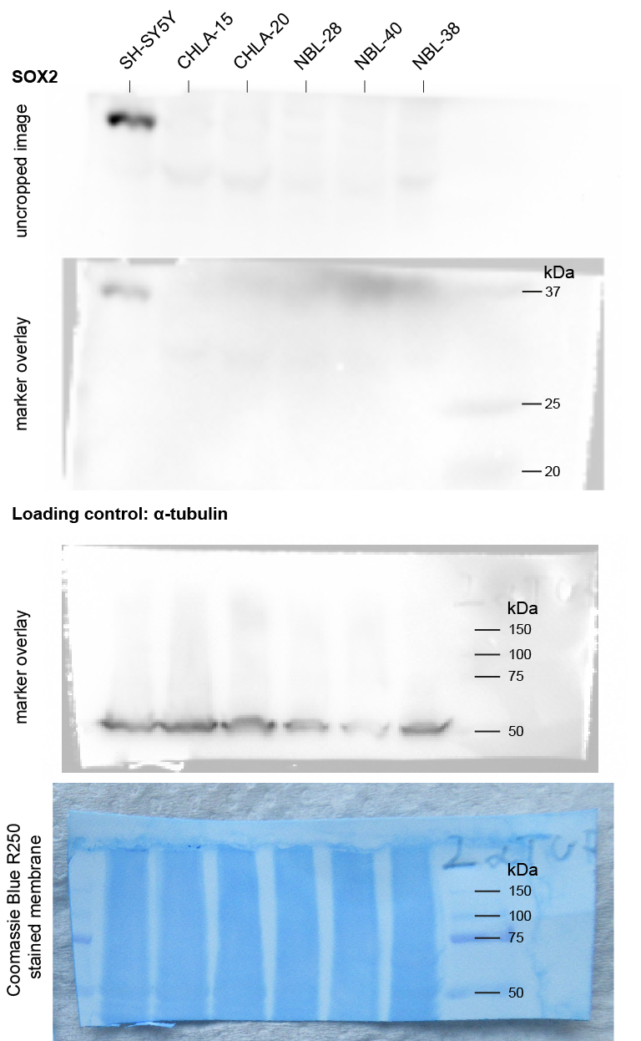
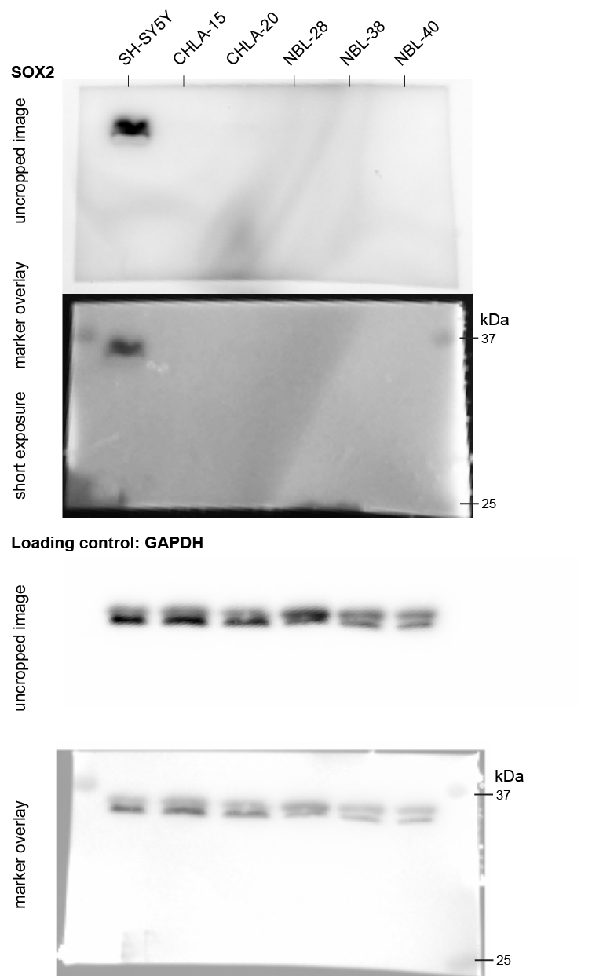
Figure 6b | Western blotting analysis
 | Each protein of interest (& each replicate) is presented along with the appropriate loading control probed on the same membrane (cutted between 37 and 50 kDa markers)

HTR3A - 1st biological replicate |  | HTR3A - 2nd biological replicate | HTR3A - 3rd biological replicate | HTR3A - 4th biological replicate - not included in densitometric analysis
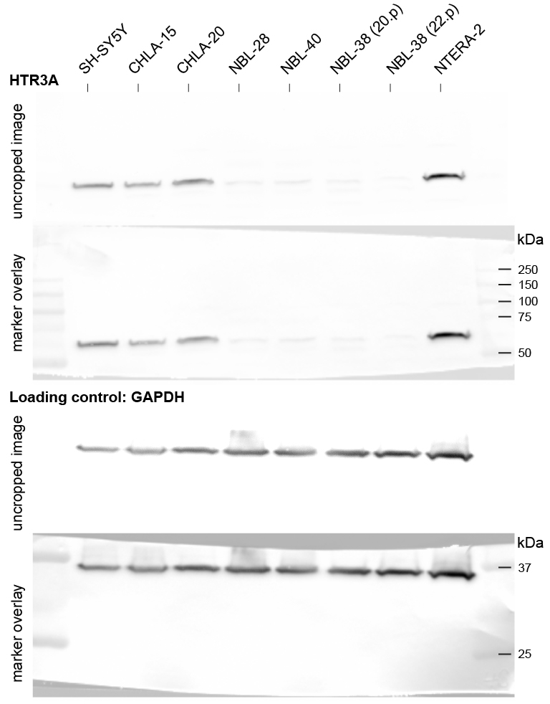
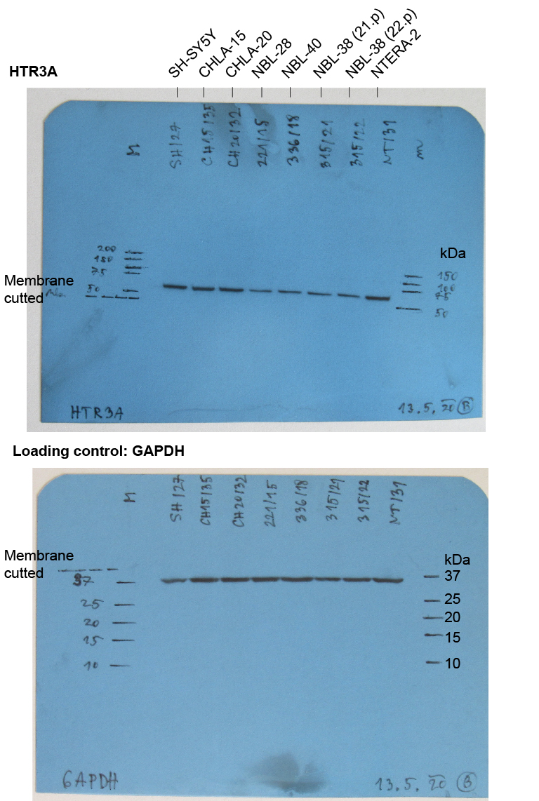
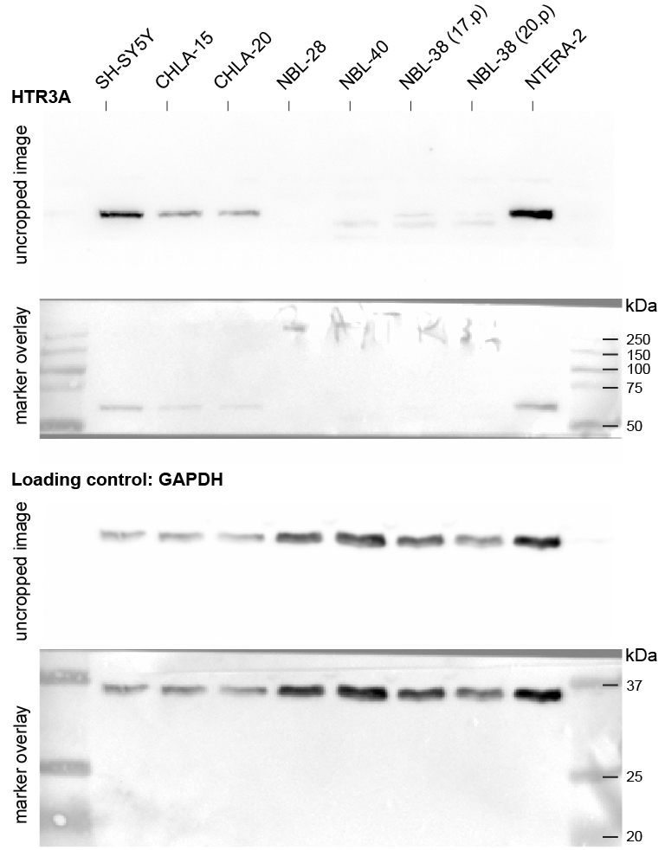
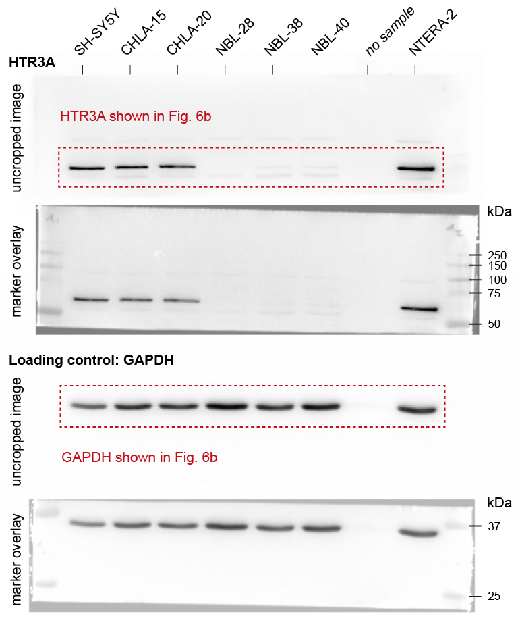

N-MYC - 1st biological replicate |  | N-MYC - 2nd biological replicate | N-MYC - 3rd biological replicate
 |  |  | N-MYC expression in SH-SY5Y, CHLA-15, and CHLA-20 cells markedly weaker when compared with MYCN-amplified neuroblastoma cells, SK-N-BE(2) & LAN1; cell lysates not related to this study are indicated with asterisk.
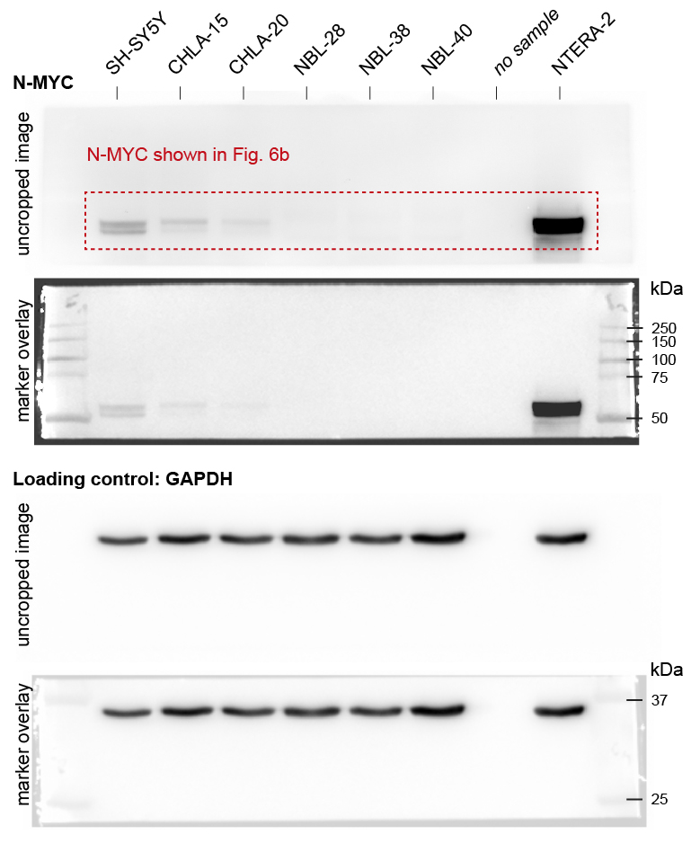
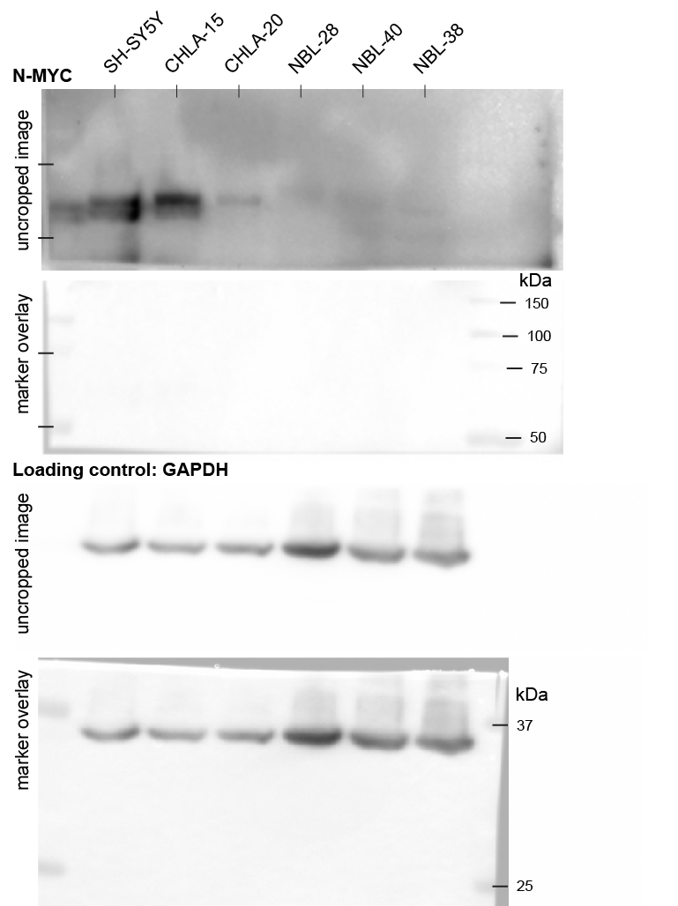
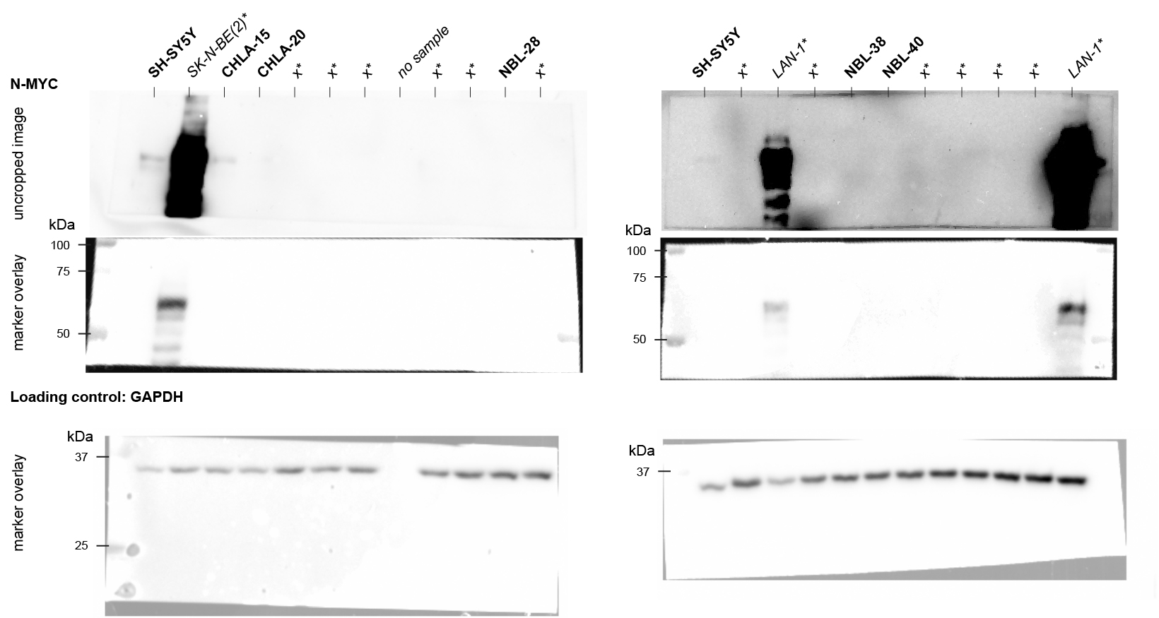

c-MYC - 1st biological replicate |  | c-MYC - 2nd biological replicate | c-MYC - 3rd biological replicate | c-MYC - 4th biological replicate
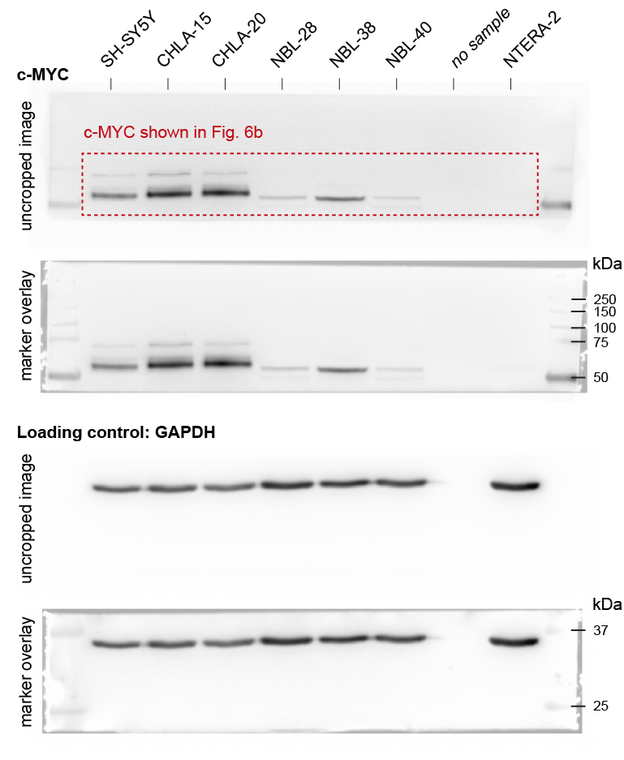
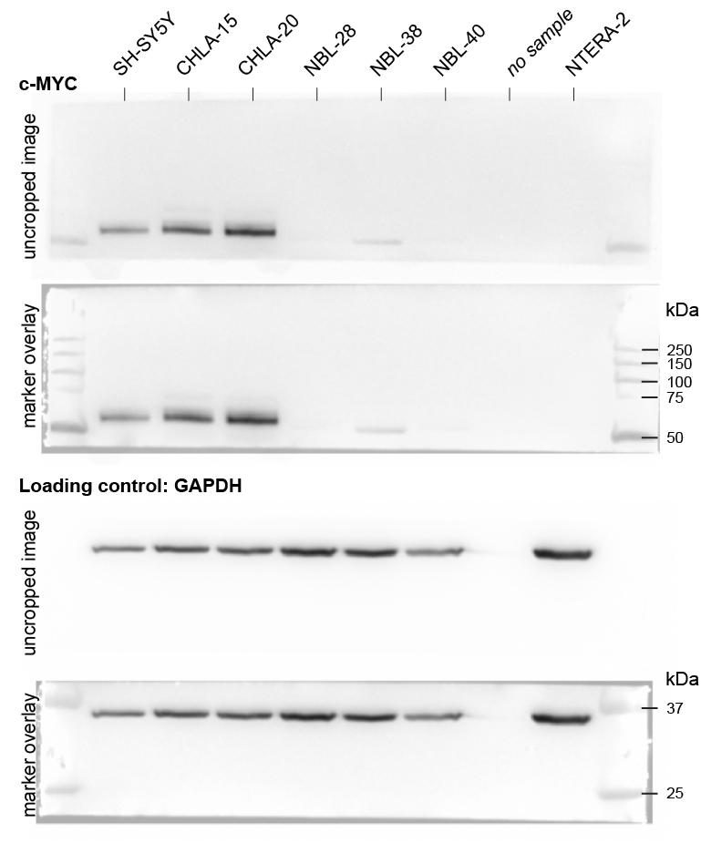
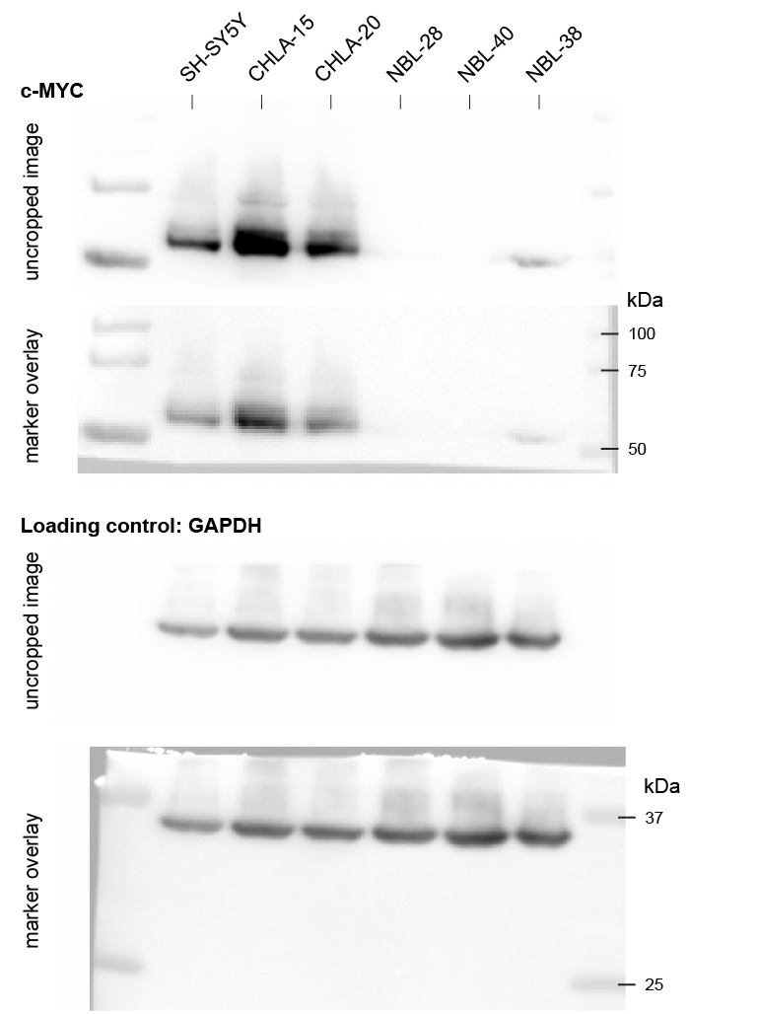
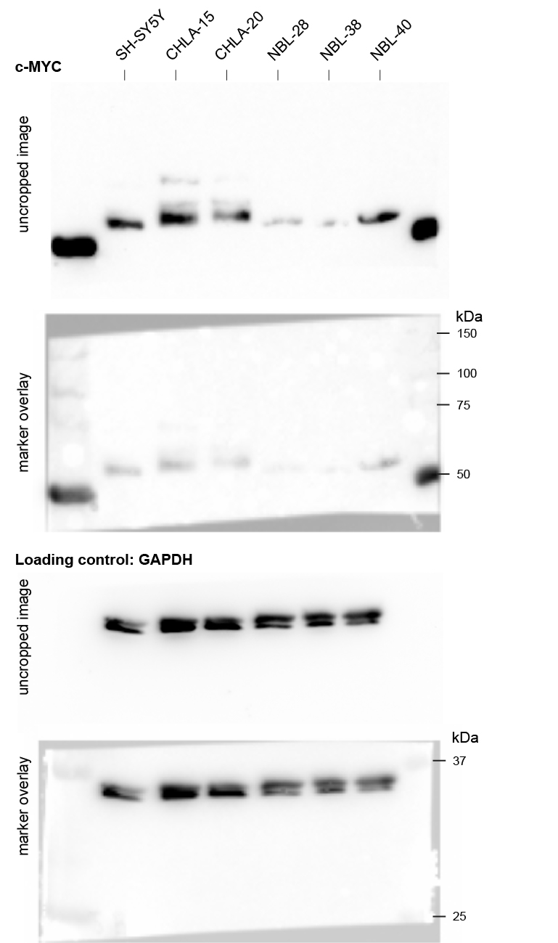

SOX2 - 1st biological replicate |  | SOX2 - 2nd biological replicate | SOX2 - 3rd biological replicate

Fig 6j,l
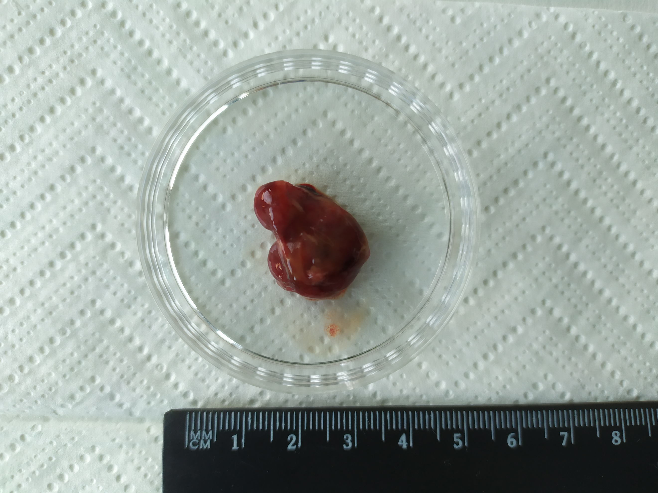
Figure 6j,l | Tumorigenicity in NSG mice
 | Tumor volume (mm3) = length (mm) × width (mm) × width (mm) × 1/2
 | Tumor measurements (length, width) performed using ImageJ 2.3.0/1.53f51 (Fiji) software (NIH, Bethesda, MD, USA) and normalized to the lentgh of 1 cm at the ruler (1 cm calibrator)

 |  |  |  |  |  |  |  |  | Data for Figure 6l - Tumor volume increase (mm3 per day)
Cell line | Mice | Xenograft tumor | Endpoint (days) | Data for Figure 6j - Tumor-free mice survival |  |  |  |  | Cell line | Xenograft | 1 cm calibrator | Length | Width | Volume (mm3) | Days | mm3 per day
SH-SY5Y | 1 | LTB102 | 18 | Days | SH-SY5Y | CHLA-20 | NBL-28 | NBL-38 | SH-SY5Y | LTB102 | 318.354 | 601.984 | 548.352 | 2805.0647032 | 18 | 155.83692796
SH-SY5Y | 2 | LTB103 | 18 | 18 | 1 |  |  |  | SH-SY5Y | LTB103 | 172.012 | 415.524 | 198.806 | 1613.4252733 | 18 | 89.634737408
SH-SY5Y | 3 | LTB104 | 24 | 18 | 1 |  |  |  | SH-SY5Y | LTB104 | 158.689 | 384.185 | 242.89 | 2835.8888713 | 24 | 118.1620363
SH-SY5Y | 4 | LTB105 | 24 | 24 | 1 |  |  |  | SH-SY5Y | LTB105 | 150.761 | 253.859 | 250.074 | 2316.501696 | 24 | 96.520904002
SH-SY5Y | 5 | LTB106 | 24 | 24 | 1 |  |  |  | SH-SY5Y | LTB106 | 230.009 | 687.573 | 470.183 | 6245.8014539 | 24 | 260.24172725
SH-SY5Y | 6 | LTB107 | 24 | 24 | 1 |  |  |  | SH-SY5Y | LTB107 | 234.137 | 517.571 | 497.835 | 4996.8998219 | 24 | 208.20415925
CHLA-20 | 1 | LTB102 | 31 | 24 | 1 |  |  |  | CHLA-20 | LTB123 | 284.028 | 476.873 | 375.084 | 1464.0177719 | 31 | 47.226379738
CHLA-20 | 2 | LTB103 | 54 | 31 |  | 1 |  |  | CHLA-20 | LTB128 | 320.1 | 616.831 | 415.095 | 1620.2207061 | 54 | 30.00408715
CHLA-20 | 3 | LTB104 | 87 | 54 |  | 1 |  |  | CHLA-20 | LTB134 | 296 | 607.816 | 533.816 | 3339.2595194 | 87 | 38.382293327
CHLA-20 | 4 | LTB105 | 94 | 87 |  | 1 |  |  | CHLA-20 | LTB135 | 344.023 | 809.088 | 553.245 | 3041.153374 | 94 | 32.352695468
CHLA-20 | 5 | no tumor | 120 | 94 |  | 1 |  |  | CHLA-20 | no tumor |  |  |  | 0 | 120 | 0
CHLA-20 | 6 | no tumor | 120 | 120 |  | 0 | 0 | 0 | CHLA-20 | no tumor |  |  |  | 0 | 120 | 0
NBL-28 | 1 | no tumor | 120 | 120 |  | 0 | 0 | 0 | NBL-28 | no tumor |  |  |  | 0 | 120 | 0
NBL-28 | 2 | no tumor | 120 | 120 |  |  | 0 | 0 | NBL-28 | no tumor |  |  |  | 0 | 120 | 0
NBL-28 | 3 | no tumor | 120 |  |  |  |  |  | NBL-28 | no tumor |  |  |  | 0 | 120 | 0
NBL-38 | 1 | no tumor | 120 |  |  |  |  |  | NBL-38 | no tumor |  |  |  | 0 | 120 | 0
NBL-38 | 2 | no tumor | 120 |  |  |  |  |  | NBL-38 | no tumor |  |  |  | 0 | 120 | 0
NBL-38 | 3 | no tumor | 120 |  |  |  |  |  | NBL-38 | no tumor |  |  |  | 0 | 120 | 0

RAW xenograft tumor images

SH-SY5Y

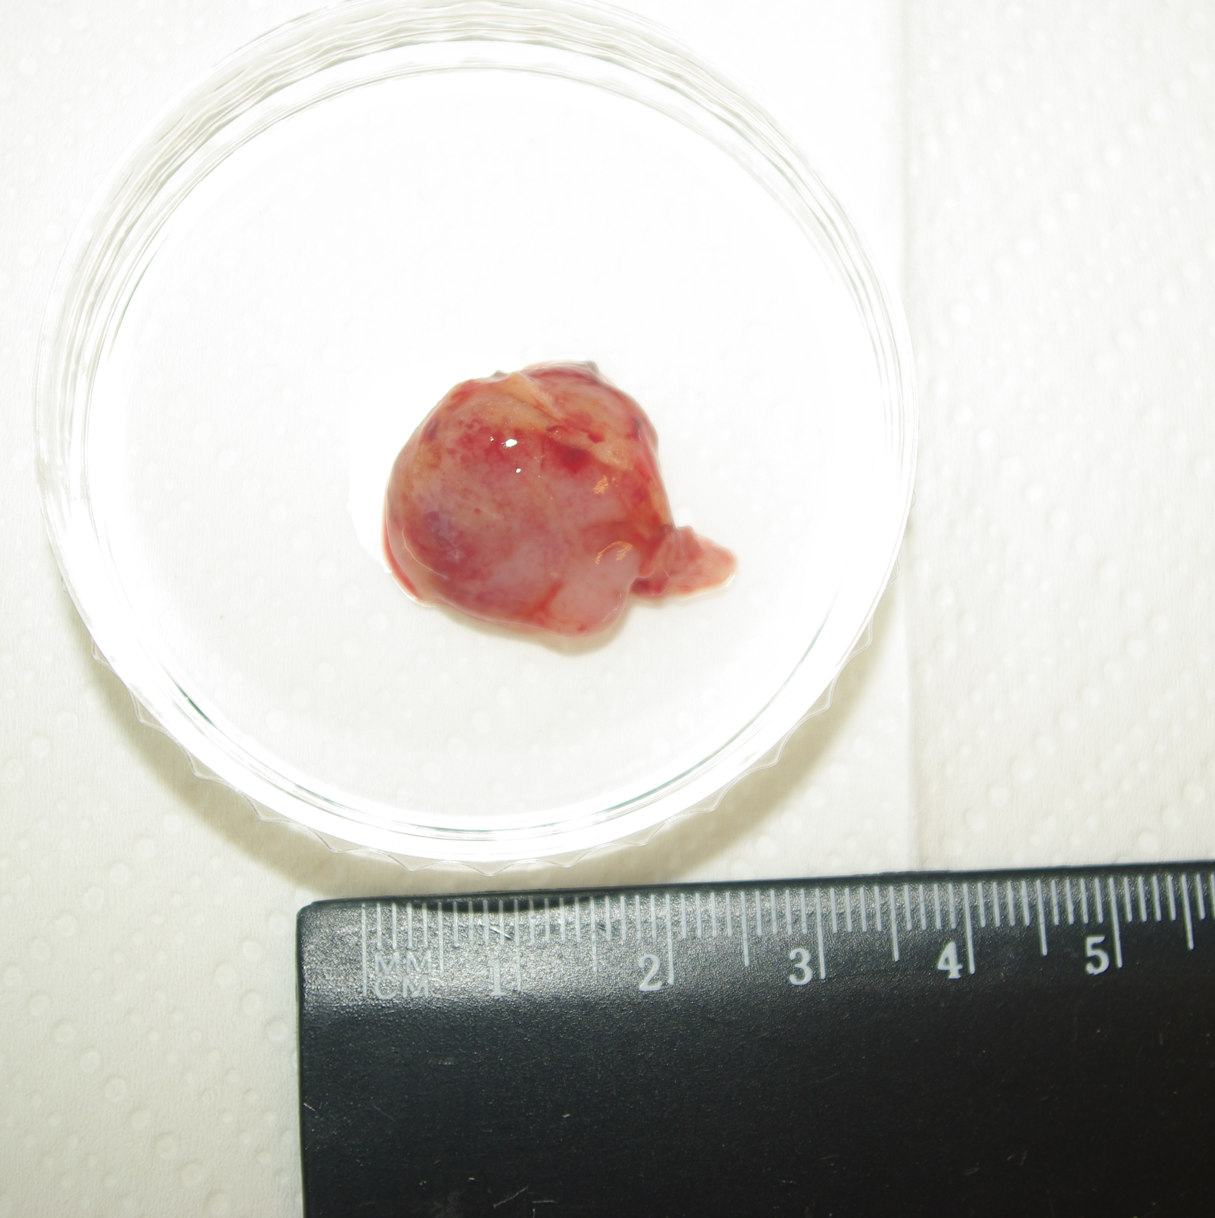
LTB102 |  |  |  | LTB103 |  |  |  |  | LTB104
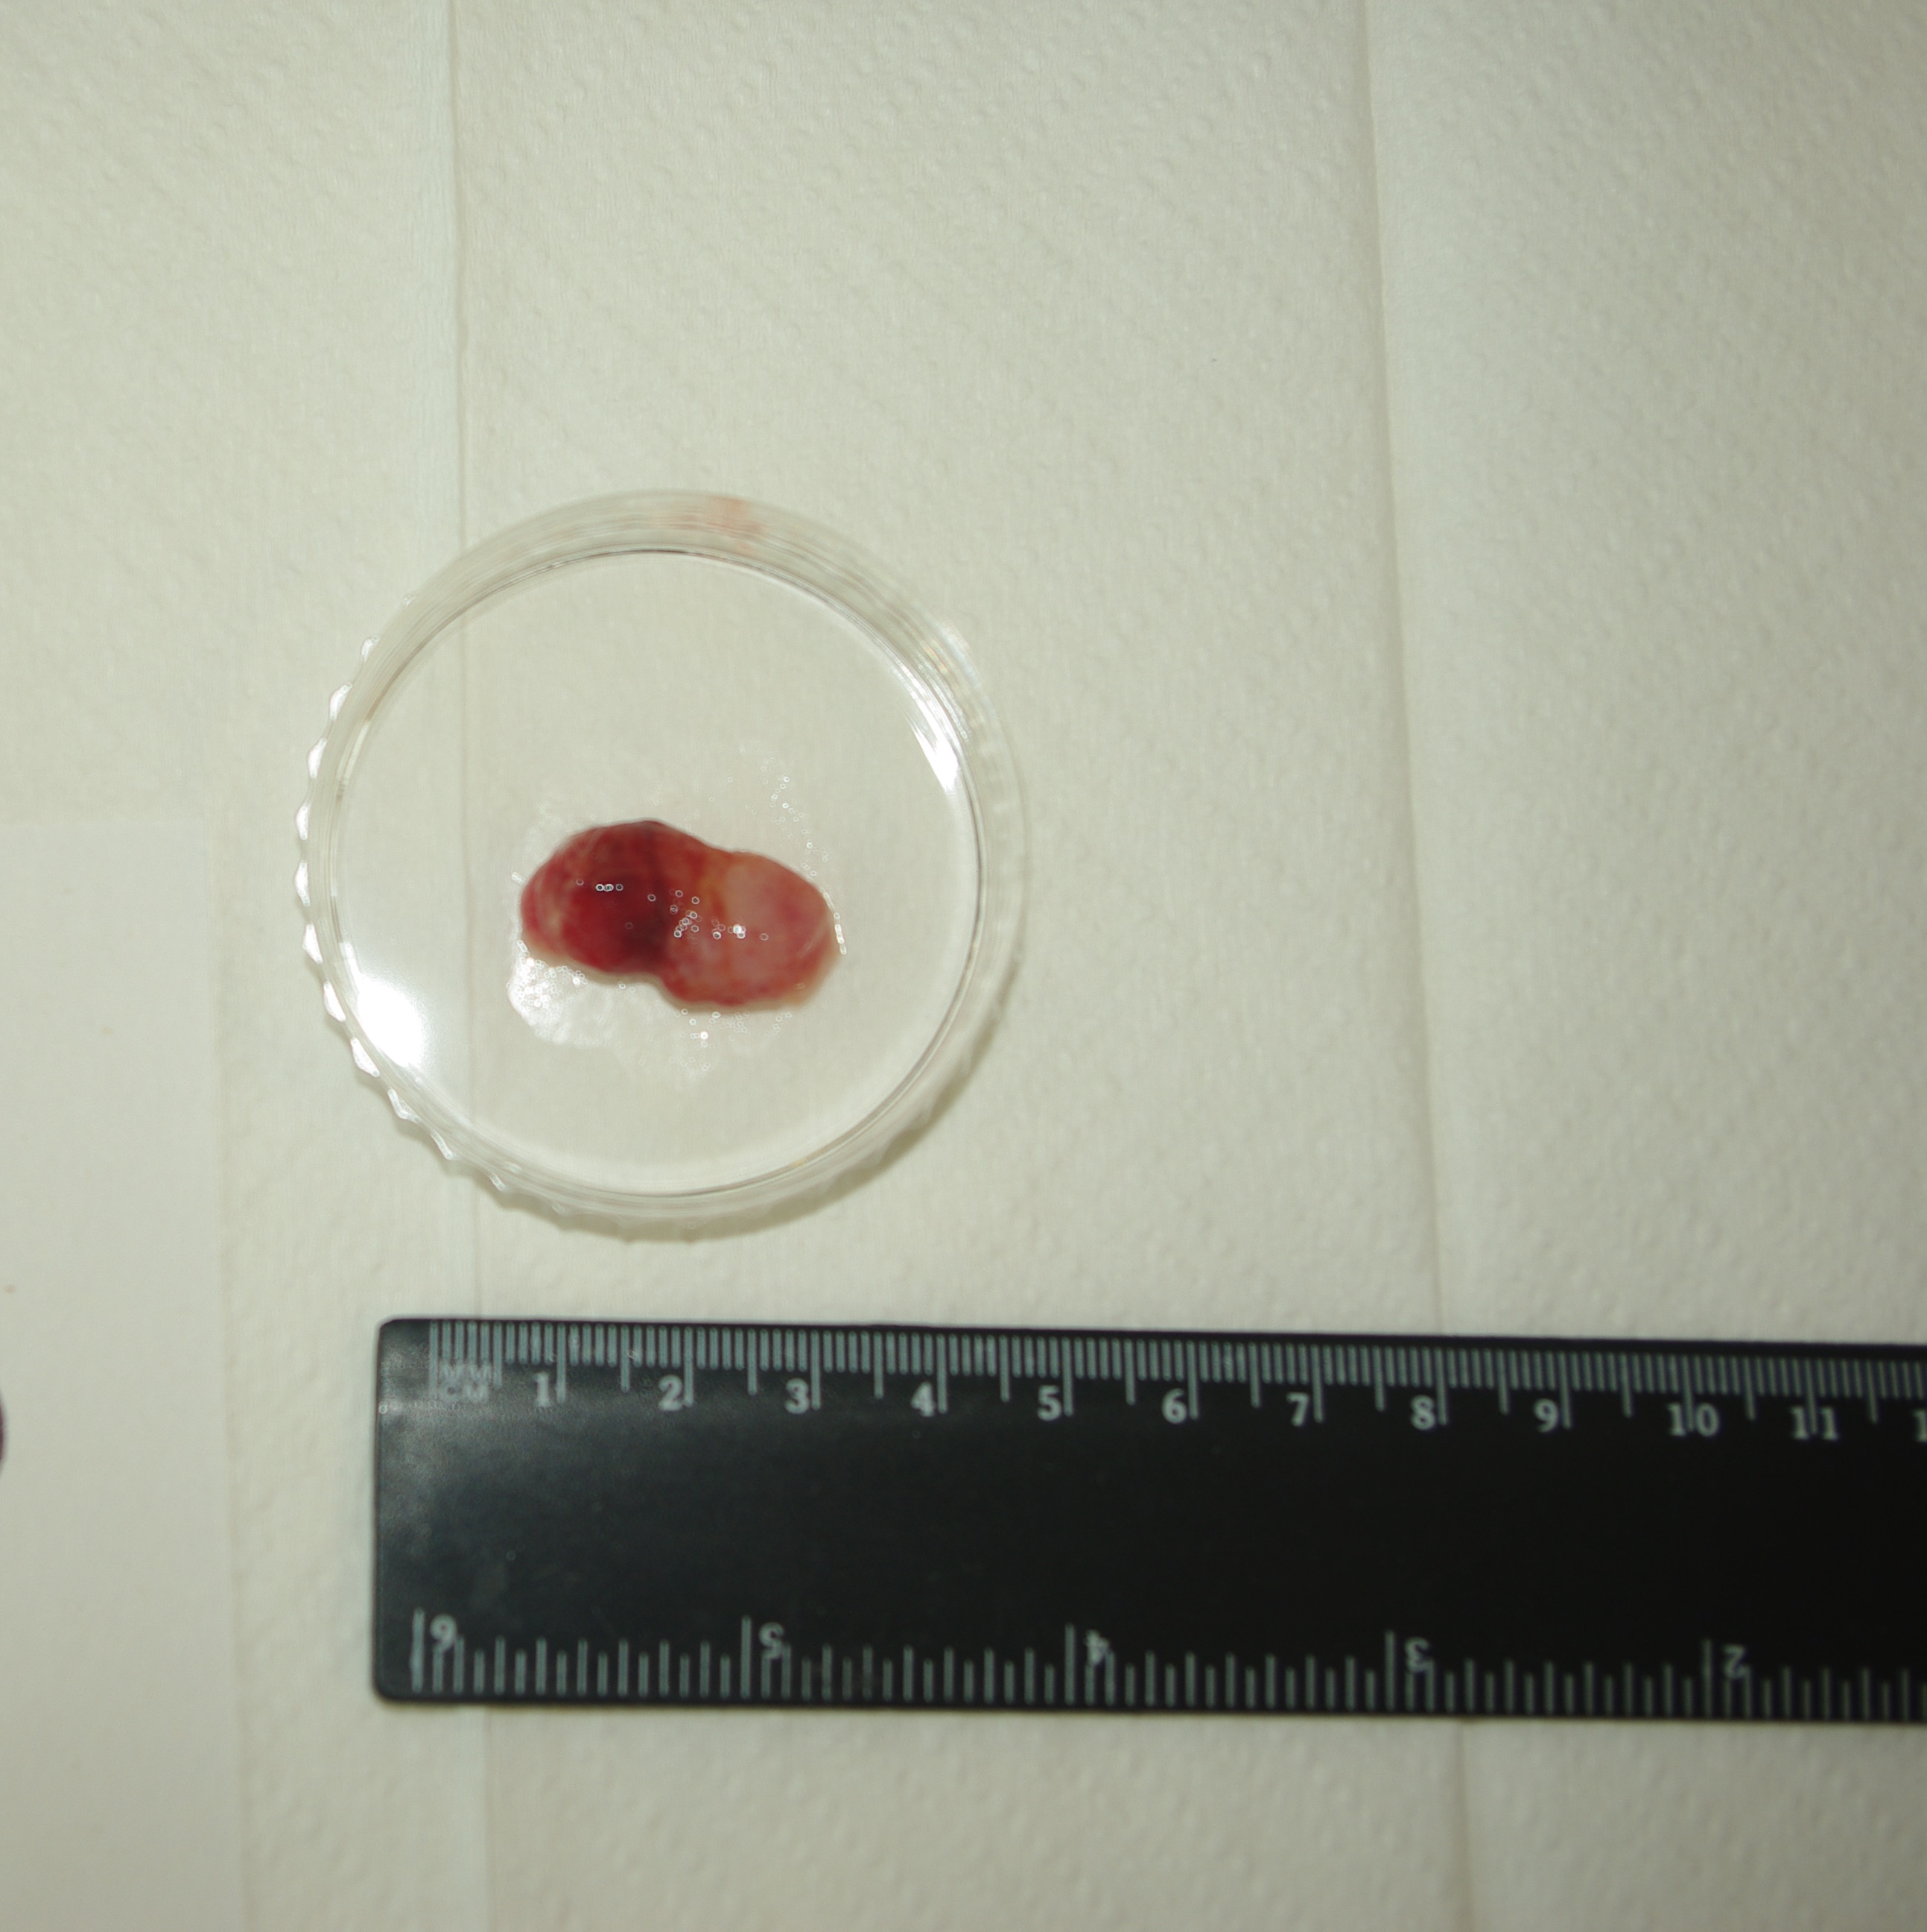
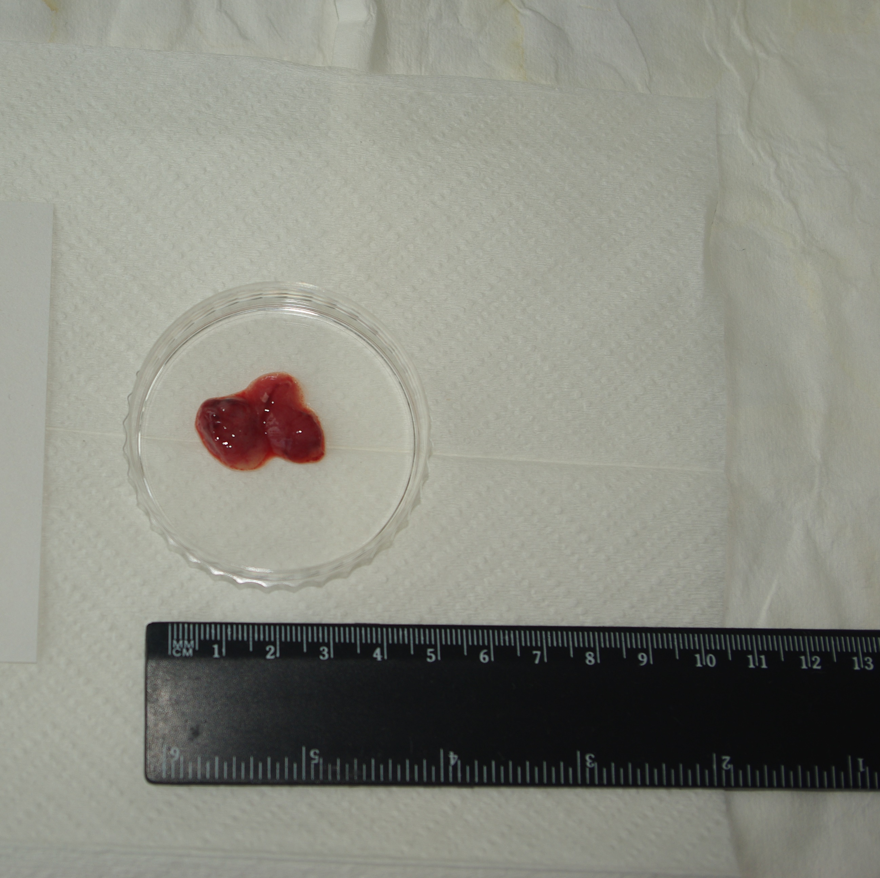

LTB105 |  |  |  | LTB106 |  |  |  |  | LTB107
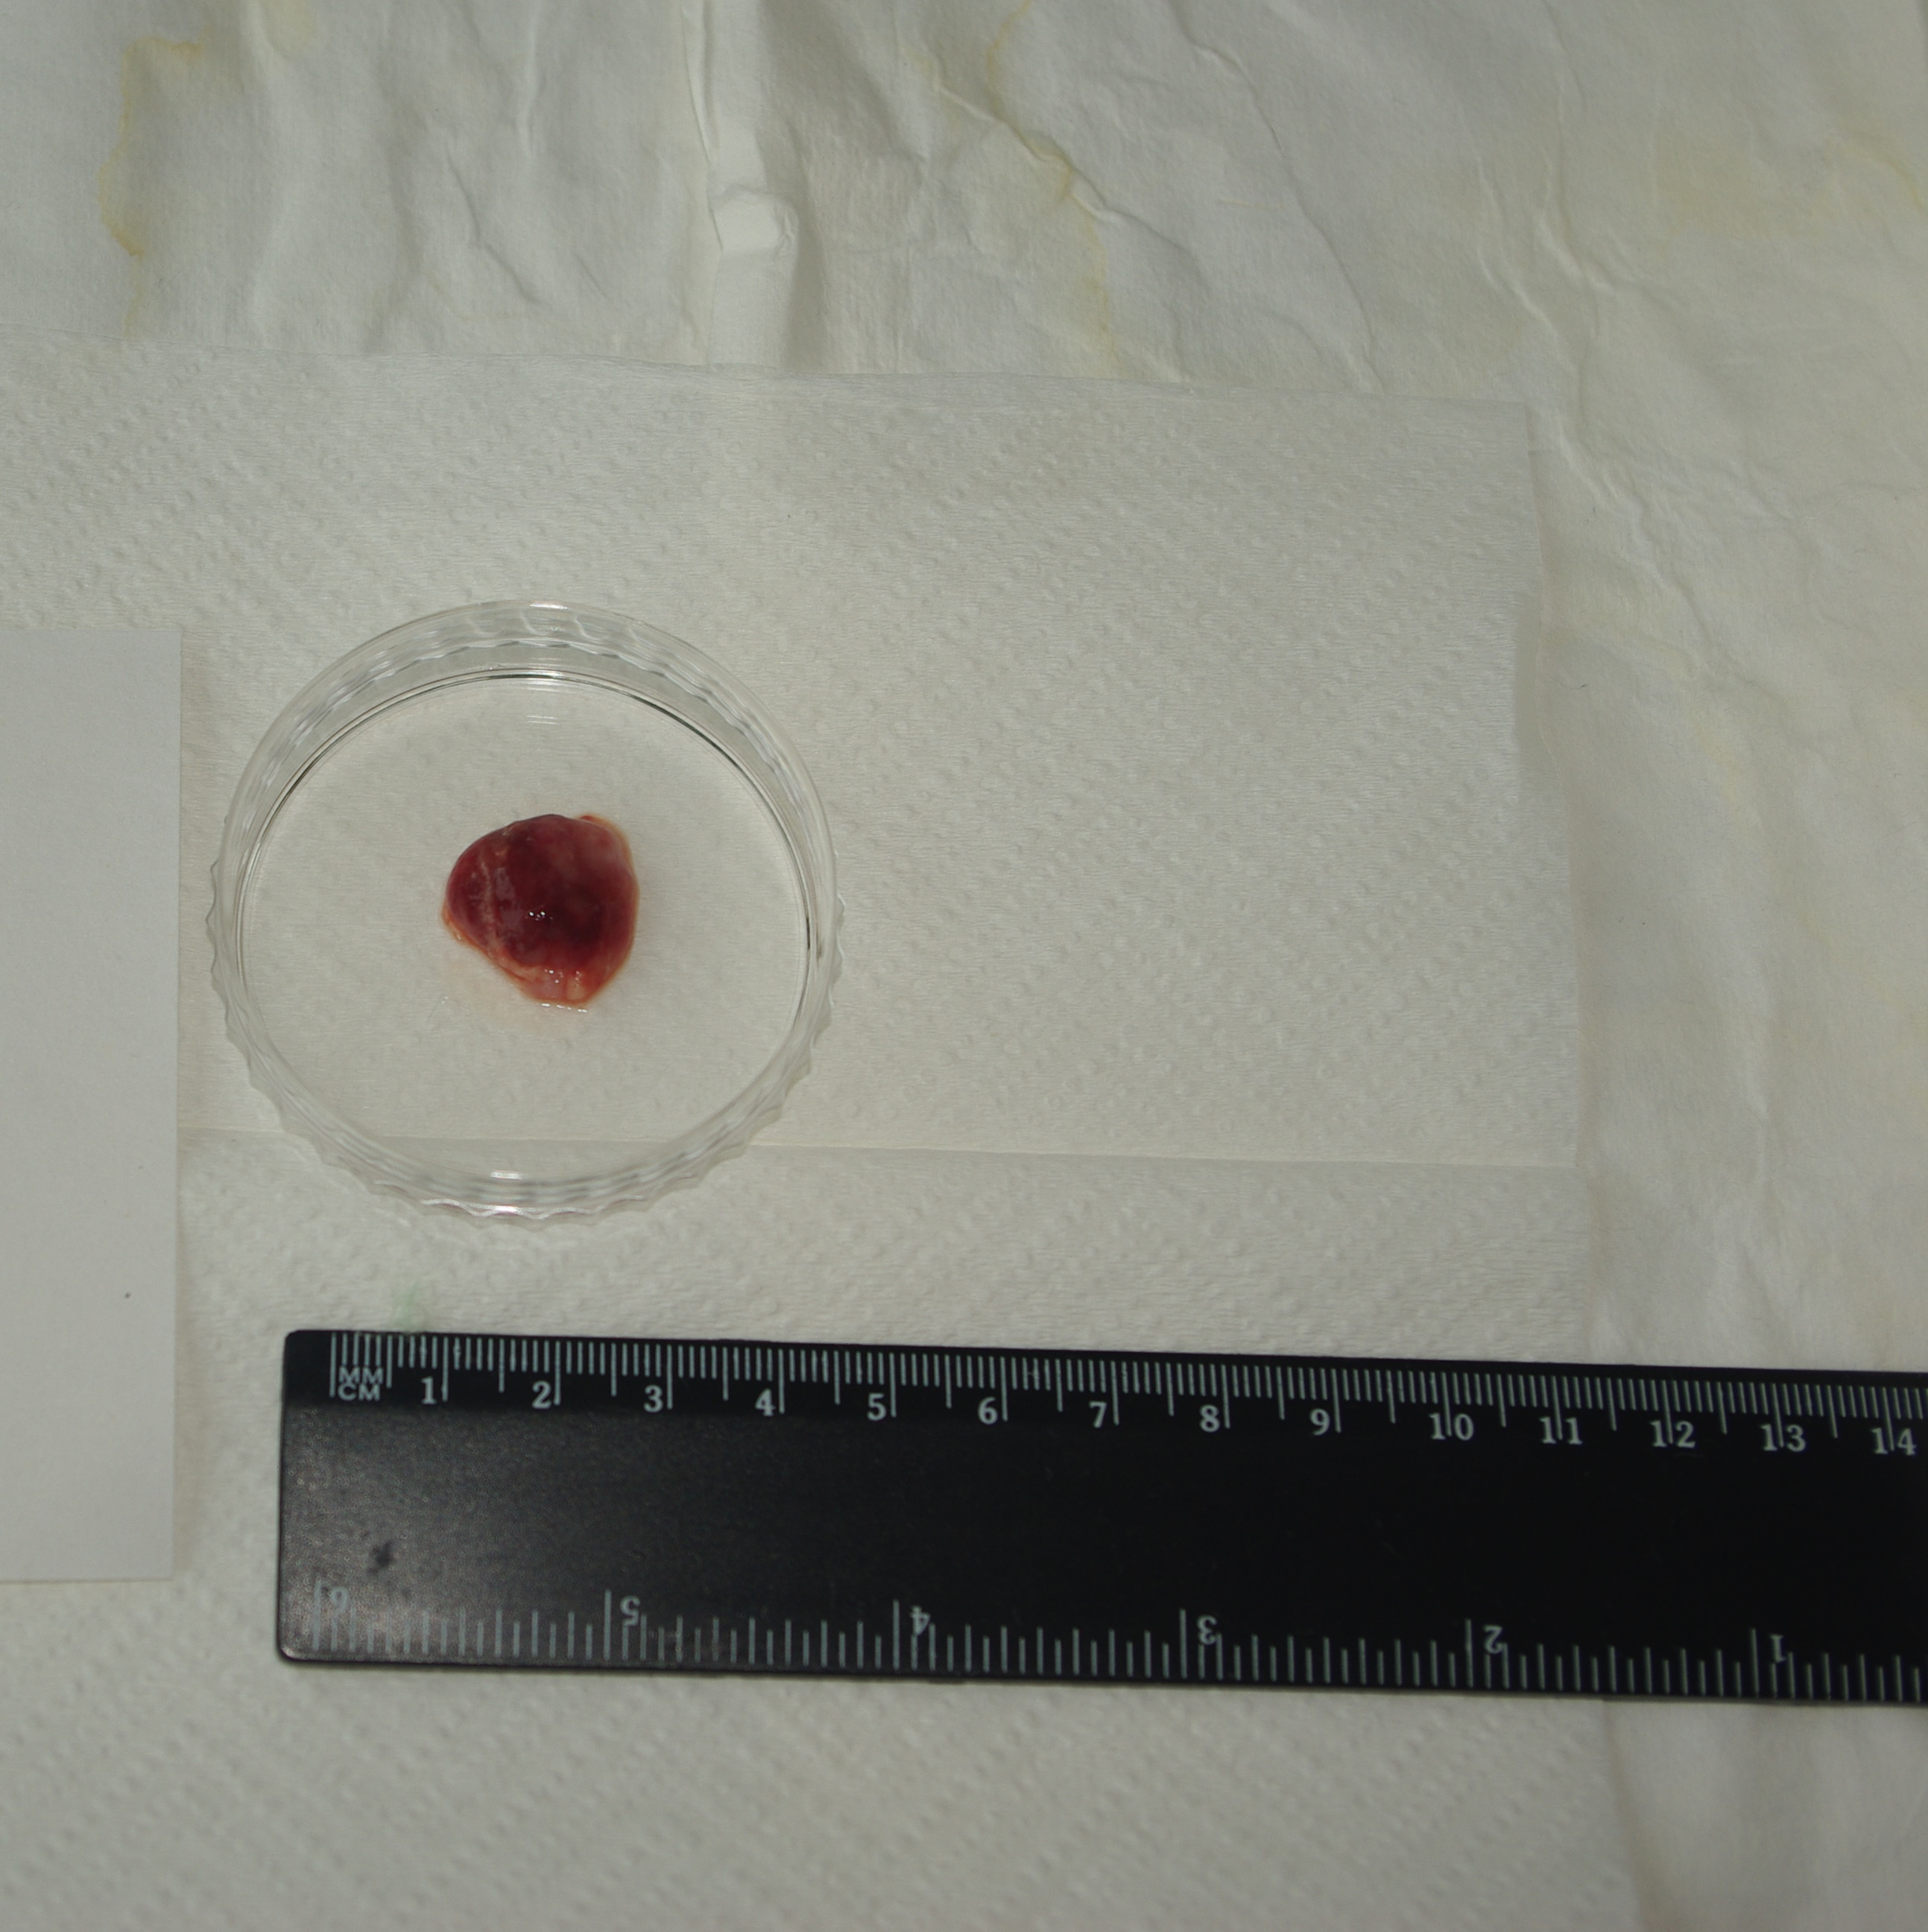
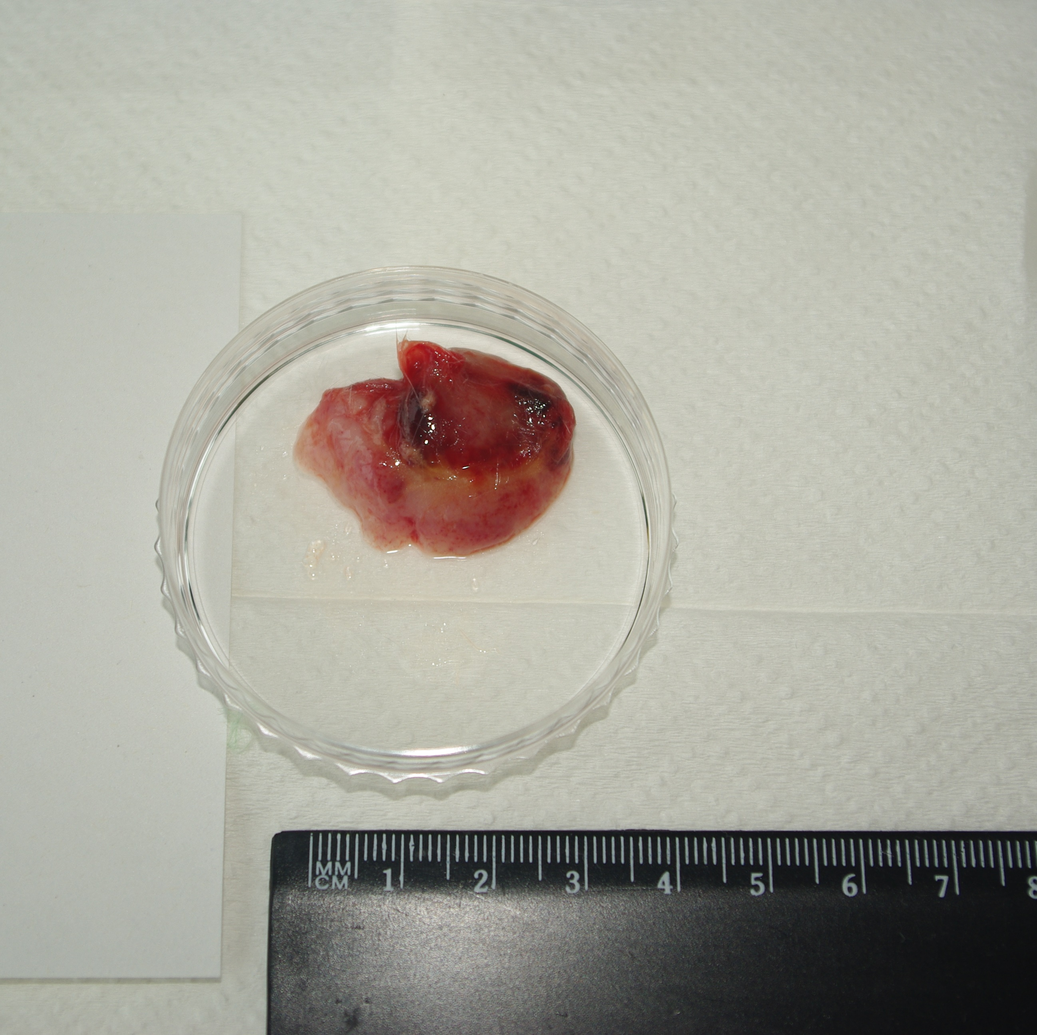
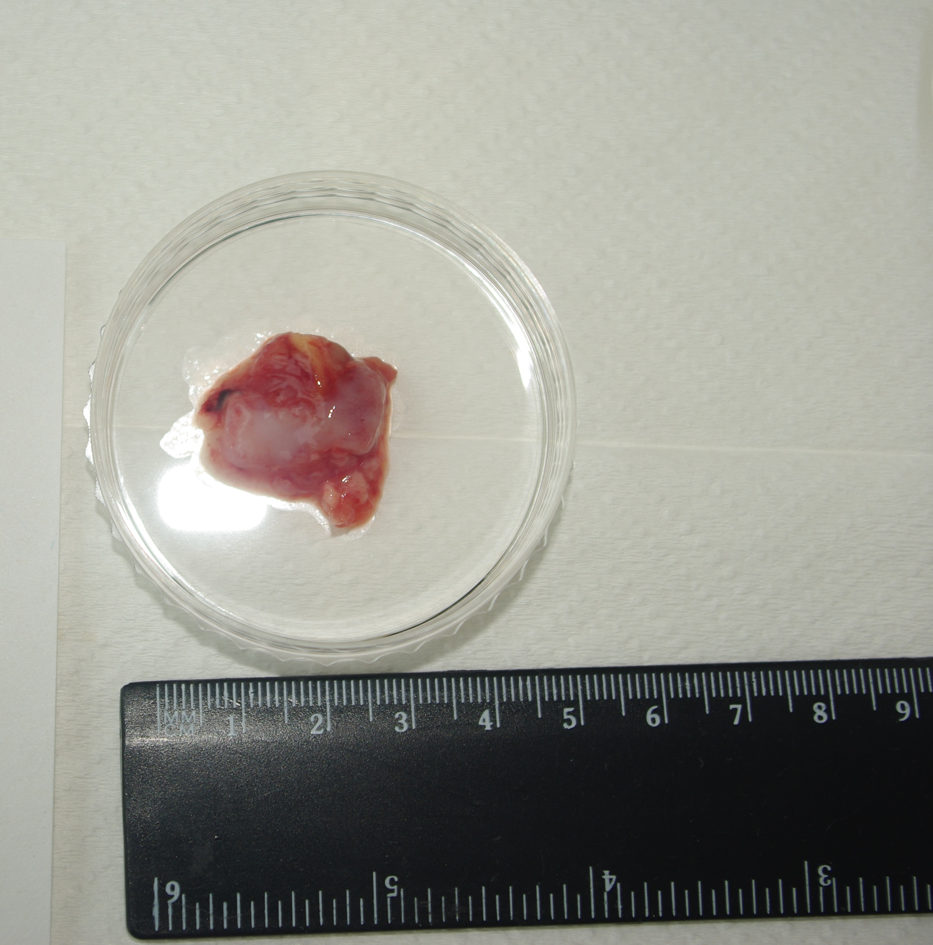

CHLA-20

LTB123 |  |  |  | LTB128 |  |  |  |  | LTB134
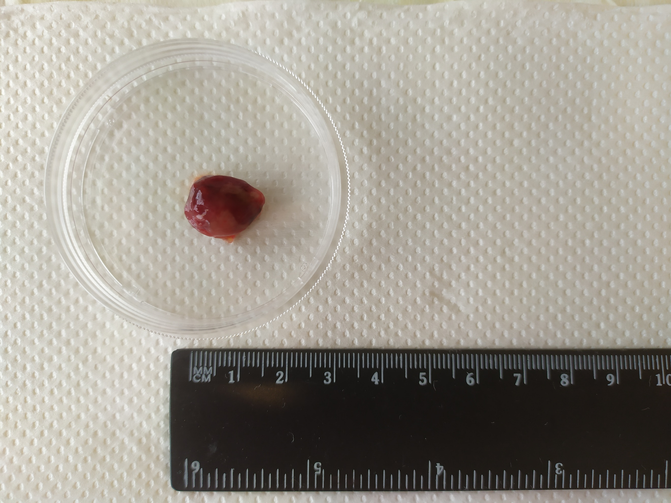
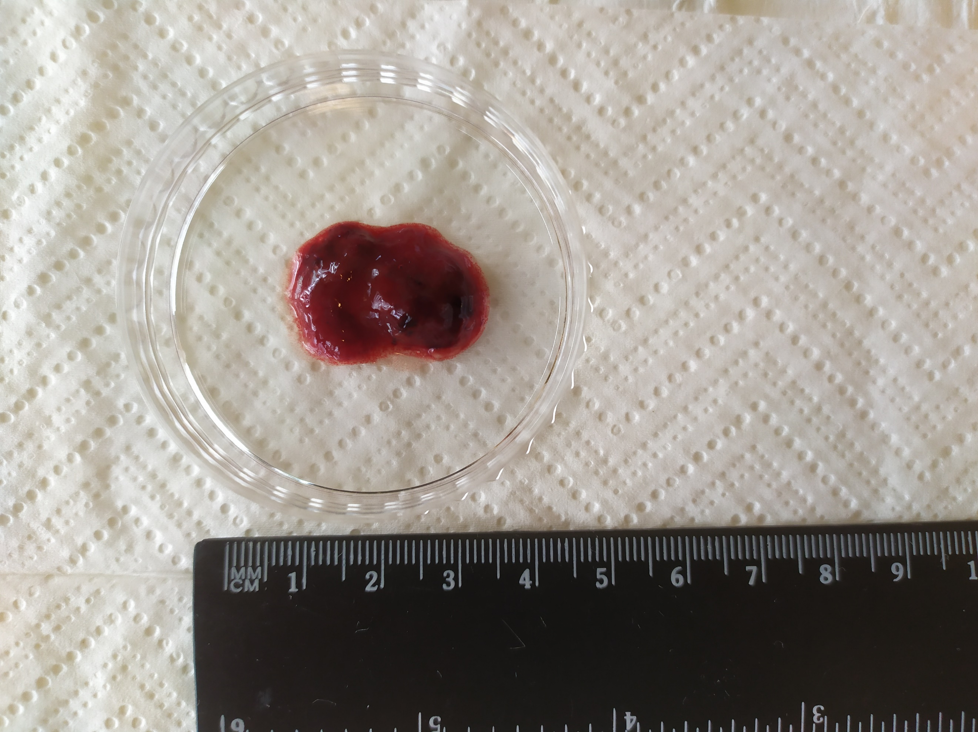
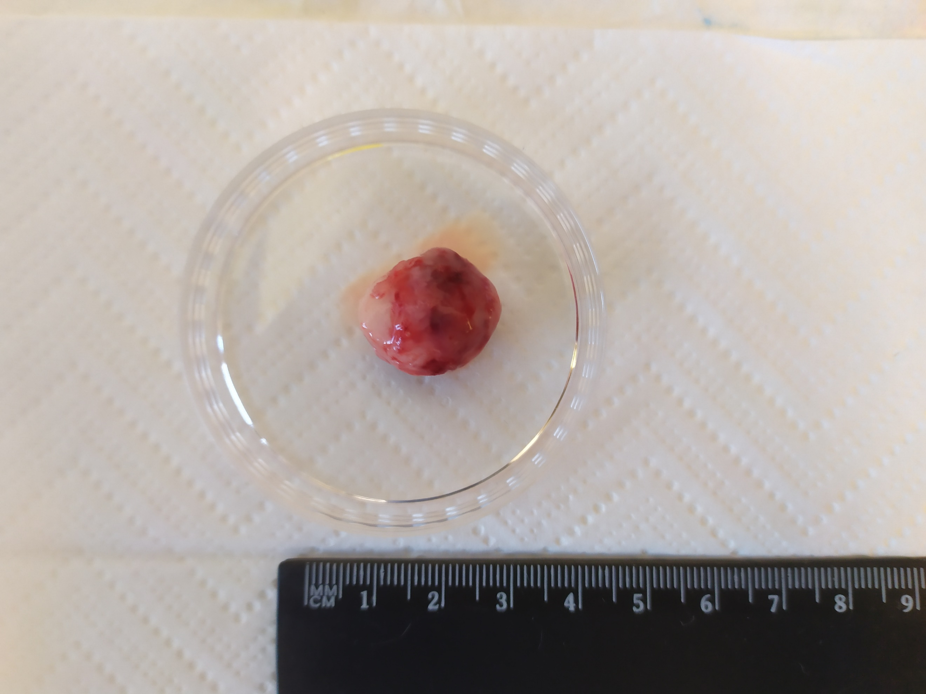

LTB135

