Figure 4a
Figure 4a

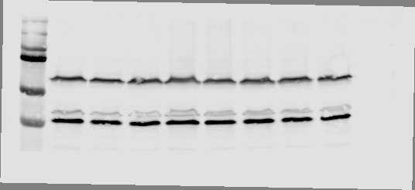
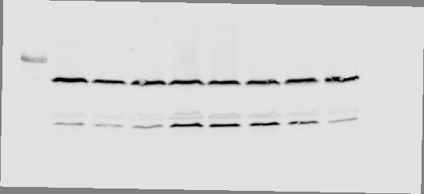
NRAS
ERK
AKT
pERK
pAKT
37
75
50
250
150
100
75
25
kDa
Q/Q
R/R
K/K
L/L
H/H
P/P
(-)
Q61:
 | ERK (phospho/total)
 | Q/Q | R/R | K/K | L/L | H/H | P/P
Replicate 1 | 1.0000001 | 3.4066 | 4.025887 | 2.370283 | 1.890035 | 1.001307
Replicate 2 | 1 | 2.867994 | 1.87929 | 2.022816 | 0.851944 | 0.622385
Replicate 3 | 1 | 3.739198 | 2.978088198 | 1.983084344 | 1.350389 | 0.7755
Replicate 4 | 1 | 3.971962 | 2.57720211 | 2.17123448 | 1.725411 | 0.793389
Replicate 5 | 1 | 1.807172081 | 4.974478 | 3.442393 | 1.30845 | 0.562679986
Replicate 6 | 1.0000001 | 2.42540514 | 2.383128 | 1.729028 | 1.459030024 | 0.73972146
Replicate 7 | 1 | 4.578177 | 3.63504607 | 2.02435742 | 1.70039229 | 1.236147
Replicate 8 | 1 | 2.519045 |  |  | 2.351709 | 1.204531
Replicate 9 | 1 | 3.62877365 |  |  | 0.987749 | 0.8815062

 | AKT (phospho/total)
 | Q/Q | R/R | K/K | L/L | H/H | P/P
Replicate 1 | 1.0000001 | 1.16535001 | 1.02899634 | 1.20070312 | 1.25774324 | 0.39313961
Replicate 2 | 1 | 1.245724 | 1.21486226 | 1.26571431 | 0.54906538 | 0.57890292
Replicate 3 | 1 | 0.860606 | 0.49924978 | 0.37484294 | 1.293795 | 1.892024
Replicate 4 | 1 | 0.922272 | 1.10839507 | 0.92051778 | 1.492303 | 1.794905
Replicate 5 | 1 | 0.45908902 | 0.816665 | 0.75913 | 1.322959 | 0.44277898
Replicate 6 | 1.0000001 | 0.98333007 | 1.313677 | 1.206609 | 0.62756592 | 1.06036187
Replicate 7 | 1 | 0.52439 | 0.680314 | 0.535088 | 0.93025587 | 0.304677
Replicate 8 | 1 | 1.610668 |  |  | 0.604628 | 0.913352
Replicate 9 | 1 | 0.641973 |  |  | 0.898192 | 0.501726

 | NRAS Intensity
 | Q/Q | R/R | K/K | L/L | H/H | P/P
Replicate 1 | 1.0000001 | 1.526315 | 0.875347 | 0.883745 | 1.217084 | 0.541118
Replicate 2 | 1 | 0.641669 | 1.456332 | 1.498754 | 1.3679 | 1.261514
Replicate 3 | 1 | 0.535974 | 1.032178 | 0.902202 | 0.816013 | 0.619722
Replicate 4 | 1 | 0.679156 | 1.169507 | 1.112658 | 0.862664 | 0.817174
Replicate 5 | 1 | 0.959016 | 1.128056295 | 1.100002603 | 0.975153 | 0.96485
Replicate 6 | 1.0000001 | 1.302774 | 0.901348907 | 0.742865574 | 0.633295 | 1.305211
Replicate 7 | 1 | 0.832174448 | 0.566492 | 0.628528 | 0.774099586 | 1.143852446
Replicate 8 | 1 | 1.187596215 |  |  | 1.005044806 | 0.914102402
Replicate 9 | 1 | 0.608424 |  |  | 0.903402 | 1.091764

FIgure 4b
Figure 4b

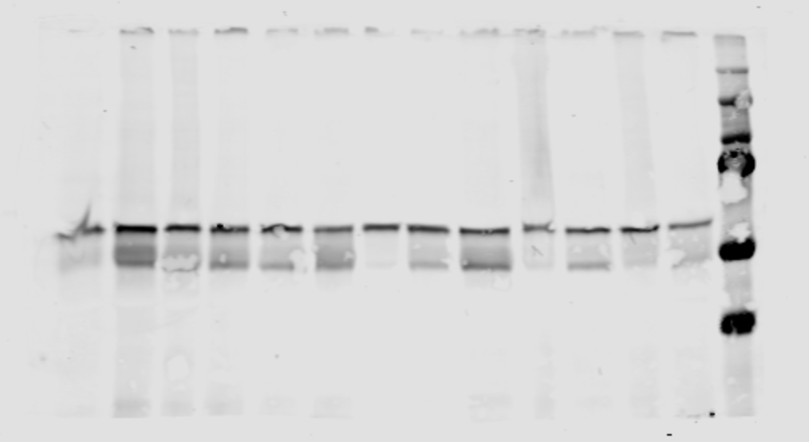
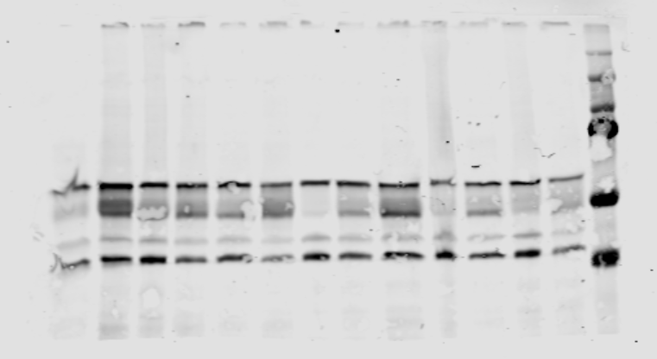
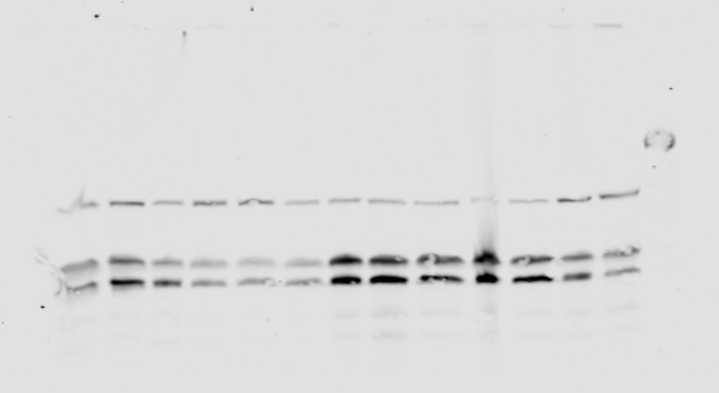
ERK
AKT
AKT
pERK
pAKT
pAKT
NRAS
37
75
50
250
150
100
37
75
50
250
150
100
25
75
75
kDa
R/R
K/K
L/L
H/H
Q61:
 | ERK (phospho/total)
 | R/R | K/K | L/L | H/H
Tumor 1 | 0.70540653 | 1.25746605 | 0.83098891 | 0.52357314
Tumor 2 | 1.62301778 | 2.24003936 | 0.41591322 | 1.39217259
Tumor 3 | 1.76569797 | 1.58156147 | 0.6089693 | 1.04031621
Tumor 4 | 1.21159476 | 1.28554952 | 0.7152426 | 0.99192065
Tumor 5 | 1.31276874 | 2.23372404 | 0.65951969 | 1.36749449
Tumor 6 | 2.07547813 | 1.75215625 | 1.14969085 | 1.34941165
Tumor 7 | 2.396741 | 2.174085 | 1.620335 | 2.268677
Tumor 8 | 2.446662 | 2.341369 | 1.056706 | 0.931205
Tumor 9 | 2.560735 | 2.792892 | 0.69323 | 0.150087

 | AKT (phospho/total)
 | R/R | K/K | L/L | H/H
Tumor 1 | 0.6920935 | 0.28558997 | 0.30977821 | 0.28044951
Tumor 2 | 0.30251859 | 0.32155921 | 0.47530484 | 0.3716557
Tumor 3 | 0.19952614 | 0.35126336 | 0.4194527 | 0.50763379
Tumor 4 | 0.673989 | 0.177238 | 0.267433 | 0.234151
Tumor 5 | 0.378357 | 0.40506 | 0.388501 | 0.185912
Tumor 6 | 0.267077 | 0.232967 | 0.489356 | 0.608239
Tumor 7 | 0.144091 | 0.186111 | 0.384605 | 0.164091
Tumor 8 | 0.203783 | 0.268281 | 0.117214 | 0.113906
Tumor 9 | 0.276904 | 0.258073 | 0.289289 | 0.05572

 | NRAS Intensity
 | R/R | K/K | L/L | H/H
Tumor 1 | 0.547471 | 0.486187 | 0.580272 | 1.929136
Tumor 2 | 0.535132 | 0.722539 | 0.586863 | 2.894843
Tumor 3 | 1.017736 | 0.422271 | 0.578511 | 2.427394
Tumor 4 | 0.301295 | 0.772706 | 0.184717 | 1.501894
Tumor 5 | 0.299 | 0.883752 | 0.299703 | 1.704698
Tumor 6 | 1.369077 | 0.636578 | 0.30339 | 1.343349
Tumor 7 | 0.866162 | 0.406778 | 0.486953 | 1.504699
Tumor 8 | 0.428771 | 0.358383 | 0.349478 | 0.663908
Tumor 9 | 0.359492 | 0.377552 | 0.282478 | 0.500177

Figure 5a
Figure 5a


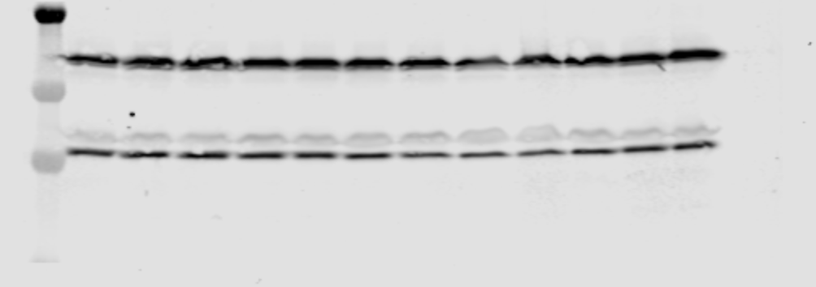
shRNA
KRAS
HRAS
SOS1
pERK
ERK
AKT
pAKT
NRAS
75
50
37
75
150
25
25
20
25
kDa
eGFP
H/KRAS
SOS1
NRAS
Q
P
R
Q
P
R
Q
P
R
Q
P
R
Q61:
 | ERK (phospho/total)
 | eGFP |  |  | NRAS |  |  | H/KRAS |  |  | SOS1
 | Q | P | R | Q | P | R | Q | P | R | Q | P | R
Replicate 1 | 1 | 1.19578041 | 1.54839231 | 1.09374798 | 1.14242 | 1.37534065 | 1.396529607 | 2.57077622 | 2.062446284 | 0.78912123 | 0.57008974 | 1.34954916
Replicate 2 | 1 | 0.91409505 | 1.9222275 | 1.313313246 | 1.910375007 | 1.49235114 | 1.24229369 | 2.140816945 | 2.389834192 | 0.86403588 | 1.10898075 | 1.66782157
Replicate 3 | 1 | 1.0958084 | 1.825659239 | 1.28469378 | 1.49505058 | 1.03938183 | 1.192881183 | 2.19591448 | 2.320221186 | 0.7443593 | 0.81469883 | 1.880952587
Replicate 4 | 1 | 1.679836715 | 1.96807618 |  |  |  |  | 1.473727043 |  | 0.616013585 | 0.897572777 | 2.36777983
Replicate 5 | 1 | 1.38242741 | 1.939213617 |  |  |  |  |  |  | 1.10867613 | 1.29086265 | 1.968646556

 | AKT (phospho/total)
 | eGFP |  |  | NRAS |  |  | H/KRAS |  |  | SOS1
 | Q | P | R | Q | P | R | Q | P | R | Q | P | R
Replicate 1 | 1 | 1.5026571 | 1.4060636 | 1.076524506 | 0.80036729 | 0.930676641 | 1.000709936 | 0.818397197 | 0.835537272 | 1.71343928 | 2.17931056 | 2.4506903
Replicate 2 | 1 | 1.624466 | 0.947222 | 1.34670422 | 1.01136876 | 1.25286324 | 1.14022281 | 0.73800504 | 0.92975561 | 1.03430944 | 0.41355059 | 0.20912373
Replicate 3 | 1 | 0.71378978 | 0.41229783 | 1.802777469 | 0.942101766 | 1.317241635 | 1.272959073 | 1.319856271 | 1.148392488 | 1.055910429 | 0.76911793 | 0.790994494
Replicate 4 | 1 | 0.523727219 | 0.64585967 |  |  |  |  |  |  | 1.27943917 | 0.79086035 | 1.13389388
Replicate 5 | 1 | 0.41403641 | 0.61953933 |  |  |  |  |  |  | 1.851725418 | 1.036501809 | 0.79732615

Figure 5b
Figure 5b
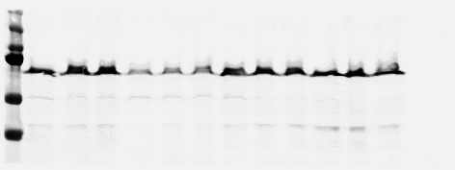
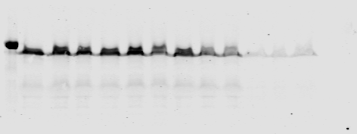
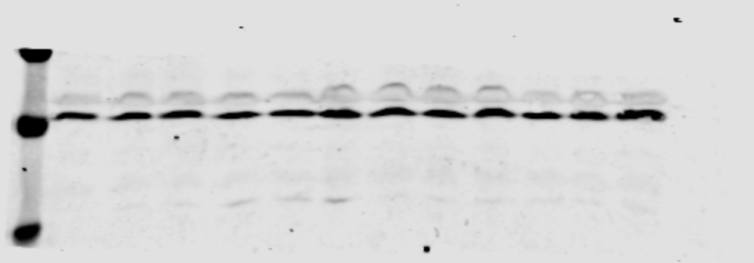

ARAF
CRAF
pAKT
AKT
ERK
pERK
NRAS
BRAF
75
75
50
37
75
50
37
37
75
50
250
150
100
75
75
25
kDa
Q
P
R
Q
P
R
Q
P
R
Q
P
R
Q61:
shRNA
eGFP
BRAF
CRAF
ARAF
 | ERK (phospho/total)
 | eGFP |  |  | ARAF |  |  | BRAF |  |  | CRAF
 | Q | P | R | Q | P | R | Q | P | R | Q | P | R
Replicate 1 | 1 | 1.509242454 | 2.689372014 | 1.22482782 | 1.23521004 | 3.80567721 | 1.53919197 | 1.524932737 | 1.991800363 | 0.793197164 | 0.7107694 | 1.388518962
Replicate 2 | 1 | 1.44721118 | 2.5883269 | 1.218302342 | 1.555421229 | 4.419514165 | 0.44344638 | 0.4581317 | 1.85148611 | 0.69018394 | 0.7571145 | 1.46666633
Replicate 3 | 1 | 0.77962593 | 2.15584334 | 1.01222624 | 1.501574752 | 3.068467584 | 1.055978526 | 0.833250041 | 1.698307298 | 0.85005061 | 0.63151489 | 1.87523403
Replicate 4 | 1 | 1.44610885 | 2.732937454 | 1.67013589 | 2.09543656 | 4.11972616 | 0.788032458 | 0.61507923 | 1.50154494 | 1.164889821 | 1.681044815 | 1.42795343
Replicate 5 | 1 | 1.180929905 | 2.422883471 | 1.0504438 | 1.5725267 | 2.310406 | 0.56627072 | 0.7322856 | 1.75022195 | 0.90019352 | 0.82584477 | 1.59802214
Replicate 6 | 1 | 1.25532954 | 1.87342971 | 1.458176999 | 1.598541135 | 2.154471618 | 0.53005891 | 1.06231149 | 1.194402868 | 1.10110589 | 1.16783522 | 1.284455151
Replicate 7 | 1 | 1.59456454 | 2.27009986 |  |  |  | 0.67671719 | 0.669080057 |  | 0.772728746 | 1.016160261
Replicate 8 | 1 | 1.204303995 | 1.880931904

 | AKT (phospho/total)
 | eGFP |  |  | ARAF |  |  | BRAF |  |  | CRAF
 | Q | P | R | Q | P | R | Q | P | R | Q | P | R
Replicate 1 | 1 | 0.69136086 | 1.4060636 | 0.970613 | 0.995103 | 0.990642 | 0.8074855 | 0.47923656 | 0.41050451 | 1.71343928 | 2.17931056 | 2.4506903
Replicate 2 | 1 | 1.011936 | 0.68844672 | 1.80975479 | 1.40705083 | 0.91172392 | 0.26926713 | 0.37808599 | 0.36085835 | 0.88716683 | 0.94302594 | 0.81287089
Replicate 3 | 1 | 0.79868177 | 0.974184 | 1.495993542 | 1.26114031 | 0.533221828 | 1.2639679 | 0.74968777 | 0.54052021 | 1.009559 | 1.013553 | 0.993354
Replicate 4 | 1 | 0.848861174 | 0.59354031 | 1.40819015 | 1.16740069 | 0.82749568 | 0.954774755 | 0.567838959 | 0.31103422 | 2.18800971 | 2.24706929 | 2.69055762
Replicate 5 | 1 | 0.6756859 | 0.275410591 | 1.42934665 | 0.92905988 | 0.53513433 | 0.83362097 | 0.66891102 | 0.81162342 | 1.813501259 | 2.024947802 | 1.021507596
Replicate 6 | 1 | 0.83642492 | 0.81833408 | 1.313568955 | 1.223174524 | 0.674810595 | 0.92774214 | 0.87676354 | 0.71350637 | 1.50312561 | 1.28476704 | 1.35762139
Replicate 7 | 1 | 0.998095188 | 0.43735857 |  |  |  | 0.986544765 | 0.686762039 | 0.698737647 | 2.04799337 | 1.80595572 | 1.53452702
Replicate 8 | 1 |  | 0.776312164 |  |  |  |  |  |  | 1.155122407 | 1.289697647 | 1.401593954

