Divergence times
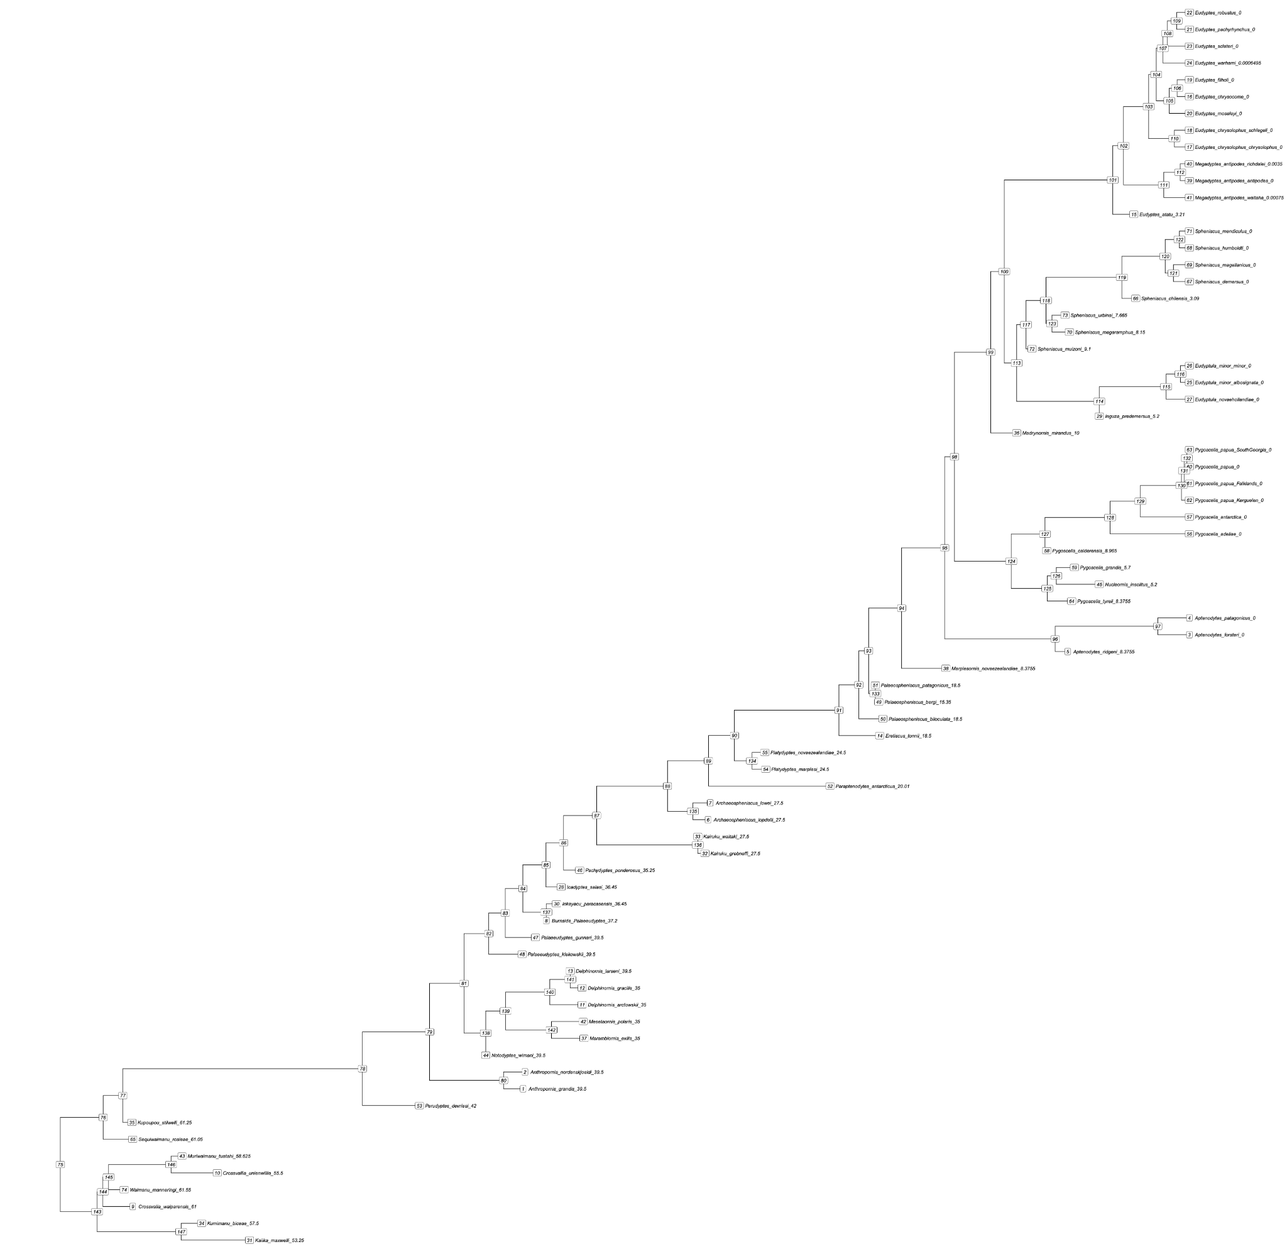
#Divergence times inferred from FBD dating
Node | Label | Divergence_time | 0.95_HPD_min | 0.95_HPD_max
1 | Anthropornis grandis 39.5 | 38.50 | 34.09 | 42.74
2 | Anthropornis nordenskjoeldi 39.5 | 38.39 | 34.00 | 42.68
5 | Aptenodytes ridgeni 8.3755 | 7.03 | 1.91 | 12.21
6 | Archaeospheniscus lopdelli 27.5 | 27.81 | 25.66 | 29.80
7 | Archaeospheniscus lowei 27.5 | 27.69 | 25.59 | 29.80
8 | Burnside Palaeeudyptes 37.2 | 37.06 | 36.00 | 38.18
9 | Crossvalia waiparensis 61 | 61.05 | 61.00 | 61.09
10 | Crossvallia unienwillia 55.5 | 56.17 | 55.20 | 56.90
11 | Delphinornis arctowskii 35 | 35.08 | 34.13 | 36.00
12 | Delphinornis gracilis 35 | 35.09 | 34.14 | 36.00
13 | Delphinornis larseni 39.5 | 35.89 | 34.00 | 38.86
14 | Eretiscus tonnii 18.5 | 17.89 | 16.00 | 20.39
15 | Eudyptes atatu 3.21 | 3.21 | 3.07 | 3.36
24 | Eudyptes warhami 0.0006495 | 0.00 | 0.00 | 0.00
28 | Icadyptes salasi 36.45 | 36.30 | 35.70 | 37.05
29 | Inguza predemersus 5.2 | 5.20 | 5.16 | 5.25
30 | Inkayacu paracasensis 36.45 | 36.56 | 35.83 | 37.20
31 | Kaiika maxwelli 53.25 | 54.30 | 51.11 | 56.50
32 | Kairuku grebneffi 27.5 | 28.00 | 25.80 | 29.80
33 | Kairuku waitaki 27.5 | 28.04 | 25.84 | 29.80
34 | Kumimanu biceae 57.5 | 57.08 | 55.50 | 59.05
35 | Kupoupou stilwelli 61.25 | 61.10 | 60.00 | 62.32
36 | Madrynornis mirandus 10 | 9.98 | 9.70 | 10.26
37 | Marambiornis exilis 35 | 34.98 | 34.03 | 35.91
38 | Marplesornis novaezealandiae 8.3755 | 14.07 | 10.54 | 15.97
40 | Megadyptes antipodes richdalei 0.0035 | 0.00 | 0.00 | 0.01
41 | Megadyptes antipodes waitaha 0.00075 | 0.00 | 0.00 | 0.00
42 | Mesetaornis polaris 35 | 35.02 | 34.11 | 36.00
43 | Muriwaimanu tuatahi 58.625 | 58.20 | 56.00 | 60.74
44 | Notodyptes wimani 39.5 | 38.27 | 34.00 | 43.86
45 | Nucleornis insolitus 5.2 | 5.20 | 5.15 | 5.25
46 | Pachydyptes ponderosus 35.25 | 35.23 | 34.50 | 35.91
47 | Palaeeudyptes gunnari 39.5 | 37.78 | 34.00 | 41.95
48 | Palaeeudyptes klekowskii 39.5 | 38.56 | 34.00 | 42.67
49 | Palaeospheniscus bergi 15.35 | 17.95 | 15.03 | 21.00
50 | Palaeospheniscus biloculata 18.5 | 17.70 | 16.00 | 20.08
51 | Palaeospheniscus patagonicus 18.5 | 18.40 | 16.25 | 20.61
52 | Paraptenodytes antarcticus 20.01 | 20.76 | 18.57 | 22.12
53 | Perudyptes devriesi 42 | 44.49 | 39.80 | 47.00
54 | Platydyptes marplesi 24.5 | 24.48 | 21.85 | 26.93
55 | Platydyptes novaezealandiae 24.5 | 24.53 | 21.98 | 27.05
58 | Pygoscelis calderensis 8.965 | 8.24 | 6.30 | 10.96
59 | Pygoscelis grandis 5.7 | 6.64 | 3.78 | 8.90
64 | Pygoscelis tyreii 8.3755 | 6.80 | 2.46 | 11.47
65 | Sequiwaimanu rosieae 61.05 | 61.05 | 61.00 | 61.10
66 | Spheniscus chilensis 3.09 | 3.10 | 2.64 | 3.60
70 | Spheniscus megaramphus 8.15 | 6.93 | 6.30 | 7.94
72 | Spheniscus muizoni 9.1 | 9.09 | 9.00 | 9.19
73 | Spheniscus urbinai 7.665 | 7.18 | 5.70 | 8.68
74 | Waimanu manneringi 61.55 | 61.55 | 61.50 | 61.60
75 | NA | 65.24 | 62.76 | 68.13
76 | NA | 62.76 | 61.07 | 64.79
77 | NA | 61.62 | 60.05 | 63.45
78 | NA | 47.78 | 43.91 | 52.26
79 | NA | 43.90 | 40.50 | 47.33
80 | NA | 39.63 | 35.27 | 43.79
81 | NA | 41.91 | 38.88 | 44.98
82 | NA | 40.48 | 37.80 | 43.43
83 | NA | 39.53 | 37.34 | 42.03
84 | NA | 38.51 | 36.99 | 40.26
85 | NA | 37.18 | 35.82 | 38.59
86 | NA | 36.15 | 34.88 | 37.46
87 | NA | 34.25 | 31.06 | 37.05
88 | NA | 30.15 | 27.50 | 33.05
89 | NA | 27.79 | 24.84 | 30.56
90 | NA | 26.29 | 23.74 | 28.80
91 | NA | 20.25 | 18.12 | 22.39
92 | NA | 19.10 | 17.14 | 21.16
93 | NA | 18.53 | 16.49 | 20.61
94 | NA | 16.63 | 14.41 | 19.02
95 | NA | 14.14 | 12.16 | 16.20
96 | NA | 7.76 | 2.86 | 12.81
97 | NA | 1.82 | 0.78 | 3.30
98 | NA | 13.58 | 11.81 | 15.47
99 | NA | 11.48 | 10.29 | 12.79
100 | NA | 10.70 | 9.49 | 11.95
101 | NA | 4.43 | 3.26 | 5.80
102 | NA | 3.80 | 2.70 | 5.18
103 | NA | 2.36 | 1.46 | 3.25
104 | NA | 1.91 | 1.19 | 2.67
105 | NA | 1.16 | 0.56 | 1.78
106 | NA | 0.71 | 0.26 | 1.25
107 | NA | 1.54 | 0.85 | 2.19
108 | NA | 1.27 | 0.64 | 1.84
109 | NA | 0.74 | 0.34 | 1.20
110 | NA | 0.87 | 0.32 | 1.53
111 | NA | 1.48 | 0.52 | 2.63
112 | NA | 0.53 | 0.16 | 0.98
113 | NA | 9.98 | 9.10 | 10.91
114 | NA | 5.20 | 5.16 | 5.25
115 | NA | 1.34 | 0.48 | 2.26
116 | NA | 0.51 | 0.12 | 0.97
117 | NA | 9.44 | 9.01 | 10.06
118 | NA | 8.28 | 7.05 | 9.29
119 | NA | 3.90 | 2.64 | 5.63
120 | NA | 1.40 | 0.75 | 2.07
121 | NA | 0.92 | 0.40 | 1.53
122 | NA | 0.57 | 0.20 | 0.98
123 | NA | 7.94 | 6.76 | 9.07
124 | NA | 10.29 | 7.50 | 13.15
125 | NA | 8.21 | 5.70 | 10.79
126 | NA | 7.69 | 5.38 | 9.96
127 | NA | 8.34 | 6.36 | 10.68
128 | NA | 4.59 | 2.60 | 6.48
129 | NA | 2.83 | 1.30 | 4.29
130 | NA | 0.46 | 0.19 | 0.74
131 | NA | 0.31 | 0.11 | 0.51
132 | NA | 0.15 | 0.04 | 0.28
133 | NA | 18.14 | 16.14 | 20.33
134 | NA | 25.27 | 22.74 | 27.64
135 | NA | 28.68 | 26.28 | 30.86
136 | NA | 28.41 | 26.31 | 29.80
137 | NA | 37.16 | 36.05 | 38.18
138 | NA | 40.65 | 37.64 | 43.81
139 | NA | 39.51 | 36.44 | 42.93
140 | NA | 36.95 | 35.02 | 39.55
141 | NA | 35.78 | 34.12 | 37.86
142 | NA | 36.85 | 34.74 | 39.31
143 | NA | 63.11 | 61.62 | 65.02
144 | NA | 62.78 | 61.56 | 64.43
145 | NA | 62.44 | 61.56 | 63.79
146 | NA | 58.83 | 56.37 | 61.38
147 | NA | 58.25 | 55.81 | 60.70

