Supplementary Fig. 4_gel image
Source data of Supplementary Figure 4: Entire gel images of the purified Na+-NQR

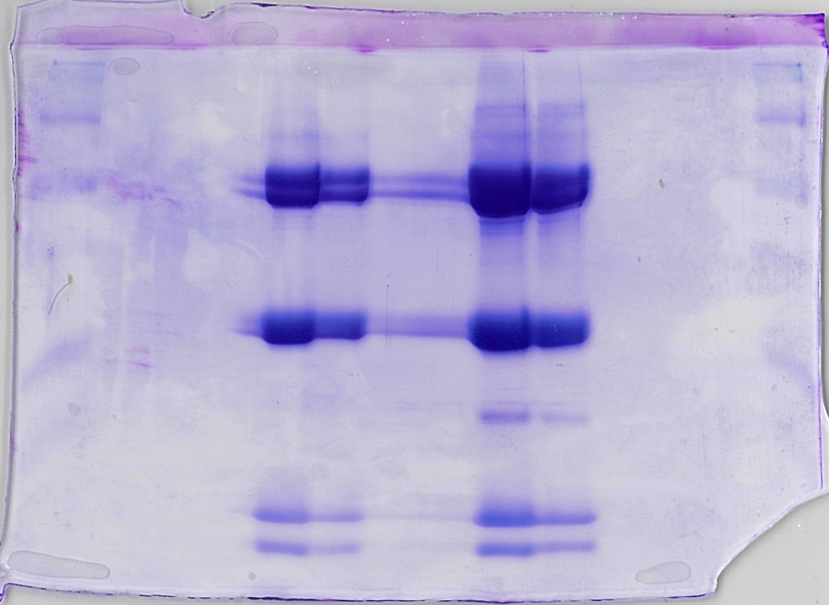

 | CBB stain | FMN

Supplementary Fig.4_assay
Source data of Supplementary Fig.4: UQ1 oxidoreductase activity of the purified Na+-NQR

Time (sec) | Abs 280
0 | -0.002
1 | -0.003
2 | -0.002
3 | -0.002
4 | -0.003
5 | -0.003
6 | -0.003
7 | -0.003
8 | -0.002
9 | -0.003
10 | -0.002
11 | -0.003
12 | -0.003
13 | -0.003
14 | -0.003
15 | -0.002
16 | -0.004
17 | -0.003
18 | -0.002
19 | -0.003
20 | -0.002
21 | -0.003
22 | -0.004
23 | -0.225
24 | -10
25 | -10
26 | 0.237
27 | 0.295
28 | 0.295
29 | 0.292
30 | 0.292
31 | 0.289
32 | 0.287
33 | 0.286
34 | 0.284
35 | 0.281
36 | 0.281
37 | 0.278
38 | 0.277
39 | 0.274
40 | 0.273
41 | 0.272
42 | 0.27
43 | 0.269
44 | 0.265
45 | 0.266
46 | 0.262
47 | 0.263
48 | 0.261
49 | 0.258
50 | 0.259
51 | 0.255
52 | 0.256
53 | 0.253
54 | 0.252
55 | 0.25
56 | 0.248
57 | 0.248
58 | 0.246
59 | 0.245
60 | 0.243
61 | 0.241
62 | 0.241
63 | 0.238
64 | 0.237
65 | 0.237
66 | 0.235
67 | 0.233
68 | 0.232
69 | 0.23
70 | 0.231
71 | 0.23
72 | 0.226
73 | 0.226
74 | 0.225
75 | 0.222
76 | 0.222
77 | 0.222
78 | 0.219
79 | 0.219
80 | 0.217
81 | 0.215
82 | 0.214
83 | 0.214
84 | 0.213
85 | 0.211
86 | 0.211
87 | 0.208
88 | 0.207
89 | 0.208
90 | 0.205
91 | 0.204
92 | 0.204
93 | 0.202
94 | 0.422
95 | -10
96 | -10
97 | -10
98 | 0.141
99 | 0.187
100 | 0.198
101 | 0.199
102 | 0.199
103 | 0.198
104 | 0.198
105 | 0.198
106 | 0.198
107 | 0.198
108 | 0.197
109 | 0.199
110 | 0.198
111 | 0.197
112 | 0.198
113 | 0.197
114 | 0.198
115 | 0.198
116 | 0.198
117 | 0.196
118 | 0.198
119 | 0.198
120 | 0.196
121 | 0.197
122 | 0.197
123 | 0.196
124 | 0.196
125 | 0.197
126 | 0.198
127 | 0.196
128 | 0.197
129 | 0.197
130 | 0.197
131 | 0.196
132 | 0.197
133 | 0.197
134 | 0.196
135 | 0.197
136 | 0.198
137 | 0.196
138 | 0.196
139 | 0.198
140 | 0.196
141 | 0.197
142 | 0.197
143 | 0.195
144 | 0.196
145 | 0.196
146 | 0.196
147 | 0.196
148 | 0.195
149 | 0.196
150 | 0.196
151 | 0.196
152 | 0.195
153 | 0.197
154 | 0.197
155 | 0.194
156 | 0.196
157 | 0.196
158 | 0.196
159 | 0.197
160 | 0.196

