Fig.2c
wt

 |  |  |  |  |  |  | Mean | %activity |  | Value-mean | S.D.
X axis(Uba1 conc, μM) |  | X axis(Uba1 conc, μM) |  | X axis(Uba1 conc, μM) |  | 0.1426 |  | 95.576407507 |  | 4.4235924933
0.5 | 0.105 | 0.5 | 0.119 | 0.5 | 0.132 | 0.1477 | 0.1492 | 98.99463807 | 100 | 1.0053619303 | 1.9735163356
1 | 0.175 | 1 | 0.105 | 1 | 0.173 | 0.1573 |  | 105.42895442 |  | 4.423592493
1.5 | 0.244 | 1.5 | 0.189 | 1.5 | 0.21
2 | 0.262 | 2 | 0.337 | 2 | 0.307
2.5 | 0.366 | 2.5 | 0.391 | 2.5 | 0.388
3 | 0.361 | 3 | 0.377 | 3 | 0.531
3.5 | 0.536 | 3.5 | 0.554 | 3.5 | 0.507

D472A

X axis(Uba1 conc, μM) |  | X axis(Uba1 conc, μM) |  | X axis(Uba1 conc, μM)
0.5 | 0.103 | 0.5 | 0.099 | 0.5 | 0.074 | 0.1196 |  | 80.160857909 |  | 12.139142091
1 | 0.229 | 1 | 0.119 | 1 | 0.131 | 0.1455 | 0.1377 | 97.520107239 | 92.292225201 | -5.2201072386 | 10.539424359
1.5 | 0.161 | 1.5 | 0.239 | 1.5 | 0.282 | 0.148 |  | 99.195710456 |  | -6.8957104558
2 | 0.294 | 2 | 0.269 | 2 | 0.371
2.5 | 0.28 | 2.5 | 0.363 | 2.5 | 0.285 |  |  |  |  |  |  | Mutant | % activity | SD
3 | 0.306 | 3 | 0.408 | 3 | 0.496 |  |  |  |  |  |  | wt | 100 | 1.9735163356
3.5 | 0.417 | 3.5 | 0.542 | 3.5 | 0.47 |  |  |  |  |  |  | D472A | 92 | 10.539424359
 |  |  |  |  |  |  |  |  |  |  |  | D544A | 4 | 10.539424359
 |  |  |  |  |  |  |  |  |  |  |  | R21A | 87 | 7.4461162557
D472E |  |  |  |  |  |  |  |  |  |  |  | R481A | 76 | 12.928072436
 |  |  |  |  |  |  |  |  |  |  |  | R21481A | 9 | 9.9460284077
 |  |  |  |  |  |  |  |  |  |  |  | K494E | 15 | 1.6639451458
X axis(Uba1 conc, μM) |  | X axis(Uba1 conc, μM) |  | X axis(Uba1 conc, μM) |  |  |  |  |  |  |  | C600A | 47 | 7.9872216682
0.5 | 0.112 | 0.5 | 0.195 | 0.5 | 0.08 | 0.1095 |  | 73.391420912 |  | 15.408579088 |  | D472E | 89 | 14.307152894
1 | 0.141 | 1 | 0.225 | 1 | 0.201 | 0.1517 | 0.13246666667 | 101.67560322 | 88.784629133 | -12.875603217 | 14.307152894 | D544E | 95 | 7.6455505987
1.5 | 0.149 | 1.5 | 0.273 | 1.5 | 0.232 | 0.1362 |  | 91.286863271 |  | -2.4868632708 |  | GTP | 19 | 2.1479115763
2 | 0.253 | 2 | 0.283 | 2 | 0.22
2.5 | 0.281 | 2.5 | 0.433 | 2.5 | 0.393
3 | 0.348 | 3 |  | 3 | 0.43
3.5 | 0.331 | 3.5 | 0.447 | 3.5 | 0.419

D544A

X axis(Uba1 conc, μM) |  | X axis(Uba1 conc, μM) |  | X axis(Uba1 conc, μM)
0.5 | -0.003 | 0.5 | 0.001 | 0.5 | -0.004 | 0.0028 |  | 1.8766756032 |  | 1.6233243968
1 | -0.005 | 1 | -0.029 | 1 | -0.046 | 0.0051 | 0.0053 | 3.418230563 | 3.5522788204 | 0.081769436997 | 1.7464898419
1.5 | 0.002 | 1.5 | 0.007 | 1.5 | 0.007 | 0.008 |  | 5.3619302949 |  | -1.8619302949
2 | -0.03 | 2 | -0.019 | 2 | 0.012
2.5 | -0.001 | 2.5 | 0.007 | 2.5 | 0.024
3 | 0.013 | 3 | 0.03 | 3 | 0.033
3.5 | 0.036 | 3.5 | 0.036 | 3.5 | 0.038

D544E

X axis(Uba1 conc, μM) |  | X axis(Uba1 conc, μM) |  | X axis(Uba1 conc, μM)
0.5 | 0.092 | 0.5 | 0.063 | 0.5 | 0.129 | 0.1295 |  | 86.796246649 |  | 7.8037533512
1 | 0.172 | 1 | 0.183 | 1 | 0.173 | 0.1416 | 0.14113333333 | 94.90616622 | 94.593386953 | -0.30616621984 | 7.6455505987
1.5 | 0.227 | 1.5 | 0.238 | 1.5 | 0.242 | 0.1523 |  | 102.07774799 |  | -7.4777479893
2 | 0.317 | 2 | 0.286 | 2 | 0.298
2.5 | 0.344 | 2.5 | 0.355 | 2.5 | 0.328
3 | 0.354 | 3 | 0.415 | 3 | 0.413
3.5 | 0.405 | 3.5 | 0.48 | 3.5 | 0.593

K494E

X axis(Uba1 conc, μM) |  | X axis(Uba1 conc, μM) |  | X axis(Uba1 conc, μM)
0.5 | -0.003 | 0.5 | 0.001 | 0.5 | 0.006 | 0.0213 |  | 14.27613941 |  | 0.92386058981
1 | 0.018 | 1 | 0.043 | 1 | 0.023 | 0.0256 | 0.022733333333 | 17.158176944 | 15.236818588 | -1.9581769437 | 1.6639451458
1.5 | 0.045 | 1.5 | 0.045 | 1.5 | 0.032 | 0.0213 |  | 14.27613941 |  | 0.92386058981
2 | 0.034 | 2 | 0.068 | 2 | 0.041
2.5 | 0.037 | 2.5 | 0.063 | 2.5 | 0.063
3 | 0.061 | 3 | 0.071 | 3 | 0.053
3.5 | 0.091 | 3.5 | 0.08 | 3.5 | 0.078

R21A

X axis(Uba1 conc, μM) |  | X axis(Uba1 conc, μM) |  | X axis(Uba1 conc, μM)
0.5 | 0.14 | 0.5 | 0.081 | 0.5 | 0.044 | 0.1413 |  | 94.705093834 |  | -8.1050938338
1 | 0.174 | 1 | 0.165 | 1 | 0.084 | 0.1194 | 0.12926666667 | 80.026809651 | 86.639857015 | 6.5731903485 | 7.4461162557
1.5 | 0.277 | 1.5 | 0.237 | 1.5 | 0.201 | 0.1271 |  | 85.18766756 |  | 1.4123324397
2 | 0.382 | 2 | 0.266 | 2 | 0.244
2.5 | 0.282 | 2.5 | 0.251 | 2.5 | 0.349
3 | 0.508 | 3 | 0.405 | 3 | 0.408
3.5 | 0.369 | 3.5 | 0.355 | 3.5 | 0.416

R481A

X axis(Uba1 conc, μM) |  | X axis(Uba1 conc, μM) |  | X axis(Uba1 conc, μM)
0.5 | 0.126 | 0.5 | 0.082 | 0.5 | 0.056 | 0.0929 |  | 62.26541555 |  | 13.53458445
1 | 0.117 | 1 | 0.133 | 1 | 0.143 | 0.1313 | 0.11316666667 | 88.002680965 | 75.848972297 | -12.202680965 | 12.928072436
1.5 | 0.285 | 1.5 | 0.256 | 1.5 | 0.246 | 0.1153 |  | 77.278820375 |  | -1.4788203753
2 | 0.201 | 2 | 0.278 | 2 | 0.264
2.5 | 0.26 | 2.5 | 0.317 | 2.5 | 0.304
3 | 0.236 | 3 | 0.45 | 3 | 0.371
3.5 | 0.253 | 3.5 | 0.383 | 3.5 | 0.313

R21 481A

X axis(Uba1 conc, μM) |  | X axis(Uba1 conc, μM) |  | X axis(Uba1 conc, μM)
0.5 | -0.022 | 0.5 | 0.086 | 0.5 | 0.017 | 0.0028 |  | 1.8766756032 |  | 7.3233243968
1 | -0.024 | 1 | 0.074 | 1 | -0.01 | 0.0306 | 0.0137 | 20.509383378 | 9.18230563 | -11.309383378 | 9.9460284077
1.5 | 0.031 | 1.5 | 0.062 | 1.5 | -0.009 | 0.0077 |  | 5.1608579088 |  | 4.0391420912
2 | -0.013 | 2 | 0.083 | 2 | 0.026
2.5 | 0.025 | 2.5 | 0.079 | 2.5 | 0.035
3 | 0.001 | 3 | 0.11 | 3 | 0.023
3.5 | 0.013 | 3.5 | 0.112 | 3.5 | 0.022

C600A

X axis(Uba1 conc, μM) |  | X axis(Uba1 conc, μM) |  | X axis(Uba1 conc, μM)
0.5 | 0.048 | 0.5 | 0.033 | 0.5 | 0.059 | 0.0697 |  | 46.715817694 |  | 0.48418230563
1 | 0.09 | 1 | 0.095 | 1 | 0.067 | 0.0827 | 0.070433333333 | 55.428954424 | 47.207327971 | -8.2289544236 | 7.9872216682
1.5 | 0.173 | 1.5 | 0.147 | 1.5 | 0.06 | 0.0589 |  | 39.477211796 |  | 7.7227882038
2 |  | 2 | 0.165 | 2 | 0.125
2.5 | 0.188 | 2.5 | 0.2 | 2.5 | 0.145
3 |  | 3 | 0.261 | 3 | 0.173
3.5 | 0.197 | 3.5 | 0.271 | 3.5 | 0.212

GTP

X axis(Uba1 conc, μM) |  | X axis(Uba1 conc, μM) |  | X axis(Uba1 conc, μM)
0.5 | 0.011 | 0.5 | 0.006 | 0.5 | 0.002 | 0.0249 |  | 16.689008043 |  | 2.2109919571
1 | 0.008 | 1 | 0.003 | 1 | 0.009 | 0.0313 | 0.0282 | 20.978552279 | 18.90080429 | -2.0785522788 | 2.1479115763
1.5 | 0.044 | 1.5 | 0.039 | 1.5 | 0.034 | 0.0284 |  | 19.034852547 |  | -0.13485254692
2 | 0.032 | 2 | 0.047 | 2 | 0.048
2.5 | 0.068 | 2.5 | 0.084 | 2.5 | 0.075
3 | 0.069 | 3 | 0.102 | 3 | 0.089
3.5 | 0.1 | 3.5 | 0.12 | 3.5 | 0.109

Fig.4e_FAT10_F316A+V934A
Sample: 1 2 3 4 5 6 7 8 9 10 11 12
Sample: 12 11 10 9 8 7 6 5 4 3 2 1
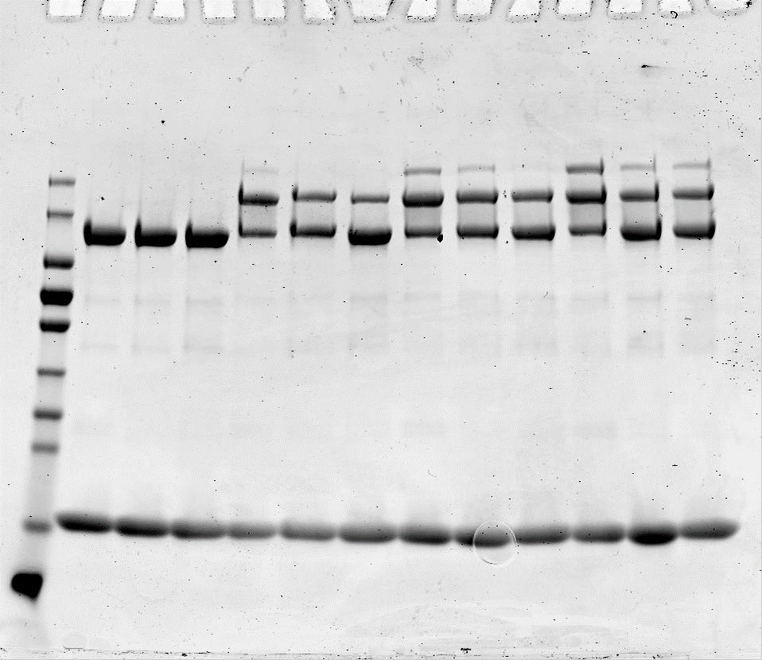
170-
130-
95-
72-
55-
43-
34-
26-
17-
WT+ V934A+V934A/E601Q | 30 mims of WT as control |  |  |  |  |  |  |  |  |  | Summary I : WT+ V934A+V934A/E601Q
Gel 1 |  |  |  | Upper |  |  |  |  |  |  |  | Number | UBA6 variant +C0FAT10 |  | Gel 1 | Gel 2 | Gel 3 | Average | SD
 |  | Sample | UBA6 variant +C0FAT10 | Band 1 | Band 2 | Band 3 | 1+2+3 | 2+3 | Abstract no ATP | Divide final wt | NO ATP | 1 | WT |  | 0 | 0 | 0 | 0 | 0
 | NO ATP | 1 | WT | 119,163 | 27,512 | 28,563 | 175.238 | 56.075 | 0 | 0.0000 |  | 2 | V934A |  | 0 | 0 | 0 | 0 | 0
 |  | 2 | V934A | 123,300 | 28,746 | 30,711 | 182.757 | 59.457 | 0 | 0.0000 |  | 3 | V934A/E601Q |  | 0 | 0 | 0 | 0 | 0
 |  | 3 | V934A/E601Q | 120,995 | 28,306 | 29,421 | 178.722 | 57.727 | 0 | 0.0000 | 7.5 min | 4 | WT |  | 0.58328699413 | 0.70651725411 | 0.28445101649 | 0.52475175491 | 0.21703630551
 | 7.5 min | 4 | WT | 86,971 | 93,168 | 38,431 | 218.57 | 131.599 | 75.524 | 0.5833 |  | 5 | V934A |  | 0.33988260735 | 0.46859368327 | 0.32084100435 | 0.37643909832 | 0.080374102209
 |  | 5 | V934A | 94,220 | 75,344 | 28,121 | 197.685 | 103.465 | 44.008 | 0.3399 |  | 6 | V934A/E601Q |  | 0.12569508804 | 0.44037613742 | 0.51805789494 | 0.36137637347 | 0.20776877794
 |  | 6 | V934A/E601Q | 87,035 | 50,917 | 23,085 | 161.037 | 74.002 | 16.275 | 0.1257 | 15 min | 7 | WT |  | 0.71550046339 | 0.89507821718 | 0.93091190411 | 0.84716352823 | 0.11542263756
 | 15 min | 7 | WT | 90,322 | 100,219 | 48,499 | 239.04 | 148.718 | 92.643 | 0.7155 |  | 8 | V934A |  | 0.55280352178 | 0.71484208164 | 0.71185710369 | 0.6598342357 | 0.092703332278
 |  | 8 | V934A | 99,035 | 90,720 | 40,314 | 230.069 | 131.034 | 71.577 | 0.5528 |  | 9 | V934A/E601Q |  | 0.49603027495 | 0.22273618984 | 0.40298288221 | 0.373916449 | 0.13894623922
Variants in 3mg/ml
 |  | 9 | V934A/E601Q | 107,048 | 87,868 | 34,085 | 229.001 | 121.953 | 64.226 | 0.4960 | 30 min | 10 | WT |  | 1 | 1 | 1 | 1 | 0
 | 30 min | 10 | WT | 87,882 | 111,190 | 74,365 | 273.437 | 185.555 | 129.48 | 1.0000 |  | 11 | V934A |  | 0.73995211616 | 0.72247920603 | 0.60572290336 | 0.68938474185 | 0.072978099873
 |  | 11 | V934A | 98,598 | 93,304 | 61,962 | 253.864 | 155.266 | 95.809 | 0.7400 |  | 12 | V934A/E601Q |  | 0.22516218721 | 0.2620221368 | 0.41268753183 | 0.29995728528 | 0.099351624727
 |  | 12 | V934A/E601Q | 98,062 | 60,021 | 26,860 | 184.943 | 86.881 | 29.154 | 0.2252

Sample: 1 2 3 4 5 6 7 8 9 10 11 12
kDa
170-
130-
95-
72-
55-
43-
34-
26-
17-
 |  |  |  |  |  |  |  |  |  |  |  | NO ATP | 7,5 min | 15 min | 30 min |  |  |  |  |  |  |  |  | NO ATP | 7,5 min | 15 min | 30 min
 |  |  |  | Upper
 |  | Sample | UBA6 variant +C0FAT10 | Band 1 | Band 2 | Band 3 | 1+2+3 | 2+3 | Abstract no ATP | Divide final wt
 | NO ATP | 1 | WT | 175014 | 43,843 | 38,845 | 257.702 | 82.688 | 0.000 | 0.0000 | WT | 0 | 0.52475175491 | 0.84716352823 | 1 |  |  |  |  |  |  |  | WT | 0 | 0.52475175491 | 0.84716352823 | 1
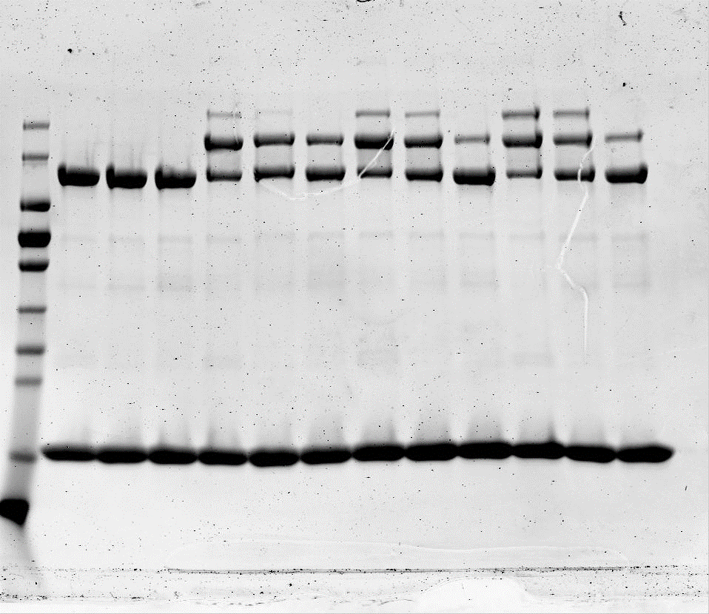
 |  | 2 | V934A | 164379 | 45,772 | 41,176 | 251.327 | 86.948 | 0.000 | 0.0000 | V934A | 0 | 0.37643909832 | 0.6598342357 | 0.68938474185 |  |  |  |  |  |  |  | F316A | 0 | 0.61070815288 | 0.59746522318 | 0.70852682491
 |  | 3 | V934A/E601Q | 161610 | 42,725 | 41,669 | 246.004 | 84.394 | 0.000 | 0.0000 | V934A/E601Q | 0 | 0.36137637347 | 0.373916449 | 0.29995728528 |  |  |  |  |  |  |  | V934A | 0 | 0.37643909832 | 0.6598342357 | 0.68938474185
 | 7.5 min | 4 | WT | 125044 | 124,767 | 55,520 | 305.331 | 180.287 | 97.599 | 0.7065 | SD
 |  | 5 | V934A | 139165 | 110,591 | 41,089 | 290.845 | 151.68 | 64.732 | 0.4686 | WT | 0 | 0.21703630551 | 0.11542263756 | 0 |  |  |  |  |  |  |  | WT | 0 | 0.21703630551 | 0.11542263756 | 0
 |  | 6 | V934A/E601Q | 141454 | 109,012 | 36,216 | 286.682 | 145.228 | 60.834 | 0.4404 | V934A | 0 | 0.080374102209 | 0.092703332278 | 0.072978099873 |  |  |  |  |  |  |  | F316A | 0 | 0.23373380945 | 0.10478390008 | 0.14630771866
 | 15 min | 7 | WT | 131159 | 132,493 | 73,842 | 337.494 | 206.335 | 123.647 | 0.8951 | V934A/E601Q | 0 | 0.20776877794 | 0.13894623922 | 0.099351624727 |  |  |  |  |  |  |  | V934A | 0 | 0.080374102209 | 0.092703332278 | 0.072978099873
 |  | 8 | V934A | 144831 | 124,964 | 60,733 | 330.528 | 185.697 | 98.749 | 0.7148
 |  | 9 | V934A/E601Q | 154796 | 78,028 | 37,135 | 269.959 | 115.163 | 30.769 | 0.2227
Activation of FAT10
 | 30 min | 10 | WT | 109926 | 126,681 | 94,148 | 330.755 | 220.829 | 138.141 | 1.0000
 |  | 11 | V934A | 135701 | 114,539 | 72,213 | 322.453 | 186.752 | 99.804 | 0.7225
 |  | 12 | V934A/E601Q | 145556 | 81,756 | 38,834 | 266.146 | 120.59 | 36.196 | 0.2620

Sample: 1 2 3 4 5 6 7 8 9 10 11 12
kDa
170-
130-
95-
72-
55-
43-
34-
26-
17-
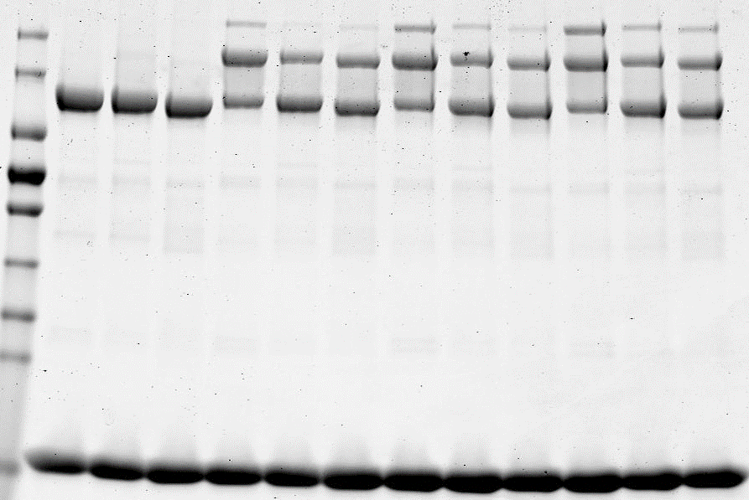
 |  |  |  | Upper
 |  | Sample | UBA6 variant + C0FAT10 | Band 1 | Band 2 | Band 3 | 1+2+3 | 2+3 | Abstract no ATP | Divide final wt
 | NO ATP | 1 | WT | 149,843 | 37,220 | 35,383 | 222.446 | 222.446 | 0.000 | 0.0000
 |  | 2 | V934A | 141,307 | 40,004 | 37,908 | 219.219 | 219.219 | 0.000 | 0.0000
 |  | 3 | V934A/E601Q | 150,045 | 39,532 | 38,737 | 228.314 | 228.314 | 0.000 | 0.0000
 | 7.5 min | 4 | WT | 111,812 | 98,037 | 41,644 | 251.493 | 251.493 | 29.047 | 0.2845
 |  | 5 | V934A | 131,445 | 83,635 | 36,902 | 251.982 | 251.982 | 32.763 | 0.3208
 |  | 6 | V934A/E601Q | 160,633 | 84,671 | 35,912 | 281.216 | 281.216 | 52.902 | 0.5181
 | 15 min | 7 | WT | 132,895 | 124,186 | 60,426 | 317.507 | 317.507 | 95.061 | 0.9309
 |  | 8 | V934A | 129,160 | 117,217 | 45,534 | 291.911 | 291.911 | 72.692 | 0.7119
 |  | 9 | V934A/E601Q | 130,420 | 102,946 | 36,099 | 269.465 | 269.465 | 41.151 | 0.4030
 | 30 min | 10 | WT | 125,454 | 126,669 | 72,439 | 324.562 | 324.562 | 102.116 | 1.0000
 |  | 11 | V934A | 133,817 | 101,706 | 45,550 | 281.073 | 281.073 | 61.854 | 0.6057
 |  | 12 | V934A/E601Q | 125,060 | 99,292 | 46,104 | 270.456 | 270.456 | 42.142 | 0.4127

 |  |  |  |  |  |  |  |  |  |  | Summary II : WT +F316A
UBA6: F316A |  |  |  |  |  |  |  |  |  |  |  |  |  |  |  |  |  |  | Standardize WT using WT (V934A+V934A/E601Q) as control
 |  |  |  |  |  |  |  |  |  |  |  |  |  | Gel 1 | Gel 2 | Gel 3 | Average | SD |  | Gel 1 | Gel 2 | Gel 3
Sample: 1 2 3 4 5 6 7 8 9 10 11 12
 |  |  |  | Upper |  |  |  |  |  |  | NO ATP | WT | 1 | 0.0000 | 0.0000 | 0 | 0 | 0 |  | 0 | 0 | 0
 |  | Sample | UBA6 variant + C0FAT10 | Band 1 | Band 2 | Band 3 | 1+2+3 | 2+3 | Abstract no ATP | Divide final wt |  | F316A | 2 | 0.0000 | 0.0000 | 0 | 0 | 0 |  | 0 | 0 | 0
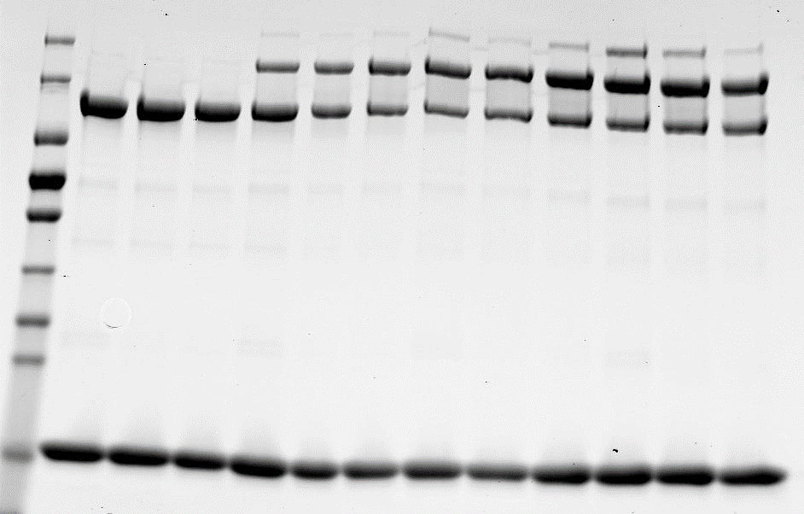
170-
130-
95-
72-
55-
43-
34-
26-
17-
 | NO ATP | 1 | WT | 141,642 | 34,124 | 32,554 | 208.32 | 66.678 | 0 | 0 | 7.5 min | WT | 3 | 0.4139 | 0.5252 | 0.96036896864 | 0.63317909427 | 0.2887706064 |  | 0.49944603201 | 0.63377884428 | 1.1588061365
 |  | 2 | F316A | 140,388 | 31,895 | 31,559 | 203.842 | 63.454 | 0 | 0 |  | F316A | 4 | 0.3712 | 0.3712 | 0.77602135528 | 0.50612879967 | 0.23373380945 |  | 0.44787846978 | 0.44787846978 | 0.93636751907
 |  | 3 | F316A | 140,761 | 30,499 | 31,175 | 202.435 | 61.674 | 0 | 0 | 15 min | WT | 5 | 0.5765 | 0.5765 | 0.90055546761 | 0.68448521507 | 0.18712232771 |  | 0.4657560788 | 0.4657560788 | 0.72762445784
 | 7.5 min | 4 | WT | 126,442 | 93,382 | 35,059 | 254.883 | 128.441 | 61.763 | 0.41391951211 |  | F316A | 6 | 0.6823 | 0.8604 | 0.67569901138 | 0.73946191286 | 0.10478390008 |  | 0.55127239284 | 0.69517675313 | 0.54594652357
 |  | 5 | F316A | 103,657 | 86,118 | 32,722 | 222.497 | 118.84 | 55.386 | 0.37118252186 | 30 min | WT | 7 | 1.0000 | 1.0000 | 1 | 1 | 0 |  | 1 | 1 | 1
 |  | 6 | F316A | 98,187 | 105,062 | 34,987 | 238.236 | 140.049 | 78.375 | 0.52524880206 |  | F316A | 8 | 0.8774 | 0.6279 | 0.62029615346 | 0.70852682491 | 0.14630771866 |  | 0.87741178836 | 0.62787253292 | 0.62029615346
 | 15 min | 7 | WT | 96,009 | 110,532 | 42,161 | 248.702 | 152.693 | 86.015 | 0.5764500888
 |  | 8 | F316A | 97,999 | 125,652 | 39,610 | 263.261 | 165.262 | 101.808 | 0.68229065442
 |  | 9 | F316A | 112,824 | 137,450 | 52,608 | 302.882 | 190.058 | 128 | 0.86039607278
 | 30 min | 10 | WT | 105,086 | 137,005 | 78,888 | 320.979 | 215.893 | 149 | 1 |  |  |  |  |  |  |  |  | Standardize WT using WT (V934A+V934A/E601Q) as control
 |  | 11 | F316A | 106,616 | 138,525 | 55,852 | 300.993 | 194.377 | 131 | 0.87741178836 |  |  | NO ATP | 7,5 min | 15 min | 30 min |  |  | NO ATP | 7,5 min | 15 min | 30 min
 |  | 12 | F316A | 101,516 | 117,065 | 38,297 | 256.878 | 155.362 | 94 | 0.62787253292 |  | WT | 0 | 0.63317909427 | 0.68448521507 | 1 |  | WT | 0 | 0.63317909427 | 0.68448521507 | 1
 |  |  |  |  |  |  |  |  |  |  |  | F316A | 0 | 0.50612879967 | 0.73946191286 | 0.70852682491 |  | WT (control) | 0 | 0.52475175491 | 0.84716352823 | 1
 |  |  |  |  |  |  |  |  |  |  |  |  |  |  |  |  |  | Ratio | 0 | 1.2066259681 | 0.80797295004 | 1
kDa |  |  |  |  |  |  |  |  |  |  |  |  |  |  |  |  |  | F361A (initial) | 0 | 0.50612879967 | 0.73946191286 | 0.70852682491
 |  |  |  |  |  |  |  |  |  |  |  | WT |  | 0.2887706064 | 0.18712232771 | 0 |  | F316A(of wt control) | 0 | 0.61070815288 | 0.59746522318 | 0.70852682491
Sample: 1 2 3 4 5 6 7 8
 |  |  |  |  |  |  |  |  |  |  |  | F316A | 0 | 0.23373380945 | 0.10478390008 | 0.14630771866

170-
130-
95-
72-
55-
43-
34-
26-
17-
 |  |  |  | Upper
 |  | Sample | UBA6 variant + C0FAT10 | Band 1 | Band 2 | Band 3 | 1+2+3 | 2+3 | Abstract no ATP | Divide final wt
 | NO ATP | 1 | WT | 158199 | 32,337 | 31,964 | 223 | 64.301 | 0 | 0
 |  | 2 | F316A | 159123 | 35,145 | 36,941 | 231 | 72.086 | 0 | 0
 | 7.5 min | 3 | F316A | 160316 | 146,449 | 51,326 | 358 | 197.775 | 133.474 | 0.96036896864
 |  | 4 | F316A | 148491 | 133,058 | 46,881 | 328 | 179.939 | 107.853 | 0.77602135528
 | 15 min | 5 | F316A | 135519 | 132,764 | 56,698 | 325 | 189.462 | 125.161 | 0.90055546761
 |  | 6 | F316A | 131683 | 123,030 | 42,966 | 298 | 165.996 | 93.91 | 0.67569901138
 | 30 min | 7 | F316A | 102939 | 137616 | 65667 | 306.222 | 203.283 | 138.982 | 1
 |  | 8 | F316A | 111655 | 116691 | 41605 | 269.951 | 158.296 | 86.21 | 0.62029615346

kDa

Fig.4e_ubiqutin_F316A+V934A
F316A+V934A (14.03.2022)

Sample: 1 2 3 4 5 6 7 8 9 10 11 12
Sample: 1 2 3 4 5 6 7 8 9 10 11 12
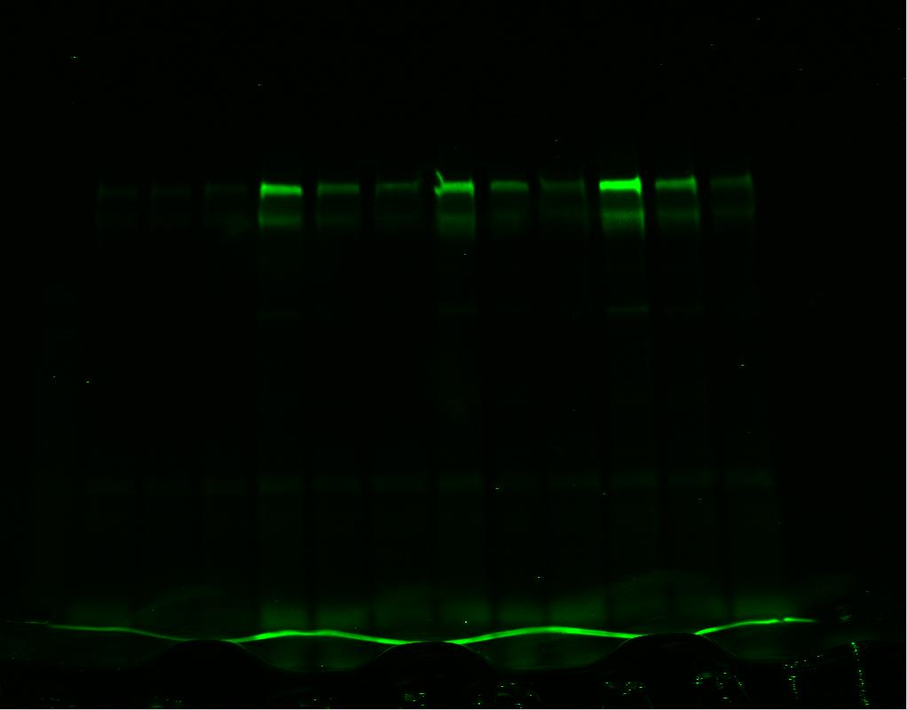
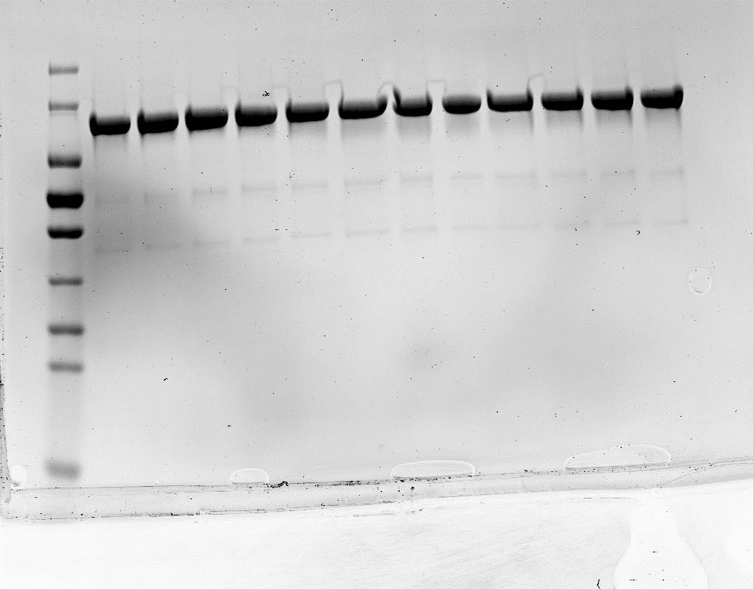
Scanning right after runing the gel |  | gel was stained with coomassie |  |  |  |  |  |  |  | Gel 1 | Gel 2 | Gel 3 | Average | SD
 |  |  |  | Sample | UBA6 variant +C0FAT10 | Green band | Abstract no ATP | Activity ratio | 1 | 0 | 0 | 0 | 0 | 0
 |  |  | NO ATP | 1 | WT | 2,750 | 0 | 0 | 2 | 0 | 0 | 0 | 0 | 0
170-
130-
95-
72-
55-
43-
34-
26-
17-
 |  |  |  | 2 | F316A | 2,677 | 0 | 0 | 3 | 0 | 0 | 0 | 0 | 0
 |  |  |  | 3 | V934A | 3,240 | 0 | 0 | 4 | 0.64818421354 | 0.60879120879 | 0.46594469418 | 0.57430670551 | 0.095888979185
 |  |  | 7.5 min | 4 | WT | 25,382 | 22,632 | 0.64818421354 | 5 | 0.2112498568 | 0.11658817373 | 0.13754938019 | 0.15512913691 | 0.049719155714
 |  |  |  | 5 | F316A | 10,053 | 7,376 | 0.2112498568 | 6 | 0.13787375415 | 0.058887144601 | 0.049856967716 | 0.08220595549 | 0.048420696811
 |  |  |  | 6 | V934A | 8,054 | 4,814 | 0.13787375415 | 7 | 0.61229808684 | 0.80537240537 | 0.72278981065 | 0.71348676762 | 0.096872767467
 |  |  | 15 min | 7 | WT | 24,129 | 21,379 | 0.61229808684 | 8 | 0.2201569481 | 0.20889586604 | 0.24230350089 | 0.22378543834 | 0.016996822426
 |  |  |  | 8 | F316A | 10,364 | 7,687 | 0.2201569481 | 9 | 0.11642227059 | 0.12185592186 | 0.097602506471 | 0.11196023297 | 0.012727504636
 |  |  |  | 9 | V934A | 7,305 | 4,065 | 0.11642227059 | 10 | 1 | 1 | 1 | 1 | 0
 |  |  | 30 min | 10 | WT | 37,666 | 34,916 | 1 | 11 | 0.34494214687 | 0.34132216989 | 0.29880125324 | 0.32835519 | 0.025658379566
 |  |  |  | 11 | F316A | 14,721 | 12,044 | 0.34494214687 | 12 | 0.089042272883 | 0.15729984301 | 0.12348453889 | 0.1232755516 | 0.034129264961
 |  |  |  | 12 | V934A | 6,349 | 3,109 | 0.089042272883

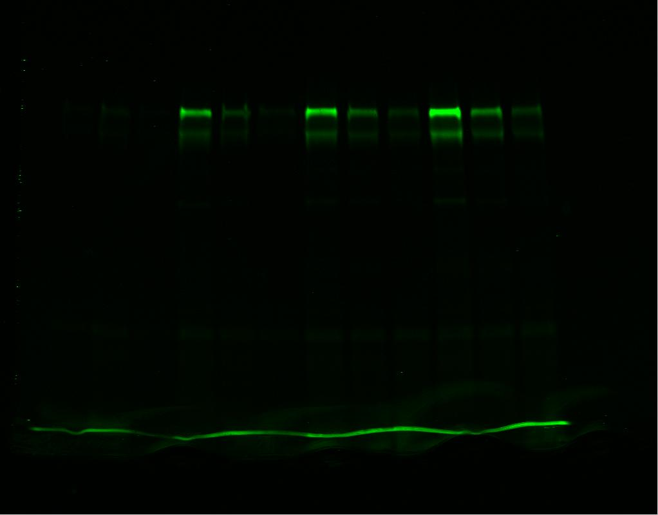
Sample: 1 2 3 4 5 6 7 8 9 10 11 12
Sample: 1 2 3 4 5 6 7 8 9 10 11 12
 | kDa |  |  |  |  |  |  |  |  | NO ATP | 7,5 min | 15 min | 30 min
 |  |  |  | Sample | UBA6 variant +C0FAT10 | Green band | Abstract no ATP | Activity ratio | WT | 0 | 1 | 0.71348676762 | 1.000000
 |  |  | NO ATP | 1 | WT | 1,683 | 0 | 0 | F316A | 0 | 0.15512913691 | 0.22378543834 | 0.328355
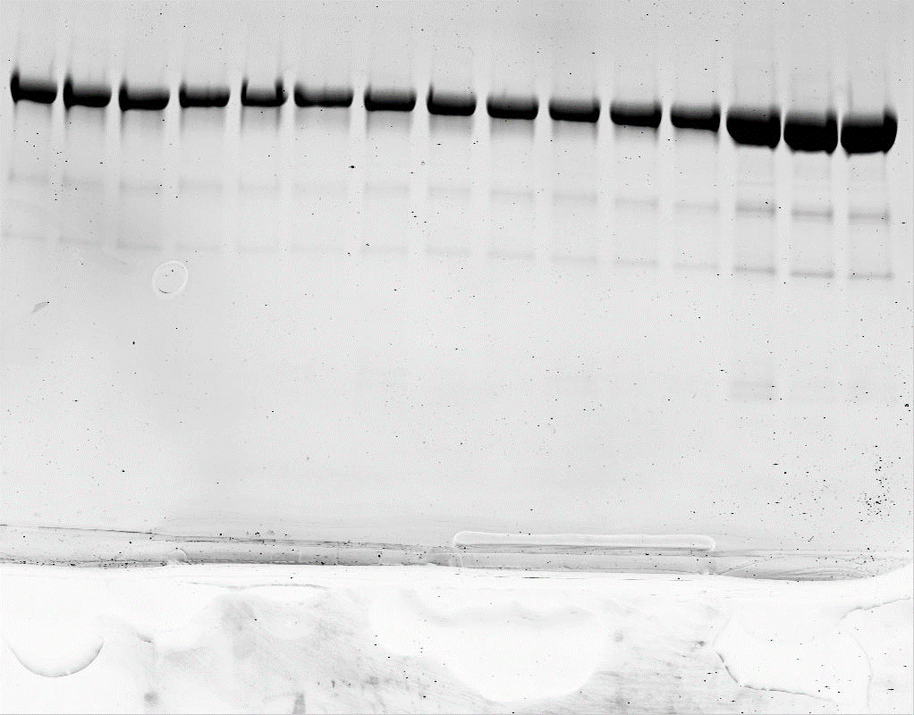
 |  |  |  | 2 | F316A | 2,886 | 0 | 0 | V934A | 0 | 0.08220595549 | 0.11196023297 | 0.123276
 |  |  |  | 3 | V934A | 1,783 | 0 | 0 | WT | 0 | 0.095888979185 | 0.096872767467 | 0.000000
 |  |  | 7.5 min | 4 | WT | 19,134 | 17,451 | 0.60879120879 | F316A | 0 | 0.049719155714 | 0.016996822426 | 0.025658
 |  |  |  | 5 | F316A | 6,228 | 3,342 | 0.11658817373 | V934A | 0 | 0.048420696811 | 0.012727504636 | 0.034129
 |  |  |  | 6 | V934A | 3,471 | 1,688 | 0.058887144601
Activation of ubiquitin
 |  |  | 15 min | 7 | WT | 24,769 | 23,086 | 0.80537240537
 |  |  |  | 8 | F316A | 8,874 | 5,988 | 0.20889586604
 |  |  |  | 9 | V934A | 5,276 | 3,493 | 0.12185592186
 |  |  | 30 min | 10 | WT | 30,348 | 28,665 | 1
 |  |  |  | 11 | F316A | 12,670 | 9,784 | 0.34132216989
 |  |  |  | 12 | V934A | 6,292 | 4,509 | 0.15729984301

Sample: 1 2 3 4 5 6 7 8 9 10 11 12
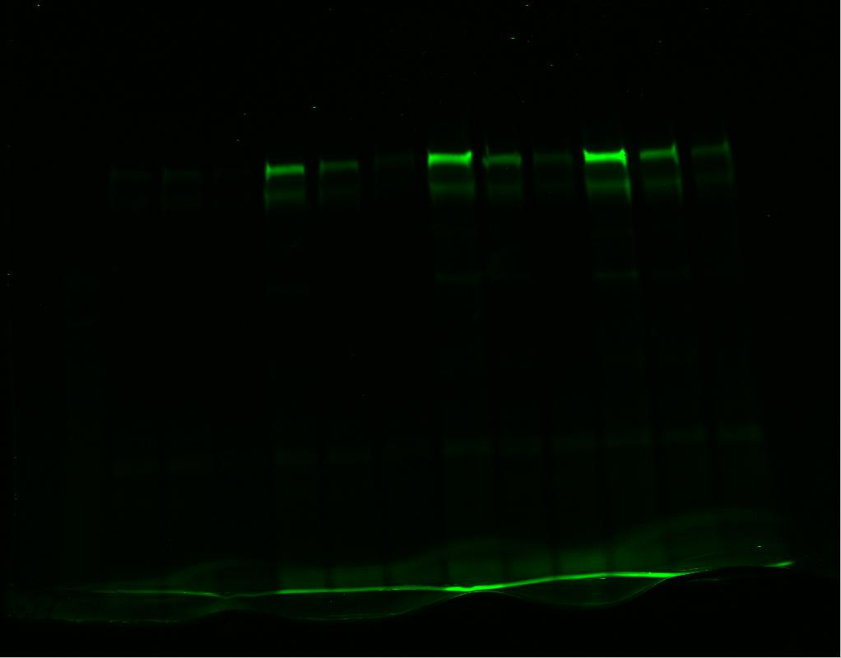
Sample: 1 2 3 4 5 6 7 8 9 10 11 12
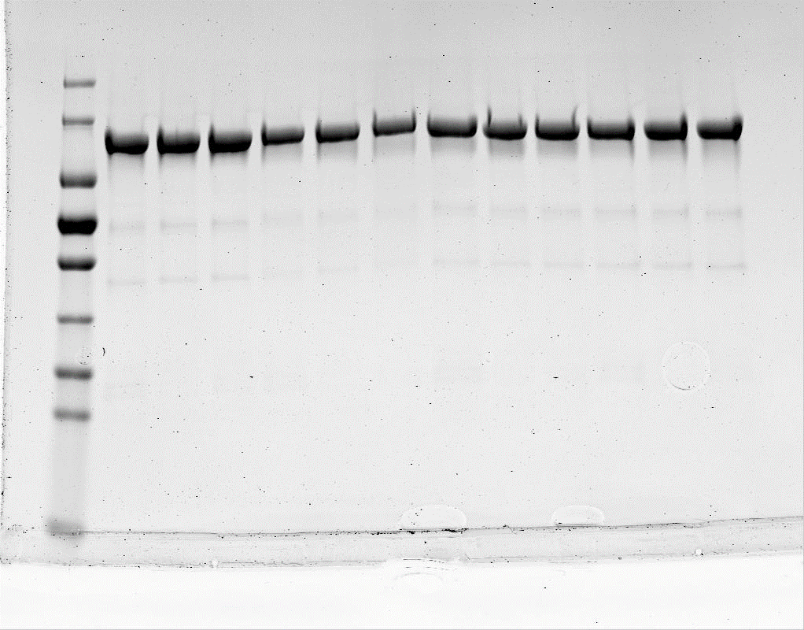
170-
130-
95-
72-
55-
43-
34-
26-
17-
 |  |  |  | Sample | UBA6 variant +C0FAT10 | Green band | Abstract no ATP | Activity ratio
 |  |  | NO ATP | 1 | WT | 1,889 | 0 | 0
 |  |  |  | 2 | F316A | 2,386 | 0 | 0
 |  |  |  | 3 | V934A | 1,574 | 0 | 0
 |  |  | 7.5 min | 4 | WT | 15,571 | 13,682 | 0.46594469418
 |  |  |  | 5 | F316A | 6,425 | 4,039 | 0.13754938019
 |  |  |  | 6 | V934A | 3,038 | 1,464 | 0.049856967716
 |  |  | 15 min | 7 | WT | 23,113 | 21,224 | 0.72278981065
 |  |  |  | 8 | F316A | 9,501 | 7,115 | 0.24230350089
 |  |  |  | 9 | V934A | 4,440 | 2,866 | 0.097602506471
 |  |  | 30 min | 10 | WT | 31,253 | 29,364 | 1
 |  |  |  | 11 | F316A | 11,160 | 8,774 | 0.29880125324
 |  |  |  | 12 | V934A | 5,200 | 3,626 | 0.12348453889

 |  | kDa

Fig.5c_ubiquitin_ 3M
T936A/E937A/T939A + E320K/E324R/D370R |  |  |  |  |  |  |  |  |  |  | Gel 1 | Gel 2 | Gel 3 | Gel 4 | Average | SD
Gel 1 |  |  |  |  |  |  |  |  |  | 1 | 0 | 0 | 0 | 0 | 0 | 0
Scanning right after runing the gel |  |  | gel was stained with coomassie |  |  |  |  |  |  | 2 | 0 | 0 | 0 | 0 | 0 | 0
Sample: 1 2 3 4 5 6 7 8 9 10 11 12
Sample: 1 2 3 4 5 6 7 8 9 10 11 12
 |  |  |  |  |  |  |  |  |  | 3 | 0 | 0 | 0 | 0 | 0 | 0
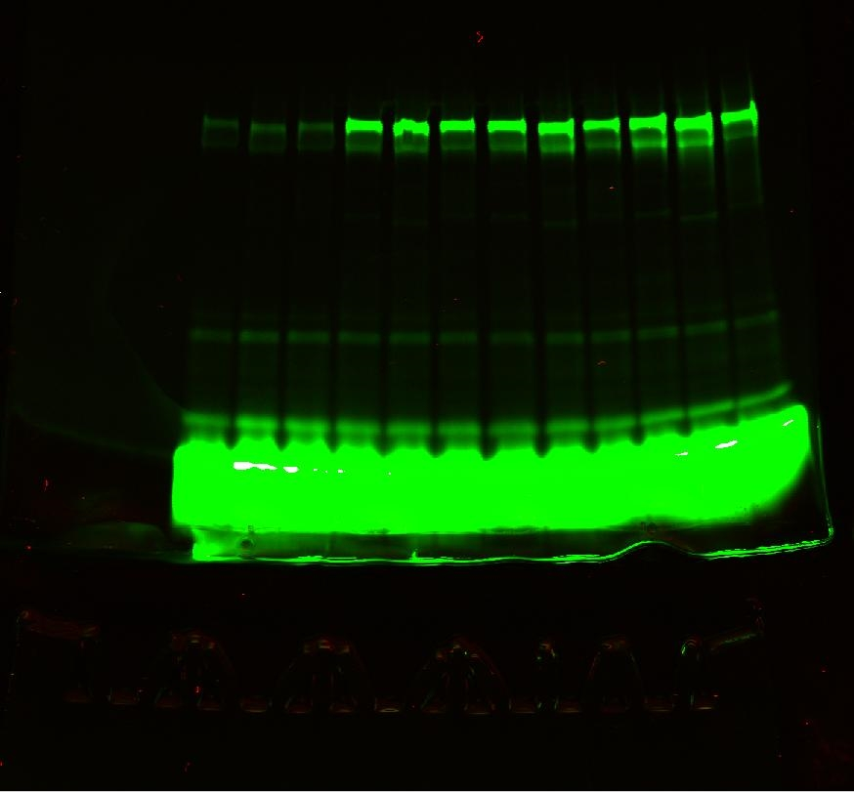
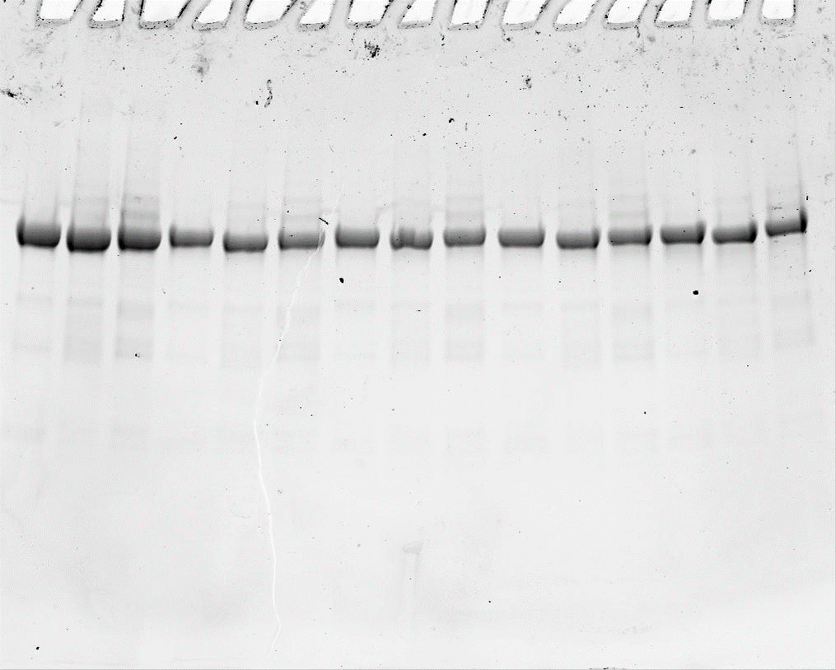
 |  |  |  |  |  |  |  |  |  | 4 | 1.0184157644 | 0.92003665672 | 0.83483164433 | 0.86072189069 | 0.90850148903 | 0.081495079716
 |  |  |  |  | Sample | UBA6 variant +C0FAT10 | Green band | Abstract no ATP | Activity ratio | 5 | 1.0340721634 | 0.91738139437 | 0.85411899314 | 0.99997371119 | 0.95138656552 | 0.081271050862
 |  |  |  | NO ATP | 1 | WT | 12,426 | 0 | 0 | 6 | 0.96310848505 | 0.82637403952 | 0.87863680941 | 0.96440495281 | 0.9081310717 | 0.067684044136
 |  |  |  |  | 2 | T936A/E937A/T939A | 13,192 | 0 | 0 | 7 | 1.113673855 | 0.98052024344 | 0.97191347935 | 1.1624385499 | 1.0571365319 | 0.095599874904
 |  |  |  |  | 3 | E320K/E324R/D370R | 12,951 | 0 | 0 | 8 | 1.0657748718 | 0.88575322509 | 0.98172060586 | 0.93293724861 | 0.96654648784 | 0.076884455093
 |  |  |  | 7.5 min | 4 | WT | 46,381 | 33,955 | 1.018 | 9 | 0.93692450736 | 0.88342693329 | 0.85537212597 | 0.93830016562 | 0.90350593306 | 0.041018164045
 |  |  |  |  | 5 | T936A/E937A/T939A | 47,669 | 34,477 | 1.034 | 10 | 1 | 1 | 1 | 1 | 1 | 0
 |  |  |  |  | 6 | E320K/E324R/D370R | 45,062 | 32,111 | 0.963 | 11 | 1.0771122642 | 0.94376953263 | 1.1984308598 | 1.0397749678 | 1.0647719061 | 0.10533030846
 |  |  |  | 15 min | 7 | WT | 49,557 | 37,131 | 1.114 | 12 | 1.0632854443 | 0.86444063256 | 0.98172060586 | 1.03906517 | 0.98712796318 | 0.088654490378
 |  |  |  |  | 8 | T936A/E937A/T939A | 48,726 | 35,534 | 1.066
 |  |  |  |  | 9 | E320K/E324R/D370R | 44,189 | 31,238 | 0.937
 |  |  |  | 30 min | 10 | WT | 45,767 | 33,341 | 1.000
 |  |  |  |  | 11 | T936A/E937A/T939A | 49,104 | 35,912 | 1.077
 |  |  |  |  | 12 | E320K/E324R/D370R | 48,402 | 35,451 | 1.063 |  | NO ATP | 7,5 min | 15 min | 30 min

 |  |  |  |  |  |  |  |  |  | WT | 0 | 0.90850148903 | 1.0571365319 | 1
 |  |  |  |  |  |  |  |  |  | T936A/E937A/T939A | 0 | 0.95138656552 | 0.96654648784 | 1.0647719061
 |  |  |  |  |  |  |  |  |  | E320K/E324R/D370R | 0 | 0.9081310717 | 0.90350593306 | 0.98712796318
 |  |  |  |  |  |  |  |  |  | WT | 0 | 0.081495079716 | 0.095599874904 | 0
 |  |  |  |  |  |  |  |  |  | T936A/E937A/T939A | 0 | 0.081271050862 | 0.076884455093 | 0.10533030846
Sample: 1 2 3 4 5 6 7 8 9 10 11 12
Sample: 1 2 3 4 5 6 7 8 9 10 11 12
 |  |  |  |  |  |  |  |  |  | E320K/E324R/D370R | 0 | 0.067684044136 | 0.041018164045 | 0.088654490378
170-
130-
95-
72-
55-
43-
34-
26-
 |  |  |  |  |  |  |  |  |  |  |  |  |  |  |  |  | `
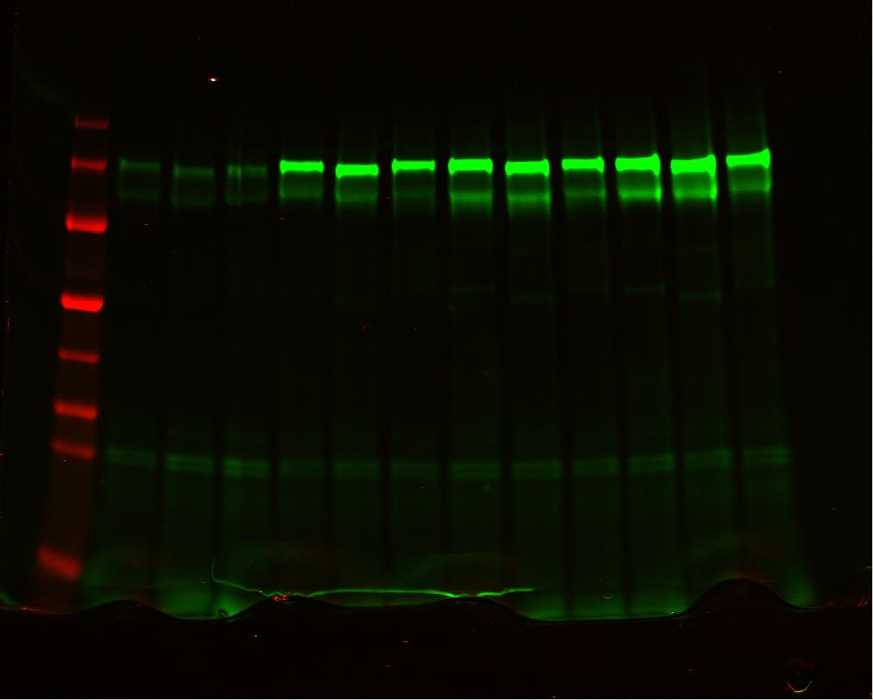
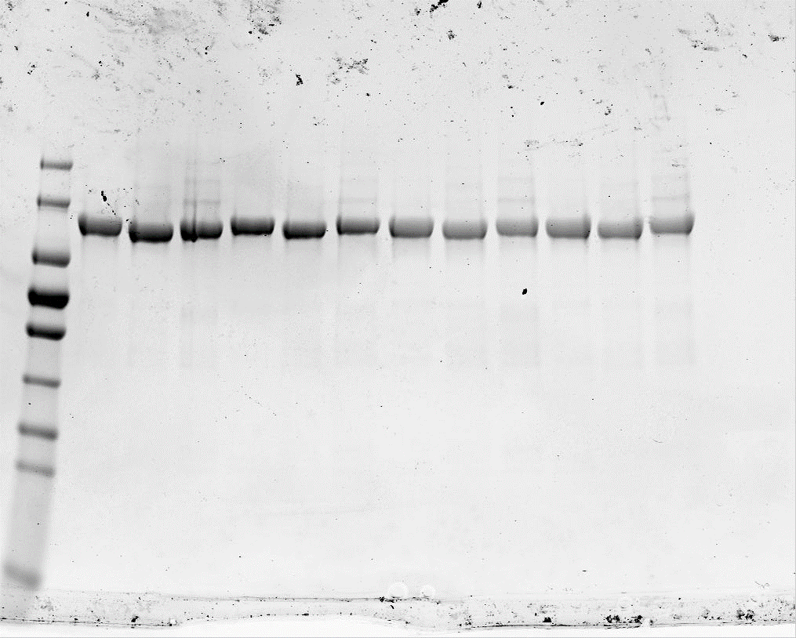
 |  |  |  |  | Sample | UBA6 variant +C0FAT10 | Green band | Abstract no ATP | Activity ratio
 |  |  |  | NO ATP | 1 | WT | 11,500 | 0 | 0
 |  | kDa |  |  | 2 | T936A/E937A/T939A | 12,463 | 0 | 0
170-
130-
95-72-
55-
43-
34-
26-
17-
 |  |  |  |  | 3 | E320K/E324R/D370R | 14,235 | 0 | 0
Activation of ubiquitin
 |  |  |  | 7.5 min | 4 | WT | 50,654 | 39,154 | 0.92003665672
 |  |  |  |  | 5 | T936A/E937A/T939A | 51,504 | 39,041 | 0.91738139437
 |  |  |  |  | 6 | E320K/E324R/D370R | 49,403 | 35,168 | 0.82637403952
 |  |  |  | 15 min | 7 | WT | 53,228 | 41,728 | 0.98052024344
 |  |  |  |  | 8 | T936A/E937A/T939A | 50,158 | 37,695 | 0.88575322509
 |  |  |  |  | 9 | E320K/E324R/D370R | 51,831 | 37,596 | 0.88342693329
 |  |  |  | 30 min | 10 | WT | 54,057 | 42,557 | 1
 |  |  |  |  | 11 | T936A/E937A/T939A | 52,627 | 40,164 | 0.94376953263
 |  |  |  |  | 12 | E320K/E324R/D370R | 51,023 | 36,788 | 0.86444063256

Sample: 1 2 3 4 5 6 7 8 9 10 11 12
Sample: 1 2 3 4 5 6 7 8 9 10 11 12
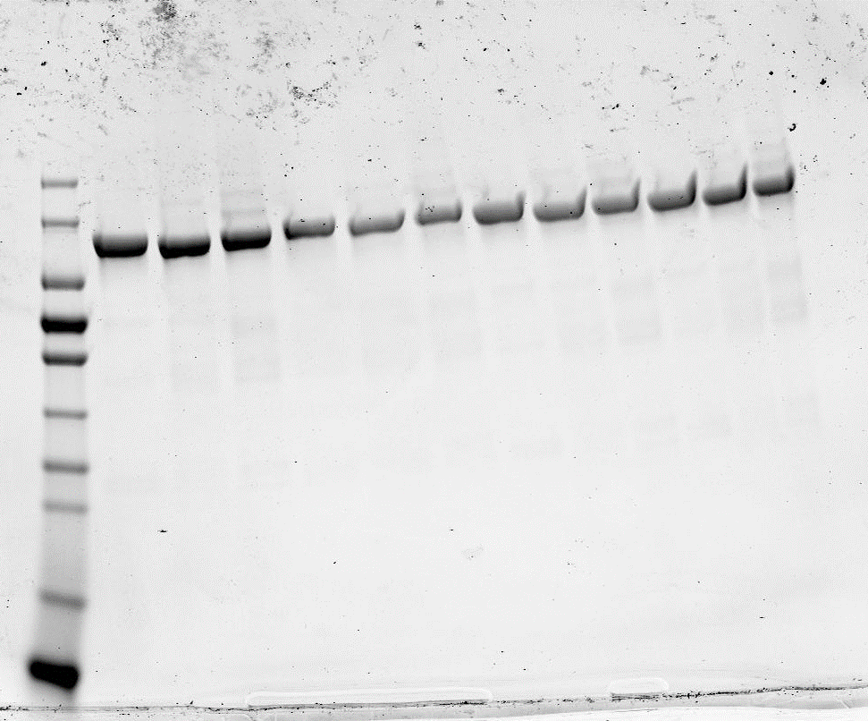
170-
130-
95-
72-
55-
43-
34-
26-
17-
10-
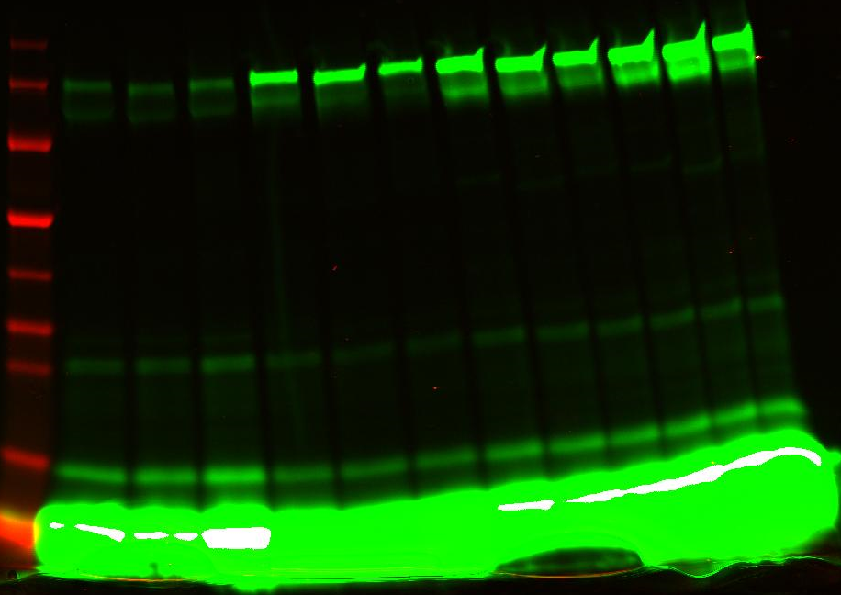
170-
130-
95-72-
55-
43-
34-
26-
17-
10-
 |  |  |  |  | Sample | UBA6 variant +C0FAT10 | Green band | Abstract no ATP | Activity ratio
 |  | kDa |  | NO ATP | 1 | WT | 11,292 | 0 | 0
 |  |  |  |  | 2 | T936A/E937A/T939A | 11,594 | 0 | 0
 |  |  |  |  | 3 | E320K/E324R/D370R | 14,584 | 0 | 0
 |  |  |  | 7.5 min | 4 | WT | 41,937 | 30,645 | 0.83483164433
 |  |  |  |  | 5 | T936A/E937A/T939A | 42,947 | 31,353 | 0.85411899314
 |  |  |  |  | 6 | E320K/E324R/D370R | 46,837 | 32,253 | 0.87863680941
 |  |  |  | 15 min | 7 | WT | 46,969 | 35,677 | 0.97191347935
 |  |  |  |  | 8 | T936A/E937A/T939A | 47,631 | 36,037 | 0.98172060586
 |  |  |  |  | 9 | E320K/E324R/D370R | 45,983 | 31,399 | 0.85537212597
 |  |  |  | 30 min | 10 | WT | 48,000 | 36,708 | 1
 |  |  |  |  | 11 | T936A/E937A/T939A | 55,586 | 43,992 | 1.1984308598
 |  |  |  |  | 12 | E320K/E324R/D370R | 50,621 | 36,037 | 0.98172060586

Sample: 1 2 3 4 5 6 7 8 9 10 11 12
Sample: 1 2 3 4 5 6 7 8 9 10 11 12
170-
130-
95-72-
55-
43-
34-
26-
17-
10-
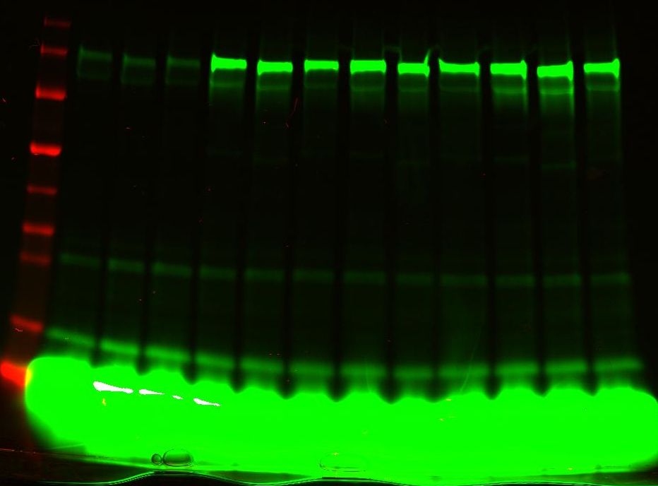
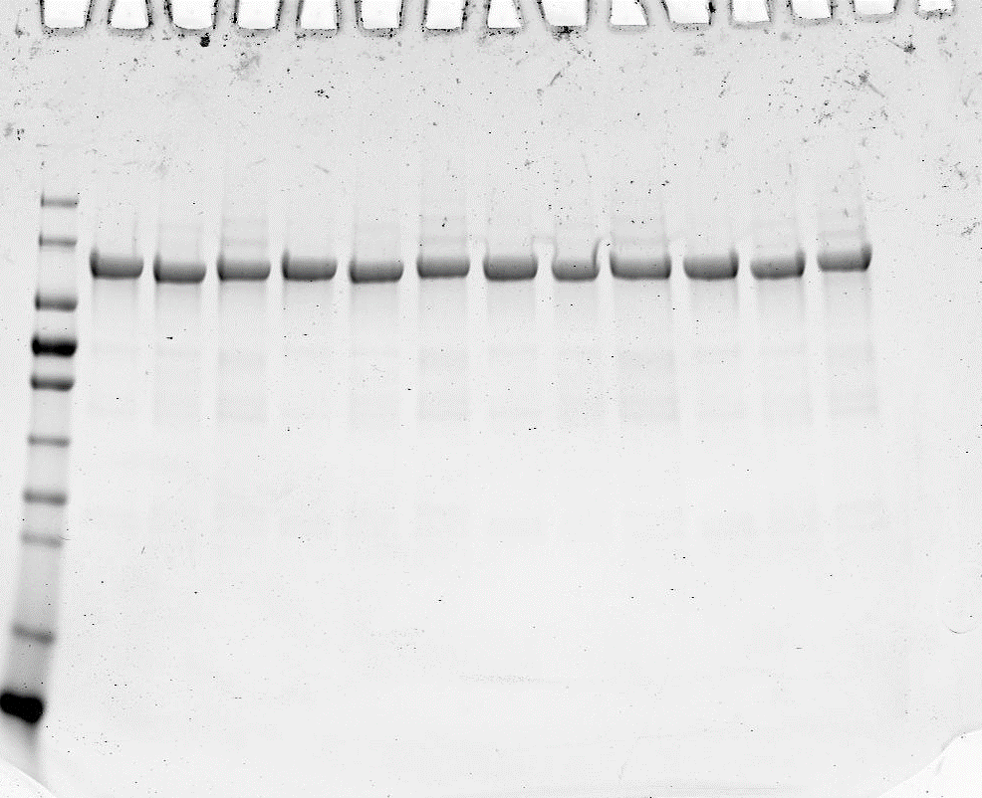
 |  |  |  |  | Sample | UBA6 variant +C0FAT10 | Green band | Abstract no ATP | Activity ratio
 |  |  |  | NO ATP | 1 | WT | 10,248 | 0 | 0
 |  |  |  |  | 2 | T936A/E937A/T939A | 10,833 | 0 | 0
 |  |  |  |  | 3 | E320K/E324R/D370R | 10,952 | 0 | 0
 |  |  |  | 7.5 min | 4 | WT | 42,989 | 32,741 | 0.86072189069
170-
130-
95-72-
55-
43-
34-
26-
17-
10-
 |  |  |  |  | 5 | T936A/E937A/T939A | 48,871 | 38,038 | 0.99997371119
 |  |  |  |  | 6 | E320K/E324R/D370R | 47,637 | 36,685 | 0.96440495281
 |  |  |  | 15 min | 7 | WT | 54,466 | 44,218 | 1.1624385499
 |  |  |  |  | 8 | T936A/E937A/T939A | 46,321 | 35,488 | 0.93293724861
 |  |  |  |  | 9 | E320K/E324R/D370R | 46,644 | 35,692 | 0.93830016562
 |  |  |  | 30 min | 10 | WT | 48,287 | 38,039 | 1
 |  |  |  |  | 11 | T936A/E937A/T939A | 50,385 | 39,552 | 1.0397749678
 |  |  |  |  | 12 | E320K/E324R/D370R | 50,477 | 39,525 | 1.03906517

 | kDa

Fig.5c_FAT10_3M
Sample: 1 2 3 4 5 6 7 8 9 10 11 12
kDa
170-
130-
95-
72-
55-
43-
34-
26-
17-
Gel 1: WT+ E320K/E324R/D370R + D370K/A373E/D374K |  |  |  | Upper
 |  | Sample | UBA6 variant +C0FAT10 | Band 1 | Band 2 | Band 3 | 1+2+3 | 2+3 | Abstract no ATP | Divide final wt |  | Sample | UBA6 variant +C0FAT10 | Gel 1 | Gel 2 | Gel 3 | Gel 4 | Average | SD
 | NO ATP | 1 | WT | 112,557 | 36,477 | 34,922 | 183,956 | 71.399 | 0.000 | 0.0000 | NO ATP | 1 | WT | 0 | 0 | 0 | 0 | 0 | 0
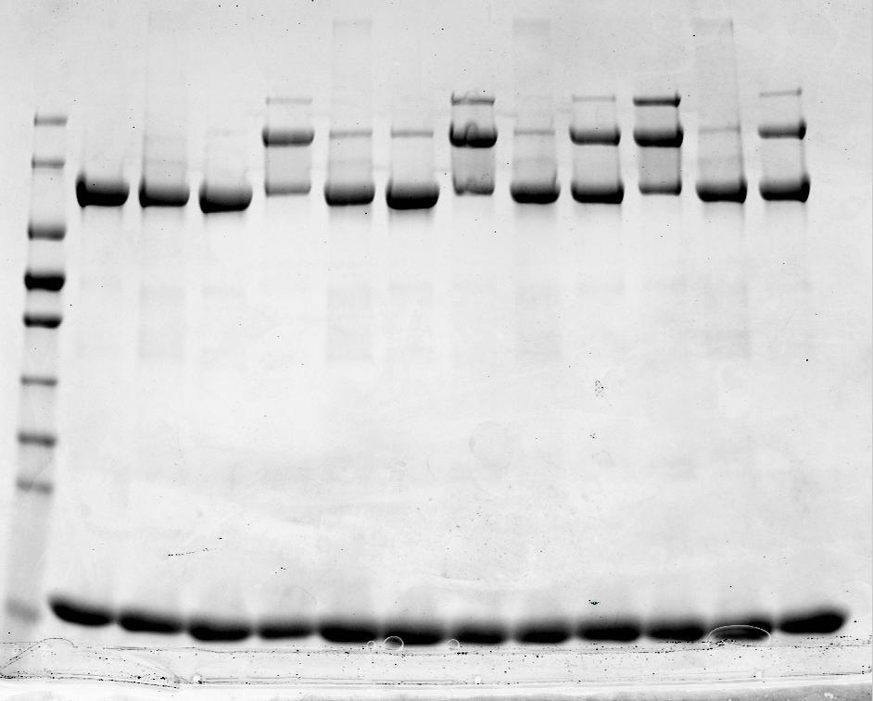
 |  | 2 | E320K/E324R/D370R | 103,128 | 40,124 | 33,316 | 176,568 | 73.440 | 0.000 | 0.0000 |  | 2 | E320K/E324R/D370R | 0 | 0 | 0 | 0 | 0 | 0
 |  | 3 | D370K/A373E/D374K | 105,134 | 29,714 | 28,256 | 163,104 | 57.970 | 0.000 | 0.0000 |  | 3 | D370K/A373E/D374K | 0 | 0 | 0 | 0 | 0 | 0
 | 7.5 min | 4 | WT | 68,183 | 87,305 | 39,430 | 194,918 | 126.735 | 55.336 | 0.3732 | 7.5 min | 4 | WT | 0.37318083112 | 0.46954999498 | 0.95555014309 | 0.52620985887 | 0.58112270701 | 0.25748761757
 |  | 5 | E320K/E324R/D370R | 108,465 | 46,864 | 33,671 | 189,000 | 80.535 | 7.095 | 0.0478 |  | 5 | E320K/E324R/D370R | 0.047848019315 | 0.055623180404 | 0.061194666017 | 0.16816526897 | 0.083207783677 | 0.056902181944
 |  | 6 | D370K/A373E/D374K | 114,065 | 49,852 | 37,621 | 201,538 | 87.473 | 29.503 | 0.1990 |  | 6 | D370K/A373E/D374K | 0.19896548468 | 0.41998795302 | 0.58148633015 | 0.59830640213 | 0.44968654249 | 0.18547425855
 | 15 min | 7 | WT | 95,020 | 118,791 | 62,063 | 275,874 | 180.854 | 109.455 | 0.7382 | 15 min | 7 | WT | 0.73815432757 | 0.67649457886 | 0.81812092797 | 0.71833094702 | 0.73777519535 | 0.059410922794
 |  | 8 | E320K/E324R/D370R | 116,474 | 59,372 | 46,694 | 222,540 | 106.066 | 32.626 | 0.2200 |  | 8 | E320K/E324R/D370R | 0.22002670587 | 0.20393911254 | 0.021250685015 | 0.24901615872 | 0.17355816554 | 0.1032372745
 |  | 9 | D370K/A373E/D374K | 121,917 | 102,078 | 49,753 | 273,748 | 151.831 | 93.861 | 0.6330 |  | 9 | D370K/A373E/D374K | 0.63298984368 | 0.71993273768 | 0.3339371613 | 0.71118838208 | 0.59951203118 | 0.1813132918
 | 30 min | 10 | WT | 100,002 | 130,185 | 89,496 | 319,683 | 219.681 | 148.282 | 1.0000 | 30 min | 10 | WT | 1 | 1 | 1 | 1 | 1 | 0
 |  | 11 | E320K/E324R/D370R | 121,870 | 59,640 | 50,057 | 231,567 | 109.697 | 36.257 | 0.2445 |  | 11 | E320K/E324R/D370R | 0.24451383175 | 0.19708111635 | -0.0080375083724 | 0.11724278994 | 0.13770005742 | 0.11044339489
 |  | 12 | D370K/A373E/D374K | 119,590 | 93,416 | 53,208 | 266,214 | 146.624 | 88.654 | 0.5979 |  | 12 | D370K/A373E/D374K | 0.59787432055 | 0.66380132517 | 0.67716008038 | 0.67050112497 | 0.65233421277 | 0.036713916202

Sample: 1 2 3 4 5 6 7 8 9 10 11 12
kDa
170-
130-
95-
72-
55-
43-
34-
26-
17-
Gel 2
 |  |  |  | Upper
 |  | Sample | UBA6 variant +C0FAT10 | Band 1 | Band 2 | Band 3 | 1+2+3 | 2+3 | Abstract no ATP | Divide final wt |  |  |  |  | NO ATP | 7.5 min | 15 min | 30 min
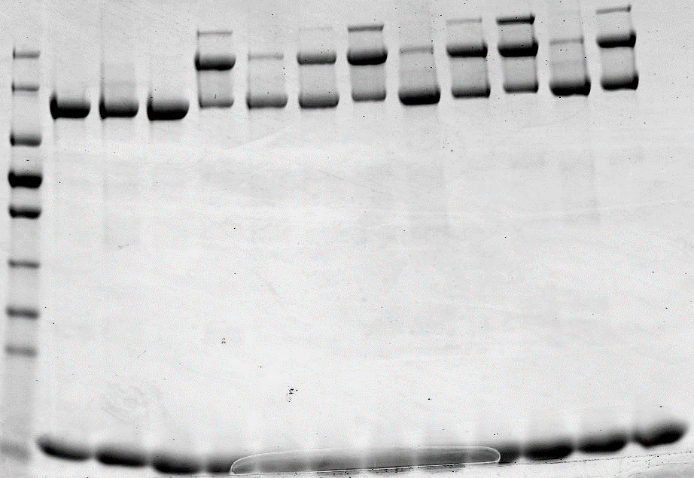
 | NO ATP | 1 | WT | 145,652 | 42,928 | 43,145 | 231,725 | 86.073 | 0.000 | 0.00000
 |  | 2 | E320K/E324R/D370R | 132,652 | 44,911 | 45,768 | 223,331 | 90.679 | 0.000 | 0.00000
 |  | 3 | D370K/A373E/D374K | 128,028 | 36,667 | 39,491 | 204,186 | 76.158 | 0.000 | 0.00000 |  |  | Average | WT | 0 | 0.58112270701 | 0.73777519535 | 1
 | 7.5 min | 4 | WT | 99,795 | 106,970 | 53,938 | 260,703 | 160.908 | 74.835 | 0.46955 |  |  |  | E320K/E324R/D370R | 0 | 0.083207783677 | 0.17355816554 | 0.13770005742
 |  | 5 | E320K/E324R/D370R | 95,290 | 52,599 | 46,945 | 194,834 | 99.544 | 8.865 | 0.05562 |  |  |  | D370K/A373E/D374K | 0 | 0.44968654249 | 0.59951203118 | 0.65233421277
 |  | 6 | D370K/A373E/D374K | 115,372 | 97,361 | 45,733 | 258,466 | 143.094 | 66.936 | 0.41999
 | 15 min | 7 | WT | 106,126 | 119,785 | 74,105 | 300,016 | 193.890 | 107.817 | 0.67649 |  |  | SD | wt | 0 | 0.25748761757 | 0.059410922794 | 0
 |  | 8 | E320K/E324R/D370R | 145,061 | 68,452 | 54,730 | 268,243 | 123.182 | 32.503 | 0.20394 |  |  |  | E320K/E324R/D370R | 0 | 0.056902181944 | 0.1032372745 | 0.11044339489
 |  | 9 | D370K/A373E/D374K | 123,583 | 131,595 | 59,303 | 314,481 | 190.898 | 114.740 | 0.71993 |  |  |  | D370K/A373E/D374K | 0 | 0.18547425855 | 0.1813132918 | 0.036713916202
 | 30 min | 10 | WT | 110,363 | 143,566 | 101,883 | 355,812 | 245.449 | 159.376 | 1.00000
 |  | 11 | E320K/E324R/D370R | 136,878 | 68,649 | 53,440 | 258,967 | 122.089 | 31.410 | 0.19708
 |  | 12 | D370K/A373E/D374K | 124,676 | 116,646 | 65,306 | 306,628 | 181.952 | 105.794 | 0.66380
Activation of FAT10

Sample: 1 2 3 4 5 6 7 8 9 10 11 12
 |  |  |  | Upper
Gel3 |  | Sample | UBA6 variant +C0FAT10 | Band 1 | Band 2 | Band 3 | 1+2+3 | 2+3 | Abstract no ATP | Divide final wt
 | NO ATP | 1 | WT | 104,202 | 29,442 | 28,998 | 162,642 | 58.4400 | 0.0000 | 0.00000
kDa
170-
130-
95-
72-
55-
43-
34-
26-
17-
 |  | 2 | E320K/E324R/D370R | 96,707 | 36,794 | 29,212 | 162,713 | 66.0060 | 0.0000 | 0.00000
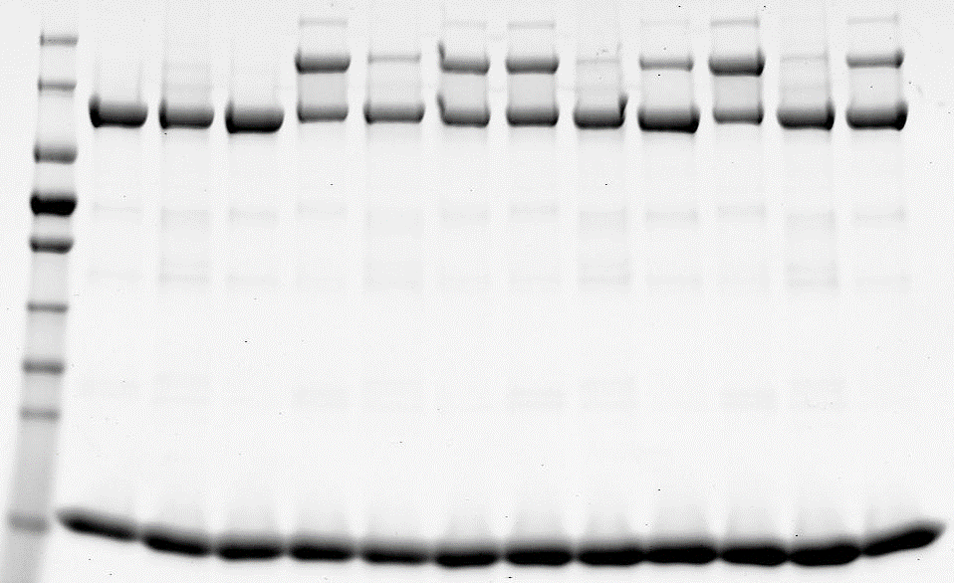
 |  | 3 | D370K/A373E/D374K | 110,776 | 31,197 | 27,618 | 169,591 | 58.8150 | 0.0000 | 0.00000
 | 7.5 min | 4 | WT | 94,031 | 85,501 | 35,711 | 215,243 | 121.2120 | 62.7720 | 0.95555
 |  | 5 | E320K/E324R/D370R | 81,244 | 42,330 | 27,696 | 151,270 | 70.0260 | 4.0200 | 0.06119
 |  | 6 | D370K/A373E/D374K | 85,503 | 68,685 | 28,329 | 182,517 | 97.0140 | 38.1990 | 0.58149
 | 15 min | 7 | WT | 97,302 | 80,000 | 32,184 | 209,486 | 112.1840 | 53.7440 | 0.81812
 |  | 8 | E320K/E324R/D370R | 97,648 | 40,048 | 27,354 | 165,050 | 67.4020 | 1.3960 | 0.02125
 |  | 9 | D370K/A373E/D374K | 115,026 | 51,875 | 28,877 | 195,778 | 80.7520 | 21.9370 | 0.33394
 | 30 min | 10 | WT | 86,966 | 87,596 | 36,536 | 211,098 | 124.1320 | 65.6920 | 1.00000
 |  | 11 | E320K/E324R/D370R | 101,217 | 36,981 | 28,497 | 166,695 | 65.4780 | -0.5280 | -0.00804
 |  | 12 | D370K/A373E/D374K | 112,193 | 67,946 | 35,353 | 215,492 | 103.2990 | 44.4840 | 0.67716

 |  |  |  | Upper
 |  | Sample | UBA6 variant +C0FAT10 | Band 1 | Band 2 | Band 3 | 1+2+3 | 2+3 | Abstract no ATP | Divide final wt
Gel 4 | NO ATP | 1 | WT | 126,262 | 20,489 | 17,915 | 164.6660 | 38.404 | 0 | 0
Sample: 1 2 3 4 5 6 7 8 9 10 11 12
 |  | 2 | E320K/E324R/D370R | 112,313 | 25,065 | 19,765 | 157.1430 | 44.83 | 0 | 0
kDa
170-
130-
95-
72-
55-
43-
34-
26-
17-
 |  | 3 | D370K/A373E/D374K | 127,606 | 19,888 | 17,862 | 165.3560 | 37.75 | 0 | 0
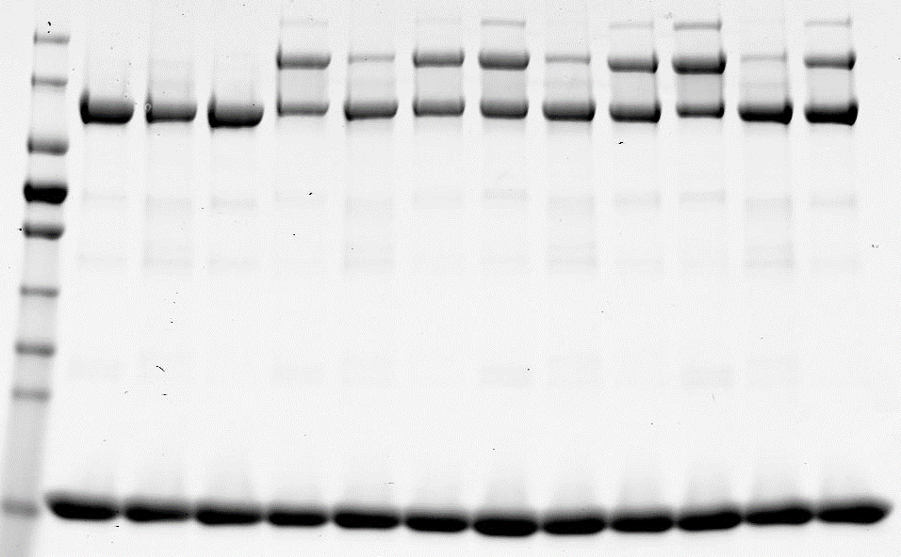
 | 7.5 min | 4 | WT | 88,076 | 78,651 | 24,069 | 190.7960 | 102.72 | 64 | 0.52620985887
 |  | 5 | E320K/E324R/D370R | 114,255 | 44,648 | 20,736 | 179.6390 | 65.384 | 21 | 0.16816526897
 |  | 6 | D370K/A373E/D374K | 108,226 | 86,465 | 24,413 | 219.1040 | 110.878 | 73 | 0.59830640213
 | 15 min | 7 | WT | 119,896 | 93,865 | 32,337 | 246.0980 | 126.202 | 87.798 | 0.71833094702
 |  | 8 | E320K/E324R/D370R | 123,122 | 52,641 | 22,625 | 198.3880 | 75.266 | 30 | 0.24901615872
 |  | 9 | D370K/A373E/D374K | 130,461 | 97,178 | 27,497 | 255.1360 | 124.675 | 87 | 0.71118838208
 | 30 min | 10 | WT | 117,527 | 112,905 | 47,724 | 278.1560 | 160.629 | 122 | 1
 |  | 11 | E320K/E324R/D370R | 145,073 | 38,458 | 20,702 | 204.2330 | 59.16 | 14 | 0.11724278994
 |  | 12 | D370K/A373E/D374K | 145,419 | 91,351 | 28,351 | 265.1210 | 119.702 | 82 | 0.67050112497

Fig.6d_ubiquitin_E601Q D616A
WT+ E601Q+D616A (31.03.2022) |  |  |  |  |  |  |  | Gel 1 | Gel 2 | Gel 3 | Average | SD
 |  |  |  |  |  |  | 1 | 0 | 0 | 0 | 0 | 0
 |  |  |  |  |  |  | 2 | 0 | 0 | 0 | 0 | 0
Sample: 1 2 3 4 5 6 7 8 9 10 11 12
Sample: 1 2 3 4 5 6 7 8 9 10 11 12
 |  | Sample | UBA6 variant +C0FAT10 | Green band | Abstract no ATP | Activity ratio | 3 | 0 | 0 | 0 | 0 | 0
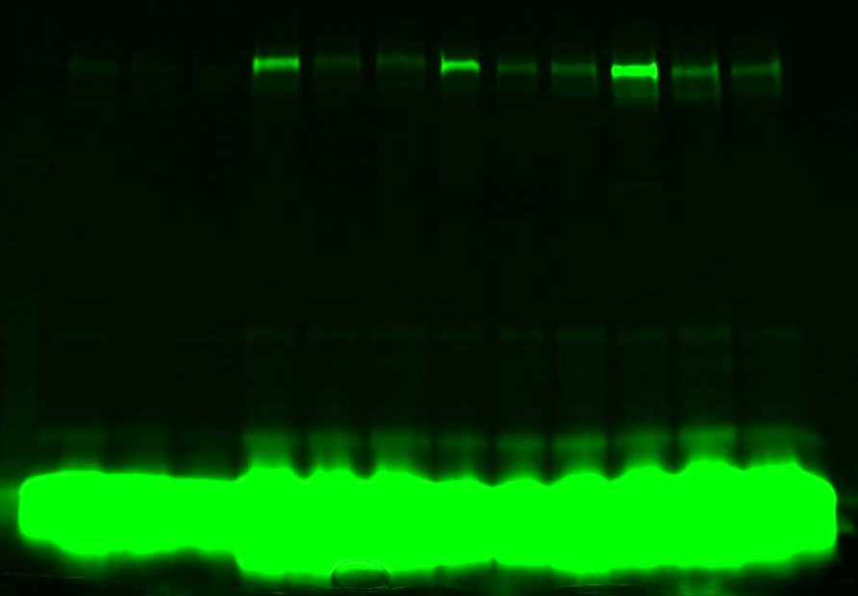
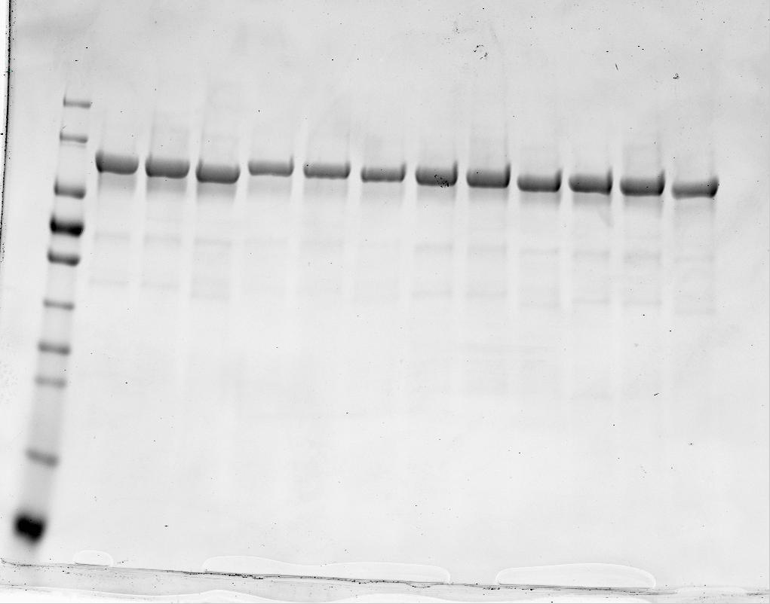
 | NO ATP | 1 | WT | 2,813 | 0 | 0 | 4 | 0.46835788325 | 0.45710970276 | 0.40564741345 | 0.44370499982 | 0.033435240411
 |  | 2 | E601Q | 2,580 | 0 | 0 | 5 | 0.072047190398 | 0.057618495046 | 0.080455693958 | 0.070040459801 | 0.01155009261
170-
130-
95-72-
55-
43-
34-
26-
17-
10-
kDa
 |  | 3 | D616A | 2,111 | 0 | 0 | 6 | 0.11432760502 | 0.10394537178 | 0.18214459861 | 0.13347252513 | 0.042469703837
 | 7.5 min | 4 | WT | 16,549 | 13,736 | 0.46835788325 | 7 | 0.43211265685 | 0.75435151299 | 0.51629061572 | 0.56758492852 | 0.16713108626
 |  | 5 | E601Q | 4,926 | 2,113 | 0.072047190398 | 8 | 0.11402073104 | 0.15290547175 | 0.1909215834 | 0.15261592873 | 0.038451243801
 |  | 6 | D616A | 5,464 | 3,353 | 0.11432760502 | 9 | 0.19404664484 | 0.24444345265 | 0.20311184006 | 0.21386731252 | 0.026864841335
 | 15 min | 7 | WT | 15,486 | 12,673 | 0.43211265685 | 10 | 1 | 1 | 1 | 1 | 0
 |  | 8 | E601Q | 5,924 | 3,344 | 0.11402073104 | 11 | 0.23830469176 | 0.2344461305 | 0.20488496831 | 0.22587859686 | 0.018283092013
 |  | 9 | D616A | 7,802 | 5,691 | 0.19404664484 | 12 | 0.19431942171 | 0.23565116487 | 0.23662396383 | 0.22219818347 | 0.024148614914
 | 30 min | 10 | WT | 32,141 | 29,328 | 1
 |  | 11 | E601Q | 9,569 | 6,989 | 0.23830469176
 |  | 12 | D616A | 7,810 | 5,699 | 0.19431942171
 |  |  |  |  |  |  |  | NO ATP | 7,5 min | 15 min | 30 min

Sample: 1 2 3 4 5 6 7 8 9 10 11 12
 |  | Sample | UBA6 variant +C0FAT10 | Green band | Abstract no ATP | Activity ratio
 | NO ATP | 1 | WT | 3,049 | 0 | 0 | WT | 0 | 0.44370499982 | 0.56758492852 | 1.00000
 |  | 2 | E601Q | 2,578 | 0 | 0 | E601Q | 0 | 0.070040459801 | 0.15261592873 | 0.22588
Sample: 12 11 10 9 8 7 6 5 4 3 2 1
 |  | 3 | D616A | 1,783 | 0 | 0 | D616A | 0 | 0.13347252513 | 0.21386731252 | 0.22220
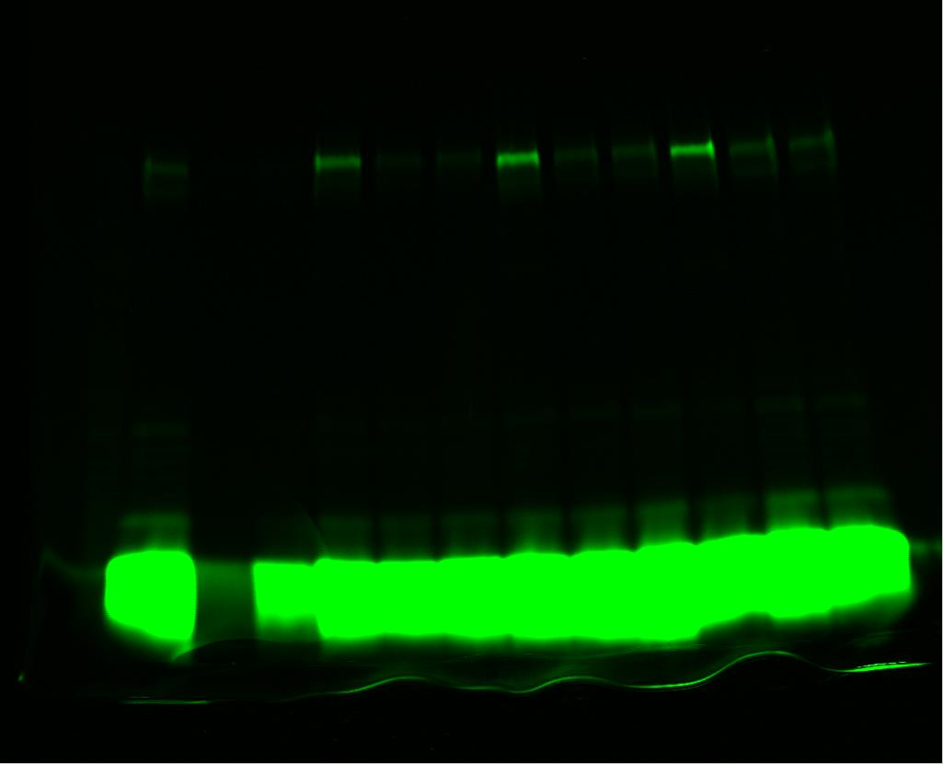
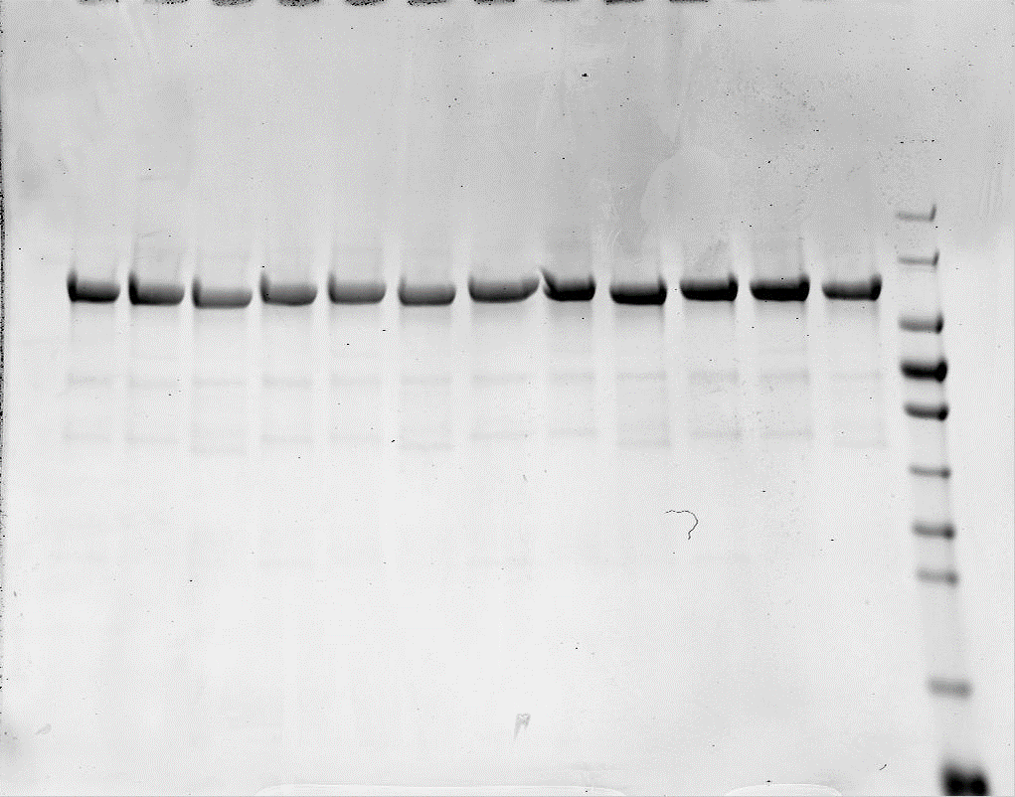
 | 7.5 min | 4 | WT | 13,291 | 10,242 | 0.45710970276 | WT | 0 | 0.033435240411 | 0.16713108626 | 0.000000
 |  | 5 | E601Q | 3,869 | 1,291 | 0.057618495046 | E601Q | 0 | 0 | 0 | 0.018283
 |  | 6 | D616A | 4,112 | 2,329 | 0.10394537178 | D616A | 0 | 0.042469703837 | 0.026864841335 | 0.024149
170-
130-
95-72-
55-
43-
34-
26-
17-
10-
kDa
 | 15 min | 7 | WT | 19,951 | 16,902 | 0.75435151299
Activation of ubiquitin
 |  | 8 | E601Q | 6,004 | 3,426 | 0.15290547175
 |  | 9 | D616A | 7,260 | 5,477 | 0.24444345265
 | 30 min | 10 | WT | 25,455 | 22,406 | 1
 |  | 11 | E601Q | 7,831 | 5,253 | 0.2344461305
 |  | 12 | D616A | 7,063 | 5,280 | 0.23565116487

Sample: 1 2 3 4 5 6 7 8 9 10 11 12
Sample: 1 2 3 4 5 6 7 8 9 10 11 12
 |  | Sample | UBA6 variant +C0FAT10 | Green band | Abstract no ATP | Activity ratio
 | NO ATP | 1 | WT | 2,839 | 0 | 0
 |  | 2 | E601Q | 2,526 | 0 | 0
 |  | 3 | D616A | 1,840 | 0 | 0
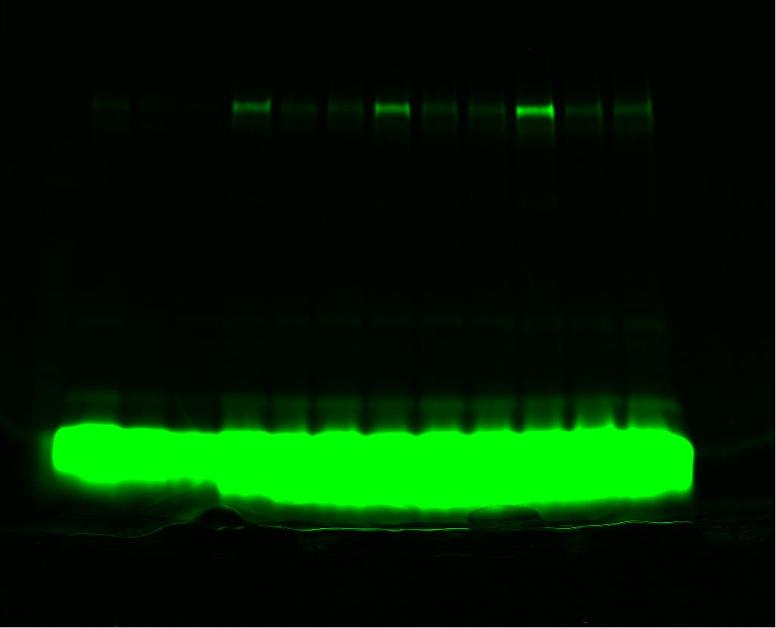
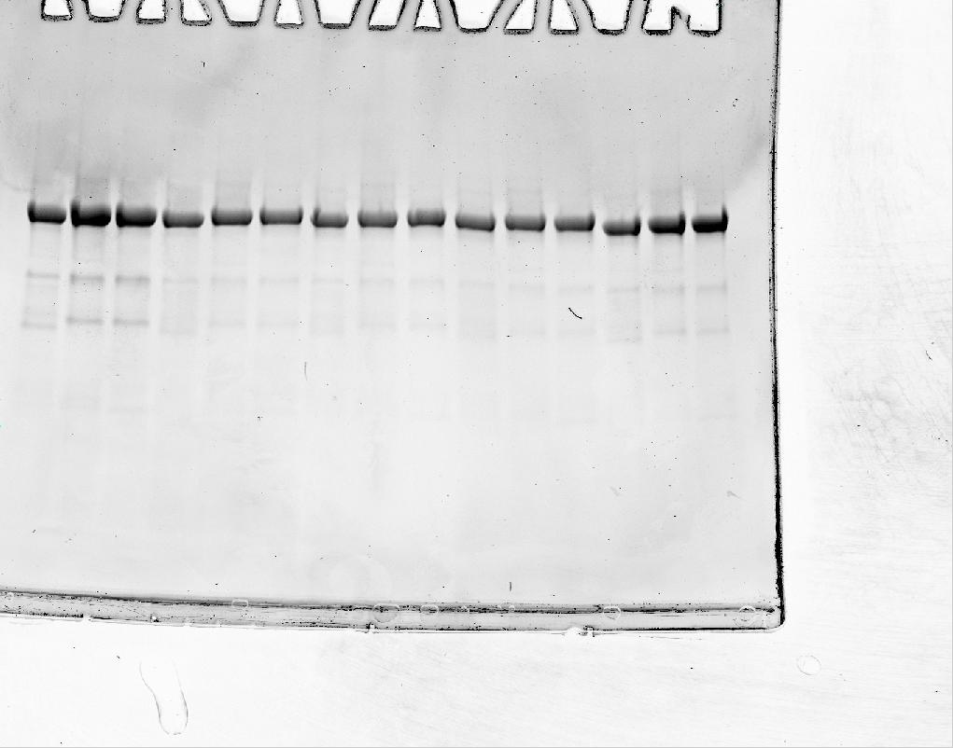
 | 7.5 min | 4 | WT | 11,990 | 9,151 | 0.40564741345
 |  | 5 | E601Q | 4,341 | 1,815 | 0.080455693958
 |  | 6 | D616A | 5,949 | 4,109 | 0.18214459861
 | 15 min | 7 | WT | 14,486 | 11,647 | 0.51629061572
 |  | 8 | E601Q | 6,833 | 4,307 | 0.1909215834
 |  | 9 | D616A | 6,422 | 4,582 | 0.20311184006
 | 30 min | 10 | WT | 25,398 | 22,559 | 1
 |  | 11 | E601Q | 7,148 | 4,622 | 0.20488496831
 |  | 12 | D616A | 7,178 | 5,338 | 0.23662396383

Variants in 3mg/ml

Fig.6d_FAT10_E601Q D616A
Sample: 1 2 3 4 5 6 7 8 9 10 11 12
Sample: 1 2 3 4 5 6 7 8 9 10 11 12
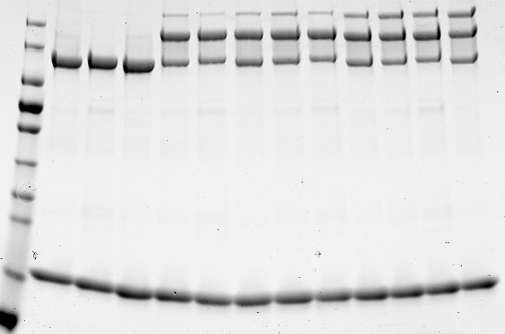
170-
130-
95-
72-
55-
43-
34-
26-
17-
WT+E601Q+V934A
 |  |  |  | Upper |  |  |  |  |  |  |  | Sample | UBA6 variant +C0FAT10 |  | Gel 1 | Gel 2 | Gel 3 | Average | SD
 |  | Sample | UBA6 variant +C0FAT10 | Band 1 | Band 2 | Band 3 | 1+2+3 | 2+3 | Abstract no ATP | Divide final wt | NO ATP | 1 | WT |  | 0 | 0 | 0 | 0 | 0 |  |  |  |  |  |  |  |  |  | Sample | UBA6 variant +C0FAT10
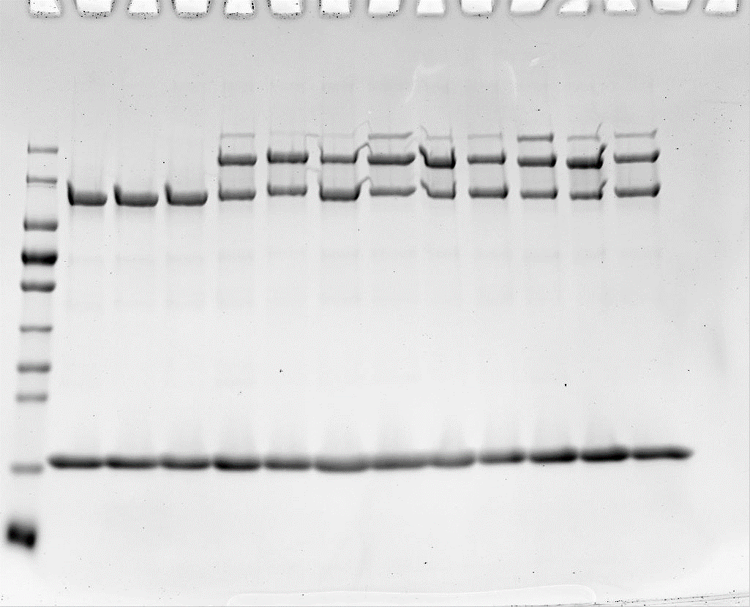
 | NO ATP | 1 | WT | 88,105 | 34,415 | 36,340 | 158.86 | 70.755 | 0 | 0 |  | 2 | E601Q |  | 0 | 0 | 0 | 0 | 0 |  |  |  |  |  |  |  |  | NO ATP | 1 | WT
170-
130-
95-
72-
55-
43-
34-
26-
17-
10-
 |  | 2 | E601Q | 92,563 | 34,774 | 35,868 | 163.205 | 70.642 | 0 | 0 |  | 3 | V934A |  | 0 | 0 | 0 | 0 | 0 |  |  |  |  |  |  |  |  |  | 2 | E601Q
 |  | 3 | V934A | 94,627 | 36,513 | 36,376 | 167.516 | 72.889 | 0 | 0 | 7.5 min | 4 | WT |  | 0.75848981 | 0.72883369168 | 0.91888264897 | 0.80206871688 | 0.10224476703 |  |  |  |  |  |  |  |  |  | 3 | D616A
 | 7.5 min | 4 | WT | 86,266 | 91,379 | 47,521 | 225.166 | 138.9 | 68.145 | 0.75848981 |  | 5 | E601Q |  | 0.79146956357 | 0.75839360087 | 0.5462621253 | 0.69870842991 | 0.13305416818 |  |  |  |  |  |  |  |  | 7.5 min | 4 | WT
 |  | 5 | E601Q | 87,237 | 98,507 | 43,243 | 228.987 | 141.75 | 71.108 | 0.79146956357 |  | 6 | V934A |  | 0.59952361341 | 0.52056112707 | 0.16364962439 | 0.42791145496 | 0.23223803496 |  |  |  |  |  |  |  |  |  | 5 | E601Q
 |  | 6 | V934A | 96,648 | 82,721 | 44,031 | 223.4 | 126.752 | 53.863 | 0.59952361341 | 15 min | 7 | WT |  | 0.87316763688 | 0.76527988693 | 0.92117278098 | 0.85320676826 | 0.079840314443 |  |  |  |  |  |  |  |  |  | 6 | D616A
 | 15 min | 7 | WT | 84,476 | 93,409 | 55,794 | 233.679 | 149.203 | 78.448 | 0.87316763688 |  | 8 | E601Q |  | 0.91583094955 | 1.1484310394 | 0.88031507549 | 0.98152568815 | 0.14563101159 |  |  |  |  |  |  |  |  | 15 min | 7 | WT
 |  | 8 | E601Q | 86,560 | 105,314 | 47,609 | 239.483 | 152.923 | 82.281 | 0.91583094955 |  | 9 | V934A |  | 0.77668822279 | 0.72722488686 | 0.46215447451 | 0.65535586139 | 0.16913526338 |  |  |  |  |  |  |  |  |  | 8 | E601Q
 |  | 9 | V934A | 90,704 | 92,477 | 50,192 | 233.373 | 142.669 | 69.78 | 0.77668822279 | 30 min | 10 | WT |  | 1 | 1 | 1 | 1 | 0 |  |  |  |  |  |  |  |  |  | 9 | D616A
 | 30 min | 10 | WT | 85,531 | 96,409 | 64,189 | 246.129 | 160.598 | 89.843 | 1 |  | 11 | E601Q |  | 1.0003005242 | 1.0187643778 | 0.65671358763 | 0.89192616321 | 0.20390915932 |  |  |  |  |  |  |  |  | 30 min | 10 | WT
 |  | 11 | E601Q | 88,302 | 107,721 | 52,791 | 248.814 | 160.512 | 89.87 | 1.0003005242 |  | 12 | V934A |  | 0.80730830449 | 0.6864785217 | 0.59229815477 | 0.69536166032 | 0.10777997836 |  |  |  |  |  |  |  |  |  | 11 | E601Q
 |  | 12 | V934A | 92,293 | 89,848 | 55,572 | 237.713 | 145.42 | 73 | 0.80730830449 |  |  |  |  |  |  |  |  |  |  |  |  |  |  |  |  |  |  | 12 | D616A

 |  |  |  |  |  |  |  |  |  |  |  |  |  |  |  |  |  |  |  |  |  | kDa
 |  |  |  | Upper |  |  |  |  |  |  |  | NO ATP | 7,5 min | 15 min | 30 min |  |  |  |  |  |  |  |  | NO ATP | 7,5 min | 15 min | 30 min
 |  | Sample | UBA6 variant +C0FAT10 | Band 1 | Band 2 | Band 3 | 1+2+3 | 2+3 | Abstract no ATP | Divide final wt | WT | 0 | 0.80206871688 | 0.85320676826 | 1 |  |  |  |  |  |  |  | WT | 0 | 0.80206871688 | 0.85320676826 | 1
Sample: 1 2 3 4 5 6 7 8 9 10 11 12
 | NO ATP | 1 | WT | 114,231 | 42,064 | 43,769 | 200.064 | 85.833 | 0.000 | 0.0000 | E601Q | 0 | 0.69870842991 | 0.98152568815 | 0.89192616321 |  |  |  |  |  |  |  | E601Q | 0 | 0.69870842991 | 0.98152568815 | 0.89192616321
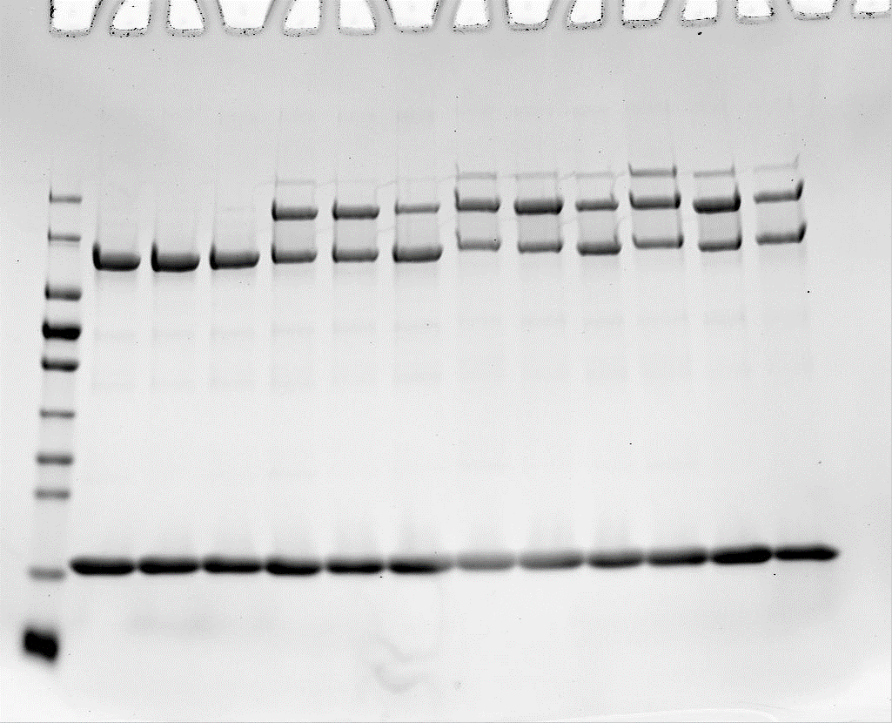
 |  | 2 | E601Q | 118,293 | 38,894 | 39,088 | 196.275 | 77.982 | 0.000 | 0.0000 | V934A | 0 | 0.42791145496 | 0.65535586139 | 0.69536166032 |  |  |  |  |  |  |  | D616A | 0 | 0.56422560498 | 0.99642419901 | 1.0474343291
170-
130-
95-
72-
55-
43-
34-
26-
17-
10-
 |  | 3 | V934A | 110,208 | 37,763 | 36,803 | 184.774 | 74.566 | 0.000 | 0.0000 | WT | 0 | 0.10224476703 | 0.079840314443 | 0 |  |  |  |  |  |  |  | WT | 0 | 0.10224476703 | 0.079840314443 | 0
 | 7.5 min | 4 | WT | 102,149 | 91,110 | 43,197 | 236.456 | 134.307 | 48.474 | 0.7288 | E601Q | 0 | 0.13305416818 | 0.14563101159 | 0.20390915932 |  |  |  |  |  |  |  | E601Q | 0 | 0.13305416818 | 0.14563101159 | 0.20390915932
 |  | 5 | E601Q | 93,964 | 89,967 | 38,455 | 222.386 | 128.422 | 50.440 | 0.7584 | V934A | 0 | 0.23223803496 | 0.16913526338 | 0.10777997836 |  |  |  |  |  |  |  | D616A | 0 | 0.037508332625 | 0.035120251737 | 0.076832021978
 |  | 6 | V934A | 97,590 | 69,083 | 40,105 | 206.778 | 109.188 | 34.622 | 0.5206
 | 15 min | 7 | WT | 74,717 | 88,483 | 48,248 | 211.448 | 136.731 | 50.898 | 0.7653
 |  | 8 | E601Q | 87,455 | 107,556 | 46,807 | 241.818 | 154.363 | 76.381 | 1.1484
Activation of FAT10
 |  | 9 | V934A | 104,079 | 77,582 | 45,351 | 227.012 | 122.933 | 48.367 | 0.7272
 | 30 min | 10 | WT | 90,093 | 90,993 | 61,349 | 242.435 | 152.342 | 66.509 | 1.0000
 |  | 11 | E601Q | 90,142 | 95,707 | 50,032 | 235.881 | 145.739 | 67.757 | 1.0188
 |  | 12 | V934A | 84,648 | 74,512 | 45,711 | 204.871 | 120.223 | 45.657 | 0.6865

 |  |  |  | Upper
 |  | Sample | UBA6 variant +C0FAT10 | Band 1 | Band 2 | Band 3 | 1+2+3 | 2+3 | Abstract no ATP | Divide final wt
 | NO ATP | 1 | WT | 128,017 | 50,448 | 51,708 | 230.173 | 102.156 | 0.0000 | 0.0000
Sample: 1 2 3 4 5 6 7 8 9 10 11 12
 |  | 2 | E601Q | 134,176 | 52,768 | 52,113 | 239.057 | 104.881 | 0.0000 | 0.0000
 |  | 3 | V934A | 139,112 | 49,226 | 49,592 | 237.93 | 98.818 | 0.0000 | 0.0000
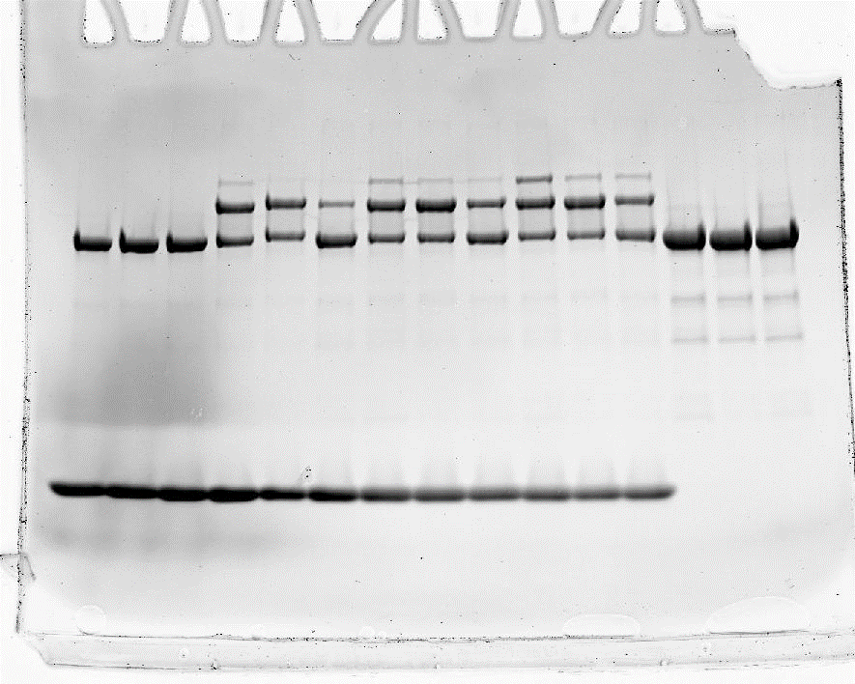
 | 7.5 min | 4 | WT | 115,216 | 113,984 | 51,166 | 280.366 | 165.15 | 62.9940 | 0.9189
 |  | 5 | E601Q | 92,642 | 97,310 | 45,020 | 234.972 | 142.33 | 37.4490 | 0.5463
 |  | 6 | V934A | 140,017 | 68,497 | 41,540 | 250.054 | 110.037 | 11.2190 | 0.1636
 | 15 min | 7 | WT | 105,908 | 111,871 | 53,436 | 271.215 | 165.307 | 63.1510 | 0.9212
 |  | 8 | E601Q | 100,600 | 116,215 | 49,016 | 265.831 | 165.231 | 60.3500 | 0.8803
 |  | 9 | V934A | 110,369 | 86,354 | 44,147 | 240.87 | 130.501 | 31.6830 | 0.4622
 | 30 min | 10 | WT | 94,174 | 104,936 | 65,775 | 264.885 | 170.711 | 68.5550 | 1.0000
 |  | 11 | E601Q | 80,726 | 106,458 | 43,444 | 230.628 | 149.902 | 45.0210 | 0.6567
Variants in 3mg/ml
 |  | 12 | V934A | 99,312 | 94,274 | 45,149 | 238.735 | 139.423 | 40.6050 | 0.5923

Sample: 1 2 3 4 5 6 7 8 9 10 11 12
wt+ R615A+ D616A |  | Date 03.03.2022 |  |  |  |  |  |  |  |  |  | Summary II: WT + R615+ D616A |  |  |  |  |  |  |  |  |  | Standardize WT using WT (E601Q+V934A) as control
 |  |  |  |  |  |  |  |  |  |  |  | Sample | UBA6 variant +C0FAT10 |  |  | Gel 1 | Gel 2 | Gel 3 | Average | SD |  |  | Gel 1 | Gel 2 | Gel 3
Gel 1 |  |  |  | Upper |  |  |  |  |  |  | NO ATP | 1 | WT |  |  | 0 | 0 | 0 | 0 | 0 |  |  | 0 | 0 | 0
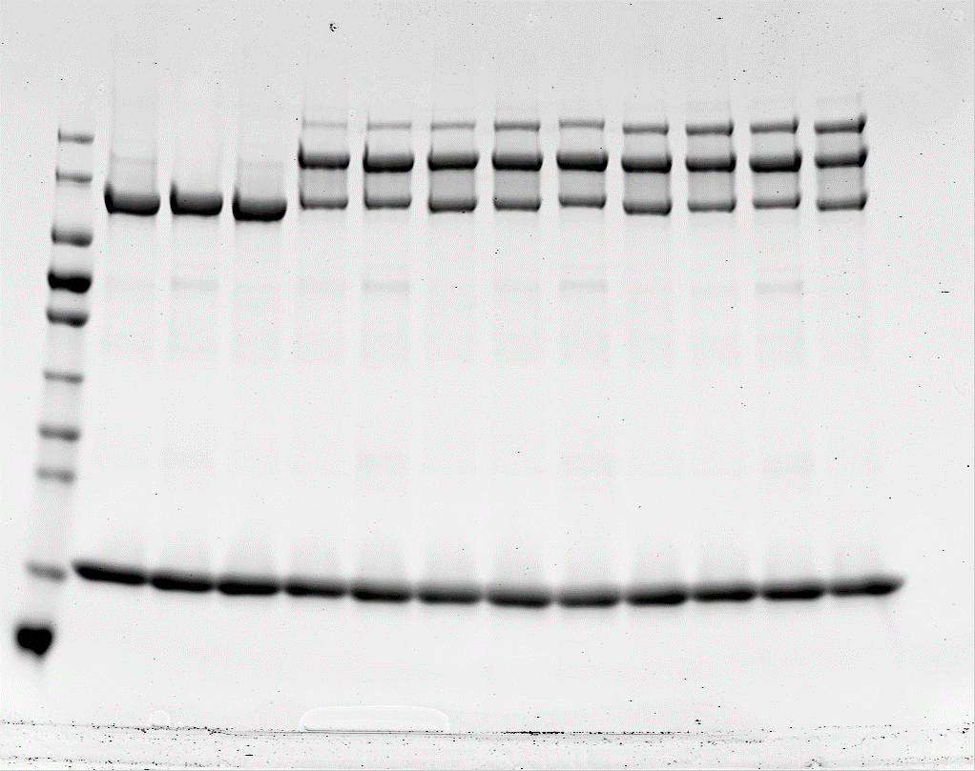
170-
130-
95-
72-
55-
43-
34-
26-
17-
10-
kDa
 |  | Sample | UBA6 variant +C0FAT10 | Band 1 | Band 2 | Band 3 | 1+2+3 | 2+3 | Abstract no ATP | Divide final wt |  | 2 | R615A |  |  | 0 | 0 | 0 | 0 | 0 |  |  | 0 | 0 | 0
 | NO ATP | 1 | WT | 126264 | 41,332 | 31,832 | 199.428 | 73.164 | 0 | 0 |  | 3 | D616A |  |  | 0 | 0 | 0 | 0 | 0 |  |  | 0 | 0 | 0
 |  | 2 | R615A | 127292 | 29,498 | 27,785 | 184.575 | 57.283 | 0 | 0 | 7.5 min | 4 | WT |  |  | 0.62435074525 | 0.634313196 | 0.68531087489 | 0.64799160538 | 0.032701047594 |  |  | 0.50441319206 | 0.51246185961 | 0.55366290276
 |  | 3 | D616A | 131583 | 40,103 | 30,669 | 202.355 | 70.772 | 0 | 0 |  | 5 | R615A |  |  | 0.85813288381 | 0.91252389648 | 0.74451284797 | 0.83838987608 | 0.085727871027 |  |  | 0.69328586604 | 0.73722838477 | 0.60149219814
 | 7.5 min | 4 | WT | 101859 | 115,124 | 44,708 | 261.691 | 159.832 | 86.668 | 0.62435074525 |  | 6 | D616A |  |  | 0.78988279196 | 0.71499969995 | 0.74856607525 | 0.75114952239 | 0.037508332625 |  |  | 0.63814659224 | 0.57764851523 | 0.60476680192
 |  | 5 | R615A | 109256 | 127,024 | 49,379 | 285.659 | 176.403 | 119.120 | 0.85813288381 | 15 min | 7 | WT |  |  | 0.91690979951 | 1.018697117 | 0.79537893851 | 0.91032861834 | 0.11180445505 |  |  | 0.97829654192 | 1.0868984794 | 0.84862923864
 |  | 6 | D616A | 116846 | 126,261 | 54,157 | 297.264 | 180.418 | 109.646 | 0.78988279196 |  | 8 | R615A |  |  | 0.95328967748 | 1.0429236427 | 0.90469180177 | 0.96696837399 | 0.070123751445 |  |  | 1.0171120381 | 1.1127469613 | 0.96526055414
 | 15 min | 7 | WT | 107059 | 125,355 | 75,088 | 307.502 | 200.443 | 127.279 | 0.91690979951 |  | 9 | D616A |  |  | 0.91783910729 | 0.9741789471 | 0.9096818599 | 0.93389997143 | 0.035120251737 |  |  | 0.97928806648 | 1.0393998359 | 0.97058469465
 |  | 8 | R615A | 106972 | 125,285 | 64,327 | 296.584 | 189.612 | 132.329 | 0.95328967748 | 30 min | 10 | WT |  |  | 1 | 1 | 1 | 1 | 0 |  |  | 1 | 1 | 1
 |  | 9 | D616A | 116272 | 121,543 | 76,637 | 314.452 | 198.180 | 127.408 | 0.91783910729 |  | 11 | R615A |  |  | 1.1946071333 | 1.1708801619 | 1.1350183542 | 1.1668352165 | 0.029999613931 |  |  | 1.1946071333 | 1.1708801619 | 1.1350183542
 | 30 min | 10 | WT | 97632 | 123,675 | 88,302 | 309.609 | 211.977 | 138.813 | 1 |  | 12 | D616A |  |  | 0.99371816761 | 1.1354405096 | 1.0131443102 | 1.0474343291 | 0.076832021978 |  |  | 0.99371816761 | 1.1354405096 | 1.0131443102
 |  | 11 | R615A | 96674 | 141,795 | 81,315 | 319.784 | 223.110 | 165.827 | 1.1946071333
 |  | 12 | D616A | 101205 | 123,150 | 85,563 | 309.918 | 208.713 | 137.941 | 0.99371816761
 |  |  |  |  |  |  |  |  |  |  |  |  |  |  |  |  |  |  | Standardize WT using WT (E601Q+V934A) as control
 |  |  |  |  |  |  |  |  |  |  |  |  | NO ATP | 7,5 min | 15 min | 30 min |  |  |  | NO ATP | 7,5 min | 15 min | 30 min
 |  |  |  |  |  |  |  |  |  |  |  | WT | 0 | 0.64799160538 | 0.91032861834 | 1 |  |  | WT | 0 | 0.64799160538 | 0.91032861834 | 1
 |  |  |  | Upper |  |  |  |  |  |  |  | R615A | 0 | 0.83838987608 | 0.96696837399 | 1.1668352165 |  |  | WT (control) | 0 | 0.80206871688 | 0.85320676826 | 1
Sample: 1 2 3 4 5 6 7 8 9 10 11 12
Gel 2 |  | Sample | UBA6 variant +C0FAT10 | Band 1 | Band 2 | Band 3 | 1+2+3 | 2+3 | Abstract no ATP | Divide final wt |  | D616A | 0 | 0.75114952239 | 0.93389997143 | 1.0474343291 |  |  | Ratio | 0 | 0.80790036033 | 1.0669495979 | 1
 | NO ATP | 1 | WT | 134,861 | 44,401 | 34,364 | 213,626 | 78.765 | 0 | 0.000 |  | WT | 0 | 0.032701047594 | 0.11180445505 | 0 |  |  | D616A (initial) | 0 | 0.75114952239 | 0.93389997143 | 1.0474343291
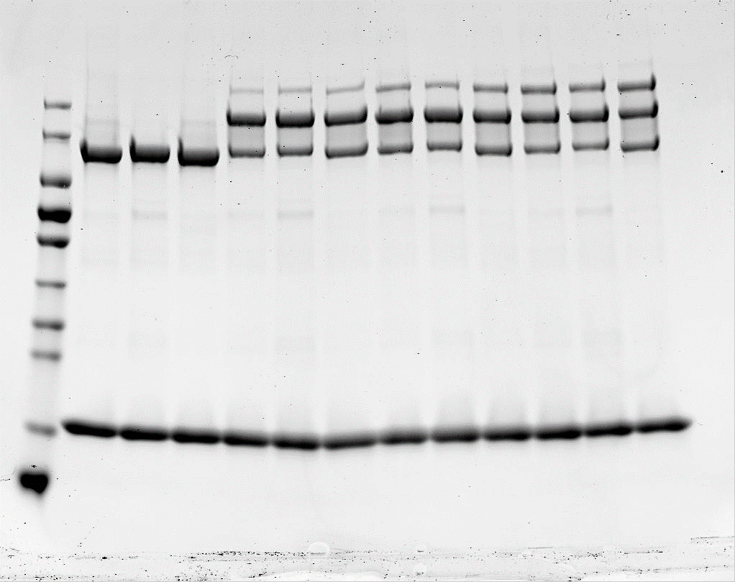
 |  | 2 | R615A | 135,806 | 32,379 | 31,543 | 199,728 | 63.922 | 0 | 0.000 |  | R615A | 0 | 0.085727871027 | 0.070123751445 | 0.029999613931 |  |  | D616A(of wt control) | 0 | 0.56422560498 | 0.99642419901 | 1.0474343291
170-
130-
95-
72-
55-
43-
34-
26-
17-
10-kDa
 |  | 3 | D616A | 140,521 | 41,352 | 32,988 | 214,861 | 74.34 | 0 | 0.000 |  | D616A | 0 | 0.037508332625 | 0.035120251737 | 0.076832021978
 | 7.5 min | 4 | WT | 111,691 | 108,549 | 44,208 | 264,448 | 152.757 | 74 | 0.634
 |  | 5 | R615A | 114,877 | 122,089 | 48,278 | 285,244 | 170.367 | 106 | 0.913
 |  | 6 | D616A | 100,789 | 111,438 | 46,306 | 258,533 | 157.744 | 83 | 0.715
 | 15 min | 7 | WT | 106,089 | 132,449 | 65,146 | 303,684 | 197.595 | 119 | 1.019
 |  | 8 | R615A | 98,359 | 127,762 | 57,816 | 283,937 | 185.578 | 121.656 | 1.043
 |  | 9 | D616A | 113,821 | 119,414 | 68,563 | 301,798 | 187.977 | 114 | 0.974
 | 30 min | 10 | WT | 94,071 | 113,436 | 81,978 | 289,485 | 195.414 | 117 | 1.000
 |  | 11 | R615A | 94,821 | 125,105 | 75,399 | 295,325 | 200.504 | 137 | 1.171
 |  | 12 | D616A | 106,976 | 112,736 | 94,052 | 313,764 | 206.788 | 132 | 1.135

 |  |  |  | Upper
 |  | Sample | UBA6 variant +C0FAT10 | Band 1 | Band 2 | Band 3 | 1+2+3 | 2+3 | Abstract no ATP | Divide final wt
Gel 3 | NO ATP | 1 | WT | 110,374 | 35,798 | 28,144 | 174.316 | 63.942 | 0 | 0
Sample: 1 2 3 4 5 6 7 8 9 10 11 12
 |  | 2 | R615A | 111,589 | 25,672 | 26,379 | 163.64 | 52.051 | 0 | 0
 |  | 3 | D616A | 115,738 | 32,609 | 27,455 | 175.802 | 60.064 | 0 | 0
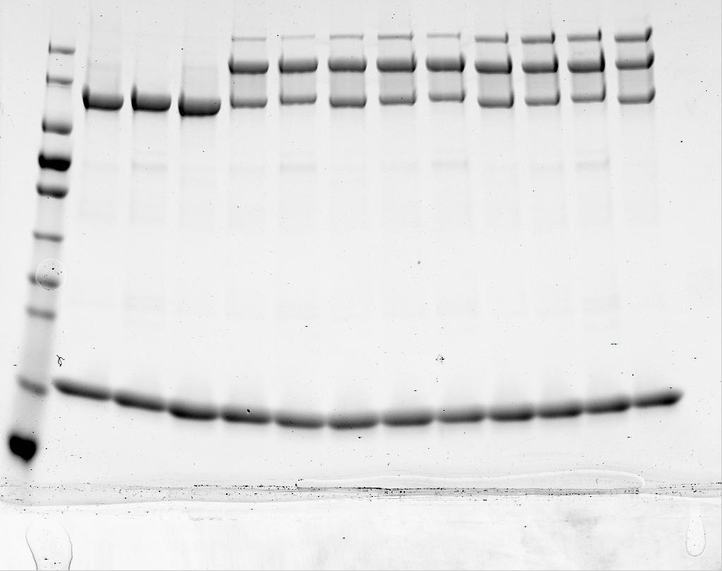
170-
130-
95-
72-
55-
43-
34-
26-
17-
10-kDa
 | 7.5 min | 4 | WT | 79,268 | 93,940 | 41,691 | 214.899 | 135.631 | 71.689 | 0.68531087489
 |  | 5 | R615A | 75,048 | 96,325 | 33,608 | 204.981 | 129.933 | 77.882 | 0.74451284797
 |  | 6 | D616A | 79,407 | 93,120 | 45,250 | 217.777 | 138.37 | 78.306 | 0.74856607525
 | 15 min | 7 | WT | 78,871 | 97,407 | 49,738 | 226.016 | 147.145 | 83.203 | 0.79537893851
 |  | 8 | R615A | 76,240 | 103,840 | 42,849 | 222.929 | 146.689 | 94.638 | 0.90469180177
 |  | 9 | D616A | 84,856 | 95,449 | 59,775 | 240.08 | 155.224 | 95.16 | 0.9096818599
 | 30 min | 10 | WT | 71,124 | 101,144 | 67,406 | 239.674 | 168.55 | 104.608 | 1
 |  | 11 | R615A | 77,213 | 110,104 | 60,679 | 247.996 | 170.783 | 118.732 | 1.1350183542
 |  | 12 | D616A | 72,144 | 95,074 | 70,973 | 238.191 | 166.047 | 105.983 | 1.0131443102

Supplementary Fig.4
Supplementary Fig.4a

UBA6
Uba1
UBA1
UBA6
- - - + + + + + + + + +
0 0 0 7.5 7.5 7.5 15 15 15 30 30 30
E1s
ATP
Time (min)
UBA1
Uba1
UBA6
UBA1
Uba1
Uba1
UBA1
UBA6
UBA6+2xFAT10
UBA6+FAT10
E1
FAT10
UBA6
Uba1
UBA1
UBA6
- - - + + + + + + + + +
0 0 0 7.5 7.5 7.5 15 15 15 30 30 30
E1s
ATP
Time (min)
UBA1
Uba1
UBA6
UBA1
Uba1
Uba1
UBA1
UBA6
UBA6+FAT10
E1
FAT10
FAT10 C0 | FAT10 wt

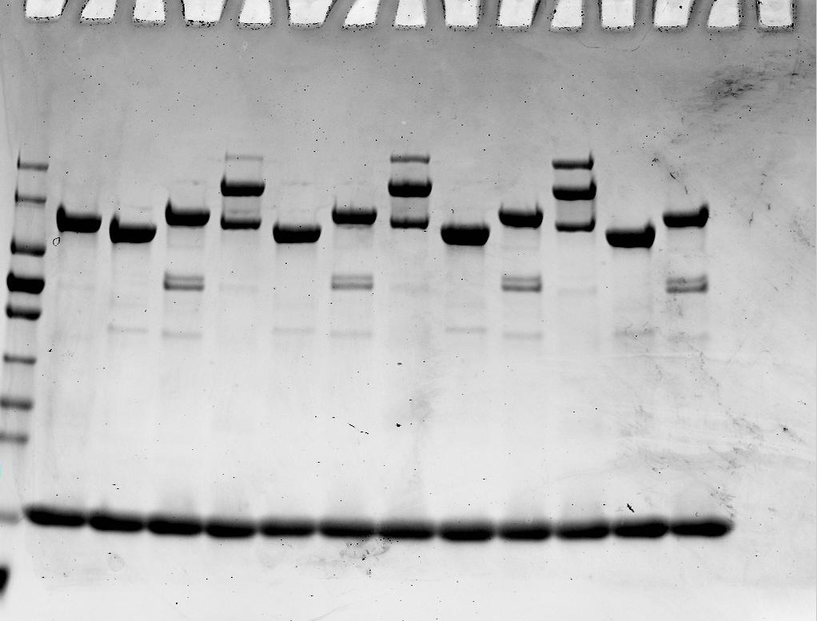
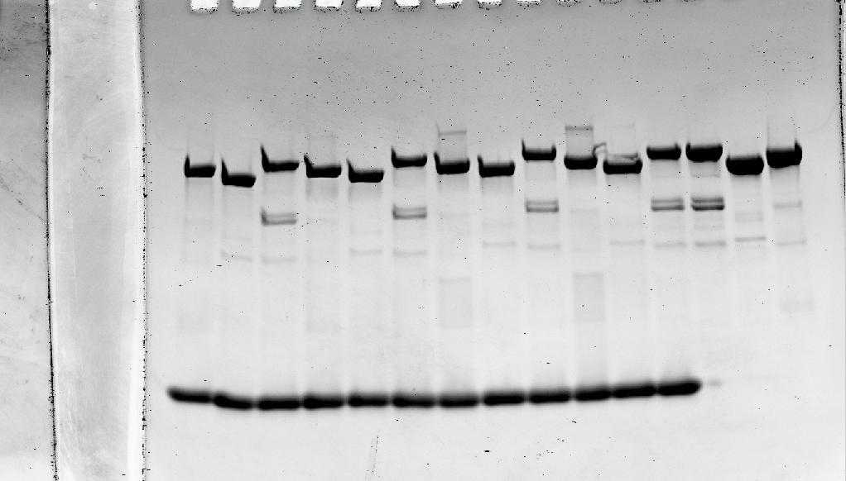

170-
130-
95-
72-
55-
43-
34-
26-
17-kDa

Uba1 degradation

Uba1, UBA1, UBA6 in 3mg/ml

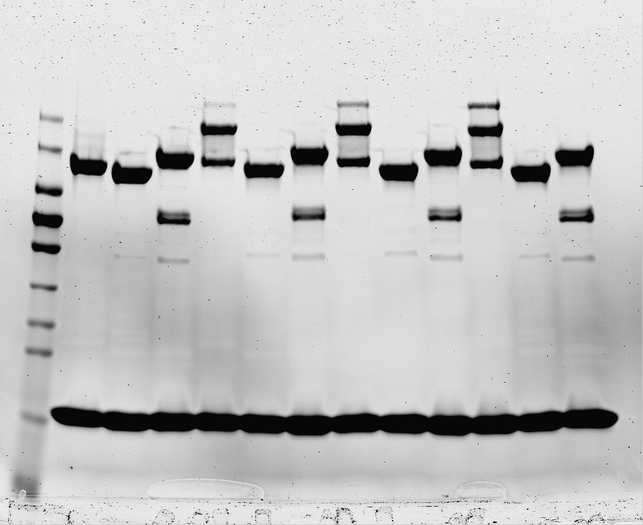
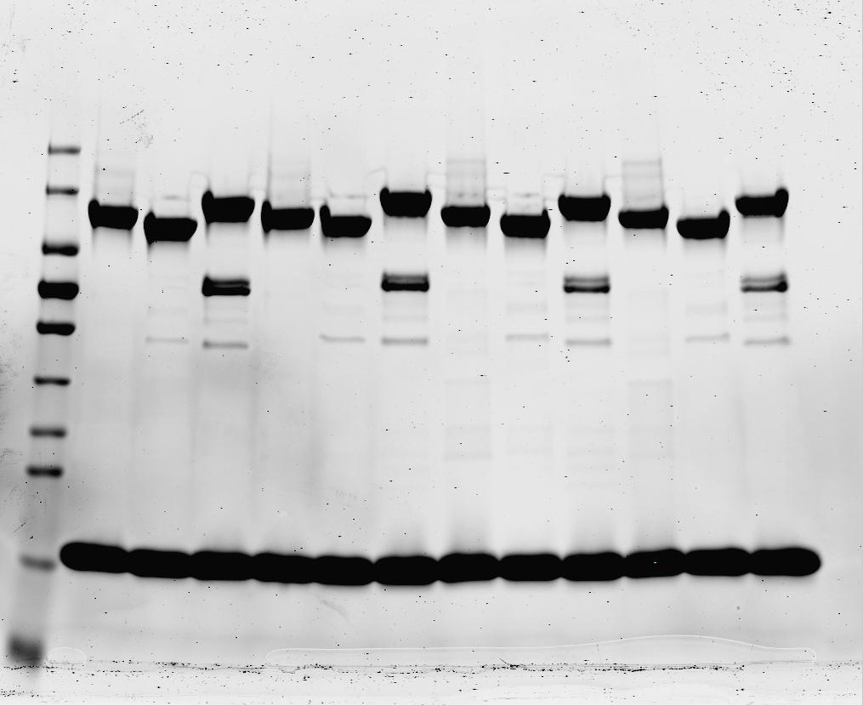

170-
130-
95-
72-
55-
43-
34-
26-
17-kDa
170-
130-
95-
72-
55-
43-
34-
26-
17-kDa

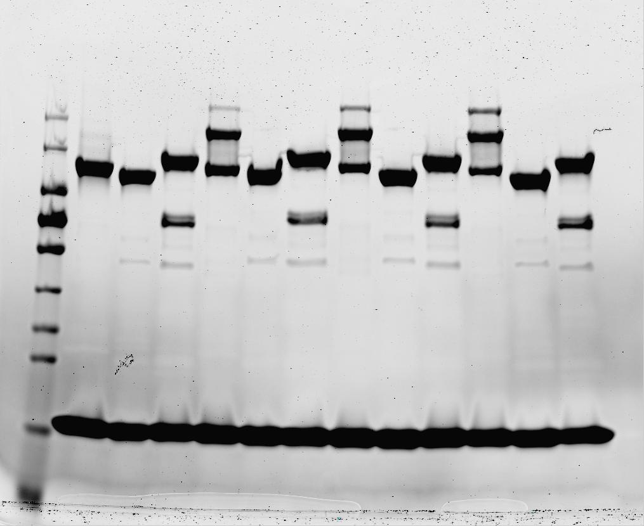
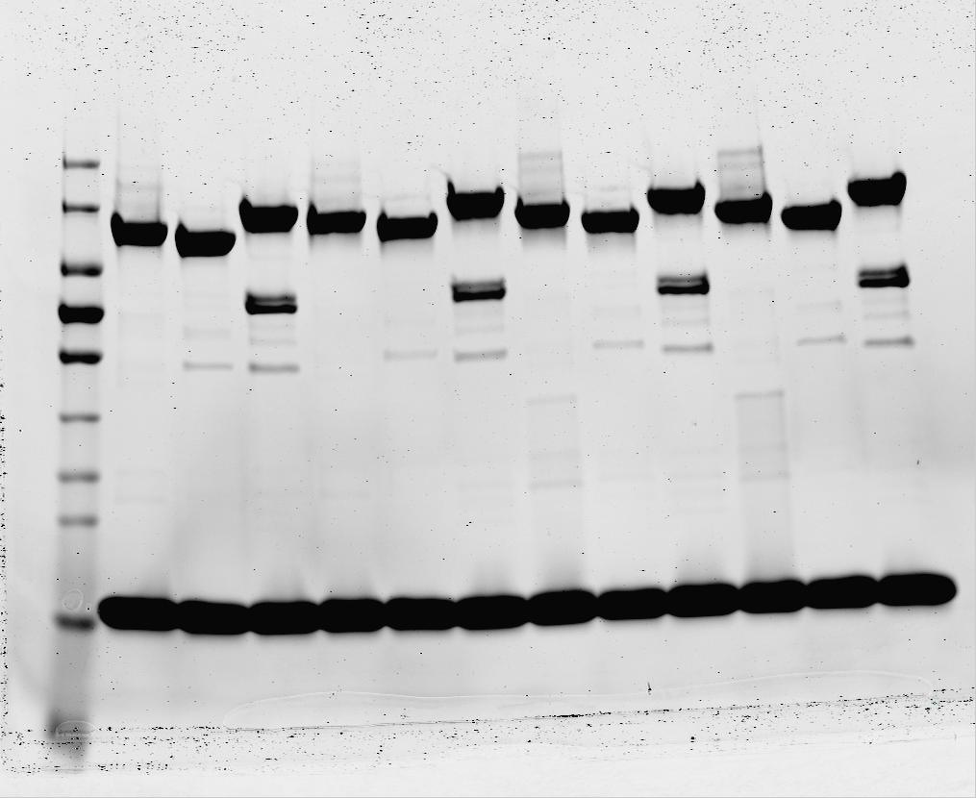

170-
130-
95-
72-
55-
43-
34-
26-
17-kDa
170-
130-
95-
72-
55-
43-
34-
26-
17-kDa

Supplementary Fig.4b

FAT10 wt
+ - + - + - + - + -

FAT10-C0
- + - + - + - + - +
- - + + + + + + + +
0 0 7.5 7.5 15 15 30 30 60 60
ATP
Time (min)
UBA6+2xFAT10
UBA6+FAT10
UBA6
FAT10

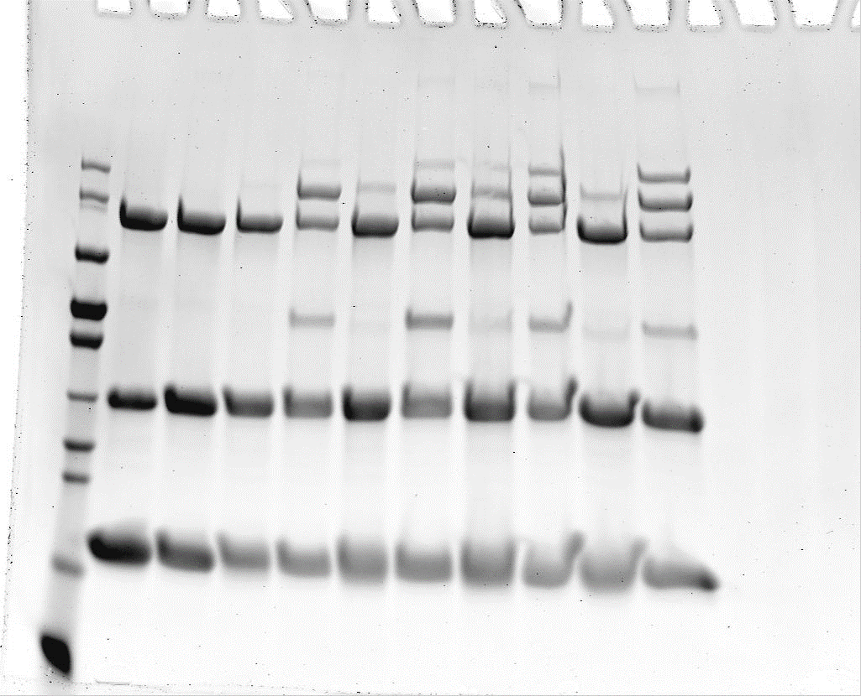

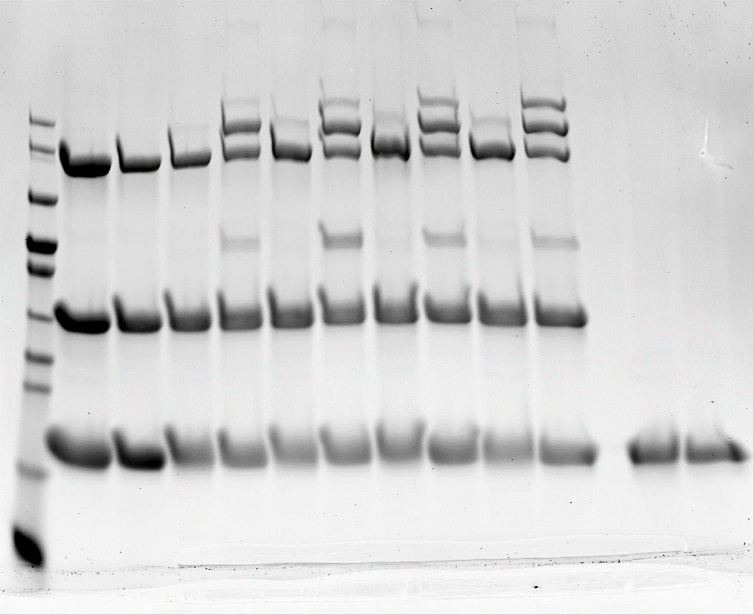
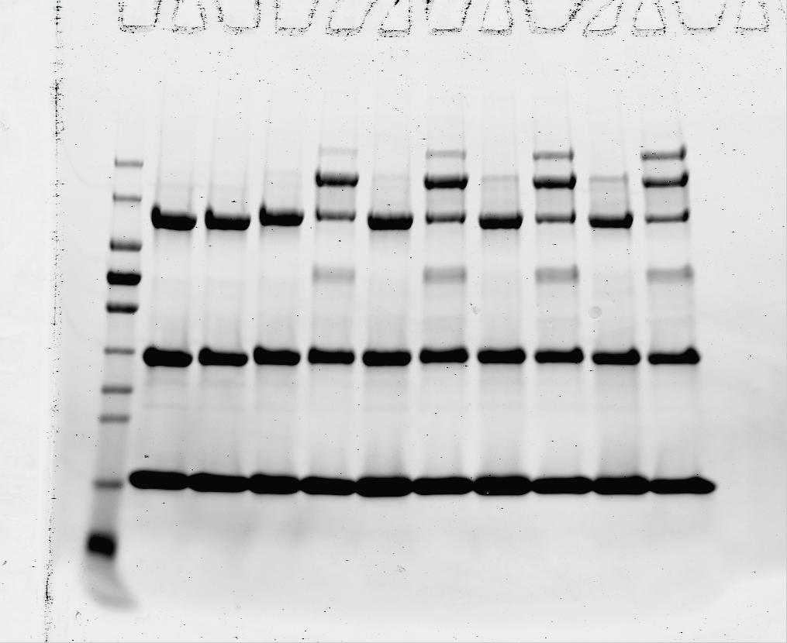

170-
130-
95-
72-
55-
43-
34-
26-
17-
10-kDa
170-
130-
95-
72-
55-
43-
34-
26-
17-
10-kDa
170-
130-
95-
72-
55-
43-
34-
26-
17-
10-kDa

USE1+ FAT0

USE1

FAT10-C0, FAT10 wt in 5mg/ml

Supplementary Fig.4c
After 40 mins
5 min
10 min
20 min
40 min
ATP - + + - + + - + +
DTT - - + - - + - - +
ATP - + + - + + - + + - + +
DTT - - + - - + - - + - - +

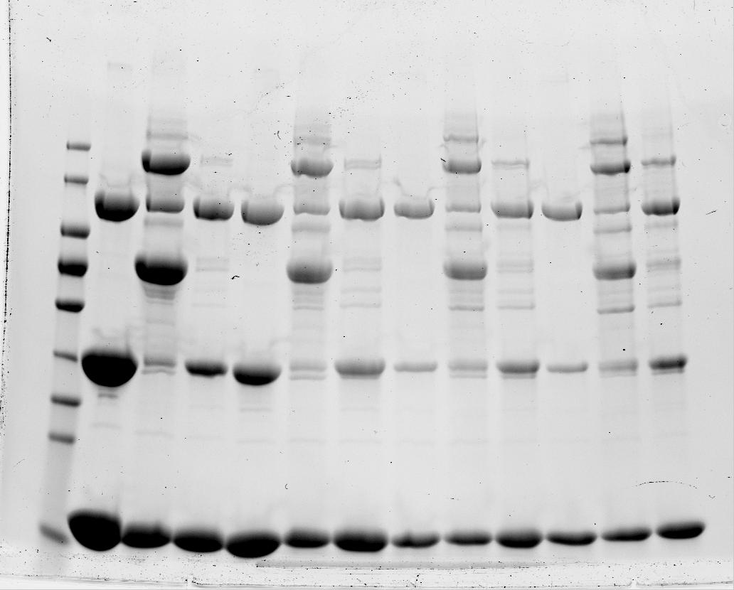
170-
130-
95-
72-
55-
43-
34-
26-
17-
kDa
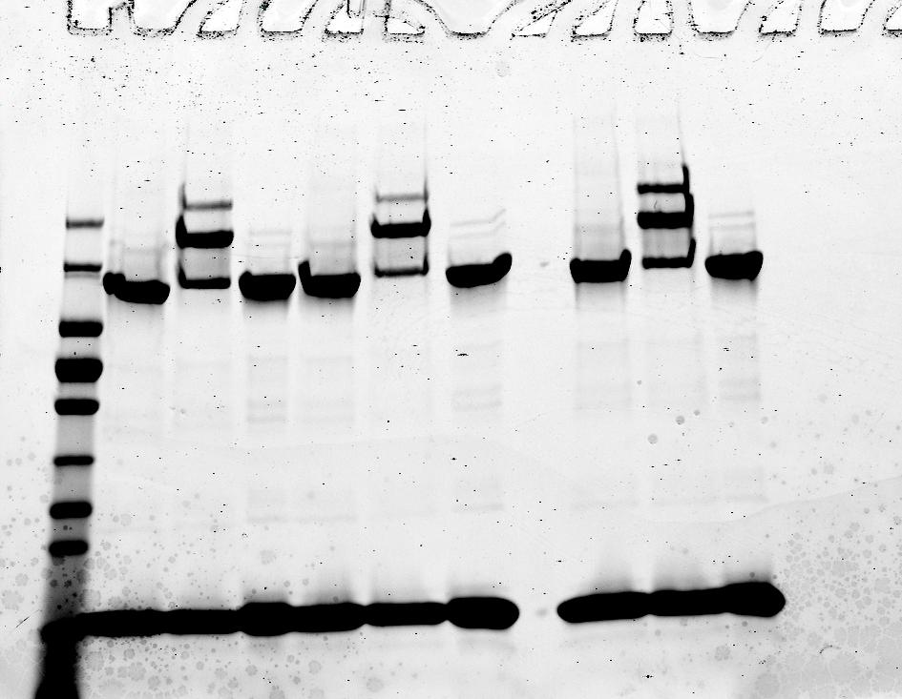
UBA6+C0-FAT10
UBA6+C0-FAT10+USE1

UBA6
USE1+C0-FAT10
UBA6+ 2xC0FAT10
170-
130-
95-
72-
55-
43-
34-
26-
17-
10-
kDa
UBA6+ C0FAT10

USE1
UBA6

C0-FAT10

C0-FAT10

