Figure 1d
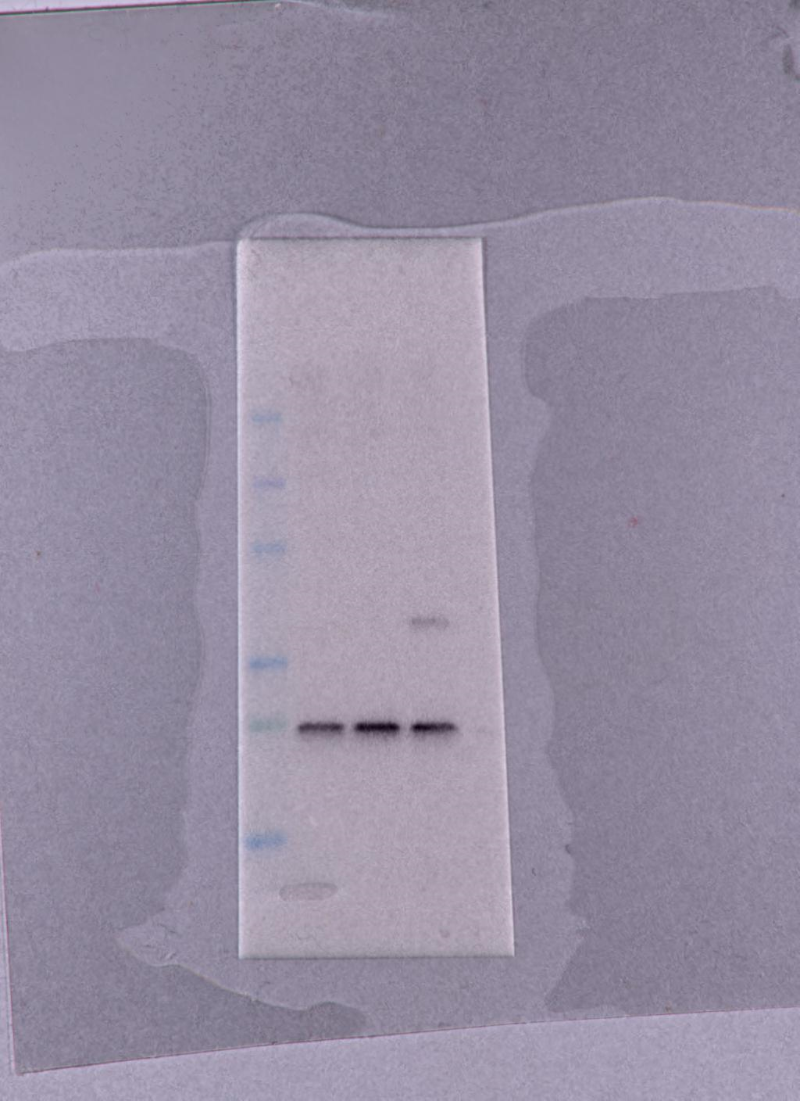
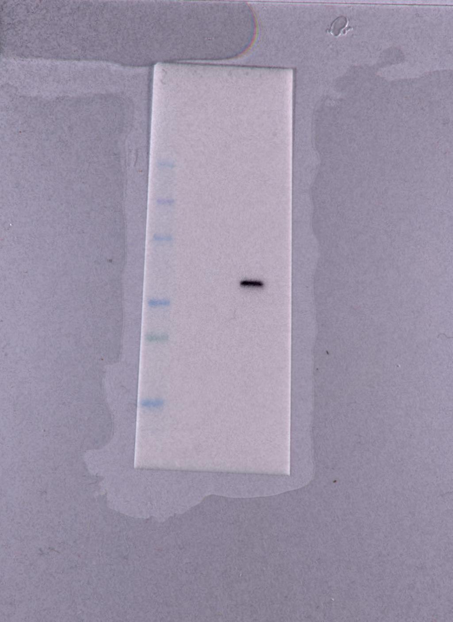
NP | 56 kDa | anti-NP | anti-GAPDH
GAPDH | 37 kDa

