Suppl. Fig. 16
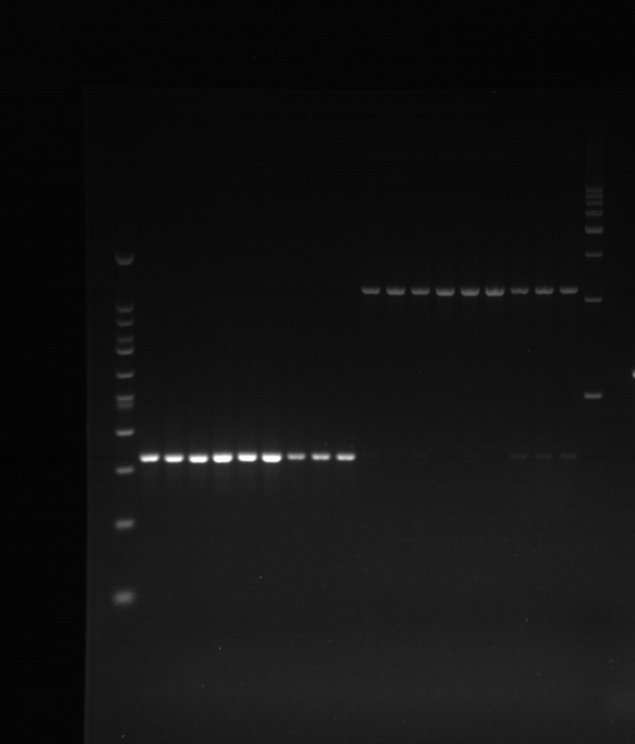
PCR_TENM1 | PCR_TXNDC5 | PCR_ZCCHC14

