1. genes
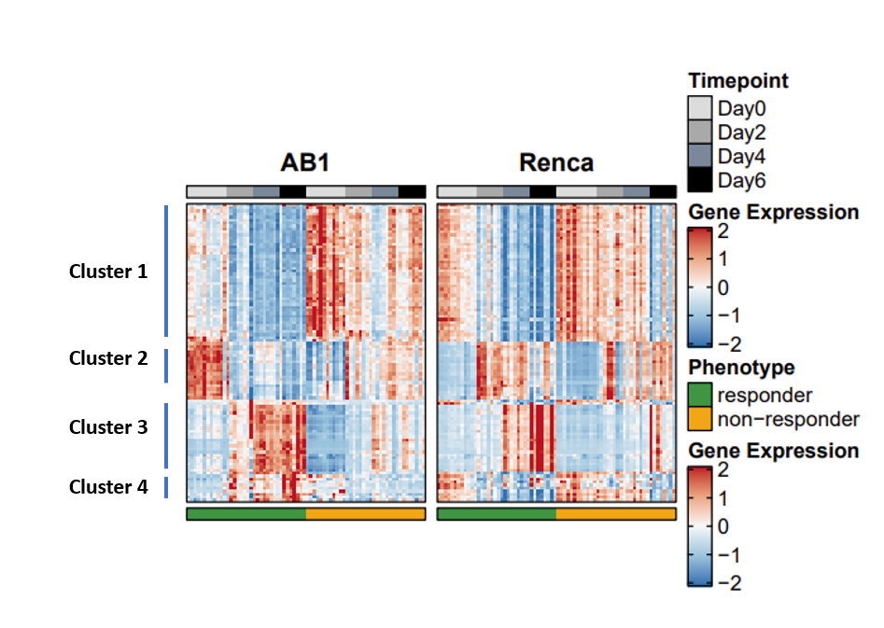
Module1 | Module2 | Module3 | Module4
Ak1 | Mtfr1 | Nedd4 | Gimap4
Rac2 | Gimap1 | Nkg7 | Prkar2b
Gbp10 | Atp2b2 | Gria3 | Hoxa9
Plac8 | Gbp11 | Nampt | Gm45338
Adgrl2 | Cotl1 | Batf2 | Rasgrp2
Gm26902 | Frrs1 | Cd300lg | Batf
Oasl2 | Ifi47 | Herc6 | Gbp2b
Kcnn1 | Dst | Psma7 | Cttn
Rbfox2 | Dtx3l | Parp12 | Ptk2
Gm43302 | Gbp5 | Mn1 | Limd2
Parva | Epn2 | Fstl3
Arhgef5 | Cxcr6 | Nbas
Gbp4 | Eps8l2 | Psmb8
Gbp3 | Cgnl1 | Bmpr1a
Prkcq | Ptpn13 | C130074G19Rik
Mxd4 | Jam3 | Klrc3
Baiap2l1 | Kctd15 | Akna
Psme2 | Gbp6 | Oplah
Lum | Ms4a4b | P3h4
Rassf5 | Kank1 | Gm773
Kirrel |  | Gpnmb
Gm4951 |  | Irf1
Parp9 |  | Asrgl1
Gbp2 |  | Cd8b1
Pkd2
Ifitm3
Klrd1
Pon2
Cdc42bpa
Cd3d
Mtmr11
Rasal3
Prkch
Hoxa10
Cd96
Cryz
Olfr56
Adgra3
Creg1
Kank2
Pard3
Pdcd1
Cxcl11
Adarb1
Cd8a

3. pathways (Reactome)
Table shows enrichment of clusters using the Reactome 2016 ontology.
Reactome 2016 | pvalue | adj_pval | odds_ratio | combined_score
Cluster 1
Immune System Homo sapiens R-HSA-168256 | 0.0001141 | 0.02648 | 4.36 | 39.61
PD-1 signaling Homo sapiens R-HSA-389948 | 0.001554 | 0.04862 | 38.63 | 249.78
Effects of PIP2 hydrolysis Homo sapiens R-HSA-114508 | 0.001676 | 0.04862 | 37.08 | 236.98
Interferon gamma signaling Homo sapiens R-HSA-877300 | 0.001199 | 0.04862 | 15.77 | 106.05
Immunoregulatory interactions between a Lymphoid and a non-Lymphoid cell Homo sapiens R-HSA-198933 | 0.0004238 | 0.04862 | 12.63 | 98.06
Downstream TCR signaling Homo sapiens R-HSA-202424 | 0.001436 | 0.04862 | 14.78 | 96.73
Interferon Signaling Homo sapiens R-HSA-913531 | 0.0009734 | 0.04862 | 10.04 | 69.64
Adaptive Immune System Homo sapiens R-HSA-1280218 | 0.001455 | 0.04862 | 4.68 | 30.6
TCR signaling Homo sapiens R-HSA-202403 | 0.002372 | 0.05853 | 12.32 | 74.48
Cytokine Signaling in Immune system Homo sapiens R-HSA-1280215 | 0.002523 | 0.05853 | 4.85 | 28.99
Cluster 2
Interferon gamma signaling Homo sapiens R-HSA-877300 | 0.003849 | 0.127 | 24.28 | 135.02
Type I hemidesmosome assembly Homo sapiens R-HSA-446107 | 0.008966 | 0.1313 | 131.39 | 619.44
Reduction of cytosolic Ca++ levels Homo sapiens R-HSA-418359 | 0.01194 | 0.1313 | 95.55 | 423.08
Interferon Signaling Homo sapiens R-HSA-913531 | 0.01617 | 0.1334 | 11.33 | 46.74
Platelet calcium homeostasis Homo sapiens R-HSA-418360 | 0.02667 | 0.176 | 40.39 | 146.39
Extracellular matrix organization Homo sapiens R-HSA-1474244 | 0.03206 | 0.1763 | 7.79 | 26.8
Ion homeostasis Homo sapiens R-HSA-5578775 | 0.04981 | 0.18 | 20.98 | 62.93
Assembly of collagen fibrils and other multimeric structures Homo sapiens R-HSA-2022090 | 0.05266 | 0.18 | 19.79 | 58.25
Ion transport by P-type ATPases Homo sapiens R-HSA-936837 | 0.05361 | 0.18 | 19.42 | 56.83
Chemokine receptors bind chemokines Homo sapiens R-HSA-380108 | 0.05456 | 0.18 | 19.07 | 55.46
Cluster 3
Regulation of activated PAK-2p34 by proteasome mediated degradation Homo sapiens R-HSA-211733 | 0.001568 | 0.01315 | 38.55 | 248.94
Cross-presentation of soluble exogenous antigens (endosomes) Homo sapiens R-HSA-1236978 | 0.001568 | 0.01315 | 38.55 | 248.94
CDK-mediated phosphorylation and removal of Cdc6 Homo sapiens R-HSA-69017 | 0.001632 | 0.01315 | 37.74 | 242.23
Ubiquitin-dependent degradation of Cyclin D1 Homo sapiens R-HSA-69229 | 0.001632 | 0.01315 | 37.74 | 242.23
Ubiquitin-dependent degradation of Cyclin D Homo sapiens R-HSA-75815 | 0.001632 | 0.01315 | 37.74 | 242.23
Regulation of Apoptosis Homo sapiens R-HSA-169911 | 0.001632 | 0.01315 | 37.74 | 242.23
Regulation of ornithine decarboxylase (ODC) Homo sapiens R-HSA-350562 | 0.001632 | 0.01315 | 37.74 | 242.23
Vpu mediated degradation of CD4 Homo sapiens R-HSA-180534 | 0.001698 | 0.01315 | 36.97 | 235.82
Autodegradation of the E3 ubiquitin ligase COP1 Homo sapiens R-HSA-349425 | 0.001698 | 0.01315 | 36.97 | 235.82
p53-Independent DNA Damage Response Homo sapiens R-HSA-69610 | 0.001764 | 0.01315 | 36.23 | 229.7
Cluster 4
Integrin alphaIIb beta3 signaling Homo sapiens R-HSA-354192 | 0.00007845 | 0.009724 | 199.65 | 1887.3
Platelet Aggregation (Plug Formation) Homo sapiens R-HSA-76009 | 0.0001485 | 0.009724 | 142.54 | 1256.48
Netrin mediated repulsion signals Homo sapiens R-HSA-418886 | 0.00499 | 0.05032 | 246.68 | 1307.49
Signal regulatory protein (SIRP) family interactions Homo sapiens R-HSA-391160 | 0.006482 | 0.05032 | 184.98 | 932.06
DCC mediated attractive signaling Homo sapiens R-HSA-418885 | 0.006979 | 0.05032 | 170.74 | 847.7
GRB2:SOS provides linkage to MAPK signaling for Integrins Homo sapiens R-HSA-354194 | 0.007476 | 0.05032 | 158.54 | 776.21
p130Cas linkage to MAPK signaling for integrins Homo sapiens R-HSA-372708 | 0.007476 | 0.05032 | 158.54 | 776.21
Rap1 signalling Homo sapiens R-HSA-392517 | 0.007973 | 0.05032 | 147.96 | 714.91
PKA activation Homo sapiens R-HSA-163615 | 0.007973 | 0.05032 | 147.96 | 714.91
PKA-mediated phosphorylation of CREB Homo sapiens R-HSA-111931 | 0.008469 | 0.05032 | 138.71 | 661.82

