Data S6
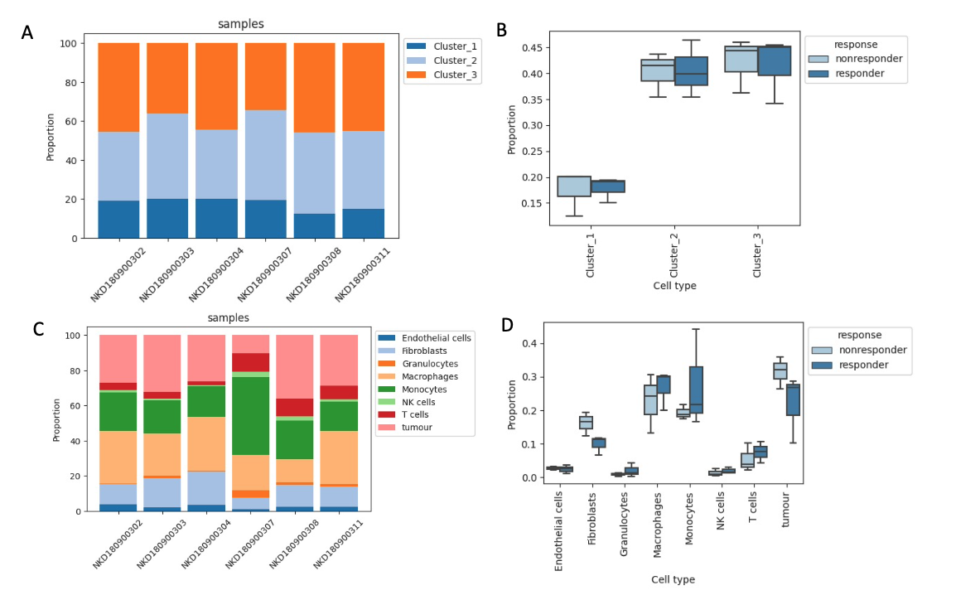
Monocytes
sample | response | Cluster_1 | Cluster_2 | Cluster_3
NKD180900302 | responder | 96 | 178 | 228
NKD180900303 | nonresponder | 110 | 239 | 198
NKD180900304 | nonresponder | 308 | 544 | 681
NKD180900307 | responder | 562 | 1350 | 992
NKD180900308 | nonresponder | 117 | 390 | 431
NKD180900311 | responder | 70 | 186 | 210

All cells in AB1 dataset
sample | response | Endothelial cells | Fibroblasts | Granulocytes | Macrophages | Monocytes | NK cells | T cells | tumour
NKD180900302 | responder | 113 | 364 | 8 | 935 | 674 | 46 | 134 | 834
NKD180900303 | nonresponder | 91 | 689 | 45 | 996 | 775 | 41 | 158 | 1327
NKD180900304 | nonresponder | 417 | 2436 | 30 | 3864 | 2212 | 55 | 271 | 3321
NKD180900307 | responder | 89 | 516 | 331 | 1565 | 3463 | 245 | 837 | 797
NKD180900308 | nonresponder | 158 | 767 | 82 | 822 | 1347 | 156 | 630 | 2231
NKD180900311 | responder | 107 | 484 | 60 | 1290 | 708 | 54 | 329 | 1217

No statistically significant differences (fdr < 0.05, automatic cell reference) in monocyte proportions or cell type proportions were detected between responders and non-responders at day 0 (determined using the scCODA package).

Caption: (A) Proportions of monocytes, grouped by clusters and samples, and (B) by response. (C) Proportion of all cell types grouped by celltypes and samples, and (D) by response in AB1 data

