Western blot data
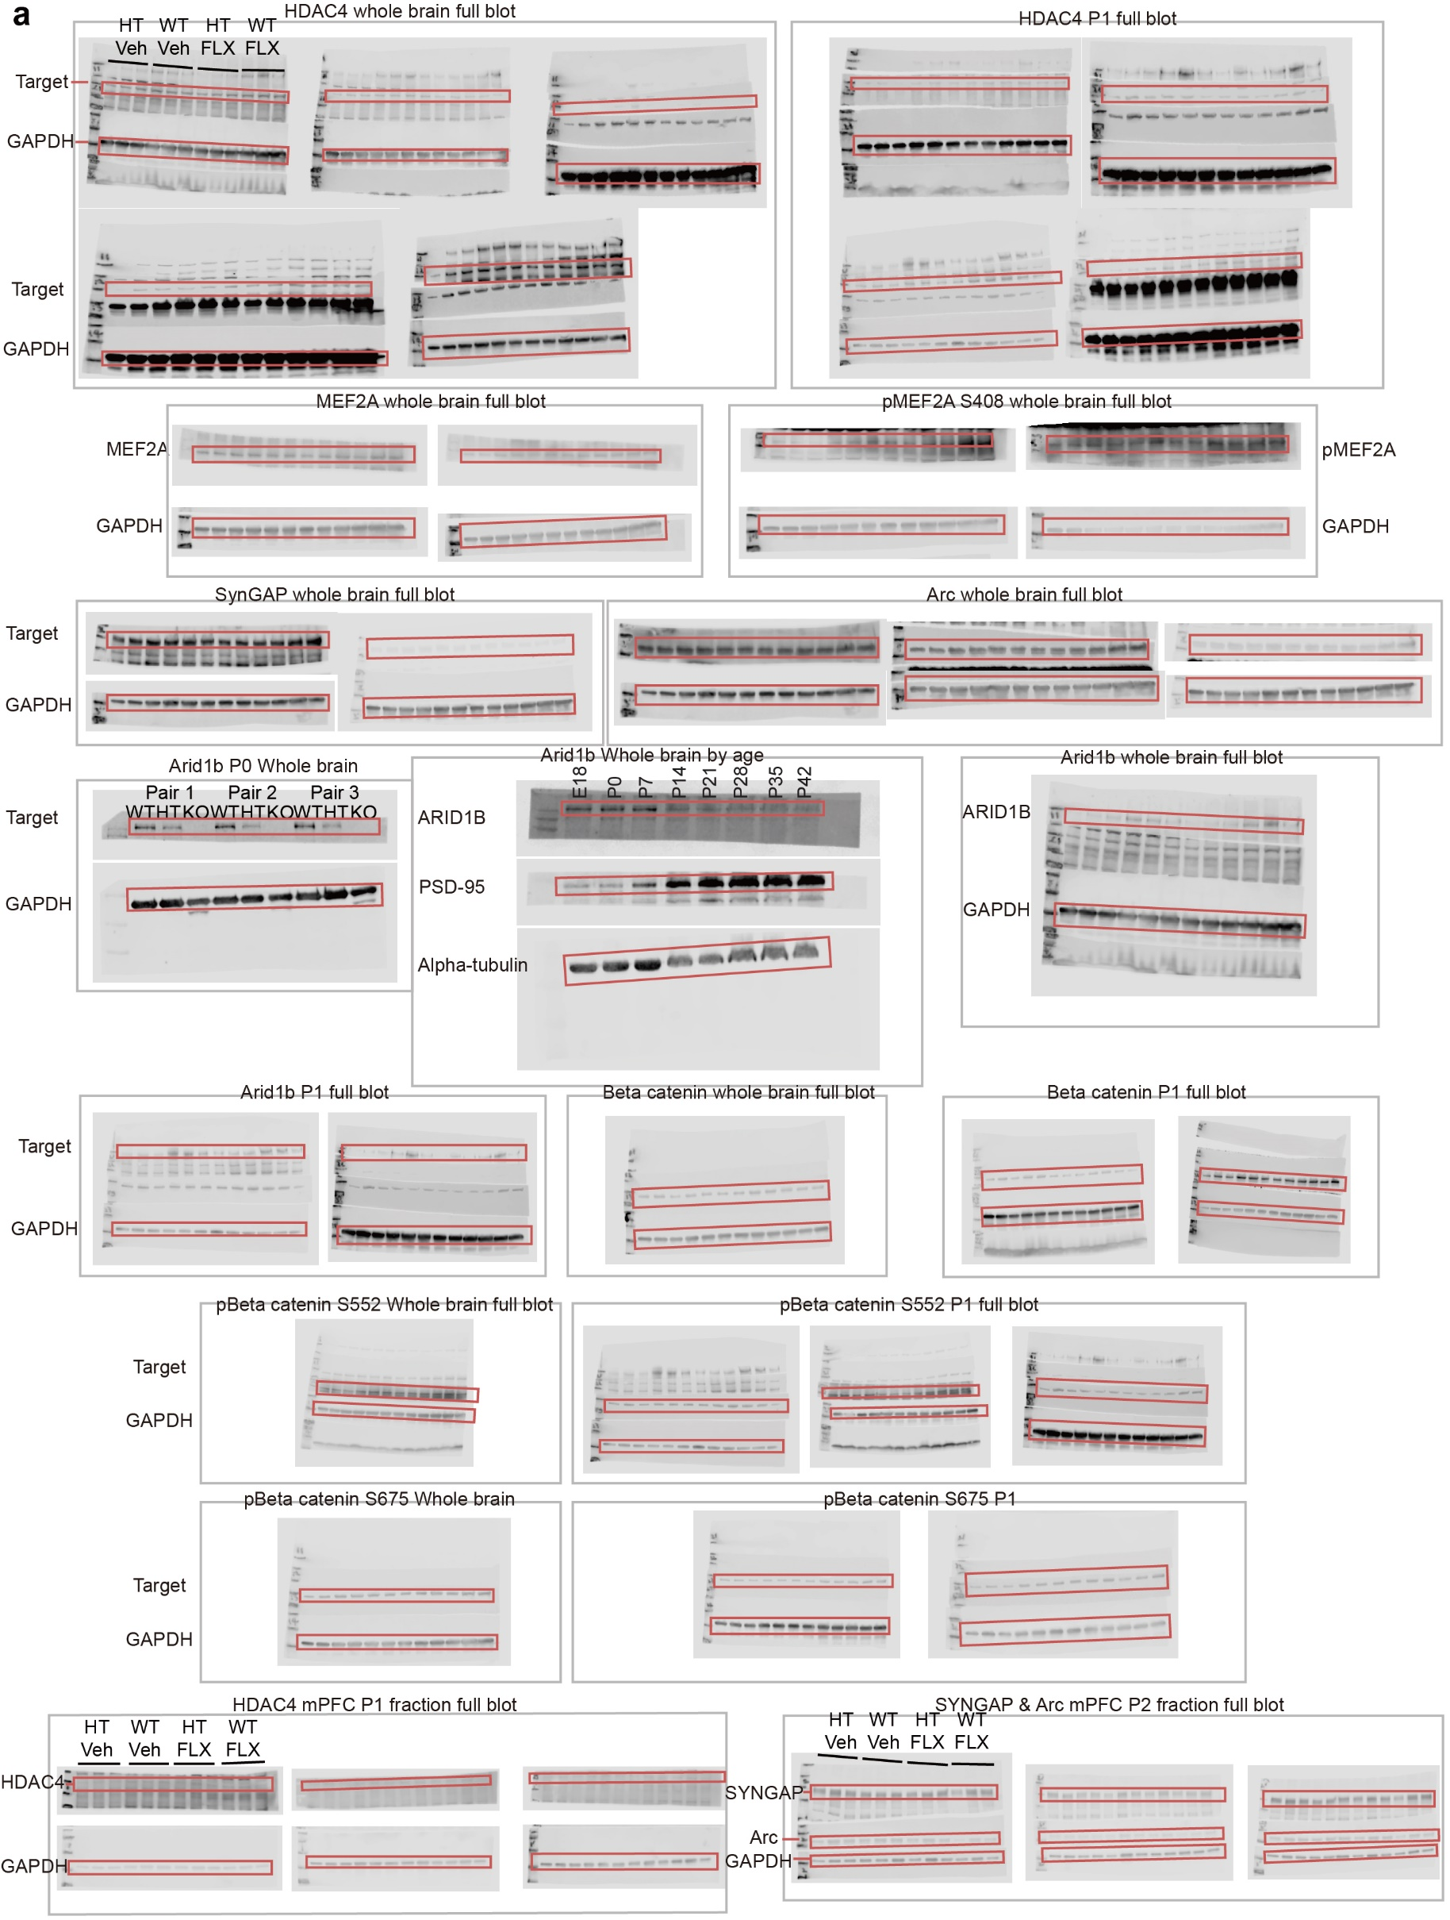

Regions of full-length immunoblots used to generate the main and supplementary figure panels are indicated in red boxes.

