1_Fig.1_b-e_
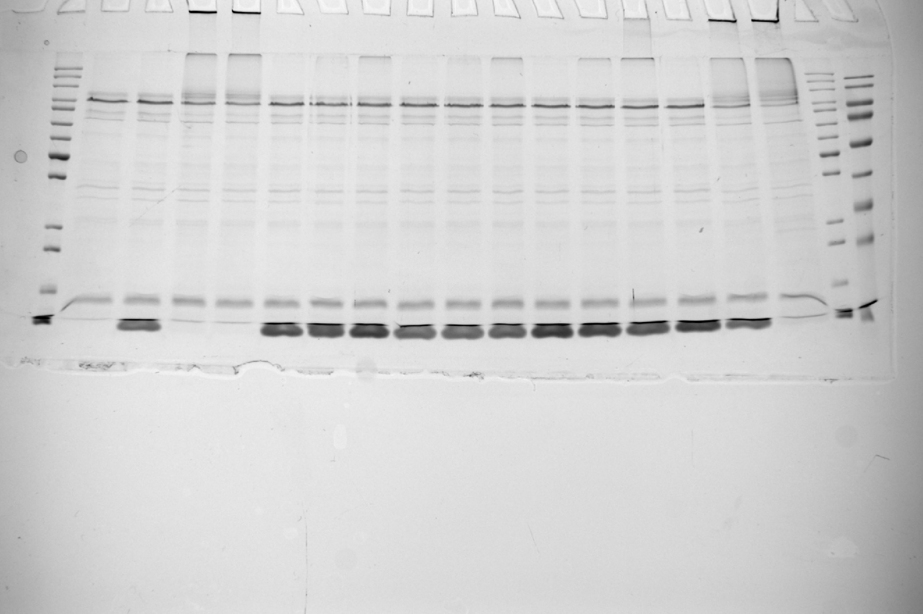
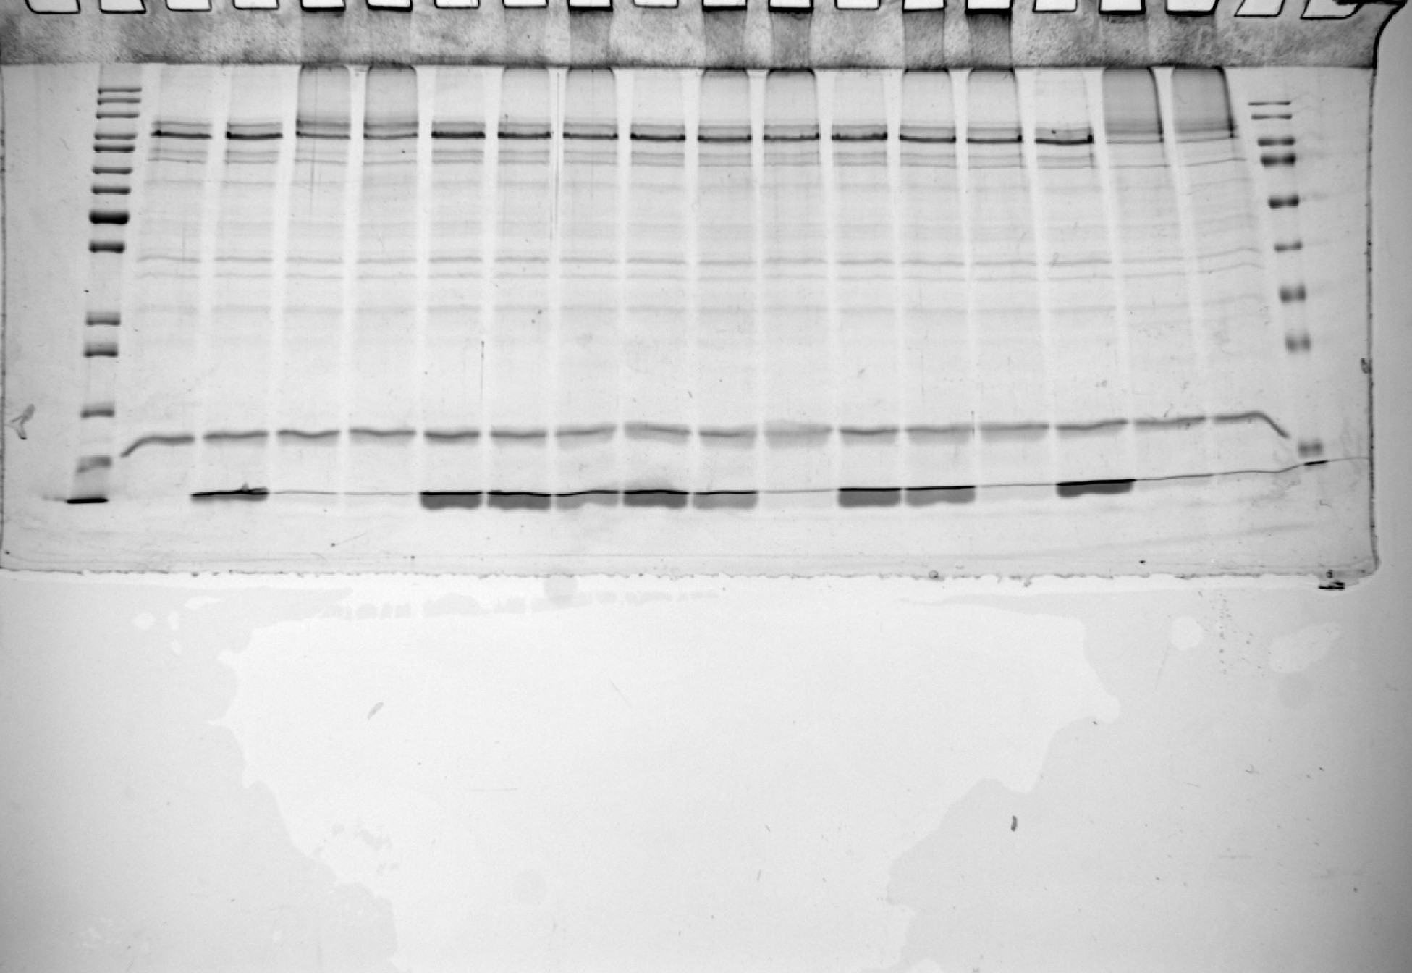
SDS-PAGE analysis of ubiquitylation assays with acetylated Ub variants and HDM2 or E6AP as E3-Ligase (related to Fig. 1)

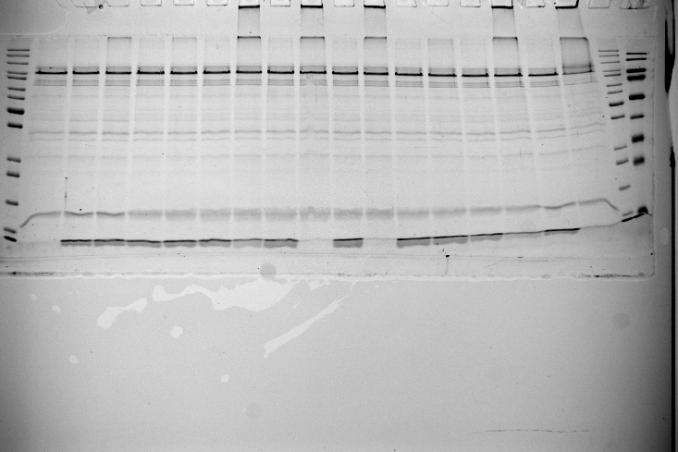
 | HDM2 autoubiquitylation with non-modified Ub and acetylatd Ub (Ub xAcK) 0min and 30min timepoints (Fig. 1b)
 |  |  | HDM2 autoubiquitylation with non-modified Ub and acetylatd Ub (Ub xAcK) 0min and 60min timepoints (Fig. 1c)
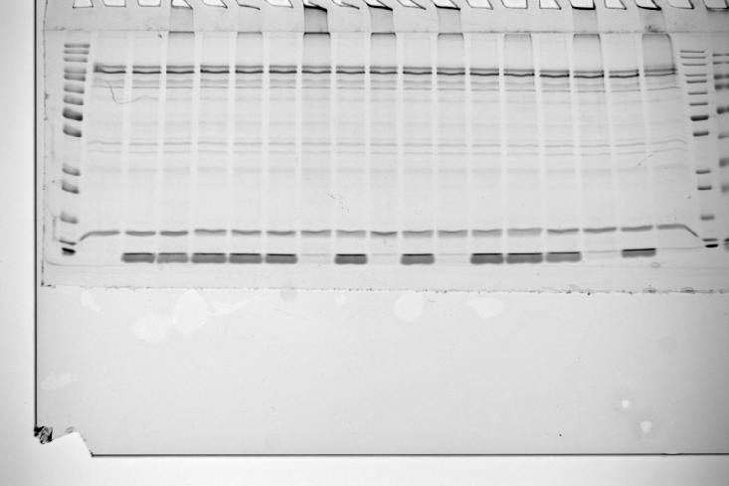

 | HDM2 autoubiquitylation with non-modified Ub and Ub K48 variants (Ub 48X) 0min, 30 min and 60 min timepoints (Fig. 1d) | HDM2 autoubiquitylation with non-modified Ub and Ub K11 variants (Ub 11X) 0min, 60 min and 150 min timepoints (Fig. 1e)

7_Fig.6_b
Western blot analysis verification of in AE-MS identified binders (related to Fig. 6b)

 |  | RAD23A Western blot |  |  | VCP Western blot

 |  | MW Marker
 |  |  |  |  | MW Marker

 |  |  | NDP52 Western blot |  |  |  |  | USP13 Western blot

 |  |  |  | MW Marker

 |  |  |  |  |  |  | MW Marker

 | ESP15 Western blot

 |  |  |  |  |  | BRCC3 Western blot

 |  | MW Marker


 |  |  |  |  |  | BRCC3 Western blot for Input (short exposure)

 |  |  |  |  |  | MW Marker

 |  |  | USP15 Western blot

 |  |  |  |  |  | HDAC6 Western blot

 |  | MW Marker

 |  |  |  |  |  | HDAC6 Western blot for Input (short exposure)

 |  |  |  |  |  | MW Marker

8_Fig.6_c
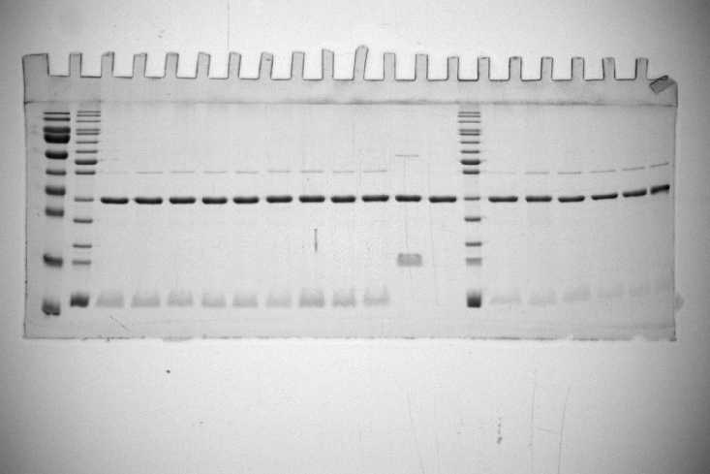
SDS-PAGE analysis of verification of in AE-MS identified binders with recombinant proteins (related to Fig. 6c)

 | Pulldown (PD) NDP52
 |  | Pulldown (PD) UCHL3
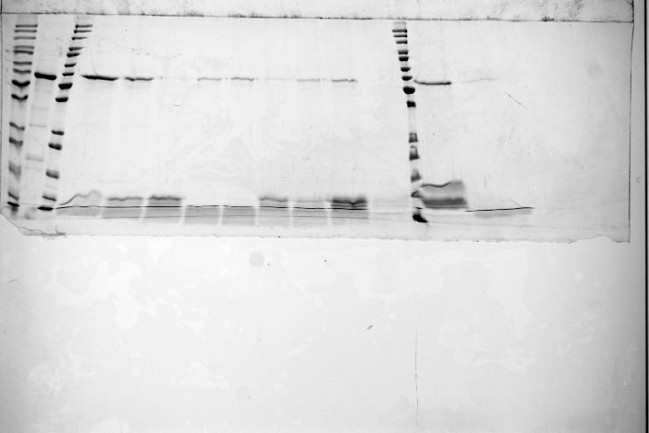
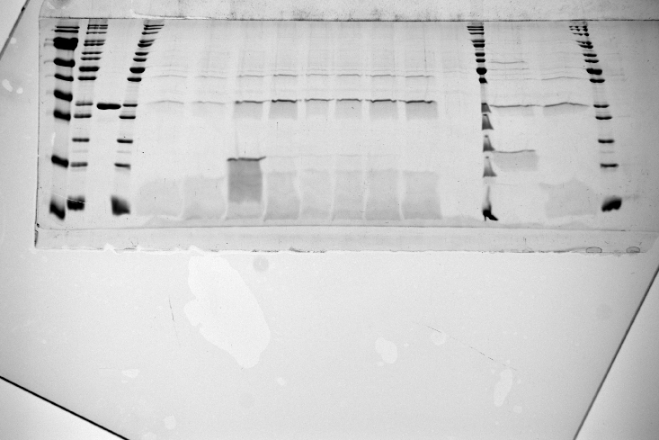

 | Input (Input) NDP52 and Ub variants | Input (Input) UCHL3

9_Fig.6_d
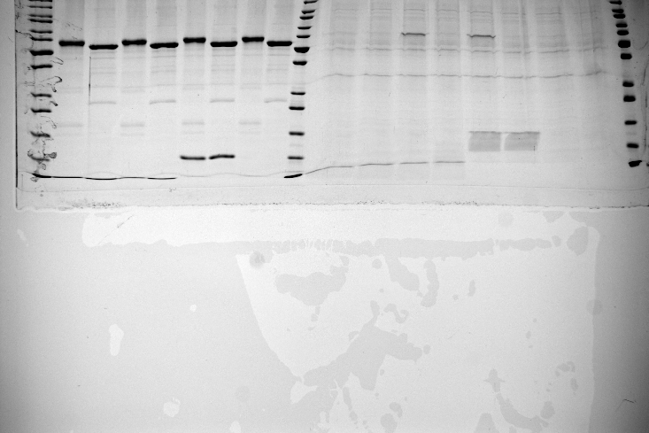
SDS-PAGE analysis of the interaction of NDP52 variants to Ub 6AcK, Ub wt and diUb (related to Fig. 6d)

 | Input (Input) NDP52 full-length (fl), NDP52 ΔZF2 (ΔZF2) and Ub/diUb variants | Pulldown (PD) NDP52 full-length (fl), NDP52 ΔZF2 (ΔZF2)

14_Sup Fig.2_a-l
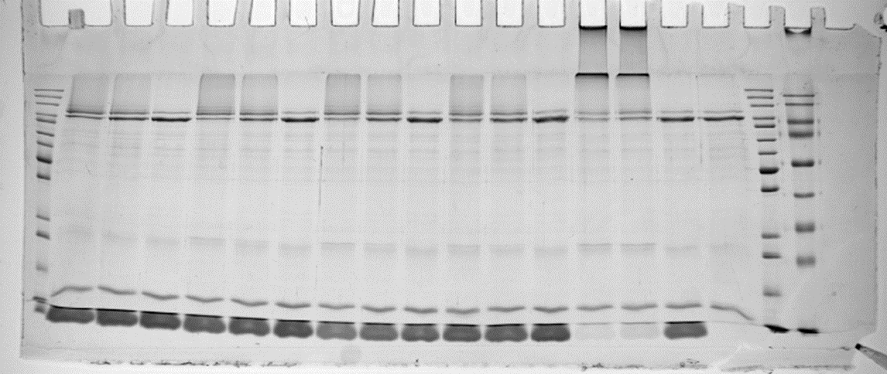
 | RLIM autoubiquitylation assay with Ub xAcK 0 and 60 min timepoints (Sup Fig. 2a) |  |  | E6AP autoubiquitylation assay with Ub xAcK 0 and 30 min timepoints (Sup Fig. 2b)
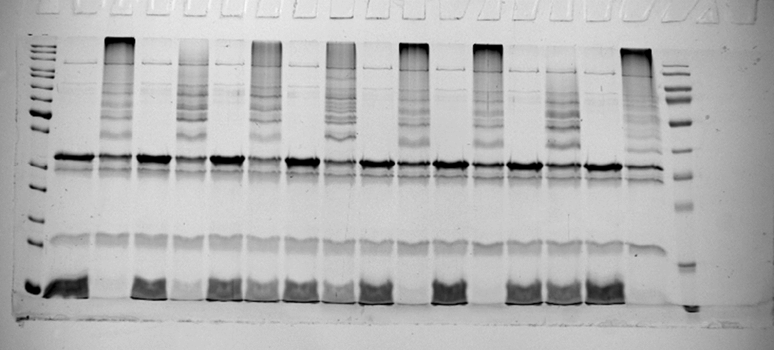
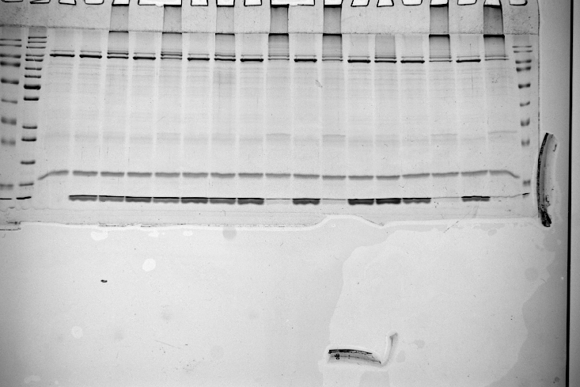

 | E6AP autoubiquitylation assay with Ub xAcK 0 and 60 min timepoints (Sup Fig. 2c) |  | E6AP autoubiquitylation assay with Ub xAcK and UbcH7 as E2 instead UbcH5b (others) 0 and 60 min timepoints (Sup Fig. 2d)
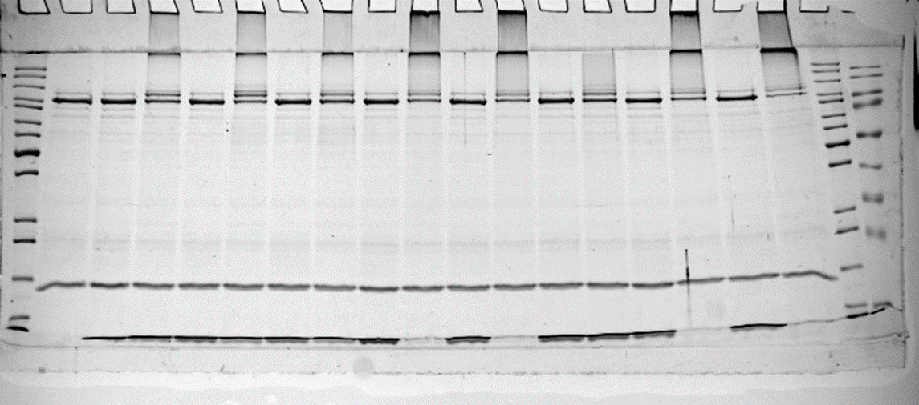
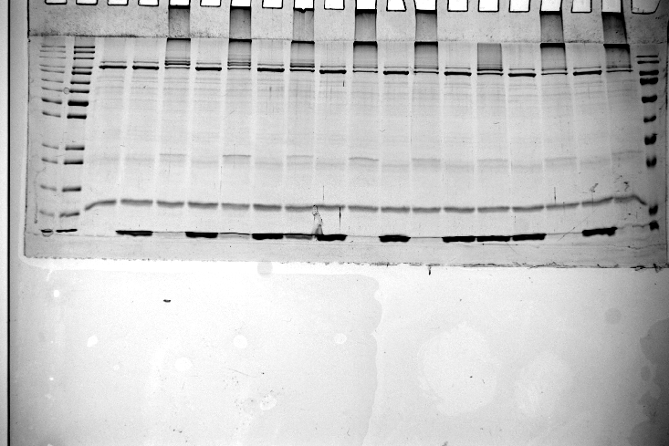

SDS-PAGE analysis of ubiquitylation assays with acetylated Ub variants with HDM2,E6AP or RLIM (RING) as E3-ligase (Related to Sup. Fig. 2) | HDM2 autoubiquitylation assay with Ub 11x 0, 30 and 60 min timepoints (Sup Fig. 2e) |  |  | E6AP autoubiquitylation assay with Ub 11x variants 0, 30 and 60 min timepoints (Sup Fig. 2f)
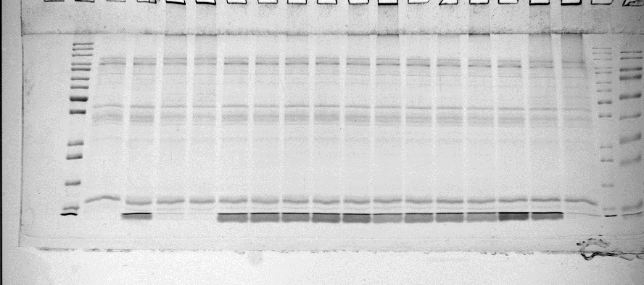
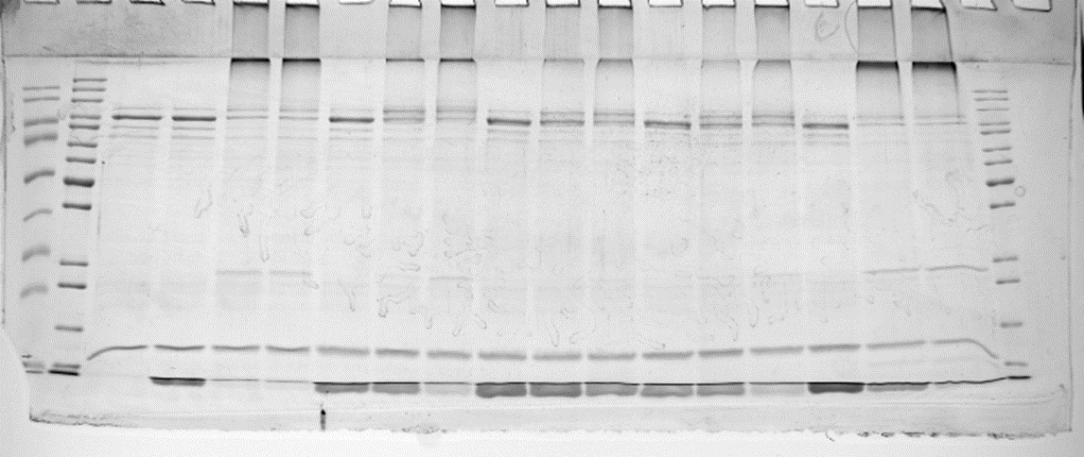

 |  | HDM2 autoubiquitylation assay with Ub 27x 0, 30 and 60 min timepoints (Sup Fig. 2g) |  | E6AP autoubiquitylation assay with Ub 27x 0, 30 and 60 min timepoints (Sup Fig. 2h)
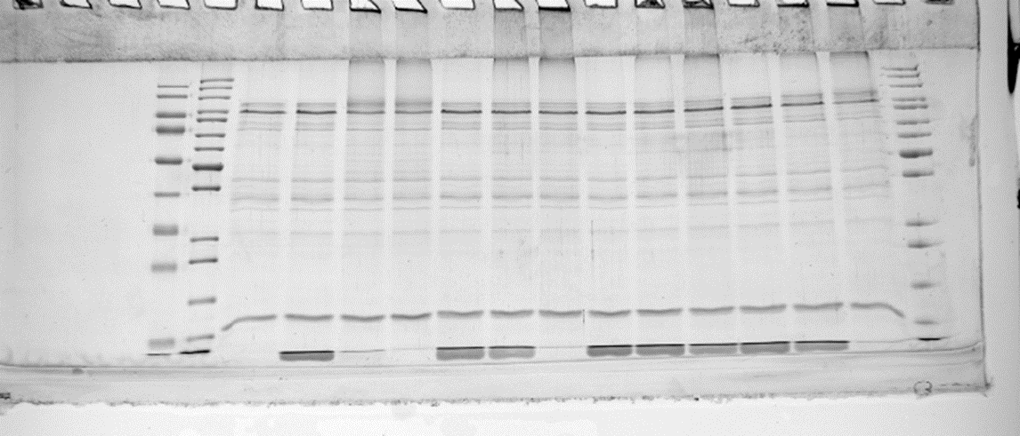
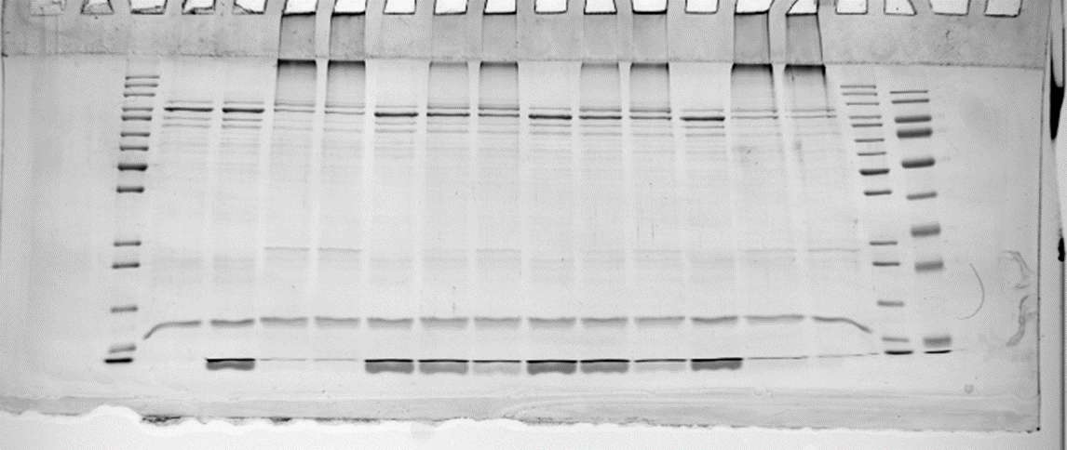

 |  |  |  | E6AP autoubiquitylation assay with Ub 6x 0, 30 and 60 min timepoints (Sup Fig. 2j)
 | HDM2 autoubiquitylation assay with Ub 6x 0, 30 and 60 min timepoints (Sup Fig. 2i)
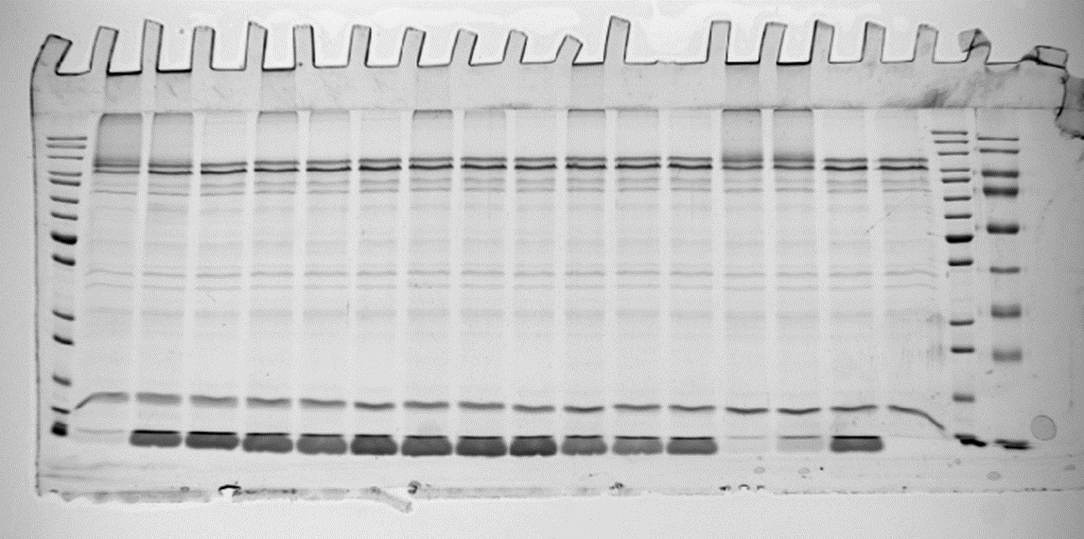
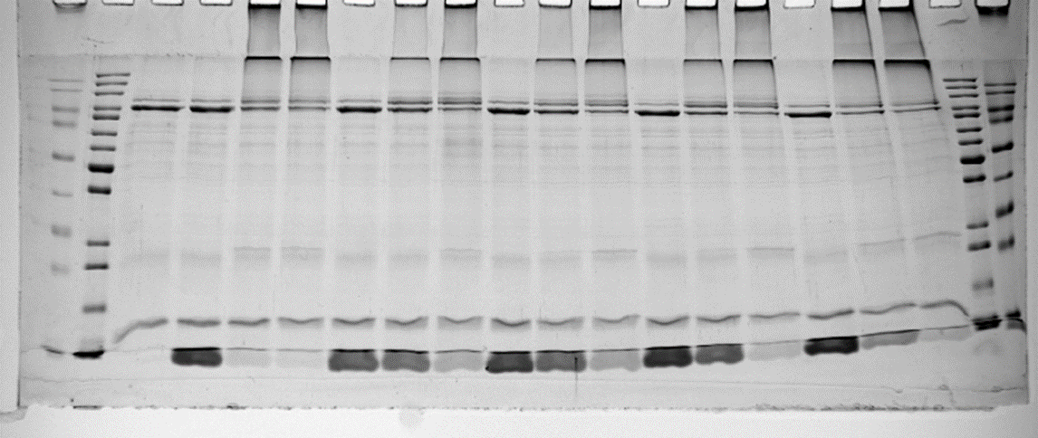

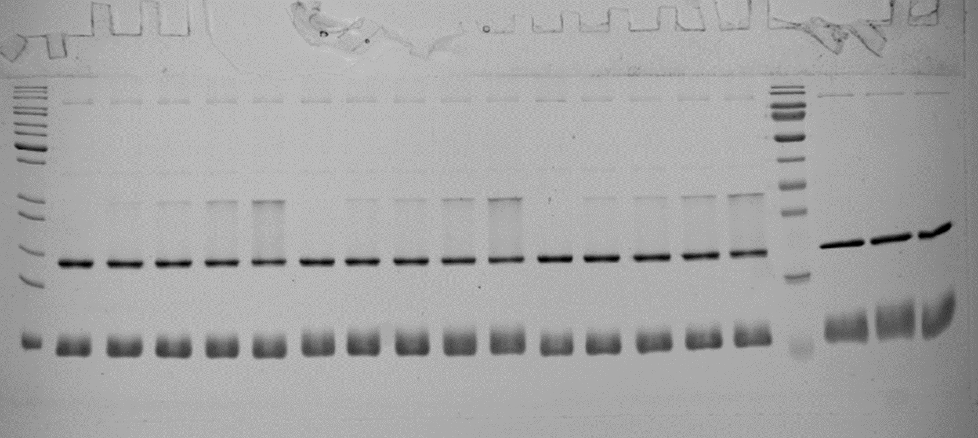
 |  |  |  |  | thioester formation assay of UbcH7 with Ub 48AcK, non-modified Ub and Ub 11AcK (Sup Fig. 2l)
 | E6AP autoubiquitylation assay with Ub 48x 0, 30 and 60 min timepoints (Sup Fig. 2k)

