Fig. 4b
kDa

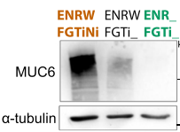
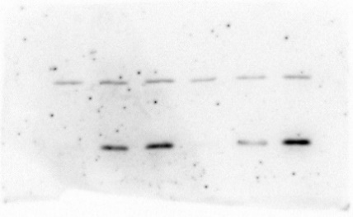
kDa
MUC5AC | MUC6 | GKN1 | GKN2
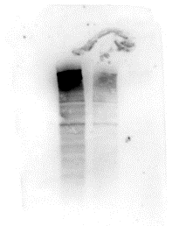
70
kDa
kDa
55
250
35
70
55
250
35
130
25
25
100
130
15
15
100
55

kDa
kDa
α-tubulin | α-tubulin | β-actin | β-actin
kDa
kDa

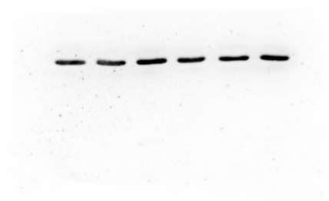
70
55
35
70
55
35
25
25
15
15

55
55

Fig. 4h
P-Tyr | CagA
kDa
kDa
130
130
100
100

55
55

α-tubulin | α-tubulin
kDa
130
kDa
130
100
100

55
55

Suppl. Fig. 1b
kDa
P-Tyr | CagA
130
100
70
55

α-tubulin | α-tubulin

Suppl. Fig. 8c
kDa
MUC5AC


250
130

100
70
55

kDa
α-tubulin
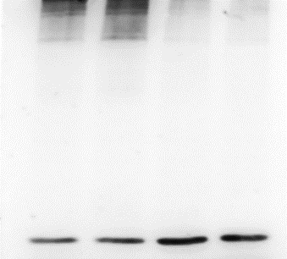
250
130

100
70
55

Suppl. Fig. 8i
kDa
kDa
 | CagA
P-Tyr
130
130
100
100
70

55

55

kDa
α-tubulin | α-tubulin
kDa
130
130
100
100

70
55
55

