carbon & oxygen isotope
Depth (ft) | δ18O (‰) | δ13C Bulk (‰) | Depth (m) |  | Depth (ft) | Depth (m) | Benthic δ13C (‰) | Benthic δ18O (‰)
591.3 | -2.02 | -0.89 | 180.228 |  | 611.6 | 186.416 | -0.53 | -1.35
593.25 | -2.05 | -0.91 | 180.823 |  | 619.2 | 188.732 | -3.18 | -3.04
593.9 | -1.85 | -0.71 | 181.021 |  | 630.6 | 192.207 | -2.91 | -3.17
596.9 | -1.05 | -1.19 | 181.935 |  | 636.9 | 194.127 | -3.16 | -3.15
598.65 | -1.25 | -0.81 | 182.469 |  | 640.1 | 195.102 | -3.21 | -3.04
607.2 | -1.56 | -0.94 | 185.075 |  | 646 | 196.901 | -3.07 | -3.18
608.5 | -1.54 | -0.95 | 185.471 |  | 652.3 | 198.821 | -2.89 | -2.50
610.25 | -1.36 | -0.13 | 186.004 |  | 658.9 | 200.833 | 0.67 | -1.36
611 | -1.03 | -0.11 | 186.233 |  | 663.55 | 202.250 | 0.29 | -1.01
612.25 | -0.87 | -0.43 | 186.614 |  | 666.38 | 203.113 | 0.73 | -1.18
615.2 | -8.83 | -7.99 | 187.513
619.1 | -6.95 | -6.62 | 188.702
622.7 | -2.85 | -4.07 | 189.799
625.7 | -2.8 | -3.65 | 190.713
626.3 | -4.56 | -4.73 | 190.896
627 | -3.22 | -3.86 | 191.110
627.6 | -4.95 | -5.18 | 191.292
628.25 | -3.24 | -3.9 | 191.491
628.9 | -5.78 | -5.79 | 191.689
630.15 | -3.24 | -3.87 | 192.070
630.3 | -5.64 | -5.79 | 192.115
630.5 | -2.93 | -3.73 | 192.176
630.65 | -6.26 | -6.01 | 192.222
630.85 | -3.21 | -3.97 | 192.283
631.05 | -5.58 | -5.89 | 192.344
631.2 | -2.98 | -3.83 | 192.390
631.35 | -3.25 | -3.88 | 192.435
631.55 | -3.25 | -4.17 | 192.496
631.7 | -5.67 | -7.03 | 192.542
631.85 | -3.32 | -3.85 | 192.588
632 | -4.3 | -5.41 | 192.634
632.15 | -3.22 | -3.77 | 192.679
632.35 | -5.75 | -6.17 | 192.740
632.5 | -3.19 | -3.78 | 192.786
632.65 | -3.05 | -3.67 | 192.832
632.94 | -3.1 | -3.58 | 192.920
633.12 | -4.79 | -5.1 | 192.975 | Sampling rate: d13C bulk
633.28 | -2.97 | -3.75 | 193.024
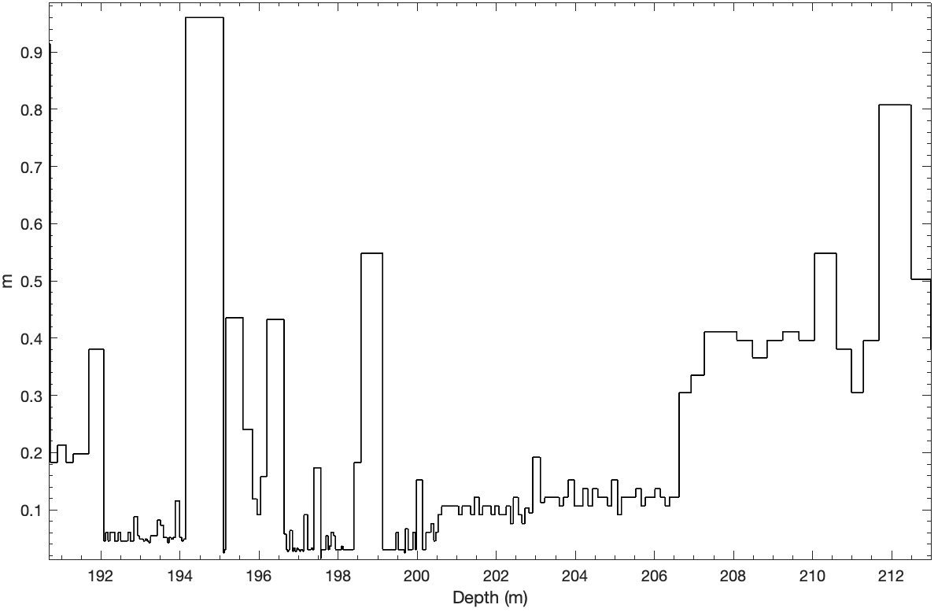
633.44 | -4.62 | -5.81 | 193.073
633.59 | -2.93 | -3.45 | 193.118
633.75 | -6.18 | -7.55 | 193.167
633.9 | -2.95 | -3.45 | 193.213
634.04 | -6.32 | -6.89 | 193.255
634.22 | -2.99 | -3.49 | 193.310
634.4 | -2.87 | -3.85 | 193.365
634.58 | -3.14 | -3.7 | 193.420
634.85 | -3.2 | -3.7 | 193.502
635.09 | -3.1 | -3.48 | 193.575
635.26 | -3 | -3.5 | 193.627
635.43 | -2.77 | -3.37 | 193.679
635.57 | -2.94 | -3.47 | 193.722
635.74 | -3.25 | -3.34 | 193.774
635.9 | -2.83 | -3.52 | 193.822
636.07 | -2.81 | -3.51 | 193.874
636.45 | -2.89 | -3.48 | 193.990
636.62 | -2.91 | -3.42 | 194.042
636.77 | -2.91 | -3.43 | 194.087
636.93 | -2.87 | -3.5 | 194.136
640.08 | -2.91 | -3.42 | 195.096
640.16 | -3.11 | -3.52 | 195.121
640.26 | -2.91 | -3.88 | 195.151
641.69 | -3.21 | -4.19 | 195.587
642.48 | -3.44 | -4.27 | 195.828
642.87 | -2.73 | -4.82 | 195.947
643.17 | -3.2 | -4.17 | 196.038
643.69 | -3.82 | -4.21 | 196.197
645.11 | -2.81 | -3.75 | 196.630
645.3 | -2.36 | -3.27 | 196.687
645.4 | -3.91 | -4.67 | 196.718
645.49 | -2.44 | -3.62 | 196.745
645.59 | -2.58 | -3.62 | 196.776
645.8 | -0.42 | -7.97 | 196.840
645.89 | -2.69 | -3.32 | 196.867
646 | -2.17 | -3.4 | 196.901
646.09 | -2.89 | -3.52 | 196.928
646.18 | -2.91 | -3.59 | 196.956
646.29 | -2.45 | -3.62 | 196.989
646.39 | -2.65 | -4.84 | 197.020
646.48 | -2.56 | -3.47 | 197.047
646.58 | -0.61 | -6.47 | 197.078
646.68 | -2.46 | -3.72 | 197.108
646.77 | -5.58 | -6.83 | 197.135
647.07 | -2.85 | -3.94 | 197.227
647.17 | -3.47 | -5.17 | 197.257
647.27 | -2.81 | -3.07 | 197.288
647.37 | -2.88 | -6.38 | 197.318
647.48 | -3.39 | -4.04 | 197.352
647.58 | -2.31 | -3.27 | 197.382
648.15 | -2.13 | -3.68 | 197.556
648.2 | -2.78 | -4.09 | 197.571
648.3 | -2.8 | -3.17 | 197.602
648.4 | -2.53 | -3.84 | 197.632
648.5 | -2.19 | -3.47 | 197.663
648.6 | -2.61 | -3.63 | 197.693
648.78 | -2.64 | -4.37 | 197.748
648.88 | -2.68 | -3.75 | 197.779
649 | -2.83 | -3.25 | 197.815
649.2 | -5.12 | -6.02 | 197.876
649.38 | -1.83 | -3.1 | 197.931
649.48 | -2.44 | -3.45 | 197.962
649.58 | -2.28 | -3.25 | 197.992
649.68 | -4.8 | -1.6 | 198.022
649.78 | -1.98 | -3.23 | 198.053
649.88 | -1.98 | -3.21 | 198.083
650 | -2.03 | -3.15 | 198.120
650.1 | -2.39 | -3.33 | 198.150
650.2 | -2.47 | -4.47 | 198.181
650.3 | -1.98 | -3.35 | 198.211
650.4 | -2.28 | -3.23 | 198.242
650.5 | -3 | -4.86 | 198.272
650.6 | -3.17 | -4.76 | 198.303
650.7 | -3.22 | -5.42 | 198.333
650.8 | -4.89 | -6.13 | 198.364
650.9 | -1.66 | -2.97 | 198.394
651.5 | -0.14 | -1.8 | 198.577
653.3 | -1.04 | -4.35 | 199.126
653.4 | -5.05 | -11.67 | 199.156
653.5 | -0.3 | -5.93 | 199.187
653.6 | -0.29 | -6.07 | 199.217
653.7 | -0.38 | -6.39 | 199.248
653.8 | -0.65 | -5.28 | 199.278
653.9 | -0.59 | -5.18 | 199.309
654 | -2.89 | -13.34 | 199.339
654.1 | 0.09 | -7.48 | 199.370
654.2 | -1.39 | -5.4 | 199.400
654.3 | -1.51 | -4.41 | 199.431
654.4 | -0.89 | -4.94 | 199.461
654.6 | -0.26 | -6.51 | 199.522
654.7 | -0.34 | -5.86 | 199.553
654.8 | -0.01 | -5.88 | 199.583
654.9 | -1.03 | -4.73 | 199.614
655 | -4.81 | -12.38 | 199.644
655.1 | -0.18 | -6.25 | 199.674
655.18 | 1.65 | -9.05 | 199.699
655.4 | -3.4 | -9.66 | 199.766
655.5 | -0.95 | -4.31 | 199.796
655.6 | -6.1 | -6.66 | 199.827
655.7 | -3.49 | -5.25 | 199.857
655.8 | -10.61 | -11.61 | 199.888
656 | 1.94 | -9.64 | 199.949
656.1 | -6.11 | -11.14 | 199.979
656.6 | -8.05 | -7.31 | 200.132
656.7 | -2.9 | -5.15 | 200.162
656.8 | -4.23 | -5.56 | 200.193
656.9 | -8.09 | -7.25 | 200.223
657.1 | -3.28 | -4.94 | 200.284
657.3 | -3 | -4.65 | 200.345
657.55 | -1.92 | -1.08 | 200.421
657.7 | -0.85 | -0.77 | 200.467
657.9 | -0.9 | 0.14 | 200.528
658.2 | -1.07 | 0.42 | 200.619
658.55 | -1.45 | 0.39 | 200.726
658.9 | -1.37 | 0.2 | 200.833
659.25 | -1 | 0.16 | 200.939
659.6 | -1.17 | -0.05 | 201.046
659.9 | -0.36 | 0.05 | 201.138
660.25 | -0.6 | 0.21 | 201.244
660.6 | -0.42 | 0.53 | 201.351
660.9 | -0.87 | 0.14 | 201.442
661.3 | -0.38 | 0.46 | 201.564
661.6 | 0.25 | 0.19 | 201.656
661.95 | -0.38 | 0.64 | 201.762
662.3 | -0.11 | 0.82 | 201.869
662.6 | -0.29 | 0.74 | 201.960
662.95 | -0.62 | 0.54 | 202.067
663.25 | -0.48 | 0.67 | 202.159
663.55 | -0.52 | 0.52 | 202.250
663.9 | -0.46 | 0.5 | 202.357
664.15 | -0.77 | 0.49 | 202.433
664.55 | -0.73 | 0.22 | 202.555
664.85 | -1.36 | 0.27 | 202.646
665.1 | -1.23 | 0.72 | 202.722
665.44 | -1.54 | 0.78 | 202.826
665.75 | -1.63 | 0.5 | 202.921
666.38 | -0.85 | 0.86 | 203.113
666.75 | -1.05 | 0.80 | 203.225
667.15 | -1.19 | 0.78 | 203.347
667.55 | -0.82 | 0.67 | 203.469
667.95 | -0.70 | 1.09 | 203.591
668.3 | -0.66 | 1.33 | 203.698
668.7 | -0.73 | 1.25 | 203.820
669.2 | -0.58 | 1.28 | 203.972
669.55 | -1.02 | 1.11 | 204.079
669.9 | -0.76 | 1.11 | 204.186
670.35 | -1.32 | 1.05 | 204.323
670.7 | -0.94 | 0.95 | 204.429
671.15 | -1.50 | 1.08 | 204.567
671.55 | -1.26 | 0.87 | 204.688
671.95 | -1.11 | 1.40 | 204.810
672.3 | -0.86 | 1.38 | 204.917
672.8 | -1.16 | 1.22 | 205.069
673.1 | -0.54 | 1.38 | 205.161
673.5 | -1.26 | 1.12 | 205.283
673.9 | -0.95 | 1.37 | 205.405
674.3 | -0.79 | 1.07 | 205.527
674.75 | -0.85 | 0.53 | 205.664
675.1 | -1.01 | 0.78 | 205.770
675.5 | -0.48 | 0.96 | 205.892
675.9 | -0.67 | 0.98 | 206.014
676.35 | -0.84 | 0.95 | 206.151
676.75 | -0.91 | 0.84 | 206.273
677.1 | -0.60 | 0.69 | 206.380
677.5 | -1.42 | 0.71 | 206.502
677.9 | -0.58 | 1.16 | 206.624
678.9 | -0.90 | 1.39 | 206.929
680 | -0.38 | 1.48 | 207.264
681.35 | -0.74 | 1.28 | 207.675
682.7 | -0.95 | 1.26 | 208.087
684 | -0.85 | 1.36 | 208.483
685.2 | -1.06 | 1.28 | 208.849
686.5 | -1.00 | 1.54 | 209.245
687.85 | -0.63 | 1.41 | 209.657
689.15 | -0.89 | 1.18 | 210.053
690.95 | -0.92 | 1.45 | 210.602
692.2 | -0.64 | 1.39 | 210.983
693.2 | -0.67 | 1.35 | 211.287
694.5 | -1.07 | 0.89 | 211.684
697.15 | -0.95 | 1.15 | 212.491
698.8 | -0.85 | 0.81 | 212.994
700.05 | -0.77 | 0.74 | 213.375

