Experimental set-up
Screening of candidate endosome associated proteins for their ability to allow purification of endosomes (relevant to Fig. 1a)
WT, FLAG-TFR1, FLAG-EEA1, FLAG-RAB5, and FLAG-RAB11 cell extracts were used for anti-FLAG immunoprecipitation under non-denaturing conditions and immune complexes subjected to TMT-based proteomics

Proteomics workflow:
Sample preparation
Proteins were reduced by addition of TCEP to 5 mM final and incubated at 25 ºC for 30 min. Cysteines were alkylated by addition of iodoacetamide to 15 mM final and incubated at 25 ºC for 30 min protected from light. After alkylation, each sample was diluted in EPPS buffer for 1 M urea final concentration. Proteins were precipitated by addition of 6.1 N TCA solution to 20% final and incubated at 4 ºC for 1h. Samples were centrifuged at 20,000xg for 7 min at 4 ºC, and supernatants were removed. Pellets were washed twice with ice-cold acetone by centrifuging at 20,000xg for 10 min at 4 ºC for 1h. After final wash, the protein pellets were briefly dried in a SpeedVac. Pellets were resuspended in 50 µL of 8 M urea buffer, followed by sonication in a water bath sonicator, and urea was diluted by addition of 50 µL of 200 mM EPPS, pH 8.5. Peptides were digested by addition of 1 µg of LysC and incubated at 30 ºC for 4h. Urea was further diluted to 1.6 M final by addition of 200 mM EPPS. Peptides were further digested by addition of 1 µg trypsin and incubated at 37 ºC overnight. The next day, acetonitrile (ACN) was added to 30% final, and the peptides were reacted with 10 μL of the TMT reagents (10 μg/μL in anhydrous ACN) for 1h at 25 °C. Labeling was quenched by addition of hydroxylamine to 0.5% final followed by incubation at room temperature for 15 min. TMT-labeled samples were pooled with 1:1 ratio and was dried and subjected to C18 solid-phase extraction using Sep-Pak.
Off-line prefractionation
The sample was resuspended in 110 µL of 10 mM ammonium bicarbonate, 5% ACN solution and filtered through a 0.2 µm PTFE centrifugal filter. The sample was pre-fractionated by high-pH reverse-phase HPLC (Agilent 1260 Infinity) with an Aeris C18 column (250 mm × 4.6 mm) with a gradient of mobile phase A (10 mM ammonium bicarbonate, 5% ACN) and mobile phase B (10 mM ammonium bicarbonate, 90% ACN). 96 fractions were collected between 10 min (10% mobile phase B) and 72 min (100% mobile phase B) at a flow rate of 0.6 mL/min, and the fractions were concatenated into 24 fractions. Fractions were dried by SpeedVac and desalted by C18 StageTip. Alternating 12 fractions out of the 24 fractions were resuspended with 3% ACN, 1% FA for mass spectrometry analysis.
Liquid chromatography-tandem mass spectrometry
Mass spectrometry was performed by an Orbitrap Fusion Lumos coupled with a Proxeon EASY-nLC1200 liquid chromatography pump. Peptides were separated on a microcapillary column (100 μm inner diameter) packed with ~ 35 cm of Accucore150 resin (2.6 μm, 150 Å, Thermo Fisher Scientific) with 7-25% (3-73 min), 25-30% (73-78 min), 30-100% (78-83 min) gradient of mobile phase B (95% ACN, 0.125% of FA) at 550 nL/min flow rate. Multi-notch MS³-based TMT method coupled with Real Time Search algorithm was used for the analysis. The scan sequence started with MS¹ spectra analyzed by Orbitrap (resolution 120,000 at 200 Th, 400-1400 m/z, automatic gain control (AGC) target 2×10⁵, maximum injection time 50 ms). Monoisotopic peaks were assigned, precursor fit filter was used (70% for a fit window of 0.5 Th), and dynamic exclusion window was applied (90 s, ± 10 ppm). MS² spectra were analyzed by quadrupole-ion trap with collision-induced dissociation (Rapid scan rate, AGC 1.0×10⁴, isolation window 0.5 Th, normalized collision energy (NBE) 34, maximum injection time 80 ms). Synchronous precursor selection (SPS) API-MS³ scan collected top 10 most intense b- or y-ions matched with the real-time search algorithm. MS³ precursors were fragmented by high energy collision-induced dissociation (HCD) and analyzed with the Orbitrap (NCE 45, AGC 2.5×10⁵, maximum injection time 200 ms, resolution 50,000 at 200 Th). Closeout was set at two peptides per protein for each fraction.
Data analysis
RAW files were converted to mzXML files. The searching database was constructed from Swiss-Prot human database (released on Jun 17, 2020 at UniProt), which was appended with common contaminants and reversed for target-decoy false discovery rate (FDR) estimation. Searches were done with a 20-ppm precursor ion tolerance and 1.0005 Da product ion tolerance. Static modifications included carbamidomethylation at cysteine (+57.021 Da), TMT labeling at lysine (+229.162 Da) while variable modifications included oxidation at methionine (+15.995 Da) and TMT labeling at peptide N-termini (+229.162 Da). Peptide-spectrum matches (PSM) were filtered using a linear discriminant analysis algorithm while considering XCorr, ΔCn, missed cleavages, peptide length, charge state, and precursor mass accuracy, as performed previously. Identified peptides were controlled at 1% false discovery rate (FDR). Protein assembly was done by parsimony principle, and 1% FDR was applied to the protein level. For reporter ion quantification, signal-to-noise (S/N) ratio for each TMT channel was extracted with an integration tolerance of 0.003 Da. Proteins were quantified by summing the reporter ion counts across all matching PSMs.
Protein quantitation values were exported and analyzed by R 3.6.3. S/N of each channel was adjusted using the isotopic impurity table of TMT reagents provided by the vendor. Protein abundances were then normalized according to the total reporter values in each channel assuming equal amount of loading. Enrichment of the proteins were normalized by their expression level in the whole-cell lysate (WCL). For the classification by subcellular locations, proteins annotated as “very high” or “high” from Itzhak et al (2016) was used.

Endosomal proteins
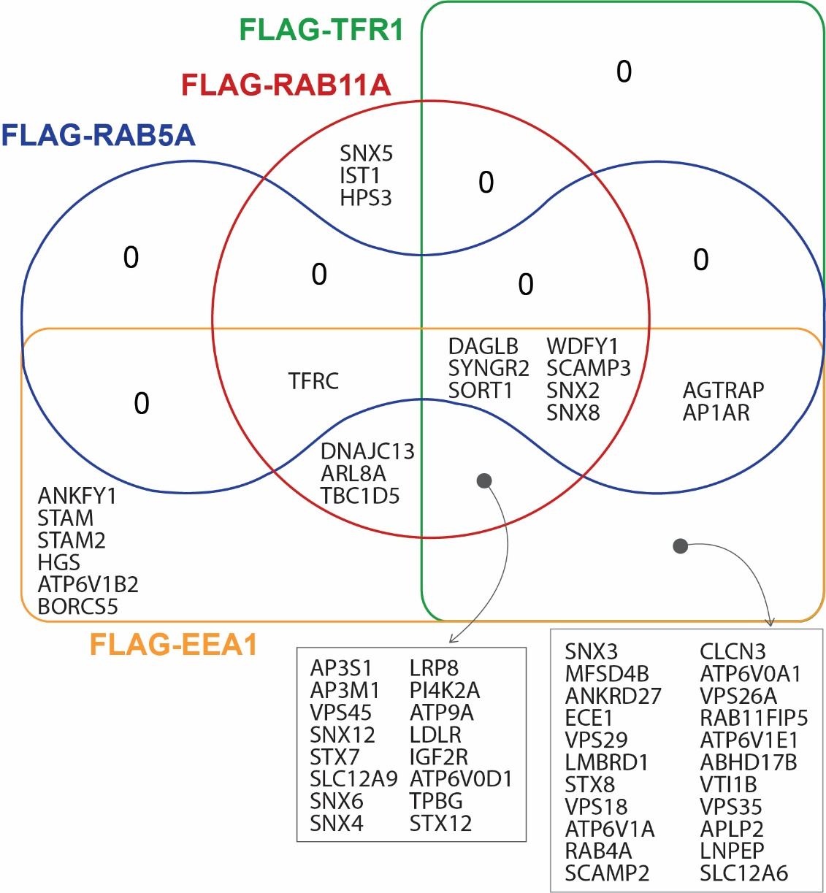
Enriched endosomal proteins for each bait (> 2-fold enrichment)
FLAG-RAB5A | FLAG-RAB11A | FLAG-TFR1 | FLAG-EEA1
TFRC | TFRC | DAGLB | TFRC
DAGLB | DAGLB | SNX2 | DAGLB
SNX2 | SNX2 | ATP6V0A1 | SNX2
SORT1 | IGF2R | SCAMP2 | ATP6V0A1
SYNGR2 | ATP6V0D1 | IGF2R | SCAMP2
SCAMP3 | SORT1 | ECE1 | IGF2R
SNX8 | DNAJC13 | ATP6V0D1 | ECE1
WDFY1 | HPS3 | SORT1 | ATP6V0D1
AP1AR | TPBG | APLP2 | SORT1
AGTRAP | SYNGR2 | ABHD17B | DNAJC13
 | SNX5 | ATP6V1E1 | APLP2
 | SNX6 | VPS35 | ABHD17B
 | SLC12A9 | TPBG | ATP6V1E1
 | SCAMP3 | SYNGR2 | VPS35
 | LDLR | ATP6V1A | TPBG
 | SNX12 | SNX6 | SYNGR2
 | SNX8 | RAB11FIP5 | ANKFY1
 | STX12 | SLC12A9 | ATP6V1A
 | STX7 | VTI1B | SNX6
 | TBC1D5 | VPS18 | RAB11FIP5
 | PI4K2A | SCAMP3 | STAM
 | WDFY1 | MFSD4B | STAM2
 | IST1 | STX8 | SLC12A9
 | ARL8A | LDLR | HGS
 | LRP8 | SNX3 | VTI1B
 | VPS45 | SNX12 | VPS18
 | ATP9A | VPS29 | SCAMP3
 | SNX4 | SNX8 | MFSD4B
 | AP3M1 | STX12 | STX8
 | AP3S1 | STX7 | ATP6V1B2
 |  | CLCN3 | LDLR
 |  | PI4K2A | SNX3
 |  | WDFY1 | SNX12
 |  | SLC12A6 | VPS29
 |  | VPS26A | SNX8
 |  | AP1AR | STX12
 |  | LRP8 | STX7
 |  | LNPEP | CLCN3
 |  | VPS45 | TBC1D5
 |  | ATP9A | PI4K2A
 |  | SNX4 | WDFY1
 |  | AP3M1 | SLC12A6
 |  | AP3S1 | ARL8A
 |  | AGTRAP | VPS26A
 |  | ANKRD27 | AP1AR
 |  | RAB4A | LRP8
 |  | LMBRD1 | LNPEP
 |  |  | VPS45
 |  |  | ATP9A
 |  |  | SNX4
 |  |  | AP3M1
 |  |  | AP3S1
 |  |  | AGTRAP
 |  |  | ANKRD27
 |  |  | RAB4A
 |  |  | BORCS5
 |  |  | LMBRD1

