Figure 3
Figure 3b |  |  |  |  |  |  |  |  |  |  |  |  |  |  |  |  |  |  |  |  |  | Two-Way ANOVA

 |  |  |  |  |  |  |  |  |  |  |  |  |  |  |  |  |  |  |  |  |  | Dunnett's multiple comparisons test | Mean Diff. | 95.00% CI of diff. | Significant? | Summary | Adjusted P Value

 |  |  |  |  |  |  |  |  |  |  |  |  |  |  |  |  |  |  |  |  |  | Cont
 |  |  |  |  |  |  |  |  |  |  |  |  |  |  |  |  |  |  |  |  |  | siSCR vs. siGRAMD1A | -0.8587 | -1.407 to -0.3106 | Yes | *** | 0.0008
 |  |  |  |  |  |  |  |  |  |  |  |  |  |  |  |  |  |  |  |  |  | siSCR vs. siGRAMD1B | -0.2111 | -0.7592 to 0.3371 | No | ns | 0.7731
 |  |  |  |  |  |  |  |  |  |  |  |  |  |  |  |  |  |  |  |  |  | siSCR vs. siGRAMD1C | -0.2677 | -0.8158 to 0.2805 | No | ns | 0.5863
 |  |  |  |  |  |  |  |  |  |  |  |  |  |  |  |  |  |  |  |  |  | siSCR vs. siGRAMD2 | -0.1365 | -0.6846 to 0.4117 | No | ns | 0.9493
 |  |  |  |  |  |  |  |  |  |  |  |  |  |  |  |  |  |  |  |  |  | siSCR vs. siGRAMD3 | 0.04403 | -0.5041 to 0.5922 | No | ns | 0.9997
 |  | siNC |  |  | siGRAMD1A |  |  | siGRAMD1B |  |  | siGRAMD1C |  |  | siGRAMD2A |  |  | siGRAMD2B
 | Cont | 0.454274 | 0.584797 | 0.615141 | 1.810792 | 1.033183 | 1.386376 | 0.622752 | 0.68659 | 0.978103 | 0.649292 | 0.873425 | 0.934499 | 0.683734 | 0.817054 | 0.562785 | 0.53448 | 0.524096 | 0.46355 |  |  | Cont + Baf
 | Cont + Baf | 0.109384 | 0.09857 | 0.172995 | 0.154766 | 0.161291 | 0.185045 | 0.061907 | 0.062732 | 0.094489 | 0.136018 | 0.195438 | 0.049975 | 0.14306 | 0.130223 | 0.189308 | 0.160748 | 0.131318 | 0.150962 |  |  | siSCR vs. siGRAMD1A | -0.04005 | -0.5882 to 0.5081 | No | ns | 0.9997
 | Starved | 2.751181 | 2.373146 | 2.748695 | 2.806786 | 3.703318 | 2.96329 | 2.300649 | 3.221316 | 2.938834 | 3.741609 | 3.728234 | 3.696509 | 4.367103 | 2.690882 | 3.149465 | 2.162564 | 2.106897 | 1.660483 |  |  | siSCR vs. siGRAMD1B | 0.05394 | -0.4942 to 0.6021 | No | ns | 0.9987
 | Starved + Baf | 0.209055 | 0.145712 | 0.187654 | 0.440359 | 0.377123 | 0.465114 | 0.404972 | 0.231989 | 0.210612 | 0.233501 | 0.220545 | 0.245411 | 0.183108 | 0.230354 | 0.413424 | 0.14233 | 0.162101 | 0.142282 |  |  | siSCR vs. siGRAMD1C | -0.0001607 | -0.5483 to 0.5480 | No | ns | >0.9999
 |  |  |  |  |  |  |  |  |  |  |  |  |  |  |  |  |  |  |  |  |  | siSCR vs. siGRAMD2 | -0.02721 | -0.5754 to 0.5209 | No | ns | 0.9998
 |  |  |  |  |  |  |  |  |  |  |  |  |  |  |  |  |  |  |  |  |  | siSCR vs. siGRAMD3 | -0.02069 | -0.5689 to 0.5275 | No | ns | 0.9999

 |  |  |  |  |  |  |  |  |  |  |  |  |  |  |  |  |  |  |  |  |  | Starved
 |  |  |  |  |  |  |  |  |  |  |  |  |  |  |  |  |  |  |  |  |  | siSCR vs. siGRAMD1A | -0.5335 | -1.082 to 0.01470 | No | ns | 0.0589
 |  |  |  |  |  |  |  |  |  |  |  |  |  |  |  |  |  |  |  |  |  | siSCR vs. siGRAMD1B | -0.1959 | -0.7441 to 0.3522 | No | ns | 0.8184
 |  |  |  |  |  |  |  |  |  |  |  |  |  |  |  |  |  |  |  |  |  | siSCR vs. siGRAMD1C | -1.098 | -1.646 to -0.5496 | Yes | **** | <0.0001
 |  |  |  |  |  |  |  |  |  |  |  |  |  |  |  |  |  |  |  |  |  | siSCR vs. siGRAMD2 | -0.7781 | -1.326 to -0.2300 | Yes | ** | 0.0026
 |  |  |  |  |  |  |  |  |  |  |  |  |  |  |  |  |  |  |  |  |  | siSCR vs. siGRAMD3 | 0.6477 | 0.09953 to 1.196 | Yes | * | 0.0151

 |  |  |  |  |  |  |  |  |  |  |  |  |  |  |  |  |  |  |  |  |  | Starved + Baf
 |  |  |  |  |  |  |  |  |  |  |  |  |  |  |  |  |  |  |  |  |  | siSCR vs. siGRAMD1A | -0.2467 | -0.7949 to 0.3014 | No | ns | 0.6568
 |  |  |  |  |  |  |  |  |  |  |  |  |  |  |  |  |  |  |  |  |  | siSCR vs. siGRAMD1B | -0.1017 | -0.6499 to 0.4464 | No | ns | 0.985
 |  |  |  |  |  |  |  |  |  |  |  |  |  |  |  |  |  |  |  |  |  | siSCR vs. siGRAMD1C | -0.05235 | -0.6005 to 0.4958 | No | ns | 0.9988
 |  |  |  |  |  |  |  |  |  |  |  |  |  |  |  |  |  |  |  |  |  | siSCR vs. siGRAMD2 | -0.09482 | -0.6430 to 0.4533 | No | ns | 0.9891
 |  |  |  |  |  |  |  |  |  |  |  |  |  |  |  |  |  |  |  |  |  | siSCR vs. siGRAMD3 | 0.0319 | -0.5163 to 0.5801 | No | ns | 0.9998

Figure 3c |  |  |  |  |  |  |  |  |  |  |  |  |  |  | Two-way ANOVA
 |  | siNC |  |  | siGRAMD1C-1 |  |  | siGRAMD1C-2 |  |  |  |  |  |  | Tukey's multiple comparisons test | Mean Diff. | 95.00% CI of diff. | Significant? | Summary | Adjusted P Value
 | Control | 0.429714 | 0.197537 | 0.66261 | 0.591912 | 1.113473 | 0.662359 | 0.029533 | 1.120376 | 0.473801
 | Starved | 0.744055 | 1.696813 | 1.595913 | 2.06742 | 2.76874 | 3.038495 | 3.247113 | 2.300658 | 2.273503 |  |  |  |  | Control
 |  |  |  |  |  |  |  |  |  |  |  |  |  |  | siNC vs. siGRAMD1C -1 | -0.3593 | -1.361 to 0.6420 | No | ns | 0.6162
 |  |  |  |  |  |  |  |  |  |  |  |  |  |  | siNC vs. siGRAMD1C -2 | -0.1113 | -1.113 to 0.8900 | No | ns | 0.9529
 |  |  |  |  |  |  |  |  |  |  |  |  |  |  | siGRAMD1C -1 vs. siGRAMD1C -2 | 0.248 | -0.7532 to 1.249 | No | ns | 0.7899

 |  |  |  |  |  |  |  |  |  |  |  |  |  |  | Starved
 |  |  |  |  |  |  |  |  |  |  |  |  |  |  | siNC vs. siGRAMD1C -1 | -1.279 | -2.281 to -0.2780 | Yes | * | 0.0133
 |  |  |  |  |  |  |  |  |  |  |  |  |  |  | siNC vs. siGRAMD1C -2 | -1.261 | -2.263 to -0.2602 | Yes | * | 0.0145
 |  |  |  |  |  |  |  |  |  |  |  |  |  |  | siGRAMD1C -1 vs. siGRAMD1C -2 | 0.01779 | -0.9835 to 1.019 | No | ns | 0.9988

 |  |  |  |  |  |  |  |  |  |  |  |  |  |  | Test details | Mean 1 | Mean 2 | Mean Diff. | SE of diff. | N1 | N2 | q | DF

 |  |  |  |  |  |  |  |  |  |  |  |  |  |  | Control
 |  |  |  |  |  |  |  |  |  |  |  |  |  |  | siNC vs. siGRAMD1C -1 | 0.43 | 0.7892 | -0.3593 | 0.3753 | 3 | 3 | 1.354 | 12
 |  |  |  |  |  |  |  |  |  |  |  |  |  |  | siNC vs. siGRAMD1C -2 | 0.43 | 0.5412 | -0.1113 | 0.3753 | 3 | 3 | 0.4193 | 12
 |  |  |  |  |  |  |  |  |  |  |  |  |  |  | siGRAMD1C -1 vs. siGRAMD1C -2 | 0.7892 | 0.5412 | 0.248 | 0.3753 | 3 | 3 | 0.9346 | 12

 |  |  |  |  |  |  |  |  |  |  |  |  |  |  | Starved
 |  |  |  |  |  |  |  |  |  |  |  |  |  |  | siNC vs. siGRAMD1C -1 | 1.346 | 2.625 | -1.279 | 0.3753 | 3 | 3 | 4.821 | 12
 |  |  |  |  |  |  |  |  |  |  |  |  |  |  | siNC vs. siGRAMD1C -2 | 1.346 | 2.607 | -1.261 | 0.3753 | 3 | 3 | 4.754 | 12
 |  |  |  |  |  |  |  |  |  |  |  |  |  |  | siGRAMD1C -1 vs. siGRAMD1C -2 | 2.625 | 2.607 | 0.01779 | 0.3753 | 3 | 3 | 0.06705 | 12

Figure 3e |  |  |  |  |  |  |  |  |  |  |  |  |  |  | Two-Way ANOVA
 |  |  |  |  |  |  |  |  |  |  |  |  |  |  | Tukey's multiple comparisons test | Mean Diff. | 95.00% CI of diff. | Significant? | Summary | Adjusted P Value

 |  |  |  |  |  |  |  |  |  |  |  |  |  |  | Control
 |  |  |  |  |  |  |  |  |  |  |  |  |  |  | siNC vs. siGRAMD1C -1 | 0.01663 | -0.1309 to 0.1641 | No | ns | 0.9573
 |  |  |  |  |  |  |  |  |  |  |  |  |  |  | siNC vs. siGRAMD1C -2 | 0.03792 | -0.1096 to 0.1854 | No | ns | 0.7986
 |  |  |  |  |  |  |  |  |  |  |  |  |  |  | siGRAMD1C -1 vs. siGRAMD1C -2 | 0.02129 | -0.1262 to 0.1688 | No | ns | 0.9311

 |  |  |  |  |  |  |  |  |  |  |  |  |  |  | Control + Baf
 |  |  |  |  |  |  |  |  |  |  |  |  |  |  | siNC vs. siGRAMD1C -1 | -0.1819 | -0.3294 to -0.03437 | Yes | * | 0.0137
 |  |  |  |  |  |  |  |  |  |  |  |  |  |  | siNC vs. siGRAMD1C -2 | -0.05067 | -0.1982 to 0.09683 | No | ns | 0.6714
 |  |  |  |  |  |  |  |  |  |  |  |  |  |  | siGRAMD1C -1 vs. siGRAMD1C -2 | 0.1312 | -0.01630 to 0.2787 | No | ns | 0.0878

 |  |  |  |  |  |  |  |  |  |  |  |  |  |  | Starved
 |  |  |  |  |  |  |  |  |  |  |  |  |  |  | siNC vs. siGRAMD1C -1 | -0.01842 | -0.1659 to 0.1291 | No | ns | 0.9479
 |  | siNC |  |  | siGRAMD1C-1 |  |  | siGRAMD1C-2 |  |  |  |  |  |  | siNC vs. siGRAMD1C -2 | -0.03832 | -0.1858 to 0.1092 | No | ns | 0.7948
 | Control | 0.158404 | 0.160685 | 0.137485 | 0.1254 | 0.124824 | 0.156458 | 0.189084 | 0.036921 | 0.116811 |  |  |  |  | siGRAMD1C -1 vs. siGRAMD1C -2 | -0.0199 | -0.1674 to 0.1276 | No | ns | 0.9395
 | Control + Baf | 0.693369 | 0.511651 | 0.756026 | 0.890237 | 0.884789 | 0.731625 | 0.657958 | 0.835783 | 0.619314
 | Starved | 0.155857 | 0.129166 | 0.142882 | 0.18834 | 0.0964 | 0.198439 | 0.16394 | 0.146984 | 0.231955 |  |  |  |  | Starved + Baf
 | Starved + Baf | 1 | 1 | 1 | 1.32028 | 1.245605 | 1.183098 | 1.183946 | 1.139987 | 1.320686 |  |  |  |  | siNC vs. siGRAMD1C -1 | -0.2497 | -0.3972 to -0.1022 | Yes | *** | 0.0008
 |  |  |  |  |  |  |  |  |  |  |  |  |  |  | siNC vs. siGRAMD1C -2 | -0.2149 | -0.3624 to -0.06738 | Yes | ** | 0.0036
 |  |  |  |  |  |  |  |  |  |  |  |  |  |  | siGRAMD1C -1 vs. siGRAMD1C -2 | 0.03479 | -0.1127 to 0.1823 | No | ns | 0.8273

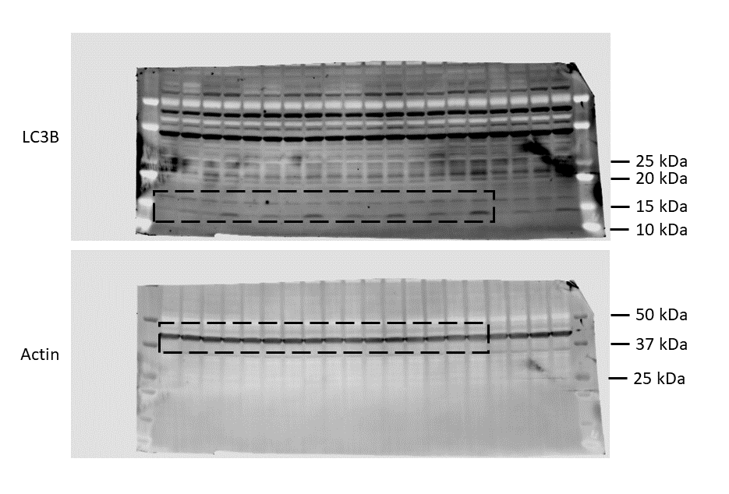
 |  |  |  |  |  |  |  |  |  |  |  |  |  |  | Two-Way ANOVA
Figure 3g |  |  |  |  |  |  |  |  |  |  |  |  |  |  | Within each row, compare columns (simple effects within rows)

 |  |  |  |  |  |  |  |  |  |  |  |  |  |  | Number of families | 4
 |  |  |  |  |  |  |  |  |  |  |  |  |  |  | Number of comparisons per family | 3
 |  |  |  |  |  |  |  |  |  |  |  |  |  |  | Alpha | 0.05

 |  |  |  |  |  |  |  |  |  |  |  |  |  |  | Dunnett's multiple comparisons test | Mean Diff. | 95.00% CI of diff. | Significant? | Summary | Adjusted P Value

 |  |  |  |  |  |  |  |  |  |  |  |  |  |  | Control
 |  |  |  |  |  |  |  |  |  |  |  |  |  |  | Wt vs. GKO | 0.2856 | -0.7479 to 1.319 | No | ns | 0.8359
 |  |  |  |  |  |  |  |  |  |  |  |  |  |  | Wt vs. GKO + GRAMD1C | 0.1184 | -0.9150 to 1.152 | No | ns | 0.9845
 |  |  |  |  |  |  |  |  |  |  |  |  |  |  | Wt vs. GKO + ΔVASt | 0.2614 | -0.7721 to 1.295 | No | ns | 0.8674

 |  |  |  |  |  |  |  |  |  |  |  |  |  |  | Control + BafA1
 |  |  |  |  |  |  |  |  |  |  |  |  |  |  | Wt vs. GKO | -0.444 | -1.477 to 0.5894 | No | ns | 0.5891
 |  |  |  |  |  |  |  |  |  |  |  |  |  |  | Wt vs. GKO + GRAMD1C | -0.08597 | -1.119 to 0.9475 | No | ns | 0.9939
 |  |  |  |  |  |  |  |  |  |  |  |  |  |  | Wt vs. GKO + ΔVASt | -0.6255 | -1.659 to 0.4079 | No | ns | 0.3254

 |  |  |  |  |  |  |  |  |  |  |  |  |  |  | Starved
 |  |  |  |  |  |  |  |  |  |  |  |  |  |  | Wt vs. GKO | -0.3186 | -1.352 to 0.7149 | No | ns | 0.789
 |  |  |  |  |  |  |  |  |  |  |  |  |  |  | Wt vs. GKO + GRAMD1C | -0.07957 | -1.113 to 0.9539 | No | ns | 0.9951
 |  |  |  |  |  |  |  |  |  |  |  |  |  |  | Wt vs. GKO + ΔVASt | -0.3903 | -1.424 to 0.6431 | No | ns | 0.6765

 | Wt |  |  | GKO |  |  | GKO + GRAMD1C |  |  | GKO + ΔVASt |  |  |  |  | Starved + BafA1
Control | 1 | 1 | 1 | 1.013654 | 0.717469 | 0.41221 | 1.481969 | 0.576817 | 0.586026 | 1.28513 | 0.552559 | 0.378211 |  |  | Wt vs. GKO | -1.67 | -2.703 to -0.6366 | Yes | ** | 0.0011
Control + BafA1 | 1.686278 | 1.768419 | 2.74923 | 2.039641 | 2.102224 | 3.3942 | 2.371618 | 1.972913 | 2.117314 | 3.150348 | 2.131309 | 2.798775 |  |  | Wt vs. GKO + GRAMD1C | -0.1744 | -1.208 to 0.8591 | No | ns | 0.9539
Starved | 1.088828 | 0.786174 | 0.399124 | 1.2722 | 0.882628 | 1.074986 | 1.095475 | 0.881154 | 0.536196 | 1.194128 | 1.115417 | 1.135605 |  |  | Wt vs. GKO + ΔVASt | -2.523 | -3.556 to -1.489 | Yes | **** | <0.0001
Starved + BafA1 | 4.175099 | 3.651205 | 4.661851 | 5.749129 | 5.056723 | 6.692375 | 4.604355 | 3.756094 | 4.650779 | 6.910312 | 5.613938 | 7.532621

Figure 5
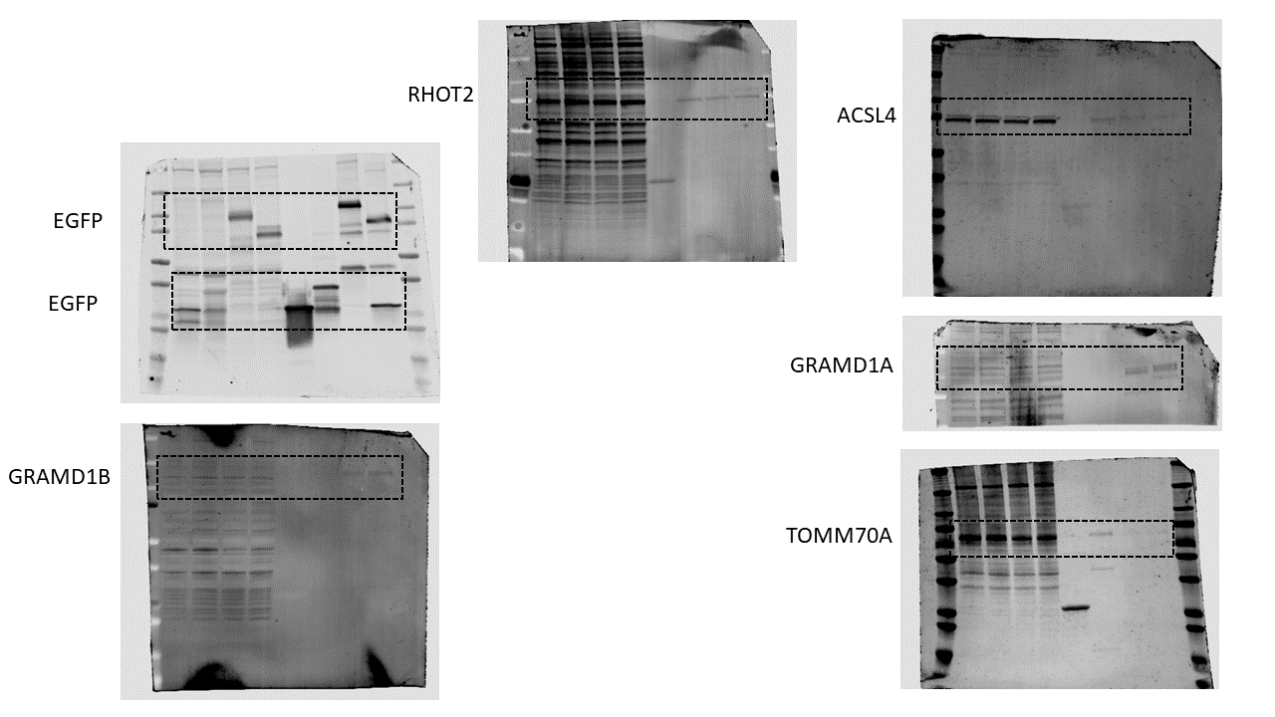
Figure 5d

Figure 5f

Supplementary 2
Supplementary 2a

 |  |  |  |  |  |  |  |  |  |  |  |  | Two-Way ANOVA
 |  |  |  |  |  |  |  |  |  |  |  |  | Tukey's multiple comparisons test | Mean Diff. | 95.00% CI of diff. | Significant? | Summary | Adjusted P Value

 |  |  |  |  |  |  |  |  |  |  |  |  | Control
 |  |  |  |  |  |  |  |  |  |  |  |  | Wt vs. G10 | -0.2089 | -1.565 to 1.147 | No | ns | 0.9751
 |  |  |  |  |  |  |  |  |  |  |  |  | Wt vs. G10 + V1 | -0.6528 | -2.009 to 0.7029 | No | ns | 0.5668
 |  |  |  |  |  |  |  |  |  |  |  |  | Wt vs. G10 + V2 | -0.5085 | -1.864 to 0.8472 | No | ns | 0.7412
 |  |  |  |  |  |  |  |  |  |  |  |  | G10 vs. G10 + V1 | -0.4439 | -1.800 to 0.9118 | No | ns | 0.8115
 |  |  |  |  |  |  |  |  |  |  |  |  | G10 vs. G10 + V2 | -0.2997 | -1.655 to 1.056 | No | ns | 0.9317
 |  |  |  |  |  |  |  |  |  |  |  |  | G10 + V1 vs. G10 + V2 | 0.1443 | -1.211 to 1.500 | No | ns | 0.9915

 |  |  |  |  |  |  |  |  |  |  |  |  | Control + BafA1
 |  |  |  |  |  |  |  |  |  |  |  |  | Wt vs. G10 | -0.7784 | -2.134 to 0.5774 | No | ns | 0.4176
 |  |  |  |  |  |  |  |  |  |  |  |  | Wt vs. G10 + V1 | -1.841 | -3.197 to -0.4856 | Yes | ** | 0.0045
 |  |  |  |  |  |  |  |  |  |  |  |  | Wt vs. G10 + V2 | -0.9964 | -2.352 to 0.3593 | No | ns | 0.2124
 |  |  |  |  |  |  |  |  |  |  |  |  | G10 vs. G10 + V1 | -1.063 | -2.419 to 0.2928 | No | ns | 0.1672
 | Wt |  |  | GKO |  |  | GKO+GRAMD1C |  |  | GKO+ΔGRAM |  |  | G10 vs. G10 + V2 | -0.218 | -1.574 to 1.138 | No | ns | 0.9719
Control | 1 | 1 | 1 | 0.882224 | 1.659018 | 1.085393 | 1.852935 | 1.971507 | 1.134033 | 1.223577 | 2.11155 | 1.19049 | G10 + V1 vs. G10 + V2 | 0.8449 | -0.5108 to 2.201 | No | ns | 0.3462
Control + BafA1 | 2.994704 | 3.526817 | 1.998207 | 3.399202 | 4.594884 | 2.860829 | 5.046611 | 4.865171 | 4.131918 | 4.354896 | 4.635081 | 2.518995
Starved | 1.439161 | 2.224265 | 1.028578 | 1.402242 | 1.465302 | 1.29401 | 1.582448 | 2.220915 | 1.920797 | 1.579399 | 2.80231 | 1.246552 | Starved
Starved + BafA1 | 4.538284 | 5.823396 | 5.362381 | 6.895373 | 7.980978 | 7.099657 | 6.05957 | 6.119285 | 5.511269 | 7.090017 | 7.724144 | 6.452079 | Wt vs. G10 | 0.1768 | -1.179 to 1.533 | No | ns | 0.9846
 |  |  |  |  |  |  |  |  |  |  |  |  | Wt vs. G10 + V1 | -0.3441 | -1.700 to 1.012 | No | ns | 0.9011
 |  |  |  |  |  |  |  |  |  |  |  |  | Wt vs. G10 + V2 | -0.3121 | -1.668 to 1.044 | No | ns | 0.9237
 |  |  |  |  |  |  |  |  |  |  |  |  | G10 vs. G10 + V1 | -0.5209 | -1.877 to 0.8349 | No | ns | 0.727
 |  |  |  |  |  |  |  |  |  |  |  |  | G10 vs. G10 + V2 | -0.4889 | -1.845 to 0.8669 | No | ns | 0.7634
 |  |  |  |  |  |  |  |  |  |  |  |  | G10 + V1 vs. G10 + V2 | 0.03197 | -1.324 to 1.388 | No | ns | >0.9999

 |  |  |  |  |  |  |  |  |  |  |  |  | Starved + BafA1
 |  |  |  |  |  |  |  |  |  |  |  |  | Wt vs. G10 | -2.084 | -3.440 to -0.7282 | Yes | ** | 0.0012
 |  |  |  |  |  |  |  |  |  |  |  |  | Wt vs. G10 + V1 | -0.6554 | -2.011 to 0.7004 | No | ns | 0.5637
 |  |  |  |  |  |  |  |  |  |  |  |  | Wt vs. G10 + V2 | -1.847 | -3.203 to -0.4916 | Yes | ** | 0.0044
 |  |  |  |  |  |  |  |  |  |  |  |  | G10 vs. G10 + V1 | 1.429 | 0.07287 to 2.784 | Yes | * | 0.0358
 |  |  |  |  |  |  |  |  |  |  |  |  | G10 vs. G10 + V2 | 0.2366 | -1.119 to 1.592 | No | ns | 0.9645
 |  |  |  |  |  |  |  |  |  |  |  |  | G10 + V1 vs. G10 + V2 | -1.192 | -2.548 to 0.1637 | No | ns | 0.1011

Supplementary 2c
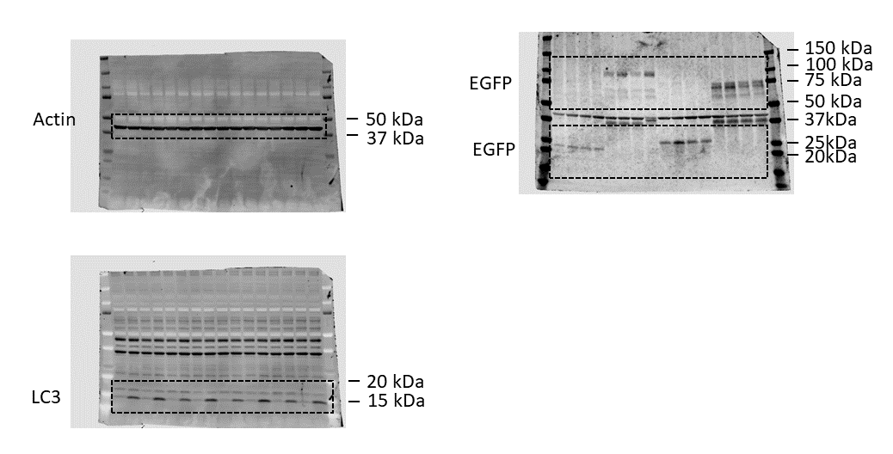
 |  |  |  |  |  |  |  |  |  |  |  |  |  | Tukey's multiple comparisons test | Mean Diff. | 95.00% CI of diff. | Significant? | Summary | Adjusted P Value

 |  |  |  |  |  |  |  |  |  |  |  |  |  | EGFP vs. GRAMD1C-EGFP | 0.2417 | -0.4356 to 0.9189 | No | ns | 0.7691
 |  |  |  |  |  |  |  |  |  |  |  |  |  | EGFP vs. EGFP-GRAM | -0.1742 | -0.8515 to 0.5031 | No | ns | 0.8975
 |  |  |  |  |  |  |  |  |  |  |  |  |  | EGFP vs. GRAMD1C(ΔGRAM)-EGFP | 0.4239 | -0.2534 to 1.101 | No | ns | 0.3425
 |  |  |  |  |  |  |  |  |  |  |  |  |  | GRAMD1C-EGFP vs. EGFP-GRAM | -0.4159 | -1.093 to 0.2614 | No | ns | 0.359
 |  |  |  |  |  |  |  |  |  |  |  |  |  | GRAMD1C-EGFP vs. GRAMD1C(ΔGRAM)-EGFP | 0.1822 | -0.4951 to 0.8595 | No | ns | 0.8848
 |  |  |  |  |  |  |  |  |  |  |  |  |  | EGFP-GRAM vs. GRAMD1C(ΔGRAM)-EGFP | 0.5981 | -0.07919 to 1.275 | No | ns | 0.0989

 |  |  |  |  |  |  |  |  |  |  |  |  |  | Test details | Mean 1 | Mean 2 | Mean Diff. | SE of diff. | N1 | N2 | q | DF

 |  |  |  |  |  |  |  |  |  |  |  |  |  | EGFP vs. GRAMD1C-EGFP | 2.821 | 2.579 | 0.2417 | 0.25 | 12 | 12 | 1.367 | 32
 |  |  |  |  |  |  |  |  |  |  |  |  |  | EGFP vs. EGFP-GRAM | 2.821 | 2.995 | -0.1742 | 0.25 | 12 | 12 | 0.9856 | 32
 |  |  |  |  |  |  |  |  |  |  |  |  |  | EGFP vs. GRAMD1C(ΔGRAM)-EGFP | 2.821 | 2.397 | 0.4239 | 0.25 | 12 | 12 | 2.398 | 32
 |  |  |  |  |  |  |  |  |  |  |  |  |  | GRAMD1C-EGFP vs. EGFP-GRAM | 2.579 | 2.995 | -0.4159 | 0.25 | 12 | 12 | 2.353 | 32
 |  |  |  |  |  |  |  |  |  |  |  |  |  | GRAMD1C-EGFP vs. GRAMD1C(ΔGRAM)-EGFP | 2.579 | 2.397 | 0.1822 | 0.25 | 12 | 12 | 1.031 | 32
 |  |  |  |  |  |  |  |  |  |  |  |  |  | EGFP-GRAM vs. GRAMD1C(ΔGRAM)-EGFP | 2.995 | 2.397 | 0.5981 | 0.25 | 12 | 12 | 3.384 | 32

 | EGFP |  |  | GRAMD1C-EGFP |  |  | EGFP-GRAM |  |  | ΔGRAM-EGFP
Control | 1 | 1 | 1 | 1.083499 | 0.766913 | 0.47553 | 0.818653 | 0.743843 | 0.83814 | 1.248125 | 0.948901 | 0.903604
Control + BafA1 | 3.631744 | 3.501025 | 4.116957 | 3.565761 | 3.052861 | 4.155556 | 3.965905 | 2.981149 | 4.382569 | 3.471142 | 2.773058 | 4.908451
Starved | 0.812491 | 1.054306 | 0.785047 | 0.865136 | 0.758781 | 0.95625 | 1.497119 | 0.963739 | 0.946835 | 1.196975 | 0.60812 | 1.029808
Starved + BafA1 | 5.619266 | 5.010138 | 6.320909 | 4.691084 | 4.588294 | 5.992308 | 6.380208 | 5.288446 | 7.135802 | 3.577799 | 2.803057 | 5.296414

Supplementary 5
Supplementary 5b

Number of families | 1
Number of comparisons per family | 2
Alpha | 0.05

Dunnett's multiple comparisons test | Mean Diff. | 95.00% CI of diff. | Significant? | Summary | Adjusted P Value | A-?
GKO vs. GKO + GRAMD1C | 13.26 | 2.736 to 23.78 | Yes | * | 0.0199 | B | GKO + GRAMD1C
GKO vs. GKO + GRAMD1C (ΔVASt) | 0.23 | -10.29 to 10.75 | No | ns | 0.9971 | C | GKO + GRAMD1C (ΔVASt)

Test details | Mean 1 | Mean 2 | Mean Diff. | SE of diff. | n1 | n2 | q | DF
GKO vs. GKO + GRAMD1C | 48.06 | 34.8 | 13.26 | 3.676 | 3 | 3 | 3.608 | 6
GKO vs. GKO + GRAMD1C (ΔVASt) | 48.06 | 47.83 | 0.23 | 3.676 | 3 | 3 | 0.06257 | 6

Supplementary 5c

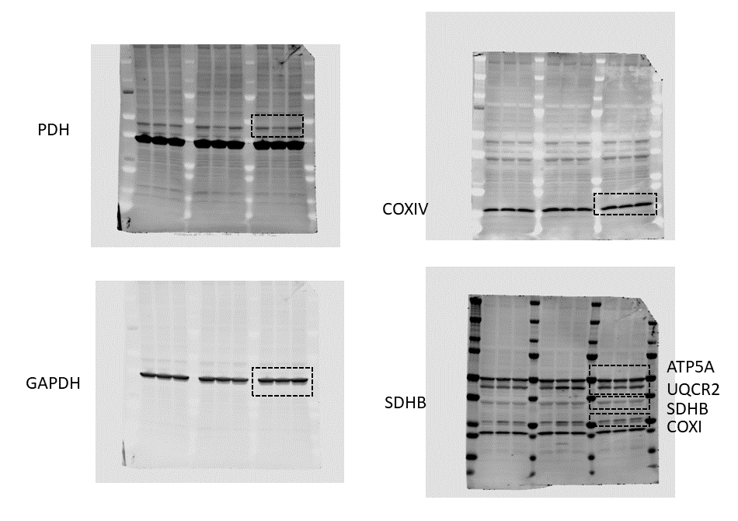
 |  |  |  |  |  |  |  |  |  |  |  | Tukey's multiple comparisons test | Mean Diff. | 95.00% CI of diff. | Significant? | Summary | Adjusted P Value

 |  |  |  |  |  |  |  |  |  |  |  | ATP5A
 |  |  |  |  |  |  |  |  |  |  |  | NC vs. G1 | 0.08406 | -0.7225 to 0.8906 | No | ns | 0.9653
 |  |  |  |  |  |  |  |  |  |  |  | NC vs. G2 | 0.06344 | -0.7431 to 0.8700 | No | ns | 0.9801
 |  |  |  |  |  |  |  |  |  |  |  | G1 vs. G2 | -0.02062 | -0.8272 to 0.7859 | No | ns | 0.9979

 |  |  |  |  |  |  |  |  |  |  |  | UQCRCII
 |  |  |  |  |  |  |  |  |  |  |  | NC vs. G1 | -0.5463 | -1.353 to 0.2602 | No | ns | 0.2382
 |  |  |  |  |  |  |  |  |  |  |  | NC vs. G2 | -0.5375 | -1.344 to 0.2691 | No | ns | 0.249
 |  |  |  |  |  |  |  |  |  |  |  | G1 vs. G2 | 0.008851 | -0.7977 to 0.8154 | No | ns | 0.9996

 |  |  |  |  |  |  |  |  |  |  |  | MTCO1
 |  |  |  |  |  |  |  |  |  |  |  | NC vs. G1 | -0.5147 | -1.321 to 0.2918 | No | ns | 0.2782
 |  |  |  |  |  |  |  |  |  |  |  | NC vs. G2 | -0.1368 | -0.9434 to 0.6698 | No | ns | 0.9108
 |  |  |  |  |  |  |  |  |  |  |  | G1 vs. G2 | 0.3779 | -0.4286 to 1.184 | No | ns | 0.4962

 |  |  |  |  |  |  |  |  |  |  |  | SHDB
 |  |  |  |  |  |  |  |  |  |  |  | NC vs. G1 | 0.2169 | -0.5896 to 1.023 | No | ns | 0.7915
 |  |  |  |  |  |  |  |  |  |  |  | NC vs. G2 | 0.1648 | -0.6417 to 0.9714 | No | ns | 0.8734
 |  |  |  |  |  |  |  |  |  |  |  | G1 vs. G2 | -0.05212 | -0.8587 to 0.7544 | No | ns | 0.9865

 |  |  |  |  |  |  |  |  |  |  |  | NDUFB8
 |  |  |  |  |  |  |  |  |  |  |  | NC vs. G1 | -0.6055 | -1.412 to 0.2011 | No | ns | 0.1742
 |  |  |  |  |  |  |  |  |  |  |  | NC vs. G2 | -0.6013 | -1.408 to 0.2052 | No | ns | 0.1783
 |  | siNC |  |  | siGRAMD1C-1 |  |  | siGRAMD1C-2 |  |  |  | G1 vs. G2 | 0.004157 | -0.8024 to 0.8107 | No | ns | >0.9999
 | ATP5A | 1 | 1 | 1 | 1.016716 | 0.73281 | 0.998308 | 0.807872 | 0.827643 | 1.174164
 | UQCRCII | 1 | 1 | 1 | 2.625114 | 0.870626 | 1.143224 | 1.261881 | 1.307471 | 2.043059 |  | PDH
 | MTCO1 | 1 | 1 | 1 | 1.050113 | 2.267186 | 1.226943 | 0.805178 | 1.533531 | 1.071711 |  | NC vs. G1 | 0.3999 | -0.4067 to 1.206 | No | ns | 0.4572
 | SHDB | 1 | 1 | 1 | 1.044847 | 0.645709 | 0.658644 | 0.879444 | 0.680674 | 0.945447 |  | NC vs. G2 | 0.001767 | -0.8048 to 0.8083 | No | ns | >0.9999
 | NDUFB8 | 1 | 1 | 1 | 1.943289 | 2.027966 | 0.845203 | 1.004441 | 2.777699 | 1.021846 |  | G1 vs. G2 | -0.3981 | -1.205 to 0.4084 | No | ns | 0.4603
 | PDH | 1 | 1 | 1 | 0.731308 | 0.200252 | 0.86881 | 0.885756 | 1.114429 | 0.994513
 | COXIV | 1 | 1 | 1 | 1.080455 | 0.811774 | 0.779867 | 1.229846 | 0.813469 | 1.041416 |  | COXIV
 |  |  |  |  |  |  |  |  |  |  |  | NC vs. G1 | 0.1093 | -0.6973 to 0.9159 | No | ns | 0.9421
 |  |  |  |  |  |  |  |  |  |  |  | NC vs. G2 | -0.02824 | -0.8348 to 0.7783 | No | ns | 0.996
 |  |  |  |  |  |  |  |  |  |  |  | G1 vs. G2 | -0.1375 | -0.9441 to 0.6690 | No | ns | 0.9099

Supplementary 5f

 |  | Rep1 | Rep2 | Rep3 |  |  |  |  |  |  | Tukey's multiple comparisons test | Mean Diff. | 95.00% CI of diff. | Significant? | Summary | Adjusted P Value
 | siNC | 1 | 1 | 1 |  |  |  |  |  |  | siNC vs. siGRAMD1C | -0.05569 | -0.2992 to 0.1878 | No | ns | 0.7714 | A-B
 | siGRAMD1C | 0.914664 | 1.023815 | 1.228594 |  |  |  |  |  |  | siNC vs. CCCP | 0.71 | 0.4665 to 0.9535 | Yes | *** | 0.0003 | A-C
 | CCCP | 0.2712 | 0.247714 | 0.351154 |  |  |  |  |  |  | siGRAMD1C vs. TMRE | 0.7657 | 0.5222 to 1.009 | Yes | *** | 0.0002 | B-C

 |  |  |  |  |  |  |  |  |  |  | Test details | Mean 1 | Mean 2 | Mean Diff. | SE of diff. | n1 | n2 | q | DF
 |  |  |  |  |  |  |  |  |  |  | siNC vs. siGRAMD1C | 1 | 1.056 | -0.05569 | 0.07936 | 3 | 3 | 0.9924 | 6
 |  |  |  |  |  |  |  |  |  |  | siNC vs. CCCP | 1 | 0.29 | 0.71 | 0.07936 | 3 | 3 | 12.65 | 6
 |  |  |  |  |  |  |  |  |  |  | siGRAMD1C vs. TMRE | 1.056 | 0.29 | 0.7657 | 0.07936 | 3 | 3 | 13.64 | 6

Supplementary 5g

 |  |  |  |  |  |  |  | Dunnett's multiple comparisons test | Mean Diff. | 95.00% CI of diff. | Significant? | Summary | Adjusted P Value | A-?
 | Rep1 | Rep2 | Rep3 |  |  |  |  | siNC vs. siGRAMD1A | -0.4896 | -1.274 to 0.2950 | No | ns | 0.3 | B | siGRAMD1A
siNC | 1 | 1 | 1 |  |  |  |  | siNC vs. siGRAMD1B | -0.5265 | -1.311 to 0.2581 | No | ns | 0.2448 | C | siGRAMD1B
siGRAMD1A | 1.916909 | 1.191337 | 1.36041 |  |  |  |  | siNC vs. siGRAMD1C | -0.3481 | -1.133 to 0.4365 | No | ns | 0.5898 | D | siGRAMD1C
siGRAMD1B | 2.090405 | 1.220444 | 1.268643 |  |  |  |  | siNC vs. siGRAMD2 | -0.9461 | -1.731 to -0.1615 | Yes | * | 0.0174 | E | siGRAMD2
siGRAMD1C | 1.628806 | 1.219895 | 1.195571 |  |  |  |  | siNC vs. siGRAMD3 | -0.4144 | -1.199 to 0.3701 | No | ns | 0.4398 | F | siGRAMD3
siGRAMD2A | 2.234001 | 1.482533 | 2.12166
siGRAMD2B | 1.63266 | 1.180247 | 1.430379 |  |  |  |  | Test details | Mean 1 | Mean 2 | Mean Diff. | SE of diff. | n1 | n2 | q | DF
 |  |  |  |  |  |  |  | siNC vs. siGRAMD1A | 1 | 1.49 | -0.4896 | 0.2704 | 3 | 3 | 1.81 | 12
 |  |  |  |  |  |  |  | siNC vs. siGRAMD1B | 1 | 1.526 | -0.5265 | 0.2704 | 3 | 3 | 1.947 | 12
 |  |  |  |  |  |  |  | siNC vs. siGRAMD1C | 1 | 1.348 | -0.3481 | 0.2704 | 3 | 3 | 1.287 | 12
 |  |  |  |  |  |  |  | siNC vs. siGRAMD2 | 1 | 1.946 | -0.9461 | 0.2704 | 3 | 3 | 3.499 | 12
 |  |  |  |  |  |  |  | siNC vs. siGRAMD3 | 1 | 1.414 | -0.4144 | 0.2704 | 3 | 3 | 1.533 | 12

