Figure5e
Figure 5e | SDS-PAGE | stained with instant blue and using SeeBlue Plus2 pre-stained protein ladder

panel: pMad1CTD + Cdc20N

panel: Mad1CTD + Cdc20N
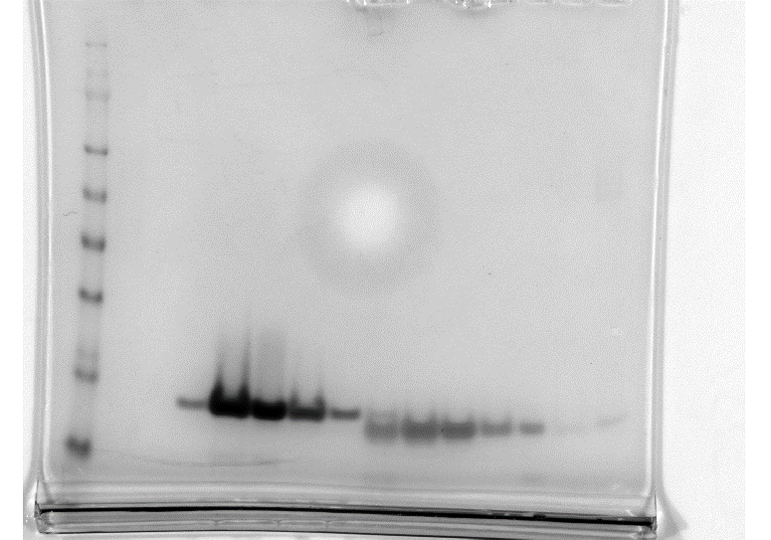

excluded sample (pre-SEC sample)
panel: pMad1CTD + Cdc20N RRK/SSS |  |  | panel: pMad1CTD R617E/K619D + Cdc20N
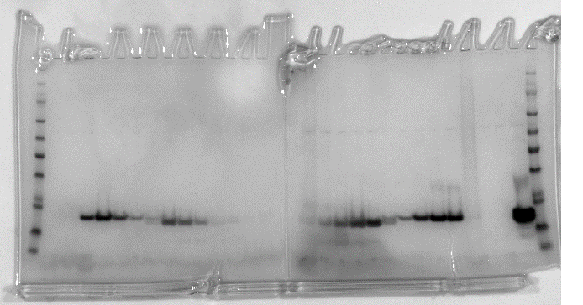

panel: pMad1CTD + Cdc20N E7R/D9K

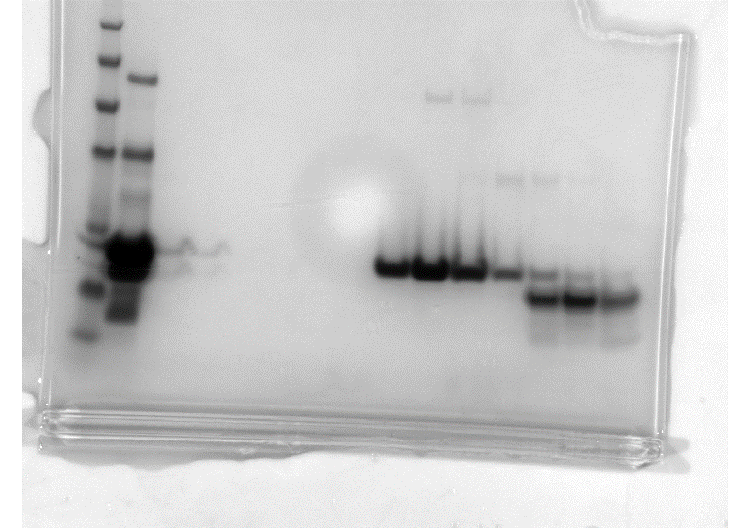

gel of SEC-MALS run shown

excluded sample (pre-SEC sample)

Supp_Figure8a-b
Supplementary Figure 8a | SEC-MALS |  |  |  |  |  | Supplementary Figure 8b | SDS-PAGE | stained with instant blue and using SeeBlue Plus2 pre-stained protein ladder

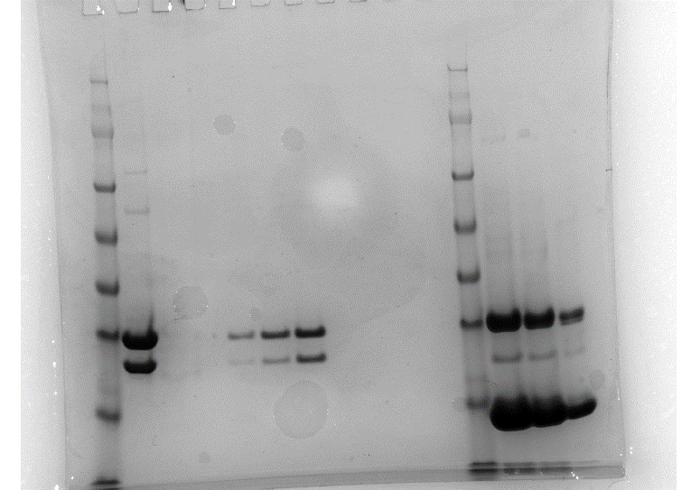
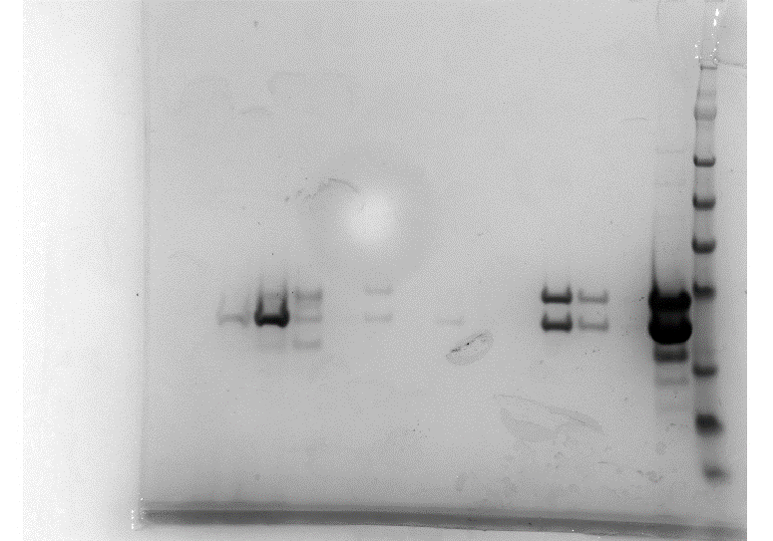
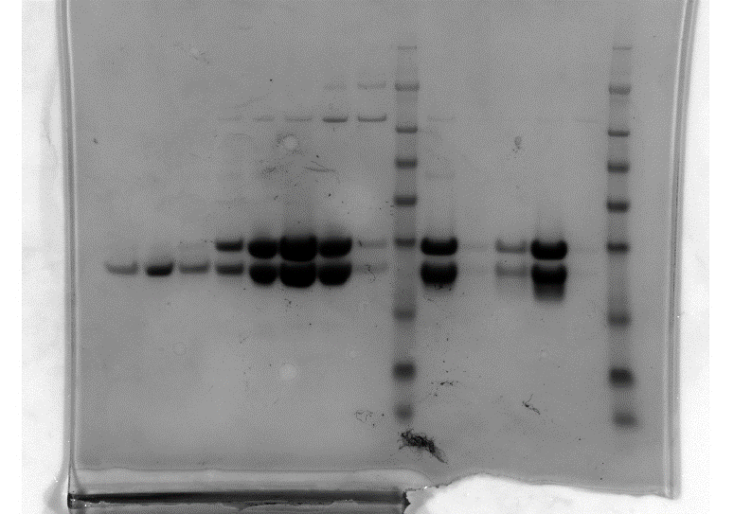
volume (mL) | Mad1:C-Mad2 (dRI) | mass | Mad1:C-Mad2:O-Mad2 (dRI) | mass | sub-stoichiometric Mad1:C-Mad2 (dRI) | mass | Supp Fig 8b: Panel 1 |  |  | Supp Fig 8b: Panel 2 |  | Supp Fig 8b: Panel 3
-0.208258 | -0.0012035 |  | 0.00011922 |  | -0.004418247
-0.2003632 | -0.0016163 |  | -0.0006709 |  | -0.002495621
-0.1924684 | -0.0015624 |  | -0.0009006 |  | -0.000984064
-0.1845736 | -0.0015176 |  | -0.0008311 |  | -0.000904412
-0.1766788 | -0.0014999 |  | -0.0008223 |  | -0.000846838
-0.168784 | -0.0014915 |  | -0.0008208 |  | -0.00082585
-0.1608892 | -0.0014905 |  | -0.0008271 |  | -0.000811837
-0.1529944 | -0.0014816 |  | -0.0008333 |  | -0.000802996
-0.1450996 | -0.0014837 |  | -0.0008369 |  | -0.000790705
-0.1372048 | -0.0014859 |  | -0.0008397 |  | -0.000790259
-0.12931 | -0.0014902 |  | -0.0008546 |  | -0.000788346
-0.1214152 | -0.0015045 |  | -0.0008771 |  | -0.000789246
-0.1135204 | -0.001516 |  | -0.0008969 |  | -0.000790146
-0.1056256 | -0.0015165 |  | -0.0009236 |  | -0.000805462
-0.0977308 | -0.0015186 |  | -0.0009542 |  | -0.000809307
-0.089836 | -0.0015327 |  | -0.0009788 |  | -0.000816093
-0.0819412 | -0.0015399 |  | -0.0010053 |  | -0.00082719
-0.0740464 | -0.0015488 |  | -0.001033 |  | -0.000831032
-0.0661516 | -0.0015559 |  | -0.0010594 |  | -0.000843268
-0.0582568 | -0.0015647 |  | -0.0010817 |  | -0.000857305
-0.050362 | -0.0015697 |  | -0.0011146 |  | -0.000872373
-0.0424672 | -0.001573 |  | -0.0011453 |  | -0.000884551 |  | sample shown in paper
-0.0345724 | -0.0015788 |  | -0.0011575 |  | -0.000909334 |  | all other samples in gel are not part of paper
-0.0266776 | -0.0015847 |  | -0.0011832 |  | -0.00093432 |  |  |  |  |  | sample shown in paper
-0.0187828 | -0.0015879 |  | -0.0012018 |  | -0.00095402 |  |  |  |  |  | all other samples in gel are not part of paper |  | sample shown in paper
-0.010888 | -0.001604 |  | -0.0012232 |  | -0.000975335 |  |  |  |  |  |  |  | all other samples in gel are not part of paper
-0.0029932 | -0.0016148 |  | -0.001244 |  | -0.000991955
0.00490157 | -0.001614 |  | -0.001262 |  | -0.001006031
0.01279637 | -0.0016057 |  | -0.0012742 |  | -0.001027773
0.02069117 | -0.0016039 |  | -0.0012799 |  | -0.001043825
0.02858597 | -0.0016021 |  | -0.0012984 |  | -0.001058319
0.03648077 | -0.0015911 |  | -0.0013105 |  | -0.00107542
0.04437557 | -0.0015877 |  | -0.0013149 |  | -0.001086528
0.05227037 | -0.001588 |  | -0.001324 |  | -0.001099536
0.06016517 | -0.0015883 |  | -0.0013378 |  | -0.001117159
0.06805996 | -0.0015891 |  | -0.0013402 |  | -0.001143981
0.07595476 | -0.0016017 |  | -0.0013472 |  | -0.00115803
0.08384956 | -0.0016121 |  | -0.0013681 |  | -0.0011742
0.09174436 | -0.0016226 |  | -0.0013862 |  | -0.001208572
0.09963916 | -0.0016307 |  | -0.0013961 |  | -0.00124701
0.10753396 | -0.0016299 |  | -0.0014093 |  | -0.001279422
0.11542876 | -0.0016304 |  | -0.0014273 |  | -0.001302673
0.12332356 | -0.0016309 |  | -0.001444 |  | -0.001337489
0.13121836 | -0.0016432 |  | -0.0014575 |  | -0.00136163
0.13911315 | -0.0016344 |  | -0.0014733 |  | -0.001372408
0.14700795 | -0.001632 |  | -0.0014851 |  | -0.00138635
0.15490275 | -0.0016296 |  | -0.0014921 |  | -0.001399754
0.16279755 | -0.0016207 |  | -0.0014876 |  | -0.001402563
0.17069235 | -0.0016094 |  | -0.0014836 |  | -0.001403041
0.17858715 | -0.001597 |  | -0.0014838 |  | -0.001403519
0.18648195 | -0.0015889 |  | -0.0014843 |  | -0.001412662
0.19437675 | -0.001586 |  | -0.0014848 |  | -0.001415339
0.20227155 | -0.0015848 |  | -0.0014862 |  | -0.001428834
0.21016634 | -0.0015835 |  | -0.0014877 |  | -0.001441474
0.21806114 | -0.0015744 |  | -0.0014914 |  | -0.001441913
0.22595594 | -0.0015726 |  | -0.0014928 |  | -0.001453434
0.23385074 | -0.0015721 |  | -0.0014947 |  | -0.001468834
0.24174554 | -0.0015716 |  | -0.0014966 |  | -0.001480255
0.24964034 | -0.0015713 |  | -0.0015004 |  | -0.001480806
0.25753514 | -0.0015713 |  | -0.0015064 |  | -0.001481357
0.26542994 | -0.0015712 |  | -0.0015114 |  | -0.001483389
0.27332473 | -0.0015714 |  | -0.001527 |  | -0.001483844
0.28121953 | -0.0015715 |  | -0.0015318 |  | -0.001485193
0.28911433 | -0.0015711 |  | -0.0015356 |  | -0.001482781
0.29700913 | -0.0015696 |  | -0.0015394 |  | -0.001482966
0.30490393 | -0.0015704 |  | -0.0015447 |  | -0.001484564
0.31279873 | -0.0015711 |  | -0.0015453 |  | -0.001486162
0.32069353 | -0.0015734 |  | -0.0015467 |  | -0.001479743
0.32858833 | -0.0015674 |  | -0.001548 |  | -0.001477045
0.33648313 | -0.0015642 |  | -0.0015489 |  | -0.001476875
0.34437792 | -0.0015628 |  | -0.0015497 |  | -0.001480527
0.35227272 | -0.0015622 |  | -0.0015523 |  | -0.001484178
0.36016752 | -0.0015637 |  | -0.001549 |  | -0.001494416
0.36806232 | -0.0015652 |  | -0.0015495 |  | -0.001495031
0.37595712 | -0.0015668 |  | -0.0015509 |  | -0.001495302
0.38385192 | -0.0015616 |  | -0.0015523 |  | -0.0014957
0.39174672 | -0.0015499 |  | -0.0015547 |  | -0.001496097
0.39964152 | -0.0015421 |  | -0.0015588 |  | -0.001501993
0.40753632 | -0.0015376 |  | -0.0015594 |  | -0.001508247
0.41543111 | -0.0015371 |  | -0.0015615 |  | -0.001517346
0.42332591 | -0.0015385 |  | -0.0015636 |  | -0.001536385
0.43122071 | -0.0015398 |  | -0.0015725 |  | -0.001549828
0.43911551 | -0.0015426 |  | -0.0015737 |  | -0.001558244
0.44701031 | -0.001545 |  | -0.0015764 |  | -0.001556147
0.45490511 | -0.0015443 |  | -0.0015791 |  | -0.001555188
0.46279991 | -0.0015309 |  | -0.0015804 |  | -0.001557861
0.47069471 | -0.0015208 |  | -0.0015814 |  | -0.001560535
0.4785895 | -0.0015173 |  | -0.0015825 |  | -0.001563651
0.4864843 | -0.0015114 |  | -0.001584 |  | -0.001566767
0.4943791 | -0.0015092 |  | -0.0015875 |  | -0.001572742
0.5022739 | -0.0015107 |  | -0.0015964 |  | -0.001578791
0.5101687 | -0.0015122 |  | -0.001603 |  | -0.001582278
0.5180635 | -0.0015139 |  | -0.0016052 |  | -0.001585765
0.5259583 | -0.0015152 |  | -0.0016085 |  | -0.001592731
0.5338531 | -0.0015166 |  | -0.0016117 |  | -0.001602106
0.5417479 | -0.0015164 |  | -0.0016229 |  | -0.001603289
0.54964269 | -0.0015162 |  | -0.001631 |  | -0.001613606
0.55753749 | -0.0015159 |  | -0.0016395 |  | -0.001617617
0.56543229 | -0.0015154 |  | -0.0016463 |  | -0.00161837
0.57332709 | -0.0015152 |  | -0.0016486 |  | -0.001630501
0.58122189 | -0.0015155 |  | -0.001651 |  | -0.001645044
0.58911669 | -0.0015157 |  | -0.0016653 |  | -0.001652288
0.59701149 | -0.0015132 |  | -0.0016707 |  | -0.001653362
0.60490629 | -0.0015122 |  | -0.001673 |  | -0.001659936
0.61280109 | -0.0015112 |  | -0.0016738 |  | -0.001663974
0.62069588 | -0.0015006 |  | -0.0016746 |  | -0.001669719
0.62859068 | -0.0015003 |  | -0.0016749 |  | -0.001681858
0.63648548 | -0.0015 |  | -0.0016767 |  | -0.00169424
0.64438028 | -0.0014916 |  | -0.0016784 |  | -0.001705669
0.65227508 | -0.0014906 |  | -0.0016857 |  | -0.001720271
0.66016988 | -0.0014865 |  | -0.0016866 |  | -0.001733428
0.66806468 | -0.0014784 |  | -0.0016875 |  | -0.001734346
0.67595948 | -0.0014782 |  | -0.0016836 |  | -0.001743493
0.68385428 | -0.0014781 |  | -0.0016721 |  | -0.001756249
0.69174907 | -0.001476 |  | -0.0016696 |  | -0.001758976
0.69964387 | -0.0014738 |  | -0.0016671 |  | -0.001760099
0.70753867 | -0.0014735 |  | -0.0016645 |  | -0.001761221
0.71543347 | -0.0014736 |  | -0.0016603 |  | -0.001766277
0.72332827 | -0.0014736 |  | -0.0016601 |  | -0.001772235
0.73122307 | -0.0014736 |  | -0.00166 |  | -0.001784719
0.73911787 | -0.0014706 |  | -0.0016598 |  | -0.001799014
0.74701267 | -0.001468 |  | -0.001657 |  | -0.001799401
0.75490746 | -0.0014653 |  | -0.0016514 |  | -0.001799788
0.76280226 | -0.0014643 |  | -0.0016497 |  | -0.001819807
0.77069706 | -0.0014571 |  | -0.001651 |  | -0.001825243
0.77859186 | -0.0014573 |  | -0.0016523 |  | -0.001826174
0.78648666 | -0.0014576 |  | -0.0016489 |  | -0.001834721
0.79438146 | -0.0014589 |  | -0.0016483 |  | -0.001844728
0.80227626 | -0.0014619 |  | -0.0016476 |  | -0.001846611
0.81017106 | -0.0014642 |  | -0.0016377 |  | -0.001842644
0.81806586 | -0.0014665 |  | -0.0016332 |  | -0.001842926
0.82596065 | -0.0014709 |  | -0.0016287 |  | -0.001842468
0.83385545 | -0.0014656 |  | -0.0016203 |  | -0.00184251
0.84175025 | -0.0014641 |  | -0.0016036 |  | -0.001842552
0.84964505 | -0.0014651 |  | -0.0015996 |  | -0.001843571
0.85753985 | -0.0014661 |  | -0.0015981 |  | -0.00184459
0.86543465 | -0.0014684 |  | -0.0015808 |  | -0.00184825
0.87332945 | -0.0014786 |  | -0.0015675 |  | -0.001848971
0.88122425 | -0.0014812 |  | -0.0015663 |  | -0.001842137
0.88911905 | -0.0014837 |  | -0.0015552 |  | -0.001840577
0.89701384 | -0.0014873 |  | -0.0015406 |  | -0.001839017
0.90490864 | -0.0014851 |  | -0.0015395 |  | -0.001825825
0.91280344 | -0.0014848 |  | -0.0015324 |  | -0.001820541
0.92069824 | -0.0014874 |  | -0.0015128 |  | -0.001814992
0.92859304 | -0.0014901 |  | -0.0015066 |  | -0.001804111
0.93648784 | -0.0014904 |  | -0.0014951 |  | -0.001789981
0.94438264 | -0.0014961 |  | -0.0014837 |  | -0.001776682
0.95227744 | -0.0015047 |  | -0.0014745 |  | -0.001768738
0.96017223 | -0.0015129 |  | -0.0014676 |  | -0.001761265
0.96806703 | -0.0015241 |  | -0.0014601 |  | -0.00175576
0.97596183 | -0.0015372 |  | -0.001451 |  | -0.001750255
0.98385663 | -0.001549 |  | -0.0014415 |  | -0.001750551
0.99175143 | -0.001555 |  | -0.0014323 |  | -0.001725307
0.99964623 | -0.0015592 |  | -0.0014166 |  | -0.00171145
1.00754103 | -0.0015608 |  | -0.0014051 |  | -0.001693904
1.01543583 | -0.0015636 |  | -0.0014034 |  | -0.001670631
1.02333063 | -0.0015684 |  | -0.0013857 |  | -0.001658305
1.03122542 | -0.0015744 |  | -0.0013704 |  | -0.001649567
1.03912022 | -0.001574 |  | -0.001363 |  | -0.001643711
1.04701502 | -0.001574 |  | -0.0013521 |  | -0.001633429
1.05490982 | -0.0015777 |  | -0.0013416 |  | -0.001623646
1.06280462 | -0.0015815 |  | -0.0013403 |  | -0.001602003
1.07069942 | -0.0015829 |  | -0.0013385 |  | -0.001579678
1.07859422 | -0.0015843 |  | -0.0013237 |  | -0.001569167
1.08648902 | -0.0015792 |  | -0.001324 |  | -0.001553114
1.09438382 | -0.0015708 |  | -0.0013242 |  | -0.001542486
1.10227861 | -0.0015667 |  | -0.0013135 |  | -0.00153525
1.11017341 | -0.0015625 |  | -0.0013096 |  | -0.001510114
1.11806821 | -0.0015562 |  | -0.0013054 |  | -0.001493081
1.12596301 | -0.0015477 |  | -0.0013034 |  | -0.001479733
1.13385781 | -0.0015447 |  | -0.0012988 |  | -0.001476347
1.14175261 | -0.0015427 |  | -0.0012937 |  | -0.001473512
1.14964741 | -0.0015299 |  | -0.0012931 |  | -0.001469599
1.15754221 | -0.0015213 |  | -0.0012885 |  | -0.001465685
1.165437 | -0.0015143 |  | -0.0012796 |  | -0.001464739
1.1733318 | -0.0014989 |  | -0.00128 |  | -0.001455859
1.1812266 | -0.0014934 |  | -0.001281 |  | -0.00145608
1.1891214 | -0.001486 |  | -0.001282 |  | -0.0014563
1.1970162 | -0.0014779 |  | -0.0012818 |  | -0.001451052
1.204911 | -0.0014751 |  | -0.0012813 |  | -0.001449194
1.2128058 | -0.0014723 |  | -0.0012692 |  | -0.001447336
1.2207006 | -0.0014713 |  | -0.0012688 |  | -0.001433632
1.2285954 | -0.0014693 |  | -0.0012684 |  | -0.00142123
1.23649019 | -0.0014672 |  | -0.001259 |  | -0.001419024
1.24438499 | -0.0014646 |  | -0.0012512 |  | -0.001406959
1.25227979 | -0.0014486 |  | -0.0012505 |  | -0.001386134
1.26017459 | -0.0014346 |  | -0.00125 |  | -0.001379357
1.26806939 | -0.0014279 |  | -0.0012482 |  | -0.001372579
1.27596419 | -0.0014243 |  | -0.0012416 |  | -0.001364916
1.28385899 | -0.0014237 |  | -0.0012345 |  | -0.001361838
1.29175379 | -0.0014232 |  | -0.0012351 |  | -0.001360897
1.29964859 | -0.0014171 |  | -0.0012364 |  | -0.001359957
1.30754338 | -0.001401 |  | -0.0012376 |  | -0.001353997
1.31543818 | -0.0013932 |  | -0.0012413 |  | -0.001341762
1.32333298 | -0.0013908 |  | -0.001237 |  | -0.001337248
1.33122778 | -0.0013749 |  | -0.0012329 |  | -0.001329954
1.33912258 | -0.0011639 |  | -0.0006195 |  | -0.001291255
1.34701738 | -0.0007511 |  | 0.00046382 |  | -0.000918074
1.35491218 | -0.0001147 |  | 0.00045432 |  | -0.000297204
1.36280698 | 0.00010251 |  | 0.00044483 |  | 0.000442116
1.37070178 | 0.00012643 |  | 0.00040081 |  | 0.000552238
1.37859657 | 0.0001368 |  | 0.0003459 |  | 0.000542449
1.38649137 | 0.0001264 |  | 0.00030162 |  | 0.00053266
1.39438617 | 0.00011601 |  | 0.000275 |  | 0.00050655
1.40228097 | 0.0000892 |  | 0.00025697 |  | 0.000458072
1.41017577 | 0.0000737 |  | 0.00023445 |  | 0.000425816
1.41807057 | 0.0000606 |  | 0.00021904 |  | 0.000407275
1.42596537 | 0.0000444 |  | 0.00021518 |  | 0.000401425
1.43386017 | 0.0000309 |  | 0.00020107 |  | 0.000386001
1.44175496 | 0.0000246 |  | 0.00018474 |  | 0.000379288
1.44964976 | 0.0000182 |  | 0.00017518 |  | 0.000375555
1.45754456 | 0.000000768 |  | 0.0001669 |  | 0.000364464
1.46543936 | -0.00000711 |  | 0.0001557 |  | 0.000361739
1.47333416 | -0.0000086 |  | 0.00015098 |  | 0.000360755
1.48122896 | -0.0000202 |  | 0.00014476 |  | 0.000359771
1.48912376 | -0.0000223 |  | 0.00013853 |  | 0.000342711
1.49701856 | -0.0000243 |  | 0.00012881 |  | 0.000343583
1.50491336 | -0.0000296 |  | 0.00012826 |  | 0.000343141
1.51280815 | -0.0000353 |  | 0.00012963 |  | 0.000342699
1.52070295 | -0.0000406 |  | 0.000129 |  | 0.000338827
1.52859775 | -0.0000455 |  | 0.00012713 |  | 0.000328819
1.53649255 | -0.0000567 |  | 0.00012526 |  | 0.000323591
1.54438735 | -0.0000647 |  | 0.00012231 |  | 0.000315906
1.55228215 | -0.0000728 |  | 0.00011937 |  | 0.000294397
1.56017695 | -0.0000831 |  | 0.00011747 |  | 0.000298032
1.56807175 | -0.0000895 |  | 0.00010559 |  | 0.00029884
1.57596655 | -0.0000916 |  | 0.0000967 |  | 0.000297063
1.58386134 | -0.0001071 |  | 0.0000962 |  | 0.000295286
1.59175614 | -0.00012 |  | 0.0000951 |  | 0.000286786
1.59965094 | -0.0001278 |  | 0.0000941 |  | 0.00028057
1.60754574 | -0.000132 |  | 0.0000909 |  | 0.000274355
1.61544054 | -0.0001362 |  | 0.0000877 |  | 0.000262561
1.62333534 | -0.0001439 |  | 0.0000814 |  | 0.000259953
1.63123014 | -0.0001379 |  | 0.0000727 |  | 0.000248798
1.63912494 | -0.0001355 |  | 0.0000735 |  | 0.000232564
1.64701973 | -0.0001361 |  | 0.0000743 |  | 0.000215183
1.65491453 | -0.0001368 |  | 0.0000759 |  | 0.000205478
1.66280933 | -0.0001374 |  | 0.0000821 |  | 0.000202376
1.67070413 | -0.0001379 |  | 0.0000858 |  | 0.00019743
1.67859893 | -0.0001375 |  | 0.000086 |  | 0.000192484
1.68649373 | -0.0001373 |  | 0.0000858 |  | 0.000181922
1.69438853 | -0.000138 |  | 0.0000832 |  | 0.000167363
1.70228333 | -0.0001388 |  | 0.0000807 |  | 0.000165735
1.71017813 | -0.0001298 |  | 0.0000743 |  | 0.000162925
1.71807292 | -0.0001275 |  | 0.0000657 |  | 0.000151014
1.72596772 | -0.0001218 |  | 0.0000589 |  | 0.000142422
1.73386252 | -0.0001196 |  | 0.0000596 |  | 0.000139949
1.74175732 | -0.0001192 |  | 0.0000596 |  | 0.000137475
1.74965212 | -0.0001169 |  | 0.0000586 |  | 0.000132997
1.75754692 | -0.0001113 |  | 0.0000575 |  | 0.000131533
1.76544172 | -0.0001091 |  | 0.0000427 |  | 0.00013007
1.77333652 | -0.0001068 |  | 0.0000374 |  | 0.000118412
1.78123132 | -0.0001024 |  | 0.0000381 |  | 0.000110675
1.78912611 | -0.0001003 |  | 0.0000421 |  | 0.000106307
1.79702091 | -0.0001012 |  | 0.000041 |  | 0.00010194
1.80491571 | -0.000102 |  | 0.0000398 |  | 0.0000931
1.81281051 | -0.0000838 |  | 0.0000359 |  | 0.0000904
1.82070531 | -0.0000827 |  | 0.0000351 |  | 0.0000812
1.82860011 | -0.0000817 |  | 0.0000321 |  | 0.0000743
1.83649491 | -0.0000698 |  | 0.0000238 |  | 0.0000732
1.84438971 | -0.0000644 |  | 0.0000135 |  | 0.0000693
1.8522845 | -0.0000628 |  | 0.0000105 |  | 0.0000584
1.8601793 | -0.0000459 |  | 0.0000074 |  | 0.000057
1.8680741 | -0.0000417 |  | -0.000000333 |  | 0.0000489
1.8759689 | -0.0000374 |  | -0.00000266 |  | 0.0000397
1.8838637 | -0.0000357 |  | -0.00000499 |  | 0.0000334
1.8917585 | -0.0000304 |  | -0.00001 |  | 0.0000325
1.8996533 | -0.0000283 |  | -0.00000397 |  | 0.0000315
1.9075481 | -0.0000262 |  | -0.00000454 |  | 0.0000273
1.9154429 | -0.0000161 |  | -0.00000517 |  | 0.0000252
1.92333769 | -0.00000491 |  | -0.00000579 |  | 0.0000232
1.93123249 | -0.00000257 |  | -0.0000017 |  | 0.0000177
1.93912729 | -0.00000145 |  | 0.0000024 |  | 0.00000726
1.94702209 | 0.0000107 |  | 0.00000611 |  | -0.00000462
1.95491689 | 0.0000143 |  | 0.00000642 |  | -0.0000165
1.96281169 | 0.0000176 |  | 0.00000564 |  | -0.0000273
1.97070649 | 0.0000195 |  | 0.00000486 |  | -0.00003
1.97860129 | 0.0000203 |  | 0.00000694 |  | -0.0000326
1.98649609 | 0.0000211 |  | 0.00000804 |  | -0.0000432
1.99439088 | 0.0000224 |  | 0.00000915 |  | -0.0000462
2.00228568 | 0.0000226 |  | 0.0000085 |  | -0.0000493
2.01018048 | 0.0000228 |  | 0.0000089 |  | -0.0000574
2.01807528 | 0.0000229 |  | 0.00000776 |  | -0.0000649
2.02597008 | 0.000024 |  | 0.00000663 |  | -0.0000673
2.03386488 | 0.0000251 |  | 0.00000388 |  | -0.0000769
2.04175968 | 0.0000263 |  | -0.00000305 |  | -0.0000801
2.04965448 | 0.0000262 |  | -0.00000823 |  | -0.0000888
2.05754928 | 0.0000244 |  | -0.0000106 |  | -0.000106354
2.06544407 | 0.0000226 |  | -0.000013 |  | -0.000123665
2.07333887 | 0.0000218 |  | -0.0000184 |  | -0.000127543
2.08123367 | 0.0000211 |  | -0.0000249 |  | -0.000134312
2.08912847 | 0.0000191 |  | -0.0000276 |  | -0.000155983
2.09702327 | 0.0000104 |  | -0.0000303 |  | -0.000167949
2.10491807 | 0.00000877 |  | -0.0000353 |  | -0.000177334
2.11281287 | 0.00000711 |  | -0.0000355 |  | -0.000190829
2.12070767 | 0.00000234 |  | -0.0000369 |  | -0.000196076
2.12860246 | 0.00000197 |  | -0.0000383 |  | -0.000203745
2.13649726 | 0.00000159 |  | -0.0000518 |  | -0.000205317
2.14439206 | 0.000000872 |  | -0.0000525 |  | -0.000217167
2.15228686 | 0.00000026 |  | -0.0000547 |  | -0.000223055
2.16018166 | -0.000000352 |  | -0.0000522 |  | -0.000224485
2.16807646 | -0.00000141 |  | -0.0000519 |  | -0.000237563
2.17597126 | -0.00000468 |  | -0.000056 |  | -0.000251258
2.18386606 | -0.00000628 |  | -0.0000602 |  | -0.000266099
2.19176086 | -0.00000648 |  | -0.0000646 |  | -0.000280513
2.19965565 | -0.00000668 |  | -0.0000743 |  | -0.000286371
2.20755045 | -0.00000793 |  | -0.0000785 |  | -0.000291586
2.21544525 | -0.0000108 |  | -0.0000804 |  | -0.000292196
2.22334005 | -0.0000148 |  | -0.0000792 |  | -0.000292806
2.23123485 | -0.0000114 |  | -0.0000793 |  | -0.000295348
2.23912965 | -0.0000112 |  | -0.0000801 |  | -0.00029789
2.24702445 | -0.0000119 |  | -0.0000809 |  | -0.000303121
2.25491925 | -0.0000127 |  | -0.0000745 |  | -0.000304732
2.26281405 | -0.00000624 |  | -0.0000741 |  | -0.000306343
2.27070884 | 0.000000897 |  | -0.0000605 |  | -0.000312873
2.27860364 | 0.00000803 |  | -0.0000588 |  | -0.000313219
2.28649844 | 0.000019 |  | -0.0000571 |  | -0.000313565
2.29439324 | 0.0000268 |  | -0.0000488 |  | -0.000315622
2.30228804 | 0.0000276 |  | -0.0000484 |  | -0.000325083
2.31018284 | 0.0000318 |  | -0.000049 |  | -0.000325814
2.31807764 | 0.0000441 |  | -0.0000495 |  | -0.000330488
2.32597244 | 0.0000479 |  | -0.0000483 |  | -0.000335161
2.33386723 | 0.0000517 |  | -0.000043 |  | -0.000336656
2.34176203 | 0.0000544 |  | -0.0000442 |  | -0.00033803
2.34965683 | 0.0000601 |  | -0.0000455 |  | -0.000339404
2.35755163 | 0.0000693 |  | -0.000048 |  | -0.00034972
2.36544643 | 0.0000723 |  | -0.0000435 |  | -0.00034651
2.37334123 | 0.0000871 |  | -0.0000399 |  | -0.000342145
2.38123603 | 0.0000891 |  | -0.0000368 |  | -0.000338427
2.38913083 | 0.0000898 |  | -0.0000371 |  | -0.000328808
2.39702563 | 0.000091 |  | -0.0000373 |  | -0.000319336
2.40492042 | 0.00010195 |  | -0.0000333 |  | -0.000317004
2.41281522 | 0.0001044 |  | -0.0000325 |  | -0.00030782
2.42071002 | 0.00011495 |  | -0.0000317 |  | -0.000307171
2.42860482 | 0.00011608 |  | -0.0000298 |  | -0.000306523
2.43649962 | 0.00011722 |  | -0.0000293 |  | -0.000295389
2.44439442 | 0.00012176 |  | -0.0000301 |  | -0.000283095
2.45228922 | 0.00012383 |  | -0.000031 |  | -0.000280954
2.46018402 | 0.00012608 |  | -0.0000314 |  | -0.00027487
2.46807882 | 0.00013411 |  | -0.0000326 |  | -0.000265567
2.47597361 | 0.00014843 |  | -0.0000338 |  | -0.000259275
2.48386841 | 0.00015026 |  | -0.0000316 |  | -0.000243981
2.49176321 | 0.00015209 |  | -0.0000248 |  | -0.000242514
2.49965801 | 0.0001607 |  | -0.0000179 |  | -0.000229899
2.50755281 | 0.00018577 |  | -0.00000719 |  | -0.000214008
2.51544761 | 0.00019344 |  | -0.00000553 |  | -0.000207693
2.52334241 | 0.00020493 |  | -0.00000388 |  | -0.000182533
2.53123721 | 0.0002187 |  | 0.00000617 |  | -0.000165056
2.539132 | 0.00022645 |  | 0.0000177 |  | -0.000156955
2.5470268 | 0.00023973 |  | 0.0000189 |  | -0.000143413
2.5549216 | 0.00024418 |  | 0.0000184 |  | -0.000131844
2.5628164 | 0.00025077 |  | 0.0000168 |  | -0.000120781
2.5707112 | 0.00025562 |  | 0.0000152 |  | -0.000110338
2.578606 | 0.00025983 |  | 0.0000124 |  | -0.0000891
2.5865008 | 0.00026404 |  | 0.000016 |  | -0.0000812
2.5943956 | 0.00026679 |  | 0.0000251 |  | -0.0000721
2.6022904 | 0.00027505 |  | 0.00003 |  | -0.0000532
2.61018519 | 0.00028159 |  | 0.0000363 |  | -0.0000375
2.61807999 | 0.00028813 |  | 0.000039 |  | -0.0000305
2.62597479 | 0.00029066 |  | 0.0000382 |  | -0.0000188
2.63386959 | 0.0003083 |  | 0.0000373 |  | -0.00000138
2.64176439 | 0.00031582 |  | 0.0000389 |  | 0.0000136
2.64965919 | 0.00031814 |  | 0.0000377 |  | 0.0000266
2.65755399 | 0.00033299 |  | 0.0000365 |  | 0.0000464
2.66544879 | 0.00034487 |  | 0.0000352 |  | 0.0000606
2.67334359 | 0.00035084 |  | 0.0000387 |  | 0.0000726
2.68123838 | 0.00035991 |  | 0.0000391 |  | 0.0000945
2.68913318 | 0.00036979 |  | 0.0000396 |  | 0.000109079
2.69702798 | 0.00037333 |  | 0.0000423 |  | 0.000117734
2.70492278 | 0.00037688 |  | 0.0000428 |  | 0.000129345
2.71281758 | 0.00038222 |  | 0.0000434 |  | 0.000143973
2.72071238 | 0.00038584 |  | 0.0000445 |  | 0.000161976
2.72860718 | 0.00038703 |  | 0.0000447 |  | 0.000162082
2.73650198 | 0.00038821 |  | 0.0000448 |  | 0.000176756
2.74439678 | 0.0003988 |  | 0.0000442 |  | 0.000200243
2.75229157 | 0.00039992 |  | 0.0000434 |  | 0.000205688
2.76018637 | 0.00040243 |  | 0.0000425 |  | 0.000223007
2.76808117 | 0.0004065 |  | 0.0000418 |  | 0.000232907
2.77597597 | 0.00041057 |  | 0.0000409 |  | 0.000242808
2.78387077 | 0.00041052 |  | 0.0000399 |  | 0.00024836
2.79176557 | 0.00041684 |  | 0.0000387 |  | 0.000256978
2.79966037 | 0.00041608 |  | 0.0000375 |  | 0.000260952
2.80755517 | 0.00041532 |  | 0.0000356 |  | 0.000264925
2.81544996 | 0.00041354 |  | 0.0000239 |  | 0.000277161
2.82334476 | 0.00041211 |  | 0.0000168 |  | 0.000283493
2.83123956 | 0.0004107 |  | 0.0000158 |  | 0.000292012
2.83913436 | 0.00039811 |  | 0.0000132 |  | 0.000303334
2.84702916 | 0.00039421 |  | 0.0000059 |  | 0.000309215
2.85492396 | 0.00038406 |  | 0.00000569 |  | 0.000315163
2.86281876 | 0.00037551 |  | 0.00000306 |  | 0.000322108
2.87071356 | 0.0003745 |  | 0.000000442 |  | 0.000334924
2.87860836 | 0.0003737 |  | -0.00000573 |  | 0.000341252
2.88650315 | 0.00036755 |  | -0.00000883 |  | 0.000349482
2.89439795 | 0.00036373 |  | -0.0000119 |  | 0.000364427
2.90229275 | 0.00036056 |  | -0.0000136 |  | 0.000372115
2.91018755 | 0.00035889 |  | -0.0000152 |  | 0.000377006
2.91808235 | 0.00035549 |  | -0.0000179 |  | 0.000389139
2.92597715 | 0.00034759 |  | -0.0000266 |  | 0.000405679
2.93387195 | 0.00034042 |  | -0.000034 |  | 0.000414068
2.94176675 | 0.00032973 |  | -0.0000244 |  | 0.000418994
2.94966155 | 0.00032266 |  | -0.0000229 |  | 0.000427518
2.95755634 | 0.00031656 |  | -0.000017 |  | 0.00043417
2.96545114 | 0.0003032 |  | -0.0000176 |  | 0.000438558
2.97334594 | 0.00029862 |  | -0.0000184 |  | 0.000451
2.98124074 | 0.00029824 |  | -0.0000192 |  | 0.000454435
2.98913554 | 0.00028744 |  | -0.00002 |  | 0.000454325
2.99703034 | 0.00027936 |  | -0.0000208 |  | 0.000454215
3.00492514 | 0.00027769 |  | -0.0000231 |  | 0.000468907
3.01281994 | 0.00027107 |  | -0.0000324 |  | 0.000472818
3.02071473 | 0.00026445 |  | -0.0000347 |  | 0.000476729
3.02860953 | 0.00025486 |  | -0.0000568 |  | 0.000476763
3.03650433 | 0.0002479 |  | -0.000067 |  | 0.000478394
3.04439913 | 0.00023362 |  | -0.0000722 |  | 0.000481467
3.05229393 | 0.00022278 |  | -0.0000774 |  | 0.000486739
3.06018873 | 0.00022236 |  | -0.0000978 |  | 0.000499248
3.06808353 | 0.00021766 |  | -0.0000988 |  | 0.000501794
3.07597833 | 0.00020683 |  | -0.0001035 |  | 0.000503042
3.08387313 | 0.00020365 |  | -0.0001187 |  | 0.000502496
3.09176792 | 0.00019549 |  | -0.0001317 |  | 0.00050195
3.09966272 | 0.0001868 |  | -0.0001357 |  | 0.000499633
3.10755752 | 0.00017434 |  | -0.0001516 |  | 0.000500415
3.11545232 | 0.00017102 |  | -0.0001671 |  | 0.000498745
3.12334712 | 0.00015611 |  | -0.0001733 |  | 0.000497074
3.13124192 | 0.00014406 |  | -0.0001821 |  | 0.000492718
3.13913672 | 0.00013274 |  | -0.000189 |  | 0.000493905
3.14703152 | 0.0001103 |  | -0.0001977 |  | 0.000493782
3.15492632 | 0.0000916 |  | -0.0002052 |  | 0.000493329
3.16282111 | 0.0000722 |  | -0.00022 |  | 0.000492876
3.17071591 | 0.0000577 |  | -0.0002273 |  | 0.000482502
3.17861071 | 0.0000387 |  | -0.0002344 |  | 0.00048146
3.18650551 | 0.0000235 |  | -0.000245 |  | 0.000479777
3.19440031 | 0.0000171 |  | -0.0002555 |  | 0.000470835
3.20229511 | 0.00000313 |  | -0.0002578 |  | 0.000457767
3.21018991 | -0.00000427 |  | -0.0002602 |  | 0.000451383
3.21808471 | -0.0000098 |  | -0.0002644 |  | 0.000450823
3.2259795 | -0.0000201 |  | -0.000266 |  | 0.000450262
3.2338743 | -0.0000249 |  | -0.0002676 |  | 0.000447638
3.2417691 | -0.0000334 |  | -0.0002753 |  | 0.000445466
3.2496639 | -0.0000373 |  | -0.000279 |  | 0.000443294
3.2575587 | -0.000048 |  | -0.000281 |  | 0.000426212
3.2654535 | -0.0000565 |  | -0.0002831 |  | 0.000424382
3.2733483 | -0.0000582 |  | -0.0002833 |  | 0.000423018
3.2812431 | -0.0000636 |  | -0.0002848 |  | 0.000421654
3.2891379 | -0.0000631 |  | -0.0002862 |  | 0.000419731
3.29703269 | -0.0000635 |  | -0.0002898 |  | 0.000418308
3.30492749 | -0.0000639 |  | -0.0002855 |  | 0.00040849
3.31282229 | -0.0000655 |  | -0.00028 |  | 0.000406396
3.32071709 | -0.0000648 |  | -0.0002759 |  | 0.000403434
3.32861189 | -0.0000649 |  | -0.0002679 |  | 0.000389646
3.33650669 | -0.0000651 |  | -0.0002687 |  | 0.000377881
3.34440149 | -0.000066 |  | -0.0002695 |  | 0.00037391
3.35229629 | -0.0000669 |  | -0.0002738 |  | 0.000354915
3.36019109 | -0.0000721 |  | -0.0002747 |  | 0.000341729
3.36808588 | -0.0000769 |  | -0.0002755 |  | 0.000346248
3.37598068 | -0.000077 |  | -0.0002806 |  | 0.000347793
3.38387548 | -0.0000783 |  | -0.0002868 |  | 0.00034455
3.39177028 | -0.0000795 |  | -0.0002884 |  | 0.000341307
3.39966508 | -0.0000799 |  | -0.0002966 |  | 0.000336551
3.40755988 | -0.0000802 |  | -0.0002991 |  | 0.000331796
3.41545468 | -0.000082 |  | -0.0003015 |  | 0.000321964
3.42334948 | -0.00009 |  | -0.0003181 |  | 0.000317678
3.43124428 | -0.0000908 |  | -0.0003211 |  | 0.000313392
3.43913907 | -0.0000916 |  | -0.000316 |  | 0.000304912
3.44703387 | -0.0000941 |  | -0.0003146 |  | 0.000295939
3.45492867 | -0.0000944 |  | -0.0003159 |  | 0.000294122
3.46282347 | -0.0000947 |  | -0.0003172 |  | 0.000276438
3.47071827 | -0.000097 |  | -0.0003162 |  | 0.000261074
3.47861307 | -0.0001042 |  | -0.0003154 |  | 0.000255031
3.48650787 | -0.0001087 |  | -0.0003101 |  | 0.000241889
3.49440267 | -0.0001132 |  | -0.0003084 |  | 0.000227486
3.50229746 | -0.000124 |  | -0.0003079 |  | 0.000217449
3.51019226 | -0.0001336 |  | -0.0003073 |  | 0.000210639
3.51808706 | -0.0001363 |  | -0.0003077 |  | 0.000204236
3.52598186 | -0.0001459 |  | -0.000309 |  | 0.000191956
3.53387666 | -0.0001575 |  | -0.0003102 |  | 0.000188539
3.54177146 | -0.0001594 |  | -0.0003013 |  | 0.000185122
3.54966626 | -0.0001668 |  | -0.0002937 |  | 0.000167352
3.55756106 | -0.00017 |  | -0.0002913 |  | 0.000165677
3.56545586 | -0.0001788 |  | -0.000287 |  | 0.000164001
3.57335065 | -0.0001864 |  | -0.0002835 |  | 0.000152473
3.58124545 | -0.0001913 |  | -0.0002825 |  | 0.000145516
3.58914025 | -0.0001918 |  | -0.0002839 |  | 0.000143152
3.59703505 | -0.0001923 |  | -0.0002853 |  | 0.000134369
3.60492985 | -0.0001921 |  | -0.0002795 |  | 0.000131562
3.61282465 | -0.0001923 |  | -0.0002772 |  | 0.0001318
3.62071945 | -0.0001972 |  | -0.0002761 |  | 0.000129281
3.62861425 | -0.0002021 |  | -0.0002729 |  | 0.000126762
3.63650905 | -0.0002073 |  | -0.0002719 |  | 0.00012187
3.64440384 | -0.0002154 |  | -0.0002708 |  | 0.000116979
3.65229864 | -0.0002238 |  | -0.0002682 |  | 0.000106343
3.66019344 | -0.0002263 |  | -0.0002655 |  | 0.000105796
3.66808824 | -0.0002274 |  | -0.0002647 |  | 0.000105249
3.67598304 | -0.0002298 |  | -0.0002558 |  | 0.000098
3.68387784 | -0.0002322 |  | -0.0002572 |  | 0.0000866
3.69177264 | -0.0002268 |  | -0.0002586 |  | 0.0000821
3.69966744 | -0.0002288 |  | -0.000261 |  | 0.000068
3.70756223 | -0.0002308 |  | -0.000262 |  | 0.0000576
3.71545703 | -0.0002352 |  | -0.000263 |  | 0.0000642
3.72335183 | -0.0002393 |  | -0.0002659 |  | 0.0000627
3.73124663 | -0.000249 |  | -0.0002736 |  | 0.0000612
3.73914143 | -0.000252 |  | -0.000275 |  | 0.0000582
3.74703623 | -0.0002523 |  | -0.0002764 |  | 0.0000579
3.75493103 | -0.0002526 |  | -0.0002724 |  | 0.0000557
3.76282583 | -0.0002533 |  | -0.0002712 |  | 0.000044
3.77072063 | -0.0002537 |  | -0.0002699 |  | 0.000046
3.77861542 | -0.000254 |  | -0.0002698 |  | 0.0000457
3.78651022 | -0.0002552 |  | -0.0002665 |  | 0.0000454
3.79440502 | -0.0002508 |  | -0.0002659 |  | 0.0000449
3.80229982 | -0.0002473 |  | -0.0002653 |  | 0.0000444
3.81019462 | -0.0002441 |  | -0.000261 |  | 0.00004
3.81808942 | -0.0002414 |  | -0.0002599 |  | 0.0000385
3.82598422 | -0.0002286 |  | -0.0002588 |  | 0.0000383
3.83387902 | -0.0002278 |  | -0.0002601 |  | 0.0000361
3.84177382 | -0.0002268 |  | -0.0002615 |  | 0.0000339
3.84966861 | -0.000226 |  | -0.0002647 |  | 0.0000317
3.85756341 | -0.000223 |  | -0.0002653 |  | 0.0000232
3.86545821 | -0.00022 |  | -0.0002669 |  | 0.00000714
3.87335301 | -0.000217 |  | -0.0002685 |  | 0.00000284
3.88124781 | -0.0002101 |  | -0.0002726 |  | 0.000000639
3.88914261 | -0.0002071 |  | -0.0002612 |  | -0.00000156
3.89703741 | -0.0001998 |  | -0.00026 |  | -0.0000127
3.90493221 | -0.000186 |  | -0.0002589 |  | -0.0000077
3.912827 | -0.0001797 |  | -0.0002567 |  | -0.0000075
3.9207218 | -0.0001704 |  | -0.0002578 |  | -0.00000731
3.9286166 | -0.0001571 |  | -0.0002589 |  | -0.00000494
3.9365114 | -0.0001376 |  | -0.0002611 |  | -0.00000258
3.9444062 | -0.000111 |  | -0.0002633 |  | -0.00000255
3.952301 | -0.0000996 |  | -0.0002656 |  | -0.00000253
3.9601958 | -0.0000871 |  | -0.0002679 |  | -0.00000279
3.9680906 | -0.0000729 |  | -0.000267 |  | -0.000000989
3.9759854 | -0.0000561 |  | -0.0002661 |  | 0.00000287
3.98388019 | -0.0000358 |  | -0.0002661 |  | -3.46E-08
3.99177499 | -0.0000218 |  | -0.000264 |  | -0.00000294
3.99966979 | -0.0000161 |  | -0.0002638 |  | -0.00000915
4.00756459 | 0.00000554 |  | -0.0002643 |  | -0.00000741
4.01545939 | 0.0000266 |  | -0.0002648 |  | -0.00000727
4.02335419 | 0.0000358 |  | -0.0002612 |  | -0.0000074
4.03124899 | 0.0000428 |  | -0.0002577 |  | -0.00000753
4.03914379 | 0.0000535 |  | -0.0002545 |  | -0.00000464
4.04703859 | 0.0000602 |  | -0.0002459 |  | -0.00000175
4.05493338 | 0.0000726 |  | -0.000241 |  | 0.00000107
4.06282818 | 0.0000903 |  | -0.0002405 |  | 0.00000181
4.07072298 | 0.00010269 |  | -0.0002407 |  | 0.00000152
4.07861778 | 0.0001113 |  | -0.0002413 |  | 0.00000122
4.08651258 | 0.00012041 |  | -0.000242 |  | 0.0000206
4.09440738 | 0.00013432 |  | -0.0002428 |  | 0.000021
4.10230218 | 0.00013804 |  | -0.0002321 |  | 0.0000214
4.11019698 | 0.00015185 |  | -0.000232 |  | 0.000031
4.11809178 | 0.00015694 |  | -0.0002318 |  | 0.0000477
4.12598657 | 0.00016969 |  | -0.0002265 |  | 0.0000599
4.13388137 | 0.00018095 |  | -0.0002159 |  | 0.0000678
4.14177617 | 0.00020052 |  | -0.0002082 |  | 0.0000701
4.14967097 | 0.00021 |  | -0.0002022 |  | 0.0000731
4.15756577 | 0.00021816 |  | -0.0001916 |  | 0.0000825
4.16546057 | 0.0002233 |  | -0.0001902 |  | 0.000101522
4.17335537 | 0.00022625 |  | -0.0001889 |  | 0.000113459
4.18125017 | 0.00022897 |  | -0.0001847 |  | 0.000123254
4.18914496 | 0.00022953 |  | -0.0001837 |  | 0.000136134
4.19703976 | 0.00023102 |  | -0.0001826 |  | 0.000160974
4.20493456 | 0.00023251 |  | -0.0001753 |  | 0.000179523
4.21282936 | 0.00023739 |  | -0.0001664 |  | 0.000198855
4.22072416 | 0.00024913 |  | -0.0001649 |  | 0.000218851
4.22861896 | 0.00024776 |  | -0.0001641 |  | 0.000235181
4.23651376 | 0.00024639 |  | -0.0001607 |  | 0.000241535
4.24440856 | 0.00024293 |  | -0.0001574 |  | 0.000253771
4.25230336 | 0.00023864 |  | -0.0001471 |  | 0.000272628
4.26019815 | 0.000235 |  | -0.0001445 |  | 0.000294997
4.26809295 | 0.0002303 |  | -0.0001438 |  | 0.000308798
4.27598775 | 0.00023241 |  | -0.0001432 |  | 0.000323641
4.28388255 | 0.00023226 |  | -0.0001373 |  | 0.000337196
4.29177735 | 0.00023212 |  | -0.0001316 |  | 0.000345293
4.29967215 | 0.00022732 |  | -0.000132 |  | 0.000347827
4.30756695 | 0.00022703 |  | -0.0001336 |  | 0.000361359
4.31546175 | 0.00021611 |  | -0.0001352 |  | 0.000375947
4.32335655 | 0.00020386 |  | -0.0001386 |  | 0.000396364
4.33125134 | 0.0002023 |  | -0.0001371 |  | 0.000404553
4.33914614 | 0.00018973 |  | -0.0001342 |  | 0.00041061
4.34704094 | 0.00017855 |  | -0.0001349 |  | 0.000431886
4.35493574 | 0.00017382 |  | -0.0001357 |  | 0.00046085
4.36283054 | 0.0001691 |  | -0.0001352 |  | 0.000480741
4.37072534 | 0.00015961 |  | -0.0001364 |  | 0.000493773
4.37862014 | 0.0001569 |  | -0.0001377 |  | 0.000516538
4.38651494 | 0.00015572 |  | -0.000141 |  | 0.000533788
4.39440973 | 0.0001519 |  | -0.000134 |  | 0.000539121
4.40230453 | 0.00014834 |  | -0.0001299 |  | 0.00055139
4.41019933 | 0.00014605 |  | -0.0001287 |  | 0.000568851
4.41809413 | 0.00014376 |  | -0.0001297 |  | 0.000576439
4.42598893 | 0.00013932 |  | -0.0001306 |  | 0.000581757
4.43388373 | 0.00013887 |  | -0.0001337 |  | 0.000600693
4.44177853 | 0.00013841 |  | -0.0001344 |  | 0.00060589
4.44967333 | 0.00012546 |  | -0.000135 |  | 0.000611086
4.45756813 | 0.00012048 |  | -0.0001362 |  | 0.000622158
4.46546292 | 0.00011987 |  | -0.0001431 |  | 0.000623974
4.47335772 | 0.00011958 |  | -0.0001434 |  | 0.00062436
4.48125252 | 0.00011482 |  | -0.0001456 |  | 0.000624031
4.48914732 | 0.00011263 |  | -0.0001478 |  | 0.000618846
4.49704212 | 0.00010822 |  | -0.0001435 |  | 0.000613661
4.50493692 | 0.00010381 |  | -0.0001411 |  | 0.000612304
4.51283172 | 0.00010362 |  | -0.0001387 |  | 0.000618522
4.52072652 | 0.00010123 |  | -0.0001362 |  | 0.000618434
4.52862132 | 0.0000988 |  | -0.0001345 |  | 0.000618345
4.53651611 | 0.0000942 |  | -0.0001353 |  | 0.000634101
4.54441091 | 0.0000998 |  | -0.0001361 |  | 0.000641194
4.55230571 | 0.0000997 |  | -0.0001372 |  | 0.000644526
4.56020051 | 0.0000996 |  | -0.0001371 |  | 0.00064406
4.56809531 | 0.0000967 |  | -0.0001375 |  | 0.000643594
4.57599011 | 0.0000937 |  | -0.0001393 |  | 0.000639329
4.58388491 | 0.0000871 |  | -0.0001411 |  | 0.000628457
4.59177971 | 0.0000868 |  | -0.000143 |  | 0.000625451
4.5996745 | 0.0000865 |  | -0.0001461 |  | 0.000628826
4.6075693 | 0.0000862 |  | -0.0001473 |  | 0.0006322
4.6154641 | 0.0000861 |  | -0.0001397 |  | 0.00062881
4.6233589 | 0.0000857 |  | -0.0001373 |  | 0.00062542
4.6312537 | 0.0000852 |  | -0.0001352 |  | 0.00061679
4.6391485 | 0.0000857 |  | -0.0001347 |  | 0.000600989
4.6470433 | 0.0000851 |  | -0.0001387 |  | 0.000597634
4.6549381 | 0.0000845 |  | -0.0001427 |  | 0.000594279
4.6628329 | 0.0000804 |  | -0.000144 |  | 0.000589191
4.67072769 | 0.0000796 |  | -0.0001453 |  | 0.000588142
4.67862249 | 0.0000814 |  | -0.0001477 |  | 0.000587094
4.68651729 | 0.0000817 |  | -0.0001497 |  | 0.000583434
4.69441209 | 0.0000819 |  | -0.0001517 |  | 0.000586977
4.70230689 | 0.0000823 |  | -0.0001629 |  | 0.000587197
4.71020169 | 0.0000813 |  | -0.000162 |  | 0.000586393
4.71809649 | 0.0000803 |  | -0.0001626 |  | 0.000585588
4.72599129 | 0.0000826 |  | -0.0001679 |  | 0.000589932
4.73388609 | 0.0000825 |  | -0.0001732 |  | 0.000589967
4.74178088 | 0.0000823 |  | -0.0001797 |  | 0.000590806
4.74967568 | 0.0000811 |  | -0.0001882 |  | 0.000592411
4.75757048 | 0.0000807 |  | -0.000188 |  | 0.000592311
4.76546528 | 0.0000742 |  | -0.0001896 |  | 0.000591625
4.77336008 | 0.0000713 |  | -0.0001911 |  | 0.000590939
4.78125488 | 0.0000695 |  | -0.000199 |  | 0.000588788
4.78914968 | 0.0000682 |  | -0.0002033 |  | 0.000586637
4.79704448 | 0.000067 |  | -0.0002095 |  | 0.000581812
4.80493928 | 0.0000698 |  | -0.0002132 |  | 0.00057881
4.81283407 | 0.0000718 |  | -0.000208 |  | 0.000575808
4.82072887 | 0.0000723 |  | -0.0002077 |  | 0.000568712
4.82862367 | 0.0000727 |  | -0.000209 |  | 0.000563413
4.83651847 | 0.0000739 |  | -0.0002104 |  | 0.00056257
4.84441327 | 0.0000751 |  | -0.0002082 |  | 0.000556159
4.85230807 | 0.0000763 |  | -0.0002102 |  | 0.000554424
4.86020287 | 0.0000752 |  | -0.0002122 |  | 0.00055101
4.86809767 | 0.0000741 |  | -0.0002166 |  | 0.000550587
4.87599246 | 0.0000714 |  | -0.0002227 |  | 0.00054273
4.88388726 | 0.0000662 |  | -0.0002324 |  | 0.000549681
4.89178206 | 0.0000603 |  | -0.0002391 |  | 0.000549677
4.89967686 | 0.0000518 |  | -0.0002401 |  | 0.000549674
4.90757166 | 0.0000516 |  | -0.0002448 |  | 0.000552365
4.91546646 | 0.0000485 |  | -0.0002499 |  | 0.000551664
4.92336126 | 0.0000455 |  | -0.0002414 |  | 0.000550964
4.93125606 | 0.0000375 |  | -0.0002377 |  | 0.000548617
4.93915086 | 0.0000374 |  | -0.0002367 |  | 0.000548016
4.94704565 | 0.0000372 |  | -0.0002372 |  | 0.000547415
4.95494045 | 0.0000322 |  | -0.0002384 |  | 0.000531373
4.96283525 | 0.0000306 |  | -0.0002395 |  | 0.000527792
4.97073005 | 0.0000254 |  | -0.0002408 |  | 0.000522221
4.97862485 | 0.0000125 |  | -0.000241 |  | 0.000506982
4.98651965 | 0.00000181 |  | -0.0002418 |  | 0.00050193
4.99441445 | -0.00000518 |  | -0.0002427 |  | 0.000494917
5.00230925 | -0.0000257 |  | -0.0002437 |  | 0.000487904
5.01020405 | -0.0000358 |  | -0.0002448 |  | 0.000492921
5.01809884 | -0.0000381 |  | -0.0002468 |  | 0.000492862
5.02599364 | -0.0000404 |  | -0.0002547 |  | 0.000492095
5.03388844 | -0.0000494 |  | -0.0002576 |  | 0.000491329
5.04178324 | -0.0000538 |  | -0.0002589 |  | 0.000488241
5.04967804 | -0.0000554 |  | -0.0002525 |  | 0.000485154
5.05757284 | -0.000057 |  | -0.0002511 |  | 0.000471835
5.06546764 | -0.0000603 |  | -0.000251 |  | 0.000463902
5.07336244 | -0.0000592 |  | -0.0002509 |  | 0.000461803
5.08125723 | -0.0000595 |  | -0.0002523 |  | 0.000449378
5.08915203 | -0.0000598 |  | -0.0002537 |  | 0.000436604
5.09704683 | -0.0000529 |  | -0.0002574 |  | 0.000434134
5.10494163 | -0.0000534 |  | -0.0002411 |  | 0.000431664
5.11283643 | -0.0000538 |  | -0.0002333 |  | 0.000427863
5.12073123 | -0.000055 |  | -0.0002282 |  | 0.000429489
5.12862603 | -0.0000558 |  | -0.000229 |  | 0.000432623
5.13652083 | -0.0000567 |  | -0.0002298 |  | 0.000433922
5.14441563 | -0.0000619 |  | -0.000232 |  | 0.000434304
5.15231042 | -0.0000724 |  | -0.0002368 |  | 0.000432267
5.16020522 | -0.0000729 |  | -0.0002338 |  | 0.00043023
5.16810002 | -0.0000735 |  | -0.0002303 |  | 0.0004325
5.17599482 | -0.0000682 |  | -0.0002268 |  | 0.000432517
5.18388962 | -0.0000571 |  | -0.0002255 |  | 0.00043046
5.19178442 | -0.0000539 |  | -0.000217 |  | 0.000428403
5.19967922 | -0.0000474 |  | -0.0002128 |  | 0.000419987
5.20757402 | -0.0000483 |  | -0.0002058 |  | 0.000415361
5.21546882 | -0.0000493 |  | -0.0001932 |  | 0.000403253
5.22336361 | -0.000051 |  | -0.0001793 |  | 0.000404146
5.23125841 | -0.0000355 |  | -0.000176 |  | 0.000402892
5.23915321 | -0.0000276 |  | -0.0001605 |  | 0.000401638
5.24704801 | -0.000021 |  | -0.0001437 |  | 0.000384714
5.25494281 | -0.0000113 |  | -0.0001394 |  | 0.000387398
5.26283761 | -0.00000524 |  | -0.0001311 |  | 0.000390702
5.27073241 | 0.000000788 |  | -0.0001242 |  | 0.000390399
5.27862721 | 0.00000505 |  | -0.0001212 |  | 0.000390049
5.286522 | 0.0000162 |  | -0.0001182 |  | 0.0003897
5.2944168 | 0.0000166 |  | -0.0001099 |  | 0.000388759
5.3023116 | 0.0000171 |  | -0.0000919 |  | 0.000386701
5.3102064 | 0.0000306 |  | -0.0000828 |  | 0.000383985
5.3181012 | 0.0000361 |  | -0.0000687 |  | 0.000381269
5.325996 | 0.0000415 |  | -0.0000658 |  | 0.000369766
5.3338908 | 0.0000539 |  | -0.000065 |  | 0.000368605
5.3417856 | 0.0000679 |  | -0.0000642 |  | -0.00052699
5.3496804 | 0.0000714 |  | -0.0000648 |  | -0.000697593
5.35757519 | 0.0000788 |  | -0.0000633 |  | 0.000373042
5.36546999 | 0.000087 |  | -0.0000522 |  | 0.000379675
5.37336479 | 0.0000962 |  | -0.000041 |  | 0.000378521
5.38125959 | 0.00010023 |  | -0.0000414 |  | 0.000377366
5.38915439 | 0.0000997 |  | -0.0000418 |  | 0.000356751
5.39704919 | 0.0000992 |  | -0.0000366 |  | 0.000344637
5.40494399 | 0.0000978 |  | -0.0000263 |  | 0.000334102
5.41283879 | 0.00010682 |  | -0.0000253 |  | 0.000332139
5.42073359 | 0.00010715 |  | -0.0000142 |  | 0.000328415
5.42862838 | 0.00011099 |  | -0.00000539 |  | 0.000324562
5.43652318 | 0.00012033 |  | 0.00000309 |  | 0.000323368
5.44441798 | 0.00013746 |  | 0.00000308 |  | 0.000322175
5.45231278 | 0.0001471 |  | 0.0000166 |  | 0.000320773
5.46020758 | 0.00014919 |  | 0.0000235 |  | 0.00032922
5.46810238 | 0.00016361 |  | 0.0000306 |  | 0.000338867
5.47599718 | 0.00017238 |  | 0.0000382 |  | 0.000339009
5.48389198 | 0.00017839 |  | 0.0000403 |  | 0.00033915
5.49178678 | 0.00018336 |  | 0.0000392 |  | 0.000345831
5.49968157 | 0.00019539 |  | 0.0000382 |  | 0.000347424
5.50757637 | 0.00020369 |  | 0.0000347 |  | 0.000347565
5.51547117 | 0.00020863 |  | 0.0000297 |  | 0.000346981
5.52336597 | 0.00021433 |  | 0.0000183 |  | 0.000346396
5.53126077 | 0.00021673 |  | 0.000014 |  | 0.000333861
5.53915557 | 0.00021913 |  | 0.0000154 |  | 0.000322732
5.54705037 | 0.00022837 |  | 0.0000154 |  | 0.000316604
5.55494517 | 0.0002387 |  | 0.0000148 |  | 0.000315975
5.56283996 | 0.00024422 |  | 0.0000122 |  | 0.000316096
5.57073476 | 0.00025381 |  | 0.00000966 |  | 0.00031502
5.57862956 | 0.00026562 |  | -0.00000493 |  | 0.000313943
5.58652436 | 0.00027565 |  | -0.00000846 |  | 0.00031167
5.59441916 | 0.00028325 |  | -0.0000113 |  | 0.000310413
5.60231396 | 0.00028375 |  | -0.0000205 |  | 0.000311855
5.61020876 | 0.00028425 |  | -0.0000329 |  | 0.000313296
5.61810356 | 0.00028964 |  | -0.0000373 |  | 0.000313241
5.62599836 | 0.00029913 |  | -0.0000506 |  | 0.000310404
5.63389315 | 0.00030312 |  | -0.0000534 |  | 0.000307567
5.64178795 | 0.0003071 |  | -0.0000577 |  | 0.000301926
5.64968275 | 0.00031176 |  | -0.0000663 |  | 0.000303824
5.65757755 | 0.00032194 |  | -0.0000728 |  | 0.000304429
5.66547235 | 0.0003237 |  | -0.0000853 |  | 0.000303653
5.67336715 | 0.00032546 |  | -0.0000951 |  | 0.000302878
5.68126195 | 0.00032783 |  | -0.0001059 |  | 0.00030077
5.68915675 | 0.00032805 |  | -0.0001133 |  | 0.000296701
5.69705155 | 0.00032492 |  | -0.0001143 |  | 0.000286346
5.70494634 | 0.0003218 |  | -0.0001154 |  | 0.000285247
5.71284114 | 0.00032132 |  | -0.000119 |  | 0.000290493
5.72073594 | 0.00032084 |  | -0.0001174 |  | 0.000291917
5.72863074 | 0.00031517 |  | -0.000117 |  | 0.000287253
5.73652554 | 0.0003069 |  | -0.0001219 |  | 0.000282588
5.74442034 | 0.00029198 |  | -0.0001268 |  | 0.000273418
5.75231514 | 0.00028319 |  | -0.0001304 |  | 0.00026253
5.76020994 | 0.00028004 |  | -0.0001431 |  | 0.00025761
5.76810473 | 0.00027676 |  | -0.0001441 |  | 0.000246605
5.77599953 | 0.00026104 |  | -0.0001364 |  | 0.000243526
5.78389433 | 0.00025923 |  | -0.000128 |  | 0.000240645
5.79178913 | 0.00025488 |  | -0.0001252 |  | 0.000237763
5.79968393 | 0.00025053 |  | -0.0001218 |  | 0.000229429
5.80757873 | 0.00024177 |  | -0.0001212 |  | 0.000224583
5.81547353 | 0.00023424 |  | -0.0001214 |  | 0.000218737
5.82336833 | 0.00023106 |  | -0.0001221 |  | 0.000212891
5.83126313 | 0.00022755 |  | -0.0001229 |  | 0.000208574
5.83915792 | 0.00022619 |  | -0.0001241 |  | 0.000207242
5.84705272 | 0.00022483 |  | -0.0001245 |  | 0.000193295
5.85494752 | 0.00021717 |  | -0.0001261 |  | 0.000183719
5.86284232 | 0.00020406 |  | -0.0001278 |  | 0.000180011
5.87073712 | 0.00019902 |  | -0.0001323 |  | 0.000178993
5.87863192 | 0.0001881 |  | -0.0001311 |  | 0.000170445
5.88652672 | 0.00018307 |  | -0.0001316 |  | 0.000163158
5.89442152 | 0.00017607 |  | -0.000132 |  | 0.000155282
5.90231632 | 0.00017484 |  | -0.0001307 |  | 0.000143857
5.91021111 | 0.00016426 |  | -0.0001305 |  | 0.000139293
5.91810591 | 0.00016269 |  | -0.0001302 |  | 0.00015214
5.92600071 | 0.00016112 |  | -0.0001252 |  | 0.000151841
5.93389551 | 0.00015243 |  | -0.0001242 |  | 0.000151543
5.94179031 | 0.00014374 |  | -0.0001249 |  | 0.000151161
5.94968511 | 0.00014242 |  | -0.0001257 |  | 0.00015078
5.95757991 | 0.00014111 |  | -0.0001269 |  | 0.000149307
5.96547471 | 0.00013375 |  | -0.0001274 |  | 0.000150905
5.9733695 | 0.00012738 |  | -0.0001279 |  | 0.00015102
5.9812643 | 0.0001211 |  | -0.0001254 |  | 0.00014943
5.9891591 | 0.00011432 |  | -0.0001229 |  | 0.000147839
5.9970539 | 0.00011253 |  | -0.0001206 |  | 0.000151921
6.0049487 | 0.00011136 |  | -0.0001083 |  | 0.000156788
6.0128435 | 0.00011019 |  | -0.0001055 |  | 0.000158888
6.0207383 | 0.00010979 |  | -0.000105 |  | 0.000169434
6.0286331 | 0.00010939 |  | -0.0001045 |  | 0.000166777
6.0365279 | 0.00010696 |  | -0.000087 |  | 0.000164121
6.04442269 | 0.0000939 |  | -0.0000821 |  | 0.000158318
6.05231749 | 0.0000913 |  | -0.0000809 |  | 0.000162756
6.06021229 | 0.0000805 |  | -0.0000816 |  | 0.000163942
6.06810709 | 0.0000699 |  | -0.0000823 |  | 0.000165128
6.07600189 | 0.000062 |  | -0.0000849 |  | 0.000178151
6.08389669 | 0.0000536 |  | -0.0000809 |  | 0.000194355
6.09179149 | 0.0000482 |  | -0.0000682 |  | 0.0002012
6.09968629 | 0.000048 |  | -0.0000655 |  | 0.000210678
6.10758109 | 0.0000468 |  | -0.0000627 |  | 0.000220478
6.11547588 | 0.0000457 |  | -0.0000478 |  | 0.000235337
6.12337068 | 0.0000352 |  | -0.0000381 |  | 0.000244324
6.13126548 | 0.0000283 |  | -0.0000363 |  | 0.000253897
6.13916028 | 0.0000238 |  | -0.0000328 |  | 0.000264985
6.14705508 | 0.00000807 |  | -0.000015 |  | 0.00027002
6.15494988 | 0.00000226 |  | 0.00000528 |  | 0.000278058
6.16284468 | -0.0000103 |  | 0.0000164 |  | 0.000290885
6.17073948 | -0.0000178 |  | 0.0000193 |  | 0.000295933
6.17863428 | -0.000015 |  | 0.0000314 |  | 0.000303743
6.18652907 | -0.0000133 |  | 0.0000376 |  | 0.000319044
6.19442387 | -0.0000126 |  | 0.0000461 |  | 0.000318887
6.20231867 | -0.0000119 |  | 0.0000521 |  | 0.000323808
6.21021347 | -0.000014 |  | 0.0000519 |  | 0.00034961
6.21810827 | -0.0000161 |  | 0.0000554 |  | 0.000370963
6.22600307 | -0.0000202 |  | 0.0000617 |  | 0.000372177
6.23389787 | -0.0000259 |  | 0.0000658 |  | 0.000378925
6.24179267 | -0.00003 |  | 0.0000717 |  | 0.000391311
6.24968746 | -0.0000342 |  | 0.0000806 |  | 0.000401548
6.25758226 | -0.0000451 |  | 0.0000806 |  | 0.000411974
6.26547706 | -0.0000528 |  | 0.0000805 |  | 0.000422779
6.27337186 | -0.0000584 |  | 0.0000819 |  | 0.000425037
6.28126666 | -0.000064 |  | 0.0000897 |  | 0.00043401
6.28916146 | -0.0000579 |  | 0.0000905 |  | 0.000451064
6.29705626 | -0.0000584 |  | 0.0000899 |  | 0.000461517
6.30495106 | -0.0000588 |  | 0.0000992 |  | 0.000461905
6.31284586 | -0.0000609 |  | 0.00010321 |  | 0.000467209
6.32074065 | -0.0000613 |  | 0.0001068 |  | 0.000475543
6.32863545 | -0.0000711 |  | 0.00010867 |  | 0.000476606
6.33653025 | -0.0000774 |  | 0.00011055 |  | 0.00047624
6.34442505 | -0.0000751 |  | 0.00011302 |  | 0.000475874
6.35231985 | -0.0000753 |  | 0.00011562 |  | 0.000479397
6.36021465 | -0.0000755 |  | 0.00011555 |  | 0.000481699
6.36810945 | -0.0000869 |  | 0.00011464 |  | 0.000480173
6.37600425 | -0.0000905 |  | 0.00011373 |  | 0.000478647
6.38389905 | -0.0000954 |  | 0.00011506 |  | 0.000471398
6.39179384 | -0.0000953 |  | 0.00011568 |  | 0.000462054
6.39968864 | -0.0000956 |  | 0.00011631 |  | 0.000463408
6.40758344 | -0.0000958 |  | 0.00011694 |  | 0.000463043
6.41547824 | -0.000104 |  | 0.00012326 |  | 0.000462678
6.42337304 | -0.0001075 |  | 0.00012403 |  | 0.000461885
6.43126784 | -0.000111 |  | 0.00013406 |  | 0.000454271
6.43916264 | -0.0001172 |  | 0.00014288 |  | 0.000451146
6.44705744 | -0.0001188 |  | 0.00014787 |  | 0.00044841
6.45495223 | -0.0001208 |  | 0.00015467 |  | 0.000445673
6.46284703 | -0.0001229 |  | 0.00016247 |  | 0.000441957
6.47074183 | -0.0001292 |  | 0.00016476 |  | 0.000442357
6.47863663 | -0.0001327 |  | 0.00016857 |  | 0.000450003
6.48653143 | -0.0001387 |  | 0.0001788 |  | 0.000450662
6.49442623 | -0.0001416 |  | 0.00019833 |  | 0.000452389
6.50232103 | -0.0001401 |  | 0.00020588 |  | 0.00045827
6.51021583 | -0.00014 |  | 0.00021503 |  | 0.000461518
6.51811063 | -0.0001398 |  | 0.00022476 |  | 0.00046243
6.52600542 | -0.0001398 |  | 0.00023192 |  | 0.000462274
6.53390022 | -0.0001389 |  | 0.0002317 |  | 0.000461583
6.54179502 | -0.0001389 |  | 0.0002364 |  | 0.000460892
6.54968982 | -0.0001389 |  | 0.0002411 |  | 0.000464177
6.55758462 | -0.000134 |  | 0.00024275 |  | 0.000464224
6.56547942 | -0.000132 |  | 0.00025515 |  | 0.00046355
6.57337422 | -0.00013 |  | 0.00026213 |  | 0.000462876
6.58126902 | -0.000128 |  | 0.00027503 |  | 0.000479673
6.58916382 | -0.0001196 |  | 0.00028295 |  | 0.00049374
6.59705861 | -0.0001133 |  | 0.00029291 |  | 0.000497784
6.60495341 | -0.0001072 |  | 0.00029593 |  | 0.000497683
6.61284821 | -0.0001024 |  | 0.00030075 |  | 0.000497268
6.62074301 | -0.0001023 |  | 0.00031472 |  | 0.000496853
6.62863781 | -0.0001022 |  | 0.00032507 |  | 0.000505938
6.63653261 | -0.0000984 |  | 0.00032613 |  | 0.000524261
6.64442741 | -0.0000917 |  | 0.00033703 |  | 0.000526058
6.65232221 | -0.0000858 |  | 0.00034444 |  | 0.000529002
6.660217 | -0.0000789 |  | 0.00035259 |  | 0.000537313
6.6681118 | -0.0000705 |  | 0.00035876 |  | 0.000541565
6.6760066 | -0.0000667 |  | 0.00036192 |  | 0.000556292
6.6839014 | -0.0000634 |  | 0.00036507 |  | 0.000572466
6.6917962 | -0.0000412 |  | 0.00036922 |  | 0.000583811
6.699691 | -0.0000258 |  | 0.00037703 |  | 0.000594528
6.7075858 | -0.0000212 |  | 0.00038932 |  | 0.000602036
6.7154806 | -0.0000131 |  | 0.00038951 |  | 0.000611726
6.7233754 | -0.00000224 |  | 0.00040148 |  | 0.000623328
6.73127019 | 0.00000593 |  | 0.0004055 |  | 0.000629984
6.73916499 | 0.0000172 |  | 0.00040951 |  | 0.000639884
6.74705979 | 0.0000269 |  | 0.00041095 |  | 0.000640149
6.75495459 | 0.0000388 |  | 0.00041474 |  | 0.000640414
6.76284939 | 0.0000424 |  | 0.00042159 |  | 0.000649406
6.77074419 | 0.0000533 |  | 0.00043083 |  | 0.000654116
6.77863899 | 0.0000628 |  | 0.00045229 |  | 0.000653831
6.78653379 | 0.0000757 |  | 0.00046569 |  | 0.000653546
6.79442859 | 0.0000944 |  | 0.00047456 |  | 0.000653189
6.80232338 | 0.00010199 |  | 0.00047714 |  | 0.000652832
6.81021818 | 0.00010428 |  | 0.00048606 |  | 0.000650936
6.81811298 | 0.00011484 |  | 0.00049025 |  | 0.000654922
6.82600778 | 0.00012433 |  | 0.00049544 |  | 0.000656083
6.83390258 | 0.00013277 |  | 0.00049971 |  | 0.000657244
6.84179738 | 0.00013795 |  | 0.00051132 |  | 0.000657266
6.84969218 | 0.00014834 |  | 0.00051705 |  | 0.000658289
6.85758698 | 0.00014936 |  | 0.00053699 |  | 0.000661094
6.86548178 | 0.00015038 |  | 0.00055431 |  | 0.000662437
6.87337657 | 0.00016351 |  | 0.0005599 |  | 0.0006776
6.88127137 | 0.00016583 |  | 0.00056535 |  | 0.00069118
6.88916617 | 0.00016837 |  | 0.00056906 |  | 0.000696142
6.89706097 | 0.00017402 |  | 0.00057368 |  | 0.000697891
6.90495577 | 0.00017993 |  | 0.00057926 |  | 0.000696795
6.91285057 | 0.00018012 |  | 0.00058533 |  | 0.000695698
6.92074537 | 0.00018733 |  | 0.00058685 |  | 0.000691756
6.92864017 | 0.00019451 |  | 0.00058837 |  | 0.000687861
6.93653496 | 0.00019803 |  | 0.00059212 |  | 0.000683965
6.94442976 | 0.00020155 |  | 0.00059984 |  | 0.000680789
6.95232456 | 0.00020979 |  | 0.00060101 |  | 0.000676184
6.96021936 | 0.00021964 |  | 0.00060884 |  | 0.000671579
6.96811416 | 0.00022505 |  | 0.0006134 |  | 0.000656338
6.97600896 | 0.00023186 |  | 0.00061484 |  | 0.000655075
6.98390376 | 0.00023943 |  | 0.00061629 |  | 0.000645516
6.99179856 | 0.00024701 |  | 0.00062258 |  | 0.000635768
6.99969336 | 0.00025158 |  | 0.00062888 |  | 0.000632808
7.00758815 | 0.00026164 |  | 0.00062936 |  | 0.000629438
7.01548295 | 0.0002665 |  | 0.00063172 |  | 0.000628672
7.02337775 | 0.00027136 |  | 0.00063656 |  | 0.000628538
7.03127255 | 0.00028187 |  | 0.00063796 |  | 0.000627816
7.03916735 | 0.00028511 |  | 0.00064777 |  | 0.000627094
7.04706215 | 0.00028585 |  | 0.00064923 |  | 0.000619381
7.05495695 | 0.00029562 |  | 0.00065069 |  | 0.000609615
7.06285175 | 0.00030665 |  | 0.00065109 |  | 0.000604382
7.07074655 | 0.00031579 |  | 0.00065341 |  | 0.00059586
7.07864134 | 0.00032049 |  | 0.0006538 |  | 0.000581062
7.08653614 | 0.00032478 |  | 0.0006542 |  | 0.00056948
7.09443094 | 0.0003265 |  | 0.00066144 |  | 0.000559646
7.10232574 | 0.00032724 |  | 0.0006594 |  | 0.000539274
7.11022054 | 0.00032797 |  | 0.00065737 |  | 0.000532423
7.11811534 | 0.00033423 |  | 0.00065333 |  | 0.000528238
7.12601014 | 0.00033443 |  | 0.0006514 |  | 0.000517722
7.13390494 | 0.00033767 |  | 0.00064947 |  | 0.000503419
7.14179973 | 0.00034753 |  | 0.00064655 |  | 0.000499586
7.14969453 | 0.00035482 |  | 0.00064632 |  | 0.000490753
7.15758933 | 0.00035516 |  | 0.00064501 |  | 0.000486967
7.16548413 | 0.00036452 |  | 0.00064369 |  | 0.000486034
7.17337893 | 0.00037252 |  | 0.00064025 |  | 0.000465352
7.18127373 | 0.00037239 |  | 0.00062893 |  | 0.000442371
7.18916853 | 0.00037482 |  | 0.00061499 |  | 0.000438592
7.19706333 | 0.00037839 |  | 0.00060556 |  | 0.000434812
7.20495813 | 0.00037961 |  | 0.00060025 |  | 0.000409981
7.21285292 | 0.00038082 |  | 0.00058941 |  | 0.000398164
7.22074772 | 0.00038197 |  | 0.00058824 |  | 0.000392949
7.22864252 | 0.0003861 |  | 0.0005848 |  | 0.000387734
7.23653732 | 0.00039023 |  | 0.00058135 |  | 0.000379364
7.24443212 | 0.00039365 |  | 0.00056945 |  | 0.000377586
7.25232692 | 0.00039791 |  | 0.00056734 |  | 0.000375809
7.26022172 | 0.00040217 |  | 0.00056069 |  | 0.000370344
7.26811652 | 0.00040855 |  | 0.00055403 |  | 0.000367621
7.27601132 | 0.0004204 |  | 0.00054413 |  | 0.000364898
7.28390611 | 0.00042331 |  | 0.00054247 |  | 0.000358219
7.29180091 | 0.00042622 |  | 0.0005408 |  | 0.000356209
7.29969571 | 0.00043248 |  | 0.00053758 |  | 0.000354199
7.30759051 | 0.0004349 |  | 0.00053553 |  | 0.000350273
7.31548531 | 0.00034397 |  | 0.0005312 |  | 0.00034336
7.32338011 | 0.00025305 |  | 0.00052686 |  | 0.00035156
7.33127491 | 0.0000704 |  | 0.00051228 |  | 0.000351831
7.33916971 | -0.0003698 |  | -0.0003305 |  | 0.000352101
7.3470645 | 0.00019941 |  | -0.0002537 |  | 0.000352908
7.3549593 | 0.00036959 |  | 0.00018688 |  | 0.000352422
7.3628541 | 0.00043944 |  | 0.00039684 |  | 0.000351937
7.3707489 | 0.00047042 |  | 0.00048399 |  | 0.000354016
7.3786437 | 0.00048303 |  | 0.00051979 |  | 0.000356393
7.3865385 | 0.00049564 |  | 0.00055559 |  | 0.000356653
7.3944333 | 0.00050265 |  | 0.00055464 |  | 0.000356913
7.4023281 | 0.00050291 |  | 0.0005537 |  | 0.000354222
7.4102229 | 0.00050463 |  | 0.00055217 |  | 0.00035153
7.41811769 | 0.00050419 |  | 0.00054716 |  | 0.000344953
7.42601249 | 0.00050376 |  | 0.00054214 |  | 0.000351801
7.43390729 | 0.00050473 |  | 0.00053698 |  | 0.000361593
7.44180209 | 0.00050461 |  | 0.00053592 |  | 0.00036182
7.44969689 | 0.0005045 |  | 0.00052896 |  | 0.000364054
7.45759169 | 0.0005124 |  | 0.00052285 |  | 0.000369985
7.46548649 | 0.00051238 |  | 0.00052179 |  | 0.000372537
7.47338129 | 0.00051236 |  | 0.00052073 |  | 0.000373069
7.48127609 | 0.0005253 |  | 0.00050801 |  | 0.000376265
7.48917088 | 0.00053908 |  | 0.00049633 |  | 0.000375887
7.49706568 | 0.00054352 |  | 0.00048909 |  | 0.00037551
7.50496048 | 0.00054813 |  | 0.0004798 |  | 0.0003752
7.51285528 | 0.00055535 |  | 0.00046345 |  | 0.000374764
7.52075008 | 0.00055576 |  | 0.00045806 |  | 0.000374329
7.52864488 | 0.00055618 |  | 0.00045329 |  | 0.000369931
7.53653968 | 0.00055831 |  | 0.00044851 |  | 0.000369254
7.54443448 | 0.00055852 |  | 0.00044186 |  | 0.000368576
7.55232928 | 0.00055785 |  | 0.00044858 |  | 0.000369708
7.56022407 | 0.00055718 |  | 0.00044848 |  | 0.000376432
7.56811887 | 0.00055779 |  | 0.00044838 |  | 0.000377769
7.57601367 | 0.00055841 |  | 0.00044615 |  | 0.000379105
7.58390847 | 0.00055837 |  | 0.00044391 |  | 0.000386446
7.59180327 | 0.00056546 |  | 0.00043899 |  | 0.000386154
7.59969807 | 0.00056866 |  | 0.00044375 |  | 0.000385861
7.60759287 | 0.00057186 |  | 0.00044903 |  | 0.000392482
7.61548767 | 0.0005806 |  | 0.00044868 |  | 0.000402156
7.62338246 | 0.00059667 |  | 0.00045587 |  | 0.000405341
7.63127726 | 0.00059775 |  | 0.00046392 |  | 0.00041018
7.63917206 | 0.00060186 |  | 0.00046438 |  | 0.000409363
7.64706686 | 0.00061341 |  | 0.00046529 |  | 0.000408545
7.65496166 | 0.00061473 |  | 0.0004733 |  | 0.000405975
7.66285646 | 0.00061605 |  | 0.00047673 |  | 0.000400922
7.67075126 | 0.00062299 |  | 0.00048016 |  | 0.000411457
7.67864606 | 0.00062605 |  | 0.00048504 |  | 0.000421275
7.68654086 | 0.00063144 |  | 0.00048454 |  | 0.000421069
7.69443565 | 0.00063559 |  | 0.00048404 |  | 0.000431148
7.70233045 | 0.00063755 |  | 0.00048874 |  | 0.000452307
7.71022525 | 0.00063838 |  | 0.00048762 |  | 0.000455598
7.71812005 | 0.00063921 |  | 0.0004865 |  | 0.000465706
7.72601485 | 0.00063877 |  | 0.00048336 |  | 0.000482122
7.73390965 | 0.00063833 |  | 0.00048798 |  | 0.000502524
7.74180445 | 0.00063636 |  | 0.00048822 |  | 0.000515837
7.74969925 | 0.00063605 |  | 0.00048701 |  | 0.000532787
7.75759405 | 0.00063336 |  | 0.00048581 |  | 0.00054884
7.76548884 | 0.00063066 |  | 0.00048573 |  | 0.000554377
7.77338364 | 0.00062944 |  | 0.00048564 |  | 0.000562735
7.78127844 | 0.00062823 |  | 0.00048805 |  | 0.00057477
7.78917324 | 0.00062574 |  | 0.00048854 |  | 0.000585116
7.79706804 | 0.00061264 |  | 0.00048742 |  | 0.000601123
7.80496284 | 0.0006116 |  | 0.0004863 |  | 0.000621145
7.81285764 | 0.00061055 |  | 0.00049519 |  | 0.000628462
7.82075244 | 0.00059351 |  | 0.00050427 |  | 0.000647431
7.82864723 | 0.00058755 |  | 0.00051247 |  | 0.00066318
7.83654203 | 0.00058711 |  | 0.00051341 |  | 0.000671663
7.84443683 | 0.00056673 |  | 0.000523 |  | 0.000680162
7.85233163 | 0.00056481 |  | 0.00053647 |  | 0.000694426
7.86022643 | 0.00055899 |  | 0.00054023 |  | 0.000707128
7.86812123 | 0.00054193 |  | 0.0005516 |  | 0.000718809
7.87601603 | 0.00053433 |  | 0.00055724 |  | 0.00072811
7.88391083 | 0.00053156 |  | 0.00055843 |  | 0.00074639
7.89180563 | 0.00052209 |  | 0.00057202 |  | 0.000761034
7.89970042 | 0.00050812 |  | 0.00058758 |  | 0.000777109
7.90759522 | 0.00050051 |  | 0.00059775 |  | 0.000788871
7.91549002 | 0.00048979 |  | 0.00061755 |  | 0.000792314
7.92338482 | 0.00048168 |  | 0.00063085 |  | 0.000801423
7.93127962 | 0.00047728 |  | 0.00063769 |  | 0.000824113
7.93917442 | 0.00047336 |  | 0.00064933 |  | 0.00083659
7.94706922 | 0.00045331 |  | 0.00066931 |  | 0.000853248
7.95496402 | 0.00044278 |  | 0.00068489 |  | 0.000874478
7.96285882 | 0.00043841 |  | 0.00069854 |  | 0.000900449
7.97075361 | 0.00043245 |  | 0.00071327 |  | 0.000928504
7.97864841 | 0.000419 |  | 0.00074107 |  | 0.000949591
7.98654321 | 0.0004147 |  | 0.00075079 |  | 0.000974331
7.99443801 | 0.00041041 |  | 0.00076907 |  | 0.001000946
8.00233281 | 0.00040102 |  | 0.00080005 |  | 0.001014394
8.01022761 | 0.00039828 |  | 0.00082707 |  | 0.001038849
8.01812241 | 0.00039554 |  | 0.00085831 |  | 0.001069194
8.02601721 | 0.00038117 |  | 0.00089157 |  | 0.001096121
8.033912 | 0.000376 |  | 0.00091711 |  | 0.001123451
8.0418068 | 0.00037453 |  | 0.00093854 |  | 0.001158153
8.0497016 | 0.00037306 |  | 0.00096273 |  | 0.001183402
8.0575964 | 0.00037017 |  | 0.00098975 |  | 0.001224262
8.0654912 | 0.00036096 |  | 0.00101113 |  | 0.001258381
8.073386 | 0.00035764 |  | 0.00103648 |  | 0.001295889
8.0812808 | 0.00033715 |  | 0.00106623 |  | 0.001325818
8.0891756 | 0.00033151 |  | 0.00109355 |  | 0.001355869
8.0970704 | 0.00032896 |  | 0.00112273 |  | 0.001391355
8.10496519 | 0.00032741 |  | 0.00115209 |  | 0.001414396
8.11285999 | 0.0003043 |  | 0.00116944 |  | 0.001441949
8.12075479 | 0.00030124 |  | 0.00118601 |  | 0.001473694
8.12864959 | 0.00029818 |  | 0.00121552 |  | 0.001502871
8.13654439 | 0.0002922 |  | 0.00124408 |  | 0.001531073
8.14443919 | 0.00029175 |  | 0.00125874 |  | 0.001571967
8.15233399 | 0.00028214 |  | 0.00126773 |  | 0.001594276
8.16022879 | 0.00027279 |  | 0.00128207 |  | 0.001600832
8.16812359 | 0.0002585 |  | 0.00129557 |  | 0.001618555
8.17601838 | 0.00025124 |  | 0.00130072 |  | 0.001623236
8.18391318 | 0.00024347 |  | 0.00130276 |  | 0.001624955
8.19180798 | 0.0002357 |  | 0.00130479 |  | 0.001625193
8.19970278 | 0.00023252 |  | 0.00130596 |  | 0.001624741
8.20759758 | 0.00022685 |  | 0.00130618 |  | 0.001624289
8.21549238 | 0.00021445 |  | 0.00130136 |  | 0.001623148
8.22338718 | 0.00020949 |  | 0.00129653 |  | 0.001622566
8.23128198 | 0.00020453 |  | 0.00129569 |  | 0.001610804
8.23917678 | 0.00019987 |  | 0.00128731 |  | 0.001592501
8.24707157 | 0.00018572 |  | 0.00127704 |  | 0.001583484
8.25496637 | 0.00017901 |  | 0.00125369 |  | 0.001576915
8.26286117 | 0.00017634 |  | 0.00124296 |  | 0.001570346
8.27075597 | 0.00017368 |  | 0.00122974 |  | 0.001555915
8.27865077 | 0.00017532 |  | 0.00120076 |  | 0.001550905
8.28654557 | 0.0001756 |  | 0.00117305 |  | 0.001535581
8.29444037 | 0.00017588 |  | 0.00116288 |  | 0.001500314
8.30233517 | 0.00017757 |  | 0.00114174 |  | 0.001497094
8.31022996 | 0.00017608 |  | 0.00111867 |  | 0.001484711
8.31812476 | 0.00017458 |  | 0.00110467 |  | 0.001458497
8.32601956 | 0.0001699 |  | 0.00108546 |  | 0.001437788
8.33391436 | 0.0001709 |  | 0.00105525 |  | 0.001419394
8.34180916 | 0.00016876 |  | 0.00105158 |  | 0.001382907
8.34970396 | 0.00016662 |  | 0.0010381 |  | 0.001355097
8.35759876 | 0.00015449 |  | 0.00101537 |  | 0.001347453
8.36549356 | 0.00014323 |  | 0.00099285 |  | 0.001335899
8.37338836 | 0.00014332 |  | 0.00097832 |  | 0.001316503
8.38128315 | 0.00014342 |  | 0.00095349 |  | 0.001296603
8.38917795 | 0.00014593 |  | 0.00092544 |  | 0.001281369
8.39707275 | 0.00014683 |  | 0.00090943 |  | 0.001253822
8.40496755 | 0.00014363 |  | 0.00089483 |  | 0.001227936
8.41286235 | 0.00014043 |  | 0.00087039 |  | 0.001215412
8.42075715 | 0.00013313 |  | 0.00085293 |  | 0.00120726
8.42865195 | 0.00012769 |  | 0.00084246 |  | 0.001201314
8.43654675 | 0.00013274 |  | 0.00082917 |  | 0.001190838
8.44444155 | 0.00013508 |  | 0.00081146 |  | 0.001175106
8.45233634 | 0.00013742 |  | 0.00080544 |  | 0.00116979
8.46023114 | 0.00013768 |  | 0.00079135 |  | 0.001164341
8.46812594 | 0.00013764 |  | 0.00077496 |  | 0.001157209
8.47602074 | 0.00013727 |  | 0.00077378 |  | 0.001144069
8.48391554 | 0.0001369 |  | 0.00076834 |  | 0.001136609
8.49181034 | 0.0001362 |  | 0.00075391 |  | 0.001132662
8.49970514 | 0.00013196 |  | 0.00074983 |  | 0.001128715
8.50759994 | 0.00012678 |  | 0.00074065 |  | 0.001117743
8.51549473 | 0.0001216 |  | 0.00072897 |  | 0.001113146
8.52338953 | 0.00011603 |  | 0.00072313 |  | 0.001109894
8.53128433 | 0.00011047 |  | 0.00071435 |  | 0.001096912
8.53917913 | 0.00011194 |  | 0.0007037 |  | 0.001089188
8.54707393 | 0.00011139 |  | 0.00069777 |  | 0.001090906
8.55496873 | 0.00011083 |  | 0.00069574 |  | 0.001090852
8.56286353 | 0.00010738 |  | 0.00069004 |  | 0.001090487
8.57075833 | 0.00010476 |  | 0.00067965 |  | 0.001090122
8.57865313 | 0.00010551 |  | 0.00067895 |  | 0.001086451
8.58654792 | 0.00010422 |  | 0.00067519 |  | 0.001075874
8.59444272 | 0.00010294 |  | 0.00067379 |  | 0.001069534
8.60233752 | 0.0001008 |  | 0.00067126 |  | 0.001063576
8.61023232 | 0.0000987 |  | 0.0006716 |  | 0.001053006
8.61812712 | 0.00010743 |  | 0.00067023 |  | 0.001048726
8.62602192 | 0.00011183 |  | 0.00066886 |  | 0.001043236
8.63391672 | 0.00011448 |  | 0.00066721 |  | 0.001037747
8.64181152 | 0.00011433 |  | 0.00066555 |  | 0.001029205
8.64970632 | 0.00011419 |  | 0.00066226 |  | 0.001026927
8.65760111 | 0.00011399 |  | 0.00066358 |  | 0.001024649
8.66549591 | 0.0000929 |  | 0.00066187 |  | 0.001018851
8.67339071 | 0.0000922 |  | 0.00066016 |  | 0.001017869
8.68128551 | 0.0000914 |  | 0.00065501 |  | 0.001014733
8.68918031 | 0.0000917 |  | 0.00065144 |  | 0.001011598
8.69707511 | 0.0000918 |  | 0.00064787 |  | 0.00100828
8.70496991 | 0.0000901 |  | 0.00063428 |  | 0.0010085
8.71286471 | 0.0000883 |  | 0.00063009 |  | 0.001007144
8.7207595 | 0.0000849 |  | 0.00062593 |  | 0.001005787
8.7286543 | 0.0000983 |  | 0.00062521 |  | 0.001001675
8.7365491 | 0.0001019 |  | 0.00061749 |  | 0.001008516
8.7444439 | 0.00010549 |  | 0.00062013 |  | 0.001008908
8.7523387 | 0.00010642 |  | 0.00061857 |  | 0.001008797
8.7602335 | 0.00011065 |  | 0.00061702 |  | 0.001003192
8.7681283 | 0.00011354 |  | 0.00061395 |  | 0.000997587
8.7760231 | 0.00011643 |  | 0.00060923 |  | 0.000989325
8.7839179 | 0.00012989 |  | 0.00059795 |  | 0.000990253
8.79181269 | 0.00013203 |  | 0.0005883 |  | 0.000990737
8.79970749 | 0.00013418 |  | 0.00058557 |  | 0.000989849
8.80760229 | 0.0001388 |  | 0.00058306 |  | 0.000988961
8.81549709 | 0.00014342 |  | 0.00057783 |  | 0.0009856
8.82339189 | 0.00015834 |  | 0.00056937 |  | 0.000982504
8.83128669 | 0.00016536 |  | 0.00055703 |  | 0.000978349
8.83918149 | 0.00016798 |  | 0.00055028 |  | 0.000965613
8.84707629 | 0.00016839 |  | 0.00054293 |  | 0.00096099
8.85497109 | 0.00016881 |  | 0.00053319 |  | 0.000956242
8.86286588 | 0.00018189 |  | 0.00053073 |  | 0.00095574
8.87076068 | 0.00018785 |  | 0.00052454 |  | 0.000955237
8.87865548 | 0.00019382 |  | 0.00052313 |  | 0.000949945
8.88655028 | 0.00019543 |  | 0.00052171 |  | 0.00094552
8.89444508 | 0.00019591 |  | 0.00051061 |  | 0.000939986
8.90233988 | 0.00019259 |  | 0.00050349 |  | 0.000934451
8.91023468 | 0.00018927 |  | 0.00049884 |  | 0.000933505
8.91812948 | 0.00019238 |  | 0.00048778 |  | 0.000932558
8.92602428 | 0.00019344 |  | 0.00048787 |  | 0.00093061
8.93391907 | 0.00019451 |  | 0.00048691 |  | 0.000926668
8.94181387 | 0.00020054 |  | 0.00048595 |  | 0.000926599
8.94970867 | 0.00020657 |  | 0.0004847 |  | 0.000926263
8.95760347 | 0.0002137 |  | 0.00048345 |  | 0.000925928
8.96549827 | 0.00021892 |  | 0.00048139 |  | 0.000929329
8.97339307 | 0.00022396 |  | 0.0004721 |  | 0.000930712
8.98128787 | 0.00022615 |  | 0.00047038 |  | 0.000929333
8.98918267 | 0.00022835 |  | 0.00046867 |  | 0.000927955
8.99707746 | 0.00025161 |  | 0.00046487 |  | 0.000926198
9.00497226 | 0.00025195 |  | 0.00047201 |  | 0.000922226
9.01286706 | 0.00025757 |  | 0.00047223 |  | 0.0009153
...

Supp_Figure10a-b
Supplementary Figure 10a | SEC-MALS |  |  |  | Supplementary Figure 10b | SDS-PAGE | SDS-PAGE | stained with instant blue and using SeeBlue Plus2 pre-stained protein ladder

samples not included in paper
volume (mL) | Crosslinked pMad1:C-Mad2:O-Mad2 (dRI) | mass | non-crosslinked pMad1:C-Mad2:O-Mad2 (dRI) | mass
-0.215783 | -0.004115 |  | 0.00011922 |  | Supp Fig 10b: Panel 1 |  |  |  | Supp Fig 10b: Panel 2
-0.2078882 | -0.0019077 |  | -0.0006709
starting tetrameric sample shown in paper
-0.1999934 | -0.0004065 |  | -0.0009006
-0.1920986 | -0.0003143 |  | -0.0008311
-0.1842038 | -0.0002944 |  | -0.0008223
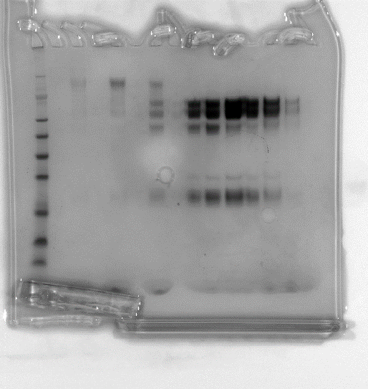
-0.176309 | -0.0002857 |  | -0.0008208
-0.1684142 | -0.0002832 |  | -0.0008271
-0.1605194 | -0.0002866 |  | -0.0008333
-0.1526246 | -0.0002899 |  | -0.0008369
-0.1447298 | -0.0002991 |  | -0.0008397
-0.136835 | -0.0003172 |  | -0.0008546
-0.1289402 | -0.000342 |  | -0.0008771
-0.1210454 | -0.0003638 |  | -0.0008969
-0.1131506 | -0.0003812 |  | -0.0009236
-0.1052558 | -0.0003942 |  | -0.0009542
SEC-MALS run shown
...
-0.0420974 | -0.0005299 |  | -0.0011575
-0.0342026 | -0.0005483 |  | -0.0011832
-0.0263078 | -0.0005555 |  | -0.0012018
-0.018413 | -0.0005722 |  | -0.0012232
-0.0105182 | -0.000586 |  | -0.001244
-0.0026234 | -0.0005904 |  | -0.001262
0.00527141 | -0.0006024 |  | -0.0012742
0.01316621 | -0.0006157 |  | -0.0012799
0.02106101 | -0.0006304 |  | -0.0012984
0.02895581 | -0.0006371 |  | -0.0013105
samples not included in paper
0.03685061 | -0.000643 |  | -0.0013149
0.04474541 | -0.0006498 |  | -0.001324
0.05264021 | -0.0006605 |  | -0.0013378
0.06053501 | -0.0006777 |  | -0.0013402
0.06842981 | -0.000694 |  | -0.0013472
0.07632461 | -0.0006985 |  | -0.0013681
0.08421942 | -0.000717 |  | -0.0013862
0.09211422 | -0.0007351 |  | -0.0013961
0.10000902 | -0.0007408 |  | -0.0014093
0.10790382 | -0.0007482 |  | -0.0014273
0.11579862 | -0.0007597 |  | -0.001444
0.12369342 | -0.0007649 |  | -0.0014575
0.13158822 | -0.0007686 |  | -0.0014733
...

Supp_Figure11
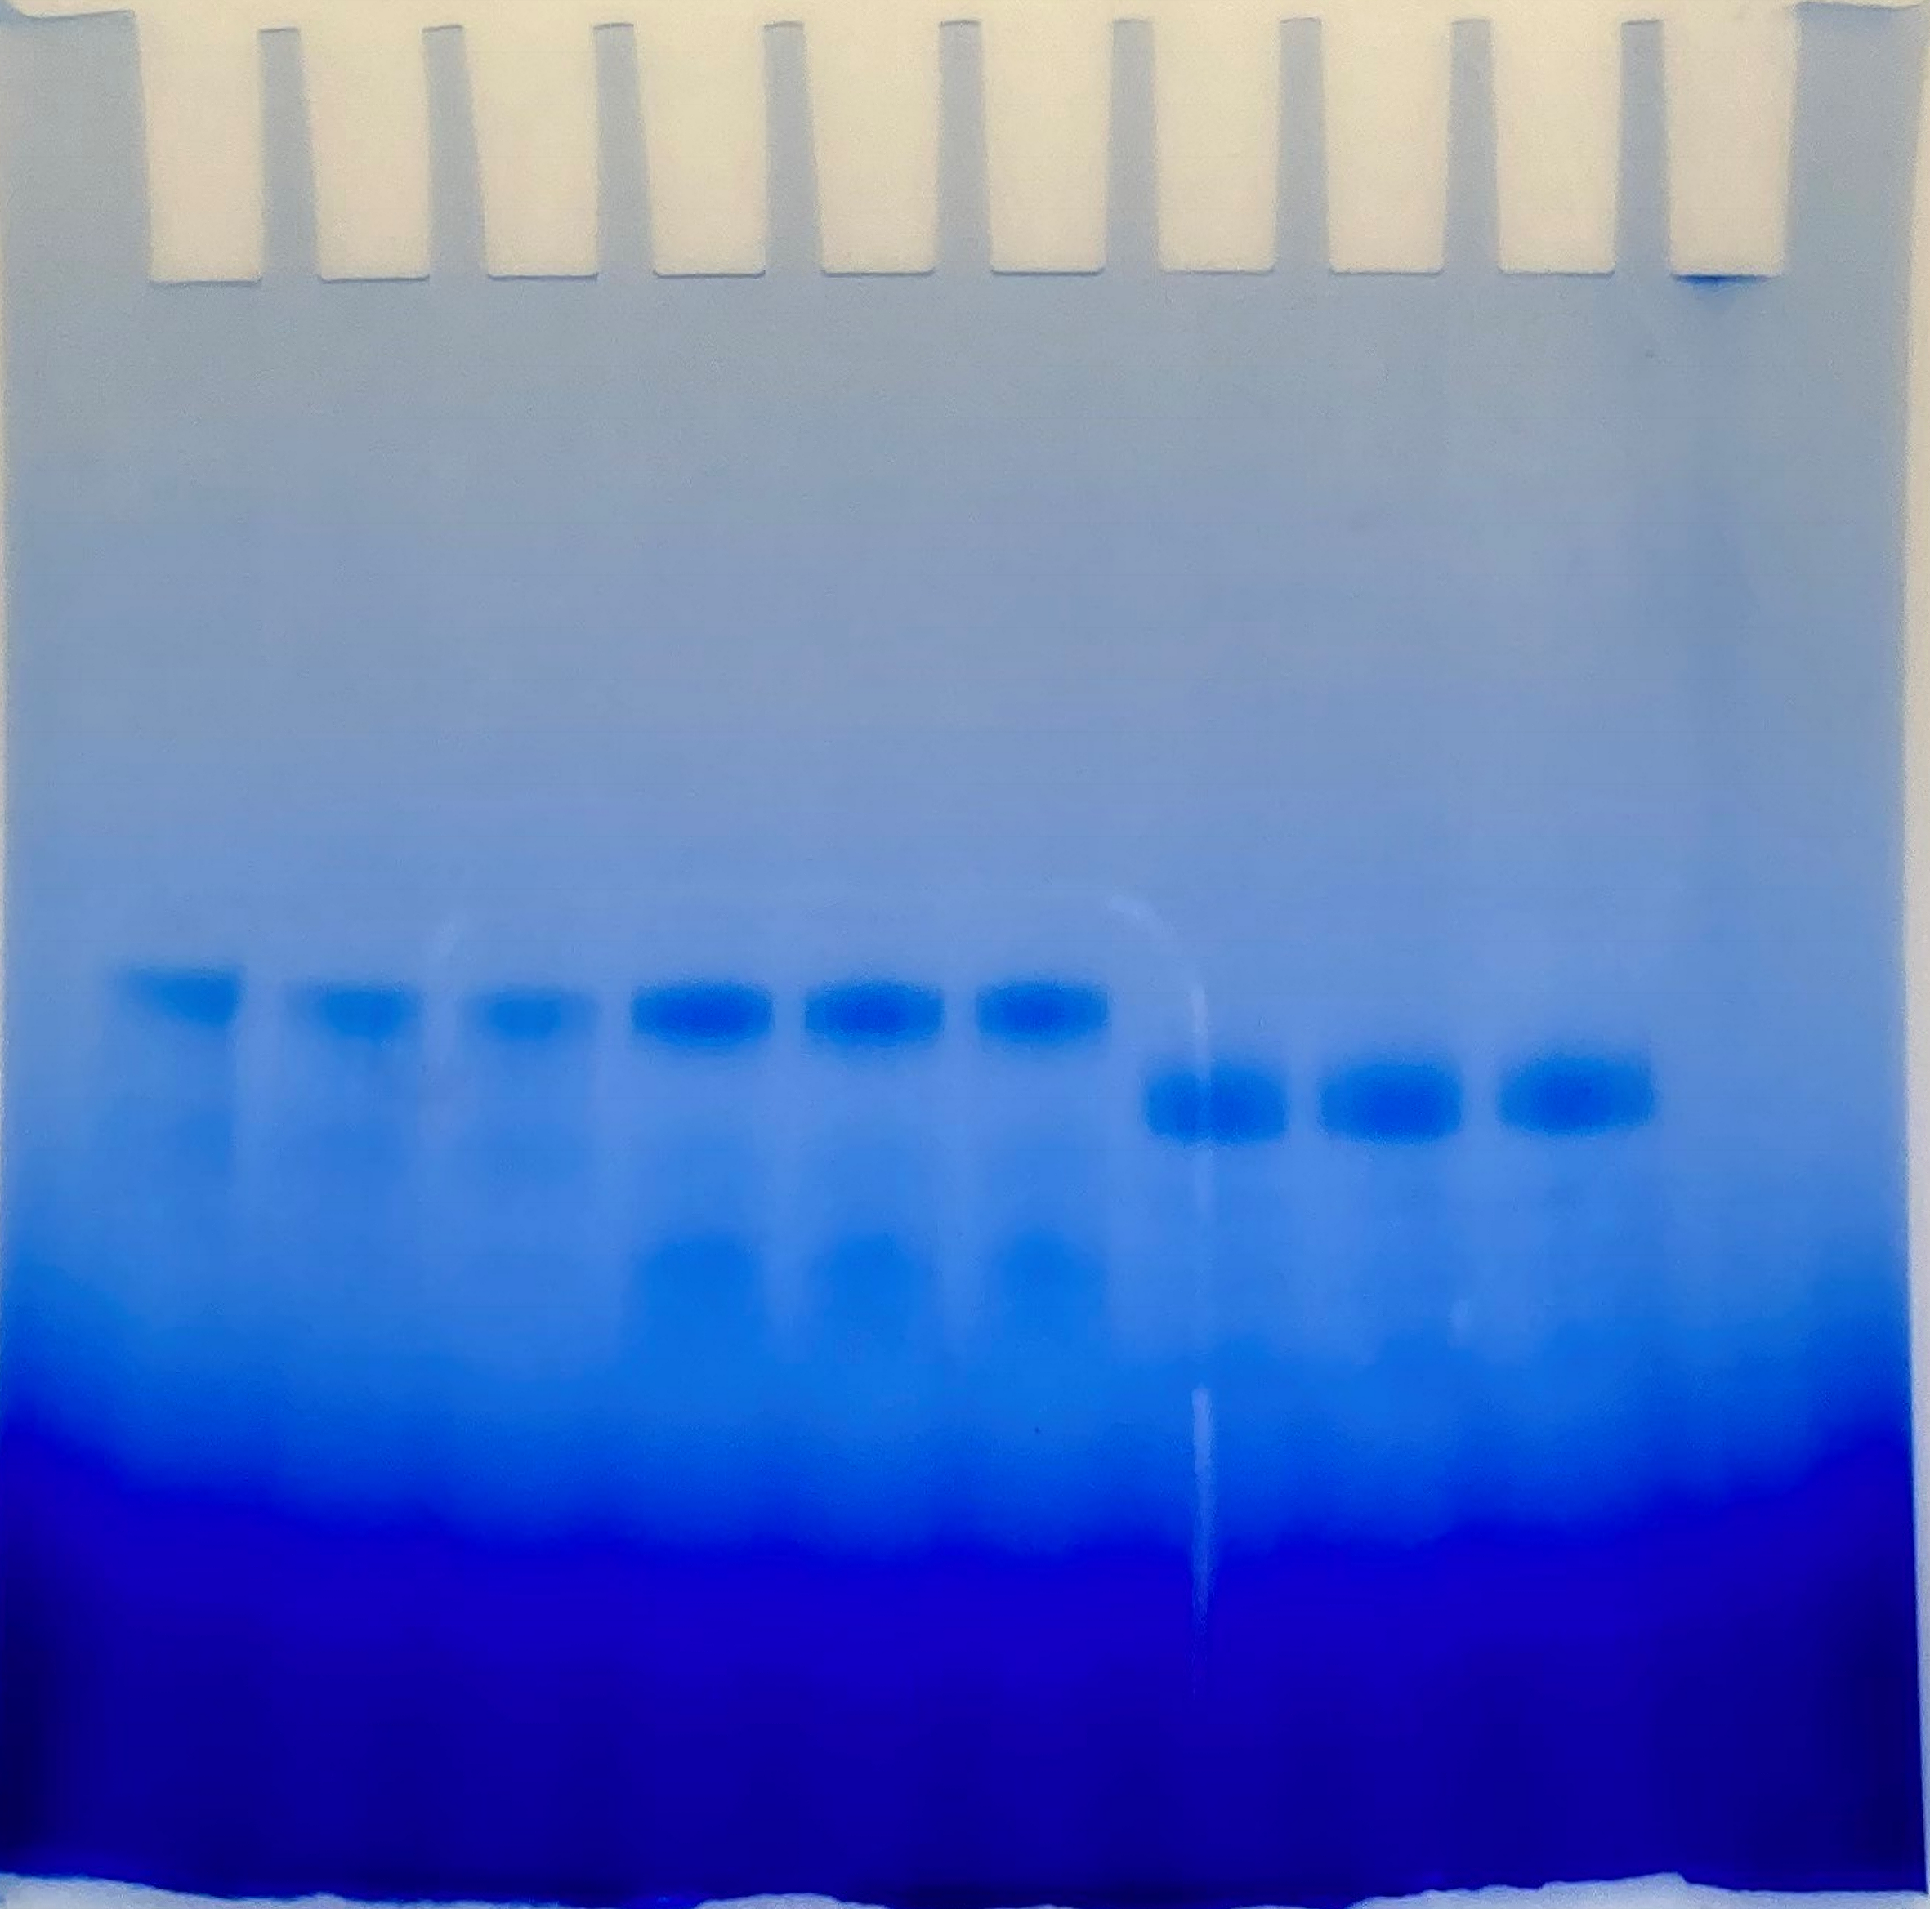
Supplementary Figure 11a | Blue-Native PAGE

This gel has no molecular weight marker because it is a Blue-Native PAGE gel run to excise bands for in-gel cross-linking mass spectrometry (IGX-MS) as stated in the figure legends and therefore the bands also cannot be stained or fixed as they are used for downstream in-gel cross-linking experiments.

Supp_Figure15
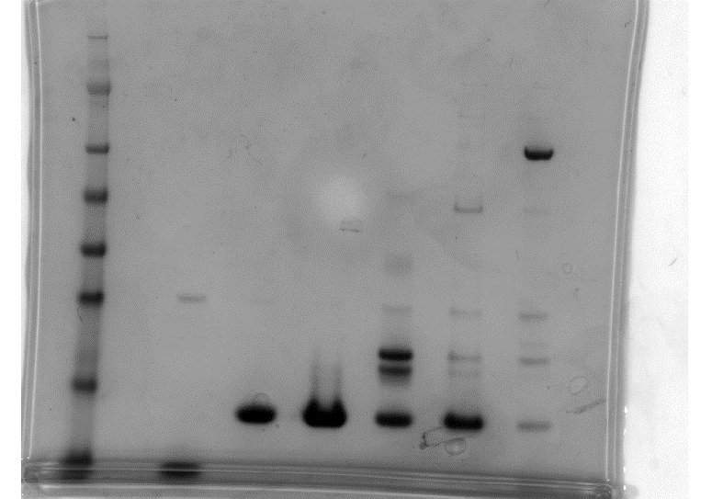
Supplementary Figure 15 | SDS-PAGE | stained with instant blue and using a SeeBlue Plus2 pre-stained protein ladder

Below are uncropped images of each panel the purified protein product used in this study is highlighted by the black box
Panel: GST-MPS1
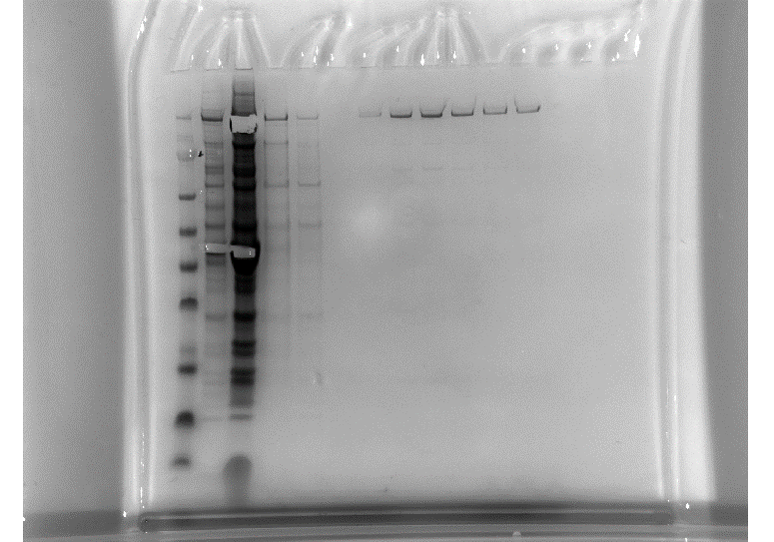
Panel: Cdc20N
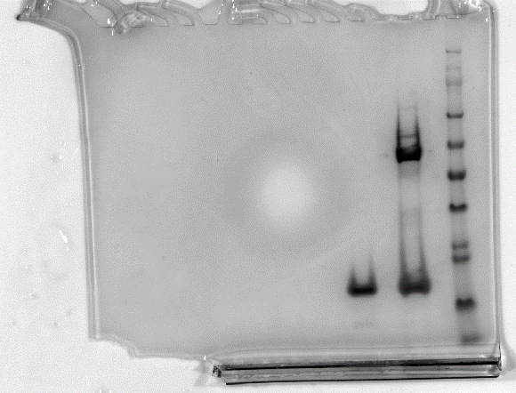
Panel: Mad2 WT
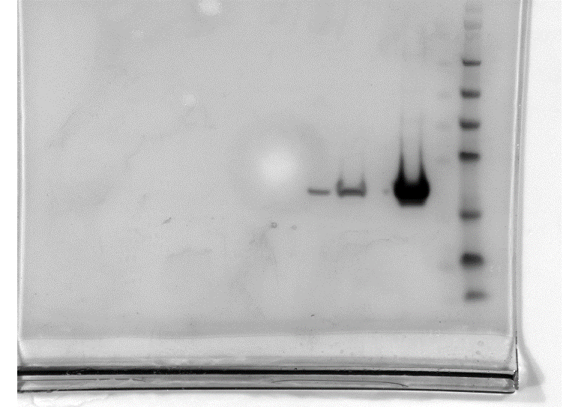
Panel: Mad2 R133A
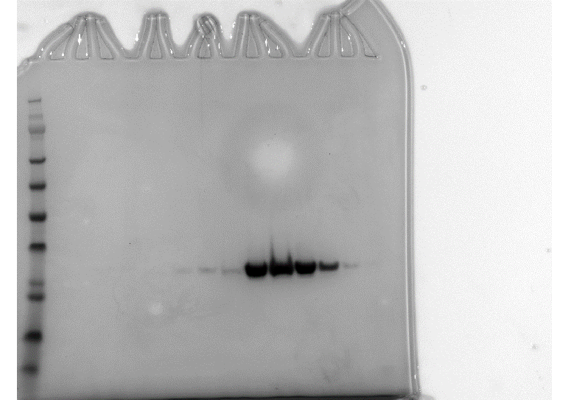
Panel: Mad2 LL
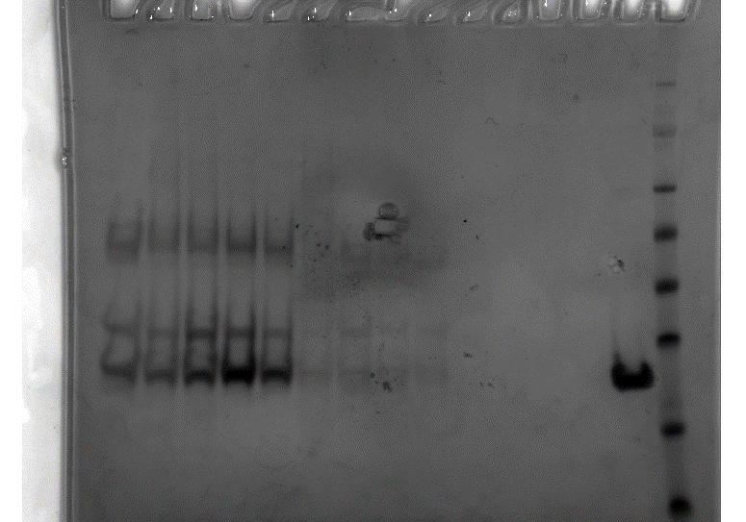
Panel: Mad1 485-718: Mad2

Panel: Mad1 485-718 : Mad2 R133A
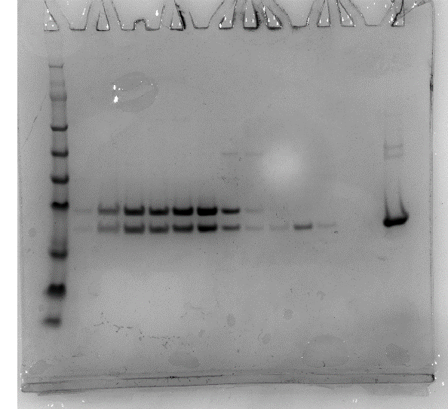

Panel: Mad1 485-718 : Mad2 : Mad2LL

Panel: Mad1 CTD

