Fig. 5c
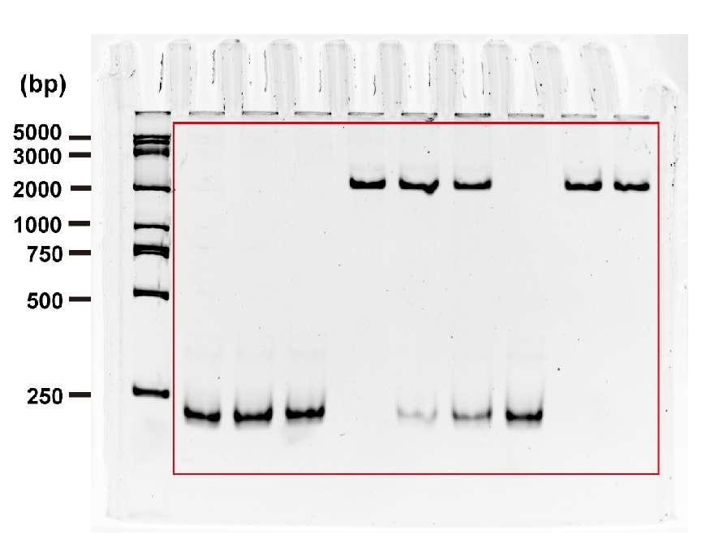
Figure 5c

Fig. 5d
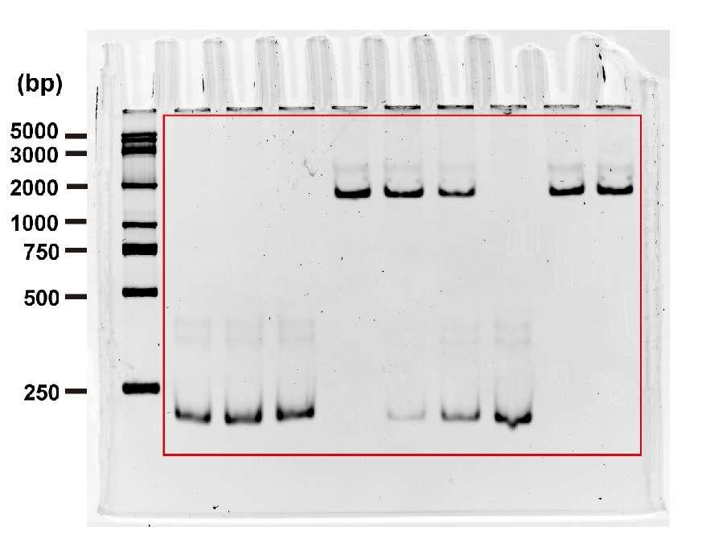
Figure 5d

Fig. 5e
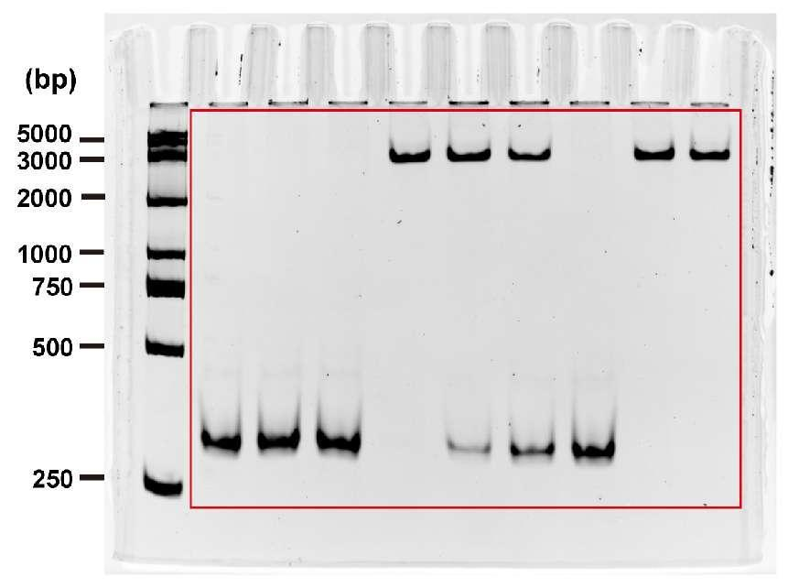
Figure 5e

Fig. S15a
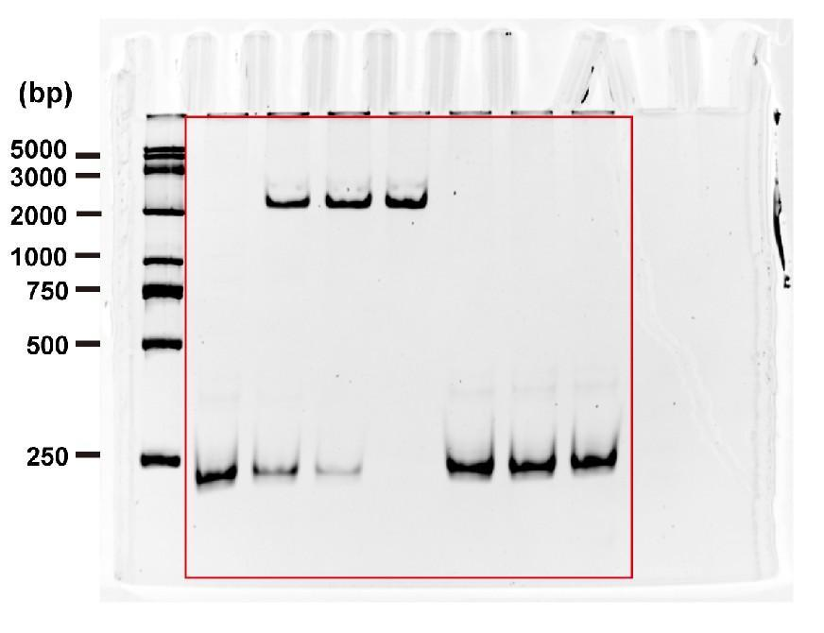
Supplementary Figure 15a

Fig. S15b
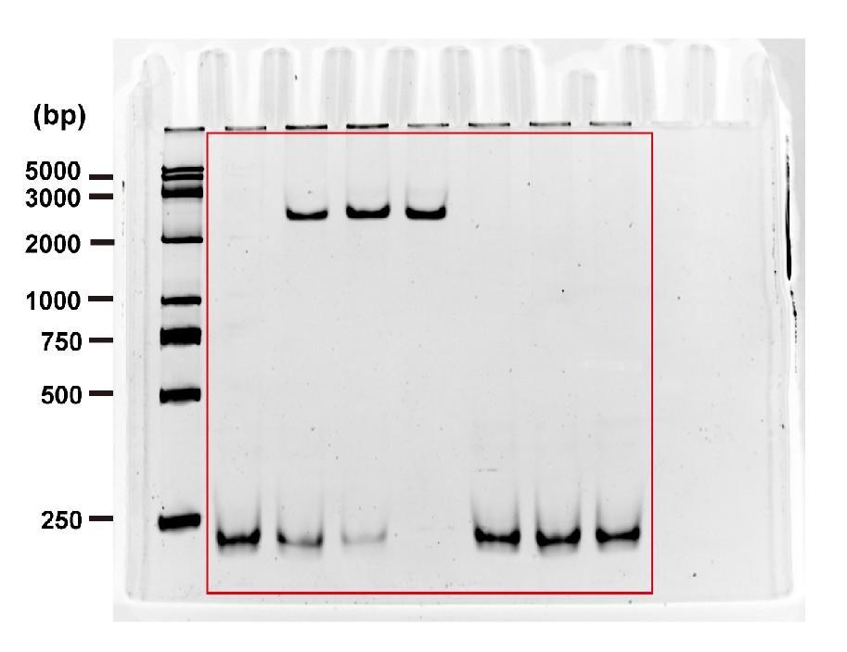
Supplementary Figure 15b

Fig. S15c
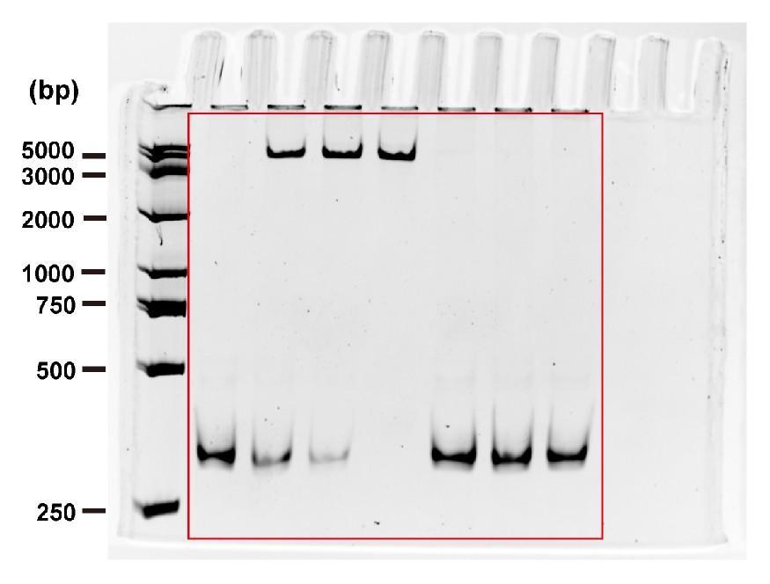
Supplementary Figure 15c

Fig. S26
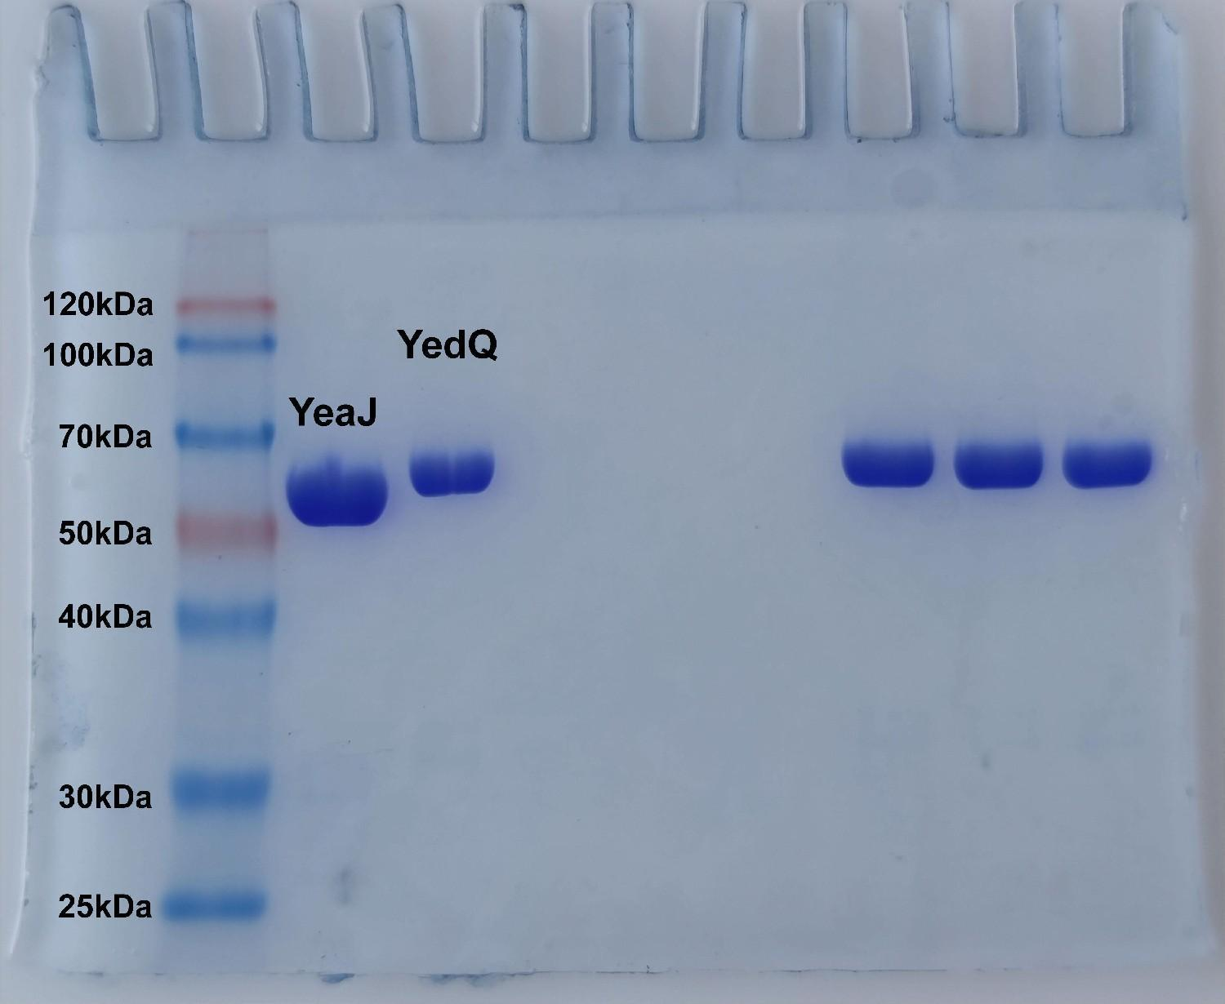
Supplementary Figure 26

