Fig.1
Fig.1b

 | (-) | 20.3222441 | 17.78334388 | 20.32539462 | 19.03704453 | 20.78844307 | 21.58066983 | 20.09229608 | 21.87992215
 | tTA | 639.5215013 | 683.3065517 | 741.3579919 | 562.6787646 | 646.2987518 | 614.2978801 | 712.5952881 | 709.0294646
 | PH-tTA | 559.4043225 | 551.5387868 | 633.9617399 | 477.4822082 | 487.7905955 | 514.9751186 | 531.7284046 | 566.242989
 | PH-tTA-PH | 99.54545 | 124.4935 | 141.3334 | 111.1605 | 120.55 | 138.9095 | 149.9234 | 136.5281
 | PHx2-tTA | 137.9417836 | 147.4831497 | 151.5671231 | 145.0796918 | 125.4346984 | 138.7025191 | 167.6415979 | 149.5747548
 | PHx2-tTA-PHx2 | 18.63069006 | 19.49851912 | 19.12681738 | 17.89201472 | 18.76929113 | 20.31437365 | 19.95369547 | 21.69721957

-TEVp
+TEVp
Fig.1c

 | (-) | 24.14277818 | 21.18481856 | 17.23587354 | 18.4739302 | 18.52852731 | 15.40950518 | 18.69915313 | 20.39312043 | 21.71580779 | 19.9071766 | 20.66339345 | 22.84603178
 | tTA | 759.5345199 | 781.8017969 | 685.6947894 | 634.0581359 | 697.6098689 | 684.5017571 | 632.3286733 | 685.7875927 | 837.920952 | 679.8020749 | 713.4289074 | 712.6098671
 | SrcMS-tTA | 119.2287778 | 106.9191911 | 85.72617674 | 101.3950286 | 89.44717203 | 73.77285739 | 350.0778001 | 343.753751 | 385.3480757 | 371.3267714 | 328.5626676 | 364.0103696
 | ecDHFR(DD)-tTA | 299.2533381 | 269.8116242 | 237.8869803 | 272.383297 | 228.7523813 | 241.1070207 | 615.9227564 | 577.0065421 | 625.380855 | 571.6516404 | 564.1441429 | 620.3535449
 | DRD1-tTA | 23.64728385 | 21.2940199 | 18.20092876 | 19.62053061 | 17.52115573 | 15.64018251 | 239.9945 | 311.0203 | 268.9865 | 285.576 | 265.3658 | 260.789
 | MDD-tTA | 24.13185798 | 20.69069332 | 19.95631707 | 19.4649225 | 23.01665373 | 18.04531902 | 703.2937506 | 719.2778886 | 733.011197 | 700.2607175 | 667.8364526 | 675.0268219

DMSO
RAPA (100 nM)
ABA (100 μM)
GA (100 μM)
Fig.1d

MDD-tTA
(-) |  | 17.84870069 | 20.02587454 | 21.90359692 | 21.8213027 | 19.00506073 | 21.04775062 | 8.819949941 | 7.673330732 | 8.468207898 | 8.382106238 | 8.043371824 | 8.164647452 | 17.82703509 | 18.30067456 | 18.49869224 | 18.57082489 | 21.15988768 | 19.3839398 | 17.85429258 | 14.96281144 | 16.70083863 | 18.92437056 | 16.39202703 | 17.09244528
+ |  | 18.96100788 | 24.21272859 | 26.1316385 | 25.96290211 | 27.35042905 | 24.67348093 | 11.4974601 | 9.160107895 | 9.79987767 | 10.36474973 | 9.343955767 | 10.4015271 | 21.02500291 | 24.8493519 | 24.51458576 | 25.60105871 | 30.10634443 | 25.13212899 | 21.36447887 | 17.94073473 | 19.47823888 | 23.03185768 | 18.0570604 | 18.32931508
+ | FKBP/FRB | 19.3672848 | 24.55060152 | 29.63160276 | 25.80478831 | 27.90724499 | 26.65061265 | 589.0090186 | 586.1441617 | 543.6087591 | 514.0411961 | 532.4787738 | 570.4247039
+ | ABI/PYL1 | 21.06438604 | 22.76806036 | 26.11730824 | 23.32176883 | 27.5337967 | 27.08857677 |  |  |  |  |  |  | 435.7432402 | 408.8031068 | 420.7175 | 397.9118251 | 425.4987293 | 457.516094
+ | GID1/GAI | 20.81782542 | 21.50974594 | 19.74588408 | 22.95900345 | 25.38446141 | 17.76821066 |  |  |  |  |  |  |  |  |  |  |  |  | 17.80815533 | 15.55055171 | 16.44505983 | 18.99970911 | 19.01311785 | 17.37031109

DMSO
GA (100 μM)
Fig.1f

MDD-tTA
(-) |  | 20.43465036 | 20.7732504 | 23.77172569 | 19.88066494 | 20.16209269 | 31.492516 | 21.11573103 | 14.50083225 | 17.53471885 | 21.41060336 | 18.84407468 | 31.39674281
+ |  | 22.30166338 | 16.33936197 | 20.9285517 | 20.68399155 | 16.13305631 | 26.15932091 | 18.95315353 | 15.55294557 | 13.99383251 | 22.26070732 | 17.23471937 | 33.74760913
+ | A+B | 24.86535056 | 27.76950821 | 27.51399828 | 25.39771295 | 29.36798297 | 22.3313234 | 25.1235623 | 25.4013167 | 23.31690985 | 23.05620245 | 20.22619532 | 19.80298035
+ | C+D | 11.46361751 | 13.64788667 | 11.2216908 | 12.97193344 | 16.26770618 | 12.37297283 | 21.03908549 | 23.34691611 | 20.27255713 | 22.77782386 | 18.65731039 | 17.55356962
+ | A+D | 12.22695781 | 10.3372141 | 12.35460837 | 10.91198905 | 10.04698528 | 16.06437979 | 11.81510726 | 9.528135611 | 10.558628 | 13.60893954 | 13.46361772 | 24.5817044
+ | B+C | 10.86195433 | 12.38932789 | 12.28946624 | 10.36916167 | 10.35717271 | 19.51462199 | 141.0349302 | 117.155041 | 135.6445812 | 118.261937 | 144.0497631 | 150.7831573

Fig.2
Fig.2b

 | sER-TEVp
 | (-) | 22.3927497 | 14.9270723 | 22.866793 | 23.4588134 | 26.8618624
 | + | 791.441428 | 389.279224 | 715.045027 | 979.639603 | 1098.46828

Fig.2c
DMSO
RAPA (100 nM)
ABA (100 μM)
GA (100 μM)
 | Dimerization domain

 | (-) | 17.80472194 | 14.27925351 | 14.2048822 | 15.10669893 | 15.32192799 | 16.7765458 | 4.716490078 | 5.096352443 | 4.99758398 | 5.642514594 | 5.249411745 | 5.2473904 | 10.99623076 | 14.73468993 | 11.95298622 | 12.69359691 | 14.45180392 | 11.57960308 | 17.04223672 | 14.90774848 | 9.153783481 | 14.29344641 | 18.22927922 | 17.13130951
 | FKBP/FRB | 33.7086492 | 28.01613552 | 32.03061308 | 34.03533408 | 37.1408729 | 36.5835455 | 168.3035221 | 167.7708039 | 165.4609159 | 180.4243847 | 151.2403402 | 190.2981934
 | ABI/PYL1 | 11.86228607 | 17.39547556 | 12.31004022 | 17.23238745 | 20.15993405 | 14.02027707 |  |  |  |  |  |  | 16.08314127 | 19.05774187 | 9.444351348 | 12.37103198 | 18.00616461 | 15.70167012
 | GID1/GAI | 14.17311387 | 11.44780246 | 11.87631038 | 10.53676819 | 14.58685292 | 11.79159442 |  |  |  |  |  |  |  |  |  |  |  |  | 56.11116075 | 72.86000401 | 78.86000401 | 71.95577313 | 65.57631669 | 71.23722153

DMSO
ABA (100 μM)
Fig.2d

 | cytoplasm | 12.90541 | 13.20871 | 15.1977 | 17.37638 | 18.53854 | 16.95495 | 165.8481 | 163.4775 | 155.65 | 162.731 | 186.7117 | 166.9344
 | ER | 5.872372 | 6.069069 | 5.217718 | 6.190691 | 5.914414 | 5.444447 | 6.462463 | 7.382882 | 7.265766 | 8.384384 | 7.918919 | 7.096095

DMSO
ABA (100 μM)
Fig.2e

 | (-) | 7.267345 | 6.608401 | 5.896104 | 6.067275 | 4.903124 | 5.866035 | 9.497718 | 6.527202 | 8.275652 | 8.296712 | 6.353808 | 7.586288
 | C29S | 8.198548 | 7.335907 | 6.635428 | 6.659178 | 6.746227 | 6.815959 | 12.27823 | 11.20849 | 11.39862 | 11.01275 | 10.39312 | 10.71393
 | C82S | 6.547794 | 5.919387 | 5.460513 | 5.613081 | 5.298818 | 6.630747 | 5.070551 | 5.725284 | 5.608401 | 5.765882 | 4.867205 | 5.338949
 | C102S | 8.49222 | 7.946531 | 6.834211 | 6.97075 | 6.22698 | 7.169182 | 12.4253 | 10.38867 | 11.181 | 11.73616 | 9.475371 | 9.635193
 | C157S | 6.334854 | 5.437698 | 5.146016 | 4.841465 | 4.263367 | 5.535627 | 9.817129 | 8.932023 | 7.117234 | 7.861472 | 6.099567 | 6.150228
 | C45S | 8.629461 | 8.210015 | 7.635428 | 6.86194 | 5.87715 | 6.61308 | 6.840295 | 7.285246 | 5.663742 | 7.323388 | 5.705277 | 5.412074
 | C29S + C45S | 9.621037 | 9.848953 | 7.693928 | 8.471159 | 6.998596 | 8.093717 | 10.3283 | 9.937288 | 8.363402 | 9.560898 | 8.473032 | 7.57061
 | C82S + C45S | 7.492688 | 6.812917 | 5.891658 | 6.335557 | 4.60805 | 5.564057 | 4.711712 | 4.965368 | 4.524278 | 5.521587 | 4.756055 | 4.871417
 | C102S +C45S | 7.843613 | 7.568118 | 5.684421 | 6.870992 | 7.745658 | 5.058025 | 7.400697 | 5.585255 | 5.955351 | 5.922791 | 4.86635 | 10.23463
 | C157S +C45S | 6.278036 | 6.186296 | 4.468315 | 4.939775 | 7.418297 | 4.71213 | 7.676028 | 5.09779 | 4.735285 | 5.708511 | 4.892035 | 5.209165
 | C92S | 7.620423 | 7.081147 | 4.65614 | 6.465257 | 7.005577 | 4.286264 | 9.234894 | 10.95194 | 7.633568 | 7.890693 | 6.823032 | 8.695234
 | C29S + C92S | 9.85524 | 8.411983 | 6.666227 | 8.874369 | 8.543159 | 6.774082 | 16.27221 | 11.28381 | 11.38551 | 12.91374 | 11.83398 | 13.34054
 | C82S + C92S | 8.410608 | 6.295636 | 5.280391 | 6.871541 | 5.927521 | 9.030239 | 7.932383 | 5.442476 | 5.726386 | 6.359821 | 5.23111 | 5.424105
 | C102S +C92S | 10.14795 | 7.910768 | 6.272151 | 7.404987 | 7.596938 | 7.322157 | 15.46343 | 12.48996 | 11.87748 | 11.2408 | 10.0902 | 12.54166
 | C157S +C92S | 7.173603 | 6.550342 | 5.429276 | 5.969431 | 5.27181 | 6.884742 | 9.27433 | 7.531652 | 7.282172 | 7.014102 | 6.418012 | 9.401489
 | C29S,C102S | 10.1080229 | 9.60933017 | 8.36213559 | 9.09769204 | 7.95819065 | 11.4632346 | 25.639727 | 26.621165 | 23.9090005 | 22.8636164 | 30.8464021 | 22.7265444
 | C29S, C102S +C45S | 12.72549 | 13.43135 | 13.71924 | 10.01433 | 9.79703 | 11.7369 | 11.32269 | 10.14208 | 12.88484 | 11.64833 | 10.78811 | 14.50691
 | C29S,C102S +C92S | 16.9143915 | 21.3763882 | 17.3540259 | 8.62427117 | 12.6201006 | 16.7173184 | 30.28312 | 28.4420581 | 29.722713 | 30.1601516 | 32.2783954 | 28.6565016
 | C45S,C92S | 6.245505 | 6.682779 | 6.060784 | 5.506 | 5.748318 | 5.939981 | 8.951768 | 8.172026 | 6.055621 | 6.245237 | 6.538386 | 7.394688
 | C29S,C102S+C45S,C92S | 13.47799 | 10.53137 | 10.07932 | 10.85915 | 9.942759 | 13.91652 | 13.58099 | 13.46936 | 12.16599 | 11.96996 | 12.86552 | 7.867749
 | C29S,C82S,C102S | 7.858224 | 6.667558 | 5.214721 | 5.943186 | 6.168678 | 5.846064 | 8.475501 | 8.932895 | 7.33718 | 7.041181 | 5.668287 | 8.457697
 | C29S,C82S,C157S | 11.53874 | 10.13478 | 8.266745 | 9.437204 | 9.425453 | 9.028949 | 16.81996 | 16.64877 | 17.05801 | 14.86691 | 14.17486 | 22.07946
 | C29S, C82S,C102S +C92S | 8.10072 | 7.802229 | 5.086708 | 7.304686 | 5.959121 | 8.431257 | 7.936296 | 9.638393 | 6.387939 | 6.978866 | 7.05952 | 8.935121
 | C29S,C82S,C157S +C92S | 9.339013 | 14.04667 | 8.42102 | 13.34045 | 7.215308 | 6.084197 | 19.25435 | 24.32281 | 16.14251 | 22.68312 | 16.91424 | 17.63157

Fig.3
DMSO
ABA (100 μM)
Fig.3c

 | (-) | 7.267345 | 6.608401 | 5.896104 | 6.067275 | 4.903124 | 5.866035 | 9.497718 | 6.527202 | 8.275652 | 8.296712 | 6.353808 | 7.586288
 | N308Q | 4.743209 | 3.615457 | 3.091851 | 5.751541 | 5.866491 | 5.09131 | 33.38298 | 27.94526 | 27.65896 | 33.39409 | 34.31166 | 37.48357
 | N81Q | 4.469755 | 3.867168 | 3.599878 | 4.787915 | 4.119488 | 5.701077 | 9.095848 | 5.391926 | 5.094832 | 6.389081 | 5.923119 | 5.476461
 | N105Q | 5.630089 | 3.902391 | 3.508501 | 3.319583 | 4.197182 | 3.979883 | 5.519407 | 6.405608 | 6.783242 | 5.836687 | 7.288017 | 7.068211
 | N197Q | 3.872452 | 2.68333 | 2.630631 | 2.6034 | 3.016527 | 4.494615 | 5.835535 | 3.454853 | 4.065028 | 3.296416 | 4.298381 | 3.598253

DMSO
ABA (100 μM)
Fig.3d

 | (-) | 7.267345 | 6.608401 | 5.896104 | 6.067275 | 4.903124 | 5.866035 | 9.497718 | 6.527202 | 8.275652 | 8.296712 | 6.353808 | 7.586288
 | N308Q | 4.743209 | 3.615457 | 3.091851 | 5.751541 | 5.866491 | 5.09131 | 41.97926 | 24.64687 | 25.49204 | 30.88953 | 31.73829 | 33.7473
 | C29S, N308Q | 10.76773 | 13.40839 | 6.883764 | 12.13493 | 6.372011 | 8.982931 | 116.6108 | 87.00737 | 104.0384 | 95.15287 | 93.1304 | 94.79178
 | C82S, N308Q | 6.798129 | 6.364657 | 6.547817 | 6.609772 | 4.802356 | 5.897713 | 6.23167 | 5.258905 | 4.977269 | 5.356895 | 6.622522 | 7.077616
 | C102S, N308Q | 11.67193 | 10.54366 | 11.73867 | 10.43832 | 9.212681 | 9.727997 | 109.7338 | 91.47391 | 98.67669 | 97.62246 | 107.7633 | 114.7
 | C102S, N308Q | 6.74851 | 5.571725 | 6.076022 | 5.580943 | 5.597505 | 6.383784 | 58.62536 | 49.50161 | 43.97865 | 45.97643 | 50.28814 | 60.82679
 | C102S, N308Q | 25.30887 | 21.89009 | 21.68676 | 22.48773 | 17.98288 | 15.77852 | 218.7885 | 209.2495 | 193.9652 | 228.0769 | 224.1835 | 253.2788

Fig.3e
pMMH45 WT
pMMH45 N308Q
pMMH45 C29S, C102S, N308Q
 | ABA ( μM)
 | 0 | 1.945449 | 1.992163 | 2.976508 | 3.614974 | 1.160144 | 1.361537 | 2.127301 | 1.354624 | 4.367524 | 3.943324 | 5.740436 | 4.606519
 | 1 | 3.973458 | 3.376538 | 3.249353 | 2.844192 | 2.718011 | 1.933165 | 1.721953 | 3.084015 | 11.78139 | 12.84315 | 12.60951 | 11.00641
 | 5 | 2.375828 | 3.059123 | 3.412496 | 4.357239 | 2.646544 | 3.172138 | 5.135829 | 3.365656 | 28.49798 | 28.99231 | 34.86497 | 35.67972
 | 10 | 4.014068 | 3.258276 | 4.050342 | 3.460356 | 8.198966 | 9.055876 | 8.667022 | 9.539561 | 40.72592 | 37.64364 | 37.05103 | 37.06223
 | 20 | 2.324484 | 2.796359 | 3.74036 | 4.318541 | 13.61775 | 8.98902 | 11.43976 | 9.732937 | 44.65774 | 45.3796 | 50.39138 | 46.36138
 | 40 | 4.368306 | 4.257533 | 5.400452 | 4.013206 | 15.36999 | 13.94075 | 17.28486 | 17.06683 | 49.03217 | 47.85621 | 41.18675 | 46.08641

DMSO
ABA (100 μM)
Fig.3f

 | time (minutes)
 | 0 | 0.509298 | 0.497411 | 0.421657 | 0.340273 | 0.530219 | 0.601623 | 0.596673 | 0.574168 | 0.676778 | 0.618357
 | 30 | 0.220109 | 0.521662 | 0.431999 | 0.245179 | 0.219807 | 0.55084 | 0.561823 | 0.518254 | 0.514608 | 0.494165
 | 60 | 0.35779 | 0.69798 | 0.68892 | 0.840529 | 1.167753 | 2.427514 | 1.761219 | 1.827995 | 3.115451 | 2.052452
 | 90 | 0.636215 | 0.816178 | 1.672258 | 0.782311 | 0.906643 | 4.271138 | 3.074911 | 4.236288 | 5.001454 | 3.046939
 | 120 | 1.175492 | 1.293514 | 2.077022 | 1.763765 | 2.075538 | 9.46222 | 6.84442 | 6.501433 | 5.873116 | 8.071613

Fig.4
DMSO
ABA (100 μM)
Fig.4b

pPW116 (ng)
 | (-) | 15.23415071 | 16.47216851 | 15.79170531 | 17.15393361 | 14.61960508 | 13.81065269 | 13.77867025 | 16.68609739
 | 40 | 8.837754226 | 9.462806007 | 9.493859008 | 10.61110647 | 9.260685573 | 9.029462883 | 8.400506037 | 9.282347305
 | 20 | 9.767011123 | 10.51562406 | 10.24284348 | 10.36863495 | 9.362675521 | 9.521751343 | 8.72544384 | 9.985868089
 | 10 | 12.52624206 | 11.84903156 | 11.63603252 | 13.64200103 | 11.46831026 | 11.63129068 | 10.66661134 | 11.52911391
 | 5 | 12.19089058 | 12.62079422 | 12.84522922 | 14.11262595 | 12.57728348 | 11.95260299 | 11.82857761 | 12.90222079
 | 1 | 15.00013889 | 16.3579057 | 15.51929632 | 16.96148196 | 13.82292553 | 14.10825688 | 13.27531891 | 15.79151887
 | 40 | 14.94110232 | 12.16662472 | 12.18029217 | 15.32284578 | 121.6523046 | 117.69754273 | 120.2482367 | 126.8593987
pPW116C29S,C102S
(ng)
 | 20 | 14.26249816 | 12.09931375 | 13.26332522 | 16.15439044 | 71.42080073 | 67.84592745 | 83.0058866 | 101.7407168
 | 10 | 14.68784607 | 11.39253793 | 13.1163362 | 12.53721199 | 45.91349886 | 36.77563069 | 49.41604317 | 53.2666732
 | 5 | 11.31341819 | 10.05903763 | 10.44608084 | 11.93391491 | 26.18525623 | 22.01164017 | 26.45273763 | 27.81580365
 | 1 | 11.28273747 | 9.902565639 | 10.33516454 | 11.43270225 | 12.32895464 | 10.03941989 | 11.97324285 | 13.34207299

DMSO
ABA (100 μM)
DMSO
ABA (100 μM)
Fig.4c | top left |  |  |  |  |  |  |  |  | top right
 | sender cells pPW86 |  |  |  |  |  |  |  |  |  | sender cells pPW116C29S,C102S
 | (-) | 41.42918161 | 38.2591915 | 40.65835424 | 39.82327845 | 43.99026238 | 38.89073734 | 37.8237976 | 33.98568515 |  | (-) | 6.966654967 | 9.113958114 | 7.472212472 | 8.548730549 | 8.50988651 | 8.18018018 | 7.217854218 | 7.773019773
 | + | 43.63753478 | 44.28047573 | 42.54455107 | 45.91491497 | 46.27054467 | 41.29478522 | 37.6107552 | 39.91687954 |  | + | 7.56955657 | 6.061425061 | 6.947817948 | 7.829062829 | 6.995202995 | 6.827775828 | 6.176553177 | 6.3001053
 | (-) | 27.59173066 | 32.42180065 | 32.94097625 | 31.67289909 | 32.43233118 | 29.93712495 | 25.61208806 | 25.81643222 |  | (-) | 4.004680005 | 4.199485199 | 3.872820873 | 4.708201708 | 4.715338715 | 3.732537733 | 4.095004095 | 4.215514216
 | + | 28.88300616 | 27.0941238 | 24.03655465 | 25.46258208 | 26.5033751 | 22.57008575 | 23.09292267 | 21.6571289 |  | + | 4.505440505 | 4.984438984 | 5.077220077 | 4.545220545 | 4.4001404 | 4.44986545 | 4.611091611 | 4.949104949
 | (-) | 15.08670637 | 14.64414164 | 15.70986053 | 17.90915734 | 17.89613444 | 15.15268535 | 14.23967803 | 14.71373115 |  | (-) | 3.654381654 | 3.86954487 | 3.48976249 | 4.391365391 | 4.005265005 | 3.352989353 | 3.460629461 | 3.669474669
 | + | 16.28489039 | 16.77217001 | 13.91192442 | 10.37078855 | 14.10115999 | 15.47036572 | 13.86512381 | 15.37971603 |  | + | 3.697671698 | 3.158652159 | 3.561249561 | 3.282087282 | 3.996840997 | 3.441558442 | 3.459459459 | 3.4998245

DMSO
ABA (100 μM)
 | bottom left
 |  |  |  |  |  |  |  |  |  | bottom right
 | sender cells |  |  |  |  |  |  |  |  |  | Sender cells CD19
 | (-) | 18.62277429 | 19.50854323 | 17.76071534 | 19.26765459 | 115.2378662 | 111.290815 | 125.4708082 | 126.1035711 |  | (-) | 40.34959765 | 40.65207588 | 41.82509094 | 43.82835784
 | (-) | 11.35880683 | 10.97589859 | 10.12654691 | 11.33942611 | 92.09122898 | 90.72839761 | 102.2317381 | 86.46896831 |  | + | 87.70577919 | 81.41680947 | 74.00551163 | 82.94108569
 | (-) | 7.462605917 | 7.278738111 | 8.552465591 | 7.753840373 | 72.57908102 | 58.55154302 | 64.80006704 | 64.61177241 |  | (-) | 26.23738087 | 30.52121977 | 31.29140486 | 29.36538095
 |  |  |  |  |  |  |  |  |  |  | + | 77.42987704 | 66.29147501 | 73.76253896 | 74.19789756
 |  |  |  |  |  |  |  |  |  |  | (-) | 9.542915552 | 8.666987343 | 9.865616451 | 8.014370321
 |  |  |  |  |  |  |  |  |  |  | + | 44.42295243 | 36.31771037 | 41.03642686 | 38.38517271

DMSO
ABA (100 μM)
Fig. 4d
 | (-) | 10.09058509 | 10.0950401 | 10.02871003 | 11.44688645 | 7.927927928 | 8.839223839 | 8.792693793 | 9.398079398
 | pPW116C29S,C102S+pPW86 | 25.26928027 | 23.84219384 | 26.11177111 | 27.48836749 | 258.967744 | 242.5121275 | 247.4851215 | 277.8533989
 | pPW116C29S,C102S+pPW97 | 35.18926 | 28.30182 | 30.34782 | 32.13477 | 141.2419562 | 170.8449658 | 171.2181962 | 194.7940798
 | pPMMH241C29S,C102S+pPW86 | 13.68824869 | 14.15701416 | 11.02415602 | 11.61964162 | 53.5961786 | 67.62300762 | 72.12206712 | 71.69438669

Fig.5
DMSO
RAPA (100 nM)
Fig. 5a
 | Lane#
 | 1 | 12.368 | 11.54627 | 14.43899 | 13.06416 | 5.414143 | 5.912639 | 5.629812 | 6.090635
 | 2 | 140.1589 | 134.0082 | 134.2479 | 134.001 | 71.65657 | 71.87005 | 68.98826 | 59.8564
 | 3 | 71.18974 | 79.33388 | 92.25553 | 83.66804 | 17.70352 | 27.29457 | 23.68277 | 24.06661
 | 4 | 37.60001 | 16.96907 | 27.5367 | 29.14824 | 8.388144 | 14.10603 | 8.116613 | 9.27424
 | 5 | 84.88561 | 67.84931 | 74.52198 | 85.80344 | 22.73765 | 25.79361 | 23.89135 | 24.85941
 | 6 | 144.1955 | 184.7737 | 139.9787 | 182.6077 | 66.15561 | 68.16544 | 69.89189 | 83.54245
 | 7 | 146.6983 | 179.7865 | 160.3533 | 198.083 | 44.51215 | 50.22768 | 47.66858 | 57.03248
 | 8 | 83.93994 | 63.21649 | 61.187 | 81.38356 | 22.87142 | 30.41005 | 28.98553 | 27.23342
 | 9 | 66.2053 | 67.76467 | 56.01802 | 82.273 | 18.18236 | 21.17499 | 26.31723 | 20.25607
 | 10 | 12.49195 | 11.86022 | 11.22468 | 11.75812 | 112.8436 | 100.5411 | 121.3666 | 108.1796
 | 11 | 18.18946 | 19.99618 | 18.63008 | 17.50969 | 87.05979 | 83.62981 | 85.09965 | 95.97161
 | 12 | 242.1431 | 212.5029 | 269.6145 | 241.935 | 131.0696 | 120.0743 | 128.5547 | 122.2921
 | 13 | 210.208 | 255.0871 | 259.1182 | 271.0996 | 119.2422 | 102.1643 | 93.13295 | 99.0041
 | 14 | 16.00437 | 16.90254 | 19.65165 | 20.37237 | 141.5599 | 139.3028 | 119.9869 | 114.605
 | 15 | 16.88234 | 20.22768 | 15.6855 | 18.52744 | 109.1608 | 108.1403 | 94.25607 | 96.51324
 | 16 | 245.3606 | 226.7366 | 224.4788 | 289.7327 | 143.9651 | 150.1627 | 154.8714 | 116.8299
 | 17 | 233.246 | 207.8455 | 240.9637 | 285.2618 | 102.819 | 112.0366 | 105.804 | 104.7524

DMSO
RAPA (100 nM)
DMSO
RAPA (100 nM)
DMSO
RAPA (100 nM)
Fig. 5b
 | left |  |  |  |  |  |  |  |  |  | middle |  |  |  |  |  |  |  |  |  | right
 | sender cells pPW112C22S |  |  |  |  |  |  |  |  |  |  | sender cells pPW113 |  |  |  |  |  |  |  |  |  | sender cells
 | (-) | 12.45208845 | 13.31804532 | 12.5034125 | 13.46546547 | 8.501228501 | 7.833469833 | 7.392847393 | 6.911274911 |  |  | (-) | 19.81818182 | 18.72672673 | 19.81708982 | 21.14660115 | 262.8752389 | 261.1012831 | 252.5891346 | 257.7406497 |  | (-) | 29.10728911 | 31.75320775 | 31.58394758 | 34.82227682 | 249.2661753 | 244.967513 | 238.8326508 | 243.5757576
 | + | 13.4043134 | 13.83456183 | 13.76248976 | 13.84602785 | 8.5001365 | 7.415779416 | 8.229320229 | 7.931203931 |  |  | + | 13.56756757 | 13.93666394 | 13.82855583 | 16.98334698 | 284.4444444 | 286.5225225 | 283.1426426 | 310.6166881 |  | (-) | 14.73437073 | 15.49058149 | 16.37182637 | 17.24105924 | 132.9221949 | 137.5986896 | 143.7018837 | 143.2907453
 | (-) | 13.52279552 | 13.73027573 | 14.03658204 | 14.42260442 | 8.393666394 | 7.5004095 | 7.242151242 | 7.763581764 |  |  | (-) | 12.95604696 | 12.82009282 | 12.47010647 | 15.82091182 | 183.7297297 | 190.8026208 | 184.2347802 | 184.2020202 |  | (-) | 13.1001911 | 13.92137592 | 13.25470925 | 14.28009828 | 74.05460005 | 80.08353808 | 96.12612613 | 81.57302757
 | + | 13.67731368 | 14.19110019 | 13.15369915 | 13.98198198 | 8.482118482 | 8.01037401 | 8.118482118 | 7.573027573 |  |  | + | 11.09036309 | 11.03357903 | 11.47310947 | 12.95823096 | 207.5593776 | 206.0644281 | 225.010647 | 218.3276003
 | (-) | 12.47720448 | 12.9009009 | 13.47802348 | 11.91973792 | 6.927654928 | 6.543270543 | 6.08954409 | 6.800982801 |  |  | (-) | 11.56702157 | 11.52006552 | 11.33660934 | 13.27054327 | 77.23942124 | 79.23068523 | 81.23942124 | 89.99727
 | + | 13.87551188 | 14.15451815 | 12.26098826 | 14.21840022 | 8.924924925 | 6.804804805 | 7.097461097 | 7.28037128 |  |  | + | 10.69014469 | 11.47529348 | 10.41932842 | 13.30985531 | 107.2814633 | 132.2981163 | 127.5735736 | 121.6412776

Fig. 5c

DMSO
GA (100 μM)
 | sender cells pMMH130
 | (-) | 6.933287168 | 6.570701001 | 6.813909065 | 7.544778123 | 5.762650077 | 4.844034015 | 4.804596677 | 4.531388758
 | WT | 10.81437163 | 11.52476585 | 10.61629831 | 10.15917112 | 11.69969359 | 12.3216004 | 11.41135192 | 10.74208613
 | C148S | 10.87330414 | 11.51025513 | 10.96339423 | 10.28958779 | 9.542160309 | 9.522842948 | 8.83977881 | 9.696346855
 | C155S | 10.59573449 | 11.33203345 | 10.71199639 | 10.3770964 | 8.451643052 | 9.83833674 | 9.735337882 | 9.31230613
 | C157S | 9.586760748 | 10.13273159 | 9.099276951 | 10.28210995 | 10.81187861 | 11.54639818 | 12.49545949 | 12.99638552
 | C174S | 11.67512388 | 10.81579575 | 12.08515836 | 11.48052172 | 10.40593956 | 12.23070908 | 12.03423831 | 11.9734357
 | C280S | 11.10565116 | 11.16912348 | 10.42899617 | 10.50101484 | 8.361553307 | 9.694299517 | 9.472100589 | 9.406847745
 | C362S | 12.55893263 | 11.54194758 | 11.73218644 | 11.9631097 | 12.01358415 | 15.18516538 | 15.19255414 | 15.91594584
 | C148S+C155S | 10.1182212 | 10.41608814 | 9.88623018 | 9.514029771 | 8.045881748 | 8.326923734 | 8.394580248 | 8.73571207
 | C148S+C157S | 11.28449609 | 11.37885896 | 12.40074051 | 10.41154799 | 8.822329985 | 8.976783203 | 9.086012858 | 9.863974757
 | C148S+C174S | 10.48846271 | 10.51419012 | 10.84882336 | 12.51531168 | 9.208239987 | 9.744329477 | 9.330199648 | 9.341951007
 | C148S+C280S | 10.26786658 | 11.07600709 | 11.73289875 | 11.98474173 | 8.931738443 | 9.134084531 | 8.612506003 | 9.753587281
 | C148S+C362S | 9.173168921 | 8.509949112 | 10.13537062 | 9.524872793 | 12.56701926 | 8.755385771 | 11.04504521 | 10.64379138
 | C155S+C157S | 9.993810783 | 8.381316055 | 9.139247913 | 8.899686398 | 15.79631828 | 15.2483353 | 18.97739899 | 14.71468858
 | C155S+C174S | 8.078770513 | 6.365804907 | 8.659459274 | 7.970897359 | 7.547238937 | 7.135566302 | 8.454602639 | 7.825851919
 | C155S+C280S | 9.534939873 | 7.953740607 | 10.09984379 | 10.37618479 | 8.408734495 | 8.004191409 | 8.624873019 | 8.89075553
 | C155S+C362S | 10.68754379 | 9.634508323 | 10.15295676 | 9.738542183 | 10.02283606 | 10.75565997 | 12.66999637 | 11.0833135
 | C157S+C174S | 9.499647386 | 8.385859678 | 8.958715635 | 9.205562248 | 9.734900615 | 10.45785301 | 13.36361131 | 11.46650962
 | C157S+C280S | 9.994359669 | 8.598981537 | 8.766392108 | 8.398394304 | 8.296788451 | 8.904818035 | 9.76541329 | 9.088719015
 | C157S+C362S | 8.639482916 | 8.074422082 | 8.023697724 | 7.093967735 | 8.578456889 | 7.962475232 | 9.858832948 | 8.313983515
 | C174S+C280S | 10.44927529 | 10.31449277 | 11.32593016 | 9.811594213 | 9.58464585 | 10.1631018 | 10.77955386 | 11.96627554
 | C174S+C362S | 12.15413247 | 12.11178966 | 10.91570687 | 9.226752796 | 28.04798248 | 26.39905941 | 32.53533012 | 28.81092732
 | C280S+C362S | 9.585076706 | 9.834665541 | 9.61222082 | 9.232667536 | 8.300861388 | 8.391578899 | 8.185703218 | 8.693929203

DMSO
GA (100 μM)
Fig. 5d

 | WT | 15.07077878 | 17.78979626 | 17.36512039 | 19.0756692 | 16.5786604 | 16.91847764 | 18.33889502 | 17.81204339 | 20.42748189 | 18.72991999 | 19.16078963 | 17.96013577
 | C155S+C157S | 18.20595432 | 18.35013854 | 20.80275379 | 20.08776526 | 18.78333245 | 20.50733039 | 30.60144965 | 31.47531257 | 30.86404289 | 28.64399911 | 30.18913865 | 28.36310566
 | C174S+C362S | 14.75781912 | 15.11004298 | 17.75205705 | 17.14339225 | 16.14320247 | 14.65796807 | 40.4090626 | 42.64816803 | 42.76345069 | 39.05366339 | 43.26549031 | 40.87825315
 | C174S+C362S+C155S | 17.66413086 | 18.6529577 | 20.097385 | 21.81186322 | 20.03569509 | 21.32561708 | 18.62736436 | 17.63314597 | 19.09501009 | 16.86973508 | 20.56573374 | 17.53780466
 | C174S+C362S +C157S | 19.58432353 | 17.96813225 | 21.15631979 | 23.23963556 | 19.62871681 | 22.26626168 | 13.73808685 | 14.30867075 | 15.45627308 | 15.00848797 | 15.64799748 | 14.4244756
 | C155S+C157S+ C174S | 20.00218447 | 19.926565 | 21.90560058 | 20.97597933 | 19.48703741 | 17.88016709 | 15.08244346 | 14.45850704 | 14.18579168 | 13.4037419 | 16.53001856 | 14.80397631
 | C155S+C157S+C362S | 14.98491801 | 14.42317286 | 15.70704186 | 17.65645485 | 16.32055706 | 16.69009604 | 84.53847647 | 87.36199559 | 79.01664561 | 75.10369915 | 81.32519769 | 79.3954638

DMSO
GA (100 μM)
Fig. 5e

 | (-) | 12.66575 | 15.4284 | 12.20914 | 12.45739 | 73.32202 | 76.46929 | 67.60315 | 73.96679
 | + | 14.34575 | 12.0684 | 12.20914 | 10.77739 | 65.32202 | 63.46929 | 70.60316 | 60.05771
 | (-) | 9.51204 | 9.085994 | 5.799181 | 7.610155 | 43.63162 | 40.65504 | 48.9661 | 38.03162
 | + | 6.210155 | 8.11204 | 6.285994 | 7.199181 | 42.43162 | 36.23162 | 32.05504 | 30.1661
 | (-) | 4.29959 | 3.142997 | 3.35602 | 3.805078 | 13.41581 | 12.61581 | 18.62753 | 16.18306
 | + | 5.45602 | 3.142997 | 3.59959 | 4.505078 | 16.28306 | 12.71581 | 13.11581 | 11.72753

Fig.6
Fig. 6a

DMSO
ABA (100 μM)
DMSO
ABA (100 μM)
left |  |  |  |  |  |  |  |  |  | right
 | LY411575 (nM) |  |  |  |  |  |  |  |  |  | LY411575 (nM)
 | 0 | 24.36887437 | 18.07939808 | 18.4961885 | 23.88773389 | 203.1590932 | 184.1436491 | 200.1227601 | 202.1601822 |  | 0 | 44823 | 49439 | 33828 | 47252 | 31930 | 40789 | 42799 | 48129
 | 1.66 | 14.04068904 | 13.33778834 | 9.496089496 | 15.33214533 | 55.61677062 | 42.08197208 | 54.83169983 | 57.95069795 |  | 1.66 | 42077 | 48311 | 34473 | 35349 | 36850 | 43100 | 40677 | 46875
 | 5 | 12.53984754 | 13.77734878 | 8.671913672 | 13.76447876 | 31.1979012 | 15.98851599 | 26.2978913 | 28.18631819 |  | 5 | 31471 | 37850 | 37857 | 32312 | 26516 | 32613 | 35926 | 41635
 | 15 | 14.05949906 | 9.897534898 | 9.06048906 | 12.33095733 | 22.50569251 | 22.03049203 | 20.11929512 | 17.45470745 |  | 15 | 38337 | 50123 | 33891 | 33307 | 43251 | 42332 | 44218 | 40701
 | 45 | 12.67894268 | 10.28512029 | 9.445599446 | 13.58726859 | 16.51618652 | 11.26868627 | 19.76437976 | 15.62122562 |  | 45 | 33273 | 44617 | 31144 | 30457 | 31299 | 37762 | 32346 | 38161
 | 135 | 14.8995149 | 8.987228987 | 8.665973666 | 11.56865657 | 12.61904762 | 9.917829918 | 10.73309573 | 15.74250074 |  | 135 | 38073 | 45067 | 31324 | 36685 | 33909 | 41267 | 32799 | 45697
 | 400 | 11.81813682 | 8.992178992 | 8.644688645 | 12.37105237 | 9.535194535 | 7.885357885 | 10.94198594 | 11.63300663 |  | 400 | 35140 | 43080 | 33336 | 31000 | 30407 | 40527 | 35828 | 38050
 |  |  |  |  |  |  |  |  |  |  | no cells | 1009 | 955 | 1208 | 919 | 1035 | 1164 | 1132 | 976

Fig. 6b
DMSO
RAPA (100 nM)
 | LY411575 (nM)
 | 0 | 6.184362934 | 8.726512227 | 7.987129987 | 8.64993565 | 163.4259974 | 164.9073359 | 151.7702703 | 173.8751609
 | 1.66 | 6.743243243 | 8.305341055 | 6.504182754 | 9.953024453 | 98.87226512 | 88.08719434 | 95.48616474 | 80.57303732
 | 5 | 7.827863578 | 9.53957529 | 6.556306306 | 8.588159588 | 60.6171171 | 64.68243243 | 72.91537967 | 58.82850708
 | 15 | 6.206563707 | 8.404118404 | 5.578828829 | 9.621299871 | 40.35456885 | 32.07078507 | 30.4469112 | 36.41956242
 | 45 | 8.919240669 | 9.535392535 | 7.525096525 | 10.26608752 | 18.72972973 | 13.76029601 | 16.75160875 | 15.73777349
 | 135 | 7.506435006 | 8.481660232 | 5.732303732 | 11.10810811 | 8.7467825 | 7.515765766 | 8.520592021 | 8.400579151
 | 400 | 5.83043758 | 7.867760618 | 5.96042471 | 10.00997426 | 8.798584299 | 6.122908623 | 6.435006435 | 8.015765766

Fig. 6c
DMSO
GA (100 μM)
 | LY411575 (nM)
 | 0 | 4.058914193 | 3.238999284 | 3.313015446 | 3.866743986 | 21.23610864 | 20.2770596 | 18.34141522 | 19.54737537
 | 1.66 | 3.765054319 | 3.275180665 | 3.435428659 | 3.691699465 | 12.62244349 | 16.57696706 | 15.87405924 | 14.44431257
 | 5 | 3.65747727 | 5.717373513 | 3.393936264 | 4.104600619 | 10.99508463 | 12.85823088 | 14.85395661 | 11.83897489
 | 15 | 3.988155002 | 3.634909685 | 4.198022856 | 4.618394854 | 10.08345112 | 9.120784988 | 7.627058131 | 9.294566494
 | 45 | 4.027858843 | 3.749225881 | 4.985594598 | 4.463497941 | 5.618740361 | 5.590175394 | 5.161951709 | 6.125565035
 | 135 | 3.896246007 | 4.284435101 | 4.26983934 | 3.999984985 | 4.582879993 | 4.994954498 | 4.478038681 | 4.016334502
 | 400 | 3.917245412 | 4.30095 | 3.384230779 | 4.862504838 | 4.570704069 | 4.520272823 | 4.595481352 | 4.342126931

DMSO
ABA (100 μM)
Fig. 6d

 | (-) | 12.24488124 | 12.71826372 | 11.49385749 | 12.81941032 | 12.54217854 | 12.31367731 | 11.11261261 | 11.25962326
 | pMMH204+pPW86+pMMH211 | 41.67239967 | 41.44307944 | 34.22481572 | 37.74651925 | 65.22727273 | 75.16543817 | 75.48484848 | 73.97133497
 | pMMH205+pPW86+pMMH212 | 25.88165438 | 24.53398853 | 21.62448812 | 26.58026208 | 40.12121212 | 43.43202293 | 45.56633907 | 36.87182637
 | pMMH204+pPW97+pMMH211 | 60.77436527 | 59.50819001 | 49.66543817 | 51.17772318 | 123.9009009 | 134.7466557 | 149.6546547 | 135.1935572
 | pMMH205+pPW97+pMMH212 | 26.21130221 | 26.04954955 | 22.55364455 | 24.67485667 | 47.24119574 | 55.44226044 | 62.04217854 | 58.31613432
 | pMMH206+pPW116C29S,C102S+pMMH211 | 16.1965602 | 17.54627355 | 15.33988534 | 16.11179361 | 36.78828829 | 38.13882064 | 42.26208026 | 37.52784603
 | pMMH207+pPW116C29S,C102S+pMMH212 | 44.34479934 | 44.67936118 | 44.41728092 | 45.57207207 | 58.47092547 | 61.76003276 | 74.81941032 | 68.16502867
 | pMMH208+pPW116C29S,C102S+pMMH211 | 18.19000819 | 19.00696151 | 17.76535627 | 17.14987715 | 62.09418509 | 78.49467649 | 89.2027027 | 80.95413595
 | pMMH209+pPW116C29S,C102S+pMMH212 | 11.54627355 | 11.41072891 | 10.58886159 | 10.92219492 | 12.18796069 | 12.59336609 | 15.53357903 | 11.70884521

Fig. 6e
DMSO
ABA (100 μM)
 | sender cells CD19
 | (-) | 8.700518701 | 9.191373191 | 6.438984439 | 9.753207753 | 10.06606607 | 9.216489216 | 8.648648649 | 8.698334698
 | + | 8.210756211 | 7.794157794 | 8.319410319 | 8.377286377 | 8.963144963 | 7.843297843 | 7.717171717 | 7.739011739
 | (-) | 21.34152334 | 21.27054327 | 21.91700792 | 19.76412776 | 21.34152334 | 21.27054327 | 21.91700792 | 19.76412776
 | + | 109.2153 | 93.96706 | 89.60411 | 107.2376 | 100.8891 | 97.00504 | 94.21623 | 101.4212
 | (-) | 12.47392847 | 11.7046137 | 11.80944581 | 10.20638821 | 12.47392847 | 11.7046137 | 11.80944581 | 10.20638821
 | + | 53.3961234 | 54.75238875 | 54.73600874 | 54.61042861 | 126.1387 | 122.1077 | 121.7081 | 132.4886

Fig.S1
DMSO
GA (100 μM)
Fig. S1a

 | (-) | 6.933287168 | 6.570701001 | 6.813909065 | 7.544778123 | 5.762650077 | 4.844034015 | 4.804596677 | 4.531388758
 | WT | 230.3798902 | 220.8092346 | 194.3832249 | 228.820951 | 215.3766951 | 200.4514418 | 237.6970332 | 150.0297039
 | C148S | 241.9631538 | 242.2170359 | 179.4243146 | 234.9434865 | 241.5983092 | 239.2276809 | 252.5298987 | 150.5964799
 | C155S | 200.2628451 | 246.8836984 | 203.7946806 | 250.0524226 | 248.6134276 | 220.6986762 | 271.7144472 | 145.5885562
 | C157S | 187.3369026 | 237.3882081 | 171.8364527 | 226.5800378 | 207.4561884 | 201.5221229 | 251.3431563 | 129.9386176
 | C174S | 202.8571484 | 233.937757 | 191.2681856 | 238.6715749 | 230.1209538 | 227.3700633 | 263.7412055 | 150.461344
 | C280S | 214.0297998 | 225.9856392 | 185.1178097 | 215.7200885 | 205.6761695 | 204.2104683 | 198.1749303 | 134.4282739
 | C362S | 222.9446295 | 251.6805869 | 230.4526574 | 228.7330649 | 224.4559998 | 225.1184442 | 208.8144768 | 188.2447257
 | C148S+C155S | 166.3072958 | 202.1166233 | 164.0535566 | 182.8086366 | 201.2429494 | 186.0385138 | 171.0548464 | 129.3901588
 | C148S+C157S | 207.6314252 | 218.9403421 | 172.1765202 | 200.4039186 | 204.1911695 | 201.1637459 | 219.8204472 | 146.967134
 | C148S+C174S | 206.4191644 | 188.1462243 | 191.022175 | 187.085436 | 179.4876748 | 174.7297312 | 192.4725269 | 169.767844
 | C148S+C280S | 184.2777867 | 189.8737774 | 158.6615172 | 193.5070812 | 197.9274362 | 181.884466 | 182.5042027 | 113.8402135
 | C148S+C362S | 159.5584588 | 182.7106218 | 163.8916917 | 189.6366691 | 153.4828301 | 188.7941768 | 161.2909584 | 130.5425157
 | C155S+C157S | 156.3783701 | 169.2612536 | 152.3873989 | 168.0540609 | 143.2432355 | 177.5135221 | 127.9909868 | 160.6126089
 | C155S+C174S | 143.5945915 | 147.7387413 | 131.5405294 | 135.0180093 | 152.0450534 | 156.6396479 | 133.3423402 | 160.3513634
 | C155S+C280S | 178.5945946 | 163.396409 | 169.0450552 | 128.7657613 | 164.1531571 | 196.6576587 | 120.0630616 | 185.0360256
 | C155S+C362S | 147.126113 | 177.4414434 | 203.7207124 | 148.243249 | 172.7567546 | 182.0540589 | 169.2702695 | 195.5585705
 | C157S+C174S | 158.3243168 | 170.558546 | 148.2072177 | 140.3873783 | 145.7567526 | 175.5585595 | 123.8558636 | 163.7837908
 | C157S+C280S | 188.6035999 | 178.1351394 | 167.6936837 | 139.5765833 | 139.2882794 | 178.4954952 | 134.1801828 | 156.0810718
 | C157S+C362S | 122.2972988 | 124.6576588 | 119.333337 | 94.44144127 | 119.9369361 | 133.9819893 | 92.34233482 | 149.7387403
 | C174S+C280S | 172.8558594 | 183.4684664 | 154.1711672 | 133.1801887 | 153.0090109 | 196.0900829 | 127.1441445 | 198.621621
 | C174S+C362S | 201.8108024 | 178.6035944 | 155.4414388 | 120.1441428 | 148.2432436 | 174.0000055 | 120.9639697 | 175.4774865
 | C280S+C362S | 170.6396459 | 233.6486395 | 172.5135086 | 131.135148 | 136.1261295 | 156.3783755 | 100.2972969 | 144.5315282

DMSO
GA (100 μM)
Fig. S1b
 | (-) | 6.427517 | 5.819819 | 6.149058 | 5.331695 | 5.350532 | 5.446356 | 4.823915 | 4.323506 | 4.467649 | 5.452908 | 4.58231 | 5.709254
 | pPW124wt | 8.78078 | 7.420147 | 7.239967 | 7.904996 | 7.40322 | 8.334153 | 7.100738 | 6.080261 | 6.614251 | 6.63063 | 6.911275 | 7.760306
 | pPW25wt | 41.89735 | 47.93448 | 51.47311 | 42.63336 | 50.19164 | 46.08026 | 45.69697 | 44.80098 | 44.01038 | 43.49167 | 42.76932 | 44.28228

Fig.S2
DMSO
FK506 (100 nM)
RAPA (100 nM)
Fig. S2

 | (-) | 21.4251713 | 21.24768732 | 19.16008888 | 12.22984595 | 11.83471397 | 11.24852407 | 19.24497253 | 21.39976199 | 18.80428416
 | pPW112 | 129.3174792 | 138.0992757 | 125.7251369 | 56.5112171 | 62.32931461 | 57.16326621 | 118.5148384 | 114.9136637 | 105.5533475
 | pPW112C22S | 22.21824766 | 26.18375729 | 26.14334923 | 195.0119 | 187.8586 | 222.704 | 342.8267 | 360.3166 | 364.3912

W.B. images
Fig.3 b

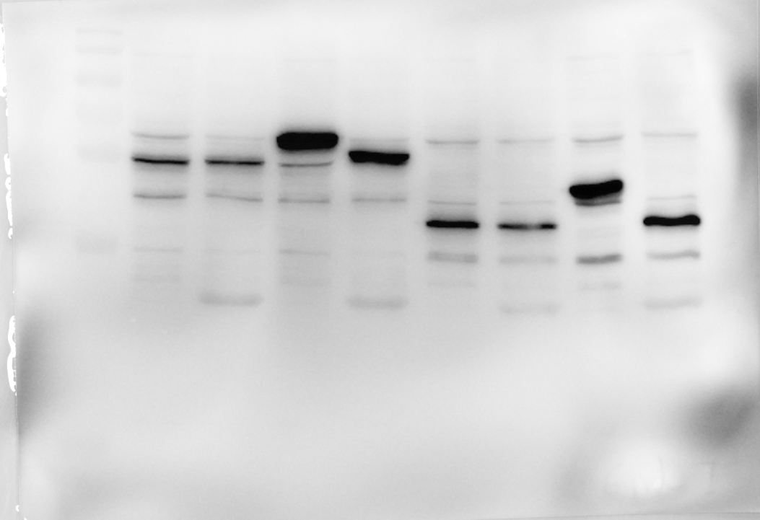
anti FLAG tag
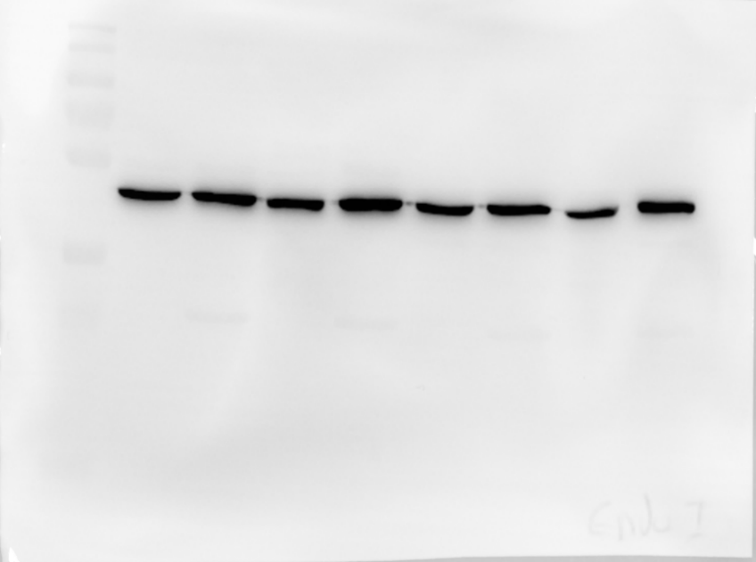
anti β-actin

~ 55 kDa
~40 kDa
~45 kDa
~40 kDa

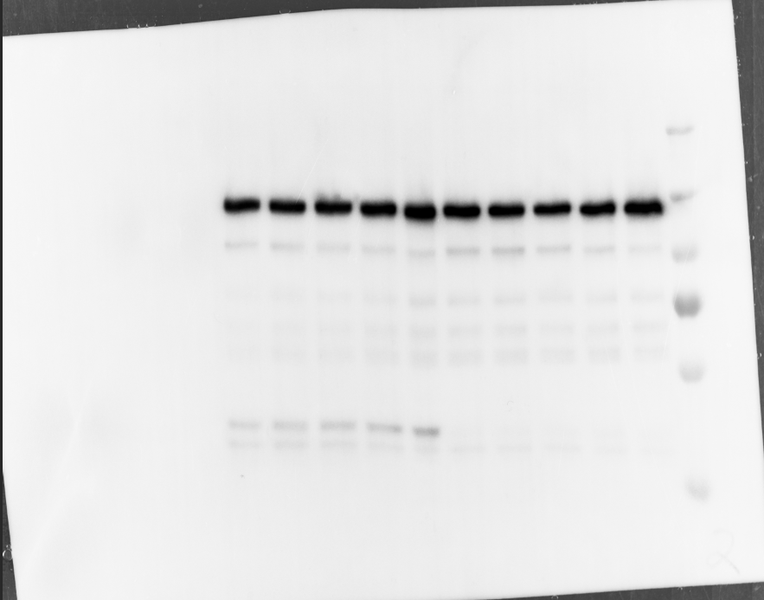
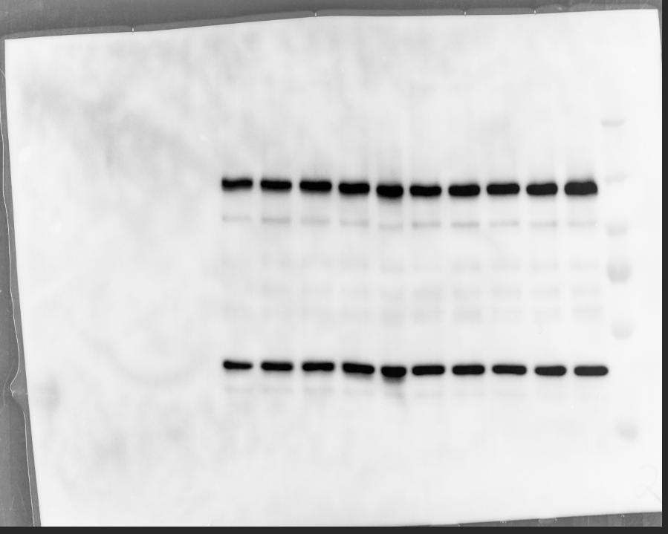
Fig.6 f
anti FLAG tag
anti β-actin

~ 120 kDa

~40 kDa

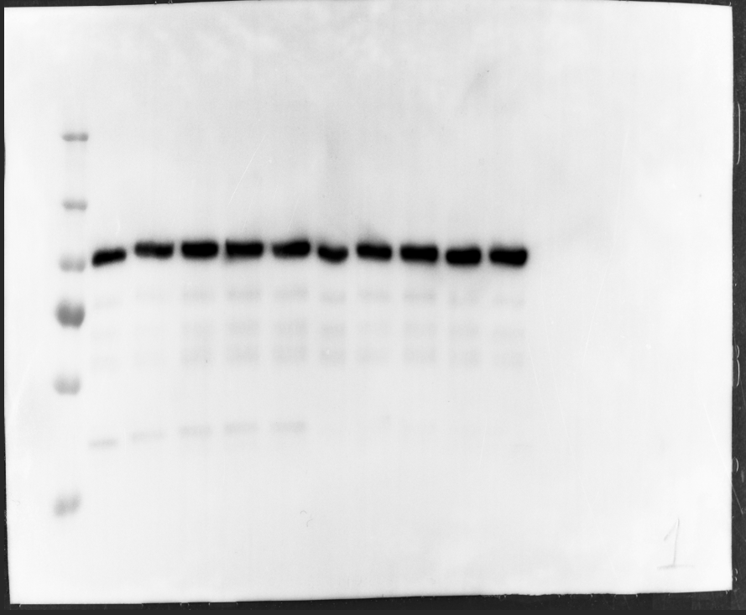
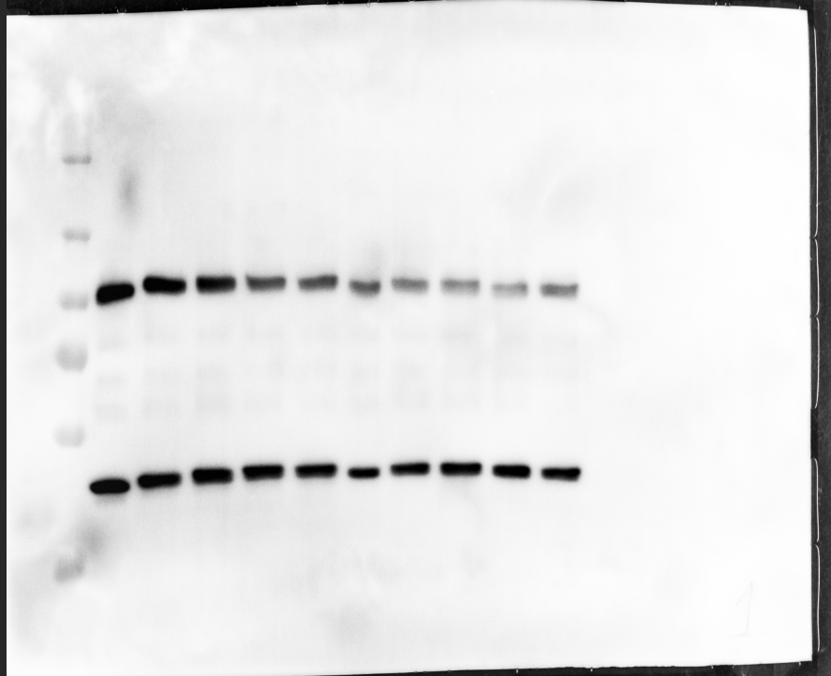
anti FLAG tag
anti β-actin

~ 100 kDa

~40 kDa

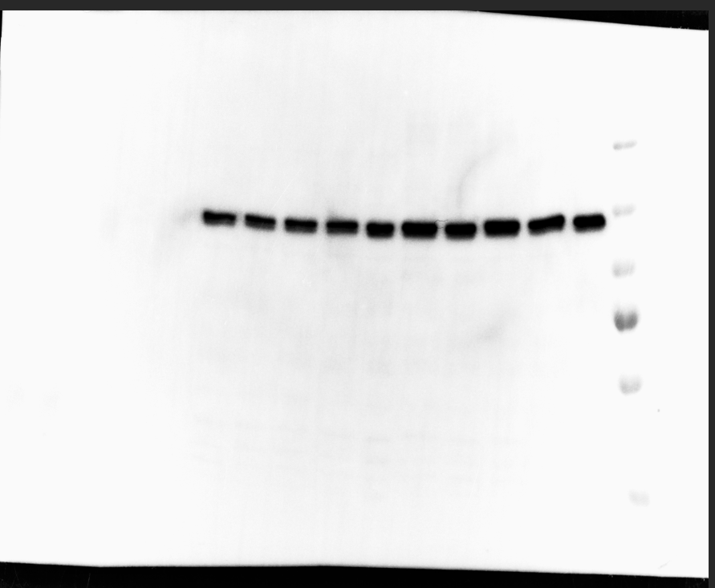
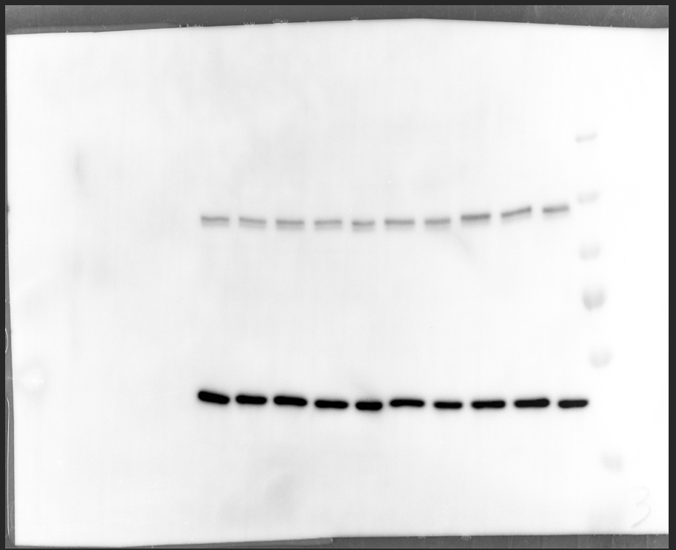
anti FLAG tag
anti β-actin

~ 120 kDa

~40 kDa

Fig.6 g

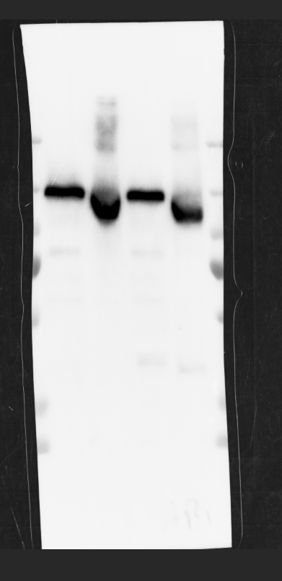
anti FLAG tag
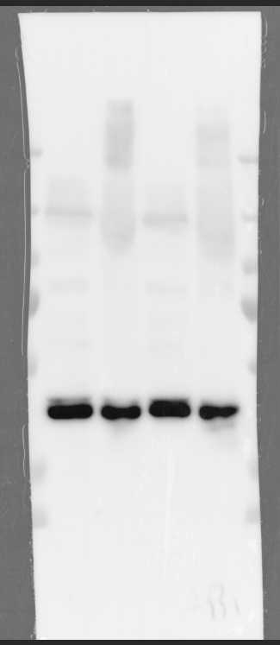
anti β-actin
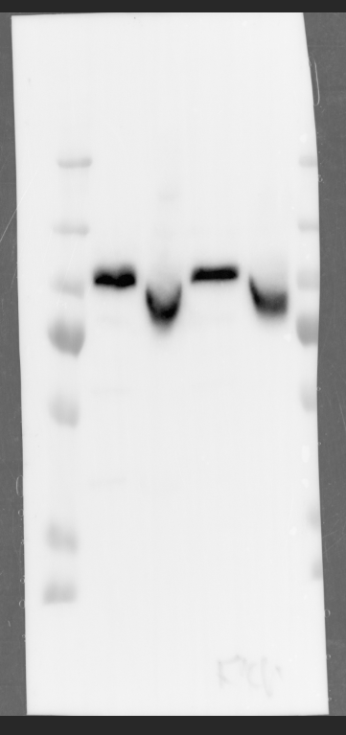
anti FLAG tag
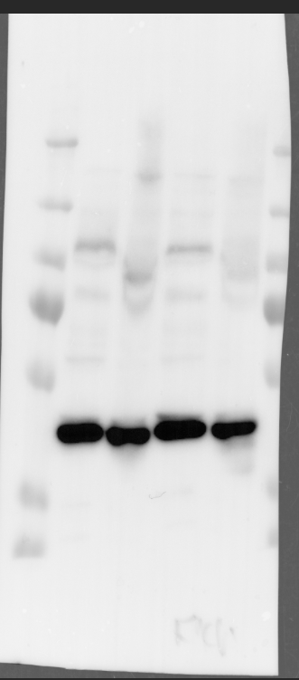
anti β-actin
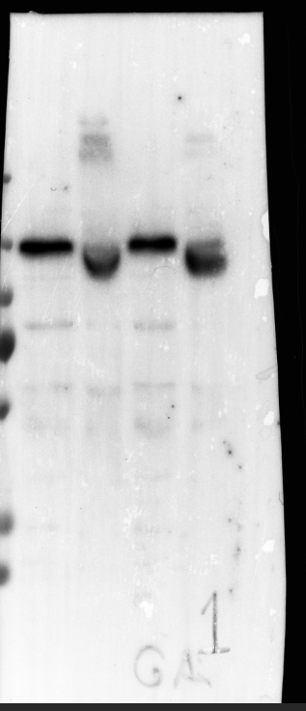
anti FLAG tag
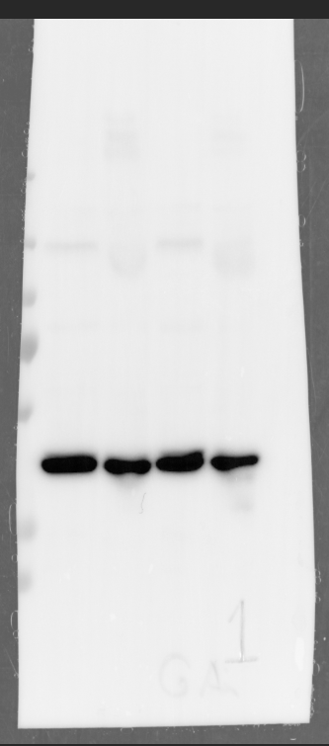
anti β-actin

~ 120 kDa
~ 100 kDa
~ 120 kDa

~40 kDa
~40 kDa
~40 kDa

Fig.6 h
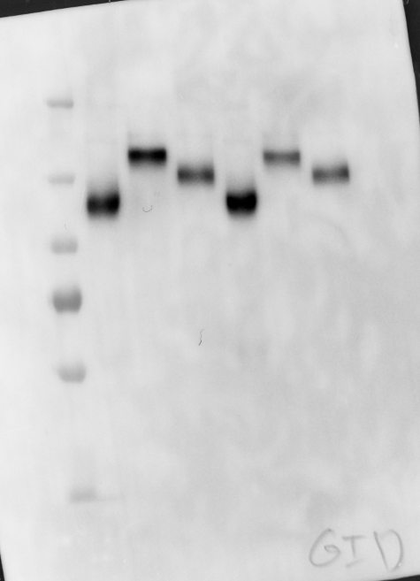
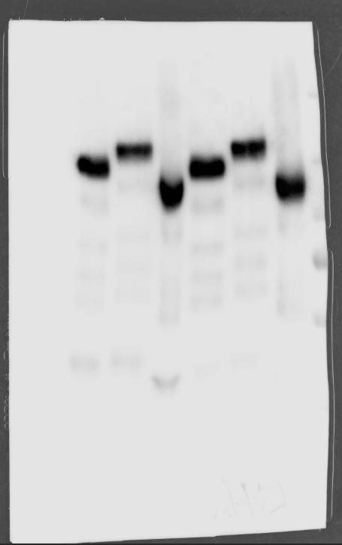
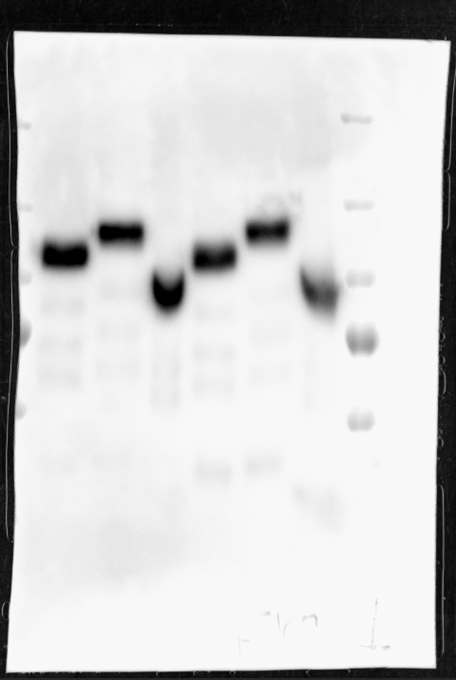
anti FLAG tag
anti FLAG tag
anti FLAG tag

~ 120 kDa
~ 120 kDa

~ 100 kDa

