Fig 4
Fig. 4a |  | Fig. 4c |  | Fig. 4e |  |  |  |  | Fig. 4f
Chow | AR | Chow | AR | Untreated | AR | TNFa | TNFa+AR |  | Untreated | AR | TNFa | TNFa+AR
1.081268 | 1.620145 | 1 | 1.415868 | 11.6 | 20.1 | 24.5 | 37.2 |  | 1.120682 | 1.065215 | 1.628627 | 2.3316
0.81312 | 0.912312 | 1 | 2.035519 | 13.1 | 13.5 | 17.2 | 26.8 |  | 0.81312 | 1.136211 | 1.369416 | 2.085416
0.984305 | 1.2924 | 1 | 2.360262 | 10.8 | 11.6 | 11.3 | 21 |  | 0.984305 | 1.110972 | 1.61812 | 1.98461
0.640613 | 1.4546 |  |  | 8.7 | 12.2 | 19.4 | 31.3 |  | 1.08121 | 0.813156 | 1.430076 | 1.5614
 | 1.679215

Fig. 4h |  | Fig. 4i |  | Fig. 4k |  |  | Fig. 4l
Chow | AR | Chow | AR | Chow | AR |  | Chow | AR
1 | 0.328337 | 0.31687 | 0.08649 | 162 | 91 |  | 0.60979 | 0.00411
1 | 0.496086 | 1.00567 | 0.22489 | 178 | 50 |  | 1.02883 | 0.1252
1 | 0.375283 | 1.55086 | 0.32044 | 188 | 124 |  | 2.08462 | 0.2468
 |  | 0.51619 | 0.09869 | 170 | 76 |  | 0.72664 | 0.01268
 |  |  | 0.23841 |  | 68 |  |  | 0.07586

Uncropped blots 4b |  |  |  |  |  |  |  |  |  | Uncropped blots 4g

Chow
Allura Red
Chow
Allura Red
Chow
Allura Red
Chow
Allura Red
35 kDa
55 kDa
25 kDa
35 kDa
55 kDa
25 kDa
130 kDa
250 kDa
35 kDa
130 kDa
250 kDa
35 kDa
ZO-1 (220 kDa)
pMLC (20 kDa)
Total MLC (20 kDa)
β-actin (42 kDa)

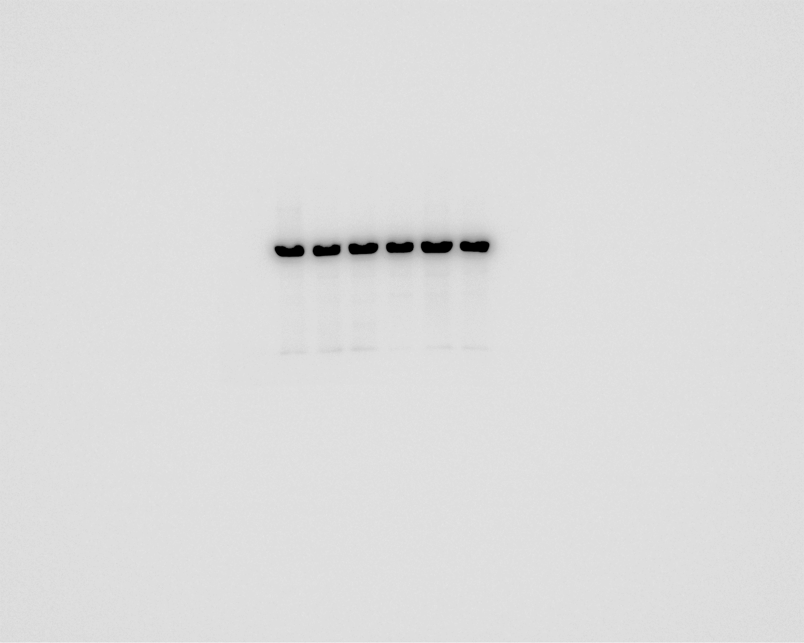
Chow
Allura Red

35 kDa
55 kDa
25 kDa
β-actin (42 kDa)

