Blots
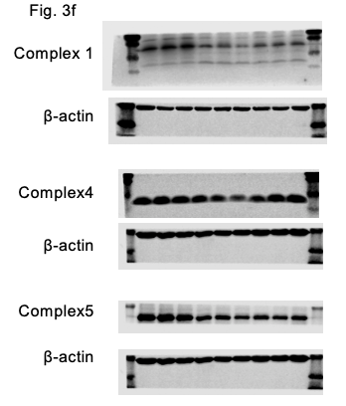
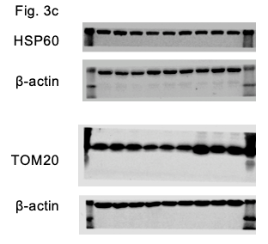
- 63
kDa
- 25
- 11
- 17
- 48
- 35
- 48
- 35
- 25
- 25
- 17
- 11
- 17
- 48
- 48
- 11
- 35
- 35

- 63
- 48
- 35

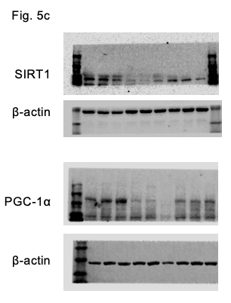
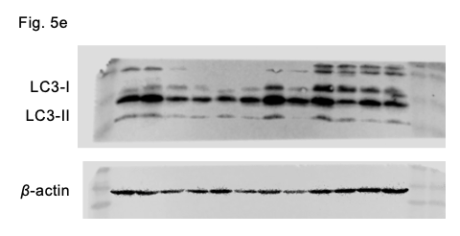

- 135
- 25
- 75
- 17
- 48
- 11
- 35
- 48
- 35

- 135
- 75
- 48
- 35

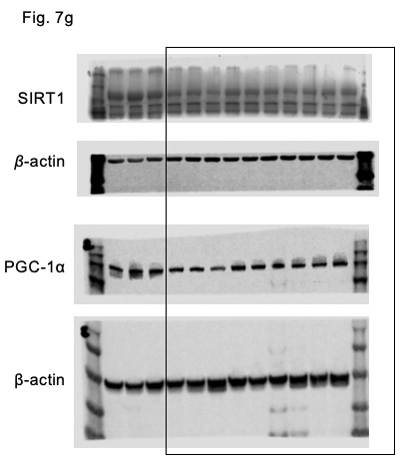

- 135
- 75
- 48
- 35

- 135
- 75

- 48
- 35

Note: same membrane was stripping and re-probing for a different antibody.

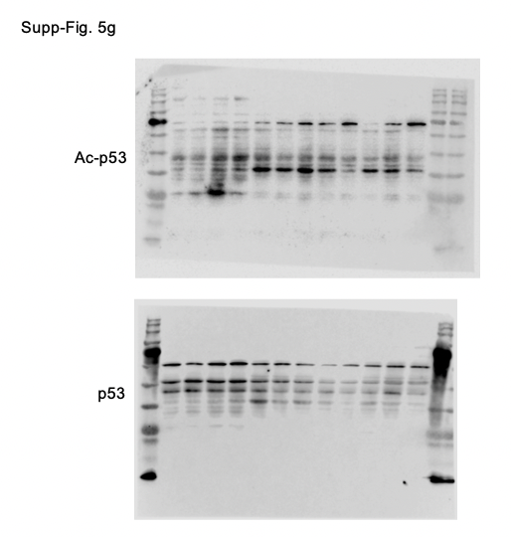

- 63
- 35
- 48

- 63
- 35
- 48

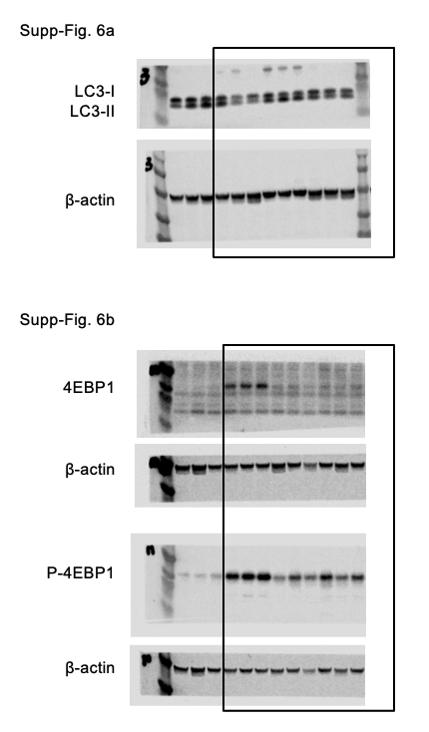

- 20
- 25
- 20
- 11
- 11

- 48
- 48
- 35
- 35
- 25
- 20
- 11

- 48
- 35

