Fig. 1a
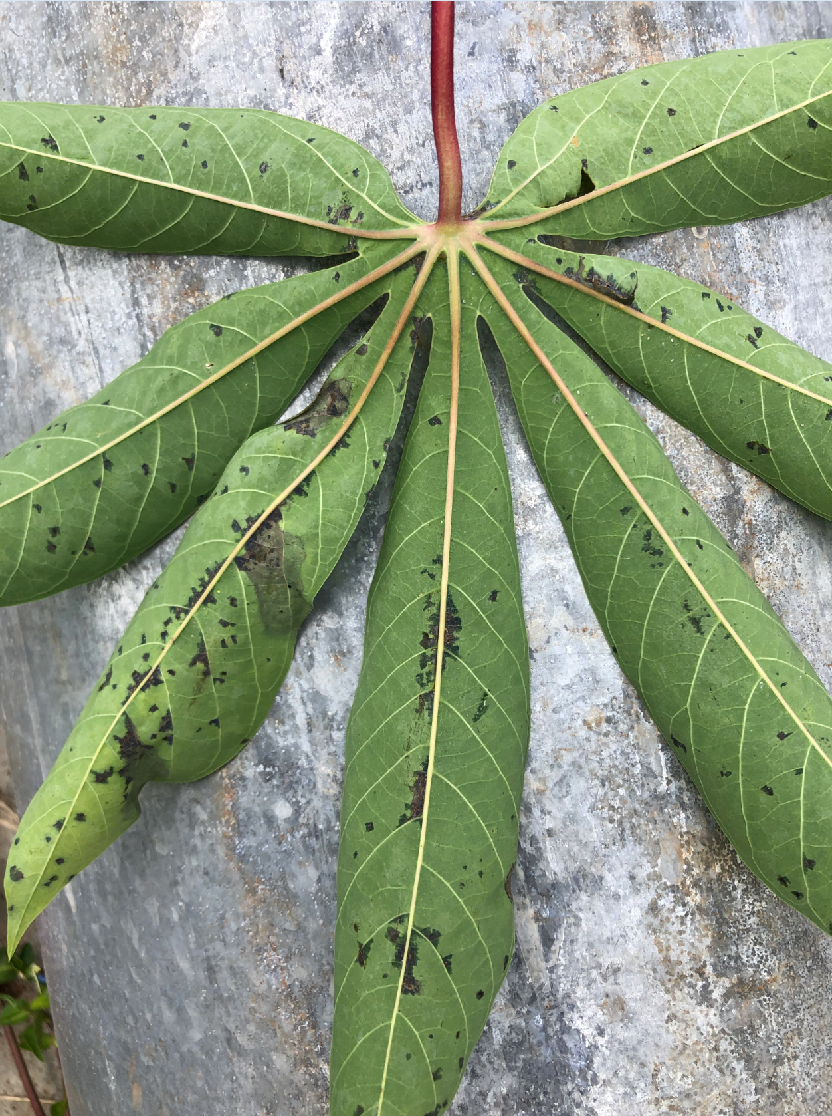
Fig 1a

Fig 1b
Fig. 1b | Images used for diagram are taken from same images used in Figure 4b, but different infiltration sites were chosen for the figures (X=Xam-infiltrated, T = XamΔTAL20, M = Mock)

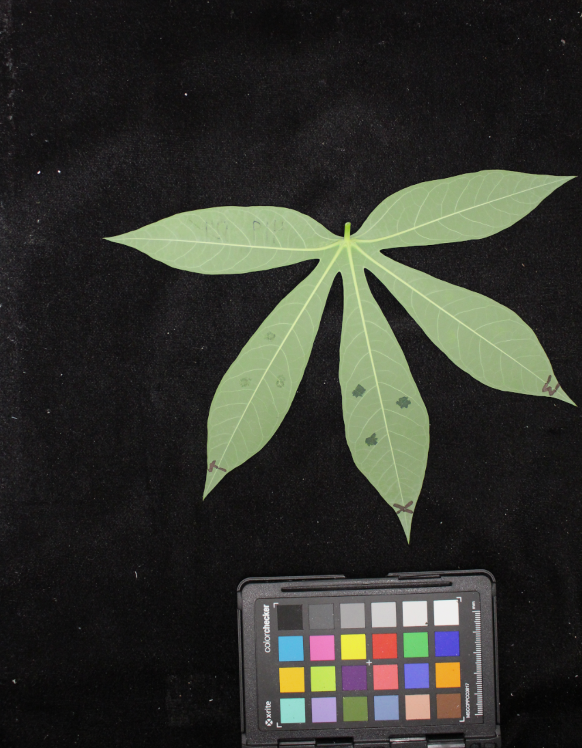
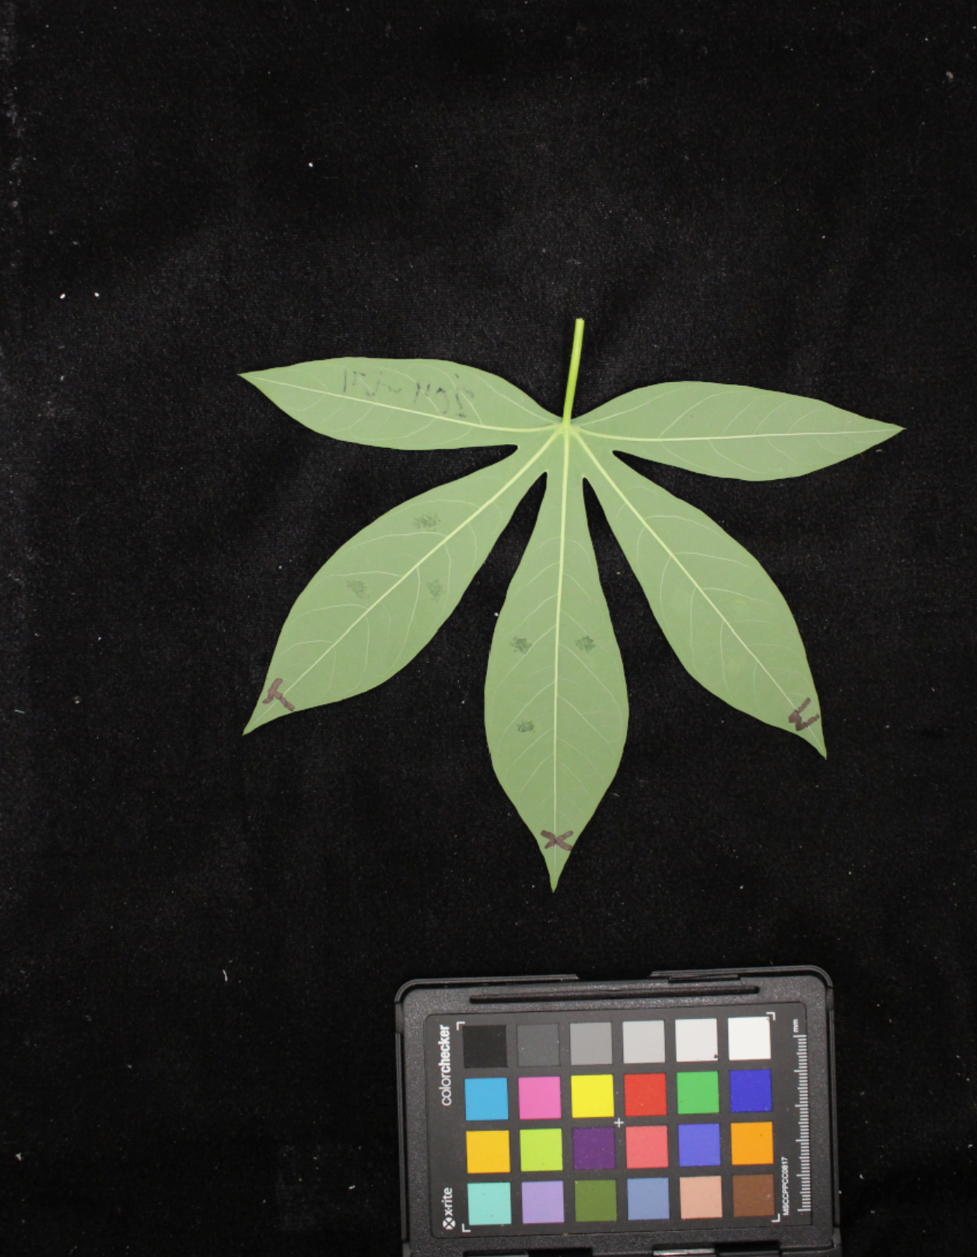
DMS3-ZF
TME419 WT

Fig 2a
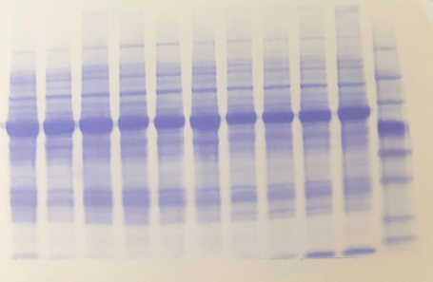
Fig 2a | anti-flag and coomassie

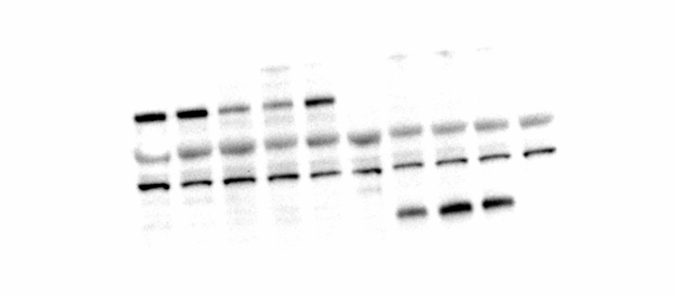
WT
216
216
216
WT
204
204
133
133
133

DMS3-ZF

ZF

Fig 4b
Fig 4b | resistance phenotype example in plants (X=Xam-infiltrated, T = XamΔTAL20, M = Mock)
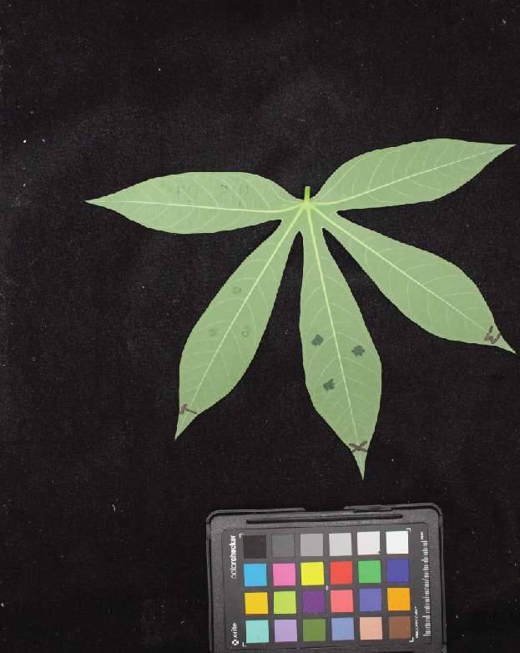
TME419 WT

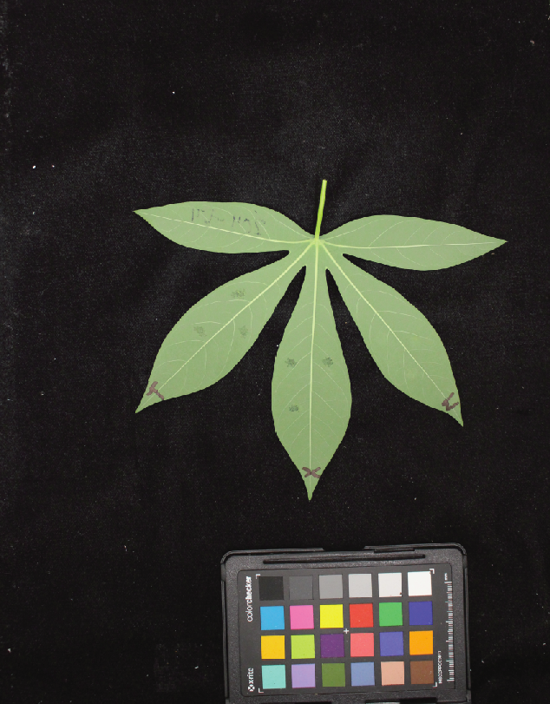
DMS3-ZF

Supplementary Fig 1a
Supplementary Fig1a | anti-his blot

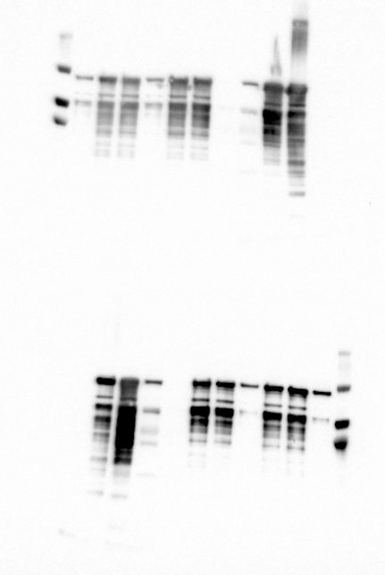

1
2
3

TAL20

Supplementary Fig 1b
Supplementary Fig1b | EMSA

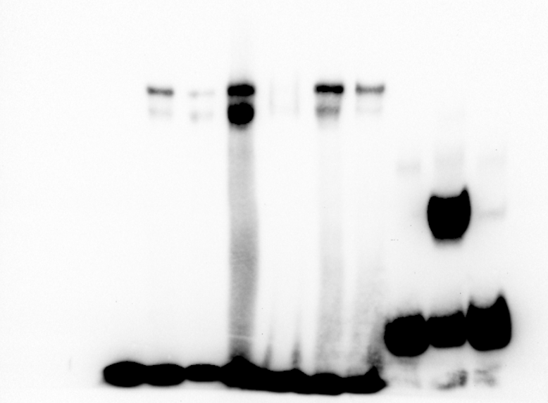
1
2
3
4
5
6
7

bound EBE

unbound EBE

Supplementary Fig 2a
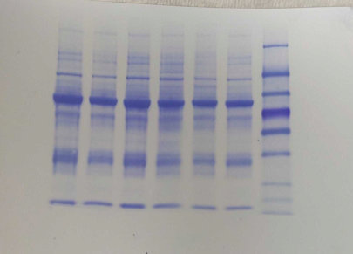
Supplementary Fig2a | anti-flag and coomassie


60444
ZF
ZF
419
DMS3
DMS3

DMS3-ZF

ZF

Supplementary Fig 3a
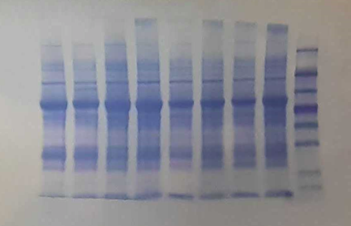
Supplementary Fig3a | anti-flag and coomassie


60444
ZF
ZF
ZF
419
DMS3
DMS3
DMS3

DMS3-ZF

ZF

Supplementary Fig 4a
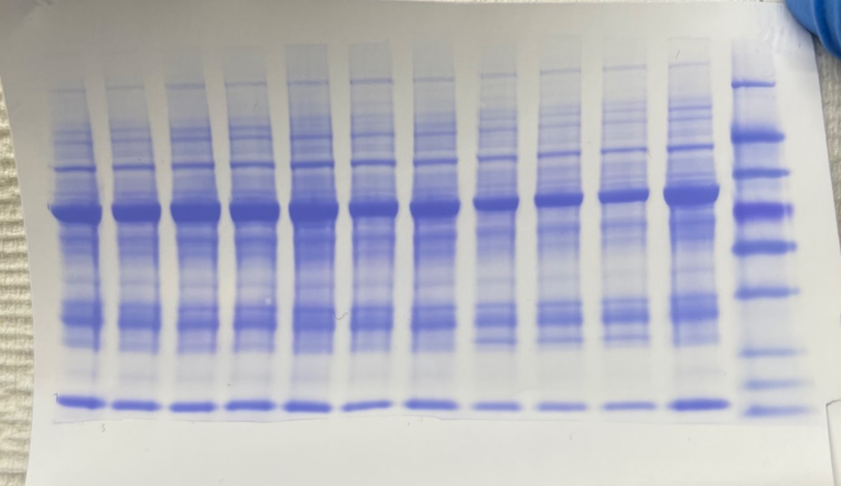
Supplementary Fig4a | anti-flag and coomassie

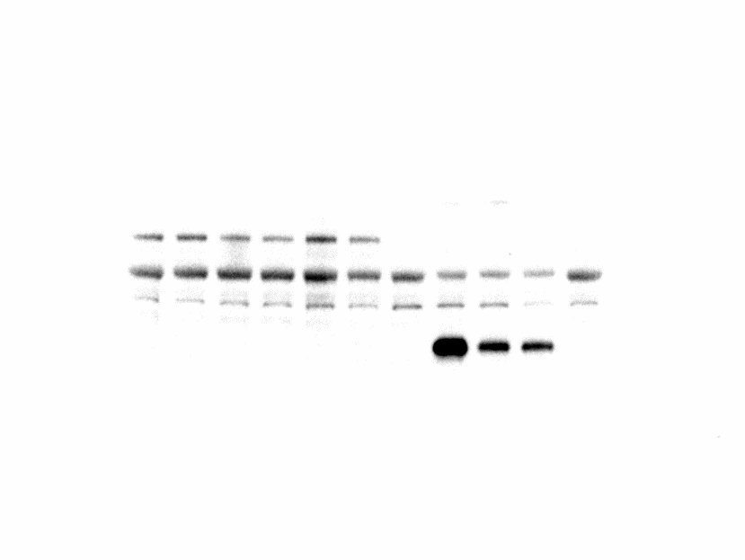

60444
ZF
ZF
ZF
419
DMS3
DMS3
DMS3
DMS3
DMS3

DMS3-ZF

ZF

Supplementary Fig 5a
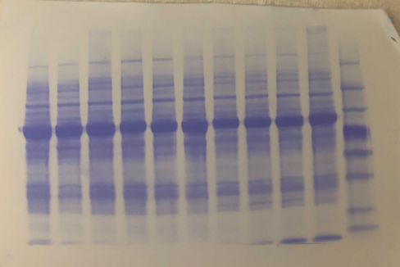
Supplementary Fig5a | anti-flag and coomassie

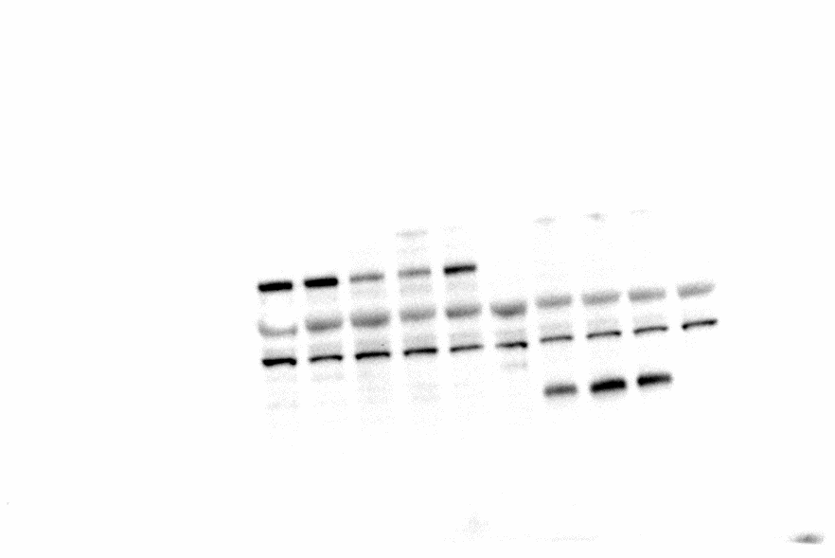

60444
ZF
ZF
ZF
419
DMS3
DMS3
DMS3
DMS3
DMS3

DMS3-ZF

ZF

Supplementary Fig 6a
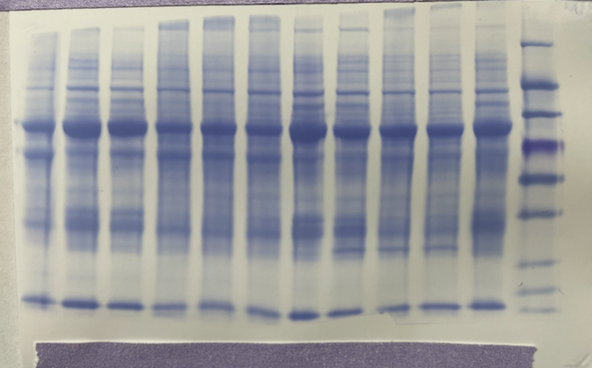
Supplementary Fig6a | anti-flag and coomassie

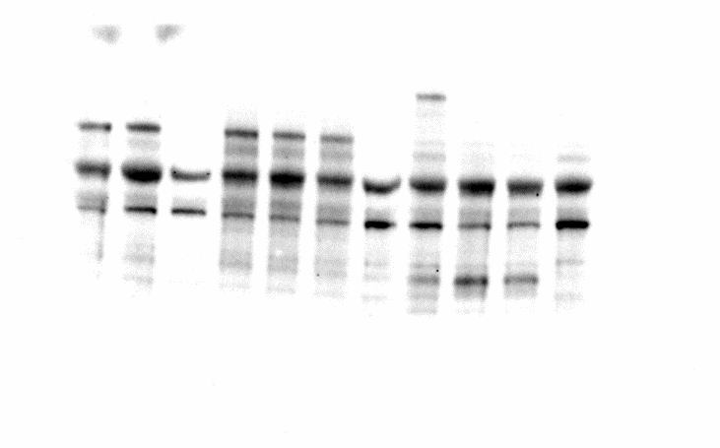

60444
ZF
ZF
ZF
419
DMS3
DMS3
DMS3
DMS3
DMS3
DMS3

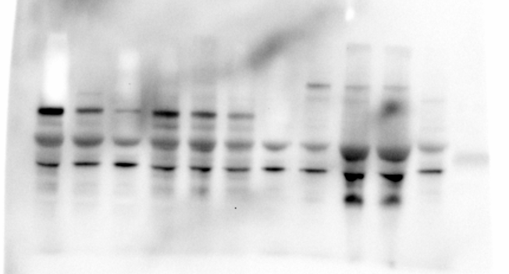
213307

DMS3-ZF

DMS3-ZF

ZF

Supplementary Fig 7a
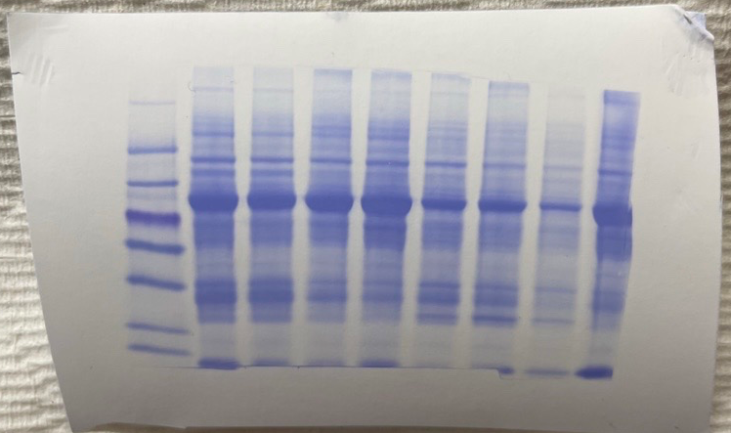
Supplementary Fig7a | anti-flag and coomassie

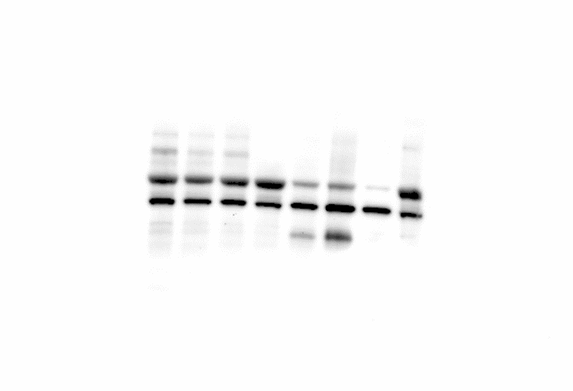

60444
ZF
ZF
ZF
419
DMS3
DMS3
DMS3



DMS3-ZF
DMS3-ZF

ZF

Supplementary Fig 8e
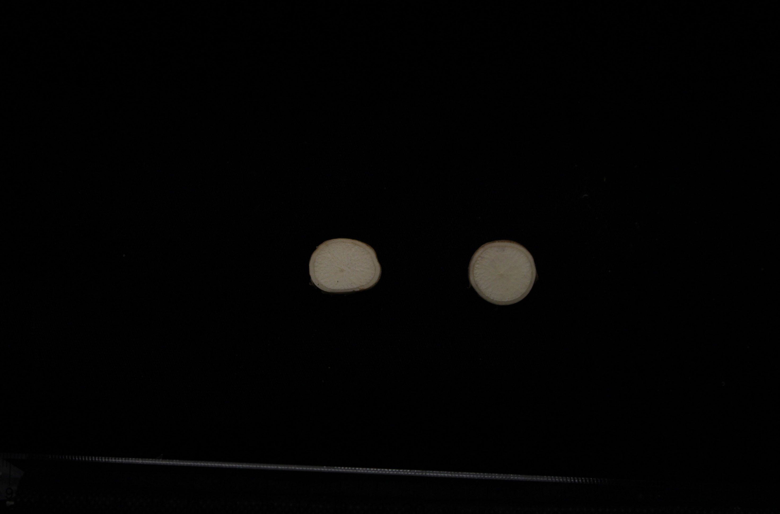
Fig. 8e

Supplementary Fig 12
Supplementary Fig12 | disease phenotype examples of additional control plants (X=Xam-infiltrated, T = XamΔTAL20, M = Mock)

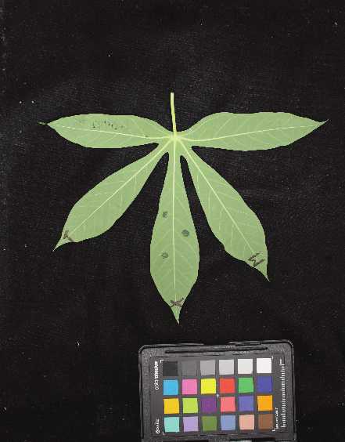
60444 WT
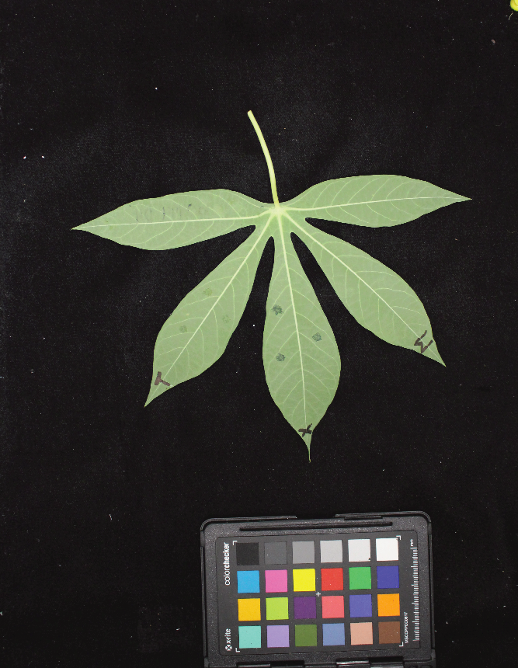
60444 WT

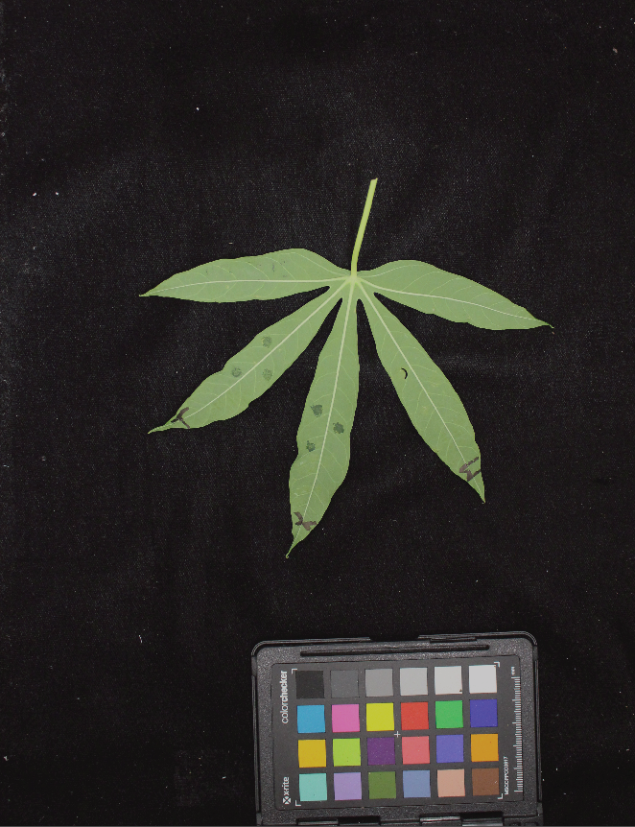
ZF

