Fig. S1e
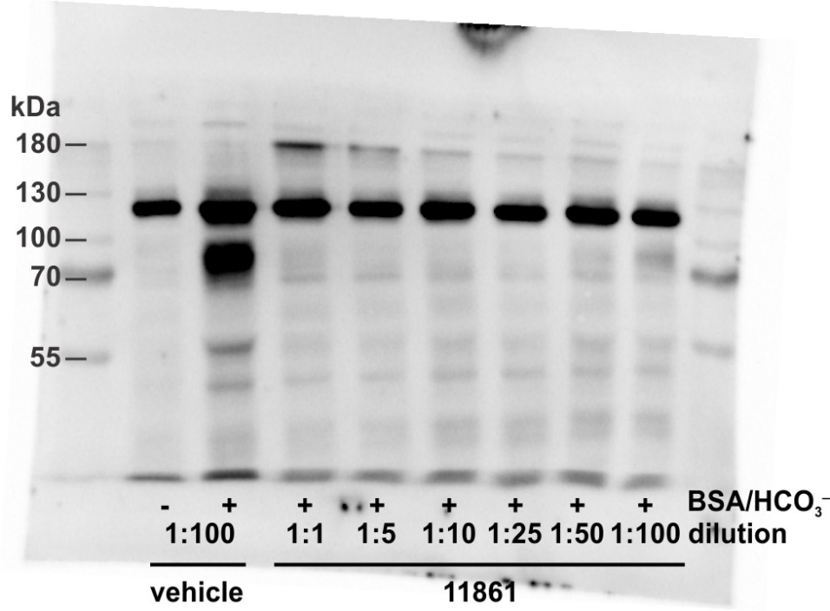
Figure S1e

