Fig4E
Fas2 protein levels_Western Blot Quantification

Blot Band Density (Arbitrary Units) |  |  |  | Double Normalized (Actin / Exp 1) Data
Exp1
Genotype | Fas2 Immunoblot | Normalized to normalized actin | Normalized to Exp 1 ( E69/+; B48/+)
E69/+ | 16915.421 | 12167.013995 | 12167.013995 |  | E69/+ | E69 | B48/+ | B48
E69 | 8239.602 | 7420.2182387 | 7420.2182387
B48/+ | 20291.836 | 20291.836 | 20291.836 | AVERAGE | 12167.013995 | 6903.7810543 | 20291.836 | 9320.7059971 | 16705.418612 | 13120.877016 | 20291.836 | 10314.545576
B48 | 7866.865 | 7818.4017985 | 7818.4017985 | STDEV | 0 | 1656.9919081 | 0 | 3957.4179268 | 0 | 6744.8050235 | 0 | 3761.0051657
 |  |  |  | N | 3 | 3 | 3 | 3
 | ACTIN Loading CTRL | Normalized to minimum
E69/+ | 19725.844 | 1.3902688866
E69 | 15755.288 | 1.1104258305 |  | t test | E69/+ vs E69 | **, p=0.0053 | B48/+ vs B48 | ** p=0.0086
B48/+ | 14188.51 | 1
B48 | 14276.459 | 1.0061986072

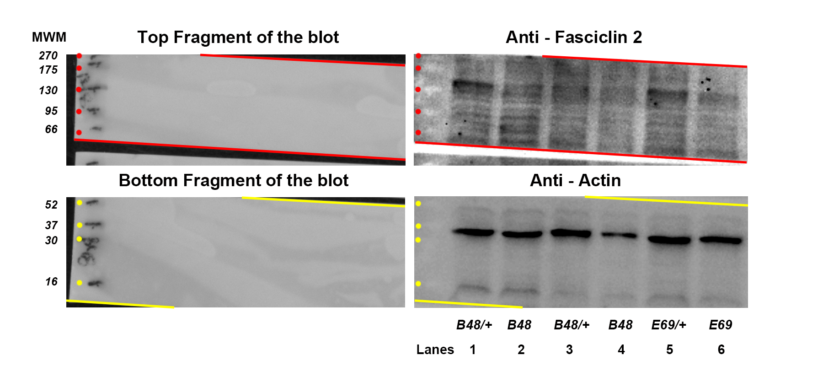
Exp2 |  |  |  | Cropped sections of this blot are presented in Figure 4F (Lane 5 as Lane 1 in 4F; Lane 6 as Lane 2 in 4F; Lane 1 as Lane 3 in 4F and Lane 2 as Lane 4 in 4F)
Genotype | Fas2 Immunoblot | Normalized to normalized actin
E69/+ | 14096.184167 | 12213.747397 | 12167.013995
E69 | 6338.1553846 | 5069.4687053 | 5050.0714218
B48/+ | 15998.16 | 11648.971672 | 20291.836
B48 | 7927.53 | 7927.53 | 13809.299496

 | ACTIN Loading CTRL | Normalized to minimum
E69/+ | 9089.8885714 | 1.1541244229
E69 | 9847.055 | 1.25
B48/+ | 10816.54 | 1.3733536702
B48 | 7876.00 | 1

Exp3
Genotype | Fas2 Immunoblot | Normalized to normalized actin
E69/+ | 15505.802583 | 10893.516477 | 12167.013995
E69 | 7605.7864615 | 7378.4785775 | 8241.0535023
B48/+ | 14,533 | 13275.049161 | 20291.836
B48 | 4,144 | 4144.016 | 6334.4166964

 | ACTIN Loading CTRL | Normalized to minimum
E69/+ | 16316.855143 | 1.423397359
E69 | 11816.466 | 1.0308068773
B48/+ | 12,550 | 1.0947793732
B48 | 11,463 | 1

