Suppl. Fig. 1 Uncropped images
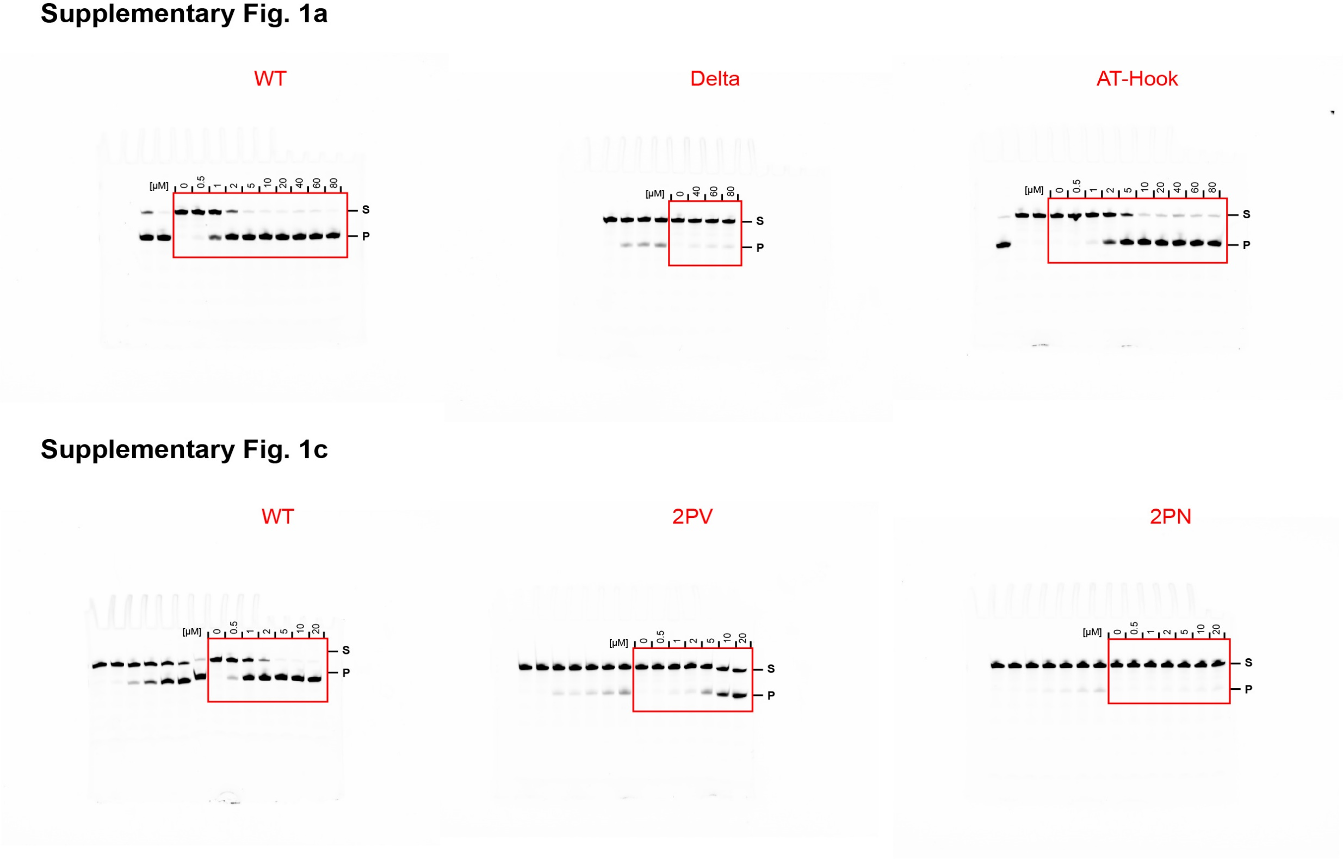
Uncropped version of gel images for Supplementary Fig. 1

Suppl. Fig. 2 Uncropped images
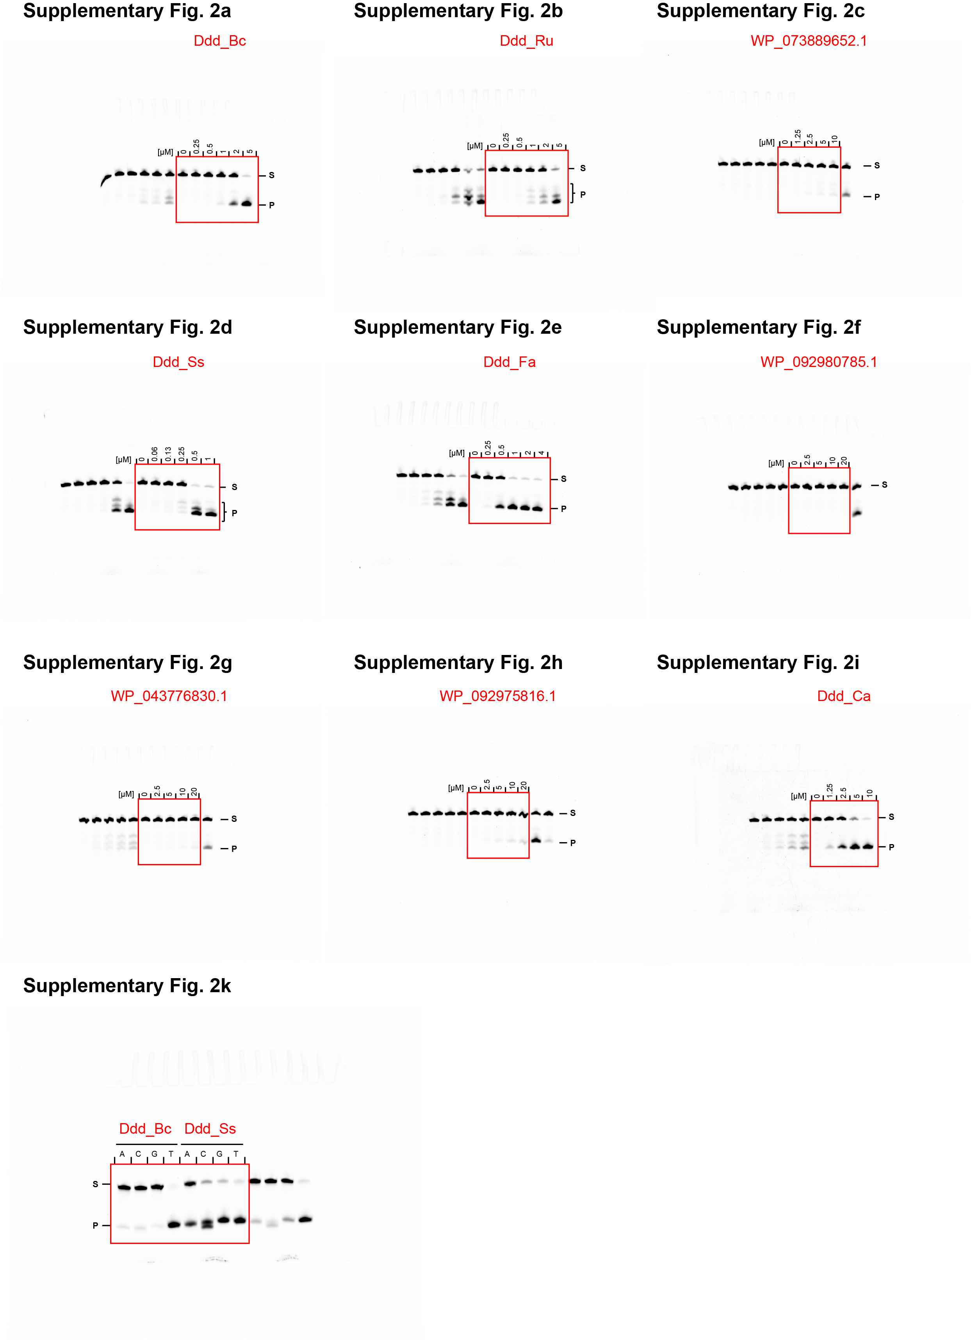
Uncropped version of gel images for Supplementary Fig. 2

