Fig.2b
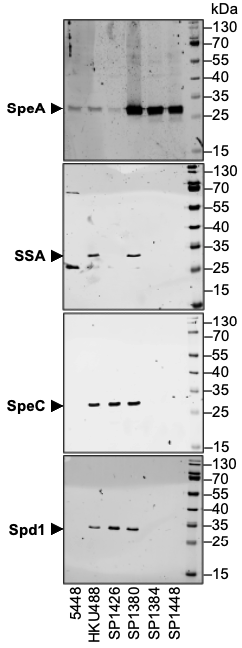
Fig.2B: Immunoblot detection of SpeA, SSA, SpeC and Spd1 expression from indicated M1 and M1uk strains.

Fig.2d
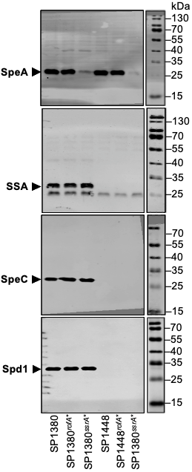
Fig.2D: Immunoblot detection of SpeA, SSA, SpeC and Spd1 expression from indicated M1uk strains and respective isogenic mutant strain.

Fig.3e
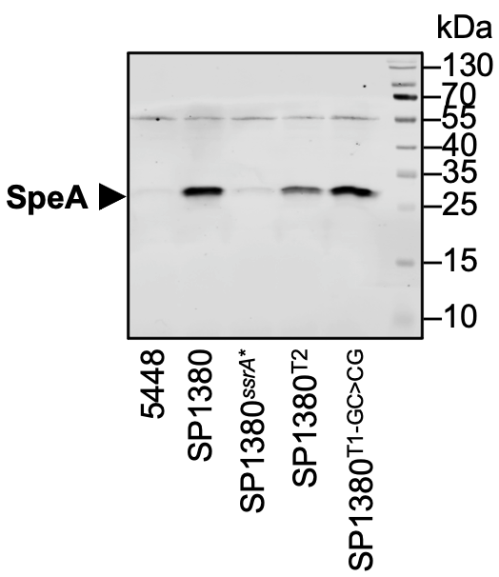
Fig.3E: Immunoblot detection of SpeA expression from indicated S. pyogenes strains.

