Figure 2
Figure 2D
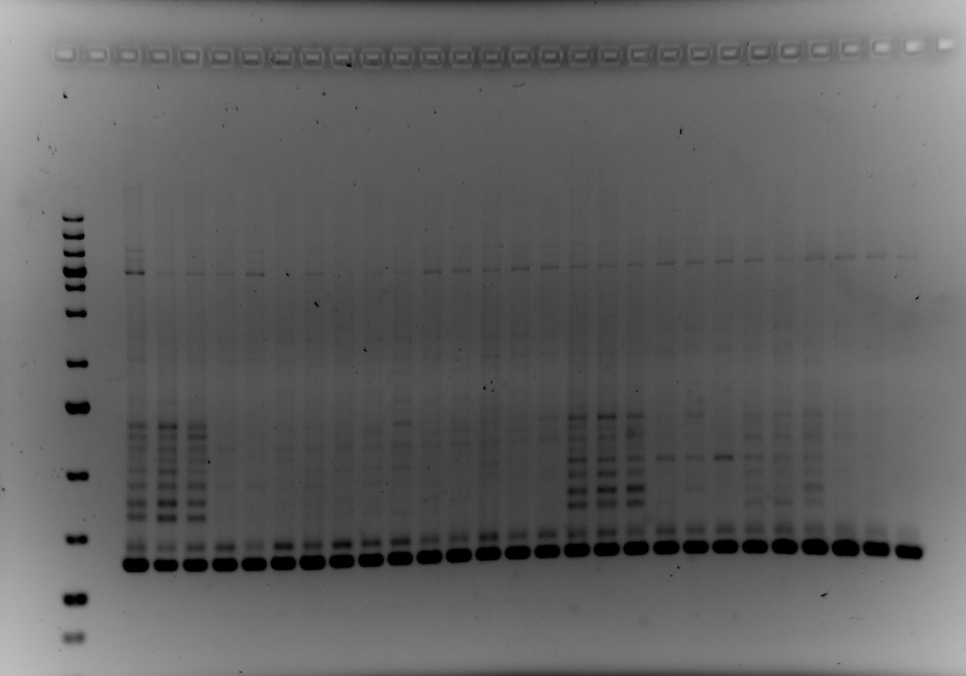
SUF 16
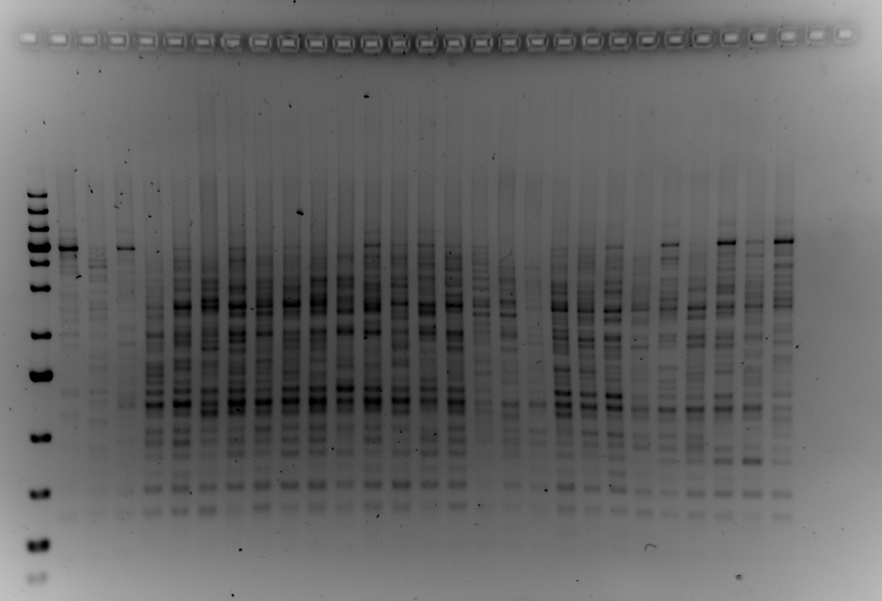
HXT
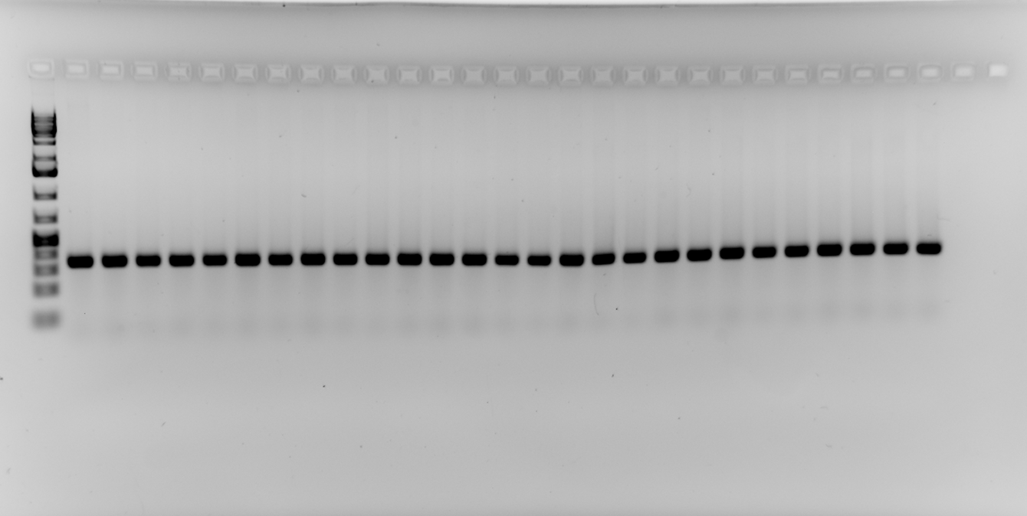
ACT1

Figure 2E

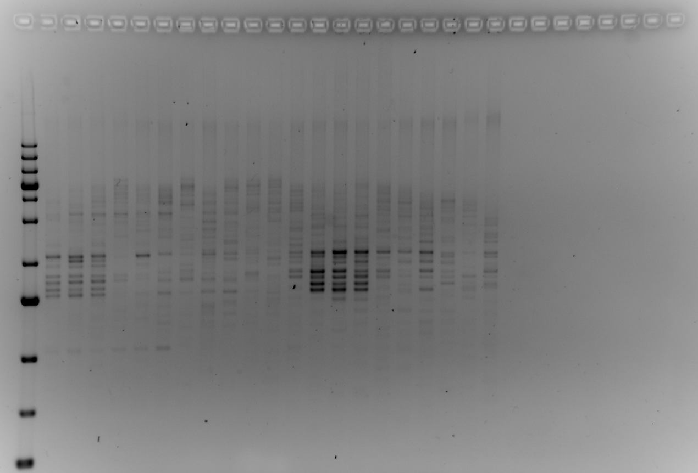
SUF16
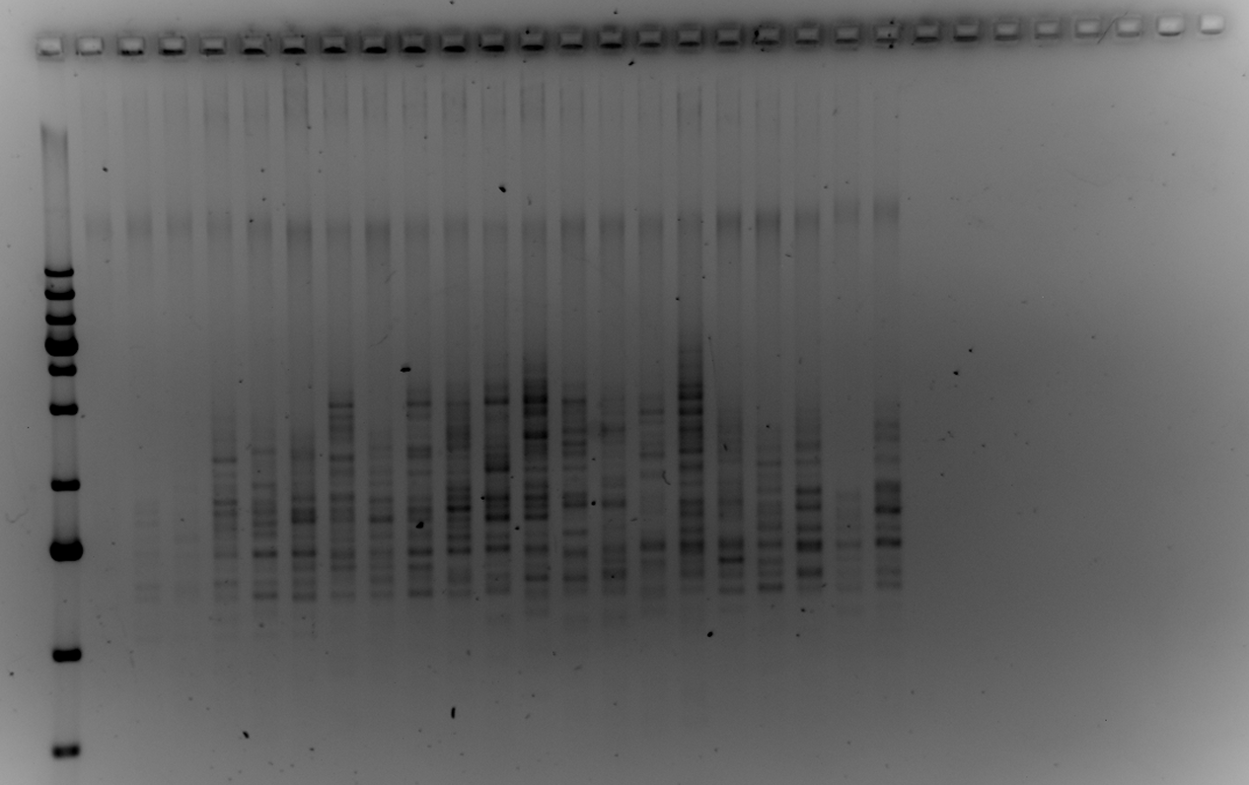
SEO1
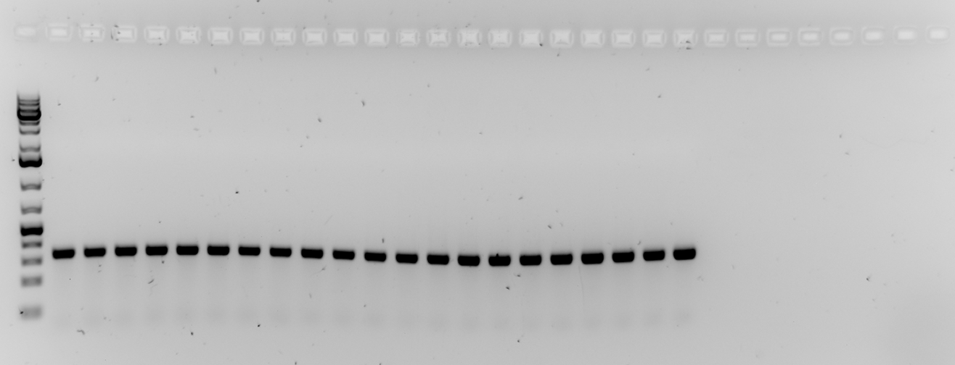
ACT1

Figure 5
Strains C160myc C53WT & C160myc C53delta2-280. 3 independent preps/cultures. Cultures: 50ml @ 24°C in YPD, DO=1. same extract divided in 2: for anti-Myc and anti-IN1 IP, respectively

IP Myc: Dynabeads anti-mouse + 9E10 |  |  |  |  |  |  | IP IN1: Dynabeads Protein A + anti-IN1
IP Myc | C53 WT prep1 | C53 WT prep2 | C53 WT prep3 | Mean | SD |  | IP IN1 | C53 WT prep1 | C53 WT prep2 | C53 WT prep3 | Mean | SD
SCR1 | 31.59 | 26.57 | 23.36 | 27.17 | 4.15 |  | SCR1 | 0.98 | 0.76 | 0.93 | 0.89 | 0.11
tDNAIleu | 21.17 | 21.83 | 19.40 | 20.80 | 1.26 |  | tDNAIleu | 0.34 | 0.32 | 0.27 | 0.31 | 0.04
18S | 0.06 | 0.06 | 0.04 | 0.05 | 0.01 |  | 18S | 0.22 | 0.21 | 0.20 | 0.21 | 0.01
GAL1 | 0.02 | 0.04 | 0.05 | 0.04 | 0.01 |  | GAL1 | 0.05 | 0.05 | 0.03 | 0.04 | 0.01

IP Myc | C53 Delta prep1 | C53 Delta prep2 | C53 Delta prep3 | Mean | SD |  | IP IN1 | C53 Delta prep1 | C53 Delta prep2 | C53 Delta prep3 | Mean | SD
SCR1 | 12.36 | 13.71 | 20.22 | 15.43 | 4.20 |  | SCR1 | 0.37 | 0.39 | 0.38 | 0.38 | 0.01
tDNAIleu | 11.13 | 13.60 | 10.26 | 11.66 | 1.74 |  | tDNAIleu | 0.20 | 0.21 | 0.16 | 0.19 | 0.03
18S | 0.06 | 0.03 | 0.03 | 0.04 | 0.01 |  | 18S | 0.22 | 0.19 | 0.21 | 0.20 | 0.01
GAL1 | 0.02 | 0.04 | 0.05 | 0.04 | 0.02 |  | GAL1 | 0.07 | 0.03 | 0.05 | 0.05 | 0.02
Binding Pol III %IP/INP
Binding IN1 %IP/INP

WT versus rpc53∆2-280 Unpaired t test with Welch's correction
pvalue
IP Myc | SCR1 | tDNA-Ileu | 18S | GAL1
P value | 0.0262 | 0.0025 | 0.3379 | >0,9999
P value summary | * | ** | ns | ns
Significantly different (P < 0.05)? | Yes | Yes | No | No
One- or two-tailed P value? | Two-tailed | Two-tailed | Two-tailed | Two-tailed
Welch-corrected t, df | t=3,445, df=3,999 | t=7,394, df=3,648 | t=1,109, df=3,485 | t=0,000, df=4,000

IP IN | SCR1 | tDNA-Ileu | 18S | GAL1
P value | 0.0161 | 0.0119 | 0.77 | 0.6495
P value summary | * | * | ns | ns
Significantly different (P < 0.05)? | Yes | Yes | No | No
One- or two-tailed P value? | Two-tailed | Two-tailed | Two-tailed | Two-tailed
Welch-corrected t, df | t=7,631, df=2,030 | t=4,648, df=3,670 | t=0,3162, df=3,448 | t=0,5000, df=3,200

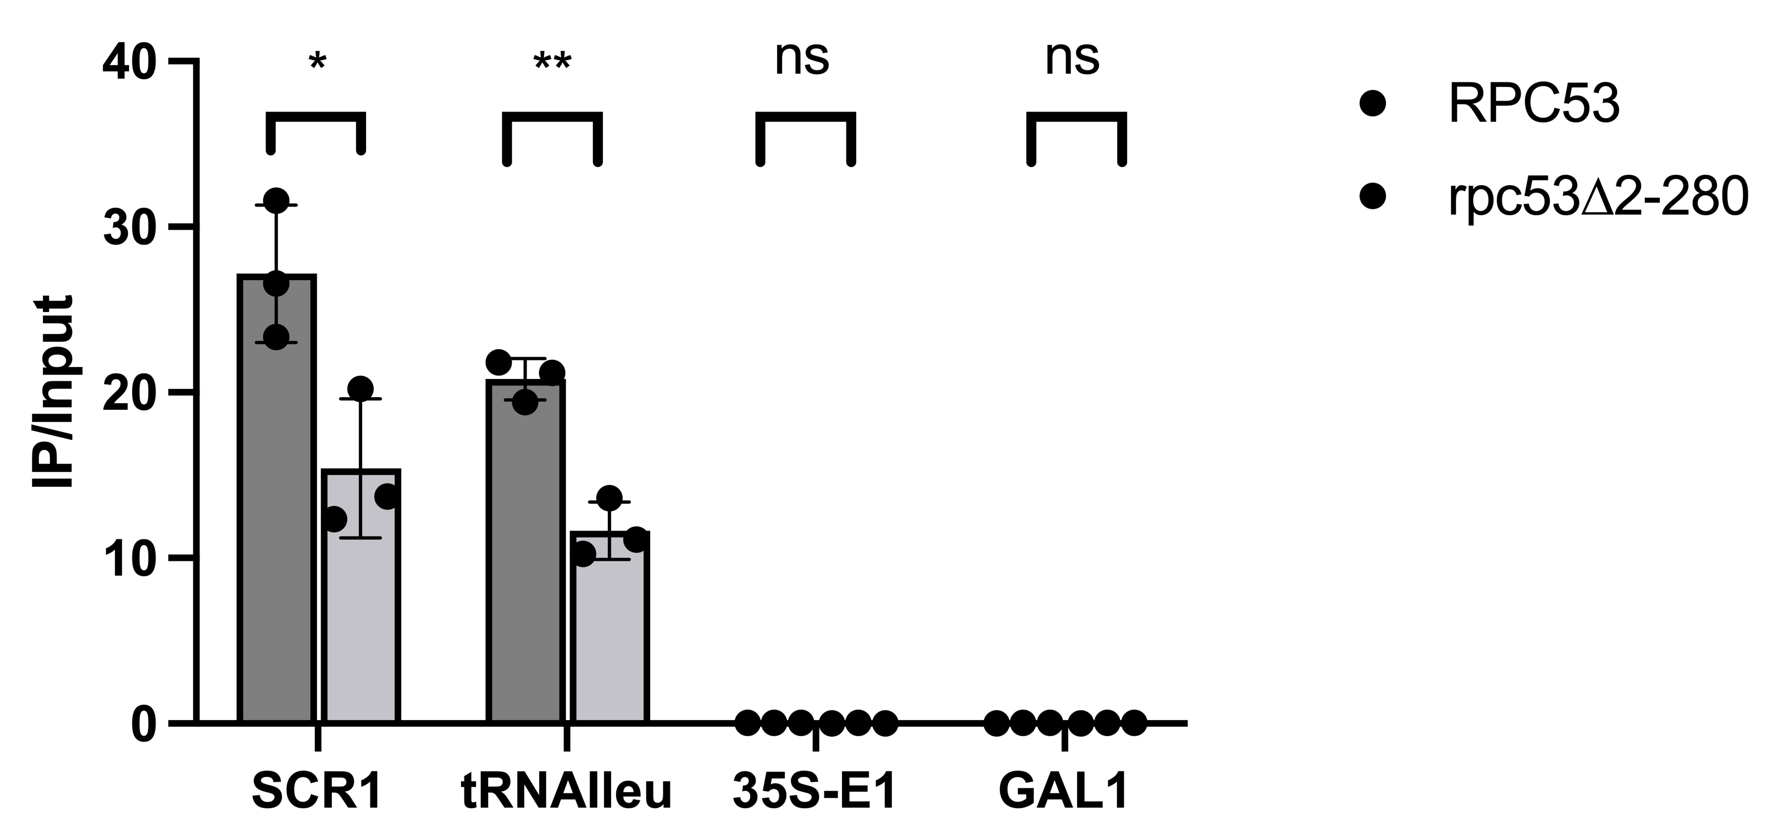

IP-C160-Myc |  |  |  | IP-IN

tRNAIleu=tDNA-Ile
35S-E1= 18S

RPC53
rpc53∆2-280

Figure 5C

 |  | 2022-02-17 |  | 2022-02-21 |  | 2022-02-28 |  | 2022-11-17 |  | 2022-11-28 |  | 2022-12-02
 |  | Median | SD | Median | SD | Median | SD | Median | SD | Median | SD | Median | SD
C53 wt | LV1815 | 4.0E-07 | 1.3E-07 | 4.8E-07 | 8.2E-08 | 2.7E-07 | 8.2E-08 | 1.5E-07 | 5.5E-08 | 1.5E-07 | 2.3E-07 | 3.4E-07 | 1.9E-07
C53∆2-280 | LV1817 | < 8,0E-09 | 1.2E-09 | 1.6E-08 | 1.7E-08 | 3.0E-09 | 5.1E-09 | < 9,4E-09 | 1.1E-09 | < 1,1E-08 | 2.9E-09 | < 2,5E-09 | 8.1E-09
AC40sc | yJR30 |  |  |  |  |  |  |  |  | 2.8E-07 | 9.4E-08 | 9.5E-08 | 2.5E-08
AC40sp | yJR29 |  |  |  |  |  |  |  |  | 1.1E-07 | 3.4E-08 | 7.6E-08 | 2.7E-08

Unpaired t test with Welch's correction
C53 WT vs C53∆2-280
Table Analyzed | transposition at 25C | transposition at 25C

Column B | C53∆2-280 | AC40Sp
vs. | vs, | vs,
Column A | C53 | AC40Sc

Unpaired t test with Welch's correction
P value | 0.0032 | 0.4899
P value summary | ** | ns
Significantly different (P < 0.05)? | Yes | No
One- or two-tailed P value? | Two-tailed | Two-tailed
Welch-corrected t, df | t=5,298, df=5,016 | t=1,005, df=1,067

How big is the difference?
Mean of column A | 2.983E-07 | 1.875E-07
Mean of column B | 8.1E-09 | 0.000000093
Difference between means (B - A) ± SEM | -2,902e-007 ± 5,478e-008 | -9,450e-008 ± 9,405e-008
95% confidence interval | -4,309e-007 to -1,496e-007 | -1,125e-006 to 9,360e-007
R squared (eta squared) | 0.8484 | 0.4861

F test to compare variances
F, DFn, Dfd | 615,0, 5, 5
P value | <0,0001
P value summary | ****
Significantly different (P < 0.05)? | Yes

Data analyzed
Sample size, column A | 6 | 2
Sample size, column B | 6 | 2

