Figure 1
30 kDa
Figure 1a
160 kDa
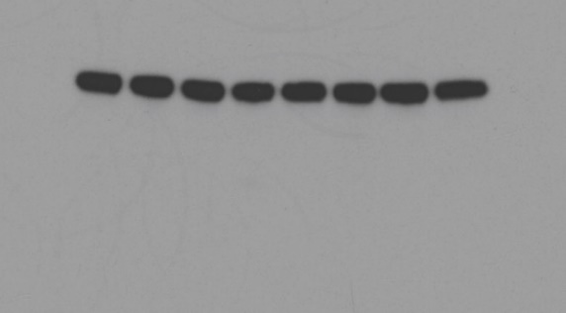
40 kDa
BAX
PARP
Caspase-7
10 kDa
80 kDa
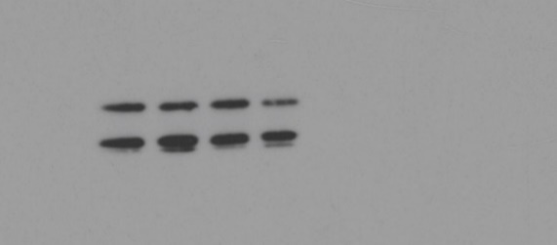
30 kDa

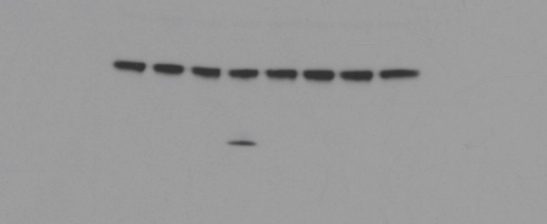
10 kDa
BAK
40 kDa
Caspase-3
10 kDa
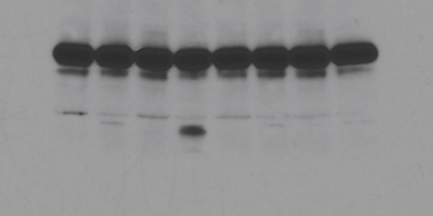
40 kDa
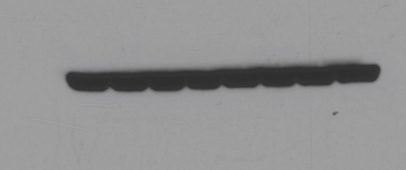
10 kDa
50 kDa
cleaved Caspase-7
Beta-Actin

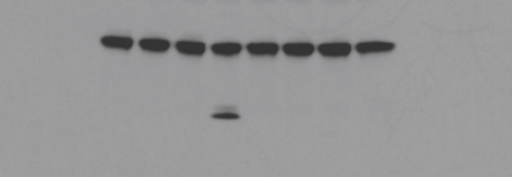
40 kDa
10 kDa
30 kDa

cleaved Caspase-3

10 kDa

Figure 2
Figure 2a | Figure 2d | Figure 2g
160 kDa
160 kDa

Phospho-STAT1
160 kDa
Phospho-STAT1
80 kDa
Phospho-STAT1
80 kDa

80 kDa
160 kDa
110 kDa
160 kDa
STAT1
STAT1
80 kDa
STAT1
80 kDa

60 kDa
80 kDa
60 kDa
Caspase-9
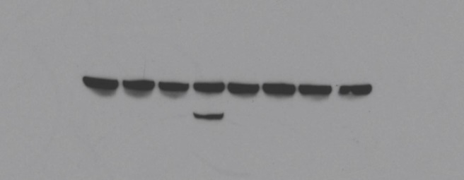
160 kDa
Beta-Actin
30 kDa
PARP
30 kDa
40 kDa
Caspase-3
80 kDa

10 kDa

60 kDa

40 kDa
Beta-Actin
Caspase-7

20 kDa
30 kDa

160 kDa

PARP

80 kDa

50 kDa
Beta-Actin
40 kDa

Figure 3
Figure 3a | Figure 3c | Figure 3d | Figure 3e
60 kDa
110 kDa
60 kDa
110 kDa
Phospho-STAT1
Phospho-IRF3
Phospho-TBK1
Phospho-IRF3
40 kDa
80 kDa
40 kDa
80 kDa
60 kDa
110 kDa
60 kDa
110 kDa
IRF3
TBK1
IRF3
STAT1
40 kDa
80 kDa
40 kDa
110 kDac
60 kDa
80 kDa
Phospho-STAT1
Phospho-IRF3
80 kDa
40 kDa
110 kDa
50 kDa
Phospho-STAT1
110 kDa
60 kDa
STING
STAT1
80 kDa
30 kDa
IRF3
80 kDa
40 kDa
110 kDa
160 kDa
STAT1
50 kDa
110 kDa
80 kDa
MDA-5
Beta-Actin
Phospho-STAT1
110 kDa
30 kDa
80 kDa
50 kDa
110 kDa
110 kDa
Beta-Actin
RIG-I
STAT1
30 kDa
80 kDa
80 kDa
50 kDa
110 kDa
Beta-Actin
MAVS
30 kDa
60 kDa

160 kDa
TLR3
110 kDa

50 kDa

Beta-Actin
30 kDa

Figure 4
Figure 4a

80 kDa
cGAS

50 kDa

50 kDa
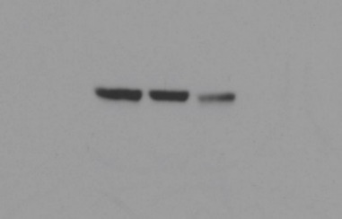
STING

30 kDa

50 kDa

Beta-Actin
30 kDa

Figure 5
Figure 5c | Figure 5e
110 kDa
p-TBK1
80 kDa
 | Day | sgCTRL - Saline |  |  |  |  |  |  | sgCTRL - Doxorubicin |  |  |  |  |  |  | sgCasp3/7 - Saline |  |  |  |  |  |  | sgCasp3/7 - Doxorubicin
 | 0 | 46.322943 | 40.1291 | 52.678564 | 56.694496 | 39.59298 | 44.612352 | 36.289152 | 41.293648 | 58.247661 | 45.686784 | 46.60125 | 57.3864885 | 37.4863 | 45.337896 | 65.1900205 | 58.377662 | 54.3805875 | 53.4490315 | 49.371525 | 40.947434 | 39.790205 | 44.115514 | 43.454464 | 50.454972 | 49.805152 | 45.194976 | 38.0577365 | 50.0521545
 | 2 | 66.612416 | 130.274259 | 181.950912 | 117.143167 | 51.663854 | 151.002672 | 187.311695 | 45.63915 | 159.45776 | 101.217519 | 91.96481 | 62.2568625 | 41.743548 | 62.340408 | 178.208321 | 116.094591 | 122.647413 | 175.939776 | 152.850944 | 82.318688 | 125.6904 | 51.772 | 64.798825 | 47.5904 | 72.1152 | 38.80898 | 28.7496 | 78.306116
 | 4 | 214.973508 | 385.826832 | 344.9952 | 221.055012 | 154.04324 | 302.553684 | 597.142162 | 113.613638 | 300.30336 | 212.152863 | 256.644086 | 115.914748 | 75.767533 | 248.841152 | 262.1808 | 323.555586 | 232.441972 | 335.079478 | 365.720805 | 131.763636 | 240.114375 | 57.8634875 | 109.245762 | 59.080838 | 92.798976 | 67.3745 | 62.60004 | 69.327002
110 kDa
 | 6 | 440.235 | 692.119218 | 746.903224 | 498.992634 | 407.728384 | 812.22114 | 1147.00458 | 128.668632 | 601.12 | 361.341342 | 593.348184 | 331.629298 | 168.214585 | 476.228648 | 440.008975 | 391.672856 | 321.130554 | 700.647792 | 671.59485 | 228.946604 | 455.857511 | 71.178008 | 175.307285 | 95.090625 | 104.591529 | 141.41875 | 119.498938 | 129.910235
 | 8 | 666.831666 |  | 1839.65537 | 1344.21165 | 630.769377 | 1520.4352 | 1799.98856 | 337.747456 | 1461.15221 | 560.159672 | 953.444022 | 669.527271 | 283.558316 | 903.913686 | 886.596071 | 504.855104 | 674.062476 | 1398.99128 | 1257.6619 | 543.47322 | 1063.3687 | 110.845584 |  | 156.676354 | 203.65344 | 218.546424 | 133.822044 | 142.287722
p-TBK1
 | 10 | 1322.69084 |  |  |  | 991.829651 |  |  | 644.6016 |  | 1421.3284 | 1834.45142 | 1071.84869 | 414.304 | 1681.77931 | 1266.3592 | 1250.93051 | 1502.3376 |  | 1464.05376 | 1004.35624 | 2136.31422 | 241.522994 |  | 237.447738 | 386.822568 | 378.463456 | 157.490706 | 286.3707
80 kDa

110 kDa
 | Figure 5f

TBK1
80 kDa
 | Day | sgCasp3/7 - DMSO |  |  |  |  |  | sgCasp3/7 - Doxorubicin |  |  |  |  |  | sgCasp3/7 + sgIRF3 - DMSO |  |  |  |  |  | sgCasp3/7 + sgIRF3 - Doxorubicin
 | 0 | 51.088251 | 53.6338855 | 58.9669875 | 68.392386 | 63.625662 |  | 40.808992 | 45.7026 | 53.4319095 | 60.323616 | 53.723976 |  | 52.605126 | 63.604832 | 50.454972 | 48.569528 | 55.960494 | 49.019641 | 55.9195355 | 52.9616745 | 61.467008 | 45.1155005 | 58.169376 | 55.4827
 | 2 | 109.644288 | 65.498496 | 90.72144 | 123.580296 | 111.340568 |  | 41.081326 | 47.555186 | 43.4808 | 50.067616 | 62.531352 |  | 99.648782 | 106.846655 | 106.53728 | 90.308608 | 111.406152 | 168.78875 | 93.820447 | 103.7799 | 93.5565795 | 87.5569905 | 119.389032 | 132.157925
 | 4 | 298.116 | 70.8487835 | 172.2845 | 256.647168 | 309.489312 |  | 64.3264 | 51.772 | 55.624408 | 44.4638565 | 72.045162 |  | 160.377638 | 158.820822 | 154.616616 | 150.910635 | 283.776624 | 359.782281 | 197.324847 | 225.91009 | 159.06532 | 164.500757 | 254.4328 | 195.038496
110 kDa
 | 6 | 458.39367 | 99.0300375 | 297.019609 | 767.06154 | 488.95488 |  | 78.889464 | 74.3734885 | 68.659442 | 77.869236 | 86.093343 |  | 253.771296 | 347.496448 | 356.780682 | 379.822104 | 426.112389 | 562.589332 | 288.606507 | 419.958347 | 301.378208 | 333.073423 | 359.565797 | 439.916022
 | 8 | 673.354688 | 235.226736 | 636.132529 | 958.939872 | 630.594949 |  | 137.436743 | 138.998826 | 94.5527125 | 136.960662 | 199.789017 |  |  | 551.028618 | 511.802477 | 484.337016 | 530.751767 | 921.635501 | 624.371328 | 703.810113 | 558.627465 | 435.741822 | 604.707604 | 785.895
MAVS
 | 10 | 1244.71074 | 435.833856 |  | 1242.44177 | 1223.11215 |  | 167.500709 | 190.363121 | 135.335639 | 248.814432 | 257.708523 |  |  | 1169.44159 | 943.256178 | 1169.44159 |  | 1427.87817 | 928.457366 | 942.561844 |  | 844.117512 | 1105.347 | 1140.7899
 | 12 | 1684.23284 | 723.96351 |  | 1774.21733 |  |  | 331.774884 | 241.829339 | 158.574518 | 417.201285 | 389.8445 |  |  | 1608.54221 | 1517.342 | 1558.76545 |  |  | 1516.33667 | 1451.79424 |  | 1286.01757 | 1681.85631 | 1673.67242
50 kDa
50 kDa
 | Figure 5f
STING
30 kDa
160 kDa
 | Day | sgCASP3-/-7-/- - Saline |  |  |  |  |  |  | sgCASP3-/-7-/- - Doxorubicin |  |  |  |  |  |  | sgCASP3-/-7-/- + MAVS-/- - Doxorubicin |  |  |  |  |  |  | sgCASP3-/-7-/- + STING-/- - Doxorubicin
 | 0 | 25.7556375 | 22.630839 | 31.6237025 | 17.327232 | 16.6273965 | 17.169408 | 28.50939 | 25.933879 | 29.825208 | 25.6632 | 15.842288 | 17.449986 | 15.159024 | 15.335424 | 26.075518 | 17.805202 | 13.102272 | 19.517472 | 17.874073 |  |  | 20.4280875 | 18.5183975 | 15.159024 | 13.365002 | 14.1014615 | 29.8305855
 | 2 | 47.8446045 | 31.128175 | 55.064475 | 36.138627 | 27.690624 | 82.5984 | 63.97552 | 34.955151 | 22.600231 | 37.638225 | 20.5566795 | 25.294535 | 12.42945 | 19.013888 | 42.382428 | 20.064416 | 17.77532 | 39.5035 | 28.680192 |  |  | 51.146362 | 27.332843 | 46.0742175 | 30.2121995 | 27.8318 | 38.3510385
Vinculin
 | 4 | 103.986432 | 56.127214 | 95.5959485 | 61.670616 | 45.077148 | 142.19885 | 208.720134 | 42.606912 | 49.631806 | 61.205301 | 20.88576 | 49.190652 | 19.46025 | 38.723328 | 140.483363 | 47.9685375 | 33.4662 | 99.3528125 | 36.50692 |  |  | 66.3014925 | 40.2145375 | 57.744104 | 81.077661 | 49.742262 | 52.390624
110 kDa
 | 6 | 238.451191 | 138.164879 | 193.185674 | 118.451317 | 168.97 | 352.788088 | 454.933654 | 97.2486 | 59.385069 | 54.9362725 | 24.56125 | 70.297007 | 32.5622025 | 60.54204 | 194.442504 | 58.003456 | 99.662022 | 166.512715 | 133.352896 |  |  | 157.1871 | 57.36688 | 111.123968 | 162.961898 | 136.527325 | 111.417014
 | 8 | 319.410151 | 217.699065 | 353.726464 | 239.473584 | 462.854105 | 713.45405 | 770.363899 | 111.360216 | 132.120886 | 109.443048 | 34.83864 | 175.572468 | 97.0237515 | 96.191764 | 268.055294 | 136.324094 | 265.89873 | 293.12 | 200.972288 |  |  | 292.847616 | 207.949001 | 263.698011 | 248.097138 | 180.989928 | 263.009799

 | Figure 5h
 |  | Saline + IgG |  |  |  |  |  | Saline + Anti-CD4 |  |  |  |  |  | Saline + Anti-CD8 |  |  |  |  |  | Saline + Anti-PD1 |  |  |  |  |  | Dox + IgG |  |  |  |  |  | Dox + Anti-CD4 |  |  |  |  |  | Dox + Anti-CD8 |  |  |  |  |  | Dox + Anti-PD1
 | 0 | 72.172075 | 50.7232 | 75.3485125 | 53.377881 | 51.234191 |  | 58.431328 | 62.47216 | 63.300528 | 43.9215175 | 50.5141 |  | 49.790538 | 68.59808 | 44.8184 | 38.437368 | 47.333904 |  | 60.5 | 44.768401 | 44.768401 | 44.211118 | 55.946632 |  | 44.6424055 | 53.02368 | 47.215872 | 45.518278 | 39.008624 | 31.48236 | 48.83305 | 51.2173205 | 40.551424 | 50.986062 | 51.827688 | 43.660152 | 45.1046805 | 83.3012955 | 50.575 | 69.476022 | 55.888224 | 51.084275 | 40.3770315 | 48.3207005 | 36.5822275 | 42.531552 | 40.551424 | 49.1843775
 | 2 | 164.225376 | 92.40576 | 152.914063 | 100.607144 | 78.74496 |  | 106.196181 | 108.977927 | 112.18057 | 91.845981 | 133.956 |  | 87.880776 | 87.6329435 | 114.328172 | 60.452058 | 73.6246125 |  | 133.931994 | 91.919286 | 143.850168 | 67.4417315 | 87.285 |  | 44.4918465 | 57.8339465 | 39.047184 | 47.20916 | 47.839298 | 39.680202 | 112.999449 | 129.726588 | 37.3862325 | 66.123648 | 39.987168 | 72.703798 | 113.406024 | 248.42205 | 125.20872 | 204.257538 | 103.835588 | 109.609035 | 29.5847245 | 34.30347 | 33.078096 | 47.0574855 | 20.913342 | 53.5250655
 | 4 | 230.905526 | 290.909392 | 209.115449 | 157.30848 | 128.186127 |  | 157.447211 | 344.395665 | 264.322564 | 213.230556 | 231.416739 |  | 232.112381 | 244.271305 | 229.02665 | 272.716957 | 140.141138 |  | 226.315368 | 237.229696 | 243.010764 | 157.882166 | 171.428888 |  | 40.65633 | 102.031907 | 40.9934935 | 52.034584 | 43.505792 | 47.330816 | 301.406671 | 186.227712 | 72.126693 | 110.162066 | 270.042752 | 221.727744 | 260.688231 | 401.986804 | 312.381459 | 331.894568 | 196.556484 | 330.247391 | 38.7504 | 26.2398595 | 15.9910765 | 41.62008 | 22.42485 | 42.02812
 | 6 | 602.496792 | 407.752058 | 605.244402 | 379.914004 | 229.665942 |  | 297.034472 | 555.421922 | 496.661893 | 405.156042 | 476.174774 |  | 495.531267 |  | 412.174476 | 416.390706 | 352.035626 |  | 422.639504 | 511.106688 | 522.020309 | 331.550942 | 270.015506 |  | 69.35422 | 232.112381 | 85.534618 | 90.7984 | 55.093248 | 71.7655635 | 378.793128 | 364.480641 | 105.42125 | 226.243584 | 406.772604 | 327.782486 | 554.616424 | 839.679872 | 569.418438 | 391.922924 | 548.775898 | 713.406452 | 45.195264 | 46.394276 | 33.8950935 | 103.570363 | 50.476122 | 67.268268
 | 8 | 815.618271 | 708.980364 | 1116.72973 | 653.574906 | 607.182642 |  | 626.877752 |  | 1076.14894 | 828.594609 | 1077.9768 |  | 809.976657 |  | 1007.71507 | 777.051776 | 537.871468 |  | 707.589361 | 851.754393 | 1118.58778 | 650.939526 | 538.184763 |  | 169.41456 | 307.634176 | 92.778948 | 175.473312 | 111.692364 | 244.784544 |  | 380.714474 | 174.798415 | 226.59782 | 511.51149 | 685.127687 | 891.165 | 1052.41032 | 826.443041 |  | 977.582232 | 1338.0243 | 64.7152065 | 43.178998 | 44.652744 | 131.481504 | 45.716904 | 74.5500455
 | 10 | 1835.48826 | 1452.58905 | 2165.80061 | 1005.37706 | 1084.86405 |  | 999.826322 |  | 1457.79851 | 1334.27536 |  |  | 1448.72291 |  | 1373.84556 | 1333.14593 | 907.387617 |  | 1238.14345 |  | 1594.21228 | 1659.18094 | 1086.64727 |  | 399.7188 | 597.960402 | 96.2230885 | 372.34235 | 190.121013 | 314.705291 |  | 319.99509 | 279.975808 | 535.899925 | 564.6474 |  | 1669.96045 | 1614.4969 | 2014.72872 |  | 1463.37312 |  | 108.229966 | 55.868696 | 64.6953125 | 62.62837 | 96.272202 | 127.72116
 | 12 |  |  |  | 1575.43252 | 1790.18874 |  | 1559.85946 |  |  |  |  |  |  |  |  |  | 1389.17861 |  |  |  |  |  | 1844.95337 |  | 689.286964 | 908.67265 |  | 831.2262 | 315.848436 | 673.509958 |  | 741.684096 | 540.830172 | 600.586465 | 796.307144 |  |  |  |  |  |  |  | 258.828015 | 94.213674 | 78.8178875 | 192.508794 | 163.226331 | 187.923976
 | 14 |  |  |  |  |  |  |  |  |  |  |  |  |  |  |  |  |  |  |  |  |  |  |  |  | 1280.43256 | 1610.95634 |  | 1294.06122 | 434.043446 | 875.190299 |  | 1206.68535 | 794.358981 | 700.530863 | 1246.63774 |  |  |  |  |  |  |  | 541.08 | 274.943304 | 270.579428 | 237.022923 | 248.40256 | 403.225116

