Figure 2a,b
 | Plate 1 Layout |  |  |  |  |  |  |  |  |  |  |  |  | 1. Layout Plate 2
 | 1 | 2 | 3 | 4 | 5 | 6 | 7 | 8 | 9 | 10 | 11 | 12 |  | 1 | 2 | 3 | 4 | 5 | 6 | 7 | 8 | 9 | 10 | 11 | 12
A |  |  |  |  |  |  |  |  |  |  |  |  | A
B |  | B | S1 | S2 | S3 | OB 2-FL 20x | OB 2-FL | Bl 2-FL | Bb 2-FL | OB 3-FL | Bl 3-FL |  | B |  | B | S1 | S2 | S3 | OB H1 20x | OB H1 | Bl H1 | Bb H1 | OB A5 | Bl A5
C |  | B | S1 | S2 | S3 | OB 2-FL 20x | OB 2-FL | Bl 2-FL | Bb 2-FL | OB 3-FL | Bl 3-FL |  | C |  | B | S1 | S2 | S3 | OB H1 20x | OB H1 | Bl H1 | Bb H1 | OB A5 | Bl A5
D |  | B | S1 | S2 | S3 | OB 2-FL 20x | OB 2-FL | Bl 2-FL | Bb 2-FL | OB 3-FL | Bl 3-FL |  | D |  | B | S1 | S2 | S3 | OB H1 20x | OB H1 | Bl H1 | Bb H1 | OB A5 | Bl A5
E |  | Bb 3-FL | OB Lewis-a | Bl Lewis-a | Bb Lewis-a | OB a1-6 | Bl a1-6 | Bb a1-6 | 2-FL | 3-FL |  |  | E |  | Bb A5 | OB B5 | Bl B5 | Bb B5 | OB H2 20x | OB H2 | Bl H2 | Bb H2 | H1 | A5
F |  | Bb 3-FL | OB Lewis-a | Bl Lewis-a | Bb Lewis-a | OB a1-6 | Bl a1-6 | Bb a1-6 | Lewis-a | a1-6 |  |  | F |  | Bb A5 | OB B5 | Bl B5 | Bb B5 | OB H2 20x | OB H2 | Bl H2 | Bb H2 | B5 | H2
G |  | Bb 3-FL | OB Lewis-a | Bl Lewis-a | Bb Lewis-a | OB a1-6 | Bl a1-6 | Bb a1-6 |  |  |  |  | G |  | Bb A5 | OB B5 | Bl B5 | Bb B5 | OB H2 20x | OB H2 | Bl H2 | Bb H2
H |  |  |  |  |  |  |  |  |  |  |  |  | H

 | A2-A1 Plate 1 Blank corrected based on Raw Data (340) |  |  |  |  |  |  |  |  |  |  |  |  | A2-A1 Plate 2 Blank corrected based on Raw Data (340)

 | 1 | 2 | 3 | 4 | 5 | 6 | 7 | 8 | 9 | 10 | 11 | 12 |  | 1 | 2 | 3 | 4 | 5 | 6 | 7 | 8 | 9 | 10 | 11 | 12
A |  |  |  |  |  |  |  |  |  |  |  |  | A
B |  |  | 0.317 | 0.636 | 0.9433 | 0.598 | 0.478 | 0.606 | 0.6012 | 0.007 | 0.15 |  | B |  |  | 0.326 | 0.660266667 | 0.968 | 0.432 | 0.189 | 0.412466667 | 0.491 | 0.018 | 0.019
C |  |  | 0.32 | 0.641 | 0.969 | 0.597 | 0.482 | 0.61 | 0.608 | 0.007 | 0.149 |  | C |  |  | 0.326 | 0.654 | 0.97 | 0.489 | 0.193 | 0.404 | 0.488 | 0.018 | 0.019
D |  |  | 0.324 | 0.642 | 0.951 | 0.61 | 0.47 | 0.611 | 0.603 | 0.004 | 0.151 |  | D |  |  | 0.323 | 0.655 | 0.977 | 0.487 | 0.193866667 | 0.41 | 0.489 | 0.020466667 | 0.018466667
E |  | 0.078 | 0.0011 | 0.001 | 0.002 | 0.0024 | 0.0032 | -0.0009 | -0.0022 | 0.007 |  |  | E |  | 0.021 | 0.009 | 0.012 | 0.024 | 0.707 | 0.452 | 0.72 | 0.724 | 0.002 | -0.002033333
F |  | 0.079 | 0 | 0.003 | 0.001 | -0.0024 | -0.0012 | -0.0015 | 0.002 | -0.002 |  |  | F |  | 0.021466667 | 0.008 | 0.011 | 0.021 | 0.71 | 0.46 | 0.716166667 | 0.723 | -0.001 | 0
G |  | 0.076 | 0.001 | 0.003 | 0.002 | 0 | 0.001 | 0.0006 |  |  |  |  | G |  | 0.02 | 0.011 | 0.013 | 0.024 | 0.708 | 0.461366667 | 0.717 | 0.725466667
H |  |  |  |  |  |  |  |  |  |  |  |  | H

 | µg Fuc Plate 1 (for standard diviation calculations) |  |  |  |  |  |  |  |  |  |  |  |  | µg Fuc Plate 1 (for standard diviation calculations)

 | 1 | 2 | 3 | 4 | 5 | 6 | 7 | 8 | 9 | 10 | 11 | 12 |  | 1 | 2 | 3 | 4 | 5 | 6 | 7 | 8 | 9 | 10 | 11 | 12
A |  |  |  |  |  |  |  |  |  |  |  |  | A
B |  |  |  |  |  | 5.6196783349 | 4.4843897824 | 5.6953642384 | 5.6499526963 | 0.028382213813 | 1.3812677389 |  | B |  |  |  |  |  | 3.9666048237 | 1.7124304267 | 3.7854050742 | 4.5139146568 | 0.12615955473 | 0.13543599258
C |  |  |  |  |  | 5.610217597 | 4.5222327342 | 5.7332071902 | 5.7142857143 | 0.028382213813 | 1.3718070009 |  | C |  |  |  |  |  | 4.4953617811 | 1.7495361781 | 3.706864564 | 4.4860853432 | 0.12615955473 | 0.13543599258
D |  |  |  |  |  | 5.7332071902 | 4.4087038789 | 5.7426679281 | 5.6669820246 | 0 | 1.3907284768 |  | D |  |  |  |  |  | 4.4768089054 | 1.7575757607 | 3.7625231911 | 4.4953617811 | 0.14904143785 | 0.13048856215
E |  | 0.70009460738 | -0.027436140019 | -0.028382213813 | -0.018921475875 | -0.0151371807 | -0.00756859035 | -0.046357615894 | -0.058656575213 | 0.028382213813 |  |  | E |  | 0.15398886827 | 0.0426716141 | 0.070500927644 | 0.18181818182 | 6.5176252319 | 4.1521335807 | 6.6382189239 | 6.6753246753 | -0.022263450835 | -0.059678413729
F |  | 0.70955534532 | -0.03784295175 | -0.0094607379376 | -0.028382213813 | -0.0605487228 | -0.049195837275 | -0.052034058657 | -0.018921475875 | -0.056764427625 |  |  | F |  | 0.1583178757 | 0.033395176252 | 0.061224489796 | 0.15398886827 | 6.5454545455 | 4.2263450835 | 6.6026592486 | 6.6660482375 | -0.050092764378 | -0.040816326531
G |  | 0.6811731315 | -0.028382213813 | -0.0094607379376 | -0.018921475875 | -0.03784295175 | -0.028382213813 | -0.032166508988 |  |  |  |  | G |  | 0.14471243043 | 0.061224489796 | 0.079777365492 | 0.18181818182 | 6.5269016698 | 4.239022885 | 6.6103896104 | 6.6889301206
H |  |  |  |  |  |  |  |  |  |  |  |  | H

 | standard | µg Fuc | Ave Abs |  | sample | Ave Abs (A2-A1) | SD Abs (assay) | Ave µg Fuc | SD ug (assay) |  |  |  |  | standard | µg Fuc | Ave Abs |  | sample | Ave Abs (A2-A1) | SD Abs (assay) | Ave µg Fuc | SD ug (assay)
 | S1 | 3 | 0.32033333333 |  | OB 2-FL 20x | 0.60166666667 | 0.0072341781381 | 5.6543677073 | 0.068440663558 |  |  |  |  | S1 | 3 | 0.325 |  | OB H1 20x | 0.46933333333 | 0.032347076117 | 4.3129251701 | 0.30006564116
 | S2 | 6 | 0.63966666667 |  | OB 2-FL | 0.47666666667 | 0.0061101009266 | 4.4717754652 | 0.057806063639 |  |  |  |  | S2 | 6 | 0.65642222233 |  | OB H1 | 0.19195555567 | 0.0025960084546 | 1.7398474552 | 0.024081711082
 | S3 | 9 | 0.95443333333 |  | Bl 2-FL | 0.609 | 0.0026457513111 | 5.7237464522 | 0.025030759802 |  |  |  |  | S3 | 9 | 0.97166666667 |  | Bl H1 | 0.40882222233 | 0.0043544784643 | 3.7515976098 | 0.040394048834
 |  |  |  |  | Bb 2-FL | 0.60406666667 | 0.0035232560698 | 5.6770734784 | 0.033332602363 |  |  |  |  |  |  |  |  | Bb H1 | 0.48933333333 | 0.0015275252317 | 4.498453927 | 0.014169992872
 | Ave Abs
3 | 0.32033333333
6 | 0.63966666667
9 | 0.95443333333
 | Ave Abs
3 | 0.325
6 | 0.65642222233
9 | 0.97166666667
 |  |  |  |  | OB 3-FL | 0.006 | 0.0017320508076 | 0.018921475875 | 0.016386478785 |  |  |  |  |  |  |  |  | OB A5 | 0.018822222333 | 0.0014241308565 | 0.1337868491 | 0.013210861377
 |  |  |  |  | Bl 3-FL | 0.15 | 0.001 | 1.3812677389 | 0.0094607379376 |  |  |  |  |  |  |  |  | Bl A5 | 0.018822222333 | 0.00030791995112 | 0.1337868491 | 0.0028564002887
 |  |  |  |  | Bb 3-FL | 0.077666666667 | 0.0015275252317 | 0.69694102807 | 0.01445151591 |  |  |  |  |  |  |  |  | Bb A5 | 0.020822222333 | 0.00074932082334 | 0.1523397248 | 0.0069510280459
 |  |  |  |  | OB Lewis-a | 0.0007 | 0.00060827625303 | -0.031220435194 | 0.0057547422236 |  |  |  |  |  |  |  |  | OB B5 | 0.0093333333333 | 0.0015275252317 | 0.045763760049 | 0.014169992872
 |  |  |  |  | Bl Lewis-a | 0.0023333333333 | 0.0011547005384 | -0.015767896563 | 0.01092431919 |  |  |  |  |  |  |  |  | Bl B5 | 0.012 | 0.001 | 0.070500927644 | 0.0092764378479
 |  |  |  |  | Bb Lewis-a | 0.0016666666667 | 0.00057735026919 | -0.022075055188 | 0.005462159595 |  |  |  |  |  |  |  |  | Bb B5 | 0.023 | 0.0017320508076 | 0.17254174397 | 0.016067261666
 |  |  |  |  | OB a1-6 | 0 | 0.0024 | -0.03784295175 | 0.02270577105 |  |  |  |  |  |  |  |  | OB H2 20x | 0.70833333333 | 0.0015275252317 | 6.5299938157 | 0.014169992872
 |  |  |  |  | Bl a1-6 | 0.001 | 0.0022 | -0.028382213813 | 0.020813623463 |  |  |  |  |  |  |  |  | OB H2 | 0.457788889 | 0.0050596809744 | 4.2058338497 | 0.046935816089
 |  |  |  |  | Bb a1-6 | -0.0006 | 0.0010816653826 | -0.043519394513 | 0.010233352721 |  |  |  |  |  |  |  |  | Bl H2 | 0.71772222233 | 0.0020161384616 | 6.617089261 | 0.018702583132
 |  |  |  |  |  |  |  |  |  |  |  |  |  |  |  |  |  | Bb H2 | 0.72415555567 | 0.0012406690519 | 6.6767676778 | 0.01150898935
 |  |  |  |  | 2-FL | -0.0022 |  | -0.058656575213
 |  |  |  |  | 3-FL | 0.007 |  | 0.028382213813 |  |  |  |  |  |  |  |  |  | H1 | 0.002 |  | -0.022263450835
 |  |  |  |  | Lewis-a | 0.002 |  | -0.018921475875 |  |  |  |  |  |  |  |  |  | A5 | -0.002033333 |  | -0.059678413729
 |  |  |  |  | a1-6 | -0.002 |  | -0.056764427625 |  |  |  |  |  |  |  |  |  | B5 | -0.001 |  | -0.050092764378
 |  |  |  |  |  |  |  |  |  |  |  |  |  |  |  |  |  | H2 | 0 |  | -0.040816326531

 |  |  |  |  |  | individual measurements
 |  | substrate | enzyme | µg fuc released | SD | 1 | 2 | 3
 |  | H type 1 | FucOB | 1.7398474552 | 0.024081711082 | 1.7124304267 | 1.7495361781 | 1.7575757607
 |  |  | BlFuc95A | 3.7515976098 | 0.040394048834 | 3.7854050742 | 3.706864564 | 3.7625231911
 | µg fuc released | 1 | 2 | 3
FucOB | 1.7398474552 | 1.7124304267 | 1.7495361781 | 1.7575757607
BlFuc95A | 3.7515976098 | 3.7854050742 | 3.706864564 | 3.7625231911
BbAfcA | 4.498453927 | 4.5139146568 | 4.4860853432 | 4.4953617811
FucOB | 4.2058338497 | 4.1521335807 | 4.2263450835 | 4.239022885
BlFuc95A | 6.617089261 | 6.6382189239 | 6.6026592486 | 6.6103896104
BbAfcA | 6.6767676778 | 6.6753246753 | 6.6660482375 | 6.6889301206
FucOB | 4.4717754652 | 4.4843897824 | 4.5222327342 | 4.4087038789
BlFuc95A | 5.7237464522 | 5.6953642384 | 5.7332071902 | 5.7426679281
BbAfcA | 5.6770734784 | 5.6499526963 | 5.7142857143 | 5.6669820246
FucOB | 0.018921475875 | 0.028382213813 | 0.028382213813 | 0
BlFuc95A | 1.3812677389 | 1.3812677389 | 1.3718070009 | 1.3907284768
BbAfcA | 0.69694102807 | 0.70009460738 | 0.70955534532 | 0.6811731315
FucOB | -0.031220435194 | -0.027436140019 | -0.03784295175 | -0.028382213813
BlFuc95A | -0.015767896563 | -0.028382213813 | -0.0094607379376 | -0.0094607379376
BbAfcA | -0.022075055188 | -0.018921475875 | -0.028382213813 | -0.018921475875
FucOB | -0.03784295175 | -0.0151371807 | -0.049195837275 | -0.028382213813
BlFuc95A | -0.028382213813 | -0.00756859035 | -0.049195837275 | -0.028382213813
BbAfcA | -0.043519394513 | -0.046357615894 | -0.052034058657 | -0.032166508988
FucOB | 0.1337868491 | 0.12615955473 | 0.12615955473 | 0.14904143785
BlFuc95A | 0.1337868491 | 0.13543599258 | 0.13543599258 | 0.13048856215
BbAfcA | 0.1523397248 | 0.15398886827 | 0.1583178757 | 0.14471243043
FucOB | 0.045763760049 | 0.0426716141 | 0.033395176252 | 0.061224489796
BlFuc95A | 0.070500927644 | 0.070500927644 | 0.061224489796 | 0.079777365492
BbAfcA | 0.17254174397 | 0.18181818182 | 0.15398886827 | 0.18181818182
 |  |  | BbAfcA | 4.498453927 | 0.014169992872 | 4.5139146568 | 4.4860853432 | 4.4953617811

 |  | H type 2 | FucOB | 4.2058338497 | 0.046935816089 | 4.1521335807 | 4.2263450835 | 4.239022885
 |  |  | BlFuc95A | 6.617089261 | 0.018702583132 | 6.6382189239 | 6.6026592486 | 6.6103896104
 |  |  | BbAfcA | 6.6767676778 | 0.01150898935 | 6.6753246753 | 6.6660482375 | 6.6889301206

 |  | 2-FL/ H type 5 | FucOB | 4.4717754652 | 0.057806063639 | 4.4843897824 | 4.5222327342 | 4.4087038789
 |  |  | BlFuc95A | 5.7237464522 | 0.025030759802 | 5.6953642384 | 5.7332071902 | 5.7426679281
 |  |  | BbAfcA | 5.6770734784 | 0.033332602363 | 5.6499526963 | 5.7142857143 | 5.6669820246

 |  | 3-FL | FucOB | 0.018921475875 | 0.016386478785 | 0.028382213813 | 0.028382213813 | 0
 |  |  | BlFuc95A | 1.3812677389 | 0.0094607379376 | 1.3812677389 | 1.3718070009 | 1.3907284768
 |  |  | BbAfcA | 0.69694102807 | 0.01445151591 | 0.70009460738 | 0.70955534532 | 0.6811731315

 |  | Lew-a | FucOB | -0.031220435194 | 0.0057547422236 | -0.027436140019 | -0.03784295175 | -0.028382213813
 |  |  | BlFuc95A | -0.015767896563 | 0.01092431919 | -0.028382213813 | -0.0094607379376 | -0.0094607379376
 |  |  | BbAfcA | -0.022075055188 | 0.005462159595 | -0.018921475875 | -0.028382213813 | -0.018921475875

 |  | a1-6 | FucOB | -0.03784295175 | 0.02270577105 | -0.0151371807 | -0.049195837275 | -0.028382213813
 |  |  | BlFuc95A | -0.028382213813 | 0.020813623463 | -0.00756859035 | -0.049195837275 | -0.028382213813
 |  |  | BbAfcA | -0.043519394513 | 0.010233352721 | -0.046357615894 | -0.052034058657 | -0.032166508988

 |  | A type 5 | FucOB | 0.1337868491 | 0.013210861377 | 0.12615955473 | 0.12615955473 | 0.14904143785
 |  |  | BlFuc95A | 0.1337868491 | 0.0028564002887 | 0.13543599258 | 0.13543599258 | 0.13048856215
 |  |  | BbAfcA | 0.1523397248 | 0.0069510280459 | 0.15398886827 | 0.1583178757 | 0.14471243043

 |  | B type 5 | FucOB | 0.045763760049 | 0.014169992872 | 0.0426716141 | 0.033395176252 | 0.061224489796
 |  |  | BlFuc95A | 0.070500927644 | 0.0092764378479 | 0.070500927644 | 0.061224489796 | 0.079777365492
 |  |  | BbAfcA | 0.17254174397 | 0.016067261666 | 0.18181818182 | 0.15398886827 | 0.18181818182

figure 5c
 | H antigen type II
 | 1. Layout
 | 1 | 2 | 3 | 4 | 5 | 6 | 7 | 8 | 9 | 10 | 11 | 12
A
B |  | B | S1 | S2 | S3 | S4 | H type 5 sub ref | WT 10x | WT 1x | E541A | W378A
C |  | B | S1 | S2 | S3 | S4 | H type 5 sub ref | WT 10x | WT 1x | E541A | W378A
D |  | B | S1 | S2 | S3 | S4 | H type 5 sub ref | WT 10x | WT 1x | E541A | W378A
E |  | H383A | N385A | N387A | T443A | S444A | W453A | H613A | W655A | H697A | D699A
F |  | H383A | N385A | N387A | T443A | S444A | W453A | H613A | W655A | H697A | D699A
G |  | H383A | N385A | N387A | T443A | S444A | W453A | H613A | W655A | H697A | D699A
H

 | A1 |  |  |  |  |  |  |  |  |  |  |  |  |  | A2
 | 3. Blank corrected based on Raw Data (340) |  |  |  |  |  |  |  |  |  |  |  |  |  | 3. Blank corrected based on Raw Data (340)
 | 1 | 2 | 3 | 4 | 5 | 6 | 7 | 8 | 9 | 10 | 11 | 12 |  |  | 1 | 2 | 3 | 4 | 5 | 6 | 7 | 8 | 9 | 10 | 11 | 12
A |  |  |  |  |  |  |  |  |  |  |  |  |  | A
B |  |  | -0.002 | -0.002 | -0.000533333 | 0.000666667 | -0.002 | 0.000066667 | -0.000333333 | -0.002 | -0.002 |  |  | B |  |  | -0.003 | 0.316 | 0.641 | 0.942 | -0.003 | 0.496 | 0.484 | -0.003 | -0.003
C |  |  | 0.001 | -0.000333333 | 0.001 | 0.003 | -0.000133333 | -0.000633333 | -0.001 | -0.002 | -0.003 |  |  | C |  |  | -0.002 | 0.324 | 0.635 | 0.946 | -0.002 | 0.494 | 0.483 | -0.003 | -0.003
D |  |  | 0.000166667 | 0.001 | -0.000233333 | 0.001 | -0.000733333 | -0.001 | -0.000733333 | -0.001 | -0.000633333 |  |  | D |  |  | -0.002 | 0.323 | 0.648 | 0.944 | -0.002 | 0.485 | 0.483 | -0.002 | -0.003
E |  | -0.000633333 | -0.000833333 | -0.002 | -0.002 | -0.000233333 | -0.002 | -0.003 | -0.003 | -0.001 | -0.000533333 |  |  | E |  | 0.000133333 | -0.001 | -0.000966667 | 0.431 | 0.303 | 0.025 | 0.009 | 0.002 | 0.245 | 0.011
F |  | 0.000466667 | 0.000666667 | -0.001 | -0.002 | 0.000366667 | -0.002 | -0.002 | -0.002 | -0.002 | -0.002 |  |  | F |  | 0.000933333 | -0.002 | -0.000566667 | 0.432 | 0.311 | 0.027 | 0.009 | 0.004 | 0.247 | -0.004
G |  | -0.000233333 | 0.000566667 | -0.000033333 | 0.001 | 0.000166667 | -0.002 | -0.001 | -0.002 | -0.003 | -0.002 |  |  | G |  | -0.000966667 | -0.003 | -0.002 | 0.435 | 0.309 | 0.025 | 0.01 | 0.002 | 0.248 | -0.003
H |  |  |  |  |  |  |  |  |  |  |  |  |  | H

 | A2-A1 blanked data |  |  |  |  |  |  |  |  |  |  |  |  |  | µg fucose (for standard deviation calculation)
 | 1 | 2 | 3 | 4 | 5 | 6 | 7 | 8 | 9 | 10 | 11 | 12 |  |  |  | 2 | 3 | 4 | 5 | 6 | 7 | 8 | 9 | 10 | 11 | 12
A |  |  |  |  |  |  |  |  |  |  |  |  |  | A
B |  | B | -0.001 | 0.318 | 0.641533333 | 0.941333333 | -0.001 | 0.495933333 | 0.484333333 | -0.001 | -0.001 |  |  | B |  | B | S1 | S2 | S3 | S4 | -0.036156041865 | 4.6920393245 | 4.5816682493 | -0.036156041865 | -0.036156041865
C |  | B | -0.003 | 0.324333333 | 0.634 | 0.943 | -0.001866667 | 0.494633333 | 0.484 | -0.001 | 0 |  |  | C |  | B | S1 | S2 | S3 | S4 | -0.044402159848 | 4.6796701522 | 4.5784966698 | -0.036156041865 | -0.026641294006
D |  | B | -0.002166667 | 0.322 | 0.648233333 | 0.943 | -0.001266667 | 0.486 | 0.483733333 | -0.001 | -0.002366667 |  |  | D |  | B | S1 | S2 | S3 | S4 | -0.038693311132 | 4.5975261656 | 4.5759594006 | -0.036156041865 | -0.049159533777
E |  | 0.000766666 | -0.000166667 | 0.001033333 | 0.433 | 0.303233333 | 0.027 | 0.012 | 0.005 | 0.246 | 0.011533333 |  |  | E |  | -0.019346660324 | -0.028227088487 | -0.016809391056 | 4.093244529 | 2.858547412 | 0.23025689819 | 0.087535680304 | 0.02093244529 | 2.3139866794 | 0.083095461465
F |  | 0.000466666 | -0.002666667 | 0.000433333 | 0.434 | 0.310633333 | 0.029 | 0.011 | 0.006 | 0.249 | -0.002 |  |  | F |  | -0.022201084681 | -0.052013958135 | -0.022518239772 | 4.1027592769 | 2.9289565461 | 0.24928639391 | 0.078020932445 | 0.030447193149 | 2.3425309229 | -0.045670789724
G |  | -0.000733334 | -0.003566667 | -0.001966667 | 0.434 | 0.308833333 | 0.027 | 0.011 | 0.004 | 0.251 | -0.001 |  |  | G |  | -0.033618782112 | -0.060577231208 | -0.045353634634 | 4.1027592769 | 2.91183 | 0.23025689819 | 0.078020932445 | 0.011417697431 | 2.3615604186 | -0.036156041865
H |  |  |  |  |  |  |  |  |  |  |  |  |  | H

H antigen type II
WT | 4.5787081066
W378A | -0.037318956549
H383A | -0.025055509039
N385A | -0.046939425944
N387A | -0.028227088487
T443A | 4.0995876943
S444A | 2.899777986
W453A | 0.23660006343
E541A | -0.036156041865
H613A | 0.081192515065
W655A | 0.02093244529
H697A | 2.3393593403
D699A | 0.00042287662544
 |  | Standard curve
 |  | sample | µg Fuc | Ave Abs |  |  | Sample | Ave Abs (A2-A1) | SD Abs (assay) | Ave µg Fuc | SD ug fuc (assay)
 |  | S1 | 0 | -0.0020555556667 |  |  | H type 5 sub ref | -0.001377778 | 0.00044388868308 | -0.039750504282 | 0.004223488897
 |  | S2 | 3 | 0.32144444433 |  |  | WT 10x | 0.49218888867 | 0.0053990052043 | 4.6564118807 | 0.05137017321
 |  | S3 | 6 | 0.64125555533 |  |  | WT | 0.484022222 | 0.00030061663787 | 4.5787081066 | 0.0028602915116
 |  | S4 | 9 | 0.94244444433 |  |  | W378A | -0.0011222223333 | 0.0011880580357 | -0.037318956549 | 0.011304072652
 |  |  |  |  |  |  | H383A | 0.000166666 | 0.00079372539332 | -0.025055509039 | 0.0075520969869
 |  |  |  |  |  |  | N385A | -0.0021333336667 | 0.0017616280349 | -0.046939425944 | 0.016761446574
Standard curve
 | Ave Abs
0 | -0.0020555556667
3 | 0.32144444433
6 | 0.64125555533
9 | 0.94244444433
 |  |  |  |  |  |  | N387A | -0.000166667 | 0.0015874507866 | -0.028227088487 | 0.015104193974
 |  |  |  |  |  |  | T443A | 0.43366666667 | 0.00057735026919 | 4.0995876943 | 0.0054933422378
 |  |  |  |  |  |  | S444A | 0.30756666633 | 0.0038591881702 | 2.899777986 | 0.036719202381
 |  |  |  |  |  |  | W453A | 0.027666666667 | 0.0011547005384 | 0.23660006343 | 0.010986684476
 |  |  |  |  |  |  | E541A | -0.001 | 0 | -0.036156041865 | 0
 |  |  |  |  |  |  | H613A | 0.011333333333 | 0.00057735026919 | 0.081192515065 | 0.0054933422378
 |  |  |  |  |  |  | W655A | 0.005 | 0.001 | 0.02093244529 | 0.0095147478592
 |  |  |  |  |  |  | H697A | 0.24866666667 | 0.0025166114784 | 2.3393593403 | 0.023944923677
 |  |  |  |  |  |  | D699A | 0.0028444443333 | 0.0075413917612 | 0.00042287662544 | 0.071754441115

 | H antigen type V

 | 1. Layout
 | 1 | 2 | 3 | 4 | 5 | 6 | 7 | 8 | 9 | 10 | 11 | 12
A
B |  | B | S1 | S2 | S3 | S4 | H type 5 ref | WT 10x | WT 1x | E541A | W378A
C |  | B | S1 | S2 | S3 | S4 | H type 5 ref | WT 10x | WT 1x | E541A | W378A
D |  | B | S1 | S2 | S3 | S4 | H type 5 ref | WT 10x | WT 1x | E541A | W378A
E |  | H383A | N385A | N387A | T443A | S444A | W453A | H613A | W655A | H697A | D699A
F |  | H383A | N385A | N387A | T443A | S444A | W453A | H613A | W655A | H697A | D699A
G |  | H383A | N385A | N387A | T443A | S444A | W453A | H613A | W655A | H697A | D699A
H

 | A1 |  |  |  |  |  |  |  |  |  |  |  |  |  | A2
 | 3. Blank corrected based on Raw Data (340) |  |  |  |  |  |  |  |  |  |  |  |  |  | 3. Blank corrected based on Raw Data (340)
 | 1 | 2 | 3 | 4 | 5 | 6 | 7 | 8 | 9 | 10 | 11 | 12 |  |  | 1 | 2 | 3 | 4 | 5 | 6 | 7 | 8 | 9 | 10 | 11 | 12
A |  |  |  |  |  |  |  |  |  |  |  |  |  | A
B |  |  | -0.00027 | -0.00017 | -0.001 | -0.001 | -0.00097 | 0.000933 | -0.00017 | -0.001 | -0.002 |  |  | B |  |  | -0.0005 | 0.32 | 0.635 | 0.938 | -0.002 | 0.39 | 0.393 | -0.002 | -0.0005
C |  |  | 0.002 | 0.001 | 0.000933 | 0.003 | -0.001 | -0.00017 | 0.000233 | -0.001 | -0.002 |  |  | C |  |  | 0.0001 | 0.317 | 0.637 | 0.944 | -0.002 | 0.38 | 0.391 | -0.001 | -0.002
D |  |  | 0.000933 | 0.002 | 0.000633 | 0.003 | -0.001 | 0.000633 | 0.000733 | -0.00017 | 0.002 |  |  | D |  |  | -0.0004 | 0.319 | 0.64 | 0.946 | 0.0002 | 0.388 | 0.391 | -0.0009 | -0.0003
E |  | 0.001 | 0.0000333 | -0.002 | 0.000733 | 0.002 | -0.00037 | 0.000333 | -0.001 | -0.00087 | -0.00017 |  |  | E |  | 0.001 | 0.002 | 0.002 | 0.395 | 0.28 | 0.026 | 0.012 | 0.004 | 0.227 | -0.001
F |  | 0.000433 | -0.002 | -0.00057 | -0.00027 | 0.004 | -0.001 | 0.003 | -0.00087 | 0.002 | 0.000533 |  |  | F |  | 0.0009 | 0.0007 | 0.003 | 0.398 | 0.28 | 0.027 | 0.014 | 0.006 | 0.23 | 0.0006
G |  | 0.0000333 | 0.000633 | 0.003 | 0.000833 | 0.001 | 0.000533 | 0.000533 | 0.002 | 0.000833 | 0.0000333 |  |  | G |  | -0.0007 | -0.0002 | 0.002 | 0.393 | 0.279 | 0.027 | 0.014 | 0.006 | 0.228 | -0.001
H |  |  |  |  |  |  |  |  |  |  |  |  |  | H

 | A2-A1 blanked data |  |  |  |  |  |  |  |  |  |  |  |  |  | µg fucose (for standard deviation calculation)
 | 1 | 2 | 3 | 4 | 5 | 6 | 7 | 8 | 9 | 10 | 11 | 12 |  |  | 1 | 2 | 3 | 4 | 5 | 6 | 7 | 8 | 9 | 10 | 11 | 12
A |  |  |  |  |  |  |  |  |  |  |  |  |  | A
B |  | B | -0.00023 | 0.32017 | 0.636 | 0.939 | -0.00103 | 0.389067 | 0.39317 | -0.001 | 0.0015 |  |  | B |  | B | -0.019351763584 | 3.0349857007 | 6.0457578646 | 8.9342230696 | -0.026978074357 | 3.6917731173 | 3.7308865586 | -0.026692087703 | -0.0028598665396
C |  | B | -0.0019 | 0.316 | 0.636067 | 0.941 | -0.001 | 0.38017 | 0.390767 | 0 | 0 |  |  | C |  | B | -0.035271687321 | 2.9952335558 | 6.0463965682 | 8.9532888465 | -0.026692087703 | 3.6069590086 | 3.7079790276 | -0.017159199237 | -0.017159199237
D |  | B | -0.001333 | 0.317 | 0.639367 | 0.943 | 0.0012 | 0.387367 | 0.390267 | -0.00073 | -0.0023 |  |  | D |  | B | -0.029866539561 | 3.0047664442 | 6.0778551001 | 8.9723546235 | -0.0057197330791 | 3.6755672069 | 3.7032125834 | -0.024118207817 | -0.039084842707
E |  | 0 | 0.0019667 | 0.004 | 0.394267 | 0.278 | 0.02637 | 0.011667 | 0.005 | 0.22787 | -0.00083 |  |  | E |  | -0.017159199237 | 0.0015891325071 | 0.020972354623 | 3.7413441373 | 2.6329837941 | 0.23422306959 | 0.094061010486 | 0.030505243089 | 2.1551000953 | -0.025071496663
F |  | 0.000467 | 0.0027 | 0.00357 | 0.39827 | 0.276 | 0.028 | 0.011 | 0.00687 | 0.228 | 0.000067 |  |  | F |  | -0.012707340324 | 0.0085795996187 | 0.016873212583 | 3.7795042898 | 2.6139180172 | 0.24976167779 | 0.08770257388 | 0.048331744519 | 2.1563393708 | -0.01652049571
G |  | -0.0007333 | -0.000833 | -0.001 | 0.392167 | 0.278 | 0.026467 | 0.013467 | 0.004 | 0.227167 | -0.0010333 |  |  | G |  | -0.024149666349 | -0.025100095329 | -0.026692087703 | 3.7213250715 | 2.6329837941 | 0.23514775977 | 0.11122020972 | 0.020972354623 | 2.1483984747 | -0.027009532888
H |  |  |  |  |  |  |  |  |  |  |  |  |  | H

H antigen type V
WT | 3.7140260566
W378A | -0.019701302828
H383A | -0.01800540197
N385A | -0.0049771210677
N387A | 0.0037178265014
T443A | 3.7473911662
S444A | 2.6266285351
W453A | 0.23971083572
E541A | -0.022656498252
H613A | 0.097661264697
W655A | 0.033269780744
H697A | 2.1532793136
D699A | -0.022867175087
 |  | Standard curve
 |  | sample | µg Fuc | Ave Abs |  |  | Sample | Ave Abs (A2-A1) | SD Abs (assay) | Ave µg Fuc | SD ug fuc (assay)
 |  | S1 | 0 | -0.0011543333333 |  |  | H type 5 ref | -0.00027666666667 | 0.0012789188142 | -0.019796631713 | 0.012191790412
 |  | S2 | 3 | 0.31772333333 |  |  | WT 10x | 0.38553466667 | 0.0047230537085 | 3.6580997776 | 0.045024344218
 |  | S3 | 6 | 0.63714466667 |  |  | WT | 0.39140133333 | 0.0015519782 | 3.7140260566 | 0.014794835081
 |  | S4 | 9 | 0.941 |  |  | W378A | -0.00026666666667 | 0.0019139836293 | -0.019701302828 | 0.018245792463
 |  |  |  |  |  |  | H383A | -8.8766666667E-05 | 0.00060505343841 | -0.01800540197 | 0.0057679069439
 |  |  |  |  |  |  | N385A | 0.0012779 | 0.0018644989488 | -0.0049771210677 | 0.017774060522
 |  |  |  |  |  |  | N387A | 0.00219 | 0.0027709745578 | 0.0037178265014 | 0.026415391399
Standard curve
 | Ave Abs
0 | -0.0011543333333
3 | 0.31772333333
6 | 0.63714466667
9 | 0.941
 |  |  |  |  |  |  | T443A | 0.39490133333 | 0.0031005541978 | 3.7473911662 | 0.029557237348
 |  |  |  |  |  |  | S444A | 0.27733333333 | 0.0011547005384 | 2.6266285351 | 0.011007631443
 |  |  |  |  |  |  | W453A | 0.026945666667 | 0.0009143666296 | 0.23971083572 | 0.0087165550963
 |  |  |  |  |  |  | E541A | -0.00057666666667 | 0.00051733290378 | -0.022656498252 | 0.0049316768711
 |  |  |  |  |  |  | H613A | 0.012044666667 | 0.0012761255163 | 0.097661264697 | 0.012165162214
 |  |  |  |  |  |  | W655A | 0.00529 | 0.001456811587 | 0.033269780744 | 0.013887622374
 |  |  |  |  |  |  | H697A | 0.227679 | 0.00044814395009 | 2.1532793136 | 0.0042721062925
 |  |  |  |  |  |  | D699A | -0.00059876666667 | 0.00058546277707 | -0.022867175087 | 0.0055811513543

 | Combined

 | absolute |  |  |  |  |  |  |  |  | relative to wt
 |  |  |  |  | individual measurements
 | Sample |  | Ave µg Fuc | SD ug fuc (assay) | 1 | 2 | 3 |  |  | Sample
 | WT | Type II | 4.5787081066 | 0.0028602915116 | 4.5816682493 | 4.5784966698 | 4.5759594006 |  |  | WT | Type II | 100 | 0.062469400648 | 100.06465017 | 99.995382175 | 99.939967652
 |  | Type V | 3.7140260566 | 0.014794835081 | 3.7308865586 | 3.7079790276 | 3.7032125834 |  |  |  | Type V | 100 | 0.39835033077 | 100.45396833 | 99.837183993 | 99.708847677
 | W378A | Type II | -0.037318956549 | 0.011304072652 | -0.036156041865 | -0.026641294006 | -0.049159533777 |  |  | W378A | Type II | -0.81505428345 | 0.24688345247 | -0.78965596896 | -0.5818517666 | -1.0736551148
 |  | Type V | -0.019701302828 | 0.018245792463 | -0.0028598665396 | -0.017159199237 | -0.039084842707 |  |  |  | Type V | -0.53045677462 | 0.49126721743 | -0.077001789864 | -0.46201073918 | -1.0523577948
 | H383A | Type II | -0.025055509039 | 0.0075520969869 | -0.019346660324 | -0.022201084681 | -0.033618782112 |  |  | H383A | Type II | -0.54721787141 | 0.16493947225 | -0.42253535 | -0.48487661071 | -0.73424165354
 |  | Type V | -0.01800540197 | 0.0057679069439 | -0.017159199237 | -0.012707340324 | -0.024149666349 |  |  |  | Type V | -0.48479471323 | 0.15530065907 | -0.46201073918 | -0.34214461963 | -0.65022878087
 | N385A | Type II | -0.046939425944 | 0.016761446574 | -0.028227088487 | -0.052013958135 | -0.060577231208 |  |  | N385A | Type II | -1.0251674676 | 0.36607370864 | -0.6164858696 | -1.1359963755 | -1.3230201576
 |  | Type V | -0.0049771210677 | 0.017774060522 | 0.0015891325071 | 0.0085795996187 | -0.025100095329 |  |  |  | Type V | -0.13400878163 | 0.47856585418 | 0.042787327901 | 0.23100536959 | -0.67581904237
 | N387A | Type II | -0.028227088487 | 0.015104193974 | -0.016809391056 | -0.022518239772 | -0.045353634634 |  |  | N387A | Type II | -0.6164858696 | 0.3298789445 | -0.36712082677 | -0.49180334818 | -0.99053343384
 |  | Type V | 0.0037178265014 | 0.026415391399 | 0.020972354623 | 0.016873212583 | -0.026692087703 |  |  |  | Type V | 0.10010232682 | 0.71123333539 | 0.56467979233 | 0.4543105602 | -0.71868337206
 | T443A | Type II | 4.0995876943 | 0.0054933422378 | 4.093244529 | 4.1027592769 | 4.1027592769 |  |  | T443A | Type II | 89.53590399 | 0.11997581217 | 89.397367855 | 89.605172057 | 89.605172057
 |  | Type V | 3.7473911662 | 0.029557237348 | 3.7413441373 | 3.7795042898 | 3.7213250715 |  |  |  | Type V | 100.89835422 | 0.79582740933 | 100.73553821 | 101.76299876 | 100.19652568
 | S444A | Type II | 2.899777986 | 0.036719202381 | 2.858547412 | 2.9289565461 | 2.91183 |  |  | S444A | Type II | 63.331794003 | 0.80195551947 | 62.431309126 | 63.969060223 | 63.595012659
 |  | Type V | 2.6266285351 | 0.011007631443 | 2.6329837941 | 2.6139180172 | 2.6329837941 |  |  |  | Type V | 70.721866113 | 0.29638002737 | 70.892981201 | 70.379635936 | 70.892981201
 | W453A | Type II | 0.23660006343 | 0.010986684476 | 0.23025689819 | 0.24928639391 | 0.23025689819 |  |  | W453A | Type II | 5.167397832 | 0.23995162434 | 5.0288616971 | 5.4444701018 | 5.0288616971
 |  | Type V | 0.23971083572 | 0.0087165550963 | 0.23422306959 | 0.24976167779 | 0.23514775977 |  |  |  | Type V | 6.4542044688 | 0.23469289024 | 6.3064465898 | 6.7248229814 | 6.3313438352
 | E541A | Type II | -0.036156041865 | 0 | -0.036156041865 | -0.036156041865 | -0.036156041865 |  |  | E541A | Type II | -0.78965596896 | 0 | -0.78965596896 | -0.78965596896 | -0.78965596896
 |  | Type V | -0.022656498252 | 0.0049316768711 | -0.026692087703 | -0.017159199237 | -0.024118207817 |  |  |  | Type V | -0.61002529081 | 0.13278519849 | -0.71868337206 | -0.46201073918 | -0.64938176118
 | H613A | Type II | 0.081192515065 | 0.0054933422378 | 0.087535680304 | 0.078020932445 | 0.078020932445 |  |  | H613A | Type II | 1.7732625268 | 0.11997581217 | 1.9117986617 | 1.7039944593 | 1.7039944593
 |  | Type V | 0.097661264697 | 0.012165162214 | 0.094061010486 | 0.08770257388 | 0.11122020972 |  |  |  | Type V | 2.6295255663 | 0.32754649615 | 2.5325888686 | 2.3613882225 | 2.9945996078
 | W655A | Type II | 0.02093244529 | 0.0095147478592 | 0.02093244529 | 0.030447193149 | 0.011417697431 |  |  | W655A | Type II | 0.45716924519 | 0.20780420236 | 0.45716924519 | 0.66497344755 | 0.24936504283
 |  | Type V | 0.033269780744 | 0.013887622374 | 0.030505243089 | 0.048331744519 | 0.020972354623 |  |  |  | Type V | 0.89578748875 | 0.37392366564 | 0.82135242521 | 1.3013302487 | 0.56467979233
 | H697A | Type II | 2.3393593403 | 0.023944923677 | 2.3139866794 | 2.3425309229 | 2.3615604186 |  |  | H697A | Type II | 51.092126553 | 0.52296244092 | 50.537982014 | 51.161394621 | 51.577003025
 |  | Type V | 2.1532793136 | 0.0042721062925 | 2.1551000953 | 2.1563393708 | 2.1483984747 |  |  |  | Type V | 57.976957642 | 0.11502628758 | 58.025982115 | 58.059349557 | 57.845541254
 | D699A | Type II | 0.00042287662544 | 0.071754441115 | 0.083095461465 | -0.045670789724 | -0.036156041865 |  |  | D699A | Type II | 0.0092357192377 | 1.5671328996 | 1.814823298 | -0.99746017132 | -0.78965596896
 |  | Type V | -0.022867175087 | 0.0055811513543 | -0.025071496663 | -0.01652049571 | -0.027009532888 |  |  |  | Type V | -0.615697756 | 0.15027227244 | -0.67504902447 | -0.44481367278 | -0.72723057074

 | Ave µg Fuc | 1 | 2 | 3
Type II | 100 | 100.06465017 | 99.995382175 | 99.939967652
Type V | 100 | 100.45396833 | 99.837183993 | 99.708847677
Type II | -0.81505428345 | -0.78965596896 | -0.5818517666 | -1.0736551148
Type V | -0.53045677462 | -0.077001789864 | -0.46201073918 | -1.0523577948
Type II | -0.54721787141 | -0.42253535 | -0.48487661071 | -0.73424165354
Type V | -0.48479471323 | -0.46201073918 | -0.34214461963 | -0.65022878087
Type II | -1.0251674676 | -0.6164858696 | -1.1359963755 | -1.3230201576
Type V | -0.13400878163 | 0.042787327901 | 0.23100536959 | -0.67581904237
Type II | -0.6164858696 | -0.36712082677 | -0.49180334818 | -0.99053343384
Type V | 0.10010232682 | 0.56467979233 | 0.4543105602 | -0.71868337206
Type II | 89.53590399 | 89.397367855 | 89.605172057 | 89.605172057
Type V | 100.89835422 | 100.73553821 | 101.76299876 | 100.19652568
Type II | 63.331794003 | 62.431309126 | 63.969060223 | 63.595012659
Type V | 70.721866113 | 70.892981201 | 70.379635936 | 70.892981201
Type II | 5.167397832 | 5.0288616971 | 5.4444701018 | 5.0288616971
Type V | 6.4542044688 | 6.3064465898 | 6.7248229814 | 6.3313438352
Type II | -0.78965596896 | -0.78965596896 | -0.78965596896 | -0.78965596896
Type V | -0.61002529081 | -0.71868337206 | -0.46201073918 | -0.64938176118
Type II | 1.7732625268 | 1.9117986617 | 1.7039944593 | 1.7039944593
Type V | 2.6295255663 | 2.5325888686 | 2.3613882225 | 2.9945996078
Type II | 0.45716924519 | 0.45716924519 | 0.66497344755 | 0.24936504283
Type V | 0.89578748875 | 0.82135242521 | 1.3013302487 | 0.56467979233
Type II | 51.092126553 | 50.537982014 | 51.161394621 | 51.577003025
Type V | 57.976957642 | 58.025982115 | 58.059349557 | 57.845541254
Type II | 0.0092357192377 | 1.814823298 | -0.99746017132 | -0.78965596896
Type V | -0.615697756 | -0.67504902447 | -0.44481367278 | -0.72723057074

Supplementary fig. 2c
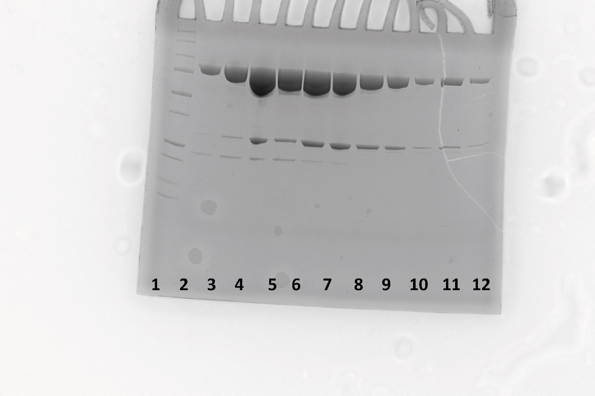
Suplemenatry fig 2c | SDS-PAGE showing the purified FucOB. 1: protein ladder 2: Final purification step FucOB fraction. 3-12: Different purification steps of FucOB aliquots.

Supplementary fig. 10
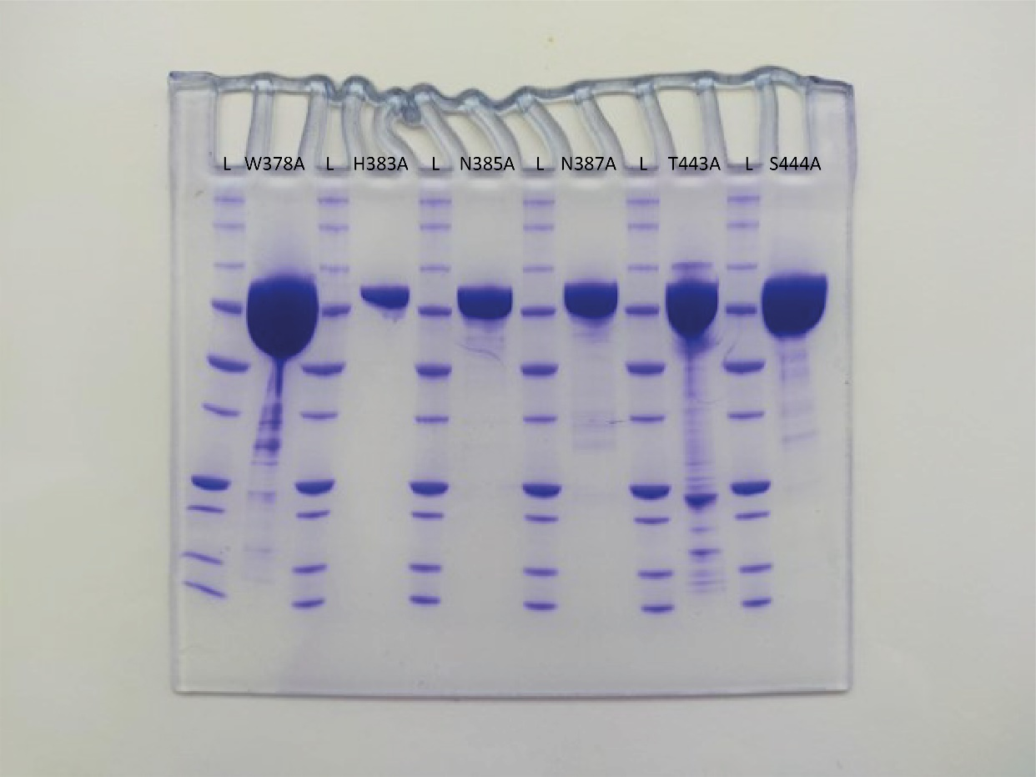
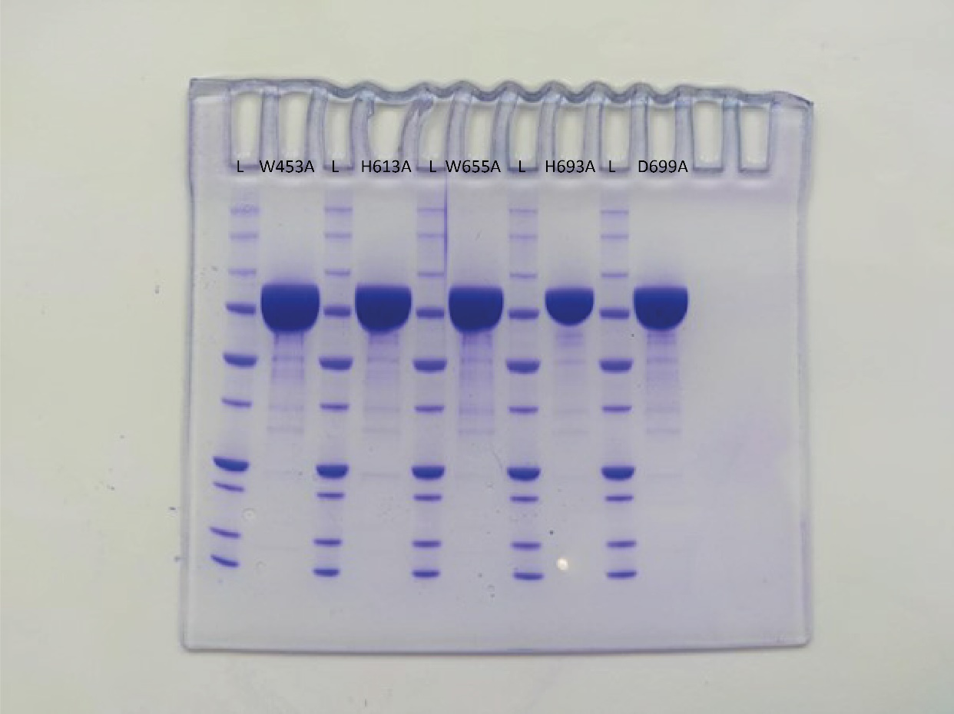
Supplementary fig. 10 | SDS-PAGE showing the FucOB mutants. L: protein ladder and the different mutants are shown in each columns top (W378A;H383A;N385A;N387A;T443A;S444A;W453A;H613A;W655A;H693A;D699A)

