Figure 1
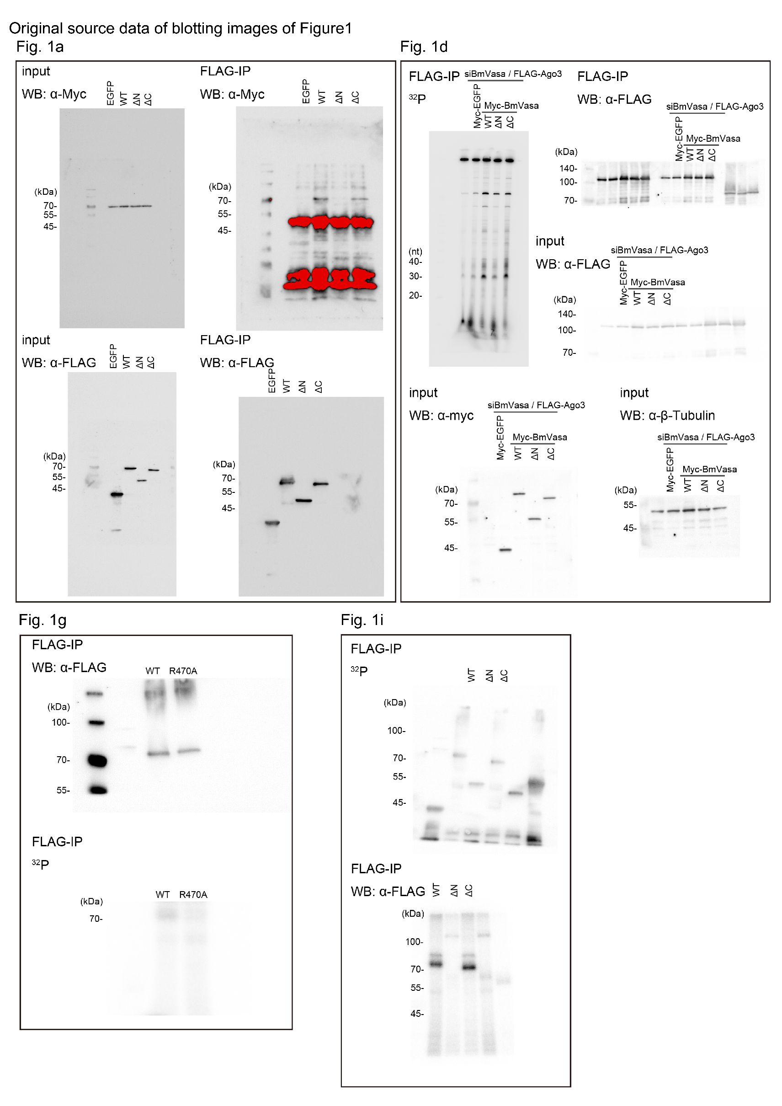

Supplementary Figure 1
Supplementary Figure 1a |  |  | Supplementary Figure 1e |  |  |  |  |  |  |  |  | Supplementary Figure 1f
BmVasa |  |  | /WT Ave | Rep0 | Rep1 | Rep2 | Rep4 | Rep5 | Rep6 | Mean | SE | Distance (µm) | RNA only | N-IDR | WT
amino acid number | amino acid | Disorder probability | EGFP | 0.021407741779 | 0.19082483759 | 0.0017197094125 | 0.074557576257 | 0.090996133585 | 0.034544909791 | 0.069008484833 | 0.027889556641 | 0.00E+00 | 6.57E+03 | 6.42E+03 | 5.53E+03
1 | M | 0.93 | WT | 1 | 1.6271746554 | 0.37282534459 | 0.67486516075 | 1.1489895803 | 1.1761452589 | 1 | 0.17754190177 | 9.62E+01 | 6.79E+03 | 6.72E+03 | 5.54E+03
2 | D | 0.92 | R470A | 0.7056478626 | 1.6067785001 | 1.0598241396 | 1.0710510706 | 2.0619256981 | 1.1962769299 | 1.2835840337 | 0.19554555373 | 1.92E+02 | 7.08E+03 | 7.34E+03 | 5.61E+03
3 | D | 0.88 |  |  |  |  |  |  |  |  |  | 2.88E+02 | 7.26E+03 | 6.97E+03 | 5.68E+03
4 | D | 0.92 |  |  |  |  |  |  |  |  |  | 3.85E+02 | 7.56E+03 | 7.06E+03 | 5.71E+03
5 | W | 0.86 | vs |  | p-value |  |  |  |  |  |  | 4.81E+02 | 7.88E+03 | 7.21E+03 | 5.70E+03
6 | D | 0.89 | EGFP | WT | 0.0030627909786 |  |  |  |  |  |  | 5.77E+02 | 8.03E+03 | 7.40E+03 | 5.73E+03
7 | D | 0.89 | WT | R470 | 0.30841178926 |  |  |  |  |  |  | 6.73E+02 | 8.38E+03 | 7.59E+03 | 5.82E+03
8 | S | 0.92 | EGFP | R470 | 0.0014337329074 |  |  |  |  |  |  | 7.69E+02 | 8.84E+03 | 7.82E+03 | 5.82E+03
9 | C | 0.89 |  |  |  |  |  |  |  |  |  | 8.65E+02 | 9.13E+03 | 8.08E+03 | 5.92E+03
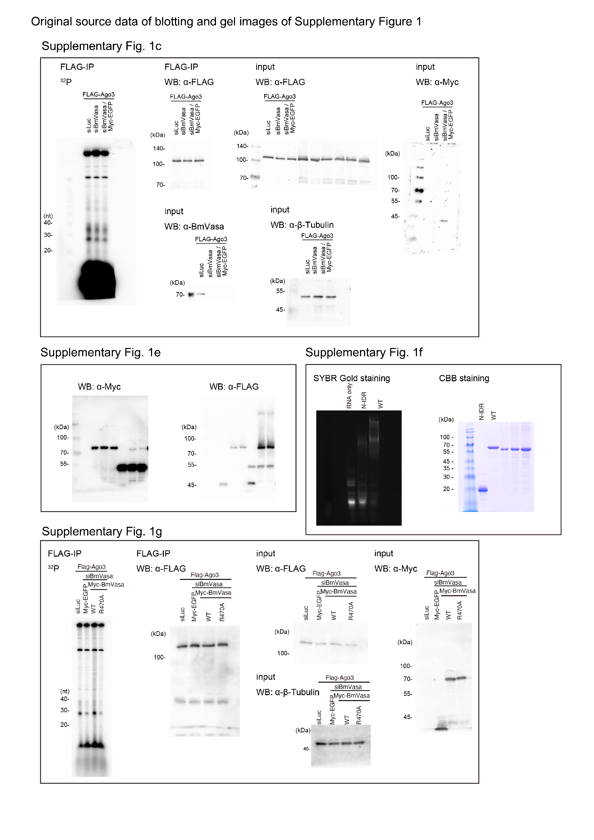
10 | E | 0.85 |  |  |  |  |  |  |  |  |  | 9.62E+02 | 9.54E+03 | 8.33E+03 | 5.97E+03
11 | A | 0.9 |  |  |  |  |  |  |  |  |  | 1.06E+03 | 9.97E+03 | 8.77E+03 | 6.03E+03
12 | V | 0.84 |  |  |  |  |  |  |  |  |  | 1.15E+03 | 1.04E+04 | 9.09E+03 | 6.15E+03
13 | V | 0.9 |  |  |  |  |  |  |  |  |  | 1.25E+03 | 1.10E+04 | 9.31E+03 | 6.19E+03
14 | V | 0.92 |  |  |  |  |  |  |  |  |  | 1.35E+03 | 1.15E+04 | 9.66E+03 | 6.22E+03
15 | P | 0.9 |  |  |  |  |  |  |  |  |  | 1.44E+03 | 1.20E+04 | 1.00E+04 | 6.35E+03
16 | P | 0.87 |  |  |  |  |  |  |  |  |  | 1.54E+03 | 1.25E+04 | 1.03E+04 | 6.47E+03
17 | P | 0.88 |  |  |  |  |  |  |  |  |  | 1.63E+03 | 1.30E+04 | 1.07E+04 | 6.43E+03
18 | P | 0.93 |  |  |  |  |  |  |  |  |  | 1.73E+03 | 1.36E+04 | 1.10E+04 | 6.52E+03
19 | L | 0.89 |  |  |  |  |  |  |  |  |  | 1.83E+03 | 1.40E+04 | 1.12E+04 | 6.56E+03
20 | Q | 0.95 |  |  |  |  |  |  |  |  |  | 1.92E+03 | 1.42E+04 | 1.13E+04 | 6.74E+03
21 | N | 0.96 |  |  |  |  |  |  |  |  |  | 2.02E+03 | 1.45E+04 | 1.16E+04 | 6.60E+03
22 | H | 0.97 |  |  |  |  |  |  |  |  |  | 2.12E+03 | 1.49E+04 | 1.16E+04 | 6.60E+03
23 | D | 0.97 |  |  |  |  |  |  |  |  |  | 2.21E+03 | 1.52E+04 | 1.18E+04 | 6.73E+03
24 | S | 0.97 |  |  |  |  |  |  |  |  |  | 2.31E+03 | 1.56E+04 | 1.21E+04 | 6.71E+03
25 | V | 0.97 |  |  |  |  |  |  |  |  |  | 2.40E+03 | 1.61E+04 | 1.24E+04 | 6.72E+03
26 | D | 0.97 |  |  |  |  |  |  |  |  |  | 2.50E+03 | 1.68E+04 | 1.28E+04 | 6.77E+03
27 | E | 0.97 |  |  |  |  |  |  |  |  |  | 2.60E+03 | 1.78E+04 | 1.35E+04 | 6.87E+03
28 | G | 0.97 |  |  |  |  |  |  |  |  |  | 2.69E+03 | 1.92E+04 | 1.42E+04 | 7.07E+03
29 | H | 0.97 |  |  |  |  |  |  |  |  |  | 2.79E+03 | 2.09E+04 | 1.52E+04 | 7.23E+03
30 | S | 0.96 |  |  |  |  |  |  |  |  |  | 2.88E+03 | 2.27E+04 | 1.64E+04 | 7.46E+03
31 | L | 0.96 |  |  |  |  |  |  |  |  |  | 2.98E+03 | 2.46E+04 | 1.76E+04 | 7.62E+03
32 | S | 0.96 |  |  |  |  |  |  |  |  |  | 3.08E+03 | 2.67E+04 | 1.90E+04 | 7.87E+03
33 | R | 0.96 |  |  |  |  |  |  |  |  |  | 3.17E+03 | 2.85E+04 | 2.02E+04 | 8.09E+03
34 | G | 0.95 |  |  |  |  |  |  |  |  |  | 3.27E+03 | 2.98E+04 | 2.16E+04 | 8.24E+03
35 | R | 0.95 |  |  |  |  |  |  |  |  |  | 3.37E+03 | 3.12E+04 | 2.27E+04 | 8.37E+03
36 | G | 0.95 |  |  |  |  |  |  |  |  |  | 3.46E+03 | 3.22E+04 | 2.36E+04 | 8.53E+03
37 | F | 0.95 |  |  |  |  |  |  |  |  |  | 3.56E+03 | 3.29E+04 | 2.42E+04 | 8.53E+03
38 | P | 0.95 |  |  |  |  |  |  |  |  |  | 3.65E+03 | 3.34E+04 | 2.46E+04 | 8.53E+03
39 | S | 0.94 |  |  |  |  |  |  |  |  |  | 3.75E+03 | 3.34E+04 | 2.47E+04 | 8.62E+03
40 | F | 0.94 |  |  |  |  |  |  |  |  |  | 3.85E+03 | 3.34E+04 | 2.47E+04 | 8.65E+03
41 | N | 0.94 |  |  |  |  |  |  |  |  |  | 3.94E+03 | 3.30E+04 | 2.44E+04 | 8.58E+03
42 | E | 0.95 |  |  |  |  |  |  |  |  |  | 4.04E+03 | 3.22E+04 | 2.38E+04 | 8.43E+03
43 | D | 0.94 |  |  |  |  |  |  |  |  |  | 4.13E+03 | 3.13E+04 | 2.30E+04 | 8.33E+03
44 | D | 0.93 |  |  |  |  |  |  |  |  |  | 4.23E+03 | 3.01E+04 | 2.24E+04 | 8.32E+03
45 | E | 0.93 |  |  |  |  |  |  |  |  |  | 4.33E+03 | 2.85E+04 | 2.18E+04 | 8.13E+03
46 | K | 0.93 |  |  |  |  |  |  |  |  |  | 4.42E+03 | 2.66E+04 | 2.11E+04 | 8.09E+03
47 | E | 0.94 |  |  |  |  |  |  |  |  |  | 4.52E+03 | 2.47E+04 | 2.04E+04 | 8.08E+03
48 | N | 0.95 |  |  |  |  |  |  |  |  |  | 4.62E+03 | 2.29E+04 | 1.99E+04 | 8.03E+03
49 | G | 0.96 |  |  |  |  |  |  |  |  |  | 4.71E+03 | 2.13E+04 | 1.95E+04 | 7.93E+03
50 | Y | 0.95 |  |  |  |  |  |  |  |  |  | 4.81E+03 | 1.98E+04 | 1.92E+04 | 7.97E+03
51 | G | 0.94 |  |  |  |  |  |  |  |  |  | 4.90E+03 | 1.89E+04 | 1.89E+04 | 7.82E+03
52 | E | 0.94 |  |  |  |  |  |  |  |  |  | 5.00E+03 | 1.82E+04 | 1.89E+04 | 7.65E+03
53 | R | 0.93 |  |  |  |  |  |  |  |  |  | 5.10E+03 | 1.75E+04 | 1.86E+04 | 7.79E+03
54 | R | 0.94 |  |  |  |  |  |  |  |  |  | 5.19E+03 | 1.69E+04 | 1.84E+04 | 7.61E+03
55 | G | 0.95 |  |  |  |  |  |  |  |  |  | 5.29E+03 | 1.62E+04 | 1.80E+04 | 7.44E+03
56 | R | 0.95 |  |  |  |  |  |  |  |  |  | 5.38E+03 | 1.56E+04 | 1.76E+04 | 7.34E+03
57 | G | 0.95 |  |  |  |  |  |  |  |  |  | 5.48E+03 | 1.47E+04 | 1.71E+04 | 7.29E+03
58 | G | 0.95 |  |  |  |  |  |  |  |  |  | 5.58E+03 | 1.40E+04 | 1.66E+04 | 7.20E+03
59 | R | 0.95 |  |  |  |  |  |  |  |  |  | 5.67E+03 | 1.31E+04 | 1.60E+04 | 7.12E+03
60 | G | 0.96 |  |  |  |  |  |  |  |  |  | 5.77E+03 | 1.23E+04 | 1.55E+04 | 7.01E+03
61 | G | 0.96 |  |  |  |  |  |  |  |  |  | 5.87E+03 | 1.15E+04 | 1.49E+04 | 6.91E+03
62 | G | 0.96 |  |  |  |  |  |  |  |  |  | 5.96E+03 | 1.08E+04 | 1.45E+04 | 7.21E+03
63 | R | 0.96 |  |  |  |  |  |  |  |  |  | 6.06E+03 | 1.01E+04 | 1.43E+04 | 6.94E+03
64 | G | 0.95 |  |  |  |  |  |  |  |  |  | 6.15E+03 | 9.62E+03 | 1.40E+04 | 6.93E+03
65 | R | 0.95 |  |  |  |  |  |  |  |  |  | 6.25E+03 | 9.31E+03 | 1.35E+04 | 6.91E+03
66 | G | 0.96 |  |  |  |  |  |  |  |  |  | 6.35E+03 | 8.99E+03 | 1.32E+04 | 6.93E+03
67 | G | 0.95 |  |  |  |  |  |  |  |  |  | 6.44E+03 | 8.78E+03 | 1.31E+04 | 6.91E+03
68 | R | 0.95 |  |  |  |  |  |  |  |  |  | 6.54E+03 | 8.67E+03 | 1.28E+04 | 6.82E+03
69 | G | 0.96 |  |  |  |  |  |  |  |  |  | 6.63E+03 | 8.59E+03 | 1.28E+04 | 6.93E+03
70 | G | 0.95 |  |  |  |  |  |  |  |  |  | 6.73E+03 | 8.57E+03 | 1.26E+04 | 6.90E+03
71 | R | 0.95 |  |  |  |  |  |  |  |  |  | 6.83E+03 | 8.53E+03 | 1.24E+04 | 6.81E+03
72 | G | 0.96 |  |  |  |  |  |  |  |  |  | 6.92E+03 | 8.34E+03 | 1.23E+04 | 6.76E+03
73 | G | 0.97 |  |  |  |  |  |  |  |  |  | 7.02E+03 | 8.37E+03 | 1.22E+04 | 6.81E+03
74 | S | 0.97 |  |  |  |  |  |  |  |  |  | 7.12E+03 | 8.26E+03 | 1.19E+04 | 6.74E+03
75 | R | 0.96 |  |  |  |  |  |  |  |  |  | 7.21E+03 | 8.14E+03 | 1.18E+04 | 6.74E+03
76 | E | 0.96 |  |  |  |  |  |  |  |  |  | 7.31E+03 | 7.99E+03 | 1.16E+04 | 6.67E+03
77 | Q | 0.96 |  |  |  |  |  |  |  |  |  | 7.40E+03 | 7.81E+03 | 1.15E+04 | 6.65E+03
78 | H | 0.96 |  |  |  |  |  |  |  |  |  | 7.50E+03 | 7.60E+03 | 1.15E+04 | 6.61E+03
79 | S | 0.96 |  |  |  |  |  |  |  |  |  | 7.60E+03 | 7.56E+03 | 1.11E+04 | 6.54E+03
80 | D | 0.96 |  |  |  |  |  |  |  |  |  | 7.69E+03 | 7.44E+03 | 1.09E+04 | 6.50E+03
81 | Y | 0.95 |  |  |  |  |  |  |  |  |  | 7.79E+03 | 7.33E+03 | 1.07E+04 | 6.61E+03
82 | E | 0.96 |  |  |  |  |  |  |  |  |  | 7.88E+03 | 7.34E+03 | 1.06E+04 | 6.56E+03
83 | T | 0.97 |  |  |  |  |  |  |  |  |  | 7.98E+03 | 7.34E+03 | 1.06E+04 | 6.62E+03
84 | N | 0.97 |  |  |  |  |  |  |  |  |  | 8.08E+03 | 7.38E+03 | 1.07E+04 | 6.73E+03
85 | G | 0.96 |  |  |  |  |  |  |  |  |  | 8.17E+03 | 7.41E+03 | 1.07E+04 | 6.87E+03
86 | D | 0.96 |  |  |  |  |  |  |  |  |  | 8.27E+03 | 7.63E+03 | 1.06E+04 | 6.90E+03
87 | H | 0.97 |  |  |  |  |  |  |  |  |  | 8.37E+03 | 7.92E+03 | 1.07E+04 | 7.12E+03
88 | D | 0.97 |  |  |  |  |  |  |  |  |  | 8.46E+03 | 7.93E+03 | 1.09E+04 | 7.17E+03
89 | D | 0.98 |  |  |  |  |  |  |  |  |  | 8.56E+03 | 8.33E+03 | 1.08E+04 | 7.16E+03
90 | R | 0.97 |  |  |  |  |  |  |  |  |  | 8.65E+03 | 8.48E+03 | 1.08E+04 | 7.15E+03
91 | G | 0.97 |  |  |  |  |  |  |  |  |  | 8.75E+03 | 8.60E+03 | 1.07E+04 | 7.15E+03
92 | R | 0.98 |  |  |  |  |  |  |  |  |  | 8.85E+03 | 8.55E+03 | 1.07E+04 | 7.02E+03
93 | G | 0.98 |  |  |  |  |  |  |  |  |  | 8.94E+03 | 8.54E+03 | 1.05E+04 | 6.99E+03
94 | E | 0.98 |  |  |  |  |  |  |  |  |  | 9.04E+03 | 8.35E+03 | 1.04E+04 | 6.83E+03
95 | R | 0.98 |  |  |  |  |  |  |  |  |  | 9.13E+03 | 8.11E+03 | 1.03E+04 | 6.67E+03
96 | G | 0.98 |  |  |  |  |  |  |  |  |  | 9.23E+03 | 8.03E+03 | 9.86E+03 | 6.55E+03
97 | R | 0.98 |  |  |  |  |  |  |  |  |  | 9.33E+03 | 7.58E+03 | 9.63E+03 | 6.39E+03
98 | G | 0.98 |  |  |  |  |  |  |  |  |  | 9.42E+03 | 7.19E+03 | 9.41E+03 | 6.39E+03
99 | R | 0.98 |  |  |  |  |  |  |  |  |  | 9.52E+03 | 6.98E+03 | 9.16E+03 | 6.16E+03
100 | G | 0.98 |  |  |  |  |  |  |  |  |  | 9.62E+03 | 6.73E+03 | 8.95E+03 | 6.08E+03
101 | R | 0.97 |  |  |  |  |  |  |  |  |  | 9.71E+03 | 6.52E+03 | 8.79E+03 | 6.19E+03
102 | G | 0.97 |  |  |  |  |  |  |  |  |  | 9.81E+03 | 6.29E+03 | 8.63E+03 | 6.12E+03
103 | G | 0.97 |  |  |  |  |  |  |  |  |  | 9.90E+03 | 6.24E+03 | 8.47E+03 | 6.03E+03
104 | R | 0.97 |  |  |  |  |  |  |  |  |  | 1.00E+04 | 6.33E+03 | 8.37E+03 | 6.02E+03
105 | G | 0.97 |  |  |  |  |  |  |  |  |  | 1.01E+04 | 6.04E+03 | 8.23E+03 | 5.90E+03
106 | G | 0.97 |  |  |  |  |  |  |  |  |  | 1.02E+04 | 5.97E+03 | 8.02E+03 | 5.79E+03
107 | G | 0.97 |  |  |  |  |  |  |  |  |  | 1.03E+04 | 5.83E+03 | 8.00E+03 | 5.88E+03
108 | R | 0.97 |  |  |  |  |  |  |  |  |  | 1.04E+04 | 5.77E+03 | 7.88E+03 | 5.78E+03
109 | G | 0.96 |  |  |  |  |  |  |  |  |  | 1.05E+04 | 5.70E+03 | 7.79E+03 | 5.75E+03
110 | G | 0.96 |  |  |  |  |  |  |  |  |  | 1.06E+04 | 5.62E+03 | 7.67E+03 | 5.67E+03
111 | G | 0.96 |  |  |  |  |  |  |  |  |  | 1.07E+04 | 5.46E+03 | 7.52E+03 | 5.64E+03
112 | G | 0.96 |  |  |  |  |  |  |  |  |  | 1.08E+04 | 5.45E+03 | 7.39E+03 | 5.63E+03
113 | G | 0.97 |  |  |  |  |  |  |  |  |  | 1.09E+04 | 5.36E+03 | 7.31E+03 | 5.79E+03
114 | G | 0.97 |  |  |  |  |  |  |  |  |  | 1.10E+04 | 5.37E+03 | 7.27E+03 | 5.62E+03
115 | G | 0.98 |  |  |  |  |  |  |  |  |  | 1.11E+04 | 5.39E+03 | 7.13E+03 | 5.56E+03
116 | D | 0.98 |  |  |  |  |  |  |  |  |  | 1.12E+04 | 5.32E+03 | 7.05E+03 | 5.53E+03
117 | R | 0.98 |  |  |  |  |  |  |  |  |  | 1.12E+04 | 5.37E+03 | 7.08E+03 | 5.57E+03
118 | N | 0.97 |  |  |  |  |  |  |  |  |  | 1.13E+04 | 5.24E+03 | 7.02E+03 | 5.50E+03
119 | D | 0.97 |  |  |  |  |  |  |  |  |  | 1.14E+04 | 5.27E+03 | 7.06E+03 | 5.52E+03
120 | Y | 0.96 |  |  |  |  |  |  |  |  |  | 1.15E+04 | 5.26E+03 | 6.92E+03 | 5.59E+03
121 | E | 0.96 |  |  |  |  |  |  |  |  |  | 1.16E+04 | 5.38E+03 | 6.90E+03 | 5.59E+03
122 | D | 0.94 |  |  |  |  |  |  |  |  |  | 1.17E+04 | 5.39E+03 | 6.81E+03 | 5.47E+03
123 | N | 0.91 |  |  |  |  |  |  |  |  |  | 1.18E+04 | 5.48E+03 | 6.80E+03 | 5.57E+03
124 | E | 0.87 |  |  |  |  |  |  |  |  |  | 1.19E+04 | 5.53E+03 | 6.87E+03 | 5.51E+03
125 | I | 0.83 |  |  |  |  |  |  |  |  |  | 1.20E+04 | 5.71E+03 | 6.72E+03 | 5.54E+03
126 | G | 0.77 |  |  |  |  |  |  |  |  |  | 1.21E+04 | 5.71E+03 | 6.74E+03 | 5.50E+03
127 | E | 0.76 |  |  |  |  |  |  |  |  |  | 1.22E+04 | 5.92E+03 | 6.78E+03 | 5.56E+03
128 | N | 0.67 |  |  |  |  |  |  |  |  |  | 1.23E+04 | 6.09E+03 | 6.81E+03 | 5.57E+03
129 | G | 0.57 |  |  |  |  |  |  |  |  |  | 1.24E+04 | 6.31E+03 | 6.84E+03 | 5.66E+03
130 | E | 0.48 |  |  |  |  |  |  |  |  |  | 1.25E+04 | 6.52E+03 | 6.91E+03 | 5.64E+03
131 | T | 0.37 |  |  |  |  |  |  |  |  |  | 1.26E+04 | 6.92E+03 | 6.89E+03 | 5.74E+03
132 | K | 0.28 |  |  |  |  |  |  |  |  |  | 1.27E+04 | 7.40E+03 | 7.04E+03 | 5.71E+03
133 | K | 0.26 |  |  |  |  |  |  |  |  |  | 1.28E+04 | 7.95E+03 | 7.20E+03 | 5.89E+03
134 | P | 0.23 |  |  |  |  |  |  |  |  |  | 1.29E+04 | 8.37E+03 | 7.33E+03 | 5.96E+03
135 | V | 0.18 |  |  |  |  |  |  |  |  |  | 1.30E+04 | 8.98E+03 | 7.40E+03 | 6.01E+03
136 | T | 0.16 |  |  |  |  |  |  |  |  |  | 1.31E+04 | 9.54E+03 | 7.47E+03 | 6.08E+03
137 | Y | 0.15 |  |  |  |  |  |  |  |  |  | 1.32E+04 | 1.02E+04 | 7.65E+03 | 6.14E+03
138 | V | 0.12 |  |  |  |  |  |  |  |  |  | 1.33E+04 | 1.07E+04 | 7.70E+03 | 6.16E+03
139 | P | 0.11 |  |  |  |  |  |  |  |  |  | 1.34E+04 | 1.13E+04 | 7.80E+03 | 6.21E+03
140 | P | 0.08 |  |  |  |  |  |  |  |  |  | 1.35E+04 | 1.15E+04 | 7.80E+03 | 6.20E+03
141 | E | 0.11 |  |  |  |  |  |  |  |  |  | 1.36E+04 | 1.18E+04 | 7.83E+03 | 6.19E+03
142 | P | 0.1 |  |  |  |  |  |  |  |  |  | 1.37E+04 | 1.18E+04 | 7.80E+03 | 6.12E+03
143 | T | 0.11 |  |  |  |  |  |  |  |  |  | 1.38E+04 | 1.18E+04 | 7.76E+03 | 6.10E+03
144 | N | 0.16 |  |  |  |  |  |  |  |  |  | 1.38E+04 | 1.16E+04 | 7.58E+03 | 5.89E+03
145 | D | 0.15 |  |  |  |  |  |  |  |  |  | 1.39E+04 | 1.16E+04 | 7.44E+03 | 5.89E+03
146 | E | 0.18 |  |  |  |  |  |  |  |  |  | 1.40E+04 | 1.13E+04 | 7.44E+03 | 5.82E+03
147 | T | 0.21 |  |  |  |  |  |  |  |  |  | 1.41E+04 | 1.11E+04 | 7.32E+03 | 5.74E+03
148 | E | 0.28 |  |  |  |  |  |  |  |  |  | 1.42E+04 | 1.08E+04 | 7.24E+03 | 5.63E+03
149 | I | 0.25 |  |  |  |  |  |  |  |  |  | 1.43E+04 | 1.08E+04 | 7.09E+03 | 5.59E+03
150 | F | 0.23 |  |  |  |  |  |  |  |  |  | 1.44E+04 | 1.06E+04 | 7.15E+03 | 5.52E+03
151 | S | 0.25 |  |  |  |  |  |  |  |  |  | 1.45E+04 | 1.08E+04 | 7.03E+03 | 5.43E+03
152 | S | 0.21 |  |  |  |  |  |  |  |  |  | 1.46E+04 | 1.06E+04 | 6.91E+03 | 5.41E+03
153 | T | 0.22 |  |  |  |  |  |  |  |  |  | 1.47E+04 | 1.07E+04 | 6.82E+03 | 5.47E+03
154 | I | 0.21 |  |  |  |  |  |  |  |  |  | 1.48E+04 | 1.09E+04 | 6.78E+03 | 5.39E+03
155 | S | 0.24 |  |  |  |  |  |  |  |  |  | 1.49E+04 | 1.10E+04 | 6.78E+03 | 5.47E+03
156 | S | 0.19 |  |  |  |  |  |  |  |  |  | 1.50E+04 | 1.11E+04 | 6.69E+03 | 5.37E+03
157 | G | 0.17 |  |  |  |  |  |  |  |  |  | 1.51E+04 | 1.11E+04 | 6.66E+03 | 5.35E+03
158 | I | 0.18 |  |  |  |  |  |  |  |  |  | 1.52E+04 | 1.10E+04 | 6.51E+03 | 5.30E+03
159 | N | 0.15 |  |  |  |  |  |  |  |  |  | 1.53E+04 | 1.08E+04 | 6.57E+03 | 5.34E+03
160 | F | 0.13 |  |  |  |  |  |  |  |  |  | 1.54E+04 | 1.07E+04 | 6.51E+03 | 5.34E+03
161 | D | 0.14 |  |  |  |  |  |  |  |  |  | 1.55E+04 | 1.04E+04 | 6.47E+03 | 5.29E+03
162 | K | 0.12 |  |  |  |  |  |  |  |  |  | 1.56E+04 | 1.00E+04 | 6.42E+03 | 5.28E+03
163 | F | 0.07 |  |  |  |  |  |  |  |  |  | 1.57E+04 | 9.56E+03 | 6.34E+03 | 5.26E+03
164 | D | 0.06 |  |  |  |  |  |  |  |  |  | 1.58E+04 | 9.37E+03 | 6.28E+03 | 5.29E+03
165 | H | 0.04 |  |  |  |  |  |  |  |  |  | 1.59E+04 | 9.02E+03 | 6.21E+03 | 5.23E+03
166 | I | 0.03 |  |  |  |  |  |  |  |  |  | 1.60E+04 | 8.79E+03 | 6.17E+03 | 5.17E+03
167 | A | 0.02 |  |  |  |  |  |  |  |  |  | 1.61E+04 | 8.44E+03 | 6.13E+03 | 5.18E+03
168 | V | 0.02 |  |  |  |  |  |  |  |  |  | 1.62E+04 | 8.15E+03 | 5.99E+03 | 5.08E+03
169 | K | 0.02 |  |  |  |  |  |  |  |  |  | 1.62E+04 | 7.91E+03 | 5.97E+03 | 5.17E+03
170 | V | 0.02 |  |  |  |  |  |  |  |  |  | 1.63E+04 | 7.56E+03 | 5.88E+03 | 5.11E+03
171 | S | 0.02 |  |  |  |  |  |  |  |  |  | 1.64E+04 | 7.28E+03 | 5.90E+03 | 5.19E+03
172 | G | 0.02 |  |  |  |  |  |  |  |  |  | 1.65E+04 | 7.15E+03 | 5.88E+03 | 5.16E+03
173 | E | 0.02 |  |  |  |  |  |  |  |  |  | 1.66E+04 | 6.86E+03 | 5.77E+03 | 5.11E+03
174 | N | 0.02 |  |  |  |  |  |  |  |  |  | 1.67E+04 | 6.72E+03 | 5.68E+03 | 5.19E+03
175 | P | 0.01 |  |  |  |  |  |  |  |  |  | 1.68E+04 | 6.54E+03 | 5.67E+03 | 5.22E+03
176 | P | 0.02 |  |  |  |  |  |  |  |  |  | 1.69E+04 | 6.48E+03 | 5.60E+03 | 5.18E+03
177 | R | 0.02 |  |  |  |  |  |  |  |  |  | 1.70E+04 | 6.54E+03 | 5.65E+03 | 5.14E+03
178 | P | 0.02 |  |  |  |  |  |  |  |  |  | 1.71E+04 | 6.31E+03 | 5.52E+03 | 5.15E+03
179 | I | 0.01 |  |  |  |  |  |  |  |  |  | 1.72E+04 | 6.26E+03 | 5.47E+03 | 5.11E+03
180 | E | 0.01 |  |  |  |  |  |  |  |  |  | 1.73E+04 | 6.18E+03 | 5.53E+03 | 5.20E+03
181 | S | 0.01 |  |  |  |  |  |  |  |  |  | 1.74E+04 | 6.12E+03 | 5.55E+03 | 5.10E+03
182 | F | 0.01 |  |  |  |  |  |  |  |  |  | 1.75E+04 | 6.10E+03 | 5.74E+03 | 5.20E+03
183 | E | 0.02 |  |  |  |  |  |  |  |  |  | 1.76E+04 | 5.93E+03 | 6.15E+03 | 5.09E+03
184 | T | 0.01 |  |  |  |  |  |  |  |  |  | 1.77E+04 | 5.89E+03 | 5.53E+03 | 5.11E+03
185 | A | 0.01 |  |  |  |  |  |  |  |  |  | 1.78E+04 | 5.80E+03 | 5.46E+03 | 5.16E+03
186 | N | 0.01 |  |  |  |  |  |  |  |  |  | 1.79E+04 | 5.78E+03 | 5.45E+03 | 5.09E+03
187 | L | 0.01 |  |  |  |  |  |  |  |  |  | 1.80E+04 | 5.59E+03 | 5.52E+03 | 5.27E+03
188 | R | 0.01 |  |  |  |  |  |  |  |  |  | 1.81E+04 | 5.55E+03 | 5.71E+03 | 6.09E+03
189 | K | 0.01 |  |  |  |  |  |  |  |  |  | 1.82E+04 | 5.46E+03 | 5.55E+03 | 5.33E+03
190 | Y | 0.01 |  |  |  |  |  |  |  |  |  | 1.83E+04 | 5.48E+03 | 5.43E+03 | 5.35E+03
191 | V | 0.01 |  |  |  |  |  |  |  |  |  | 1.84E+04 | 5.38E+03 | 5.41E+03 | 5.39E+03
192 | L | 0.01 |  |  |  |  |  |  |  |  |  | 1.85E+04 | 5.40E+03 | 5.42E+03 | 5.22E+03
193 | D | 0.01 |  |  |  |  |  |  |  |  |  | 1.86E+04 | 5.32E+03 | 5.59E+03 | 5.14E+03
194 | N | 0.01 |  |  |  |  |  |  |  |  |  | 1.87E+04 | 5.28E+03 | 6.57E+03 | 5.35E+03
195 | V | 0.01 |  |  |  |  |  |  |  |  |  | 1.88E+04 | 5.35E+03 | 5.76E+03 | 5.42E+03
196 | L | 0.01 |  |  |  |  |  |  |  |  |  | 1.88E+04 | 5.24E+03 | 5.42E+03 | 5.22E+03
197 | K | 0.01 |  |  |  |  |  |  |  |  |  | 1.89E+04 | 5.24E+03 | 5.45E+03 | 5.18E+03
198 | A | 0.01 |  |  |  |  |  |  |  |  |  | 1.90E+04 | 5.28E+03 | 5.39E+03 | 5.12E+03
199 | G | 0.02 |  |  |  |  |  |  |  |  |  | 1.91E+04 | 5.39E+03 | 5.38E+03 | 5.14E+03
200 | Y | 0.03 |  |  |  |  |  |  |  |  |  | 1.92E+04 | 5.25E+03 | 5.41E+03 | 5.17E+03
201 | R | 0.03 |  |  |  |  |  |  |  |  |  | 1.93E+04 | 5.25E+03 | 5.55E+03 | 5.27E+03
202 | K | 0.04 |  |  |  |  |  |  |  |  |  | 1.94E+04 | 5.25E+03 | 5.59E+03 | 5.12E+03
203 | P | 0.06 |  |  |  |  |  |  |  |  |  | 1.95E+04 | 5.32E+03 | 5.32E+03 | 5.21E+03
204 | T | 0.07 |  |  |  |  |  |  |  |  |  | 1.96E+04 | 5.26E+03 | 5.48E+03 | 5.12E+03
205 | P | 0.07 |  |  |  |  |  |  |  |  |  | 1.97E+04 | 5.29E+03 | 5.44E+03 | 5.09E+03
206 | I | 0.13 |  |  |  |  |  |  |  |  |  | 1.98E+04 | 5.28E+03 | 5.35E+03 | 5.14E+03
207 | Q | 0.11 |  |  |  |  |  |  |  |  |  | 1.99E+04 | 5.40E+03 | 5.40E+03 | 5.10E+03
208 | K | 0.11 |  |  |  |  |  |  |  |  |  | 2.00E+04 | 5.44E+03 | 5.43E+03 | 5.16E+03
209 | N | 0.11 |  |  |  |  |  |  |  |  |  | 2.01E+04 | 5.52E+03 | 5.30E+03 | 5.15E+03
210 | A | 0.11 |  |  |  |  |  |  |  |  |  | 2.02E+04 | 5.56E+03 | 5.38E+03 | 5.14E+03
211 | I | 0.11 |  |  |  |  |  |  |  |  |  | 2.03E+04 | 5.65E+03 | 5.34E+03 | 5.12E+03
212 | P | 0.08 |  |  |  |  |  |  |  |  |  | 2.04E+04 | 5.72E+03 | 5.33E+03 | 5.18E+03
213 | I | 0.06 |  |  |  |  |  |  |  |  |  | 2.05E+04 | 5.73E+03 | 5.43E+03 | 5.18E+03
214 | I | 0.04 |  |  |  |  |  |  |  |  |  | 2.06E+04 | 5.74E+03 | 5.38E+03 | 5.15E+03
215 | M | 0.03 |  |  |  |  |  |  |  |  |  | 2.07E+04 | 5.80E+03 | 5.33E+03 | 5.20E+03
216 | S | 0.04 |  |  |  |  |  |  |  |  |  | 2.08E+04 | 5.73E+03 | 5.41E+03 | 5.16E+03
217 | G | 0.03 |  |  |  |  |  |  |  |  |  | 2.09E+04 | 5.73E+03 | 5.30E+03 | 5.19E+03
218 | R | 0.04 |  |  |  |  |  |  |  |  |  | 2.10E+04 | 5.79E+03 | 5.31E+03 | 5.12E+03
219 | D | 0.05 |  |  |  |  |  |  |  |  |  | 2.11E+04 | 5.84E+03 | 5.33E+03 | 5.18E+03
220 | L | 0.05 |  |  |  |  |  |  |  |  |  | 2.12E+04 | 5.81E+03 | 5.38E+03 | 5.19E+03
221 | M | 0.08 |  |  |  |  |  |  |  |  |  | 2.12E+04 | 5.81E+03 | 5.26E+03 | 5.12E+03
222 | G | 0.12 |  |  |  |  |  |  |  |  |  | 2.13E+04 | 5.82E+03 | 5.36E+03 | 5.16E+03
223 | C | 0.29 |  |  |  |  |  |  |  |  |  | 2.14E+04 | 5.86E+03 | 5.34E+03 | 5.12E+03
224 | A | 0.22 |  |  |  |  |  |  |  |  |  | 2.15E+04 | 5.80E+03 | 5.34E+03 | 5.22E+03
225 | Q | 0.19 |  |  |  |  |  |  |  |  |  | 2.16E+04 | 5.76E+03 | 5.38E+03 | 5.23E+03
226 | T | 0.17 |  |  |  |  |  |  |  |  |  | 2.17E+04 | 5.76E+03 | 5.40E+03 | 5.07E+03
227 | G | 0.14 |  |  |  |  |  |  |  |  |  | 2.18E+04 | 5.69E+03 | 5.47E+03 | 5.16E+03
228 | S | 0.15 |  |  |  |  |  |  |  |  |  | 2.19E+04 | 5.69E+03 | 5.28E+03 | 5.14E+03
229 | G | 0.13 |  |  |  |  |  |  |  |  |  | 2.20E+04 | 5.62E+03 | 5.25E+03 | 5.15E+03
230 | K | 0.12 |  |  |  |  |  |  |  |  |  | 2.21E+04 | 5.64E+03 | 5.35E+03 | 5.15E+03
231 | T | 0.08 |  |  |  |  |  |  |  |  |  | 2.22E+04 | 5.60E+03 | 5.20E+03 | 5.21E+03
232 | A | 0.06 |  |  |  |  |  |  |  |  |  | 2.23E+04 | 5.61E+03 | 5.29E+03 | 5.14E+03
233 | A | 0.04 |  |  |  |  |  |  |  |  |  | 2.24E+04 | 5.59E+03 | 5.29E+03 | 5.18E+03
234 | F | 0.04 |  |  |  |  |  |  |  |  |  | 2.25E+04 | 5.56E+03 | 5.37E+03 | 5.21E+03
235 | L | 0.03 |  |  |  |  |  |  |  |  |  | 2.26E+04 | 5.52E+03 | 5.38E+03 | 5.15E+03
236 | V | 0.02 |  |  |  |  |  |  |  |  |  | 2.27E+04 | 5.50E+03 | 5.32E+03 | 5.18E+03
237 | P | 0.01 |  |  |  |  |  |  |  |  |  | 2.28E+04 | 5.42E+03 | 5.26E+03 | 5.13E+03
238 | I | 0.01 |  |  |  |  |  |  |  |  |  | 2.29E+04 | 5.35E+03 | 5.27E+03 | 5.13E+03
239 | I | 0.01 |  |  |  |  |  |  |  |  |  | 2.30E+04 | 5.32E+03 | 5.30E+03 | 5.12E+03
240 | N | 0.02 |  |  |  |  |  |  |  |  |  | 2.31E+04 | 5.34E+03 | 5.25E+03 | 5.16E+03
241 | M | 0.03 |  |  |  |  |  |  |  |  |  | 2.32E+04 | 5.25E+03 | 5.30E+03 | 5.17E+03
242 | L | 0.04 |  |  |  |  |  |  |  |  |  | 2.33E+04 | 5.16E+03 | 5.28E+03 | 5.12E+03
243 | L | 0.05 |  |  |  |  |  |  |  |  |  | 2.34E+04 | 5.19E+03 | 5.20E+03 | 5.22E+03
244 | Q | 0.06 |  |  |  |  |  |  |  |  |  | 2.35E+04 | 5.08E+03 | 5.29E+03 | 5.12E+03
245 | D | 0.09 |  |  |  |  |  |  |  |  |  | 2.36E+04 | 5.13E+03 | 5.18E+03 | 5.10E+03
246 | P | 0.16 |  |  |  |  |  |  |  |  |  | 2.37E+04 | 5.12E+03 | 5.26E+03 | 5.20E+03
247 | K | 0.19 |  |  |  |  |  |  |  |  |  | 2.38E+04 | 5.03E+03 | 5.22E+03 | 5.15E+03
248 | D | 0.2 |  |  |  |  |  |  |  |  |  | 2.38E+04 | 5.06E+03 | 5.27E+03 | 5.19E+03
249 | L | 0.23 |  |  |  |  |  |  |  |  |  | 2.39E+04 | 5.00E+03 | 5.28E+03 | 5.21E+03
250 | I | 0.28 |  |  |  |  |  |  |  |  |  | 2.40E+04 | 5.10E+03 | 5.35E+03 | 5.18E+03
251 | S | 0.28 |  |  |  |  |  |  |  |  |  | 2.41E+04 | 5.02E+03 | 5.37E+03 | 5.29E+03
252 | E | 0.25 |  |  |  |  |  |  |  |  |  | 2.42E+04 | 5.02E+03 | 5.28E+03 | 5.27E+03
253 | N | 0.25 |  |  |  |  |  |  |  |  |  | 2.43E+04 | 4.91E+03 | 5.27E+03 | 5.17E+03
254 | G | 0.21 |  |  |  |  |  |  |  |  |  | 2.44E+04 | 5.03E+03 | 5.32E+03 | 5.20E+03
255 | C | 0.18 |  |  |  |  |  |  |  |  |  | 2.45E+04 | 5.00E+03 | 5.33E+03 | 5.14E+03
256 | A | 0.1 |  |  |  |  |  |  |  |  |  | 2.46E+04 | 4.97E+03 | 5.29E+03 | 5.12E+03
257 | Q | 0.05 |  |  |  |  |  |  |  |  |  | 2.47E+04 | 4.98E+03 | 5.28E+03 | 5.19E+03
258 | P | 0.04 |  |  |  |  |  |  |  |  |  | 2.48E+04 | 4.91E+03 | 5.35E+03 | 5.21E+03
259 | Q | 0.02 |  |  |  |  |  |  |  |  |  | 2.49E+04 | 4.93E+03 | 5.38E+03 | 5.15E+03
260 | V | 0.02 |  |  |  |  |  |  |  |  |  | 2.50E+04 | 4.96E+03 | 5.36E+03 | 5.25E+03
261 | I | 0.01 |  |  |  |  |  |  |  |  |  | 2.51E+04 | 4.92E+03 | 5.37E+03 | 5.18E+03
262 | I | 0.01 |  |  |  |  |  |  |  |  |  | 2.52E+04 | 4.88E+03 | 5.37E+03 | 5.21E+03
263 | V | 0.01 |  |  |  |  |  |  |  |  |  | 2.53E+04 | 4.92E+03 | 5.34E+03 | 5.23E+03
264 | S | 0.01 |  |  |  |  |  |  |  |  |  | 2.54E+04 | 4.92E+03 | 5.42E+03 | 5.24E+03
265 | P | 0.03 |  |  |  |  |  |  |  |  |  | 2.55E+04 | 4.92E+03 | 5.40E+03 | 5.19E+03
266 | T | 0.03 |  |  |  |  |  |  |  |  |  | 2.56E+04 | 4.90E+03 | 5.38E+03 | 5.22E+03
267 | R | 0.04 |  |  |  |  |  |  |  |  |  | 2.57E+04 | 4.89E+03 | 5.35E+03 | 5.17E+03
268 | E | 0.05 |  |  |  |  |  |  |  |  |  | 2.58E+04 | 4.97E+03 | 5.36E+03 | 5.33E+03
269 | L | 0.07 |  |  |  |  |  |  |  |  |  | 2.59E+04 | 5.03E+03 | 5.38E+03 | 5.24E+03
270 | T | 0.06 |  |  |  |  |  |  |  |  |  | 2.60E+04 | 4.98E+03 | 5.42E+03 | 5.34E+03
271 | L | 0.06 |  |  |  |  |  |  |  |  |  | 2.61E+04 | 5.02E+03 | 5.48E+03 | 5.29E+03
272 | Q | 0.09 |  |  |  |  |  |  |  |  |  | 2.62E+04 | 4.94E+03 | 5.36E+03 | 5.22E+03
273 | I | 0.06 |  |  |  |  |  |  |  |  |  | 2.62E+04 | 4.91E+03 | 5.44E+03 | 5.25E+03
274 | F | 0.05 |  |  |  |  |  |  |  |  |  | 2.63E+04 | 4.98E+03 | 5.46E+03 | 5.28E+03
275 | N | 0.05 |  |  |  |  |  |  |  |  |  | 2.64E+04 | 4.90E+03 | 5.44E+03 | 5.33E+03
276 | E | 0.04 |  |  |  |  |  |  |  |  |  | 2.65E+04 | 4.99E+03 | 5.39E+03 | 5.32E+03
277 | A | 0.04 |  |  |  |  |  |  |  |  |  | 2.66E+04 | 4.98E+03 | 5.50E+03 | 5.41E+03
278 | R | 0.04 |  |  |  |  |  |  |  |  |  | 2.67E+04 | 5.05E+03 | 5.42E+03 | 5.32E+03
279 | K | 0.04 |  |  |  |  |  |  |  |  |  | 2.68E+04 | 5.04E+03 | 5.48E+03 | 5.32E+03
280 | F | 0.02 |  |  |  |  |  |  |  |  |  | 2.69E+04 | 5.05E+03 | 5.54E+03 | 5.25E+03
281 | S | 0.02 |  |  |  |  |  |  |  |  |  | 2.70E+04 | 5.06E+03 | 5.46E+03 | 5.24E+03
282 | Y | 0.01 |  |  |  |  |  |  |  |  |  | 2.71E+04 | 5.04E+03 | 5.48E+03 | 5.27E+03
283 | G | 0.01 |  |  |  |  |  |  |  |  |  | 2.72E+04 | 5.04E+03 | 5.42E+03 | 5.31E+03
284 | S | 0.01 |  |  |  |  |  |  |  |  |  | 2.73E+04 | 5.17E+03 | 5.49E+03 | 5.38E+03
285 | V | 0.01 |  |  |  |  |  |  |  |  |  | 2.74E+04 | 5.04E+03 | 5.43E+03 | 5.40E+03
286 | L | 0.01 |  |  |  |  |  |  |  |  |  | 2.75E+04 | 5.02E+03 | 5.52E+03 | 5.50E+03
287 | K | 0.01 |  |  |  |  |  |  |  |  |  | 2.76E+04 | 5.03E+03 | 5.47E+03 | 5.50E+03
288 | V | 0.01 |  |  |  |  |  |  |  |  |  | 2.77E+04 | 5.06E+03 | 5.50E+03 | 5.54E+03
289 | A | 0.01 |  |  |  |  |  |  |  |  |  | 2.78E+04 | 5.06E+03 | 5.44E+03 | 5.55E+03
290 | V | 0.01 |  |  |  |  |  |  |  |  |  | 2.79E+04 | 5.01E+03 | 5.44E+03 | 5.65E+03
291 | A | 0.02 |  |  |  |  |  |  |  |  |  | 2.80E+04 | 4.96E+03 | 5.47E+03 | 5.74E+03
292 | Y | 0.02 |  |  |  |  |  |  |  |  |  | 2.81E+04 | 4.96E+03 | 5.37E+03 | 5.68E+03
293 | G | 0.03 |  |  |  |  |  |  |  |  |  | 2.82E+04 | 5.00E+03 | 5.43E+03 | 5.80E+03
294 | G | 0.04 |  |  |  |  |  |  |  |  |  | 2.83E+04 | 4.93E+03 | 5.41E+03 | 5.83E+03
295 | T | 0.04 |  |  |  |  |  |  |  |  |  | 2.84E+04 | 5.00E+03 | 5.50E+03 | 5.95E+03
296 | A | 0.06 |  |  |  |  |  |  |  |  |  | 2.85E+04 | 5.00E+03 | 5.46E+03 | 6.05E+03
297 | V | 0.05 |  |  |  |  |  |  |  |  |  | 2.86E+04 | 4.98E+03 | 5.41E+03 | 5.98E+03
298 | R | 0.07 |  |  |  |  |  |  |  |  |  | 2.87E+04 | 4.91E+03 | 5.36E+03 | 6.12E+03
299 | H | 0.06 |  |  |  |  |  |  |  |  |  | 2.88E+04 | 4.91E+03 | 5.34E+03 | 6.08E+03
300 | Q | 0.06 |  |  |  |  |  |  |  |  |  | 2.88E+04 | 4.97E+03 | 5.44E+03 | 6.32E+03
301 | G | 0.07 |  |  |  |  |  |  |  |  |  | 2.89E+04 | 5.00E+03 | 5.39E+03 | 6.26E+03
302 | D | 0.06 |  |  |  |  |  |  |  |  |  | 2.90E+04 | 4.93E+03 | 5.34E+03 | 6.36E+03
303 | N | 0.08 |  |  |  |  |  |  |  |  |  | 2.91E+04 | 4.87E+03 | 5.35E+03 | 6.41E+03
304 | I | 0.06 |  |  |  |  |  |  |  |  |  | 2.92E+04 | 4.90E+03 | 5.43E+03 | 6.63E+03
305 | A | 0.05 |  |  |  |  |  |  |  |  |  | 2.93E+04 | 4.83E+03 | 5.35E+03 | 6.58E+03
306 | R | 0.03 |  |  |  |  |  |  |  |  |  | 2.94E+04 | 4.85E+03 | 5.35E+03 | 6.63E+03
307 | G | 0.02 |  |  |  |  |  |  |  |  |  | 2.95E+04 | 4.93E+03 | 5.45E+03 | 6.79E+03
308 | C | 0.01 |  |  |  |  |  |  |  |  |  | 2.96E+04 | 4.83E+03 | 5.64E+03 | 6.75E+03
309 | H | 0.01 |  |  |  |  |  |  |  |  |  | 2.97E+04 | 4.90E+03 | 5.47E+03 | 6.89E+03
310 | I | 0.01 |  |  |  |  |  |  |  |  |  | 2.98E+04 | 4.79E+03 | 5.51E+03 | 6.88E+03
311 | L | 0.01 |  |  |  |  |  |  |  |  |  | 2.99E+04 | 4.82E+03 | 5.51E+03 | 6.92E+03
312 | V | 0.01 |  |  |  |  |  |  |  |  |  | 3.00E+04 | 4.92E+03 | 5.55E+03 | 7.00E+03
313 | A | 0.01 |  |  |  |  |  |  |  |  |  | 3.01E+04 | 4.79E+03 | 5.55E+03 | 7.01E+03
314 | T | 0.01 |  |  |  |  |  |  |  |  |  | 3.02E+04 | 4.78E+03 | 5.87E+03 | 7.09E+03
315 | P | 0.01 |  |  |  |  |  |  |  |  |  | 3.03E+04 | 4.80E+03 | 5.94E+03 | 7.20E+03
316 | G | 0.01 |  |  |  |  |  |  |  |  |  | 3.04E+04 | 4.78E+03 | 5.65E+03 | 7.21E+03
317 | R | 0.03 |  |  |  |  |  |  |  |  |  | 3.05E+04 | 4.73E+03 | 5.66E+03 | 7.39E+03
318 | L | 0.03 |  |  |  |  |  |  |  |  |  | 3.06E+04 | 4.71E+03 | 5.62E+03 | 7.39E+03
319 | H | 0.03 |  |  |  |  |  |  |  |  |  | 3.07E+04 | 4.73E+03 | 5.75E+03 | 7.55E+03
320 | D | 0.04 |  |  |  |  |  |  |  |  |  | 3.08E+04 | 4.75E+03 | 5.77E+03 | 7.66E+03
321 | F | 0.04 |  |  |  |  |  |  |  |  |  | 3.09E+04 | 4.86E+03 | 5.67E+03 | 7.66E+03
322 | V | 0.03 |  |  |  |  |  |  |  |  |  | 3.10E+04 | 4.92E+03 | 5.90E+03 | 7.75E+03
323 | E | 0.03 |  |  |  |  |  |  |  |  |  | 3.11E+04 | 4.73E+03 | 5.72E+03 | 7.74E+03
324 | R | 0.03 |  |  |  |  |  |  |  |  |  | 3.12E+04 | 4.78E+03 | 5.75E+03 | 7.83E+03
325 | N | 0.02 |  |  |  |  |  |  |  |  |  | 3.12E+04 | 4.78E+03 | 5.89E+03 | 8.03E+03
326 | R | 0.01 |  |  |  |  |  |  |  |  |  | 3.13E+04 | 4.79E+03 | 5.84E+03 | 8.02E+03
327 | V | 0.01 |  |  |  |  |  |  |  |  |  | 3.14E+04 | 4.76E+03 | 5.82E+03 | 8.04E+03
328 | S | 0.01 |  |  |  |  |  |  |  |  |  | 3.15E+04 | 4.76E+03 | 5.81E+03 | 8.23E+03
329 | F | 0.01 |  |  |  |  |  |  |  |  |  | 3.16E+04 | 4.78E+03 | 5.86E+03 | 8.22E+03
330 | G | 0.01 |  |  |  |  |  |  |  |  |  | 3.17E+04 | 4.77E+03 | 6.04E+03 | 8.29E+03
331 | S | 0.01 |  |  |  |  |  |  |  |  |  | 3.18E+04 | 4.86E+03 | 6.06E+03 | 8.38E+03
332 | V | 0.01 |  |  |  |  |  |  |  |  |  | 3.19E+04 | 4.71E+03 | 6.06E+03 | 8.35E+03
333 | R | 0.01 |  |  |  |  |  |  |  |  |  | 3.20E+04 | 4.73E+03 | 5.93E+03 | 8.51E+03
334 | F | 0.01 |  |  |  |  |  |  |  |  |  | 3.21E+04 | 4.74E+03 | 5.93E+03 | 8.38E+03
335 | V | 0.01 |  |  |  |  |  |  |  |  |  | 3.22E+04 | 4.76E+03 | 5.94E+03 | 8.41E+03
336 | V | 0.01 |  |  |  |  |  |  |  |  |  | 3.23E+04 | 4.82E+03 | 6.00E+03 | 8.52E+03
337 | L | 0.02 |  |  |  |  |  |  |  |  |  | 3.24E+04 | 4.73E+03 | 6.04E+03 | 8.50E+03
338 | D | 0.03 |  |  |  |  |  |  |  |  |  | 3.25E+04 | 4.86E+03 | 5.99E+03 | 8.52E+03
339 | E | 0.07 |  |  |  |  |  |  |  |  |  | 3.26E+04 | 4.69E+03 | 6.03E+03 | 8.48E+03
340 | A | 0.1 |  |  |  |  |  |  |  |  |  | 3.27E+04 | 4.65E+03 | 6.05E+03 | 8.48E+03
341 | D | 0.16 |  |  |  |  |  |  |  |  |  | 3.28E+04 | 4.67E+03 | 6.16E+03 | 8.49E+03
342 | R | 0.23 |  |  |  |  |  |  |  |  |  | 3.29E+04 | 4.79E+03 | 6.22E+03 | 8.56E+03
343 | M | 0.41 |  |  |  |  |  |  |  |  |  | 3.30E+04 | 4.70E+03 | 6.20E+03 | 8.45E+03
344 | L | 0.44 |  |  |  |  |  |  |  |  |  | 3.31E+04 | 4.64E+03 | 6.12E+03 | 8.50E+03
345 | D | 0.47 |  |  |  |  |  |  |  |  |  | 3.32E+04 | 4.71E+03 | 6.14E+03 | 8.51E+03
346 | M | 0.38 |  |  |  |  |  |  |  |  |  | 3.33E+04 | 4.77E+03 | 6.23E+03 | 8.52E+03
347 | G | 0.25 |  |  |  |  |  |  |  |  |  | 3.34E+04 | 4.77E+03 | 6.26E+03 | 8.46E+03
348 | F | 0.3 |  |  |  |  |  |  |  |  |  | 3.35E+04 | 4.70E+03 | 6.29E+03 | 8.56E+03
349 | M | 0.25 |  |  |  |  |  |  |  |  |  | 3.36E+04 | 4.81E+03 | 6.31E+03 | 8.67E+03
350 | P | 0.28 |  |  |  |  |  |  |  |  |  | 3.37E+04 | 4.79E+03 | 6.32E+03 | 8.58E+03
351 | S | 0.32 |  |  |  |  |  |  |  |  |  | 3.38E+04 | 4.73E+03 | 6.43E+03 | 8.58E+03
352 | I | 0.34 |  |  |  |  |  |  |  |  |  | 3.38E+04 | 4.65E+03 | 6.39E+03 | 8.61E+03
353 | E | 0.25 |  |  |  |  |  |  |  |  |  | 3.39E+04 | 4.66E+03 | 6.46E+03 | 8.69E+03
354 | K | 0.18 |  |  |  |  |  |  |  |  |  | 3.40E+04 | 4.71E+03 | 6.46E+03 | 8.62E+03
355 | M | 0.17 |  |  |  |  |  |  |  |  |  | 3.41E+04 | 4.74E+03 | 6.49E+03 | 8.49E+03
356 | M | 0.12 |  |  |  |  |  |  |  |  |  | 3.42E+04 | 4.65E+03 | 6.55E+03 | 8.56E+03
357 | L | 0.13 |  |  |  |  |  |  |  |  |  | 3.43E+04 | 4.68E+03 | 6.60E+03 | 8.51E+03
358 | H | 0.12 |  |  |  |  |  |  |  |  |  | 3.44E+04 | 4.65E+03 | 6.55E+03 | 8.60E+03
359 | P | 0.11 |  |  |  |  |  |  |  |  |  | 3.45E+04 | 4.72E+03 | 6.64E+03 | 8.52E+03
360 | T | 0.08 |  |  |  |  |  |  |  |  |  | 3.46E+04 | 4.61E+03 | 6.78E+03 | 8.51E+03
361 | M | 0.06 |  |  |  |  |  |  |  |  |  | 3.47E+04 | 4.61E+03 | 6.76E+03 | 8.57E+03
362 | V | 0.08 |  |  |  |  |  |  |  |  |  | 3.48E+04 | 4.61E+03 | 6.89E+03 | 8.48E+03
363 | E | 0.05 |  |  |  |  |  |  |  |  |  | 3.49E+04 | 4.54E+03 | 6.97E+03 | 8.63E+03
364 | T | 0.03 |  |  |  |  |  |  |  |  |  | 3.50E+04 | 4.71E+03 | 7.05E+03 | 8.53E+03
...

Supplementary Figure 2
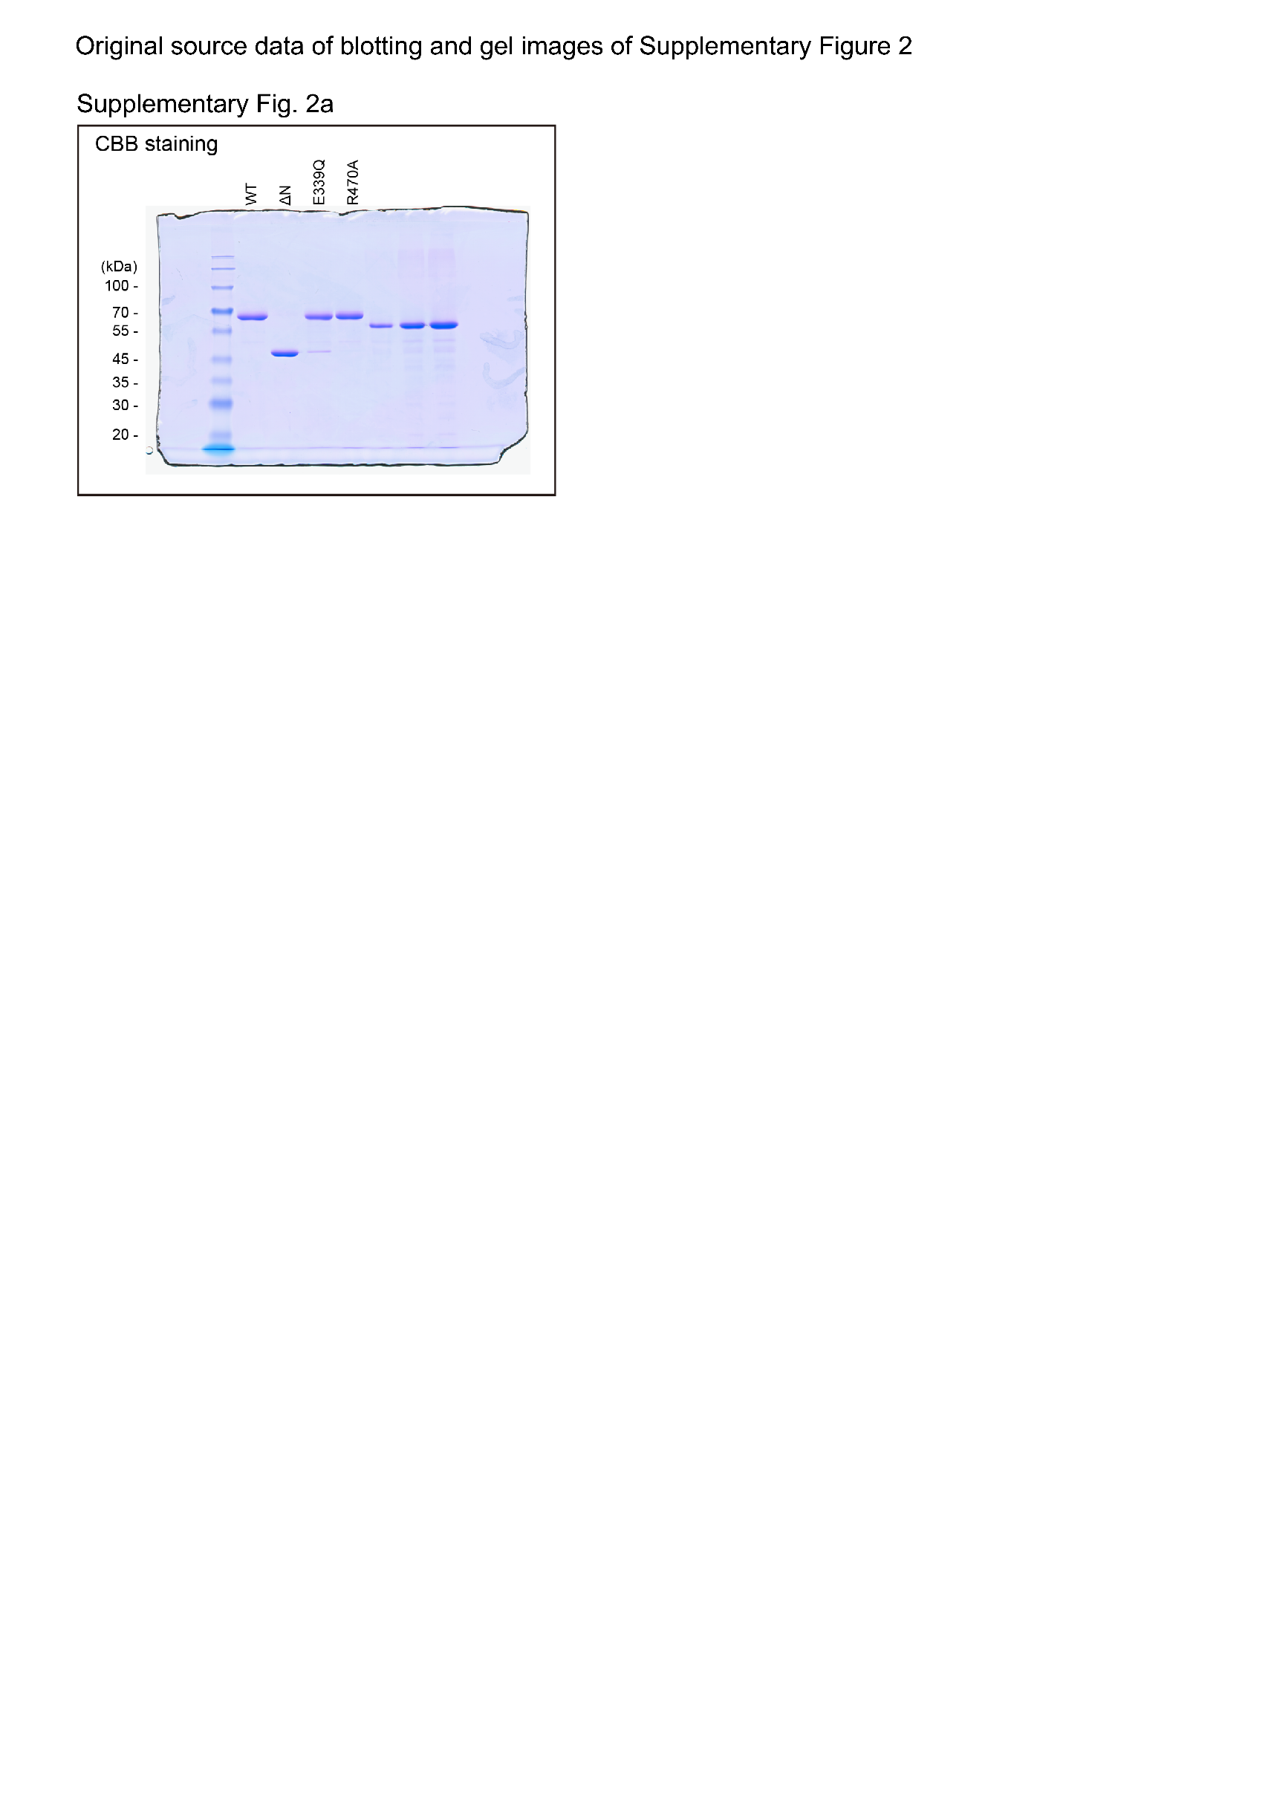
...
Supplementary Figure 2c
63 | 0.672961442 | 0.057070606994 | 0.6819587636 | 0.15278028637 | 63 | 0.663506309 | 0.753225868 | 0.59600713 | 0.69270117 | 0.659366733 | 0.800450851 | 0.718717149 | 0.42975403
66 | 0.7023224054 | 0.08180520876 | 0.6496546506 | 0.18165771128 | 66 | 0.681158007 | 0.73582867 | 0.571614014 | 0.737970944 | 0.785040392 | 0.864248542 | 0.506415704 | 0.450864129
69 | 0.7137291138 | 0.10688159306 | 0.7774492888 | 0.093079739671 | 69 | 0.739319199 | 0.766000023 | 0.528532893 | 0.733859183 | 0.800934271 | 0.886680924 | 0.836649804 | 0.640638138
72 | 0.726415407 | 0.096502141605 | 0.7766601984 | 0.12938181247 | 72 | 0.722121369 | 0.766121825 | 0.561780304 | 0.780985809 | 0.801067728 | 0.966166153 | 0.848267175 | 0.658054835
75 | 0.7607026232 | 0.13635488888 | 0.7746354534 | 0.2133264488 | 75 | 0.721523094 | 0.754680067 | 0.562081114 | 0.840047769 | 0.925181072 | 1.026353127 | 0.953356087 | 0.544914072
78 | 0.7184415102 | 0.13342382345 | 0.8287316348 | 0.16263759935 | 78 | 0.678373685 | 0.746283376 | 0.557131505 | 0.687419885 | 0.9229991 | 1.022453838 | 0.867427072 | 0.582626712
81 | 0.7043180738 | 0.1263224108 | 0.7260153012 | 0.19961302132 | 81 | 0.610585537 | 0.719501446 | 0.581175244 | 0.706906512 | 0.90342163 | 1.073867954 | 0.579425517 | 0.611441286
84 | 0.7119155786 | 0.099205822838 | 0.669961294 | 0.19362594226 | 84 | 0.706984397 | 0.741027347 | 0.561536398 | 0.712092586 | 0.837937165 | 0.939926145 | 0.524811132 | 0.467401114

