Figure 4B
Source Data File

Western Blots of Figure 4B, uncropped:
 |  | Bradford protein concentration measurements:
 |  |  | Temperature: 22 °C
 |  | <> | 1 | 2 | 3 | 4 | 5 | 6
 |  | A | 0.3013 | 0.3086 | 0.3053 | 0.6026 | 0.5189 | 0.5775 | SMXL5-HA; Myc-OBE3
 |  | B | 0.4271 | 0.4281 | 0.4321 | 0.6564 | 0.5939 | 0.6260 | Myc-OBE3
 |  | C | 0.5228 | 0.4773 | 0.4839
 |  | D | 0.5297 | 0.5618 | 0.5109
 |  | E | 0.5973 | 0.5977 | 0.5905
 |  | F | 0.6904 | 0.7114 | 0.7057
 |  | G | 0.7646 | 0.7365 | 0.7222
 |  | H | 0.0382 | 0.0404 | 0.0413
 |  | End Time: | 28.11.2017 11:49:23

 |  | Tube | concentration µg/µl of standards | Absorbance standards mean | Absorbance sample mean | Concentration µg/µl |  |  |  |  | µg Protein
 |  | A | 0 | 0.3051 | 0.5663 | 1.3101 | SMXL5-HA; Myc-OBE3 |  |  | in 2 ml | 2620.2683039
 |  | B | 0.5 | 0.4291 | 0.6254 | 1.6449 | Myc-OBE3 |  |  | in 1.5 ml | 2467.3005606
 |  | C | 0.75 | 0.4947
 |  | D | 1 | 0.5341
 |  | E | 1.5 | 0.5952
 |  | F | 2 | 0.7025
 |  | G | 2.5 | 0.7411
coIP extracts
 | Bradford |  | Absorbance sample mean
0 | 0.30506666501 | 1.3101341519 | 0.56633331378
0.5 | 0.42909999688 | 1.6448670404 | 0.62543334564
0.75 | 0.49466667573
1 | 0.53413333495
1.5 | 0.59516666333
2 | 0.70249998569
2.5 | 0.74109999339

Loading volumes on SDS-PAGE:
Input | 22.5 μl were loaded on SDS-PAGE from original protein extract for "Input" before Bradford measurements and concentration adjustment
Input after Bradford | 22.5 μl were loaded on SDS-PAGE (approx. 30 μg protein) for "Input after Bradford"
Unbound | 22.5 μl of supernatant after incubation and pulldown of magnetic beads were loaded on SDS-PAGE
IP: ⍺ HA | 20 µl of 40 µl eluate (elution with 40 µl with 2x Laemmli) from magnetic beads were loaded onto SDS-PAGE
Beads: ⍺ HA after elution | the remaining beads were boiled again in 20 µl 2x Leammli and directly loaded onto SDS-PAGE

Figure 4L
Source Data File
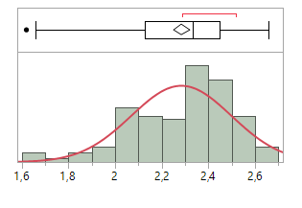

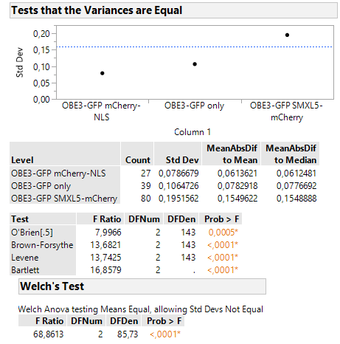

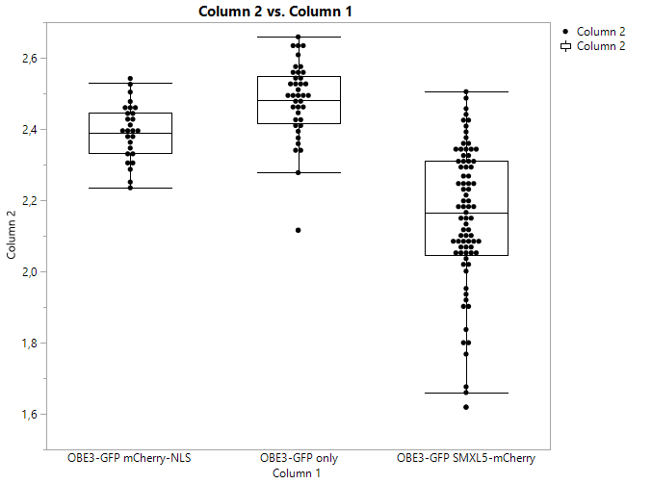

sample | donor lifetime | Date
OBE3-GFP only | 2.6324 | 18.12.2019
OBE3-GFP only | 2.5508
OBE3-GFP only | 2.4476
OBE3-GFP only | 2.4
OBE3-GFP only | 2.491
OBE3-GFP only | 2.3938
OBE3-GFP only | 2.4169
OBE3-GFP only | 2.6378
OBE3-GFP only | 2.528
OBE3-GFP only | 2.55
OBE3-GFP only | 2.454
OBE3-GFP only | 2.517
OBE3-GFP only | 2.516
OBE3-GFP only | 2.503 |  | OBE3-GFP only | 2.4763641026 | 0.10647263915
OBE3-GFP only | 2.6085 | 17.12.2019 | OBE3-GFP mCherry-NLS | 2.3910259259 | 0.078667912492
OBE3-GFP only | 2.5756 |  | OBE3-GFP SMXL5-mCherry | 2.15406125 | 0.19515621558
OBE3-GFP only | 2.633
OBE3-GFP only | 2.4763641026
OBE3-GFP mCherry-NLS | 2.3910259259
OBE3-GFP SMXL5-mCherry | 2.15406125
OBE3-GFP only | 2.517
OBE3-GFP only | 2.425
OBE3-GFP only | 2.466
OBE3-GFP only | 2.513
OBE3-GFP only | 2.4626
OBE3-GFP only | 2.5599
OBE3-GFP only | 2.4816
OBE3-GFP only | 2.659
OBE3-GFP only | 2.398 | 13.12.2019
OBE3-GFP only | 2.4881
OBE3-GFP only | 2.455
OBE3-GFP only | 2.373
OBE3-GFP only | 2.4803
OBE3-GFP only | 2.337
OBE3-GFP only | 2.2777
OBE3-GFP only | 2.359
OBE3-GFP only | 2.116
OBE3-GFP only | 2.344
OBE3-GFP only | 2.4459
OBE3-GFP only | 2.5484
OBE3-GFP only | 2.534
OBE3-GFP only | 2.4823
OBE3-GFP mCherry-NLS | 2.53 | 17.12.2019
OBE3-GFP mCherry-NLS | 2.39
OBE3-GFP mCherry-NLS | 2.235
OBE3-GFP mCherry-NLS | 2.429
OBE3-GFP mCherry-NLS | 2.301
OBE3-GFP mCherry-NLS | 2.39
OBE3-GFP mCherry-NLS | 2.446
OBE3-GFP mCherry-NLS | 2.42
OBE3-GFP mCherry-NLS | 2.44
OBE3-GFP mCherry-NLS | 2.237 | 18.12.2019
OBE3-GFP mCherry-NLS | 2.504
OBE3-GFP mCherry-NLS | 2.287
OBE3-GFP mCherry-NLS | 2.452
OBE3-GFP mCherry-NLS | 2.38
OBE3-GFP mCherry-NLS | 2.36
OBE3-GFP mCherry-NLS | 2.309
OBE3-GFP mCherry-NLS | 2.3293 | 13.12.2019
OBE3-GFP mCherry-NLS | 2.435
OBE3-GFP mCherry-NLS | 2.46
OBE3-GFP mCherry-NLS | 2.39
OBE3-GFP mCherry-NLS | 2.526
OBE3-GFP mCherry-NLS | 2.4775
OBE3-GFP mCherry-NLS | 2.344
OBE3-GFP mCherry-NLS | 2.3317
OBE3-GFP mCherry-NLS | 2.385
OBE3-GFP mCherry-NLS | 2.4012
OBE3-GFP mCherry-NLS | 2.368
OBE3-GFP SMXL5-mCherry | 1.66 | 13.12.2019
OBE3-GFP SMXL5-mCherry | 2.001
OBE3-GFP SMXL5-mCherry | 1.8
OBE3-GFP SMXL5-mCherry | 2.041
OBE3-GFP SMXL5-mCherry | 2.041
OBE3-GFP SMXL5-mCherry | 1.8
OBE3-GFP SMXL5-mCherry | 1.952
OBE3-GFP SMXL5-mCherry | 1.768
OBE3-GFP SMXL5-mCherry | 1.837
OBE3-GFP SMXL5-mCherry | 1.671
OBE3-GFP SMXL5-mCherry | 2.031
OBE3-GFP SMXL5-mCherry | 2.061
OBE3-GFP SMXL5-mCherry | 1.619
OBE3-GFP SMXL5-mCherry | 1.9006
OBE3-GFP SMXL5-mCherry | 2.0814
OBE3-GFP SMXL5-mCherry | 2.325
OBE3-GFP SMXL5-mCherry | 2.268
OBE3-GFP SMXL5-mCherry | 2.2481
OBE3-GFP SMXL5-mCherry | 2.13
OBE3-GFP SMXL5-mCherry | 2.2208
OBE3-GFP SMXL5-mCherry | 2.0496
OBE3-GFP SMXL5-mCherry | 2.0431
OBE3-GFP SMXL5-mCherry | 2.062
OBE3-GFP SMXL5-mCherry | 1.9034
OBE3-GFP SMXL5-mCherry | 2.3026
OBE3-GFP SMXL5-mCherry | 2.12
OBE3-GFP SMXL5-mCherry | 2.14
OBE3-GFP SMXL5-mCherry | 2.157
OBE3-GFP SMXL5-mCherry | 2.171
OBE3-GFP SMXL5-mCherry | 2.043
OBE3-GFP SMXL5-mCherry | 2.429
OBE3-GFP SMXL5-mCherry | 2.454
OBE3-GFP SMXL5-mCherry | 2.439
OBE3-GFP SMXL5-mCherry | 2.195
OBE3-GFP SMXL5-mCherry | 2.1 | 17.12.2019
OBE3-GFP SMXL5-mCherry | 2.213
OBE3-GFP SMXL5-mCherry | 2.36
OBE3-GFP SMXL5-mCherry | 2.268
OBE3-GFP SMXL5-mCherry | 2.342
OBE3-GFP SMXL5-mCherry | 2.142
OBE3-GFP SMXL5-mCherry | 2.383
OBE3-GFP SMXL5-mCherry | 2.307
OBE3-GFP SMXL5-mCherry | 2.3
OBE3-GFP SMXL5-mCherry | 2.29
OBE3-GFP SMXL5-mCherry | 2.318
OBE3-GFP SMXL5-mCherry | 1.93
OBE3-GFP SMXL5-mCherry | 2.29
OBE3-GFP SMXL5-mCherry | 2.3469
OBE3-GFP SMXL5-mCherry | 2.189
OBE3-GFP SMXL5-mCherry | 2.02 | 18.12.2019
OBE3-GFP SMXL5-mCherry | 2.08
OBE3-GFP SMXL5-mCherry | 2.065
OBE3-GFP SMXL5-mCherry | 2.082
OBE3-GFP SMXL5-mCherry | 2.242
OBE3-GFP SMXL5-mCherry | 2.0888
OBE3-GFP SMXL5-mCherry | 2.354
OBE3-GFP SMXL5-mCherry | 2.376
OBE3-GFP SMXL5-mCherry | 2.345
OBE3-GFP SMXL5-mCherry | 2.343
OBE3-GFP SMXL5-mCherry | 2.505
OBE3-GFP SMXL5-mCherry | 2.341
OBE3-GFP SMXL5-mCherry | 2.09
OBE3-GFP SMXL5-mCherry | 2.487
OBE3-GFP SMXL5-mCherry | 2.3121
OBE3-GFP SMXL5-mCherry | 2.1793
OBE3-GFP SMXL5-mCherry | 2.4079
OBE3-GFP SMXL5-mCherry | 2.1079
OBE3-GFP SMXL5-mCherry | 2.0825
OBE3-GFP SMXL5-mCherry | 2.3104
OBE3-GFP SMXL5-mCherry | 2.0876
OBE3-GFP SMXL5-mCherry | 2.1759
OBE3-GFP SMXL5-mCherry | 2.2495
OBE3-GFP SMXL5-mCherry | 2.18
OBE3-GFP SMXL5-mCherry | 2.101
OBE3-GFP SMXL5-mCherry | 2.2434
OBE3-GFP SMXL5-mCherry | 2.4211
OBE3-GFP SMXL5-mCherry | 2.226
OBE3-GFP SMXL5-mCherry | 2.02
OBE3-GFP SMXL5-mCherry | 2.138
OBE3-GFP SMXL5-mCherry | 1.92

