Fig. 4a
 | band siganl |  | Atg8a-II/GAPDH |  | Normalized Atg8a-II/GAPDH
experiment 1 | dwg8/+ | dwg8/dwg8 | dwg8/+ | dwg8/dwg8 | dwg8/+ | dwg8/dwg8
Atg8a-II | 12467.865 | 29367.2 | 0.34742630201 | 1.240050203 | 1 | 3.5692467605
GAPDH | 35886.359 | 23682.267

experiment 2
Atg8a-II | 6136.083 | 22649.874 | 0.40651578484 | 3.0131437654 | 1 | 7.4121199663
GAPDH | 15094.329 | 7517.024

experiment 3
Atg8a-II | 15042.51 | 66711.428 | 0.69742534888 | 2.7768466644 | 1 | 3.9815683054
GAPDH | 21568.631 | 24024.167

dwg8/+
dwg8/dwg8
dwg8/+
dwg8/dwg8
17 KDa-
35 KDa-
40 KDa-
GAPDH
Atg8a
dwg8/+
dwg8/dwg8
GAPDH
35 KDa-
40 KDa-
dwg8/+
dwg8/dwg8
Atg8a
17 KDa-
dwg8/+
dwg8/dwg8
35 KDa-
40 KDa-
GAPDH
dwg8/+
dwg8/dwg8
17 KDa-

Atg8a

Fig. 4e
experiment 1
 | Flag | GAPDH |  |  | Normalized ave
 | 18594.175 | 18996.782 |  | 0.9788065684 | 0.99999999836
Flag-dwg^{4A}
+
+
Baf-A1
-
+
Rapamycin
+
+
-
-
+
Flag-dwg
+
+
+
-
-
-
-
-
-
-
+
+
-
-
+
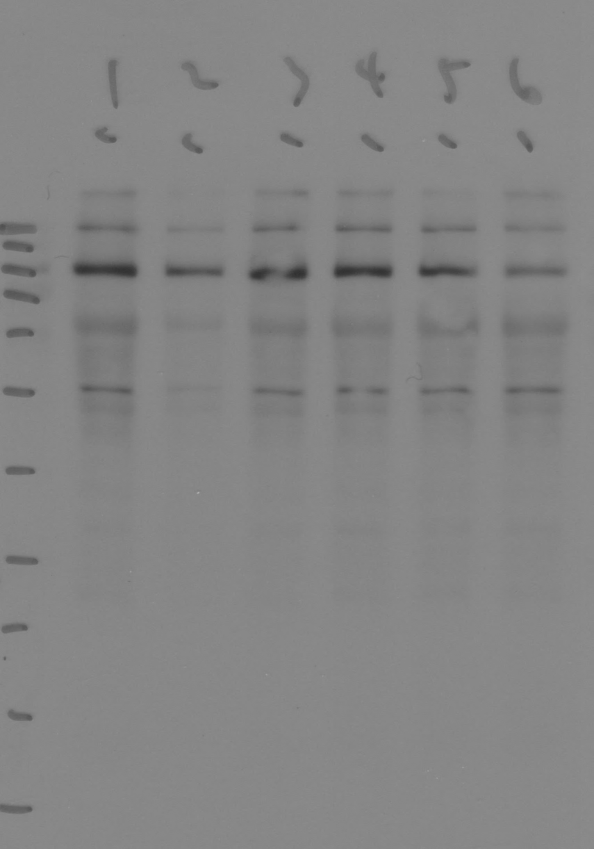
Flag-dwg^{4A}
+
+
Baf-A1
-
+
Rapamycin
+
+
-
-
+
Flag-dwg
+
+
+
-
-
-
-
-
-
-
+
+
-
-
+

Flag-dwg^{4A}
+
+
Baf-A1
-
+
Rapamycin
+
+
-
-
+
Flag-dwg
+
+
+
-
-
-
-
-
-
-
+
+
-
-
+
 | 8939.225 | 14626.903 |  | 0.61114953726 | 0.62438234069
 | 15364.054 | 16376.953 |  | 0.93815094908 | 0.95846409069
 | 18475.518 | 18974.368 |  | 0.97370926926 | 0.99479233089
 | 11405.69 | 17166.489 |  | 0.6644160026 | 0.67880214841
100 KDa-
130 KDa-
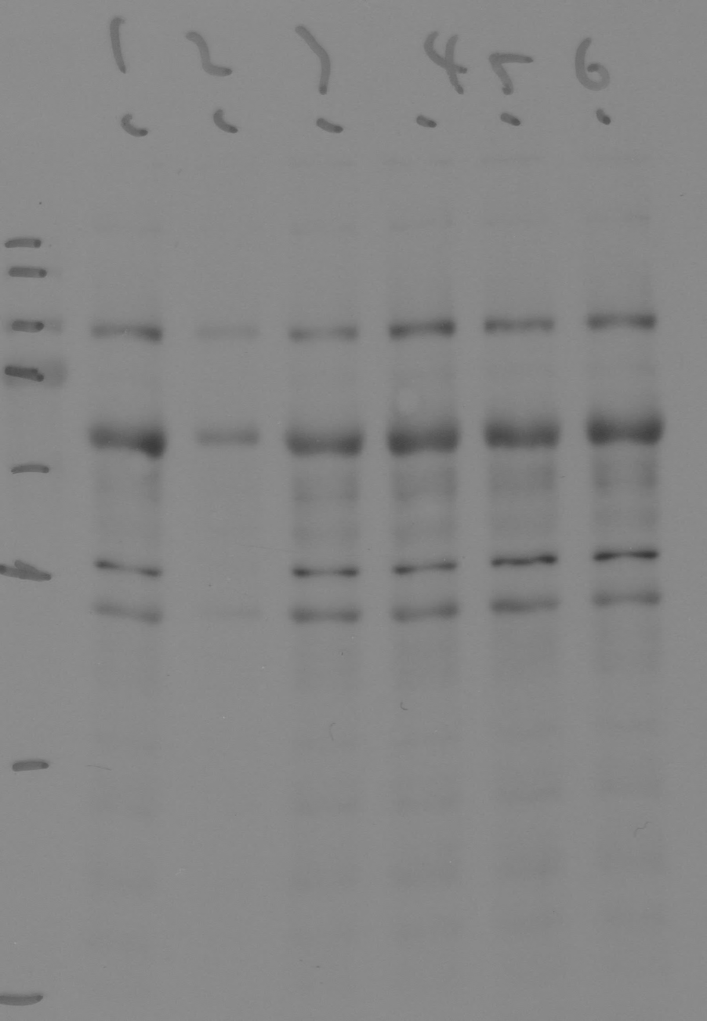
100 KDa-
130 KDa-
130 KDa-
100 KDa-
 | 13465.09 | 17138.66 |  | 0.7856559381 | 0.80266720941

experiment 2
 | 11784.882 | 23754.903 |  | 0.49610314132 | 1.0000000027
 | 3241.861 | 21445.66 |  | 0.15116629658 | 0.3047073973
anti-Flag
anti-Flag
 | 9340.832 | 21739.66 |  | 0.42966780529 | 0.86608563956
anti-Flag
 | 17415.539 | 20700.368 |  | 0.84131542975 | 1.6958478226
 | 14462.61 | 20904.246 |  | 0.69185035423 | 1.3945695934
 | 17866.246 | 23674.368 |  | 0.75466622805 | 1.5211881708
Flag-dwg^{4A}
+
+
Baf-A1
-
+
Rapamycin
+
+
-
-
+
Flag-dwg
+
+
+
-
-
-
-
-
-
-
+
+
-
-
+
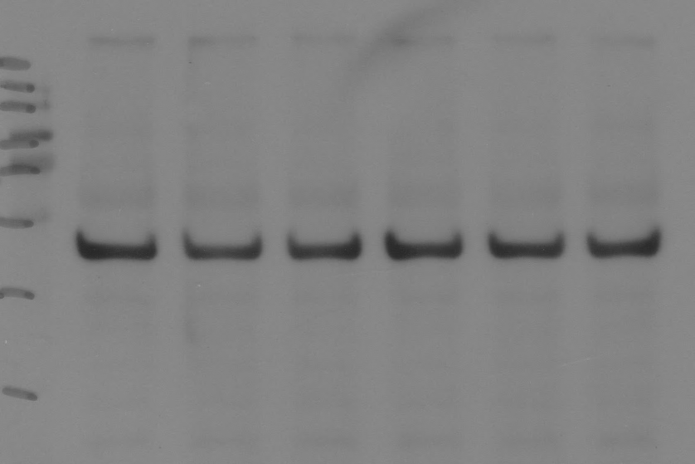
Flag-dwg^{4A}
+
+
Baf-A1
-
+
Rapamycin
+
+
-
-
+
Flag-dwg
+
+
+
-
-
-
-
-
-
-
+
+
-
-
+
Flag-dwg^{4A}
+
+
Baf-A1
-
+
Rapamycin
+
+
-
-
+
Flag-dwg
+
+
+
-
-
-
-
-
-
-
+
+
-
-
+

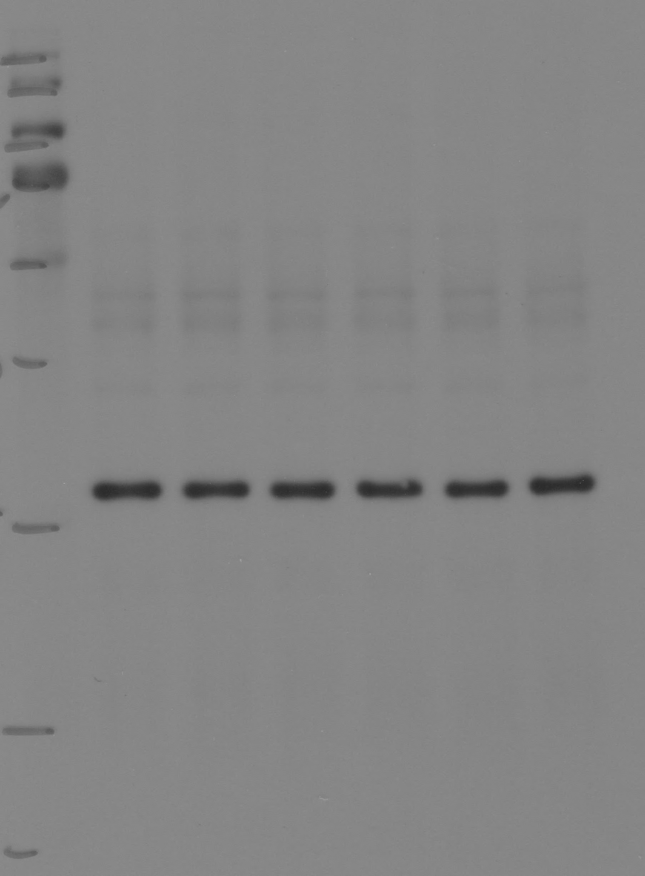
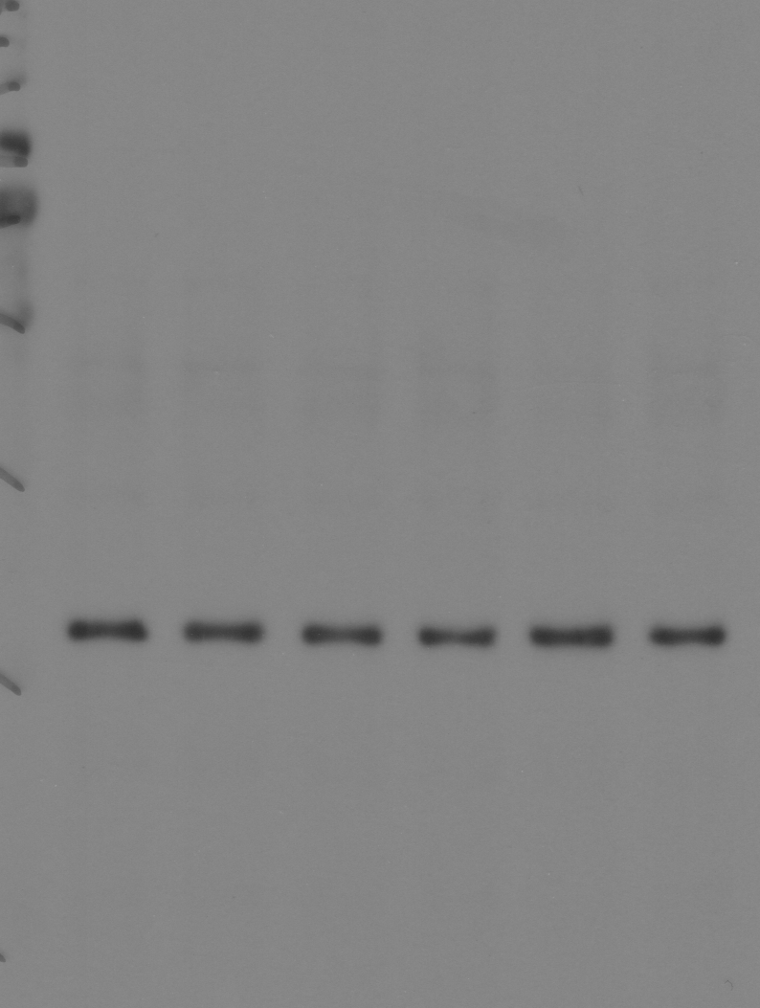
experiment 3
 | 20895.782 | 18062.64 |  | 1.1568509365 | 0.99999999699
 | 4969.468 | 16336.933 |  | 0.30418610396 | 0.26294321373
40 KDa-
 | 14311.903 | 15902.347 |  | 0.89998683842 | 0.77796266338
40 KDa-
40 KDa-
 | 19960.903 | 14627.933 |  | 1.3645744071 | 1.1795594055
35 KDa-
35 KDa-
35 KDa-
 | 15320.246 | 18005.296 |  | 0.85087443161 | 0.73550913276
 | 16577.61 | 15685.518 |  | 1.0568736079 | 0.91357803441

anti-GAPDH
anti-GAPDH
anti-GAPDH

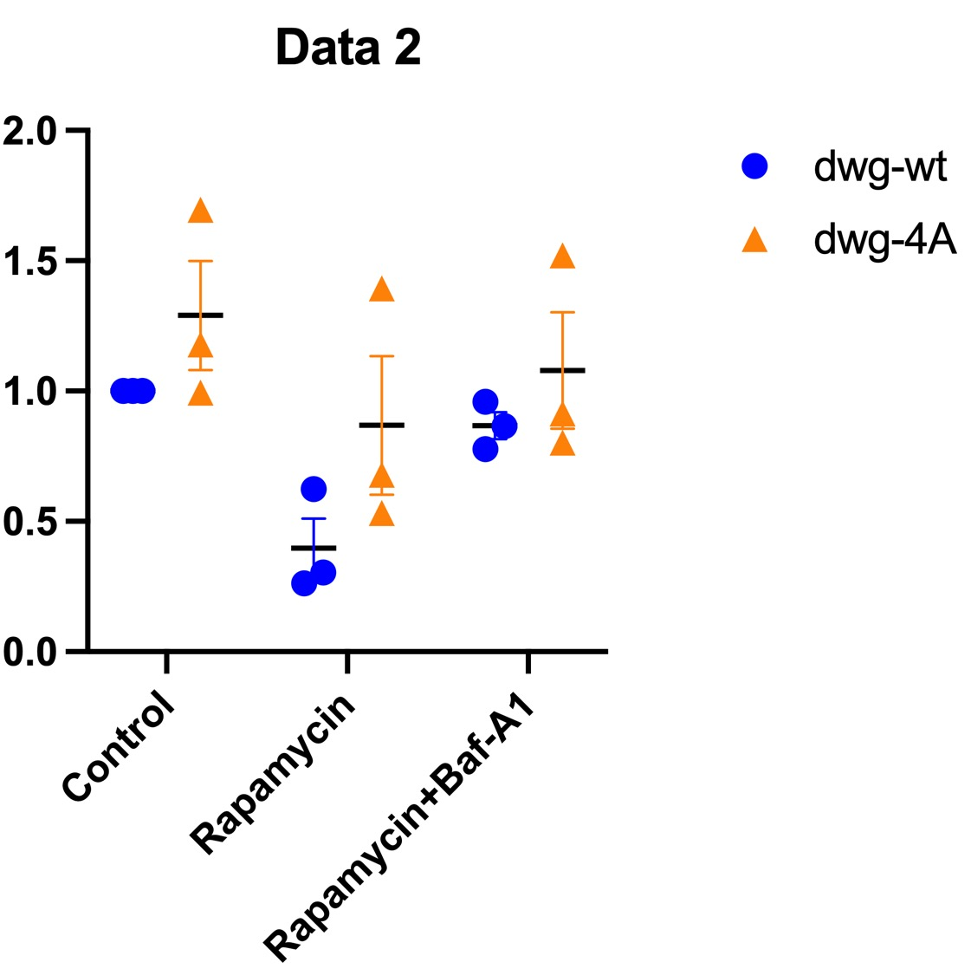

 |  |  |  |  | Ave | SEM
dwg-wt Control | 0.99999999836 | 1.0000000027 | 0.99999999699 |  | 0.99999999934 | 0
dwg-wt Rapa | 0.62438234069 | 0.3047073973 | 0.26294321373 |  | 0.39734431724 | 0.1141574349
dwg-wt Rapa+bafA1 | 0.95846409069 | 0.86608563956 | 0.77796266338 |  | 0.86750413121 | 0.052111100558
dwg-4A Control | 0.99479233089 | 1.6958478226 | 1.1795594055 |  | 1.2900665197 | 0.20978446663
dwg-4A Rapa | 0.67880214841 | 1.3945695934 | 0.73550913276 |  | 0.93629362485 | 0.22972198271
dwg-4A Rapa+bafA1 | 0.80266720941 | 1.5211881708 | 0.91357803441 |  | 1.0791444715 | 0.22332881349

Fig. 4f
Input
IP
Input
IP
GFP-Atg8a
+
+
+
+
Flag-dwg
+
+
+
-
Flag-dwg^{Y129A-I132A}
Flag-dwg^{F401A-L404A}
Flag-dwg^{4A}
+
-
-
-
-
-
-
-
-
-
-
-
+
+
+
+
+
+
+
-
+
-
-
-
-
-
-
-
-
-
-
-
GFP-Atg8a
+
+
+
+
Flag-dwg
+
+
+
-
Flag-dwg^{Y129A-I132A}
Flag-dwg^{F401A-L404A}
Flag-dwg^{4A}
+
-
-
-
-
-
-
-
-
-
-
-
+
+
+
+
+
+
+
-
+
-
-
-
-
-
-
-
-
-
-
-

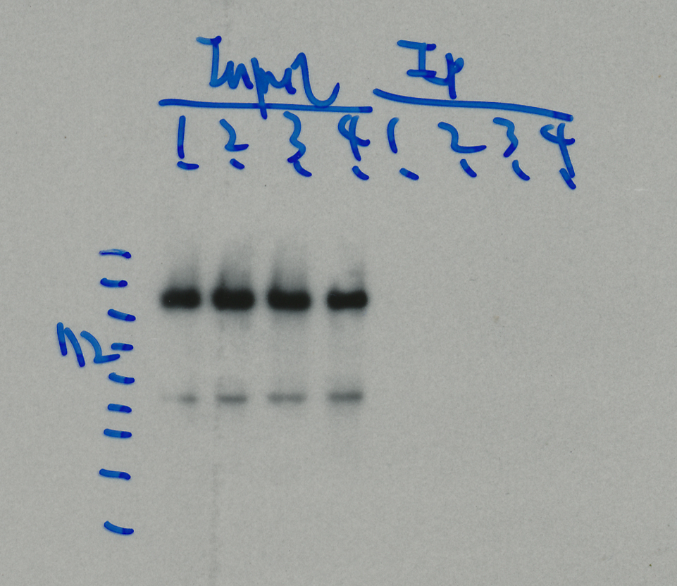
130 KDa-
100 KDa-

40 KDa-
35 KDa-

IP: anti-GFP
IB: anti-Flag
short exposure
IP: anti-GFP
IB: anti-GFP

Input
IP
GFP-Atg8a
+
+
+
+
Flag-dwg
+
+
+
-
Flag-dwg^{Y129A-I132A}
Flag-dwg^{F401A-L404A}
Flag-dwg^{4A}
+
-
-
-
-
-
-
-
-
-
-
-
+
+
+
+
+
+
+
-
+
-
-
-
-
-
-
-
-
-
-
-

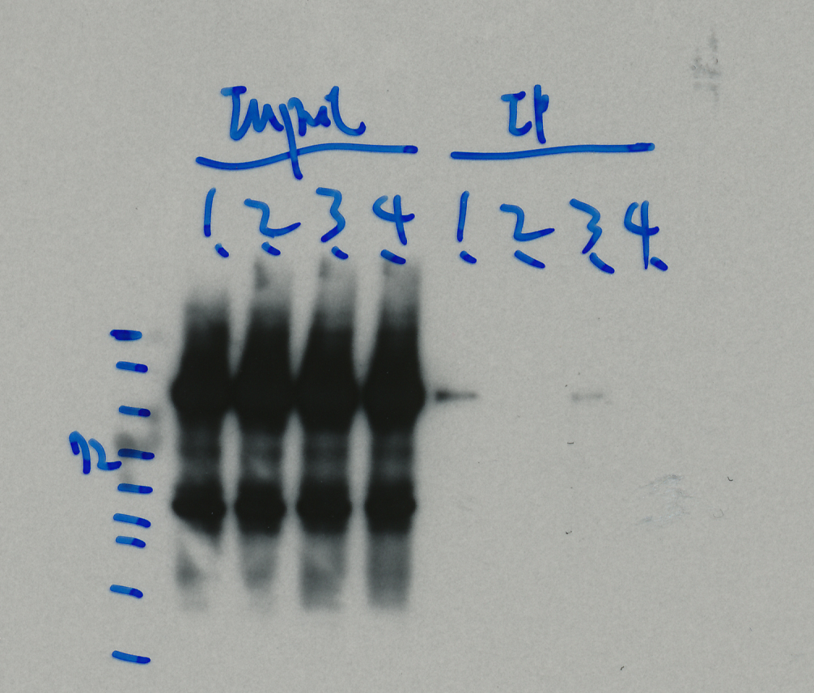
130 KDa-
100 KDa-

IP: anti-GFP
IB: anti-Flag
long exposure

Suppl Fig 5a
Flag-CG11486
GFP
GFP-me31B
GFP-MED15
GFP-Nup54
GFP-sm
GFP-smB
+
+
+
+
+
+
+
+
+
+
+
+
-
-
-
-
-
-
-
-
-
-
-
-
-
-
-
-
-
-
-
-
-
-
-
-
-
-
-
-
-
-
Flag-CG11486
GFP
GFP-me31B
GFP-MED15
GFP-Nup54
GFP-sm
GFP-smB
+
+
+
+
+
+
+
+
+
+
+
+
-
-
-
-
-
-
-
-
-
-
-
-
-
-
-
-
-
-
-
-
-
-
-
-
-
-
-
-
-
-

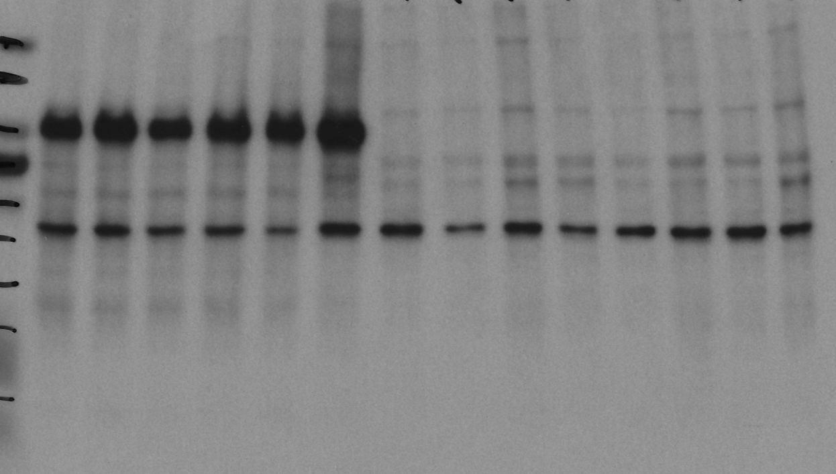
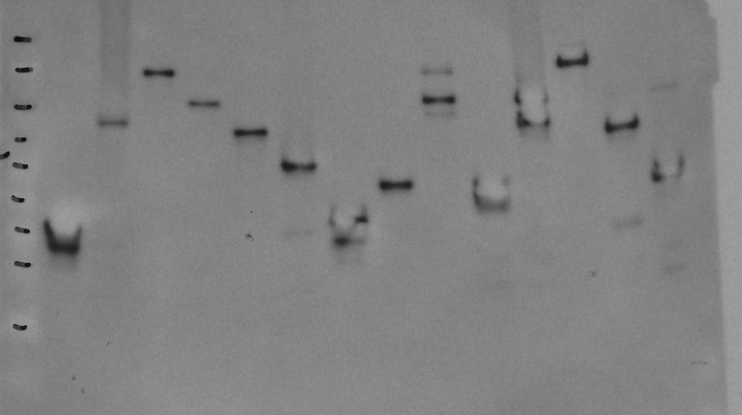

130 KDa-
130 KDa-
100 KDa-
100 KDa-
70 KDa-
55 KDa-
40 KDa-
35 KDa-

Input anti-Flag
IP: anti-GFP
IB: anti-GFP

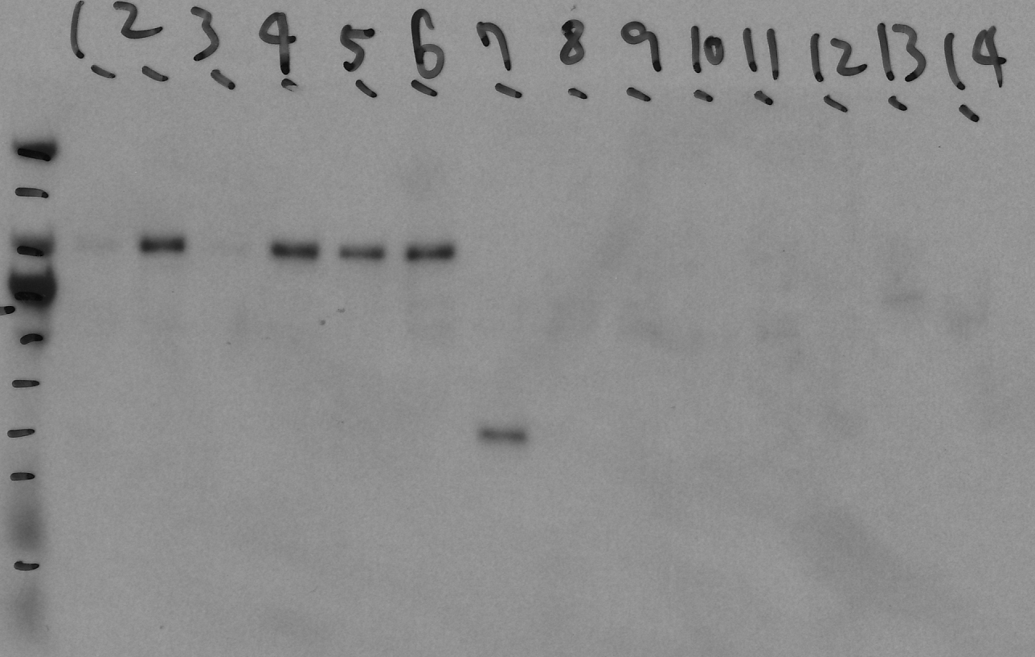
100 KDa-
130 KDa-
Flag-CG11486
GFP
GFP-me31B
GFP-MED15
GFP-Nup54
GFP-sm
GFP-smB
+
+
+
+
+
+
+
+
+
+
+
+
-
-
-
-
-
-
-
-
-
-
-
-
-
-
-
-
-
-
-
-
-
-
-
-
-
-
-
-
-
-
IP: anti-GFP
IB: anti-Flag

Suppl Fig 5b
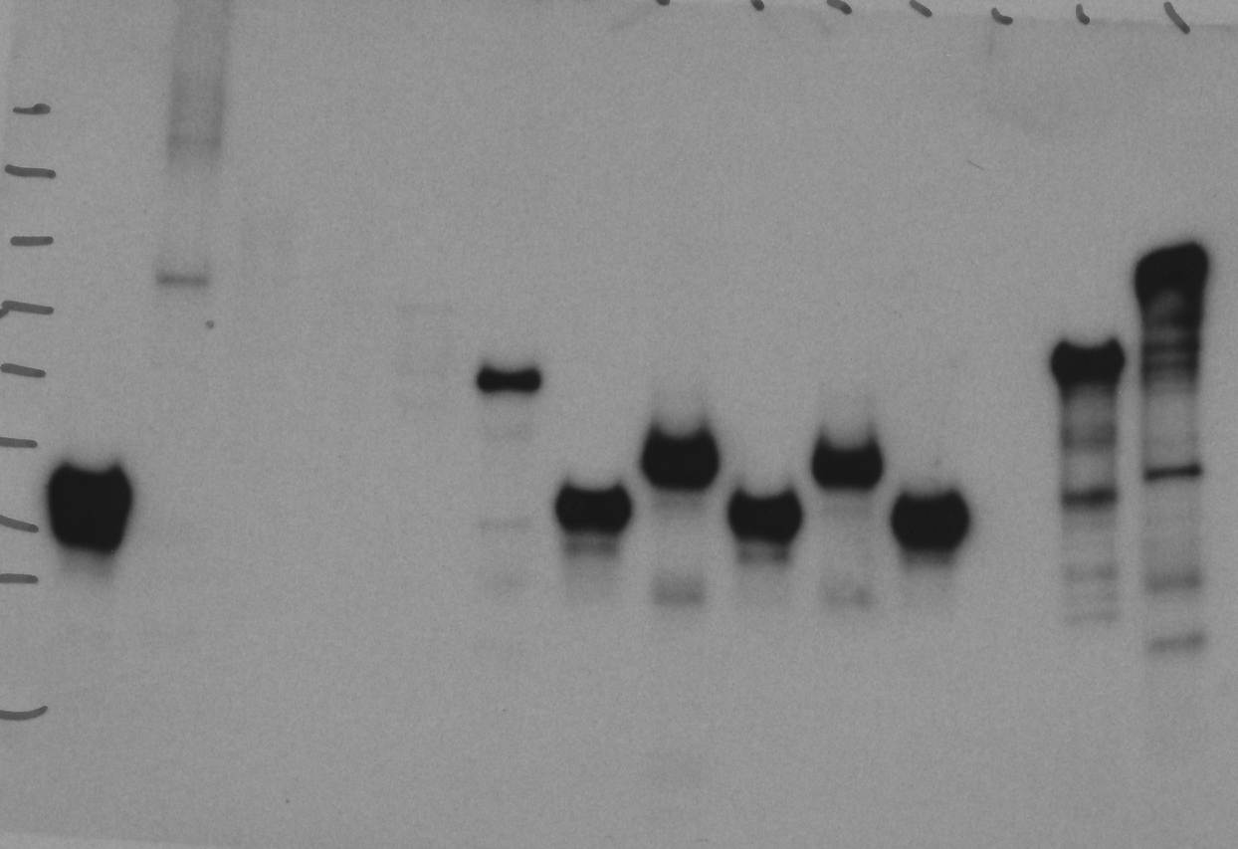
GFP-CG10209
Flag-CG9667
GFP
+
+
+
-
GFP-MED4
GFP-Odj
+
+
+
+
+
-
-
-
-
-
-
-
-
-
-
-
100 KDa-
70 KDa-
35 KDa-
40 KDa-
55 KDa-
IP: anti-GFP
IB: anti-GFP

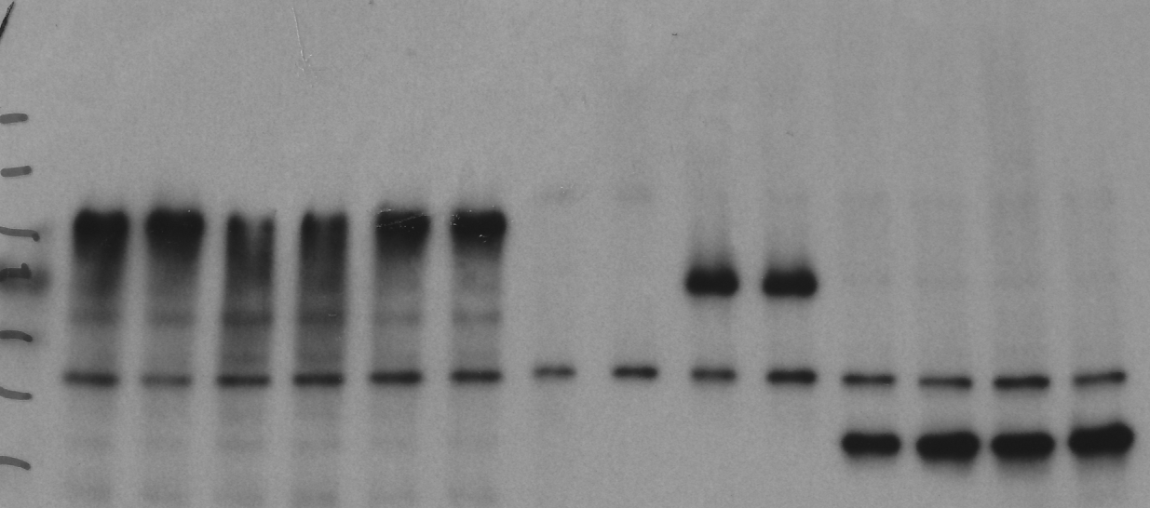
GFP-CG10209
Flag-CG9667
GFP
+
+
+
-
GFP-MED4
GFP-Odj
+
+
+
+
+
-
-
-
-
-
-
-
-
-
-
-
35 KDa-
40KDa-
Input IB: anti-Flag
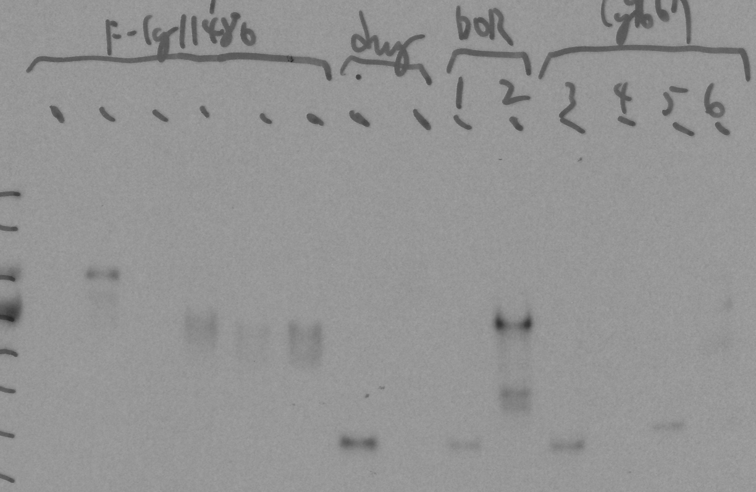
GFP-CG10209
Flag-CG9667
GFP
+
+
+
-
GFP-MED4
GFP-Odj
+
+
+
+
+
-
-
-
-
-
-
-
-
-
-
-
35 KDa-
40 KDa-
IP: anti-GFP
IB: anti-Flag

Suppl Fig 5c
Flag-Deaf1
GFP
GFP-Dpy-30L2
GFP-MED19
GFP-smB
+
+
+
+
+
+
+
+
-
-
-
-
-
-
-
-
-
-
-
-
Flag-Deaf1
GFP
GFP-Dpy-30L2
GFP-MED19
GFP-smB
+
+
+
+
+
+
+
+
-
-
-
-
-
-
-
-
-
-
-
-
Flag-Deaf1
GFP
GFP-Dpy-30L2
GFP-MED19
GFP-smB
+
+
+
+
+
+
+
+
-
-
-
-
-
-
-
-
-
-
-
-

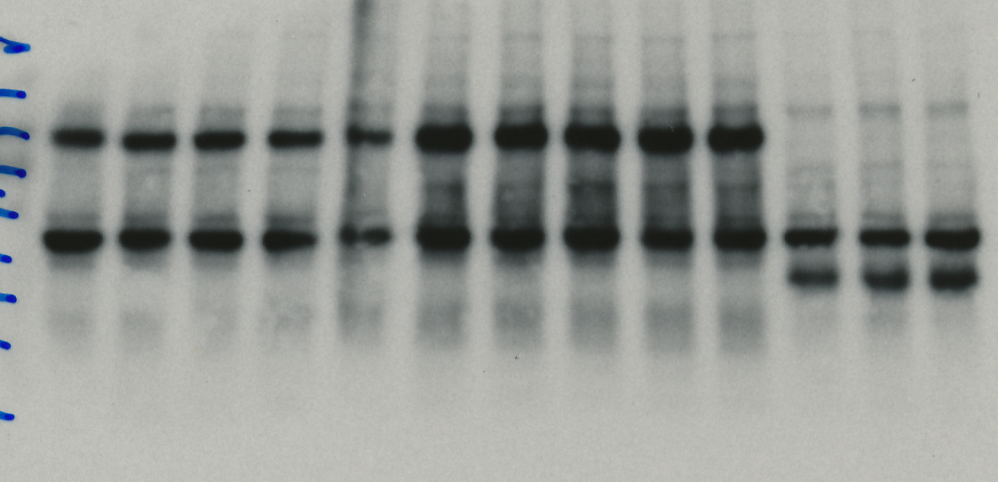
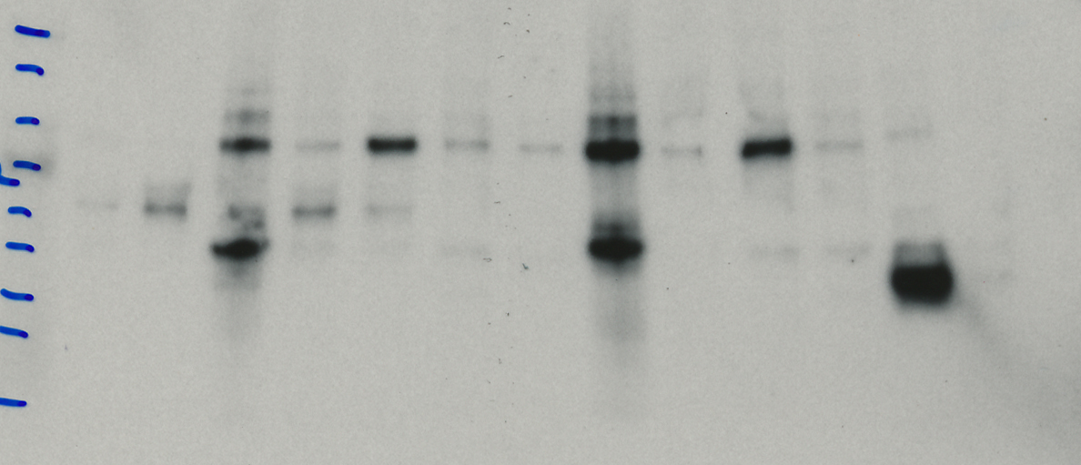
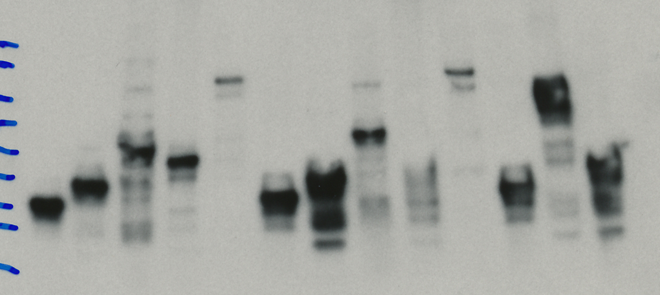

130 KDa-
100 KDa-
100 KDa-
70 KDa-
70 KDa-
100 KDa-
70 KDa-
55 KDa-

40 KDa-
35 KDa-

Input IB: anti-Flag
IP: anti-GFP
IB: anti-Flag
IP: anti-GFP
IB: anti-GFP

Suppl Fig 5d
GFP-CG4813
Flag-mri
GFP
+
+
GFP-Dpy-30L2
+
+
+
+
-
-
-
-
-
-
GFP-CG4813
Flag-mri
GFP
+
+
GFP-Dpy-30L2
+
+
+
+
-
-
-
-
-
-
GFP-CG4813
Flag-mri
GFP
+
+
GFP-Dpy-30L2
+
+
+
+
-
-
-
-
-
-

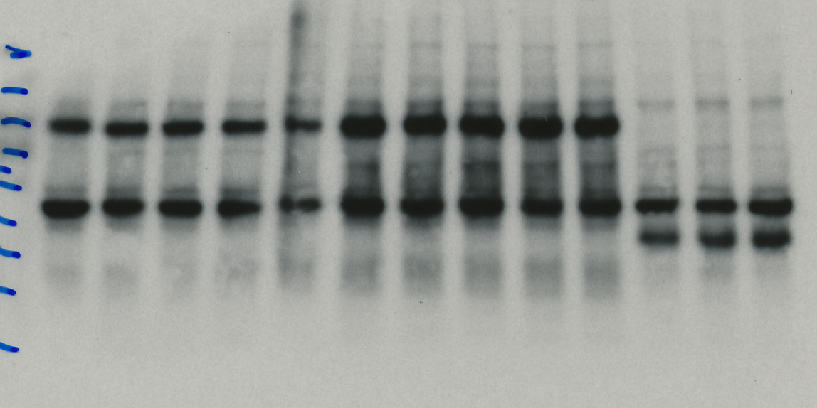
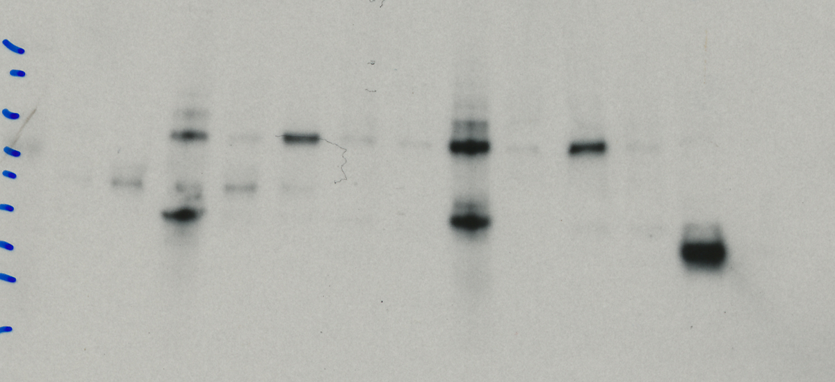
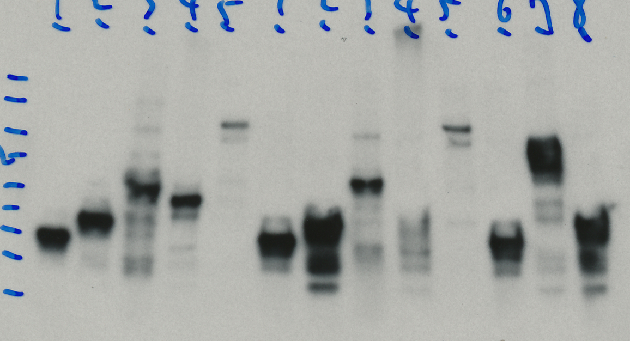

55 KDa-
55 KDa-
40 KDa-
35 KDa-
40 KDa-
55 KDa-
40 KDa-
35 KDa-
35 KDa-
26 KDa-
17 KDa-

IP: anti-GFP
IB: anti-Flag
IP: anti-GFP
IB: anti-GFP
Input IB: anti-Flag

Suppl Fig 5e
Input
IP
Input
IP
GFP
GFP-sm
Flag-lwr
+
-
+
+
-
+
+
-
GFP
GFP-sm
Flag-lwr
+
-
+
+
-
+
+
-
-
+
-
+
+
+
+
+

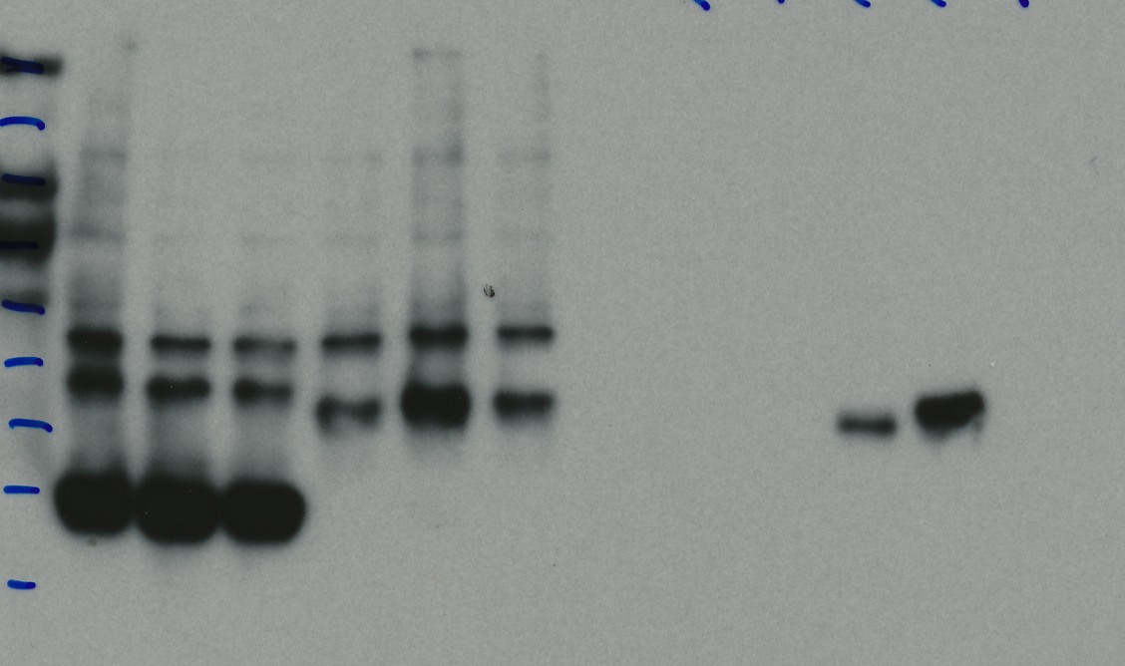
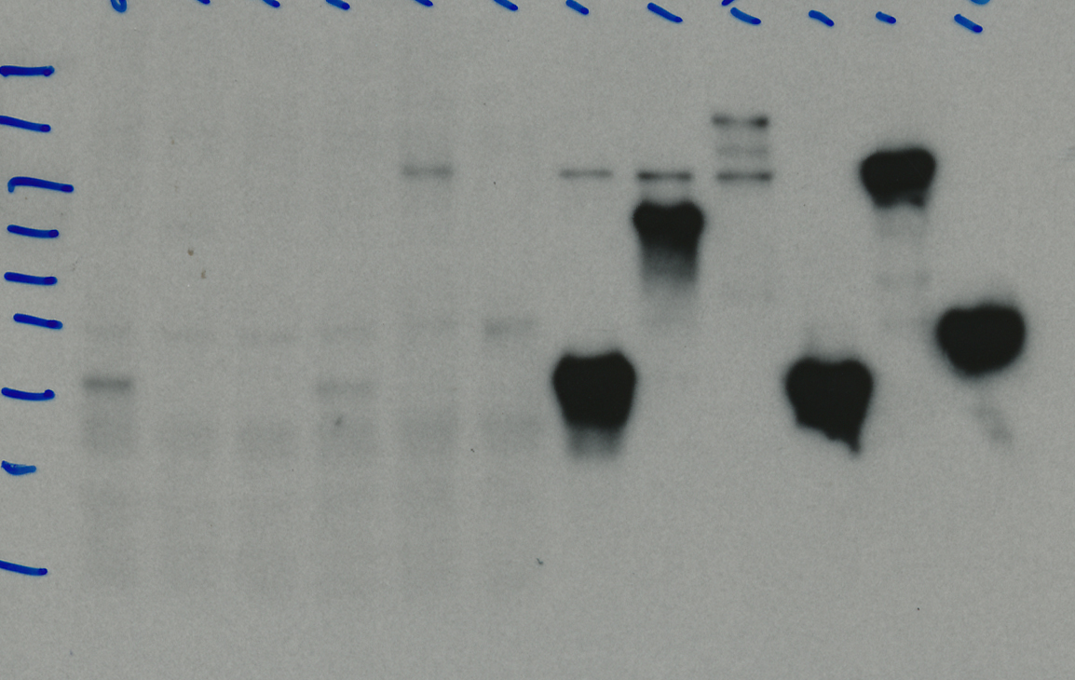

70 KDa-
55 KDa-
40 KDa-
35 KDa-
25 KDa-
25 KDa-

IP: anti-GFP
IB: anti-Flag
IP: anti-GFP
IB: anti-GFP
Input IB: anti-Flag

Suppl Fig 5f
Input
IP
Input
IP
+
+
+
-
+
-
+
+
+
-
+
-
+
+
+
-
+
-
+
+
+
-
+
-
GFP
GFP
GFP-MED4
GFP-MED4
Flag-RfC4
Flag-RfC4

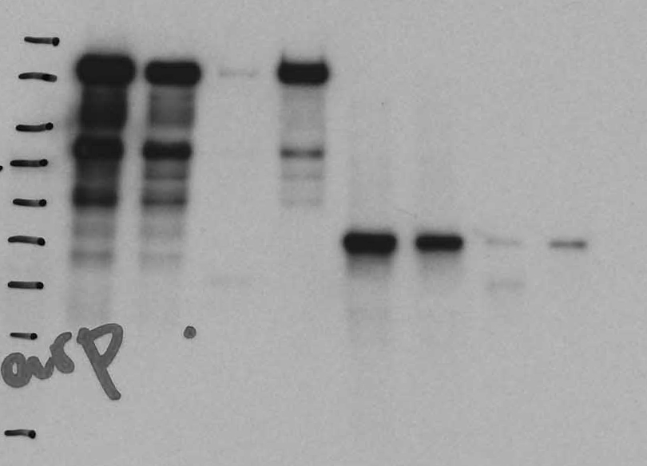
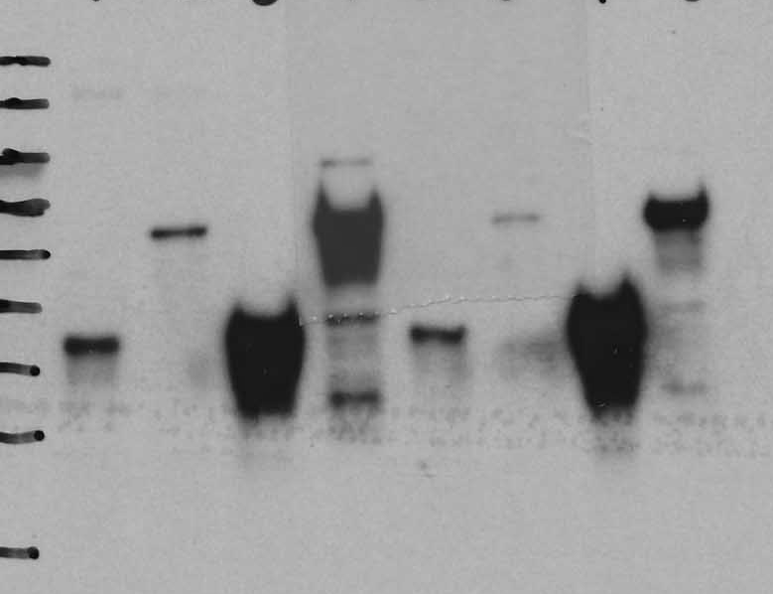

100 KDa-
70 KDa-
55 KDa-
55 KDa-
40 KDa-
40 KDa-

35 KDa-

IB: anti-Flag
IB: anti-GFP

Suppl Fig 5g
Input
IP
Input
IP
Flag-CG7006
GFP-MED19
GFP
+
+
+
-
+
-
+
+
+
-
+
-
Flag-CG7006
GFP-MED19
GFP
+
+
+
-
+
-
+
+
+
-
+
-

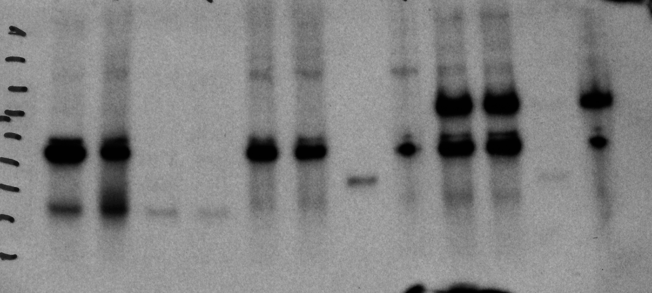
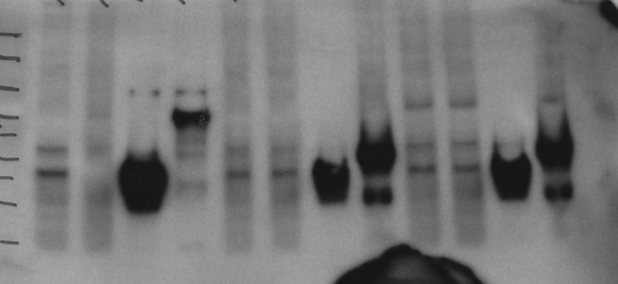

100 KDa-
55 KDa-
55 KDa-
70 KDa-
40 KDa-
40 KDa-
35 KDa-

IB: anti-Flag
IB: anti-GFP

Suppl Fig 5h
Input
IP
Input
IP
Flag-Larp
GFP
GFP-MED4
+
+
+
-
-
+
+
+
+
-
-
+
Flag-Larp
GFP
GFP-MED4
+
+
+
-
-
+
+
+
+
-
-
+

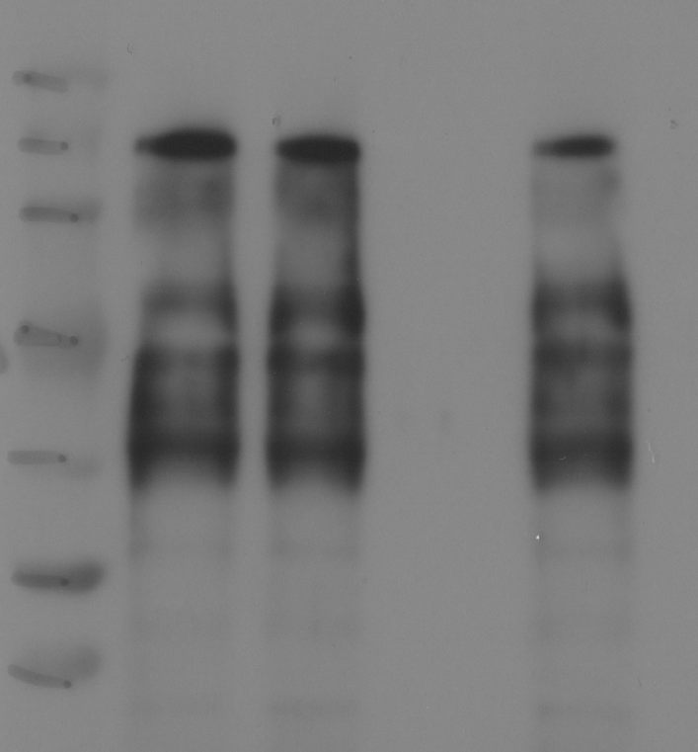
150 KDa-
100 KDa-

70 KDa-

35KDa-
IP: anti-GFP
IB: anti-Flag
IB: anti-Flag
IP: anti-GFP
IB: anti-GFP

Suppl Fig 5i
Input
Input
IP
IP
Flag-CG4813
GFP-Chro
GFP
+
+
+
-
+
-
+
+
+
-
+
-
Flag-CG4813
GFP-Chro
GFP
+
+
+
-
+
-
+
+
+
-
+
-

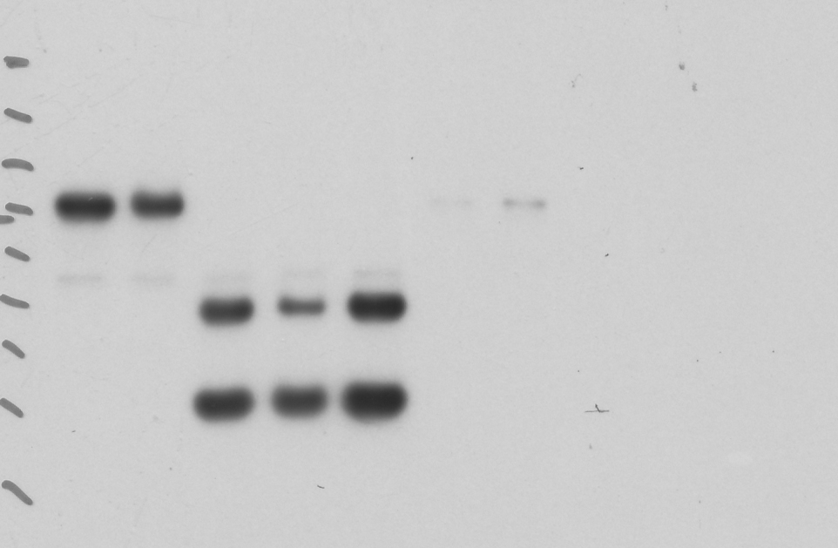
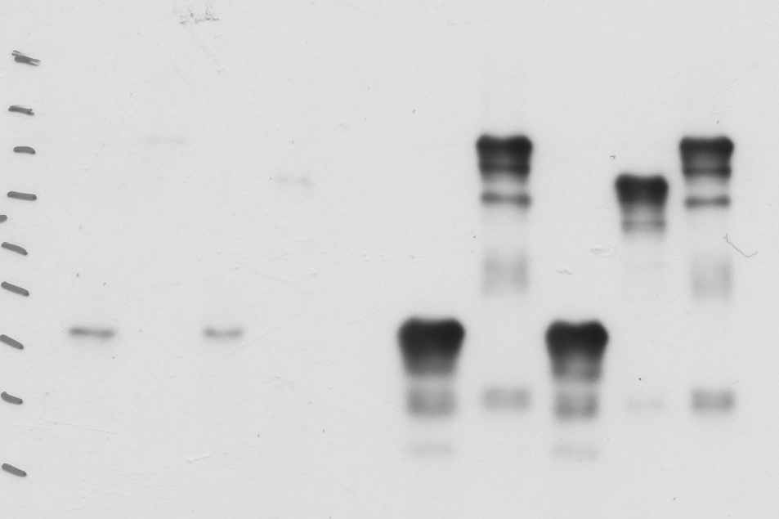

100 KDa-
100 KDa-
70 KDa-
70 KDa-
50 KDa-
40 KDa-
35 KDa-

IB: anti-Flag
IP: anti-GFP
IB: anti-Flag
IP: anti-GFP
IB: anti-GFP
IB: anti-GFP

Suppl Fig 5j
Input
IP
Input
IP
Flag-DOR
GFP-Atg8b
GFP
+
+
+
-
+
-
+
+
+
-
+
-
Flag-DOR
GFP-Atg8b
GFP
+
+
+
-
+
-
+
+
+
-
+
-

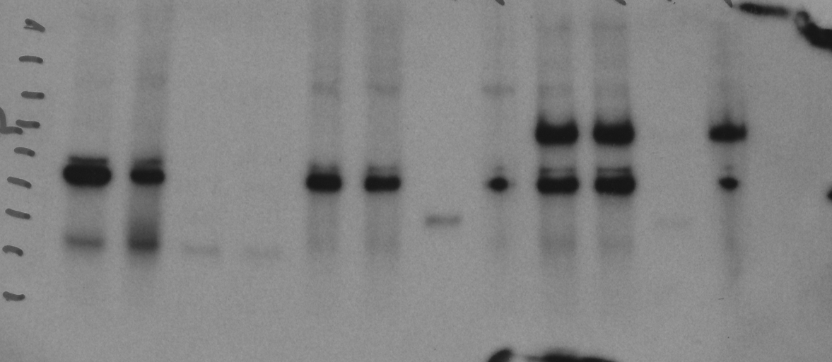
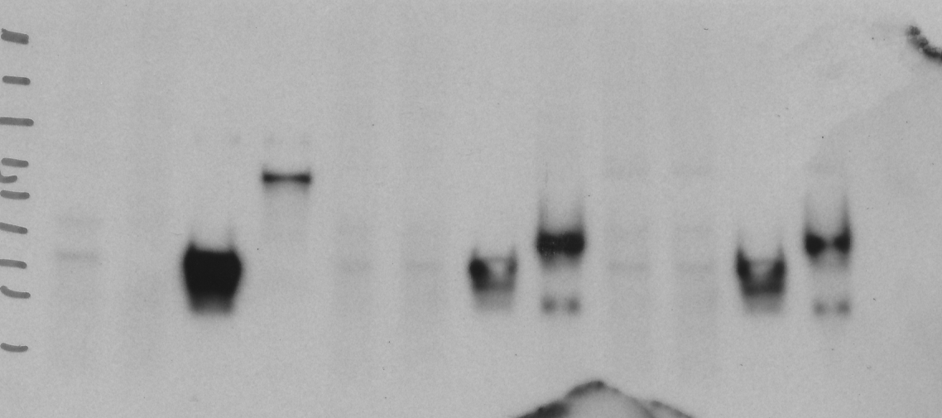

100 KDa-
70 KDa-

55 KDa-
40 KDa-
35 KDa-

IB: anti-Flag
IP: anti-GFP
IB: anti-Flag
IP: anti-GFP
IB: anti-GFP

Suppl Fig 5k
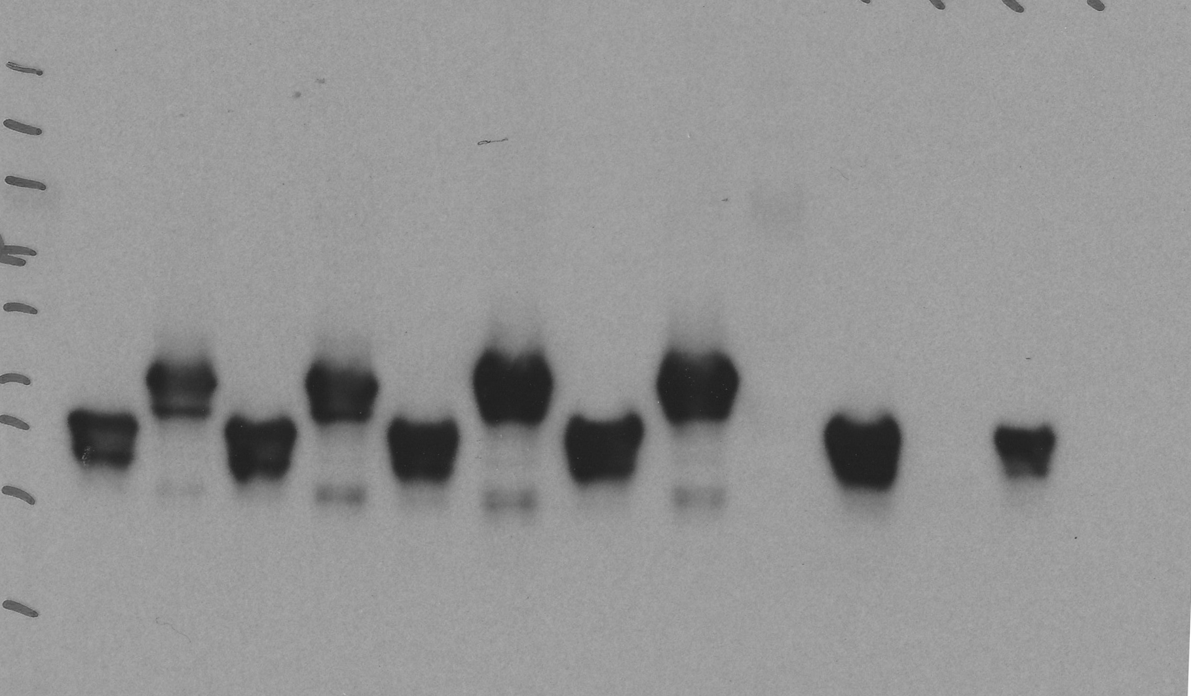
Flag-DOR
GFP-Atg8a
+
+
+
-
GFP
+
-
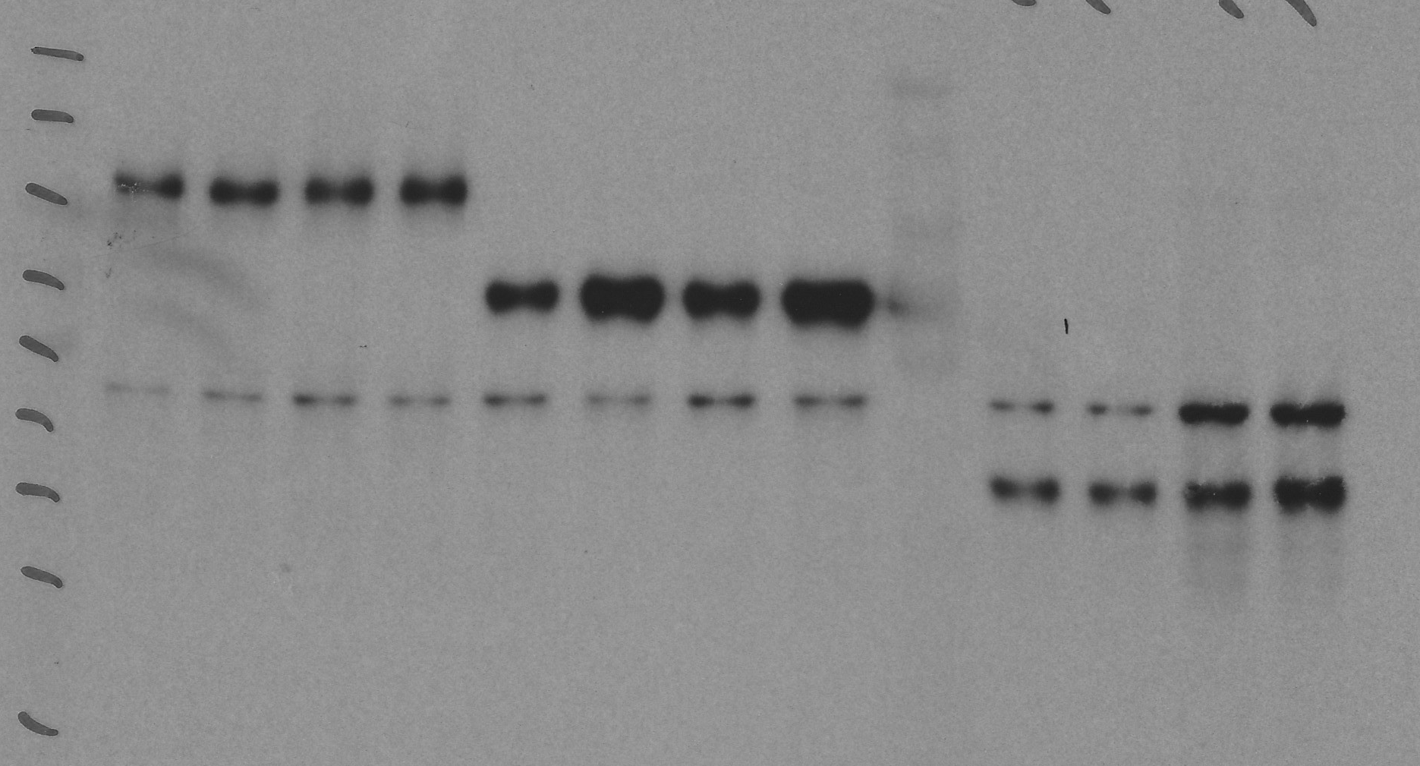
Flag-DOR
GFP-Atg8a
+
+
+
-
GFP
+
-
Flag-DOR
GFP-Atg8a
+
+
+
-
GFP
+
-



70 KDa-
70 KDa-
55 KDa-
55 KDa-
55 KDa-
40 KDa-
35 KDa-

Input IB: anti-Flag
IP: anti-GFP
IB: anti-Flag
IP: anti-GFP
IB: anti-GFP

Suppl Fig 5l
+
+
-
+
Flag-wash
GFP-CG5446
GFP
+
-
+
+
-
+
Flag-wash
GFP-CG5446
GFP
+
-
+
+
-
+
Flag-wash
GFP-CG5446
GFP
+
-

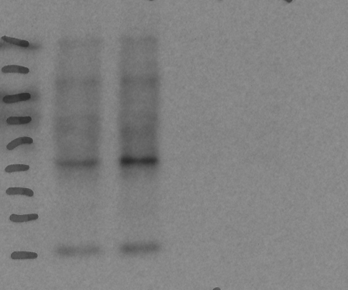
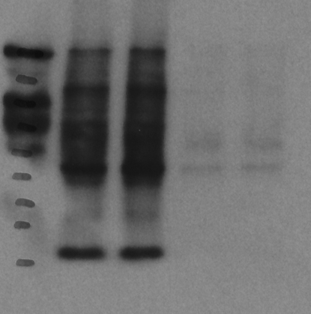
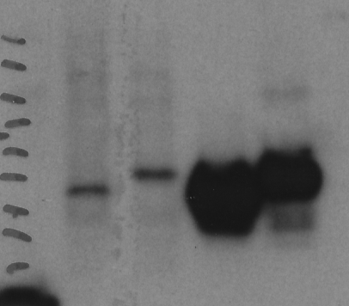

55 KDa-
55 KDa-
55 KDa-
40 KDa-
40 KDa-
40 KDa-
35 KDa-

IP: anti-GFP
IB: anti-Flag
IP: anti-GFP
IB: anti-GFP
Input IB: anti-Flag

Suppl Fig 5m
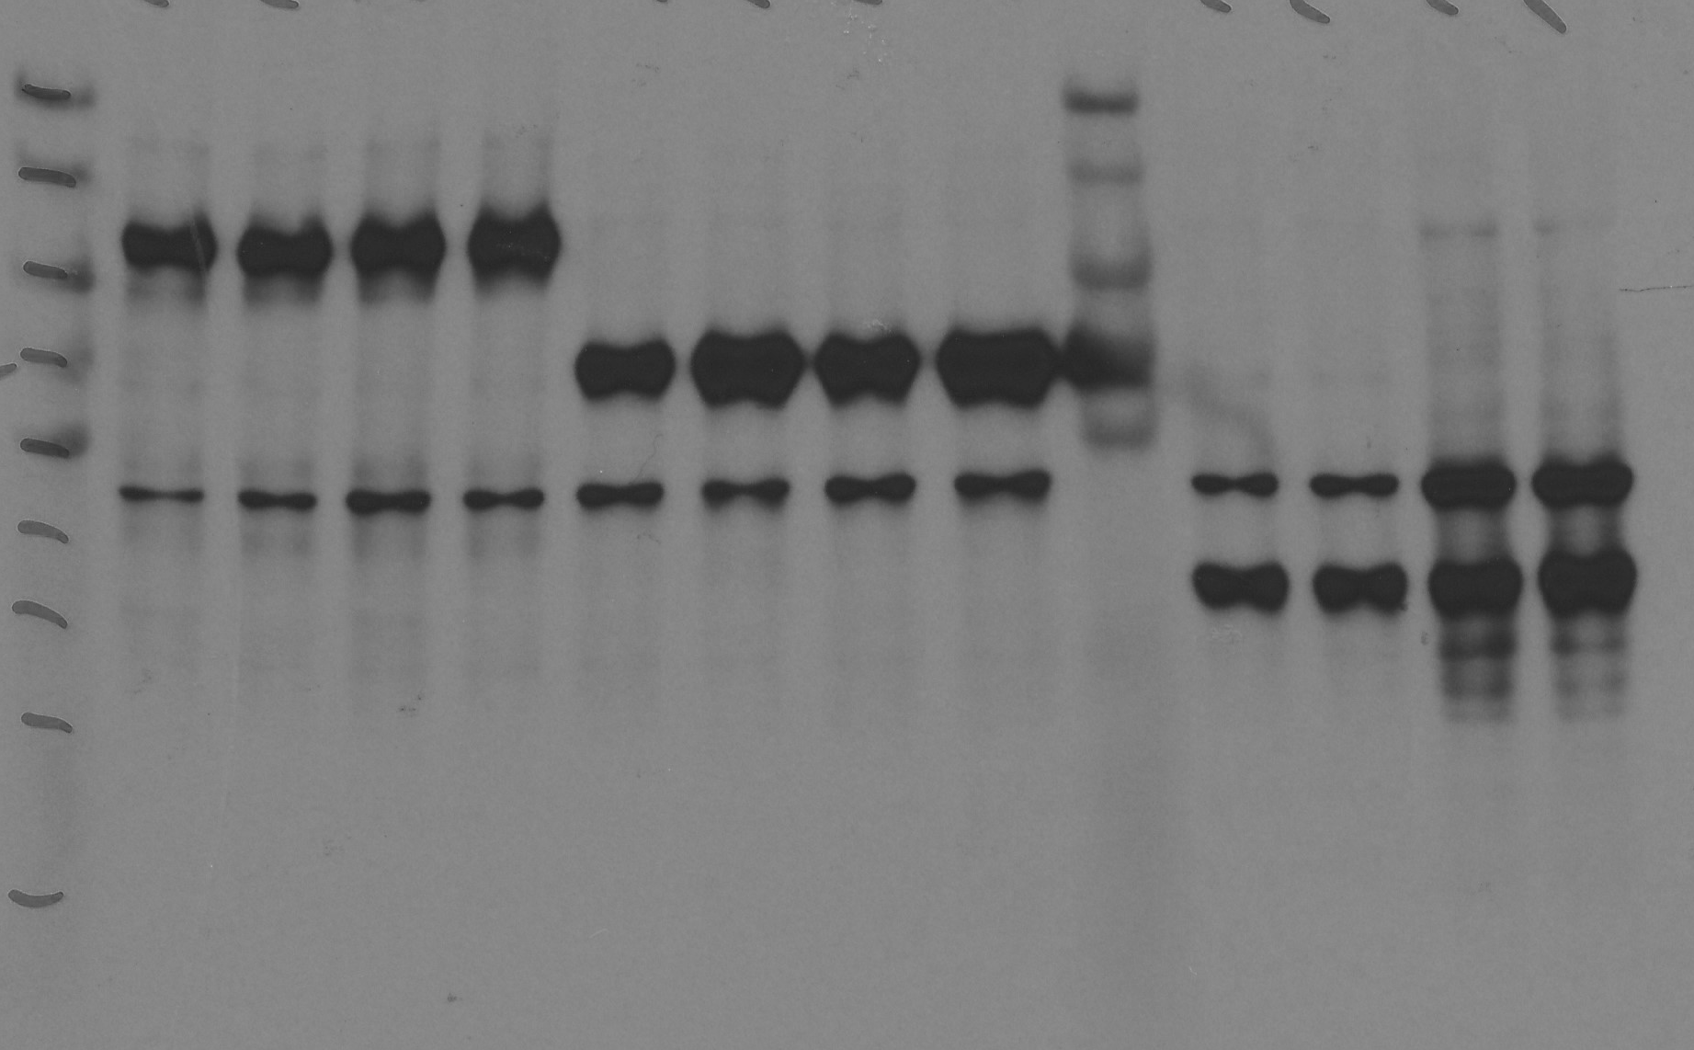
Flag-dwg
GFP-Atg8a
+
+
+
-
GFP
+
-
Input IB: anti-Flag
100 KDa-

Flag-dwg
GFP-Atg8a
+
+
+
-
GFP
+
-
IP: anti-GFP
IB: anti-Flag
100 KDa-
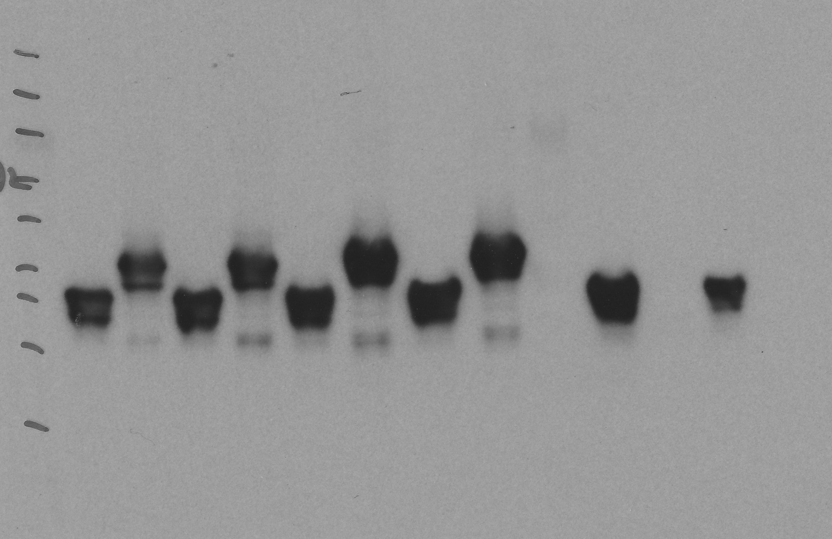
Flag-dwg
GFP-Atg8a
+
+
+
-
GFP
+
-
IP: anti-GFP
IB: anti-GFP
40 KDa-
35 KDa-

Suppl Fig 6a
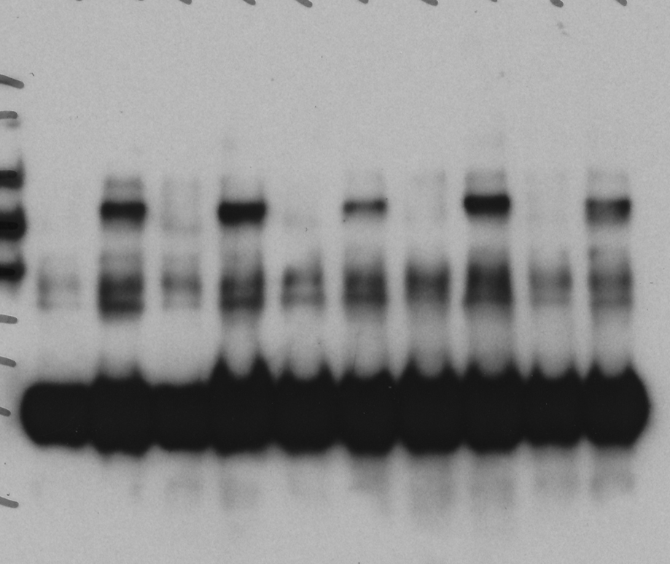
Flag-CG10209
GFP-kin17
+
+
+
-
70 KDa-
100 KDa-
IP: anti-Flag
IB: anti-Flag

Flag-CG10209
GFP-kin17
+
+
+
-
Flag-CG10209
GFP-kin17
+
+
+
-

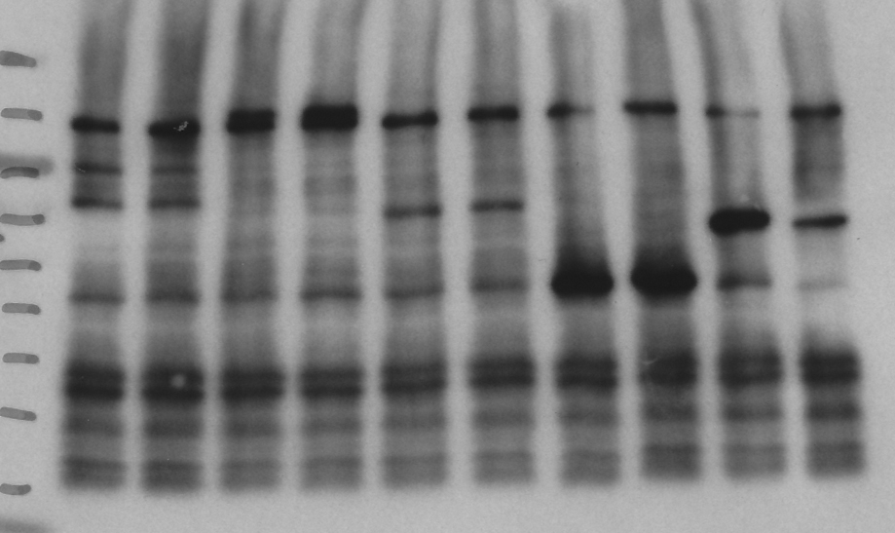
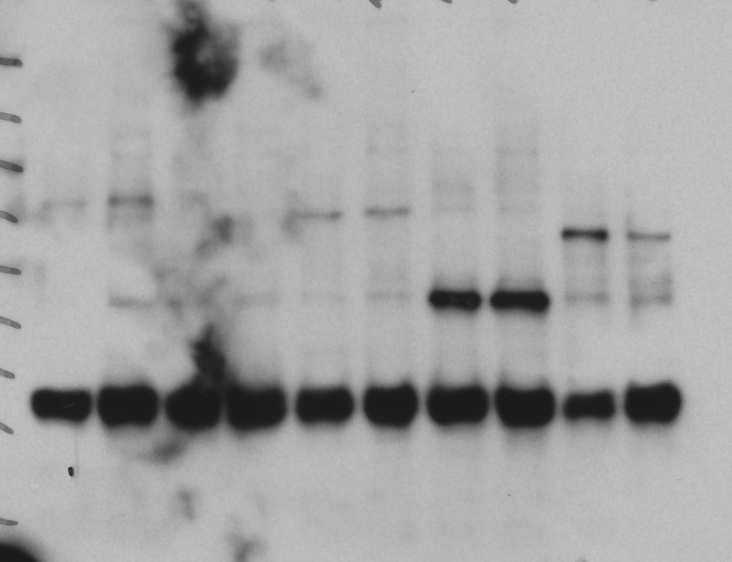

100 KDa-
100 KDa-
70 KDa-
70 KDa-

Input: anti-GFP
IP: anti-Flag
IB: anti-GFP

Suppl Fig 6b
GFP-Dpy-30L2
+
+
+
-
GFP-Dpy-30L2
+
+
+
-
GFP-Dpy-30L2
+
+
+
-
Flag-CG10209
Flag-CG10209
Flag-CG10209
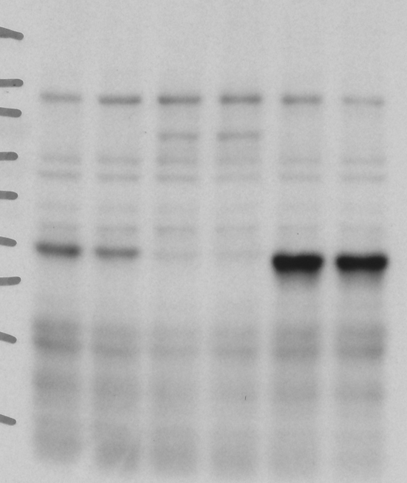
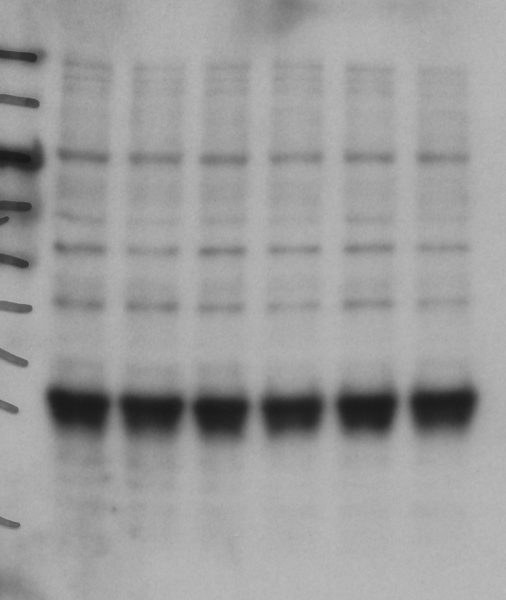
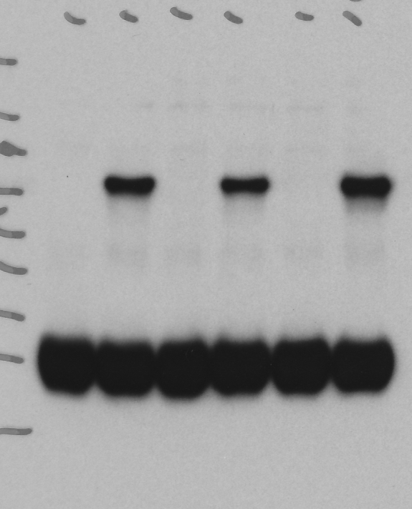

100 KDa-
70 KDa-

40 KDa-
40 KDa-
35 KDa-
35 KDa-

IP: anti-Flag
IB: anti-Flag
Input: anti-GFP
IP: anti-Flag
IB: anti-GFP

Suppl Fig 6c
Flag-CG10209
GFP-CG7484
+
+
+
-
Flag-CG10209
GFP-CG7484
+
+
+
-
Flag-CG10209
GFP-CG7484
+
+
+
-

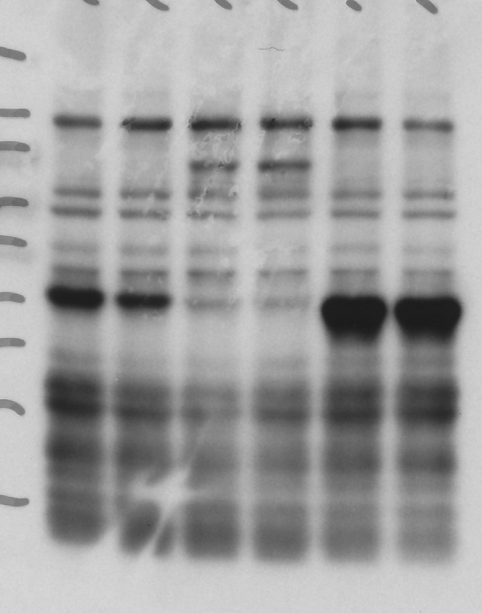
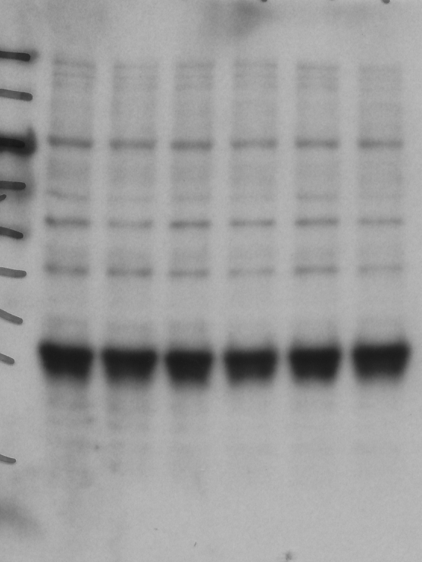

100 KDa-
70 KDa-

40 KDa-
40 KDa-
35 KDa-
35 KDa-

IP: anti-Flag
IB: anti-GFP
IP: anti-Flag
IB: anti-Flag
Input: anti-GFP

Suppl Fig 6d
Input
IP
Input
IP
Input
IP
Flag-CG10209
GFP-MED15
+
+
+
-
+
+
+
-
Flag-CG10209
GFP-MED15
+
+
+
-
+
+
+
-
Flag-CG10209
GFP-MED15
+
+
+
-
+
+
+
-

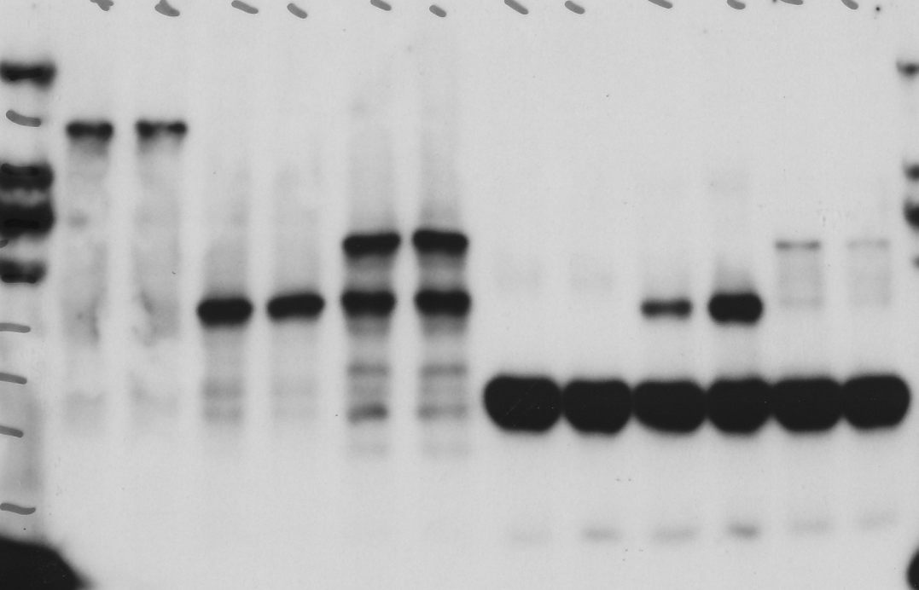
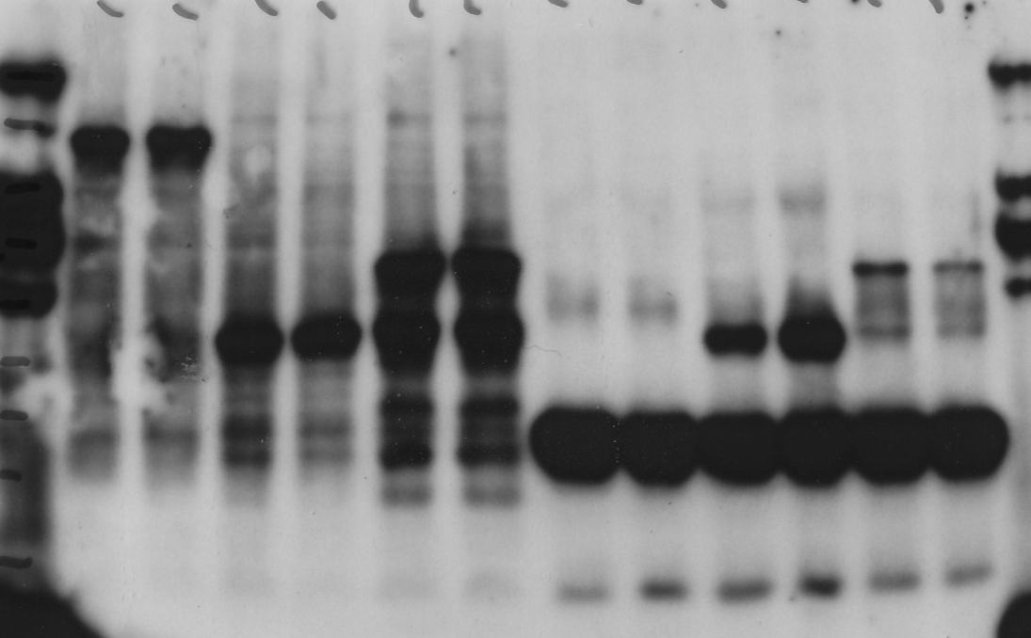
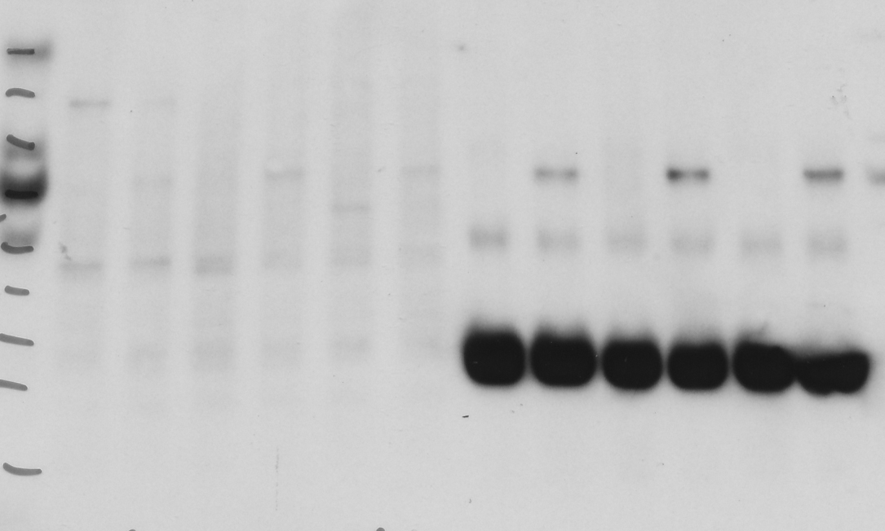
130 KDa-
130 KDa-
100 KDa-
100 KDa-
100 KDa-
70 KDa-

IP: anti-Flag
IB: anti-GFP
Input: GFP
IP: anti-Flag
IB: anti-Flag

Suppl Fig 6e
Flag-CG10209
GFP-MED19
+
+
+
-
Flag-CG10209
GFP-MED19
+
+
+
-
Flag-CG10209
GFP-MED19
+
+
+
-

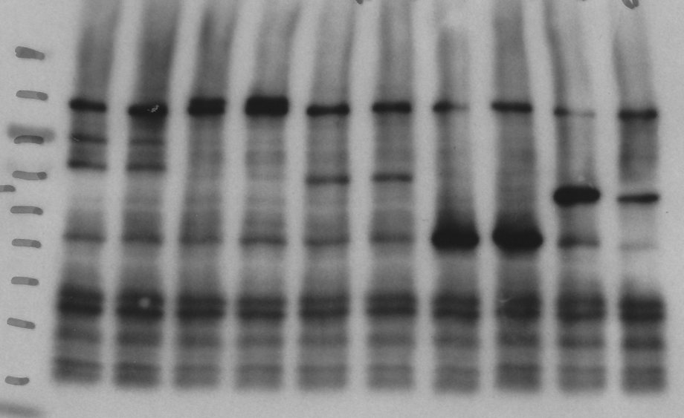


100 KDa-
70 KDa-
70 KDa-
70 KDa-
55 KDa-
55 KDa-

Input: GFP
IP: anti-Flag
IB: anti-GFP
IP: anti-Flag
IB: anti-Flag

Suppl Fig 6f
Input
IP
IP
GFP-sala
+
+
+
-
+
+
+
-
GFP-sala
+
+
+
-
Flag-CG10209
Flag-CG10209

IP: anti-Flag
IB: anti-Flag
100 KDa-
70 KDa-

55 KDa-
40 KDa-

Input: GFP
IP: Flag
IB: GFP

Suppl Fig 6g
Input
IP
Input
IP
Flag-CG10209
GFP-CG9667
+
+
+
-
+
+
+
-
Flag-CG10209
GFP-CG9667
+
+
+
-
+
+
+
-

100 KDa-

70 KDa-
70 KDa-
55 KDa-

IP: Flag
IB: Flag
Input: GFP
IP: Flag
IB: GFP

Suppl Fig 8


IP: GFP
IB: Flag
IP: GFP
IB: GFP
35 KDa-
25 KDa-
35 KDa-
40 KDa-
Input
IP
Input
IP

