Suppl. Fig. 13
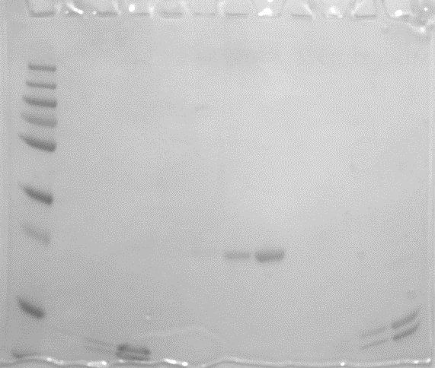
SI Figure 13

Non-cropped image of SDS-PAGE. Lanes are described in SI Figure 11.

