Fig. S3
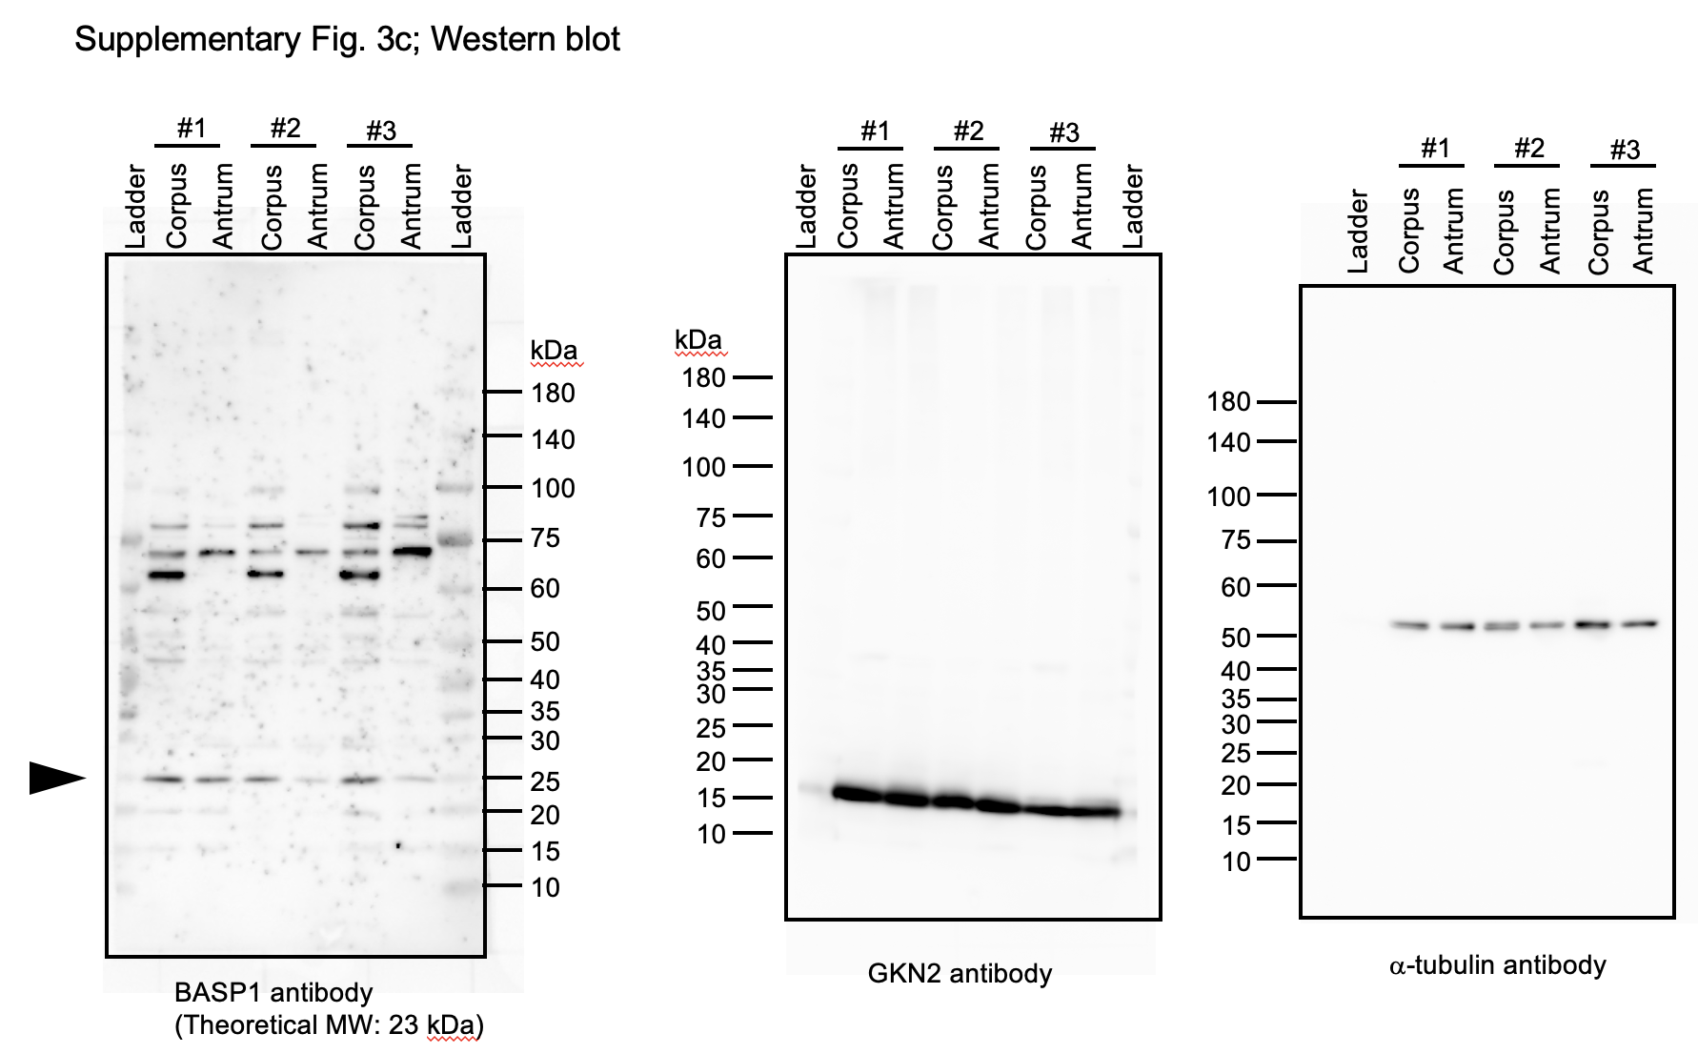
Fig. S3c Western blot

Relative intensity (BASP1/atub)
corpus | antrum
0.754158313 | 0.28089109
0.590397122 | 0.353631517
0.80131128 | 0.236137323

