Figure 2
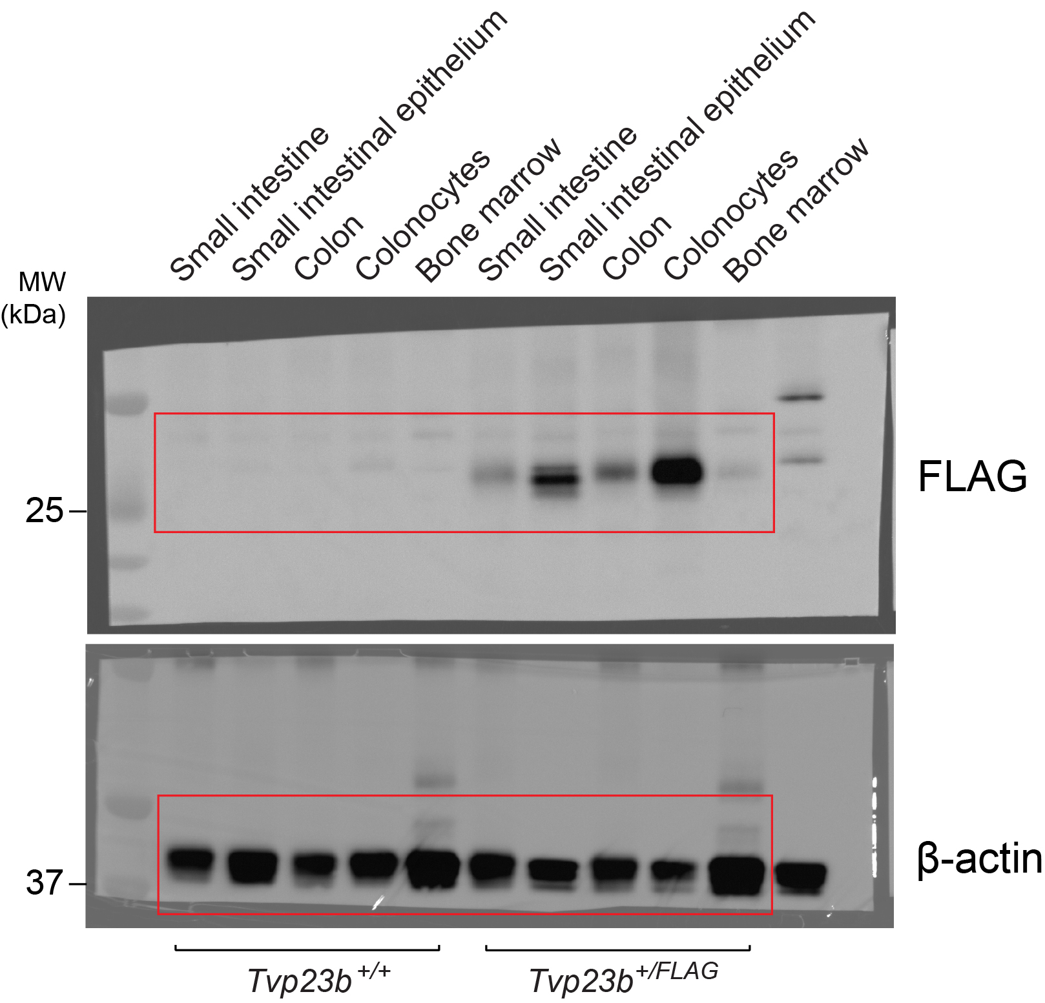
Figure 2a |  |  |  |  | Figure 2f
 |  |  |  |  |  | Time (Days) | Tvp23bflox/flox |  |  |  |  |  |  |  | Tvp23bflox/flox; Villin-Cre
 |  |  |  |  |  | 0 | 100 | 100 | 100 | 100 | 100 | 100 | 100 | 100 | 100 | 100 | 100 | 100 | 100 | 100 | 100 | 100
 |  |  |  |  |  | 3 | 101.7 | 102.5 | 99.6 | 103.6 | 102.2 | 103.3 | 98.7 | 104.6 | 102.1 | 102.6 | 103 | 99.6 | 101.9 | 101.2 | 105.1 | 101.2
 |  |  |  |  |  | 4 | 103.3 | 102.5 | 100.8 | 106 | 105.5 | 106.1 | 101.7 | 105 | 100 | 100.9 | 104.9 | 100 | 102.4 | 106.6 | 106.4 | 104.1
 |  |  |  |  |  | 5 | 102.5 | 102.5 | 100 | 106.6 | 105.5 | 104.2 | 100.4 | 103.3 | 94.1 | 95.3 | 97.6 | 94.3 | 100.5 | 100.6 | 100 | 100
 |  |  |  |  |  | 6 | 100.8 | 103.7 | 102.4 | 106 | 105.5 | 104.2 | 99.6 | 103.8 | 88.2 | 89.7 | 90.2 | 84.5 | 96.6 | 93.4 | 91.7 | 93.5
 |  |  |  |  |  | 7 | 101.7 | 102.9 | 102 | 106.6 | 107.7 | 106.1 | 97.4 | 103.8 | 85.3 | 84.6 | 85.4 | 78.4 | 91.3 | 91 | 82.7 | 88.2

 |  |  |  |  | Figure 2g | Tvp23bflox/flox | Tvp23bflox/flox; Villin-Cre
 |  |  |  |  |  | 2 | 11
 |  |  |  |  |  | 2 | 10
 |  |  |  |  |  | 2 | 9
 |  |  |  |  |  | 2 | 12
 |  |  |  |  |  | 0 | 8
 |  |  |  |  |  | 6 | 8
 |  |  |  |  |  | 2 | 12

 |  |  |  |  | Figure 2h | Tvp23bflox/flox | Tvp23bflox/flox; Villin-Cre
 |  |  |  |  |  | 7.7 | 5.2
 |  |  |  |  |  | 7.6 | 5.3
Figure 2c |  |  |  |  |  | 7.8 | 5.9
 | Tvp23b+/+ BM > Tvp23b+/+ | Tvp23b-/- BM > Tvp23b+/+ | Tvp23b+/+ BM > Tvp23b-/- | Tvp23b-/- BM > Tvp23b-/- |  | 7 | 5.4
 | 100.5682 | 97.48744 | 80.72917 | 86.15385 |  | 8.1 | 5.5
 | 96.89119 | 97.56098 | 79.29293 | 79.45946 |  | 7.8 | 5.3
 | 98.94737 | 99.47368 | 85.49223 | 88.29268 |  | 7.3 | 4.2
 | 97.84946 | 99.49495 | 79.10448 | 83.69565 |  | 7.7 | 5.2
 | 97.61905 | 98.97436 | 81.4433 | 87.81726

Figure 2d
 | Tvp23b+/+ BM > Tvp23b+/+ | Tvp23b-/- BM > Tvp23b+/+ | Tvp23b+/+ BM > Tvp23b-/- | Tvp23b-/- BM > Tvp23b-/-
 | 0 | 4 | 11 | 11
 | 5 | 4 | 12 | 12
 | 5 | 2 | 11 | 11
 | 1 | 0 | 12 | 11
 | 3 | 1 | 11 | 11

Figure 2e
 | Tvp23b+/+ BM > Tvp23b+/+ | Tvp23b-/- BM > Tvp23b+/+ | Tvp23b+/+ BM > Tvp23b-/- | Tvp23b-/- BM > Tvp23b-/-
 | 8 | 7 | 5.5 | 5
 | 7.2 | 7.7 | 5 | 4.4
 | 7.2 | 6 | 6.4 | 5.2
 | 7.9 | 8.3 | 5.2 | 5.1
 | 8 | 6.5 | 5.8 | 4.6

Figure 6
Figure 6c |  |  | Figure 6e
 | Tvp23b+/- | Tvp23b-/- |  |  | Tvp23b+/+ | Tvp23b-/-
 | 744.1014 | 992.1238 |  | Core 1 | 27 | 38
 | 1223.657 | 1655.326 |  | Core 2 | 54 | 55
 | 3074.029 | 1931.779 |  | Core 3 | 9 | 1
 | 783.4178 | 1825.897 |  | Core 4 | 10 | 6
 | 1790.28 | 1974.39

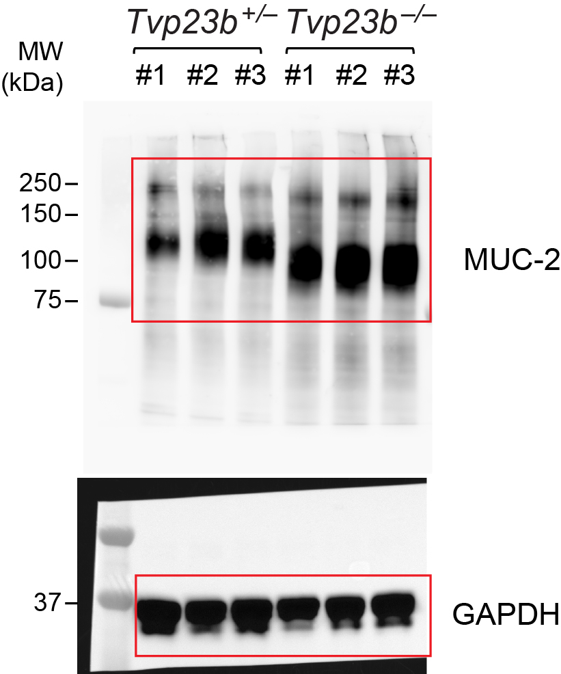
Figure 6d

Figure 7
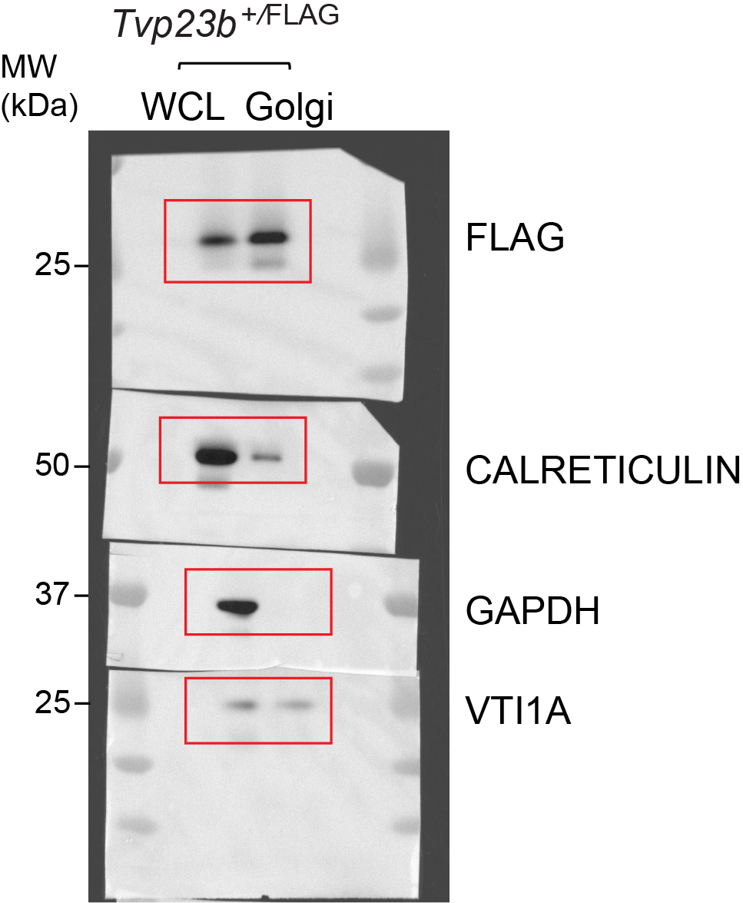
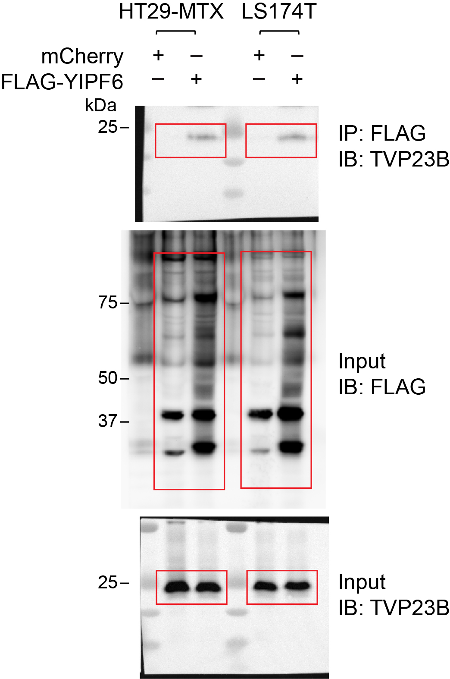
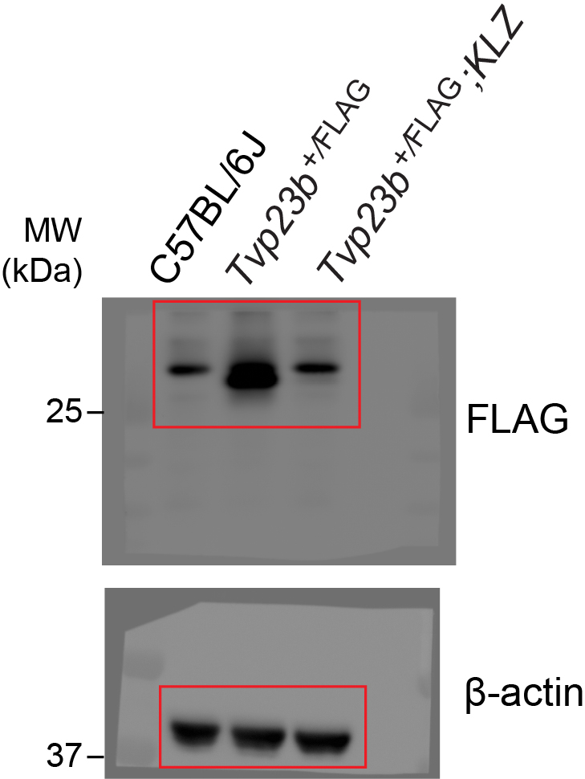
Figure 7a | Figure 7b | Figure 7c | Figure 7d |  |  |  | Figure 7e
 |  |  |  |  | Intensity | Fraction |  |  | Intensity | Fraction
 |  |  |  | Tvp23b | 1050000000 | 0 |  | Prss1 | 29300000000 | 0
 |  |  |  | Tmem230 | 607000000 | 0 |  | Yipf6 | 3180000000 | 0
 |  |  |  | Dhx38 | 536000000 | 0 |  | Tvp23b | 3020000000 | 0
 |  |  |  | Ddx46 | 377000000 | 0 |  | B3gnt6 | 2460000000 | 0
 |  |  |  | Nap1l4 | 366000000 | 0 |  | Igkv8-24 | 636000000 | 0
 |  |  |  | B3gnt6 | 351000000 | 0 |  | Pllp | 592000000 | 0
 |  |  |  | Sdc4 | 347000000 | 0 |  | Yipf1 | 585000000 | 0
 |  |  |  | Pla2g4c | 346000000 | 0 |  | Yipf2 | 580000000 | 0
 |  |  |  | Ube2m | 318000000 | 0 |  | Sys1 | 495000000 | 0
 |  |  |  | Vps13b | 303000000 | 0 |  | B3galt2 | 430000000 | 0
 |  |  |  | Dhx15 | 253000000 | 0 |  | Adam17 | 406000000 | 0
 |  |  |  | Orai1 | 239000000 | 0 |  | Ube2v1 | 396000000 | 0
 |  |  |  | Psmf1 | 234000000 | 0 |  | Tmf1 | 392000000 | 0
 |  |  |  | Ttn | 231000000 | 0 |  | Psmd6 | 374000000 | 0
 |  |  |  | Prrc2a | 206000000 | 0 |  | Esd | 365000000 | 0
 |  |  |  | Snx2 | 202000000 | 0 |  | Cldn2 | 363000000 | 0
 |  |  |  | Rsrc2 | 974000000 | 0.02 |  | Spta1 | 346000000 | 0
 |  |  |  | Api5 | 404000000 | 0.05 |  | Ank1 | 286000000 | 0
 |  |  |  | Hsph1 | 287000000 | 0.05 |  | Zdhhc17 | 281000000 | 0
 |  |  |  | Nap1l1 | 386000000 | 0.05 |  | Acap3 | 278000000 | 0
 |  |  |  | Tmed7 | 43400000000 | 0.07 |  | Tmem45b | 276000000 | 0
 |  |  |  | Irf2bp2 | 413000000 | 0.08 |  | Slc17a9 | 251000000 | 0
 |  |  |  | Mtatp8 | 665000000 | 0.09 |  | Sec24d | 236000000 | 0
 |  |  |  | Gstt3 | 255000000 | 0.11 |  | Ighv4-1 | 235000000 | 0
 |  |  |  | Nxpe2 | 527000000 | 0.12 |  | Ppm1l | 232000000 | 0
 |  |  |  | Ddx42 | 396000000 | 0.13 |  | Evx1 | 226000000 | 0
 |  |  |  | Qsox1 | 375000000 | 0.13 |  | Slc8a1 | 220000000 | 0
 |  |  |  | Clca4b | 214000000 | 0.14 |  | Cyb561d1 | 210000000 | 0
 |  |  |  | Aldob | 465000000 | 0.14 |  | Tbc1d10b | 206000000 | 0
 |  |  |  | A4gnt | 518000000 | 0.14 |  | Atraid | 205000000 | 0
Figure 7g | Figure 7h |  |  | Fam3d | 158000000000 | 0.15 |  | Dync1i2 | 260000000 | 0.073384
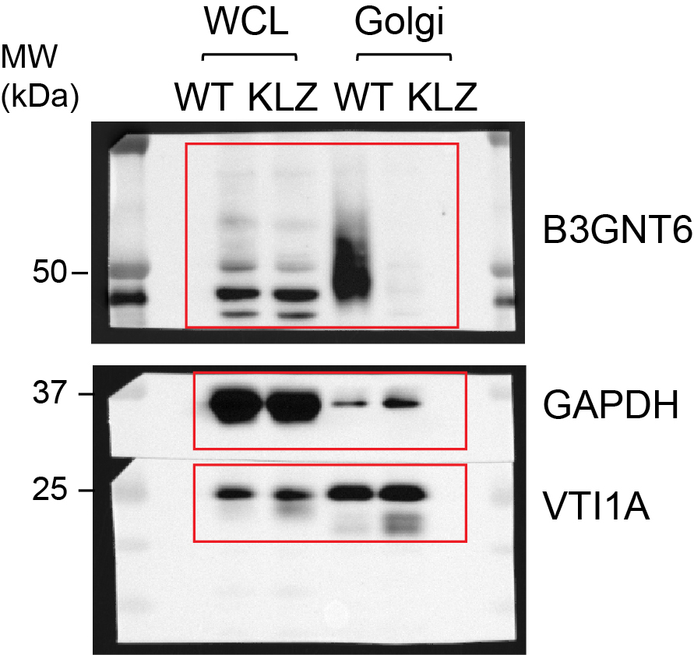
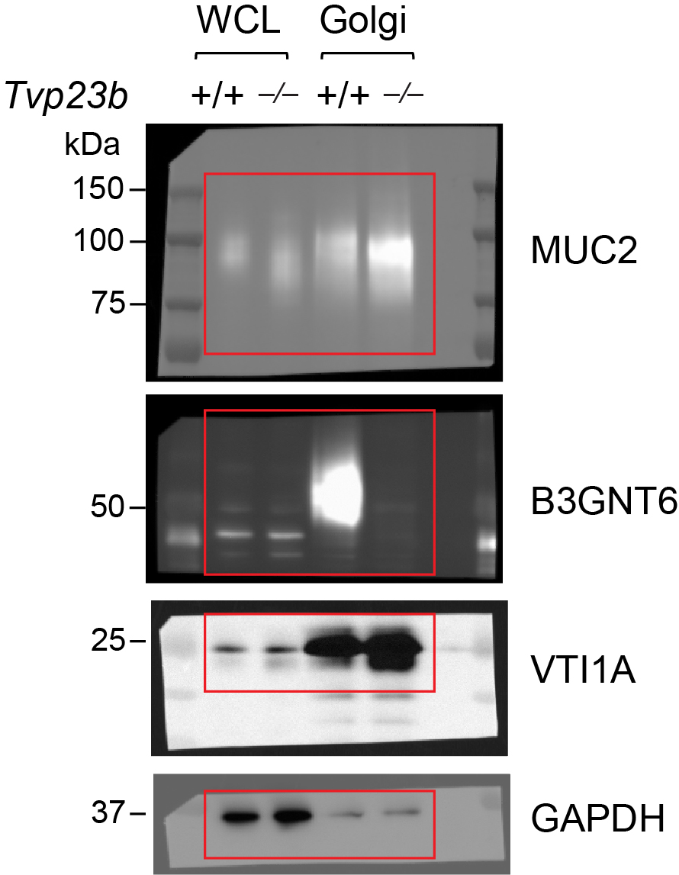
 |  |  |  | Ndufb8 | 249000000 | 0.15 |  | Nxpe2 | 4230000000 | 0.080898
 |  |  |  | Rab9a | 425000000 | 0.16 |  | Slc2a13 | 418000000 | 0.104041
 |  |  |  | Plin3 | 446000000 | 0.17 |  | Ptprc | 724000000 | 0.107911
 |  |  |  | Casd1 | 864000000 | 0.18 |  | St6galnac4 | 232000000 | 0.111849
 |  |  |  | Brd2 | 226000000 | 0.18 |  | Fth1 | 320000000 | 0.111867
 |  |  |  | B3galt6 | 299000000 | 0.19 |  | Lnpk | 919000000 | 0.115716
 |  |  |  | Pafah1b3 | 331000000 | 0.19 |  | Map7 | 574000000 | 0.131222
 |  |  |  | Sult1b1 | 255000000 | 0.19 |  | Vti1a | 3890000000 | 0.133218
 |  |  |  | Rpl35a | 373000000 | 0.2 |  | Atp5mg | 1790000000 | 0.140126
 |  |  |  | Mcm3 | 307000000 | 0.2 |  | Prr15l | 279000000 | 0.141481
 |  |  |  | B3gnt3 | 28100000000 | 0.21 |  | Adam9 | 607000000 | 0.14651
 |  |  |  | Cyba | 310000000 | 0.21 |  | Trip11 | 249000000 | 0.156689
 |  |  |  | Pals2 | 242000000 | 0.21 |  | Golm2 | 6640000000 | 0.158667
 |  |  |  | Atp2c2 | 1420000000 | 0.22 |  | B3gnt3 | 48100000000 | 0.1605
 |  |  |  | Atp5mf | 455000000 | 0.22 |  | Pkp1 | 261000000 | 0.165804
 |  |  |  | Ufc1 | 270000000 | 0.22 |  | Zdhhc7 | 330000000 | 0.16691
 |  |  |  | Nxpe4 | 2100000000 | 0.22 |  | Dnajc3 | 363000000 | 0.170668
 |  |  |  | Uxs1 | 246000000 | 0.23 |  | Tgm3 | 303000000 | 0.172341
 |  |  |  | Qsox2 | 631000000 | 0.24 |  | Dag1 | 1100000000 | 0.173306
 |  |  |  | Atp6v1f | 308000000 | 0.24 |  | A4gnt | 2330000000 | 0.176118
 |  |  |  | Lck | 978000000 | 0.24 |  | Kdelr3 | 2940000000 | 0.17927
 |  |  |  | Cstb | 354000000 | 0.24 |  | Fam3d | 391000000000 | 0.183802
 |  |  |  | Pak1 | 410000000 | 0.24 |  | Dhrs1 | 424000000 | 0.184462
 |  |  |  | Carhsp1 | 435000000 | 0.25 |  | Gal3st2 | 6650000000 | 0.185516
 |  |  |  | Entpd6 | 1020000000 | 0.25 |  | St13 | 217000000 | 0.187977
 |  |  |  | Casp1 | 395000000 | 0.25 |  | Prkar1a | 471000000 | 0.189249
 |  |  |  | Farp1 | 2960000000 | 0.25 |  | St6gal1 | 5760000000 | 0.194326
 |  |  |  | Psma3 | 321000000 | 0.25 |  | B3galt5 | 37900000000 | 0.198746
 |  |  |  | Spr | 213000000 | 0.26 |  | Slc30a5 | 227000000 | 0.200245
 |  |  |  | Anxa7 | 645000000 | 0.26 |  | Qars1 | 450000000 | 0.202728
 |  |  |  | Uap1 | 278000000 | 0.26 |  | Cd5 | 417000000 | 0.204279
 |  |  |  | Acss2 | 301000000 | 0.26 |  | Entpd4 | 3230000000 | 0.204523
 |  |  |  | Fam3a | 23500000000 | 0.26 |  | Gal3st2c | 5820000000 | 0.207911
 |  |  |  | Tmem9b | 415000000 | 0.27 |  | Glrx | 406000000 | 0.209508
 |  |  |  | Rbm39 | 665000000 | 0.27 |  | Krt6a | 25900000000 | 0.211271
 |  |  |  |  | 3760000000 | 0.269274 |  | Laptm4a | 303000000 | 0.213534
 |  |  |  | Anks4b | 337000000 | 0.27 |  | Twf1 | 494000000 | 0.214744
 |  |  |  | Psmd6 | 312000000 | 0.27 |  | Gdpd1 | 220000000 | 0.216951
 |  |  |  | Ly75 | 267000000 | 0.27 |  | Abhd14a | 216000000 | 0.21728
 |  |  |  | Thrap3 | 1070000000 | 0.27 |  | Mapk3 | 1120000000 | 0.217639
 |  |  |  | Gosr1 | 8230000000 | 0.27 |  | Tmco3 | 659000000 | 0.218894
 |  |  |  | Ubap2l | 440000000 | 0.27 |  | Sytl2 | 344000000 | 0.220386
 |  |  |  | Zyx | 542000000 | 0.27 |  | St6galnac6 | 64300000000 | 0.227569
 |  |  |  | Map2k2 | 346000000 | 0.27 |  | Slc50a1 | 993000000 | 0.230698
 |  |  |  | Mapk1ip1l | 250000000 | 0.28 |  | Fer1l6 | 251000000 | 0.23137
 |  |  |  | Rab21 | 374000000 | 0.28 |  | Cct8 | 593000000 | 0.233507
 |  |  |  | Kdelr3 | 924000000 | 0.28 |  | Nucb2 | 2650000000 | 0.235325
 |  |  |  | Rps6ka1 | 819000000 | 0.28 |  | Abo | 1350000000 | 0.235425
 |  |  |  | Gal3st2 | 645000000 | 0.28 |  | St6galnac2 | 3250000000 | 0.235486
 |  |  |  | Pabpc4 | 427000000 | 0.29 |  | Qsox1 | 2260000000 | 0.235811
 |  |  |  | Src | 1350000000 | 0.29 |  | Slc4a1 | 1990000000 | 0.237994
 |  |  |  |  | 8840000000 | 0.290228 |  | Casd1 | 3660000000 | 0.240068
 |  |  |  | Sra1 | 233000000 | 0.29 |  | Lpp | 463000000 | 0.24056
 |  |  |  | Sec24d | 281000000 | 0.29 |  | Picalm | 1670000000 | 0.250047
 |  |  |  | Pitpna | 335000000 | 0.29 |  | Lysmd3 | 410000000 | 0.251991
 |  |  |  | Lsr | 690000000 | 0.29 |  | Tpm4 | 513000000 | 0.253982
 |  |  |  | Prpsap2 | 245000000 | 0.29 |  | Cd81 | 802000000 | 0.254174
 |  |  |  | Mgat4a | 2750000000 | 0.29 |  | Scamp4 | 1540000000 | 0.255789
 |  |  |  | Galnt10 | 1950000000 | 0.3 |  | Stmn1 | 219000000 | 0.25742
 |  |  |  | Golga7 | 281000000 | 0.3 |  | Fam3a | 50400000000 | 0.258294
 |  |  |  | B4galt4 | 2850000000 | 0.3 |  | Slc35c1 | 1660000000 | 0.258959
 |  |  |  | Myo5b | 235000000 | 0.31 |  | Bet1l | 10200000000 | 0.260621
 |  |  |  | Bclaf1 | 276000000 | 0.31 |  | Man1a1 | 8170000000 | 0.260688
 |  |  |  | Lgals9 | 451000000 | 0.31 |  | Rabac1 | 19700000000 | 0.262388
 |  |  |  | Serpinb5 | 390000000 | 0.31 |  | Rundc1 | 939000000 | 0.263431
 |  |  |  | Sf3b5 | 399000000 | 0.31 |  | Tjp3 | 489000000 | 0.263587
 |  |  |  | Slc35a1 | 2300000000 | 0.31 |  | Eif5a | 444000000 | 0.263762
 |  |  |  | Slc35b2 | 6360000000 | 0.31 |  | Irgm2 | 1640000000 | 0.266281
 |  |  |  | Galnt5 | 2230000000 | 0.31 |  | Atp6v1c1 | 263000000 | 0.270052
 |  |  |  | Chmp1a | 525000000 | 0.32 |  | Cdhr5 | 246000000 | 0.270613
 |  |  |  | Cgn | 383000000 | 0.32 |  | Myo18a | 421000000 | 0.272784
 |  |  |  | Golm1 | 93700000000 | 0.32 |  | Tnfrsf11a | 602000000 | 0.27332
 |  |  |  | Rars1 | 529000000 | 0.32 |  | Cog6 | 221000000 | 0.273472
 |  |  |  | B3galt5 | 7340000000 | 0.32 |  | Slc9a3r1 | 633000000 | 0.273584
 |  |  |  | Zc3hav1 | 320000000 | 0.32 |  | Dock7 | 709000000 | 0.275217
 |  |  |  | Tmem236 | 597000000 | 0.32 |  | Mgst3 | 222000000 | 0.275324
 |  |  |  | Gmppb | 223000000 | 0.32 |  | Cap1 | 883000000 | 0.277137
 |  |  |  | Vta1 | 326000000 | 0.32 |  | Krt5 | 31500000000 | 0.277408
 |  |  |  | Ephb4 | 227000000 | 0.32 |  | Ndst1 | 241000000 | 0.278499
 |  |  |  | Gng5 | 436000000 | 0.32 |  | Mgat3 | 6610000000 | 0.280319
 |  |  |  | Ifitm2 | 372000000 | 0.33 |  | Qpctl | 360000000 | 0.281133
 |  |  |  | St6galnac6 | 31900000000 | 0.33 |  | Tmem168 | 2290000000 | 0.281783
 |  |  |  | Pcbp2 | 1090000000 | 0.33 |  | Dlat | 312000000 | 0.28217
 |  |  |  | Snrpa | 2340000000 | 0.33 |  | Add3 | 596000000 | 0.283438
 |  |  |  | Aimp2 | 234000000 | 0.33 |  | B4galt1 | 6540000000 | 0.283846
 |  |  |  | Hk2 | 783000000 | 0.33 |  | B4galt4 | 6890000000 | 0.284702
 |  |  |  | Tmem165 | 624000000 | 0.33 |  | Mgat4a | 5320000000 | 0.284729
 |  |  |  | C1galt1 | 14900000000 | 0.33 |  | Prdx6 | 3600000000 | 0.284882
 |  |  |  | Rab3a | 1210000000 | 0.33 |  | Atp2c2 | 3870000000 | 0.285235
 |  |  |  | Rhob | 400000000 | 0.33 |  | Igsf3 | 286000000 | 0.285956
 |  |  |  | D630039A03Rik | 1380000000 | 0.33 |  | Cgn | 287000000 | 0.288917
 |  |  |  | St3gal4 | 2950000000 | 0.33 |  | Slc35a1 | 10300000000 | 0.289888
 |  |  |  | Atp6v1h | 1040000000 | 0.34 |  | Zdhhc3 | 247000000 | 0.291442
 |  |  |  | Hook1 | 210000000 | 0.34 |  | Efcab14 | 413000000 | 0.292728
 |  |  |  | Tspan15 | 375000000 | 0.34 |  | Slc35b3 | 1920000000 | 0.295496
 |  |  |  | Pgls | 393000000 | 0.34 |  | Galnt5 | 6950000000 | 0.295751
 |  |  |  | Glrx | 787000000 | 0.34 |  | Slc29a1 | 302000000 | 0.296285
 |  |  |  | Prdx6 | 2490000000 | 0.34 |  | Qsox2 | 979000000 | 0.297764
 |  |  |  | Plch1 | 299000000 | 0.34 |  | Scp2 | 406000000 | 0.297779
 |  |  |  | St6gal1 | 3520000000 | 0.34 |  | Pgam1 | 1520000000 | 0.29785
 |  |  |  | Pcdh1 | 614000000 | 0.34 |  | Tpm3 | 4230000000 | 0.298995
 |  |  |  | Akr1a1 | 1030000000 | 0.34 |  | Slc37a1 | 405000000 | 0.301566
 |  |  |  |  | 16900000000 | 0.344308 |  | Galnt10 | 6610000000 | 0.302244
 |  |  |  | Galnt2 | 2100000000 | 0.34 |  | Gcnt3 | 27100000000 | 0.302709
 |  |  |  | Pycard | 1300000000 | 0.34 |  | C1galt1c1 | 64000000000 | 0.304099
 |  |  |  | Plscr1 | 356000000 | 0.35 |  | Golm1 | 186000000000 | 0.304421
 |  |  |  | Atp2c1 | 2150000000 | 0.35 |  | Wasf2 | 329000000 | 0.304504
 |  |  |  | Puf60 | 1290000000 | 0.35 |  | Cacfd1 | 2220000000 | 0.304759
 |  |  |  | Luc7l2 | 430000000 | 0.35 |  | Psen1 | 736000000 | 0.305694
 |  |  |  | Bpnt1 | 525000000 | 0.35 |  | Tpm1 | 4010000000 | 0.3065
 |  |  |  | Yipf6 | 2630000000 | 0.35 |  | Nhlrc3 | 614000000 | 0.306866
 |  |  |  | Tmbim4 | 452000000 | 0.35 |  | Rps29 | 547000000 | 0.307155
 |  |  |  | Gorasp1 | 495000000 | 0.35 |  | Acsl1 | 222000000 | 0.30765
 |  |  |  | Igkv12-46 | 202000000 | 0.35 |  | Mapk13 | 242000000 | 0.30809
 |  |  |  | Igkv12-41 | 202000000 | 0.35 |  | Ebag9 | 1260000000 | 0.308224
 |  |  |  | Vti1a | 3070000000 | 0.35 |  | B3galt4 | 311000000 | 0.310777
 |  |  |  | Daam1 | 205000000 | 0.35 |  | Dpp4 | 238000000 | 0.310944
 |  |  |  | Rps14 | 2450000000 | 0.35 |  | Gpx2 | 394000000 | 0.311669
 |  |  |  | Mcm7 | 489000000 | 0.36 |  |  | 1430000000 | 0.312159
 |  |  |  | Uba1 | 1250000000 | 0.36 |  | Yipf4 | 5340000000 | 0.312177
 |  |  |  |  | 410000000 | 0.357291 |  | Pvr | 244000000 | 0.312668
 |  |  |  | Slc35a2 | 15200000000 | 0.36 |  | Ndrg3 | 359000000 | 0.313952
 |  |  |  | Vcl | 580000000 | 0.36 |  | Ormdl3 | 227000000 | 0.315606
 |  |  |  | Bet1l | 3780000000 | 0.36 |  | Chst4 | 20100000000 | 0.316861
 |  |  |  | Ggt6 | 222000000 | 0.36 |  | C1galt1 | 53300000000 | 0.317321
 |  |  |  | Tbc1d8b | 439000000 | 0.36 |  | Rpl13 | 3170000000 | 0.317346
 |  |  |  | Pls1 | 1460000000 | 0.36 |  | St3gal4 | 5740000000 | 0.318376
 |  |  |  | Rp2 | 1440000000 | 0.36 |  | Sema4g | 522000000 | 0.31979
 |  |  |  | Pdlim1 | 7450000000 | 0.36 |  | Atp9a | 802000000 | 0.320339
 |  |  |  | Ptpra | 327000000 | 0.36 |  | Rhbdf2 | 383000000 | 0.321155
 |  |  |  | Stx4 | 1810000000 | 0.36 |  | Slc35b2 | 14200000000 | 0.321362
 |  |  |  | Frk | 417000000 | 0.37 |  | Slc35e1 | 2350000000 | 0.322012
 |  |  |  | Atox1 | 231000000 | 0.37 |  | Aimp2 | 219000000 | 0.324465
 |  |  |  | Snrpf | 672000000 | 0.37 |  | Bcas1 | 1410000000 | 0.324582
 |  |  |  | C1galt1c1 | 19200000000 | 0.37 |  | St3gal6 | 19000000000 | 0.32614
 |  |  |  | Tpm4 | 829000000 | 0.37 |  | Tstd1 | 685000000 | 0.326201
 |  |  |  | Retnlb | 1500000000 | 0.37 |  | Nckap1 | 246000000 | 0.326793
 |  |  |  | Pof1b | 2450000000 | 0.37 |  | Scin | 5530000000 | 0.327548
 |  |  |  | Trim28 | 730000000 | 0.37 |  | Frs2 | 233000000 | 0.327929
 |  |  |  | Met | 332000000 | 0.37 |  | Atp6v1g1 | 4720000000 | 0.328453
 |  |  |  | Actg1 | 335000000000 | 0.37 |  | Rab27a | 341000000 | 0.330009
 |  |  |  | Actb | 335000000000 | 0.37 |  | Ptpra | 616000000 | 0.330195
 |  |  |  | Rab3d | 2810000000 | 0.37 |  | Ca2 | 878000000 | 0.330723
 |  |  |  | Fbp2 | 408000000 | 0.37 |  | Ang4 | 6740000000 | 0.33113
 |  |  |  | Chst4 | 7940000000 | 0.37 |  | Stt3a | 894000000 | 0.331259
 |  |  |  | Slc35c1 | 487000000 | 0.37 |  | Bpnt2 | 5490000000 | 0.331505
 |  |  |  | Fam3c | 304000000 | 0.38 |  | Erbb2 | 1090000000 | 0.331734
 |  |  |  | Acbd3 | 1400000000 | 0.38 |  | Fut2 | 13500000000 | 0.332825
 |  |  |  | Khsrp | 251000000 | 0.38 |  | Agtrap | 471000000 | 0.333267
 |  |  |  | Arfrp1 | 718000000 | 0.38 |  | Cux1 | 5400000000 | 0.335235
 |  |  |  | Efhd2 | 1300000000 | 0.38 |  | Pmm2 | 896000000 | 0.335944
 |  |  |  | Lysmd4 | 318000000 | 0.38 |  | Rps28 | 201000000 | 0.336477
 |  |  |  | Ppp1r12a | 551000000 | 0.38 |  | Golt1b | 387000000 | 0.336584
 |  |  |  | Hnrnpl | 262000000 | 0.38 |  | Nipsnap1 | 321000000 | 0.337141
 |  |  |  | Ctbp1 | 766000000 | 0.38 |  | Afdn | 212000000 | 0.338496
 |  |  |  | Twf1 | 767000000 | 0.38 |  | Rdh10 | 252000000 | 0.338947
 |  |  |  | Rpl15 | 1910000000 | 0.38 |  | Slc44a2 | 263000000 | 0.34037
 |  |  |  | Adam17 | 518000000 | 0.38 |  | Rpl18a | 2060000000 | 0.341551
 |  |  |  | Ndufa7 | 212000000 | 0.38 |  | Gxylt1 | 812000000 | 0.343285
 |  |  |  | Psmb10 | 289000000 | 0.38 |  | Anxa11 | 1570000000 | 0.343347
 |  |  |  | Eppk1 | 1460000000 | 0.39 |  | Chga | 713000000 | 0.34446
 |  |  |  | Trp53i11 | 487000000 | 0.39 |  | Fam174b | 610000000 | 0.344836
 |  |  |  | Srrt | 1320000000 | 0.39 |  | Hs2st1 | 1110000000 | 0.345185
 |  |  |  | Msra | 498000000 | 0.39 |  | Agpat2 | 350000000 | 0.346151
 |  |  |  | Sult1c2 | 264000000 | 0.39 |  | Cand1 | 437000000 | 0.346581
 |  |  |  | Vwa5a | 300000000 | 0.39 |  | Golga2 | 976000000 | 0.346609
 |  |  |  | Mapk3 | 1800000000 | 0.39 |  | Sft2d3 | 3090000000 | 0.348838
 |  |  |  | Smpd3 | 2050000000 | 0.39 |  | Golga5 | 13700000000 | 0.350575
 |  |  |  | Map2k1 | 243000000 | 0.39 |  | Fut4 | 4430000000 | 0.35278
 |  |  |  | Psme3 | 618000000 | 0.39 |  | Slc35a3 | 5990000000 | 0.352894
 |  |  |  | Mgat3 | 2960000000 | 0.39 |  | Clec2d | 227000000 | 0.354666
 |  |  |  | St6galnac2 | 360000000 | 0.39 |  | Tmed4 | 7880000000 | 0.35536
 |  |  |  | Stat1 | 290000000 | 0.39 |  | Tmed3 | 1590000000 | 0.357084
 |  |  |  | Cct7 | 972000000 | 0.39 |  | Vat1 | 2440000000 | 0.357594
 |  |  |  | Cand1 | 237000000 | 0.39 |  | Capzb | 4410000000 | 0.357678
 |  |  |  | Yipf3 | 5720000000 | 0.39 |  | Uqcrq | 597000000 | 0.357828
 |  |  |  | Scin | 1100000000 | 0.39 |  | Vdac2 | 2130000000 | 0.358601
 |  |  |  | Cdcp1 | 1510000000 | 0.39 |  | Sult1c2 | 463000000 | 0.358777
 |  |  |  | Golm2 | 587000000 | 0.39 |  | Dynll2 | 929000000 | 0.359072
 |  |  |  | Acin1 | 556000000 | 0.39 |  | Slc35a2 | 47100000000 | 0.360277
 |  |  |  | Entpd7 | 1070000000 | 0.39 |  | Ak2 | 714000000 | 0.360279
 |  |  |  | Yes1 | 2010000000 | 0.39 |  | Cldn12 | 271000000 | 0.360827
 |  |  |  |  | 792000000 | 0.395035 |  | Ormdl2 | 304000000 | 0.361744
 |  |  |  | Fads2 | 288000000 | 0.4 |  | Arfgap3 | 289000000 | 0.361904
 |  |  |  | Arpin | 227000000 | 0.4 |  | Tmem165 | 1200000000 | 0.361937
 |  |  |  | Fut2 | 6130000000 | 0.4 |  | Atp2c1 | 5160000000 | 0.362766
 |  |  |  | Tmem115 | 1240000000 | 0.4 |  | Ppp1r1b | 2610000000 | 0.363167
 |  |  |  | Arfgap1 | 353000000 | 0.4 |  | Zg16 | 40800000000 | 0.36502
 |  |  |  | Gm1123 | 605000000 | 0.4 |  | Pde4dip | 576000000 | 0.365049
 |  |  |  | Tmem45b | 264000000 | 0.4 |  | Galnt6 | 17400000000 | 0.365218
 |  |  |  | Cog1 | 683000000 | 0.4 |  | Tmem59 | 4840000000 | 0.365875
 |  |  |  | NARS1 | 457000000 | 0.4 |  | Nrp2 | 313000000 | 0.365897
 |  |  |  | Galnt6 | 8000000000 | 0.4 |  | Gorasp2 | 375000000 | 0.366132
 |  |  |  | Fam3b | 11300000000 | 0.4 |  | Nans | 1740000000 | 0.36656
 |  |  |  | Zc3h4 | 372000000 | 0.4 |  | Fut8 | 12000000000 | 0.36839
 |  |  |  | Ctbp2 | 813000000 | 0.4 |  | Golim4 | 14100000000 | 0.369351
 |  |  |  | Add1 | 1750000000 | 0.4 |  | Sult1a1 | 594000000 | 0.369546
 |  |  |  | Gsn | 824000000 | 0.4 |  | Gsn | 658000000 | 0.369814
 |  |  |  | Ppa1 | 1280000000 | 0.4 |  | Gcnt1 | 626000000 | 0.370207
 |  |  |  | Pak2 | 1250000000 | 0.4 |  | Atp6v0a2 | 1970000000 | 0.370455
 |  |  |  | Wasf2 | 321000000 | 0.4 |  | Efnb2 | 564000000 | 0.370494
 |  |  |  | Uso1 | 715000000 | 0.4 |  | Kit | 535000000 | 0.370625
 |  |  |  | Plac8 | 1500000000 | 0.4 |  | Galnt3 | 27400000000 | 0.370735
 |  |  |  | Epha1 | 209000000 | 0.4 |  | Uba1 | 919000000 | 0.370954
 |  |  |  | U2surp | 246000000 | 0.4 |  | Entpd7 | 2720000000 | 0.371188
 |  |  |  | Hspa4 | 377000000 | 0.4 |  | Ahcyl2 | 2460000000 | 0.371364
 |  |  |  | Atp6v0a2 | 1080000000 | 0.4 |  | Pigg | 734000000 | 0.371691
 |  |  |  | Park7 | 1020000000 | 0.41 |  | Gpr107 | 2580000000 | 0.371812
 |  |  |  | Pdxdc1 | 7180000000 | 0.41 |  | Sec22a | 391000000 | 0.372825
 |  |  |  | Clmn | 836000000 | 0.41 |  | Kiaa2013 | 7680000000 | 0.372833
 |  |  |  | Galnt1 | 3150000000 | 0.41 |  | Immt | 535000000 | 0.373706
 |  |  |  | Srsf10 | 428000000 | 0.41 |  | Pkp3 | 1900000000 | 0.374163
 |  |  |  | Jtb | 1070000000 | 0.41 |  | Rab27b | 601000000 | 0.374694
 |  |  |  | Tmem168 | 1290000000 | 0.41 |  | Eef1g | 1020000000 | 0.376688
 |  |  |  | Comt | 390000000 | 0.41 |  | Tyk2 | 2090000000 | 0.377781
 |  |  |  | Akr1c14 | 404000000 | 0.41 |  | Tm9sf4 | 66200000000 | 0.378044
 |  |  |  | Ca4 | 1280000000 | 0.41 |  | Glg1 | 38300000000 | 0.378178
 |  |  |  | Lratd2 | 407000000 | 0.41 |  | Arpc1b | 4170000000 | 0.379554
 |  |  |  | Xrn2 | 712000000 | 0.41 |  | Myo6 | 4370000000 | 0.38165
 |  |  |  | Fam20b | 3740000000 | 0.41 |  | Zdhhc13 | 7920000000 | 0.381739
 |  |  |  | Sumo2 | 277000000 | 0.41 |  | Irgm1 | 4540000000 | 0.381832
 |  |  |  |  | 11600000000 | 0.413876 |  | B3gnt7 | 25300000000 | 0.382431
 |  |  |  | Vamp4 | 328000000 | 0.41 |  | Nsf | 7690000000 | 0.382704
 |  |  |  | Ccz1 | 230000000 | 0.41 |  | Farp1 | 7360000000 | 0.382933
 |  |  |  | Tmem41b | 471000000 | 0.41 |  | Pura | 298000000 | 0.382935
 |  |  |  | Rps2 | 1960000000 | 0.41 |  | Tmem115 | 2920000000 | 0.383144
 |  |  |  | Mst1r | 1820000000 | 0.42 |  | Mgat2 | 1790000000 | 0.383261
 |  |  |  | Eif4h | 524000000 | 0.42 |  | Sgpp1 | 221000000 | 0.384269
 |  |  |  | Sema4g | 222000000 | 0.42 |  | Rplp1 | 2120000000 | 0.384364
 |  |  |  | Akr1b1 | 557000000 | 0.42 |  | Erp44 | 10800000000 | 0.384827
 |  |  |  | Ces2e | 870000000 | 0.42 |  | Galnt12 | 41000000000 | 0.384828
 |  |  |  | Kiaa2013 | 4120000000 | 0.42 |  | D630039A03Rik | 3330000000 | 0.38515
 |  |  |  | Ephb2 | 586000000 | 0.42 |  | Gsto1 | 1690000000 | 0.386263
 |  |  |  | Vil1 | 7490000000 | 0.42 |  | Tjp2 | 3090000000 | 0.386479
 |  |  |  | Lpp | 1500000000 | 0.42 |  | Fam3b | 24300000000 | 0.387401
 |  |  |  | Cldn7 | 3790000000 | 0.42 |  | Pdlim1 | 5610000000 | 0.388466
 |  |  |  | Capza1 | 5780000000 | 0.42 |  | Yars1 | 219000000 | 0.388963
 |  |  |  | Tjp3 | 956000000 | 0.42 |  | Cpd | 10300000000 | 0.389651
 |  |  |  | Prpf3 | 214000000 | 0.42 |  | Slc38a2 | 455000000 | 0.389819
 |  |  |  | Bub3 | 313000000 | 0.42 |  | Yipf3 | 12100000000 | 0.390049
 |  |  |  | Pklr | 2450000000 | 0.42 |  | Ilvbl | 545000000 | 0.390184
 |  |  |  | Erh | 1900000000 | 0.42 |  | Sgsm3 | 4560000000 | 0.390453
 |  |  |  | Mgat1 | 2190000000 | 0.42 |  | Capza1 | 8470000000 | 0.39085
 |  |  |  | Slc4a1 | 508000000 | 0.42 |  | Gpr39 | 456000000 | 0.390896
 |  |  |  | Igtp | 1560000000 | 0.42 |  | Atp6v1a | 5670000000 | 0.390974
 |  |  |  | Agpat1 | 563000000 | 0.42 |  | Eppk1 | 243000000 | 0.391717
 |  |  |  | Tm9sf4 | 32400000000 | 0.42 |  | Epb41l3 | 11500000000 | 0.39185
 |  |  |  | Sf3b3 | 387000000 | 0.42 |  | Atp6v1e1 | 5100000000 | 0.391934
 |  |  |  | B4galnt2 | 35200000000 | 0.42 |  | Flnb | 4320000000 | 0.391965
 |  |  |  | Rps21 | 1800000000 | 0.42 |  | Mbtps2 | 203000000 | 0.392707
 |  |  |  | Myadm | 301000000 | 0.42 |  | Ap1m2 | 1030000000 | 0.392959
 |  |  |  | Sft2d3 | 2080000000 | 0.42 |  | Rnft1 | 2850000000 | 0.393084
 |  |  |  | Mgat5 | 1950000000 | 0.42 |  | Cd9 | 367000000 | 0.393128
 |  |  |  | Ufm1 | 220000000 | 0.42 |  | B4galnt2 | 78200000000 | 0.393964
 |  |  |  | Srrm2 | 1310000000 | 0.42 |  | Misp | 7380000000 | 0.394521
 |  |  |  | Vapb | 2660000000 | 0.42 |  | Nxpe4 | 4400000000 | 0.39488
 |  |  |  | Hic2 | 625000000 | 0.42 |  | Slc26a2 | 2720000000 | 0.394958
 |  |  |  | Rnase4 | 234000000 | 0.42 |  | Fkbp1a | 779000000 | 0.395149
 |  |  |  | Gbf1 | 924000000 | 0.42 |  | Stx16 | 429000000 | 0.395855
 |  |  |  | Ifngr1 | 624000000 | 0.42 |  | Galnt7 | 94400000000 | 0.395973
 |  |  |  | Lasp1 | 1410000000 | 0.42 |  | Spcs1 | 240000000 | 0.396117
 |  |  |  | Ociad2 | 302000000 | 0.42 |  | Tmed7 | 7970000000 | 0.39655
 |  |  |  | Rps8 | 3960000000 | 0.42 |  |  | 557000000 | 0.397835
 |  |  |  | Glg1 | 17800000000 | 0.42 |  | Pgap4 | 1040000000 | 0.398205
 |  |  |  | Dhrs1 | 306000000 | 0.42 |  | Nomo1 | 394000000 | 0.39836
 |  |  |  | Vamp2 | 2730000000 | 0.43 |  | Ndufa13 | 313000000 | 0.39928
 |  |  |  | Arhgap1 | 421000000 | 0.43 |  | B3gnt5 | 513000000 | 0.399587
 |  |  |  | Prpsap1 | 606000000 | 0.43 |  | Tmem236 | 1050000000 | 0.399951
 |  |  |  | Iqgap2 | 1130000000 | 0.43 |  | Mgat5 | 2580000000 | 0.400124
 |  |  |  | Selenbp1 | 1870000000 | 0.43 |  | Farsb | 270000000 | 0.400654
 |  |  |  | Tmem63a | 230000000 | 0.43 |  | Lypd8l | 1040000000 | 0.400867
 |  |  |  | Galnt3 | 11700000000 | 0.43 |  | Cltc | 9540000000 | 0.40113
 |  |  |  | Slc6a14 | 245000000 | 0.43 |  | Atp6v0d1 | 5100000000 | 0.40134
 |  |  |  | Eif3d | 235000000 | 0.43 |  | Kiaa1522 | 2220000000 | 0.401514
 |  |  |  | Ahcyl1 | 1430000000 | 0.43 |  | Capn5 | 4500000000 | 0.401846
 |  |  |  | Ahcyl2 | 1430000000 | 0.43 |  | H2-K1 | 25900000000 | 0.402006
 |  |  |  | Yif1a | 232000000 | 0.43 |  | Gsdmc2 | 1470000000 | 0.402453
 |  |  |  | Anxa1 | 1640000000 | 0.43 |  | Hadh | 220000000 | 0.40294
 |  |  |  | Mapre1 | 310000000 | 0.43 |  | Cant1 | 18800000000 | 0.40345
 |  |  |  | Mapk1 | 311000000 | 0.43 |  | Tm9sf2 | 79300000000 | 0.403634
 |  |  |  | Galnt7 | 34100000000 | 0.43 |  | Mptx1 | 10500000000 | 0.403984
 |  |  |  | Pkm | 4990000000 | 0.43 |  | Acot8 | 750000000 | 0.404205
 |  |  |  | Atp6v0a1 | 948000000 | 0.43 |  | Tufm | 739000000 | 0.40489
 |  |  |  | Actn4 | 5300000000 | 0.43 |  | Ptk7 | 463000000 | 0.404911
 |  |  |  | Actn1 | 5300000000 | 0.43 |  | Rab3d | 6530000000 | 0.405423
 |  |  |  | Sarnp | 446000000 | 0.43 |  | Ckmt1 | 6360000000 | 0.40543
 |  |  |  | Osbp | 251000000 | 0.43 |  | Galnt1 | 4850000000 | 0.406058
 |  |  |  | Rprd1b | 236000000 | 0.43 |  | Mpp7 | 1450000000 | 0.406226
 |  |  |  | Man1a2 | 3370000000 | 0.43 |  | Zfpl1 | 1130000000 | 0.406423
 |  |  |  | Ildr1 | 1550000000 | 0.43 |  | Golgb1 | 23400000000 | 0.40653
 |  |  |  | Pak3 | 861000000 | 0.43 |  | Enpp1 | 991000000 | 0.407627
 |  |  |  | Slc27a4 | 509000000 | 0.43 |  | Sptbn1 | 7020000000 | 0.408252
 |  |  |  | Tes | 366000000 | 0.43 |  | Cox5a | 2590000000 | 0.408262
 |  |  |  | Gsdmc3 | 1100000000 | 0.43 |  | Plekha7 | 516000000 | 0.408508
 |  |  |  | Gsdmc2 | 1100000000 | 0.43 |  | Srsf3 | 479000000 | 0.408516
 |  |  |  | Elovl7 | 233000000 | 0.43 |  | Anxa3 | 450000000 | 0.408531
 |  |  |  | Eprs1 | 966000000 | 0.43 |  | B4galnt1 | 17200000000 | 0.40951
 |  |  |  | Cap1 | 1120000000 | 0.43 |  | Cd38 | 11800000000 | 0.410105
 |  |  |  | Eif4g1 | 733000000 | 0.43 |  | Abhd13 | 637000000 | 0.410223
 |  |  |  | Gak | 574000000 | 0.43 |  | Rell1 | 1190000000 | 0.410318
 |  |  |  | Tjp2 | 3070000000 | 0.43 |  | G6pdx | 240000000 | 0.410413
 |  |  |  | Septin10 | 262000000 | 0.43 |  | Mgat4b | 1690000000 | 0.411851
 |  |  |  | Slc4a4 | 705000000 | 0.44 |  | Arl8b | 390000000 | 0.412855
 |  |  |  | Prpf31 | 254000000 | 0.44 |  | Tm9sf1 | 26400000000 | 0.412938
 |  |  |  | Galnt12 | 11500000000 | 0.44 |  | Rab9a | 793000000 | 0.413108
 |  |  |  | Kars1 | 348000000 | 0.44 |  | Atp6v1h | 3160000000 | 0.413475
 |  |  |  | Rell1 | 519000000 | 0.44 |  | Cyp2s1 | 979000000 | 0.414934
 |  |  |  | Plp2 | 9410000000 | 0.44 |  | Selenbp1 | 2960000000 | 0.415118
 |  |  |  | Rbm25 | 488000000 | 0.44 |  | Stx5 | 7670000000 | 0.416495
 |  |  |  |  | 210000000 | 0.44 |  | Prkar2a | 3300000000 | 0.416512
 |  |  |  | Anxa3 | 252000000 | 0.44 |  | Hid1 | 14100000000 | 0.417398
 |  |  |  | Tubb4b | 19300000000 | 0.44 |  | Ppia | 17100000000 | 0.417959
 |  |  |  | Dcxr | 387000000 | 0.44 |  | Rps15a | 286000000 | 0.418023
 |  |  |  | Serpinb1a | 2510000000 | 0.44 |  | Ezr | 2730000000 | 0.418385
 |  |  |  | Gpc4 | 1450000000 | 0.44 |  | Mtpn | 286000000 | 0.418593
 |  |  |  | Slc4a7 | 3390000000 | 0.44 |  | Rer1 | 3170000000 | 0.418613
 |  |  |  | Mettl7a1 | 1190000000 | 0.44 |  | Acly | 1680000000 | 0.418652
 |  |  |  | Rps12 | 2270000000 | 0.44 |  | Tm9sf3 | 46900000000 | 0.418757
 |  |  |  | Gcnt3 | 7950000000 | 0.44 |  | Elmo3 | 203000000 | 0.418853
 |  |  |  | Itga5 | 492000000 | 0.44 |  | Rdh11 | 549000000 | 0.419442
 |  |  |  | Rab35 | 485000000 | 0.44 |  | Cldn15 | 3860000000 | 0.420181
 |  |  |  | Ddx39a | 896000000 | 0.44 |  | Jtb | 2040000000 | 0.420453
 |  |  |  | Rnft1 | 1560000000 | 0.44 |  | Atp6v1b2 | 9280000000 | 0.421264
 |  |  |  | Papss1 | 391000000 | 0.44 |  | Prss32 | 1390000000 | 0.421298
 |  |  |  | Rabac1 | 9800000000 | 0.44 |  | Ahcyl1 | 2290000000 | 0.421592
 |  |  |  | Atp6v1g1 | 2560000000 | 0.44 |  | Kiaa0319l | 1330000000 | 0.421639
 |  |  |  | Gsr | 263000000 | 0.44 |  | Prdx4 | 2530000000 | 0.422438
 |  |  |  | As3mt | 277000000 | 0.44 |  | Vars1 | 222000000 | 0.422554
 |  |  |  | Hnrnpk | 3920000000 | 0.44 |  | Ern2 | 488000000 | 0.422851
 |  |  |  | Ehhadh | 465000000 | 0.44 |  | Eprs1 | 287000000 | 0.422949
 |  |  |  | Cd82 | 801000000 | 0.44 |  | Scfd1 | 5130000000 | 0.423235
 |  |  |  | Ppfia1 | 237000000 | 0.44 |  | Tmem139 | 389000000 | 0.424179
 |  |  |  | Cpne3 | 409000000 | 0.44 |  | Hsd17b11 | 2190000000 | 0.424411
 |  |  |  | Pcbp1 | 3610000000 | 0.44 |  | Akr1c12 | 334000000 | 0.424427
 |  |  |  | Lyn | 1130000000 | 0.44 |  | Rab33b | 9140000000 | 0.424438
 |  |  |  | Cttn | 4390000000 | 0.44 |  | Rps16 | 1420000000 | 0.424698
 |  |  |  | Mapkapk5 | 200000000 | 0.44 |  | Fcgbp | 18600000000 | 0.425008
 |  |  |  | Thbs4 | 349000000 | 0.44 |  | Rpl36a | 1440000000 | 0.425032
 |  |  |  | Ran | 1540000000 | 0.44 |  | Coro1c | 2700000000 | 0.425239
 |  |  |  | Sort1 | 3290000000 | 0.45 |  | Galnt2 | 3390000000 | 0.425327
 |  |  |  | Atp6v1e1 | 1770000000 | 0.45 |  | Cyb5a | 3280000000 | 0.42553
 |  |  |  | Ddx3x | 836000000 | 0.45 |  | Tkt | 2250000000 | 0.425828
 |  |  |  | Man1b1 | 296000000 | 0.45 |  | Fam20b | 6030000000 | 0.426164
 |  |  |  | Sec23b | 489000000 | 0.45 |  | Epcam | 155000000000 | 0.426835
 |  |  |  | Hsp90aa1 | 3060000000 | 0.45 |  | Tmem63a | 1010000000 | 0.427407
 |  |  |  | Pygb | 524000000 | 0.45 |  | Itga2 | 17700000000 | 0.427435
 |  |  |  | Reg3b | 3050000000 | 0.45 |  | Slc38a10 | 1790000000 | 0.427632
 |  |  |  | Pdlim5 | 414000000 | 0.45 |  | Hexb | 482000000 | 0.427771
 |  |  |  | Rnh1 | 396000000 | 0.45 |  | Plcd1 | 6620000000 | 0.427869
 |  |  |  | Mgat4b | 875000000 | 0.45 |  | Stx6 | 1740000000 | 0.428243
 |  |  |  | Pgam1 | 1480000000 | 0.45 |  | Myo1b | 7430000000 | 0.428964
 |  |  |  | Sec31a | 663000000 | 0.45 |  | Edc4 | 480000000 | 0.429209
 |  |  |  | Sgsm3 | 2160000000 | 0.45 |  | Nucb1 | 42200000000 | 0.430102
 |  |  |  | Krt1 | 22300000000 | 0.45 |  | Eif3d | 237000000 | 0.430217
 |  |  |  | Eif4a2 | 4800000000 | 0.45 |  | Krt20 | 3600000000 | 0.430607
 |  |  |  | Igkv5-39 | 355000000 | 0.45 |  | Ndufb10 | 201000000 | 0.431327
 |  |  |  | Psma1 | 360000000 | 0.45 |  | Rps10 | 2300000000 | 0.431608
 |  |  |  | Vamp8 | 822000000 | 0.45 |  | Pkm | 5030000000 | 0.431739
 |  |  |  | Sec13 | 552000000 | 0.45 |  | Clcn2 | 2830000000 | 0.432606
 |  |  |  | Tuba1b | 21300000000 | 0.45 |  | Bsdc1 | 563000000 | 0.432762
 |  |  |  | Tuba1c | 21300000000 | 0.45 |  | Csnk1g3 | 284000000 | 0.43317
 |  |  |  | Tmf1 | 805000000 | 0.45 |  | Ppp1cb | 3820000000 | 0.433432
 |  |  |  | Dpep1 | 795000000 | 0.45 |  | Lrrc8a | 303000000 | 0.43349
 |  |  |  | Eif4a3 | 3110000000 | 0.45 |  | Galnt4 | 33400000000 | 0.433826
 |  |  |  | Clcn2 | 2230000000 | 0.45 |  | Ahnak | 9760000000 | 0.434172
 |  |  |  | Irgm2 | 1100000000 | 0.45 |  | Tmed10 | 32400000000 | 0.434287
 |  |  |  | Eef2 | 3230000000 | 0.45 |  | Hba | 435000000 | 0.434654
 |  |  |  | Tm9sf2 | 36900000000 | 0.45 |  | Rplp0 | 2260000000 | 0.434697
 |  |  |  | Esd | 276000000 | 0.45 |  | Taldo1 | 1010000000 | 0.435549
 |  |  |  | Sri | 1960000000 | 0.45 |  | Tmed9 | 6570000000 | 0.435855
 |  |  |  | Gjb3 | 219000000 | 0.45 |  | Myh11 | 13300000000 | 0.43595
 |  |  |  | Golgb1 | 10100000000 | 0.46 |  | Stx12 | 3440000000 | 0.436167
 |  |  |  | Fut8 | 5740000000 | 0.46 |  | Gpr108 | 2510000000 | 0.437112
 |  |  |  | B4galnt3 | 1180000000 | 0.46 |  | Canx | 1440000000 | 0.437346
 |  |  |  | Capza2 | 4740000000 | 0.46 |  | Ctdsp1 | 369000000 | 0.437558
 |  |  |  | Tjp1 | 667000000 | 0.46 |  | P2rx4 | 1590000000 | 0.437759
 |  |  |  | Tm9sf3 | 17600000000 | 0.46 |  | Kct2 | 993000000 | 0.438045
 |  |  |  | S100a11 | 540000000 | 0.46 |  | Arf5 | 685000000 | 0.438231
 |  |  |  | B3gnt7 | 10400000000 | 0.46 |  | Stx8 | 1630000000 | 0.438496
 |  |  |  | Esyt1 | 757000000 | 0.46 |  | Mcu | 301000000 | 0.438501
 |  |  |  | Zc3h18 | 503000000 | 0.46 |  | Atp8b1 | 8790000000 | 0.438723
 |  |  |  | S100a6 | 2000000000 | 0.46 |  | Pdxdc1 | 6590000000 | 0.439085
 |  |  |  | Tax1bp3 | 471000000 | 0.46 |  | Lmo7 | 2360000000 | 0.439213
 |  |  |  | Duox2 | 1460000000 | 0.46 |  | Tfg | 378000000 | 0.439277
 |  |  |  | Kras | 3460000000 | 0.46 |  | Slc44a3 | 3960000000 | 0.439381
 |  |  |  | Cr1l | 2730000000 | 0.46 |  | Gosr1 | 10100000000 | 0.439518
 |  |  |  | Zdhhc13 | 5310000000 | 0.46 |  | Pals2 | 781000000 | 0.439583
 |  |  |  | Pabpc6 | 1900000000 | 0.46 |  | Tmem30b | 2790000000 | 0.440299
 |  |  |  | Pabpc1 | 1900000000 | 0.46 |  | Cct5 | 627000000 | 0.440464
 |  |  |  | Sdf4 | 1920000000 | 0.46 |  | Actn1 | 6620000000 | 0.440646
 |  |  |  | Rab18 | 3980000000 | 0.46 |  | Actn4 | 6620000000 | 0.440646
 |  |  |  | Ppp1r1b | 2250000000 | 0.46 |  | Ephb2 | 1200000000 | 0.44086
 |  |  |  | Galnt4 | 14200000000 | 0.46 |  | Abcc3 | 4610000000 | 0.440932
 |  |  |  | Aldh1a1 | 369000000 | 0.46 |  | Rab5c | 6550000000 | 0.441864
 |  |  |  | Psmd11 | 369000000 | 0.46 |  | Tubb2a | 2860000000 | 0.4419
 |  |  |  | Ormdl1 | 233000000 | 0.46 |  | Sdha | 1510000000 | 0.442107
 |  |  |  | Eif3b | 202000000 | 0.46 |  | Dpysl2 | 1810000000 | 0.443111
 |  |  |  | Actc1 | 335000000000 | 0.46 |  | Cdv3 | 442000000 | 0.443331
 |  |  |  | Slc4a2 | 2020000000 | 0.46 |  | Ostc | 958000000 | 0.443346
 |  |  |  | Cnnm3 | 285000000 | 0.46 |  | Ppp1ca | 2190000000 | 0.443566
 |  |  |  | Golph3l | 932000000 | 0.46 |  | Ccny | 922000000 | 0.443571
 |  |  |  | Tubb5 | 14300000000 | 0.46 |  | Fxyd3 | 5610000000 | 0.444061
 |  |  |  | Afdn | 792000000 | 0.46 |  | Slc1a5 | 5130000000 | 0.444086
 |  |  |  | Tkt | 4520000000 | 0.46 |  | Rab2a | 18600000000 | 0.444635
 |  |  |  | Tstd1 | 2820000000 | 0.46 |  | Alcam | 4230000000 | 0.444676
 |  |  |  | Dsp | 2810000000 | 0.47 |  | Myh9 | 29600000000 | 0.444738
 |  |  |  | Hid1 | 6380000000 | 0.47 |  | Mdh1 | 2450000000 | 0.444885
 |  |  |  | Coro2a | 879000000 | 0.47 |  | Ndufs2 | 287000000 | 0.445099
 |  |  |  | Emc7 | 316000000 | 0.47 |  | Sec22b | 7120000000 | 0.445347
 |  |  |  | Slc35b3 | 1140000000 | 0.47 |  | Myo1g | 4470000000 | 0.445565
 |  |  |  | Idh1 | 410000000 | 0.47 |  | Ddost | 6520000000 | 0.445671
 |  |  |  | Ptp4a2 | 414000000 | 0.47 |  | Rab11b | 18100000000 | 0.445748
 |  |  |  | Slc2a1 | 448000000 | 0.47 |  | Rpl10a | 2890000000 | 0.446193
 |  |  |  | Nans | 3110000000 | 0.47 |  | Calm1 | 23100000000 | 0.446642
 |  |  |  | Cnbp | 325000000 | 0.47 |  | Mettl7a1 | 2660000000 | 0.446784
 |  |  |  | Mettl26 | 285000000 | 0.47 |  | Csnk1g1 | 220000000 | 0.446807
 |  |  |  | Sacm1l | 2120000000 | 0.47 |  | Actr3 | 7750000000 | 0.446812
 |  |  |  | Coro1b | 1210000000 | 0.47 |  | Pgrmc1 | 3370000000 | 0.446885
 |  |  |  | Actr2 | 2100000000 | 0.47 |  | Uqcrc1 | 2440000000 | 0.446969
 |  |  |  | Cd2ap | 529000000 | 0.47 |  | Septin10 | 390000000 | 0.447409
 |  |  |  | Ahsa1 | 490000000 | 0.47 |  | Fam234a | 7270000000 | 0.447504
 |  |  |  | Numb | 493000000 | 0.47 |  | Myh14 | 16100000000 | 0.44757
 |  |  |  | Capn5 | 1960000000 | 0.47 |  | Ctss | 223000000 | 0.447699
 |  |  |  | Mthfd1 | 236000000 | 0.47 |  | Ctnnb1 | 59800000000 | 0.447837
 |  |  |  | Nras | 2200000000 | 0.47 |  | Slc39a11 | 1050000000 | 0.44814
 |  |  |  | Cbx3 | 987000000 | 0.47 |  | Actbl2 | 196000000000 | 0.448392
 |  |  |  | Slc9a3r1 | 1060000000 | 0.47 |  | Tmod3 | 2380000000 | 0.448416
 |  |  |  | Fxyd3 | 1690000000 | 0.47 |  | Tubb4b | 10300000000 | 0.44862
 |  |  |  | Ak3 | 209000000 | 0.47 |  | Napg | 311000000 | 0.44891
 |  |  |  | Flot1 | 681000000 | 0.47 |  | Dbi | 10500000000 | 0.448971
 |  |  |  | Rtn3 | 2190000000 | 0.47 |  | Ccn3 | 201000000 | 0.449059
 |  |  |  | Man1a1 | 2590000000 | 0.47 |  | G3bp1 | 311000000 | 0.449366
 |  |  |  | Arpc4 | 3490000000 | 0.47 |  | Cox6c | 1970000000 | 0.449922
 |  |  |  | Clca3b | 2900000000 | 0.47 |  | Usp43 | 431000000 | 0.450297
 |  |  |  | Cd38 | 8790000000 | 0.47 |  | Mia3 | 2030000000 | 0.450335
 |  |  |  | Mgat2 | 2040000000 | 0.47 |  | Chpt1 | 1090000000 | 0.450845
 |  |  |  | Yipf4 | 2830000000 | 0.47 |  | Hnrnpf | 427000000 | 0.450858
 |  |  |  | Cnnm4 | 5200000000 | 0.47 |  | Ganab | 8750000000 | 0.451161
 |  |  |  | Crip1 | 5200000000 | 0.47 |  | M6pr | 6560000000 | 0.451261
 |  |  |  | Kncn | 527000000 | 0.47 |  | Tubb5 | 4120000000 | 0.451467
 |  |  |  | Ubqln1 | 235000000 | 0.47 |  | Rps6 | 2300000000 | 0.451481
 |  |  |  | Jchain | 7810000000 | 0.47 |  | Spryd7 | 2100000000 | 0.451632
 |  |  |  | Fam234a | 4230000000 | 0.47 |  | Tff3 | 252000000 | 0.451989
 |  |  |  | Capzb | 4400000000 | 0.47 |  | Copa | 2510000000 | 0.452414
 |  |  |  | Rps4x | 1440000000 | 0.47 |  | Cyb5r3 | 218000000 | 0.45279
 |  |  |  | Arfip1 | 1130000000 | 0.48 |  | Eef1b | 315000000 | 0.452932
 |  |  |  | Psmc3 | 738000000 | 0.48 |  | Slc4a7 | 5730000000 | 0.453101
 |  |  |  | Kpnb1 | 624000000 | 0.48 |  | Uxs1 | 439000000 | 0.453271
 |  |  |  | Sptbn1 | 5690000000 | 0.48 |  | Actc1 | 565000000000 | 0.454479
 |  |  |  | Aup1 | 282000000 | 0.48 |  | Tpm3-rs7 | 7910000000 | 0.454519
 |  |  |  | Mapk13 | 216000000 | 0.48 |  | Tmprss4 | 4380000000 | 0.454602
 |  |  |  | Sf3b1 | 484000000 | 0.48 |  | Sigirr | 2270000000 | 0.454627
 |  |  |  | Atp7a | 1870000000 | 0.48 |  | Pi4ka | 228000000 | 0.455283
 |  |  |  | Stx7 | 2400000000 | 0.48 |  | Dstn | 9400000000 | 0.455978
 |  |  |  | Akr7a2 | 703000000 | 0.48 |  | Muc2 | 35100000000 | 0.456203
 |  |  |  | Ywhaq | 2370000000 | 0.48 |  | Cutal | 490000000 | 0.456266
 |  |  |  | Tfg | 257000000 | 0.48 |  | Erbin | 3890000000 | 0.456324
 |  |  |  | B4galnt1 | 8360000000 | 0.48 |  | Mvp | 1550000000 | 0.456519
 |  |  |  | Gopc | 202000000 | 0.48 |  | Arf6 | 297000000 | 0.457115
 |  |  |  | Cant1 | 9760000000 | 0.48 |  | Rab7a | 10800000000 | 0.457239
 |  |  |  | Slc12a2 | 38200000000 | 0.48 |  | Tmem238 | 1720000000 | 0.457618
 |  |  |  | Cct4 | 934000000 | 0.48 |  | Gosr2 | 269000000 | 0.457689
 |  |  |  | Stmn1 | 377000000 | 0.48 |  | 9530053A07Rik | 3670000000 | 0.457696
 |  |  |  | Ddx39b | 1040000000 | 0.48 |  | Cgref1 | 3860000000 | 0.457863
 |  |  |  | Hip1r | 259000000 | 0.48 |  | Plec | 3740000000 | 0.458158
 |  |  |  | Efnb1 | 2040000000 | 0.48 |  | Vamp3 | 8240000000 | 0.458323
 |  |  |  | Sec22a | 259000000 | 0.48 |  | Golph3 | 1170000000 | 0.459007
 |  |  |  | Jak1 | 205000000 | 0.48 |  | Gbf1 | 2750000000 | 0.459133
 |  |  |  | Nagpa | 553000000 | 0.48 |  | Cd44 | 6540000000 | 0.460558
 |  |  |  | Slc44a3 | 1750000000 | 0.48 |  | Myo1c | 5130000000 | 0.460614
 |  |  |  | Golim4 | 9600000000 | 0.48 |  | Abi1 | 251000000 | 0.460638
 |  |  |  | Sptan1 | 3680000000 | 0.48 |  | Plch1 | 423000000 | 0.460688
 |  |  |  | Dipk2a | 421000000 | 0.48 |  | Calml3 | 11900000000 | 0.460943
 |  |  |  | Cat | 1240000000 | 0.48 |  | Farp2 | 2710000000 | 0.461221
 |  |  |  | Csnk2b | 375000000 | 0.48 |  | Slc44a4 | 1300000000 | 0.461408
 |  |  |  | Dstn | 8630000000 | 0.48 |  | Agpat1 | 775000000 | 0.461416
 |  |  |  | Farp2 | 1340000000 | 0.48 |  | Hspa5 | 25200000000 | 0.461552
 |  |  |  | Glipr2 | 699000000 | 0.48 |  | Coro2a | 1550000000 | 0.461563
 |  |  |  | Scrib | 1000000000 | 0.48 |  | Vdac3 | 1530000000 | 0.461566
 |  |  |  | Tnfrsf11a | 526000000 | 0.48 |  | Fkbp11 | 777000000 | 0.461587
 |  |  |  | Arhgdia | 2830000000 | 0.48 |  | Coro1b | 2180000000 | 0.461945
 |  |  |  | Atp6v1a | 3410000000 | 0.48 |  | Septin7 | 464000000 | 0.462328
 |  |  |  | Bpnt2 | 2340000000 | 0.48 |  | Ces2c | 2750000000 | 0.462539
 |  |  |  | Slc12a9 | 467000000 | 0.48 |  | Tapbp | 303000000 | 0.462929
 |  |  |  | Akr1c19 | 453000000 | 0.48 |  | Atp2a3 | 16000000000 | 0.462984
 |  |  |  | Gltp | 211000000 | 0.48 |  | Mgat1 | 4660000000 | 0.463354
 |  |  |  | Sypl1 | 250000000 | 0.48 |  | Reep4 | 354000000 | 0.463368
 |  |  |  | Fgfbp1 | 517000000 | 0.48 |  | Zdhhc20 | 1400000000 | 0.46361
 |  |  |  | Eif6 | 521000000 | 0.48 |  | Lamtor5 | 1030000000 | 0.463642
 |  |  |  | Mdh1 | 1680000000 | 0.48 |  | Rpn1 | 14500000000 | 0.463884
 |  |  |  | Mtch2 | 538000000 | 0.48 |  | Dsc2 | 6550000000 | 0.463896
 |  |  |  | Pde4dip | 242000000 | 0.48 |  | Mtarc2 | 916000000 | 0.463989
 |  |  |  | Tmx1 | 553000000 | 0.48 |  | S100a16 | 1280000000 | 0.464174
 |  |  |  | Ptp4a1 | 257000000 | 0.48 |  | Aldh1b1 | 4010000000 | 0.464193
 |  |  |  | Tagln2 | 3850000000 | 0.48 |  | Lgals9 | 466000000 | 0.464242
 |  |  |  | Gfpt1 | 3590000000 | 0.48 |  | L1cam | 2510000000 | 0.46441
 |  |  |  | Glce | 464000000 | 0.48 |  | Ttc22 | 3620000000 | 0.464492
 |  |  |  | Endod1 | 1860000000 | 0.48 |  | Serpinc1 | 2840000000 | 0.464668
 |  |  |  | Ptprc | 1390000000 | 0.49 |  | Got2 | 578000000 | 0.464855
 |  |  |  | Hnrnpu | 3560000000 | 0.49 |  | Cept1 | 1420000000 | 0.465228
 |  |  |  | Prkcsh | 2440000000 | 0.49 |  | Ptprk | 5640000000 | 0.465269
 |  |  |  | Prdx4 | 4850000000 | 0.49 |  | Man1b1 | 1560000000 | 0.465622
 |  |  |  | Eps8l2 | 352000000 | 0.49 |  | Lman1 | 10700000000 | 0.465936
 |  |  |  | Cpd | 5990000000 | 0.49 |  | Plekha6 | 5740000000 | 0.465991
 |  |  |  | Ywhae | 2970000000 | 0.49 |  | Abhd12 | 259000000 | 0.466573
 |  |  |  | Taldo1 | 1580000000 | 0.49 |  | Lgr4 | 374000000 | 0.466606
 |  |  |  | Igha | 28200000000 | 0.49 |  | Arpc5 | 1020000000 | 0.466783
 |  |  |  | Psme1 | 438000000 | 0.49 |  | Eif4a2 | 2420000000 | 0.466857
 |  |  |  | Stip1 | 1470000000 | 0.49 |  | Eif4a1 | 2420000000 | 0.466857
 |  |  |  | Arpc2 | 505000000 | 0.49 |  | Mtch2 | 921000000 | 0.466981
 |  |  |  | Cdc37 | 1280000000 | 0.49 |  | Aadac | 550000000 | 0.467194
 |  |  |  | Hk1 | 813000000 | 0.49 |  | Rab14 | 13700000000 | 0.467245
 |  |  |  | Spryd7 | 1470000000 | 0.49 |  | P4hb | 18200000000 | 0.467344
 |  |  |  | Mtpn | 433000000 | 0.49 |  | Cbr3 | 665000000 | 0.467703
 |  |  |  | Tm9sf1 | 10200000000 | 0.49 |  | Slc9a1 | 3120000000 | 0.467763
 |  |  |  | Myo1c | 2720000000 | 0.49 |  | Gstp1 | 3340000000 | 0.468162
 |  |  |  | Epb41 | 1390000000 | 0.49 |  | Pcyox1 | 439000000 | 0.468349
 |  |  |  | Plxnb2 | 5300000000 | 0.49 |  | Pabpc1 | 949000000 | 0.468535
 |  |  |  | Ywhaz | 4390000000 | 0.49 |  | Myo5b | 259000000 | 0.468599
 |  |  |  | Gmds | 2180000000 | 0.49 |  | St3gal3 | 614000000 | 0.469105
 |  |  |  | Plec | 2540000000 | 0.49 |  | Atl3 | 380000000 | 0.469263
 |  |  |  | Ifitm3 | 3470000000 | 0.49 |  | Stk16 | 211000000 | 0.46947
 |  |  |  | U2af1 | 242000000 | 0.49 |  | Arfrp1 | 1260000000 | 0.469609
 |  |  |  | Actr3 | 3670000000 | 0.49 |  | Igf2r | 6030000000 | 0.470245
 |  |  |  | Rpl23a | 3030000000 | 0.49 |  | Gnb2 | 32200000000 | 0.47035
 |  |  |  | Chmp4b | 912000000 | 0.49 |  | Myo1a | 11300000000 | 0.470423
 |  |  |  | Rundc1 | 922000000 | 0.49 |  | Acadm | 242000000 | 0.470595
 |  |  |  | Trap1 | 414000000 | 0.49 |  | Glipr2 | 1310000000 | 0.470903
 |  |  |  | Trappc3 | 449000000 | 0.49 |  | Atp1a1 | 535000000000 | 0.471217
 |  |  |  | Ebag9 | 521000000 | 0.49 |  | Tuba4a | 5390000000 | 0.4717
 |  |  |  | Tmprss4 | 1870000000 | 0.49 |  | Cldn7 | 17800000000 | 0.471729
 |  |  |  | Cdhr2 | 304000000 | 0.49 |  | Nectin2 | 3990000000 | 0.471786
 |  |  |  | Misp | 6790000000 | 0.49 |  | Ano9 | 241000000 | 0.471825
 |  |  |  | Skt | 864000000 | 0.49 |  | Gnaq | 5590000000 | 0.472493
 |  |  |  | Myo18a | 530000000 | 0.49 |  | Ap1b1 | 2900000000 | 0.472706
 |  |  |  | Reep6 | 279000000 | 0.49 |  | Cyp2c65 | 3070000000 | 0.473261
 |  |  |  | Csnk1a1 | 399000000 | 0.49 |  | Ubxn4 | 267000000 | 0.473808
 |  |  |  | Pgd | 1020000000 | 0.49 |  | H2-Q8 | 1460000000 | 0.474163
 |  |  |  | Aldoa | 3990000000 | 0.49 |  | Ildr1 | 2470000000 | 0.474165
 |  |  |  | Rab27b | 302000000 | 0.49 |  | Txn | 2730000000 | 0.474329
 |  |  |  | Itgb6 | 571000000 | 0.49 |  | Rps12 | 629000000 | 0.474352
 |  |  |  | Ddx3y | 729000000 | 0.49 |  | Tuba1c | 8160000000 | 0.474386
 |  |  |  | Rer1 | 1150000000 | 0.49 |  | Tuba1b | 8160000000 | 0.474386
 |  |  |  | Mal2 | 3530000000 | 0.49 |  | Erh | 735000000 | 0.474425
 |  |  |  | Magt1 | 397000000 | 0.49 |  | Try10 | 13900000000 | 0.474528
 |  |  |  | Tmod3 | 2590000000 | 0.49 |  | Ca9 | 2540000000 | 0.474588
 |  |  |  | Vcp | 1870000000 | 0.49 |  | Rab18 | 5460000000 | 0.474843
 |  |  |  | Npm1 | 4550000000 | 0.49 |  | 1810065E05Rik | 3170000000 | 0.474898
 |  |  |  | Tmed4 | 5890000000 | 0.49 |  | Lysmd4 | 344000000 | 0.474926
 |  |  |  | Ap1m2 | 1220000000 | 0.49 |  | Itga5 | 360000000 | 0.475026
 |  |  |  | Ywhah | 3540000000 | 0.5 |  | Gna14 | 6420000000 | 0.475036
 |  |  |  | Itga6 | 8370000000 | 0.5 |  | Tmem9b | 1280000000 | 0.475239
 |  |  |  | Psmd2 | 292000000 | 0.5 |  | Ndufb5 | 207000000 | 0.475248
 |  |  |  | Eif2s1 | 238000000 | 0.5 |  | Rab10 | 19400000000 | 0.475516
 |  |  |  | Serpinb6 | 607000000 | 0.5 |  | Rpl30 | 1910000000 | 0.475563
 |  |  |  | Cmip | 221000000 | 0.5 |  | Plscr1 | 1110000000 | 0.475572
 |  |  |  | Sod1 | 1440000000 | 0.5 |  | Itgb1 | 24300000000 | 0.475683
 |  |  |  | Stx5 | 5400000000 | 0.5 |  | Ctnnd1 | 35200000000 | 0.475704
 |  |  |  | Slc12a7 | 1360000000 | 0.5 |  | Ebp | 565000000 | 0.475815
 |  |  |  | Pmm2 | 963000000 | 0.5 |  | Rhoc | 5570000000 | 0.475975
 |  |  |  | Gng12 | 3630000000 | 0.5 |  |  | 400000000 | 0.475999
 |  |  |  | Arpc1b | 2850000000 | 0.5 |  | Krt72 | 8420000000 | 0.476058
 |  |  |  | Man2b1 | 215000000 | 0.5 |  | Actr2 | 3220000000 | 0.476116
 |  |  |  | Slc9a8 | 678000000 | 0.5 |  | Krt7 | 8870000000 | 0.476167
 |  |  |  | Add3 | 434000000 | 0.5 |  | Skt | 1310000000 | 0.476276
 |  |  |  | Slc9a1 | 903000000 | 0.5 |  | Iqgap1 | 4450000000 | 0.476522
 |  |  |  | Psen1 | 405000000 | 0.5 |  | S100a10 | 7390000000 | 0.476607
 |  |  |  | Rpl29 | 1550000000 | 0.5 |  | Iqgap2 | 618000000 | 0.476695
 |  |  |  | Rps11 | 2610000000 | 0.5 |  | Sec23b | 432000000 | 0.477701
 |  |  |  | Tuba4a | 13700000000 | 0.5 |  | Hdlbp | 815000000 | 0.477701
 |  |  |  | Ccar2 | 470000000 | 0.5 |  | Sdhb | 202000000 | 0.477742
 |  |  |  | Tmed5 | 823000000 | 0.5 |  | Rab6a | 22300000000 | 0.477765
 |  |  |  | Cct6a | 1280000000 | 0.5 |  | Osbp | 258000000 | 0.477948
 |  |  |  | Rnf186 | 297000000 | 0.5 |  | Dynll1 | 1130000000 | 0.478213
 |  |  |  | Epb41l1 | 451000000 | 0.5 |  | Calu | 1920000000 | 0.478345
 |  |  |  | Uggt1 | 1190000000 | 0.5 |  | Rab15 | 16500000000 | 0.478552
 |  |  |  | Prr15l | 304000000 | 0.5 |  | Sel1l | 224000000 | 0.478556
 |  |  |  | Tspan31 | 743000000 | 0.5 |  | Rpl38 | 1240000000 | 0.478917
 |  |  |  | Rab8b | 9540000000 | 0.5 |  | Aldh2 | 2070000000 | 0.479248
 |  |  |  | Cfl1 | 8770000000 | 0.5 |  | Myl12b | 7970000000 | 0.479546
 |  |  |  | Atp5f1d | 1030000000 | 0.5 |  | Arpc4 | 4080000000 | 0.479665
 |  |  |  | Fkbp1a | 1050000000 | 0.5 |  | Cdk5 | 2460000000 | 0.480231
 |  |  |  |  | 241000000 | 0.5 |  | Atp1a2 | 421000000000 | 0.480629
 |  |  |  | Vat1 | 1470000000 | 0.5 |  | Atp1a3 | 421000000000 | 0.480629
 |  |  |  | Scfd1 | 3930000000 | 0.5 |  | Rhob | 1170000000 | 0.481087
 |  |  |  | Nucb1 | 22800000000 | 0.5 |  | Rpl12 | 4710000000 | 0.481203
 |  |  |  | Rab13 | 9660000000 | 0.5 |  | Lgals4 | 6700000000 | 0.481405
 |  |  |  | Faf2 | 350000000 | 0.5 |  | Man2a1 | 10500000000 | 0.482166
 |  |  |  | Gnai2 | 15500000000 | 0.5 |  | Llgl2 | 4570000000 | 0.482223
 |  |  |  | Vim | 6030000000 | 0.5 |  | Jchain | 9210000000 | 0.482565
 |  |  |  | Atp6v1b2 | 3960000000 | 0.5 |  | Kras | 5740000000 | 0.483017
 |  |  |  | Abcb1a | 859000000 | 0.5 |  | Actb | 787000000000 | 0.483255
 |  |  |  | Atp8b1 | 3850000000 | 0.5 |  | Actg1 | 787000000000 | 0.483255
 |  |  |  | Tpm3-rs7 | 10700000000 | 0.5 |  | Ap2m1 | 1140000000 | 0.483294
 |  |  |  | St3gal3 | 249000000 | 0.5 |  | Cask | 2780000000 | 0.483334
 |  |  |  | Sfn | 1730000000 | 0.5 |  | Phb1 | 522000000 | 0.483484
 |  |  |  | Txn | 6360000000 | 0.5 |  | Rab1A | 26700000000 | 0.483621
 |  |  |  | Arpc5 | 1080000000 | 0.5 |  | Vapb | 1120000000 | 0.483966
 |  |  |  | Rac1 | 10200000000 | 0.5 |  | Arhgdia | 1900000000 | 0.484964
 |  |  |  | Slc39a7 | 568000000 | 0.5 |  | Rpl24 | 1220000000 | 0.485004
 |  |  |  | Guk1 | 202000000 | 0.5 |  | Tmem14c | 213000000 | 0.485066
 |  |  |  | Flnb | 3130000000 | 0.5 |  | Atp5mf | 528000000 | 0.485308
 |  |  |  | Kiaa0319l | 885000000 | 0.5 |  | Cyp2c55 | 15300000000 | 0.485392
 |  |  |  | Myo1d | 12700000000 | 0.5 |  | Lima1 | 25200000000 | 0.485425
 |  |  |  | Man2a1 | 6140000000 | 0.5 |  | Ergic3 | 498000000 | 0.485431
 |  |  |  | Oas1a | 992000000 | 0.5 |  | Dipk2a | 586000000 | 0.486014
 |  |  |  | Gpx2 | 2320000000 | 0.5 |  | Nras | 5490000000 | 0.486266
 |  |  |  | Apoa1 | 954000000 | 0.51 |  | Ywhab | 2730000000 | 0.486341
 |  |  |  | Atp6v0d1 | 3090000000 | 0.51 |  | Atp2b1 | 14100000000 | 0.486615
 |  |  |  | Eif4a1 | 5000000000 | 0.51 |  | Sod1 | 2360000000 | 0.486693
 |  |  |  | Actbl2 | 117000000000 | 0.51 |  | Gnb1 | 18300000000 | 0.486723
 |  |  |  |  | 17000000000 | 0.505462 |  | Ly75 | 561000000 | 0.487185
 |  |  |  | Ap1s1 | 303000000 | 0.51 |  | H2ac20 | 1120000000 | 0.487305
 |  |  |  |  | 8060000000 | 0.51 |  | H2ac4 | 1120000000 | 0.487305
 |  |  |  | Gorab | 315000000 | 0.51 |  | Rpl23 | 630000000 | 0.487379
 |  |  |  | Dazap1 | 240000000 | 0.51 |  | Rab1b | 24900000000 | 0.487381
 |  |  |  | Farsa | 205000000 | 0.51 |  | Nmes1 | 435000000 | 0.487473
 |  |  |  |  | 273000000 | 0.51 |  | Ces1f | 1770000000 | 0.487792
 |  |  |  | Rab8a | 10400000000 | 0.51 |  | Capza2 | 6420000000 | 0.48805
 |  |  |  | S100a14 | 3280000000 | 0.51 |  | St14 | 3650000000 | 0.488116
 |  |  |  | Manf | 2680000000 | 0.51 |  | Tmem30a | 2220000000 | 0.488132
 |  |  |  | Krt16 | 23100000000 | 0.51 |  | Agr2 | 130000000000 | 0.488173
 |  |  |  | Vapa | 3590000000 | 0.51 |  | Rab8a | 21000000000 | 0.4882
 |  |  |  | Lima1 | 14200000000 | 0.51 |  | Copg1 | 1610000000 | 0.48876
 |  |  |  | Cct5 | 1480000000 | 0.51 |  | Vdac1 | 1440000000 | 0.488802
 |  |  |  | Mgat4c | 8580000000 | 0.51 |  | Cnnm4 | 15000000000 | 0.488969
 |  |  |  | Sec62 | 256000000 | 0.51 |  | Sdf4 | 2960000000 | 0.489028
 |  |  |  | Lnpep | 1330000000 | 0.51 |  | Rhog | 4860000000 | 0.489095
 |  |  |  | Epb41l3 | 4540000000 | 0.51 |  | Gna13 | 3430000000 | 0.489552
 |  |  |  | Bcl2l14 | 368000000 | 0.51 |  | Slc44a1 | 5910000000 | 0.489569
 |  |  |  | Sema4b | 889000000 | 0.51 |  | Wdr1 | 1640000000 | 0.489576
 |  |  |  | Sugt1 | 244000000 | 0.51 |  | Alb | 5670000000 | 0.489592
 |  |  |  | Cept1 | 1180000000 | 0.51 |  | Uqcrc2 | 1720000000 | 0.489806
 |  |  |  | Flii | 435000000 | 0.51 |  | Mal2 | 5210000000 | 0.489891
 |  |  |  | Epn1 | 323000000 | 0.51 |  | Pdhb | 323000000 | 0.48993
 |  |  |  | Chmp5 | 577000000 | 0.51 |  | Lrch4 | 221000000 | 0.489974
 |  |  |  | Psme2 | 609000000 | 0.51 |  | Myo1d | 22300000000 | 0.490002
 |  |  |  | Atp1a1 | 186000000000 | 0.51 |  | Efr3a | 1450000000 | 0.490443
 |  |  |  | Pkp4 | 810000000 | 0.51 |  | Srprb | 1600000000 | 0.490526
 |  |  |  | Krt5 | 36200000000 | 0.51 |  | Rpl31 | 529000000 | 0.490578
 |  |  |  | Apol10a | 235000000 | 0.51 |  | Retnlb | 2010000000 | 0.490731
 |  |  |  | Hmgb1 | 589000000 | 0.51 |  | Ndufb4 | 552000000 | 0.490848
 |  |  |  | Dbnl | 310000000 | 0.51 |  | Ssr4 | 3010000000 | 0.49088
 |  |  |  | Epb41l5 | 419000000 | 0.51 |  | Serinc3 | 429000000 | 0.491089
 |  |  |  | Slc30a7 | 321000000 | 0.51 |  | Dlg1 | 5260000000 | 0.491089
 |  |  |  | Ndrg1 | 2840000000 | 0.51 |  | Rpl9 | 1550000000 | 0.491323
 |  |  |  |  | 17400000000 | 0.509724 |  | H4f16 | 416000000 | 0.491996
 |  |  |  | Stim1 | 958000000 | 0.51 |  | Agpat4 | 268000000 | 0.492221
 |  |  |  | Papss2 | 976000000 | 0.51 |  | Kdf1 | 925000000 | 0.492312
 |  |  |  | Tmem238 | 540000000 | 0.51 |  | Golga7 | 753000000 | 0.492385
 |  |  |  | Srsf7 | 1160000000 | 0.51 |  | Atp1a4 | 414000000000 | 0.492474
 |  |  |  | Ube2l3 | 1170000000 | 0.51 |  | Rrbp1 | 4490000000 | 0.493172
 |  |  |  | Btnl1 | 355000000 | 0.51 |  | Uqcrb | 303000000 | 0.493223
 |  |  |  | Golga5 | 6110000000 | 0.51 |  | Chgb | 1620000000 | 0.49367
 |  |  |  | Cd151 | 425000000 | 0.51 |  | Chp1 | 1200000000 | 0.494161
 |  |  |  | Entpd4 | 499000000 | 0.51 |  | Mtdh | 1950000000 | 0.494213
 |  |  |  | Gapdh | 20700000000 | 0.51 |  | Atp1b1 | 119000000000 | 0.494271
 |  |  |  | Fam177a1 | 1170000000 | 0.51 |  | B2m | 5060000000 | 0.494713
 |  |  |  | Tap2 | 441000000 | 0.51 |  | Rab13 | 20900000000 | 0.494788
 |  |  |  | Slc16a1 | 7140000000 | 0.51 |  | Grtp1 | 1970000000 | 0.494991
 |  |  |  | Nsf | 6110000000 | 0.51 |  | Txndc5 | 6000000000 | 0.49524
 |  |  |  | Hnrnpf | 6290000000 | 0.51 |  | Ctnna2 | 30600000000 | 0.495354
 |  |  |  | Ak2 | 1070000000 | 0.51 |  | Sort1 | 6580000000 | 0.495378
 |  |  |  | Anxa11 | 2790000000 | 0.51 |  | Rtn3 | 4530000000 | 0.495496
 |  |  |  | Ldlr | 1530000000 | 0.51 |  | Cxadr | 5580000000 | 0.495602
 |  |  |  | Ces2c | 1590000000 | 0.51 |  | Sucla2 | 216000000 | 0.495979
 |  |  |  | Serhl | 257000000 | 0.51 |  | Tmem51 | 497000000 | 0.495992
 |  |  |  | Gars1 | 666000000 | 0.51 |  | Hnrnpk | 1130000000 | 0.496689
 |  |  |  | Pld1 | 535000000 | 0.51 |  | Kars1 | 221000000 | 0.496692
 |  |  |  | Scamp2 | 1140000000 | 0.51 |  | Entpd6 | 3500000000 | 0.497029
 |  |  |  | Sh3bgrl3 | 495000000 | 0.51 |  | Ptgfrn | 4240000000 | 0.4972
 |  |  |  | Rab1b | 14600000000 | 0.51 |  | H2bc15 | 1560000000 | 0.497299
 |  |  |  | Atp1b1 | 50400000000 | 0.51 |  | Pof1b | 3540000000 | 0.497365
 |  |  |  | Rps6 | 3200000000 | 0.51 |  | Tspan15 | 499000000 | 0.497395
 |  |  |  | Trpm4 | 1280000000 | 0.51 |  | Arl1 | 665000000 | 0.497416
 |  |  |  | Acsl3 | 876000000 | 0.51 |  | Hmgb1 | 629000000 | 0.497738
 |  |  |  | Eif4b | 1010000000 | 0.51 |  | Soat1 | 404000000 | 0.498081
 |  |  |  | Golga4 | 781000000 | 0.51 |  | Slc27a4 | 570000000 | 0.498364
 |  |  |  | Ezr | 1440000000 | 0.51 |  | Cisd2 | 601000000 | 0.498485
 |  |  |  | Copg1 | 1660000000 | 0.51 |  | Ephb3 | 984000000 | 0.498543
 |  |  |  | Bcap31 | 2430000000 | 0.51 |  | Hm13 | 275000000 | 0.498642
 |  |  |  | Cltc | 7080000000 | 0.51 |  | Apoa2 | 548000000 | 0.498697
 |  |  |  | Rtn4 | 2730000000 | 0.51 |  | Slc7a5 | 2830000000 | 0.498709
 |  |  |  | Emc2 | 460000000 | 0.51 |  | Snx5 | 479000000 | 0.498774
 |  |  |  | Mia3 | 1310000000 | 0.51 |  | Acat1 | 872000000 | 0.498805
 |  |  |  | Gnb1 | 11100000000 | 0.52 |  | Atl2 | 1170000000 | 0.498815
 |  |  |  | Adgrl2 | 272000000 | 0.52 |  | Pttg1ip | 281000000 | 0.49896
 |  |  |  | Cope | 1330000000 | 0.52 |  | H1-4 | 1540000000 | 0.499222
 |  |  |  | Rdh11 | 564000000 | 0.52 |  | Sgpl1 | 621000000 | 0.499445
 |  |  |  | Ckap4 | 1600000000 | 0.52 |  | Ubiad1 | 301000000 | 0.499446
 |  |  |  | Tpd52 | 2720000000 | 0.52 |  | Ppp1r12a | 610000000 | 0.499563
 |  |  |  | Ppp1ca | 2010000000 | 0.52 |  | Lta4h | 333000000 | 0.499761
 |  |  |  | Rps29 | 2290000000 | 0.52 |  | Hao2 | 740000000 | 0.50032
 |  |  |  | Gpr39 | 223000000 | 0.52 |  | Trpm4 | 2910000000 | 0.501313
 |  |  |  | Irgm1 | 4740000000 | 0.52 |  | Pigr | 34500000000 | 0.501373
 |  |  |  | Hs2st1 | 672000000 | 0.52 |  | Baiap2l1 | 307000000 | 0.50142
 |  |  |  | Picalm | 1890000000 | 0.52 |  | Prdx2 | 751000000 | 0.501479
 |  |  |  | Gnaq | 3040000000 | 0.52 |  | 2210010C04Rik | 1910000000 | 0.50152
 |  |  |  | Clptm1 | 935000000 | 0.52 |  | Cnpy2 | 2340000000 | 0.501622
 |  |  |  | Snap23 | 2710000000 | 0.52 |  | Fkbp2 | 746000000 | 0.502046
 |  |  |  | Copb2 | 757000000 | 0.52 |  | Lmbrd2 | 654000000 | 0.50231
 |  |  |  | Wars1 | 3710000000 | 0.52 |  | Csnk1a1 | 305000000 | 0.50287
 |  |  |  | Dlg1 | 2870000000 | 0.52 |  | Epb41l2 | 5440000000 | 0.50288
 |  |  |  | Vamp3 | 3960000000 | 0.52 |  | Plxnb2 | 10400000000 | 0.503242
 |  |  |  | Zfpl1 | 971000000 | 0.52 |  | Cdh17 | 59400000000 | 0.503293
 |  |  |  | Ap2m1 | 1390000000 | 0.52 |  | Dnajb11 | 999000000 | 0.503865
 |  |  |  | Krt8 | 65400000000 | 0.52 |  | Itgb6 | 303000000 | 0.503997
 |  |  |  | Tmed10 | 21900000000 | 0.52 |  | Pfkl | 416000000 | 0.504097
 |  |  |  | Lrrc7 | 681000000 | 0.52 |  | Adam10 | 4040000000 | 0.504469
 |  |  |  | Mif | 2520000000 | 0.52 |  | Cct2 | 799000000 | 0.504509
 |  |  |  | Cldn15 | 1910000000 | 0.52 |  | Cbr1 | 2470000000 | 0.505088
 |  |  |  | Ubqln2 | 279000000 | 0.52 |  | Cracdl | 18400000000 | 0.505325
 |  |  |  | Rab1A | 15900000000 | 0.52 |  | Pls1 | 2380000000 | 0.505497
 |  |  |  | S100a16 | 690000000 | 0.52 |  | Cldn3 | 54200000000 | 0.50564
 |  |  |  | Gnb2 | 18900000000 | 0.52 |  | Tbca | 460000000 | 0.505655
 |  |  |  | Hspa1a | 9660000000 | 0.52 |  | Hsp90ab1 | 7840000000 | 0.505706
 |  |  |  | Hspa1b | 9660000000 | 0.52 |  | Rpl7a | 1690000000 | 0.505792
 |  |  |  | Pura | 237000000 | 0.52 |  | Ca1 | 13900000000 | 0.506165
 |  |  |  | Cdhr5 | 264000000 | 0.52 |  | Slc2a1 | 1130000000 | 0.506177
 |  |  |  | Slc12a8 | 1240000000 | 0.52 |  | Arpc3 | 1050000000 | 0.506557
 |  |  |  | Slc1a5 | 1930000000 | 0.52 |  | Ctnna1 | 53100000000 | 0.506959
 |  |  |  | Sqstm1 | 258000000 | 0.52 |  | Ptprf | 1510000000 | 0.507
 |  |  |  | Lrrc1 | 823000000 | 0.52 |  | Nptn | 1160000000 | 0.507002
 |  |  |  | Krt6a | 21900000000 | 0.52 |  | Pfn1 | 1760000000 | 0.507009
 |  |  |  | Prdm16 | 859000000 | 0.52 |  | Tpd52 | 2120000000 | 0.507327
 |  |  |  | Acsl5 | 460000000 | 0.52 |  | Dld | 1410000000 | 0.507417
 |  |  |  | Tubb2b | 11800000000 | 0.52 |  | H1-1 | 290000000 | 0.507878
 |  |  |  | Dhcr7 | 521000000 | 0.52 |  | Gne | 441000000 | 0.508213
 |  |  |  | Sec22b | 4930000000 | 0.52 |  | Rps2 | 1920000000 | 0.508239
 |  |  |  | Mtdh | 1200000000 | 0.52 |  | Cttn | 4050000000 | 0.508263
 |  |  |  | Zdhhc5 | 927000000 | 0.52 |  | Jup | 28400000000 | 0.508427
 |  |  |  | Rab5c | 3360000000 | 0.52 |  | Cdc42se2 | 229000000 | 0.508462
 |  |  |  | Itgb4 | 7600000000 | 0.52 |  | Psma1 | 346000000 | 0.508698
 |  |  |  | Ugdh | 2320000000 | 0.52 |  | Anxa2 | 16400000000 | 0.508848
 |  |  |  | Sorl1 | 1060000000 | 0.52 |  | Atp7a | 2280000000 | 0.508876
 |  |  |  | Chmp6 | 355000000 | 0.52 |  | Rpn2 | 5860000000 | 0.508963
 |  |  |  | Pdcd6ip | 799000000 | 0.52 |  | Slc7a1 | 1160000000 | 0.509005
 |  |  |  | Atp2a2 | 6250000000 | 0.52 |  | Adcy6 | 655000000 | 0.509135
 |  |  |  | Srprb | 1550000000 | 0.52 |  | Myl6 | 26500000000 | 0.509255
 |  |  |  | Gpx1 | 532000000 | 0.52 |  | Ceacam1 | 3070000000 | 0.509285
 |  |  |  | Rab14 | 8990000000 | 0.52 |  | Pklr | 1390000000 | 0.509359
 |  |  |  | Myo1b | 4220000000 | 0.52 |  | Ndrg2 | 575000000 | 0.5094
 |  |  |  | Fkbp4 | 1140000000 | 0.52 |  | Pxylp1 | 1000000000 | 0.509441
 |  |  |  | Anxa2 | 9810000000 | 0.52 |  | Septin2 | 481000000 | 0.509483
 |  |  |  | Alyref | 612000000 | 0.52 |  | Rac1 | 17000000000 | 0.509581
 |  |  |  | Ap2s1 | 659000000 | 0.52 |  | Vamp2 | 6730000000 | 0.510558
 |  |  |  | Sf3a3 | 258000000 | 0.52 |  | Ogdh | 1110000000 | 0.510653
 |  |  |  | Lamtor5 | 1200000000 | 0.52 |  | Rab3a | 3570000000 | 0.510898
 |  |  |  | Cd74 | 5710000000 | 0.52 |  | Slc12a2 | 78800000000 | 0.510955
 |  |  |  | Gnai1 | 9840000000 | 0.52 |  | Oas1a | 1250000000 | 0.511199
 |  |  |  | Adh1 | 1020000000 | 0.52 |  | Sptlc2 | 266000000 | 0.511273
 |  |  |  | Stard10 | 754000000 | 0.52 |  | Appl2 | 295000000 | 0.511273
 |  |  |  | Anxa4 | 3030000000 | 0.52 |  | Preb | 891000000 | 0.511279
 |  |  |  | Kif13b | 914000000 | 0.52 |  | Serpinb1a | 1630000000 | 0.5113
 |  |  |  | Cfl2 | 4140000000 | 0.52 |  | Lman2 | 4880000000 | 0.511628
 |  |  |  | H2-T3 | 211000000 | 0.52 |  | Rpl28 | 920000000 | 0.511789
 |  |  |  | Hspa8 | 22100000000 | 0.52 |  | Rmc1 | 377000000 | 0.511826
 |  |  |  | Prdx1 | 8820000000 | 0.52 |  | Hnrnpa2b1 | 1850000000 | 0.512225
 |  |  |  | Sdf2l1 | 908000000 | 0.52 |  | Atp9b | 386000000 | 0.512252
 |  |  |  | Atp12a | 148000000000 | 0.52 |  | Rtn4 | 4660000000 | 0.512287
 |  |  |  | Stt3b | 302000000 | 0.52 |  | Slc4a4 | 508000000 | 0.51269
 |  |  |  | Rpl28 | 1190000000 | 0.52 |  | Arf4 | 1710000000 | 0.512736
 |  |  |  | Golga1 | 1310000000 | 0.52 |  | Rps17 | 429000000 | 0.512738
 |  |  |  | Rpl7a | 3130000000 | 0.52 |  | Otc | 216000000 | 0.512769
 |  |  |  | Rpl7 | 2670000000 | 0.53 |  | Uggt1 | 981000000 | 0.513037
 |  |  |  | Akr1c12 | 1110000000 | 0.53 |  | Crip1 | 3470000000 | 0.513194
 |  |  |  | Akr1c13 | 1110000000 | 0.53 |  | Vil1 | 4890000000 | 0.513411
 |  |  |  | Napg | 431000000 | 0.53 |  | Tmx1 | 935000000 | 0.513439
 |  |  |  | Ocln | 1110000000 | 0.53 |  | Rap1a | 5090000000 | 0.513454
 |  |  |  | Dbi | 5690000000 | 0.53 |  | Rap1b | 5090000000 | 0.513454
 |  |  |  | Muc13 | 13400000000 | 0.53 |  | Slc25a4 | 4390000000 | 0.513517
 |  |  |  | Ces1 | 1030000000 | 0.53 |  | Chmp6 | 329000000 | 0.513636
 |  |  |  | Prkar1a | 633000000 | 0.53 |  | Decr1 | 416000000 | 0.513672
 |  |  |  | Gnas | 11000000000 | 0.53 |  | Fam177a1 | 1810000000 | 0.51395
 |  |  |  | Wdr1 | 457000000 | 0.53 |  | Rpl32 | 1080000000 | 0.514308
 |  |  |  | Lmo7 | 1750000000 | 0.53 |  | Itga6 | 19000000000 | 0.514363
 |  |  |  | Dnajc13 | 1270000000 | 0.53 |  | Copz1 | 622000000 | 0.514879
 |  |  |  | Snx3 | 376000000 | 0.53 |  | Ap1g1 | 410000000 | 0.515413
 |  |  |  | Ptgfrn | 2400000000 | 0.53 |  | Smpd2 | 284000000 | 0.515552
 |  |  |  | Pcmt1 | 317000000 | 0.53 |  | Rps18 | 386000000 | 0.515588
 |  |  |  | Gcc2 | 471000000 | 0.53 |  | Daam1 | 237000000 | 0.515646
 |  |  |  | Adam10 | 2480000000 | 0.53 |  | Tmem205 | 346000000 | 0.516018
 |  |  |  | Cracdl | 8970000000 | 0.53 |  | Man1a2 | 2700000000 | 0.516047
 |  |  |  | Erbb2 | 3420000000 | 0.53 |  | Sra1 | 214000000 | 0.517112
 |  |  |  | Copa | 2080000000 | 0.53 |  | Rps3 | 617000000 | 0.517145
 |  |  |  | Gnai3 | 10700000000 | 0.53 |  | S100a14 | 4690000000 | 0.517256
 |  |  |  | Stx12 | 1950000000 | 0.53 |  | Rpl10 | 3640000000 | 0.51758
 |  |  |  | Pkp2 | 3590000000 | 0.53 |  | Prdx3 | 363000000 | 0.517594
 |  |  |  | Ndufa2 | 345000000 | 0.53 |  | Ca4 | 948000000 | 0.517868
 |  |  |  | B4galt1 | 2520000000 | 0.53 |  | Krt8 | 25700000000 | 0.518085
 |  |  |  | Ppia | 20900000000 | 0.53 |  | Pglyrp1 | 1780000000 | 0.518323
 |  |  |  | Steap3 | 1120000000 | 0.53 |  | Maoa | 1730000000 | 0.518364
 |  |  |  | Psmc2 | 412000000 | 0.53 |  | Septin11 | 449000000 | 0.518622
 |  |  |  | Prdx2 | 2580000000 | 0.53 |  | Selenoi | 228000000 | 0.518765
 |  |  |  | H2-K1 | 29500000000 | 0.53 |  | Serbp1 | 349000000 | 0.519044
 |  |  |  | Rab33b | 5240000000 | 0.53 |  | Smpd3 | 4890000000 | 0.519303
 |  |  |  | Llgl2 | 2080000000 | 0.53 |  | Ces1 | 1890000000 | 0.519489
 |  |  |  | Cct2 | 2220000000 | 0.53 |  | Mlec | 2990000000 | 0.519555
 |  |  |  | Ugt2b34 | 1330000000 | 0.53 |  | Itgb4 | 15500000000 | 0.519665
 |  |  |  | Adam9 | 484000000 | 0.53 |  | Cd2ap | 569000000 | 0.52031
 |  |  |  | H2-Q8 | 2040000000 | 0.53 |  | Mgst1 | 2640000000 | 0.520462
 |  |  |  | Ca9 | 1070000000 | 0.53 |  | Atp12a | 398000000000 | 0.520762
 |  |  |  | Ctnnb1 | 27100000000 | 0.53 |  | Igha | 24600000000 | 0.520776
 |  |  |  | Efr3a | 1090000000 | 0.53 |  | Numb | 422000000 | 0.521082
 |  |  |  | Atp1a3 | 159000000000 | 0.53 |  | Pdia5 | 1450000000 | 0.521289
 |  |  |  | Atp1a2 | 159000000000 | 0.53 |  | Emc7 | 267000000 | 0.521318
 |  |  |  | Erbb3 | 338000000 | 0.53 |  | Atp5pd | 1180000000 | 0.52268
 |  |  |  | Vps35 | 351000000 | 0.53 |  | Ndrg1 | 6760000000 | 0.522716
 |  |  |  | Epcam | 84400000000 | 0.53 |  | Emc1 | 848000000 | 0.522803
 |  |  |  | Sec16a | 1210000000 | 0.53 |  | Ndufa2 | 390000000 | 0.523355
 |  |  |  | Flot2 | 788000000 | 0.53 |  | Atp5po | 2760000000 | 0.523388
 |  |  |  | Erp44 | 7880000000 | 0.53 |  | Nsfl1c | 241000000 | 0.523638
 |  |  |  | Atp1a4 | 153000000000 | 0.53 |  | Atp6v0a1 | 2230000000 | 0.523723
 |  |  |  | Atp2b1 | 5470000000 | 0.53 |  | Ephx1 | 372000000 | 0.524474
 |  |  |  | Ywhab | 2090000000 | 0.53 |  | Prdm16 | 1560000000 | 0.524483
 |  |  |  | Itga3 | 4900000000 | 0.53 |  | Adgrg7 | 823000000 | 0.524539
 |  |  |  | Cacfd1 | 1220000000 | 0.53 |  | Endod1 | 2960000000 | 0.524871
 |  |  |  | Txndc12 | 1030000000 | 0.53 |  | Sprr2a3 | 1410000000 | 0.524973
 |  |  |  | Zdhhc20 | 742000000 | 0.53 |  | Zdhhc5 | 2430000000 | 0.525284
 |  |  |  | Copb1 | 1110000000 | 0.53 |  | Specc1 | 490000000 | 0.525576
 |  |  |  | Fkbp2 | 1480000000 | 0.53 |  | Eif4h | 224000000 | 0.525721
 |  |  |  | Pi4k2a | 218000000 | 0.53 |  | Ywhag | 2690000000 | 0.526428
 |  |  |  |  | 1360000000 | 0.533582 |  | Abhd14b | 239000000 | 0.526763
 |  |  |  | Cux1 | 2380000000 | 0.53 |  | Arhgef16 | 982000000 | 0.526903
 |  |  |  | Rhoc | 4760000000 | 0.53 |  | Lad1 | 1410000000 | 0.527177
 |  |  |  | Myo6 | 2100000000 | 0.53 |  | Utrn | 571000000 | 0.527481
 |  |  |  | Sec24c | 979000000 | 0.53 |  | Abcd3 | 871000000 | 0.527645
 |  |  |  | Tra2b | 288000000 | 0.53 |  | Pkp2 | 5960000000 | 0.527701
 |  |  |  | S100a10 | 4510000000 | 0.53 |  | Ssr3 | 1450000000 | 0.527735
 |  |  |  | Vps4b | 292000000 | 0.53 |  | Rpl7 | 2950000000 | 0.527961
 |  |  |  | Stx6 | 783000000 | 0.53 |  | Uso1 | 211000000 | 0.528004
 |  |  |  | Ywhag | 2350000000 | 0.54 |  | Clic1 | 595000000 | 0.528048
 |  |  |  | Txnl1 | 739000000 | 0.54 |  | Hsd17b4 | 1460000000 | 0.528594
 |  |  |  | Nectin2 | 2320000000 | 0.54 |  | Ralgapb | 702000000 | 0.528778
 |  |  |  | Rpsa | 5560000000 | 0.54 |  | Glud1 | 601000000 | 0.528963
 |  |  |  | Epb41l4b | 366000000 | 0.54 |  | Slc6a14 | 653000000 | 0.529501
 |  |  |  | Rps16 | 2970000000 | 0.54 |  | Atp5f1d | 1070000000 | 0.529611
 |  |  |  | Zmpste24 | 308000000 | 0.54 |  | Pgd | 1960000000 | 0.529679
 |  |  |  | Gstp1 | 4260000000 | 0.54 |  | Rps20 | 2030000000 | 0.529931
 |  |  |  | Pon3 | 1850000000 | 0.54 |  | Npm1 | 590000000 | 0.53039
 |  |  |  | Cyb5a | 1980000000 | 0.54 |  | Stx4 | 5110000000 | 0.530601
 |  |  |  | Myo1a | 5980000000 | 0.54 |  | Krt90 | 14600000000 | 0.530792
 |  |  |  | Atp2a3 | 8300000000 | 0.54 |  | Efnb1 | 3850000000 | 0.530897
 |  |  |  | Atl2 | 1110000000 | 0.54 |  | Rpl35a | 595000000 | 0.531479
 |  |  |  | Krt90 | 35500000000 | 0.54 |  | Pgrmc2 | 805000000 | 0.531509
 |  |  |  | Tapbp | 1280000000 | 0.54 |  | Cog1 | 294000000 | 0.531864
 |  |  |  | Ostc | 585000000 | 0.54 |  | Ptgr3 | 357000000 | 0.532363
 |  |  |  | Flna | 241000000 | 0.54 |  | Letm1 | 267000000 | 0.532681
 |  |  |  |  | 1710000000 | 0.54 |  | Lrrc59 | 6480000000 | 0.5327
 |  |  |  | Ctsl | 218000000 | 0.54 |  | Atp2a2 | 11200000000 | 0.533178
 |  |  |  | Rpl8 | 4600000000 | 0.54 |  | Ralb | 5090000000 | 0.53323
 |  |  |  | Hsd11b2 | 1190000000 | 0.54 |  | Rala | 5090000000 | 0.53323
 |  |  |  | Adcy6 | 277000000 | 0.54 |  | Hpcal1 | 497000000 | 0.533307
 |  |  |  | Hadhb | 488000000 | 0.54 |  | Dsp | 5920000000 | 0.533326
 |  |  |  | Ctnna1 | 29400000000 | 0.54 |  | Txndc12 | 1700000000 | 0.533342
 |  |  |  | Cpsf6 | 299000000 | 0.54 |  | Sipa1l3 | 241000000 | 0.53376
 |  |  |  | Ptprf | 730000000 | 0.54 |  | Epb41 | 2430000000 | 0.533803
 |  |  |  | Rps27a | 55700000000 | 0.54 |  | Rps9 | 724000000 | 0.534162
 |  |  |  | Bst2 | 479000000 | 0.54 |  | Atp4a | 194000000000 | 0.534354
 |  |  |  | St3gal6 | 3690000000 | 0.54 |  | Ckap4 | 1130000000 | 0.534428
 |  |  |  | Erlin2 | 2150000000 | 0.54 |  | Ddx5 | 482000000 | 0.53443
 |  |  |  | Rab2a | 8070000000 | 0.54 |  | Sptan1 | 4170000000 | 0.534475
 |  |  |  | Rab7a | 7480000000 | 0.54 |  | Ndufa8 | 762000000 | 0.534736
 |  |  |  | Slc38a10 | 1630000000 | 0.54 |  | Dpep1 | 831000000 | 0.535061
 |  |  |  | Myl12b | 4280000000 | 0.54 |  | Acsl5 | 529000000 | 0.535166
 |  |  |  | Dnajc3 | 718000000 | 0.54 |  | Golga4 | 543000000 | 0.535542
 |  |  |  | Npm3 | 349000000 | 0.54 |  | Gnai2 | 30500000000 | 0.535767
 |  |  |  | Daglb | 410000000 | 0.54 |  | Gapdh | 8680000000 | 0.53578
 |  |  |  | Fasn | 459000000 | 0.54 |  | Egfr | 1700000000 | 0.535872
 |  |  |  | Prkar2a | 2400000000 | 0.54 |  | Pkp4 | 1320000000 | 0.53604
 |  |  |  | Ahnak | 6920000000 | 0.54 |  | Eif2s3x | 273000000 | 0.536769
 |  |  |  | Slc39a11 | 814000000 | 0.54 |  | Stx7 | 4520000000 | 0.536826
 |  |  |  | Ergic1 | 505000000 | 0.54 |  | Gna11 | 10800000000 | 0.536911
 |  |  |  | Arcn1 | 1280000000 | 0.54 |  | Napa | 4390000000 | 0.537061
 |  |  |  | Ap2b1 | 2280000000 | 0.54 |  | Lgals3bp | 1360000000 | 0.537354
 |  |  |  | Pigr | 25100000000 | 0.54 |  | Pgk1 | 1310000000 | 0.537592
 |  |  |  | Tspan13 | 2380000000 | 0.54 |  | Magt1 | 415000000 | 0.537616
 |  |  |  | Ap2a2 | 1840000000 | 0.54 |  | Ppp1cc | 1580000000 | 0.538176
 |  |  |  | Ap2a1 | 1840000000 | 0.54 |  | Suclg1 | 1740000000 | 0.538411
 |  |  |  | Cask | 1080000000 | 0.54 |  | Mmgt1 | 314000000 | 0.538792
 |  |  |  | Gna13 | 1560000000 | 0.54 |  | Sec61a1 | 438000000 | 0.539326
 |  |  |  | Cldn3 | 22000000000 | 0.54 |  | Gmds | 2780000000 | 0.53935
 |  |  |  | Tmem59 | 2670000000 | 0.54 |  | Flot2 | 381000000 | 0.539516
 |  |  |  | Mmgt1 | 372000000 | 0.54 |  | Itga3 | 8150000000 | 0.539591
 |  |  |  | Tubb6 | 7300000000 | 0.54 |  | Cox6a1 | 1340000000 | 0.540038
 |  |  |  | Ldha | 2470000000 | 0.54 |  | Ermp1 | 250000000 | 0.540465
 |  |  |  | Slc44a1 | 3110000000 | 0.54 |  | Rpl23a | 1540000000 | 0.540584
 |  |  |  | Pkp3 | 1770000000 | 0.54 |  | Clca1 | 25800000000 | 0.540671
 |  |  |  | 1810065E05Rik | 3130000000 | 0.54 |  | Vapa | 3210000000 | 0.540671
 |  |  |  | Cxadr | 2280000000 | 0.54 |  | Acadvl | 895000000 | 0.541004
 |  |  |  | Hdlbp | 814000000 | 0.54 |  | Itpr3 | 264000000 | 0.541224
 |  |  |  | Cd44 | 2440000000 | 0.54 |  | Sema4b | 1600000000 | 0.541266
 |  |  |  | Hao2 | 692000000 | 0.54 |  | Hnrnpa1 | 641000000 | 0.541603
 |  |  |  | Ctnnd1 | 15000000000 | 0.54 |  | Ldha | 1950000000 | 0.54177
 |  |  |  | F11r | 2090000000 | 0.54 |  | Lamtor1 | 1480000000 | 0.542126
 |  |  |  | Chmp2a | 259000000 | 0.54 |  | Mansc1 | 289000000 | 0.5424
 |  |  |  | Nucb2 | 2200000000 | 0.54 |  | Bdh1 | 962000000 | 0.542419
 |  |  |  | Pdcd10 | 237000000 | 0.54 |  | Klk1 | 3010000000 | 0.542671
 |  |  |  | Specc1 | 454000000 | 0.54 |  | Cdh1 | 19900000000 | 0.543376
 |  |  |  | Erbin | 2180000000 | 0.54 |  | Ifngr1 | 1120000000 | 0.543504
 |  |  |  | Iqgap1 | 2480000000 | 0.54 |  | Vamp4 | 499000000 | 0.543662
 |  |  |  | Rps17 | 2790000000 | 0.54 |  | Pcdh1 | 1080000000 | 0.543865
 |  |  |  | Tmed2 | 544000000 | 0.54 |  | Elapor1 | 16900000000 | 0.544008
 |  |  |  | Alcam | 1390000000 | 0.55 |  | Ndufb11 | 254000000 | 0.544085
 |  |  |  | Cnpy2 | 1730000000 | 0.55 |  | Igkc | 3090000000 | 0.544154
 |  |  |  | Tcp1 | 914000000 | 0.55 |  | Atp5f1b | 19000000000 | 0.544282
 |  |  |  | Rpl10 | 3910000000 | 0.55 |  | Echs1 | 545000000 | 0.54431
 |  |  |  | Rps27 | 2060000000 | 0.55 |  | Lclat1 | 259000000 | 0.544364
 |  |  |  | Rps3a | 2070000000 | 0.55 |  | Prdx1 | 4740000000 | 0.544469
 |  |  |  | Atp13a1 | 798000000 | 0.55 |  | Ccl6 | 634000000 | 0.544575
...

Figure S7
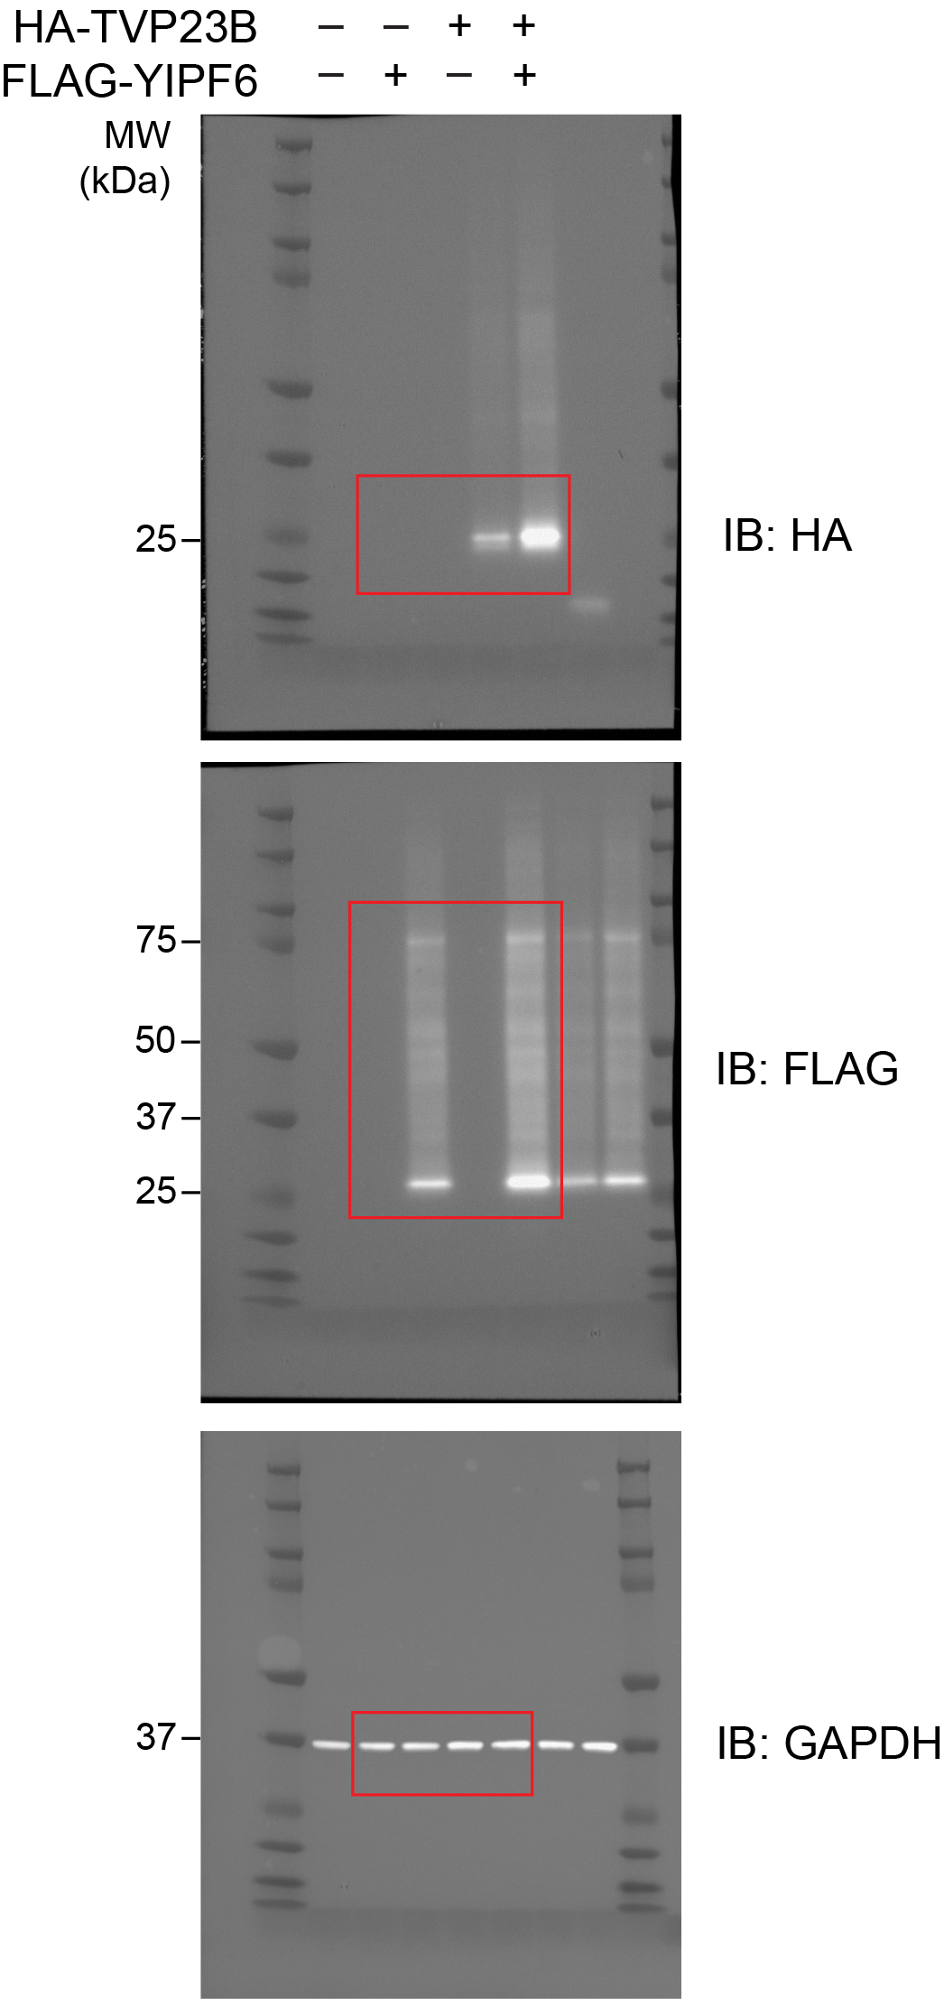
Figure S7a | Figure S7b

Figure S8
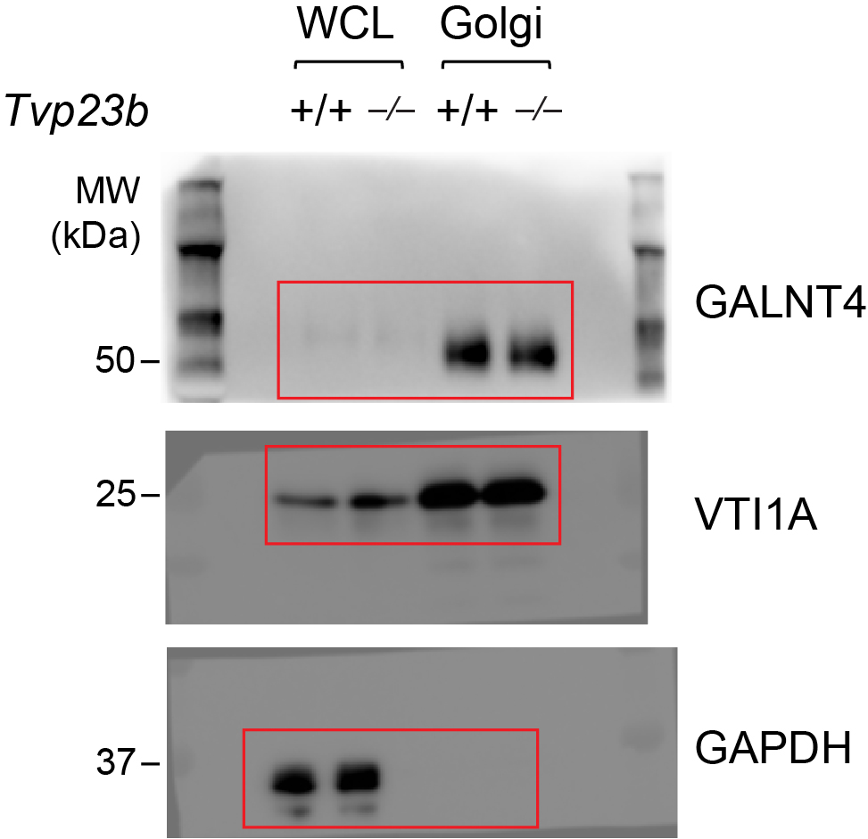
Figure S8

