Source Data for Figure 2
Source Data for Figure 2B and 2C

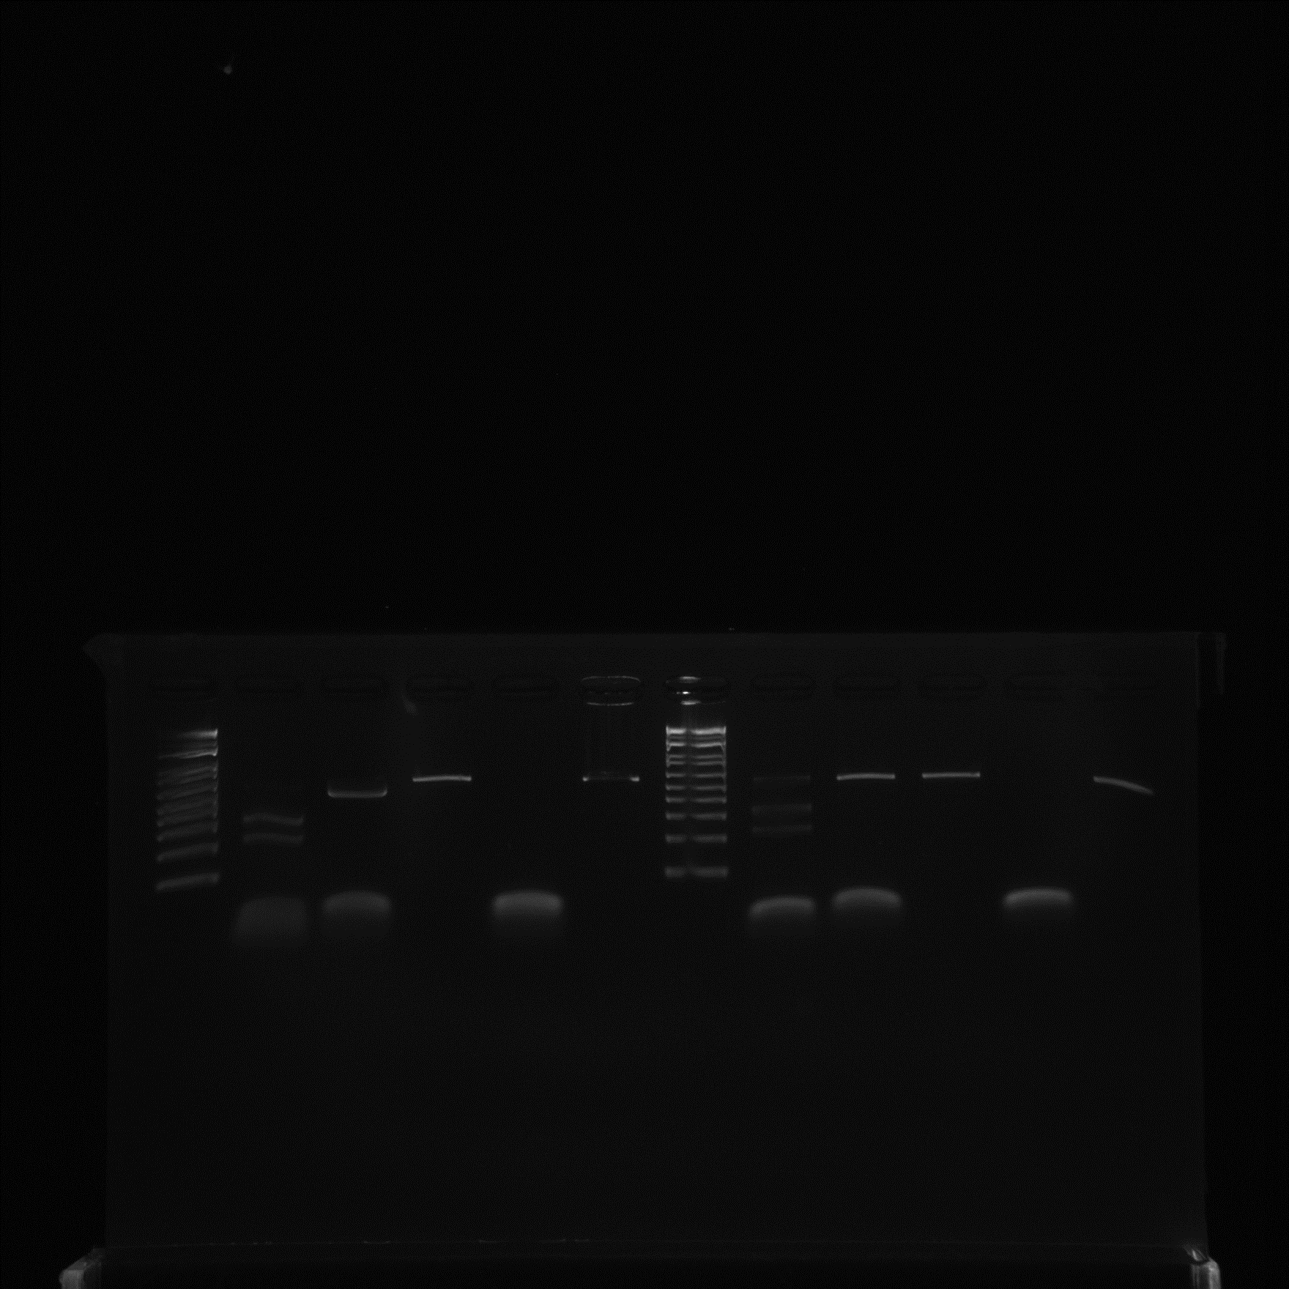

PDS DNA fragment
+
+
+
-
+
+
+
+
-
+
PDS DNA fragment
LbCas12aU
+
-
+
+
-
+
-
+
+
-
ErCas12a

PDS crRNA
+
+
+
-
-
+
+
-
+
-
PDS crRNA
Marker
Marker

