Fig. 3a
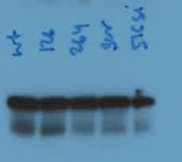
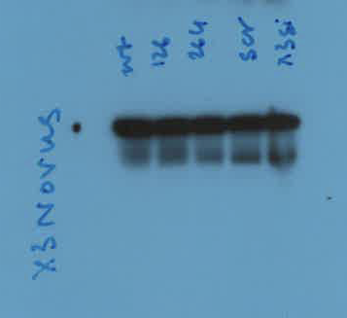
Fig. 3a: Western blot of HAP1 cells and variant RAD51C

Data
 | anti-RAD51C | anti-XRCC3
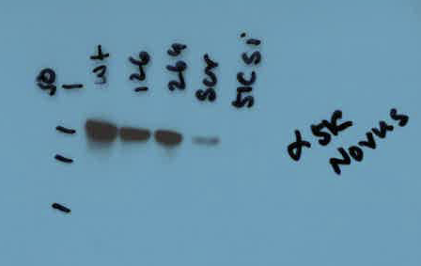


 | anti-vinculin | anti-vinculin

Fig. 3c
Fig. 3c: Yeast two-hybrid assays testing interactions between apRAD51C and hXRCC3

Data
 | hXRCC3 | apRAD51C

 |  | WT

 |  | G125V

 | hXRCC3 | apRAD51C


 |  | R258H

Fig. 3f
Fig. 3f: Western blot of XRCC3 immunoprecipitation from HAP1 cells expressing wild-type or variant RAD51C

Data
 | Order of cropped images in Fig. 2f:
 | 1 - top panel of output
 | 2 - bottom panel of output
 | 3 - top panel of input
1
 | 4 - bottom panel of input
2
3
4

Fig. 5c
Fig. 5c: Yeast two-hybrid gels for wild-type hRAD51C-hXRCC3 variant interactions

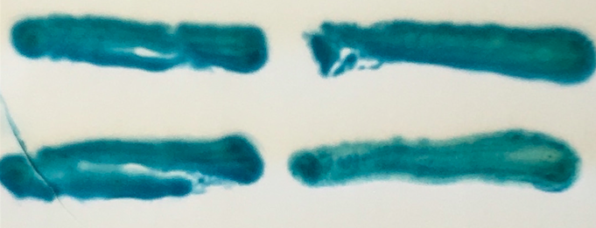
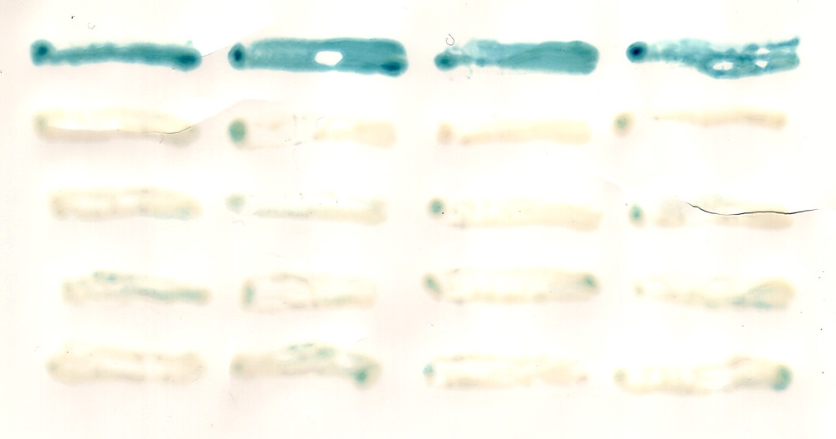
Data | Left panel: Wild-type RAD51 |  |  | Right panel: | Wild-type hRAD51C
 | Colony 2 | Colony 1 |  | Colony 4 | Colony 3 | Colony 2 | Colony 1
 |  |  | hXRCC3 wild-type
 |  |  |  |  |  |  |  | hXRCC3 wild-type

 |  |  | hXRCC3 A65E |  |  |  |  | hXRCC3 A65E (construct 1)

 |  |  |  |  |  |  |  | hXRCC3 A65E (construct 2)

 |  |  |  |  |  |  |  | hXRCC3 A65R (construct 1)

 |  |  |  |  |  |  |  | hXRCC3 A65R (construct 2)

Fig. 5d
Fig. 5d: Yeast-two hybrid gels testing wild-type hXRCC3 and indicated RAD51 variants

Data | Left panel
 |  |  |  | Right panel

 |  | hXRCC3 |  |  | hXRCC3

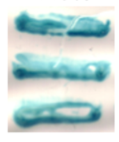

 |  |  | RAD51 wild-type |  |  | RAD51 WT

 |  |  | RAD51 F86A |  |  | RAD51 A190/A192L

 |  |  | RAD51 F86R
 |  |  |  |  |  | RAD51 A190/192L + SAM208-210LEA

 |  |  | Empty vector

Supplementary Fig. 2b
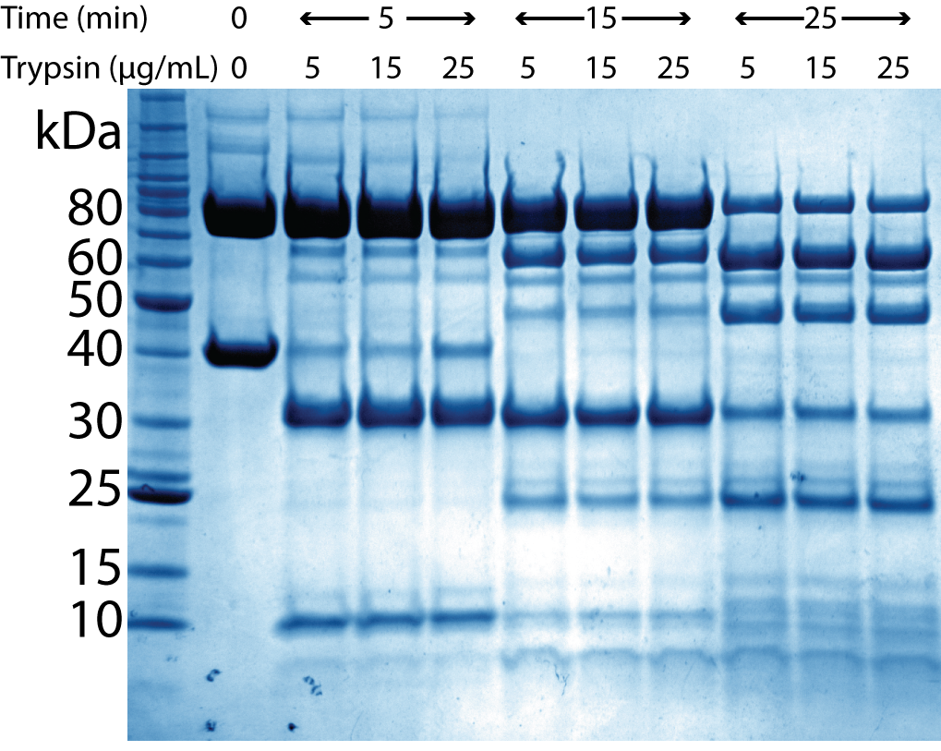
Supplementary Fig. 2b: SDS PAGE analysis of hCX3 limited proteolysis assay

Data

Supplementary Fig. 2c
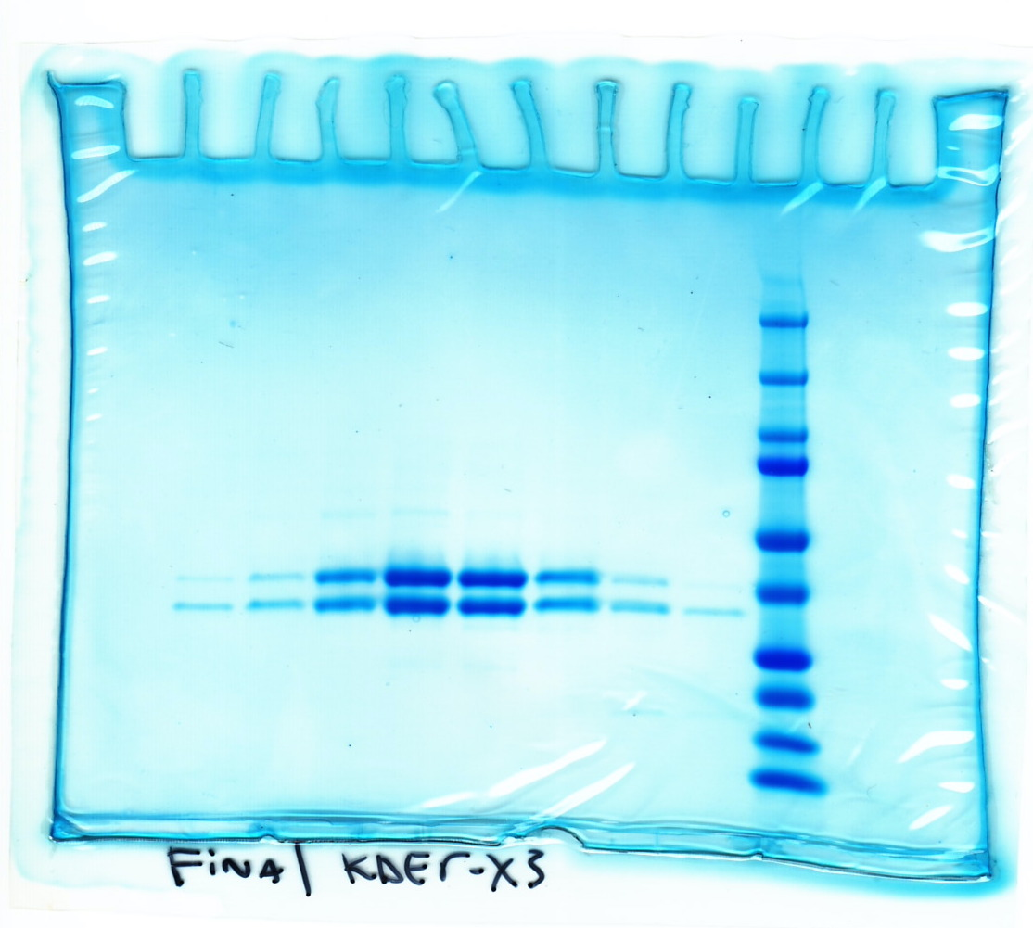
Supplementary Fig. 2e: SDS PAGE analysis of apCX3 used for crystallization

Data | Cropped gel is flipped horizontally for presentation in Supplementary Fig. 2e

Supplementary Fig. 2d
Supplementary Fig. 2f: Image of CX3 crystals
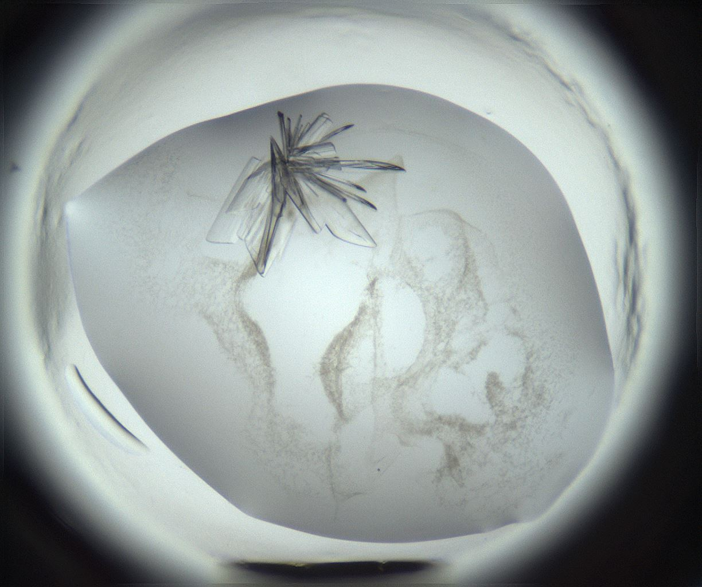
Data

Supplementary Fig. 2h
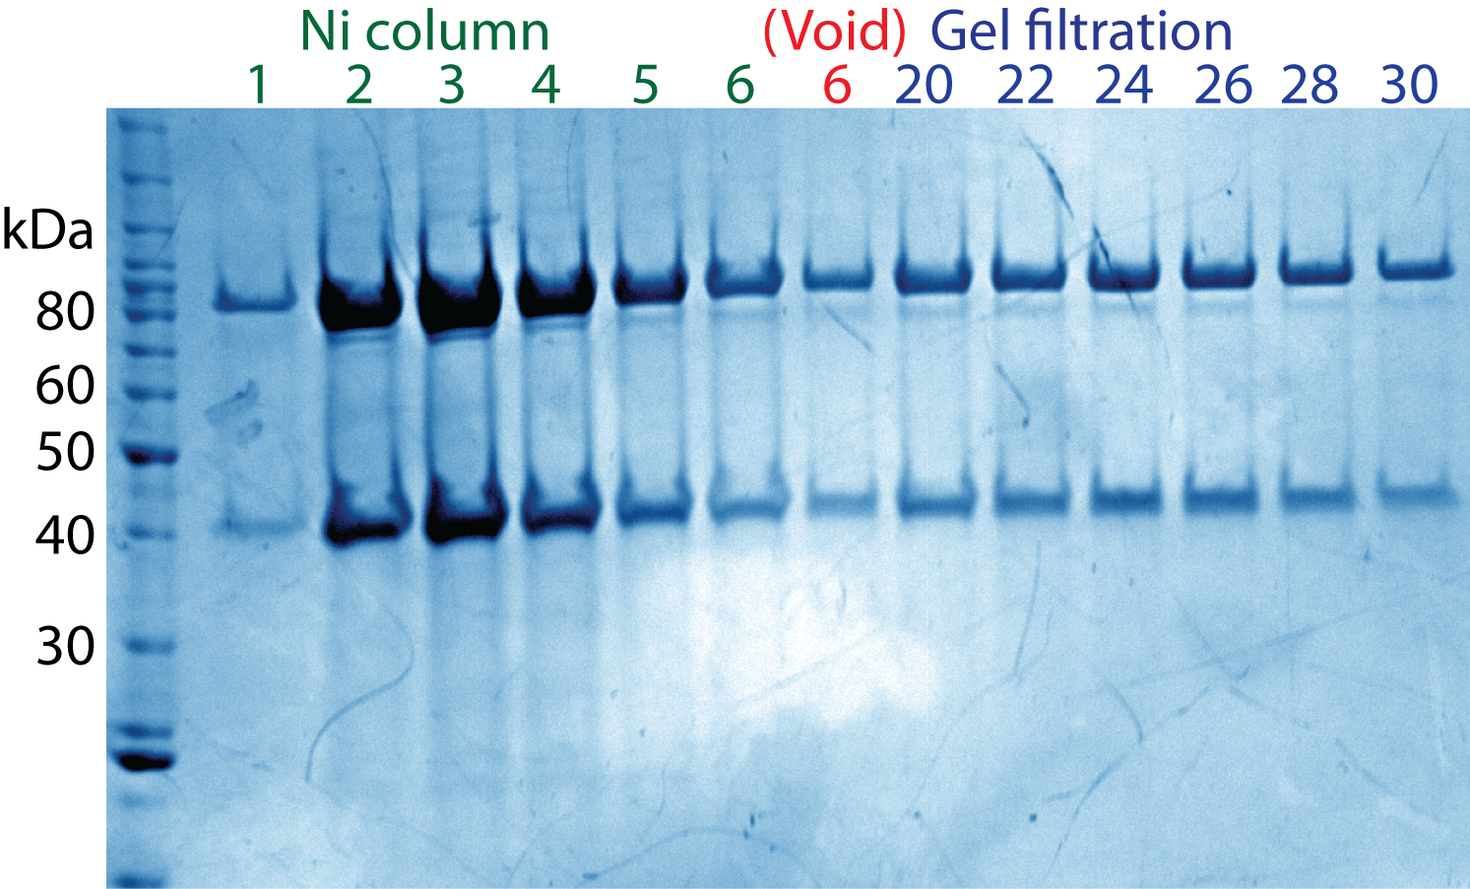
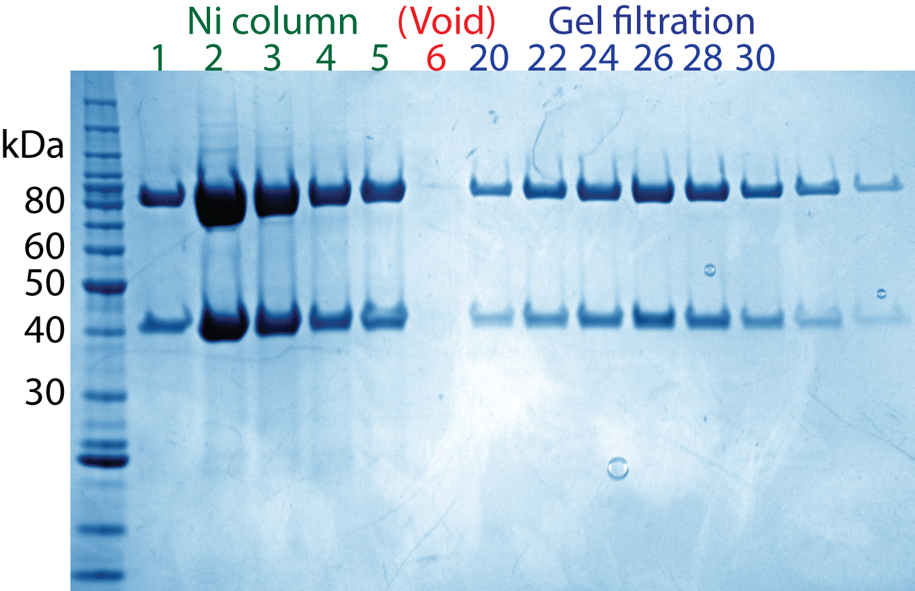
Supplementary Fig. 2g: SDS PAGE analysis of hCX3 purified by size exclusion chromatography in the absence or presence of ATP, vanadate and Mg2+

Data | hCX3 purification without ATP. Vanadate and Mg2+ (left panel) | hCX3 purification with ATP. Vanadate and Mg2+ (right panel)

Supplementary Fig. 6a
Supplementary Fig. 6a: apCX3 DNA binding elextromobility shift assay gel

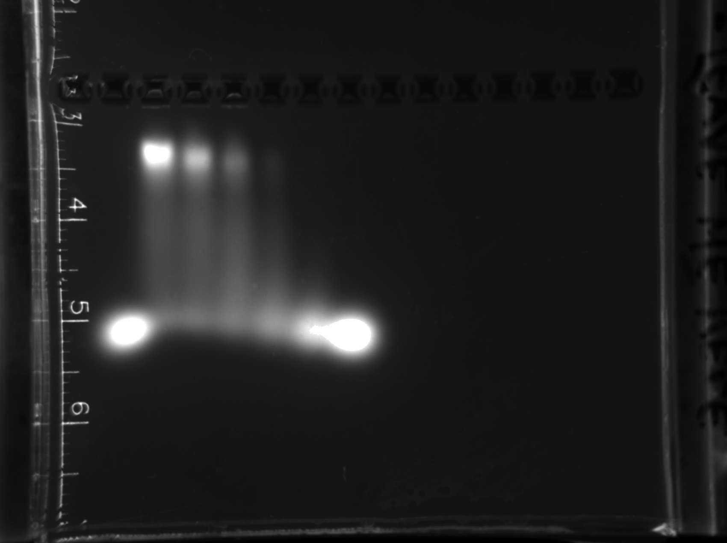
Data

Supplementary Fig. 8
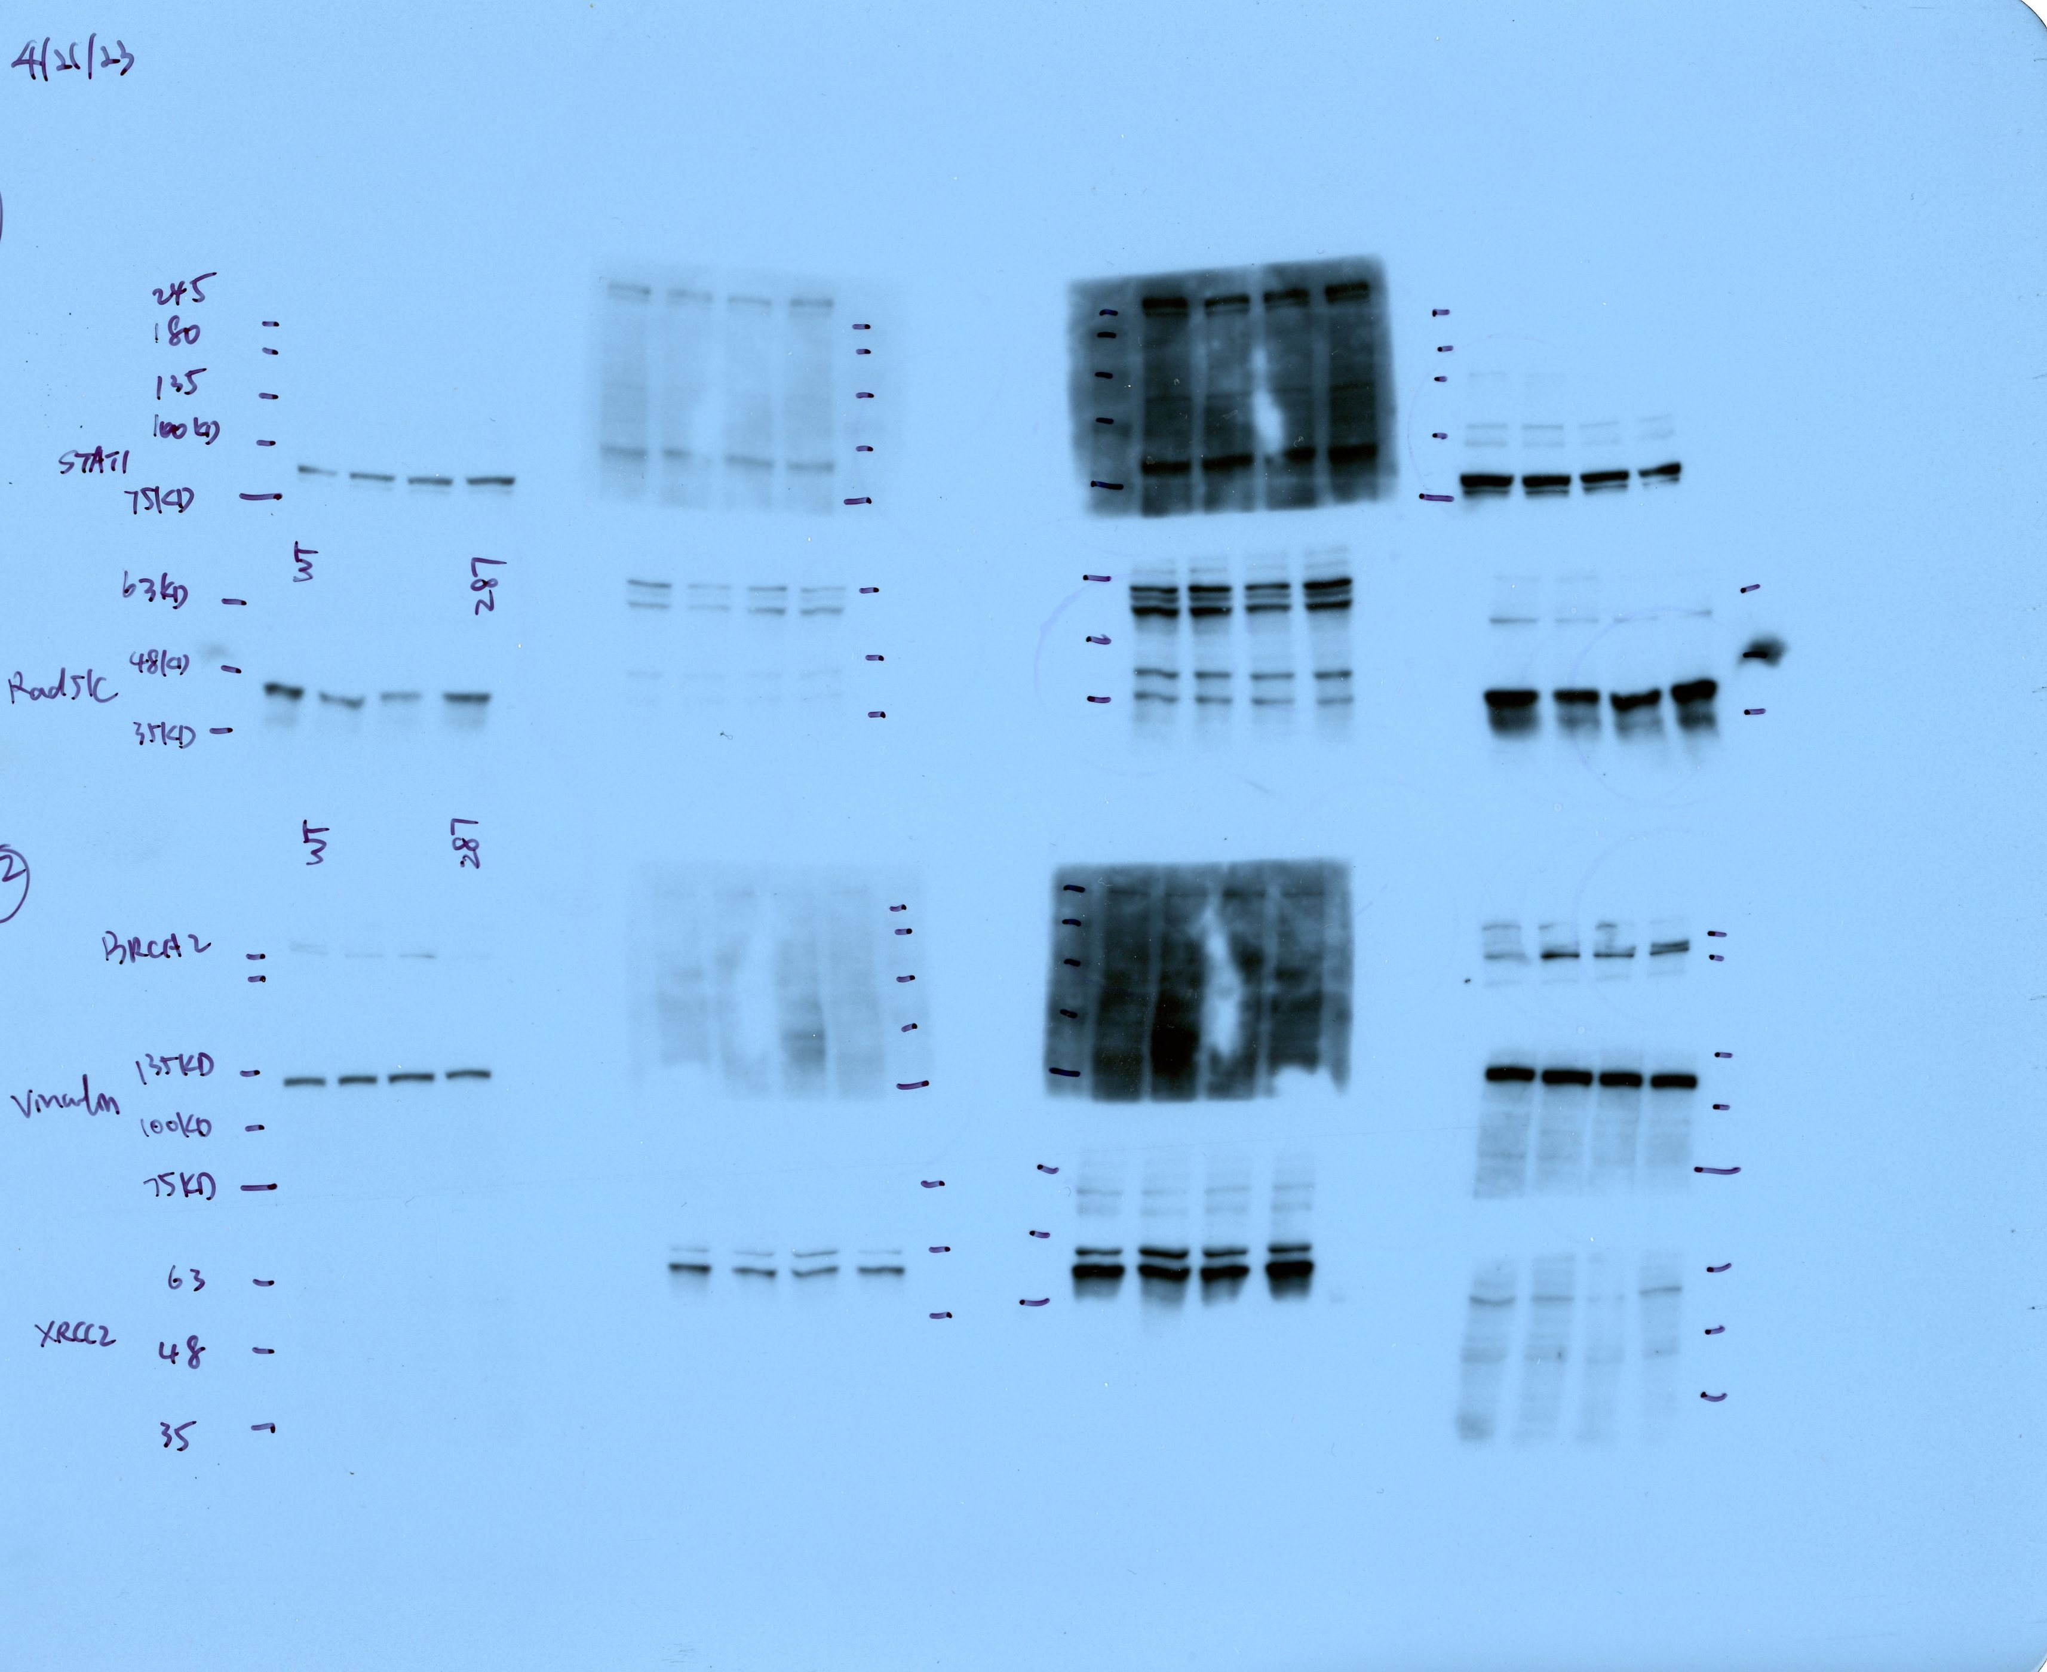
Supplementary Fig. 8b: Western blots of HAP1 with and RAD51C T287A mutant cells

Data

