Fig3c
Non-denervation
WT
KO
WT
KO
WT
KO
WT
KO
WT
KO
Denervation
Non-denervation
Denervation
Non-denervation
pAMPK/tubulin |  |  |  | PGC1α/tubulin |  |  |  | PGC1α4/tubulin |  |  |  | IGF1/tubulin
Non-denervation |  | Denervation |  | Non-denervation |  | Denervation |  | Non-denervation |  | Denervation |  | Non-denervation |  | Denervation
WT | KO | WT | KO | WT | KO | WT | KO | WT | KO | WT | KO | WT | KO | WT | KO
0.928609 | 1.133284 | 0.555505 | 0.478339 | 0.950835 | 1.320879 | 0.467584 | 0.316035 | 1.118137 | 1.057245 | 0.627545 | 0.169456 | 0.84184 | 0.916059 | 0.498008 | 0.179188
1.273056 | 1.150459 | 0.470389 | 0.171577 | 0.947179 | 1.253786 | 0.447948 | 0.159464 | 0.993691 | 0.885835 | 0.532897 | 0.145128 | 1.067127 | 0.776131 | 0.422583 | 0.066219
pAMPK
75kDa
0.725478 | 0.824311 | 0.674458 | 0.412962 | 1.345146 | 1.247617 | 1.004038 | 0.404898 | 1.426873 | 1.343747 | 0.767662 | 0.50407 | 1.12236 | 0.973364 | 0.884994 | 0.323621
1.406163 | 0.95585 | 0.856754 | 0.19658 | 0.717446 | 0.866965 | 0.644625 | 0.251248 | 0.777064 | 1.165878 | 0.749278 | 0.516191 | 0.656934 | 0.644648 | 0.446788 | 0.333789
0.666693 | 1.165895 | 0.755069 | 0.156305 | 1.039393 | 0.629235 | 0.948359 | 0.228324 | 0.684235 | 1.40237 | 0.909998 | 0.222433 | 1.311739 | 0.63663 | 0.620162 | 0.282976

Non-denervation
WT
KO
WT
KO
WT
KO
WT
KO
WT
KO
Denervation
Non-denervation
Denervation
Denervation

75kDa

Non-denervation
WT
KO
WT
KO
WT
KO
WT
KO
WT
KO
Denervation
Non-denervation
Denervation
Non-denervation

AMPK
75kDa

Non-denervation
WT
KO
WT
KO
WT
KO
WT
KO
WT
KO
Denervation
Non-denervation
Denervation
Denervation

75kDa

Non-denervation
WT
KO
WT
KO
WT
KO
WT
KO
WT
KO
Denervation
Non-denervation
Denervation
Non-denervation

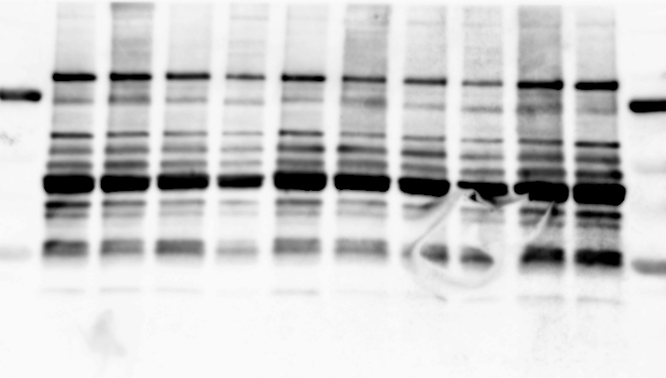
PGC1α
PGC1α4
100kDa

37kDa

Non-denervation
WT
KO
WT
KO
WT
KO
WT
KO
WT
KO
Denervation
Non-denervation
Denervation
Denervation

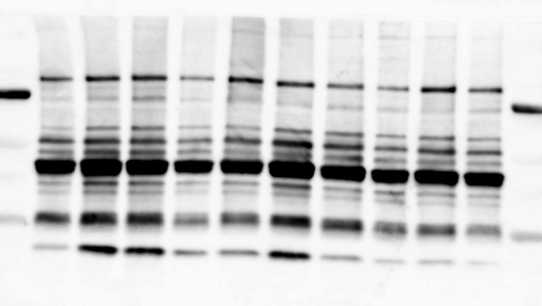

100kDa

37kDa

Non-denervation
WT
KO
WT
KO
WT
KO
WT
KO
WT
KO
Denervation
Non-denervation
Denervation
Non-denervation

IGF1

Non-denervation
WT
KO
WT
KO
WT
KO
WT
KO
WT
KO
Denervation
Non-denervation
Denervation
Denervation
20kDa

20kDa

Non-denervation
WT
KO
WT
KO
WT
KO
WT
KO
WT
KO
Denervation
Non-denervation
Denervation
Non-denervation

tubulin
50kDa

Non-denervation
WT
KO
WT
KO
WT
KO
WT
KO
WT
KO
Denervation
Non-denervation
Denervation
Denervation

50kDa

Fig4d
Non-denervation
WT
KO
WT
KO
WT
KO
WT
KO
WT
KO
Denervation
Non-denervation
Denervation
Non-denervation
ComplexⅠ
ComplexⅡ
ComplexⅠ/COX4 |  |  |  | ComplexⅡ/COX4
Non-denervation |  | Denervation |  | Non-denervation |  | Denervation
WT | KO | WT | KO | WT | KO | WT | KO
1.04112116 | 0.96482237 | 1.0033524 | 0.93320105 | 1.09691146 | 1.15740971 | 1.00774987 | 0.61813131
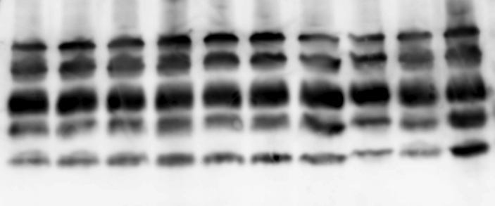
0.94556913 | 1.20658452 | 1.15942668 | 0.42481064 | 1.03716111 | 0.93280872 | 1.44099133 | 0.62811882
0.88349076 | 1.18238632 | 0.99787805 | 0.70296796 | 0.95966602 | 0.95616479 | 0.87129415 | 0.63840409
1.08766399 | 0.9888874 | 1.1257401 | 0.95752376 | 0.86360966 | 0.69702789 | 0.70691236 | 0.48700955
25kDa
1.04215499 | 1.10226178 | 1.32741523 | 1.09399567 | 1.04265176 | 0.73592524 | 0.64402516 | 0.54203831
20kDa
Non-denervation
WT
KO
WT
KO
WT
KO
WT
KO
WT
KO
Denervation
Non-denervation
Denervation
Denervation

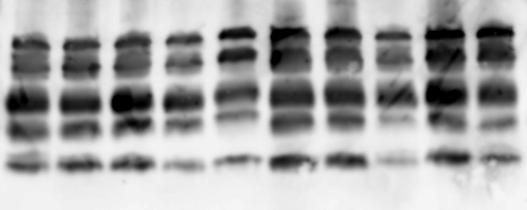

25kDa
20kDa

Non-denervation
WT
KO
WT
KO
WT
KO
WT
KO
WT
KO
Denervation
Non-denervation
Denervation
Non-denervation
COX4

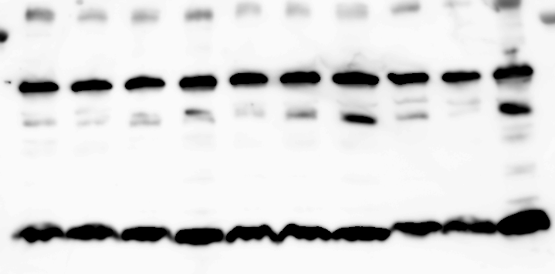

15kDa
Non-denervation
WT
KO
WT
KO
WT
KO
WT
KO
WT
KO
Denervation
Non-denervation
Denervation
Denervation

15kDa

Fig5b
No trerat
V
M
V
M
V
M
V
M
DEX
No treat
DEX
 | PGC1α/tubulin |  |  |  |  | PGC1α4/tubulin |  |  |  |  | IGF1/tubulin
Myonectin | - | + | - | + | Myonectin | - | + | - | + | Myonectin | - | + | - | +
DEX | - | - | + | + | DEX | - | - | + | + | DEX | - | - | + | +
 | 0.778885 | 2.872467 | 0.806902 | 1.947057 |  | 1.025013 | 2.418589 | 0.651461 | 1.368789 |  | 0.866953 | 3.386844 | 1.827701 | 3.134967
 | 1.05584 | 2.263868 | 1.604388 | 2.487722 |  | 0.856316 | 2.247265 | 1.361707 | 2.157604 |  | 1.01125 | 2.572111 | 1.397941 | 2.224368
PGC1α
 | 1.423664 | 2.53603 | 0.669721 | 1.942739 |  | 0.956383 | 1.424321 | 0.326847 | 1.492948 |  | 1.308162 | 2.569137 | 0.98373 | 1.794394
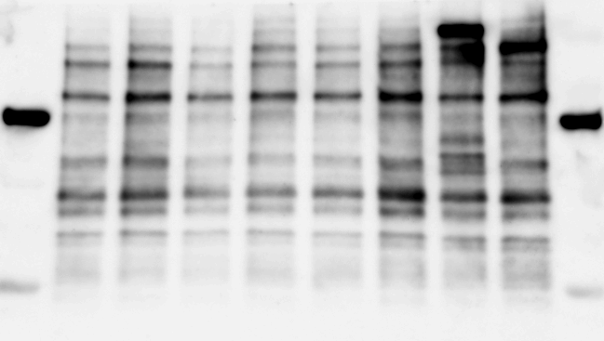
 | 0.7527 | 2.357652 | 0.220509 | 4.105343 |  | 0.711637 | 2.091104 | 0.387223 | 3.257527 |  | 0.522627 | 2.893554 | 0.348322 | 3.440826
100kDa

37kDa
No trerat
V
M
V
M
V
M
V
M
DEX
No treat
DEX

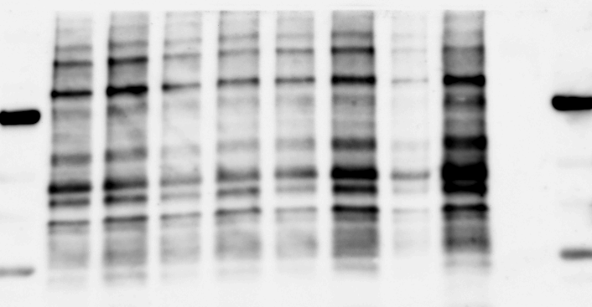
100kDa

37kDa

No trerat
V
M
V
M
V
M
V
M
DEX
No treat
DEX

IGF1


20kDa

No trerat
V
M
V
M
V
M
V
M
DEX
No treat
DEX



20kDa

No trerat
V
M
V
M
V
M
V
M
DEX
No treat
DEX

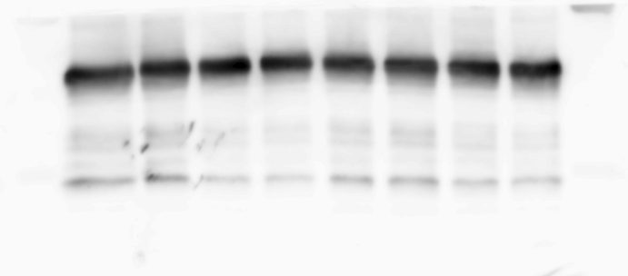
tubulin
50kDa

No trerat
V
M
V
M
V
M
V
M
DEX
No treat
DEX

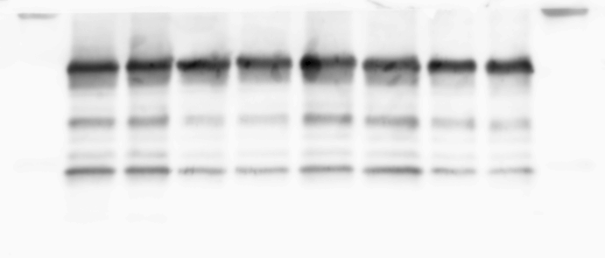
50kDa

Tubulin

Fig5c

0
15
30
60
120
0
15
30
60
120
pAMPK/tubulin |  |  |  |  | pACC/tubulin |  |  |  |  | PGC1α/tubulin
0 | 15 | 30 | 60 | 120 | 0 | 15 | 30 | 60 | 120 | 0 | 15 | 30 | 60 | 120
1.753185 | 3.781125 | 3.884491 | 4.070667 | 2.691665 | 1.26379 | 2.736404 | 3.469902 | 3.412283 | 3.157587 | 0.822701 | 1.547688 | 1.716991 | 2.268132 | 2.453173
pAMPK
75kDa
0.822997 | 1.983953 | 3.173023 | 3.940605 | 4.04091 | 1.098282 | 1.934814 | 2.391767 | 2.449934 | 2.910516 | 1.149647 | 1.013306 | 1.351848 | 2.006575 | 1.941914
0.534957 | 3.027742 | 3.203247 | 3.547014 | 3.660385 | 0.897751 | 2.948303 | 2.860705 | 2.005152 | 2.136675 | 0.823853 | 1.602631 | 1.766168 | 2.066683 | 2.502855
0.888852 | 2.077491 | 2.769393 | 3.921035 | 3.882221 | 0.740172 | 1.13015 | 1.447948 | 2.366868 | 1.445981 | 1.2038 | 1.490014 | 1.885545 | 2.10601 | 2.240492


0
15
30
60
120
0
15
30
60
120
75kDa

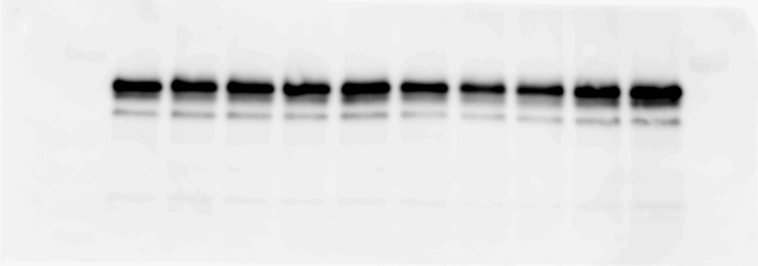
AMPK
0
15
30
60
120
0
15
30
60
120
75kDa

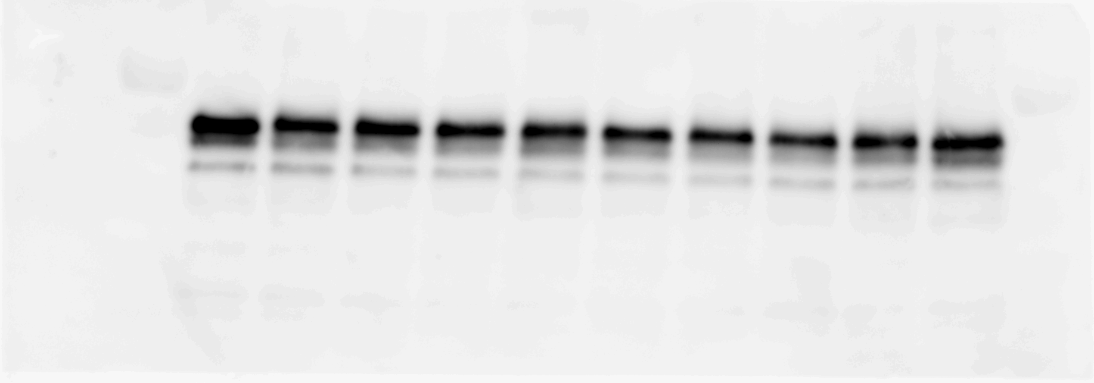
0
15
30
60
120
0
15
30
60
120
75kDa

pACC
0
15
30
60
120
0
15
30
60
120

250kDa

0
15
30
60
120
0
15
30
60
120

250kDa

ACC
0
15
30
60
120
0
15
30
60
120
250kDa

0
15
30
60
120
0
15
30
60
120

250kDa

PGC1α
0
15
30
60
120
0
15
30
60
120
100kDa

0
15
30
60
120
0
15
30
60
120

100kDa

tubulin
0
15
30
60
120
0
15
30
60
120

50kDa

0
15
30
60
120
0
15
30
60
120
50kDa

Fig5d
pACC
－
＋
－
Myonectin
＋
＋
－
－
－
＋
Ad-dnAMPK
＋
－
＋
Ad-dn-β-gal
－
＋
－
Myonectin
＋
＋
－
－
－
＋
Ad-dnAMPK
＋
－
＋
Ad-dn-β-gal
－
＋
－
＋
＋
－
－
－
＋
＋
－
＋
 | pACC/tubulin |  |  |  |  | PGC1α/tubulin
Myonectin | - | + | - | + | Myonectin | - | + | - | +
Ad-β-gal | + | + | - | - | Ad-β-gal | + | + | - | -
Ad-dnAMPK | - | - | + | + | Ad-dnAMPK | - | - | + | +
 | 0.86336519 | 1.8931888 | 1.36100846 | 0.63534534 |  | 0.66824084 | 1.69638049 | 1.26885269 | 1.04433451
 | 0.94955253 | 1.79048451 | 0.51104572 | 0.47252089 |  | 1.42816892 | 1.80903849 | 1.08804146 | 1.10214023
250kDa
250kDa
 | 1.18708229 | 2.19317546 | 0.27723944 | 0.25175105 |  | 0.90359025 | 2.01978033 | 0.57739094 | 0.54768858
ACC
－
＋
－
Myonectin
＋
＋
－
－
－
＋
Ad-dnAMPK
＋
－
＋
Ad-dn-β-gal
－
＋
－
Myonectin
＋
＋
－
－
－
＋
Ad-dnAMPK
＋
－
＋
Ad-dn-β-gal
－
＋
－
＋
＋
－
－
－
＋
＋
－
＋

250kDa
250kDa

PGC1α
－
＋
－
Myonectin
＋
＋
－
－
－
＋
Ad-dnAMPK
＋
－
＋
Ad-dn-β-gal
－
＋
－
Myonectin
＋
＋
－
－
－
＋
Ad-dnAMPK
＋
－
＋
Ad-dn-β-gal
－
＋
－
＋
＋
－
－
－
＋
＋
－
＋

100kDa

Myc-Tag
－
＋
－
Myonectin
＋
＋
－
－
－
＋
Ad-dnAMPK
＋
－
＋
Ad-dn-β-gal
－
＋
－
Myonectin
＋
＋
－
－
－
＋
Ad-dnAMPK
＋
－
＋
Ad-dn-β-gal
－
＋
－
＋
＋
－
－
－
＋
＋
－
＋
100kDa

50kDa

50kDa

tubulin
－
＋
－
Myonectin
＋
＋
－
－
－
＋
Ad-dnAMPK
＋
－
＋
Ad-dn-β-gal
－
＋
－
＋
＋
－
－
－
＋
＋
－
＋
－
＋
－
Myonectin
＋
＋
－
－
－
＋
Ad-dnAMPK
＋
－
＋
Ad-dn-β-gal

50kDa
50kDa

Fig6c
Non-denervation
Denervation
Non-denervation
Denervation
Non-denervation
V
M
V
M
V
M
V
M
V
M
PGC1α/tubulin |  |  |  | PGC1α4/tubulin |  |  |  | pAMPK/tubulin
Non-denervation |  | Denervation |  | Non-denervation |  | Denervation |  | Non-denervation |  | Denervation
Vehicle | Myonectin | Vehicle | Myonectin | Vehicle | Myonectin | Vehicle | Myonectin | Vehicle | Myonectin | Vehicle | Myonectin
PGC1α
PGC1α4
1.138785 | 1.358561 | 0.703992 | 1.389154 | 1.483213 | 0.914824 | 0.424344 | 0.726468 | 1.021017 | 0.868023 | 0.731539 | 2.000321
0.95886 | 0.768837 | 0.510219 | 0.964333 | 0.781393 | 0.561244 | 0.27798 | 0.678943 | 2.027037 | 0.594766 | 0.523687 | 1.523215
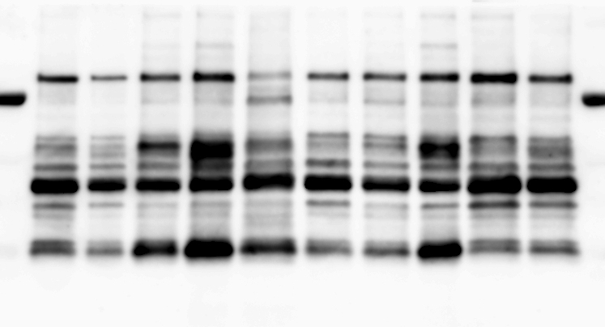
1.386298 | 1.272251 | 0.363132 | 0.732891 | 1.272972 | 1.1226 | 0.457979 | 0.448534 | 0.628062 | 1.432364 | 0.24815 | 0.774444
0.816324 | 0.680561 | 0.371352 | 1.243788 | 0.773516 | 0.526632 | 0.369436 | 0.712239 | 0.775992 | 0.718641 | 0.803247 | 2.621027
100kDa
0.699734 | 0.853811 | 0.375902 | 0.758657 | 0.688906 | 0.478675 | 0.448312 | 0.823843 | 0.547891 | 1.038202 | 1.211783 | 1.982822

37kDa
Non-denervation
Denervation
Non-denervation
Denervation
Denervation
V
M
V
M
V
M
V
M
V
M

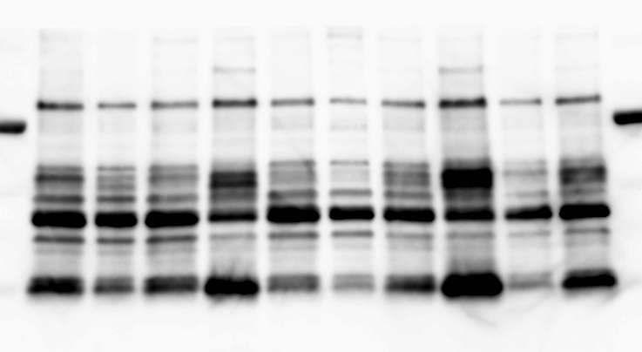

100kDa

37kDa

Non-denervation
Denervation
Non-denervation
Denervation
Non-denervation
V
M
V
M
V
M
V
M
V
M

pAMPK

75kDa

Non-denervation
Denervation
Non-denervation
Denervation
Denervation
V
M
V
M
V
M
V
M
V
M

75kDa

Non-denervation
Denervation
Non-denervation
Denervation
Non-denervation
V
M
V
M
V
M
V
M
V
M

AMPK

75kDa

Non-denervation
Denervation
Non-denervation
Denervation
Denervation
V
M
V
M
V
M
V
M
V
M

75kDa

Non-denervation
Denervation
Non-denervation
Denervation
Non-denervation
V
M
V
M
V
M
V
M
V
M

tubulin

50kDa
Non-denervation
Denervation
Non-denervation
Denervation
Denervation
V
M
V
M
V
M
V
M
V
M

50kDa

Fig6d
Non-denervation
Denervation
V
V
M
V
M
WT
DN-AMPK
Non-denervation
Denervation
V
V
M
V
M
WT
DN-AMPK
PGC1α/tubulin |  |  |  |  |  | PGC1α4/tubulin |  |  |  |  |  | IGF1/tubulin
Myonectin | - | - | + | - | + | Myonectin | - | - | + | - | + | Myonectin | - | - | + | - | +
Denervation | - | + | + | + | + | Denervation | - | + | + | + | + | Denervation | - | + | + | + | +
 | WT |  |  | DN-AMPK |  |  | WT |  |  | DN-AMPK |  |  | WT |  |  | DN-AMPK
PGC1α
PGC1α4
 | 1.11166651 | 0.23423109 | 1.36192401 | 0.26533165 | 0.08550681 |  | 0.83582292 | 0.31074676 | 1.24990913 | 0.66520736 | 0.152343 |  | 1.1888926 | 0.45206686 | 1.04613871 | 0.12890881 | 0.05395652
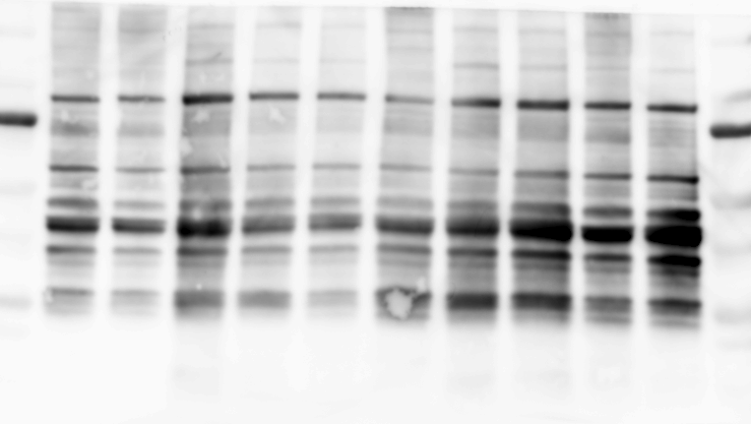
 | 0.81279931 | 0.29300505 | 0.75384669 | 0.14420704 | 0.2653965 |  | 0.8937962 | 0.62668725 | 1.2418384 | 0.74085708 | 1.07558723 |  | 0.8850631 | 0.63817281 | 0.68020298 | 0.43662208 | 0.56338068
 | 0.97658553 | 0.14665459 | 0.66910325 | 0.30221327 | 0.50437485 |  | 1.19072322 | 0.38559061 | 1.30931901 | 0.548873 | 0.56560443 |  | 1.170178 | 0.20005532 | 1.25929532 | 0.10233705 | 0.42246123
100kDa
 | 1.09894861 | 0.74785528 | 0.96269899 | 0.4523653 | 0.57339949 |  | 1.07965767 | 0.61808262 | 1.03320405 | 0.67006813 | 0.67938694 |  | 0.75592521 | 0.51095355 | 0.88504824 | 0.47040608 | 0.36811974

37kDa
Non-denervation
Denervation
V
V
M
V
M
WT
DN-AMPK
Non-denervation
Denervation
V
V
M
V
M
WT
DN-AMPK

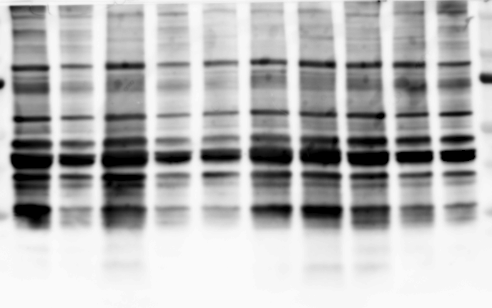
100kDa

37kDa

Non-denervation
Denervation
V
V
M
V
M
WT
DN-AMPK
Non-denervation
Denervation
V
V
M
V
M
WT
DN-AMPK

IGF1

20kDa
Non-denervation
Denervation
V
V
M
V
M
WT
DN-AMPK
Non-denervation
Denervation
V
V
M
V
M
WT
DN-AMPK

20kDa

Non-denervation
Denervation
V
V
M
V
M
WT
DN-AMPK
Non-denervation
Denervation
V
V
M
V
M
WT
DN-AMPK

tubulin

50kDa

Non-denervation
Denervation
V
V
M
V
M
WT
DN-AMPK
Non-denervation
Denervation
V
V
M
V
M
WT
DN-AMPK

50kDa

Fig7c
PGC1α
PGC1α4
B
C
M
B
C
M
B
C
M
PGC1α/tubulin |  |  | PGC1α4/tubulin
Before | treatment |  | Before | treatment
 | control | myonectin |  | control | myonectin
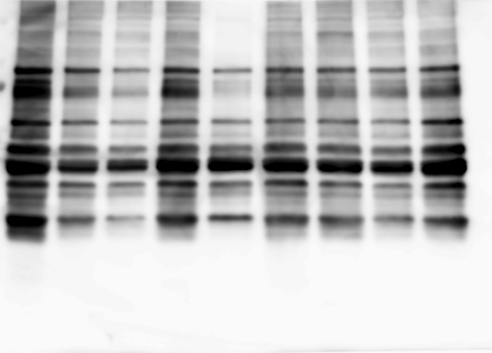
1.31164439 | 0.97839624 | 0.90709395 | 1.13259576 | 0.82734173 | 1.22952803
1.10708537 | 0.44914339 | 1.35261489 | 1.03593306 | 0.88342362 | 1.18760709
100kDa
0.90893227 | 0.63594806 | 1.20175799 | 0.92847272 | 0.72249835 | 1.34554196
0.85069298 | 0.3284736 | 0.96964976 | 1.00172917 | 0.61158022 | 0.9631731
37kDa
0.82164497 | 0.18945154 | 0.58645497 | 0.90126925 | 0.24172647 | 0.95905969

B
C
M
B
C
M

100kDa

37kDa

C
V
M
C
V
M
C
V
M

tubulin
50kDa

C
V
M
C
V
M

50kDa

Fig7f
PGC1α
PGC1α4
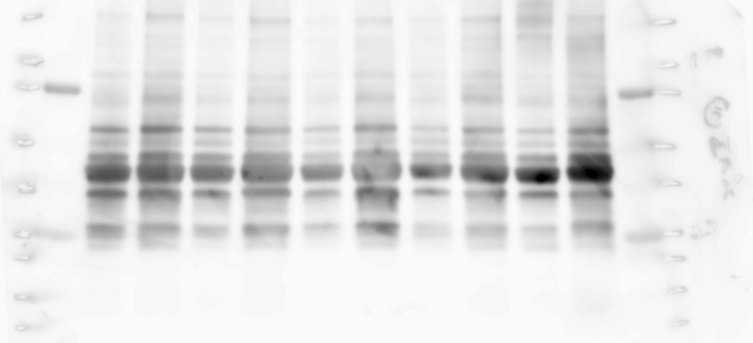
V
M
V
M
V
M
V
M
V
M
PGC1α/tubulin |  | PGC1α4/tubulin
control | myonectin | control | myonectin
1.383287 | 2.600189 | 1.672194 | 2.155296
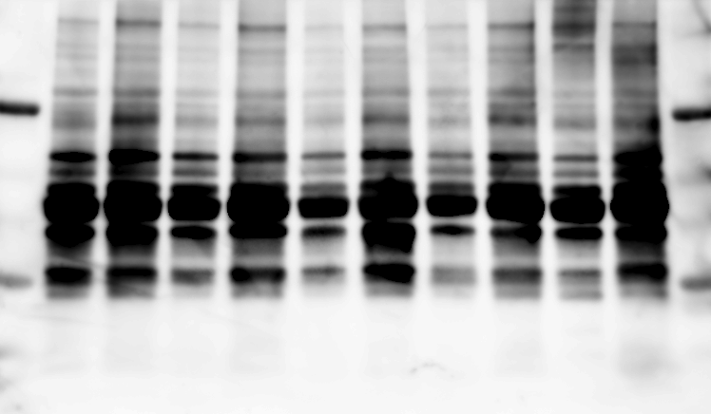
0.712615 | 1.807092 | 1.055079 | 1.838855
0.409776 | 1.312458 | 0.328742 | 1.563606
100kDa
1.014716 | 2.309807 | 0.414281 | 1.394971
1.479602 | 2.831685 | 1.529705 | 1.843541

37kDa

tubulin
V
M
V
M
V
M
V
M
V
M

50kDa

Supple Fig1
Soleus
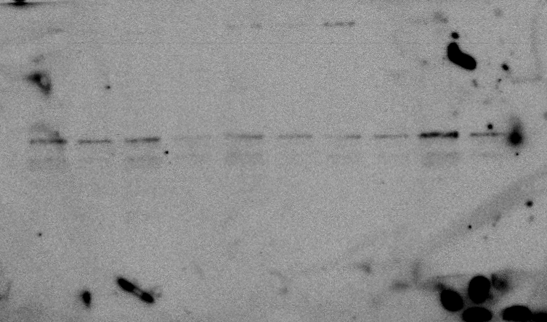
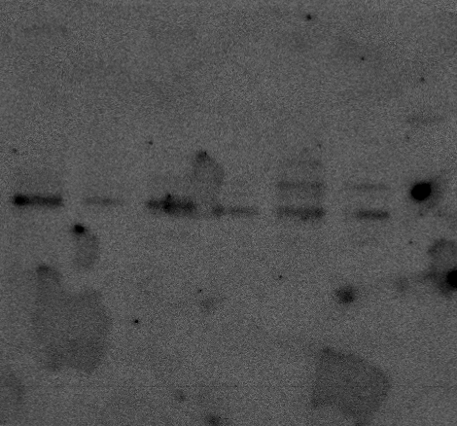
Y
A
Y
A
Y
A
Y
A
Y
A
Y
A
Y
A
Y
A
Soleus |  | Gastrocnemius
Young | Aged | Young | Aged
0.74480079 | 0.43496582 | 0.83541716 | 0.27313954
Myonectin
0.38903632 | 0.0381988 | 0.86701498 | 0.35497949
37kDa
37kDa
0.61313284 | 0.19130981 | 0.75505983 | 0.54625356
0.2151618 | 0.25291177 | 0.61767151 | 0.50518625
0.70175678 | 0.44212731 | 0.59590585 | 0.52304299
1.91695986 | 0.87257105 | 2.23364463 | 0.83396661
2.22785178 | 0.28313258 | 1.09528599 | 0.19031929
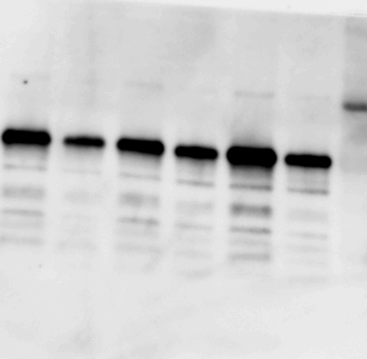
1.19129977 | 0.68783082
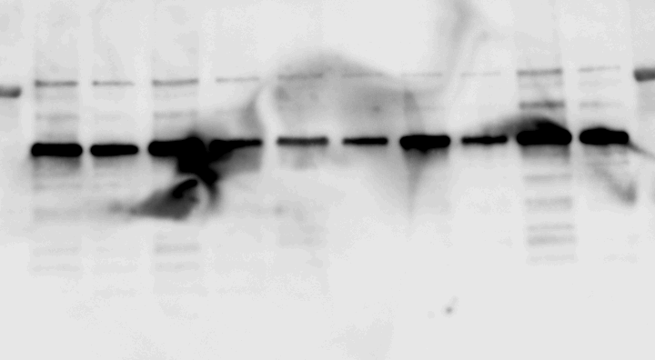
Y
A
Y
A
Y
A
Y
A
Y
A
Y
A
Y
A
Y
A

50kDa
50kDa
tubulin

Gastrocnemius
Y
A
Y
A
Y
A
Y
A
Y
A
Y
A
Y
A
Myonectin
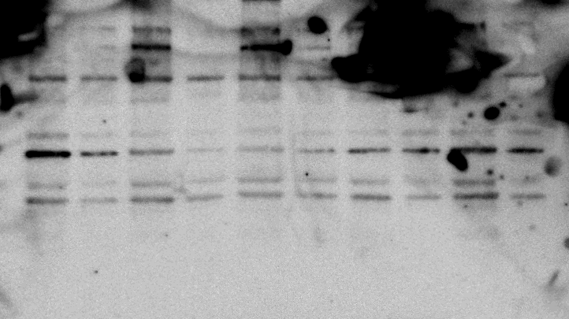
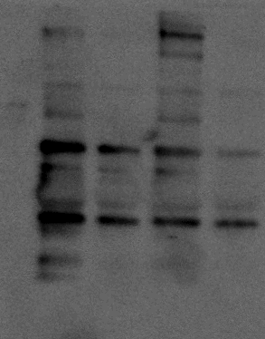

37kDa
37kDa

Y
A
Y
A
Y
A
Y
A
Y
A
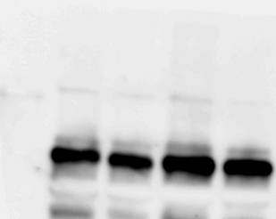
Y
A
Y
A

50kDa
tubulin
50kDa

Supple Fig4a
Sham
Denervation
Sham
Denervation
Sham
Denervation
Sham
Denervation
Sham
Denervation
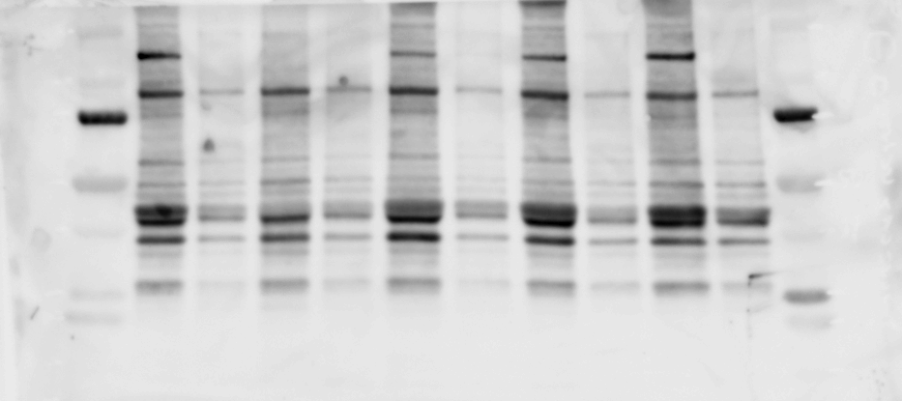
Sham | Denervation | Sham | DEX
0.79903826 | 0.26814865 | 1.1101389 | 0.70567552
0.69272379 | 0.36778454 | 0.79328168 | 0.59715243
Myonectin
1.4747385 | 0.34808441 | 0.86001874 | 0.89127361
1.06361877 | 0.169664 | 0.93338645 | 0.63614617
0.96988068 | 0.29772332 | 1.30317422 | 0.81485391
37kDa

Sham
Denervation
Sham
Denervation
Sham
Denervation
Sham
Denervation
Sham
Denervation

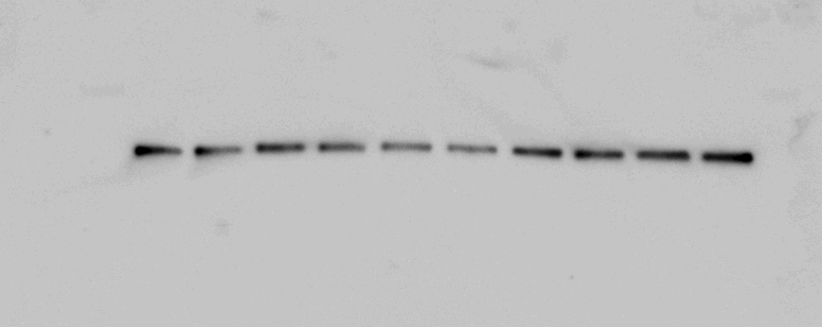
tubulin

50kDa

Sham
Dex
Sham
Dex
Sham
Dex
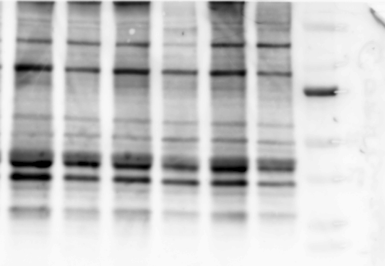
Sham
Dex
Sham
Dex

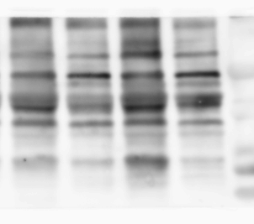
Myonectin

37kDa
37kDa

Sham
Dex
Sham
Dex
Sham
Dex

tubulin
Sham
Dex
Sham
Dex

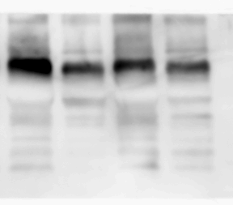

50kDa
50kDa

Supple Fig9a
control
siRNA AMPKα1
control
siRNA AMPKα1
control
siRNA AMPKα1
control
siRNA AMPKα1
AMPKα1/tubulin |  |  | AMPKα2/tubulin
siRNA unrelated | + | - | siRNA unrelated | + | -
siRNA AMPKα1 | - | + | siRNA AMPKα2 | - | +
 | 0.832919 | 0.230591 |  | 0.74193741 | 0.13559108
75kDa
 | 0.91292 | 0.25746 |  | 1.18950192 | 0.14157725
AMPKα1
control
siRNA AMPKα1
control
siRNA AMPKα1
control
siRNA AMPKα1
control
siRNA AMPKα1
 | 0.867529 | 0.288836 |  | 1.15869514 | 0.10200021
 | 1.490117 | 0.28163 |  | 0.90986552 | 0.10766982

75kDa
AMPKα2

control
siRNA AMPKα1
control
siRNA AMPKα1
control
siRNA AMPKα1
control
siRNA AMPKα1

tubulin
50Da

control
siRNA AMPKα2
control
siRNA AMPKα2
control
siRNA AMPKα2
control
siRNA AMPKα2
control
siRNA AMPKα2

75kDa
AMPKα1
control
siRNA AMPKα2
control
siRNA AMPKα2
control
siRNA AMPKα2
control
siRNA AMPKα2
control
siRNA AMPKα2

75kDa
AMPKα2

control
siRNA AMPKα2
control
siRNA AMPKα2
control
siRNA AMPKα2
control
siRNA AMPKα2
control
siRNA AMPKα2

tubulin
50Da

tubulin

Supple Fig9b
siRNA Unrelated
V
M
V
M
V
M
V
M
siRNA AMPKα1
siRNA Unrelated
siRNA AMPKα1
PGC1α/tubulin |  |  |  |  | PGC1α4/tubulin
Myonectin | - | + | - | + | Myonectin | - | + | - | +
siRNA unrelated | + | + | - | - | siRNA unrelated | + | + | - | -
siRNA AMPKα1 | - | - | + | + | siRNA AMPKα1 | - | - | + | +
 | 1.219231 | 2.012494 | 1.162176 | 1.819977 |  | 0.950642265 | 2.209127912 | 0.844520409 | 2.798126976
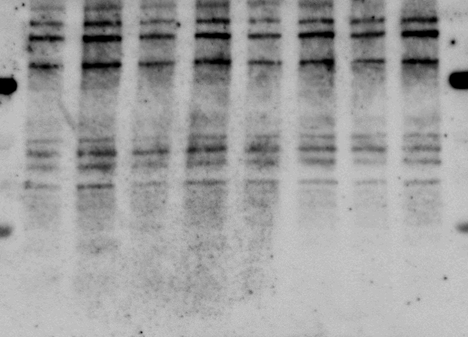
 | 0.748324 | 1.421648 | 0.980286 | 1.6845 |  | 1.224447146 | 1.165827318 | 0.661985883 | 1.449185655
100kDa
 | 1.347809 | 3.106254 | 0.727457 | 1.815152 |  | 1.014405528 | 3.299892377 | 1.223010595 | 2.483596872
PGC1α
PGC1α4
 | 0.684636 | 1.515955 | 0.758843 | 2.030662 |  | 0.81050506 | 2.446848065 | 0.924663558 | 2.087598389

37kDa

siRNA Unrelated
V
M
V
M
V
M
V
M
siRNA AMPKα1
siRNA Unrelated
siRNA AMPKα1

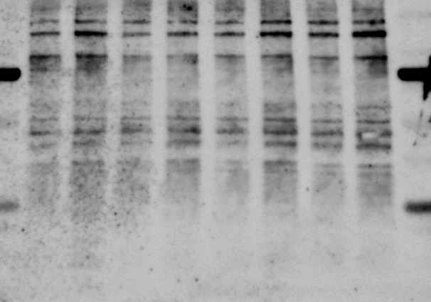
100kDa

37kDa

siRNA Unrelated
V
M
V
M
V
M
V
M
siRNA AMPKα1
siRNA Unrelated
siRNA AMPKα1

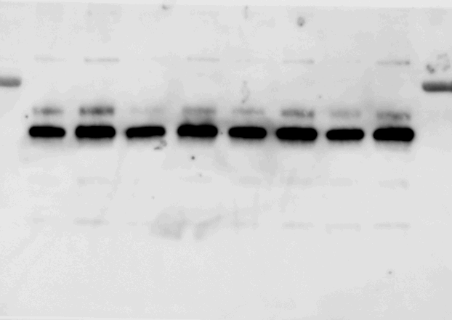

tubulin
50kDa
siRNA Unrelated
V
M
V
M
V
M
V
M
siRNA AMPKα1
siRNA Unrelated
siRNA AMPKα1

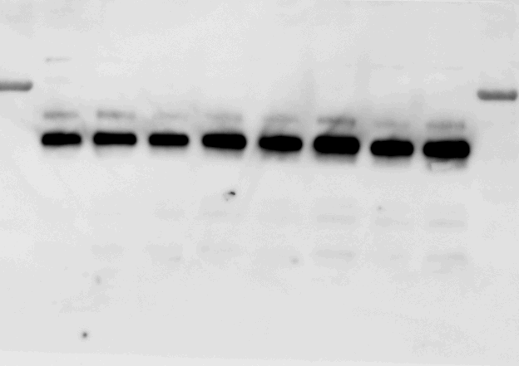

50kDa

Supple Fig9c
siRNA Unrelated
V
M
V
M
V
M
V
M
siRNA AMPKα2
siRNA Unrelated
siRNA AMPKα2
siRNA Unrelated
V
M
V
M
V
M
V
M
siRNA AMPKα2
siRNA Unrelated
siRNA AMPKα2
PGC1α/tubulin |  |  |  |  | PGC1α4/tubulin
Myonectin | - | + | - | + | Myonectin | - | + | - | +
siRNA unrelated | + | + | - | - | siRNA unrelated | + | + | - | -
siRNA AMPKα2 | - | - | + | + | siRNA AMPKα2 | - | - | + | +
PGC1α
PGC1α4
 | 0.867554 | 1.795368 | 0.862216 | 0.967697 |  | 0.598578 | 1.482438 | 0.760923 | 0.932491
 | 1.174072 | 1.650002 | 1.412239 | 1.157453 |  | 1.060169 | 1.840444 | 1.270577 | 0.787199
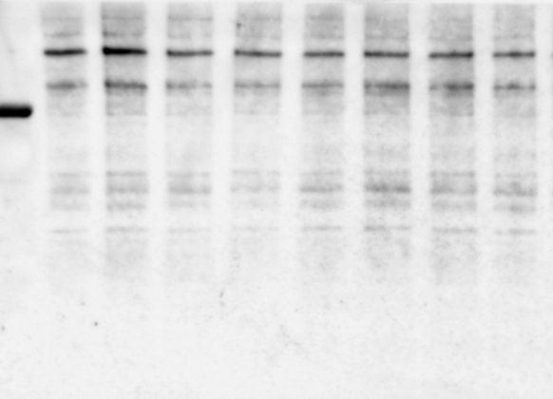
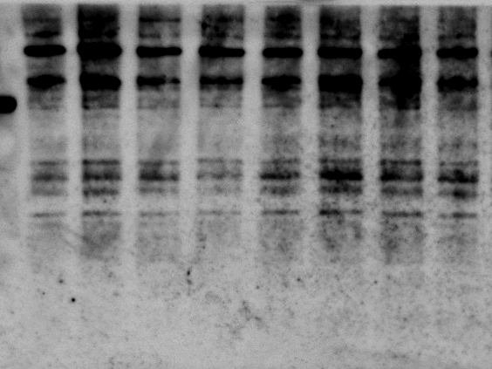
 | 1.182264 | 2.845521 | 1.823213 | 0.673256 |  | 1.16949 | 2.132626 | 0.953934 | 0.652264
100kDa
 | 0.776109 | 1.543119 | 0.755366 | 0.641982 |  | 1.171763 | 1.992826 | 0.741839 | 0.584144

37kDa

siRNA Unrelated
V
M
V
M
V
M
V
M
siRNA AMPKα2
siRNA Unrelated
siRNA AMPKα2
siRNA Unrelated
V
M
V
M
V
M
V
M
siRNA AMPKα2
siRNA Unrelated
siRNA AMPKα2

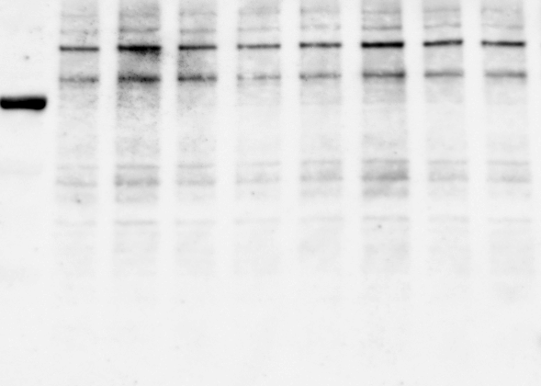
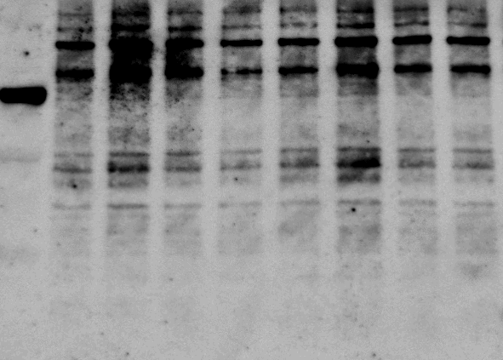
100kDa

37kDa

siRNA Unrelated
V
M
V
M
V
M
V
M
siRNA AMPKα2
siRNA Unrelated
siRNA AMPKα2

tubulin
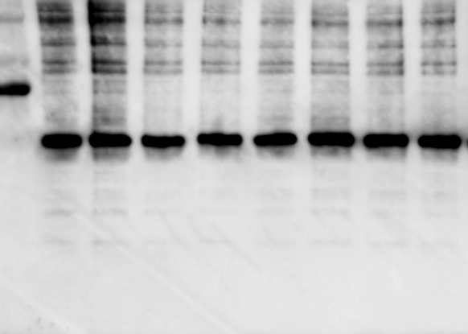

50kDa
siRNA Unrelated
V
M
V
M
V
M
V
M
siRNA AMPKα2
siRNA Unrelated
siRNA AMPKα2

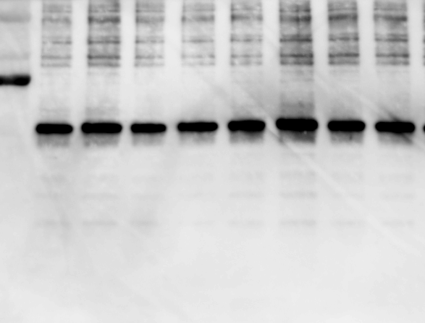

50kDa

Supple Fig10a
control
siRNA PGC1α
control
siRNA PGC1α
control
siRNA PGC1α
control
siRNA PGC1α
PGC1α/tubulin |  |  | PGC1α4/tubulin
siRNA unrelated | + | - | siRNA unrelated | + | -
siRNA PGC1α | - | + | siRNA PGC1α | - | +
 | 1.485371 | 0.295723 |  | 1.158851 | 0.271088
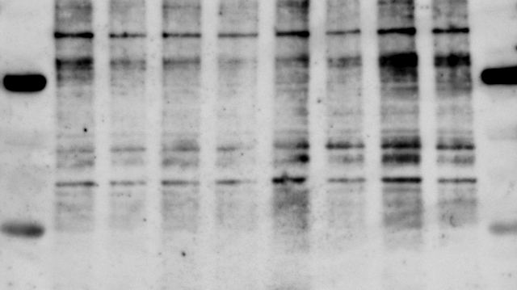
 | 0.819495 | 0.185995 |  | 0.774822 | 0.359145
100kDa
 | 0.910693 | 0.267588 |  | 1.333839 | 0.215573
PGC1α
PGC1α4
 | 0.784441 | 0.231533 |  | 0.732489 | 0.123116
 |  | Knock down |  |  | Knock down
37kDa
 |  | 70.4277 |  |  | 72.8912
control
siRNA PGC1α
control
siRNA PGC1α
control
siRNA PGC1α
control
siRNA PGC1α
 |  | 81.4005 |  |  | 64.0855
 |  | 73.2412 |  |  | 78.4427
 |  | 76.8467 |  |  | 87.6884

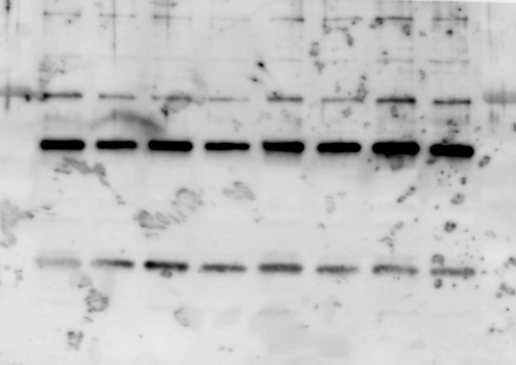

50kDa
tubulin

Supple Fig10b
unrelated
－
＋
＋
－
Myonectin
－
－
＋
－
DEX
＋
＋
＋
－
－
＋
－
＋
＋
＋
－
＋
PGC1α
siRNA
－
＋
＋
－
－
－
＋
－
＋
＋
＋
－
－
＋
－
＋
＋
＋
－
＋
IGF1/tubulin
Myonectin | - | - | + | - | +
DEX | - | + | + | + | +
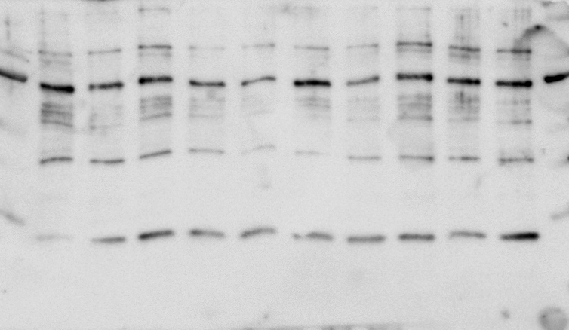
siRNA unrelated | + | + | + | - | -
siRNA PGC1α | + | - | - | + | +
 | 0.810217 | 0.662278 | 1.399557 | 0.415913 | 0.548422
 | 1.015126 | 0.684152 | 1.072421 | 0.50451 | 0.913925
IGF1
 | 1.180231 | 0.535036 | 0.950601 | 0.416449 | 0.343334
 | 0.994426 | 0.371385 | 1.174628 | 0.231246 | 0.17961
20kDa

unrelated
－
＋
＋
－
Myonectin
－
－
＋
－
DEX
＋
＋
＋
－
－
＋
－
＋
＋
＋
－
＋
PGC1α
siRNA
－
＋
＋
－
－
－
＋
－
＋
＋
＋
－
－
＋
－
＋
＋
＋
－
＋

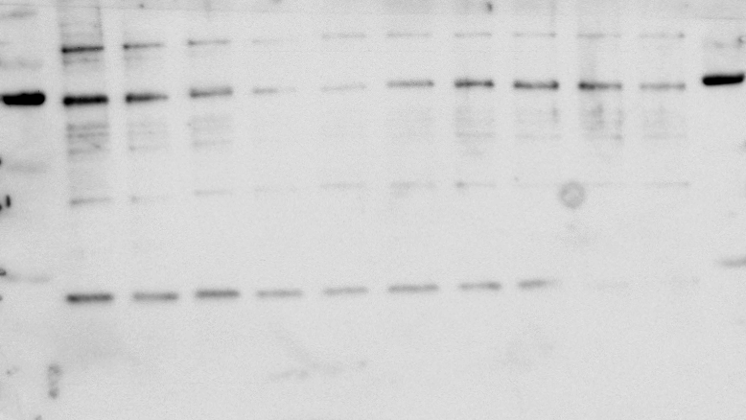

20kDa

unrelated
－
＋
＋
－
Myonectin
－
－
＋
－
DEX
＋
＋
＋
－
－
＋
－
＋
＋
＋
－
＋
PGC1α
siRNA
－
＋
＋
－
－
－
＋
－
＋
＋
＋
－
－
＋
－
＋
＋
＋
－
＋

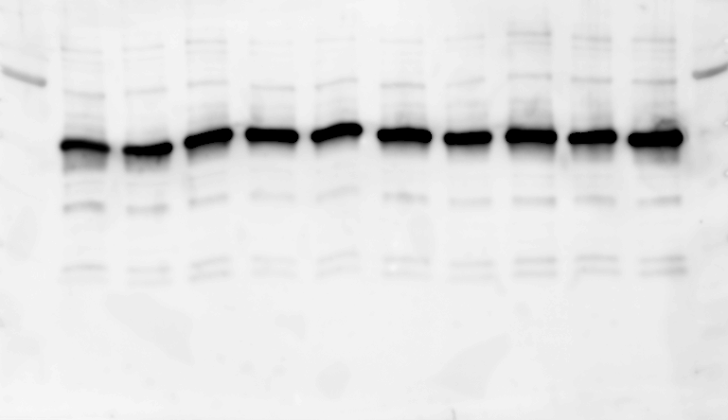

tubulin
50kDa

unrelated
－
＋
＋
－
Myonectin
－
－
＋
－
DEX
＋
＋
＋
－
－
＋
－
＋
＋
＋
－
＋
PGC1α
siRNA
－
＋
＋
－
－
－
＋
－
＋
＋
＋
－
－
＋
－
＋
＋
＋
－
＋

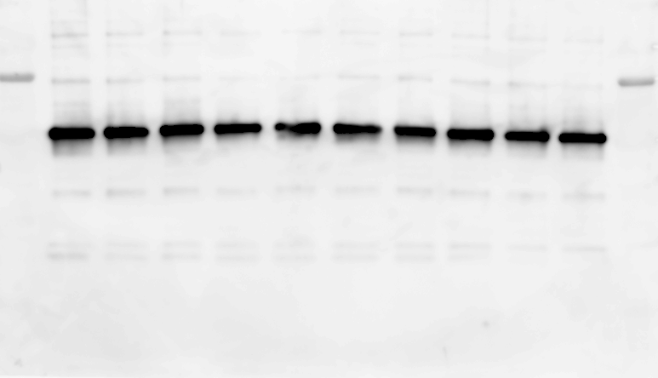

50kDa

Supple Fig11a
Control
Ad-PGC1α4
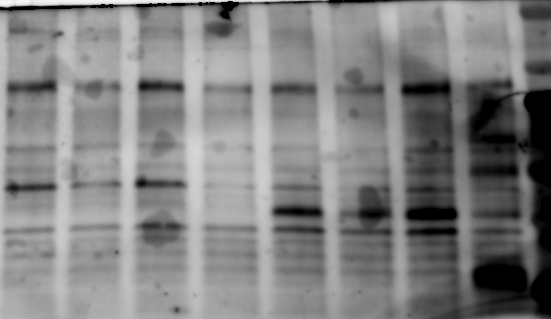
Ad-β-gal | Ad-PGC1α4
0.98578262 | 4.0455141
0.79315577 | 5.86039049
1.28871744 | 6.30056579
0.93234422 | 4.93414287
PGC1α4
37kDa

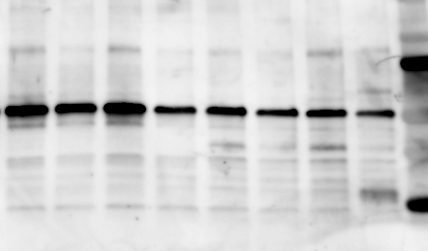

tubulin
50kDa

Supple Fig16a
SAMR
SAMP8
SAMR
SAMP8
SAMR
SAMP8
SAMR
SAMP8
SAMR
SAMP8
Myonectin
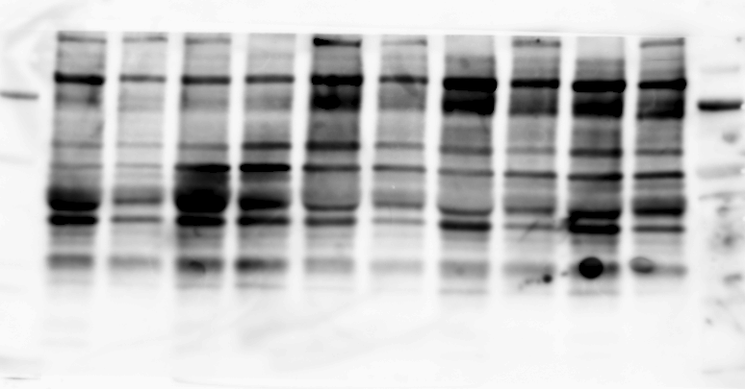
Myonectin/tubulin
SAMR | SAMP8
1.13898879 | 0.66856561
1.69439986 | 0.68182996
0.73344867 | 0.26883629
0.7120494 | 0.36045827
37kDa
0.72111326 | 0.56063751

SAMR
SAMP8
SAMR
SAMP8
SAMR
SAMP8
SAMR
SAMP8
SAMR
SAMP8

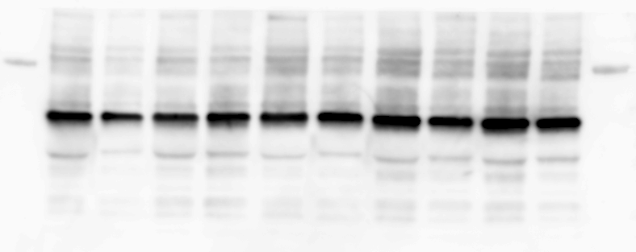

tubulin
50kDa

Supple Fig17a
WT
mdx
WT
mdx
WT
mdx
WT
mdx
WT
mdx
Myonectin

Myonectin/tubulin
WT | mdx
0.86784726 | 0.44551782
0.73235065 | 0.68568492
1.33683311 | 0.50369114
1.09569244 | 0.27023449
0.96727654 | 0.44208064
37kDa

WT
mdx
WT
mdx
WT
mdx
WT
mdx
WT
mdx

tubulin


50kDa

