Supplementary Fig. 2f
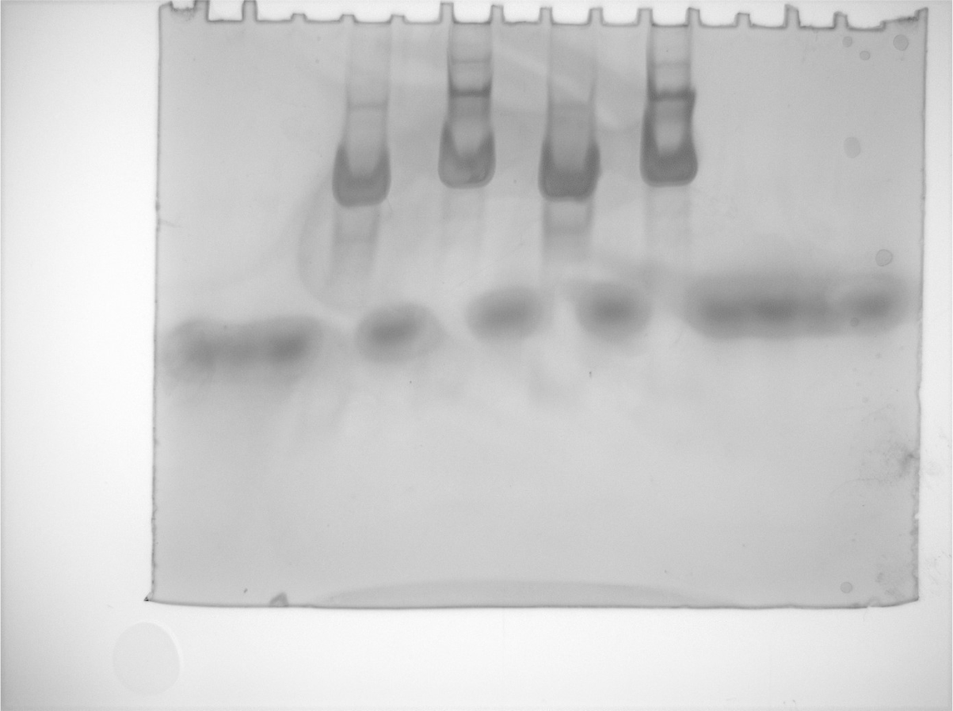
Uncropped image of the native PAGE analysis of J-K-St and St-extended J-K-St

Supplementary Fig. 3b
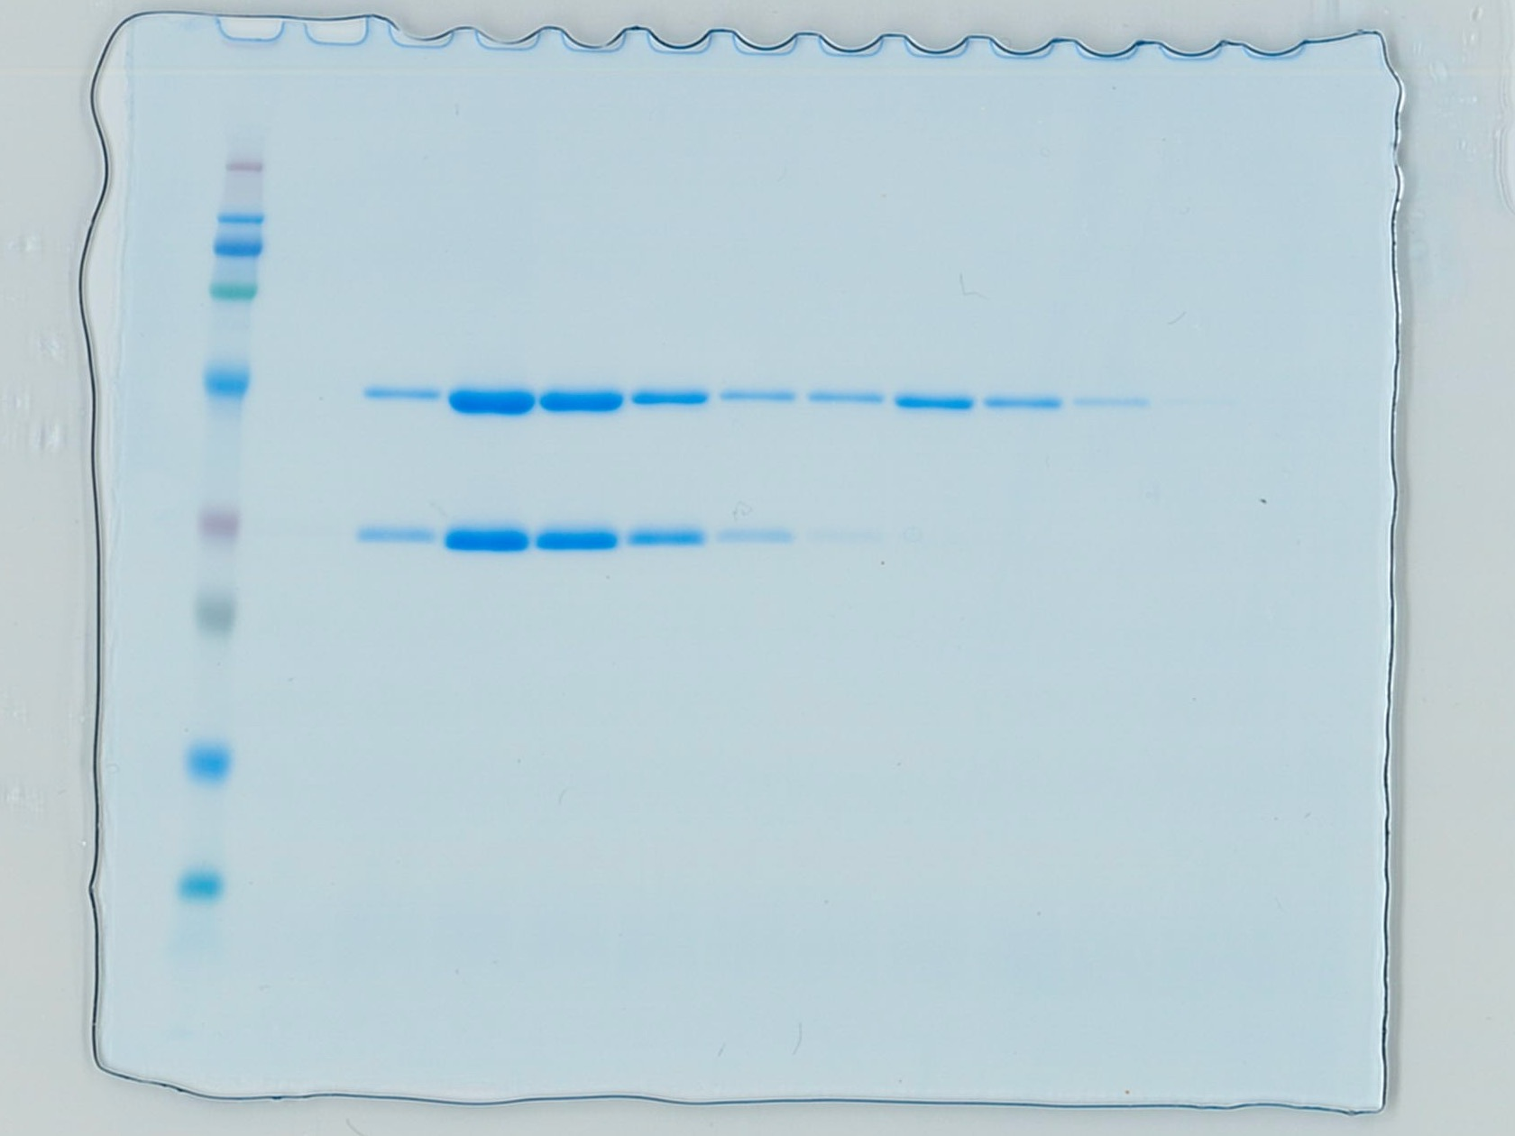
Uncropped image of the SDS-PAGE analysis of the peak fraction corresponding to the ternary complex

