Fig.6
Fig 6b
 | Vx |  |  |  |  | mini-Vx
 | Repeat1 | Repeat2 | Repeat3 | Mean | Std. Deviation | Repeat1 | Repeat2 | Repeat3 | Mean | Std. Deviation | P value | Figure
COG3 | 26 | 15 | 19 | 20.15 | 5.534 | 30 | 20 | 14 | 21.43 | 7.948 | 0.9915 | Fig 6b
GLI1 | 16 | 26 | 13 | 18.64 | 6.456 | 25 | 27 | 8 | 20.22 | 10.06 | 0.9846 | Fig 6b
PPIB | 10 | 13 | / | 11.5 | 2.121 | 12 | 11 | / | 11.5 | 0.7071 | >0.9999 | Fig 6b

Fig 6c

COG3 | A1 | A2 | A4 | A5 | A6 | A14 | A18 | A20 | A25 | A26 | A30 | A33 | A36 | A37 | A40 | A41 | A42 | A52 | A57 | A58 | A60 | A61 | A62 | A63 | A66 | A68 | A70
mini-Vx-repeat1 | 0 | 0 | 0 | 0 | 0 | 0 | 0 | 0 | 0 | 0 | 0 | 0 | 0 | 1.97 | 0 | 0.36 | 11.85 | 0 | 0 | 0 | 0 | 0 | 0 | 0 | 0 | 4.08 | 0
mini-Vx-repeat2 | 0 | 0 | 0 | 0 | 0 | 0 | 0 | 0 | 0 | 0 | 0 | 0.67 | 2.41 | 2.6 | 0 | 2.6 | 17.88 | 0 | 0 | 0 | 0 | 0 | 0 | 0 | 0 | 0 | 0
mini-Vx-repeat3 | 0 | 0 | 0 | 0 | 0 | 0 | 0 | 0 | 0 | 0.35 | 1.39 | 0 | 1.39 | 2.29 | 0 | 0 | 13.07 | 0 | 0 | 0 | 0 | 0 | 0 | 0 | 0 | 0 | 0
Vx-repeat1 | 0 | 0 | 0 | 0 | 0 | 0 | 0 | 0 | 0 | 2.92 | 0 | 0 | 2.92 | 2.92 | 0 | 2.92 | 13.75 | 0 | 0 | 2.33 | 0 | 0 | 0 | 0 | 0 | 0 | 0
Vx-repeat2 | 0 | 0 | 0 | 0 | 0 | 0 | 0 | 0 | 0 | 0 | 0 | 0 | 0 | 0 | 0 | 0 | 21.28 | 0 | 0 | 0 | 0 | 0 | 0 | 0 | 0 | 0 | 0
Vx-repeat3 | 0 | 0 | 0 | 0 | 0 | 0 | 0 | 0 | 0 | 0 | 0 | 0 | 0 | 1.37 | 0 | 0.81 | 23.28 | 0 | 0 | 0 | 0 | 0 | 0 | 0 | 0 | 0 | 0

Fig 6d

GLI1 | A1 | A4 | A6 | A14 | A17 | A20 | A24 | A26 | A27 | A35 | A39 | A44 | A46 | A52 | A54 | A57 | A58 | A60 | A64 | A66 | A67
mini-Vx-repeat1 | 0 | 0 | 0 | 0 | 0 | 0 | 0 | 0 | 0 | 0 | 0 | 7.67 | 0 | 0 | 0 | 0 | 0 | 0 | 0 | 0 | 0
mini-Vx-repeat2 | 0 | 0 | 0 | 0 | 0 | 0 | 0 | 0 | 0 | 0 | 0 | 9.67 | 0 | 0 | 0 | 0 | 0 | 0 | 0 | 0 | 0
Vx-repeat1 | 0 | 0 | 0 | 0 | 0 | 0 | 0 | 0 | 0 | 0 | 0 | 11.57 | 0 | 0 | 0 | 0 | 0 | 0 | 0 | 0 | 2.85
Vx-repeat2 | 0 | 0 | 0 | 0 | 0 | 0 | 0 | 0 | 0 | 0 | 0 | 16.28 | 0 | 0 | 0 | 0 | 0 | 0 | 0 | 0 | 0

Fig 6g
130kd
95kd
72kd
55kd

PCSK9 62kd

43kd
34kd
GAPDH 36kd

Fig 6f

Pcsk9 mRNA in liver | 1 | 2 | 3 | 4 | 5 | 6 | Mean | Std. Deviation | P value | Figure
Noninjected | 1 | 0.88967 | 0.817419 | 0.995437 | 1.212542 | 0.987945 | 0.9838 | 0.1336 | / | Fig 6f
AAV8-crPCSK9 | 0.34892 | 0.299 | 0.354006 | 0.34874 | 0.317449 | 0.382918 | 0.3418 | 0.02954 | 0.48 | Fig 6f

Fig 6h

Total cholesterol(mmol/L) | 1 | 2 | 3 | 4 | 5 | 6 | Mean | Std. Deviation | P value | Figure
Noninjected | 2.23 | 2.14 | 2.47 | 2.07 | 2.36 | 2.31 | 2.263 | 0.1469 | / | Fig 6h
AAV8-crPCSK9 | 1.42 | 1.33 | 1.28 | 1.57 | 1.21 | 1.52 | 1.388 | 0.1402 | 0.03 | Fig 6h

Fig 6i

ALT(U/L) | 1 | 2 | 3 | 4 | 5 | 6 | Mean | Std. Deviation | P value | Figure
Noninjected | 82 | 77 | 71 | 69 | 74 | 66 | 73.17 | 5.776 | / | Fig 6i
AAV8-crPCSK9 | 65 | 55 | 52 | 49 | 59 | 61 | 56.83 | 5.947 | 0.03 | Fig 6i

Fig 6j

AST(U/L) | 1 | 2 | 3 | 4 | 5 | 6 | Mean | Std. Deviation | P value | Figure
Noninjected | 283 | 291 | 299 | 274 | 260 | 267 | 279 | 14.76 | / | Fig 6j
AAV8-crPCSK9 | 256 | 253 | 283 | 326 | 311 | 305 | 289 | 30.1 | 0.03 | Fig 6j

Fig. S2
Fig. S2a

150kd
100kd
72kd
RfxCas13d 112kd
mini-RfxCas13d 79.7kd

50kd
40kd
35kd

GAPDH 36kd

Fig. S2b

150kd
100kd
72kd
PbuCas13b 134.1kd
mini-PbuCas13b 102.3kd

50kd
40kd
35kd

GAPDH 36kd

Fig. S3
Fig.S3a
 | pspCas13b-different temperature | RfxCas13d-different temperature
150kd
100kd
72kd
50kd
40kd
35kd
20kd
150kd
100kd
72kd
50kd
40kd
35kd
20kd

Fig.S3b
 | pspCas13b-different concentrations of IPTG |  | RfxCas13d-different concentrations of IPTG
150kd
100kd
72kd
50kd
40kd
35kd
20kd
150kd
100kd
72kd
50kd
40kd
35kd
20kd

Fig.S3c | PspCas13b |  | RfxCas13d
150kd
100kd
72kd
50kd
40kd
35kd
20kd
15kd

150kd
100kd
72kd
50kd
40kd
35kd
20kd
15kd

Fig. S4
Fig.S4a |  | Fig.S4b
 | RfxCas13d |  | mini-RfxCas13d
180kd
130kd
95kd
72kd
55kd
43kd
34kd
26kd
17kd
10kd
150kd
100kd
72kd
50kd
40kd
35kd

111.77kd
79.7kd

Fig.S4c |  | Fig.S4d
 | PspCas13b |  |  | mini-PspCas13b
150kd
100kd
72kd
50kd
40kd
35kd
127.6kd
180kd
130kd
95kd
72kd
55kd
43kd
34kd
26kd
17kd

98.1kd

Fig.S4e |  | Fig.S4f

PspCas13b
mini-PspCas13b

RfxCas13d
mini-RfxCas13d
132nt
96nt
66nt
30nt
uncleaved array crRNA

120nt
90nt
60nt
30nt
uncleaved array crRNA
mature crRNA

mature crRNA

Fig.S4g |  | Fig.S4h

RfxCas13d
mini-RfxCas13d
PspCas13b
mini-PspCas13b
Cas13b - + - +
crRNA - + + + - + + +
ssRNA + - + + + - + +
Cas13d - + - +
crRNA - + + + - + + +
ssRNA + - + + + - + +

uncut
uncut

cut
cut

Fig. S15
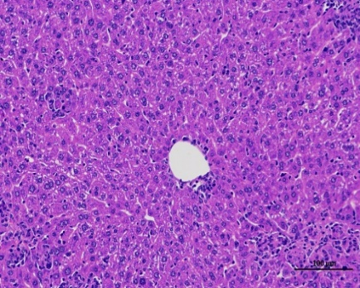
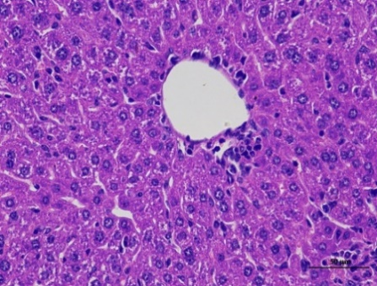
Fig. S15a
Cas13 | Pcsk9 mRNA in cell | repeat1 | repeat2 | repeat3 | Mean | Std. Deviation | P value | Figure
/ | / | 1 | 1.020153 | 1.039867 | 1.02 | 0.01993 | / | Fig S15a
RfxCas13d | crRNA1 | 0.130761 | 0.097689 | 0.114398 | 0.1143 | 0.01654 | <0.0001 | Fig S15a
 | crRNA2 | 0.117829 | 0.149066 | 0.148747 | 0.1385 | 0.01794 | <0.0001 | Fig S15a
 | crRNA3 | 0.233215 | 0.22913 | 0.224944 | 0.2291 | 0.004136 | <0.0001 | Fig S15a
mini-RfxCas13d | crRNA1 | 0.164821 | 0.15586 | 0.183237 | 0.168 | 0.01396 | <0.0001 | Fig S15a
 | crRNA2 | 0.181538 | 0.18665 | 0.172411 | 0.1802 | 0.007213 | <0.0001 | Fig S15a
 | crRNA3 | 0.166063 | 0.156935 | 0.197605 | 0.1735 | 0.02134 | <0.0001 | Fig S15a

Fig. S15b
 | WT |  |  |  |  | AAV
 | repeat1 | repeat2 | repeat3 | Mean | Std. Deviation | repeat1 | repeat2 | repeat3 | Mean | Std. Deviation | P value | Figure
primer-1 | 1 | 1.399535 | 1.426142 | 1.275 | 0.2387 | 131.3716 | 124.1922 | 104.1505 | 119.9 | 14.11 | 0.0093 | Fig S15b
primer-2 | 1 | 1.25756 | 1.561953 | 1.273 | 0.2813 | 82.44599032 | 110.7198111 | 88.75567272 | 93.97 | 14.84 | 0.0152 | Fig S15b

Fig. S15c |  |  |  |  | Fig. S15d

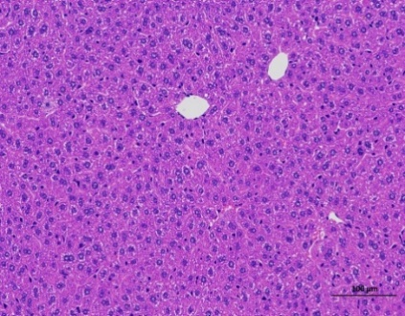
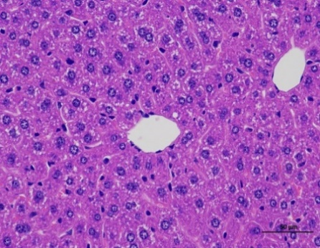

Fig. S15e |  |  |  |  | Fig. S15f

